Questions
Q1: | Split the Product id column into 3 separate columns in power query example:

 | Product ID | Product Category | Product Sub Category | ID
 | FUR-BO-10001798 | FUR | BO | 10001798
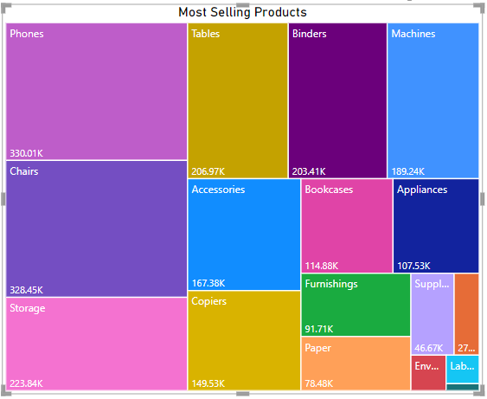
Q2 | Create a Tree Map showing sales by Sub - Category

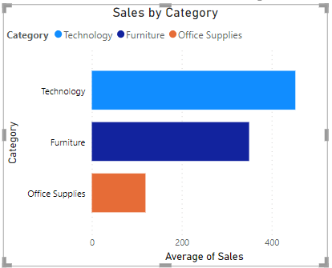
Q3 | Create a Bar Chart displaying sales by Category

Q4 | Create a calculated column calculating the number of days between the product being ordered and shipped?

 | Use the DATEDIFF function and Order Date and Ship Date columns, name the new columns Time_to_ship.

Q5 | Basis Q4 if the Time_to_ship is more than 5 days create a calculated column flag that order.

 | use the if statement and the column Time_to_ship created in Q4

