Metrics_Calculation
 |  |  |  |  | predicted_churn_model1 | predicted_churn_model2 | predicted_churn_model3

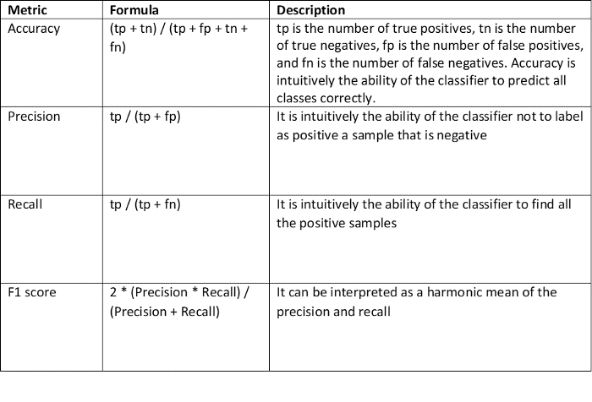
 |  |  | Actual | Predicted | Model 1 | Model 2 | Model 3
 | Observations | Count of Rows |  |  | 10,000 | 10,000 | 10,000
 | Positives | Count of 1's |  |  | 2,037 | 2,037 | 2,037
 | Negatives | Count of 0's |  |  | 7,963 | 7,963 | 7,963
 | Accuracy | Sum of all Accurate Predictions |  |  | 4,543 | 5,546 | 3,982
 | Accuracy% | Sum of Accurate / Count of Total Observations |  |  | 45.4% | 55.5% | 39.8%
 | TP | Count of True Positives | 1 | 1 | 1,139 | 1,444 | 1,467
 | FN | Count of False Negative | 1 | 0 | 898 | 593 | 570
 | TN | Count of True Negatives | 0 | 0 | 4,559 | 3,861 | 5,448
 | FP | Count of False Positives | 0 | 1 | 3,404 | 4,102 | 2,515
 | TP + FN |  |  |  | 2,037 | 2,037 | 2,037
 | TP + FP |  |  |  | 4,543 | 5,546 | 3,982
 | Total | Total of above 4 |  |  | 10,000 | 10,000 | 10,000

Yes/1 | Recall % | TP / (TP + FN) |  |  | 55.9% | 70.9% | 72.0%
Yes/1 | Precision % | TP / (TP + FP) |  |  | 25.1% | 26.0% | 36.8%

Yes/1 | F1 Score | 2 * (Precision * Recall) / (Precision + Recall) |  |  | 34.6% | 38.1% | 48.7%

No/0 | Recall | TP / (TP + FN)
No/0 | Recall % | TP / (TP + FP)

