Metrics_Calculation
 |  |  | predicted_churn_model1 | predicted_churn_model2 | predicted_churn_model3

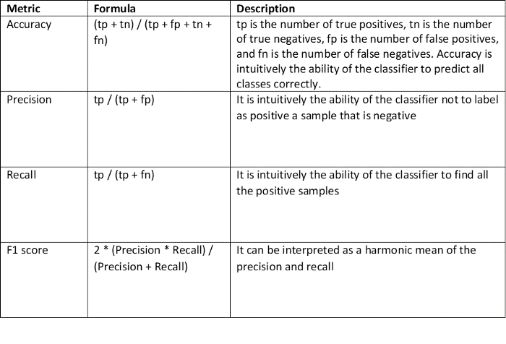
 |  |  | Model 1 | Model 2 | Model 3
 | Observations | Count of Rows | - | - | -
 | Positives | Count of 1's
 | Negatives | Count of 0's
 | Accuracy | Sum of all Accurate Predictions
 | Accuracy% | Sum of Accurate / Count of Total Observations
 | TP | Count of True Positives
 | FN | Count of False Negative
 | TN | Count of True Negatives
 | FP | Count of False Positives
 | TP + FN
 | TP + FP
 | Total | Total of above 4

Yes/1 | Recall % | TP / (TP + FN)
Yes/1 | Precision % | TP / (TP + FP)

Yes/1 | F1 Score | 2 * (Precision * Recall) / (Precision + Recall)

