Questions
Number | Tasks
1 | Create Name Range for each column in the data Sheet
2 | Ensure all columns are visible in the Name Manager section
 |  |  |  |  | Use functions from this section

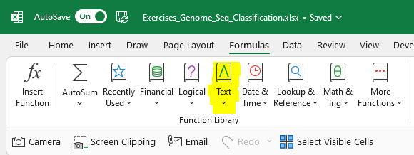
Number | Question | Sheet | Outcome | Answer
1 | Find the length of each Genome_Sequence in column "Genome_Length" | data | Column "genome_length"
2 | Combine nucleotide (col_1 to col_16) in one sequence Answer other questions in the same sheet | Combine | Column "genome_sequence"
3 | Is there variation in Genome Length? | Unique | "Answer" column in this table
4 | Create 80 column heading "col_1" to "col_80" | Unique
5 | Write a formula to extract one character in each column - With Delimeter - Without Delimeter | Unique | Columns (col_1 to col_2)
6 | Now extract for all genome_sequence - Create col_1 to col_80 - Extract the one nucleotide per column | data
7
8
9
10
11
12
13
14
15

