MarketingManager
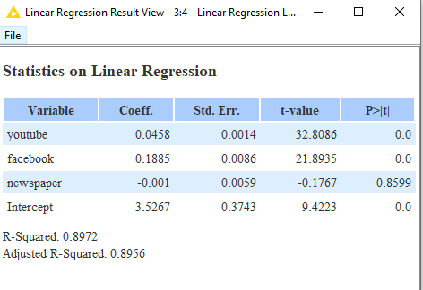
Thousands(k)
 | M1 | M2 | M3 | C
Coeff | 0.0458 | 0.1885 | -0.001 | 3.5267

Budget | youtube(x1) | facebook(x2) | newspaper(x3) | Sales( Y)
0 | 0 | 0 | 0 | 3.5267
1 | 1 | 0 | 0 | 3.5725
2 | 2 | 0 | 0 | 3.6183
2 | 0 | 0 | 2 | 3.5247
10 | 1 | 1 | 8 | 3.753
10 | 0 | 10 | 0 | 5.4117
100 | 35 | 55 | 10 | 15.4872
100 | 30 | 30 | 40 | 10.5157
100 | 20 | 50 | 20 | 13.8477

Y = M * X + Constant
Previous Data Diff Channels
Impressions - platform

