Objective
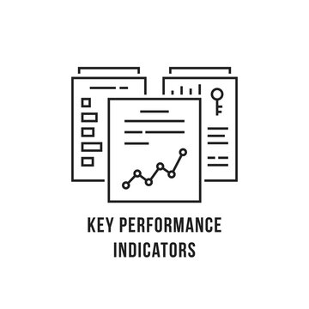

eCommerce Sales Performance Scorecard

Objective | Build a Quarterly Scorecard to track overall performance and by various product category

Scorecard_v1
eCommerce Sales Performance Scorecard

eCommerce Quarterly Performance |  | Current Quarter (CQ) | Previous Quarter (PQ) | Previous Year Quarter (PYQ)
 |  | 2023-Q1 | 2022-Q4 | 2022-Q1
Overall | Sales | 885,100 | 824,871 | 858,316
 | Quantity | 994 | 932 | 947
 | Discount | 15% | 15% | 15%
Desktops | Sales | 164,584 | 151,599 | 128,393
 | Quantity | 156 | 186 | 149
 | Discount | 16% | 17% | 16%
Laptops | Sales | 155,038 | 153,919 | 145,273
 | Quantity | 191 | 156 | 158
 | Discount | 14% | 13% | 16%

