Outliers
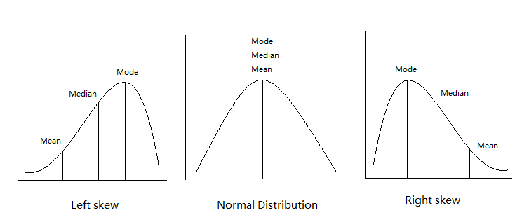
CrimeRate |  | CrimeRate
1
45.5 | 25
52.3
56.6
60.3
64.2
67.6
70.5
73.2
75
78.1
79.8
82.3 |  | 82.3
83.1 |  | 83.1
84.9 |  | 84.9
85.6 |  | 85.6
88 |  | 88
92.3 |  | 92.3
94.3 |  | 94.3
95.3 |  | 95.3
96.8 |  | 96.8
97.4 |  | 97.4
98.7 |  | 98.7
99.9 |  | 99.9
103 |  | 103
104.3 |  | 104.3
105.9 |  | 105.9
106.6 |  | 106.6
107.2 |  | 107.2
108.3 |  | 108.3
109.4 |  | 109.4
112.1 |  | 112.1
114.3 |  | 114.3
115.1 |  | 115.1
117.2 |  | 117.2
119.7 |  | 119.7
121.6 |  | 121.6
123.4
127.2
132.4
135.5
137.8
140.8
145.4
149.3
154.3
157.7
161.8
250

2_Freq_CrimeRate
 |  | CrimeRate
 |  | A new records enters in the system, where crime-rate is 198.2. What is the likelihood that this record is the part of population ?
Bin | Frequency
40 | 0
50 | 1
60 | 2 | Null H0 : Its part of the population
70 | 3 | Alternate : Its not part of the population
80 | 5
90 | 5 | confidence - 95%
100 | 7 | Alpha = 0.05
110 | 7 | Critical P Value = 1.77
120 | 5
130 | 3 | p stat < Critical P value => Reject
140 | 3 | 0.003 < Critical P value => Reject
150 | 3
160 | 2
More | 1

