Sheet1
Bug ID | Priority | Description/Bug Summary | Pre-requisites | Bug steps | Expected Result | Actual Result | Status | Test Executed By | Browser/Device | Screenshot/Video recording
BUG_001 | High | "Sign up" button does not remain disabled when mandatory fields are empty | 1. Visit URL: https://finance-man.netlify.app/ | 1. Visit URL: https://finance-man.netlify.app/ | "Sign up" button remains disabled. | Button doesn't remain disabled | Open | Kunal | Chrome | 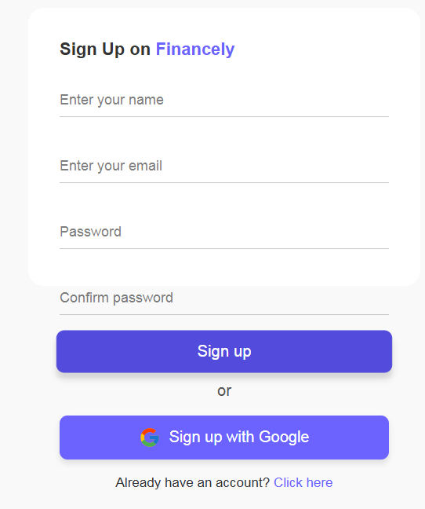 Screenshot
BUG_002 | Medium | Name field accepts invalid characters | 1. Visit URL 2. Enter Name | 1. Visit URL: https://finance-man.netlify.app/ 2. Enter Name: kunal@12 | Error message is displayed for invalid name input. | Accepts invalid characters | Open | Kunal | 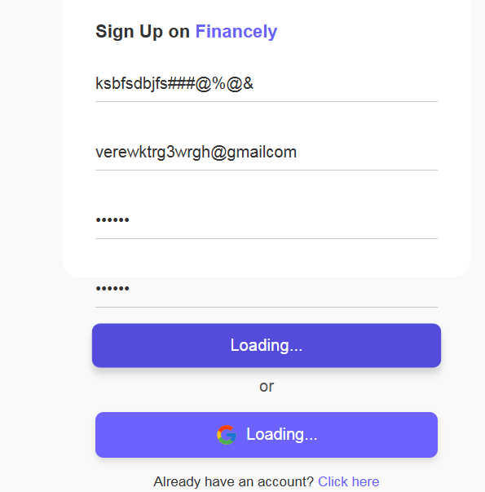 Chrome | Screenshot
BUG_003 | High | Weak password is not rejected | 1. Visit URL 2. Enter Name 3. Enter Email 4. Enter Password | 1. Visit URL: https://finance-man.netlify.app/ 2. Enter Password: 123456 | Error message prompts user to enter a stronger password. | Error message is not displayed | Open | Kunal | Chrome | 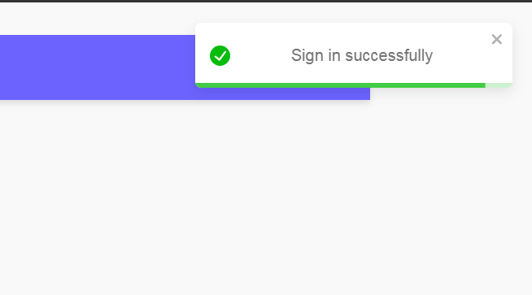 Screenshot
BUG_004 | High | Error message is not displayed for password mismatch | 1. Visit URL 2. Enter Name 3. Enter Email 4. Enter Password 5. Enter Confirm Password | 1. Visit URL: https://finance-man.netlify.app/ 2. Enter Password: Lazy@1383 3. Enter Confirm Password: Lazy@13833 | Error message is displayed indicating password mismatch. | Error message is not displayed | Open | Kunal | 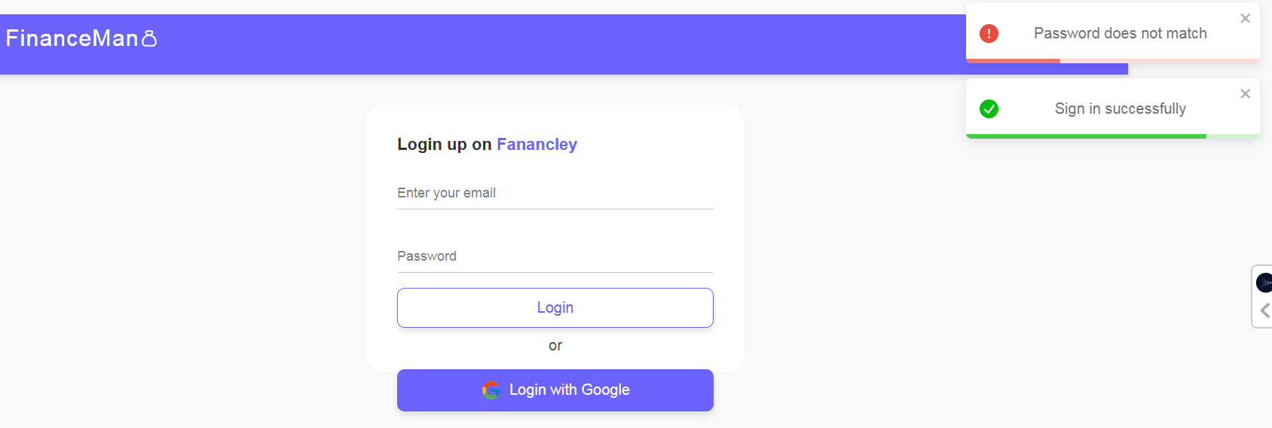 Chrome | Screenshot
BUG_005 | Medium | Error message not displayed for exceeding character limit in Password field | 1. Visit URL 2. Enter Name 3. Enter Email 4. Enter Password 5. Enter Confirm Password | 1. Visit URL: https://finance-man.netlify.app/ 2. Enter Password: andkandahdknsfhsajkfasbsakfhkufhbdsjbvskufhdskjvdsjbvjsdkksvdsmv | Error message is displayed for character limit exceedance. | Error message is not displayed | Open | Kunal | Chrome | 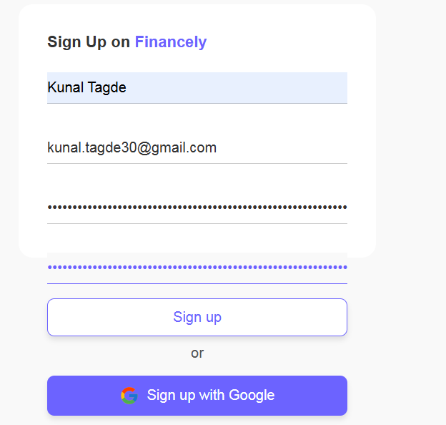 Screenshot
BUG_006 | Low | Error message not displayed for exceeding email length limit | 1. Visit URL 2. Enter Name 3. Enter Email | 1. Visit URL: https://finance-man.netlify.app/ 2. Enter Email: snfgdfjsgdfguygfugjgzuygsdfgjsgfkjgysdgfugsjdfbygfgsfjgfugeugfaukzggffgajgkgaeufgugjfguegfug@gmail.com | Error message indicates email length exceeds limit. | Error message is not displayed | Open | Kunal | Chrome | 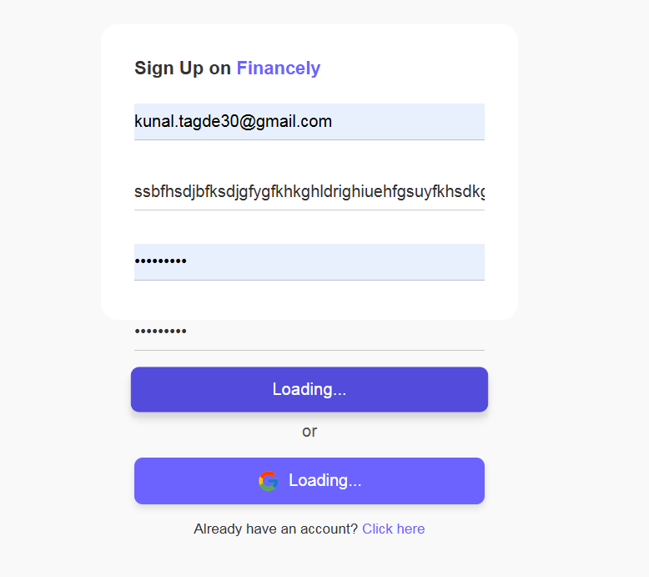 Screenshot
BUG_007 | High | Login button does not remain disabled without input | 1. Visit URL 2. Click here (for Login) | N/A | Login button remains disabled. | Login button does not remain disabled. | Open | Kunal | Chrome | 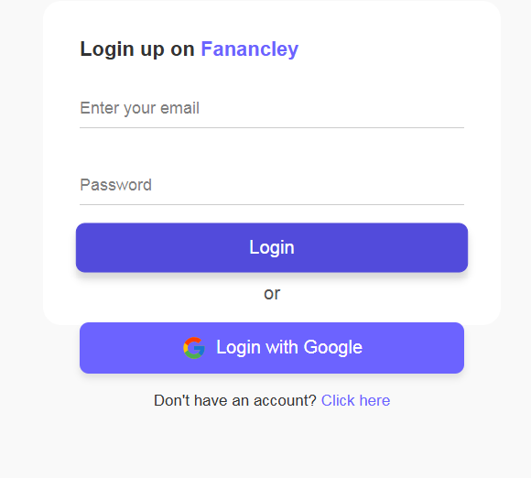 Screenshot
BUG_008 | Medium | Error message not displayed for invalid name input in Add Income form | 1. Visit URL 2. LogIn to the website 3. Click on add income 4. Enter name | 1. Visit URL: https://finance-man.netlify.app/ 2. Enter Name: kunal@12 | Error message: "Invalid name." | Error message is not displayed | Open | Kunal | Chrome |  Screenshot
BUG_009 | Medium | Error message not displayed for negative amount in Add Income form | 1. Visit URL 2. LogIn to the website 3. Click on add income 4. Enter name and enter amount | 1. Visit URL: https://finance-man.netlify.app/ 2. Enter Amount: -555 | Error message: "Amount cannot be negative." | Error message is not displayed | Open | Kunal | Chrome | Screenshot
BUG_010 | Medium | Error message not displayed for selecting a future date in Add Income form | 1. Visit URL 2. LogIn to the website 3. Click on add income 4. Enter credentials and choose date | 1. Visit URL: https://finance-man.netlify.app/ 2. Select Date: 20-12-2024 | Error message: "Date cannot be in the future." | Error message is not displayed | Open | Kunal | Chrome |  Screenshot
BUG_011 | Medium | Error message not displayed for negative amount in Add Expense form | 1. Visit URL 2. LogIn to the website 3. Click on add expense 4. Enter name and enter amount | 1. Visit URL: https://finance-man.netlify.app/ 2. Enter Amount: -54 | Error message: "Amount cannot be negative." | Error message is not displayed | Open | Kunal | Chrome | Screenshot
BUG_012 | Medium | Error message not displayed for selecting a future date in Add Expense form | 1. Visit URL 2. LogIn to the website 3. Click on add expense 4. Enter credentials and choose date | 1. Visit URL: https://finance-man.netlify.app/ 2. Select Date: 21-12-2024 | Error message: "Date cannot be in the future." | Error message is not displayed | Open | Kunal |  Chrome | Screenshot
BUG_013 | Medium | Error message not displayed for exceeding maximum character limit in Add Expense Name field | 1. Visit URL 2. LogIn to the website 3. Click on add expense 4. Enter name | 1. Visit URL: https://finance-man.netlify.app/ 2. Enter Name: svsfbbfvgsfgjfgugehfyegwugshgurgfwhfiwgrwufgeawgwghukygewughwig | Error message: "Name exceeds maximum character limit." | Error message is not displayed | Open | Kunal | Chrome | Screenshot

