Sheet1
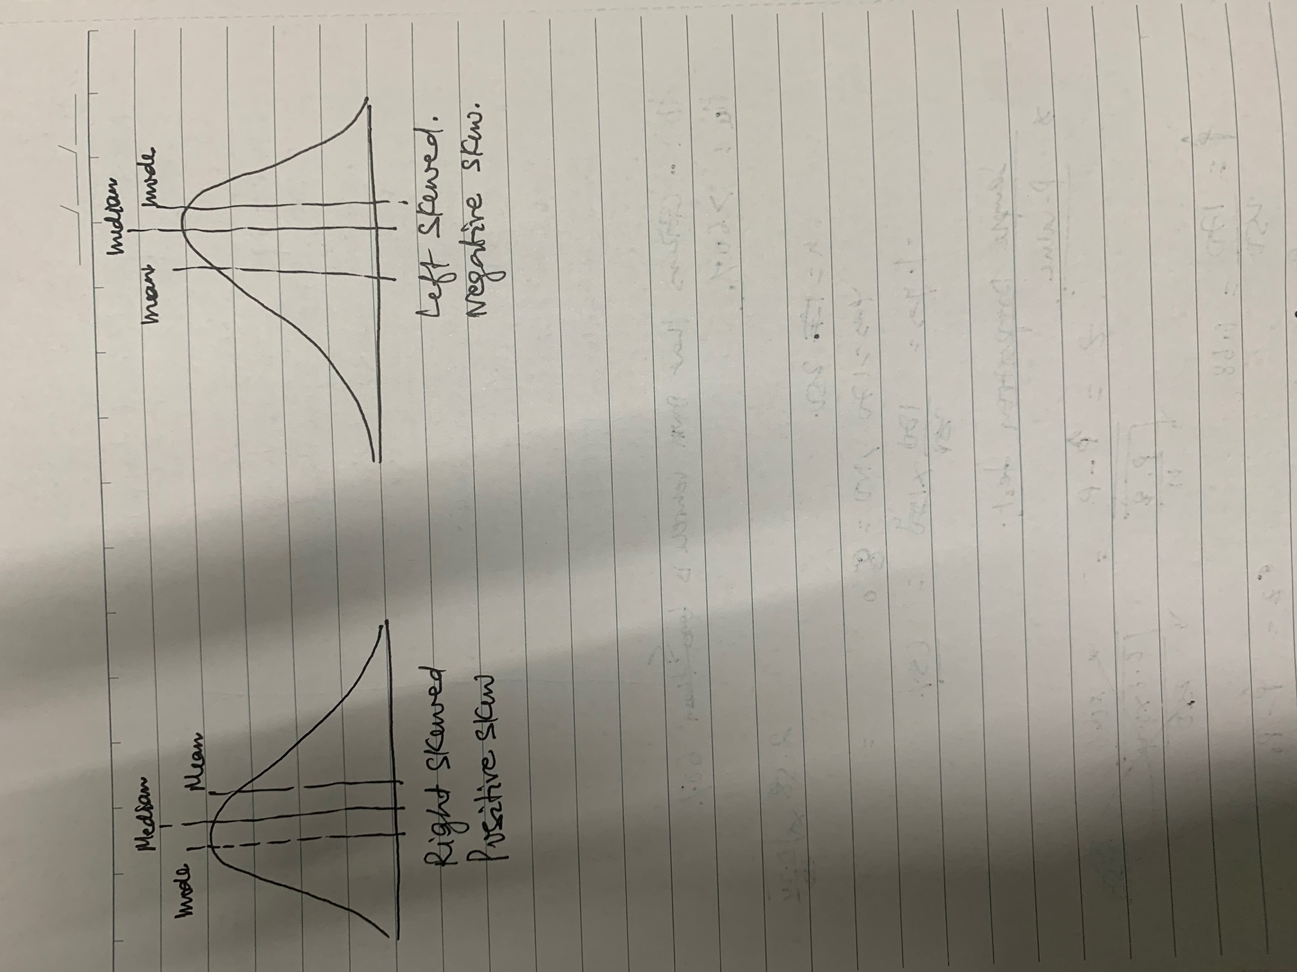
Q1
 | 10
 | 13
 | 18
 | 22
 | 27
 | 32
 | 38
 | 40
 | 45
 | 51
 | 56
 | 57
 | 88
 | 90
 | 92
 | 94
 | 99

Q2
 | x = X(mean) +-z(stddev/sqrt(sample)
 | x = 250+-25.6
 | Therefore, 80% CI around mean will be 25.6 and -25.6

Q3 a)
Ho: Citizens having vehicle is less than or equal to 60%
Ha: Citizens having vehicle is more than 60%

Q3 b)
This is an example of sample proportion test and I would go through calculating the p-value
Phat = 170/250 = 0.68
P0=0.6
Q0 =1-0.6=0.4
n = 250
z=(Phat-P0)/(Sqrt(P0*Q0)/n)
z= (0.68-0.6)(sqrt(0.6*0.4)/250) = 2.58

So, Looking at z table we get the area under curve as 0.99506.
Since, this area we get is from the left is in the left tail. Therefore the area in right tail is 1-0.99506 = 0.00494. This is the p-value.
P-value is less than the significance value. Therefore, we rejectthe null hypothesis and we can conclude that Citizens having vehicle is more than 60%

Q4
 | 2
 | 2
 | 3
 | 4
 | 5
 | 5
 | 5
 | 6
 | 7 | 99th Percentile= | 11.83
 | 8
 | 8
 | 8
 | 8
 | 8
 | 10
 | 11
 | 11
 | 12

Q5

