Test Cases
Test case number | Test case name | Description | Test Steps | Test Data | Expected Result | Actual Result | Severity | Priority | Tested By | Test Status | Test Creation Date | Test Execution Date | Snapshots
TC001 | Product Search Test | Test the product search functionality | 1.This URL "https://www.amazon.in" should be up 2. Enter "Laptop" as the search query 3. Click the Search button | Valid search query | Display search results | Search results displayed correctly. | High | High | Kunal Chaudhari | Completed | 2023-10-09 | 2023-10-09 | 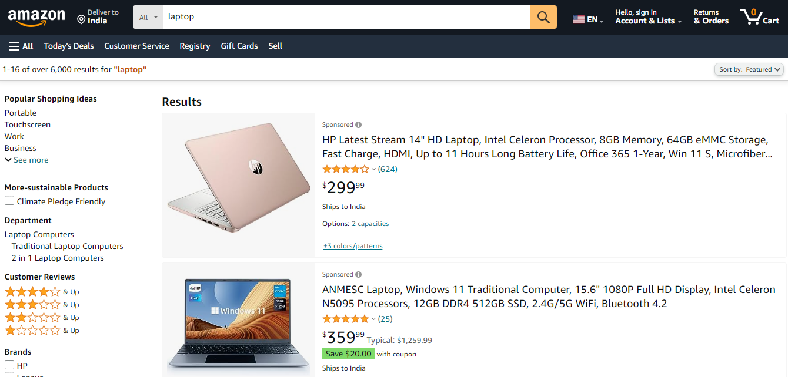
TC002 | Filter Application Test | Test the application of filters to search results | 1.This URL "https://www.amazon.in" should be up 2. Enter "Laptop" as the search query and submit 3. Apply "Price: Low to High" filter criteria | Filter criteria | Search results sorted by price | Results sorted correctly. | Medium | Medium | Kunal Chaudhari | Completed | 2023-10-09 | 2023-10-09 | 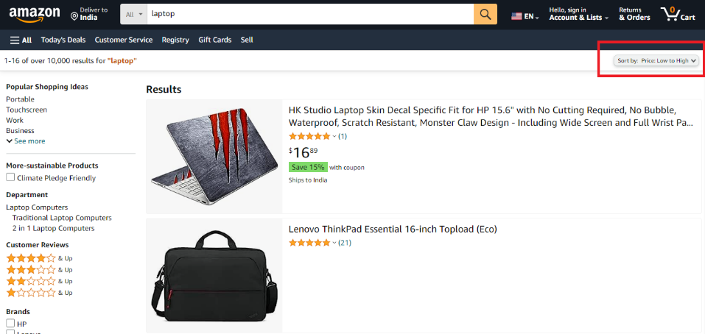
TC003 | Search Results Modification | Test modification of search results after filter | 1.This URL "https://www.amazon.in" should be up 2. Enter "Laptop" as the search query and submit 3. Apply "Brand: Dell" filter criteria | Filter criteria | Only Dell laptops displayed | Dell laptops displayed as expected. | Low | Low | Kunal Chaudhari | Completed | 2023-10-09 | 2023-10-09 | 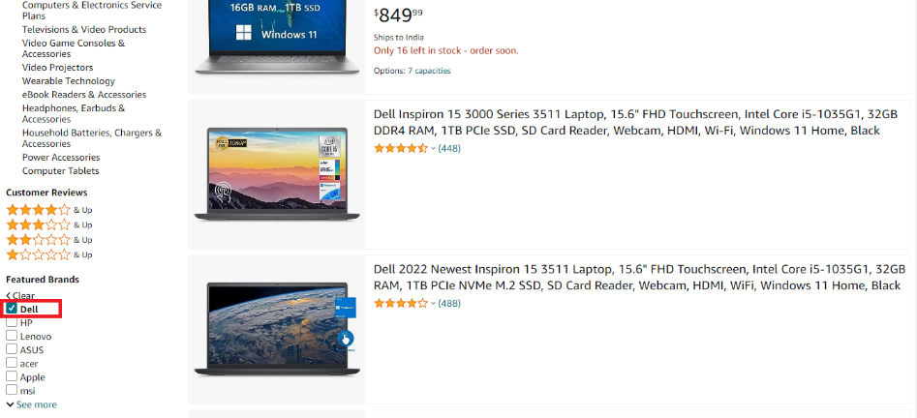
TC004 | Empty Search test | Test searching with an empty query. | 1.This URL "https://www.amazon.in" should be up 2.Leave the search query field empty and submit | Empty Search query | No search results displayed | No results displayed as expected. | Medium | Medium | Kunal Chaudhari | Completed | 2023-10-09 | 2023-10-09 | 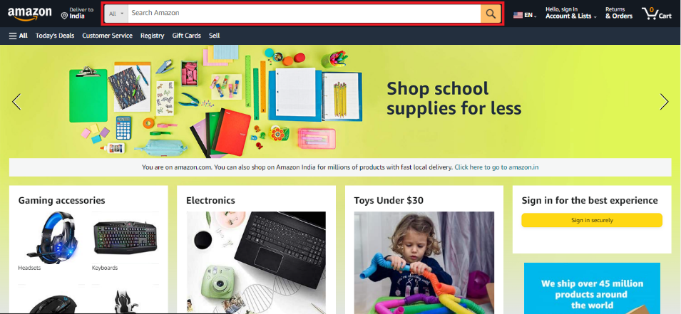
TC005 | Multiple Filter Application Test | Test applying multiple filters to search results | 1.This URL "https://www.amazon.in" should be up 2. Enter "Laptop" as the search query 3. . Apply "Brand: HP" and "Price: High to Low" filters | Filter criteria | Display HP products, sorted by price | Search multiple filter results displayed correctly. | Medium | Medium | Kunal Chaudhari | Completed | 2023-10-09 | 2023-10-09 | 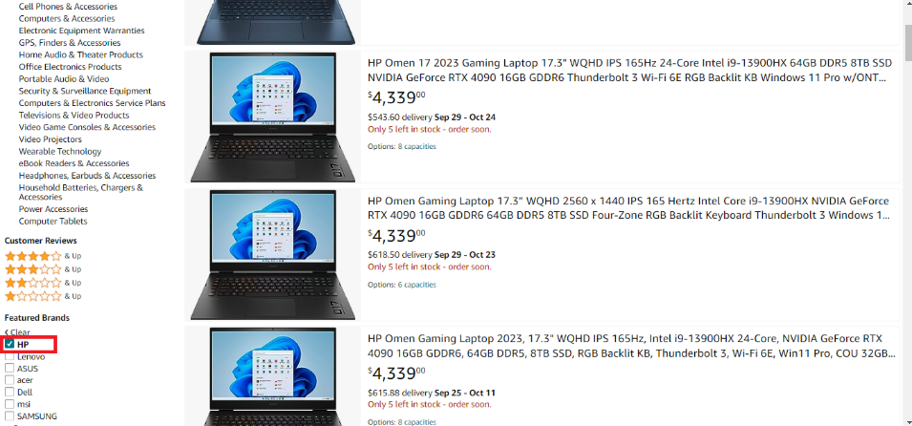
TC006 | Single Filter With Space Test | Test applying a single filter with spaces in criteria | 1.This URL "https://www.amazon.in" should be up 2. Enter "Laptop" as the search query 3. Apply "Brand: HP " filter (with a space after "HP") | Filter criteria with space in brand name | Display HP products that match criteria | Products displayed as expected. | Low | Low | Kunal Chaudhari | Completed | 2023-10-09 | 2023-10-09 | 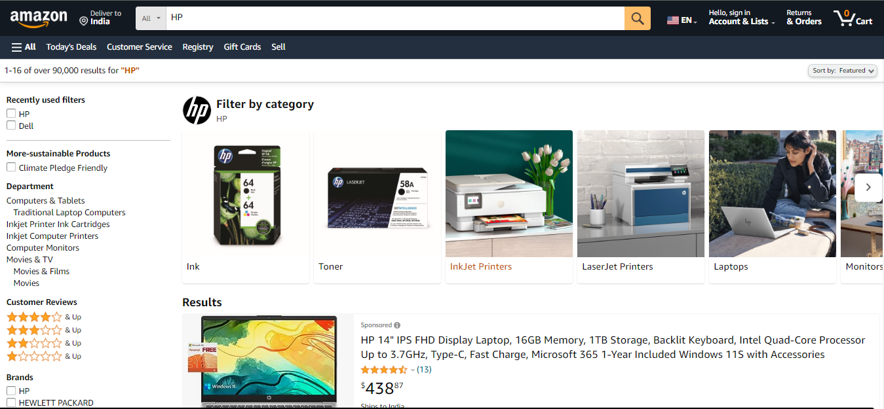
TC007 | Multiple Filters With Spaces Test | Test applying multiple filters with spaces in criteria | 1.This URL "https://www.amazon.in" should be up 2.Apply "Brand: Apple " and "Category: Laptops " filters | Filter criteria with spaces in brand & category | Display Apple laptops that match criteria | Products displayed as expected. | High | High | Kunal Chaudhari | Completed | 2023-10-09 | 2023-10-09 | 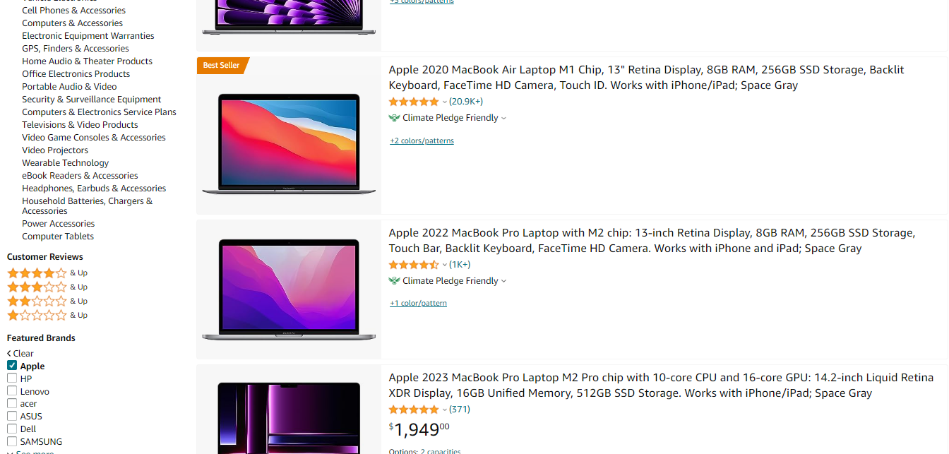

Defects
Defect number | Project Name | Module Name | Requirement Number | Test Case ID | Summary | Description | Issues | Severity | Priority | Assign to | Screen Shots
1 | E-commerce | Search | REQ001 | 1 | Search | When performing a product search using the search functionality (Test Case ID: 1), the search results are not displaying any products. Instead, the page remains blank, and no search results are shown to the user. This issue occurs consistently when searching for various products, including "Laptop" and "Mobile Phone." | N/A | High | High | 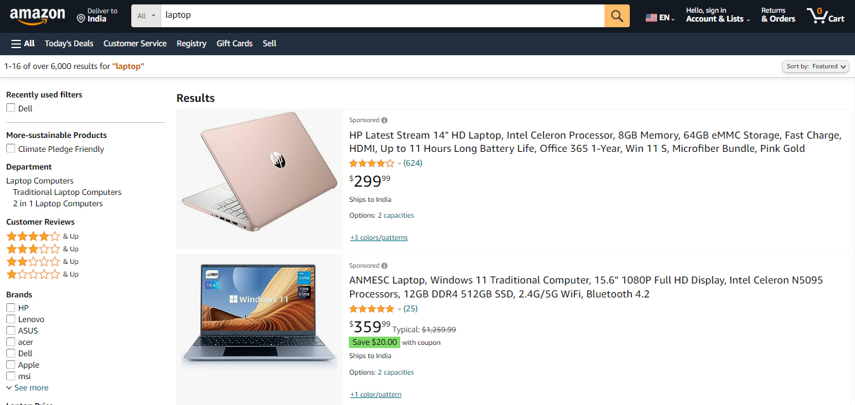 Kunal Chaudhari

