Pivot Table 1
Total Sales by Region
Insights: • The West region generated the highest sales (~$710K). • The East region follows closely with ~$690K. • The South region contributes the least (~$398K). • Overall, sales are fairly balanced between East and West, but South lags behind significantly.

Pivot Table 2
Sales by Category
Insights: - Technology leads all categories in sales, showing it’s the most profitable focus area. - Office Supplies comes second, performing steadily across customers. - Furniture generates the lowest sales among the three main categories. - Clar takeaway: Customers are spending the most on tech-related products, indicating a shift toward digital/business efficiency needs.

Pivot Table 3
Insights: • Phones generate the highest sales (~$2M). • Chairs and Binders also contribute strongly. • Labels and Fasteners bring minimal revenue.

Sales vs. Category

Pivot Table 4
Monthly Sales Trend
Insight - Sales fluctuate month to month, with noticeable peaks in Q4 (holiday season). - 2016 shows stronger sales than 2015, suggesting year-over-year growth.

Dashboard
Total Sales | Total Orders | Average Order Value | Top Region Sales
$2,261,536.78 | 9801 | $230.75 | $710,219.68
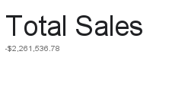
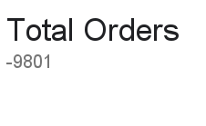
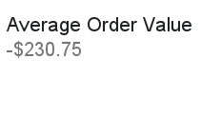
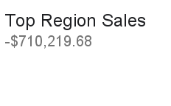

SUM of Sales
SUM of Sales vs. Category

SUM of Sales vs. Sub-Category
SUM of Sales vs. Order Date - Year-Month

Copy of Dashboard
Superstore Sales Dashboard

SUM of Sales
SUM of Sales vs. Category

SUM of Sales vs. Sub-Category
SUM of Sales vs. Order Date - Year-Month

