Sheet1
Row Labels | Sum of runs |  |  |  | Oppenent | Total ground
2018 | 1202 |  | Row Labels | Sum of runs | England | 3
February | 558 |  | Durban | 112 | SouthAfrica | 6
Q1 | 558 |  | Guwahati | 140 | WestIndies | 5
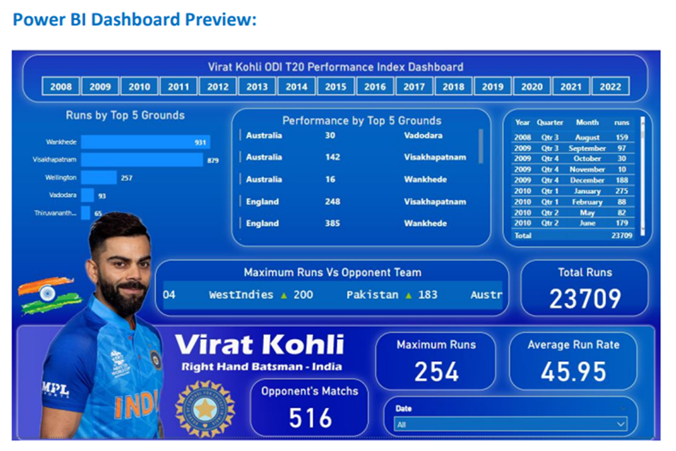
36 | 36 |  | Visakhapatnam | 157 | Grand Total | 14
46 | 46 |  | CapeTown | 160
75 | 75 |  | Centurion | 175
112 | 112 |  | Grand Total | 744
129 | 129
160 | 160
July | 191
Q3 | 191
October | 420 |  |  |  |  |  |  |  |  | Month | (All)
Q4 | 420 |  |  |  |  |  |  |  |  | Year | 2018
16 | 16
107 | 107 |  |  |  |  |  |  |  |  | Quarters | Total Runs
140 | 140 |  |  |  |  |  |  |  |  | Q1 | 558
157 | 157 |  |  |  |  |  |  |  |  | Q3 | 191
November | 33 |  |  |  |  |  |  |  |  | Q4 | 453
Q4 | 33 |  |  |  |  |  |  |  |  | Grand Total | 1202
33 | 33
Grand Total | 1202

 |  | Total Runs
 |  | 1202
 |  |  |  |  |  |  | Date | (All)

 |  |  |  |  |  | Sum of runs
 |  | Opponent's Matchs |  |  |  | 1202 |  |  | Row Labels
 |  | 14 |  |  |  |  |  |  | ODI
 |  |  |  |  |  |  |  | Average Run Rate | Grand Total
 |  |  |  |  |  |  |  | 85.86

Dashboard


 | Total
Durban | 112
Guwahati | 140
Visakhapatnam | 157
CapeTown | 160
Centurion | 175
Total Performance by Ground
 | Total
Q1 | 558
Q3 | 191
Q4 | 453
Performance by Quaters

Sheet2
