EXAMPLE
Decision Tree Example |  |  |  |  |  |  |  |  |  | GENDER |  | FOOTBALL OR NOT | GENDER | COURSE | HEIGHT | Y
 |  |  |  |  |  |  |  |  | MALE |  | FEMALE |  |  |  |  | YES
Dependent Vr | Be at IVY centre @11:00 am |  | Yes | No |  |  |  |  |  |  |  |  |  |  |  | NO
ECONOMICS
ECONOMICS
 |  |  |  |  |  |  |  |  | COURSE |  | COURSE
STATISTICS
Independent Vr | Need to get up by 6:30am |  |  | Yes | No |  |  | STATISTICS
 | Need to take a cab till metro by 8:45 |  |  | Yes | Yes
 | Need to board the metro by 9:15 |  |  | Yes | Yes |  |  | PLAY FOOTBALL |  | HEIGHT
 |  |  |  |  |  |  |  |  | <5.5 |  | >5.5

 |  |  |  |  |  |  |  |  | PLAY FOOTBALL |  | DO NOT PLAY FOOTBALL

 |  |  |  | Grid Search | Search the best hyperparameters from a grid defined by the user

 |  |  |  | Hyper_parameter_1 | Hyper_parameter_2 | Hyper_parameter_3 | Hyper_parameter_4
 |  |  |  | Max_depth | criteria | ..
 |  |  |  | 20 | entropy
 |  |  |  | 15 | gini
 |  |  |  | 10

 |  |  |  | Best Hyperparameters values

 |  |  |  | BOOTSTRAP = TRUE
 |  | TRAIN_DATA |  | RF_TRAIN

 |  | 100% |  | 30% | BOOT STRAP SAMPLE | ERROR - OUT OF BAG ERROR RATE
 |  |  |  | 70%

 |  |  |  |  |  |  | Underfitting | Model has low accuracy or high bias (simple model) | Overfitting | Model is fitting the training data but is not able to generalize to the validation data
 |  |  |  |  |  |  | Accuracy Score |  | Accuracy Score
 |  |  |  | TRAIN_DATA | Training the Model |  | 60% |  | 99%
 |  |  |  | VALIDATION_DATA | Validating the Model |  | 61% |  | 70%
 |  |  |  | TEST_DATA | Unseen Data |  | -

 |  |  |  |  |  |  | TRAIN
 |  |  |  |  |  | ACCURACY | 100%

 |  |  |  |  |  |  | PREDICTED
 |  |  |  |  |  |  | Y=1 | Y=0
 |  |  |  |  | ACTUAL | Y=1 | 75 | 0 | TP | FN
 |  |  |  |  |  | Y=0 | 0 | 87 | FP | TN
 |  |  |  |  |  |  | TRAIN
 |  |  |  |  |  |  | Accuracy | 100.00% | OVERFITTING
 |  |  |  |  |  |  | Sensitivity | 100.00%
 |  |  |  |  |  |  | Specifity | 100.00%

 |  |  |  |  |  |  | TEST
 |  |  |  |  |  |  | Y=1 | Y=0
 |  |  |  | Train Confusion Matrix: |  | Y=1 | 29 | 16 | TP | FN
 |  |  |  | [[87 0] |  | Y=0 | 15 | 48 | FP | TN
 |  |  |  | [ 0 75]]
 |  |  |  | Test Accuracy : 0.7129629629629629 |  |  | VALIDATION
 |  |  |  | Test Confusion Matrix: |  |  | Accuracy | 71.30% | -28.70%
 |  |  |  | [[48 15] | Actual |  | Sensitivity | 64.44%
 |  |  |  | [16 29]] |  |  | Specifity | 76.19%

 |  |  |  |  |  |  | POST CROSS VALIDATION
 |  |  |  |  |  |  | TRAIN
 |  |  |  |  |  |  | PREDICTED
 |  |  |  |  |  |  | Y=1 | Y=0
 |  |  |  |  | ACTUAL | Y=1 | 53 | 33 | TP | FN
 |  |  |  |  |  | Y=0 | 22 | 54 | FP | TN
 |  |  |  |  |  |  | TRAIN
 |  |  |  | Train Confusion Matrix: |  |  | Accuracy | 66.05% | OVERFITTING
 |  |  |  | [[54 33] |  |  | Sensitivity | 61.63%
 |  |  |  | [22 53]] |  |  | Specifity | 71.05%

 |  |  |  |  |  |  | TEST
 |  |  |  |  |  |  | PREDICTED
 |  |  |  |  |  |  | Y=1 | Y=0
 |  |  |  |  | ACTUAL | Y=1 | 27 | 25 | TP | FN
 |  |  |  | Test Accuracy : 0.6018518518518519 Test Confusion Matrix: [[38 25] [18 27]] |  | Y=0 | 18 | 38 | FP | TN

 |  |  |  | Test Confusion Matrix: [[38 25] [18 27]] |  |  | Accuracy | 60.19% | -5.86%
 |  |  |  |  |  |  | Sensitivity | 51.92%
 |  |  |  |  |  |  | Specifity | 67.86%

CART
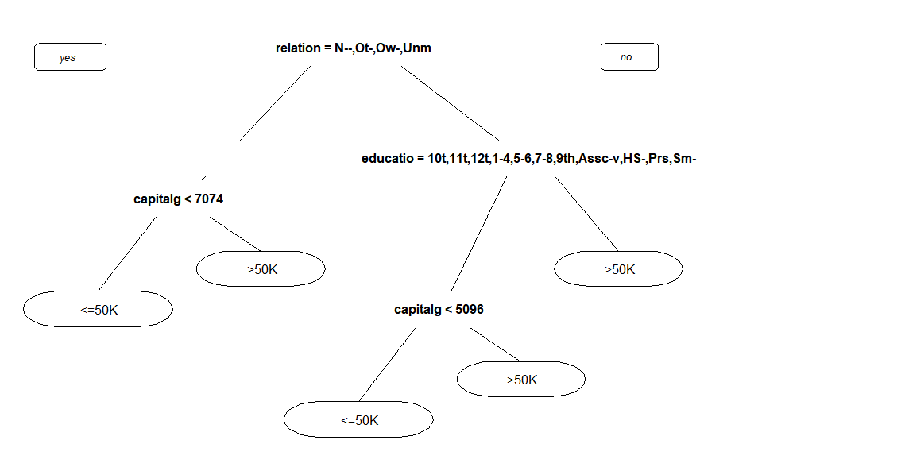

RANDOM FOREST
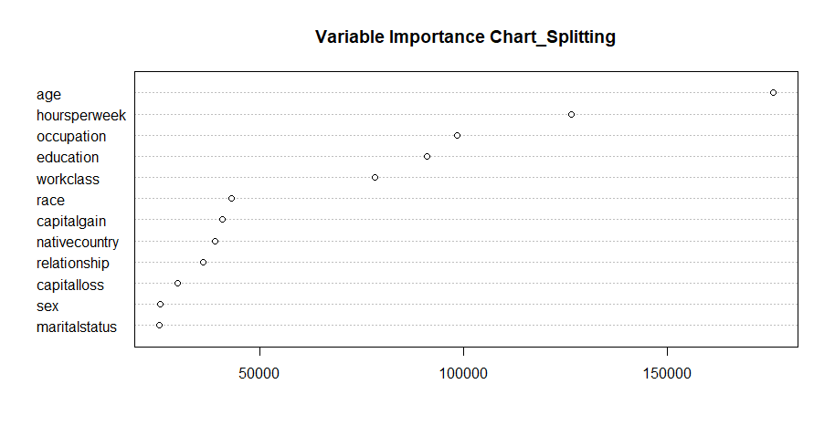
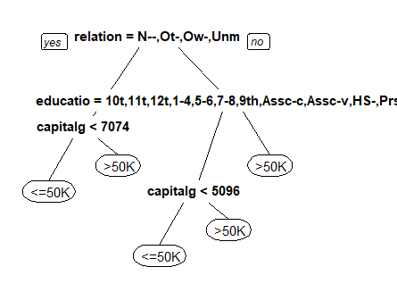
ROOT NODE
 |  |  |  | education
 | DECISION TREE MODEL |  |  | Bachelors
 |  | relationship |  | HS-grad | yes
 |  | Not-in-family | yes | 11th | yes
RELATIVE IMPORTANCE MEASURES |  | Husband |  | Masters
- For ex. How age is relatively imp to other variables |  | Wife |  | 9th | yes
YES
NO
 |  | Own-child | yes | Some-college
 |  | Unmarried | yes | Assoc-acdm | yes
 |  | Other-relative | yes | 7th-8th | yes
 |  |  |  | Doctorate
DECISION NODE
 |  |  |  | Assoc-voc | yes
 |  |  |  | Prof-school
 |  |  |  | 5th-6th | yes
 |  |  |  | 10th | yes
 |  |  |  | 1st-4th | yes
 |  |  |  | Preschool | yes
 |  |  |  | 12th | yes

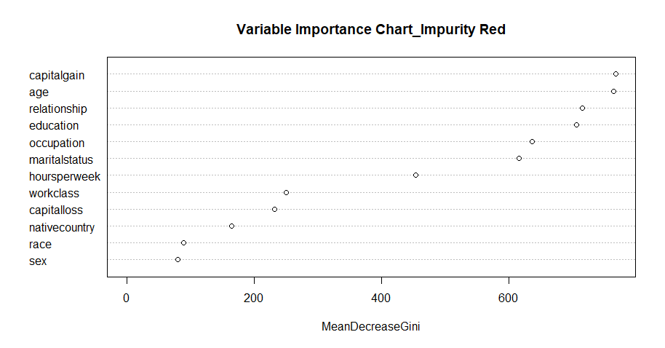

TERMINAL NODE

