combination_1
1000.0, 25.0, 25.0, 0.0, 0.0, 25.0, 25.0, 0.0
Temperature [C] | Mo [at%] | Nb [at%] | Ta [at%] | Ti [at%] | Cr [at%] | Al [at%] | W [at%] | Zr [at%] | Time [h] | Mass Change [mg.cm2] | Mass change - predictions
1000 | 25 | 25 | 0 | 0 | 25 | 25 | 0 | 0 | 0 | 0 | -0.4312902689
1000 | 25 | 25 | 0 | 0 | 25 | 25 | 0 | 0 | 10 | 2.7906976744 | 2.7415864468
1000 | 25 | 25 | 0 | 0 | 25 | 25 | 0 | 0 | 15 | 7.9069767442 | 7.6733083725
1000 | 25 | 25 | 0 | 0 | 25 | 25 | 0 | 0 | 20 | 13.720930233 | 13.81034565
1000 | 25 | 25 | 0 | 0 | 25 | 25 | 0 | 0 | 25 | 16.744186047 | 17.186618805
1000 | 25 | 25 | 0 | 0 | 25 | 25 | 0 | 0 | 27 | 17.441860465 | 17.109256744
1000 | 25 | 25 | 0 | 0 | 25 | 25 | 0 | 0 | 30 | 16.511627907 | 16.5091362
1000 | 25 | 25 | 0 | 0 | 25 | 25 | 0 | 0 | 35 | 15.348837209 | 15.402192116
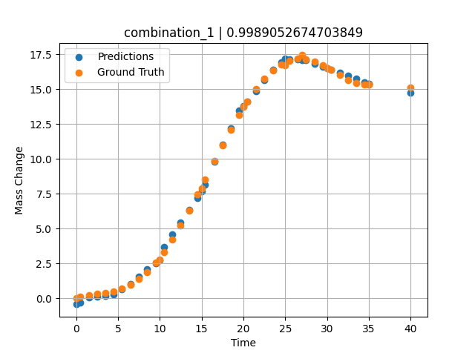
1000 | 25 | 25 | 0 | 0 | 25 | 25 | 0 | 0 | 40 | 15.11627907 | 14.759720802
1000 | 25 | 25 | 0 | 0 | 25 | 25 | 0 | 0 | 0.49049 | 0.11352 | -0.2772012949
1000 | 25 | 25 | 0 | 0 | 25 | 25 | 0 | 0 | 1.50651 | 0.25315 | 0.064857363701
1000 | 25 | 25 | 0 | 0 | 25 | 25 | 0 | 0 | 2.50176 | 0.3291 | 0.10347962379
1000 | 25 | 25 | 0 | 0 | 25 | 25 | 0 | 0 | 3.5035 | 0.40052 | 0.16582775116
1000 | 25 | 25 | 0 | 0 | 25 | 25 | 0 | 0 | 4.502 | 0.51111 | 0.28059923649
1000 | 25 | 25 | 0 | 0 | 25 | 25 | 0 | 0 | 5.48382 | 0.69263 | 0.65049308538
1000 | 25 | 25 | 0 | 0 | 25 | 25 | 0 | 0 | 6.499 | 0.98012 | 1.0329589844
1000 | 25 | 25 | 0 | 0 | 25 | 25 | 0 | 0 | 7.4975 | 1.38086 | 1.5543172359
1000 | 25 | 25 | 0 | 0 | 25 | 25 | 0 | 0 | 8.47889 | 1.89642 | 2.0776638985
1000 | 25 | 25 | 0 | 0 | 25 | 25 | 0 | 0 | 9.49449 | 2.55961 | 2.535820961
1000 | 25 | 25 | 0 | 0 | 25 | 25 | 0 | 0 | 10.47599 | 3.32187 | 3.7045814991
1000 | 25 | 25 | 0 | 0 | 25 | 25 | 0 | 0 | 11.49149 | 4.22659 | 4.6105780602
1000 | 25 | 25 | 0 | 0 | 25 | 25 | 0 | 0 | 12.49059 | 5.21784 | 5.456284523
1000 | 25 | 25 | 0 | 0 | 25 | 25 | 0 | 0 | 13.50601 | 6.30862 | 6.3243250847
1000 | 25 | 25 | 0 | 0 | 25 | 25 | 0 | 0 | 14.5045 | 7.44295 | 7.2104330063
1000 | 25 | 25 | 0 | 0 | 25 | 25 | 0 | 0 | 15.41562 | 8.51065 | 8.1405982971
1000 | 25 | 25 | 0 | 0 | 25 | 25 | 0 | 0 | 16.55405 | 9.85967 | 9.8122797012
1000 | 25 | 25 | 0 | 0 | 25 | 25 | 0 | 0 | 17.5 | 10.96697 | 11.033779144
1000 | 25 | 25 | 0 | 0 | 25 | 25 | 0 | 0 | 18.4985 | 12.0966 | 12.214421272
1000 | 25 | 25 | 0 | 0 | 25 | 25 | 0 | 0 | 19.497 | 13.16175 | 13.48561573
1000 | 25 | 25 | 0 | 0 | 25 | 25 | 0 | 0 | 20.47898 | 14.12223 | 14.119566917
1000 | 25 | 25 | 0 | 0 | 25 | 25 | 0 | 0 | 21.49399 | 15.00453 | 14.873610497
1000 | 25 | 25 | 0 | 0 | 25 | 25 | 0 | 0 | 22.49249 | 15.74206 | 15.65590477
1000 | 25 | 25 | 0 | 0 | 25 | 25 | 0 | 0 | 23.50851 | 16.34597 | 16.374759674
1000 | 25 | 25 | 0 | 0 | 25 | 25 | 0 | 0 | 24.50701 | 16.7853 | 16.931243896
1000 | 25 | 25 | 0 | 0 | 25 | 25 | 0 | 0 | 25.48866 | 17.0618 | 17.167720795
1000 | 25 | 25 | 0 | 0 | 25 | 25 | 0 | 0 | 26.504 | 17.1902 | 17.128444672
1000 | 25 | 25 | 0 | 0 | 25 | 25 | 0 | 0 | 27.48575 | 17.1666 | 17.083950043
1000 | 25 | 25 | 0 | 0 | 25 | 25 | 0 | 0 | 28.501 | 17.00867 | 16.840991974
1000 | 25 | 25 | 0 | 0 | 25 | 25 | 0 | 0 | 29.4995 | 16.74283 | 16.619937897
1000 | 25 | 25 | 0 | 0 | 25 | 25 | 0 | 0 | 30.48083 | 16.40843 | 16.402683258
1000 | 25 | 25 | 0 | 0 | 25 | 25 | 0 | 0 | 31.50901 | 16.02486 | 16.175058365
1000 | 25 | 25 | 0 | 0 | 25 | 25 | 0 | 0 | 32.49499 | 15.67865 | 15.956770897
1000 | 25 | 25 | 0 | 0 | 25 | 25 | 0 | 0 | 33.49349 | 15.41555 | 15.735715866
1000 | 25 | 25 | 0 | 0 | 25 | 25 | 0 | 0 | 34.49199 | 15.31626 | 15.514658928
1000 | 25 | 25 | 0 | 0 | 25 | 25 | 0 | 0 | 35 | 15.34548 | 15.402189255

combination_2
1000.0, 20.0, 20.0, 0.0, 20.0, 20.0, 20.0, 0.0
Temperature [C] | Mo [at%] | Nb [at%] | Ta [at%] | Ti [at%] | Cr [at%] | Al [at%] | W [at%] | Zr [at%] | Time [h] | Mass Change [mg.cm2] | Mass change - predictions
1000 | 20 | 20 | 0 | 20 | 20 | 20 | 0 | 0 | 50 | 11.395348837 | 11.24467659
1000 | 20 | 20 | 0 | 20 | 20 | 20 | 0 | 0 | 40 | 8.1395348837 | 8.501083374
1000 | 20 | 20 | 0 | 20 | 20 | 20 | 0 | 0 | 35 | 6.976744186 | 6.5284285545
1000 | 20 | 20 | 0 | 20 | 20 | 20 | 0 | 0 | 30 | 5.5813953488 | 5.2836585045
1000 | 20 | 20 | 0 | 20 | 20 | 20 | 0 | 0 | 25 | 4.4186046512 | 4.1204619408
1000 | 20 | 20 | 0 | 20 | 20 | 20 | 0 | 0 | 20 | 3.2558139535 | 3.1566157341
1000 | 20 | 20 | 0 | 20 | 20 | 20 | 0 | 0 | 15 | 2.6046511628 | 2.5171999931
1000 | 20 | 20 | 0 | 20 | 20 | 20 | 0 | 0 | 10 | 1.8604651163 | 1.8266398907
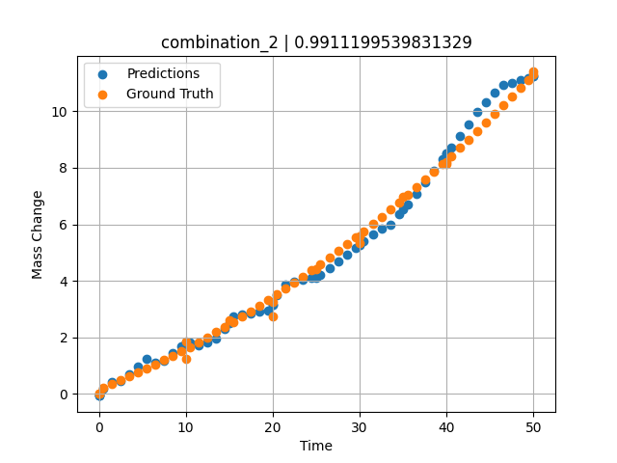
1000 | 20 | 20 | 0 | 20 | 20 | 20 | 0 | 0 | 0 | 0 | -0.068279385567
1000 | 20 | 20 | 0 | 20 | 20 | 20 | 0 | 0 | 0 | 0 | -0.068279385567
1000 | 20 | 20 | 0 | 20 | 20 | 20 | 0 | 0 | 10 | 1.2533333333 | 1.8266406059
1000 | 20 | 20 | 0 | 20 | 20 | 20 | 0 | 0 | 20 | 2.7466666667 | 3.1566157341
1000 | 20 | 20 | 0 | 20 | 20 | 20 | 0 | 0 | 30 | 5.3333333333 | 5.2836585045
1000 | 20 | 20 | 0 | 20 | 20 | 20 | 0 | 0 | 40 | 8.1866666667 | 8.501083374
1000 | 20 | 20 | 0 | 20 | 20 | 20 | 0 | 0 | 0 | 0 | -0.068274617195
1000 | 20 | 20 | 0 | 20 | 20 | 20 | 0 | 0 | 0.49787 | 0.22717 | 0.18216526508
1000 | 20 | 20 | 0 | 20 | 20 | 20 | 0 | 0 | 1.47648 | 0.35069 | 0.41944742203
1000 | 20 | 20 | 0 | 20 | 20 | 20 | 0 | 0 | 2.47748 | 0.48101 | 0.4714076519
1000 | 20 | 20 | 0 | 20 | 20 | 20 | 0 | 0 | 3.47848 | 0.61536 | 0.69256496429
1000 | 20 | 20 | 0 | 20 | 20 | 20 | 0 | 0 | 4.47948 | 0.75375 | 0.97009897232
1000 | 20 | 20 | 0 | 20 | 20 | 20 | 0 | 0 | 5.48048 | 0.89617 | 1.2540640831
1000 | 20 | 20 | 0 | 20 | 20 | 20 | 0 | 0 | 6.48148 | 1.04262 | 1.1144213676
1000 | 20 | 20 | 0 | 20 | 20 | 20 | 0 | 0 | 7.48248 | 1.19311 | 1.1761245728
1000 | 20 | 20 | 0 | 20 | 20 | 20 | 0 | 0 | 8.48348 | 1.34763 | 1.4347145557
1000 | 20 | 20 | 0 | 20 | 20 | 20 | 0 | 0 | 9.48448 | 1.50619 | 1.6933064461
1000 | 20 | 20 | 0 | 20 | 20 | 20 | 0 | 0 | 10.46237 | 1.66499 | 1.8247339725
1000 | 20 | 20 | 0 | 20 | 20 | 20 | 0 | 0 | 11.48649 | 1.8354 | 1.7095854282
1000 | 20 | 20 | 0 | 20 | 20 | 20 | 0 | 0 | 12.48749 | 2.00606 | 1.8134964705
1000 | 20 | 20 | 0 | 20 | 20 | 20 | 0 | 0 | 13.48849 | 2.18075 | 1.9559732676
1000 | 20 | 20 | 0 | 20 | 20 | 20 | 0 | 0 | 14.48949 | 2.35947 | 2.2884559631
1000 | 20 | 20 | 0 | 20 | 20 | 20 | 0 | 0 | 15.46713 | 2.53794 | 2.7265050411
1000 | 20 | 20 | 0 | 20 | 20 | 20 | 0 | 0 | 16.49149 | 2.72902 | 2.7956061363
1000 | 20 | 20 | 0 | 20 | 20 | 20 | 0 | 0 | 17.49249 | 2.91985 | 2.8517558575
1000 | 20 | 20 | 0 | 20 | 20 | 20 | 0 | 0 | 18.49349 | 3.11471 | 2.9079084396
1000 | 20 | 20 | 0 | 20 | 20 | 20 | 0 | 0 | 19.49449 | 3.3136 | 2.9640564919
1000 | 20 | 20 | 0 | 20 | 20 | 20 | 0 | 0 | 20.4719 | 3.51171 | 3.5010309219
1000 | 20 | 20 | 0 | 20 | 20 | 20 | 0 | 0 | 21.4965 | 3.72349 | 3.8592894077
1000 | 20 | 20 | 0 | 20 | 20 | 20 | 0 | 0 | 22.4975 | 3.93448 | 3.9717302322
1000 | 20 | 20 | 0 | 20 | 20 | 20 | 0 | 0 | 23.4985 | 4.14951 | 4.049264431
1000 | 20 | 20 | 0 | 20 | 20 | 20 | 0 | 0 | 24.4995 | 4.36857 | 4.1119980812
1000 | 20 | 20 | 0 | 20 | 20 | 20 | 0 | 0 | 25.47667 | 4.58632 | 4.2028436661
1000 | 20 | 20 | 0 | 20 | 20 | 20 | 0 | 0 | 26.5015 | 4.81879 | 4.4477143288
1000 | 20 | 20 | 0 | 20 | 20 | 20 | 0 | 0 | 27.5025 | 5.04996 | 4.6868972778
1000 | 20 | 20 | 0 | 20 | 20 | 20 | 0 | 0 | 28.5035 | 5.28515 | 4.926076889
1000 | 20 | 20 | 0 | 20 | 20 | 20 | 0 | 0 | 29.5045 | 5.52438 | 5.1652574539
1000 | 20 | 20 | 0 | 20 | 20 | 20 | 0 | 0 | 30.48143 | 5.76176 | 5.398692131
1000 | 20 | 20 | 0 | 20 | 20 | 20 | 0 | 0 | 31.50651 | 6.01494 | 5.6436257362
1000 | 20 | 20 | 0 | 20 | 20 | 20 | 0 | 0 | 32.50751 | 6.26627 | 5.8629837036
1000 | 20 | 20 | 0 | 20 | 20 | 20 | 0 | 0 | 33.50851 | 6.52164 | 5.9924669266
1000 | 20 | 20 | 0 | 20 | 20 | 20 | 0 | 0 | 34.50951 | 6.78104 | 6.3525118828
1000 | 20 | 20 | 0 | 20 | 20 | 20 | 0 | 0 | 35.4862 | 7.03804 | 6.7028064728
1000 | 20 | 20 | 0 | 20 | 20 | 20 | 0 | 0 | 36.51151 | 7.31193 | 7.0705490112
1000 | 20 | 20 | 0 | 20 | 20 | 20 | 0 | 0 | 37.51251 | 7.58343 | 7.46860075
1000 | 20 | 20 | 0 | 20 | 20 | 20 | 0 | 0 | 38.51351 | 7.85896 | 7.8840842247
1000 | 20 | 20 | 0 | 20 | 20 | 20 | 0 | 0 | 39.51451 | 8.13853 | 8.2995672226
1000 | 20 | 20 | 0 | 20 | 20 | 20 | 0 | 0 | 40.49097 | 8.41514 | 8.7048711777
1000 | 20 | 20 | 0 | 20 | 20 | 20 | 0 | 0 | 41.51652 | 8.70977 | 9.1305522919
1000 | 20 | 20 | 0 | 20 | 20 | 20 | 0 | 0 | 42.51752 | 9.00143 | 9.5460300446
1000 | 20 | 20 | 0 | 20 | 20 | 20 | 0 | 0 | 43.51852 | 9.29713 | 9.9666242599
1000 | 20 | 20 | 0 | 20 | 20 | 20 | 0 | 0 | 44.51952 | 9.59687 | 10.319266319
1000 | 20 | 20 | 0 | 20 | 20 | 20 | 0 | 0 | 45.52052 | 9.90064 | 10.671906471
1000 | 20 | 20 | 0 | 20 | 20 | 20 | 0 | 0 | 46.52152 | 10.20844 | 10.924958229
1000 | 20 | 20 | 0 | 20 | 20 | 20 | 0 | 0 | 47.52252 | 10.52028 | 11.014298439
1000 | 20 | 20 | 0 | 20 | 20 | 20 | 0 | 0 | 48.52352 | 10.83615 | 11.103639603
1000 | 20 | 20 | 0 | 20 | 20 | 20 | 0 | 0 | 49.34935 | 11.09968 | 11.177351952
1000 | 20 | 20 | 0 | 20 | 20 | 20 | 0 | 0 | 50 | 11.30925 | 11.244677544

combination_3
1200.0, 19.5, 0.0, 20.1, 20.4, 19.8, 20.2, 0.0
Temperature [C] | Mo [at%] | Nb [at%] | Ta [at%] | Ti [at%] | Cr [at%] | Al [at%] | W [at%] | Zr [at%] | Time [h] | Mass Change [mg.cm2] | Mass change - predictions
1200 | 19.5 | 0 | 20.1 | 20.4 | 19.8 | 20.2 | 0 | 0 | 0 | 0 | 0.18179440498
1200 | 19.5 | 0 | 20.1 | 20.4 | 19.8 | 20.2 | 0 | 0 | 5 | 2.5454545455 | 1.8428088427
1200 | 19.5 | 0 | 20.1 | 20.4 | 19.8 | 20.2 | 0 | 0 | 10 | 3.5151515152 | 3.2452745438
1200 | 19.5 | 0 | 20.1 | 20.4 | 19.8 | 20.2 | 0 | 0 | 15 | 4.2424242424 | 4.6162753105
1200 | 19.5 | 0 | 20.1 | 20.4 | 19.8 | 20.2 | 0 | 0 | 20 | 4.8484848485 | 4.9851460457
1200 | 19.5 | 0 | 20.1 | 20.4 | 19.8 | 20.2 | 0 | 0 | 24 | 5.2727272727 | 5.2421383858
1200 | 19.5 | 0 | 20.1 | 20.4 | 19.8 | 20.2 | 0 | 0 | 0 | 0 | 0.18179440498
1200 | 19.5 | 0 | 20.1 | 20.4 | 19.8 | 20.2 | 0 | 0 | 5 | 2.5 | 1.8428088427
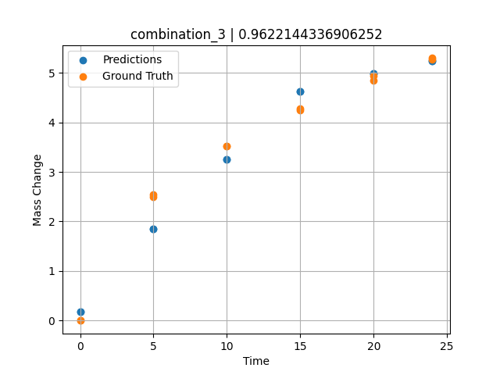
1200 | 19.5 | 0 | 20.1 | 20.4 | 19.8 | 20.2 | 0 | 0 | 10 | 3.5227272727 | 3.2452745438
1200 | 19.5 | 0 | 20.1 | 20.4 | 19.8 | 20.2 | 0 | 0 | 15 | 4.2727272727 | 4.6162753105
1200 | 19.5 | 0 | 20.1 | 20.4 | 19.8 | 20.2 | 0 | 0 | 20 | 4.9318181818 | 4.9851460457
1200 | 19.5 | 0 | 20.1 | 20.4 | 19.8 | 20.2 | 0 | 0 | 24 | 5.2954545455 | 5.2421383858

combination_4
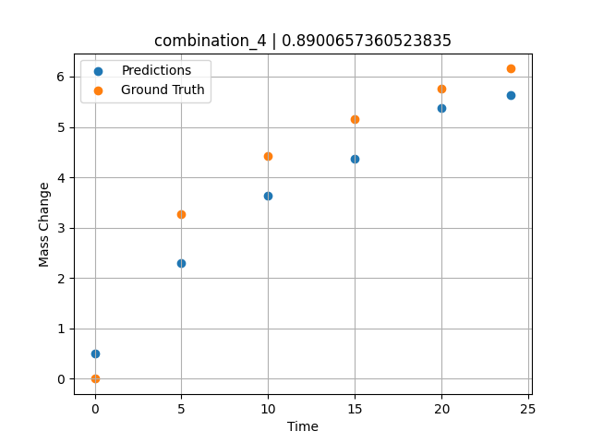
1200.0, 22.4, 0.0, 22.6, 10.1, 22.6, 22.3, 0.0
Temperature [C] | Mo [at%] | Nb [at%] | Ta [at%] | Ti [at%] | Cr [at%] | Al [at%] | W [at%] | Zr [at%] | Time [h] | Mass Change [mg.cm2] | Mass change - predictions
1200 | 22.4 | 0 | 22.6 | 10.1 | 22.6 | 22.3 | 0 | 0 | 0 | 0 | 0.4966160655
1200 | 22.4 | 0 | 22.6 | 10.1 | 22.6 | 22.3 | 0 | 0 | 5 | 3.2727272727 | 2.3064844608
1200 | 22.4 | 0 | 22.6 | 10.1 | 22.6 | 22.3 | 0 | 0 | 10 | 4.4242424242 | 3.6341252327
1200 | 22.4 | 0 | 22.6 | 10.1 | 22.6 | 22.3 | 0 | 0 | 15 | 5.1515151515 | 4.3770031929
1200 | 22.4 | 0 | 22.6 | 10.1 | 22.6 | 22.3 | 0 | 0 | 20 | 5.7575757576 | 5.3821020126
1200 | 22.4 | 0 | 22.6 | 10.1 | 22.6 | 22.3 | 0 | 0 | 24 | 6.1575757576 | 5.6303806305

combination_5
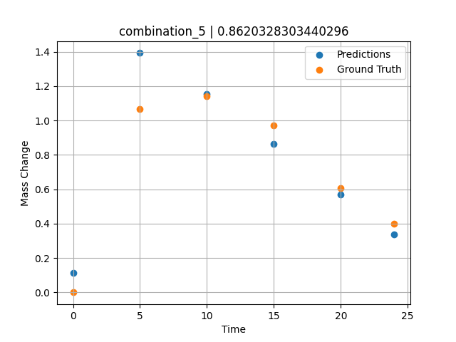
1200.0, 25.3, 0.0, 24.9, 0.0, 24.8, 25.0, 0.0
Temperature [C] | Mo [at%] | Nb [at%] | Ta [at%] | Ti [at%] | Cr [at%] | Al [at%] | W [at%] | Zr [at%] | Time [h] | Mass Change [mg.cm2] | Mass change - predictions
1200 | 25.3 | 0 | 24.9 | 0 | 24.8 | 25 | 0 | 0 | 0 | 0 | 0.11493015289
1200 | 25.3 | 0 | 24.9 | 0 | 24.8 | 25 | 0 | 0 | 5 | 1.0666666667 | 1.3923496008
1200 | 25.3 | 0 | 24.9 | 0 | 24.8 | 25 | 0 | 0 | 10 | 1.1393939394 | 1.1552658081
1200 | 25.3 | 0 | 24.9 | 0 | 24.8 | 25 | 0 | 0 | 15 | 0.9696969697 | 0.86256468296
1200 | 25.3 | 0 | 24.9 | 0 | 24.8 | 25 | 0 | 0 | 20 | 0.60606060606 | 0.56986367702
1200 | 25.3 | 0 | 24.9 | 0 | 24.8 | 25 | 0 | 0 | 24 | 0.4 | 0.33570253849

combination_6
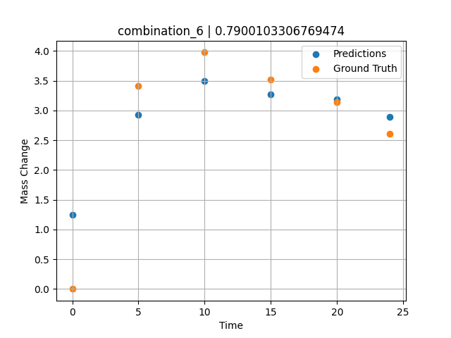
1200.0, 23.5, 0.0, 5.1, 23.7, 23.8, 23.9, 0.0
Temperature [C] | Mo [at%] | Nb [at%] | Ta [at%] | Ti [at%] | Cr [at%] | Al [at%] | W [at%] | Zr [at%] | Time [h] | Mass Change [mg.cm2] | Mass change - predictions
1200 | 23.5 | 0 | 5.1 | 23.7 | 23.8 | 23.9 | 0 | 0 | 0 | 0 | 1.2448991537
1200 | 23.5 | 0 | 5.1 | 23.7 | 23.8 | 23.9 | 0 | 0 | 5 | 3.4090909091 | 2.9248812199
1200 | 23.5 | 0 | 5.1 | 23.7 | 23.8 | 23.9 | 0 | 0 | 10 | 3.9772727273 | 3.5009458065
1200 | 23.5 | 0 | 5.1 | 23.7 | 23.8 | 23.9 | 0 | 0 | 15 | 3.5227272727 | 3.2707972527
1200 | 23.5 | 0 | 5.1 | 23.7 | 23.8 | 23.9 | 0 | 0 | 20 | 3.1363636364 | 3.1855821609
1200 | 23.5 | 0 | 5.1 | 23.7 | 23.8 | 23.9 | 0 | 0 | 24 | 2.6136363636 | 2.8934454918

combination_7
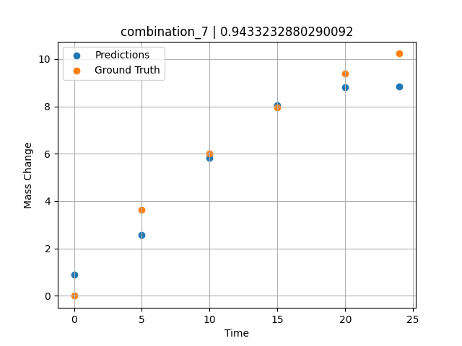
1200.0, 22.3, 0.0, 10.2, 22.7, 22.4, 22.4, 0.0
Temperature [C] | Mo [at%] | Nb [at%] | Ta [at%] | Ti [at%] | Cr [at%] | Al [at%] | W [at%] | Zr [at%] | Time [h] | Mass Change [mg.cm2] | Mass change - predictions
1200 | 22.3 | 0 | 10.2 | 22.7 | 22.4 | 22.4 | 0 | 0 | 0 | 0 | 0.89243751764
1200 | 22.3 | 0 | 10.2 | 22.7 | 22.4 | 22.4 | 0 | 0 | 5 | 3.6363636364 | 2.572419405
1200 | 22.3 | 0 | 10.2 | 22.7 | 22.4 | 22.4 | 0 | 0 | 10 | 6.0227272727 | 5.8172502518
1200 | 22.3 | 0 | 10.2 | 22.7 | 22.4 | 22.4 | 0 | 0 | 15 | 7.9545454545 | 8.0426454544
1200 | 22.3 | 0 | 10.2 | 22.7 | 22.4 | 22.4 | 0 | 0 | 20 | 9.3863636364 | 8.8191404343
1200 | 22.3 | 0 | 10.2 | 22.7 | 22.4 | 22.4 | 0 | 0 | 24 | 10.227272727 | 8.8409404755

combination_8
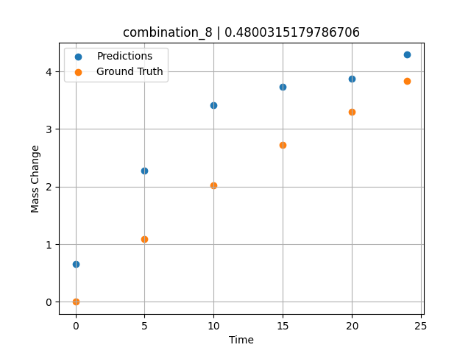
1200.0, 21.4, 0.0, 14.8, 21.1, 21.3, 21.4, 0.0
Temperature [C] | Mo [at%] | Nb [at%] | Ta [at%] | Ti [at%] | Cr [at%] | Al [at%] | W [at%] | Zr [at%] | Time [h] | Mass Change [mg.cm2] | Mass change - predictions
1200 | 21.4 | 0 | 14.8 | 21.1 | 21.3 | 21.4 | 0 | 0 | 0 | 0 | 0.6552670598
1200 | 21.4 | 0 | 14.8 | 21.1 | 21.3 | 21.4 | 0 | 0 | 5 | 1.0909090909 | 2.2764806747
1200 | 21.4 | 0 | 14.8 | 21.1 | 21.3 | 21.4 | 0 | 0 | 10 | 2.0227272727 | 3.4140589237
1200 | 21.4 | 0 | 14.8 | 21.1 | 21.3 | 21.4 | 0 | 0 | 15 | 2.7272727273 | 3.739484787
1200 | 21.4 | 0 | 14.8 | 21.1 | 21.3 | 21.4 | 0 | 0 | 20 | 3.2954545455 | 3.877989769
1200 | 21.4 | 0 | 14.8 | 21.1 | 21.3 | 21.4 | 0 | 0 | 24 | 3.8409090909 | 4.2905807495

combination_9
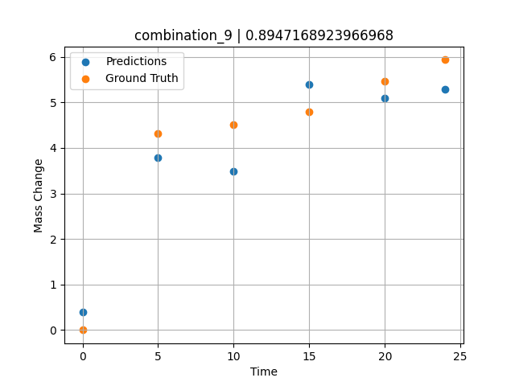
1200.0, 23.7, 0.0, 23.7, 23.8, 23.8, 5.0, 0.0
Temperature [C] | Mo [at%] | Nb [at%] | Ta [at%] | Ti [at%] | Cr [at%] | Al [at%] | W [at%] | Zr [at%] | Time [h] | Mass Change [mg.cm2] | Mass change - predictions
1200 | 23.7 | 0 | 23.7 | 23.8 | 23.8 | 5 | 0 | 0 | 0 | 0 | 0.38942867517
1200 | 23.7 | 0 | 23.7 | 23.8 | 23.8 | 5 | 0 | 0 | 5 | 4.3090909091 | 3.7840042114
1200 | 23.7 | 0 | 23.7 | 23.8 | 23.8 | 5 | 0 | 0 | 10 | 4.5054545455 | 3.4877438545
1200 | 23.7 | 0 | 23.7 | 23.8 | 23.8 | 5 | 0 | 0 | 15 | 4.7890909091 | 5.386528492
1200 | 23.7 | 0 | 23.7 | 23.8 | 23.8 | 5 | 0 | 0 | 20 | 5.4654545455 | 5.086373806
1200 | 23.7 | 0 | 23.7 | 23.8 | 23.8 | 5 | 0 | 0 | 24 | 5.9345454545 | 5.2820520401

combination_10
1200.0, 22.5, 0.0, 22.5, 22.5, 22.5, 10.0, 0.0
Temperature [C] | Mo [at%] | Nb [at%] | Ta [at%] | Ti [at%] | Cr [at%] | Al [at%] | W [at%] | Zr [at%] | Time [h] | Mass Change [mg.cm2] | Mass change - predictions
1200 | 22.5 | 0 | 22.5 | 22.5 | 22.5 | 10 | 0 | 0 | 0 | 0 | 0.91361254454
1200 | 22.5 | 0 | 22.5 | 22.5 | 22.5 | 10 | 0 | 0 | 5 | 2.3781818182 | 2.5686495304
1200 | 22.5 | 0 | 22.5 | 22.5 | 22.5 | 10 | 0 | 0 | 10 | 3.0981818182 | 3.7648925781
1200 | 22.5 | 0 | 22.5 | 22.5 | 22.5 | 10 | 0 | 0 | 15 | 3.48 | 3.8971688747
1200 | 22.5 | 0 | 22.5 | 22.5 | 22.5 | 10 | 0 | 0 | 20 | 4.0909090909 | 4.0584712029
1200 | 22.5 | 0 | 22.5 | 22.5 | 22.5 | 10 | 0 | 0 | 24 | 4.68 | 4.2073783875
1200 | 22.5 | 0 | 22.5 | 22.5 | 22.5 | 10 | 0 | 0 | 0 | 0 | 0.91361254454
1200 | 22.5 | 0 | 22.5 | 22.5 | 22.5 | 10 | 0 | 0 | 0.49077 | 0.78063 | 1.0775702
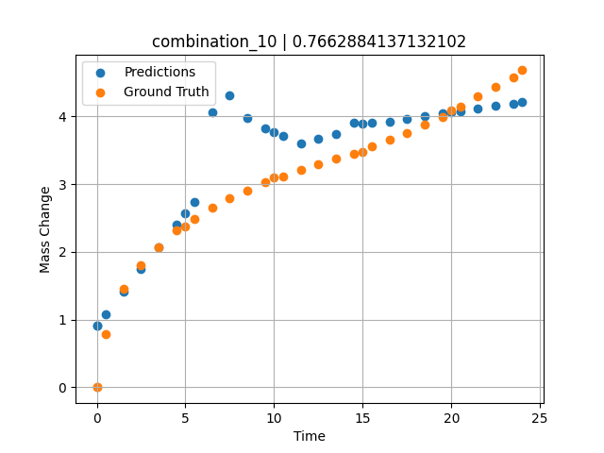
1200 | 22.5 | 0 | 22.5 | 22.5 | 22.5 | 10 | 0 | 0 | 1.49172 | 1.44748 | 1.410025239
1200 | 22.5 | 0 | 22.5 | 22.5 | 22.5 | 10 | 0 | 0 | 2.49281 | 1.80541 | 1.7406396866
1200 | 22.5 | 0 | 22.5 | 22.5 | 22.5 | 10 | 0 | 0 | 3.49402 | 2.06956 | 2.0712940693
1200 | 22.5 | 0 | 22.5 | 22.5 | 22.5 | 10 | 0 | 0 | 4.4952 | 2.31087 | 2.4019372463
1200 | 22.5 | 0 | 22.5 | 22.5 | 22.5 | 10 | 0 | 0 | 5.49645 | 2.48841 | 2.73260355
1200 | 22.5 | 0 | 22.5 | 22.5 | 22.5 | 10 | 0 | 0 | 6.49787 | 2.65793 | 4.0651898384
1200 | 22.5 | 0 | 22.5 | 22.5 | 22.5 | 10 | 0 | 0 | 7.49956 | 2.78535 | 4.3119134903
1200 | 22.5 | 0 | 22.5 | 22.5 | 22.5 | 10 | 0 | 0 | 8.50125 | 2.90731 | 3.979950428
1200 | 22.5 | 0 | 22.5 | 22.5 | 22.5 | 10 | 0 | 0 | 9.50311 | 3.02433 | 3.8228564262
1200 | 22.5 | 0 | 22.5 | 22.5 | 22.5 | 10 | 0 | 0 | 10.50501 | 3.11618 | 3.7059812546
1200 | 22.5 | 0 | 22.5 | 22.5 | 22.5 | 10 | 0 | 0 | 11.50721 | 3.20469 | 3.5992650986
1200 | 22.5 | 0 | 22.5 | 22.5 | 22.5 | 10 | 0 | 0 | 12.49975 | 3.29282 | 3.6717219353
1200 | 22.5 | 0 | 22.5 | 22.5 | 22.5 | 10 | 0 | 0 | 13.4923 | 3.37455 | 3.7441792488
1200 | 22.5 | 0 | 22.5 | 22.5 | 22.5 | 10 | 0 | 0 | 14.49455 | 3.44501 | 3.9089651108
1200 | 22.5 | 0 | 22.5 | 22.5 | 22.5 | 10 | 0 | 0 | 15.49708 | 3.552 | 3.8988926411
1200 | 22.5 | 0 | 22.5 | 22.5 | 22.5 | 10 | 0 | 0 | 16.49956 | 3.65536 | 3.9166431427
1200 | 22.5 | 0 | 22.5 | 22.5 | 22.5 | 10 | 0 | 0 | 17.50221 | 3.7515 | 3.9670810699
1200 | 22.5 | 0 | 22.5 | 22.5 | 22.5 | 10 | 0 | 0 | 18.5051 | 3.87105 | 4.0045499802
1200 | 22.5 | 0 | 22.5 | 22.5 | 22.5 | 10 | 0 | 0 | 19.50793 | 3.99229 | 4.0407218933
1200 | 22.5 | 0 | 22.5 | 22.5 | 22.5 | 10 | 0 | 0 | 20.50125 | 4.1354 | 4.0765519142
1200 | 22.5 | 0 | 22.5 | 22.5 | 22.5 | 10 | 0 | 0 | 21.49483 | 4.29738 | 4.1123905182
1200 | 22.5 | 0 | 22.5 | 22.5 | 22.5 | 10 | 0 | 0 | 22.49819 | 4.43636 | 4.1501693726
1200 | 22.5 | 0 | 22.5 | 22.5 | 22.5 | 10 | 0 | 0 | 23.49208 | 4.57312 | 4.1880302429

combination_11
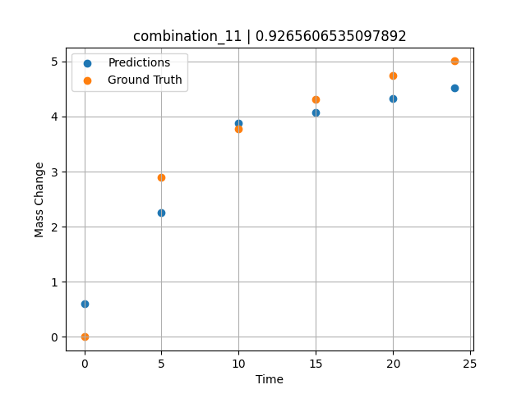
1200.0, 21.25, 0.0, 21.25, 21.25, 21.25, 15.0, 0.0
Temperature [C] | Mo [at%] | Nb [at%] | Ta [at%] | Ti [at%] | Cr [at%] | Al [at%] | W [at%] | Zr [at%] | Time [h] | Mass Change [mg.cm2] | Mass change - predictions
1200 | 21.25 | 0 | 21.25 | 21.25 | 21.25 | 15 | 0 | 0 | 0 | 0 | 0.59777224064
1200 | 21.25 | 0 | 21.25 | 21.25 | 21.25 | 15 | 0 | 0 | 5 | 2.9018181818 | 2.2597255707
1200 | 21.25 | 0 | 21.25 | 21.25 | 21.25 | 15 | 0 | 0 | 10 | 3.7745454545 | 3.8868527412
1200 | 21.25 | 0 | 21.25 | 21.25 | 21.25 | 15 | 0 | 0 | 15 | 4.3090909091 | 4.0712780952
1200 | 21.25 | 0 | 21.25 | 21.25 | 21.25 | 15 | 0 | 0 | 20 | 4.7454545455 | 4.3206348419
1200 | 21.25 | 0 | 21.25 | 21.25 | 21.25 | 15 | 0 | 0 | 24 | 5.0072727273 | 4.5171823502

combination_12
1200.0, 20.0, 0.0, 20.0, 20.0, 20.0, 20.0, 0.0
Temperature [C] | Mo [at%] | Nb [at%] | Ta [at%] | Ti [at%] | Cr [at%] | Al [at%] | W [at%] | Zr [at%] | Time [h] | Mass Change [mg.cm2] | Mass change - predictions
1200 | 20 | 0 | 20 | 20 | 20 | 20 | 0 | 0 | 0 | 0 | 0.2721555233
1200 | 20 | 0 | 20 | 20 | 20 | 20 | 0 | 0 | 5 | 2.5636363636 | 1.9331704378
1200 | 20 | 0 | 20 | 20 | 20 | 20 | 0 | 0 | 10 | 3.5563636364 | 3.275755167
1200 | 20 | 0 | 20 | 20 | 20 | 20 | 0 | 0 | 15 | 4.3090909091 | 4.7923750877
1200 | 20 | 0 | 20 | 20 | 20 | 20 | 0 | 0 | 20 | 4.9090909091 | 5.0259838104
1200 | 20 | 0 | 20 | 20 | 20 | 20 | 0 | 0 | 24 | 5.3127272727 | 5.2933483124
1200 | 20 | 0 | 20 | 20 | 20 | 20 | 0 | 0 | 0 | 0 | 0.2721555233
1200 | 20 | 0 | 20 | 20 | 20 | 20 | 0 | 0 | 0.49082 | 0.71629 | 0.43520724773
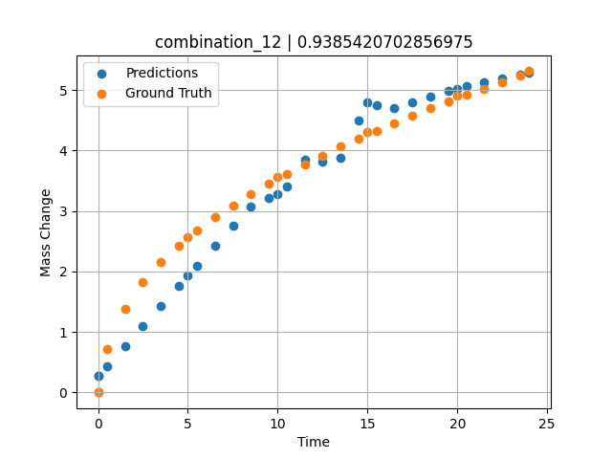
1200 | 20 | 0 | 20 | 20 | 20 | 20 | 0 | 0 | 1.49163 | 1.38441 | 0.76768004894
1200 | 20 | 0 | 20 | 20 | 20 | 20 | 0 | 0 | 2.49268 | 1.82409 | 1.1002316475
1200 | 20 | 0 | 20 | 20 | 20 | 20 | 0 | 0 | 3.49411 | 2.16264 | 1.4329088926
1200 | 20 | 0 | 20 | 20 | 20 | 20 | 0 | 0 | 4.49594 | 2.43164 | 1.7657203674
1200 | 20 | 0 | 20 | 20 | 20 | 20 | 0 | 0 | 5.4981 | 2.67331 | 2.0986404419
1200 | 20 | 0 | 20 | 20 | 20 | 20 | 0 | 0 | 6.50068 | 2.89296 | 2.4317004681
1200 | 20 | 0 | 20 | 20 | 20 | 20 | 0 | 0 | 7.50329 | 3.09115 | 2.7641172409
1200 | 20 | 0 | 20 | 20 | 20 | 20 | 0 | 0 | 8.50608 | 3.27802 | 3.0804800987
1200 | 20 | 0 | 20 | 20 | 20 | 20 | 0 | 0 | 9.49939 | 3.4518 | 3.209736824
1200 | 20 | 0 | 20 | 20 | 20 | 20 | 0 | 0 | 10.4927 | 3.61285 | 3.3990006447
1200 | 20 | 0 | 20 | 20 | 20 | 20 | 0 | 0 | 11.49578 | 3.77185 | 3.8454377651
1200 | 20 | 0 | 20 | 20 | 20 | 20 | 0 | 0 | 12.49916 | 3.91739 | 3.8193333149
1200 | 20 | 0 | 20 | 20 | 20 | 20 | 0 | 0 | 13.50283 | 4.06345 | 3.8771283627
1200 | 20 | 0 | 20 | 20 | 20 | 20 | 0 | 0 | 14.50662 | 4.19848 | 4.4900388718
1200 | 20 | 0 | 20 | 20 | 20 | 20 | 0 | 0 | 15.50099 | 4.32824 | 4.7445259094
1200 | 20 | 0 | 20 | 20 | 20 | 20 | 0 | 0 | 16.49547 | 4.45466 | 4.7037801743
1200 | 20 | 0 | 20 | 20 | 20 | 20 | 0 | 0 | 17.49982 | 4.57472 | 4.7961196899
1200 | 20 | 0 | 20 | 20 | 20 | 20 | 0 | 0 | 18.50429 | 4.69457 | 4.8884687424
1200 | 20 | 0 | 20 | 20 | 20 | 20 | 0 | 0 | 19.49921 | 4.81208 | 4.9799413681
1200 | 20 | 0 | 20 | 20 | 20 | 20 | 0 | 0 | 20.49437 | 4.92042 | 5.068116188
1200 | 20 | 0 | 20 | 20 | 20 | 20 | 0 | 0 | 21.4995 | 5.02611 | 5.1326951981
1200 | 20 | 0 | 20 | 20 | 20 | 20 | 0 | 0 | 22.50475 | 5.1328 | 5.1972799301
1200 | 20 | 0 | 20 | 20 | 20 | 20 | 0 | 0 | 23.50061 | 5.23529 | 5.2612624168

combination_13
1200.0, 0.0, 50.0, 0.0, 0.0, 50.0, 0.0, 0.0
Temperature [C] | Mo [at%] | Nb [at%] | Ta [at%] | Ti [at%] | Cr [at%] | Al [at%] | W [at%] | Zr [at%] | Time [h] | Mass Change [mg.cm2] | Mass change - predictions
1200 | 0 | 50 | 0 | 0 | 50 | 0 | 0 | 0 | 0 | 0 | 0.16591930389
1200 | 0 | 50 | 0 | 0 | 50 | 0 | 0 | 0 | 1 | 3.6496350365 | 2.3630952835
1200 | 0 | 50 | 0 | 0 | 50 | 0 | 0 | 0 | 8 | 8.6131386861 | 9.3070821762
1200 | 0 | 50 | 0 | 0 | 50 | 0 | 0 | 0 | 24 | 14.6 | 14.414875984
1200 | 0 | 50 | 0 | 0 | 50 | 0 | 0 | 0 | 0 | 0 | 0.16591930389
1200 | 0 | 50 | 0 | 0 | 50 | 0 | 0 | 0 | 0.49249 | 1.52361 | 1.2480130196
1200 | 0 | 50 | 0 | 0 | 50 | 0 | 0 | 0 | 1.5015 | 3.90346 | 3.4649767876
1200 | 0 | 50 | 0 | 0 | 50 | 0 | 0 | 0 | 2.4985 | 5.41279 | 5.6664476395
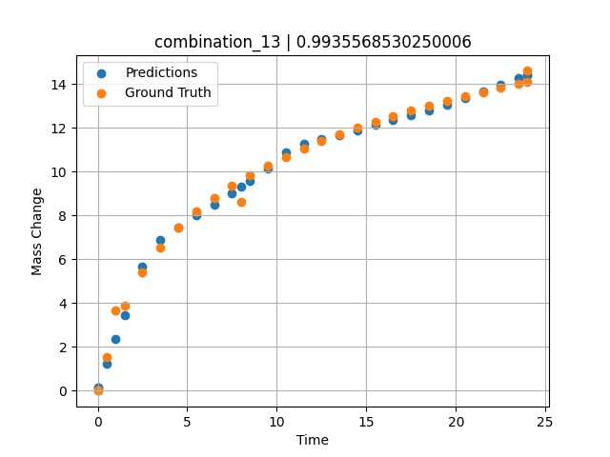
1200 | 0 | 50 | 0 | 0 | 50 | 0 | 0 | 0 | 3.4955 | 6.52981 | 6.8924455643
1200 | 0 | 50 | 0 | 0 | 50 | 0 | 0 | 0 | 4.5045 | 7.42843 | 7.4623198509
1200 | 0 | 50 | 0 | 0 | 50 | 0 | 0 | 0 | 5.5015 | 8.16539 | 8.0254135132
1200 | 0 | 50 | 0 | 0 | 50 | 0 | 0 | 0 | 6.4985 | 8.79549 | 8.5045204163
1200 | 0 | 50 | 0 | 0 | 50 | 0 | 0 | 0 | 7.4955 | 9.34644 | 9.0313386917
1200 | 0 | 50 | 0 | 0 | 50 | 0 | 0 | 0 | 8.49249 | 9.83548 | 9.5762777328
1200 | 0 | 50 | 0 | 0 | 50 | 0 | 0 | 0 | 9.5015 | 10.28047 | 10.132516861
1200 | 0 | 50 | 0 | 0 | 50 | 0 | 0 | 0 | 10.4985 | 10.67984 | 10.89275074
1200 | 0 | 50 | 0 | 0 | 50 | 0 | 0 | 0 | 11.4955 | 11.04568 | 11.263886452
1200 | 0 | 50 | 0 | 0 | 50 | 0 | 0 | 0 | 12.5045 | 11.38726 | 11.469372749
1200 | 0 | 50 | 0 | 0 | 50 | 0 | 0 | 0 | 13.5015 | 11.70052 | 11.674296379
1200 | 0 | 50 | 0 | 0 | 50 | 0 | 0 | 0 | 14.4985 | 11.99278 | 11.889431953
1200 | 0 | 50 | 0 | 0 | 50 | 0 | 0 | 0 | 15.4955 | 12.26682 | 12.11968708
1200 | 0 | 50 | 0 | 0 | 50 | 0 | 0 | 0 | 16.49249 | 12.52465 | 12.349942207
1200 | 0 | 50 | 0 | 0 | 50 | 0 | 0 | 0 | 17.5015 | 12.77103 | 12.582977295
1200 | 0 | 50 | 0 | 0 | 50 | 0 | 0 | 0 | 18.4985 | 13.0016 | 12.813224792
1200 | 0 | 50 | 0 | 0 | 50 | 0 | 0 | 0 | 19.4955 | 13.22059 | 13.070708275
1200 | 0 | 50 | 0 | 0 | 50 | 0 | 0 | 0 | 20.5045 | 13.43163 | 13.371800423
1200 | 0 | 50 | 0 | 0 | 50 | 0 | 0 | 0 | 21.5015 | 13.63064 | 13.66931057
1200 | 0 | 50 | 0 | 0 | 50 | 0 | 0 | 0 | 22.4985 | 13.82097 | 13.966822624
1200 | 0 | 50 | 0 | 0 | 50 | 0 | 0 | 0 | 23.4955 | 14.0034 | 14.264334679
1200 | 0 | 50 | 0 | 0 | 50 | 0 | 0 | 0 | 24 | 14.09317 | 14.414875031

combination_14
1200.0, 0.0, 33.7, 0.0, 33.9, 32.4, 0.0, 0.0
Temperature [C] | Mo [at%] | Nb [at%] | Ta [at%] | Ti [at%] | Cr [at%] | Al [at%] | W [at%] | Zr [at%] | Time [h] | Mass Change [mg.cm2] | Mass change - predictions
1200 | 0 | 33.7 | 0 | 33.9 | 32.4 | 0 | 0 | 0 | 0 | 0 | 0.21831035614
1200 | 0 | 33.7 | 0 | 33.9 | 32.4 | 0 | 0 | 0 | 1 | 5.5474452555 | 4.3190975189
1200 | 0 | 33.7 | 0 | 33.9 | 32.4 | 0 | 0 | 0 | 8 | 11.240875912 | 12.233013153
1200 | 0 | 33.7 | 0 | 33.9 | 32.4 | 0 | 0 | 0 | 24 | 19.2 | 18.619503021
1200 | 0 | 33.7 | 0 | 33.9 | 32.4 | 0 | 0 | 0 | 0 | 0 | 0.21831035614
1200 | 0 | 33.7 | 0 | 33.9 | 32.4 | 0 | 0 | 0 | 0.49249 | 2.56412 | 2.1574645042
1200 | 0 | 33.7 | 0 | 33.9 | 32.4 | 0 | 0 | 0 | 1.48984 | 5.41937 | 6.0219249725
1200 | 0 | 33.7 | 0 | 33.9 | 32.4 | 0 | 0 | 0 | 2.4985 | 7.32912 | 7.3240032196
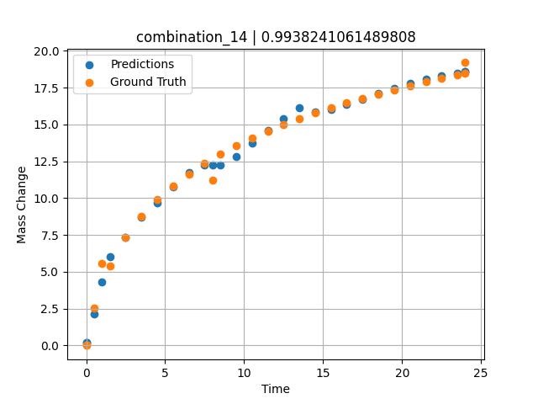
1200 | 0 | 33.7 | 0 | 33.9 | 32.4 | 0 | 0 | 0 | 3.4955 | 8.74014 | 8.6823654175
1200 | 0 | 33.7 | 0 | 33.9 | 32.4 | 0 | 0 | 0 | 4.5045 | 9.88382 | 9.6725187302
1200 | 0 | 33.7 | 0 | 33.9 | 32.4 | 0 | 0 | 0 | 5.5015 | 10.82642 | 10.765746117
1200 | 0 | 33.7 | 0 | 33.9 | 32.4 | 0 | 0 | 0 | 6.4985 | 11.63515 | 11.736380577
1200 | 0 | 33.7 | 0 | 33.9 | 32.4 | 0 | 0 | 0 | 7.4955 | 12.34412 | 12.258055687
1200 | 0 | 33.7 | 0 | 33.9 | 32.4 | 0 | 0 | 0 | 8.49249 | 12.97471 | 12.232998848
1200 | 0 | 33.7 | 0 | 33.9 | 32.4 | 0 | 0 | 0 | 9.5015 | 13.54942 | 12.849741936
1200 | 0 | 33.7 | 0 | 33.9 | 32.4 | 0 | 0 | 0 | 10.4985 | 14.0659 | 13.75931263
1200 | 0 | 33.7 | 0 | 33.9 | 32.4 | 0 | 0 | 0 | 11.4955 | 14.53953 | 14.594232559
1200 | 0 | 33.7 | 0 | 33.9 | 32.4 | 0 | 0 | 0 | 12.5045 | 14.98218 | 15.376588821
1200 | 0 | 33.7 | 0 | 33.9 | 32.4 | 0 | 0 | 0 | 13.5015 | 15.38843 | 16.11372757
1200 | 0 | 33.7 | 0 | 33.9 | 32.4 | 0 | 0 | 0 | 14.4985 | 15.76772 | 15.87386322
1200 | 0 | 33.7 | 0 | 33.9 | 32.4 | 0 | 0 | 0 | 15.4955 | 16.12357 | 16.007369995
1200 | 0 | 33.7 | 0 | 33.9 | 32.4 | 0 | 0 | 0 | 16.49249 | 16.45856 | 16.366294861
1200 | 0 | 33.7 | 0 | 33.9 | 32.4 | 0 | 0 | 0 | 17.5015 | 16.77881 | 16.729560852
1200 | 0 | 33.7 | 0 | 33.9 | 32.4 | 0 | 0 | 0 | 18.4985 | 17.07865 | 17.088493347
1200 | 0 | 33.7 | 0 | 33.9 | 32.4 | 0 | 0 | 0 | 19.4955 | 17.36354 | 17.447433472
1200 | 0 | 33.7 | 0 | 33.9 | 32.4 | 0 | 0 | 0 | 20.5045 | 17.63817 | 17.812934875
1200 | 0 | 33.7 | 0 | 33.9 | 32.4 | 0 | 0 | 0 | 21.5015 | 17.89723 | 18.063762665
1200 | 0 | 33.7 | 0 | 33.9 | 32.4 | 0 | 0 | 0 | 22.4985 | 18.14506 | 18.28553009
1200 | 0 | 33.7 | 0 | 33.9 | 32.4 | 0 | 0 | 0 | 23.48348 | 18.37988 | 18.504615784
1200 | 0 | 33.7 | 0 | 33.9 | 32.4 | 0 | 0 | 0 | 24 | 18.49961 | 18.619503021

combination_15
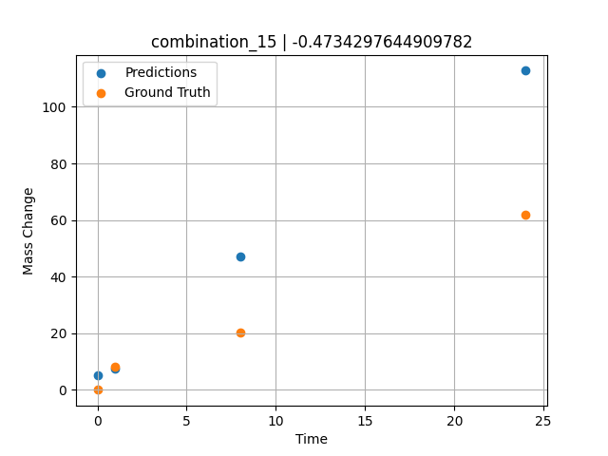
1200.0, 0.0, 26.0, 23.9, 25.6, 24.5, 0.0, 0.0
Temperature [C] | Mo [at%] | Nb [at%] | Ta [at%] | Ti [at%] | Cr [at%] | Al [at%] | W [at%] | Zr [at%] | Time [h] | Mass Change [mg.cm2] | Mass change - predictions
1200 | 0 | 26 | 23.9 | 25.6 | 24.5 | 0 | 0 | 0 | 0 | 0 | 5.2697706223
1200 | 0 | 26 | 23.9 | 25.6 | 24.5 | 0 | 0 | 0 | 1 | 8.3211678832 | 7.5960836411
1200 | 0 | 26 | 23.9 | 25.6 | 24.5 | 0 | 0 | 0 | 8 | 20.145985401 | 46.996360779
1200 | 0 | 26 | 23.9 | 25.6 | 24.5 | 0 | 0 | 0 | 24 | 61.9 | 112.77544403

combination_16
1200.0, 0.0, 33.6, 34.1, 32.3, 0.0, 0.0, 0.0
Temperature [C] | Mo [at%] | Nb [at%] | Ta [at%] | Ti [at%] | Cr [at%] | Al [at%] | W [at%] | Zr [at%] | Time [h] | Mass Change [mg.cm2] | Mass change - predictions
1200 | 0 | 33.6 | 34.1 | 32.3 | 0 | 0 | 0 | 0 | 0 | 0 | 7.6478099823
1200 | 0 | 33.6 | 34.1 | 32.3 | 0 | 0 | 0 | 0 | 1 | 2.6 | 11.01168251
1200 | 0 | 33.6 | 34.1 | 32.3 | 0 | 0 | 0 | 0 | 4 | 40.3 | 44.192779541
1200 | 0 | 33.6 | 34.1 | 32.3 | 0 | 0 | 0 | 0 | 8 | 92.248062016 | 89.750862122
1200 | 0 | 33.6 | 34.1 | 32.3 | 0 | 0 | 0 | 0 | 24 | 247.28682171 | 245.00004578
1200 | 0 | 33.6 | 34.1 | 32.3 | 0 | 0 | 0 | 0 | 48 | 293.02325581 | 294.88500977
1200 | 0 | 33.6 | 34.1 | 32.3 | 0 | 0 | 0 | 0 | 0 | 0 | 7.6478099823
1200 | 0 | 33.6 | 34.1 | 32.3 | 0 | 0 | 0 | 0 | 0.56527 | 2.00231 | 9.2479343414
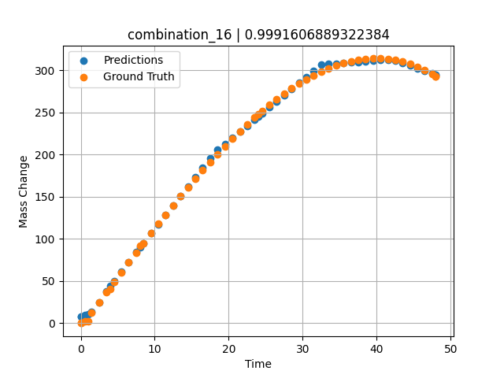
1200 | 0 | 33.6 | 34.1 | 32.3 | 0 | 0 | 0 | 0 | 1.46724 | 12.76104 | 13.012364388
1200 | 0 | 33.6 | 34.1 | 32.3 | 0 | 0 | 0 | 0 | 2.4985 | 25.04193 | 24.962333679
1200 | 0 | 33.6 | 34.1 | 32.3 | 0 | 0 | 0 | 0 | 3.50751 | 37.02166 | 37.914798737
1200 | 0 | 33.6 | 34.1 | 32.3 | 0 | 0 | 0 | 0 | 4.49304 | 48.67294 | 49.8083992
1200 | 0 | 33.6 | 34.1 | 32.3 | 0 | 0 | 0 | 0 | 5.5015 | 60.53039 | 61.294532776
1200 | 0 | 33.6 | 34.1 | 32.3 | 0 | 0 | 0 | 0 | 6.48649 | 72.03199 | 72.513374329
1200 | 0 | 33.6 | 34.1 | 32.3 | 0 | 0 | 0 | 0 | 7.4955 | 83.71838 | 84.005783081
1200 | 0 | 33.6 | 34.1 | 32.3 | 0 | 0 | 0 | 0 | 8.48157 | 95.03006 | 95.100906372
1200 | 0 | 33.6 | 34.1 | 32.3 | 0 | 0 | 0 | 0 | 9.51351 | 106.73793 | 106.56528473
1200 | 0 | 33.6 | 34.1 | 32.3 | 0 | 0 | 0 | 0 | 10.4985 | 117.7734 | 117.50808716
1200 | 0 | 33.6 | 34.1 | 32.3 | 0 | 0 | 0 | 0 | 11.48348 | 128.65641 | 128.45077515
1200 | 0 | 33.6 | 34.1 | 32.3 | 0 | 0 | 0 | 0 | 12.49249 | 139.63363 | 139.66038513
1200 | 0 | 33.6 | 34.1 | 32.3 | 0 | 0 | 0 | 0 | 13.5015 | 150.42152 | 150.87002563
1200 | 0 | 33.6 | 34.1 | 32.3 | 0 | 0 | 0 | 0 | 14.51051 | 161.00462 | 162.07963562
1200 | 0 | 33.6 | 34.1 | 32.3 | 0 | 0 | 0 | 0 | 15.4955 | 171.12427 | 173.02241516
1200 | 0 | 33.6 | 34.1 | 32.3 | 0 | 0 | 0 | 0 | 16.48048 | 181.01775 | 183.96510315
1200 | 0 | 33.6 | 34.1 | 32.3 | 0 | 0 | 0 | 0 | 17.48949 | 190.90578 | 195.17472839
1200 | 0 | 33.6 | 34.1 | 32.3 | 0 | 0 | 0 | 0 | 18.4985 | 200.52777 | 205.30656433
1200 | 0 | 33.6 | 34.1 | 32.3 | 0 | 0 | 0 | 0 | 19.50751 | 209.86822 | 212.58660889
1200 | 0 | 33.6 | 34.1 | 32.3 | 0 | 0 | 0 | 0 | 20.51652 | 218.91164 | 219.86665344
1200 | 0 | 33.6 | 34.1 | 32.3 | 0 | 0 | 0 | 0 | 21.5015 | 227.43968 | 226.9733429
1200 | 0 | 33.6 | 34.1 | 32.3 | 0 | 0 | 0 | 0 | 22.48649 | 235.65296 | 234.08006287
1200 | 0 | 33.6 | 34.1 | 32.3 | 0 | 0 | 0 | 0 | 23.4955 | 243.72904 | 241.36012268
1200 | 0 | 33.6 | 34.1 | 32.3 | 0 | 0 | 0 | 0 | 24.48157 | 251.27422 | 248.47462463
1200 | 0 | 33.6 | 34.1 | 32.3 | 0 | 0 | 0 | 0 | 25.51351 | 258.79091 | 255.92010498
1200 | 0 | 33.6 | 34.1 | 32.3 | 0 | 0 | 0 | 0 | 26.4985 | 265.58634 | 263.02682495
1200 | 0 | 33.6 | 34.1 | 32.3 | 0 | 0 | 0 | 0 | 27.48348 | 271.99328 | 270.1335144
1200 | 0 | 33.6 | 34.1 | 32.3 | 0 | 0 | 0 | 0 | 28.49249 | 278.14346 | 277.41351318
1200 | 0 | 33.6 | 34.1 | 32.3 | 0 | 0 | 0 | 0 | 29.5015 | 283.85864 | 284.69360352
1200 | 0 | 33.6 | 34.1 | 32.3 | 0 | 0 | 0 | 0 | 30.51051 | 289.12334 | 291.97363281
1200 | 0 | 33.6 | 34.1 | 32.3 | 0 | 0 | 0 | 0 | 31.4955 | 293.81519 | 299.0803833
1200 | 0 | 33.6 | 34.1 | 32.3 | 0 | 0 | 0 | 0 | 32.48048 | 298.04485 | 306.41802979
1200 | 0 | 33.6 | 34.1 | 32.3 | 0 | 0 | 0 | 0 | 33.48949 | 301.88914 | 307.09591675
1200 | 0 | 33.6 | 34.1 | 32.3 | 0 | 0 | 0 | 0 | 34.4985 | 305.22169 | 307.77383423
1200 | 0 | 33.6 | 34.1 | 32.3 | 0 | 0 | 0 | 0 | 35.50751 | 308.02703 | 308.45172119
1200 | 0 | 33.6 | 34.1 | 32.3 | 0 | 0 | 0 | 0 | 36.51652 | 310.28966 | 309.12960815
1200 | 0 | 33.6 | 34.1 | 32.3 | 0 | 0 | 0 | 0 | 37.5015 | 311.96232 | 309.79141235
1200 | 0 | 33.6 | 34.1 | 32.3 | 0 | 0 | 0 | 0 | 38.48649 | 313.08419 | 310.45318604
1200 | 0 | 33.6 | 34.1 | 32.3 | 0 | 0 | 0 | 0 | 39.4955 | 313.65412 | 311.13104248
1200 | 0 | 33.6 | 34.1 | 32.3 | 0 | 0 | 0 | 0 | 40.5045 | 313.62011 | 311.80895996
1200 | 0 | 33.6 | 34.1 | 32.3 | 0 | 0 | 0 | 0 | 41.51351 | 312.96665 | 312.48687744
1200 | 0 | 33.6 | 34.1 | 32.3 | 0 | 0 | 0 | 0 | 42.4985 | 311.71895 | 311.21847534
1200 | 0 | 33.6 | 34.1 | 32.3 | 0 | 0 | 0 | 0 | 43.48348 | 309.84673 | 308.29418945
1200 | 0 | 33.6 | 34.1 | 32.3 | 0 | 0 | 0 | 0 | 44.49249 | 307.27405 | 305.29852295
1200 | 0 | 33.6 | 34.1 | 32.3 | 0 | 0 | 0 | 0 | 45.5015 | 304.02068 | 302.30282593
1200 | 0 | 33.6 | 34.1 | 32.3 | 0 | 0 | 0 | 0 | 46.51051 | 300.07115 | 299.30718994
1200 | 0 | 33.6 | 34.1 | 32.3 | 0 | 0 | 0 | 0 | 47.4955 | 295.53213 | 296.3828125
1200 | 0 | 33.6 | 34.1 | 32.3 | 0 | 0 | 0 | 0 | 48 | 292.96623 | 294.88500977

combination_17
1200.0, 0.0, 34.2, 34.4, 0.0, 0.0, 0.0, 0.0
Temperature [C] | Mo [at%] | Nb [at%] | Ta [at%] | Ti [at%] | Cr [at%] | Al [at%] | W [at%] | Zr [at%] | Time [h] | Mass Change [mg.cm2] | Mass change - predictions
1200 | 0 | 34.2 | 34.4 | 0 | 0 | 0 | 0 | 30.9 | 0 | 0 | 16.879669189
1200 | 0 | 34.2 | 34.4 | 0 | 0 | 0 | 0 | 30.9 | 1 | 102.4 | 52.858058929
1200 | 0 | 34.2 | 34.4 | 0 | 0 | 0 | 0 | 30.9 | 2 | 117.1 | 88.836982727
1200 | 0 | 34.2 | 34.4 | 0 | 0 | 0 | 0 | 30.9 | 4 | 134.1 | 154.26089478
1200 | 0 | 34.2 | 34.4 | 0 | 0 | 0 | 0 | 30.9 | 6 | 170.7 | 186.05450439
1200 | 0 | 34.2 | 34.4 | 0 | 0 | 0 | 0 | 30.9 | 8 | 197.6 | 193.90415955
1200 | 0 | 34.2 | 34.4 | 0 | 0 | 0 | 0 | 30.9 | 24 | 229.3 | 226.31654358
1200 | 0 | 34.2 | 34.4 | 0 | 0 | 0 | 0 | 30.9 | 0 | 0 | 16.879669189
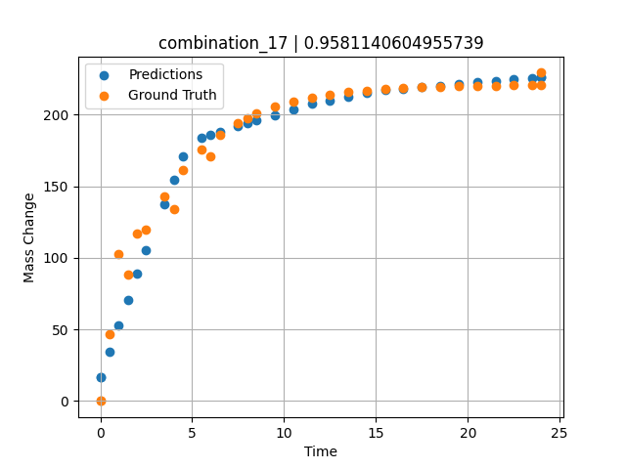
1200 | 0 | 34.2 | 34.4 | 0 | 0 | 0 | 0 | 30.9 | 0.49249 | 46.59609 | 34.598407745
1200 | 0 | 34.2 | 34.4 | 0 | 0 | 0 | 0 | 30.9 | 1.5015 | 88.32923 | 70.901496887
1200 | 0 | 34.2 | 34.4 | 0 | 0 | 0 | 0 | 30.9 | 2.4985 | 119.43947 | 105.15792847
1200 | 0 | 34.2 | 34.4 | 0 | 0 | 0 | 0 | 30.9 | 3.4955 | 143.22867 | 137.7624054
1200 | 0 | 34.2 | 34.4 | 0 | 0 | 0 | 0 | 30.9 | 4.5045 | 161.64161 | 170.75942993
1200 | 0 | 34.2 | 34.4 | 0 | 0 | 0 | 0 | 30.9 | 5.5015 | 175.552 | 184.09797668
1200 | 0 | 34.2 | 34.4 | 0 | 0 | 0 | 0 | 30.9 | 6.4985 | 186.18892 | 188.01100159
1200 | 0 | 34.2 | 34.4 | 0 | 0 | 0 | 0 | 30.9 | 7.4955 | 194.34026 | 191.92410278
1200 | 0 | 34.2 | 34.4 | 0 | 0 | 0 | 0 | 30.9 | 8.49249 | 200.57338 | 195.83711243
1200 | 0 | 34.2 | 34.4 | 0 | 0 | 0 | 0 | 30.9 | 9.5015 | 205.39784 | 199.79730225
1200 | 0 | 34.2 | 34.4 | 0 | 0 | 0 | 0 | 30.9 | 10.4985 | 209.04256 | 203.71038818
1200 | 0 | 34.2 | 34.4 | 0 | 0 | 0 | 0 | 30.9 | 11.4955 | 211.82959 | 207.62019348
1200 | 0 | 34.2 | 34.4 | 0 | 0 | 0 | 0 | 30.9 | 12.5045 | 213.98676 | 210.0743866
1200 | 0 | 34.2 | 34.4 | 0 | 0 | 0 | 0 | 30.9 | 13.5015 | 215.61644 | 212.49935913
1200 | 0 | 34.2 | 34.4 | 0 | 0 | 0 | 0 | 30.9 | 14.4985 | 216.86261 | 214.92434692
1200 | 0 | 34.2 | 34.4 | 0 | 0 | 0 | 0 | 30.9 | 15.4955 | 217.81758 | 216.99893188
1200 | 0 | 34.2 | 34.4 | 0 | 0 | 0 | 0 | 30.9 | 16.49249 | 218.54782 | 218.09033203
1200 | 0 | 34.2 | 34.4 | 0 | 0 | 0 | 0 | 30.9 | 17.5015 | 219.11303 | 219.19490051
1200 | 0 | 34.2 | 34.4 | 0 | 0 | 0 | 0 | 30.9 | 18.4985 | 219.54003 | 220.28631592
1200 | 0 | 34.2 | 34.4 | 0 | 0 | 0 | 0 | 30.9 | 19.4955 | 219.86655 | 221.37773132
1200 | 0 | 34.2 | 34.4 | 0 | 0 | 0 | 0 | 30.9 | 20.5045 | 220.11927 | 222.48228455
1200 | 0 | 34.2 | 34.4 | 0 | 0 | 0 | 0 | 30.9 | 21.5015 | 220.3102 | 223.57371521
1200 | 0 | 34.2 | 34.4 | 0 | 0 | 0 | 0 | 30.9 | 22.4985 | 220.45619 | 224.66514587
1200 | 0 | 34.2 | 34.4 | 0 | 0 | 0 | 0 | 30.9 | 23.4955 | 220.56807 | 225.75669861
1200 | 0 | 34.2 | 34.4 | 0 | 0 | 0 | 0 | 30.9 | 24 | 220.61516 | 226.31654358

combination_18
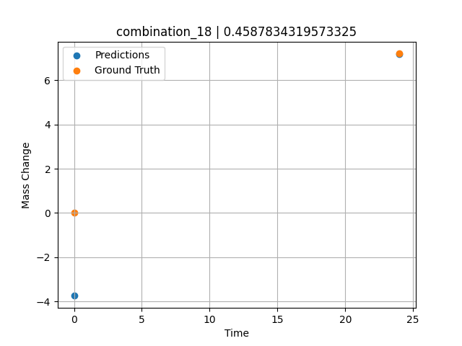
1200.0, 0.0, 0.0, 30.6, 36.8, 32.6, 0.0, 0.0
Temperature [C] | Mo [at%] | Nb [at%] | Ta [at%] | Ti [at%] | Cr [at%] | Al [at%] | W [at%] | Zr [at%] | Time [h] | Mass Change [mg.cm2] | Mass change - predictions
1200 | 0 | 0 | 30.6 | 36.8 | 32.6 | 0 | 0 | 0 | 0 | 0 | -3.7454204559
1200 | 0 | 0 | 30.6 | 36.8 | 32.6 | 0 | 0 | 0 | 24 | 7.2 | 7.1873884201

combination_19
1200.0, 0.0, 0.0, 49.9, 12.2, 37.9, 0.0, 0.0
Temperature [C] | Mo [at%] | Nb [at%] | Ta [at%] | Ti [at%] | Cr [at%] | Al [at%] | W [at%] | Zr [at%] | Time [h] | Mass Change [mg.cm2] | Mass change - predictions
1200 | 0 | 0 | 49.9 | 12.2 | 37.9 | 0 | 0 | 0 | 0 | 0 | 0.061402797699
1200 | 0 | 0 | 49.9 | 12.2 | 37.9 | 0 | 0 | 0 | 5 | 8.2898550725 | 7.8505935669
1200 | 0 | 0 | 49.9 | 12.2 | 37.9 | 0 | 0 | 0 | 10 | 12.434782609 | 10.714777946
1200 | 0 | 0 | 49.9 | 12.2 | 37.9 | 0 | 0 | 0 | 15 | 18.134057971 | 19.665496826
1200 | 0 | 0 | 49.9 | 12.2 | 37.9 | 0 | 0 | 0 | 17.5 | 24.869565217 | 26.869617462
1200 | 0 | 0 | 49.9 | 12.2 | 37.9 | 0 | 0 | 0 | 20 | 45.594202899 | 42.3580513
1200 | 0 | 0 | 49.9 | 12.2 | 37.9 | 0 | 0 | 0 | 24 | 71.5 | 70.868240356
1200 | 0 | 0 | 49.9 | 12.2 | 37.9 | 0 | 0 | 0 | 0 | 0 | 0.061403274536
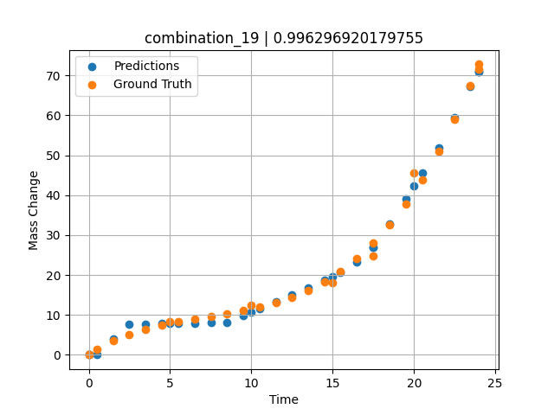
1200 | 0 | 0 | 49.9 | 12.2 | 37.9 | 0 | 0 | 0 | 0.49249 | 1.42149 | 0.095665216446
1200 | 0 | 0 | 49.9 | 12.2 | 37.9 | 0 | 0 | 0 | 1.5015 | 3.46774 | 4.0031251907
1200 | 0 | 0 | 49.9 | 12.2 | 37.9 | 0 | 0 | 0 | 2.4985 | 5.09174 | 7.6498365402
1200 | 0 | 0 | 49.9 | 12.2 | 37.9 | 0 | 0 | 0 | 3.4955 | 6.38605 | 7.7298488617
1200 | 0 | 0 | 49.9 | 12.2 | 37.9 | 0 | 0 | 0 | 4.5045 | 7.43134 | 7.8108205795
1200 | 0 | 0 | 49.9 | 12.2 | 37.9 | 0 | 0 | 0 | 5.48956 | 8.26108 | 7.889878273
1200 | 0 | 0 | 49.9 | 12.2 | 37.9 | 0 | 0 | 0 | 6.4985 | 8.98419 | 7.9708557129
1200 | 0 | 0 | 49.9 | 12.2 | 37.9 | 0 | 0 | 0 | 7.5035 | 9.64589 | 8.0515050888
1200 | 0 | 0 | 49.9 | 12.2 | 37.9 | 0 | 0 | 0 | 8.49249 | 10.30729 | 8.1308784485
1200 | 0 | 0 | 49.9 | 12.2 | 37.9 | 0 | 0 | 0 | 9.5015 | 11.06122 | 9.8411464691
1200 | 0 | 0 | 49.9 | 12.2 | 37.9 | 0 | 0 | 0 | 10.48663 | 11.94099 | 11.56761837
1200 | 0 | 0 | 49.9 | 12.2 | 37.9 | 0 | 0 | 0 | 11.4955 | 13.05774 | 13.335677147
1200 | 0 | 0 | 49.9 | 12.2 | 37.9 | 0 | 0 | 0 | 12.5045 | 14.46245 | 15.103956223
1200 | 0 | 0 | 49.9 | 12.2 | 37.9 | 0 | 0 | 0 | 13.5015 | 16.2008 | 16.851222992
1200 | 0 | 0 | 49.9 | 12.2 | 37.9 | 0 | 0 | 0 | 14.4985 | 18.3577 | 18.641448975
1200 | 0 | 0 | 49.9 | 12.2 | 37.9 | 0 | 0 | 0 | 15.4837 | 20.96379 | 20.681781769
1200 | 0 | 0 | 49.9 | 12.2 | 37.9 | 0 | 0 | 0 | 16.49249 | 24.19061 | 23.180274963
1200 | 0 | 0 | 49.9 | 12.2 | 37.9 | 0 | 0 | 0 | 17.50147 | 28.05166 | 26.876613617
1200 | 0 | 0 | 49.9 | 12.2 | 37.9 | 0 | 0 | 0 | 18.4985 | 32.55855 | 32.791114807
1200 | 0 | 0 | 49.9 | 12.2 | 37.9 | 0 | 0 | 0 | 19.4955 | 37.823 | 39.143566132
1200 | 0 | 0 | 49.9 | 12.2 | 37.9 | 0 | 0 | 0 | 20.49277 | 43.91233 | 45.497772217
1200 | 0 | 0 | 49.9 | 12.2 | 37.9 | 0 | 0 | 0 | 21.5015 | 50.97282 | 51.924976349
1200 | 0 | 0 | 49.9 | 12.2 | 37.9 | 0 | 0 | 0 | 22.4985 | 58.92082 | 59.508014679
1200 | 0 | 0 | 49.9 | 12.2 | 37.9 | 0 | 0 | 0 | 23.45946 | 67.54177 | 67.262565613
1200 | 0 | 0 | 49.9 | 12.2 | 37.9 | 0 | 0 | 0 | 24 | 72.79782 | 70.868240356

combination_20
1200.0, 0.0, 0.0, 50.9, 37.2, 11.9, 0.0, 0.0
Temperature [C] | Mo [at%] | Nb [at%] | Ta [at%] | Ti [at%] | Cr [at%] | Al [at%] | W [at%] | Zr [at%] | Time [h] | Mass Change [mg.cm2] | Mass change - predictions
1200 | 0 | 0 | 50.9 | 37.2 | 11.9 | 0 | 0 | 0 | 0 | 0 | 0.13654708862
1200 | 0 | 0 | 50.9 | 37.2 | 11.9 | 0 | 0 | 0 | 5 | 31.542083333 | 31.82624054
1200 | 0 | 0 | 50.9 | 37.2 | 11.9 | 0 | 0 | 0 | 10 | 59.464583333 | 59.584087372
1200 | 0 | 0 | 50.9 | 37.2 | 11.9 | 0 | 0 | 0 | 15 | 82.733333333 | 82.718193054
1200 | 0 | 0 | 50.9 | 37.2 | 11.9 | 0 | 0 | 0 | 20 | 106.51916667 | 105.85232544
1200 | 0 | 0 | 50.9 | 37.2 | 11.9 | 0 | 0 | 0 | 24 | 124.1 | 123.8405304
1200 | 0 | 0 | 50.9 | 37.2 | 11.9 | 0 | 0 | 0 | 0 | 0 | 0.13654708862
1200 | 0 | 0 | 50.9 | 37.2 | 11.9 | 0 | 0 | 0 | 0.49249 | 3.32589 | 3.3077230453
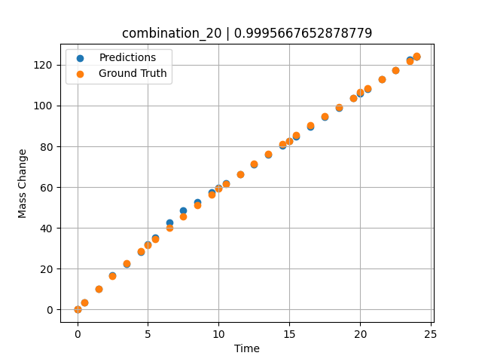
1200 | 0 | 0 | 50.9 | 37.2 | 11.9 | 0 | 0 | 0 | 1.5015 | 10.03119 | 10.023028374
1200 | 0 | 0 | 50.9 | 37.2 | 11.9 | 0 | 0 | 0 | 2.4985 | 16.44125 | 16.630126953
1200 | 0 | 0 | 50.9 | 37.2 | 11.9 | 0 | 0 | 0 | 3.4955 | 22.64739 | 22.321556091
1200 | 0 | 0 | 50.9 | 37.2 | 11.9 | 0 | 0 | 0 | 4.5045 | 28.73355 | 28.306072235
1200 | 0 | 0 | 50.9 | 37.2 | 11.9 | 0 | 0 | 0 | 5.48956 | 34.49707 | 35.308597565
1200 | 0 | 0 | 50.9 | 37.2 | 11.9 | 0 | 0 | 0 | 6.4985 | 40.22938 | 42.767887115
1200 | 0 | 0 | 50.9 | 37.2 | 11.9 | 0 | 0 | 0 | 7.4955 | 45.73568 | 48.409881592
1200 | 0 | 0 | 50.9 | 37.2 | 11.9 | 0 | 0 | 0 | 8.49249 | 51.09529 | 52.609100342
1200 | 0 | 0 | 50.9 | 37.2 | 11.9 | 0 | 0 | 0 | 9.5015 | 56.38263 | 57.277622223
1200 | 0 | 0 | 50.9 | 37.2 | 11.9 | 0 | 0 | 0 | 10.48663 | 61.42297 | 61.835636139
1200 | 0 | 0 | 50.9 | 37.2 | 11.9 | 0 | 0 | 0 | 11.4955 | 66.47152 | 66.503494263
1200 | 0 | 0 | 50.9 | 37.2 | 11.9 | 0 | 0 | 0 | 12.5045 | 71.41788 | 71.171966553
1200 | 0 | 0 | 50.9 | 37.2 | 11.9 | 0 | 0 | 0 | 13.5015 | 76.21596 | 75.78490448
1200 | 0 | 0 | 50.9 | 37.2 | 11.9 | 0 | 0 | 0 | 14.4985 | 80.93612 | 80.397857666
1200 | 0 | 0 | 50.9 | 37.2 | 11.9 | 0 | 0 | 0 | 15.4837 | 85.53549 | 84.956199646
1200 | 0 | 0 | 50.9 | 37.2 | 11.9 | 0 | 0 | 0 | 16.49249 | 90.18944 | 89.623680115
1200 | 0 | 0 | 50.9 | 37.2 | 11.9 | 0 | 0 | 0 | 17.5015 | 94.79986 | 94.29221344
1200 | 0 | 0 | 50.9 | 37.2 | 11.9 | 0 | 0 | 0 | 18.4985 | 99.32321 | 98.905143738
1200 | 0 | 0 | 50.9 | 37.2 | 11.9 | 0 | 0 | 0 | 19.4955 | 103.82588 | 103.51808167
1200 | 0 | 0 | 50.9 | 37.2 | 11.9 | 0 | 0 | 0 | 20.51128 | 108.40403 | 108.2179184
1200 | 0 | 0 | 50.9 | 37.2 | 11.9 | 0 | 0 | 0 | 21.5015 | 112.86918 | 112.79950714
1200 | 0 | 0 | 50.9 | 37.2 | 11.9 | 0 | 0 | 0 | 22.4985 | 117.37858 | 117.41244507
1200 | 0 | 0 | 50.9 | 37.2 | 11.9 | 0 | 0 | 0 | 23.4955 | 121.9129 | 122.63354492
1200 | 0 | 0 | 50.9 | 37.2 | 11.9 | 0 | 0 | 0 | 24 | 124.21884 | 123.8405304

combination_21
1200.0, 0.0, 0.0, 46.5, 22.5, 31.0, 0.0, 0.0
Temperature [C] | Mo [at%] | Nb [at%] | Ta [at%] | Ti [at%] | Cr [at%] | Al [at%] | W [at%] | Zr [at%] | Time [h] | Mass Change [mg.cm2] | Mass change - predictions
1200 | 0 | 0 | 46.5 | 22.5 | 31 | 0 | 0 | 0 | 0 | 0 | 0.83365631104
1200 | 0 | 0 | 46.5 | 22.5 | 31 | 0 | 0 | 0 | 5 | 68.073076923 | 69.331764221
1200 | 0 | 0 | 46.5 | 22.5 | 31 | 0 | 0 | 0 | 10 | 121.19070513 | 122.16668701
1200 | 0 | 0 | 46.5 | 22.5 | 31 | 0 | 0 | 0 | 15 | 148.52307692 | 147.85307312
1200 | 0 | 0 | 46.5 | 22.5 | 31 | 0 | 0 | 0 | 20 | 159.35288462 | 159.7457428
1200 | 0 | 0 | 46.5 | 22.5 | 31 | 0 | 0 | 0 | 24 | 160.9 | 162.01486206
1200 | 0 | 0 | 46.5 | 22.5 | 31 | 0 | 0 | 0 | 0 | 0 | 0.83365631104
1200 | 0 | 0 | 46.5 | 22.5 | 31 | 0 | 0 | 0 | 0.53801 | 8.21597 | 7.6196660995
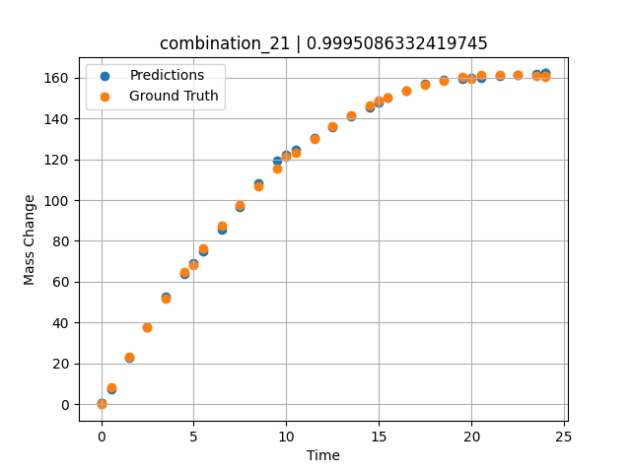
1200 | 0 | 0 | 46.5 | 22.5 | 31 | 0 | 0 | 0 | 1.5015 | 23.29686 | 22.773105621
1200 | 0 | 0 | 46.5 | 22.5 | 31 | 0 | 0 | 0 | 2.4985 | 37.95309 | 37.814502716
1200 | 0 | 0 | 46.5 | 22.5 | 31 | 0 | 0 | 0 | 3.4955 | 51.65384 | 52.834980011
1200 | 0 | 0 | 46.5 | 22.5 | 31 | 0 | 0 | 0 | 4.5045 | 64.57589 | 63.898620605
1200 | 0 | 0 | 46.5 | 22.5 | 31 | 0 | 0 | 0 | 5.48956 | 76.29591 | 74.699768066
1200 | 0 | 0 | 46.5 | 22.5 | 31 | 0 | 0 | 0 | 6.4985 | 87.40608 | 85.762763977
1200 | 0 | 0 | 46.5 | 22.5 | 31 | 0 | 0 | 0 | 7.4955 | 97.52071 | 96.69480896
1200 | 0 | 0 | 46.5 | 22.5 | 31 | 0 | 0 | 0 | 8.49249 | 106.79416 | 108.16775513
1200 | 0 | 0 | 46.5 | 22.5 | 31 | 0 | 0 | 0 | 9.5015 | 115.35124 | 119.47036743
1200 | 0 | 0 | 46.5 | 22.5 | 31 | 0 | 0 | 0 | 10.48663 | 122.92292 | 124.80936432
1200 | 0 | 0 | 46.5 | 22.5 | 31 | 0 | 0 | 0 | 11.4955 | 129.89829 | 130.28808594
1200 | 0 | 0 | 46.5 | 22.5 | 31 | 0 | 0 | 0 | 12.5045 | 136.10997 | 135.76751709
1200 | 0 | 0 | 46.5 | 22.5 | 31 | 0 | 0 | 0 | 13.5015 | 141.52095 | 140.78790283
1200 | 0 | 0 | 46.5 | 22.5 | 31 | 0 | 0 | 0 | 14.4985 | 146.22811 | 145.50361633
1200 | 0 | 0 | 46.5 | 22.5 | 31 | 0 | 0 | 0 | 15.4837 | 150.21466 | 150.10113525
1200 | 0 | 0 | 46.5 | 22.5 | 31 | 0 | 0 | 0 | 16.49249 | 153.63313 | 153.48352051
1200 | 0 | 0 | 46.5 | 22.5 | 31 | 0 | 0 | 0 | 17.5015 | 156.40427 | 156.86662292
1200 | 0 | 0 | 46.5 | 22.5 | 31 | 0 | 0 | 0 | 18.4985 | 158.52997 | 158.86271667
1200 | 0 | 0 | 46.5 | 22.5 | 31 | 0 | 0 | 0 | 19.4955 | 160.06615 | 159.44902039
1200 | 0 | 0 | 46.5 | 22.5 | 31 | 0 | 0 | 0 | 20.49277 | 161.03822 | 160.03553772
1200 | 0 | 0 | 46.5 | 22.5 | 31 | 0 | 0 | 0 | 21.5015 | 161.47326 | 160.62863159
1200 | 0 | 0 | 46.5 | 22.5 | 31 | 0 | 0 | 0 | 22.4985 | 161.37827 | 161.18028259
1200 | 0 | 0 | 46.5 | 22.5 | 31 | 0 | 0 | 0 | 23.4955 | 160.78923 | 161.73194885
1200 | 0 | 0 | 46.5 | 22.5 | 31 | 0 | 0 | 0 | 24 | 160.32765 | 162.01486206

combination_22
1100.0, 20.0, 20.0, 0.0, 20.0, 20.0, 20.0, 0.0
Temperature [C] | Mo [at%] | Nb [at%] | Ta [at%] | Ti [at%] | Cr [at%] | Al [at%] | W [at%] | Zr [at%] | Time [h] | Mass Change [mg.cm2] | Mass change - predictions
1100 | 20 | 20 | 0 | 20 | 20 | 20 | 0 | 0 | 0 | 0 | -0.098464608192
1100 | 20 | 20 | 0 | 20 | 20 | 20 | 0 | 0 | 10 | 3.3534246575 | 3.3452658653
1100 | 20 | 20 | 0 | 20 | 20 | 20 | 0 | 0 | 20 | 5.4794520548 | 5.6792521477
1100 | 20 | 20 | 0 | 20 | 20 | 20 | 0 | 0 | 30 | 6.904109589 | 6.9588475227
1100 | 20 | 20 | 0 | 20 | 20 | 20 | 0 | 0 | 40 | 7.8465753425 | 7.6908826828
1100 | 20 | 20 | 0 | 20 | 20 | 20 | 0 | 0 | 48 | 8.3726027397 | 8.8244781494
1100 | 20 | 20 | 0 | 20 | 20 | 20 | 0 | 0 | 0 | 0 | -0.098464608192
1100 | 20 | 20 | 0 | 20 | 20 | 20 | 0 | 0 | 0.48048 | 0.19946 | 0.11026549339
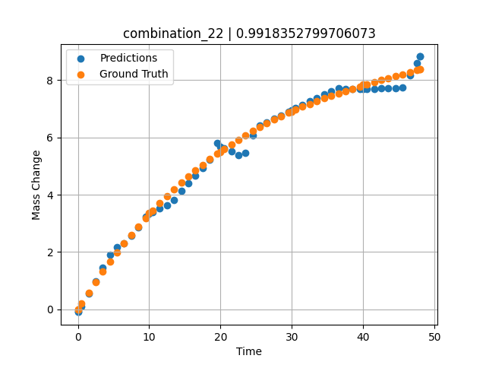
1100 | 20 | 20 | 0 | 20 | 20 | 20 | 0 | 0 | 1.48949 | 0.58439 | 0.54859775305
1100 | 20 | 20 | 0 | 20 | 20 | 20 | 0 | 0 | 2.4985 | 0.9555 | 0.98692953587
1100 | 20 | 20 | 0 | 20 | 20 | 20 | 0 | 0 | 3.50751 | 1.3131 | 1.461564064
1100 | 20 | 20 | 0 | 20 | 20 | 20 | 0 | 0 | 4.51652 | 1.6575 | 1.9102374315
1100 | 20 | 20 | 0 | 20 | 20 | 20 | 0 | 0 | 5.5015 | 1.98132 | 2.1806471348
1100 | 20 | 20 | 0 | 20 | 20 | 20 | 0 | 0 | 6.48649 | 2.29304 | 2.2996668816
1100 | 20 | 20 | 0 | 20 | 20 | 20 | 0 | 0 | 7.4955 | 2.60028 | 2.5556058884
1100 | 20 | 20 | 0 | 20 | 20 | 20 | 0 | 0 | 8.5045 | 2.89555 | 2.8491578102
1100 | 20 | 20 | 0 | 20 | 20 | 20 | 0 | 0 | 9.51351 | 3.17915 | 3.2344088554
1100 | 20 | 20 | 0 | 20 | 20 | 20 | 0 | 0 | 10.47476 | 3.43876 | 3.4038925171
1100 | 20 | 20 | 0 | 20 | 20 | 20 | 0 | 0 | 11.48348 | 3.7004 | 3.5208954811
1100 | 20 | 20 | 0 | 20 | 20 | 20 | 0 | 0 | 12.49249 | 3.95137 | 3.6231021881
1100 | 20 | 20 | 0 | 20 | 20 | 20 | 0 | 0 | 13.5015 | 4.1919 | 3.8258552551
1100 | 20 | 20 | 0 | 20 | 20 | 20 | 0 | 0 | 14.51051 | 4.4223 | 4.1334962845
1100 | 20 | 20 | 0 | 20 | 20 | 20 | 0 | 0 | 15.4955 | 4.63778 | 4.4015293121
1100 | 20 | 20 | 0 | 20 | 20 | 20 | 0 | 0 | 16.48048 | 4.84412 | 4.6695623398
1100 | 20 | 20 | 0 | 20 | 20 | 20 | 0 | 0 | 17.48949 | 5.04642 | 4.9441337585
1100 | 20 | 20 | 0 | 20 | 20 | 20 | 0 | 0 | 18.4985 | 5.23981 | 5.2187004089
1100 | 20 | 20 | 0 | 20 | 20 | 20 | 0 | 0 | 19.50751 | 5.42461 | 5.8049778938
1100 | 20 | 20 | 0 | 20 | 20 | 20 | 0 | 0 | 20.49304 | 5.59708 | 5.6219339371
1100 | 20 | 20 | 0 | 20 | 20 | 20 | 0 | 0 | 21.5015 | 5.76578 | 5.5047011375
1100 | 20 | 20 | 0 | 20 | 20 | 20 | 0 | 0 | 22.48649 | 5.92305 | 5.392967701
1100 | 20 | 20 | 0 | 20 | 20 | 20 | 0 | 0 | 23.4955 | 6.07691 | 5.4617958069
1100 | 20 | 20 | 0 | 20 | 20 | 20 | 0 | 0 | 24.5045 | 6.22371 | 6.0721430779
1100 | 20 | 20 | 0 | 20 | 20 | 20 | 0 | 0 | 25.51351 | 6.36376 | 6.4065747261
1100 | 20 | 20 | 0 | 20 | 20 | 20 | 0 | 0 | 26.4985 | 6.49429 | 6.5278224945
1100 | 20 | 20 | 0 | 20 | 20 | 20 | 0 | 0 | 27.48348 | 6.61891 | 6.6490702629
1100 | 20 | 20 | 0 | 20 | 20 | 20 | 0 | 0 | 28.49249 | 6.74084 | 6.7732791901
1100 | 20 | 20 | 0 | 20 | 20 | 20 | 0 | 0 | 29.5015 | 6.85724 | 6.8974809647
1100 | 20 | 20 | 0 | 20 | 20 | 20 | 0 | 0 | 30.48731 | 6.96591 | 7.0188307762
1100 | 20 | 20 | 0 | 20 | 20 | 20 | 0 | 0 | 31.4955 | 7.07225 | 7.1429357529
1100 | 20 | 20 | 0 | 20 | 20 | 20 | 0 | 0 | 32.48048 | 7.17165 | 7.2641849518
1100 | 20 | 20 | 0 | 20 | 20 | 20 | 0 | 0 | 33.48949 | 7.26924 | 7.3866052628
1100 | 20 | 20 | 0 | 20 | 20 | 20 | 0 | 0 | 34.4985 | 7.36284 | 7.5037174225
1100 | 20 | 20 | 0 | 20 | 20 | 20 | 0 | 0 | 35.50751 | 7.45277 | 7.6208329201
1100 | 20 | 20 | 0 | 20 | 20 | 20 | 0 | 0 | 36.51652 | 7.53932 | 7.7086462975
1100 | 20 | 20 | 0 | 20 | 20 | 20 | 0 | 0 | 37.5015 | 7.62086 | 7.7038154602
1100 | 20 | 20 | 0 | 20 | 20 | 20 | 0 | 0 | 38.48649 | 7.69975 | 7.69871521
1100 | 20 | 20 | 0 | 20 | 20 | 20 | 0 | 0 | 39.4955 | 7.77816 | 7.6934928894
1100 | 20 | 20 | 0 | 20 | 20 | 20 | 0 | 0 | 40.48157 | 7.8527 | 7.6883893013
1100 | 20 | 20 | 0 | 20 | 20 | 20 | 0 | 0 | 41.51351 | 7.92883 | 7.6924128532
1100 | 20 | 20 | 0 | 20 | 20 | 20 | 0 | 0 | 42.4985 | 8.00001 | 7.7153692245
1100 | 20 | 20 | 0 | 20 | 20 | 20 | 0 | 0 | 43.48348 | 8.07001 | 7.721613884
1100 | 20 | 20 | 0 | 20 | 20 | 20 | 0 | 0 | 44.49249 | 8.14082 | 7.728012085
1100 | 20 | 20 | 0 | 20 | 20 | 20 | 0 | 0 | 45.5015 | 8.21101 | 7.7411060333
1100 | 20 | 20 | 0 | 20 | 20 | 20 | 0 | 0 | 46.51616 | 8.28129 | 8.1785678864
1100 | 20 | 20 | 0 | 20 | 20 | 20 | 0 | 0 | 47.4955 | 8.34913 | 8.602227211
1100 | 20 | 20 | 0 | 20 | 20 | 20 | 0 | 0 | 48 | 8.38416 | 8.8244791031

combination_23
1100.0, 20.0, 0.0, 20.0, 20.0, 20.0, 20.0, 0.0
Temperature [C] | Mo [at%] | Nb [at%] | Ta [at%] | Ti [at%] | Cr [at%] | Al [at%] | W [at%] | Zr [at%] | Time [h] | Mass Change [mg.cm2] | Mass change - predictions
1100 | 20 | 0 | 20 | 20 | 20 | 20 | 0 | 0 | 0 | 0 | 0.0046820640564
1100 | 20 | 0 | 20 | 20 | 20 | 20 | 0 | 0 | 10 | 1.5123287671 | 1.6025978327
1100 | 20 | 0 | 20 | 20 | 20 | 20 | 0 | 0 | 20 | 2.0164383562 | 1.9229803085
1100 | 20 | 0 | 20 | 20 | 20 | 20 | 0 | 0 | 30 | 2.4109589041 | 2.3626041412
1100 | 20 | 0 | 20 | 20 | 20 | 20 | 0 | 0 | 40 | 2.7178082192 | 2.6342544556
1100 | 20 | 0 | 20 | 20 | 20 | 20 | 0 | 0 | 48 | 3.002739726 | 2.8978762627
1100 | 20 | 0 | 20 | 20 | 20 | 20 | 0 | 0 | 0 | 0 | 0.0046820640564
1100 | 20 | 0 | 20 | 20 | 20 | 20 | 0 | 0 | 0.48048 | 0.11006 | 0.049910545349
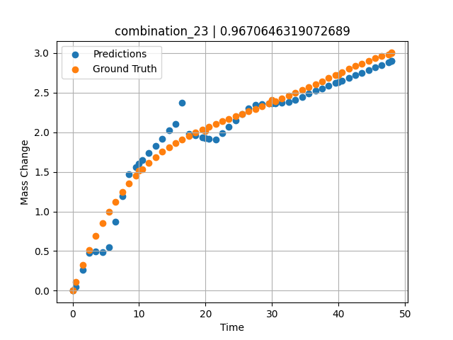
1100 | 20 | 0 | 20 | 20 | 20 | 20 | 0 | 0 | 1.48949 | 0.32168 | 0.26060628891
1100 | 20 | 0 | 20 | 20 | 20 | 20 | 0 | 0 | 2.4985 | 0.51495 | 0.47979617119
1100 | 20 | 0 | 20 | 20 | 20 | 20 | 0 | 0 | 3.50751 | 0.69112 | 0.49764108658
1100 | 20 | 0 | 20 | 20 | 20 | 20 | 0 | 0 | 4.51652 | 0.85139 | 0.48202037811
1100 | 20 | 0 | 20 | 20 | 20 | 20 | 0 | 0 | 5.5015 | 0.99367 | 0.55264472961
1100 | 20 | 0 | 20 | 20 | 20 | 20 | 0 | 0 | 6.48649 | 1.12287 | 0.86690378189
1100 | 20 | 0 | 20 | 20 | 20 | 20 | 0 | 0 | 7.4955 | 1.24285 | 1.1888303757
1100 | 20 | 0 | 20 | 20 | 20 | 20 | 0 | 0 | 8.5045 | 1.3513 | 1.4695019722
1100 | 20 | 0 | 20 | 20 | 20 | 20 | 0 | 0 | 9.51351 | 1.44923 | 1.5592997074
1100 | 20 | 0 | 20 | 20 | 20 | 20 | 0 | 0 | 10.47476 | 1.5336 | 1.6448495388
1100 | 20 | 0 | 20 | 20 | 20 | 20 | 0 | 0 | 11.48348 | 1.61366 | 1.7346203327
1100 | 20 | 0 | 20 | 20 | 20 | 20 | 0 | 0 | 12.49249 | 1.68593 | 1.8244194984
1100 | 20 | 0 | 20 | 20 | 20 | 20 | 0 | 0 | 13.5015 | 1.75122 | 1.9142179489
1100 | 20 | 0 | 20 | 20 | 20 | 20 | 0 | 0 | 14.51051 | 1.81031 | 2.0193660259
1100 | 20 | 0 | 20 | 20 | 20 | 20 | 0 | 0 | 15.4955 | 1.86275 | 2.105812788
1100 | 20 | 0 | 20 | 20 | 20 | 20 | 0 | 0 | 16.48048 | 1.91063 | 2.3684258461
1100 | 20 | 0 | 20 | 20 | 20 | 20 | 0 | 0 | 17.48949 | 1.95565 | 1.9824104309
1100 | 20 | 0 | 20 | 20 | 20 | 20 | 0 | 0 | 18.4985 | 1.99719 | 1.9566361904
1100 | 20 | 0 | 20 | 20 | 20 | 20 | 0 | 0 | 19.50751 | 2.03585 | 1.9340168238
1100 | 20 | 0 | 20 | 20 | 20 | 20 | 0 | 0 | 20.49304 | 2.07132 | 1.9119253159
1100 | 20 | 0 | 20 | 20 | 20 | 20 | 0 | 0 | 21.5015 | 2.1058 | 1.910959363
1100 | 20 | 0 | 20 | 20 | 20 | 20 | 0 | 0 | 22.48649 | 2.13811 | 1.9885137081
1100 | 20 | 0 | 20 | 20 | 20 | 20 | 0 | 0 | 23.4955 | 2.17023 | 2.0679583549
1100 | 20 | 0 | 20 | 20 | 20 | 20 | 0 | 0 | 24.5045 | 2.20173 | 2.1474025249
1100 | 20 | 0 | 20 | 20 | 20 | 20 | 0 | 0 | 25.51604 | 2.23302 | 2.227042675
1100 | 20 | 0 | 20 | 20 | 20 | 20 | 0 | 0 | 26.4985 | 2.26341 | 2.3042588234
1100 | 20 | 0 | 20 | 20 | 20 | 20 | 0 | 0 | 27.48348 | 2.29411 | 2.3468596935
1100 | 20 | 0 | 20 | 20 | 20 | 20 | 0 | 0 | 28.49249 | 2.32601 | 2.3531751633
1100 | 20 | 0 | 20 | 20 | 20 | 20 | 0 | 0 | 29.5015 | 2.35853 | 2.3594846725
1100 | 20 | 0 | 20 | 20 | 20 | 20 | 0 | 0 | 30.48731 | 2.39102 | 2.3656518459
1100 | 20 | 0 | 20 | 20 | 20 | 20 | 0 | 0 | 31.4955 | 2.42505 | 2.3719611168
1100 | 20 | 0 | 20 | 20 | 20 | 20 | 0 | 0 | 32.48048 | 2.45913 | 2.3781211376
1100 | 20 | 0 | 20 | 20 | 20 | 20 | 0 | 0 | 33.48949 | 2.4949 | 2.4041585922
1100 | 20 | 0 | 20 | 20 | 20 | 20 | 0 | 0 | 34.4985 | 2.53149 | 2.4466688633
1100 | 20 | 0 | 20 | 20 | 20 | 20 | 0 | 0 | 35.50751 | 2.56882 | 2.4862201214
1100 | 20 | 0 | 20 | 20 | 20 | 20 | 0 | 0 | 36.51652 | 2.60677 | 2.5194687843
1100 | 20 | 0 | 20 | 20 | 20 | 20 | 0 | 0 | 37.5015 | 2.64424 | 2.5519237518
1100 | 20 | 0 | 20 | 20 | 20 | 20 | 0 | 0 | 38.48396 | 2.68184 | 2.5843007565
1100 | 20 | 0 | 20 | 20 | 20 | 20 | 0 | 0 | 39.4955 | 2.72055 | 2.6176285744
1100 | 20 | 0 | 20 | 20 | 20 | 20 | 0 | 0 | 40.48157 | 2.758 | 2.6501255035
1100 | 20 | 0 | 20 | 20 | 20 | 20 | 0 | 0 | 41.51351 | 2.79655 | 2.6841306686
1100 | 20 | 0 | 20 | 20 | 20 | 20 | 0 | 0 | 42.4985 | 2.83237 | 2.7165856361
1100 | 20 | 0 | 20 | 20 | 20 | 20 | 0 | 0 | 43.48348 | 2.86684 | 2.749045372
1100 | 20 | 0 | 20 | 20 | 20 | 20 | 0 | 0 | 44.49249 | 2.9003 | 2.7822890282
1100 | 20 | 0 | 20 | 20 | 20 | 20 | 0 | 0 | 45.5015 | 2.9314 | 2.8155431747
1100 | 20 | 0 | 20 | 20 | 20 | 20 | 0 | 0 | 46.51051 | 2.9596 | 2.8487944603
1100 | 20 | 0 | 20 | 20 | 20 | 20 | 0 | 0 | 47.4955 | 2.98377 | 2.8812499046
1100 | 20 | 0 | 20 | 20 | 20 | 20 | 0 | 0 | 48 | 2.99484 | 2.8978729248

combination_24
1000.0, 20.0, 0.0, 20.0, 20.0, 20.0, 20.0, 20.0
Temperature [C] | Mo [at%] | Nb [at%] | Ta [at%] | Ti [at%] | Cr [at%] | Al [at%] | W [at%] | Zr [at%] | Time [h] | Mass Change [mg.cm2] | Mass change - predictions
1000 | 20 | 0 | 20 | 20 | 20 | 20 | 20 | 0 | 0 | 0 | 2.2675900459
1000 | 20 | 0 | 20 | 20 | 20 | 20 | 20 | 0 | 5 | 4.2 | 3.4839353561
1000 | 20 | 0 | 20 | 20 | 20 | 20 | 20 | 0 | 10 | 5.3 | 5.3558702469
1000 | 20 | 0 | 20 | 20 | 20 | 20 | 20 | 0 | 15 | 6 | 6.0690689087
1000 | 20 | 0 | 20 | 20 | 20 | 20 | 20 | 0 | 20 | 6.4 | 6.3824977875
1000 | 20 | 0 | 20 | 20 | 20 | 20 | 20 | 0 | 25 | 6.8 | 6.6101007462
1000 | 20 | 0 | 20 | 20 | 20 | 20 | 20 | 0 | 30 | 7.2 | 7.0968527794
1000 | 20 | 0 | 20 | 20 | 20 | 20 | 20 | 0 | 35 | 7.6 | 8.0226488113
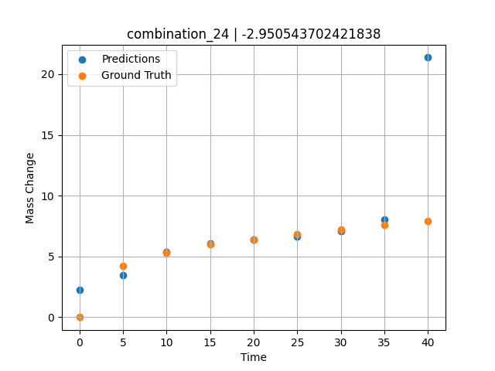
1000 | 20 | 0 | 20 | 20 | 20 | 20 | 20 | 0 | 40 | 7.9 | 21.365646362

combination_25
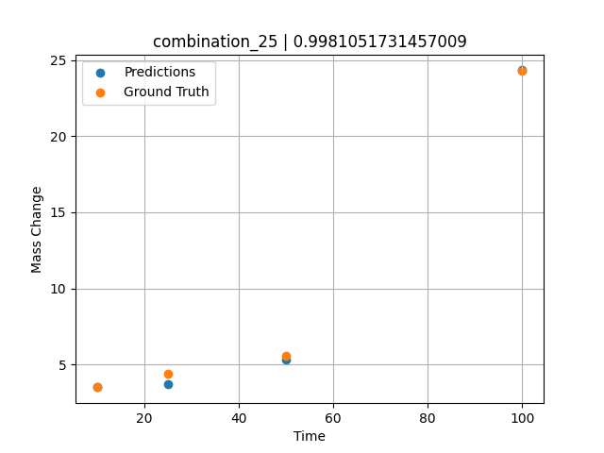
1000.0, 0.0, 0.0, 32.0, 32.0, 32.0, 4.0, 0.0
Temperature [C] | Mo [at%] | Nb [at%] | Ta [at%] | Ti [at%] | Cr [at%] | Al [at%] | W [at%] | Zr [at%] | Time [h] | Mass Change [mg.cm2] | Mass change - predictions
1000 | 0 | 0 | 32 | 32 | 32 | 4 | 0 | 0 | 100 | 24.3 | 24.337123871
1000 | 0 | 0 | 32 | 32 | 32 | 4 | 0 | 0 | 50 | 5.6 | 5.3517103195
1000 | 0 | 0 | 32 | 32 | 32 | 4 | 0 | 0 | 25 | 4.4 | 3.6940894127
1000 | 0 | 0 | 32 | 32 | 32 | 4 | 0 | 0 | 10 | 3.5 | 3.5025982857

combination_26
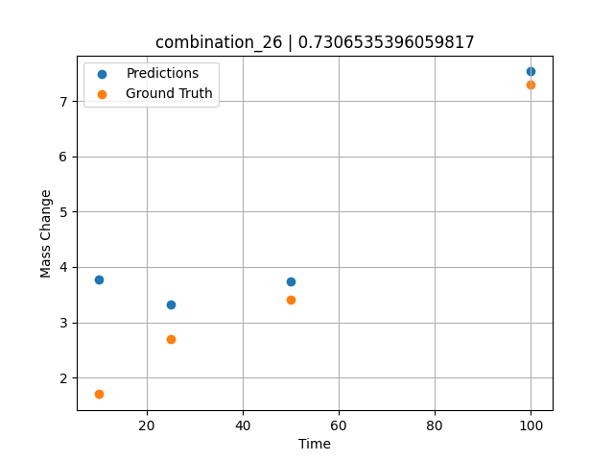
1000.0, 0.0, 0.0, 31.0, 31.0, 31.0, 9.0, 0.0
Temperature [C] | Mo [at%] | Nb [at%] | Ta [at%] | Ti [at%] | Cr [at%] | Al [at%] | W [at%] | Zr [at%] | Time [h] | Mass Change [mg.cm2] | Mass change - predictions
1000 | 0 | 0 | 31 | 31 | 31 | 9 | 0 | 0 | 100 | 7.3 | 7.5321912766
1000 | 0 | 0 | 31 | 31 | 31 | 9 | 0 | 0 | 50 | 3.4 | 3.7332241535
1000 | 0 | 0 | 31 | 31 | 31 | 9 | 0 | 0 | 25 | 2.7 | 3.3276309967
1000 | 0 | 0 | 31 | 31 | 31 | 9 | 0 | 0 | 10 | 1.7 | 3.7728655338

combination_27
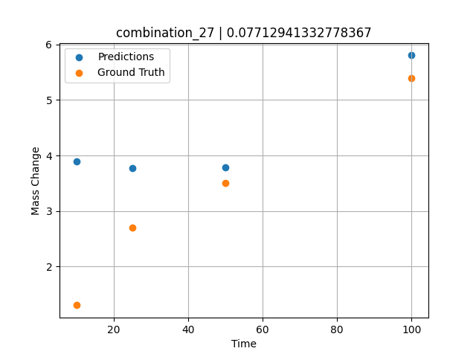
1000.0, 0.0, 0.0, 30.0, 30.0, 30.0, 10.0, 0.0
Temperature [C] | Mo [at%] | Nb [at%] | Ta [at%] | Ti [at%] | Cr [at%] | Al [at%] | W [at%] | Zr [at%] | Time [h] | Mass Change [mg.cm2] | Mass change - predictions
1000 | 0 | 0 | 30 | 30 | 30 | 10 | 0 | 0 | 100 | 5.4 | 5.8057346344
1000 | 0 | 0 | 30 | 30 | 30 | 10 | 0 | 0 | 50 | 3.5 | 3.7833995819
1000 | 0 | 0 | 30 | 30 | 30 | 10 | 0 | 0 | 25 | 2.7 | 3.7669012547
1000 | 0 | 0 | 30 | 30 | 30 | 10 | 0 | 0 | 10 | 1.3 | 3.8935518265

combination_28
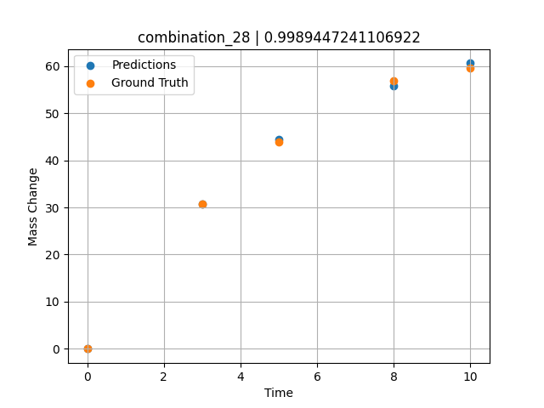
1000.0, 25.0, 25.0, 25.0, 0.0, 0.0, 0.0, 25.0
Temperature [C] | Mo [at%] | Nb [at%] | Ta [at%] | Ti [at%] | Cr [at%] | Al [at%] | W [at%] | Zr [at%] | Time [h] | Mass Change [mg.cm2] | Mass change - predictions
1000 | 25 | 25 | 25 | 0 | 0 | 0 | 25 | 0 | 0 | 0 | -0.024038314819
1000 | 25 | 25 | 25 | 0 | 0 | 0 | 25 | 0 | 3 | 30.8 | 30.813102722
1000 | 25 | 25 | 25 | 0 | 0 | 0 | 25 | 0 | 5 | 44 | 44.40871048
1000 | 25 | 25 | 25 | 0 | 0 | 0 | 25 | 0 | 8 | 57 | 55.799945831
1000 | 25 | 25 | 25 | 0 | 0 | 0 | 25 | 0 | 10 | 59.7 | 60.641269684

combination_29
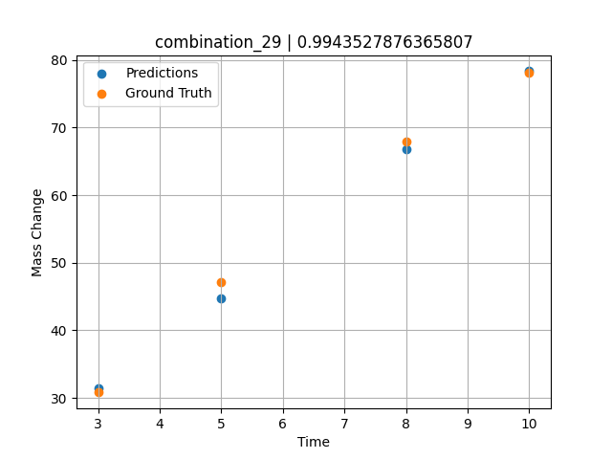
1000.0, 20.0, 20.0, 20.0, 20.0, 0.0, 0.0, 20.0
Temperature [C] | Mo [at%] | Nb [at%] | Ta [at%] | Ti [at%] | Cr [at%] | Al [at%] | W [at%] | Zr [at%] | Time [h] | Mass Change [mg.cm2] | Mass change - predictions
1000 | 20 | 20 | 20 | 20 | 0 | 0 | 20 | 0 | 3 | 30.8 | 31.425357819
1000 | 20 | 20 | 20 | 20 | 0 | 0 | 20 | 0 | 5 | 47.1 | 44.688259125
1000 | 20 | 20 | 20 | 20 | 0 | 0 | 20 | 0 | 8 | 67.9 | 66.753822327
1000 | 20 | 20 | 20 | 20 | 0 | 0 | 20 | 0 | 10 | 78.1 | 78.364715576

combination_30
1000.0, 10.0, 21.8, 11.9, 19.4, 18.4, 0.0, 0.0
Temperature [C] | Mo [at%] | Nb [at%] | Ta [at%] | Ti [at%] | Cr [at%] | Al [at%] | W [at%] | Zr [at%] | Time [h] | Mass Change [mg.cm2] | Mass change - predictions
1000 | 10 | 21.8 | 11.9 | 19.4 | 18.4 | 0 | 0 | 18.5 | 100 | 119 | 119.13536835
1000 | 10 | 21.8 | 11.9 | 19.4 | 18.4 | 0 | 0 | 18.5 | 24 | 50 | 52.785804749
1000 | 10 | 21.8 | 11.9 | 19.4 | 18.4 | 0 | 0 | 18.5 | 4 | 22 | 16.797605515
1000 | 10 | 21.8 | 11.9 | 19.4 | 18.4 | 0 | 0 | 18.5 | 2 | 15 | 13.223099709
1000 | 10 | 21.8 | 11.9 | 19.4 | 18.4 | 0 | 0 | 18.5 | 1 | 10 | 9.2437591553
1000 | 10 | 21.8 | 11.9 | 19.4 | 18.4 | 0 | 0 | 18.5 | 0 | 0 | 5.2753992081
1000 | 10 | 21.8 | 11.9 | 19.4 | 18.4 | 0 | 0 | 18.5 | 0.45045 | 7.87724 | 7.0551438332
1000 | 10 | 21.8 | 11.9 | 19.4 | 18.4 | 0 | 0 | 18.5 | 1.45145 | 10.49835 | 11.041685104
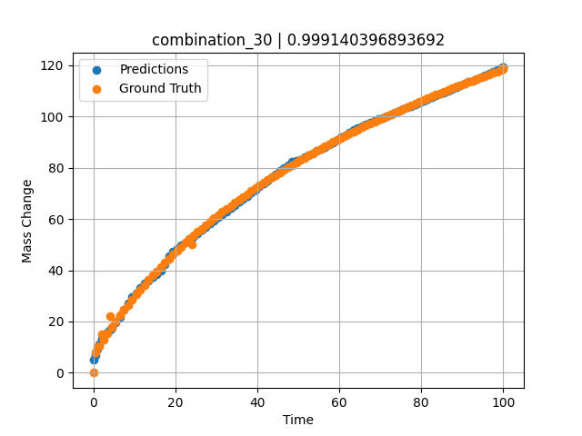
1000 | 10 | 21.8 | 11.9 | 19.4 | 18.4 | 0 | 0 | 18.5 | 2.45245 | 13.02627 | 14.034464836
1000 | 10 | 21.8 | 11.9 | 19.4 | 18.4 | 0 | 0 | 18.5 | 3.45345 | 15.46739 | 15.821746826
1000 | 10 | 21.8 | 11.9 | 19.4 | 18.4 | 0 | 0 | 18.5 | 4.45445 | 17.82748 | 17.609024048
1000 | 10 | 21.8 | 11.9 | 19.4 | 18.4 | 0 | 0 | 18.5 | 5.45546 | 20.11174 | 19.577941895
1000 | 10 | 21.8 | 11.9 | 19.4 | 18.4 | 0 | 0 | 18.5 | 6.45646 | 22.32489 | 21.720916748
1000 | 10 | 21.8 | 11.9 | 19.4 | 18.4 | 0 | 0 | 18.5 | 7.45746 | 24.47124 | 24.472957611
1000 | 10 | 21.8 | 11.9 | 19.4 | 18.4 | 0 | 0 | 18.5 | 8.45846 | 26.55469 | 27.224998474
1000 | 10 | 21.8 | 11.9 | 19.4 | 18.4 | 0 | 0 | 18.5 | 9.45946 | 28.57883 | 29.697284698
1000 | 10 | 21.8 | 11.9 | 19.4 | 18.4 | 0 | 0 | 18.5 | 10.46046 | 30.54693 | 31.163814545
1000 | 10 | 21.8 | 11.9 | 19.4 | 18.4 | 0 | 0 | 18.5 | 11.46146 | 32.46203 | 32.997249603
1000 | 10 | 21.8 | 11.9 | 19.4 | 18.4 | 0 | 0 | 18.5 | 12.46246 | 34.3269 | 34.883243561
1000 | 10 | 21.8 | 11.9 | 19.4 | 18.4 | 0 | 0 | 18.5 | 13.46346 | 36.14411 | 36.100288391
1000 | 10 | 21.8 | 11.9 | 19.4 | 18.4 | 0 | 0 | 18.5 | 14.46446 | 37.91603 | 37.317329407
1000 | 10 | 21.8 | 11.9 | 19.4 | 18.4 | 0 | 0 | 18.5 | 15.46547 | 39.64487 | 38.534385681
1000 | 10 | 21.8 | 11.9 | 19.4 | 18.4 | 0 | 0 | 18.5 | 16.46647 | 41.33267 | 39.894931793
1000 | 10 | 21.8 | 11.9 | 19.4 | 18.4 | 0 | 0 | 18.5 | 17.46747 | 42.98133 | 42.238739014
1000 | 10 | 21.8 | 11.9 | 19.4 | 18.4 | 0 | 0 | 18.5 | 18.46847 | 44.59264 | 45.618801117
1000 | 10 | 21.8 | 11.9 | 19.4 | 18.4 | 0 | 0 | 18.5 | 19.46947 | 46.16824 | 47.315940857
1000 | 10 | 21.8 | 11.9 | 19.4 | 18.4 | 0 | 0 | 18.5 | 20.47047 | 47.70968 | 48.524082184
1000 | 10 | 21.8 | 11.9 | 19.4 | 18.4 | 0 | 0 | 18.5 | 21.47147 | 49.21842 | 49.73274231
1000 | 10 | 21.8 | 11.9 | 19.4 | 18.4 | 0 | 0 | 18.5 | 22.47247 | 50.6958 | 50.941394806
1000 | 10 | 21.8 | 11.9 | 19.4 | 18.4 | 0 | 0 | 18.5 | 23.47347 | 52.14312 | 52.150051117
1000 | 10 | 21.8 | 11.9 | 19.4 | 18.4 | 0 | 0 | 18.5 | 24.47447 | 53.56157 | 53.358715057
1000 | 10 | 21.8 | 11.9 | 19.4 | 18.4 | 0 | 0 | 18.5 | 25.47548 | 54.95227 | 54.567367554
1000 | 10 | 21.8 | 11.9 | 19.4 | 18.4 | 0 | 0 | 18.5 | 26.47648 | 56.31629 | 55.776035309
1000 | 10 | 21.8 | 11.9 | 19.4 | 18.4 | 0 | 0 | 18.5 | 27.47748 | 57.65464 | 56.98469162
1000 | 10 | 21.8 | 11.9 | 19.4 | 18.4 | 0 | 0 | 18.5 | 28.47848 | 58.96827 | 58.193344116
1000 | 10 | 21.8 | 11.9 | 19.4 | 18.4 | 0 | 0 | 18.5 | 29.47948 | 60.25807 | 59.402004242
1000 | 10 | 21.8 | 11.9 | 19.4 | 18.4 | 0 | 0 | 18.5 | 30.48048 | 61.52489 | 60.610652924
1000 | 10 | 21.8 | 11.9 | 19.4 | 18.4 | 0 | 0 | 18.5 | 31.48148 | 62.76953 | 61.819301605
1000 | 10 | 21.8 | 11.9 | 19.4 | 18.4 | 0 | 0 | 18.5 | 32.48248 | 63.99277 | 63.027965546
1000 | 10 | 21.8 | 11.9 | 19.4 | 18.4 | 0 | 0 | 18.5 | 33.48348 | 65.19531 | 64.236618042
1000 | 10 | 21.8 | 11.9 | 19.4 | 18.4 | 0 | 0 | 18.5 | 34.48448 | 66.37786 | 65.445274353
1000 | 10 | 21.8 | 11.9 | 19.4 | 18.4 | 0 | 0 | 18.5 | 35.48549 | 67.54107 | 66.653938293
1000 | 10 | 21.8 | 11.9 | 19.4 | 18.4 | 0 | 0 | 18.5 | 36.48649 | 68.68555 | 67.862602234
1000 | 10 | 21.8 | 11.9 | 19.4 | 18.4 | 0 | 0 | 18.5 | 37.48749 | 69.8119 | 69.071258545
1000 | 10 | 21.8 | 11.9 | 19.4 | 18.4 | 0 | 0 | 18.5 | 38.48849 | 70.92069 | 70.279907227
1000 | 10 | 21.8 | 11.9 | 19.4 | 18.4 | 0 | 0 | 18.5 | 39.48949 | 72.01245 | 71.488578796
1000 | 10 | 21.8 | 11.9 | 19.4 | 18.4 | 0 | 0 | 18.5 | 40.49049 | 73.08771 | 72.697227478
1000 | 10 | 21.8 | 11.9 | 19.4 | 18.4 | 0 | 0 | 18.5 | 41.49149 | 74.14695 | 73.90587616
1000 | 10 | 21.8 | 11.9 | 19.4 | 18.4 | 0 | 0 | 18.5 | 42.49249 | 75.19064 | 75.1145401
1000 | 10 | 21.8 | 11.9 | 19.4 | 18.4 | 0 | 0 | 18.5 | 43.49349 | 76.21923 | 76.323188782
1000 | 10 | 21.8 | 11.9 | 19.4 | 18.4 | 0 | 0 | 18.5 | 44.49449 | 77.23316 | 77.531852722
1000 | 10 | 21.8 | 11.9 | 19.4 | 18.4 | 0 | 0 | 18.5 | 45.4955 | 78.23283 | 78.740516663
1000 | 10 | 21.8 | 11.9 | 19.4 | 18.4 | 0 | 0 | 18.5 | 46.4965 | 79.21865 | 79.949172974
1000 | 10 | 21.8 | 11.9 | 19.4 | 18.4 | 0 | 0 | 18.5 | 47.4975 | 80.19098 | 81.157829285
1000 | 10 | 21.8 | 11.9 | 19.4 | 18.4 | 0 | 0 | 18.5 | 48.4985 | 81.1502 | 82.368560791
1000 | 10 | 21.8 | 11.9 | 19.4 | 18.4 | 0 | 0 | 18.5 | 49.4995 | 82.09665 | 82.836608887
1000 | 10 | 21.8 | 11.9 | 19.4 | 18.4 | 0 | 0 | 18.5 | 50.5005 | 83.03067 | 83.262153625
1000 | 10 | 21.8 | 11.9 | 19.4 | 18.4 | 0 | 0 | 18.5 | 51.5015 | 83.95258 | 84.025222778
1000 | 10 | 21.8 | 11.9 | 19.4 | 18.4 | 0 | 0 | 18.5 | 52.5025 | 84.86269 | 84.852279663
1000 | 10 | 21.8 | 11.9 | 19.4 | 18.4 | 0 | 0 | 18.5 | 53.5035 | 85.76129 | 85.69254303
1000 | 10 | 21.8 | 11.9 | 19.4 | 18.4 | 0 | 0 | 18.5 | 54.5045 | 86.64869 | 86.532829285
1000 | 10 | 21.8 | 11.9 | 19.4 | 18.4 | 0 | 0 | 18.5 | 55.50551 | 87.52515 | 87.373100281
1000 | 10 | 21.8 | 11.9 | 19.4 | 18.4 | 0 | 0 | 18.5 | 56.50651 | 88.39093 | 88.213378906
1000 | 10 | 21.8 | 11.9 | 19.4 | 18.4 | 0 | 0 | 18.5 | 57.50751 | 89.2463 | 89.053642273
1000 | 10 | 21.8 | 11.9 | 19.4 | 18.4 | 0 | 0 | 18.5 | 58.50851 | 90.0915 | 89.930305481
1000 | 10 | 21.8 | 11.9 | 19.4 | 18.4 | 0 | 0 | 18.5 | 59.50951 | 90.92678 | 90.825218201
1000 | 10 | 21.8 | 11.9 | 19.4 | 18.4 | 0 | 0 | 18.5 | 60.51051 | 91.75236 | 91.819091797
1000 | 10 | 21.8 | 11.9 | 19.4 | 18.4 | 0 | 0 | 18.5 | 61.51151 | 92.56846 | 92.829811096
1000 | 10 | 21.8 | 11.9 | 19.4 | 18.4 | 0 | 0 | 18.5 | 62.51251 | 93.3753 | 93.840522766
1000 | 10 | 21.8 | 11.9 | 19.4 | 18.4 | 0 | 0 | 18.5 | 63.51351 | 94.17309 | 94.851234436
1000 | 10 | 21.8 | 11.9 | 19.4 | 18.4 | 0 | 0 | 18.5 | 64.51451 | 94.96203 | 95.587806702
1000 | 10 | 21.8 | 11.9 | 19.4 | 18.4 | 0 | 0 | 18.5 | 65.51552 | 95.74232 | 96.249656677
1000 | 10 | 21.8 | 11.9 | 19.4 | 18.4 | 0 | 0 | 18.5 | 66.51652 | 96.51413 | 96.911506653
1000 | 10 | 21.8 | 11.9 | 19.4 | 18.4 | 0 | 0 | 18.5 | 67.51752 | 97.27766 | 97.573356628
1000 | 10 | 21.8 | 11.9 | 19.4 | 18.4 | 0 | 0 | 18.5 | 68.51852 | 98.03307 | 98.235176086
1000 | 10 | 21.8 | 11.9 | 19.4 | 18.4 | 0 | 0 | 18.5 | 69.51952 | 98.78054 | 98.897033691
1000 | 10 | 21.8 | 11.9 | 19.4 | 18.4 | 0 | 0 | 18.5 | 70.52052 | 99.52024 | 99.558876038
1000 | 10 | 21.8 | 11.9 | 19.4 | 18.4 | 0 | 0 | 18.5 | 71.52152 | 100.25233 | 100.22071075
1000 | 10 | 21.8 | 11.9 | 19.4 | 18.4 | 0 | 0 | 18.5 | 72.52252 | 100.97695 | 100.8825531
1000 | 10 | 21.8 | 11.9 | 19.4 | 18.4 | 0 | 0 | 18.5 | 73.52352 | 101.69426 | 101.54441071
1000 | 10 | 21.8 | 11.9 | 19.4 | 18.4 | 0 | 0 | 18.5 | 74.52452 | 102.40441 | 102.20623779
1000 | 10 | 21.8 | 11.9 | 19.4 | 18.4 | 0 | 0 | 18.5 | 75.52553 | 103.10754 | 102.86808014
1000 | 10 | 21.8 | 11.9 | 19.4 | 18.4 | 0 | 0 | 18.5 | 76.52653 | 103.80378 | 103.52993011
1000 | 10 | 21.8 | 11.9 | 19.4 | 18.4 | 0 | 0 | 18.5 | 77.52753 | 104.49327 | 104.19178009
1000 | 10 | 21.8 | 11.9 | 19.4 | 18.4 | 0 | 0 | 18.5 | 78.52853 | 105.17615 | 104.85363007
1000 | 10 | 21.8 | 11.9 | 19.4 | 18.4 | 0 | 0 | 18.5 | 79.52953 | 105.85252 | 105.51546478
1000 | 10 | 21.8 | 11.9 | 19.4 | 18.4 | 0 | 0 | 18.5 | 80.53053 | 106.52252 | 106.1772995
1000 | 10 | 21.8 | 11.9 | 19.4 | 18.4 | 0 | 0 | 18.5 | 81.53153 | 107.18627 | 106.83914948
1000 | 10 | 21.8 | 11.9 | 19.4 | 18.4 | 0 | 0 | 18.5 | 82.53253 | 107.84388 | 107.50099182
1000 | 10 | 21.8 | 11.9 | 19.4 | 18.4 | 0 | 0 | 18.5 | 83.53353 | 108.49547 | 108.16283417
1000 | 10 | 21.8 | 11.9 | 19.4 | 18.4 | 0 | 0 | 18.5 | 84.53453 | 109.14114 | 108.82468414
1000 | 10 | 21.8 | 11.9 | 19.4 | 18.4 | 0 | 0 | 18.5 | 85.53554 | 109.781 | 109.48652649
1000 | 10 | 21.8 | 11.9 | 19.4 | 18.4 | 0 | 0 | 18.5 | 86.53654 | 110.41515 | 110.14835358
1000 | 10 | 21.8 | 11.9 | 19.4 | 18.4 | 0 | 0 | 18.5 | 87.53754 | 111.04369 | 110.81020355
1000 | 10 | 21.8 | 11.9 | 19.4 | 18.4 | 0 | 0 | 18.5 | 88.53854 | 111.66673 | 111.47206116
1000 | 10 | 21.8 | 11.9 | 19.4 | 18.4 | 0 | 0 | 18.5 | 89.53954 | 112.28436 | 112.13389587
1000 | 10 | 21.8 | 11.9 | 19.4 | 18.4 | 0 | 0 | 18.5 | 90.54054 | 112.89667 | 112.79573059
1000 | 10 | 21.8 | 11.9 | 19.4 | 18.4 | 0 | 0 | 18.5 | 91.54154 | 113.50376 | 113.4575882
1000 | 10 | 21.8 | 11.9 | 19.4 | 18.4 | 0 | 0 | 18.5 | 92.54254 | 114.1057 | 114.11942291
1000 | 10 | 21.8 | 11.9 | 19.4 | 18.4 | 0 | 0 | 18.5 | 93.54354 | 114.70259 | 114.78125763
1000 | 10 | 21.8 | 11.9 | 19.4 | 18.4 | 0 | 0 | 18.5 | 94.54454 | 115.29451 | 115.44312286
1000 | 10 | 21.8 | 11.9 | 19.4 | 18.4 | 0 | 0 | 18.5 | 95.54555 | 115.88155 | 116.10497284
1000 | 10 | 21.8 | 11.9 | 19.4 | 18.4 | 0 | 0 | 18.5 | 96.54655 | 116.46378 | 116.76682281
1000 | 10 | 21.8 | 11.9 | 19.4 | 18.4 | 0 | 0 | 18.5 | 97.54755 | 117.04128 | 117.42864227
1000 | 10 | 21.8 | 11.9 | 19.4 | 18.4 | 0 | 0 | 18.5 | 98.54855 | 117.61413 | 118.09056854
1000 | 10 | 21.8 | 11.9 | 19.4 | 18.4 | 0 | 0 | 18.5 | 99.4995 | 118.15413 | 118.76702881
1000 | 10 | 21.8 | 11.9 | 19.4 | 18.4 | 0 | 0 | 18.5 | 100 | 118.43683 | 119.13536835

combination_31
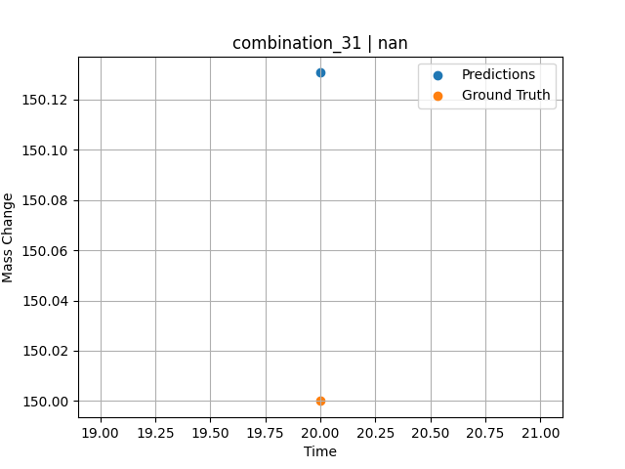
1300.0, 20.0, 21.8, 0.0, 23.5, 24.7, 10.0, 0.0
Temperature [C] | Mo [at%] | Nb [at%] | Ta [at%] | Ti [at%] | Cr [at%] | Al [at%] | W [at%] | Zr [at%] | Time [h] | Mass Change [mg.cm2] | Mass change - predictions
1300 | 20 | 21.8 | 0 | 23.5 | 24.7 | 10 | 0 | 0 | 20 | 150 | 150.1307373

combination_32
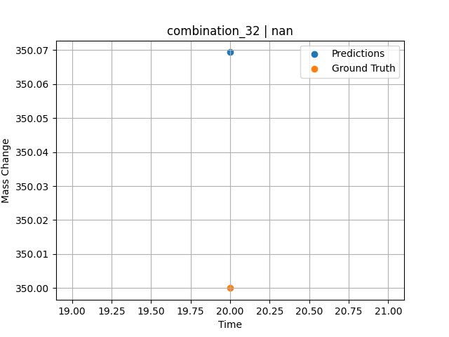
1300.0, 22.2, 22.5, 0.0, 0.0, 23.0, 10.2, 0.0
Temperature [C] | Mo [at%] | Nb [at%] | Ta [at%] | Ti [at%] | Cr [at%] | Al [at%] | W [at%] | Zr [at%] | Time [h] | Mass Change [mg.cm2] | Mass change - predictions
1300 | 22.2 | 22.5 | 0 | 0 | 23 | 10.2 | 0 | 0 | 20 | 350 | 350.06933594

combination_33
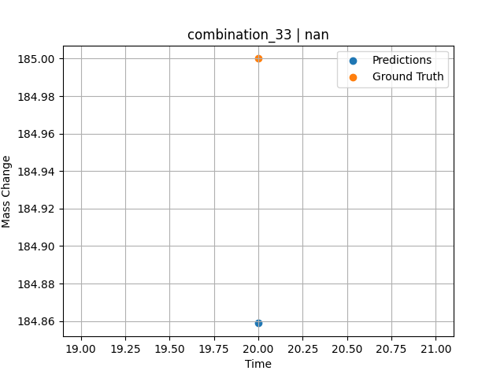
1300.0, 17.1, 17.7, 0.0, 18.3, 17.0, 7.0, 0.0
Temperature [C] | Mo [at%] | Nb [at%] | Ta [at%] | Ti [at%] | Cr [at%] | Al [at%] | W [at%] | Zr [at%] | Time [h] | Mass Change [mg.cm2] | Mass change - predictions
1300 | 17.1 | 17.7 | 0 | 18.3 | 17 | 7 | 0 | 0 | 20 | 185 | 184.8588562

combination_34
1200.0, 25.0, 0.0, 0.0, 25.0, 25.0, 25.0, 0.0
Temperature [C] | Mo [at%] | Nb [at%] | Ta [at%] | Ti [at%] | Cr [at%] | Al [at%] | W [at%] | Zr [at%] | Time [h] | Mass Change [mg.cm2] | Mass change - predictions
1200 | 25 | 0 | 0 | 25 | 25 | 25 | 0 | 0 | 0 | 0 | 1.522023201
1200 | 25 | 0 | 0 | 25 | 25 | 25 | 0 | 0 | 0.04806 | 0.46193 | 1.5381846428
1200 | 25 | 0 | 0 | 25 | 25 | 25 | 0 | 0 | 0.1539 | 1.06217 | 1.5737749338
1200 | 25 | 0 | 0 | 25 | 25 | 25 | 0 | 0 | 0.25013 | 1.42047 | 1.6061317921
1200 | 25 | 0 | 0 | 25 | 25 | 25 | 0 | 0 | 0.34637 | 1.88297 | 1.6384928226
1200 | 25 | 0 | 0 | 25 | 25 | 25 | 0 | 0 | 0.44263 | 2.2825 | 1.6803638935
1200 | 25 | 0 | 0 | 25 | 25 | 25 | 0 | 0 | 0.54853 | 2.46396 | 1.7345117331
1200 | 25 | 0 | 0 | 25 | 25 | 25 | 0 | 0 | 0.65447 | 2.55947 | 1.7886841297
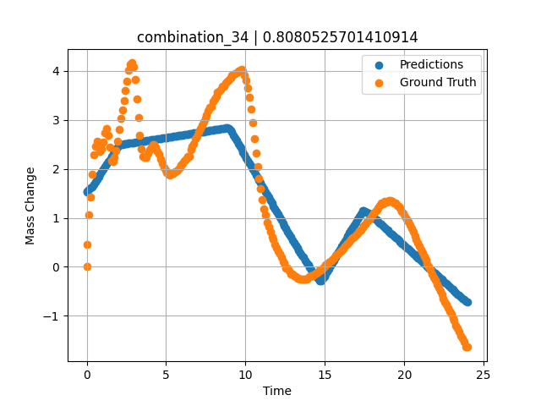
1200 | 25 | 0 | 0 | 25 | 25 | 25 | 0 | 0 | 0.7507 | 2.47177 | 1.8378872871
1200 | 25 | 0 | 0 | 25 | 25 | 25 | 0 | 0 | 0.8469 | 2.3657 | 1.8870798349
1200 | 25 | 0 | 0 | 25 | 25 | 25 | 0 | 0 | 0.94313 | 2.4103 | 1.9362859726
1200 | 25 | 0 | 0 | 25 | 25 | 25 | 0 | 0 | 1.049 | 2.5486 | 1.9904186726
1200 | 25 | 0 | 0 | 25 | 25 | 25 | 0 | 0 | 1.15483 | 2.73263 | 2.0445351601
1200 | 25 | 0 | 0 | 25 | 25 | 25 | 0 | 0 | 1.25113 | 2.81733 | 2.0937747955
1200 | 25 | 0 | 0 | 25 | 25 | 25 | 0 | 0 | 1.34743 | 2.68503 | 2.1430182457
1200 | 25 | 0 | 0 | 25 | 25 | 25 | 0 | 0 | 1.44367 | 2.43579 | 2.1922271252
1200 | 25 | 0 | 0 | 25 | 25 | 25 | 0 | 0 | 1.5495 | 2.16069 | 2.2463433743
1200 | 25 | 0 | 0 | 25 | 25 | 25 | 0 | 0 | 1.65537 | 2.14757 | 2.3004779816
1200 | 25 | 0 | 0 | 25 | 25 | 25 | 0 | 0 | 1.75163 | 2.24427 | 2.3496975899
1200 | 25 | 0 | 0 | 25 | 25 | 25 | 0 | 0 | 1.84787 | 2.37545 | 2.3989083767
1200 | 25 | 0 | 0 | 25 | 25 | 25 | 0 | 0 | 1.9442 | 2.56359 | 2.4473342896
1200 | 25 | 0 | 0 | 25 | 25 | 25 | 0 | 0 | 2.05008 | 2.80846 | 2.4918889999
1200 | 25 | 0 | 0 | 25 | 25 | 25 | 0 | 0 | 2.156 | 3.02571 | 2.4990756512
1200 | 25 | 0 | 0 | 25 | 25 | 25 | 0 | 0 | 2.2523 | 3.21236 | 2.5038361549
1200 | 25 | 0 | 0 | 25 | 25 | 25 | 0 | 0 | 2.34863 | 3.40163 | 2.5086014271
1200 | 25 | 0 | 0 | 25 | 25 | 25 | 0 | 0 | 2.44487 | 3.59653 | 2.5133612156
1200 | 25 | 0 | 0 | 25 | 25 | 25 | 0 | 0 | 2.55075 | 3.79323 | 2.5185954571
1200 | 25 | 0 | 0 | 25 | 25 | 25 | 0 | 0 | 2.65663 | 4.0148 | 2.5238282681
1200 | 25 | 0 | 0 | 25 | 25 | 25 | 0 | 0 | 2.75287 | 4.13773 | 2.5285873413
1200 | 25 | 0 | 0 | 25 | 25 | 25 | 0 | 0 | 2.8492 | 4.16546 | 2.5333528519
1200 | 25 | 0 | 0 | 25 | 25 | 25 | 0 | 0 | 2.94553 | 4.08451 | 2.5381157398
1200 | 25 | 0 | 0 | 25 | 25 | 25 | 0 | 0 | 3.0515 | 3.83321 | 2.5433552265
1200 | 25 | 0 | 0 | 25 | 25 | 25 | 0 | 0 | 3.1574 | 3.42375 | 2.5485911369
1200 | 25 | 0 | 0 | 25 | 25 | 25 | 0 | 0 | 3.25363 | 3.0512 | 2.5533504486
1200 | 25 | 0 | 0 | 25 | 25 | 25 | 0 | 0 | 3.34997 | 2.68353 | 2.5581126213
1200 | 25 | 0 | 0 | 25 | 25 | 25 | 0 | 0 | 3.44633 | 2.41667 | 2.5628795624
1200 | 25 | 0 | 0 | 25 | 25 | 25 | 0 | 0 | 3.5427 | 2.26188 | 2.5676426888
1200 | 25 | 0 | 0 | 25 | 25 | 25 | 0 | 0 | 3.64864 | 2.22815 | 2.5728821754
1200 | 25 | 0 | 0 | 25 | 25 | 25 | 0 | 0 | 3.75453 | 2.22928 | 2.5781178474
1200 | 25 | 0 | 0 | 25 | 25 | 25 | 0 | 0 | 3.85087 | 2.32822 | 2.5828797817
1200 | 25 | 0 | 0 | 25 | 25 | 25 | 0 | 0 | 3.9472 | 2.39831 | 2.5876450539
1200 | 25 | 0 | 0 | 25 | 25 | 25 | 0 | 0 | 4.04353 | 2.44928 | 2.5924065113
1200 | 25 | 0 | 0 | 25 | 25 | 25 | 0 | 0 | 4.14947 | 2.49176 | 2.5976464748
1200 | 25 | 0 | 0 | 25 | 25 | 25 | 0 | 0 | 4.25543 | 2.49501 | 2.6028854847
1200 | 25 | 0 | 0 | 25 | 25 | 25 | 0 | 0 | 4.35177 | 2.44403 | 2.6076481342
1200 | 25 | 0 | 0 | 25 | 25 | 25 | 0 | 0 | 4.4482 | 2.35596 | 2.6124148369
1200 | 25 | 0 | 0 | 25 | 25 | 25 | 0 | 0 | 4.5445 | 2.29749 | 2.6171774864
1200 | 25 | 0 | 0 | 25 | 25 | 25 | 0 | 0 | 4.65047 | 2.20941 | 2.6224188805
1200 | 25 | 0 | 0 | 25 | 25 | 25 | 0 | 0 | 4.75637 | 2.10972 | 2.6276624203
1200 | 25 | 0 | 0 | 25 | 25 | 25 | 0 | 0 | 4.8527 | 2.03551 | 2.6325547695
1200 | 25 | 0 | 0 | 25 | 25 | 25 | 0 | 0 | 4.94897 | 1.97891 | 2.637442112
1200 | 25 | 0 | 0 | 25 | 25 | 25 | 0 | 0 | 5.0453 | 1.92719 | 2.6423330307
1200 | 25 | 0 | 0 | 25 | 25 | 25 | 0 | 0 | 5.15128 | 1.88834 | 2.6477165222
1200 | 25 | 0 | 0 | 25 | 25 | 25 | 0 | 0 | 5.25713 | 1.88072 | 2.6532087326
1200 | 25 | 0 | 0 | 25 | 25 | 25 | 0 | 0 | 5.35347 | 1.90133 | 2.6582558155
1200 | 25 | 0 | 0 | 25 | 25 | 25 | 0 | 0 | 5.44977 | 1.91333 | 2.6632983685
1200 | 25 | 0 | 0 | 25 | 25 | 25 | 0 | 0 | 5.54607 | 1.94069 | 2.6683430672
1200 | 25 | 0 | 0 | 25 | 25 | 25 | 0 | 0 | 5.64247 | 1.9598 | 2.6733911037
1200 | 25 | 0 | 0 | 25 | 25 | 25 | 0 | 0 | 5.74842 | 1.99484 | 2.6789422035
1200 | 25 | 0 | 0 | 25 | 25 | 25 | 0 | 0 | 5.85437 | 2.03438 | 2.6844916344
1200 | 25 | 0 | 0 | 25 | 25 | 25 | 0 | 0 | 5.95073 | 2.07599 | 2.6895389557
1200 | 25 | 0 | 0 | 25 | 25 | 25 | 0 | 0 | 6.0471 | 2.11047 | 2.6945860386
1200 | 25 | 0 | 0 | 25 | 25 | 25 | 0 | 0 | 6.14347 | 2.16519 | 2.6996347904
1200 | 25 | 0 | 0 | 25 | 25 | 25 | 0 | 0 | 6.24933 | 2.20098 | 2.705180645
1200 | 25 | 0 | 0 | 25 | 25 | 25 | 0 | 0 | 6.35537 | 2.25589 | 2.7107319832
1200 | 25 | 0 | 0 | 25 | 25 | 25 | 0 | 0 | 6.45173 | 2.25139 | 2.7157809734
1200 | 25 | 0 | 0 | 25 | 25 | 25 | 0 | 0 | 6.54807 | 2.39269 | 2.7208275795
1200 | 25 | 0 | 0 | 25 | 25 | 25 | 0 | 0 | 6.64443 | 2.45978 | 2.7258749008
1200 | 25 | 0 | 0 | 25 | 25 | 25 | 0 | 0 | 6.75042 | 2.508 | 2.7314260006
1200 | 25 | 0 | 0 | 25 | 25 | 25 | 0 | 0 | 6.85643 | 2.61157 | 2.736978054
1200 | 25 | 0 | 0 | 25 | 25 | 25 | 0 | 0 | 6.95283 | 2.67341 | 2.7420282364
1200 | 25 | 0 | 0 | 25 | 25 | 25 | 0 | 0 | 7.04917 | 2.74799 | 2.747074604
1200 | 25 | 0 | 0 | 25 | 25 | 25 | 0 | 0 | 7.1455 | 2.82145 | 2.752120018
1200 | 25 | 0 | 0 | 25 | 25 | 25 | 0 | 0 | 7.25153 | 2.89154 | 2.7576732635
1200 | 25 | 0 | 0 | 25 | 25 | 25 | 0 | 0 | 7.35757 | 2.96387 | 2.7632286549
1200 | 25 | 0 | 0 | 25 | 25 | 25 | 0 | 0 | 7.4539 | 3.03733 | 2.7682743073
1200 | 25 | 0 | 0 | 25 | 25 | 25 | 0 | 0 | 7.5503 | 3.10929 | 2.773321867
1200 | 25 | 0 | 0 | 25 | 25 | 25 | 0 | 0 | 7.64663 | 3.1805 | 2.7783682346
1200 | 25 | 0 | 0 | 25 | 25 | 25 | 0 | 0 | 7.74303 | 3.24947 | 2.783416748
1200 | 25 | 0 | 0 | 25 | 25 | 25 | 0 | 0 | 7.84906 | 3.27133 | 2.7889709473
1200 | 25 | 0 | 0 | 25 | 25 | 25 | 0 | 0 | 7.95507 | 3.37015 | 2.7945218086
1200 | 25 | 0 | 0 | 25 | 25 | 25 | 0 | 0 | 8.0515 | 3.43574 | 2.7995781898
1200 | 25 | 0 | 0 | 25 | 25 | 25 | 0 | 0 | 8.1479 | 3.48109 | 2.8046240807
1200 | 25 | 0 | 0 | 25 | 25 | 25 | 0 | 0 | 8.24423 | 3.56842 | 2.8096711636
1200 | 25 | 0 | 0 | 25 | 25 | 25 | 0 | 0 | 8.35025 | 3.58897 | 2.8152229786
1200 | 25 | 0 | 0 | 25 | 25 | 25 | 0 | 0 | 8.45627 | 3.61826 | 2.8207771778
1200 | 25 | 0 | 0 | 25 | 25 | 25 | 0 | 0 | 8.55263 | 3.69397 | 2.8258242607
1200 | 25 | 0 | 0 | 25 | 25 | 25 | 0 | 0 | 8.64903 | 3.69622 | 2.8308730125
1200 | 25 | 0 | 0 | 25 | 25 | 25 | 0 | 0 | 8.7454 | 3.75169 | 2.8359212875
1200 | 25 | 0 | 0 | 25 | 25 | 25 | 0 | 0 | 8.85142 | 3.7898 | 2.8410334587
1200 | 25 | 0 | 0 | 25 | 25 | 25 | 0 | 0 | 8.95737 | 3.82365 | 2.8181929588
1200 | 25 | 0 | 0 | 25 | 25 | 25 | 0 | 0 | 9.05367 | 3.86113 | 2.79743433
1200 | 25 | 0 | 0 | 25 | 25 | 25 | 0 | 0 | 9.1501 | 3.90536 | 2.7495894432
1200 | 25 | 0 | 0 | 25 | 25 | 25 | 0 | 0 | 9.2465 | 3.93384 | 2.693780899
1200 | 25 | 0 | 0 | 25 | 25 | 25 | 0 | 0 | 9.34293 | 3.95371 | 2.6379475594
1200 | 25 | 0 | 0 | 25 | 25 | 25 | 0 | 0 | 9.44892 | 3.97313 | 2.5765843391
1200 | 25 | 0 | 0 | 25 | 25 | 25 | 0 | 0 | 9.555 | 3.99793 | 2.5151619911
1200 | 25 | 0 | 0 | 25 | 25 | 25 | 0 | 0 | 9.6514 | 4.02492 | 2.4593505859
1200 | 25 | 0 | 0 | 25 | 25 | 25 | 0 | 0 | 9.74777 | 4.03129 | 2.4035542011
1200 | 25 | 0 | 0 | 25 | 25 | 25 | 0 | 0 | 9.8442 | 3.99718 | 2.3477249146
1200 | 25 | 0 | 0 | 25 | 25 | 25 | 0 | 0 | 9.95025 | 3.9191 | 2.2863247395
1200 | 25 | 0 | 0 | 25 | 25 | 25 | 0 | 0 | 10.05623 | 3.80454 | 2.2249660492
1200 | 25 | 0 | 0 | 25 | 25 | 25 | 0 | 0 | 10.15267 | 3.65912 | 2.1691293716
1200 | 25 | 0 | 0 | 25 | 25 | 25 | 0 | 0 | 10.24907 | 3.4571 | 2.1133170128
1200 | 25 | 0 | 0 | 25 | 25 | 25 | 0 | 0 | 10.34543 | 3.22735 | 2.0575249195
1200 | 25 | 0 | 0 | 25 | 25 | 25 | 0 | 0 | 10.4515 | 2.93683 | 1.9961160421
1200 | 25 | 0 | 0 | 25 | 25 | 25 | 0 | 0 | 10.55753 | 2.60894 | 1.934725523
1200 | 25 | 0 | 0 | 25 | 25 | 25 | 0 | 0 | 10.6539 | 2.32935 | 1.8789279461
1200 | 25 | 0 | 0 | 25 | 25 | 25 | 0 | 0 | 10.75023 | 2.05275 | 1.8231582642
1200 | 25 | 0 | 0 | 25 | 25 | 25 | 0 | 0 | 10.84667 | 1.81288 | 1.7673251629
1200 | 25 | 0 | 0 | 25 | 25 | 25 | 0 | 0 | 10.94313 | 1.59363 | 1.711473465
1200 | 25 | 0 | 0 | 25 | 25 | 25 | 0 | 0 | 11.04919 | 1.36456 | 1.6500647068
1200 | 25 | 0 | 0 | 25 | 25 | 25 | 0 | 0 | 11.15523 | 1.1896 | 1.5886721611
1200 | 25 | 0 | 0 | 25 | 25 | 25 | 0 | 0 | 11.25163 | 1.06329 | 1.5328574181
1200 | 25 | 0 | 0 | 25 | 25 | 25 | 0 | 0 | 11.34807 | 0.90888 | 1.4770224094
1200 | 25 | 0 | 0 | 25 | 25 | 25 | 0 | 0 | 11.44453 | 0.81293 | 1.4211759567
1200 | 25 | 0 | 0 | 25 | 25 | 25 | 0 | 0 | 11.55058 | 0.71804 | 1.3597733974
1200 | 25 | 0 | 0 | 25 | 25 | 25 | 0 | 0 | 11.6567 | 0.60604 | 1.298337698
1200 | 25 | 0 | 0 | 25 | 25 | 25 | 0 | 0 | 11.7531 | 0.5547 | 1.2425198555
1200 | 25 | 0 | 0 | 25 | 25 | 25 | 0 | 0 | 11.84957 | 0.46212 | 1.1866731644
1200 | 25 | 0 | 0 | 25 | 25 | 25 | 0 | 0 | 11.94593 | 0.38754 | 1.1308779716
1200 | 25 | 0 | 0 | 25 | 25 | 25 | 0 | 0 | 12.04233 | 0.31333 | 1.0750632286
1200 | 25 | 0 | 0 | 25 | 25 | 25 | 0 | 0 | 12.14847 | 0.26048 | 1.0136115551
1200 | 25 | 0 | 0 | 25 | 25 | 25 | 0 | 0 | 12.25457 | 0.19264 | 0.95218443871
1200 | 25 | 0 | 0 | 25 | 25 | 25 | 0 | 0 | 12.35113 | 0.11844 | 0.89628148079
1200 | 25 | 0 | 0 | 25 | 25 | 25 | 0 | 0 | 12.4476 | 0.07833 | 0.8404250145
1200 | 25 | 0 | 0 | 25 | 25 | 25 | 0 | 0 | 12.54403 | -0.02249 | 0.78459620476
1200 | 25 | 0 | 0 | 25 | 25 | 25 | 0 | 0 | 12.65014 | -0.02592 | 0.72316098213
1200 | 25 | 0 | 0 | 25 | 25 | 25 | 0 | 0 | 12.7563 | -0.07758 | 0.66169857979
1200 | 25 | 0 | 0 | 25 | 25 | 25 | 0 | 0 | 12.8528 | -0.14579 | 0.60582137108
1200 | 25 | 0 | 0 | 25 | 25 | 25 | 0 | 0 | 12.94927 | -0.15516 | 0.54996943474
1200 | 25 | 0 | 0 | 25 | 25 | 25 | 0 | 0 | 13.0457 | -0.18777 | 0.49414157867
1200 | 25 | 0 | 0 | 25 | 25 | 25 | 0 | 0 | 13.15178 | -0.19927 | 0.43916869164
1200 | 25 | 0 | 0 | 25 | 25 | 25 | 0 | 0 | 13.2579 | -0.22862 | 0.38544607162
1200 | 25 | 0 | 0 | 25 | 25 | 25 | 0 | 0 | 13.3544 | -0.24212 | 0.33659338951
1200 | 25 | 0 | 0 | 25 | 25 | 25 | 0 | 0 | 13.45087 | -0.24999 | 0.28775191307
1200 | 25 | 0 | 0 | 25 | 25 | 25 | 0 | 0 | 13.54733 | -0.24886 | 0.23891854286
1200 | 25 | 0 | 0 | 25 | 25 | 25 | 0 | 0 | 13.64383 | -0.25523 | 0.19006967545
1200 | 25 | 0 | 0 | 25 | 25 | 25 | 0 | 0 | 13.74992 | -0.25267 | 0.13635754585
1200 | 25 | 0 | 0 | 25 | 25 | 25 | 0 | 0 | 13.85607 | -0.24699 | 0.082622289658
1200 | 25 | 0 | 0 | 25 | 25 | 25 | 0 | 0 | 13.95253 | -0.22113 | 0.033788442612
1200 | 25 | 0 | 0 | 25 | 25 | 25 | 0 | 0 | 14.049 | -0.19189 | -0.015052556992
1200 | 25 | 0 | 0 | 25 | 25 | 25 | 0 | 0 | 14.14553 | -0.1889 | -0.063918352127
1200 | 25 | 0 | 0 | 25 | 25 | 25 | 0 | 0 | 14.25161 | -0.17553 | -0.1105465889
1200 | 25 | 0 | 0 | 25 | 25 | 25 | 0 | 0 | 14.35777 | -0.14242 | -0.15553474426
1200 | 25 | 0 | 0 | 25 | 25 | 25 | 0 | 0 | 14.45427 | -0.13155 | -0.19642663002
1200 | 25 | 0 | 0 | 25 | 25 | 25 | 0 | 0 | 14.5507 | -0.11281 | -0.23729372025
1200 | 25 | 0 | 0 | 25 | 25 | 25 | 0 | 0 | 14.6472 | -0.07009 | -0.27818727493
1200 | 25 | 0 | 0 | 25 | 25 | 25 | 0 | 0 | 14.7437 | -0.05472 | -0.28073382378
1200 | 25 | 0 | 0 | 25 | 25 | 25 | 0 | 0 | 14.84992 | -0.02124 | -0.23672866821
1200 | 25 | 0 | 0 | 25 | 25 | 25 | 0 | 0 | 14.95607 | 0.00375 | -0.19275212288
1200 | 25 | 0 | 0 | 25 | 25 | 25 | 0 | 0 | 15.05253 | 0.03411 | -0.14503979683
1200 | 25 | 0 | 0 | 25 | 25 | 25 | 0 | 0 | 15.14903 | 0.06746 | -0.091004610062
1200 | 25 | 0 | 0 | 25 | 25 | 25 | 0 | 0 | 15.24553 | 0.09557 | -0.036974906921
1200 | 25 | 0 | 0 | 25 | 25 | 25 | 0 | 0 | 15.34203 | 0.10981 | 0.017056703568
1200 | 25 | 0 | 0 | 25 | 25 | 25 | 0 | 0 | 15.44819 | 0.14461 | 0.076498746872
1200 | 25 | 0 | 0 | 25 | 25 | 25 | 0 | 0 | 15.55433 | 0.17953 | 0.13592767715
1200 | 25 | 0 | 0 | 25 | 25 | 25 | 0 | 0 | 15.65083 | 0.22638 | 0.18996310234
1200 | 25 | 0 | 0 | 25 | 25 | 25 | 0 | 0 | 15.7473 | 0.24624 | 0.2439789772
1200 | 25 | 0 | 0 | 25 | 25 | 25 | 0 | 0 | 15.84383 | 0.27435 | 0.2980260849
1200 | 25 | 0 | 0 | 25 | 25 | 25 | 0 | 0 | 15.94997 | 0.30483 | 0.35745692253
1200 | 25 | 0 | 0 | 25 | 25 | 25 | 0 | 0 | 16.05613 | 0.33694 | 0.41689395905
1200 | 25 | 0 | 0 | 25 | 25 | 25 | 0 | 0 | 16.15263 | 0.36805 | 0.47092986107
1200 | 25 | 0 | 0 | 25 | 25 | 25 | 0 | 0 | 16.24917 | 0.41377 | 0.52498245239
1200 | 25 | 0 | 0 | 25 | 25 | 25 | 0 | 0 | 16.34567 | 0.44825 | 0.57901406288
1200 | 25 | 0 | 0 | 25 | 25 | 25 | 0 | 0 | 16.44223 | 0.47524 | 0.63308095932
1200 | 25 | 0 | 0 | 25 | 25 | 25 | 0 | 0 | 16.54847 | 0.51503 | 0.69257044792
1200 | 25 | 0 | 0 | 25 | 25 | 25 | 0 | 0 | 16.65467 | 0.56069 | 0.75203323364
1200 | 25 | 0 | 0 | 25 | 25 | 25 | 0 | 0 | 16.75117 | 0.58993 | 0.80606389046
1200 | 25 | 0 | 0 | 25 | 25 | 25 | 0 | 0 | 16.84773 | 0.62028 | 0.86013197899
1200 | 25 | 0 | 0 | 25 | 25 | 25 | 0 | 0 | 16.94423 | 0.6469 | 0.91416549683
1200 | 25 | 0 | 0 | 25 | 25 | 25 | 0 | 0 | 17.05042 | 0.67869 | 0.97362136841
1200 | 25 | 0 | 0 | 25 | 25 | 25 | 0 | 0 | 17.15657 | 0.73085 | 1.033056736
1200 | 25 | 0 | 0 | 25 | 25 | 25 | 0 | 0 | 17.25307 | 0.75858 | 1.0870890617
1200 | 25 | 0 | 0 | 25 | 25 | 25 | 0 | 0 | 17.3496 | 0.79794 | 1.1411342621
1200 | 25 | 0 | 0 | 25 | 25 | 25 | 0 | 0 | 17.44607 | 0.83954 | 1.1521818638
1200 | 25 | 0 | 0 | 25 | 25 | 25 | 0 | 0 | 17.54263 | 0.87627 | 1.1344995499
1200 | 25 | 0 | 0 | 25 | 25 | 25 | 0 | 0 | 17.64883 | 0.92324 | 1.1150512695
1200 | 25 | 0 | 0 | 25 | 25 | 25 | 0 | 0 | 17.75503 | 0.9516 | 1.0956029892
1200 | 25 | 0 | 0 | 25 | 25 | 25 | 0 | 0 | 17.85157 | 0.99808 | 1.0713119507
1200 | 25 | 0 | 0 | 25 | 25 | 25 | 0 | 0 | 17.94813 | 1.04043 | 1.0427820683
1200 | 25 | 0 | 0 | 25 | 25 | 25 | 0 | 0 | 18.04467 | 1.09065 | 1.0142564774
1200 | 25 | 0 | 0 | 25 | 25 | 25 | 0 | 0 | 18.151 | 1.12313 | 0.98283815384
1200 | 25 | 0 | 0 | 25 | 25 | 25 | 0 | 0 | 18.25717 | 1.16599 | 0.95146799088
1200 | 25 | 0 | 0 | 25 | 25 | 25 | 0 | 0 | 18.35383 | 1.20009 | 0.92290425301
1200 | 25 | 0 | 0 | 25 | 25 | 25 | 0 | 0 | 18.4504 | 1.24582 | 0.89437103271
1200 | 25 | 0 | 0 | 25 | 25 | 25 | 0 | 0 | 18.5469 | 1.29529 | 0.86585593224
1200 | 25 | 0 | 0 | 25 | 25 | 25 | 0 | 0 | 18.6434 | 1.29454 | 0.83734416962
1200 | 25 | 0 | 0 | 25 | 25 | 25 | 0 | 0 | 18.74967 | 1.33021 | 0.8059425354
1200 | 25 | 0 | 0 | 25 | 25 | 25 | 0 | 0 | 18.85583 | 1.32677 | 0.77457165718
1200 | 25 | 0 | 0 | 25 | 25 | 25 | 0 | 0 | 18.95247 | 1.34214 | 0.74601721764
1200 | 25 | 0 | 0 | 25 | 25 | 25 | 0 | 0 | 19.049 | 1.34888 | 0.7174949646
1200 | 25 | 0 | 0 | 25 | 25 | 25 | 0 | 0 | 19.14557 | 1.35301 | 0.68895673752
1200 | 25 | 0 | 0 | 25 | 25 | 25 | 0 | 0 | 19.25178 | 1.33208 | 0.65758132935
1200 | 25 | 0 | 0 | 25 | 25 | 25 | 0 | 0 | 19.358 | 1.31066 | 0.62619066238
1200 | 25 | 0 | 0 | 25 | 25 | 25 | 0 | 0 | 19.45453 | 1.29679 | 0.59766864777
1200 | 25 | 0 | 0 | 25 | 25 | 25 | 0 | 0 | 19.5511 | 1.24956 | 0.56913542747
1200 | 25 | 0 | 0 | 25 | 25 | 25 | 0 | 0 | 19.64767 | 1.2267 | 0.5406024456
1200 | 25 | 0 | 0 | 25 | 25 | 25 | 0 | 0 | 19.7442 | 1.19522 | 0.51207685471
1200 | 25 | 0 | 0 | 25 | 25 | 25 | 0 | 0 | 19.8505 | 1.12969 | 0.48066663742
1200 | 25 | 0 | 0 | 25 | 25 | 25 | 0 | 0 | 19.95677 | 1.09702 | 0.44926452637
1200 | 25 | 0 | 0 | 25 | 25 | 25 | 0 | 0 | 20.05333 | 1.03106 | 0.42073369026
1200 | 25 | 0 | 0 | 25 | 25 | 25 | 0 | 0 | 20.15 | 0.97896 | 0.39217090607
1200 | 25 | 0 | 0 | 25 | 25 | 25 | 0 | 0 | 20.24663 | 0.92312 | 0.36361885071
1200 | 25 | 0 | 0 | 25 | 25 | 25 | 0 | 0 | 20.3432 | 0.8609 | 0.33508443832
1200 | 25 | 0 | 0 | 25 | 25 | 25 | 0 | 0 | 20.4495 | 0.77707 | 0.30367469788
1200 | 25 | 0 | 0 | 25 | 25 | 25 | 0 | 0 | 20.55577 | 0.71436 | 0.27227282524
1200 | 25 | 0 | 0 | 25 | 25 | 25 | 0 | 0 | 20.65233 | 0.6349 | 0.24373817444
1200 | 25 | 0 | 0 | 25 | 25 | 25 | 0 | 0 | 20.74893 | 0.56781 | 0.2151966095
1200 | 25 | 0 | 0 | 25 | 25 | 25 | 0 | 0 | 20.8455 | 0.4951 | 0.18666505814
1200 | 25 | 0 | 0 | 25 | 25 | 25 | 0 | 0 | 20.95172 | 0.42508 | 0.15527701378
1200 | 25 | 0 | 0 | 25 | 25 | 25 | 0 | 0 | 21.058 | 0.35306 | 0.1238732338
1200 | 25 | 0 | 0 | 25 | 25 | 25 | 0 | 0 | 21.15457 | 0.28597 | 0.095341682434
1200 | 25 | 0 | 0 | 25 | 25 | 25 | 0 | 0 | 21.25117 | 0.21438 | 0.066793680191
1200 | 25 | 0 | 0 | 25 | 25 | 25 | 0 | 0 | 21.34783 | 0.14917 | 0.038231134415
1200 | 25 | 0 | 0 | 25 | 25 | 25 | 0 | 0 | 21.4445 | 0.06484 | 0.0096712112427
1200 | 25 | 0 | 0 | 25 | 25 | 25 | 0 | 0 | 21.55083 | 0.00999 | -0.021748781204
1200 | 25 | 0 | 0 | 25 | 25 | 25 | 0 | 0 | 21.657 | -0.05435 | -0.053121566772
1200 | 25 | 0 | 0 | 25 | 25 | 25 | 0 | 0 | 21.75367 | -0.14092 | -0.081684827805
1200 | 25 | 0 | 0 | 25 | 25 | 25 | 0 | 0 | 21.85027 | -0.21026 | -0.11022806168
1200 | 25 | 0 | 0 | 25 | 25 | 25 | 0 | 0 | 21.94697 | -0.26423 | -0.13880372047
1200 | 25 | 0 | 0 | 25 | 25 | 25 | 0 | 0 | 22.0435 | -0.35531 | -0.16732501984
1200 | 25 | 0 | 0 | 25 | 25 | 25 | 0 | 0 | 22.14981 | -0.41883 | -0.19873428345
1200 | 25 | 0 | 0 | 25 | 25 | 25 | 0 | 0 | 22.256 | -0.50185 | -0.2301132679
1200 | 25 | 0 | 0 | 25 | 25 | 25 | 0 | 0 | 22.35267 | -0.56257 | -0.25867843628
1200 | 25 | 0 | 0 | 25 | 25 | 25 | 0 | 0 | 22.44933 | -0.64352 | -0.28723931313
1200 | 25 | 0 | 0 | 25 | 25 | 25 | 0 | 0 | 22.546 | -0.71661 | -0.31580233574
1200 | 25 | 0 | 0 | 25 | 25 | 25 | 0 | 0 | 22.64253 | -0.77133 | -0.34432959557
1200 | 25 | 0 | 0 | 25 | 25 | 25 | 0 | 0 | 22.74883 | -0.83798 | -0.37573361397
1200 | 25 | 0 | 0 | 25 | 25 | 25 | 0 | 0 | 22.85517 | -0.91637 | -0.40715432167
1200 | 25 | 0 | 0 | 25 | 25 | 25 | 0 | 0 | 22.95183 | -0.96622 | -0.4357187748
1200 | 25 | 0 | 0 | 25 | 25 | 25 | 0 | 0 | 23.0485 | -1.04455 | -0.46428465843
1200 | 25 | 0 | 0 | 25 | 25 | 25 | 0 | 0 | 23.14513 | -1.0974 | -0.4928355217
1200 | 25 | 0 | 0 | 25 | 25 | 25 | 0 | 0 | 23.25139 | -1.20028 | -0.52423405647
1200 | 25 | 0 | 0 | 25 | 25 | 25 | 0 | 0 | 23.35767 | -1.24657 | -0.55563473701
1200 | 25 | 0 | 0 | 25 | 25 | 25 | 0 | 0 | 23.45433 | -1.32415 | -0.58419966698
1200 | 25 | 0 | 0 | 25 | 25 | 25 | 0 | 0 | 23.551 | -1.4111 | -0.61276316643
1200 | 25 | 0 | 0 | 25 | 25 | 25 | 0 | 0 | 23.64767 | -1.46807 | -0.64132428169
1200 | 25 | 0 | 0 | 25 | 25 | 25 | 0 | 0 | 23.74433 | -1.52916 | -0.66483831406
1200 | 25 | 0 | 0 | 25 | 25 | 25 | 0 | 0 | 23.88933 | -1.62661 | -0.69908618927
1200 | 25 | 0 | 0 | 25 | 25 | 25 | 0 | 0 | 24 | -1.6416 | -0.72522544861

combination_35
1200.0, 23.75, 0.0, 5.0, 23.75, 23.75, 23.75, 0.0
Temperature [C] | Mo [at%] | Nb [at%] | Ta [at%] | Ti [at%] | Cr [at%] | Al [at%] | W [at%] | Zr [at%] | Time [h] | Mass Change [mg.cm2] | Mass change - predictions
1200 | 23.75 | 0 | 5 | 23.75 | 23.75 | 23.75 | 0 | 0 | 0 | 0 | 1.2530266047
1200 | 23.75 | 0 | 5 | 23.75 | 23.75 | 23.75 | 0 | 0 | 0.49082 | 0.64024 | 1.4179406166
1200 | 23.75 | 0 | 5 | 23.75 | 23.75 | 23.75 | 0 | 0 | 1.49194 | 1.60965 | 1.7543132305
1200 | 23.75 | 0 | 5 | 23.75 | 23.75 | 23.75 | 0 | 0 | 2.49327 | 2.30271 | 2.0907568932
1200 | 23.75 | 0 | 5 | 23.75 | 23.75 | 23.75 | 0 | 0 | 3.49488 | 2.83708 | 2.4272942543
1200 | 23.75 | 0 | 5 | 23.75 | 23.75 | 23.75 | 0 | 0 | 4.49654 | 3.28667 | 2.7638483047
1200 | 23.75 | 0 | 5 | 23.75 | 23.75 | 23.75 | 0 | 0 | 5.49833 | 3.61002 | 3.1004471779
1200 | 23.75 | 0 | 5 | 23.75 | 23.75 | 23.75 | 0 | 0 | 6.50043 | 3.80848 | 3.2248449326
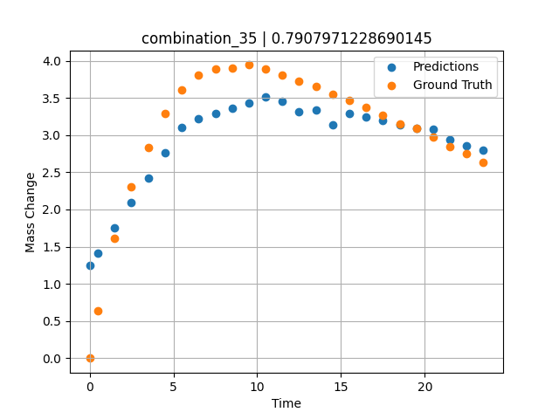
1200 | 23.75 | 0 | 5 | 23.75 | 23.75 | 23.75 | 0 | 0 | 7.50257 | 3.893 | 3.2938323021
1200 | 23.75 | 0 | 5 | 23.75 | 23.75 | 23.75 | 0 | 0 | 8.50485 | 3.90159 | 3.3629760742
1200 | 23.75 | 0 | 5 | 23.75 | 23.75 | 23.75 | 0 | 0 | 9.5075 | 3.94277 | 3.4362280369
1200 | 23.75 | 0 | 5 | 23.75 | 23.75 | 23.75 | 0 | 0 | 10.50051 | 3.88387 | 3.5088701248
1200 | 23.75 | 0 | 5 | 23.75 | 23.75 | 23.75 | 0 | 0 | 11.49349 | 3.81191 | 3.451267004
1200 | 23.75 | 0 | 5 | 23.75 | 23.75 | 23.75 | 0 | 0 | 12.49641 | 3.72649 | 3.3135724068
1200 | 23.75 | 0 | 5 | 23.75 | 23.75 | 23.75 | 0 | 0 | 13.49977 | 3.64963 | 3.3381910324
1200 | 23.75 | 0 | 5 | 23.75 | 23.75 | 23.75 | 0 | 0 | 14.50328 | 3.54789 | 3.132973671
1200 | 23.75 | 0 | 5 | 23.75 | 23.75 | 23.75 | 0 | 0 | 15.50689 | 3.46453 | 3.2947449684
1200 | 23.75 | 0 | 5 | 23.75 | 23.75 | 23.75 | 0 | 0 | 16.50102 | 3.37793 | 3.242972374
1200 | 23.75 | 0 | 5 | 23.75 | 23.75 | 23.75 | 0 | 0 | 17.49536 | 3.26755 | 3.1911861897
1200 | 23.75 | 0 | 5 | 23.75 | 23.75 | 23.75 | 0 | 0 | 18.4994 | 3.15259 | 3.1388943195
1200 | 23.75 | 0 | 5 | 23.75 | 23.75 | 23.75 | 0 | 0 | 19.50371 | 3.0872 | 3.0865886211
1200 | 23.75 | 0 | 5 | 23.75 | 23.75 | 23.75 | 0 | 0 | 20.49846 | 2.97708 | 3.0827269554
1200 | 23.75 | 0 | 5 | 23.75 | 23.75 | 23.75 | 0 | 0 | 21.49342 | 2.84398 | 2.9428124428
1200 | 23.75 | 0 | 5 | 23.75 | 23.75 | 23.75 | 0 | 0 | 22.49828 | 2.75236 | 2.8560185432
1200 | 23.75 | 0 | 5 | 23.75 | 23.75 | 23.75 | 0 | 0 | 23.49449 | 2.62918 | 2.7984104156

combination_36
1200.0, 22.5, 0.0, 10.0, 22.5, 22.5, 22.5, 0.0
Temperature [C] | Mo [at%] | Nb [at%] | Ta [at%] | Ti [at%] | Cr [at%] | Al [at%] | W [at%] | Zr [at%] | Time [h] | Mass Change [mg.cm2] | Mass change - predictions
1200 | 22.5 | 0 | 10 | 22.5 | 22.5 | 22.5 | 0 | 0 | 0 | 0 | 0.92620408535
1200 | 22.5 | 0 | 10 | 22.5 | 22.5 | 22.5 | 0 | 0 | 0.49082 | 0.65618 | 1.0911180973
1200 | 22.5 | 0 | 10 | 22.5 | 22.5 | 22.5 | 0 | 0 | 1.49171 | 1.23457 | 1.427413106
1200 | 22.5 | 0 | 10 | 22.5 | 22.5 | 22.5 | 0 | 0 | 2.49279 | 1.90741 | 1.7637728453
1200 | 22.5 | 0 | 10 | 22.5 | 22.5 | 22.5 | 0 | 0 | 3.49402 | 2.64926 | 2.1001830101
1200 | 22.5 | 0 | 10 | 22.5 | 22.5 | 22.5 | 0 | 0 | 4.49576 | 3.31362 | 2.4367640018
1200 | 22.5 | 0 | 10 | 22.5 | 22.5 | 22.5 | 0 | 0 | 5.49788 | 3.89691 | 2.7734732628
1200 | 22.5 | 0 | 10 | 22.5 | 22.5 | 22.5 | 0 | 0 | 6.50016 | 4.43668 | 3.1090493202
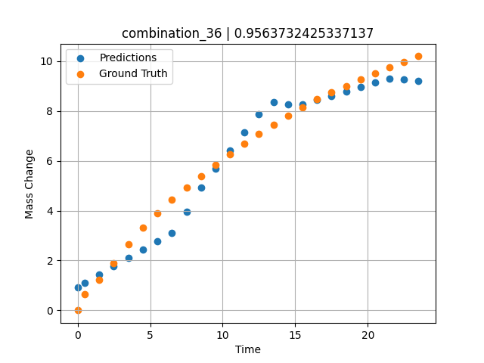
1200 | 22.5 | 0 | 10 | 22.5 | 22.5 | 22.5 | 0 | 0 | 7.50257 | 4.9276 | 3.9463033676
1200 | 22.5 | 0 | 10 | 22.5 | 22.5 | 22.5 | 0 | 0 | 8.50519 | 5.38775 | 4.9320287704
1200 | 22.5 | 0 | 10 | 22.5 | 22.5 | 22.5 | 0 | 0 | 9.50779 | 5.83221 | 5.6736717224
1200 | 22.5 | 0 | 10 | 22.5 | 22.5 | 22.5 | 0 | 0 | 10.50075 | 6.26395 | 6.4081830978
1200 | 22.5 | 0 | 10 | 22.5 | 22.5 | 22.5 | 0 | 0 | 11.49382 | 6.68921 | 7.1427760124
1200 | 22.5 | 0 | 10 | 22.5 | 22.5 | 22.5 | 0 | 0 | 12.49676 | 7.09216 | 7.8846697807
1200 | 22.5 | 0 | 10 | 22.5 | 22.5 | 22.5 | 0 | 0 | 13.49993 | 7.45786 | 8.3507604599
1200 | 22.5 | 0 | 10 | 22.5 | 22.5 | 22.5 | 0 | 0 | 14.50334 | 7.80354 | 8.2815179825
1200 | 22.5 | 0 | 10 | 22.5 | 22.5 | 22.5 | 0 | 0 | 15.50689 | 8.14589 | 8.263217926
1200 | 22.5 | 0 | 10 | 22.5 | 22.5 | 22.5 | 0 | 0 | 16.50084 | 8.47093 | 8.4370069504
1200 | 22.5 | 0 | 10 | 22.5 | 22.5 | 22.5 | 0 | 0 | 17.4949 | 8.75562 | 8.6108150482
1200 | 22.5 | 0 | 10 | 22.5 | 22.5 | 22.5 | 0 | 0 | 18.49915 | 9.0078 | 8.7864055634
1200 | 22.5 | 0 | 10 | 22.5 | 22.5 | 22.5 | 0 | 0 | 19.5036 | 9.25976 | 8.9620294571
1200 | 22.5 | 0 | 10 | 22.5 | 22.5 | 22.5 | 0 | 0 | 20.49842 | 9.50919 | 9.1359701157
1200 | 22.5 | 0 | 10 | 22.5 | 22.5 | 22.5 | 0 | 0 | 21.49334 | 9.73922 | 9.2883644104
1200 | 22.5 | 0 | 10 | 22.5 | 22.5 | 22.5 | 0 | 0 | 22.4983 | 9.968 | 9.2622566223
1200 | 22.5 | 0 | 10 | 22.5 | 22.5 | 22.5 | 0 | 0 | 23.49367 | 10.19694 | 9.2081890106

combination_37
1200.0, 21.25, 0.0, 15.0, 21.25, 21.25, 21.25, 0.0
Temperature [C] | Mo [at%] | Nb [at%] | Ta [at%] | Ti [at%] | Cr [at%] | Al [at%] | W [at%] | Zr [at%] | Time [h] | Mass Change [mg.cm2] | Mass change - predictions
1200 | 21.25 | 0 | 15 | 21.25 | 21.25 | 21.25 | 0 | 0 | 0 | 0 | 0.62875115871
1200 | 21.25 | 0 | 15 | 21.25 | 21.25 | 21.25 | 0 | 0 | 0.49078 | 0.25729 | 0.78835725784
1200 | 21.25 | 0 | 15 | 21.25 | 21.25 | 21.25 | 0 | 0 | 1.49173 | 0.51494 | 1.1126201153
1200 | 21.25 | 0 | 15 | 21.25 | 21.25 | 21.25 | 0 | 0 | 2.49281 | 0.65372 | 1.4368264675
1200 | 21.25 | 0 | 15 | 21.25 | 21.25 | 21.25 | 0 | 0 | 3.49423 | 0.78965 | 1.7611445189
1200 | 21.25 | 0 | 15 | 21.25 | 21.25 | 21.25 | 0 | 0 | 4.49595 | 0.95463 | 2.0855588913
1200 | 21.25 | 0 | 15 | 21.25 | 21.25 | 21.25 | 0 | 0 | 5.49788 | 1.1871 | 2.4108204842
1200 | 21.25 | 0 | 15 | 21.25 | 21.25 | 21.25 | 0 | 0 | 6.49995 | 1.41561 | 2.7437109947
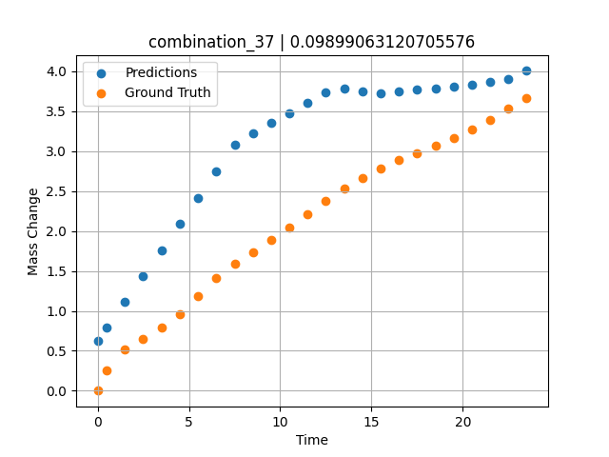
1200 | 21.25 | 0 | 15 | 21.25 | 21.25 | 21.25 | 0 | 0 | 7.50226 | 1.58469 | 3.0766806602
1200 | 21.25 | 0 | 15 | 21.25 | 21.25 | 21.25 | 0 | 0 | 8.50459 | 1.7392 | 3.2226271629
1200 | 21.25 | 0 | 15 | 21.25 | 21.25 | 21.25 | 0 | 0 | 9.50727 | 1.8844 | 3.3507986069
1200 | 21.25 | 0 | 15 | 21.25 | 21.25 | 21.25 | 0 | 0 | 10.50035 | 2.04758 | 3.4777405262
1200 | 21.25 | 0 | 15 | 21.25 | 21.25 | 21.25 | 0 | 0 | 11.49359 | 2.21187 | 3.6068205833
1200 | 21.25 | 0 | 15 | 21.25 | 21.25 | 21.25 | 0 | 0 | 12.49662 | 2.37354 | 3.7379965782
1200 | 21.25 | 0 | 15 | 21.25 | 21.25 | 21.25 | 0 | 0 | 13.49991 | 2.52954 | 3.7811386585
1200 | 21.25 | 0 | 15 | 21.25 | 21.25 | 21.25 | 0 | 0 | 14.50342 | 2.65999 | 3.7525742054
1200 | 21.25 | 0 | 15 | 21.25 | 21.25 | 21.25 | 0 | 0 | 15.50698 | 2.78039 | 3.7264657021
1200 | 21.25 | 0 | 15 | 21.25 | 21.25 | 21.25 | 0 | 0 | 16.50099 | 2.88456 | 3.7443170547
1200 | 21.25 | 0 | 15 | 21.25 | 21.25 | 21.25 | 0 | 0 | 17.49532 | 2.97806 | 3.7665774822
1200 | 21.25 | 0 | 15 | 21.25 | 21.25 | 21.25 | 0 | 0 | 18.49943 | 3.06304 | 3.7886033058
1200 | 21.25 | 0 | 15 | 21.25 | 21.25 | 21.25 | 0 | 0 | 19.50377 | 3.1613 | 3.8103175163
1200 | 21.25 | 0 | 15 | 21.25 | 21.25 | 21.25 | 0 | 0 | 20.49862 | 3.27108 | 3.8318254948
1200 | 21.25 | 0 | 15 | 21.25 | 21.25 | 21.25 | 0 | 0 | 21.49358 | 3.39601 | 3.8668141365
1200 | 21.25 | 0 | 15 | 21.25 | 21.25 | 21.25 | 0 | 0 | 22.49845 | 3.53102 | 3.9034106731
1200 | 21.25 | 0 | 15 | 21.25 | 21.25 | 21.25 | 0 | 0 | 23.49403 | 3.67091 | 4.0061035156

combination_38
1200.0, 21.25, 0.0, 21.25, 0.2125, 21.25, 15.0, 0.0
Temperature [C] | Mo [at%] | Nb [at%] | Ta [at%] | Ti [at%] | Cr [at%] | Al [at%] | W [at%] | Zr [at%] | Time [h] | Mass Change [mg.cm2] | Mass change - predictions
1200 | 21.25 | 0 | 21.25 | 0.2125 | 21.25 | 15 | 0 | 0 | 0 | 0 | 0.92045962811
1200 | 21.25 | 0 | 21.25 | 0.2125 | 21.25 | 15 | 0 | 0 | 0.5008 | 0.91616 | 1.1096937656
1200 | 21.25 | 0 | 21.25 | 0.2125 | 21.25 | 15 | 0 | 0 | 1.5078 | 1.54711 | 1.4902056456
1200 | 21.25 | 0 | 21.25 | 0.2125 | 21.25 | 15 | 0 | 0 | 2.50401 | 2.12777 | 1.8666410446
1200 | 21.25 | 0 | 21.25 | 0.2125 | 21.25 | 15 | 0 | 0 | 3.49917 | 2.41741 | 2.2426857948
1200 | 21.25 | 0 | 21.25 | 0.2125 | 21.25 | 15 | 0 | 0 | 4.49589 | 2.79191 | 2.4451184273
1200 | 21.25 | 0 | 21.25 | 0.2125 | 21.25 | 15 | 0 | 0 | 5.49685 | 2.9867 | 2.6084713936
1200 | 21.25 | 0 | 21.25 | 0.2125 | 21.25 | 15 | 0 | 0 | 6.50299 | 3.15596 | 3.1187334061
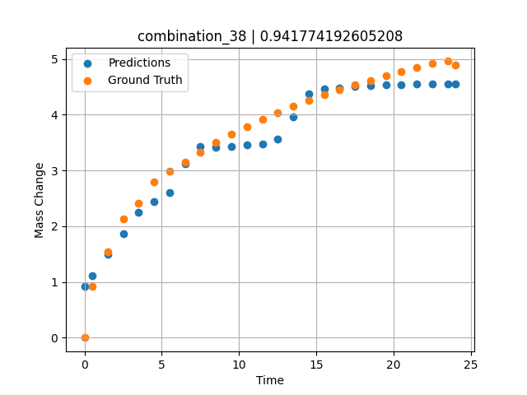
1200 | 21.25 | 0 | 21.25 | 0.2125 | 21.25 | 15 | 0 | 0 | 7.50394 | 3.3247 | 3.4252753258
1200 | 21.25 | 0 | 21.25 | 0.2125 | 21.25 | 15 | 0 | 0 | 8.49997 | 3.50708 | 3.4131293297
1200 | 21.25 | 0 | 21.25 | 0.2125 | 21.25 | 15 | 0 | 0 | 9.49603 | 3.65121 | 3.4333539009
1200 | 21.25 | 0 | 21.25 | 0.2125 | 21.25 | 15 | 0 | 0 | 10.50075 | 3.79048 | 3.4537551403
1200 | 21.25 | 0 | 21.25 | 0.2125 | 21.25 | 15 | 0 | 0 | 11.50631 | 3.91168 | 3.4741728306
1200 | 21.25 | 0 | 21.25 | 0.2125 | 21.25 | 15 | 0 | 0 | 12.50357 | 4.03675 | 3.5572116375
1200 | 21.25 | 0 | 21.25 | 0.2125 | 21.25 | 15 | 0 | 0 | 13.49882 | 4.15184 | 3.9659204483
1200 | 21.25 | 0 | 21.25 | 0.2125 | 21.25 | 15 | 0 | 0 | 14.49364 | 4.24898 | 4.3693733215
1200 | 21.25 | 0 | 21.25 | 0.2125 | 21.25 | 15 | 0 | 0 | 15.49959 | 4.3622 | 4.4681458473
1200 | 21.25 | 0 | 21.25 | 0.2125 | 21.25 | 15 | 0 | 0 | 16.50564 | 4.44778 | 4.4848089218
1200 | 21.25 | 0 | 21.25 | 0.2125 | 21.25 | 15 | 0 | 0 | 17.50203 | 4.53311 | 4.5013132095
1200 | 21.25 | 0 | 21.25 | 0.2125 | 21.25 | 15 | 0 | 0 | 18.49765 | 4.6149 | 4.517803669
1200 | 21.25 | 0 | 21.25 | 0.2125 | 21.25 | 15 | 0 | 0 | 19.49419 | 4.70373 | 4.5343103409
1200 | 21.25 | 0 | 21.25 | 0.2125 | 21.25 | 15 | 0 | 0 | 20.49949 | 4.77412 | 4.5421786308
1200 | 21.25 | 0 | 21.25 | 0.2125 | 21.25 | 15 | 0 | 0 | 21.50586 | 4.84004 | 4.5497498512
1200 | 21.25 | 0 | 21.25 | 0.2125 | 21.25 | 15 | 0 | 0 | 22.50242 | 4.91443 | 4.5572481155
1200 | 21.25 | 0 | 21.25 | 0.2125 | 21.25 | 15 | 0 | 0 | 23.50657 | 4.95854 | 4.5542211533
1200 | 21.25 | 0 | 21.25 | 0.2125 | 21.25 | 15 | 0 | 0 | 24.01181 | 4.88788 | 4.5503816605

combination_39
1200.0, 23.75, 0.0, 23.75, 23.75, 23.75, 5.0, 0.0
Temperature [C] | Mo [at%] | Nb [at%] | Ta [at%] | Ti [at%] | Cr [at%] | Al [at%] | W [at%] | Zr [at%] | Time [h] | Mass Change [mg.cm2] | Mass change - predictions
1200 | 23.75 | 0 | 23.75 | 23.75 | 23.75 | 5 | 0 | 0 | 0 | 0 | 0.48266744614
1200 | 23.75 | 0 | 23.75 | 23.75 | 23.75 | 5 | 0 | 0 | 0.49085 | 2.66992 | 1.4190968275
1200 | 23.75 | 0 | 23.75 | 23.75 | 23.75 | 5 | 0 | 0 | 1.49179 | 3.43367 | 1.7524734735
1200 | 23.75 | 0 | 23.75 | 23.75 | 23.75 | 5 | 0 | 0 | 2.49278 | 3.81308 | 2.434492588
1200 | 23.75 | 0 | 23.75 | 23.75 | 23.75 | 5 | 0 | 0 | 3.49402 | 4.08982 | 3.4585549831
1200 | 23.75 | 0 | 23.75 | 23.75 | 23.75 | 5 | 0 | 0 | 4.49552 | 4.22038 | 3.7117874622
1200 | 23.75 | 0 | 23.75 | 23.75 | 23.75 | 5 | 0 | 0 | 5.49726 | 4.37154 | 3.8814959526
1200 | 23.75 | 0 | 23.75 | 23.75 | 23.75 | 5 | 0 | 0 | 6.49893 | 4.48947 | 3.904463768
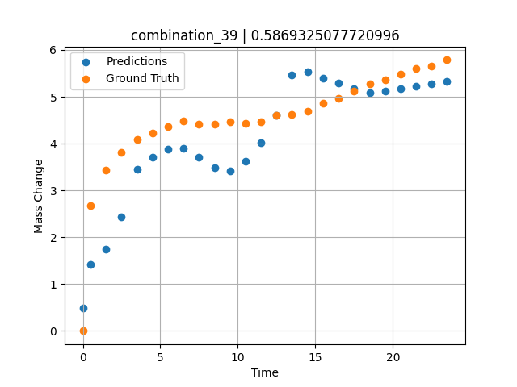
1200 | 23.75 | 0 | 23.75 | 23.75 | 23.75 | 5 | 0 | 0 | 7.50089 | 4.42119 | 3.7026746273
1200 | 23.75 | 0 | 23.75 | 23.75 | 23.75 | 5 | 0 | 0 | 8.50303 | 4.41331 | 3.4921720028
1200 | 23.75 | 0 | 23.75 | 23.75 | 23.75 | 5 | 0 | 0 | 9.50518 | 4.46248 | 3.423774004
1200 | 23.75 | 0 | 23.75 | 23.75 | 23.75 | 5 | 0 | 0 | 10.5075 | 4.43344 | 3.6152915955
1200 | 23.75 | 0 | 23.75 | 23.75 | 23.75 | 5 | 0 | 0 | 11.50025 | 4.47228 | 4.0271291733
1200 | 23.75 | 0 | 23.75 | 23.75 | 23.75 | 5 | 0 | 0 | 12.49307 | 4.59671 | 4.6123490334
1200 | 23.75 | 0 | 23.75 | 23.75 | 23.75 | 5 | 0 | 0 | 13.4957 | 4.62715 | 5.4683451653
1200 | 23.75 | 0 | 23.75 | 23.75 | 23.75 | 5 | 0 | 0 | 14.49843 | 4.69674 | 5.5280098915
1200 | 23.75 | 0 | 23.75 | 23.75 | 23.75 | 5 | 0 | 0 | 15.50123 | 4.8643 | 5.3927559853
1200 | 23.75 | 0 | 23.75 | 23.75 | 23.75 | 5 | 0 | 0 | 16.5043 | 4.97473 | 5.286687851
1200 | 23.75 | 0 | 23.75 | 23.75 | 23.75 | 5 | 0 | 0 | 17.50747 | 5.1258 | 5.1806120872
1200 | 23.75 | 0 | 23.75 | 23.75 | 23.75 | 5 | 0 | 0 | 18.50106 | 5.28127 | 5.0799188614
1200 | 23.75 | 0 | 23.75 | 23.75 | 23.75 | 5 | 0 | 0 | 19.49479 | 5.36597 | 5.128531456
1200 | 23.75 | 0 | 23.75 | 23.75 | 23.75 | 5 | 0 | 0 | 20.49845 | 5.47967 | 5.1776304245
1200 | 23.75 | 0 | 23.75 | 23.75 | 23.75 | 5 | 0 | 0 | 21.50208 | 5.61004 | 5.226726532
1200 | 23.75 | 0 | 23.75 | 23.75 | 23.75 | 5 | 0 | 0 | 22.5057 | 5.65412 | 5.27582407
1200 | 23.75 | 0 | 23.75 | 23.75 | 23.75 | 5 | 0 | 0 | 23.49987 | 5.78609 | 5.3244581223

combination_40
1200.0, 25.0, 0.0, 25.0, 0.0, 25.0, 25.0, 0.0
Temperature [C] | Mo [at%] | Nb [at%] | Ta [at%] | Ti [at%] | Cr [at%] | Al [at%] | W [at%] | Zr [at%] | Time [h] | Mass Change [mg.cm2] | Mass change - predictions
1200 | 25 | 0 | 25 | 0 | 25 | 25 | 0 | 0 | 0 | 0 | 0.10881960392
1200 | 25 | 0 | 25 | 0 | 25 | 25 | 0 | 0 | 0.4909 | 0.52067 | 0.29449617863
1200 | 25 | 0 | 25 | 0 | 25 | 25 | 0 | 0 | 1.49184 | 0.89241 | 0.67309260368
1200 | 25 | 0 | 25 | 0 | 25 | 25 | 0 | 0 | 2.49299 | 0.98636 | 0.9873316288
1200 | 25 | 0 | 25 | 0 | 25 | 25 | 0 | 0 | 3.49426 | 1.01316 | 1.1488449574
1200 | 25 | 0 | 25 | 0 | 25 | 25 | 0 | 0 | 4.49573 | 1.04634 | 1.3103926182
1200 | 25 | 0 | 25 | 0 | 25 | 25 | 0 | 0 | 5.49732 | 1.09633 | 1.4719595909
1200 | 25 | 0 | 25 | 0 | 25 | 25 | 0 | 0 | 6.49923 | 1.12867 | 1.5061360598
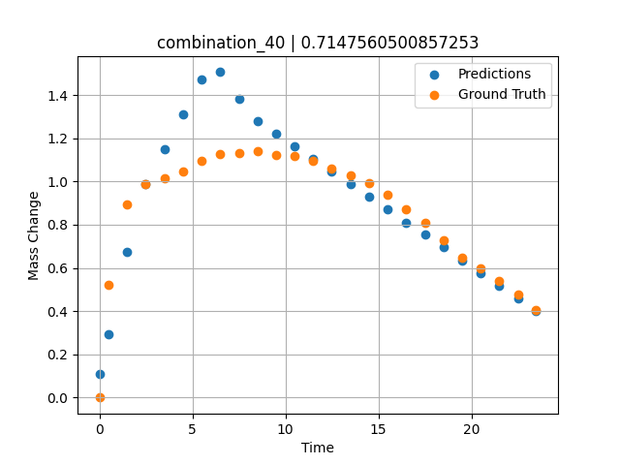
1200 | 25 | 0 | 25 | 0 | 25 | 25 | 0 | 0 | 7.5014 | 1.13358 | 1.3813267946
1200 | 25 | 0 | 25 | 0 | 25 | 25 | 0 | 0 | 8.50376 | 1.14117 | 1.2792943716
1200 | 25 | 0 | 25 | 0 | 25 | 25 | 0 | 0 | 9.5062 | 1.1246 | 1.2206106186
1200 | 25 | 0 | 25 | 0 | 25 | 25 | 0 | 0 | 10.49891 | 1.11958 | 1.1624975204
1200 | 25 | 0 | 25 | 0 | 25 | 25 | 0 | 0 | 11.4917 | 1.09581 | 1.1043797731
1200 | 25 | 0 | 25 | 0 | 25 | 25 | 0 | 0 | 12.49433 | 1.06175 | 1.0456856489
1200 | 25 | 0 | 25 | 0 | 25 | 25 | 0 | 0 | 13.49731 | 1.02973 | 0.98696959019
1200 | 25 | 0 | 25 | 0 | 25 | 25 | 0 | 0 | 14.5003 | 0.99335 | 0.92825686932
1200 | 25 | 0 | 25 | 0 | 25 | 25 | 0 | 0 | 15.50331 | 0.93937 | 0.86953830719
1200 | 25 | 0 | 25 | 0 | 25 | 25 | 0 | 0 | 16.50658 | 0.87265 | 0.81080746651
1200 | 25 | 0 | 25 | 0 | 25 | 25 | 0 | 0 | 17.50045 | 0.80846 | 0.7526268959
1200 | 25 | 0 | 25 | 0 | 25 | 25 | 0 | 0 | 18.49429 | 0.72954 | 0.69444608688
1200 | 25 | 0 | 25 | 0 | 25 | 25 | 0 | 0 | 19.49787 | 0.64801 | 0.6356960535
1200 | 25 | 0 | 25 | 0 | 25 | 25 | 0 | 0 | 20.50158 | 0.59853 | 0.57694089413
1200 | 25 | 0 | 25 | 0 | 25 | 25 | 0 | 0 | 21.50504 | 0.53856 | 0.51819574833
1200 | 25 | 0 | 25 | 0 | 25 | 25 | 0 | 0 | 22.49878 | 0.47792 | 0.4600225687
1200 | 25 | 0 | 25 | 0 | 25 | 25 | 0 | 0 | 23.48308 | 0.40626 | 0.40239977837

combination_41
1200.0, 22.5, 0.0, 22.5, 10.0, 22.5, 22.5, 0.0
Temperature [C] | Mo [at%] | Nb [at%] | Ta [at%] | Ti [at%] | Cr [at%] | Al [at%] | W [at%] | Zr [at%] | Time [h] | Mass Change [mg.cm2] | Mass change - predictions
1200 | 22.5 | 0 | 22.5 | 10 | 22.5 | 22.5 | 0 | 0 | 0 | 0 | 0.47994047403
1200 | 22.5 | 0 | 22.5 | 10 | 22.5 | 22.5 | 0 | 0 | 0.49084 | 0.9295 | 0.66386783123
1200 | 22.5 | 0 | 22.5 | 10 | 22.5 | 22.5 | 0 | 0 | 1.49189 | 1.80965 | 1.0389816761
1200 | 22.5 | 0 | 22.5 | 10 | 22.5 | 22.5 | 0 | 0 | 2.49308 | 2.33914 | 1.4150514603
1200 | 22.5 | 0 | 22.5 | 10 | 22.5 | 22.5 | 0 | 0 | 3.49454 | 2.7567 | 1.7921148539
1200 | 22.5 | 0 | 22.5 | 10 | 22.5 | 22.5 | 0 | 0 | 4.49587 | 3.10649 | 2.1691298485
1200 | 22.5 | 0 | 22.5 | 10 | 22.5 | 22.5 | 0 | 0 | 5.49738 | 3.40043 | 2.3646397591
1200 | 22.5 | 0 | 22.5 | 10 | 22.5 | 22.5 | 0 | 0 | 6.49902 | 3.65544 | 2.5262141228
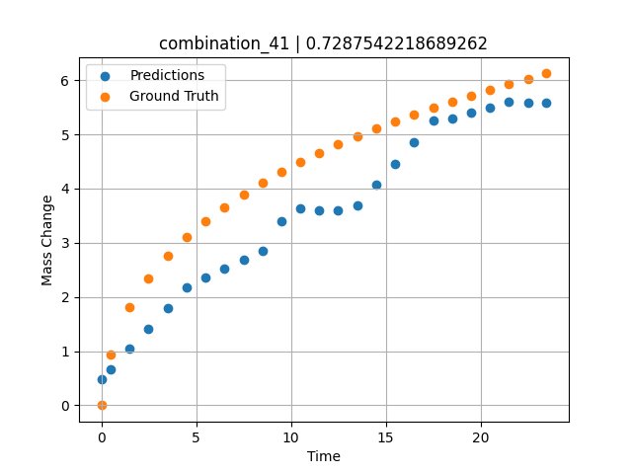
1200 | 22.5 | 0 | 22.5 | 10 | 22.5 | 22.5 | 0 | 0 | 7.5009 | 3.89334 | 2.6878271103
1200 | 22.5 | 0 | 22.5 | 10 | 22.5 | 22.5 | 0 | 0 | 8.50305 | 4.1108 | 2.8494832516
1200 | 22.5 | 0 | 22.5 | 10 | 22.5 | 22.5 | 0 | 0 | 9.50535 | 4.30411 | 3.3905835152
1200 | 22.5 | 0 | 22.5 | 10 | 22.5 | 22.5 | 0 | 0 | 10.50762 | 4.49008 | 3.6302001476
1200 | 22.5 | 0 | 22.5 | 10 | 22.5 | 22.5 | 0 | 0 | 11.50027 | 4.65508 | 3.6056237221
1200 | 22.5 | 0 | 22.5 | 10 | 22.5 | 22.5 | 0 | 0 | 12.49321 | 4.81291 | 3.6034994125
1200 | 22.5 | 0 | 22.5 | 10 | 22.5 | 22.5 | 0 | 0 | 13.49592 | 4.96201 | 3.6968653202
1200 | 22.5 | 0 | 22.5 | 10 | 22.5 | 22.5 | 0 | 0 | 14.49884 | 5.10866 | 4.0742506981
1200 | 22.5 | 0 | 22.5 | 10 | 22.5 | 22.5 | 0 | 0 | 15.50195 | 5.23656 | 4.4517068863
1200 | 22.5 | 0 | 22.5 | 10 | 22.5 | 22.5 | 0 | 0 | 16.50521 | 5.36197 | 4.846555233
1200 | 22.5 | 0 | 22.5 | 10 | 22.5 | 22.5 | 0 | 0 | 17.49902 | 5.48679 | 5.2479124069
1200 | 22.5 | 0 | 22.5 | 10 | 22.5 | 22.5 | 0 | 0 | 18.49286 | 5.60206 | 5.294090271
1200 | 22.5 | 0 | 22.5 | 10 | 22.5 | 22.5 | 0 | 0 | 19.49643 | 5.71574 | 5.3952832222
1200 | 22.5 | 0 | 22.5 | 10 | 22.5 | 22.5 | 0 | 0 | 20.5002 | 5.81992 | 5.4964981079
1200 | 22.5 | 0 | 22.5 | 10 | 22.5 | 22.5 | 0 | 0 | 21.50421 | 5.92516 | 5.597735405
1200 | 22.5 | 0 | 22.5 | 10 | 22.5 | 22.5 | 0 | 0 | 22.49865 | 6.02044 | 5.5880670547
1200 | 22.5 | 0 | 22.5 | 10 | 22.5 | 22.5 | 0 | 0 | 23.48348 | 6.12261 | 5.5773258209

combination_42
1200.0, 0.0, 0.0, 20.0, 0.0, 80.0, 0.0, 0.0
Temperature [C] | Mo [at%] | Nb [at%] | Ta [at%] | Ti [at%] | Cr [at%] | Al [at%] | W [at%] | Zr [at%] | Time [h] | Mass Change [mg.cm2] | Mass change - predictions
1200 | 0 | 0 | 20 | 0 | 80 | 0 | 0 | 0 | 0 | 0 | 3.8383469582
1200 | 0 | 0 | 20 | 0 | 80 | 0 | 0 | 0 | 0.49084 | 2.2487 | 4.2312822342
1200 | 0 | 0 | 20 | 0 | 80 | 0 | 0 | 0 | 1.49185 | 4.5778 | 5.0329523087
1200 | 0 | 0 | 20 | 0 | 80 | 0 | 0 | 0 | 2.49311 | 5.99216 | 5.8348703384
1200 | 0 | 0 | 20 | 0 | 80 | 0 | 0 | 0 | 3.49454 | 7.03755 | 6.6369214058
1200 | 0 | 0 | 20 | 0 | 80 | 0 | 0 | 0 | 4.49611 | 8.01046 | 7.439084053
1200 | 0 | 0 | 20 | 0 | 80 | 0 | 0 | 0 | 5.49754 | 8.89891 | 8.2411689758
1200 | 0 | 0 | 20 | 0 | 80 | 0 | 0 | 0 | 6.49911 | 9.62852 | 9.0433330536
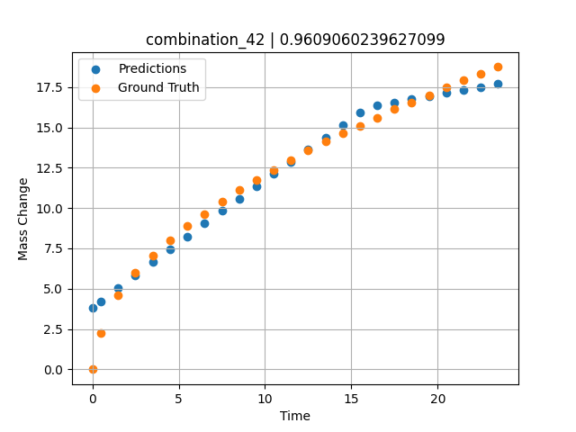
1200 | 0 | 0 | 20 | 0 | 80 | 0 | 0 | 0 | 7.50098 | 10.37488 | 9.8335294724
1200 | 0 | 0 | 20 | 0 | 80 | 0 | 0 | 0 | 8.50294 | 11.1106 | 10.591466904
1200 | 0 | 0 | 20 | 0 | 80 | 0 | 0 | 0 | 9.50507 | 11.76175 | 11.349577904
1200 | 0 | 0 | 20 | 0 | 80 | 0 | 0 | 0 | 10.50727 | 12.37848 | 12.107718468
1200 | 0 | 0 | 20 | 0 | 80 | 0 | 0 | 0 | 11.49987 | 12.98514 | 12.858595848
1200 | 0 | 0 | 20 | 0 | 80 | 0 | 0 | 0 | 12.49278 | 13.55574 | 13.60970974
1200 | 0 | 0 | 20 | 0 | 80 | 0 | 0 | 0 | 13.49537 | 14.11738 | 14.368164062
1200 | 0 | 0 | 20 | 0 | 80 | 0 | 0 | 0 | 14.4982 | 14.61774 | 15.126781464
1200 | 0 | 0 | 20 | 0 | 80 | 0 | 0 | 0 | 15.50122 | 15.11307 | 15.914813042
1200 | 0 | 0 | 20 | 0 | 80 | 0 | 0 | 0 | 16.50458 | 15.61266 | 16.373022079
1200 | 0 | 0 | 20 | 0 | 80 | 0 | 0 | 0 | 17.49836 | 16.1203 | 16.560997009
1200 | 0 | 0 | 20 | 0 | 80 | 0 | 0 | 0 | 18.49225 | 16.55858 | 16.748996735
1200 | 0 | 0 | 20 | 0 | 80 | 0 | 0 | 0 | 19.49582 | 17.00085 | 16.938819885
1200 | 0 | 0 | 20 | 0 | 80 | 0 | 0 | 0 | 20.49954 | 17.48111 | 17.128665924
1200 | 0 | 0 | 20 | 0 | 80 | 0 | 0 | 0 | 21.50356 | 17.92626 | 17.318576813
1200 | 0 | 0 | 20 | 0 | 80 | 0 | 0 | 0 | 22.49791 | 18.33595 | 17.506664276
1200 | 0 | 0 | 20 | 0 | 80 | 0 | 0 | 0 | 23.49244 | 18.74801 | 17.694770813

combination_43
1200.0, 0.0, 0.0, 33.3, 33.4, 33.3, 0.0, 0.0
Temperature [C] | Mo [at%] | Nb [at%] | Ta [at%] | Ti [at%] | Cr [at%] | Al [at%] | W [at%] | Zr [at%] | Time [h] | Mass Change [mg.cm2] | Mass change - predictions
1200 | 0 | 0 | 33.3 | 33.4 | 33.3 | 0 | 0 | 0 | 0 | 0 | 0.42811965942
1200 | 0 | 0 | 33.3 | 33.4 | 33.3 | 0 | 0 | 0 | 0.50589 | 1.2245 | 1.2394018173
1200 | 0 | 0 | 33.3 | 33.4 | 33.3 | 0 | 0 | 0 | 1.50743 | 3.21145 | 2.8456945419
1200 | 0 | 0 | 33.3 | 33.4 | 33.3 | 0 | 0 | 0 | 2.50834 | 4.82823 | 4.4612407684
1200 | 0 | 0 | 33.3 | 33.4 | 33.3 | 0 | 0 | 0 | 3.49984 | 6.40464 | 6.4752321243
1200 | 0 | 0 | 33.3 | 33.4 | 33.3 | 0 | 0 | 0 | 4.49165 | 8.24746 | 8.5926609039
1200 | 0 | 0 | 33.3 | 33.4 | 33.3 | 0 | 0 | 0 | 5.49326 | 10.12588 | 10.744427681
1200 | 0 | 0 | 33.3 | 33.4 | 33.3 | 0 | 0 | 0 | 6.49512 | 11.74551 | 11.989249229
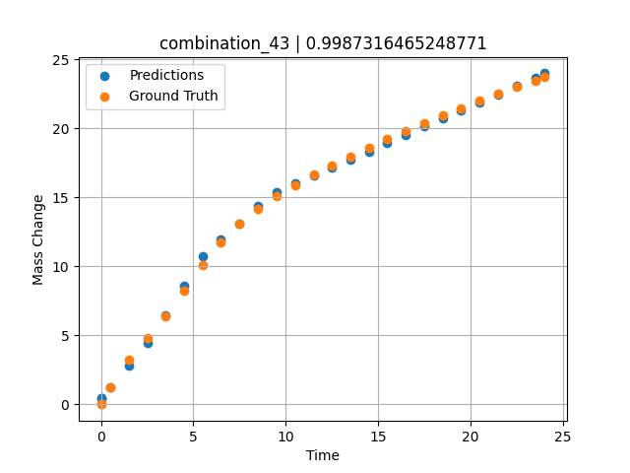
1200 | 0 | 0 | 33.3 | 33.4 | 33.3 | 0 | 0 | 0 | 7.49717 | 13.06387 | 13.127720833
1200 | 0 | 0 | 33.3 | 33.4 | 33.3 | 0 | 0 | 0 | 8.49935 | 14.15469 | 14.398200035
1200 | 0 | 0 | 33.3 | 33.4 | 33.3 | 0 | 0 | 0 | 9.50168 | 15.07769 | 15.408084869
1200 | 0 | 0 | 33.3 | 33.4 | 33.3 | 0 | 0 | 0 | 10.50396 | 15.89904 | 16.019218445
1200 | 0 | 0 | 33.3 | 33.4 | 33.3 | 0 | 0 | 0 | 11.50641 | 16.636 | 16.56609726
1200 | 0 | 0 | 33.3 | 33.4 | 33.3 | 0 | 0 | 0 | 12.4993 | 17.32067 | 17.141437531
1200 | 0 | 0 | 33.3 | 33.4 | 33.3 | 0 | 0 | 0 | 13.49252 | 17.97297 | 17.739273071
1200 | 0 | 0 | 33.3 | 33.4 | 33.3 | 0 | 0 | 0 | 14.49558 | 18.60484 | 18.34305191
1200 | 0 | 0 | 33.3 | 33.4 | 33.3 | 0 | 0 | 0 | 15.49869 | 19.21742 | 18.946834564
1200 | 0 | 0 | 33.3 | 33.4 | 33.3 | 0 | 0 | 0 | 16.50197 | 19.80993 | 19.550735474
1200 | 0 | 0 | 33.3 | 33.4 | 33.3 | 0 | 0 | 0 | 17.50542 | 20.38414 | 20.151432037
1200 | 0 | 0 | 33.3 | 33.4 | 33.3 | 0 | 0 | 0 | 18.4994 | 20.93636 | 20.732643127
1200 | 0 | 0 | 33.3 | 33.4 | 33.3 | 0 | 0 | 0 | 19.49338 | 21.47763 | 21.313865662
1200 | 0 | 0 | 33.3 | 33.4 | 33.3 | 0 | 0 | 0 | 20.49715 | 22.00213 | 21.900802612
1200 | 0 | 0 | 33.3 | 33.4 | 33.3 | 0 | 0 | 0 | 21.5012 | 22.51318 | 22.48789978
1200 | 0 | 0 | 33.3 | 33.4 | 33.3 | 0 | 0 | 0 | 22.50542 | 23.00472 | 23.07509613
1200 | 0 | 0 | 33.3 | 33.4 | 33.3 | 0 | 0 | 0 | 23.50015 | 23.48187 | 23.65675354
1200 | 0 | 0 | 33.3 | 33.4 | 33.3 | 0 | 0 | 0 | 24.02167 | 23.71265 | 23.99697113
1200 | 0 | 0 | 33.3 | 33.4 | 33.3 | 0 | 0 | 0 | 0 | 0 | 0.42811834812

combination_44
1000.0, 20.0, 0.0, 0.0, 20.0, 20.0, 20.0, 20.0
Temperature [C] | Mo [at%] | Nb [at%] | Ta [at%] | Ti [at%] | Cr [at%] | Al [at%] | W [at%] | Zr [at%] | Time [h] | Mass Change [mg.cm2] | Mass change - predictions
1000 | 20 | 0 | 0 | 20 | 20 | 20 | 20 | 0 | 0 | 0 | 0.78597986698
1000 | 20 | 0 | 0 | 20 | 20 | 20 | 20 | 0 | 0.48048 | 0.84398 | 0.96258831024
1000 | 20 | 0 | 0 | 20 | 20 | 20 | 20 | 0 | 1.48148 | 1.95113 | 1.8751251698
1000 | 20 | 0 | 0 | 20 | 20 | 20 | 20 | 0 | 2.48248 | 2.67199 | 2.7876603603
1000 | 20 | 0 | 0 | 20 | 20 | 20 | 20 | 0 | 3.48348 | 3.20863 | 3.3657057285
1000 | 20 | 0 | 0 | 20 | 20 | 20 | 20 | 0 | 4.48448 | 3.63657 | 3.623134613
1000 | 20 | 0 | 0 | 20 | 20 | 20 | 20 | 0 | 5.46681 | 3.98634 | 3.8757586479
1000 | 20 | 0 | 0 | 20 | 20 | 20 | 20 | 0 | 6.48649 | 4.29749 | 4.1379857063
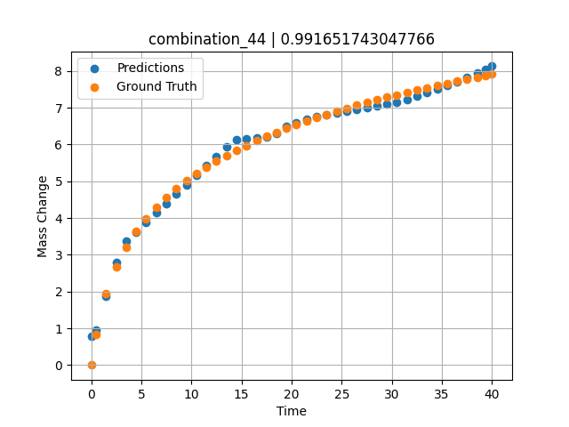
1000 | 20 | 0 | 0 | 20 | 20 | 20 | 20 | 0 | 7.48749 | 4.56411 | 4.3954086304
1000 | 20 | 0 | 0 | 20 | 20 | 20 | 20 | 0 | 8.48849 | 4.80102 | 4.6528372765
1000 | 20 | 0 | 0 | 20 | 20 | 20 | 20 | 0 | 9.48949 | 5.01418 | 4.9102635384
1000 | 20 | 0 | 0 | 20 | 20 | 20 | 20 | 0 | 10.47163 | 5.20439 | 5.1628360748
1000 | 20 | 0 | 0 | 20 | 20 | 20 | 20 | 0 | 11.49149 | 5.38551 | 5.4251160622
1000 | 20 | 0 | 0 | 20 | 20 | 20 | 20 | 0 | 12.49249 | 5.54942 | 5.6825389862
1000 | 20 | 0 | 0 | 20 | 20 | 20 | 20 | 0 | 13.49349 | 5.70161 | 5.9399619102
1000 | 20 | 0 | 0 | 20 | 20 | 20 | 20 | 0 | 14.49449 | 5.84365 | 6.1261711121
1000 | 20 | 0 | 0 | 20 | 20 | 20 | 20 | 0 | 15.47644 | 5.97432 | 6.1526727676
1000 | 20 | 0 | 0 | 20 | 20 | 20 | 20 | 0 | 16.4965 | 6.10212 | 6.1802034378
1000 | 20 | 0 | 0 | 20 | 20 | 20 | 20 | 0 | 17.4975 | 6.22048 | 6.2072196007
1000 | 20 | 0 | 0 | 20 | 20 | 20 | 20 | 0 | 18.4985 | 6.3326 | 6.2939047813
1000 | 20 | 0 | 0 | 20 | 20 | 20 | 20 | 0 | 19.4995 | 6.43912 | 6.4925103188
1000 | 20 | 0 | 0 | 20 | 20 | 20 | 20 | 0 | 20.48125 | 6.53864 | 6.5857019424
1000 | 20 | 0 | 0 | 20 | 20 | 20 | 20 | 0 | 21.5015 | 6.63739 | 6.6825480461
1000 | 20 | 0 | 0 | 20 | 20 | 20 | 20 | 0 | 22.5025 | 6.73001 | 6.7599964142
1000 | 20 | 0 | 0 | 20 | 20 | 20 | 20 | 0 | 23.5035 | 6.81877 | 6.8099336624
1000 | 20 | 0 | 0 | 20 | 20 | 20 | 20 | 0 | 24.5045 | 6.90398 | 6.8598709106
1000 | 20 | 0 | 0 | 20 | 20 | 20 | 20 | 0 | 25.48606 | 6.98435 | 6.9088373184
1000 | 20 | 0 | 0 | 20 | 20 | 20 | 20 | 0 | 26.50651 | 7.06482 | 6.9597463608
1000 | 20 | 0 | 0 | 20 | 20 | 20 | 20 | 0 | 27.50751 | 7.1409 | 7.0096817017
1000 | 20 | 0 | 0 | 20 | 20 | 20 | 20 | 0 | 28.50851 | 7.21436 | 7.0596232414
1000 | 20 | 0 | 0 | 20 | 20 | 20 | 20 | 0 | 29.50951 | 7.28536 | 7.1095590591
1000 | 20 | 0 | 0 | 20 | 20 | 20 | 20 | 0 | 30.49088 | 7.35275 | 7.158516407
1000 | 20 | 0 | 0 | 20 | 20 | 20 | 20 | 0 | 31.51151 | 7.42066 | 7.2236528397
1000 | 20 | 0 | 0 | 20 | 20 | 20 | 20 | 0 | 32.51251 | 7.48521 | 7.3142986298
1000 | 20 | 0 | 0 | 20 | 20 | 20 | 20 | 0 | 33.51351 | 7.54787 | 7.4095869064
1000 | 20 | 0 | 0 | 20 | 20 | 20 | 20 | 0 | 34.51451 | 7.60873 | 7.5048723221
1000 | 20 | 0 | 0 | 20 | 20 | 20 | 20 | 0 | 35.49569 | 7.66674 | 7.598274231
1000 | 20 | 0 | 0 | 20 | 20 | 20 | 20 | 0 | 36.51652 | 7.72548 | 7.6954503059
1000 | 20 | 0 | 0 | 20 | 20 | 20 | 20 | 0 | 37.51752 | 7.78154 | 7.8180556297
1000 | 20 | 0 | 0 | 20 | 20 | 20 | 20 | 0 | 38.51852 | 7.83617 | 7.9442381859
1000 | 20 | 0 | 0 | 20 | 20 | 20 | 20 | 0 | 39.35936 | 7.88102 | 8.0502281189
1000 | 20 | 0 | 0 | 20 | 20 | 20 | 20 | 0 | 40 | 7.91458 | 8.1313838959

combination_45
800.0, 0.0, 40.0, 10.0, 40.0, 10.0, 0.0, 0.0
Temperature [C] | Mo [at%] | Nb [at%] | Ta [at%] | Ti [at%] | Cr [at%] | Al [at%] | W [at%] | Zr [at%] | Time [h] | Mass Change [mg.cm2] | Mass change - predictions
800 | 0 | 40 | 10 | 40 | 10 | 0 | 0 | 0 | 0 | 0 | -0.1008939743
800 | 0 | 40 | 10 | 40 | 10 | 0 | 0 | 0 | 1 | 0.92 | 0.91678619385
800 | 0 | 40 | 10 | 40 | 10 | 0 | 0 | 0 | 2 | 1.33 | 1.3850889206
800 | 0 | 40 | 10 | 40 | 10 | 0 | 0 | 0 | 5 | 2.31 | 2.3170864582
800 | 0 | 40 | 10 | 40 | 10 | 0 | 0 | 0 | 10 | 3.1 | 3.3061075211
800 | 0 | 40 | 10 | 40 | 10 | 0 | 0 | 0 | 15 | 3.75 | 3.3208787441
800 | 0 | 40 | 10 | 40 | 10 | 0 | 0 | 0 | 20 | 4.56 | 4.687953949
800 | 0 | 40 | 10 | 40 | 10 | 0 | 0 | 0 | 0 | 0 | -0.10089540482
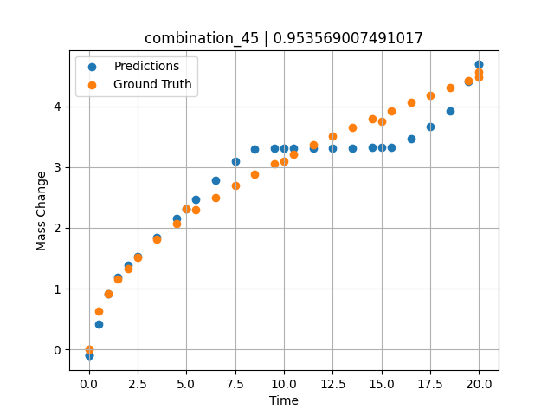
800 | 0 | 40 | 10 | 40 | 10 | 0 | 0 | 0 | 0.49049 | 0.6285 | 0.41386175156
800 | 0 | 40 | 10 | 40 | 10 | 0 | 0 | 0 | 1.48185 | 1.15858 | 1.1933722496
800 | 0 | 40 | 10 | 40 | 10 | 0 | 0 | 0 | 2.48284 | 1.51874 | 1.5350923538
800 | 0 | 40 | 10 | 40 | 10 | 0 | 0 | 0 | 3.49349 | 1.81437 | 1.8490657806
800 | 0 | 40 | 10 | 40 | 10 | 0 | 0 | 0 | 4.49449 | 2.0681 | 2.1600470543
800 | 0 | 40 | 10 | 40 | 10 | 0 | 0 | 0 | 5.48578 | 2.29345 | 2.4680051804
800 | 0 | 40 | 10 | 40 | 10 | 0 | 0 | 0 | 6.4965 | 2.50375 | 2.7820034027
800 | 0 | 40 | 10 | 40 | 10 | 0 | 0 | 0 | 7.4975 | 2.69691 | 3.0929837227
800 | 0 | 40 | 10 | 40 | 10 | 0 | 0 | 0 | 8.4985 | 2.87796 | 3.3029222488
800 | 0 | 40 | 10 | 40 | 10 | 0 | 0 | 0 | 9.4995 | 3.04898 | 3.3046245575
800 | 0 | 40 | 10 | 40 | 10 | 0 | 0 | 0 | 10.49069 | 3.20993 | 3.3075556755
800 | 0 | 40 | 10 | 40 | 10 | 0 | 0 | 0 | 11.5015 | 3.3667 | 3.3105404377
800 | 0 | 40 | 10 | 40 | 10 | 0 | 0 | 0 | 12.5025 | 3.51551 | 3.3134982586
800 | 0 | 40 | 10 | 40 | 10 | 0 | 0 | 0 | 13.5035 | 3.65868 | 3.3164539337
800 | 0 | 40 | 10 | 40 | 10 | 0 | 0 | 0 | 14.5045 | 3.79682 | 3.3194141388
800 | 0 | 40 | 10 | 40 | 10 | 0 | 0 | 0 | 15.49559 | 3.92912 | 3.3216454983
800 | 0 | 40 | 10 | 40 | 10 | 0 | 0 | 0 | 16.50651 | 4.05994 | 3.4634478092
800 | 0 | 40 | 10 | 40 | 10 | 0 | 0 | 0 | 17.50751 | 4.18572 | 3.6723773479
800 | 0 | 40 | 10 | 40 | 10 | 0 | 0 | 0 | 18.50851 | 4.30808 | 3.9283266068
800 | 0 | 40 | 10 | 40 | 10 | 0 | 0 | 0 | 19.44945 | 4.42025 | 4.4029383659
800 | 0 | 40 | 10 | 40 | 10 | 0 | 0 | 0 | 20 | 4.48474 | 4.6879529953

combination_46
800.0, 0.0, 45.0, 15.0, 30.0, 0.0, 10.0, 0.0
Temperature [C] | Mo [at%] | Nb [at%] | Ta [at%] | Ti [at%] | Cr [at%] | Al [at%] | W [at%] | Zr [at%] | Time [h] | Mass Change [mg.cm2] | Mass change - predictions
800 | 0 | 45 | 15 | 30 | 0 | 10 | 0 | 0 | 0 | 0 | 0.024547576904
800 | 0 | 45 | 15 | 30 | 0 | 10 | 0 | 0 | 1 | 1.56 | 1.1649546623
800 | 0 | 45 | 15 | 30 | 0 | 10 | 0 | 0 | 2 | 2.18 | 2.3370523453
800 | 0 | 45 | 15 | 30 | 0 | 10 | 0 | 0 | 5 | 4.27 | 4.3167257309
800 | 0 | 45 | 15 | 30 | 0 | 10 | 0 | 0 | 10 | 5.54 | 5.1868057251
800 | 0 | 45 | 15 | 30 | 0 | 10 | 0 | 0 | 15 | 6.64 | 6.29662323
800 | 0 | 45 | 15 | 30 | 0 | 10 | 0 | 0 | 20 | 7.17 | 7.3354463577
800 | 0 | 45 | 15 | 30 | 0 | 10 | 0 | 0 | 0 | 0 | 0.024547576904
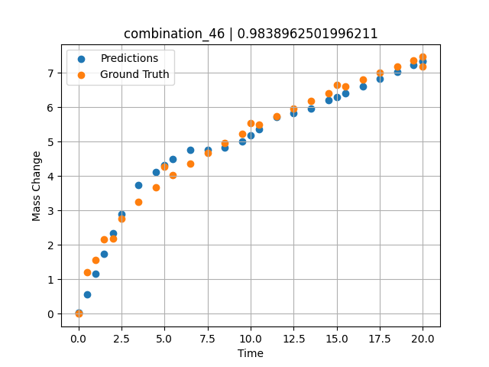
800 | 0 | 45 | 15 | 30 | 0 | 10 | 0 | 0 | 0.49049 | 1.19868 | 0.56775712967
800 | 0 | 45 | 15 | 30 | 0 | 10 | 0 | 0 | 1.48185 | 2.15425 | 1.7297277451
800 | 0 | 45 | 15 | 30 | 0 | 10 | 0 | 0 | 2.48284 | 2.76229 | 2.9029774666
800 | 0 | 45 | 15 | 30 | 0 | 10 | 0 | 0 | 3.49349 | 3.25213 | 3.7359957695
800 | 0 | 45 | 15 | 30 | 0 | 10 | 0 | 0 | 4.49449 | 3.66718 | 4.1218605042
800 | 0 | 45 | 15 | 30 | 0 | 10 | 0 | 0 | 5.48578 | 4.03226 | 4.5039834976
800 | 0 | 45 | 15 | 30 | 0 | 10 | 0 | 0 | 6.4965 | 4.37028 | 4.7662792206
800 | 0 | 45 | 15 | 30 | 0 | 10 | 0 | 0 | 7.4975 | 4.67867 | 4.7664289474
800 | 0 | 45 | 15 | 30 | 0 | 10 | 0 | 0 | 8.4985 | 4.96607 | 4.8214464188
800 | 0 | 45 | 15 | 30 | 0 | 10 | 0 | 0 | 9.4995 | 5.23618 | 5.013258934
800 | 0 | 45 | 15 | 30 | 0 | 10 | 0 | 0 | 10.49069 | 5.48924 | 5.3643398285
800 | 0 | 45 | 15 | 30 | 0 | 10 | 0 | 0 | 11.5015 | 5.73472 | 5.7242698669
800 | 0 | 45 | 15 | 30 | 0 | 10 | 0 | 0 | 12.5025 | 5.96687 | 5.8343896866
800 | 0 | 45 | 15 | 30 | 0 | 10 | 0 | 0 | 13.5035 | 6.18945 | 5.9590568542
800 | 0 | 45 | 15 | 30 | 0 | 10 | 0 | 0 | 14.5045 | 6.40352 | 6.1936788559
800 | 0 | 45 | 15 | 30 | 0 | 10 | 0 | 0 | 15.49559 | 6.60795 | 6.3995909691
800 | 0 | 45 | 15 | 30 | 0 | 10 | 0 | 0 | 16.50651 | 6.80953 | 6.6096243858
800 | 0 | 45 | 15 | 30 | 0 | 10 | 0 | 0 | 17.50751 | 7.00284 | 6.8175964355
800 | 0 | 45 | 15 | 30 | 0 | 10 | 0 | 0 | 18.50851 | 7.19043 | 7.0255670547
800 | 0 | 45 | 15 | 30 | 0 | 10 | 0 | 0 | 19.44945 | 7.36201 | 7.2210617065
800 | 0 | 45 | 15 | 30 | 0 | 10 | 0 | 0 | 20 | 7.46051 | 7.3354454041

