combination_1
1000.0, 25.0, 25.0, 0.0, 0.0, 25.0, 25.0, 0.0
Temperature [C] | Mo [at%] | Nb [at%] | Ta [at%] | Ti [at%] | Cr [at%] | Al [at%] | W [at%] | Zr [at%] | Time [h] | Mass Change [mg.cm2] | Mass change - predictions
1000 | 25 | 25 | 0 | 0 | 25 | 25 | 0 | 0 | 0 | 0 | -1.0433444977
1000 | 25 | 25 | 0 | 0 | 25 | 25 | 0 | 0 | 10 | 2.7906976744 | 2.6710319519
1000 | 25 | 25 | 0 | 0 | 25 | 25 | 0 | 0 | 15 | 7.9069767442 | 7.9852752686
1000 | 25 | 25 | 0 | 0 | 25 | 25 | 0 | 0 | 20 | 13.720930233 | 13.684274673
1000 | 25 | 25 | 0 | 0 | 25 | 25 | 0 | 0 | 25 | 16.744186047 | 16.988075256
1000 | 25 | 25 | 0 | 0 | 25 | 25 | 0 | 0 | 27 | 17.441860465 | 17.237638474
1000 | 25 | 25 | 0 | 0 | 25 | 25 | 0 | 0 | 30 | 16.511627907 | 16.547805786
1000 | 25 | 25 | 0 | 0 | 25 | 25 | 0 | 0 | 35 | 15.348837209 | 15.124904633
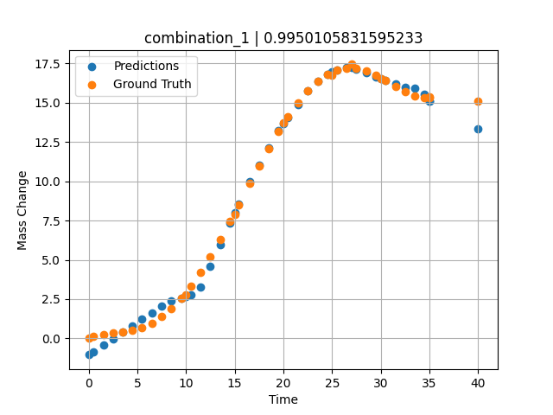
1000 | 25 | 25 | 0 | 0 | 25 | 25 | 0 | 0 | 40 | 15.11627907 | 13.313911438
1000 | 25 | 25 | 0 | 0 | 25 | 25 | 0 | 0 | 0.49049 | 0.11352 | -0.84153366089
1000 | 25 | 25 | 0 | 0 | 25 | 25 | 0 | 0 | 1.50651 | 0.25315 | -0.42352104187
1000 | 25 | 25 | 0 | 0 | 25 | 25 | 0 | 0 | 2.50176 | 0.3291 | -0.014047622681
1000 | 25 | 25 | 0 | 0 | 25 | 25 | 0 | 0 | 3.5035 | 0.40052 | 0.39810180664
1000 | 25 | 25 | 0 | 0 | 25 | 25 | 0 | 0 | 4.502 | 0.51111 | 0.80892562866
1000 | 25 | 25 | 0 | 0 | 25 | 25 | 0 | 0 | 5.48382 | 0.69263 | 1.2125530243
1000 | 25 | 25 | 0 | 0 | 25 | 25 | 0 | 0 | 6.499 | 0.98012 | 1.6295948029
1000 | 25 | 25 | 0 | 0 | 25 | 25 | 0 | 0 | 7.4975 | 1.38086 | 2.0397777557
1000 | 25 | 25 | 0 | 0 | 25 | 25 | 0 | 0 | 8.47889 | 1.89642 | 2.3647022247
1000 | 25 | 25 | 0 | 0 | 25 | 25 | 0 | 0 | 9.49449 | 2.55961 | 2.5692195892
1000 | 25 | 25 | 0 | 0 | 25 | 25 | 0 | 0 | 10.47599 | 3.32187 | 2.7668781281
1000 | 25 | 25 | 0 | 0 | 25 | 25 | 0 | 0 | 11.49149 | 4.22659 | 3.2670040131
1000 | 25 | 25 | 0 | 0 | 25 | 25 | 0 | 0 | 12.49059 | 5.21784 | 4.6118755341
1000 | 25 | 25 | 0 | 0 | 25 | 25 | 0 | 0 | 13.50601 | 6.30862 | 5.9781961441
1000 | 25 | 25 | 0 | 0 | 25 | 25 | 0 | 0 | 14.5045 | 7.44295 | 7.3210344315
1000 | 25 | 25 | 0 | 0 | 25 | 25 | 0 | 0 | 15.41562 | 8.51065 | 8.541519165
1000 | 25 | 25 | 0 | 0 | 25 | 25 | 0 | 0 | 16.55405 | 9.85967 | 9.9806919098
1000 | 25 | 25 | 0 | 0 | 25 | 25 | 0 | 0 | 17.5 | 10.96697 | 11.022153854
1000 | 25 | 25 | 0 | 0 | 25 | 25 | 0 | 0 | 18.4985 | 12.0966 | 12.121459007
1000 | 25 | 25 | 0 | 0 | 25 | 25 | 0 | 0 | 19.497 | 13.16175 | 13.220777512
1000 | 25 | 25 | 0 | 0 | 25 | 25 | 0 | 0 | 20.47898 | 14.12223 | 14.058994293
1000 | 25 | 25 | 0 | 0 | 25 | 25 | 0 | 0 | 21.49399 | 15.00453 | 14.883739471
1000 | 25 | 25 | 0 | 0 | 25 | 25 | 0 | 0 | 22.49249 | 15.74206 | 15.756734848
1000 | 25 | 25 | 0 | 0 | 25 | 25 | 0 | 0 | 23.50851 | 16.34597 | 16.3716259
1000 | 25 | 25 | 0 | 0 | 25 | 25 | 0 | 0 | 24.50701 | 16.7853 | 16.81312561
1000 | 25 | 25 | 0 | 0 | 25 | 25 | 0 | 0 | 25.48866 | 17.0618 | 17.071416855
1000 | 25 | 25 | 0 | 0 | 25 | 25 | 0 | 0 | 26.504 | 17.1902 | 17.233205795
1000 | 25 | 25 | 0 | 0 | 25 | 25 | 0 | 0 | 27.48575 | 17.1666 | 17.125940323
1000 | 25 | 25 | 0 | 0 | 25 | 25 | 0 | 0 | 28.501 | 17.00867 | 16.892490387
1000 | 25 | 25 | 0 | 0 | 25 | 25 | 0 | 0 | 29.4995 | 16.74283 | 16.662887573
1000 | 25 | 25 | 0 | 0 | 25 | 25 | 0 | 0 | 30.48083 | 16.40843 | 16.437240601
1000 | 25 | 25 | 0 | 0 | 25 | 25 | 0 | 0 | 31.50901 | 16.02486 | 16.200813293
1000 | 25 | 25 | 0 | 0 | 25 | 25 | 0 | 0 | 32.49499 | 15.67865 | 15.974090576
1000 | 25 | 25 | 0 | 0 | 25 | 25 | 0 | 0 | 33.49349 | 15.41555 | 15.920845985
1000 | 25 | 25 | 0 | 0 | 25 | 25 | 0 | 0 | 34.49199 | 15.31626 | 15.541752815
1000 | 25 | 25 | 0 | 0 | 25 | 25 | 0 | 0 | 35 | 15.34548 | 15.124899864

combination_2
1000.0, 20.0, 20.0, 0.0, 20.0, 20.0, 20.0, 0.0
Temperature [C] | Mo [at%] | Nb [at%] | Ta [at%] | Ti [at%] | Cr [at%] | Al [at%] | W [at%] | Zr [at%] | Time [h] | Mass Change [mg.cm2] | Mass change - predictions
1000 | 20 | 20 | 0 | 20 | 20 | 20 | 0 | 0 | 50 | 11.395348837 | 11.150773048
1000 | 20 | 20 | 0 | 20 | 20 | 20 | 0 | 0 | 40 | 8.1395348837 | 8.3230009079
1000 | 20 | 20 | 0 | 20 | 20 | 20 | 0 | 0 | 35 | 6.976744186 | 7.0005722046
1000 | 20 | 20 | 0 | 20 | 20 | 20 | 0 | 0 | 30 | 5.5813953488 | 5.6781463623
1000 | 20 | 20 | 0 | 20 | 20 | 20 | 0 | 0 | 25 | 4.4186046512 | 4.3557224274
1000 | 20 | 20 | 0 | 20 | 20 | 20 | 0 | 0 | 20 | 3.2558139535 | 3.4239735603
1000 | 20 | 20 | 0 | 20 | 20 | 20 | 0 | 0 | 15 | 2.6046511628 | 2.6664810181
1000 | 20 | 20 | 0 | 20 | 20 | 20 | 0 | 0 | 10 | 1.8604651163 | 1.6452112198
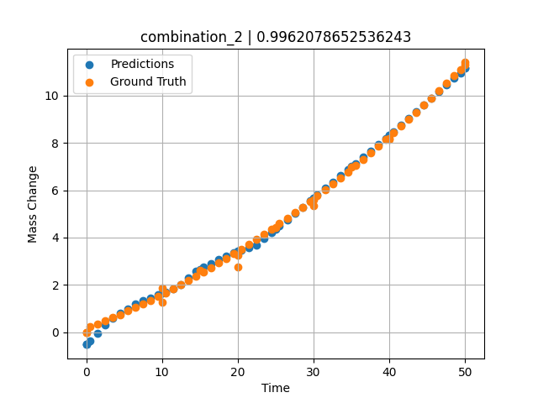
1000 | 20 | 20 | 0 | 20 | 20 | 20 | 0 | 0 | 0 | 0 | -0.51925754547
1000 | 20 | 20 | 0 | 20 | 20 | 20 | 0 | 0 | 0 | 0 | -0.51925754547
1000 | 20 | 20 | 0 | 20 | 20 | 20 | 0 | 0 | 10 | 1.2533333333 | 1.6452140808
1000 | 20 | 20 | 0 | 20 | 20 | 20 | 0 | 0 | 20 | 2.7466666667 | 3.4239735603
1000 | 20 | 20 | 0 | 20 | 20 | 20 | 0 | 0 | 30 | 5.3333333333 | 5.6781463623
1000 | 20 | 20 | 0 | 20 | 20 | 20 | 0 | 0 | 40 | 8.1866666667 | 8.3230009079
1000 | 20 | 20 | 0 | 20 | 20 | 20 | 0 | 0 | 0 | 0 | -0.51925563812
1000 | 20 | 20 | 0 | 20 | 20 | 20 | 0 | 0 | 0.49787 | 0.22717 | -0.3709154129
1000 | 20 | 20 | 0 | 20 | 20 | 20 | 0 | 0 | 1.47648 | 0.35069 | -0.034099578857
1000 | 20 | 20 | 0 | 20 | 20 | 20 | 0 | 0 | 2.47748 | 0.48101 | 0.32149600983
1000 | 20 | 20 | 0 | 20 | 20 | 20 | 0 | 0 | 3.47848 | 0.61536 | 0.59452152252
1000 | 20 | 20 | 0 | 20 | 20 | 20 | 0 | 0 | 4.47948 | 0.75375 | 0.79313182831
1000 | 20 | 20 | 0 | 20 | 20 | 20 | 0 | 0 | 5.48048 | 0.89617 | 0.99427890778
1000 | 20 | 20 | 0 | 20 | 20 | 20 | 0 | 0 | 6.48148 | 1.04262 | 1.1954250336
1000 | 20 | 20 | 0 | 20 | 20 | 20 | 0 | 0 | 7.48248 | 1.19311 | 1.3392162323
1000 | 20 | 20 | 0 | 20 | 20 | 20 | 0 | 0 | 8.48348 | 1.34763 | 1.4549980164
1000 | 20 | 20 | 0 | 20 | 20 | 20 | 0 | 0 | 9.48448 | 1.50619 | 1.5805692673
1000 | 20 | 20 | 0 | 20 | 20 | 20 | 0 | 0 | 10.46237 | 1.66499 | 1.7031965256
1000 | 20 | 20 | 0 | 20 | 20 | 20 | 0 | 0 | 11.48649 | 1.8354 | 1.8313302994
1000 | 20 | 20 | 0 | 20 | 20 | 20 | 0 | 0 | 12.48749 | 2.00606 | 2.0174207687
1000 | 20 | 20 | 0 | 20 | 20 | 20 | 0 | 0 | 13.48849 | 2.18075 | 2.306596756
1000 | 20 | 20 | 0 | 20 | 20 | 20 | 0 | 0 | 14.48949 | 2.35947 | 2.5832180977
1000 | 20 | 20 | 0 | 20 | 20 | 20 | 0 | 0 | 15.46713 | 2.53794 | 2.7425842285
1000 | 20 | 20 | 0 | 20 | 20 | 20 | 0 | 0 | 16.49149 | 2.72902 | 2.9094648361
1000 | 20 | 20 | 0 | 20 | 20 | 20 | 0 | 0 | 17.49249 | 2.91985 | 3.0725426674
1000 | 20 | 20 | 0 | 20 | 20 | 20 | 0 | 0 | 18.49349 | 3.11471 | 3.2356243134
1000 | 20 | 20 | 0 | 20 | 20 | 20 | 0 | 0 | 19.49449 | 3.3136 | 3.3721089363
1000 | 20 | 20 | 0 | 20 | 20 | 20 | 0 | 0 | 20.4719 | 3.51171 | 3.472386837
1000 | 20 | 20 | 0 | 20 | 20 | 20 | 0 | 0 | 21.4965 | 3.72349 | 3.5775065422
1000 | 20 | 20 | 0 | 20 | 20 | 20 | 0 | 0 | 22.4975 | 3.93448 | 3.6938400269
1000 | 20 | 20 | 0 | 20 | 20 | 20 | 0 | 0 | 23.4985 | 4.14951 | 3.9585914612
1000 | 20 | 20 | 0 | 20 | 20 | 20 | 0 | 0 | 24.4995 | 4.36857 | 4.2233452797
1000 | 20 | 20 | 0 | 20 | 20 | 20 | 0 | 0 | 25.47667 | 4.58632 | 4.4817910194
1000 | 20 | 20 | 0 | 20 | 20 | 20 | 0 | 0 | 26.5015 | 4.81879 | 4.7528438568
1000 | 20 | 20 | 0 | 20 | 20 | 20 | 0 | 0 | 27.5025 | 5.04996 | 5.0175933838
1000 | 20 | 20 | 0 | 20 | 20 | 20 | 0 | 0 | 28.5035 | 5.28515 | 5.2823448181
1000 | 20 | 20 | 0 | 20 | 20 | 20 | 0 | 0 | 29.5045 | 5.52438 | 5.5470919609
1000 | 20 | 20 | 0 | 20 | 20 | 20 | 0 | 0 | 30.48143 | 5.76176 | 5.8054761887
1000 | 20 | 20 | 0 | 20 | 20 | 20 | 0 | 0 | 31.50651 | 6.01494 | 6.0765976906
1000 | 20 | 20 | 0 | 20 | 20 | 20 | 0 | 0 | 32.50751 | 6.26627 | 6.3413443565
1000 | 20 | 20 | 0 | 20 | 20 | 20 | 0 | 0 | 33.50851 | 6.52164 | 6.6060948372
1000 | 20 | 20 | 0 | 20 | 20 | 20 | 0 | 0 | 34.50951 | 6.78104 | 6.8708481789
1000 | 20 | 20 | 0 | 20 | 20 | 20 | 0 | 0 | 35.4862 | 7.03804 | 7.1291666031
1000 | 20 | 20 | 0 | 20 | 20 | 20 | 0 | 0 | 36.51151 | 7.31193 | 7.4003443718
1000 | 20 | 20 | 0 | 20 | 20 | 20 | 0 | 0 | 37.51251 | 7.58343 | 7.6650967598
1000 | 20 | 20 | 0 | 20 | 20 | 20 | 0 | 0 | 38.51351 | 7.85896 | 7.9298462868
1000 | 20 | 20 | 0 | 20 | 20 | 20 | 0 | 0 | 39.51451 | 8.13853 | 8.1946020126
1000 | 20 | 20 | 0 | 20 | 20 | 20 | 0 | 0 | 40.49097 | 8.41514 | 8.4528541565
1000 | 20 | 20 | 0 | 20 | 20 | 20 | 0 | 0 | 41.51652 | 8.70977 | 8.7411956787
1000 | 20 | 20 | 0 | 20 | 20 | 20 | 0 | 0 | 42.51752 | 9.00143 | 9.0255126953
1000 | 20 | 20 | 0 | 20 | 20 | 20 | 0 | 0 | 43.51852 | 9.29713 | 9.3098297119
1000 | 20 | 20 | 0 | 20 | 20 | 20 | 0 | 0 | 44.51952 | 9.59687 | 9.5941543579
1000 | 20 | 20 | 0 | 20 | 20 | 20 | 0 | 0 | 45.52052 | 9.90064 | 9.8784608841
1000 | 20 | 20 | 0 | 20 | 20 | 20 | 0 | 0 | 46.52152 | 10.20844 | 10.162788391
1000 | 20 | 20 | 0 | 20 | 20 | 20 | 0 | 0 | 47.52252 | 10.52028 | 10.447096825
1000 | 20 | 20 | 0 | 20 | 20 | 20 | 0 | 0 | 48.52352 | 10.83615 | 10.731420517
1000 | 20 | 20 | 0 | 20 | 20 | 20 | 0 | 0 | 49.34935 | 11.09968 | 10.965975761
1000 | 20 | 20 | 0 | 20 | 20 | 20 | 0 | 0 | 50 | 11.30925 | 11.150773048

combination_3
1200.0, 19.5, 0.0, 20.1, 20.4, 19.8, 20.2, 0.0
Temperature [C] | Mo [at%] | Nb [at%] | Ta [at%] | Ti [at%] | Cr [at%] | Al [at%] | W [at%] | Zr [at%] | Time [h] | Mass Change [mg.cm2] | Mass change - predictions
1200 | 19.5 | 0 | 20.1 | 20.4 | 19.8 | 20.2 | 0 | 0 | 0 | 0 | 0.077747344971
1200 | 19.5 | 0 | 20.1 | 20.4 | 19.8 | 20.2 | 0 | 0 | 5 | 2.5454545455 | 2.170422554
1200 | 19.5 | 0 | 20.1 | 20.4 | 19.8 | 20.2 | 0 | 0 | 10 | 3.5151515152 | 3.5354127884
1200 | 19.5 | 0 | 20.1 | 20.4 | 19.8 | 20.2 | 0 | 0 | 15 | 4.2424242424 | 4.0028028488
1200 | 19.5 | 0 | 20.1 | 20.4 | 19.8 | 20.2 | 0 | 0 | 20 | 4.8484848485 | 4.657075882
1200 | 19.5 | 0 | 20.1 | 20.4 | 19.8 | 20.2 | 0 | 0 | 24 | 5.2727272727 | 4.4642782211
1200 | 19.5 | 0 | 20.1 | 20.4 | 19.8 | 20.2 | 0 | 0 | 0 | 0 | 0.077747344971
1200 | 19.5 | 0 | 20.1 | 20.4 | 19.8 | 20.2 | 0 | 0 | 5 | 2.5 | 2.170422554
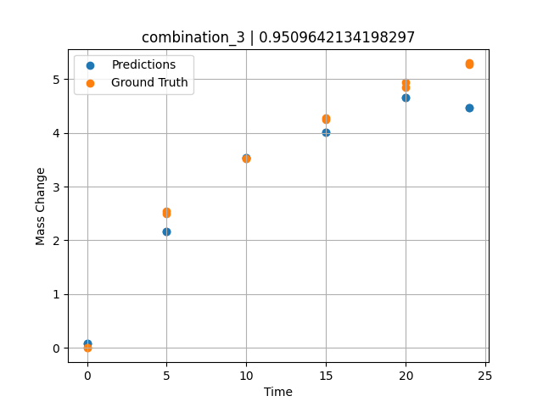
1200 | 19.5 | 0 | 20.1 | 20.4 | 19.8 | 20.2 | 0 | 0 | 10 | 3.5227272727 | 3.5354127884
1200 | 19.5 | 0 | 20.1 | 20.4 | 19.8 | 20.2 | 0 | 0 | 15 | 4.2727272727 | 4.0028028488
1200 | 19.5 | 0 | 20.1 | 20.4 | 19.8 | 20.2 | 0 | 0 | 20 | 4.9318181818 | 4.657075882
1200 | 19.5 | 0 | 20.1 | 20.4 | 19.8 | 20.2 | 0 | 0 | 24 | 5.2954545455 | 4.4642782211

combination_4
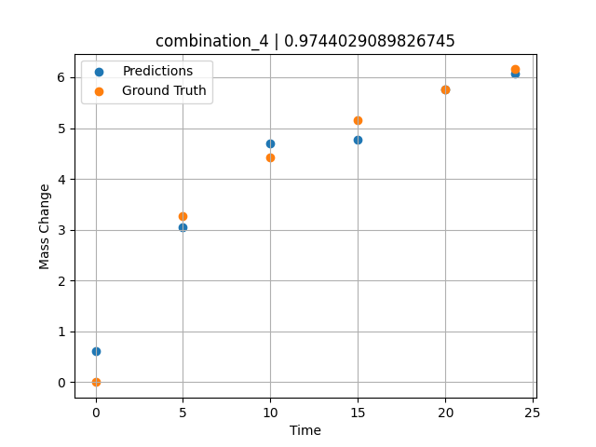
1200.0, 22.4, 0.0, 22.6, 10.1, 22.6, 22.3, 0.0
Temperature [C] | Mo [at%] | Nb [at%] | Ta [at%] | Ti [at%] | Cr [at%] | Al [at%] | W [at%] | Zr [at%] | Time [h] | Mass Change [mg.cm2] | Mass change - predictions
1200 | 22.4 | 0 | 22.6 | 10.1 | 22.6 | 22.3 | 0 | 0 | 0 | 0 | 0.61930084229
1200 | 22.4 | 0 | 22.6 | 10.1 | 22.6 | 22.3 | 0 | 0 | 5 | 3.2727272727 | 3.0438699722
1200 | 22.4 | 0 | 22.6 | 10.1 | 22.6 | 22.3 | 0 | 0 | 10 | 4.4242424242 | 4.6977100372
1200 | 22.4 | 0 | 22.6 | 10.1 | 22.6 | 22.3 | 0 | 0 | 15 | 5.1515151515 | 4.7759809494
1200 | 22.4 | 0 | 22.6 | 10.1 | 22.6 | 22.3 | 0 | 0 | 20 | 5.7575757576 | 5.7563261986
1200 | 22.4 | 0 | 22.6 | 10.1 | 22.6 | 22.3 | 0 | 0 | 24 | 6.1575757576 | 6.0823364258

combination_5
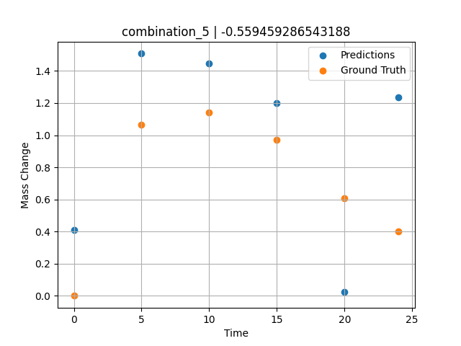
1200.0, 25.3, 0.0, 24.9, 0.0, 24.8, 25.0, 0.0
Temperature [C] | Mo [at%] | Nb [at%] | Ta [at%] | Ti [at%] | Cr [at%] | Al [at%] | W [at%] | Zr [at%] | Time [h] | Mass Change [mg.cm2] | Mass change - predictions
1200 | 25.3 | 0 | 24.9 | 0 | 24.8 | 25 | 0 | 0 | 0 | 0 | 0.41035270691
1200 | 25.3 | 0 | 24.9 | 0 | 24.8 | 25 | 0 | 0 | 5 | 1.0666666667 | 1.5076370239
1200 | 25.3 | 0 | 24.9 | 0 | 24.8 | 25 | 0 | 0 | 10 | 1.1393939394 | 1.4452638626
1200 | 25.3 | 0 | 24.9 | 0 | 24.8 | 25 | 0 | 0 | 15 | 0.9696969697 | 1.1976647377
1200 | 25.3 | 0 | 24.9 | 0 | 24.8 | 25 | 0 | 0 | 20 | 0.60606060606 | 0.02563303709
1200 | 25.3 | 0 | 24.9 | 0 | 24.8 | 25 | 0 | 0 | 24 | 0.4 | 1.2349050045

combination_6
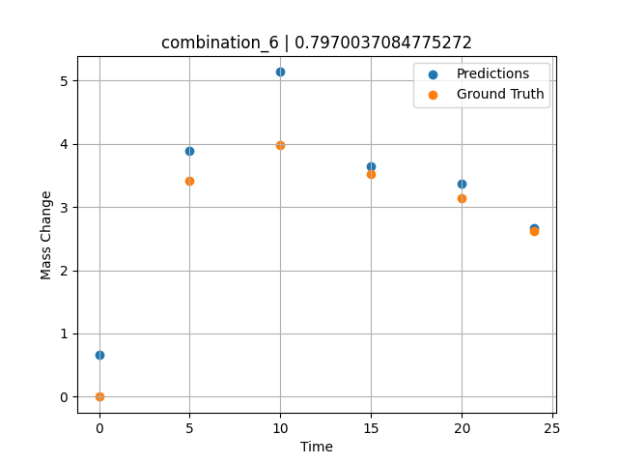
1200.0, 23.5, 0.0, 5.1, 23.7, 23.8, 23.9, 0.0
Temperature [C] | Mo [at%] | Nb [at%] | Ta [at%] | Ti [at%] | Cr [at%] | Al [at%] | W [at%] | Zr [at%] | Time [h] | Mass Change [mg.cm2] | Mass change - predictions
1200 | 23.5 | 0 | 5.1 | 23.7 | 23.8 | 23.9 | 0 | 0 | 0 | 0 | 0.66346645355
1200 | 23.5 | 0 | 5.1 | 23.7 | 23.8 | 23.9 | 0 | 0 | 5 | 3.4090909091 | 3.8842668533
1200 | 23.5 | 0 | 5.1 | 23.7 | 23.8 | 23.9 | 0 | 0 | 10 | 3.9772727273 | 5.1369862556
1200 | 23.5 | 0 | 5.1 | 23.7 | 23.8 | 23.9 | 0 | 0 | 15 | 3.5227272727 | 3.6378669739
1200 | 23.5 | 0 | 5.1 | 23.7 | 23.8 | 23.9 | 0 | 0 | 20 | 3.1363636364 | 3.3725807667
1200 | 23.5 | 0 | 5.1 | 23.7 | 23.8 | 23.9 | 0 | 0 | 24 | 2.6136363636 | 2.6732559204

combination_7
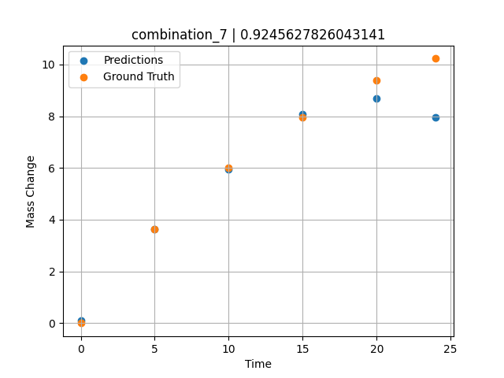
1200.0, 22.3, 0.0, 10.2, 22.7, 22.4, 22.4, 0.0
Temperature [C] | Mo [at%] | Nb [at%] | Ta [at%] | Ti [at%] | Cr [at%] | Al [at%] | W [at%] | Zr [at%] | Time [h] | Mass Change [mg.cm2] | Mass change - predictions
1200 | 22.3 | 0 | 10.2 | 22.7 | 22.4 | 22.4 | 0 | 0 | 0 | 0 | 0.11473464966
1200 | 22.3 | 0 | 10.2 | 22.7 | 22.4 | 22.4 | 0 | 0 | 5 | 3.6363636364 | 3.6353549957
1200 | 22.3 | 0 | 10.2 | 22.7 | 22.4 | 22.4 | 0 | 0 | 10 | 6.0227272727 | 5.9381937981
1200 | 22.3 | 0 | 10.2 | 22.7 | 22.4 | 22.4 | 0 | 0 | 15 | 7.9545454545 | 8.0899505615
1200 | 22.3 | 0 | 10.2 | 22.7 | 22.4 | 22.4 | 0 | 0 | 20 | 9.3863636364 | 8.6916046143
1200 | 22.3 | 0 | 10.2 | 22.7 | 22.4 | 22.4 | 0 | 0 | 24 | 10.227272727 | 7.9693379402

combination_8
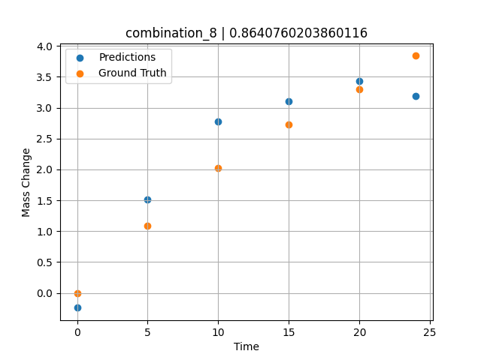
1200.0, 21.4, 0.0, 14.8, 21.1, 21.3, 21.4, 0.0
Temperature [C] | Mo [at%] | Nb [at%] | Ta [at%] | Ti [at%] | Cr [at%] | Al [at%] | W [at%] | Zr [at%] | Time [h] | Mass Change [mg.cm2] | Mass change - predictions
1200 | 21.4 | 0 | 14.8 | 21.1 | 21.3 | 21.4 | 0 | 0 | 0 | 0 | -0.24046325684
1200 | 21.4 | 0 | 14.8 | 21.1 | 21.3 | 21.4 | 0 | 0 | 5 | 1.0909090909 | 1.514251709
1200 | 21.4 | 0 | 14.8 | 21.1 | 21.3 | 21.4 | 0 | 0 | 10 | 2.0227272727 | 2.7819519043
1200 | 21.4 | 0 | 14.8 | 21.1 | 21.3 | 21.4 | 0 | 0 | 15 | 2.7272727273 | 3.1093606949
1200 | 21.4 | 0 | 14.8 | 21.1 | 21.3 | 21.4 | 0 | 0 | 20 | 3.2954545455 | 3.4276766777
1200 | 21.4 | 0 | 14.8 | 21.1 | 21.3 | 21.4 | 0 | 0 | 24 | 3.8409090909 | 3.1942505836

combination_9
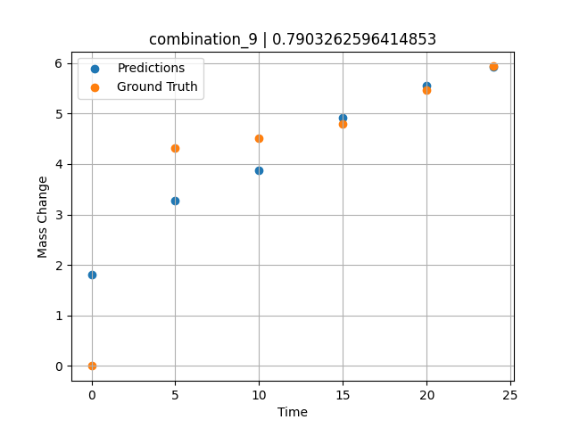
1200.0, 23.7, 0.0, 23.7, 23.8, 23.8, 5.0, 0.0
Temperature [C] | Mo [at%] | Nb [at%] | Ta [at%] | Ti [at%] | Cr [at%] | Al [at%] | W [at%] | Zr [at%] | Time [h] | Mass Change [mg.cm2] | Mass change - predictions
1200 | 23.7 | 0 | 23.7 | 23.8 | 23.8 | 5 | 0 | 0 | 0 | 0 | 1.8029308319
1200 | 23.7 | 0 | 23.7 | 23.8 | 23.8 | 5 | 0 | 0 | 5 | 4.3090909091 | 3.2677412033
1200 | 23.7 | 0 | 23.7 | 23.8 | 23.8 | 5 | 0 | 0 | 10 | 4.5054545455 | 3.8757724762
1200 | 23.7 | 0 | 23.7 | 23.8 | 23.8 | 5 | 0 | 0 | 15 | 4.7890909091 | 4.9259943962
1200 | 23.7 | 0 | 23.7 | 23.8 | 23.8 | 5 | 0 | 0 | 20 | 5.4654545455 | 5.5567531586
1200 | 23.7 | 0 | 23.7 | 23.8 | 23.8 | 5 | 0 | 0 | 24 | 5.9345454545 | 5.921397686

combination_10
1200.0, 22.5, 0.0, 22.5, 22.5, 22.5, 10.0, 0.0
Temperature [C] | Mo [at%] | Nb [at%] | Ta [at%] | Ti [at%] | Cr [at%] | Al [at%] | W [at%] | Zr [at%] | Time [h] | Mass Change [mg.cm2] | Mass change - predictions
1200 | 22.5 | 0 | 22.5 | 22.5 | 22.5 | 10 | 0 | 0 | 0 | 0 | 1.3054914474
1200 | 22.5 | 0 | 22.5 | 22.5 | 22.5 | 10 | 0 | 0 | 5 | 2.3781818182 | 2.6515283585
1200 | 22.5 | 0 | 22.5 | 22.5 | 22.5 | 10 | 0 | 0 | 10 | 3.0981818182 | 3.3467292786
1200 | 22.5 | 0 | 22.5 | 22.5 | 22.5 | 10 | 0 | 0 | 15 | 3.48 | 4.1365060806
1200 | 22.5 | 0 | 22.5 | 22.5 | 22.5 | 10 | 0 | 0 | 20 | 4.0909090909 | 4.307387352
1200 | 22.5 | 0 | 22.5 | 22.5 | 22.5 | 10 | 0 | 0 | 24 | 4.68 | 4.5907421112
1200 | 22.5 | 0 | 22.5 | 22.5 | 22.5 | 10 | 0 | 0 | 0 | 0 | 1.3054914474
1200 | 22.5 | 0 | 22.5 | 22.5 | 22.5 | 10 | 0 | 0 | 0.49077 | 0.78063 | 1.4370565414
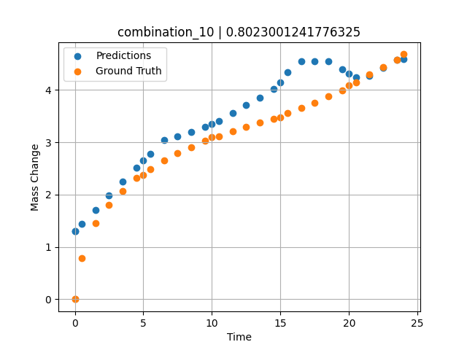
1200 | 22.5 | 0 | 22.5 | 22.5 | 22.5 | 10 | 0 | 0 | 1.49172 | 1.44748 | 1.7115440369
1200 | 22.5 | 0 | 22.5 | 22.5 | 22.5 | 10 | 0 | 0 | 2.49281 | 1.80541 | 1.9869556427
1200 | 22.5 | 0 | 22.5 | 22.5 | 22.5 | 10 | 0 | 0 | 3.49402 | 2.06956 | 2.2545824051
1200 | 22.5 | 0 | 22.5 | 22.5 | 22.5 | 10 | 0 | 0 | 4.4952 | 2.31087 | 2.5184745789
1200 | 22.5 | 0 | 22.5 | 22.5 | 22.5 | 10 | 0 | 0 | 5.49645 | 2.48841 | 2.7824773788
1200 | 22.5 | 0 | 22.5 | 22.5 | 22.5 | 10 | 0 | 0 | 6.49787 | 2.65793 | 3.0392723083
1200 | 22.5 | 0 | 22.5 | 22.5 | 22.5 | 10 | 0 | 0 | 7.49956 | 2.78535 | 3.1123199463
1200 | 22.5 | 0 | 22.5 | 22.5 | 22.5 | 10 | 0 | 0 | 8.50125 | 2.90731 | 3.1919879913
1200 | 22.5 | 0 | 22.5 | 22.5 | 22.5 | 10 | 0 | 0 | 9.50311 | 3.02433 | 3.2929334641
1200 | 22.5 | 0 | 22.5 | 22.5 | 22.5 | 10 | 0 | 0 | 10.50501 | 3.11618 | 3.4056692123
1200 | 22.5 | 0 | 22.5 | 22.5 | 22.5 | 10 | 0 | 0 | 11.50721 | 3.20469 | 3.5577411652
1200 | 22.5 | 0 | 22.5 | 22.5 | 22.5 | 10 | 0 | 0 | 12.49975 | 3.29282 | 3.7104825974
1200 | 22.5 | 0 | 22.5 | 22.5 | 22.5 | 10 | 0 | 0 | 13.4923 | 3.37455 | 3.8462872505
1200 | 22.5 | 0 | 22.5 | 22.5 | 22.5 | 10 | 0 | 0 | 14.49455 | 3.44501 | 4.021654129
1200 | 22.5 | 0 | 22.5 | 22.5 | 22.5 | 10 | 0 | 0 | 15.49708 | 3.552 | 4.3337182999
1200 | 22.5 | 0 | 22.5 | 22.5 | 22.5 | 10 | 0 | 0 | 16.49956 | 3.65536 | 4.5519733429
1200 | 22.5 | 0 | 22.5 | 22.5 | 22.5 | 10 | 0 | 0 | 17.50221 | 3.7515 | 4.5461034775
1200 | 22.5 | 0 | 22.5 | 22.5 | 22.5 | 10 | 0 | 0 | 18.5051 | 3.87105 | 4.5400600433
1200 | 22.5 | 0 | 22.5 | 22.5 | 22.5 | 10 | 0 | 0 | 19.50793 | 3.99229 | 4.3941993713
1200 | 22.5 | 0 | 22.5 | 22.5 | 22.5 | 10 | 0 | 0 | 20.50125 | 4.1354 | 4.2385663986
1200 | 22.5 | 0 | 22.5 | 22.5 | 22.5 | 10 | 0 | 0 | 21.49483 | 4.29738 | 4.262960434
1200 | 22.5 | 0 | 22.5 | 22.5 | 22.5 | 10 | 0 | 0 | 22.49819 | 4.43636 | 4.4173598289
1200 | 22.5 | 0 | 22.5 | 22.5 | 22.5 | 10 | 0 | 0 | 23.49208 | 4.57312 | 4.5747537613

combination_11
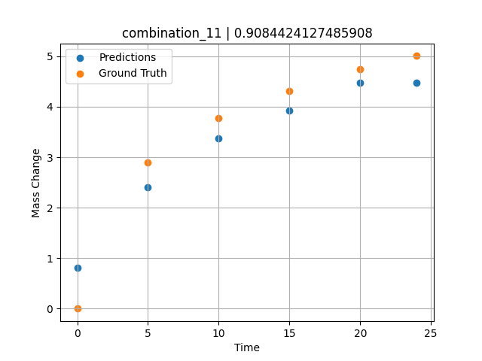
1200.0, 21.25, 0.0, 21.25, 21.25, 21.25, 15.0, 0.0
Temperature [C] | Mo [at%] | Nb [at%] | Ta [at%] | Ti [at%] | Cr [at%] | Al [at%] | W [at%] | Zr [at%] | Time [h] | Mass Change [mg.cm2] | Mass change - predictions
1200 | 21.25 | 0 | 21.25 | 21.25 | 21.25 | 15 | 0 | 0 | 0 | 0 | 0.81209945679
1200 | 21.25 | 0 | 21.25 | 21.25 | 21.25 | 15 | 0 | 0 | 5 | 2.9018181818 | 2.3985967636
1200 | 21.25 | 0 | 21.25 | 21.25 | 21.25 | 15 | 0 | 0 | 10 | 3.7745454545 | 3.370141983
1200 | 21.25 | 0 | 21.25 | 21.25 | 21.25 | 15 | 0 | 0 | 15 | 4.3090909091 | 3.9264326096
1200 | 21.25 | 0 | 21.25 | 21.25 | 21.25 | 15 | 0 | 0 | 20 | 4.7454545455 | 4.4760546684
1200 | 21.25 | 0 | 21.25 | 21.25 | 21.25 | 15 | 0 | 0 | 24 | 5.0072727273 | 4.4829854965

combination_12
1200.0, 20.0, 0.0, 20.0, 20.0, 20.0, 20.0, 0.0
Temperature [C] | Mo [at%] | Nb [at%] | Ta [at%] | Ti [at%] | Cr [at%] | Al [at%] | W [at%] | Zr [at%] | Time [h] | Mass Change [mg.cm2] | Mass change - predictions
1200 | 20 | 0 | 20 | 20 | 20 | 20 | 0 | 0 | 0 | 0 | 0.04542350769
1200 | 20 | 0 | 20 | 20 | 20 | 20 | 0 | 0 | 5 | 2.5636363636 | 2.1453008652
1200 | 20 | 0 | 20 | 20 | 20 | 20 | 0 | 0 | 10 | 3.5563636364 | 3.5699768066
1200 | 20 | 0 | 20 | 20 | 20 | 20 | 0 | 0 | 15 | 4.3090909091 | 4.0493354797
1200 | 20 | 0 | 20 | 20 | 20 | 20 | 0 | 0 | 20 | 4.9090909091 | 4.6438322067
1200 | 20 | 0 | 20 | 20 | 20 | 20 | 0 | 0 | 24 | 5.3127272727 | 4.5055575371
1200 | 20 | 0 | 20 | 20 | 20 | 20 | 0 | 0 | 0 | 0 | 0.04542350769
1200 | 20 | 0 | 20 | 20 | 20 | 20 | 0 | 0 | 0.49082 | 0.71629 | 0.34785461426
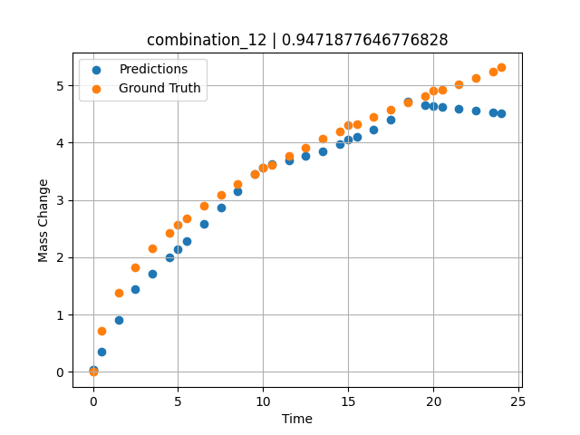
1200 | 20 | 0 | 20 | 20 | 20 | 20 | 0 | 0 | 1.49163 | 1.38441 | 0.90894889832
1200 | 20 | 0 | 20 | 20 | 20 | 20 | 0 | 0 | 2.49268 | 1.82409 | 1.444527626
1200 | 20 | 0 | 20 | 20 | 20 | 20 | 0 | 0 | 3.49411 | 2.16264 | 1.7212486267
1200 | 20 | 0 | 20 | 20 | 20 | 20 | 0 | 0 | 4.49594 | 2.43164 | 2.0018863678
1200 | 20 | 0 | 20 | 20 | 20 | 20 | 0 | 0 | 5.4981 | 2.67331 | 2.2870168686
1200 | 20 | 0 | 20 | 20 | 20 | 20 | 0 | 0 | 6.50068 | 2.89296 | 2.5763378143
1200 | 20 | 0 | 20 | 20 | 20 | 20 | 0 | 0 | 7.50329 | 3.09115 | 2.867890358
1200 | 20 | 0 | 20 | 20 | 20 | 20 | 0 | 0 | 8.50608 | 3.27802 | 3.159491539
1200 | 20 | 0 | 20 | 20 | 20 | 20 | 0 | 0 | 9.49939 | 3.4518 | 3.448343277
1200 | 20 | 0 | 20 | 20 | 20 | 20 | 0 | 0 | 10.4927 | 3.61285 | 3.6196460724
1200 | 20 | 0 | 20 | 20 | 20 | 20 | 0 | 0 | 11.49578 | 3.77185 | 3.6940364838
1200 | 20 | 0 | 20 | 20 | 20 | 20 | 0 | 0 | 12.49916 | 3.91739 | 3.7633600235
1200 | 20 | 0 | 20 | 20 | 20 | 20 | 0 | 0 | 13.50283 | 4.06345 | 3.8417053223
1200 | 20 | 0 | 20 | 20 | 20 | 20 | 0 | 0 | 14.50662 | 4.19848 | 3.9765396118
1200 | 20 | 0 | 20 | 20 | 20 | 20 | 0 | 0 | 15.50099 | 4.32824 | 4.1065540314
1200 | 20 | 0 | 20 | 20 | 20 | 20 | 0 | 0 | 16.49547 | 4.45466 | 4.2285089493
1200 | 20 | 0 | 20 | 20 | 20 | 20 | 0 | 0 | 17.49982 | 4.57472 | 4.3962979317
1200 | 20 | 0 | 20 | 20 | 20 | 20 | 0 | 0 | 18.50429 | 4.69457 | 4.7103567123
1200 | 20 | 0 | 20 | 20 | 20 | 20 | 0 | 0 | 19.49921 | 4.81208 | 4.6610813141
1200 | 20 | 0 | 20 | 20 | 20 | 20 | 0 | 0 | 20.49437 | 4.92042 | 4.6268033981
1200 | 20 | 0 | 20 | 20 | 20 | 20 | 0 | 0 | 21.4995 | 5.02611 | 4.5921831131
1200 | 20 | 0 | 20 | 20 | 20 | 20 | 0 | 0 | 22.50475 | 5.1328 | 4.5573883057
1200 | 20 | 0 | 20 | 20 | 20 | 20 | 0 | 0 | 23.50061 | 5.23529 | 4.5228676796

combination_13
1200.0, 0.0, 50.0, 0.0, 0.0, 50.0, 0.0, 0.0
Temperature [C] | Mo [at%] | Nb [at%] | Ta [at%] | Ti [at%] | Cr [at%] | Al [at%] | W [at%] | Zr [at%] | Time [h] | Mass Change [mg.cm2] | Mass change - predictions
1200 | 0 | 50 | 0 | 0 | 50 | 0 | 0 | 0 | 0 | 0 | 0.42232275009
1200 | 0 | 50 | 0 | 0 | 50 | 0 | 0 | 0 | 1 | 3.6496350365 | 2.3245329857
1200 | 0 | 50 | 0 | 0 | 50 | 0 | 0 | 0 | 8 | 8.6131386861 | 9.3238220215
1200 | 0 | 50 | 0 | 0 | 50 | 0 | 0 | 0 | 24 | 14.6 | 14.38246727
1200 | 0 | 50 | 0 | 0 | 50 | 0 | 0 | 0 | 0 | 0 | 0.42232275009
1200 | 0 | 50 | 0 | 0 | 50 | 0 | 0 | 0 | 0.49249 | 1.52361 | 1.3591356277
1200 | 0 | 50 | 0 | 0 | 50 | 0 | 0 | 0 | 1.5015 | 3.90346 | 3.2785000801
1200 | 0 | 50 | 0 | 0 | 50 | 0 | 0 | 0 | 2.4985 | 5.41279 | 5.1750178337
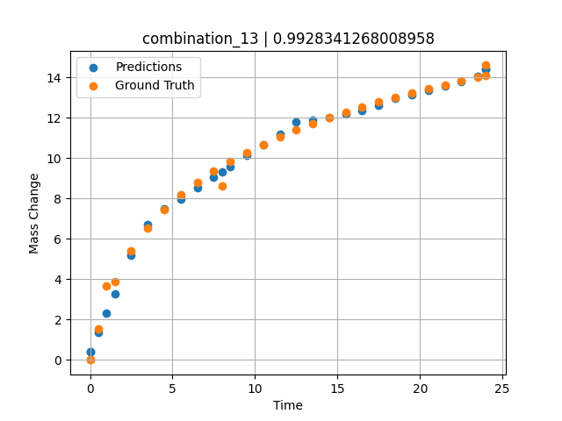
1200 | 0 | 50 | 0 | 0 | 50 | 0 | 0 | 0 | 3.4955 | 6.52981 | 6.6881103516
1200 | 0 | 50 | 0 | 0 | 50 | 0 | 0 | 0 | 4.5045 | 7.42843 | 7.4723520279
1200 | 0 | 50 | 0 | 0 | 50 | 0 | 0 | 0 | 5.5015 | 8.16539 | 7.980509758
1200 | 0 | 50 | 0 | 0 | 50 | 0 | 0 | 0 | 6.4985 | 8.79549 | 8.5165433884
1200 | 0 | 50 | 0 | 0 | 50 | 0 | 0 | 0 | 7.4955 | 9.34644 | 9.0525779724
1200 | 0 | 50 | 0 | 0 | 50 | 0 | 0 | 0 | 8.49249 | 9.83548 | 9.5886068344
1200 | 0 | 50 | 0 | 0 | 50 | 0 | 0 | 0 | 9.5015 | 10.28047 | 10.131097794
1200 | 0 | 50 | 0 | 0 | 50 | 0 | 0 | 0 | 10.4985 | 10.67984 | 10.66713047
1200 | 0 | 50 | 0 | 0 | 50 | 0 | 0 | 0 | 11.4955 | 11.04568 | 11.203165054
1200 | 0 | 50 | 0 | 0 | 50 | 0 | 0 | 0 | 12.5045 | 11.38726 | 11.779966354
1200 | 0 | 50 | 0 | 0 | 50 | 0 | 0 | 0 | 13.5015 | 11.70052 | 11.895792007
1200 | 0 | 50 | 0 | 0 | 50 | 0 | 0 | 0 | 14.4985 | 11.99278 | 12.012087822
1200 | 0 | 50 | 0 | 0 | 50 | 0 | 0 | 0 | 15.4955 | 12.26682 | 12.16872406
1200 | 0 | 50 | 0 | 0 | 50 | 0 | 0 | 0 | 16.49249 | 12.52465 | 12.379520416
1200 | 0 | 50 | 0 | 0 | 50 | 0 | 0 | 0 | 17.5015 | 12.77103 | 12.615460396
1200 | 0 | 50 | 0 | 0 | 50 | 0 | 0 | 0 | 18.4985 | 13.0016 | 12.95665741
1200 | 0 | 50 | 0 | 0 | 50 | 0 | 0 | 0 | 19.4955 | 13.22059 | 13.146174431
1200 | 0 | 50 | 0 | 0 | 50 | 0 | 0 | 0 | 20.5045 | 13.43163 | 13.351307869
1200 | 0 | 50 | 0 | 0 | 50 | 0 | 0 | 0 | 21.5015 | 13.63064 | 13.577894211
1200 | 0 | 50 | 0 | 0 | 50 | 0 | 0 | 0 | 22.4985 | 13.82097 | 13.804477692
1200 | 0 | 50 | 0 | 0 | 50 | 0 | 0 | 0 | 23.4955 | 14.0034 | 14.05796051
1200 | 0 | 50 | 0 | 0 | 50 | 0 | 0 | 0 | 24 | 14.09317 | 14.38246727

combination_14
1200.0, 0.0, 33.7, 0.0, 33.9, 32.4, 0.0, 0.0
Temperature [C] | Mo [at%] | Nb [at%] | Ta [at%] | Ti [at%] | Cr [at%] | Al [at%] | W [at%] | Zr [at%] | Time [h] | Mass Change [mg.cm2] | Mass change - predictions
1200 | 0 | 33.7 | 0 | 33.9 | 32.4 | 0 | 0 | 0 | 0 | 0 | 0.85763168335
1200 | 0 | 33.7 | 0 | 33.9 | 32.4 | 0 | 0 | 0 | 1 | 5.5474452555 | 3.0529489517
1200 | 0 | 33.7 | 0 | 33.9 | 32.4 | 0 | 0 | 0 | 8 | 11.240875912 | 12.348248482
1200 | 0 | 33.7 | 0 | 33.9 | 32.4 | 0 | 0 | 0 | 24 | 19.2 | 18.623641968
1200 | 0 | 33.7 | 0 | 33.9 | 32.4 | 0 | 0 | 0 | 0 | 0 | 0.85763168335
1200 | 0 | 33.7 | 0 | 33.9 | 32.4 | 0 | 0 | 0 | 0.49249 | 2.56412 | 1.9387989044
1200 | 0 | 33.7 | 0 | 33.9 | 32.4 | 0 | 0 | 0 | 1.48984 | 5.41937 | 4.1282987595
1200 | 0 | 33.7 | 0 | 33.9 | 32.4 | 0 | 0 | 0 | 2.4985 | 7.32912 | 6.3412399292
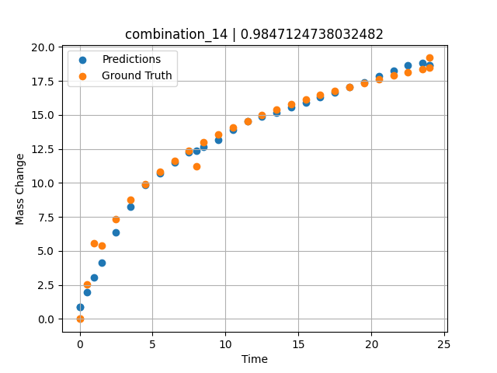
1200 | 0 | 33.7 | 0 | 33.9 | 32.4 | 0 | 0 | 0 | 3.4955 | 8.74014 | 8.278181076
1200 | 0 | 33.7 | 0 | 33.9 | 32.4 | 0 | 0 | 0 | 4.5045 | 9.88382 | 9.859413147
1200 | 0 | 33.7 | 0 | 33.9 | 32.4 | 0 | 0 | 0 | 5.5015 | 10.82642 | 10.695695877
1200 | 0 | 33.7 | 0 | 33.9 | 32.4 | 0 | 0 | 0 | 6.4985 | 11.63515 | 11.532004356
1200 | 0 | 33.7 | 0 | 33.9 | 32.4 | 0 | 0 | 0 | 7.4955 | 12.34412 | 12.262155533
1200 | 0 | 33.7 | 0 | 33.9 | 32.4 | 0 | 0 | 0 | 8.49249 | 12.97471 | 12.625096321
1200 | 0 | 33.7 | 0 | 33.9 | 32.4 | 0 | 0 | 0 | 9.5015 | 13.54942 | 13.192331314
1200 | 0 | 33.7 | 0 | 33.9 | 32.4 | 0 | 0 | 0 | 10.4985 | 14.0659 | 13.901847839
1200 | 0 | 33.7 | 0 | 33.9 | 32.4 | 0 | 0 | 0 | 11.4955 | 14.53953 | 14.510238647
1200 | 0 | 33.7 | 0 | 33.9 | 32.4 | 0 | 0 | 0 | 12.5045 | 14.98218 | 14.872213364
1200 | 0 | 33.7 | 0 | 33.9 | 32.4 | 0 | 0 | 0 | 13.5015 | 15.38843 | 15.194262505
1200 | 0 | 33.7 | 0 | 33.9 | 32.4 | 0 | 0 | 0 | 14.4985 | 15.76772 | 15.559295654
1200 | 0 | 33.7 | 0 | 33.9 | 32.4 | 0 | 0 | 0 | 15.4955 | 16.12357 | 15.924324036
1200 | 0 | 33.7 | 0 | 33.9 | 32.4 | 0 | 0 | 0 | 16.49249 | 16.45856 | 16.28935051
1200 | 0 | 33.7 | 0 | 33.9 | 32.4 | 0 | 0 | 0 | 17.5015 | 16.77881 | 16.658781052
1200 | 0 | 33.7 | 0 | 33.9 | 32.4 | 0 | 0 | 0 | 18.4985 | 17.07865 | 17.02381134
1200 | 0 | 33.7 | 0 | 33.9 | 32.4 | 0 | 0 | 0 | 19.4955 | 17.36354 | 17.409395218
1200 | 0 | 33.7 | 0 | 33.9 | 32.4 | 0 | 0 | 0 | 20.5045 | 17.63817 | 17.827360153
1200 | 0 | 33.7 | 0 | 33.9 | 32.4 | 0 | 0 | 0 | 21.5015 | 17.89723 | 18.240354538
1200 | 0 | 33.7 | 0 | 33.9 | 32.4 | 0 | 0 | 0 | 22.4985 | 18.14506 | 18.653354645
1200 | 0 | 33.7 | 0 | 33.9 | 32.4 | 0 | 0 | 0 | 23.48348 | 18.37988 | 18.79858017
1200 | 0 | 33.7 | 0 | 33.9 | 32.4 | 0 | 0 | 0 | 24 | 18.49961 | 18.623643875

combination_15
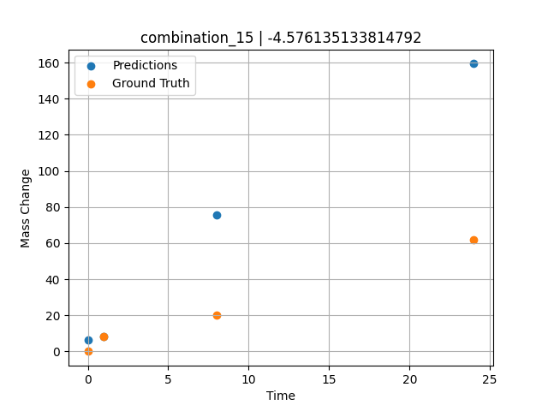
1200.0, 0.0, 26.0, 23.9, 25.6, 24.5, 0.0, 0.0
Temperature [C] | Mo [at%] | Nb [at%] | Ta [at%] | Ti [at%] | Cr [at%] | Al [at%] | W [at%] | Zr [at%] | Time [h] | Mass Change [mg.cm2] | Mass change - predictions
1200 | 0 | 26 | 23.9 | 25.6 | 24.5 | 0 | 0 | 0 | 0 | 0 | 6.2485618591
1200 | 0 | 26 | 23.9 | 25.6 | 24.5 | 0 | 0 | 0 | 1 | 8.3211678832 | 8.3854942322
1200 | 0 | 26 | 23.9 | 25.6 | 24.5 | 0 | 0 | 0 | 8 | 20.145985401 | 75.711418152
1200 | 0 | 26 | 23.9 | 25.6 | 24.5 | 0 | 0 | 0 | 24 | 61.9 | 159.38977051

combination_16
1200.0, 0.0, 33.6, 34.1, 32.3, 0.0, 0.0, 0.0
Temperature [C] | Mo [at%] | Nb [at%] | Ta [at%] | Ti [at%] | Cr [at%] | Al [at%] | W [at%] | Zr [at%] | Time [h] | Mass Change [mg.cm2] | Mass change - predictions
1200 | 0 | 33.6 | 34.1 | 32.3 | 0 | 0 | 0 | 0 | 0 | 0 | 4.3885555267
1200 | 0 | 33.6 | 34.1 | 32.3 | 0 | 0 | 0 | 0 | 1 | 2.6 | 10.115100861
1200 | 0 | 33.6 | 34.1 | 32.3 | 0 | 0 | 0 | 0 | 4 | 40.3 | 41.051322937
1200 | 0 | 33.6 | 34.1 | 32.3 | 0 | 0 | 0 | 0 | 8 | 92.248062016 | 90.763946533
1200 | 0 | 33.6 | 34.1 | 32.3 | 0 | 0 | 0 | 0 | 24 | 247.28682171 | 247.10404968
1200 | 0 | 33.6 | 34.1 | 32.3 | 0 | 0 | 0 | 0 | 48 | 293.02325581 | 296.26712036
1200 | 0 | 33.6 | 34.1 | 32.3 | 0 | 0 | 0 | 0 | 0 | 0 | 4.3885555267
1200 | 0 | 33.6 | 34.1 | 32.3 | 0 | 0 | 0 | 0 | 0.56527 | 2.00231 | 7.5111255646
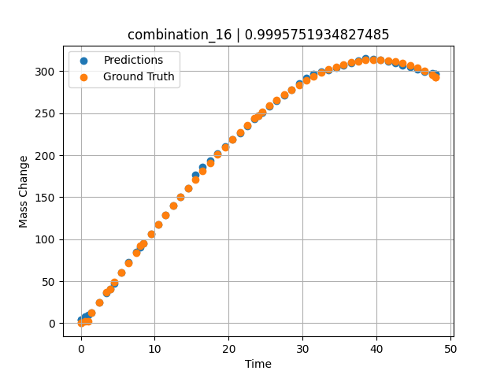
1200 | 0 | 33.6 | 34.1 | 32.3 | 0 | 0 | 0 | 0 | 1.46724 | 12.76104 | 12.913786888
1200 | 0 | 33.6 | 34.1 | 32.3 | 0 | 0 | 0 | 0 | 2.4985 | 25.04193 | 24.933917999
1200 | 0 | 33.6 | 34.1 | 32.3 | 0 | 0 | 0 | 0 | 3.50751 | 37.02166 | 36.400611877
1200 | 0 | 33.6 | 34.1 | 32.3 | 0 | 0 | 0 | 0 | 4.49304 | 48.67294 | 47.000999451
1200 | 0 | 33.6 | 34.1 | 32.3 | 0 | 0 | 0 | 0 | 5.5015 | 60.53039 | 59.978363037
1200 | 0 | 33.6 | 34.1 | 32.3 | 0 | 0 | 0 | 0 | 6.48649 | 72.03199 | 72.653709412
1200 | 0 | 33.6 | 34.1 | 32.3 | 0 | 0 | 0 | 0 | 7.4955 | 83.71838 | 85.098396301
1200 | 0 | 33.6 | 34.1 | 32.3 | 0 | 0 | 0 | 0 | 8.48157 | 95.03006 | 95.232093811
1200 | 0 | 33.6 | 34.1 | 32.3 | 0 | 0 | 0 | 0 | 9.51351 | 106.73793 | 106.38594818
1200 | 0 | 33.6 | 34.1 | 32.3 | 0 | 0 | 0 | 0 | 10.4985 | 117.7734 | 117.72641754
1200 | 0 | 33.6 | 34.1 | 32.3 | 0 | 0 | 0 | 0 | 11.48348 | 128.65641 | 128.88113403
1200 | 0 | 33.6 | 34.1 | 32.3 | 0 | 0 | 0 | 0 | 12.49249 | 139.63363 | 140.05992126
1200 | 0 | 33.6 | 34.1 | 32.3 | 0 | 0 | 0 | 0 | 13.5015 | 150.42152 | 150.16990662
1200 | 0 | 33.6 | 34.1 | 32.3 | 0 | 0 | 0 | 0 | 14.51051 | 161.00462 | 160.89479065
1200 | 0 | 33.6 | 34.1 | 32.3 | 0 | 0 | 0 | 0 | 15.4955 | 171.12427 | 176.83578491
1200 | 0 | 33.6 | 34.1 | 32.3 | 0 | 0 | 0 | 0 | 16.48048 | 181.01775 | 186.12997437
1200 | 0 | 33.6 | 34.1 | 32.3 | 0 | 0 | 0 | 0 | 17.48949 | 190.90578 | 193.9201355
1200 | 0 | 33.6 | 34.1 | 32.3 | 0 | 0 | 0 | 0 | 18.4985 | 200.52777 | 202.01783752
1200 | 0 | 33.6 | 34.1 | 32.3 | 0 | 0 | 0 | 0 | 19.50751 | 209.86822 | 210.28692627
1200 | 0 | 33.6 | 34.1 | 32.3 | 0 | 0 | 0 | 0 | 20.51652 | 218.91164 | 218.55601501
1200 | 0 | 33.6 | 34.1 | 32.3 | 0 | 0 | 0 | 0 | 21.5015 | 227.43968 | 226.62820435
1200 | 0 | 33.6 | 34.1 | 32.3 | 0 | 0 | 0 | 0 | 22.48649 | 235.65296 | 234.70048523
1200 | 0 | 33.6 | 34.1 | 32.3 | 0 | 0 | 0 | 0 | 23.4955 | 243.72904 | 242.96955872
1200 | 0 | 33.6 | 34.1 | 32.3 | 0 | 0 | 0 | 0 | 24.48157 | 251.27422 | 251.03469849
1200 | 0 | 33.6 | 34.1 | 32.3 | 0 | 0 | 0 | 0 | 25.51351 | 258.79091 | 258.37918091
1200 | 0 | 33.6 | 34.1 | 32.3 | 0 | 0 | 0 | 0 | 26.4985 | 265.58634 | 264.9392395
1200 | 0 | 33.6 | 34.1 | 32.3 | 0 | 0 | 0 | 0 | 27.48348 | 271.99328 | 271.4992981
1200 | 0 | 33.6 | 34.1 | 32.3 | 0 | 0 | 0 | 0 | 28.49249 | 278.14346 | 278.21932983
1200 | 0 | 33.6 | 34.1 | 32.3 | 0 | 0 | 0 | 0 | 29.5015 | 283.85864 | 284.93942261
1200 | 0 | 33.6 | 34.1 | 32.3 | 0 | 0 | 0 | 0 | 30.51051 | 289.12334 | 291.65951538
1200 | 0 | 33.6 | 34.1 | 32.3 | 0 | 0 | 0 | 0 | 31.4955 | 293.81519 | 296.39596558
1200 | 0 | 33.6 | 34.1 | 32.3 | 0 | 0 | 0 | 0 | 32.48048 | 298.04485 | 299.00997925
1200 | 0 | 33.6 | 34.1 | 32.3 | 0 | 0 | 0 | 0 | 33.48949 | 301.88914 | 301.68771362
1200 | 0 | 33.6 | 34.1 | 32.3 | 0 | 0 | 0 | 0 | 34.4985 | 305.22169 | 304.36547852
1200 | 0 | 33.6 | 34.1 | 32.3 | 0 | 0 | 0 | 0 | 35.50751 | 308.02703 | 307.04321289
1200 | 0 | 33.6 | 34.1 | 32.3 | 0 | 0 | 0 | 0 | 36.51652 | 310.28966 | 309.72097778
1200 | 0 | 33.6 | 34.1 | 32.3 | 0 | 0 | 0 | 0 | 37.5015 | 311.96232 | 312.33493042
1200 | 0 | 33.6 | 34.1 | 32.3 | 0 | 0 | 0 | 0 | 38.48649 | 313.08419 | 314.94897461
1200 | 0 | 33.6 | 34.1 | 32.3 | 0 | 0 | 0 | 0 | 39.4955 | 313.65412 | 314.73007202
1200 | 0 | 33.6 | 34.1 | 32.3 | 0 | 0 | 0 | 0 | 40.5045 | 313.62011 | 313.31216431
1200 | 0 | 33.6 | 34.1 | 32.3 | 0 | 0 | 0 | 0 | 41.51351 | 312.96665 | 311.89431763
1200 | 0 | 33.6 | 34.1 | 32.3 | 0 | 0 | 0 | 0 | 42.4985 | 311.71895 | 309.52307129
1200 | 0 | 33.6 | 34.1 | 32.3 | 0 | 0 | 0 | 0 | 43.48348 | 309.84673 | 307.14974976
1200 | 0 | 33.6 | 34.1 | 32.3 | 0 | 0 | 0 | 0 | 44.49249 | 307.27405 | 304.71850586
1200 | 0 | 33.6 | 34.1 | 32.3 | 0 | 0 | 0 | 0 | 45.5015 | 304.02068 | 302.28729248
1200 | 0 | 33.6 | 34.1 | 32.3 | 0 | 0 | 0 | 0 | 46.51051 | 300.07115 | 299.85604858
1200 | 0 | 33.6 | 34.1 | 32.3 | 0 | 0 | 0 | 0 | 47.4955 | 295.53213 | 297.48269653
1200 | 0 | 33.6 | 34.1 | 32.3 | 0 | 0 | 0 | 0 | 48 | 292.96623 | 296.26712036

combination_17
1200.0, 0.0, 34.2, 34.4, 0.0, 0.0, 0.0, 0.0
Temperature [C] | Mo [at%] | Nb [at%] | Ta [at%] | Ti [at%] | Cr [at%] | Al [at%] | W [at%] | Zr [at%] | Time [h] | Mass Change [mg.cm2] | Mass change - predictions
1200 | 0 | 34.2 | 34.4 | 0 | 0 | 0 | 0 | 30.9 | 0 | 0 | 0.14560890198
1200 | 0 | 34.2 | 34.4 | 0 | 0 | 0 | 0 | 30.9 | 1 | 102.4 | 87.730575562
1200 | 0 | 34.2 | 34.4 | 0 | 0 | 0 | 0 | 30.9 | 2 | 117.1 | 116.69321442
1200 | 0 | 34.2 | 34.4 | 0 | 0 | 0 | 0 | 30.9 | 4 | 134.1 | 144.22886658
1200 | 0 | 34.2 | 34.4 | 0 | 0 | 0 | 0 | 30.9 | 6 | 170.7 | 174.53521729
1200 | 0 | 34.2 | 34.4 | 0 | 0 | 0 | 0 | 30.9 | 8 | 197.6 | 204.73762512
1200 | 0 | 34.2 | 34.4 | 0 | 0 | 0 | 0 | 30.9 | 24 | 229.3 | 224.95419312
1200 | 0 | 34.2 | 34.4 | 0 | 0 | 0 | 0 | 30.9 | 0 | 0 | 0.14560890198
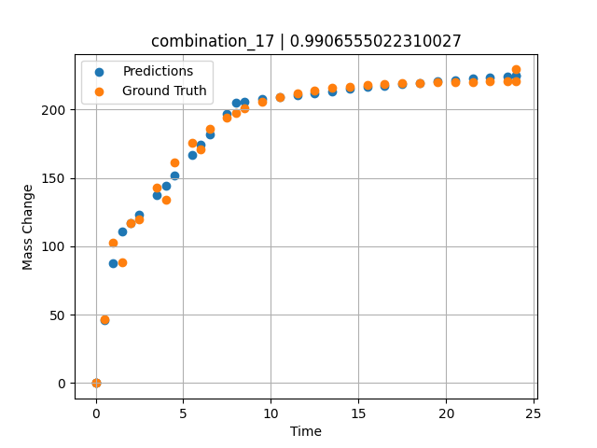
1200 | 0 | 34.2 | 34.4 | 0 | 0 | 0 | 0 | 30.9 | 0.49249 | 46.59609 | 46.294326782
1200 | 0 | 34.2 | 34.4 | 0 | 0 | 0 | 0 | 30.9 | 1.5015 | 88.32923 | 110.57437897
1200 | 0 | 34.2 | 34.4 | 0 | 0 | 0 | 0 | 30.9 | 2.4985 | 119.43947 | 123.02664948
1200 | 0 | 34.2 | 34.4 | 0 | 0 | 0 | 0 | 30.9 | 3.4955 | 143.22867 | 137.10487366
1200 | 0 | 34.2 | 34.4 | 0 | 0 | 0 | 0 | 30.9 | 4.5045 | 161.64161 | 151.95129395
1200 | 0 | 34.2 | 34.4 | 0 | 0 | 0 | 0 | 30.9 | 5.5015 | 175.552 | 167.00727844
1200 | 0 | 34.2 | 34.4 | 0 | 0 | 0 | 0 | 30.9 | 6.4985 | 186.18892 | 182.06317139
1200 | 0 | 34.2 | 34.4 | 0 | 0 | 0 | 0 | 30.9 | 7.4955 | 194.34026 | 197.11903381
1200 | 0 | 34.2 | 34.4 | 0 | 0 | 0 | 0 | 30.9 | 8.49249 | 200.57338 | 205.94169617
1200 | 0 | 34.2 | 34.4 | 0 | 0 | 0 | 0 | 30.9 | 9.5015 | 205.39784 | 207.45088196
1200 | 0 | 34.2 | 34.4 | 0 | 0 | 0 | 0 | 30.9 | 10.4985 | 209.04256 | 208.9420929
1200 | 0 | 34.2 | 34.4 | 0 | 0 | 0 | 0 | 30.9 | 11.4955 | 211.82959 | 210.43330383
1200 | 0 | 34.2 | 34.4 | 0 | 0 | 0 | 0 | 30.9 | 12.5045 | 213.98676 | 211.94248962
1200 | 0 | 34.2 | 34.4 | 0 | 0 | 0 | 0 | 30.9 | 13.5015 | 215.61644 | 213.43370056
1200 | 0 | 34.2 | 34.4 | 0 | 0 | 0 | 0 | 30.9 | 14.4985 | 216.86261 | 214.9249115
1200 | 0 | 34.2 | 34.4 | 0 | 0 | 0 | 0 | 30.9 | 15.4955 | 217.81758 | 216.33651733
1200 | 0 | 34.2 | 34.4 | 0 | 0 | 0 | 0 | 30.9 | 16.49249 | 218.54782 | 217.3467865
1200 | 0 | 34.2 | 34.4 | 0 | 0 | 0 | 0 | 30.9 | 17.5015 | 219.11303 | 218.36920166
1200 | 0 | 34.2 | 34.4 | 0 | 0 | 0 | 0 | 30.9 | 18.4985 | 219.54003 | 219.37948608
1200 | 0 | 34.2 | 34.4 | 0 | 0 | 0 | 0 | 30.9 | 19.4955 | 219.86655 | 220.38978577
1200 | 0 | 34.2 | 34.4 | 0 | 0 | 0 | 0 | 30.9 | 20.5045 | 220.11927 | 221.41218567
1200 | 0 | 34.2 | 34.4 | 0 | 0 | 0 | 0 | 30.9 | 21.5015 | 220.3102 | 222.42243958
1200 | 0 | 34.2 | 34.4 | 0 | 0 | 0 | 0 | 30.9 | 22.4985 | 220.45619 | 223.432724
1200 | 0 | 34.2 | 34.4 | 0 | 0 | 0 | 0 | 30.9 | 23.4955 | 220.56807 | 224.44299316
1200 | 0 | 34.2 | 34.4 | 0 | 0 | 0 | 0 | 30.9 | 24 | 220.61516 | 224.95419312

combination_18
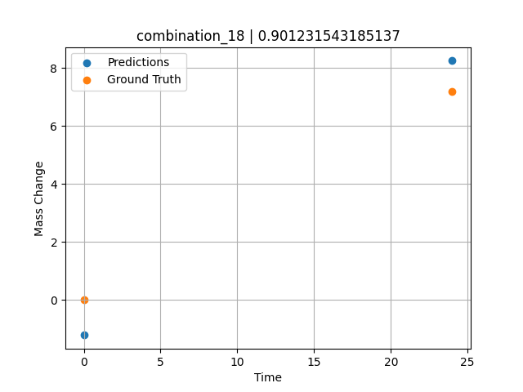
1200.0, 0.0, 0.0, 30.6, 36.8, 32.6, 0.0, 0.0
Temperature [C] | Mo [at%] | Nb [at%] | Ta [at%] | Ti [at%] | Cr [at%] | Al [at%] | W [at%] | Zr [at%] | Time [h] | Mass Change [mg.cm2] | Mass change - predictions
1200 | 0 | 0 | 30.6 | 36.8 | 32.6 | 0 | 0 | 0 | 0 | 0 | -1.2083320618
1200 | 0 | 0 | 30.6 | 36.8 | 32.6 | 0 | 0 | 0 | 24 | 7.2 | 8.2488145828

combination_19
1200.0, 0.0, 0.0, 49.9, 12.2, 37.9, 0.0, 0.0
Temperature [C] | Mo [at%] | Nb [at%] | Ta [at%] | Ti [at%] | Cr [at%] | Al [at%] | W [at%] | Zr [at%] | Time [h] | Mass Change [mg.cm2] | Mass change - predictions
1200 | 0 | 0 | 49.9 | 12.2 | 37.9 | 0 | 0 | 0 | 0 | 0 | 0.9519033432
1200 | 0 | 0 | 49.9 | 12.2 | 37.9 | 0 | 0 | 0 | 5 | 8.2898550725 | 7.9606180191
1200 | 0 | 0 | 49.9 | 12.2 | 37.9 | 0 | 0 | 0 | 10 | 12.434782609 | 11.587900162
1200 | 0 | 0 | 49.9 | 12.2 | 37.9 | 0 | 0 | 0 | 15 | 18.134057971 | 19.440851212
1200 | 0 | 0 | 49.9 | 12.2 | 37.9 | 0 | 0 | 0 | 17.5 | 24.869565217 | 26.485269547
1200 | 0 | 0 | 49.9 | 12.2 | 37.9 | 0 | 0 | 0 | 20 | 45.594202899 | 42.918800354
1200 | 0 | 0 | 49.9 | 12.2 | 37.9 | 0 | 0 | 0 | 24 | 71.5 | 70.711479187
1200 | 0 | 0 | 49.9 | 12.2 | 37.9 | 0 | 0 | 0 | 0 | 0 | 0.95190143585
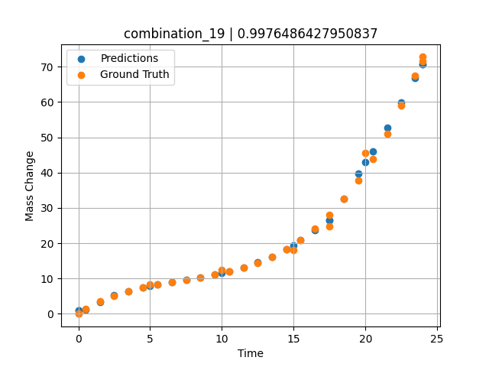
1200 | 0 | 0 | 49.9 | 12.2 | 37.9 | 0 | 0 | 0 | 0.49249 | 1.42149 | 1.0908899307
1200 | 0 | 0 | 49.9 | 12.2 | 37.9 | 0 | 0 | 0 | 1.5015 | 3.46774 | 3.4351873398
1200 | 0 | 0 | 49.9 | 12.2 | 37.9 | 0 | 0 | 0 | 2.4985 | 5.09174 | 5.369301796
1200 | 0 | 0 | 49.9 | 12.2 | 37.9 | 0 | 0 | 0 | 3.4955 | 6.38605 | 6.4135522842
1200 | 0 | 0 | 49.9 | 12.2 | 37.9 | 0 | 0 | 0 | 4.5045 | 7.43134 | 7.4511070251
1200 | 0 | 0 | 49.9 | 12.2 | 37.9 | 0 | 0 | 0 | 5.48956 | 8.26108 | 8.2188806534
1200 | 0 | 0 | 49.9 | 12.2 | 37.9 | 0 | 0 | 0 | 6.4985 | 8.98419 | 9.0602359772
1200 | 0 | 0 | 49.9 | 12.2 | 37.9 | 0 | 0 | 0 | 7.5035 | 9.64589 | 9.6090097427
1200 | 0 | 0 | 49.9 | 12.2 | 37.9 | 0 | 0 | 0 | 8.49249 | 10.30729 | 10.256801605
1200 | 0 | 0 | 49.9 | 12.2 | 37.9 | 0 | 0 | 0 | 9.5015 | 11.06122 | 11.233919144
1200 | 0 | 0 | 49.9 | 12.2 | 37.9 | 0 | 0 | 0 | 10.48663 | 11.94099 | 11.966060638
1200 | 0 | 0 | 49.9 | 12.2 | 37.9 | 0 | 0 | 0 | 11.4955 | 13.05774 | 13.167133331
1200 | 0 | 0 | 49.9 | 12.2 | 37.9 | 0 | 0 | 0 | 12.5045 | 14.46245 | 14.563170433
1200 | 0 | 0 | 49.9 | 12.2 | 37.9 | 0 | 0 | 0 | 13.5015 | 16.2008 | 16.094017029
1200 | 0 | 0 | 49.9 | 12.2 | 37.9 | 0 | 0 | 0 | 14.4985 | 18.3577 | 18.341281891
1200 | 0 | 0 | 49.9 | 12.2 | 37.9 | 0 | 0 | 0 | 15.4837 | 20.96379 | 20.858083725
1200 | 0 | 0 | 49.9 | 12.2 | 37.9 | 0 | 0 | 0 | 16.49249 | 24.19061 | 23.714681625
1200 | 0 | 0 | 49.9 | 12.2 | 37.9 | 0 | 0 | 0 | 17.50147 | 28.05166 | 26.494077682
1200 | 0 | 0 | 49.9 | 12.2 | 37.9 | 0 | 0 | 0 | 18.4985 | 32.55855 | 32.567268372
1200 | 0 | 0 | 49.9 | 12.2 | 37.9 | 0 | 0 | 0 | 19.4955 | 37.823 | 39.637901306
1200 | 0 | 0 | 49.9 | 12.2 | 37.9 | 0 | 0 | 0 | 20.49277 | 43.91233 | 46.056900024
1200 | 0 | 0 | 49.9 | 12.2 | 37.9 | 0 | 0 | 0 | 21.5015 | 50.97282 | 52.657867432
1200 | 0 | 0 | 49.9 | 12.2 | 37.9 | 0 | 0 | 0 | 22.4985 | 58.92082 | 59.86190033
1200 | 0 | 0 | 49.9 | 12.2 | 37.9 | 0 | 0 | 0 | 23.45946 | 67.54177 | 66.805625916
1200 | 0 | 0 | 49.9 | 12.2 | 37.9 | 0 | 0 | 0 | 24 | 72.79782 | 70.711486816

combination_20
1200.0, 0.0, 0.0, 50.9, 37.2, 11.9, 0.0, 0.0
Temperature [C] | Mo [at%] | Nb [at%] | Ta [at%] | Ti [at%] | Cr [at%] | Al [at%] | W [at%] | Zr [at%] | Time [h] | Mass Change [mg.cm2] | Mass change - predictions
1200 | 0 | 0 | 50.9 | 37.2 | 11.9 | 0 | 0 | 0 | 0 | 0 | 0.070148468018
1200 | 0 | 0 | 50.9 | 37.2 | 11.9 | 0 | 0 | 0 | 5 | 31.542083333 | 31.684274673
1200 | 0 | 0 | 50.9 | 37.2 | 11.9 | 0 | 0 | 0 | 10 | 59.464583333 | 58.83417511
1200 | 0 | 0 | 50.9 | 37.2 | 11.9 | 0 | 0 | 0 | 15 | 82.733333333 | 83.347129822
1200 | 0 | 0 | 50.9 | 37.2 | 11.9 | 0 | 0 | 0 | 20 | 106.51916667 | 106.41358185
1200 | 0 | 0 | 50.9 | 37.2 | 11.9 | 0 | 0 | 0 | 24 | 124.1 | 123.8434906
1200 | 0 | 0 | 50.9 | 37.2 | 11.9 | 0 | 0 | 0 | 0 | 0 | 0.070148468018
1200 | 0 | 0 | 50.9 | 37.2 | 11.9 | 0 | 0 | 0 | 0.49249 | 3.32589 | 3.3896789551
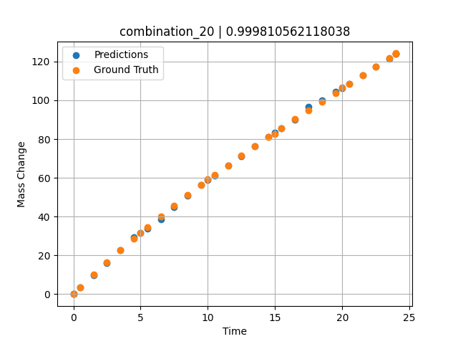
1200 | 0 | 0 | 50.9 | 37.2 | 11.9 | 0 | 0 | 0 | 1.5015 | 10.03119 | 9.6940135956
1200 | 0 | 0 | 50.9 | 37.2 | 11.9 | 0 | 0 | 0 | 2.4985 | 16.44125 | 16.159366608
1200 | 0 | 0 | 50.9 | 37.2 | 11.9 | 0 | 0 | 0 | 3.4955 | 22.64739 | 22.633911133
1200 | 0 | 0 | 50.9 | 37.2 | 11.9 | 0 | 0 | 0 | 4.5045 | 28.73355 | 29.188400269
1200 | 0 | 0 | 50.9 | 37.2 | 11.9 | 0 | 0 | 0 | 5.48956 | 34.49707 | 33.917221069
1200 | 0 | 0 | 50.9 | 37.2 | 11.9 | 0 | 0 | 0 | 6.4985 | 40.22938 | 38.749855042
1200 | 0 | 0 | 50.9 | 37.2 | 11.9 | 0 | 0 | 0 | 7.4955 | 45.73568 | 44.733299255
1200 | 0 | 0 | 50.9 | 37.2 | 11.9 | 0 | 0 | 0 | 8.49249 | 51.09529 | 50.884376526
1200 | 0 | 0 | 50.9 | 37.2 | 11.9 | 0 | 0 | 0 | 9.5015 | 56.38263 | 56.354248047
1200 | 0 | 0 | 50.9 | 37.2 | 11.9 | 0 | 0 | 0 | 10.48663 | 61.42297 | 61.253913879
1200 | 0 | 0 | 50.9 | 37.2 | 11.9 | 0 | 0 | 0 | 11.4955 | 66.47152 | 66.268486023
1200 | 0 | 0 | 50.9 | 37.2 | 11.9 | 0 | 0 | 0 | 12.5045 | 71.41788 | 71.283714294
1200 | 0 | 0 | 50.9 | 37.2 | 11.9 | 0 | 0 | 0 | 13.5015 | 76.21596 | 76.267730713
1200 | 0 | 0 | 50.9 | 37.2 | 11.9 | 0 | 0 | 0 | 14.4985 | 80.93612 | 81.17552948
1200 | 0 | 0 | 50.9 | 37.2 | 11.9 | 0 | 0 | 0 | 15.4837 | 85.53549 | 85.441642761
1200 | 0 | 0 | 50.9 | 37.2 | 11.9 | 0 | 0 | 0 | 16.49249 | 90.18944 | 89.871925354
1200 | 0 | 0 | 50.9 | 37.2 | 11.9 | 0 | 0 | 0 | 17.5015 | 94.79986 | 96.548088074
1200 | 0 | 0 | 50.9 | 37.2 | 11.9 | 0 | 0 | 0 | 18.4985 | 99.32321 | 99.942466736
1200 | 0 | 0 | 50.9 | 37.2 | 11.9 | 0 | 0 | 0 | 19.4955 | 103.82588 | 104.23929596
1200 | 0 | 0 | 50.9 | 37.2 | 11.9 | 0 | 0 | 0 | 20.51128 | 108.40403 | 108.61710358
1200 | 0 | 0 | 50.9 | 37.2 | 11.9 | 0 | 0 | 0 | 21.5015 | 112.86918 | 112.88473511
1200 | 0 | 0 | 50.9 | 37.2 | 11.9 | 0 | 0 | 0 | 22.4985 | 117.37858 | 117.18159485
1200 | 0 | 0 | 50.9 | 37.2 | 11.9 | 0 | 0 | 0 | 23.4955 | 121.9129 | 121.47844696
1200 | 0 | 0 | 50.9 | 37.2 | 11.9 | 0 | 0 | 0 | 24 | 124.21884 | 123.8434906

combination_21
1200.0, 0.0, 0.0, 46.5, 22.5, 31.0, 0.0, 0.0
Temperature [C] | Mo [at%] | Nb [at%] | Ta [at%] | Ti [at%] | Cr [at%] | Al [at%] | W [at%] | Zr [at%] | Time [h] | Mass Change [mg.cm2] | Mass change - predictions
1200 | 0 | 0 | 46.5 | 22.5 | 31 | 0 | 0 | 0 | 0 | 0 | -0.01339006424
1200 | 0 | 0 | 46.5 | 22.5 | 31 | 0 | 0 | 0 | 5 | 68.073076923 | 69.015846252
1200 | 0 | 0 | 46.5 | 22.5 | 31 | 0 | 0 | 0 | 10 | 121.19070513 | 119.53990936
1200 | 0 | 0 | 46.5 | 22.5 | 31 | 0 | 0 | 0 | 15 | 148.52307692 | 147.68252563
1200 | 0 | 0 | 46.5 | 22.5 | 31 | 0 | 0 | 0 | 20 | 159.35288462 | 160.64556885
1200 | 0 | 0 | 46.5 | 22.5 | 31 | 0 | 0 | 0 | 24 | 160.9 | 160.96534729
1200 | 0 | 0 | 46.5 | 22.5 | 31 | 0 | 0 | 0 | 0 | 0 | -0.01339006424
1200 | 0 | 0 | 46.5 | 22.5 | 31 | 0 | 0 | 0 | 0.53801 | 8.21597 | 8.3033218384
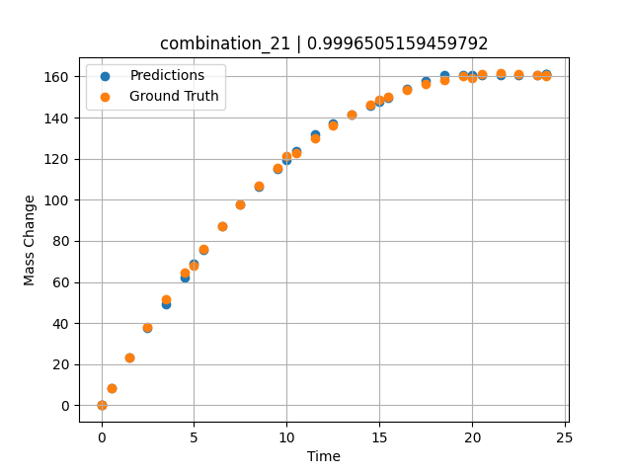
1200 | 0 | 0 | 46.5 | 22.5 | 31 | 0 | 0 | 0 | 1.5015 | 23.29686 | 23.3475914
1200 | 0 | 0 | 46.5 | 22.5 | 31 | 0 | 0 | 0 | 2.4985 | 37.95309 | 37.652107239
1200 | 0 | 0 | 46.5 | 22.5 | 31 | 0 | 0 | 0 | 3.4955 | 51.65384 | 49.332725525
1200 | 0 | 0 | 46.5 | 22.5 | 31 | 0 | 0 | 0 | 4.5045 | 64.57589 | 62.349716187
1200 | 0 | 0 | 46.5 | 22.5 | 31 | 0 | 0 | 0 | 5.48956 | 76.29591 | 75.534561157
1200 | 0 | 0 | 46.5 | 22.5 | 31 | 0 | 0 | 0 | 6.4985 | 87.40608 | 87.408859253
1200 | 0 | 0 | 46.5 | 22.5 | 31 | 0 | 0 | 0 | 7.4955 | 97.52071 | 97.933013916
1200 | 0 | 0 | 46.5 | 22.5 | 31 | 0 | 0 | 0 | 8.49249 | 106.79416 | 106.42743683
1200 | 0 | 0 | 46.5 | 22.5 | 31 | 0 | 0 | 0 | 9.5015 | 115.35124 | 115.21121979
1200 | 0 | 0 | 46.5 | 22.5 | 31 | 0 | 0 | 0 | 10.48663 | 122.92292 | 123.50934601
1200 | 0 | 0 | 46.5 | 22.5 | 31 | 0 | 0 | 0 | 11.4955 | 129.89829 | 131.73872375
1200 | 0 | 0 | 46.5 | 22.5 | 31 | 0 | 0 | 0 | 12.5045 | 136.10997 | 137.27235413
1200 | 0 | 0 | 46.5 | 22.5 | 31 | 0 | 0 | 0 | 13.5015 | 141.52095 | 141.4382782
1200 | 0 | 0 | 46.5 | 22.5 | 31 | 0 | 0 | 0 | 14.4985 | 146.22811 | 145.60420227
1200 | 0 | 0 | 46.5 | 22.5 | 31 | 0 | 0 | 0 | 15.4837 | 150.21466 | 149.68455505
1200 | 0 | 0 | 46.5 | 22.5 | 31 | 0 | 0 | 0 | 16.49249 | 153.63313 | 153.85997009
1200 | 0 | 0 | 46.5 | 22.5 | 31 | 0 | 0 | 0 | 17.5015 | 156.40427 | 158.03630066
1200 | 0 | 0 | 46.5 | 22.5 | 31 | 0 | 0 | 0 | 18.4985 | 158.52997 | 160.52552795
1200 | 0 | 0 | 46.5 | 22.5 | 31 | 0 | 0 | 0 | 19.4955 | 160.06615 | 160.60523987
1200 | 0 | 0 | 46.5 | 22.5 | 31 | 0 | 0 | 0 | 20.49277 | 161.03822 | 160.68495178
1200 | 0 | 0 | 46.5 | 22.5 | 31 | 0 | 0 | 0 | 21.5015 | 161.47326 | 160.76560974
1200 | 0 | 0 | 46.5 | 22.5 | 31 | 0 | 0 | 0 | 22.4985 | 161.37827 | 160.84532166
1200 | 0 | 0 | 46.5 | 22.5 | 31 | 0 | 0 | 0 | 23.4955 | 160.78923 | 160.92500305
1200 | 0 | 0 | 46.5 | 22.5 | 31 | 0 | 0 | 0 | 24 | 160.32765 | 160.96534729

combination_22
1100.0, 20.0, 20.0, 0.0, 20.0, 20.0, 20.0, 0.0
Temperature [C] | Mo [at%] | Nb [at%] | Ta [at%] | Ti [at%] | Cr [at%] | Al [at%] | W [at%] | Zr [at%] | Time [h] | Mass Change [mg.cm2] | Mass change - predictions
1100 | 20 | 20 | 0 | 20 | 20 | 20 | 0 | 0 | 0 | 0 | -0.19581794739
1100 | 20 | 20 | 0 | 20 | 20 | 20 | 0 | 0 | 10 | 3.3534246575 | 3.5183665752
1100 | 20 | 20 | 0 | 20 | 20 | 20 | 0 | 0 | 20 | 5.4794520548 | 5.6126365662
1100 | 20 | 20 | 0 | 20 | 20 | 20 | 0 | 0 | 30 | 6.904109589 | 7.0360126495
1100 | 20 | 20 | 0 | 20 | 20 | 20 | 0 | 0 | 40 | 7.8465753425 | 7.7893457413
1100 | 20 | 20 | 0 | 20 | 20 | 20 | 0 | 0 | 48 | 8.3726027397 | 8.2576646805
1100 | 20 | 20 | 0 | 20 | 20 | 20 | 0 | 0 | 0 | 0 | -0.19581794739
1100 | 20 | 20 | 0 | 20 | 20 | 20 | 0 | 0 | 0.48048 | 0.19946 | 0.080753326416
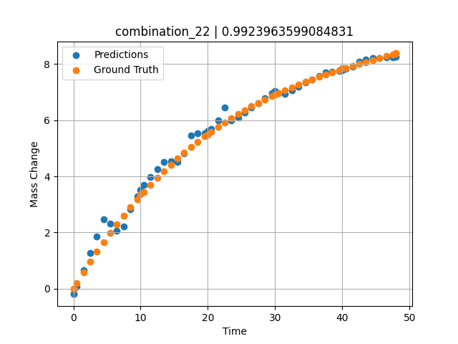
1100 | 20 | 20 | 0 | 20 | 20 | 20 | 0 | 0 | 1.48949 | 0.58439 | 0.6599445343
1100 | 20 | 20 | 0 | 20 | 20 | 20 | 0 | 0 | 2.4985 | 0.9555 | 1.2617464066
1100 | 20 | 20 | 0 | 20 | 20 | 20 | 0 | 0 | 3.50751 | 1.3131 | 1.8643565178
1100 | 20 | 20 | 0 | 20 | 20 | 20 | 0 | 0 | 4.51652 | 1.6575 | 2.4669618607
1100 | 20 | 20 | 0 | 20 | 20 | 20 | 0 | 0 | 5.5015 | 1.98132 | 2.3078780174
1100 | 20 | 20 | 0 | 20 | 20 | 20 | 0 | 0 | 6.48649 | 2.29304 | 2.0646510124
1100 | 20 | 20 | 0 | 20 | 20 | 20 | 0 | 0 | 7.4955 | 2.60028 | 2.2179174423
1100 | 20 | 20 | 0 | 20 | 20 | 20 | 0 | 0 | 8.5045 | 2.89555 | 2.8164944649
1100 | 20 | 20 | 0 | 20 | 20 | 20 | 0 | 0 | 9.51351 | 3.17915 | 3.2900459766
1100 | 20 | 20 | 0 | 20 | 20 | 20 | 0 | 0 | 10.47476 | 3.43876 | 3.70672822
1100 | 20 | 20 | 0 | 20 | 20 | 20 | 0 | 0 | 11.48348 | 3.7004 | 3.9867012501
1100 | 20 | 20 | 0 | 20 | 20 | 20 | 0 | 0 | 12.49249 | 3.95137 | 4.2566900253
1100 | 20 | 20 | 0 | 20 | 20 | 20 | 0 | 0 | 13.5015 | 4.1919 | 4.5059700012
1100 | 20 | 20 | 0 | 20 | 20 | 20 | 0 | 0 | 14.51051 | 4.4223 | 4.5414948463
1100 | 20 | 20 | 0 | 20 | 20 | 20 | 0 | 0 | 15.4955 | 4.63778 | 4.5174093246
1100 | 20 | 20 | 0 | 20 | 20 | 20 | 0 | 0 | 16.48048 | 4.84412 | 4.827229023
1100 | 20 | 20 | 0 | 20 | 20 | 20 | 0 | 0 | 17.48949 | 5.04642 | 5.4480714798
1100 | 20 | 20 | 0 | 20 | 20 | 20 | 0 | 0 | 18.4985 | 5.23981 | 5.5331172943
1100 | 20 | 20 | 0 | 20 | 20 | 20 | 0 | 0 | 19.50751 | 5.42461 | 5.5415649414
1100 | 20 | 20 | 0 | 20 | 20 | 20 | 0 | 0 | 20.49304 | 5.59708 | 5.6837911606
1100 | 20 | 20 | 0 | 20 | 20 | 20 | 0 | 0 | 21.5015 | 5.76578 | 5.9938173294
1100 | 20 | 20 | 0 | 20 | 20 | 20 | 0 | 0 | 22.48649 | 5.92305 | 6.4441576004
1100 | 20 | 20 | 0 | 20 | 20 | 20 | 0 | 0 | 23.4955 | 6.07691 | 5.9909620285
1100 | 20 | 20 | 0 | 20 | 20 | 20 | 0 | 0 | 24.5045 | 6.22371 | 6.1008696556
1100 | 20 | 20 | 0 | 20 | 20 | 20 | 0 | 0 | 25.51351 | 6.36376 | 6.2753767967
1100 | 20 | 20 | 0 | 20 | 20 | 20 | 0 | 0 | 26.4985 | 6.49429 | 6.4457302094
1100 | 20 | 20 | 0 | 20 | 20 | 20 | 0 | 0 | 27.48348 | 6.61891 | 6.6160821915
1100 | 20 | 20 | 0 | 20 | 20 | 20 | 0 | 0 | 28.49249 | 6.74084 | 6.7905921936
1100 | 20 | 20 | 0 | 20 | 20 | 20 | 0 | 0 | 29.5015 | 6.85724 | 6.9650988579
1100 | 20 | 20 | 0 | 20 | 20 | 20 | 0 | 0 | 30.48731 | 6.96591 | 6.9662966728
1100 | 20 | 20 | 0 | 20 | 20 | 20 | 0 | 0 | 31.4955 | 7.07225 | 6.9412679672
1100 | 20 | 20 | 0 | 20 | 20 | 20 | 0 | 0 | 32.48048 | 7.17165 | 7.0680332184
1100 | 20 | 20 | 0 | 20 | 20 | 20 | 0 | 0 | 33.48949 | 7.26924 | 7.1971569061
1100 | 20 | 20 | 0 | 20 | 20 | 20 | 0 | 0 | 34.4985 | 7.36284 | 7.3365502357
1100 | 20 | 20 | 0 | 20 | 20 | 20 | 0 | 0 | 35.50751 | 7.45277 | 7.45860672
1100 | 20 | 20 | 0 | 20 | 20 | 20 | 0 | 0 | 36.51652 | 7.53932 | 7.5741267204
1100 | 20 | 20 | 0 | 20 | 20 | 20 | 0 | 0 | 37.5015 | 7.62086 | 7.71332407
1100 | 20 | 20 | 0 | 20 | 20 | 20 | 0 | 0 | 38.48649 | 7.69975 | 7.7188429832
1100 | 20 | 20 | 0 | 20 | 20 | 20 | 0 | 0 | 39.4955 | 7.77816 | 7.7527227402
1100 | 20 | 20 | 0 | 20 | 20 | 20 | 0 | 0 | 40.48157 | 7.8527 | 7.8243055344
1100 | 20 | 20 | 0 | 20 | 20 | 20 | 0 | 0 | 41.51351 | 7.92883 | 7.9188661575
1100 | 20 | 20 | 0 | 20 | 20 | 20 | 0 | 0 | 42.4985 | 8.00001 | 8.0894584656
1100 | 20 | 20 | 0 | 20 | 20 | 20 | 0 | 0 | 43.48348 | 8.07001 | 8.1744117737
1100 | 20 | 20 | 0 | 20 | 20 | 20 | 0 | 0 | 44.49249 | 8.14082 | 8.20520401
1100 | 20 | 20 | 0 | 20 | 20 | 20 | 0 | 0 | 45.5015 | 8.21101 | 8.2230176926
1100 | 20 | 20 | 0 | 20 | 20 | 20 | 0 | 0 | 46.51616 | 8.28129 | 8.2370872498
1100 | 20 | 20 | 0 | 20 | 20 | 20 | 0 | 0 | 47.4955 | 8.34913 | 8.2506685257
1100 | 20 | 20 | 0 | 20 | 20 | 20 | 0 | 0 | 48 | 8.38416 | 8.2576646805

combination_23
1100.0, 20.0, 0.0, 20.0, 20.0, 20.0, 20.0, 0.0
Temperature [C] | Mo [at%] | Nb [at%] | Ta [at%] | Ti [at%] | Cr [at%] | Al [at%] | W [at%] | Zr [at%] | Time [h] | Mass Change [mg.cm2] | Mass change - predictions
1100 | 20 | 0 | 20 | 20 | 20 | 20 | 0 | 0 | 0 | 0 | -1.0591182709
1100 | 20 | 0 | 20 | 20 | 20 | 20 | 0 | 0 | 10 | 1.5123287671 | 0.82156944275
1100 | 20 | 0 | 20 | 20 | 20 | 20 | 0 | 0 | 20 | 2.0164383562 | 1.8807106018
1100 | 20 | 0 | 20 | 20 | 20 | 20 | 0 | 0 | 30 | 2.4109589041 | 2.5851840973
1100 | 20 | 0 | 20 | 20 | 20 | 20 | 0 | 0 | 40 | 2.7178082192 | 2.7497472763
1100 | 20 | 0 | 20 | 20 | 20 | 20 | 0 | 0 | 48 | 3.002739726 | 2.5091495514
1100 | 20 | 0 | 20 | 20 | 20 | 20 | 0 | 0 | 0 | 0 | -1.0591182709
1100 | 20 | 0 | 20 | 20 | 20 | 20 | 0 | 0 | 0.48048 | 0.11006 | -0.73980712891
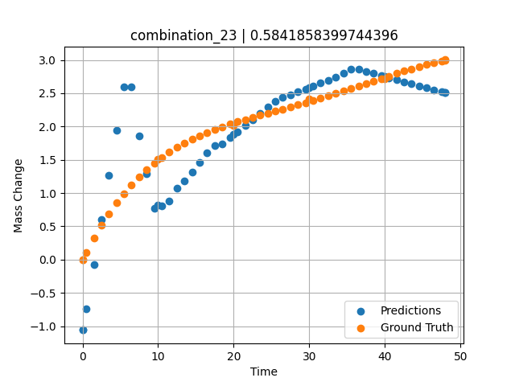
1100 | 20 | 0 | 20 | 20 | 20 | 20 | 0 | 0 | 1.48949 | 0.32168 | -0.06925868988
1100 | 20 | 0 | 20 | 20 | 20 | 20 | 0 | 0 | 2.4985 | 0.51495 | 0.60128593445
1100 | 20 | 0 | 20 | 20 | 20 | 20 | 0 | 0 | 3.50751 | 0.69112 | 1.2718334198
1100 | 20 | 0 | 20 | 20 | 20 | 20 | 0 | 0 | 4.51652 | 0.85139 | 1.9423818588
1100 | 20 | 0 | 20 | 20 | 20 | 20 | 0 | 0 | 5.5015 | 0.99367 | 2.5969629288
1100 | 20 | 0 | 20 | 20 | 20 | 20 | 0 | 0 | 6.48649 | 1.12287 | 2.5926609039
1100 | 20 | 0 | 20 | 20 | 20 | 20 | 0 | 0 | 7.4955 | 1.24285 | 1.8610882759
1100 | 20 | 0 | 20 | 20 | 20 | 20 | 0 | 0 | 8.5045 | 1.3513 | 1.2919378281
1100 | 20 | 0 | 20 | 20 | 20 | 20 | 0 | 0 | 9.51351 | 1.44923 | 0.77533626556
1100 | 20 | 0 | 20 | 20 | 20 | 20 | 0 | 0 | 10.47476 | 1.5336 | 0.80378627777
1100 | 20 | 0 | 20 | 20 | 20 | 20 | 0 | 0 | 11.48348 | 1.61366 | 0.88083934784
1100 | 20 | 0 | 20 | 20 | 20 | 20 | 0 | 0 | 12.49249 | 1.68593 | 1.0676074028
1100 | 20 | 0 | 20 | 20 | 20 | 20 | 0 | 0 | 13.5015 | 1.75122 | 1.181479454
1100 | 20 | 0 | 20 | 20 | 20 | 20 | 0 | 0 | 14.51051 | 1.81031 | 1.3178272247
1100 | 20 | 0 | 20 | 20 | 20 | 20 | 0 | 0 | 15.4955 | 1.86275 | 1.4629631042
1100 | 20 | 0 | 20 | 20 | 20 | 20 | 0 | 0 | 16.48048 | 1.91063 | 1.6053762436
1100 | 20 | 0 | 20 | 20 | 20 | 20 | 0 | 0 | 17.48949 | 1.95565 | 1.7088904381
1100 | 20 | 0 | 20 | 20 | 20 | 20 | 0 | 0 | 18.4985 | 1.99719 | 1.7339687347
1100 | 20 | 0 | 20 | 20 | 20 | 20 | 0 | 0 | 19.50751 | 2.03585 | 1.8360767365
1100 | 20 | 0 | 20 | 20 | 20 | 20 | 0 | 0 | 20.49304 | 2.07132 | 1.9253845215
1100 | 20 | 0 | 20 | 20 | 20 | 20 | 0 | 0 | 21.5015 | 2.1058 | 2.0167655945
1100 | 20 | 0 | 20 | 20 | 20 | 20 | 0 | 0 | 22.48649 | 2.13811 | 2.1060228348
1100 | 20 | 0 | 20 | 20 | 20 | 20 | 0 | 0 | 23.4955 | 2.17023 | 2.1974554062
1100 | 20 | 0 | 20 | 20 | 20 | 20 | 0 | 0 | 24.5045 | 2.20173 | 2.2888889313
1100 | 20 | 0 | 20 | 20 | 20 | 20 | 0 | 0 | 25.51604 | 2.23302 | 2.3805656433
1100 | 20 | 0 | 20 | 20 | 20 | 20 | 0 | 0 | 26.4985 | 2.26341 | 2.4395275116
1100 | 20 | 0 | 20 | 20 | 20 | 20 | 0 | 0 | 27.48348 | 2.29411 | 2.4801921844
1100 | 20 | 0 | 20 | 20 | 20 | 20 | 0 | 0 | 28.49249 | 2.32601 | 2.5218553543
1100 | 20 | 0 | 20 | 20 | 20 | 20 | 0 | 0 | 29.5015 | 2.35853 | 2.5635223389
1100 | 20 | 0 | 20 | 20 | 20 | 20 | 0 | 0 | 30.48731 | 2.39102 | 2.6068487167
1100 | 20 | 0 | 20 | 20 | 20 | 20 | 0 | 0 | 31.4955 | 2.42505 | 2.6516628265
1100 | 20 | 0 | 20 | 20 | 20 | 20 | 0 | 0 | 32.48048 | 2.45913 | 2.695441246
1100 | 20 | 0 | 20 | 20 | 20 | 20 | 0 | 0 | 33.48949 | 2.4949 | 2.7405672073
1100 | 20 | 0 | 20 | 20 | 20 | 20 | 0 | 0 | 34.4985 | 2.53149 | 2.797416687
1100 | 20 | 0 | 20 | 20 | 20 | 20 | 0 | 0 | 35.50751 | 2.56882 | 2.8584365845
1100 | 20 | 0 | 20 | 20 | 20 | 20 | 0 | 0 | 36.51652 | 2.60677 | 2.8601884842
1100 | 20 | 0 | 20 | 20 | 20 | 20 | 0 | 0 | 37.5015 | 2.64424 | 2.8277387619
1100 | 20 | 0 | 20 | 20 | 20 | 20 | 0 | 0 | 38.48396 | 2.68184 | 2.7966327667
1100 | 20 | 0 | 20 | 20 | 20 | 20 | 0 | 0 | 39.4955 | 2.72055 | 2.7653455734
1100 | 20 | 0 | 20 | 20 | 20 | 20 | 0 | 0 | 40.48157 | 2.758 | 2.7348508835
1100 | 20 | 0 | 20 | 20 | 20 | 20 | 0 | 0 | 41.51351 | 2.79655 | 2.7029266357
1100 | 20 | 0 | 20 | 20 | 20 | 20 | 0 | 0 | 42.4985 | 2.83237 | 2.6724557877
1100 | 20 | 0 | 20 | 20 | 20 | 20 | 0 | 0 | 43.48348 | 2.86684 | 2.6419944763
1100 | 20 | 0 | 20 | 20 | 20 | 20 | 0 | 0 | 44.49249 | 2.9003 | 2.6107826233
1100 | 20 | 0 | 20 | 20 | 20 | 20 | 0 | 0 | 45.5015 | 2.9314 | 2.580821991
1100 | 20 | 0 | 20 | 20 | 20 | 20 | 0 | 0 | 46.51051 | 2.9596 | 2.5518808365
1100 | 20 | 0 | 20 | 20 | 20 | 20 | 0 | 0 | 47.4955 | 2.98377 | 2.5236215591
1100 | 20 | 0 | 20 | 20 | 20 | 20 | 0 | 0 | 48 | 2.99484 | 2.5091495514

combination_24
1000.0, 20.0, 0.0, 20.0, 20.0, 20.0, 20.0, 20.0
Temperature [C] | Mo [at%] | Nb [at%] | Ta [at%] | Ti [at%] | Cr [at%] | Al [at%] | W [at%] | Zr [at%] | Time [h] | Mass Change [mg.cm2] | Mass change - predictions
1000 | 20 | 0 | 20 | 20 | 20 | 20 | 20 | 0 | 0 | 0 | 0.67866897583
1000 | 20 | 0 | 20 | 20 | 20 | 20 | 20 | 0 | 5 | 4.2 | 3.3808784485
1000 | 20 | 0 | 20 | 20 | 20 | 20 | 20 | 0 | 10 | 5.3 | 5.1651954651
1000 | 20 | 0 | 20 | 20 | 20 | 20 | 20 | 0 | 15 | 6 | 6.0664844513
1000 | 20 | 0 | 20 | 20 | 20 | 20 | 20 | 0 | 20 | 6.4 | 6.8748130798
1000 | 20 | 0 | 20 | 20 | 20 | 20 | 20 | 0 | 25 | 6.8 | 7.2768249512
1000 | 20 | 0 | 20 | 20 | 20 | 20 | 20 | 0 | 30 | 7.2 | 7.441192627
1000 | 20 | 0 | 20 | 20 | 20 | 20 | 20 | 0 | 35 | 7.6 | 7.4546499252
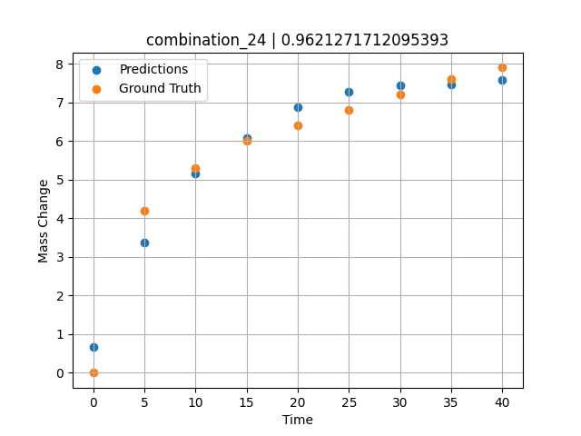
1000 | 20 | 0 | 20 | 20 | 20 | 20 | 20 | 0 | 40 | 7.9 | 7.5706110001

combination_25
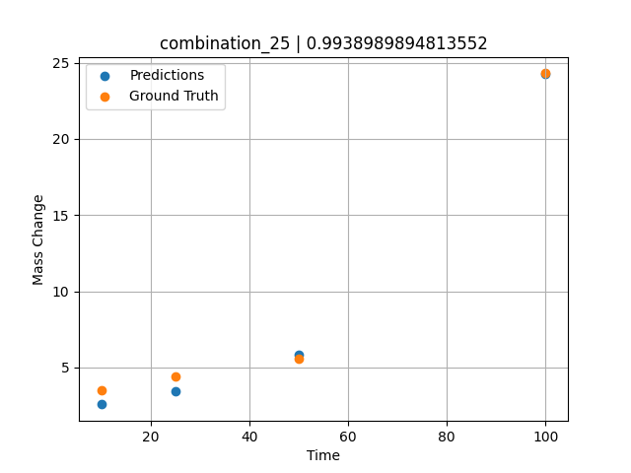
1000.0, 0.0, 0.0, 32.0, 32.0, 32.0, 4.0, 0.0
Temperature [C] | Mo [at%] | Nb [at%] | Ta [at%] | Ti [at%] | Cr [at%] | Al [at%] | W [at%] | Zr [at%] | Time [h] | Mass Change [mg.cm2] | Mass change - predictions
1000 | 0 | 0 | 32 | 32 | 32 | 4 | 0 | 0 | 100 | 24.3 | 24.246084213
1000 | 0 | 0 | 32 | 32 | 32 | 4 | 0 | 0 | 50 | 5.6 | 5.8610057831
1000 | 0 | 0 | 32 | 32 | 32 | 4 | 0 | 0 | 25 | 4.4 | 3.4602937698
1000 | 0 | 0 | 32 | 32 | 32 | 4 | 0 | 0 | 10 | 3.5 | 2.5762329102

combination_26
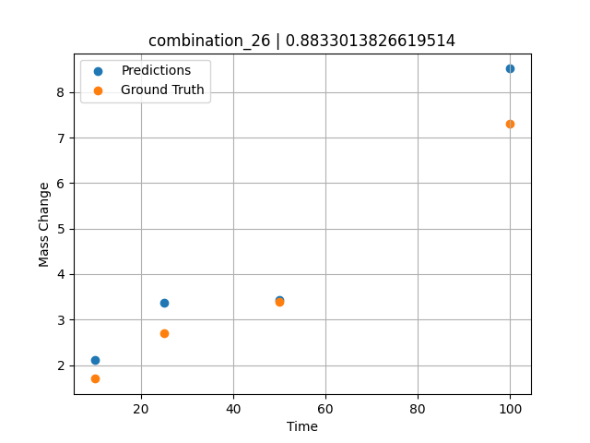
1000.0, 0.0, 0.0, 31.0, 31.0, 31.0, 9.0, 0.0
Temperature [C] | Mo [at%] | Nb [at%] | Ta [at%] | Ti [at%] | Cr [at%] | Al [at%] | W [at%] | Zr [at%] | Time [h] | Mass Change [mg.cm2] | Mass change - predictions
1000 | 0 | 0 | 31 | 31 | 31 | 9 | 0 | 0 | 100 | 7.3 | 8.5131788254
1000 | 0 | 0 | 31 | 31 | 31 | 9 | 0 | 0 | 50 | 3.4 | 3.4257745743
1000 | 0 | 0 | 31 | 31 | 31 | 9 | 0 | 0 | 25 | 2.7 | 3.3745479584
1000 | 0 | 0 | 31 | 31 | 31 | 9 | 0 | 0 | 10 | 1.7 | 2.1198835373

combination_27
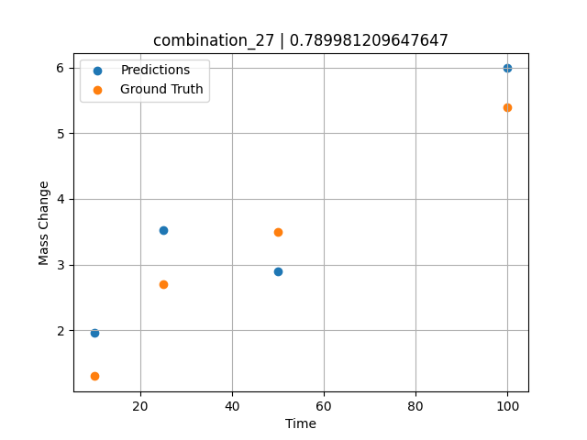
1000.0, 0.0, 0.0, 30.0, 30.0, 30.0, 10.0, 0.0
Temperature [C] | Mo [at%] | Nb [at%] | Ta [at%] | Ti [at%] | Cr [at%] | Al [at%] | W [at%] | Zr [at%] | Time [h] | Mass Change [mg.cm2] | Mass change - predictions
1000 | 0 | 0 | 30 | 30 | 30 | 10 | 0 | 0 | 100 | 5.4 | 5.9887371063
1000 | 0 | 0 | 30 | 30 | 30 | 10 | 0 | 0 | 50 | 3.5 | 2.8897600174
1000 | 0 | 0 | 30 | 30 | 30 | 10 | 0 | 0 | 25 | 2.7 | 3.5251140594
1000 | 0 | 0 | 30 | 30 | 30 | 10 | 0 | 0 | 10 | 1.3 | 1.9676246643

combination_28
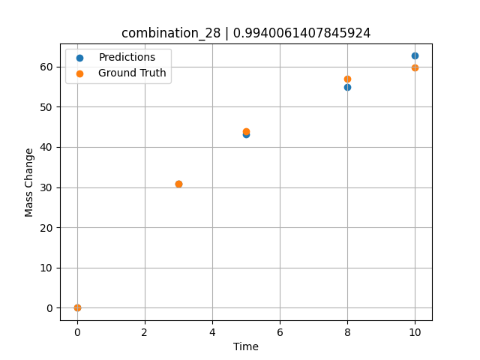
1000.0, 25.0, 25.0, 25.0, 0.0, 0.0, 0.0, 25.0
Temperature [C] | Mo [at%] | Nb [at%] | Ta [at%] | Ti [at%] | Cr [at%] | Al [at%] | W [at%] | Zr [at%] | Time [h] | Mass Change [mg.cm2] | Mass change - predictions
1000 | 25 | 25 | 25 | 0 | 0 | 0 | 25 | 0 | 0 | 0 | 0.012665271759
1000 | 25 | 25 | 25 | 0 | 0 | 0 | 25 | 0 | 3 | 30.8 | 30.797523499
1000 | 25 | 25 | 25 | 0 | 0 | 0 | 25 | 0 | 5 | 44 | 43.149368286
1000 | 25 | 25 | 25 | 0 | 0 | 0 | 25 | 0 | 8 | 57 | 54.870307922
1000 | 25 | 25 | 25 | 0 | 0 | 0 | 25 | 0 | 10 | 59.7 | 62.684265137

combination_29
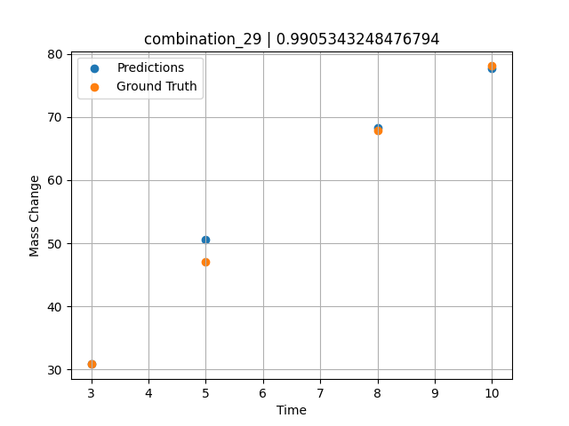
1000.0, 20.0, 20.0, 20.0, 20.0, 0.0, 0.0, 20.0
Temperature [C] | Mo [at%] | Nb [at%] | Ta [at%] | Ti [at%] | Cr [at%] | Al [at%] | W [at%] | Zr [at%] | Time [h] | Mass Change [mg.cm2] | Mass change - predictions
1000 | 20 | 20 | 20 | 20 | 0 | 0 | 20 | 0 | 3 | 30.8 | 30.820001602
1000 | 20 | 20 | 20 | 20 | 0 | 0 | 20 | 0 | 5 | 47.1 | 50.628700256
1000 | 20 | 20 | 20 | 20 | 0 | 0 | 20 | 0 | 8 | 67.9 | 68.268226624
1000 | 20 | 20 | 20 | 20 | 0 | 0 | 20 | 0 | 10 | 78.1 | 77.730293274

combination_30
1000.0, 10.0, 21.8, 11.9, 19.4, 18.4, 0.0, 0.0
Temperature [C] | Mo [at%] | Nb [at%] | Ta [at%] | Ti [at%] | Cr [at%] | Al [at%] | W [at%] | Zr [at%] | Time [h] | Mass Change [mg.cm2] | Mass change - predictions
1000 | 10 | 21.8 | 11.9 | 19.4 | 18.4 | 0 | 0 | 18.5 | 100 | 119 | 117.67736053
1000 | 10 | 21.8 | 11.9 | 19.4 | 18.4 | 0 | 0 | 18.5 | 24 | 50 | 52.765632629
1000 | 10 | 21.8 | 11.9 | 19.4 | 18.4 | 0 | 0 | 18.5 | 4 | 22 | 17.956851959
1000 | 10 | 21.8 | 11.9 | 19.4 | 18.4 | 0 | 0 | 18.5 | 2 | 15 | 12.947063446
1000 | 10 | 21.8 | 11.9 | 19.4 | 18.4 | 0 | 0 | 18.5 | 1 | 10 | 9.7597961426
1000 | 10 | 21.8 | 11.9 | 19.4 | 18.4 | 0 | 0 | 18.5 | 0 | 0 | 1.9819278717
1000 | 10 | 21.8 | 11.9 | 19.4 | 18.4 | 0 | 0 | 18.5 | 0.45045 | 7.87724 | 6.2007160187
1000 | 10 | 21.8 | 11.9 | 19.4 | 18.4 | 0 | 0 | 18.5 | 1.45145 | 10.49835 | 11.239393234
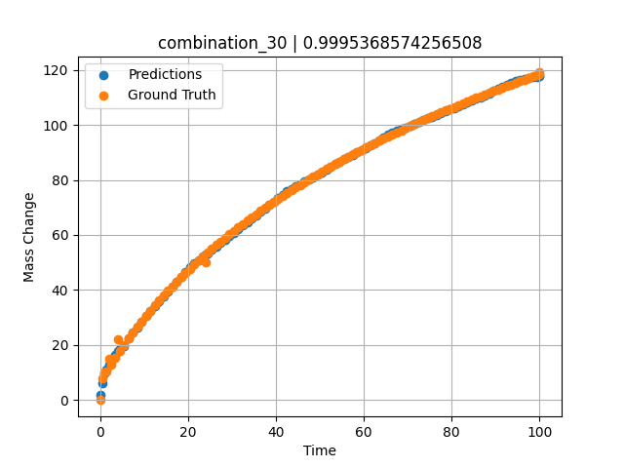
1000 | 10 | 21.8 | 11.9 | 19.4 | 18.4 | 0 | 0 | 18.5 | 2.45245 | 13.02627 | 14.080411911
1000 | 10 | 21.8 | 11.9 | 19.4 | 18.4 | 0 | 0 | 18.5 | 3.45345 | 15.46739 | 16.587806702
1000 | 10 | 21.8 | 11.9 | 19.4 | 18.4 | 0 | 0 | 18.5 | 4.45445 | 17.82748 | 18.640441895
1000 | 10 | 21.8 | 11.9 | 19.4 | 18.4 | 0 | 0 | 18.5 | 5.45546 | 20.11174 | 19.456741333
1000 | 10 | 21.8 | 11.9 | 19.4 | 18.4 | 0 | 0 | 18.5 | 6.45646 | 22.32489 | 22.378259659
1000 | 10 | 21.8 | 11.9 | 19.4 | 18.4 | 0 | 0 | 18.5 | 7.45746 | 24.47124 | 24.436328888
1000 | 10 | 21.8 | 11.9 | 19.4 | 18.4 | 0 | 0 | 18.5 | 8.45846 | 26.55469 | 26.485937119
1000 | 10 | 21.8 | 11.9 | 19.4 | 18.4 | 0 | 0 | 18.5 | 9.45946 | 28.57883 | 28.535066605
1000 | 10 | 21.8 | 11.9 | 19.4 | 18.4 | 0 | 0 | 18.5 | 10.46046 | 30.54693 | 30.584207535
1000 | 10 | 21.8 | 11.9 | 19.4 | 18.4 | 0 | 0 | 18.5 | 11.46146 | 32.46203 | 32.39377594
1000 | 10 | 21.8 | 11.9 | 19.4 | 18.4 | 0 | 0 | 18.5 | 12.46246 | 34.3269 | 34.148094177
1000 | 10 | 21.8 | 11.9 | 19.4 | 18.4 | 0 | 0 | 18.5 | 13.46346 | 36.14411 | 35.902427673
1000 | 10 | 21.8 | 11.9 | 19.4 | 18.4 | 0 | 0 | 18.5 | 14.46446 | 37.91603 | 37.65675354
1000 | 10 | 21.8 | 11.9 | 19.4 | 18.4 | 0 | 0 | 18.5 | 15.46547 | 39.64487 | 39.411102295
1000 | 10 | 21.8 | 11.9 | 19.4 | 18.4 | 0 | 0 | 18.5 | 16.46647 | 41.33267 | 41.165428162
1000 | 10 | 21.8 | 11.9 | 19.4 | 18.4 | 0 | 0 | 18.5 | 17.46747 | 42.98133 | 42.919754028
1000 | 10 | 21.8 | 11.9 | 19.4 | 18.4 | 0 | 0 | 18.5 | 18.46847 | 44.59264 | 44.674087524
1000 | 10 | 21.8 | 11.9 | 19.4 | 18.4 | 0 | 0 | 18.5 | 19.46947 | 46.16824 | 46.428421021
1000 | 10 | 21.8 | 11.9 | 19.4 | 18.4 | 0 | 0 | 18.5 | 20.47047 | 47.70968 | 48.182739258
1000 | 10 | 21.8 | 11.9 | 19.4 | 18.4 | 0 | 0 | 18.5 | 21.47147 | 49.21842 | 49.765708923
1000 | 10 | 21.8 | 11.9 | 19.4 | 18.4 | 0 | 0 | 18.5 | 22.47247 | 50.6958 | 50.918685913
1000 | 10 | 21.8 | 11.9 | 19.4 | 18.4 | 0 | 0 | 18.5 | 23.47347 | 52.14312 | 52.1251297
1000 | 10 | 21.8 | 11.9 | 19.4 | 18.4 | 0 | 0 | 18.5 | 24.47447 | 53.56157 | 53.358795166
1000 | 10 | 21.8 | 11.9 | 19.4 | 18.4 | 0 | 0 | 18.5 | 25.47548 | 54.95227 | 54.610214233
1000 | 10 | 21.8 | 11.9 | 19.4 | 18.4 | 0 | 0 | 18.5 | 26.47648 | 56.31629 | 55.861610413
1000 | 10 | 21.8 | 11.9 | 19.4 | 18.4 | 0 | 0 | 18.5 | 27.47748 | 57.65464 | 57.113021851
1000 | 10 | 21.8 | 11.9 | 19.4 | 18.4 | 0 | 0 | 18.5 | 28.47848 | 58.96827 | 58.36441803
1000 | 10 | 21.8 | 11.9 | 19.4 | 18.4 | 0 | 0 | 18.5 | 29.47948 | 60.25807 | 59.615829468
1000 | 10 | 21.8 | 11.9 | 19.4 | 18.4 | 0 | 0 | 18.5 | 30.48048 | 61.52489 | 60.867225647
1000 | 10 | 21.8 | 11.9 | 19.4 | 18.4 | 0 | 0 | 18.5 | 31.48148 | 62.76953 | 62.118637085
1000 | 10 | 21.8 | 11.9 | 19.4 | 18.4 | 0 | 0 | 18.5 | 32.48248 | 63.99277 | 63.370040894
1000 | 10 | 21.8 | 11.9 | 19.4 | 18.4 | 0 | 0 | 18.5 | 33.48348 | 65.19531 | 64.621444702
1000 | 10 | 21.8 | 11.9 | 19.4 | 18.4 | 0 | 0 | 18.5 | 34.48448 | 66.37786 | 65.872840881
1000 | 10 | 21.8 | 11.9 | 19.4 | 18.4 | 0 | 0 | 18.5 | 35.48549 | 67.54107 | 67.124259949
1000 | 10 | 21.8 | 11.9 | 19.4 | 18.4 | 0 | 0 | 18.5 | 36.48649 | 68.68555 | 68.375663757
1000 | 10 | 21.8 | 11.9 | 19.4 | 18.4 | 0 | 0 | 18.5 | 37.48749 | 69.8119 | 69.627067566
1000 | 10 | 21.8 | 11.9 | 19.4 | 18.4 | 0 | 0 | 18.5 | 38.48849 | 70.92069 | 70.878471375
1000 | 10 | 21.8 | 11.9 | 19.4 | 18.4 | 0 | 0 | 18.5 | 39.48949 | 72.01245 | 72.129875183
1000 | 10 | 21.8 | 11.9 | 19.4 | 18.4 | 0 | 0 | 18.5 | 40.49049 | 73.08771 | 73.381286621
1000 | 10 | 21.8 | 11.9 | 19.4 | 18.4 | 0 | 0 | 18.5 | 41.49149 | 74.14695 | 74.6326828
1000 | 10 | 21.8 | 11.9 | 19.4 | 18.4 | 0 | 0 | 18.5 | 42.49249 | 75.19064 | 75.884086609
1000 | 10 | 21.8 | 11.9 | 19.4 | 18.4 | 0 | 0 | 18.5 | 43.49349 | 76.21923 | 76.799751282
1000 | 10 | 21.8 | 11.9 | 19.4 | 18.4 | 0 | 0 | 18.5 | 44.49449 | 77.23316 | 77.652511597
1000 | 10 | 21.8 | 11.9 | 19.4 | 18.4 | 0 | 0 | 18.5 | 45.4955 | 78.23283 | 78.505271912
1000 | 10 | 21.8 | 11.9 | 19.4 | 18.4 | 0 | 0 | 18.5 | 46.4965 | 79.21865 | 79.358024597
1000 | 10 | 21.8 | 11.9 | 19.4 | 18.4 | 0 | 0 | 18.5 | 47.4975 | 80.19098 | 80.210777283
1000 | 10 | 21.8 | 11.9 | 19.4 | 18.4 | 0 | 0 | 18.5 | 48.4985 | 81.1502 | 81.063529968
1000 | 10 | 21.8 | 11.9 | 19.4 | 18.4 | 0 | 0 | 18.5 | 49.4995 | 82.09665 | 81.916282654
1000 | 10 | 21.8 | 11.9 | 19.4 | 18.4 | 0 | 0 | 18.5 | 50.5005 | 83.03067 | 82.76902771
1000 | 10 | 21.8 | 11.9 | 19.4 | 18.4 | 0 | 0 | 18.5 | 51.5015 | 83.95258 | 83.837158203
1000 | 10 | 21.8 | 11.9 | 19.4 | 18.4 | 0 | 0 | 18.5 | 52.5025 | 84.86269 | 84.943367004
1000 | 10 | 21.8 | 11.9 | 19.4 | 18.4 | 0 | 0 | 18.5 | 53.5035 | 85.76129 | 85.83921051
1000 | 10 | 21.8 | 11.9 | 19.4 | 18.4 | 0 | 0 | 18.5 | 54.5045 | 86.64869 | 86.656013489
1000 | 10 | 21.8 | 11.9 | 19.4 | 18.4 | 0 | 0 | 18.5 | 55.50551 | 87.52515 | 87.472824097
1000 | 10 | 21.8 | 11.9 | 19.4 | 18.4 | 0 | 0 | 18.5 | 56.50651 | 88.39093 | 88.289627075
1000 | 10 | 21.8 | 11.9 | 19.4 | 18.4 | 0 | 0 | 18.5 | 57.50751 | 89.2463 | 89.106422424
1000 | 10 | 21.8 | 11.9 | 19.4 | 18.4 | 0 | 0 | 18.5 | 58.50851 | 90.0915 | 89.923240662
1000 | 10 | 21.8 | 11.9 | 19.4 | 18.4 | 0 | 0 | 18.5 | 59.50951 | 90.92678 | 90.74004364
1000 | 10 | 21.8 | 11.9 | 19.4 | 18.4 | 0 | 0 | 18.5 | 60.51051 | 91.75236 | 91.556838989
1000 | 10 | 21.8 | 11.9 | 19.4 | 18.4 | 0 | 0 | 18.5 | 61.51151 | 92.56846 | 92.419013977
1000 | 10 | 21.8 | 11.9 | 19.4 | 18.4 | 0 | 0 | 18.5 | 62.51251 | 93.3753 | 93.355140686
1000 | 10 | 21.8 | 11.9 | 19.4 | 18.4 | 0 | 0 | 18.5 | 63.51351 | 94.17309 | 94.291275024
1000 | 10 | 21.8 | 11.9 | 19.4 | 18.4 | 0 | 0 | 18.5 | 64.51451 | 94.96203 | 95.317176819
1000 | 10 | 21.8 | 11.9 | 19.4 | 18.4 | 0 | 0 | 18.5 | 65.51552 | 95.74232 | 96.443687439
1000 | 10 | 21.8 | 11.9 | 19.4 | 18.4 | 0 | 0 | 18.5 | 66.51652 | 96.51413 | 97.19468689
1000 | 10 | 21.8 | 11.9 | 19.4 | 18.4 | 0 | 0 | 18.5 | 67.51752 | 97.27766 | 97.838310242
1000 | 10 | 21.8 | 11.9 | 19.4 | 18.4 | 0 | 0 | 18.5 | 68.51852 | 98.03307 | 98.481933594
1000 | 10 | 21.8 | 11.9 | 19.4 | 18.4 | 0 | 0 | 18.5 | 69.51952 | 98.78054 | 99.125572205
1000 | 10 | 21.8 | 11.9 | 19.4 | 18.4 | 0 | 0 | 18.5 | 70.52052 | 99.52024 | 99.769195557
1000 | 10 | 21.8 | 11.9 | 19.4 | 18.4 | 0 | 0 | 18.5 | 71.52152 | 100.25233 | 100.41283417
1000 | 10 | 21.8 | 11.9 | 19.4 | 18.4 | 0 | 0 | 18.5 | 72.52252 | 100.97695 | 101.05645752
1000 | 10 | 21.8 | 11.9 | 19.4 | 18.4 | 0 | 0 | 18.5 | 73.52352 | 101.69426 | 101.70008087
1000 | 10 | 21.8 | 11.9 | 19.4 | 18.4 | 0 | 0 | 18.5 | 74.52452 | 102.40441 | 102.34371948
1000 | 10 | 21.8 | 11.9 | 19.4 | 18.4 | 0 | 0 | 18.5 | 75.52553 | 103.10754 | 102.98735046
1000 | 10 | 21.8 | 11.9 | 19.4 | 18.4 | 0 | 0 | 18.5 | 76.52653 | 103.80378 | 103.63098907
1000 | 10 | 21.8 | 11.9 | 19.4 | 18.4 | 0 | 0 | 18.5 | 77.52753 | 104.49327 | 104.27462006
1000 | 10 | 21.8 | 11.9 | 19.4 | 18.4 | 0 | 0 | 18.5 | 78.52853 | 105.17615 | 104.91825104
1000 | 10 | 21.8 | 11.9 | 19.4 | 18.4 | 0 | 0 | 18.5 | 79.52953 | 105.85252 | 105.56187439
1000 | 10 | 21.8 | 11.9 | 19.4 | 18.4 | 0 | 0 | 18.5 | 80.53053 | 106.52252 | 106.20550537
1000 | 10 | 21.8 | 11.9 | 19.4 | 18.4 | 0 | 0 | 18.5 | 81.53153 | 107.18627 | 106.84912872
1000 | 10 | 21.8 | 11.9 | 19.4 | 18.4 | 0 | 0 | 18.5 | 82.53253 | 107.84388 | 107.4927597
1000 | 10 | 21.8 | 11.9 | 19.4 | 18.4 | 0 | 0 | 18.5 | 83.53353 | 108.49547 | 108.13639069
1000 | 10 | 21.8 | 11.9 | 19.4 | 18.4 | 0 | 0 | 18.5 | 84.53453 | 109.14114 | 108.78003693
1000 | 10 | 21.8 | 11.9 | 19.4 | 18.4 | 0 | 0 | 18.5 | 85.53554 | 109.781 | 109.42366028
1000 | 10 | 21.8 | 11.9 | 19.4 | 18.4 | 0 | 0 | 18.5 | 86.53654 | 110.41515 | 110.06728363
1000 | 10 | 21.8 | 11.9 | 19.4 | 18.4 | 0 | 0 | 18.5 | 87.53754 | 111.04369 | 110.71091461
1000 | 10 | 21.8 | 11.9 | 19.4 | 18.4 | 0 | 0 | 18.5 | 88.53854 | 111.66673 | 111.44737244
1000 | 10 | 21.8 | 11.9 | 19.4 | 18.4 | 0 | 0 | 18.5 | 89.53954 | 112.28436 | 112.23897552
1000 | 10 | 21.8 | 11.9 | 19.4 | 18.4 | 0 | 0 | 18.5 | 90.54054 | 112.89667 | 113.0306015
1000 | 10 | 21.8 | 11.9 | 19.4 | 18.4 | 0 | 0 | 18.5 | 91.54154 | 113.50376 | 113.82221222
1000 | 10 | 21.8 | 11.9 | 19.4 | 18.4 | 0 | 0 | 18.5 | 92.54254 | 114.1057 | 114.61383057
1000 | 10 | 21.8 | 11.9 | 19.4 | 18.4 | 0 | 0 | 18.5 | 93.54354 | 114.70259 | 115.40546417
1000 | 10 | 21.8 | 11.9 | 19.4 | 18.4 | 0 | 0 | 18.5 | 94.54454 | 115.29451 | 115.91933441
1000 | 10 | 21.8 | 11.9 | 19.4 | 18.4 | 0 | 0 | 18.5 | 95.54555 | 115.88155 | 116.24188995
1000 | 10 | 21.8 | 11.9 | 19.4 | 18.4 | 0 | 0 | 18.5 | 96.54655 | 116.46378 | 116.56447601
1000 | 10 | 21.8 | 11.9 | 19.4 | 18.4 | 0 | 0 | 18.5 | 97.54755 | 117.04128 | 116.88704681
1000 | 10 | 21.8 | 11.9 | 19.4 | 18.4 | 0 | 0 | 18.5 | 98.54855 | 117.61413 | 117.20960999
1000 | 10 | 21.8 | 11.9 | 19.4 | 18.4 | 0 | 0 | 18.5 | 99.4995 | 118.15413 | 117.5160675
1000 | 10 | 21.8 | 11.9 | 19.4 | 18.4 | 0 | 0 | 18.5 | 100 | 118.43683 | 117.67736053

combination_31
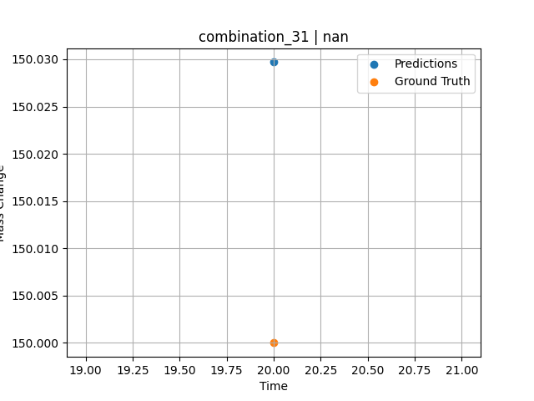
1300.0, 20.0, 21.8, 0.0, 23.5, 24.7, 10.0, 0.0
Temperature [C] | Mo [at%] | Nb [at%] | Ta [at%] | Ti [at%] | Cr [at%] | Al [at%] | W [at%] | Zr [at%] | Time [h] | Mass Change [mg.cm2] | Mass change - predictions
1300 | 20 | 21.8 | 0 | 23.5 | 24.7 | 10 | 0 | 0 | 20 | 150 | 150.0296936

combination_32
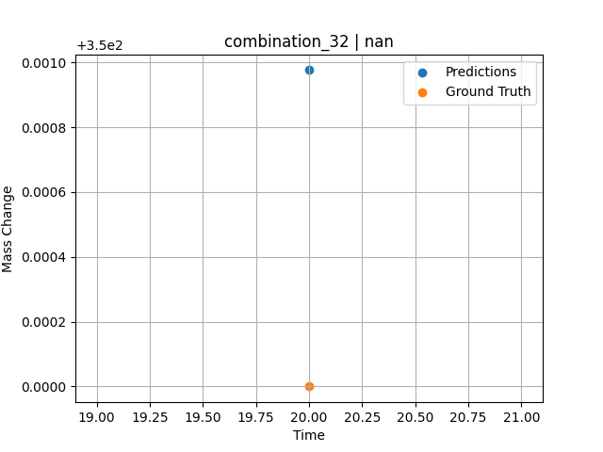
1300.0, 22.2, 22.5, 0.0, 0.0, 23.0, 10.2, 0.0
Temperature [C] | Mo [at%] | Nb [at%] | Ta [at%] | Ti [at%] | Cr [at%] | Al [at%] | W [at%] | Zr [at%] | Time [h] | Mass Change [mg.cm2] | Mass change - predictions
1300 | 22.2 | 22.5 | 0 | 0 | 23 | 10.2 | 0 | 0 | 20 | 350 | 350.00097656

combination_33
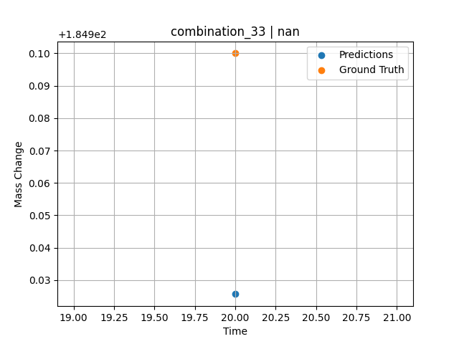
1300.0, 17.1, 17.7, 0.0, 18.3, 17.0, 7.0, 0.0
Temperature [C] | Mo [at%] | Nb [at%] | Ta [at%] | Ti [at%] | Cr [at%] | Al [at%] | W [at%] | Zr [at%] | Time [h] | Mass Change [mg.cm2] | Mass change - predictions
1300 | 17.1 | 17.7 | 0 | 18.3 | 17 | 7 | 0 | 0 | 20 | 185 | 184.9256897

combination_34
1200.0, 25.0, 0.0, 0.0, 25.0, 25.0, 25.0, 0.0
Temperature [C] | Mo [at%] | Nb [at%] | Ta [at%] | Ti [at%] | Cr [at%] | Al [at%] | W [at%] | Zr [at%] | Time [h] | Mass Change [mg.cm2] | Mass change - predictions
1200 | 25 | 0 | 0 | 25 | 25 | 25 | 0 | 0 | 0 | 0 | 1.3793792725
1200 | 25 | 0 | 0 | 25 | 25 | 25 | 0 | 0 | 0.04806 | 0.46193 | 1.4141578674
1200 | 25 | 0 | 0 | 25 | 25 | 25 | 0 | 0 | 0.1539 | 1.06217 | 1.4907503128
1200 | 25 | 0 | 0 | 25 | 25 | 25 | 0 | 0 | 0.25013 | 1.42047 | 1.560379982
1200 | 25 | 0 | 0 | 25 | 25 | 25 | 0 | 0 | 0.34637 | 1.88297 | 1.6300191879
1200 | 25 | 0 | 0 | 25 | 25 | 25 | 0 | 0 | 0.44263 | 2.2825 | 1.6996736526
1200 | 25 | 0 | 0 | 25 | 25 | 25 | 0 | 0 | 0.54853 | 2.46396 | 1.7763051987
1200 | 25 | 0 | 0 | 25 | 25 | 25 | 0 | 0 | 0.65447 | 2.55947 | 1.8529634476
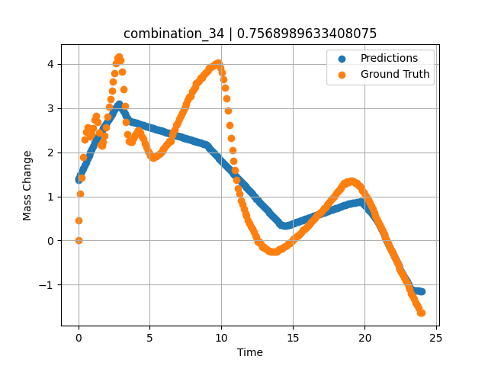
1200 | 25 | 0 | 0 | 25 | 25 | 25 | 0 | 0 | 0.7507 | 2.47177 | 1.9225978851
1200 | 25 | 0 | 0 | 25 | 25 | 25 | 0 | 0 | 0.8469 | 2.3657 | 1.9922094345
1200 | 25 | 0 | 0 | 25 | 25 | 25 | 0 | 0 | 0.94313 | 2.4103 | 2.0618400574
1200 | 25 | 0 | 0 | 25 | 25 | 25 | 0 | 0 | 1.049 | 2.5486 | 2.1384496689
1200 | 25 | 0 | 0 | 25 | 25 | 25 | 0 | 0 | 1.15483 | 2.73263 | 2.2150306702
1200 | 25 | 0 | 0 | 25 | 25 | 25 | 0 | 0 | 1.25113 | 2.81733 | 2.2847166061
1200 | 25 | 0 | 0 | 25 | 25 | 25 | 0 | 0 | 1.34743 | 2.68503 | 2.3356170654
1200 | 25 | 0 | 0 | 25 | 25 | 25 | 0 | 0 | 1.44367 | 2.43579 | 2.3854026794
1200 | 25 | 0 | 0 | 25 | 25 | 25 | 0 | 0 | 1.5495 | 2.16069 | 2.4401483536
1200 | 25 | 0 | 0 | 25 | 25 | 25 | 0 | 0 | 1.65537 | 2.14757 | 2.4949140549
1200 | 25 | 0 | 0 | 25 | 25 | 25 | 0 | 0 | 1.75163 | 2.24427 | 2.5447072983
1200 | 25 | 0 | 0 | 25 | 25 | 25 | 0 | 0 | 1.84787 | 2.37545 | 2.5944957733
1200 | 25 | 0 | 0 | 25 | 25 | 25 | 0 | 0 | 1.9442 | 2.56359 | 2.644329071
1200 | 25 | 0 | 0 | 25 | 25 | 25 | 0 | 0 | 2.05008 | 2.80846 | 2.6990966797
1200 | 25 | 0 | 0 | 25 | 25 | 25 | 0 | 0 | 2.156 | 3.02571 | 2.7538909912
1200 | 25 | 0 | 0 | 25 | 25 | 25 | 0 | 0 | 2.2523 | 3.21236 | 2.8037042618
1200 | 25 | 0 | 0 | 25 | 25 | 25 | 0 | 0 | 2.34863 | 3.40163 | 2.8535394669
1200 | 25 | 0 | 0 | 25 | 25 | 25 | 0 | 0 | 2.44487 | 3.59653 | 2.9033222198
1200 | 25 | 0 | 0 | 25 | 25 | 25 | 0 | 0 | 2.55075 | 3.79323 | 2.9581003189
1200 | 25 | 0 | 0 | 25 | 25 | 25 | 0 | 0 | 2.65663 | 4.0148 | 3.0128679276
1200 | 25 | 0 | 0 | 25 | 25 | 25 | 0 | 0 | 2.75287 | 4.13773 | 3.0626544952
1200 | 25 | 0 | 0 | 25 | 25 | 25 | 0 | 0 | 2.8492 | 4.16546 | 3.0923175812
1200 | 25 | 0 | 0 | 25 | 25 | 25 | 0 | 0 | 2.94553 | 4.08451 | 3.0412521362
1200 | 25 | 0 | 0 | 25 | 25 | 25 | 0 | 0 | 3.0515 | 3.83321 | 2.9850711823
1200 | 25 | 0 | 0 | 25 | 25 | 25 | 0 | 0 | 3.1574 | 3.42375 | 2.9289312363
1200 | 25 | 0 | 0 | 25 | 25 | 25 | 0 | 0 | 3.25363 | 3.0512 | 2.8779182434
1200 | 25 | 0 | 0 | 25 | 25 | 25 | 0 | 0 | 3.34997 | 2.68353 | 2.8268451691
1200 | 25 | 0 | 0 | 25 | 25 | 25 | 0 | 0 | 3.44633 | 2.41667 | 2.7757558823
1200 | 25 | 0 | 0 | 25 | 25 | 25 | 0 | 0 | 3.5427 | 2.26188 | 2.7251338959
1200 | 25 | 0 | 0 | 25 | 25 | 25 | 0 | 0 | 3.64864 | 2.22815 | 2.701218605
1200 | 25 | 0 | 0 | 25 | 25 | 25 | 0 | 0 | 3.75453 | 2.22928 | 2.6906642914
1200 | 25 | 0 | 0 | 25 | 25 | 25 | 0 | 0 | 3.85087 | 2.32822 | 2.6810684204
1200 | 25 | 0 | 0 | 25 | 25 | 25 | 0 | 0 | 3.9472 | 2.39831 | 2.6714639664
1200 | 25 | 0 | 0 | 25 | 25 | 25 | 0 | 0 | 4.04353 | 2.44928 | 2.6618652344
1200 | 25 | 0 | 0 | 25 | 25 | 25 | 0 | 0 | 4.14947 | 2.49176 | 2.651307106
1200 | 25 | 0 | 0 | 25 | 25 | 25 | 0 | 0 | 4.25543 | 2.49501 | 2.6407432556
1200 | 25 | 0 | 0 | 25 | 25 | 25 | 0 | 0 | 4.35177 | 2.44403 | 2.6311435699
1200 | 25 | 0 | 0 | 25 | 25 | 25 | 0 | 0 | 4.4482 | 2.35596 | 2.6215314865
1200 | 25 | 0 | 0 | 25 | 25 | 25 | 0 | 0 | 4.5445 | 2.29749 | 2.6119384766
1200 | 25 | 0 | 0 | 25 | 25 | 25 | 0 | 0 | 4.65047 | 2.20941 | 2.6013774872
1200 | 25 | 0 | 0 | 25 | 25 | 25 | 0 | 0 | 4.75637 | 2.10972 | 2.5908212662
1200 | 25 | 0 | 0 | 25 | 25 | 25 | 0 | 0 | 4.8527 | 2.03551 | 2.5812215805
1200 | 25 | 0 | 0 | 25 | 25 | 25 | 0 | 0 | 4.94897 | 1.97891 | 2.5716247559
1200 | 25 | 0 | 0 | 25 | 25 | 25 | 0 | 0 | 5.0453 | 1.92719 | 2.5620193481
1200 | 25 | 0 | 0 | 25 | 25 | 25 | 0 | 0 | 5.15128 | 1.88834 | 2.5514612198
1200 | 25 | 0 | 0 | 25 | 25 | 25 | 0 | 0 | 5.25713 | 1.88072 | 2.5409116745
1200 | 25 | 0 | 0 | 25 | 25 | 25 | 0 | 0 | 5.35347 | 1.90133 | 2.5313091278
1200 | 25 | 0 | 0 | 25 | 25 | 25 | 0 | 0 | 5.44977 | 1.91333 | 2.5217103958
1200 | 25 | 0 | 0 | 25 | 25 | 25 | 0 | 0 | 5.54607 | 1.94069 | 2.5121088028
1200 | 25 | 0 | 0 | 25 | 25 | 25 | 0 | 0 | 5.64247 | 1.9598 | 2.5025053024
1200 | 25 | 0 | 0 | 25 | 25 | 25 | 0 | 0 | 5.74842 | 1.99484 | 2.4919490814
1200 | 25 | 0 | 0 | 25 | 25 | 25 | 0 | 0 | 5.85437 | 2.03438 | 2.481388092
1200 | 25 | 0 | 0 | 25 | 25 | 25 | 0 | 0 | 5.95073 | 2.07599 | 2.4717826843
1200 | 25 | 0 | 0 | 25 | 25 | 25 | 0 | 0 | 6.0471 | 2.11047 | 2.4621782303
1200 | 25 | 0 | 0 | 25 | 25 | 25 | 0 | 0 | 6.14347 | 2.16519 | 2.4525747299
1200 | 25 | 0 | 0 | 25 | 25 | 25 | 0 | 0 | 6.24933 | 2.20098 | 2.4420213699
1200 | 25 | 0 | 0 | 25 | 25 | 25 | 0 | 0 | 6.35537 | 2.25589 | 2.4314537048
1200 | 25 | 0 | 0 | 25 | 25 | 25 | 0 | 0 | 6.45173 | 2.25139 | 2.4218511581
1200 | 25 | 0 | 0 | 25 | 25 | 25 | 0 | 0 | 6.54807 | 2.39269 | 2.4122552872
1200 | 25 | 0 | 0 | 25 | 25 | 25 | 0 | 0 | 6.64443 | 2.45978 | 2.4026432037
1200 | 25 | 0 | 0 | 25 | 25 | 25 | 0 | 0 | 6.75042 | 2.508 | 2.3920841217
1200 | 25 | 0 | 0 | 25 | 25 | 25 | 0 | 0 | 6.85643 | 2.61157 | 2.3815174103
1200 | 25 | 0 | 0 | 25 | 25 | 25 | 0 | 0 | 6.95283 | 2.67341 | 2.3719100952
1200 | 25 | 0 | 0 | 25 | 25 | 25 | 0 | 0 | 7.04917 | 2.74799 | 2.3623075485
1200 | 25 | 0 | 0 | 25 | 25 | 25 | 0 | 0 | 7.1455 | 2.82145 | 2.3527078629
1200 | 25 | 0 | 0 | 25 | 25 | 25 | 0 | 0 | 7.25153 | 2.89154 | 2.3421392441
1200 | 25 | 0 | 0 | 25 | 25 | 25 | 0 | 0 | 7.35757 | 2.96387 | 2.3315696716
1200 | 25 | 0 | 0 | 25 | 25 | 25 | 0 | 0 | 7.4539 | 3.03733 | 2.3219661713
1200 | 25 | 0 | 0 | 25 | 25 | 25 | 0 | 0 | 7.5503 | 3.10929 | 2.3123559952
1200 | 25 | 0 | 0 | 25 | 25 | 25 | 0 | 0 | 7.64663 | 3.1805 | 2.3027610779
1200 | 25 | 0 | 0 | 25 | 25 | 25 | 0 | 0 | 7.74303 | 3.24947 | 2.2931556702
1200 | 25 | 0 | 0 | 25 | 25 | 25 | 0 | 0 | 7.84906 | 3.27133 | 2.2825899124
1200 | 25 | 0 | 0 | 25 | 25 | 25 | 0 | 0 | 7.95507 | 3.37015 | 2.2720193863
1200 | 25 | 0 | 0 | 25 | 25 | 25 | 0 | 0 | 8.0515 | 3.43574 | 2.2624139786
1200 | 25 | 0 | 0 | 25 | 25 | 25 | 0 | 0 | 8.1479 | 3.48109 | 2.2528028488
1200 | 25 | 0 | 0 | 25 | 25 | 25 | 0 | 0 | 8.24423 | 3.56842 | 2.2431974411
1200 | 25 | 0 | 0 | 25 | 25 | 25 | 0 | 0 | 8.35025 | 3.58897 | 2.2326383591
1200 | 25 | 0 | 0 | 25 | 25 | 25 | 0 | 0 | 8.45627 | 3.61826 | 2.222070694
1200 | 25 | 0 | 0 | 25 | 25 | 25 | 0 | 0 | 8.55263 | 3.69397 | 2.2124633789
1200 | 25 | 0 | 0 | 25 | 25 | 25 | 0 | 0 | 8.64903 | 3.69622 | 2.2028570175
1200 | 25 | 0 | 0 | 25 | 25 | 25 | 0 | 0 | 8.7454 | 3.75169 | 2.1932525635
1200 | 25 | 0 | 0 | 25 | 25 | 25 | 0 | 0 | 8.85142 | 3.7898 | 2.1826858521
1200 | 25 | 0 | 0 | 25 | 25 | 25 | 0 | 0 | 8.95737 | 3.82365 | 2.1721248627
1200 | 25 | 0 | 0 | 25 | 25 | 25 | 0 | 0 | 9.05367 | 3.86113 | 2.1384477615
1200 | 25 | 0 | 0 | 25 | 25 | 25 | 0 | 0 | 9.1501 | 3.90536 | 2.1046361923
1200 | 25 | 0 | 0 | 25 | 25 | 25 | 0 | 0 | 9.2465 | 3.93384 | 2.0708370209
1200 | 25 | 0 | 0 | 25 | 25 | 25 | 0 | 0 | 9.34293 | 3.95371 | 2.03703022
1200 | 25 | 0 | 0 | 25 | 25 | 25 | 0 | 0 | 9.44892 | 3.97313 | 1.999871254
1200 | 25 | 0 | 0 | 25 | 25 | 25 | 0 | 0 | 9.555 | 3.99793 | 1.9626741409
1200 | 25 | 0 | 0 | 25 | 25 | 25 | 0 | 0 | 9.6514 | 4.02492 | 1.9288825989
1200 | 25 | 0 | 0 | 25 | 25 | 25 | 0 | 0 | 9.74777 | 4.03129 | 1.8950910568
1200 | 25 | 0 | 0 | 25 | 25 | 25 | 0 | 0 | 9.8442 | 3.99718 | 1.8612785339
1200 | 25 | 0 | 0 | 25 | 25 | 25 | 0 | 0 | 9.95025 | 3.9191 | 1.8241004944
1200 | 25 | 0 | 0 | 25 | 25 | 25 | 0 | 0 | 10.05623 | 3.80454 | 1.7869462967
1200 | 25 | 0 | 0 | 25 | 25 | 25 | 0 | 0 | 10.15267 | 3.65912 | 1.7531261444
1200 | 25 | 0 | 0 | 25 | 25 | 25 | 0 | 0 | 10.24907 | 3.4571 | 1.719329834
1200 | 25 | 0 | 0 | 25 | 25 | 25 | 0 | 0 | 10.34543 | 3.22735 | 1.685546875
1200 | 25 | 0 | 0 | 25 | 25 | 25 | 0 | 0 | 10.4515 | 2.93683 | 1.6483592987
1200 | 25 | 0 | 0 | 25 | 25 | 25 | 0 | 0 | 10.55753 | 2.60894 | 1.6111803055
1200 | 25 | 0 | 0 | 25 | 25 | 25 | 0 | 0 | 10.6539 | 2.32935 | 1.5773944855
1200 | 25 | 0 | 0 | 25 | 25 | 25 | 0 | 0 | 10.75023 | 2.05275 | 1.5436201096
1200 | 25 | 0 | 0 | 25 | 25 | 25 | 0 | 0 | 10.84667 | 1.81288 | 1.5098056793
1200 | 25 | 0 | 0 | 25 | 25 | 25 | 0 | 0 | 10.94313 | 1.59363 | 1.4759893417
1200 | 25 | 0 | 0 | 25 | 25 | 25 | 0 | 0 | 11.04919 | 1.36456 | 1.4387998581
1200 | 25 | 0 | 0 | 25 | 25 | 25 | 0 | 0 | 11.15523 | 1.1896 | 1.4016227722
1200 | 25 | 0 | 0 | 25 | 25 | 25 | 0 | 0 | 11.25163 | 1.06329 | 1.3678207397
1200 | 25 | 0 | 0 | 25 | 25 | 25 | 0 | 0 | 11.34807 | 0.90888 | 1.3340101242
1200 | 25 | 0 | 0 | 25 | 25 | 25 | 0 | 0 | 11.44453 | 0.81293 | 1.300195694
1200 | 25 | 0 | 0 | 25 | 25 | 25 | 0 | 0 | 11.55058 | 0.71804 | 1.2630090714
1200 | 25 | 0 | 0 | 25 | 25 | 25 | 0 | 0 | 11.6567 | 0.60604 | 1.2258062363
1200 | 25 | 0 | 0 | 25 | 25 | 25 | 0 | 0 | 11.7531 | 0.5547 | 1.1920013428
1200 | 25 | 0 | 0 | 25 | 25 | 25 | 0 | 0 | 11.84957 | 0.46212 | 1.1581821442
1200 | 25 | 0 | 0 | 25 | 25 | 25 | 0 | 0 | 11.94593 | 0.38754 | 1.1243991852
1200 | 25 | 0 | 0 | 25 | 25 | 25 | 0 | 0 | 12.04233 | 0.31333 | 1.0905990601
1200 | 25 | 0 | 0 | 25 | 25 | 25 | 0 | 0 | 12.14847 | 0.26048 | 1.0533885956
1200 | 25 | 0 | 0 | 25 | 25 | 25 | 0 | 0 | 12.25457 | 0.19264 | 1.0161867142
1200 | 25 | 0 | 0 | 25 | 25 | 25 | 0 | 0 | 12.35113 | 0.11844 | 0.98233127594
1200 | 25 | 0 | 0 | 25 | 25 | 25 | 0 | 0 | 12.4476 | 0.07833 | 0.94851207733
1200 | 25 | 0 | 0 | 25 | 25 | 25 | 0 | 0 | 12.54403 | -0.02249 | 0.91470241547
1200 | 25 | 0 | 0 | 25 | 25 | 25 | 0 | 0 | 12.65014 | -0.02592 | 0.87749671936
1200 | 25 | 0 | 0 | 25 | 25 | 25 | 0 | 0 | 12.7563 | -0.07758 | 0.84027671814
1200 | 25 | 0 | 0 | 25 | 25 | 25 | 0 | 0 | 12.8528 | -0.14579 | 0.80644321442
1200 | 25 | 0 | 0 | 25 | 25 | 25 | 0 | 0 | 12.94927 | -0.15516 | 0.77262210846
1200 | 25 | 0 | 0 | 25 | 25 | 25 | 0 | 0 | 13.0457 | -0.18777 | 0.73881053925
1200 | 25 | 0 | 0 | 25 | 25 | 25 | 0 | 0 | 13.15178 | -0.19927 | 0.70162296295
1200 | 25 | 0 | 0 | 25 | 25 | 25 | 0 | 0 | 13.2579 | -0.22862 | 0.66440963745
1200 | 25 | 0 | 0 | 25 | 25 | 25 | 0 | 0 | 13.3544 | -0.24212 | 0.63058185577
1200 | 25 | 0 | 0 | 25 | 25 | 25 | 0 | 0 | 13.45087 | -0.24999 | 0.59675693512
1200 | 25 | 0 | 0 | 25 | 25 | 25 | 0 | 0 | 13.54733 | -0.24886 | 0.56293392181
1200 | 25 | 0 | 0 | 25 | 25 | 25 | 0 | 0 | 13.64383 | -0.25523 | 0.52910423279
1200 | 25 | 0 | 0 | 25 | 25 | 25 | 0 | 0 | 13.74992 | -0.25267 | 0.49190807343
1200 | 25 | 0 | 0 | 25 | 25 | 25 | 0 | 0 | 13.85607 | -0.24699 | 0.4546880722
1200 | 25 | 0 | 0 | 25 | 25 | 25 | 0 | 0 | 13.95253 | -0.22113 | 0.42087268829
1200 | 25 | 0 | 0 | 25 | 25 | 25 | 0 | 0 | 14.049 | -0.19189 | 0.38704872131
1200 | 25 | 0 | 0 | 25 | 25 | 25 | 0 | 0 | 14.14553 | -0.1889 | 0.35320281982
1200 | 25 | 0 | 0 | 25 | 25 | 25 | 0 | 0 | 14.25161 | -0.17553 | 0.34595489502
1200 | 25 | 0 | 0 | 25 | 25 | 25 | 0 | 0 | 14.35777 | -0.14242 | 0.33937835693
1200 | 25 | 0 | 0 | 25 | 25 | 25 | 0 | 0 | 14.45427 | -0.13155 | 0.33627796173
1200 | 25 | 0 | 0 | 25 | 25 | 25 | 0 | 0 | 14.5507 | -0.11281 | 0.3387260437
1200 | 25 | 0 | 0 | 25 | 25 | 25 | 0 | 0 | 14.6472 | -0.07009 | 0.34760189056
1200 | 25 | 0 | 0 | 25 | 25 | 25 | 0 | 0 | 14.7437 | -0.05472 | 0.35867118835
1200 | 25 | 0 | 0 | 25 | 25 | 25 | 0 | 0 | 14.84992 | -0.02124 | 0.3708524704
1200 | 25 | 0 | 0 | 25 | 25 | 25 | 0 | 0 | 14.95607 | 0.00375 | 0.38303565979
1200 | 25 | 0 | 0 | 25 | 25 | 25 | 0 | 0 | 15.05253 | 0.03411 | 0.39409065247
1200 | 25 | 0 | 0 | 25 | 25 | 25 | 0 | 0 | 15.14903 | 0.06746 | 0.40516281128
1200 | 25 | 0 | 0 | 25 | 25 | 25 | 0 | 0 | 15.24553 | 0.09557 | 0.41623020172
1200 | 25 | 0 | 0 | 25 | 25 | 25 | 0 | 0 | 15.34203 | 0.10981 | 0.42730236053
1200 | 25 | 0 | 0 | 25 | 25 | 25 | 0 | 0 | 15.44819 | 0.14461 | 0.43947696686
1200 | 25 | 0 | 0 | 25 | 25 | 25 | 0 | 0 | 15.55433 | 0.17953 | 0.45164775848
1200 | 25 | 0 | 0 | 25 | 25 | 25 | 0 | 0 | 15.65083 | 0.22638 | 0.46272182465
1200 | 25 | 0 | 0 | 25 | 25 | 25 | 0 | 0 | 15.7473 | 0.24624 | 0.47379112244
1200 | 25 | 0 | 0 | 25 | 25 | 25 | 0 | 0 | 15.84383 | 0.27435 | 0.48486232758
1200 | 25 | 0 | 0 | 25 | 25 | 25 | 0 | 0 | 15.94997 | 0.30483 | 0.49703216553
1200 | 25 | 0 | 0 | 25 | 25 | 25 | 0 | 0 | 16.05613 | 0.33694 | 0.5092086792
1200 | 25 | 0 | 0 | 25 | 25 | 25 | 0 | 0 | 16.15263 | 0.36805 | 0.52027511597
1200 | 25 | 0 | 0 | 25 | 25 | 25 | 0 | 0 | 16.24917 | 0.41377 | 0.53135061264
1200 | 25 | 0 | 0 | 25 | 25 | 25 | 0 | 0 | 16.34567 | 0.44825 | 0.54241847992
1200 | 25 | 0 | 0 | 25 | 25 | 25 | 0 | 0 | 16.44223 | 0.47524 | 0.55349159241
1200 | 25 | 0 | 0 | 25 | 25 | 25 | 0 | 0 | 16.54847 | 0.51503 | 0.56568288803
1200 | 25 | 0 | 0 | 25 | 25 | 25 | 0 | 0 | 16.65467 | 0.56069 | 0.5778632164
1200 | 25 | 0 | 0 | 25 | 25 | 25 | 0 | 0 | 16.75117 | 0.58993 | 0.58892726898
1200 | 25 | 0 | 0 | 25 | 25 | 25 | 0 | 0 | 16.84773 | 0.62028 | 0.60000896454
1200 | 25 | 0 | 0 | 25 | 25 | 25 | 0 | 0 | 16.94423 | 0.6469 | 0.61107540131
1200 | 25 | 0 | 0 | 25 | 25 | 25 | 0 | 0 | 17.05042 | 0.67869 | 0.62325525284
1200 | 25 | 0 | 0 | 25 | 25 | 25 | 0 | 0 | 17.15657 | 0.73085 | 0.63543176651
1200 | 25 | 0 | 0 | 25 | 25 | 25 | 0 | 0 | 17.25307 | 0.75858 | 0.64649915695
1200 | 25 | 0 | 0 | 25 | 25 | 25 | 0 | 0 | 17.3496 | 0.79794 | 0.65756893158
1200 | 25 | 0 | 0 | 25 | 25 | 25 | 0 | 0 | 17.44607 | 0.83954 | 0.66863584518
1200 | 25 | 0 | 0 | 25 | 25 | 25 | 0 | 0 | 17.54263 | 0.87627 | 0.67971324921
1200 | 25 | 0 | 0 | 25 | 25 | 25 | 0 | 0 | 17.64883 | 0.92324 | 0.69188833237
1200 | 25 | 0 | 0 | 25 | 25 | 25 | 0 | 0 | 17.75503 | 0.9516 | 0.70407247543
1200 | 25 | 0 | 0 | 25 | 25 | 25 | 0 | 0 | 17.85157 | 0.99808 | 0.71514749527
1200 | 25 | 0 | 0 | 25 | 25 | 25 | 0 | 0 | 17.94813 | 1.04043 | 0.72621822357
1200 | 25 | 0 | 0 | 25 | 25 | 25 | 0 | 0 | 18.04467 | 1.09065 | 0.73729467392
1200 | 25 | 0 | 0 | 25 | 25 | 25 | 0 | 0 | 18.151 | 1.12313 | 0.74948835373
1200 | 25 | 0 | 0 | 25 | 25 | 25 | 0 | 0 | 18.25717 | 1.16599 | 0.76167106628
1200 | 25 | 0 | 0 | 25 | 25 | 25 | 0 | 0 | 18.35383 | 1.20009 | 0.77275419235
1200 | 25 | 0 | 0 | 25 | 25 | 25 | 0 | 0 | 18.4504 | 1.24582 | 0.78383350372
1200 | 25 | 0 | 0 | 25 | 25 | 25 | 0 | 0 | 18.5469 | 1.29529 | 0.79489850998
1200 | 25 | 0 | 0 | 25 | 25 | 25 | 0 | 0 | 18.6434 | 1.29454 | 0.80596923828
1200 | 25 | 0 | 0 | 25 | 25 | 25 | 0 | 0 | 18.74967 | 1.33021 | 0.81815958023
1200 | 25 | 0 | 0 | 25 | 25 | 25 | 0 | 0 | 18.85583 | 1.32677 | 0.83033514023
1200 | 25 | 0 | 0 | 25 | 25 | 25 | 0 | 0 | 18.95247 | 1.34214 | 0.83623409271
1200 | 25 | 0 | 0 | 25 | 25 | 25 | 0 | 0 | 19.049 | 1.34888 | 0.84211587906
1200 | 25 | 0 | 0 | 25 | 25 | 25 | 0 | 0 | 19.14557 | 1.35301 | 0.84799432755
1200 | 25 | 0 | 0 | 25 | 25 | 25 | 0 | 0 | 19.25178 | 1.33208 | 0.85425138474
1200 | 25 | 0 | 0 | 25 | 25 | 25 | 0 | 0 | 19.358 | 1.31066 | 0.860414505
1200 | 25 | 0 | 0 | 25 | 25 | 25 | 0 | 0 | 19.45453 | 1.29679 | 0.86601829529
1200 | 25 | 0 | 0 | 25 | 25 | 25 | 0 | 0 | 19.5511 | 1.24956 | 0.87162399292
1200 | 25 | 0 | 0 | 25 | 25 | 25 | 0 | 0 | 19.64767 | 1.2267 | 0.87722492218
1200 | 25 | 0 | 0 | 25 | 25 | 25 | 0 | 0 | 19.7442 | 1.19522 | 0.88283109665
1200 | 25 | 0 | 0 | 25 | 25 | 25 | 0 | 0 | 19.8505 | 1.12969 | 0.86389350891
1200 | 25 | 0 | 0 | 25 | 25 | 25 | 0 | 0 | 19.95677 | 1.09702 | 0.82098960876
1200 | 25 | 0 | 0 | 25 | 25 | 25 | 0 | 0 | 20.05333 | 1.03106 | 0.78200721741
1200 | 25 | 0 | 0 | 25 | 25 | 25 | 0 | 0 | 20.15 | 0.97896 | 0.74298381805
1200 | 25 | 0 | 0 | 25 | 25 | 25 | 0 | 0 | 20.24663 | 0.92312 | 0.70388889313
1200 | 25 | 0 | 0 | 25 | 25 | 25 | 0 | 0 | 20.3432 | 0.8609 | 0.66481685638
1200 | 25 | 0 | 0 | 25 | 25 | 25 | 0 | 0 | 20.4495 | 0.77707 | 0.62180662155
1200 | 25 | 0 | 0 | 25 | 25 | 25 | 0 | 0 | 20.55577 | 0.71436 | 0.57880878448
1200 | 25 | 0 | 0 | 25 | 25 | 25 | 0 | 0 | 20.65233 | 0.6349 | 0.53973913193
1200 | 25 | 0 | 0 | 25 | 25 | 25 | 0 | 0 | 20.74893 | 0.56781 | 0.50065279007
1200 | 25 | 0 | 0 | 25 | 25 | 25 | 0 | 0 | 20.8455 | 0.4951 | 0.46158313751
1200 | 25 | 0 | 0 | 25 | 25 | 25 | 0 | 0 | 20.95172 | 0.42508 | 0.40949201584
1200 | 25 | 0 | 0 | 25 | 25 | 25 | 0 | 0 | 21.058 | 0.35306 | 0.33540725708
1200 | 25 | 0 | 0 | 25 | 25 | 25 | 0 | 0 | 21.15457 | 0.28597 | 0.26809644699
1200 | 25 | 0 | 0 | 25 | 25 | 25 | 0 | 0 | 21.25117 | 0.21438 | 0.20076131821
1200 | 25 | 0 | 0 | 25 | 25 | 25 | 0 | 0 | 21.34783 | 0.14917 | 0.13338565826
1200 | 25 | 0 | 0 | 25 | 25 | 25 | 0 | 0 | 21.4445 | 0.06484 | 0.065997600555
1200 | 25 | 0 | 0 | 25 | 25 | 25 | 0 | 0 | 21.55083 | 0.00999 | -0.0081195831299
1200 | 25 | 0 | 0 | 25 | 25 | 25 | 0 | 0 | 21.657 | -0.05435 | -0.082123279572
1200 | 25 | 0 | 0 | 25 | 25 | 25 | 0 | 0 | 21.75367 | -0.14092 | -0.14950704575
1200 | 25 | 0 | 0 | 25 | 25 | 25 | 0 | 0 | 21.85027 | -0.21026 | -0.21683883667
1200 | 25 | 0 | 0 | 25 | 25 | 25 | 0 | 0 | 21.94697 | -0.26423 | -0.2842464447
1200 | 25 | 0 | 0 | 25 | 25 | 25 | 0 | 0 | 22.0435 | -0.35531 | -0.35153198242
1200 | 25 | 0 | 0 | 25 | 25 | 25 | 0 | 0 | 22.14981 | -0.41883 | -0.42562675476
1200 | 25 | 0 | 0 | 25 | 25 | 25 | 0 | 0 | 22.256 | -0.50185 | -0.49965000153
1200 | 25 | 0 | 0 | 25 | 25 | 25 | 0 | 0 | 22.35267 | -0.56257 | -0.56703329086
1200 | 25 | 0 | 0 | 25 | 25 | 25 | 0 | 0 | 22.44933 | -0.64352 | -0.63440990448
1200 | 25 | 0 | 0 | 25 | 25 | 25 | 0 | 0 | 22.546 | -0.71661 | -0.69983482361
1200 | 25 | 0 | 0 | 25 | 25 | 25 | 0 | 0 | 22.64253 | -0.77133 | -0.75534296036
1200 | 25 | 0 | 0 | 25 | 25 | 25 | 0 | 0 | 22.74883 | -0.83798 | -0.81648826599
1200 | 25 | 0 | 0 | 25 | 25 | 25 | 0 | 0 | 22.85517 | -0.91637 | -0.87764215469
1200 | 25 | 0 | 0 | 25 | 25 | 25 | 0 | 0 | 22.95183 | -0.96622 | -0.93322896957
1200 | 25 | 0 | 0 | 25 | 25 | 25 | 0 | 0 | 23.0485 | -1.04455 | -0.98882627487
1200 | 25 | 0 | 0 | 25 | 25 | 25 | 0 | 0 | 23.14513 | -1.0974 | -1.0444002151
1200 | 25 | 0 | 0 | 25 | 25 | 25 | 0 | 0 | 23.25139 | -1.20028 | -1.1055111885
1200 | 25 | 0 | 0 | 25 | 25 | 25 | 0 | 0 | 23.35767 | -1.24657 | -1.1237301826
1200 | 25 | 0 | 0 | 25 | 25 | 25 | 0 | 0 | 23.45433 | -1.32415 | -1.1281461716
1200 | 25 | 0 | 0 | 25 | 25 | 25 | 0 | 0 | 23.551 | -1.4111 | -1.132563591
1200 | 25 | 0 | 0 | 25 | 25 | 25 | 0 | 0 | 23.64767 | -1.46807 | -1.1369771957
1200 | 25 | 0 | 0 | 25 | 25 | 25 | 0 | 0 | 23.74433 | -1.52916 | -1.1413946152
1200 | 25 | 0 | 0 | 25 | 25 | 25 | 0 | 0 | 23.88933 | -1.62661 | -1.1480183601
1200 | 25 | 0 | 0 | 25 | 25 | 25 | 0 | 0 | 24 | -1.6416 | -1.1530725956

combination_35
1200.0, 23.75, 0.0, 5.0, 23.75, 23.75, 23.75, 0.0
Temperature [C] | Mo [at%] | Nb [at%] | Ta [at%] | Ti [at%] | Cr [at%] | Al [at%] | W [at%] | Zr [at%] | Time [h] | Mass Change [mg.cm2] | Mass change - predictions
1200 | 23.75 | 0 | 5 | 23.75 | 23.75 | 23.75 | 0 | 0 | 0 | 0 | 0.67669963837
1200 | 23.75 | 0 | 5 | 23.75 | 23.75 | 23.75 | 0 | 0 | 0.49082 | 0.64024 | 1.0265398026
1200 | 23.75 | 0 | 5 | 23.75 | 23.75 | 23.75 | 0 | 0 | 1.49194 | 1.60965 | 1.7400951385
1200 | 23.75 | 0 | 5 | 23.75 | 23.75 | 23.75 | 0 | 0 | 2.49327 | 2.30271 | 2.4538068771
1200 | 23.75 | 0 | 5 | 23.75 | 23.75 | 23.75 | 0 | 0 | 3.49488 | 2.83708 | 3.1677083969
1200 | 23.75 | 0 | 5 | 23.75 | 23.75 | 23.75 | 0 | 0 | 4.49654 | 3.28667 | 3.6659727097
1200 | 23.75 | 0 | 5 | 23.75 | 23.75 | 23.75 | 0 | 0 | 5.49833 | 3.61002 | 4.1132383347
1200 | 23.75 | 0 | 5 | 23.75 | 23.75 | 23.75 | 0 | 0 | 6.50043 | 3.80848 | 4.5606412888
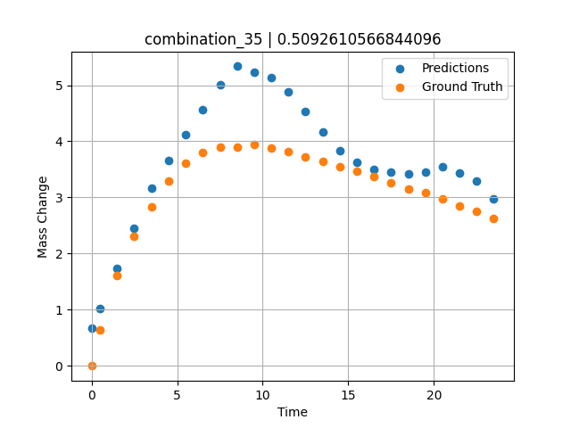
1200 | 23.75 | 0 | 5 | 23.75 | 23.75 | 23.75 | 0 | 0 | 7.50257 | 3.893 | 5.0069141388
1200 | 23.75 | 0 | 5 | 23.75 | 23.75 | 23.75 | 0 | 0 | 8.50485 | 3.90159 | 5.3351049423
1200 | 23.75 | 0 | 5 | 23.75 | 23.75 | 23.75 | 0 | 0 | 9.5075 | 3.94277 | 5.2351789474
1200 | 23.75 | 0 | 5 | 23.75 | 23.75 | 23.75 | 0 | 0 | 10.50051 | 3.88387 | 5.1362080574
1200 | 23.75 | 0 | 5 | 23.75 | 23.75 | 23.75 | 0 | 0 | 11.49349 | 3.81191 | 4.876209259
1200 | 23.75 | 0 | 5 | 23.75 | 23.75 | 23.75 | 0 | 0 | 12.49641 | 3.72649 | 4.5245752335
1200 | 23.75 | 0 | 5 | 23.75 | 23.75 | 23.75 | 0 | 0 | 13.49977 | 3.64963 | 4.1727938652
1200 | 23.75 | 0 | 5 | 23.75 | 23.75 | 23.75 | 0 | 0 | 14.50328 | 3.54789 | 3.8320727348
1200 | 23.75 | 0 | 5 | 23.75 | 23.75 | 23.75 | 0 | 0 | 15.50689 | 3.46453 | 3.6223611832
1200 | 23.75 | 0 | 5 | 23.75 | 23.75 | 23.75 | 0 | 0 | 16.50102 | 3.37793 | 3.5030412674
1200 | 23.75 | 0 | 5 | 23.75 | 23.75 | 23.75 | 0 | 0 | 17.49536 | 3.26755 | 3.4587783813
1200 | 23.75 | 0 | 5 | 23.75 | 23.75 | 23.75 | 0 | 0 | 18.4994 | 3.15259 | 3.414077282
1200 | 23.75 | 0 | 5 | 23.75 | 23.75 | 23.75 | 0 | 0 | 19.50371 | 3.0872 | 3.4577555656
1200 | 23.75 | 0 | 5 | 23.75 | 23.75 | 23.75 | 0 | 0 | 20.49846 | 2.97708 | 3.5520353317
1200 | 23.75 | 0 | 5 | 23.75 | 23.75 | 23.75 | 0 | 0 | 21.49342 | 2.84398 | 3.4413070679
1200 | 23.75 | 0 | 5 | 23.75 | 23.75 | 23.75 | 0 | 0 | 22.49828 | 2.75236 | 3.2874207497
1200 | 23.75 | 0 | 5 | 23.75 | 23.75 | 23.75 | 0 | 0 | 23.49449 | 2.62918 | 2.9785180092

combination_36
1200.0, 22.5, 0.0, 10.0, 22.5, 22.5, 22.5, 0.0
Temperature [C] | Mo [at%] | Nb [at%] | Ta [at%] | Ti [at%] | Cr [at%] | Al [at%] | W [at%] | Zr [at%] | Time [h] | Mass Change [mg.cm2] | Mass change - predictions
1200 | 22.5 | 0 | 10 | 22.5 | 22.5 | 22.5 | 0 | 0 | 0 | 0 | 0.02477645874
1200 | 22.5 | 0 | 10 | 22.5 | 22.5 | 22.5 | 0 | 0 | 0.49082 | 0.65618 | 0.37461090088
1200 | 22.5 | 0 | 10 | 22.5 | 22.5 | 22.5 | 0 | 0 | 1.49171 | 1.23457 | 1.0879993439
1200 | 22.5 | 0 | 10 | 22.5 | 22.5 | 22.5 | 0 | 0 | 2.49279 | 1.90741 | 1.8015327454
1200 | 22.5 | 0 | 10 | 22.5 | 22.5 | 22.5 | 0 | 0 | 3.49402 | 2.64926 | 2.5151643753
1200 | 22.5 | 0 | 10 | 22.5 | 22.5 | 22.5 | 0 | 0 | 4.49576 | 3.31362 | 3.2111148834
1200 | 22.5 | 0 | 10 | 22.5 | 22.5 | 22.5 | 0 | 0 | 5.49788 | 3.89691 | 3.8227968216
1200 | 22.5 | 0 | 10 | 22.5 | 22.5 | 22.5 | 0 | 0 | 6.50016 | 4.43668 | 4.3828887939
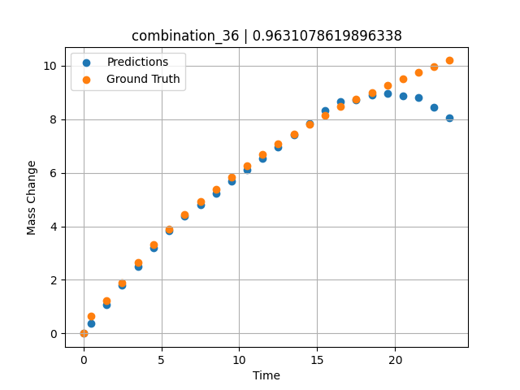
1200 | 22.5 | 0 | 10 | 22.5 | 22.5 | 22.5 | 0 | 0 | 7.50257 | 4.9276 | 4.8127193451
1200 | 22.5 | 0 | 10 | 22.5 | 22.5 | 22.5 | 0 | 0 | 8.50519 | 5.38775 | 5.2426395416
1200 | 22.5 | 0 | 10 | 22.5 | 22.5 | 22.5 | 0 | 0 | 9.50779 | 5.83221 | 5.6725468636
1200 | 22.5 | 0 | 10 | 22.5 | 22.5 | 22.5 | 0 | 0 | 10.50075 | 6.26395 | 6.0976810455
1200 | 22.5 | 0 | 10 | 22.5 | 22.5 | 22.5 | 0 | 0 | 11.49382 | 6.68921 | 6.5218138695
1200 | 22.5 | 0 | 10 | 22.5 | 22.5 | 22.5 | 0 | 0 | 12.49676 | 7.09216 | 6.9501681328
1200 | 22.5 | 0 | 10 | 22.5 | 22.5 | 22.5 | 0 | 0 | 13.49993 | 7.45786 | 7.4023566246
1200 | 22.5 | 0 | 10 | 22.5 | 22.5 | 22.5 | 0 | 0 | 14.50334 | 7.80354 | 7.8538203239
1200 | 22.5 | 0 | 10 | 22.5 | 22.5 | 22.5 | 0 | 0 | 15.50689 | 8.14589 | 8.3272399902
1200 | 22.5 | 0 | 10 | 22.5 | 22.5 | 22.5 | 0 | 0 | 16.50084 | 8.47093 | 8.6723842621
1200 | 22.5 | 0 | 10 | 22.5 | 22.5 | 22.5 | 0 | 0 | 17.4949 | 8.75562 | 8.7303152084
1200 | 22.5 | 0 | 10 | 22.5 | 22.5 | 22.5 | 0 | 0 | 18.49915 | 9.0078 | 8.9001159668
1200 | 22.5 | 0 | 10 | 22.5 | 22.5 | 22.5 | 0 | 0 | 19.5036 | 9.25976 | 8.9529724121
1200 | 22.5 | 0 | 10 | 22.5 | 22.5 | 22.5 | 0 | 0 | 20.49842 | 9.50919 | 8.8676719666
1200 | 22.5 | 0 | 10 | 22.5 | 22.5 | 22.5 | 0 | 0 | 21.49334 | 9.73922 | 8.8147439957
1200 | 22.5 | 0 | 10 | 22.5 | 22.5 | 22.5 | 0 | 0 | 22.4983 | 9.968 | 8.4468746185
1200 | 22.5 | 0 | 10 | 22.5 | 22.5 | 22.5 | 0 | 0 | 23.49367 | 10.19694 | 8.0446643829

combination_37
1200.0, 21.25, 0.0, 15.0, 21.25, 21.25, 21.25, 0.0
Temperature [C] | Mo [at%] | Nb [at%] | Ta [at%] | Ti [at%] | Cr [at%] | Al [at%] | W [at%] | Zr [at%] | Time [h] | Mass Change [mg.cm2] | Mass change - predictions
1200 | 21.25 | 0 | 15 | 21.25 | 21.25 | 21.25 | 0 | 0 | 0 | 0 | -0.21502113342
1200 | 21.25 | 0 | 15 | 21.25 | 21.25 | 21.25 | 0 | 0 | 0.49078 | 0.25729 | 0.040689468384
1200 | 21.25 | 0 | 15 | 21.25 | 21.25 | 21.25 | 0 | 0 | 1.49173 | 0.51494 | 0.5622177124
1200 | 21.25 | 0 | 15 | 21.25 | 21.25 | 21.25 | 0 | 0 | 2.49281 | 0.65372 | 0.92232322693
1200 | 21.25 | 0 | 15 | 21.25 | 21.25 | 21.25 | 0 | 0 | 3.49423 | 0.78965 | 1.1537389755
1200 | 21.25 | 0 | 15 | 21.25 | 21.25 | 21.25 | 0 | 0 | 4.49595 | 0.95463 | 1.4072914124
1200 | 21.25 | 0 | 15 | 21.25 | 21.25 | 21.25 | 0 | 0 | 5.49788 | 1.1871 | 1.6623334885
1200 | 21.25 | 0 | 15 | 21.25 | 21.25 | 21.25 | 0 | 0 | 6.49995 | 1.41561 | 1.9277114868
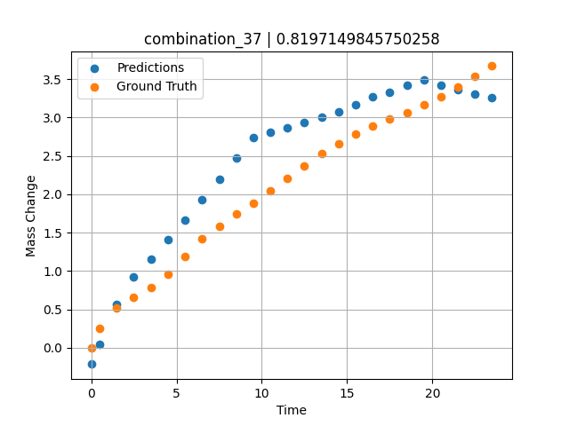
1200 | 21.25 | 0 | 15 | 21.25 | 21.25 | 21.25 | 0 | 0 | 7.50226 | 1.58469 | 2.1974925995
1200 | 21.25 | 0 | 15 | 21.25 | 21.25 | 21.25 | 0 | 0 | 8.50459 | 1.7392 | 2.4703483582
1200 | 21.25 | 0 | 15 | 21.25 | 21.25 | 21.25 | 0 | 0 | 9.50727 | 1.8844 | 2.7412509918
1200 | 21.25 | 0 | 15 | 21.25 | 21.25 | 21.25 | 0 | 0 | 10.50035 | 2.04758 | 2.8079137802
1200 | 21.25 | 0 | 15 | 21.25 | 21.25 | 21.25 | 0 | 0 | 11.49359 | 2.21187 | 2.8712024689
1200 | 21.25 | 0 | 15 | 21.25 | 21.25 | 21.25 | 0 | 0 | 12.49662 | 2.37354 | 2.9351119995
1200 | 21.25 | 0 | 15 | 21.25 | 21.25 | 21.25 | 0 | 0 | 13.49991 | 2.52954 | 2.9998550415
1200 | 21.25 | 0 | 15 | 21.25 | 21.25 | 21.25 | 0 | 0 | 14.50342 | 2.65999 | 3.0746870041
1200 | 21.25 | 0 | 15 | 21.25 | 21.25 | 21.25 | 0 | 0 | 15.50698 | 2.78039 | 3.1715669632
1200 | 21.25 | 0 | 15 | 21.25 | 21.25 | 21.25 | 0 | 0 | 16.50099 | 2.88456 | 3.2705411911
1200 | 21.25 | 0 | 15 | 21.25 | 21.25 | 21.25 | 0 | 0 | 17.49532 | 2.97806 | 3.3239221573
1200 | 21.25 | 0 | 15 | 21.25 | 21.25 | 21.25 | 0 | 0 | 18.49943 | 3.06304 | 3.4170236588
1200 | 21.25 | 0 | 15 | 21.25 | 21.25 | 21.25 | 0 | 0 | 19.50377 | 3.1613 | 3.4908752441
1200 | 21.25 | 0 | 15 | 21.25 | 21.25 | 21.25 | 0 | 0 | 20.49862 | 3.27108 | 3.4257698059
1200 | 21.25 | 0 | 15 | 21.25 | 21.25 | 21.25 | 0 | 0 | 21.49358 | 3.39601 | 3.362850666
1200 | 21.25 | 0 | 15 | 21.25 | 21.25 | 21.25 | 0 | 0 | 22.49845 | 3.53102 | 3.304002285
1200 | 21.25 | 0 | 15 | 21.25 | 21.25 | 21.25 | 0 | 0 | 23.49403 | 3.67091 | 3.253595829

combination_38
1200.0, 21.25, 0.0, 21.25, 0.2125, 21.25, 15.0, 0.0
Temperature [C] | Mo [at%] | Nb [at%] | Ta [at%] | Ti [at%] | Cr [at%] | Al [at%] | W [at%] | Zr [at%] | Time [h] | Mass Change [mg.cm2] | Mass change - predictions
1200 | 21.25 | 0 | 21.25 | 0.2125 | 21.25 | 15 | 0 | 0 | 0 | 0 | 0.41516304016
1200 | 21.25 | 0 | 21.25 | 0.2125 | 21.25 | 15 | 0 | 0 | 0.5008 | 0.91616 | 0.73524570465
1200 | 21.25 | 0 | 21.25 | 0.2125 | 21.25 | 15 | 0 | 0 | 1.5078 | 1.54711 | 1.3482074738
1200 | 21.25 | 0 | 21.25 | 0.2125 | 21.25 | 15 | 0 | 0 | 2.50401 | 2.12777 | 1.8978776932
1200 | 21.25 | 0 | 21.25 | 0.2125 | 21.25 | 15 | 0 | 0 | 3.49917 | 2.41741 | 2.2715044022
1200 | 21.25 | 0 | 21.25 | 0.2125 | 21.25 | 15 | 0 | 0 | 4.49589 | 2.79191 | 2.5321569443
1200 | 21.25 | 0 | 21.25 | 0.2125 | 21.25 | 15 | 0 | 0 | 5.49685 | 2.9867 | 2.795463562
1200 | 21.25 | 0 | 21.25 | 0.2125 | 21.25 | 15 | 0 | 0 | 6.50299 | 3.15596 | 3.0735225677
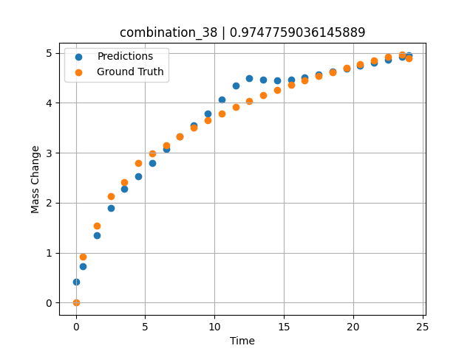
1200 | 21.25 | 0 | 21.25 | 0.2125 | 21.25 | 15 | 0 | 0 | 7.50394 | 3.3247 | 3.3217105865
1200 | 21.25 | 0 | 21.25 | 0.2125 | 21.25 | 15 | 0 | 0 | 8.49997 | 3.50708 | 3.5416173935
1200 | 21.25 | 0 | 21.25 | 0.2125 | 21.25 | 15 | 0 | 0 | 9.49603 | 3.65121 | 3.7890954018
1200 | 21.25 | 0 | 21.25 | 0.2125 | 21.25 | 15 | 0 | 0 | 10.50075 | 3.79048 | 4.0593547821
1200 | 21.25 | 0 | 21.25 | 0.2125 | 21.25 | 15 | 0 | 0 | 11.50631 | 3.91168 | 4.3480062485
1200 | 21.25 | 0 | 21.25 | 0.2125 | 21.25 | 15 | 0 | 0 | 12.50357 | 4.03675 | 4.488969326
1200 | 21.25 | 0 | 21.25 | 0.2125 | 21.25 | 15 | 0 | 0 | 13.49882 | 4.15184 | 4.4636816978
1200 | 21.25 | 0 | 21.25 | 0.2125 | 21.25 | 15 | 0 | 0 | 14.49364 | 4.24898 | 4.4485645294
1200 | 21.25 | 0 | 21.25 | 0.2125 | 21.25 | 15 | 0 | 0 | 15.49959 | 4.3622 | 4.4665074348
1200 | 21.25 | 0 | 21.25 | 0.2125 | 21.25 | 15 | 0 | 0 | 16.50564 | 4.44778 | 4.5082120895
1200 | 21.25 | 0 | 21.25 | 0.2125 | 21.25 | 15 | 0 | 0 | 17.50203 | 4.53311 | 4.5669651031
1200 | 21.25 | 0 | 21.25 | 0.2125 | 21.25 | 15 | 0 | 0 | 18.49765 | 4.6149 | 4.6256761551
1200 | 21.25 | 0 | 21.25 | 0.2125 | 21.25 | 15 | 0 | 0 | 19.49419 | 4.70373 | 4.6844415665
1200 | 21.25 | 0 | 21.25 | 0.2125 | 21.25 | 15 | 0 | 0 | 20.49949 | 4.77412 | 4.7436695099
1200 | 21.25 | 0 | 21.25 | 0.2125 | 21.25 | 15 | 0 | 0 | 21.50586 | 4.84004 | 4.8027758598
1200 | 21.25 | 0 | 21.25 | 0.2125 | 21.25 | 15 | 0 | 0 | 22.50242 | 4.91443 | 4.8582935333
1200 | 21.25 | 0 | 21.25 | 0.2125 | 21.25 | 15 | 0 | 0 | 23.50657 | 4.95854 | 4.9195775986
1200 | 21.25 | 0 | 21.25 | 0.2125 | 21.25 | 15 | 0 | 0 | 24.01181 | 4.88788 | 4.9526247978

combination_39
1200.0, 23.75, 0.0, 23.75, 23.75, 23.75, 5.0, 0.0
Temperature [C] | Mo [at%] | Nb [at%] | Ta [at%] | Ti [at%] | Cr [at%] | Al [at%] | W [at%] | Zr [at%] | Time [h] | Mass Change [mg.cm2] | Mass change - predictions
1200 | 23.75 | 0 | 23.75 | 23.75 | 23.75 | 5 | 0 | 0 | 0 | 0 | 1.8034267426
1200 | 23.75 | 0 | 23.75 | 23.75 | 23.75 | 5 | 0 | 0 | 0.49085 | 2.66992 | 1.943321228
1200 | 23.75 | 0 | 23.75 | 23.75 | 23.75 | 5 | 0 | 0 | 1.49179 | 3.43367 | 2.2285890579
1200 | 23.75 | 0 | 23.75 | 23.75 | 23.75 | 5 | 0 | 0 | 2.49278 | 3.81308 | 2.5304164886
1200 | 23.75 | 0 | 23.75 | 23.75 | 23.75 | 5 | 0 | 0 | 3.49402 | 4.08982 | 2.8377656937
1200 | 23.75 | 0 | 23.75 | 23.75 | 23.75 | 5 | 0 | 0 | 4.49552 | 4.22038 | 3.1518630981
1200 | 23.75 | 0 | 23.75 | 23.75 | 23.75 | 5 | 0 | 0 | 5.49726 | 4.37154 | 3.3269910812
1200 | 23.75 | 0 | 23.75 | 23.75 | 23.75 | 5 | 0 | 0 | 6.49893 | 4.48947 | 3.435426712
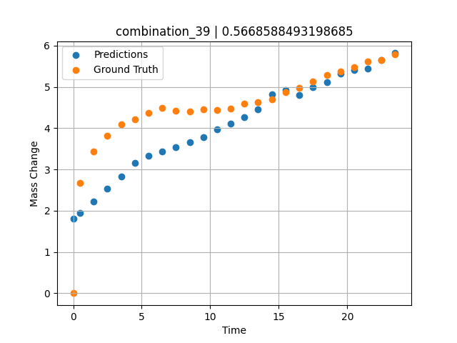
1200 | 23.75 | 0 | 23.75 | 23.75 | 23.75 | 5 | 0 | 0 | 7.50089 | 4.42119 | 3.5438966751
1200 | 23.75 | 0 | 23.75 | 23.75 | 23.75 | 5 | 0 | 0 | 8.50303 | 4.41331 | 3.6523828506
1200 | 23.75 | 0 | 23.75 | 23.75 | 23.75 | 5 | 0 | 0 | 9.50518 | 4.46248 | 3.7887649536
1200 | 23.75 | 0 | 23.75 | 23.75 | 23.75 | 5 | 0 | 0 | 10.5075 | 4.43344 | 3.9711103439
1200 | 23.75 | 0 | 23.75 | 23.75 | 23.75 | 5 | 0 | 0 | 11.50025 | 4.47228 | 4.1064577103
1200 | 23.75 | 0 | 23.75 | 23.75 | 23.75 | 5 | 0 | 0 | 12.49307 | 4.59671 | 4.2651014328
1200 | 23.75 | 0 | 23.75 | 23.75 | 23.75 | 5 | 0 | 0 | 13.4957 | 4.62715 | 4.4582629204
1200 | 23.75 | 0 | 23.75 | 23.75 | 23.75 | 5 | 0 | 0 | 14.49843 | 4.69674 | 4.8239059448
1200 | 23.75 | 0 | 23.75 | 23.75 | 23.75 | 5 | 0 | 0 | 15.50123 | 4.8643 | 4.9201526642
1200 | 23.75 | 0 | 23.75 | 23.75 | 23.75 | 5 | 0 | 0 | 16.5043 | 4.97473 | 4.811375618
1200 | 23.75 | 0 | 23.75 | 23.75 | 23.75 | 5 | 0 | 0 | 17.50747 | 5.1258 | 4.9972600937
1200 | 23.75 | 0 | 23.75 | 23.75 | 23.75 | 5 | 0 | 0 | 18.50106 | 5.28127 | 5.1167840958
1200 | 23.75 | 0 | 23.75 | 23.75 | 23.75 | 5 | 0 | 0 | 19.49479 | 5.36597 | 5.3223929405
1200 | 23.75 | 0 | 23.75 | 23.75 | 23.75 | 5 | 0 | 0 | 20.49845 | 5.47967 | 5.405901432
1200 | 23.75 | 0 | 23.75 | 23.75 | 23.75 | 5 | 0 | 0 | 21.50208 | 5.61004 | 5.4445581436
1200 | 23.75 | 0 | 23.75 | 23.75 | 23.75 | 5 | 0 | 0 | 22.5057 | 5.65412 | 5.6455988884
1200 | 23.75 | 0 | 23.75 | 23.75 | 23.75 | 5 | 0 | 0 | 23.49987 | 5.78609 | 5.8177881241

combination_40
1200.0, 25.0, 0.0, 25.0, 0.0, 25.0, 25.0, 0.0
Temperature [C] | Mo [at%] | Nb [at%] | Ta [at%] | Ti [at%] | Cr [at%] | Al [at%] | W [at%] | Zr [at%] | Time [h] | Mass Change [mg.cm2] | Mass change - predictions
1200 | 25 | 0 | 25 | 0 | 25 | 25 | 0 | 0 | 0 | 0 | 0.045563697815
1200 | 25 | 0 | 25 | 0 | 25 | 25 | 0 | 0 | 0.4909 | 0.52067 | 0.19249534607
1200 | 25 | 0 | 25 | 0 | 25 | 25 | 0 | 0 | 1.49184 | 0.89241 | 0.49209213257
1200 | 25 | 0 | 25 | 0 | 25 | 25 | 0 | 0 | 2.49299 | 0.98636 | 0.79175186157
1200 | 25 | 0 | 25 | 0 | 25 | 25 | 0 | 0 | 3.49426 | 1.01316 | 1.0914373398
1200 | 25 | 0 | 25 | 0 | 25 | 25 | 0 | 0 | 4.49573 | 1.04634 | 1.1576948166
1200 | 25 | 0 | 25 | 0 | 25 | 25 | 0 | 0 | 5.49732 | 1.09633 | 1.1368656158
1200 | 25 | 0 | 25 | 0 | 25 | 25 | 0 | 0 | 6.49923 | 1.12867 | 1.1160449982
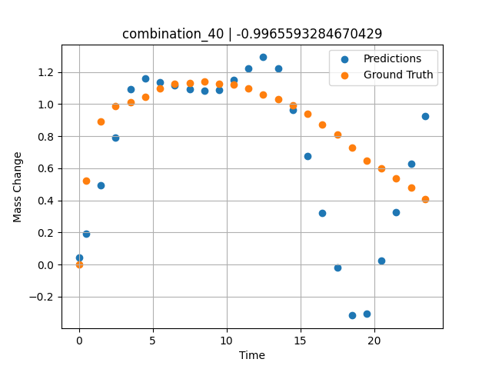
1200 | 25 | 0 | 25 | 0 | 25 | 25 | 0 | 0 | 7.5014 | 1.13358 | 1.0952100754
1200 | 25 | 0 | 25 | 0 | 25 | 25 | 0 | 0 | 8.50376 | 1.14117 | 1.0836858749
1200 | 25 | 0 | 25 | 0 | 25 | 25 | 0 | 0 | 9.5062 | 1.1246 | 1.0891990662
1200 | 25 | 0 | 25 | 0 | 25 | 25 | 0 | 0 | 10.49891 | 1.11958 | 1.1484298706
1200 | 25 | 0 | 25 | 0 | 25 | 25 | 0 | 0 | 11.4917 | 1.09581 | 1.2199544907
1200 | 25 | 0 | 25 | 0 | 25 | 25 | 0 | 0 | 12.49433 | 1.06175 | 1.292198658
1200 | 25 | 0 | 25 | 0 | 25 | 25 | 0 | 0 | 13.49731 | 1.02973 | 1.2207303047
1200 | 25 | 0 | 25 | 0 | 25 | 25 | 0 | 0 | 14.5003 | 0.99335 | 0.96258831024
1200 | 25 | 0 | 25 | 0 | 25 | 25 | 0 | 0 | 15.50331 | 0.93937 | 0.67696380615
1200 | 25 | 0 | 25 | 0 | 25 | 25 | 0 | 0 | 16.50658 | 0.87265 | 0.32309484482
1200 | 25 | 0 | 25 | 0 | 25 | 25 | 0 | 0 | 17.50045 | 0.80846 | -0.019546985626
1200 | 25 | 0 | 25 | 0 | 25 | 25 | 0 | 0 | 18.49429 | 0.72954 | -0.31745624542
1200 | 25 | 0 | 25 | 0 | 25 | 25 | 0 | 0 | 19.49787 | 0.64801 | -0.30358505249
1200 | 25 | 0 | 25 | 0 | 25 | 25 | 0 | 0 | 20.50158 | 0.59853 | 0.024793624878
1200 | 25 | 0 | 25 | 0 | 25 | 25 | 0 | 0 | 21.50504 | 0.53856 | 0.32816696167
1200 | 25 | 0 | 25 | 0 | 25 | 25 | 0 | 0 | 22.49878 | 0.47792 | 0.6285943985
1200 | 25 | 0 | 25 | 0 | 25 | 25 | 0 | 0 | 23.48308 | 0.40626 | 0.92616403103

combination_41
1200.0, 22.5, 0.0, 22.5, 10.0, 22.5, 22.5, 0.0
Temperature [C] | Mo [at%] | Nb [at%] | Ta [at%] | Ti [at%] | Cr [at%] | Al [at%] | W [at%] | Zr [at%] | Time [h] | Mass Change [mg.cm2] | Mass change - predictions
1200 | 22.5 | 0 | 22.5 | 10 | 22.5 | 22.5 | 0 | 0 | 0 | 0 | 0.5682516098
1200 | 22.5 | 0 | 22.5 | 10 | 22.5 | 22.5 | 0 | 0 | 0.49084 | 0.9295 | 0.80621051788
1200 | 22.5 | 0 | 22.5 | 10 | 22.5 | 22.5 | 0 | 0 | 1.49189 | 1.80965 | 1.2915878296
1200 | 22.5 | 0 | 22.5 | 10 | 22.5 | 22.5 | 0 | 0 | 2.49308 | 2.33914 | 1.7771100998
1200 | 22.5 | 0 | 22.5 | 10 | 22.5 | 22.5 | 0 | 0 | 3.49454 | 2.7567 | 2.2627696991
1200 | 22.5 | 0 | 22.5 | 10 | 22.5 | 22.5 | 0 | 0 | 4.49587 | 3.10649 | 2.7483587265
1200 | 22.5 | 0 | 22.5 | 10 | 22.5 | 22.5 | 0 | 0 | 5.49738 | 3.40043 | 3.2340393066
1200 | 22.5 | 0 | 22.5 | 10 | 22.5 | 22.5 | 0 | 0 | 6.49902 | 3.65544 | 3.7197847366
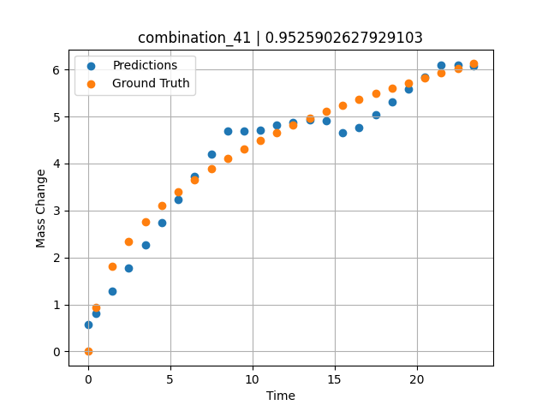
1200 | 22.5 | 0 | 22.5 | 10 | 22.5 | 22.5 | 0 | 0 | 7.5009 | 3.89334 | 4.2056417465
1200 | 22.5 | 0 | 22.5 | 10 | 22.5 | 22.5 | 0 | 0 | 8.50305 | 4.1108 | 4.6916294098
1200 | 22.5 | 0 | 22.5 | 10 | 22.5 | 22.5 | 0 | 0 | 9.50535 | 4.30411 | 4.6949605942
1200 | 22.5 | 0 | 22.5 | 10 | 22.5 | 22.5 | 0 | 0 | 10.50762 | 4.49008 | 4.7130765915
1200 | 22.5 | 0 | 22.5 | 10 | 22.5 | 22.5 | 0 | 0 | 11.50027 | 4.65508 | 4.8108768463
1200 | 22.5 | 0 | 22.5 | 10 | 22.5 | 22.5 | 0 | 0 | 12.49321 | 4.81291 | 4.8806090355
1200 | 22.5 | 0 | 22.5 | 10 | 22.5 | 22.5 | 0 | 0 | 13.49592 | 4.96201 | 4.9238848686
1200 | 22.5 | 0 | 22.5 | 10 | 22.5 | 22.5 | 0 | 0 | 14.49884 | 5.10866 | 4.9046545029
1200 | 22.5 | 0 | 22.5 | 10 | 22.5 | 22.5 | 0 | 0 | 15.50195 | 5.23656 | 4.6450920105
1200 | 22.5 | 0 | 22.5 | 10 | 22.5 | 22.5 | 0 | 0 | 16.50521 | 5.36197 | 4.770945549
1200 | 22.5 | 0 | 22.5 | 10 | 22.5 | 22.5 | 0 | 0 | 17.49902 | 5.48679 | 5.0376319885
1200 | 22.5 | 0 | 22.5 | 10 | 22.5 | 22.5 | 0 | 0 | 18.49286 | 5.60206 | 5.317741394
1200 | 22.5 | 0 | 22.5 | 10 | 22.5 | 22.5 | 0 | 0 | 19.49643 | 5.71574 | 5.584900856
1200 | 22.5 | 0 | 22.5 | 10 | 22.5 | 22.5 | 0 | 0 | 20.5002 | 5.81992 | 5.8415699005
1200 | 22.5 | 0 | 22.5 | 10 | 22.5 | 22.5 | 0 | 0 | 21.50421 | 5.92516 | 6.1015410423
1200 | 22.5 | 0 | 22.5 | 10 | 22.5 | 22.5 | 0 | 0 | 22.49865 | 6.02044 | 6.0985131264
1200 | 22.5 | 0 | 22.5 | 10 | 22.5 | 22.5 | 0 | 0 | 23.48348 | 6.12261 | 6.0738997459

combination_42
1200.0, 0.0, 0.0, 20.0, 0.0, 80.0, 0.0, 0.0
Temperature [C] | Mo [at%] | Nb [at%] | Ta [at%] | Ti [at%] | Cr [at%] | Al [at%] | W [at%] | Zr [at%] | Time [h] | Mass Change [mg.cm2] | Mass change - predictions
1200 | 0 | 0 | 20 | 0 | 80 | 0 | 0 | 0 | 0 | 0 | 2.5588407516
1200 | 0 | 0 | 20 | 0 | 80 | 0 | 0 | 0 | 0.49084 | 2.2487 | 2.6462516785
1200 | 0 | 0 | 20 | 0 | 80 | 0 | 0 | 0 | 1.49185 | 4.5778 | 4.3115587234
1200 | 0 | 0 | 20 | 0 | 80 | 0 | 0 | 0 | 2.49311 | 5.99216 | 5.7705764771
1200 | 0 | 0 | 20 | 0 | 80 | 0 | 0 | 0 | 3.49454 | 7.03755 | 6.8608379364
1200 | 0 | 0 | 20 | 0 | 80 | 0 | 0 | 0 | 4.49611 | 8.01046 | 7.9512605667
1200 | 0 | 0 | 20 | 0 | 80 | 0 | 0 | 0 | 5.49754 | 8.89891 | 9.041519165
1200 | 0 | 0 | 20 | 0 | 80 | 0 | 0 | 0 | 6.49911 | 9.62852 | 10.19323349
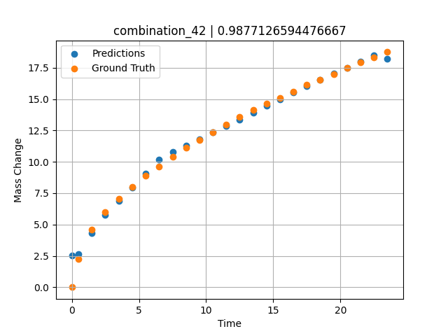
1200 | 0 | 0 | 20 | 0 | 80 | 0 | 0 | 0 | 7.50098 | 10.37488 | 10.802692413
1200 | 0 | 0 | 20 | 0 | 80 | 0 | 0 | 0 | 8.50294 | 11.1106 | 11.295853615
1200 | 0 | 0 | 20 | 0 | 80 | 0 | 0 | 0 | 9.50507 | 11.76175 | 11.79466629
1200 | 0 | 0 | 20 | 0 | 80 | 0 | 0 | 0 | 10.50727 | 12.37848 | 12.32810688
1200 | 0 | 0 | 20 | 0 | 80 | 0 | 0 | 0 | 11.49987 | 12.98514 | 12.856444359
1200 | 0 | 0 | 20 | 0 | 80 | 0 | 0 | 0 | 12.49278 | 13.55574 | 13.384941101
1200 | 0 | 0 | 20 | 0 | 80 | 0 | 0 | 0 | 13.49537 | 14.11738 | 13.918590546
1200 | 0 | 0 | 20 | 0 | 80 | 0 | 0 | 0 | 14.4982 | 14.61774 | 14.452371597
1200 | 0 | 0 | 20 | 0 | 80 | 0 | 0 | 0 | 15.50122 | 15.11307 | 14.986249924
1200 | 0 | 0 | 20 | 0 | 80 | 0 | 0 | 0 | 16.50458 | 15.61266 | 15.520316124
1200 | 0 | 0 | 20 | 0 | 80 | 0 | 0 | 0 | 17.49836 | 16.1203 | 16.044055939
1200 | 0 | 0 | 20 | 0 | 80 | 0 | 0 | 0 | 18.49225 | 16.55858 | 16.531005859
1200 | 0 | 0 | 20 | 0 | 80 | 0 | 0 | 0 | 19.49582 | 17.00085 | 17.022703171
1200 | 0 | 0 | 20 | 0 | 80 | 0 | 0 | 0 | 20.49954 | 17.48111 | 17.514471054
1200 | 0 | 0 | 20 | 0 | 80 | 0 | 0 | 0 | 21.50356 | 17.92626 | 18.00639534
1200 | 0 | 0 | 20 | 0 | 80 | 0 | 0 | 0 | 22.49791 | 18.33595 | 18.493574142
1200 | 0 | 0 | 20 | 0 | 80 | 0 | 0 | 0 | 23.49244 | 18.74801 | 18.222652435

combination_43
1200.0, 0.0, 0.0, 33.3, 33.4, 33.3, 0.0, 0.0
Temperature [C] | Mo [at%] | Nb [at%] | Ta [at%] | Ti [at%] | Cr [at%] | Al [at%] | W [at%] | Zr [at%] | Time [h] | Mass Change [mg.cm2] | Mass change - predictions
1200 | 0 | 0 | 33.3 | 33.4 | 33.3 | 0 | 0 | 0 | 0 | 0 | 0.51459407806
1200 | 0 | 0 | 33.3 | 33.4 | 33.3 | 0 | 0 | 0 | 0.50589 | 1.2245 | 0.5916595459
1200 | 0 | 0 | 33.3 | 33.4 | 33.3 | 0 | 0 | 0 | 1.50743 | 3.21145 | 1.9166641235
1200 | 0 | 0 | 33.3 | 33.4 | 33.3 | 0 | 0 | 0 | 2.50834 | 4.82823 | 4.3184461594
1200 | 0 | 0 | 33.3 | 33.4 | 33.3 | 0 | 0 | 0 | 3.49984 | 6.40464 | 6.4788031578
1200 | 0 | 0 | 33.3 | 33.4 | 33.3 | 0 | 0 | 0 | 4.49165 | 8.24746 | 8.4837703705
1200 | 0 | 0 | 33.3 | 33.4 | 33.3 | 0 | 0 | 0 | 5.49326 | 10.12588 | 10.533185005
1200 | 0 | 0 | 33.3 | 33.4 | 33.3 | 0 | 0 | 0 | 6.49512 | 11.74551 | 12.262102127
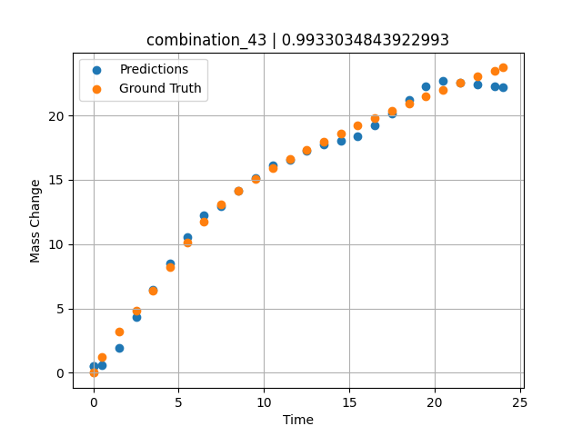
1200 | 0 | 0 | 33.3 | 33.4 | 33.3 | 0 | 0 | 0 | 7.49717 | 13.06387 | 12.919719696
1200 | 0 | 0 | 33.3 | 33.4 | 33.3 | 0 | 0 | 0 | 8.49935 | 14.15469 | 14.171092987
1200 | 0 | 0 | 33.3 | 33.4 | 33.3 | 0 | 0 | 0 | 9.50168 | 15.07769 | 15.107372284
1200 | 0 | 0 | 33.3 | 33.4 | 33.3 | 0 | 0 | 0 | 10.50396 | 15.89904 | 16.085929871
1200 | 0 | 0 | 33.3 | 33.4 | 33.3 | 0 | 0 | 0 | 11.50641 | 16.636 | 16.541252136
1200 | 0 | 0 | 33.3 | 33.4 | 33.3 | 0 | 0 | 0 | 12.4993 | 17.32067 | 17.260404587
1200 | 0 | 0 | 33.3 | 33.4 | 33.3 | 0 | 0 | 0 | 13.49252 | 17.97297 | 17.753515244
1200 | 0 | 0 | 33.3 | 33.4 | 33.3 | 0 | 0 | 0 | 14.49558 | 18.60484 | 18.033128738
1200 | 0 | 0 | 33.3 | 33.4 | 33.3 | 0 | 0 | 0 | 15.49869 | 19.21742 | 18.403085709
1200 | 0 | 0 | 33.3 | 33.4 | 33.3 | 0 | 0 | 0 | 16.50197 | 19.80993 | 19.25528717
1200 | 0 | 0 | 33.3 | 33.4 | 33.3 | 0 | 0 | 0 | 17.50542 | 20.38414 | 20.172203064
1200 | 0 | 0 | 33.3 | 33.4 | 33.3 | 0 | 0 | 0 | 18.4994 | 20.93636 | 21.205696106
1200 | 0 | 0 | 33.3 | 33.4 | 33.3 | 0 | 0 | 0 | 19.49338 | 21.47763 | 22.23919487
1200 | 0 | 0 | 33.3 | 33.4 | 33.3 | 0 | 0 | 0 | 20.49715 | 22.00213 | 22.689891815
1200 | 0 | 0 | 33.3 | 33.4 | 33.3 | 0 | 0 | 0 | 21.5012 | 22.51318 | 22.541288376
1200 | 0 | 0 | 33.3 | 33.4 | 33.3 | 0 | 0 | 0 | 22.50542 | 23.00472 | 22.392669678
1200 | 0 | 0 | 33.3 | 33.4 | 33.3 | 0 | 0 | 0 | 23.50015 | 23.48187 | 22.245450974
1200 | 0 | 0 | 33.3 | 33.4 | 33.3 | 0 | 0 | 0 | 24.02167 | 23.71265 | 22.168199539
1200 | 0 | 0 | 33.3 | 33.4 | 33.3 | 0 | 0 | 0 | 0 | 0 | 0.51459741592

combination_44
1000.0, 20.0, 0.0, 0.0, 20.0, 20.0, 20.0, 20.0
Temperature [C] | Mo [at%] | Nb [at%] | Ta [at%] | Ti [at%] | Cr [at%] | Al [at%] | W [at%] | Zr [at%] | Time [h] | Mass Change [mg.cm2] | Mass change - predictions
1000 | 20 | 0 | 0 | 20 | 20 | 20 | 20 | 0 | 0 | 0 | 1.0199241638
1000 | 20 | 0 | 0 | 20 | 20 | 20 | 20 | 0 | 0.48048 | 0.84398 | 1.2709140778
1000 | 20 | 0 | 0 | 20 | 20 | 20 | 20 | 0 | 1.48148 | 1.95113 | 1.7937889099
1000 | 20 | 0 | 0 | 20 | 20 | 20 | 20 | 0 | 2.48248 | 2.67199 | 2.3166751862
1000 | 20 | 0 | 0 | 20 | 20 | 20 | 20 | 0 | 3.48348 | 3.20863 | 2.8395652771
1000 | 20 | 0 | 0 | 20 | 20 | 20 | 20 | 0 | 4.48448 | 3.63657 | 3.3454990387
1000 | 20 | 0 | 0 | 20 | 20 | 20 | 20 | 0 | 5.46681 | 3.98634 | 3.7661724091
1000 | 20 | 0 | 0 | 20 | 20 | 20 | 20 | 0 | 6.48649 | 4.29749 | 4.1978988647
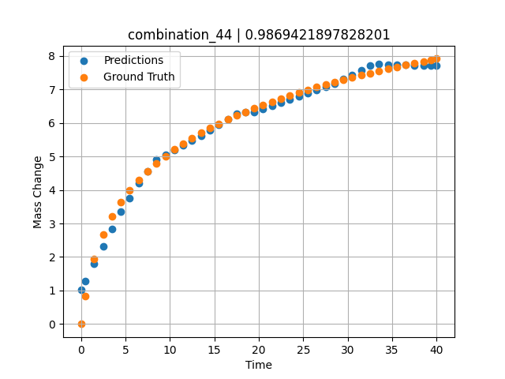
1000 | 20 | 0 | 0 | 20 | 20 | 20 | 20 | 0 | 7.48749 | 4.56411 | 4.5595054626
1000 | 20 | 0 | 0 | 20 | 20 | 20 | 20 | 0 | 8.48849 | 4.80102 | 4.9019603729
1000 | 20 | 0 | 0 | 20 | 20 | 20 | 20 | 0 | 9.48949 | 5.01418 | 5.0463218689
1000 | 20 | 0 | 0 | 20 | 20 | 20 | 20 | 0 | 10.47163 | 5.20439 | 5.1879749298
1000 | 20 | 0 | 0 | 20 | 20 | 20 | 20 | 0 | 11.49149 | 5.38551 | 5.3350639343
1000 | 20 | 0 | 0 | 20 | 20 | 20 | 20 | 0 | 12.49249 | 5.54942 | 5.4794425964
1000 | 20 | 0 | 0 | 20 | 20 | 20 | 20 | 0 | 13.49349 | 5.70161 | 5.6208591461
1000 | 20 | 0 | 0 | 20 | 20 | 20 | 20 | 0 | 14.49449 | 5.84365 | 5.7718162537
1000 | 20 | 0 | 0 | 20 | 20 | 20 | 20 | 0 | 15.47644 | 5.97432 | 5.9374294281
1000 | 20 | 0 | 0 | 20 | 20 | 20 | 20 | 0 | 16.4965 | 6.10212 | 6.1094684601
1000 | 20 | 0 | 0 | 20 | 20 | 20 | 20 | 0 | 17.4975 | 6.22048 | 6.2782859802
1000 | 20 | 0 | 0 | 20 | 20 | 20 | 20 | 0 | 18.4985 | 6.3326 | 6.3275814056
1000 | 20 | 0 | 0 | 20 | 20 | 20 | 20 | 0 | 19.4995 | 6.43912 | 6.327334404
1000 | 20 | 0 | 0 | 20 | 20 | 20 | 20 | 0 | 20.48125 | 6.53864 | 6.4185810089
1000 | 20 | 0 | 0 | 20 | 20 | 20 | 20 | 0 | 21.5015 | 6.63739 | 6.5134220123
1000 | 20 | 0 | 0 | 20 | 20 | 20 | 20 | 0 | 22.5025 | 6.73001 | 6.6064586639
1000 | 20 | 0 | 0 | 20 | 20 | 20 | 20 | 0 | 23.5035 | 6.81877 | 6.6994991302
1000 | 20 | 0 | 0 | 20 | 20 | 20 | 20 | 0 | 24.5045 | 6.90398 | 6.7925357819
1000 | 20 | 0 | 0 | 20 | 20 | 20 | 20 | 0 | 25.48606 | 6.98435 | 6.8837823868
1000 | 20 | 0 | 0 | 20 | 20 | 20 | 20 | 0 | 26.50651 | 7.06482 | 6.9786319733
1000 | 20 | 0 | 0 | 20 | 20 | 20 | 20 | 0 | 27.50751 | 7.1409 | 7.0716743469
1000 | 20 | 0 | 0 | 20 | 20 | 20 | 20 | 0 | 28.50851 | 7.21436 | 7.1685714722
1000 | 20 | 0 | 0 | 20 | 20 | 20 | 20 | 0 | 29.50951 | 7.28536 | 7.3031759262
1000 | 20 | 0 | 0 | 20 | 20 | 20 | 20 | 0 | 30.49088 | 7.35275 | 7.4351425171
1000 | 20 | 0 | 0 | 20 | 20 | 20 | 20 | 0 | 31.51151 | 7.42066 | 7.5723905563
1000 | 20 | 0 | 0 | 20 | 20 | 20 | 20 | 0 | 32.51251 | 7.48521 | 7.706993103
1000 | 20 | 0 | 0 | 20 | 20 | 20 | 20 | 0 | 33.51351 | 7.54787 | 7.7517461777
1000 | 20 | 0 | 0 | 20 | 20 | 20 | 20 | 0 | 34.51451 | 7.60873 | 7.7441930771
1000 | 20 | 0 | 0 | 20 | 20 | 20 | 20 | 0 | 35.49569 | 7.66674 | 7.7367897034
1000 | 20 | 0 | 0 | 20 | 20 | 20 | 20 | 0 | 36.51652 | 7.72548 | 7.7290992737
1000 | 20 | 0 | 0 | 20 | 20 | 20 | 20 | 0 | 37.51752 | 7.78154 | 7.7215461731
1000 | 20 | 0 | 0 | 20 | 20 | 20 | 20 | 0 | 38.51852 | 7.83617 | 7.7140045166
1000 | 20 | 0 | 0 | 20 | 20 | 20 | 20 | 0 | 39.35936 | 7.88102 | 7.707657814
1000 | 20 | 0 | 0 | 20 | 20 | 20 | 20 | 0 | 40 | 7.91458 | 7.7028274536

combination_45
800.0, 0.0, 40.0, 10.0, 40.0, 10.0, 0.0, 0.0
Temperature [C] | Mo [at%] | Nb [at%] | Ta [at%] | Ti [at%] | Cr [at%] | Al [at%] | W [at%] | Zr [at%] | Time [h] | Mass Change [mg.cm2] | Mass change - predictions
800 | 0 | 40 | 10 | 40 | 10 | 0 | 0 | 0 | 0 | 0 | 0.45391368866
800 | 0 | 40 | 10 | 40 | 10 | 0 | 0 | 0 | 1 | 0.92 | 0.81593799591
800 | 0 | 40 | 10 | 40 | 10 | 0 | 0 | 0 | 2 | 1.33 | 1.1779623032
800 | 0 | 40 | 10 | 40 | 10 | 0 | 0 | 0 | 5 | 2.31 | 2.1670026779
800 | 0 | 40 | 10 | 40 | 10 | 0 | 0 | 0 | 10 | 3.1 | 3.4641342163
800 | 0 | 40 | 10 | 40 | 10 | 0 | 0 | 0 | 15 | 3.75 | 3.828619957
800 | 0 | 40 | 10 | 40 | 10 | 0 | 0 | 0 | 20 | 4.56 | 4.2049999237
800 | 0 | 40 | 10 | 40 | 10 | 0 | 0 | 0 | 0 | 0 | 0.45391559601
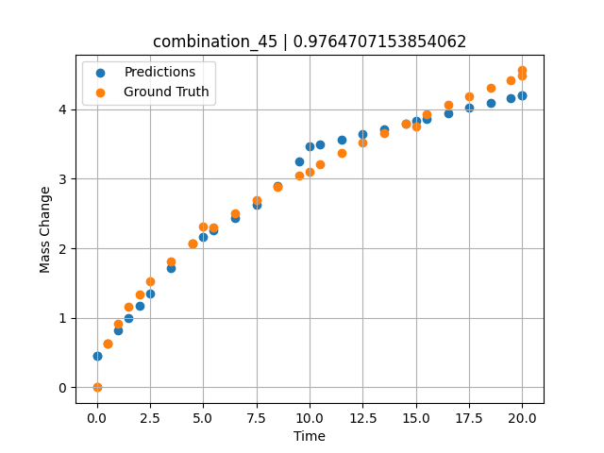
800 | 0 | 40 | 10 | 40 | 10 | 0 | 0 | 0 | 0.49049 | 0.6285 | 0.63148403168
800 | 0 | 40 | 10 | 40 | 10 | 0 | 0 | 0 | 1.48185 | 1.15858 | 0.99038124084
800 | 0 | 40 | 10 | 40 | 10 | 0 | 0 | 0 | 2.48284 | 1.51874 | 1.3527603149
800 | 0 | 40 | 10 | 40 | 10 | 0 | 0 | 0 | 3.49349 | 1.81437 | 1.7186431885
800 | 0 | 40 | 10 | 40 | 10 | 0 | 0 | 0 | 4.49449 | 2.0681 | 2.0746831894
800 | 0 | 40 | 10 | 40 | 10 | 0 | 0 | 0 | 5.48578 | 2.29345 | 2.2557163239
800 | 0 | 40 | 10 | 40 | 10 | 0 | 0 | 0 | 6.4965 | 2.50375 | 2.4402980804
800 | 0 | 40 | 10 | 40 | 10 | 0 | 0 | 0 | 7.4975 | 2.69691 | 2.6231040955
800 | 0 | 40 | 10 | 40 | 10 | 0 | 0 | 0 | 8.4985 | 2.87796 | 2.8982467651
800 | 0 | 40 | 10 | 40 | 10 | 0 | 0 | 0 | 9.4995 | 3.04898 | 3.2465286255
800 | 0 | 40 | 10 | 40 | 10 | 0 | 0 | 0 | 10.49069 | 3.20993 | 3.4891757965
800 | 0 | 40 | 10 | 40 | 10 | 0 | 0 | 0 | 11.5015 | 3.3667 | 3.5652694702
800 | 0 | 40 | 10 | 40 | 10 | 0 | 0 | 0 | 12.5025 | 3.51551 | 3.640622139
800 | 0 | 40 | 10 | 40 | 10 | 0 | 0 | 0 | 13.5035 | 3.65868 | 3.7159776688
800 | 0 | 40 | 10 | 40 | 10 | 0 | 0 | 0 | 14.5045 | 3.79682 | 3.7913208008
800 | 0 | 40 | 10 | 40 | 10 | 0 | 0 | 0 | 15.49559 | 3.92912 | 3.8659286499
800 | 0 | 40 | 10 | 40 | 10 | 0 | 0 | 0 | 16.50651 | 4.05994 | 3.9420261383
800 | 0 | 40 | 10 | 40 | 10 | 0 | 0 | 0 | 17.50751 | 4.18572 | 4.017375946
800 | 0 | 40 | 10 | 40 | 10 | 0 | 0 | 0 | 18.50851 | 4.30808 | 4.0927200317
800 | 0 | 40 | 10 | 40 | 10 | 0 | 0 | 0 | 19.44945 | 4.42025 | 4.1635560989
800 | 0 | 40 | 10 | 40 | 10 | 0 | 0 | 0 | 20 | 4.48474 | 4.2049999237

combination_46
800.0, 0.0, 45.0, 15.0, 30.0, 0.0, 10.0, 0.0
Temperature [C] | Mo [at%] | Nb [at%] | Ta [at%] | Ti [at%] | Cr [at%] | Al [at%] | W [at%] | Zr [at%] | Time [h] | Mass Change [mg.cm2] | Mass change - predictions
800 | 0 | 45 | 15 | 30 | 0 | 10 | 0 | 0 | 0 | 0 | 0.72997570038
800 | 0 | 45 | 15 | 30 | 0 | 10 | 0 | 0 | 1 | 1.56 | 1.4052124023
800 | 0 | 45 | 15 | 30 | 0 | 10 | 0 | 0 | 2 | 2.18 | 2.0848636627
800 | 0 | 45 | 15 | 30 | 0 | 10 | 0 | 0 | 5 | 4.27 | 3.7736682892
800 | 0 | 45 | 15 | 30 | 0 | 10 | 0 | 0 | 10 | 5.54 | 4.7384595871
800 | 0 | 45 | 15 | 30 | 0 | 10 | 0 | 0 | 15 | 6.64 | 6.653067112
800 | 0 | 45 | 15 | 30 | 0 | 10 | 0 | 0 | 20 | 7.17 | 7.3737831116
800 | 0 | 45 | 15 | 30 | 0 | 10 | 0 | 0 | 0 | 0 | 0.72997760773
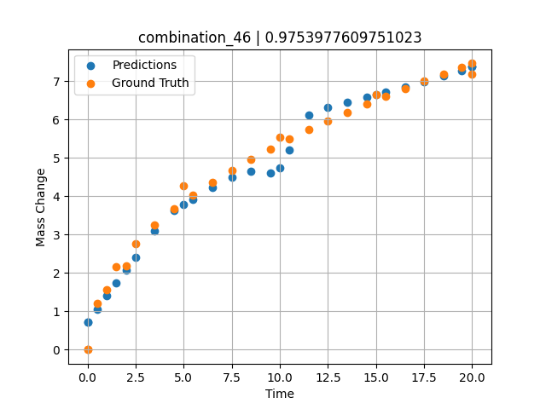
800 | 0 | 45 | 15 | 30 | 0 | 10 | 0 | 0 | 0.49049 | 1.19868 | 1.0589170456
800 | 0 | 45 | 15 | 30 | 0 | 10 | 0 | 0 | 1.48185 | 2.15425 | 1.7327022552
800 | 0 | 45 | 15 | 30 | 0 | 10 | 0 | 0 | 2.48284 | 2.76229 | 2.4130277634
800 | 0 | 45 | 15 | 30 | 0 | 10 | 0 | 0 | 3.49349 | 3.25213 | 3.0991344452
800 | 0 | 45 | 15 | 30 | 0 | 10 | 0 | 0 | 4.49449 | 3.66718 | 3.6208515167
800 | 0 | 45 | 15 | 30 | 0 | 10 | 0 | 0 | 5.48578 | 4.03226 | 3.9205183983
800 | 0 | 45 | 15 | 30 | 0 | 10 | 0 | 0 | 6.4965 | 4.37028 | 4.2224078178
800 | 0 | 45 | 15 | 30 | 0 | 10 | 0 | 0 | 7.4975 | 4.67867 | 4.4883155823
800 | 0 | 45 | 15 | 30 | 0 | 10 | 0 | 0 | 8.4985 | 4.96607 | 4.6473827362
800 | 0 | 45 | 15 | 30 | 0 | 10 | 0 | 0 | 9.4995 | 5.23618 | 4.5985984802
800 | 0 | 45 | 15 | 30 | 0 | 10 | 0 | 0 | 10.49069 | 5.48924 | 5.1946091652
800 | 0 | 45 | 15 | 30 | 0 | 10 | 0 | 0 | 11.5015 | 5.73472 | 6.1249284744
800 | 0 | 45 | 15 | 30 | 0 | 10 | 0 | 0 | 12.5025 | 5.96687 | 6.3233804703
800 | 0 | 45 | 15 | 30 | 0 | 10 | 0 | 0 | 13.5035 | 6.18945 | 6.4555206299
800 | 0 | 45 | 15 | 30 | 0 | 10 | 0 | 0 | 14.5045 | 6.40352 | 6.5876588821
800 | 0 | 45 | 15 | 30 | 0 | 10 | 0 | 0 | 15.49559 | 6.60795 | 6.7184896469
800 | 0 | 45 | 15 | 30 | 0 | 10 | 0 | 0 | 16.50651 | 6.80953 | 6.851937294
800 | 0 | 45 | 15 | 30 | 0 | 10 | 0 | 0 | 17.50751 | 7.00284 | 6.9917020798
800 | 0 | 45 | 15 | 30 | 0 | 10 | 0 | 0 | 18.50851 | 7.19043 | 7.1391730309
800 | 0 | 45 | 15 | 30 | 0 | 10 | 0 | 0 | 19.44945 | 7.36201 | 7.2777929306
800 | 0 | 45 | 15 | 30 | 0 | 10 | 0 | 0 | 20 | 7.46051 | 7.3737831116

