combination_1
1000.0, 25.0, 25.0, 0.0, 0.0, 25.0, 25.0, 0.0
Temperature [C] | Zr [at%] | Nb [at%] | Mo [at%] | Cr [at%] | Al [at%] | Ti [at%] | Ta [at%] | W [at%] | Time [h] | Mass Change [mg.cm2] | Mass change - predictions
1000 | 0 | 25 | 25 | 25 | 25 | 0 | 0 | 0 | 0 | 0 | -0.026036471128
1000 | 0 | 25 | 25 | 25 | 25 | 0 | 0 | 0 | 10 | 2.7906976744 | 5.3139190674
1000 | 0 | 25 | 25 | 25 | 25 | 0 | 0 | 0 | 15 | 7.9069767442 | 6.852874279
1000 | 0 | 25 | 25 | 25 | 25 | 0 | 0 | 0 | 20 | 13.720930233 | 10.645213127
1000 | 0 | 25 | 25 | 25 | 25 | 0 | 0 | 0 | 25 | 16.744186047 | 14.030067444
1000 | 0 | 25 | 25 | 25 | 25 | 0 | 0 | 0 | 27 | 17.441860465 | 14.271261215
1000 | 0 | 25 | 25 | 25 | 25 | 0 | 0 | 0 | 30 | 16.511627907 | 14.633049011
1000 | 0 | 25 | 25 | 25 | 25 | 0 | 0 | 0 | 35 | 15.348837209 | 15.236032486
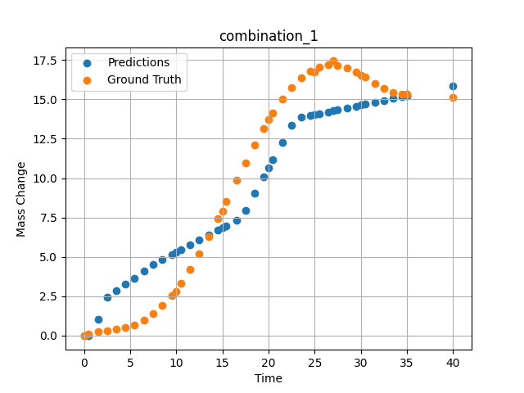
1000 | 0 | 25 | 25 | 25 | 25 | 0 | 0 | 0 | 40 | 15.11627907 | 15.839015961
1000 | 0 | 25 | 25 | 25 | 25 | 0 | 0 | 0 | 0.49049 | 0.11352 | -0.014224653132
1000 | 0 | 25 | 25 | 25 | 25 | 0 | 0 | 0 | 1.50651 | 0.25315 | 1.0243015289
1000 | 0 | 25 | 25 | 25 | 25 | 0 | 0 | 0 | 2.50176 | 0.3291 | 2.4372940063
1000 | 0 | 25 | 25 | 25 | 25 | 0 | 0 | 0 | 3.5035 | 0.40052 | 2.8454971313
1000 | 0 | 25 | 25 | 25 | 25 | 0 | 0 | 0 | 4.502 | 0.51111 | 3.2523784637
1000 | 0 | 25 | 25 | 25 | 25 | 0 | 0 | 0 | 5.48382 | 0.69263 | 3.6524629593
1000 | 0 | 25 | 25 | 25 | 25 | 0 | 0 | 0 | 6.499 | 0.98012 | 4.0835809708
1000 | 0 | 25 | 25 | 25 | 25 | 0 | 0 | 0 | 7.4975 | 1.38086 | 4.5163698196
1000 | 0 | 25 | 25 | 25 | 25 | 0 | 0 | 0 | 8.47889 | 1.89642 | 4.8457365036
1000 | 0 | 25 | 25 | 25 | 25 | 0 | 0 | 0 | 9.49449 | 2.55961 | 5.1583285332
1000 | 0 | 25 | 25 | 25 | 25 | 0 | 0 | 0 | 10.47599 | 3.32187 | 5.4604244232
1000 | 0 | 25 | 25 | 25 | 25 | 0 | 0 | 0 | 11.49149 | 4.22659 | 5.7729868889
1000 | 0 | 25 | 25 | 25 | 25 | 0 | 0 | 0 | 12.49059 | 5.21784 | 6.0805006027
1000 | 0 | 25 | 25 | 25 | 25 | 0 | 0 | 0 | 13.50601 | 6.30862 | 6.3930373192
1000 | 0 | 25 | 25 | 25 | 25 | 0 | 0 | 0 | 14.5045 | 7.44295 | 6.7003631592
1000 | 0 | 25 | 25 | 25 | 25 | 0 | 0 | 0 | 15.41562 | 8.51065 | 6.9807977676
1000 | 0 | 25 | 25 | 25 | 25 | 0 | 0 | 0 | 16.55405 | 9.85967 | 7.3311986923
1000 | 0 | 25 | 25 | 25 | 25 | 0 | 0 | 0 | 17.5 | 10.96697 | 7.9516572952
1000 | 0 | 25 | 25 | 25 | 25 | 0 | 0 | 0 | 18.4985 | 12.0966 | 9.0274705887
1000 | 0 | 25 | 25 | 25 | 25 | 0 | 0 | 0 | 19.497 | 13.16175 | 10.103271484
1000 | 0 | 25 | 25 | 25 | 25 | 0 | 0 | 0 | 20.47898 | 14.12223 | 11.161277771
1000 | 0 | 25 | 25 | 25 | 25 | 0 | 0 | 0 | 21.49399 | 15.00453 | 12.254871368
1000 | 0 | 25 | 25 | 25 | 25 | 0 | 0 | 0 | 22.49249 | 15.74206 | 13.330673218
1000 | 0 | 25 | 25 | 25 | 25 | 0 | 0 | 0 | 23.50851 | 16.34597 | 13.850199699
1000 | 0 | 25 | 25 | 25 | 25 | 0 | 0 | 0 | 24.50701 | 16.7853 | 13.97061348
1000 | 0 | 25 | 25 | 25 | 25 | 0 | 0 | 0 | 25.48866 | 17.0618 | 14.088998795
1000 | 0 | 25 | 25 | 25 | 25 | 0 | 0 | 0 | 26.504 | 17.1902 | 14.211443901
1000 | 0 | 25 | 25 | 25 | 25 | 0 | 0 | 0 | 27.48575 | 17.1666 | 14.329841614
1000 | 0 | 25 | 25 | 25 | 25 | 0 | 0 | 0 | 28.501 | 17.00867 | 14.45227623
1000 | 0 | 25 | 25 | 25 | 25 | 0 | 0 | 0 | 29.4995 | 16.74283 | 14.572692871
1000 | 0 | 25 | 25 | 25 | 25 | 0 | 0 | 0 | 30.48083 | 16.40843 | 14.691036224
1000 | 0 | 25 | 25 | 25 | 25 | 0 | 0 | 0 | 31.50901 | 16.02486 | 14.815032959
1000 | 0 | 25 | 25 | 25 | 25 | 0 | 0 | 0 | 32.49499 | 15.67865 | 14.933937073
1000 | 0 | 25 | 25 | 25 | 25 | 0 | 0 | 0 | 33.49349 | 15.41555 | 15.054353714
1000 | 0 | 25 | 25 | 25 | 25 | 0 | 0 | 0 | 34.49199 | 15.31626 | 15.174766541
1000 | 0 | 25 | 25 | 25 | 25 | 0 | 0 | 0 | 35 | 15.34548 | 15.236032486

combination_2
1000.0, 20.0, 20.0, 0.0, 20.0, 20.0, 20.0, 0.0
Temperature [C] | Zr [at%] | Nb [at%] | Mo [at%] | Cr [at%] | Al [at%] | Ti [at%] | Ta [at%] | W [at%] | Time [h] | Mass Change [mg.cm2] | Mass change - predictions
1000 | 0 | 20 | 20 | 20 | 20 | 20 | 0 | 0 | 50 | 11.395348837 | 7.8765354156
1000 | 0 | 20 | 20 | 20 | 20 | 20 | 0 | 0 | 40 | 8.1395348837 | 6.7486243248
1000 | 0 | 20 | 20 | 20 | 20 | 20 | 0 | 0 | 35 | 6.976744186 | 6.1846694946
1000 | 0 | 20 | 20 | 20 | 20 | 20 | 0 | 0 | 30 | 5.5813953488 | 5.6207151413
1000 | 0 | 20 | 20 | 20 | 20 | 20 | 0 | 0 | 25 | 4.4186046512 | 5.0567584038
1000 | 0 | 20 | 20 | 20 | 20 | 20 | 0 | 0 | 20 | 3.2558139535 | 4.4928035736
1000 | 0 | 20 | 20 | 20 | 20 | 20 | 0 | 0 | 15 | 2.6046511628 | 3.9288496971
1000 | 0 | 20 | 20 | 20 | 20 | 20 | 0 | 0 | 10 | 1.8604651163 | 3.1830325127
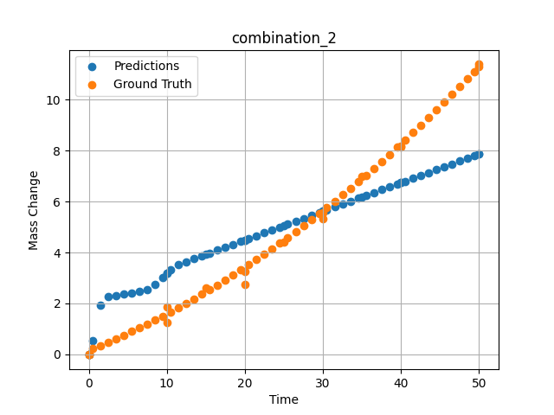
1000 | 0 | 20 | 20 | 20 | 20 | 20 | 0 | 0 | 0 | 0 | -0.018866300583
1000 | 0 | 20 | 20 | 20 | 20 | 20 | 0 | 0 | 0 | 0 | -0.018866300583
1000 | 0 | 20 | 20 | 20 | 20 | 20 | 0 | 0 | 10 | 1.2533333333 | 3.1830329895
1000 | 0 | 20 | 20 | 20 | 20 | 20 | 0 | 0 | 20 | 2.7466666667 | 4.4928035736
1000 | 0 | 20 | 20 | 20 | 20 | 20 | 0 | 0 | 30 | 5.3333333333 | 5.6207151413
1000 | 0 | 20 | 20 | 20 | 20 | 20 | 0 | 0 | 40 | 8.1866666667 | 6.7486243248
1000 | 0 | 20 | 20 | 20 | 20 | 20 | 0 | 0 | 0 | 0 | -0.018866386265
1000 | 0 | 20 | 20 | 20 | 20 | 20 | 0 | 0 | 0.49787 | 0.22717 | 0.53419971466
1000 | 0 | 20 | 20 | 20 | 20 | 20 | 0 | 0 | 1.47648 | 0.35069 | 1.932425499
1000 | 0 | 20 | 20 | 20 | 20 | 20 | 0 | 0 | 2.47748 | 0.48101 | 2.2687287331
1000 | 0 | 20 | 20 | 20 | 20 | 20 | 0 | 0 | 3.47848 | 0.61536 | 2.3200740814
1000 | 0 | 20 | 20 | 20 | 20 | 20 | 0 | 0 | 4.47948 | 0.75375 | 2.3714189529
1000 | 0 | 20 | 20 | 20 | 20 | 20 | 0 | 0 | 5.48048 | 0.89617 | 2.4227643013
1000 | 0 | 20 | 20 | 20 | 20 | 20 | 0 | 0 | 6.48148 | 1.04262 | 2.474108696
1000 | 0 | 20 | 20 | 20 | 20 | 20 | 0 | 0 | 7.48248 | 1.19311 | 2.5264792442
1000 | 0 | 20 | 20 | 20 | 20 | 20 | 0 | 0 | 8.48348 | 1.34763 | 2.7437086105
1000 | 0 | 20 | 20 | 20 | 20 | 20 | 0 | 0 | 9.48448 | 1.50619 | 3.0304985046
1000 | 0 | 20 | 20 | 20 | 20 | 20 | 0 | 0 | 10.46237 | 1.66499 | 3.3198447227
1000 | 0 | 20 | 20 | 20 | 20 | 20 | 0 | 0 | 11.48649 | 1.8354 | 3.5325574875
1000 | 0 | 20 | 20 | 20 | 20 | 20 | 0 | 0 | 12.48749 | 2.00606 | 3.6454615593
1000 | 0 | 20 | 20 | 20 | 20 | 20 | 0 | 0 | 13.48849 | 2.18075 | 3.7583651543
1000 | 0 | 20 | 20 | 20 | 20 | 20 | 0 | 0 | 14.48949 | 2.35947 | 3.8712697029
1000 | 0 | 20 | 20 | 20 | 20 | 20 | 0 | 0 | 15.46713 | 2.53794 | 3.9815382957
1000 | 0 | 20 | 20 | 20 | 20 | 20 | 0 | 0 | 16.49149 | 2.72902 | 4.0970754623
1000 | 0 | 20 | 20 | 20 | 20 | 20 | 0 | 0 | 17.49249 | 2.91985 | 4.2099809647
1000 | 0 | 20 | 20 | 20 | 20 | 20 | 0 | 0 | 18.49349 | 3.11471 | 4.3228840828
1000 | 0 | 20 | 20 | 20 | 20 | 20 | 0 | 0 | 19.49449 | 3.3136 | 4.4357857704
1000 | 0 | 20 | 20 | 20 | 20 | 20 | 0 | 0 | 20.4719 | 3.51171 | 4.5460305214
1000 | 0 | 20 | 20 | 20 | 20 | 20 | 0 | 0 | 21.4965 | 3.72349 | 4.6615958214
1000 | 0 | 20 | 20 | 20 | 20 | 20 | 0 | 0 | 22.4975 | 3.93448 | 4.7744998932
1000 | 0 | 20 | 20 | 20 | 20 | 20 | 0 | 0 | 23.4985 | 4.14951 | 4.887403965
1000 | 0 | 20 | 20 | 20 | 20 | 20 | 0 | 0 | 24.4995 | 4.36857 | 5.0003085136
1000 | 0 | 20 | 20 | 20 | 20 | 20 | 0 | 0 | 25.47667 | 4.58632 | 5.1105222702
1000 | 0 | 20 | 20 | 20 | 20 | 20 | 0 | 0 | 26.5015 | 4.81879 | 5.2261128426
1000 | 0 | 20 | 20 | 20 | 20 | 20 | 0 | 0 | 27.5025 | 5.04996 | 5.3390197754
1000 | 0 | 20 | 20 | 20 | 20 | 20 | 0 | 0 | 28.5035 | 5.28515 | 5.4519228935
1000 | 0 | 20 | 20 | 20 | 20 | 20 | 0 | 0 | 29.5045 | 5.52438 | 5.564825058
1000 | 0 | 20 | 20 | 20 | 20 | 20 | 0 | 0 | 30.48143 | 5.76176 | 5.6750164032
1000 | 0 | 20 | 20 | 20 | 20 | 20 | 0 | 0 | 31.50651 | 6.01494 | 5.7906351089
1000 | 0 | 20 | 20 | 20 | 20 | 20 | 0 | 0 | 32.50751 | 6.26627 | 5.9035367966
1000 | 0 | 20 | 20 | 20 | 20 | 20 | 0 | 0 | 33.50851 | 6.52164 | 6.0164432526
1000 | 0 | 20 | 20 | 20 | 20 | 20 | 0 | 0 | 34.50951 | 6.78104 | 6.1293468475
1000 | 0 | 20 | 20 | 20 | 20 | 20 | 0 | 0 | 35.4862 | 7.03804 | 6.239508152
1000 | 0 | 20 | 20 | 20 | 20 | 20 | 0 | 0 | 36.51151 | 7.31193 | 6.3551540375
1000 | 0 | 20 | 20 | 20 | 20 | 20 | 0 | 0 | 37.51251 | 7.58343 | 6.4680581093
1000 | 0 | 20 | 20 | 20 | 20 | 20 | 0 | 0 | 38.51351 | 7.85896 | 6.5809602737
1000 | 0 | 20 | 20 | 20 | 20 | 20 | 0 | 0 | 39.51451 | 8.13853 | 6.6938633919
1000 | 0 | 20 | 20 | 20 | 20 | 20 | 0 | 0 | 40.49097 | 8.41514 | 6.8039989471
1000 | 0 | 20 | 20 | 20 | 20 | 20 | 0 | 0 | 41.51652 | 8.70977 | 6.919675827
1000 | 0 | 20 | 20 | 20 | 20 | 20 | 0 | 0 | 42.51752 | 9.00143 | 7.0325775146
1000 | 0 | 20 | 20 | 20 | 20 | 20 | 0 | 0 | 43.51852 | 9.29713 | 7.1454820633
1000 | 0 | 20 | 20 | 20 | 20 | 20 | 0 | 0 | 44.51952 | 9.59687 | 7.2583856583
1000 | 0 | 20 | 20 | 20 | 20 | 20 | 0 | 0 | 45.52052 | 9.90064 | 7.3712873459
1000 | 0 | 20 | 20 | 20 | 20 | 20 | 0 | 0 | 46.52152 | 10.20844 | 7.4841928482
1000 | 0 | 20 | 20 | 20 | 20 | 20 | 0 | 0 | 47.52252 | 10.52028 | 7.5970973969
1000 | 0 | 20 | 20 | 20 | 20 | 20 | 0 | 0 | 48.52352 | 10.83615 | 7.7100000381
1000 | 0 | 20 | 20 | 20 | 20 | 20 | 0 | 0 | 49.34935 | 11.09968 | 7.8031454086
1000 | 0 | 20 | 20 | 20 | 20 | 20 | 0 | 0 | 50 | 11.30925 | 7.8765354156

combination_3
1200.0, 19.5, 0.0, 20.1, 20.4, 19.8, 20.2, 0.0
Temperature [C] | Zr [at%] | Nb [at%] | Mo [at%] | Cr [at%] | Al [at%] | Ti [at%] | Ta [at%] | W [at%] | Time [h] | Mass Change [mg.cm2] | Mass change - predictions
1200 | 0 | 0 | 19.5 | 19.8 | 20.2 | 20.4 | 20.1 | 0 | 0 | 0 | -0.052371595055
1200 | 0 | 0 | 19.5 | 19.8 | 20.2 | 20.4 | 20.1 | 0 | 5 | 2.5454545455 | 3.2643351555
1200 | 0 | 0 | 19.5 | 19.8 | 20.2 | 20.4 | 20.1 | 0 | 10 | 3.5151515152 | 4.7319660187
1200 | 0 | 0 | 19.5 | 19.8 | 20.2 | 20.4 | 20.1 | 0 | 15 | 4.2424242424 | 5.3232545853
1200 | 0 | 0 | 19.5 | 19.8 | 20.2 | 20.4 | 20.1 | 0 | 20 | 4.8484848485 | 5.6397161484
1200 | 0 | 0 | 19.5 | 19.8 | 20.2 | 20.4 | 20.1 | 0 | 24 | 5.2727272727 | 5.9016413689
1200 | 0 | 0 | 19.5 | 19.8 | 20.2 | 20.4 | 20.1 | 0 | 0 | 0 | -0.052371595055
1200 | 0 | 0 | 19.5 | 19.8 | 20.2 | 20.4 | 20.1 | 0 | 5 | 2.5 | 3.2643351555
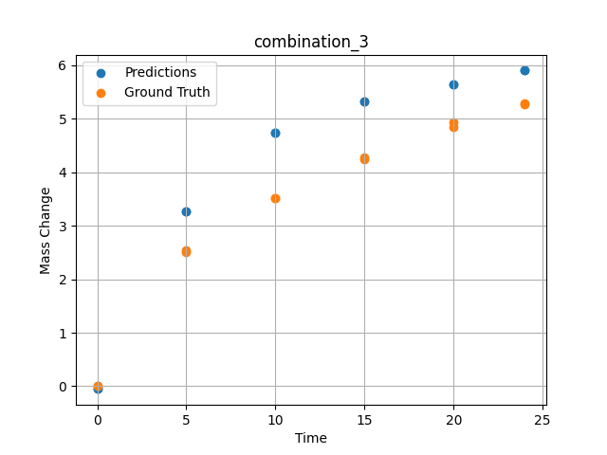
1200 | 0 | 0 | 19.5 | 19.8 | 20.2 | 20.4 | 20.1 | 0 | 10 | 3.5227272727 | 4.7319660187
1200 | 0 | 0 | 19.5 | 19.8 | 20.2 | 20.4 | 20.1 | 0 | 15 | 4.2727272727 | 5.3232545853
1200 | 0 | 0 | 19.5 | 19.8 | 20.2 | 20.4 | 20.1 | 0 | 20 | 4.9318181818 | 5.6397161484
1200 | 0 | 0 | 19.5 | 19.8 | 20.2 | 20.4 | 20.1 | 0 | 24 | 5.2954545455 | 5.9016413689

combination_4
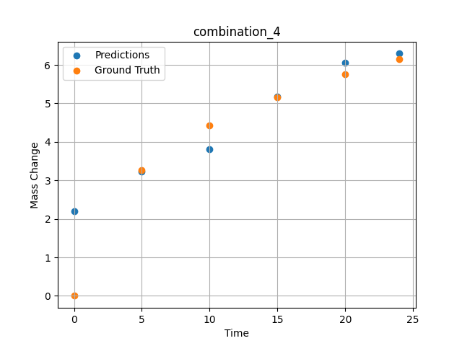
1200.0, 22.4, 0.0, 22.6, 10.1, 22.6, 22.3, 0.0
Temperature [C] | Zr [at%] | Nb [at%] | Mo [at%] | Cr [at%] | Al [at%] | Ti [at%] | Ta [at%] | W [at%] | Time [h] | Mass Change [mg.cm2] | Mass change - predictions
1200 | 0 | 0 | 22.4 | 22.6 | 22.3 | 10.1 | 22.6 | 0 | 0 | 0 | 2.2033963203
1200 | 0 | 0 | 22.4 | 22.6 | 22.3 | 10.1 | 22.6 | 0 | 5 | 3.2727272727 | 3.2277545929
1200 | 0 | 0 | 22.4 | 22.6 | 22.3 | 10.1 | 22.6 | 0 | 10 | 4.4242424242 | 3.8117156029
1200 | 0 | 0 | 22.4 | 22.6 | 22.3 | 10.1 | 22.6 | 0 | 15 | 5.1515151515 | 5.1779909134
1200 | 0 | 0 | 22.4 | 22.6 | 22.3 | 10.1 | 22.6 | 0 | 20 | 5.7575757576 | 6.0487108231
1200 | 0 | 0 | 22.4 | 22.6 | 22.3 | 10.1 | 22.6 | 0 | 24 | 6.1575757576 | 6.2933602333

combination_5
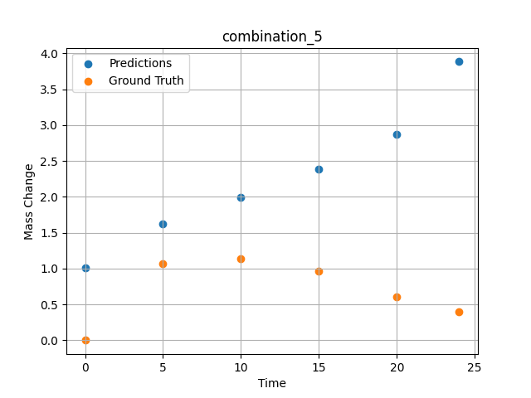
1200.0, 25.3, 0.0, 24.9, 0.0, 24.8, 25.0, 0.0
Temperature [C] | Zr [at%] | Nb [at%] | Mo [at%] | Cr [at%] | Al [at%] | Ti [at%] | Ta [at%] | W [at%] | Time [h] | Mass Change [mg.cm2] | Mass change - predictions
1200 | 0 | 0 | 25.3 | 24.8 | 25 | 0 | 24.9 | 0 | 0 | 0 | 1.0151138306
1200 | 0 | 0 | 25.3 | 24.8 | 25 | 0 | 24.9 | 0 | 5 | 1.0666666667 | 1.618909359
1200 | 0 | 0 | 25.3 | 24.8 | 25 | 0 | 24.9 | 0 | 10 | 1.1393939394 | 1.9970326424
1200 | 0 | 0 | 25.3 | 24.8 | 25 | 0 | 24.9 | 0 | 15 | 0.9696969697 | 2.3902525902
1200 | 0 | 0 | 25.3 | 24.8 | 25 | 0 | 24.9 | 0 | 20 | 0.60606060606 | 2.8764176369
1200 | 0 | 0 | 25.3 | 24.8 | 25 | 0 | 24.9 | 0 | 24 | 0.4 | 3.8841552734

combination_6
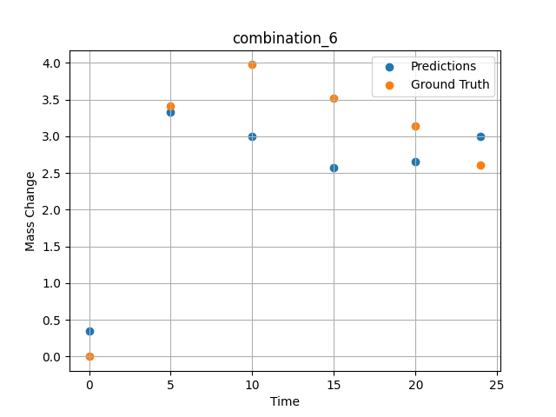
1200.0, 23.5, 0.0, 5.1, 23.7, 23.8, 23.9, 0.0
Temperature [C] | Zr [at%] | Nb [at%] | Mo [at%] | Cr [at%] | Al [at%] | Ti [at%] | Ta [at%] | W [at%] | Time [h] | Mass Change [mg.cm2] | Mass change - predictions
1200 | 0 | 0 | 23.5 | 23.8 | 23.9 | 23.7 | 5.1 | 0 | 0 | 0 | 0.35253334045
1200 | 0 | 0 | 23.5 | 23.8 | 23.9 | 23.7 | 5.1 | 0 | 5 | 3.4090909091 | 3.3318314552
1200 | 0 | 0 | 23.5 | 23.8 | 23.9 | 23.7 | 5.1 | 0 | 10 | 3.9772727273 | 3.0000281334
1200 | 0 | 0 | 23.5 | 23.8 | 23.9 | 23.7 | 5.1 | 0 | 15 | 3.5227272727 | 2.5717587471
1200 | 0 | 0 | 23.5 | 23.8 | 23.9 | 23.7 | 5.1 | 0 | 20 | 3.1363636364 | 2.6580953598
1200 | 0 | 0 | 23.5 | 23.8 | 23.9 | 23.7 | 5.1 | 0 | 24 | 2.6136363636 | 3.001812458

combination_7
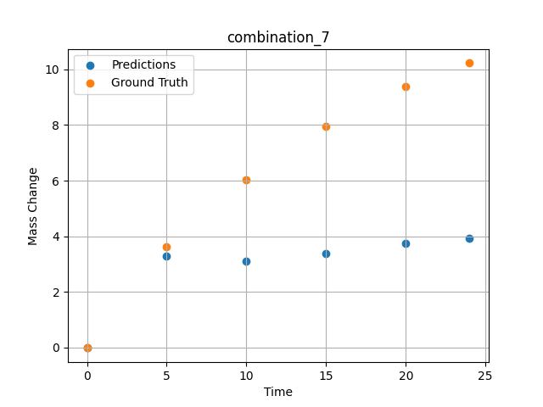
1200.0, 22.3, 0.0, 10.2, 22.7, 22.4, 22.4, 0.0
Temperature [C] | Zr [at%] | Nb [at%] | Mo [at%] | Cr [at%] | Al [at%] | Ti [at%] | Ta [at%] | W [at%] | Time [h] | Mass Change [mg.cm2] | Mass change - predictions
1200 | 0 | 0 | 22.3 | 22.4 | 22.4 | 22.7 | 10.2 | 0 | 0 | 0 | -0.016103876755
1200 | 0 | 0 | 22.3 | 22.4 | 22.4 | 22.7 | 10.2 | 0 | 5 | 3.6363636364 | 3.3021373749
1200 | 0 | 0 | 22.3 | 22.4 | 22.4 | 22.7 | 10.2 | 0 | 10 | 6.0227272727 | 3.1067528725
1200 | 0 | 0 | 22.3 | 22.4 | 22.4 | 22.7 | 10.2 | 0 | 15 | 7.9545454545 | 3.3828577995
1200 | 0 | 0 | 22.3 | 22.4 | 22.4 | 22.7 | 10.2 | 0 | 20 | 9.3863636364 | 3.7312779427
1200 | 0 | 0 | 22.3 | 22.4 | 22.4 | 22.7 | 10.2 | 0 | 24 | 10.227272727 | 3.9283132553

combination_8
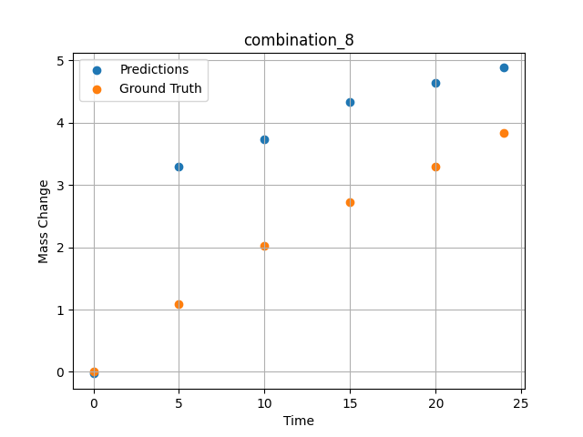
1200.0, 21.4, 0.0, 14.8, 21.1, 21.3, 21.4, 0.0
Temperature [C] | Zr [at%] | Nb [at%] | Mo [at%] | Cr [at%] | Al [at%] | Ti [at%] | Ta [at%] | W [at%] | Time [h] | Mass Change [mg.cm2] | Mass change - predictions
1200 | 0 | 0 | 21.4 | 21.3 | 21.4 | 21.1 | 14.8 | 0 | 0 | 0 | -0.028089178726
1200 | 0 | 0 | 21.4 | 21.3 | 21.4 | 21.1 | 14.8 | 0 | 5 | 1.0909090909 | 3.2887101173
1200 | 0 | 0 | 21.4 | 21.3 | 21.4 | 21.1 | 14.8 | 0 | 10 | 2.0227272727 | 3.7381286621
1200 | 0 | 0 | 21.4 | 21.3 | 21.4 | 21.1 | 14.8 | 0 | 15 | 2.7272727273 | 4.3392591476
1200 | 0 | 0 | 21.4 | 21.3 | 21.4 | 21.1 | 14.8 | 0 | 20 | 3.2954545455 | 4.6407322884
1200 | 0 | 0 | 21.4 | 21.3 | 21.4 | 21.1 | 14.8 | 0 | 24 | 3.8409090909 | 4.8819117546

combination_9
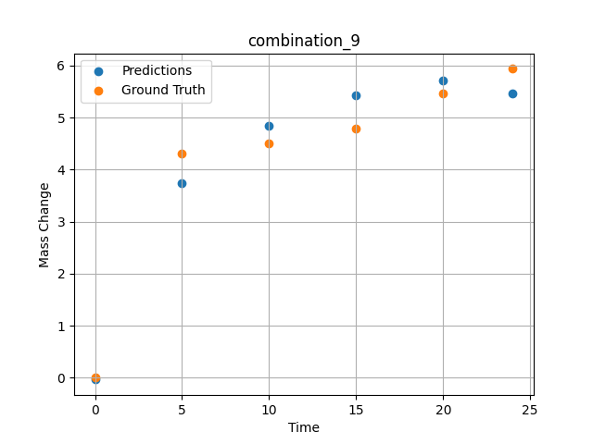
1200.0, 23.7, 0.0, 23.7, 23.8, 23.8, 5.0, 0.0
Temperature [C] | Zr [at%] | Nb [at%] | Mo [at%] | Cr [at%] | Al [at%] | Ti [at%] | Ta [at%] | W [at%] | Time [h] | Mass Change [mg.cm2] | Mass change - predictions
1200 | 0 | 0 | 23.7 | 23.8 | 5 | 23.8 | 23.7 | 0 | 0 | 0 | -0.034447107464
1200 | 0 | 0 | 23.7 | 23.8 | 5 | 23.8 | 23.7 | 0 | 5 | 4.3090909091 | 3.7391681671
1200 | 0 | 0 | 23.7 | 23.8 | 5 | 23.8 | 23.7 | 0 | 10 | 4.5054545455 | 4.8438839912
1200 | 0 | 0 | 23.7 | 23.8 | 5 | 23.8 | 23.7 | 0 | 15 | 4.7890909091 | 5.4298267365
1200 | 0 | 0 | 23.7 | 23.8 | 5 | 23.8 | 23.7 | 0 | 20 | 5.4654545455 | 5.7064495087
1200 | 0 | 0 | 23.7 | 23.8 | 5 | 23.8 | 23.7 | 0 | 24 | 5.9345454545 | 5.4570655823

combination_10
1200.0, 22.5, 0.0, 22.5, 22.5, 22.5, 10.0, 0.0
Temperature [C] | Zr [at%] | Nb [at%] | Mo [at%] | Cr [at%] | Al [at%] | Ti [at%] | Ta [at%] | W [at%] | Time [h] | Mass Change [mg.cm2] | Mass change - predictions
1200 | 0 | 0 | 22.5 | 22.5 | 10 | 22.5 | 22.5 | 0 | 0 | 0 | -0.045199334621
1200 | 0 | 0 | 22.5 | 22.5 | 10 | 22.5 | 22.5 | 0 | 5 | 2.3781818182 | 3.46073246
1200 | 0 | 0 | 22.5 | 22.5 | 10 | 22.5 | 22.5 | 0 | 10 | 3.0981818182 | 4.7404780388
1200 | 0 | 0 | 22.5 | 22.5 | 10 | 22.5 | 22.5 | 0 | 15 | 3.48 | 5.2980365753
1200 | 0 | 0 | 22.5 | 22.5 | 10 | 22.5 | 22.5 | 0 | 20 | 4.0909090909 | 5.5746588707
1200 | 0 | 0 | 22.5 | 22.5 | 10 | 22.5 | 22.5 | 0 | 24 | 4.68 | 5.7959580421
1200 | 0 | 0 | 22.5 | 22.5 | 10 | 22.5 | 22.5 | 0 | 0 | 0 | -0.045199334621
1200 | 0 | 0 | 22.5 | 22.5 | 10 | 22.5 | 22.5 | 0 | 0.49077 | 0.78063 | -0.022770004347
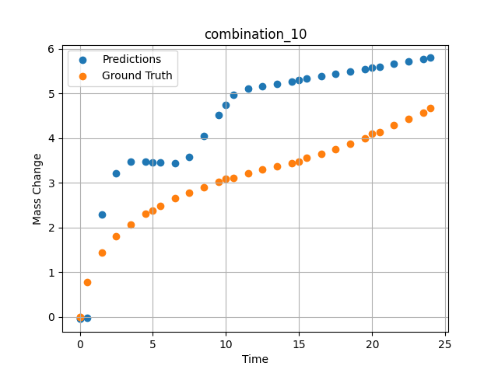
1200 | 0 | 0 | 22.5 | 22.5 | 10 | 22.5 | 22.5 | 0 | 1.49172 | 1.44748 | 2.2975997925
1200 | 0 | 0 | 22.5 | 22.5 | 10 | 22.5 | 22.5 | 0 | 2.49281 | 1.80541 | 3.2148079872
1200 | 0 | 0 | 22.5 | 22.5 | 10 | 22.5 | 22.5 | 0 | 3.49402 | 2.06956 | 3.4786410332
1200 | 0 | 0 | 22.5 | 22.5 | 10 | 22.5 | 22.5 | 0 | 4.4952 | 2.31087 | 3.4667358398
1200 | 0 | 0 | 22.5 | 22.5 | 10 | 22.5 | 22.5 | 0 | 5.49645 | 2.48841 | 3.4548287392
1200 | 0 | 0 | 22.5 | 22.5 | 10 | 22.5 | 22.5 | 0 | 6.49787 | 2.65793 | 3.4414601326
1200 | 0 | 0 | 22.5 | 22.5 | 10 | 22.5 | 22.5 | 0 | 7.49956 | 2.78535 | 3.5701022148
1200 | 0 | 0 | 22.5 | 22.5 | 10 | 22.5 | 22.5 | 0 | 8.50125 | 2.90731 | 4.0487108231
1200 | 0 | 0 | 22.5 | 22.5 | 10 | 22.5 | 22.5 | 0 | 9.50311 | 3.02433 | 4.5225687027
1200 | 0 | 0 | 22.5 | 22.5 | 10 | 22.5 | 22.5 | 0 | 10.50501 | 3.11618 | 4.9619503021
1200 | 0 | 0 | 22.5 | 22.5 | 10 | 22.5 | 22.5 | 0 | 11.50721 | 3.20469 | 5.1048002243
1200 | 0 | 0 | 22.5 | 22.5 | 10 | 22.5 | 22.5 | 0 | 12.49975 | 3.29282 | 5.1597113609
1200 | 0 | 0 | 22.5 | 22.5 | 10 | 22.5 | 22.5 | 0 | 13.4923 | 3.37455 | 5.2146244049
1200 | 0 | 0 | 22.5 | 22.5 | 10 | 22.5 | 22.5 | 0 | 14.49455 | 3.44501 | 5.270072937
1200 | 0 | 0 | 22.5 | 22.5 | 10 | 22.5 | 22.5 | 0 | 15.49708 | 3.552 | 5.3255376816
1200 | 0 | 0 | 22.5 | 22.5 | 10 | 22.5 | 22.5 | 0 | 16.49956 | 3.65536 | 5.3809986115
1200 | 0 | 0 | 22.5 | 22.5 | 10 | 22.5 | 22.5 | 0 | 17.50221 | 3.7515 | 5.4364700317
1200 | 0 | 0 | 22.5 | 22.5 | 10 | 22.5 | 22.5 | 0 | 18.5051 | 3.87105 | 5.4919557571
1200 | 0 | 0 | 22.5 | 22.5 | 10 | 22.5 | 22.5 | 0 | 19.50793 | 3.99229 | 5.5474357605
1200 | 0 | 0 | 22.5 | 22.5 | 10 | 22.5 | 22.5 | 0 | 20.50125 | 4.1354 | 5.6023907661
1200 | 0 | 0 | 22.5 | 22.5 | 10 | 22.5 | 22.5 | 0 | 21.49483 | 4.29738 | 5.6573600769
1200 | 0 | 0 | 22.5 | 22.5 | 10 | 22.5 | 22.5 | 0 | 22.49819 | 4.43636 | 5.7128705978
1200 | 0 | 0 | 22.5 | 22.5 | 10 | 22.5 | 22.5 | 0 | 23.49208 | 4.57312 | 5.7678565979

combination_11
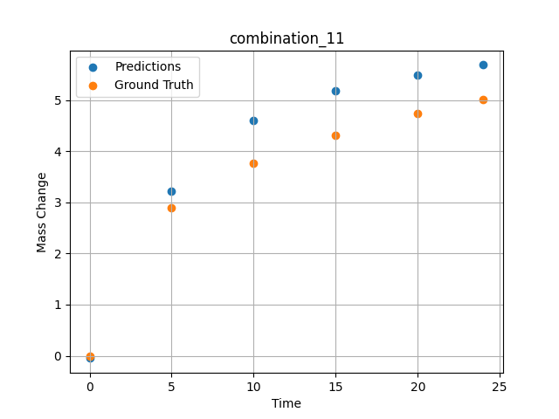
1200.0, 21.25, 0.0, 21.25, 21.25, 21.25, 15.0, 0.0
Temperature [C] | Zr [at%] | Nb [at%] | Mo [at%] | Cr [at%] | Al [at%] | Ti [at%] | Ta [at%] | W [at%] | Time [h] | Mass Change [mg.cm2] | Mass change - predictions
1200 | 0 | 0 | 21.25 | 21.25 | 15 | 21.25 | 21.25 | 0 | 0 | 0 | -0.049519624561
1200 | 0 | 0 | 21.25 | 21.25 | 15 | 21.25 | 21.25 | 0 | 5 | 2.9018181818 | 3.2220196724
1200 | 0 | 0 | 21.25 | 21.25 | 15 | 21.25 | 21.25 | 0 | 10 | 3.7745454545 | 4.6036839485
1200 | 0 | 0 | 21.25 | 21.25 | 15 | 21.25 | 21.25 | 0 | 15 | 4.3090909091 | 5.1816697121
1200 | 0 | 0 | 21.25 | 21.25 | 15 | 21.25 | 21.25 | 0 | 20 | 4.7454545455 | 5.4900465012
1200 | 0 | 0 | 21.25 | 21.25 | 15 | 21.25 | 21.25 | 0 | 24 | 5.0072727273 | 5.6914935112

combination_12
1200.0, 20.0, 0.0, 20.0, 20.0, 20.0, 20.0, 0.0
Temperature [C] | Zr [at%] | Nb [at%] | Mo [at%] | Cr [at%] | Al [at%] | Ti [at%] | Ta [at%] | W [at%] | Time [h] | Mass Change [mg.cm2] | Mass change - predictions
1200 | 0 | 0 | 20 | 20 | 20 | 20 | 20 | 0 | 0 | 0 | -0.047310352325
1200 | 0 | 0 | 20 | 20 | 20 | 20 | 20 | 0 | 5 | 2.5636363636 | 3.2662134171
1200 | 0 | 0 | 20 | 20 | 20 | 20 | 20 | 0 | 10 | 3.5563636364 | 4.684381485
1200 | 0 | 0 | 20 | 20 | 20 | 20 | 20 | 0 | 15 | 4.3090909091 | 5.2695541382
1200 | 0 | 0 | 20 | 20 | 20 | 20 | 20 | 0 | 20 | 4.9090909091 | 5.5860157013
1200 | 0 | 0 | 20 | 20 | 20 | 20 | 20 | 0 | 24 | 5.3127272727 | 5.8391842842
1200 | 0 | 0 | 20 | 20 | 20 | 20 | 20 | 0 | 0 | 0 | -0.047310352325
1200 | 0 | 0 | 20 | 20 | 20 | 20 | 20 | 0 | 0.49082 | 0.71629 | -0.024977339432
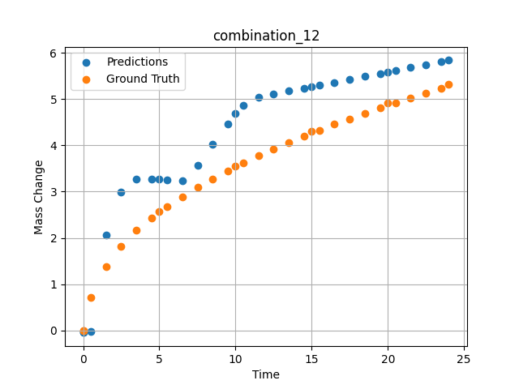
1200 | 0 | 0 | 20 | 20 | 20 | 20 | 20 | 0 | 1.49163 | 1.38441 | 2.0561065674
1200 | 0 | 0 | 20 | 20 | 20 | 20 | 20 | 0 | 2.49268 | 1.82409 | 2.9960398674
1200 | 0 | 0 | 20 | 20 | 20 | 20 | 20 | 0 | 3.49411 | 2.16264 | 3.2770719528
1200 | 0 | 0 | 20 | 20 | 20 | 20 | 20 | 0 | 4.49594 | 2.43164 | 3.2760119438
1200 | 0 | 0 | 20 | 20 | 20 | 20 | 20 | 0 | 5.4981 | 2.67331 | 3.256529808
1200 | 0 | 0 | 20 | 20 | 20 | 20 | 20 | 0 | 6.50068 | 2.89296 | 3.2370409966
1200 | 0 | 0 | 20 | 20 | 20 | 20 | 20 | 0 | 7.50329 | 3.09115 | 3.577044487
1200 | 0 | 0 | 20 | 20 | 20 | 20 | 20 | 0 | 8.50608 | 3.27802 | 4.021800518
1200 | 0 | 0 | 20 | 20 | 20 | 20 | 20 | 0 | 9.49939 | 3.4518 | 4.4623513222
1200 | 0 | 0 | 20 | 20 | 20 | 20 | 20 | 0 | 10.4927 | 3.61285 | 4.8718290329
1200 | 0 | 0 | 20 | 20 | 20 | 20 | 20 | 0 | 11.49578 | 3.77185 | 5.0477638245
1200 | 0 | 0 | 20 | 20 | 20 | 20 | 20 | 0 | 12.49916 | 3.91739 | 5.1112709045
1200 | 0 | 0 | 20 | 20 | 20 | 20 | 20 | 0 | 13.50283 | 4.06345 | 5.1747946739
1200 | 0 | 0 | 20 | 20 | 20 | 20 | 20 | 0 | 14.50662 | 4.19848 | 5.2383275032
1200 | 0 | 0 | 20 | 20 | 20 | 20 | 20 | 0 | 15.50099 | 4.32824 | 5.3012628555
1200 | 0 | 0 | 20 | 20 | 20 | 20 | 20 | 0 | 16.49547 | 4.45466 | 5.3642053604
1200 | 0 | 0 | 20 | 20 | 20 | 20 | 20 | 0 | 17.49982 | 4.57472 | 5.4277739525
1200 | 0 | 0 | 20 | 20 | 20 | 20 | 20 | 0 | 18.50429 | 4.69457 | 5.4913482666
1200 | 0 | 0 | 20 | 20 | 20 | 20 | 20 | 0 | 19.49921 | 4.81208 | 5.5543189049
1200 | 0 | 0 | 20 | 20 | 20 | 20 | 20 | 0 | 20.49437 | 4.92042 | 5.6173057556
1200 | 0 | 0 | 20 | 20 | 20 | 20 | 20 | 0 | 21.4995 | 5.02611 | 5.6809215546
1200 | 0 | 0 | 20 | 20 | 20 | 20 | 20 | 0 | 22.50475 | 5.1328 | 5.7445468903
1200 | 0 | 0 | 20 | 20 | 20 | 20 | 20 | 0 | 23.50061 | 5.23529 | 5.8075761795

combination_13
1200.0, 0.0, 50.0, 0.0, 0.0, 50.0, 0.0, 0.0
Temperature [C] | Zr [at%] | Nb [at%] | Mo [at%] | Cr [at%] | Al [at%] | Ti [at%] | Ta [at%] | W [at%] | Time [h] | Mass Change [mg.cm2] | Mass change - predictions
1200 | 0 | 50 | 0 | 50 | 0 | 0 | 0 | 0 | 0 | 0 | 0.095964431763
1200 | 0 | 50 | 0 | 50 | 0 | 0 | 0 | 0 | 1 | 3.6496350365 | 2.2522416115
1200 | 0 | 50 | 0 | 50 | 0 | 0 | 0 | 0 | 8 | 8.6131386861 | 7.8392438889
1200 | 0 | 50 | 0 | 50 | 0 | 0 | 0 | 0 | 24 | 14.6 | 14.164232254
1200 | 0 | 50 | 0 | 50 | 0 | 0 | 0 | 0 | 0 | 0 | 0.095964431763
1200 | 0 | 50 | 0 | 50 | 0 | 0 | 0 | 0 | 0.49249 | 1.52361 | 1.1579151154
1200 | 0 | 50 | 0 | 50 | 0 | 0 | 0 | 0 | 1.5015 | 3.90346 | 3.3336238861
1200 | 0 | 50 | 0 | 50 | 0 | 0 | 0 | 0 | 2.4985 | 5.41279 | 5.4834456444
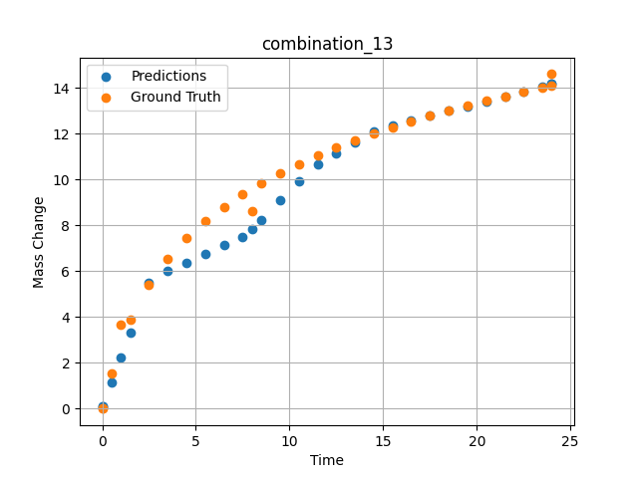
1200 | 0 | 50 | 0 | 50 | 0 | 0 | 0 | 0 | 3.4955 | 6.52981 | 5.9925398827
1200 | 0 | 50 | 0 | 50 | 0 | 0 | 0 | 0 | 4.5045 | 7.42843 | 6.3721122742
1200 | 0 | 50 | 0 | 50 | 0 | 0 | 0 | 0 | 5.5015 | 8.16539 | 6.7471747398
1200 | 0 | 50 | 0 | 50 | 0 | 0 | 0 | 0 | 6.4985 | 8.79549 | 7.1222324371
1200 | 0 | 50 | 0 | 50 | 0 | 0 | 0 | 0 | 7.4955 | 9.34644 | 7.4972929955
1200 | 0 | 50 | 0 | 50 | 0 | 0 | 0 | 0 | 8.49249 | 9.83548 | 8.2487068176
1200 | 0 | 50 | 0 | 50 | 0 | 0 | 0 | 0 | 9.5015 | 10.28047 | 9.0876064301
1200 | 0 | 50 | 0 | 50 | 0 | 0 | 0 | 0 | 10.4985 | 10.67984 | 9.9165229797
1200 | 0 | 50 | 0 | 50 | 0 | 0 | 0 | 0 | 11.4955 | 11.04568 | 10.660745621
1200 | 0 | 50 | 0 | 50 | 0 | 0 | 0 | 0 | 12.5045 | 11.38726 | 11.14922905
1200 | 0 | 50 | 0 | 50 | 0 | 0 | 0 | 0 | 13.5015 | 11.70052 | 11.631737709
1200 | 0 | 50 | 0 | 50 | 0 | 0 | 0 | 0 | 14.4985 | 11.99278 | 12.114246368
1200 | 0 | 50 | 0 | 50 | 0 | 0 | 0 | 0 | 15.4955 | 12.26682 | 12.34719944
1200 | 0 | 50 | 0 | 50 | 0 | 0 | 0 | 0 | 16.49249 | 12.52465 | 12.560210228
1200 | 0 | 50 | 0 | 50 | 0 | 0 | 0 | 0 | 17.5015 | 12.77103 | 12.775792122
1200 | 0 | 50 | 0 | 50 | 0 | 0 | 0 | 0 | 18.4985 | 13.0016 | 12.988805771
1200 | 0 | 50 | 0 | 50 | 0 | 0 | 0 | 0 | 19.4955 | 13.22059 | 13.201820374
1200 | 0 | 50 | 0 | 50 | 0 | 0 | 0 | 0 | 20.5045 | 13.43163 | 13.417398453
1200 | 0 | 50 | 0 | 50 | 0 | 0 | 0 | 0 | 21.5015 | 13.63064 | 13.630413055
1200 | 0 | 50 | 0 | 50 | 0 | 0 | 0 | 0 | 22.4985 | 13.82097 | 13.843431473
1200 | 0 | 50 | 0 | 50 | 0 | 0 | 0 | 0 | 23.4955 | 14.0034 | 14.056443214
1200 | 0 | 50 | 0 | 50 | 0 | 0 | 0 | 0 | 24 | 14.09317 | 14.164232254

combination_14
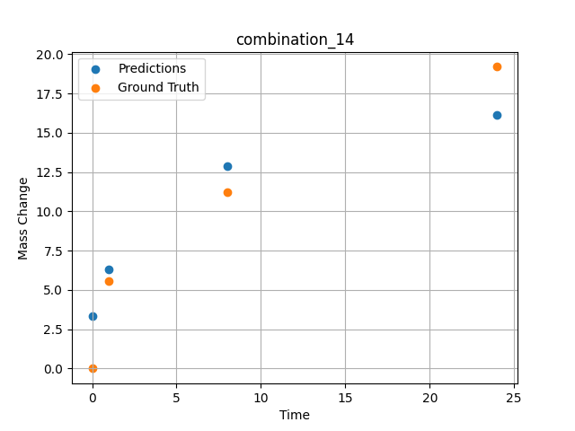
1200.0, 0.0, 33.699999999999996, 0.0, 33.9, 32.4, 0.0, 0.0
Temperature [C] | Zr [at%] | Nb [at%] | Mo [at%] | Cr [at%] | Al [at%] | Ti [at%] | Ta [at%] | W [at%] | Time [h] | Mass Change [mg.cm2] | Mass change - predictions
1200 | 0 | 33.7 | 0 | 32.4 | 0 | 33.9 | 0 | 0 | 0 | 0 | 3.3237195015
1200 | 0 | 33.7 | 0 | 32.4 | 0 | 33.9 | 0 | 0 | 1 | 5.5474452555 | 6.3357505798
1200 | 0 | 33.7 | 0 | 32.4 | 0 | 33.9 | 0 | 0 | 8 | 11.240875912 | 12.864645004
1200 | 0 | 33.7 | 0 | 32.4 | 0 | 33.9 | 0 | 0 | 24 | 19.2 | 16.114177704

combination_15
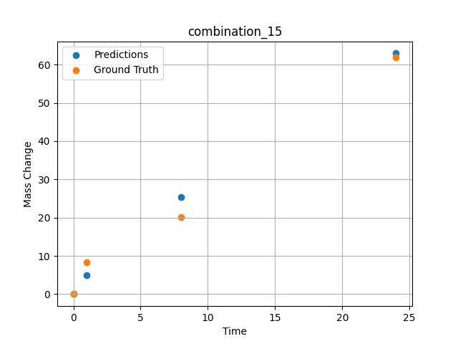
1200.0, 0.0, 26.0, 23.9, 25.6, 24.5, 0.0, 0.0
Temperature [C] | Zr [at%] | Nb [at%] | Mo [at%] | Cr [at%] | Al [at%] | Ti [at%] | Ta [at%] | W [at%] | Time [h] | Mass Change [mg.cm2] | Mass change - predictions
1200 | 0 | 26 | 0 | 24.5 | 0 | 25.6 | 23.9 | 0 | 0 | 0 | -0.0059112641029
1200 | 0 | 26 | 0 | 24.5 | 0 | 25.6 | 23.9 | 0 | 1 | 8.3211678832 | 4.8836479187
1200 | 0 | 26 | 0 | 24.5 | 0 | 25.6 | 23.9 | 0 | 8 | 20.145985401 | 25.388456345
1200 | 0 | 26 | 0 | 24.5 | 0 | 25.6 | 23.9 | 0 | 24 | 61.9 | 62.980880737

combination_16
1200.0, 0.0, 33.6, 34.1, 32.3, 0.0, 0.0, 0.0
Temperature [C] | Zr [at%] | Nb [at%] | Mo [at%] | Cr [at%] | Al [at%] | Ti [at%] | Ta [at%] | W [at%] | Time [h] | Mass Change [mg.cm2] | Mass change - predictions
1200 | 0 | 33.6 | 0 | 0 | 0 | 32.3 | 34.1 | 0 | 0 | 0 | -0.048873040825
1200 | 0 | 33.6 | 0 | 0 | 0 | 32.3 | 34.1 | 0 | 1 | 2.6 | 1.3235077858
1200 | 0 | 33.6 | 0 | 0 | 0 | 32.3 | 34.1 | 0 | 4 | 40.3 | 43.715976715
1200 | 0 | 33.6 | 0 | 0 | 0 | 32.3 | 34.1 | 0 | 8 | 92.248062016 | 87.539962769
1200 | 0 | 33.6 | 0 | 0 | 0 | 32.3 | 34.1 | 0 | 24 | 247.28682171 | 199.63879395
1200 | 0 | 33.6 | 0 | 0 | 0 | 32.3 | 34.1 | 0 | 48 | 293.02325581 | 221.79495239
1200 | 0 | 33.6 | 0 | 0 | 0 | 32.3 | 34.1 | 0 | 0 | 0 | -0.048873040825
1200 | 0 | 33.6 | 0 | 0 | 0 | 32.3 | 34.1 | 0 | 0.56527 | 2.00231 | -0.020736236125
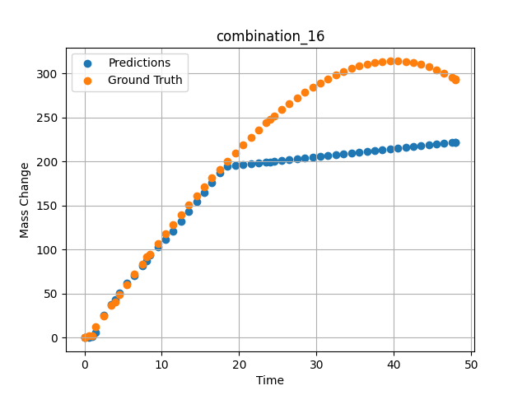
1200 | 0 | 33.6 | 0 | 0 | 0 | 32.3 | 34.1 | 0 | 1.46724 | 12.76104 | 6.1728897095
1200 | 0 | 33.6 | 0 | 0 | 0 | 32.3 | 34.1 | 0 | 2.4985 | 25.04193 | 25.738769531
1200 | 0 | 33.6 | 0 | 0 | 0 | 32.3 | 34.1 | 0 | 3.50751 | 37.02166 | 37.443885803
1200 | 0 | 33.6 | 0 | 0 | 0 | 32.3 | 34.1 | 0 | 4.49304 | 48.67294 | 50.682937622
1200 | 0 | 33.6 | 0 | 0 | 0 | 32.3 | 34.1 | 0 | 5.5015 | 60.53039 | 62.33171463
1200 | 0 | 33.6 | 0 | 0 | 0 | 32.3 | 34.1 | 0 | 6.48649 | 72.03199 | 70.052322388
1200 | 0 | 33.6 | 0 | 0 | 0 | 32.3 | 34.1 | 0 | 7.4955 | 83.71838 | 81.229049683
1200 | 0 | 33.6 | 0 | 0 | 0 | 32.3 | 34.1 | 0 | 8.48157 | 95.03006 | 93.415206909
1200 | 0 | 33.6 | 0 | 0 | 0 | 32.3 | 34.1 | 0 | 9.51351 | 106.73793 | 102.89407349
1200 | 0 | 33.6 | 0 | 0 | 0 | 32.3 | 34.1 | 0 | 10.4985 | 117.7734 | 111.71957397
1200 | 0 | 33.6 | 0 | 0 | 0 | 32.3 | 34.1 | 0 | 11.48348 | 128.65641 | 120.99066162
1200 | 0 | 33.6 | 0 | 0 | 0 | 32.3 | 34.1 | 0 | 12.49249 | 139.63363 | 132.01564026
1200 | 0 | 33.6 | 0 | 0 | 0 | 32.3 | 34.1 | 0 | 13.5015 | 150.42152 | 143.04058838
1200 | 0 | 33.6 | 0 | 0 | 0 | 32.3 | 34.1 | 0 | 14.51051 | 161.00462 | 154.06555176
1200 | 0 | 33.6 | 0 | 0 | 0 | 32.3 | 34.1 | 0 | 15.4955 | 171.12427 | 164.82809448
1200 | 0 | 33.6 | 0 | 0 | 0 | 32.3 | 34.1 | 0 | 16.48048 | 181.01775 | 175.59049988
1200 | 0 | 33.6 | 0 | 0 | 0 | 32.3 | 34.1 | 0 | 17.48949 | 190.90578 | 186.61546326
1200 | 0 | 33.6 | 0 | 0 | 0 | 32.3 | 34.1 | 0 | 18.4985 | 200.52777 | 194.55996704
1200 | 0 | 33.6 | 0 | 0 | 0 | 32.3 | 34.1 | 0 | 19.50751 | 209.86822 | 195.49145508
1200 | 0 | 33.6 | 0 | 0 | 0 | 32.3 | 34.1 | 0 | 20.51652 | 218.91164 | 196.42294312
1200 | 0 | 33.6 | 0 | 0 | 0 | 32.3 | 34.1 | 0 | 21.5015 | 227.43968 | 197.33227539
1200 | 0 | 33.6 | 0 | 0 | 0 | 32.3 | 34.1 | 0 | 22.48649 | 235.65296 | 198.24156189
1200 | 0 | 33.6 | 0 | 0 | 0 | 32.3 | 34.1 | 0 | 23.4955 | 243.72904 | 199.17304993
1200 | 0 | 33.6 | 0 | 0 | 0 | 32.3 | 34.1 | 0 | 24.48157 | 251.27422 | 200.08337402
1200 | 0 | 33.6 | 0 | 0 | 0 | 32.3 | 34.1 | 0 | 25.51351 | 258.79091 | 201.03601074
1200 | 0 | 33.6 | 0 | 0 | 0 | 32.3 | 34.1 | 0 | 26.4985 | 265.58634 | 201.94534302
1200 | 0 | 33.6 | 0 | 0 | 0 | 32.3 | 34.1 | 0 | 27.48348 | 271.99328 | 202.85464478
1200 | 0 | 33.6 | 0 | 0 | 0 | 32.3 | 34.1 | 0 | 28.49249 | 278.14346 | 203.78614807
1200 | 0 | 33.6 | 0 | 0 | 0 | 32.3 | 34.1 | 0 | 29.5015 | 283.85864 | 204.71762085
1200 | 0 | 33.6 | 0 | 0 | 0 | 32.3 | 34.1 | 0 | 30.51051 | 289.12334 | 205.64912415
1200 | 0 | 33.6 | 0 | 0 | 0 | 32.3 | 34.1 | 0 | 31.4955 | 293.81519 | 206.55844116
1200 | 0 | 33.6 | 0 | 0 | 0 | 32.3 | 34.1 | 0 | 32.48048 | 298.04485 | 207.46772766
1200 | 0 | 33.6 | 0 | 0 | 0 | 32.3 | 34.1 | 0 | 33.48949 | 301.88914 | 208.39923096
1200 | 0 | 33.6 | 0 | 0 | 0 | 32.3 | 34.1 | 0 | 34.4985 | 305.22169 | 209.33071899
1200 | 0 | 33.6 | 0 | 0 | 0 | 32.3 | 34.1 | 0 | 35.50751 | 308.02703 | 210.26220703
1200 | 0 | 33.6 | 0 | 0 | 0 | 32.3 | 34.1 | 0 | 36.51652 | 310.28966 | 211.19369507
1200 | 0 | 33.6 | 0 | 0 | 0 | 32.3 | 34.1 | 0 | 37.5015 | 311.96232 | 212.10302734
1200 | 0 | 33.6 | 0 | 0 | 0 | 32.3 | 34.1 | 0 | 38.48649 | 313.08419 | 213.0123291
1200 | 0 | 33.6 | 0 | 0 | 0 | 32.3 | 34.1 | 0 | 39.4955 | 313.65412 | 213.94381714
1200 | 0 | 33.6 | 0 | 0 | 0 | 32.3 | 34.1 | 0 | 40.5045 | 313.62011 | 214.87528992
1200 | 0 | 33.6 | 0 | 0 | 0 | 32.3 | 34.1 | 0 | 41.51351 | 312.96665 | 215.80677795
1200 | 0 | 33.6 | 0 | 0 | 0 | 32.3 | 34.1 | 0 | 42.4985 | 311.71895 | 216.71609497
1200 | 0 | 33.6 | 0 | 0 | 0 | 32.3 | 34.1 | 0 | 43.48348 | 309.84673 | 217.62538147
1200 | 0 | 33.6 | 0 | 0 | 0 | 32.3 | 34.1 | 0 | 44.49249 | 307.27405 | 218.55690002
1200 | 0 | 33.6 | 0 | 0 | 0 | 32.3 | 34.1 | 0 | 45.5015 | 304.02068 | 219.4883728
1200 | 0 | 33.6 | 0 | 0 | 0 | 32.3 | 34.1 | 0 | 46.51051 | 300.07115 | 220.41986084
1200 | 0 | 33.6 | 0 | 0 | 0 | 32.3 | 34.1 | 0 | 47.4955 | 295.53213 | 221.32917786
1200 | 0 | 33.6 | 0 | 0 | 0 | 32.3 | 34.1 | 0 | 48 | 292.96623 | 221.79495239

combination_17
1200.0, 0.0, 34.2, 34.4, 0.0, 0.0, 0.0, 0.0
Temperature [C] | Zr [at%] | Nb [at%] | Mo [at%] | Cr [at%] | Al [at%] | Ti [at%] | Ta [at%] | W [at%] | Time [h] | Mass Change [mg.cm2] | Mass change - predictions
1200 | 30.9 | 34.2 | 0 | 0 | 0 | 0 | 34.4 | 0 | 0 | 0 | 19.811672211
1200 | 30.9 | 34.2 | 0 | 0 | 0 | 0 | 34.4 | 0 | 1 | 102.4 | 74.49848938
1200 | 30.9 | 34.2 | 0 | 0 | 0 | 0 | 34.4 | 0 | 2 | 117.1 | 108.05903625
1200 | 30.9 | 34.2 | 0 | 0 | 0 | 0 | 34.4 | 0 | 4 | 134.1 | 141.84382629
1200 | 30.9 | 34.2 | 0 | 0 | 0 | 0 | 34.4 | 0 | 6 | 170.7 | 171.56939697
1200 | 30.9 | 34.2 | 0 | 0 | 0 | 0 | 34.4 | 0 | 8 | 197.6 | 189.34063721
1200 | 30.9 | 34.2 | 0 | 0 | 0 | 0 | 34.4 | 0 | 24 | 229.3 | 236.76000977
1200 | 30.9 | 34.2 | 0 | 0 | 0 | 0 | 34.4 | 0 | 0 | 0 | 19.811672211
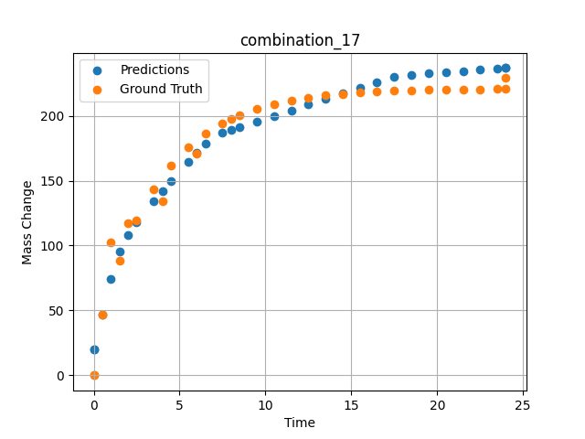
1200 | 30.9 | 34.2 | 0 | 0 | 0 | 0 | 34.4 | 0 | 0.49249 | 46.59609 | 46.733249664
1200 | 30.9 | 34.2 | 0 | 0 | 0 | 0 | 34.4 | 0 | 1.5015 | 88.32923 | 95.455886841
1200 | 30.9 | 34.2 | 0 | 0 | 0 | 0 | 34.4 | 0 | 2.4985 | 119.43947 | 118.16566467
1200 | 30.9 | 34.2 | 0 | 0 | 0 | 0 | 34.4 | 0 | 3.4955 | 143.22867 | 134.25088501
1200 | 30.9 | 34.2 | 0 | 0 | 0 | 0 | 34.4 | 0 | 4.5045 | 161.64161 | 149.4367981
1200 | 30.9 | 34.2 | 0 | 0 | 0 | 0 | 34.4 | 0 | 5.5015 | 175.552 | 164.44204712
1200 | 30.9 | 34.2 | 0 | 0 | 0 | 0 | 34.4 | 0 | 6.4985 | 186.18892 | 178.68154907
1200 | 30.9 | 34.2 | 0 | 0 | 0 | 0 | 34.4 | 0 | 7.4955 | 194.34026 | 187.18962097
1200 | 30.9 | 34.2 | 0 | 0 | 0 | 0 | 34.4 | 0 | 8.49249 | 200.57338 | 191.44046021
1200 | 30.9 | 34.2 | 0 | 0 | 0 | 0 | 34.4 | 0 | 9.5015 | 205.39784 | 195.74258423
1200 | 30.9 | 34.2 | 0 | 0 | 0 | 0 | 34.4 | 0 | 10.4985 | 209.04256 | 199.99346924
1200 | 30.9 | 34.2 | 0 | 0 | 0 | 0 | 34.4 | 0 | 11.4955 | 211.82959 | 204.24435425
1200 | 30.9 | 34.2 | 0 | 0 | 0 | 0 | 34.4 | 0 | 12.5045 | 213.98676 | 208.5464325
1200 | 30.9 | 34.2 | 0 | 0 | 0 | 0 | 34.4 | 0 | 13.5015 | 215.61644 | 212.79733276
1200 | 30.9 | 34.2 | 0 | 0 | 0 | 0 | 34.4 | 0 | 14.4985 | 216.86261 | 217.04823303
1200 | 30.9 | 34.2 | 0 | 0 | 0 | 0 | 34.4 | 0 | 15.4955 | 217.81758 | 221.29910278
1200 | 30.9 | 34.2 | 0 | 0 | 0 | 0 | 34.4 | 0 | 16.49249 | 218.54782 | 225.54998779
1200 | 30.9 | 34.2 | 0 | 0 | 0 | 0 | 34.4 | 0 | 17.5015 | 219.11303 | 229.8520813
1200 | 30.9 | 34.2 | 0 | 0 | 0 | 0 | 34.4 | 0 | 18.4985 | 219.54003 | 231.68119812
1200 | 30.9 | 34.2 | 0 | 0 | 0 | 0 | 34.4 | 0 | 19.4955 | 219.86655 | 232.60159302
1200 | 30.9 | 34.2 | 0 | 0 | 0 | 0 | 34.4 | 0 | 20.5045 | 220.11927 | 233.53308105
1200 | 30.9 | 34.2 | 0 | 0 | 0 | 0 | 34.4 | 0 | 21.5015 | 220.3102 | 234.45346069
1200 | 30.9 | 34.2 | 0 | 0 | 0 | 0 | 34.4 | 0 | 22.4985 | 220.45619 | 235.37387085
1200 | 30.9 | 34.2 | 0 | 0 | 0 | 0 | 34.4 | 0 | 23.4955 | 220.56807 | 236.29428101
1200 | 30.9 | 34.2 | 0 | 0 | 0 | 0 | 34.4 | 0 | 24 | 220.61516 | 236.76000977

combination_18
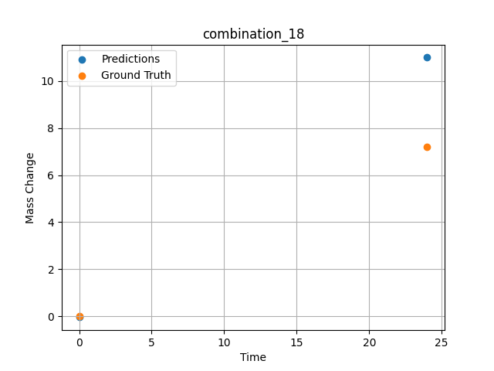
1200.0, 0.0, 0.0, 30.6, 36.8, 32.6, 0.0, 0.0
Temperature [C] | Zr [at%] | Nb [at%] | Mo [at%] | Cr [at%] | Al [at%] | Ti [at%] | Ta [at%] | W [at%] | Time [h] | Mass Change [mg.cm2] | Mass change - predictions
1200 | 0 | 0 | 0 | 32.6 | 0 | 36.8 | 30.6 | 0 | 0 | 0 | -0.037309922278
1200 | 0 | 0 | 0 | 32.6 | 0 | 36.8 | 30.6 | 0 | 24 | 7.2 | 10.998908043

combination_19
1200.0, 0.0, 0.0, 49.9, 12.2, 37.9, 0.0, 0.0
Temperature [C] | Zr [at%] | Nb [at%] | Mo [at%] | Cr [at%] | Al [at%] | Ti [at%] | Ta [at%] | W [at%] | Time [h] | Mass Change [mg.cm2] | Mass change - predictions
1200 | 0 | 0 | 0 | 37.9 | 0 | 12.2 | 49.9 | 0 | 0 | 0 | 0.91102695465
1200 | 0 | 0 | 0 | 37.9 | 0 | 12.2 | 49.9 | 0 | 5 | 8.2898550725 | 7.2232313156
1200 | 0 | 0 | 0 | 37.9 | 0 | 12.2 | 49.9 | 0 | 10 | 12.434782609 | 9.7567415237
1200 | 0 | 0 | 0 | 37.9 | 0 | 12.2 | 49.9 | 0 | 15 | 18.134057971 | 21.399587631
1200 | 0 | 0 | 0 | 37.9 | 0 | 12.2 | 49.9 | 0 | 17.5 | 24.869565217 | 32.042030334
1200 | 0 | 0 | 0 | 37.9 | 0 | 12.2 | 49.9 | 0 | 20 | 45.594202899 | 46.030139923
1200 | 0 | 0 | 0 | 37.9 | 0 | 12.2 | 49.9 | 0 | 24 | 71.5 | 70.536239624
1200 | 0 | 0 | 0 | 37.9 | 0 | 12.2 | 49.9 | 0 | 0 | 0 | 0.91102695465
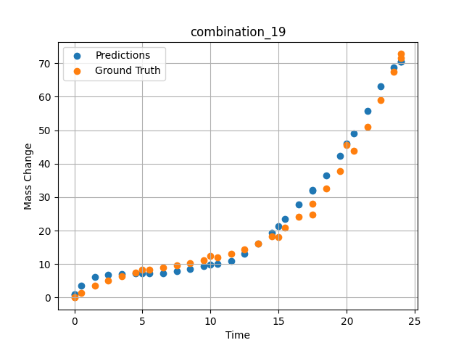
1200 | 0 | 0 | 0 | 37.9 | 0 | 12.2 | 49.9 | 0 | 0.49249 | 1.42149 | 3.4763741493
1200 | 0 | 0 | 0 | 37.9 | 0 | 12.2 | 49.9 | 0 | 1.5015 | 3.46774 | 6.2545776367
1200 | 0 | 0 | 0 | 37.9 | 0 | 12.2 | 49.9 | 0 | 2.4985 | 5.09174 | 6.7566714287
1200 | 0 | 0 | 0 | 37.9 | 0 | 12.2 | 49.9 | 0 | 3.4955 | 6.38605 | 6.9441018105
1200 | 0 | 0 | 0 | 37.9 | 0 | 12.2 | 49.9 | 0 | 4.5045 | 7.43134 | 7.1337924004
1200 | 0 | 0 | 0 | 37.9 | 0 | 12.2 | 49.9 | 0 | 5.48956 | 8.26108 | 7.2497844696
1200 | 0 | 0 | 0 | 37.9 | 0 | 12.2 | 49.9 | 0 | 6.4985 | 8.98419 | 7.3045091629
1200 | 0 | 0 | 0 | 37.9 | 0 | 12.2 | 49.9 | 0 | 7.5035 | 9.64589 | 7.8082790375
1200 | 0 | 0 | 0 | 37.9 | 0 | 12.2 | 49.9 | 0 | 8.49249 | 10.30729 | 8.556936264
1200 | 0 | 0 | 0 | 37.9 | 0 | 12.2 | 49.9 | 0 | 9.5015 | 11.06122 | 9.3555011749
1200 | 0 | 0 | 0 | 37.9 | 0 | 12.2 | 49.9 | 0 | 10.48663 | 11.94099 | 10.148431778
1200 | 0 | 0 | 0 | 37.9 | 0 | 12.2 | 49.9 | 0 | 11.4955 | 13.05774 | 10.960463524
1200 | 0 | 0 | 0 | 37.9 | 0 | 12.2 | 49.9 | 0 | 12.5045 | 14.46245 | 13.164241791
1200 | 0 | 0 | 0 | 37.9 | 0 | 12.2 | 49.9 | 0 | 13.5015 | 16.2008 | 16.099626541
1200 | 0 | 0 | 0 | 37.9 | 0 | 12.2 | 49.9 | 0 | 14.4985 | 18.3577 | 19.264698029
1200 | 0 | 0 | 0 | 37.9 | 0 | 12.2 | 49.9 | 0 | 15.4837 | 20.96379 | 23.458679199
1200 | 0 | 0 | 0 | 37.9 | 0 | 12.2 | 49.9 | 0 | 16.49249 | 24.19061 | 27.753080368
1200 | 0 | 0 | 0 | 37.9 | 0 | 12.2 | 49.9 | 0 | 17.50147 | 28.05166 | 32.048286438
1200 | 0 | 0 | 0 | 37.9 | 0 | 12.2 | 49.9 | 0 | 18.4985 | 32.55855 | 36.511787415
1200 | 0 | 0 | 0 | 37.9 | 0 | 12.2 | 49.9 | 0 | 19.4955 | 37.823 | 42.228748322
1200 | 0 | 0 | 0 | 37.9 | 0 | 12.2 | 49.9 | 0 | 20.49277 | 43.91233 | 49.01417923
1200 | 0 | 0 | 0 | 37.9 | 0 | 12.2 | 49.9 | 0 | 21.5015 | 50.97282 | 55.710132599
1200 | 0 | 0 | 0 | 37.9 | 0 | 12.2 | 49.9 | 0 | 22.4985 | 58.92082 | 63.202861786
1200 | 0 | 0 | 0 | 37.9 | 0 | 12.2 | 49.9 | 0 | 23.45946 | 67.54177 | 68.797592163
1200 | 0 | 0 | 0 | 37.9 | 0 | 12.2 | 49.9 | 0 | 24 | 72.79782 | 70.536247253

combination_20
1200.0, 0.0, 0.0, 50.9, 37.2, 11.9, 0.0, 0.0
Temperature [C] | Zr [at%] | Nb [at%] | Mo [at%] | Cr [at%] | Al [at%] | Ti [at%] | Ta [at%] | W [at%] | Time [h] | Mass Change [mg.cm2] | Mass change - predictions
1200 | 0 | 0 | 0 | 11.9 | 0 | 37.2 | 50.9 | 0 | 0 | 0 | -0.045984610915
1200 | 0 | 0 | 0 | 11.9 | 0 | 37.2 | 50.9 | 0 | 5 | 31.542083333 | 33.735801697
1200 | 0 | 0 | 0 | 11.9 | 0 | 37.2 | 50.9 | 0 | 10 | 59.464583333 | 56.177196503
1200 | 0 | 0 | 0 | 11.9 | 0 | 37.2 | 50.9 | 0 | 15 | 82.733333333 | 79.770507812
1200 | 0 | 0 | 0 | 11.9 | 0 | 37.2 | 50.9 | 0 | 20 | 106.51916667 | 107.23791504
1200 | 0 | 0 | 0 | 11.9 | 0 | 37.2 | 50.9 | 0 | 24 | 124.1 | 110.84552002
1200 | 0 | 0 | 0 | 11.9 | 0 | 37.2 | 50.9 | 0 | 0 | 0 | -0.045984610915
1200 | 0 | 0 | 0 | 11.9 | 0 | 37.2 | 50.9 | 0 | 0.49249 | 3.32589 | -0.021451910958
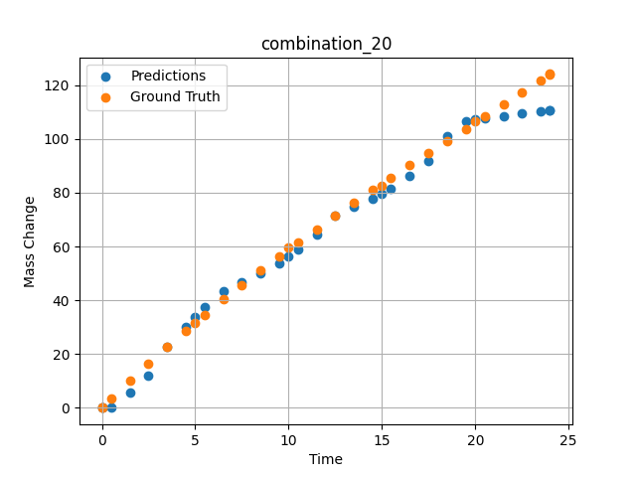
1200 | 0 | 0 | 0 | 11.9 | 0 | 37.2 | 50.9 | 0 | 1.5015 | 10.03119 | 5.6887750626
1200 | 0 | 0 | 0 | 11.9 | 0 | 37.2 | 50.9 | 0 | 2.4985 | 16.44125 | 11.851076126
1200 | 0 | 0 | 0 | 11.9 | 0 | 37.2 | 50.9 | 0 | 3.4955 | 22.64739 | 22.612400055
1200 | 0 | 0 | 0 | 11.9 | 0 | 37.2 | 50.9 | 0 | 4.5045 | 28.73355 | 30.141462326
1200 | 0 | 0 | 0 | 11.9 | 0 | 37.2 | 50.9 | 0 | 5.48956 | 34.49707 | 37.28704834
1200 | 0 | 0 | 0 | 11.9 | 0 | 37.2 | 50.9 | 0 | 6.4985 | 40.22938 | 43.383716583
1200 | 0 | 0 | 0 | 11.9 | 0 | 37.2 | 50.9 | 0 | 7.4955 | 45.73568 | 46.550880432
1200 | 0 | 0 | 0 | 11.9 | 0 | 37.2 | 50.9 | 0 | 8.49249 | 51.09529 | 50.168590546
1200 | 0 | 0 | 0 | 11.9 | 0 | 37.2 | 50.9 | 0 | 9.5015 | 56.38263 | 53.829933167
1200 | 0 | 0 | 0 | 11.9 | 0 | 37.2 | 50.9 | 0 | 10.48663 | 61.42297 | 58.735080719
1200 | 0 | 0 | 0 | 11.9 | 0 | 37.2 | 50.9 | 0 | 11.4955 | 66.47152 | 64.383926392
1200 | 0 | 0 | 0 | 11.9 | 0 | 37.2 | 50.9 | 0 | 12.5045 | 71.41788 | 71.373641968
1200 | 0 | 0 | 0 | 11.9 | 0 | 37.2 | 50.9 | 0 | 13.5015 | 76.21596 | 74.786865234
1200 | 0 | 0 | 0 | 11.9 | 0 | 37.2 | 50.9 | 0 | 14.4985 | 80.93612 | 77.889633179
1200 | 0 | 0 | 0 | 11.9 | 0 | 37.2 | 50.9 | 0 | 15.4837 | 85.53549 | 81.584625244
1200 | 0 | 0 | 0 | 11.9 | 0 | 37.2 | 50.9 | 0 | 16.49249 | 90.18944 | 86.092407227
1200 | 0 | 0 | 0 | 11.9 | 0 | 37.2 | 50.9 | 0 | 17.5015 | 94.79986 | 91.8956604
1200 | 0 | 0 | 0 | 11.9 | 0 | 37.2 | 50.9 | 0 | 18.4985 | 99.32321 | 100.90637207
1200 | 0 | 0 | 0 | 11.9 | 0 | 37.2 | 50.9 | 0 | 19.4955 | 103.82588 | 106.78288269
1200 | 0 | 0 | 0 | 11.9 | 0 | 37.2 | 50.9 | 0 | 20.51128 | 108.40403 | 107.69902039
1200 | 0 | 0 | 0 | 11.9 | 0 | 37.2 | 50.9 | 0 | 21.5015 | 112.86918 | 108.59211731
1200 | 0 | 0 | 0 | 11.9 | 0 | 37.2 | 50.9 | 0 | 22.4985 | 117.37858 | 109.49131775
1200 | 0 | 0 | 0 | 11.9 | 0 | 37.2 | 50.9 | 0 | 23.4955 | 121.9129 | 110.39053345
1200 | 0 | 0 | 0 | 11.9 | 0 | 37.2 | 50.9 | 0 | 24 | 124.21884 | 110.84552002

combination_21
1200.0, 0.0, 0.0, 46.5, 22.5, 31.0, 0.0, 0.0
Temperature [C] | Zr [at%] | Nb [at%] | Mo [at%] | Cr [at%] | Al [at%] | Ti [at%] | Ta [at%] | W [at%] | Time [h] | Mass Change [mg.cm2] | Mass change - predictions
1200 | 0 | 0 | 0 | 31 | 0 | 22.5 | 46.5 | 0 | 0 | 0 | -0.024252481759
1200 | 0 | 0 | 0 | 31 | 0 | 22.5 | 46.5 | 0 | 5 | 68.073076923 | 65.969024658
1200 | 0 | 0 | 0 | 31 | 0 | 22.5 | 46.5 | 0 | 10 | 121.19070513 | 117.85099792
1200 | 0 | 0 | 0 | 31 | 0 | 22.5 | 46.5 | 0 | 15 | 148.52307692 | 143.87979126
1200 | 0 | 0 | 0 | 31 | 0 | 22.5 | 46.5 | 0 | 20 | 159.35288462 | 151.26303101
1200 | 0 | 0 | 0 | 31 | 0 | 22.5 | 46.5 | 0 | 24 | 160.9 | 154.95573425
1200 | 0 | 0 | 0 | 31 | 0 | 22.5 | 46.5 | 0 | 0 | 0 | -0.024252481759
1200 | 0 | 0 | 0 | 31 | 0 | 22.5 | 46.5 | 0 | 0.53801 | 8.21597 | 1.9755420685
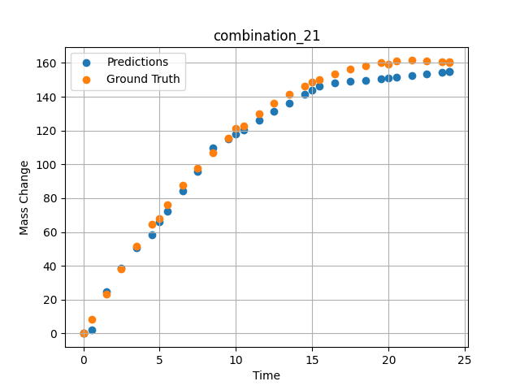
1200 | 0 | 0 | 0 | 31 | 0 | 22.5 | 46.5 | 0 | 1.5015 | 23.29686 | 24.768518448
1200 | 0 | 0 | 0 | 31 | 0 | 22.5 | 46.5 | 0 | 2.4985 | 37.95309 | 38.816261292
1200 | 0 | 0 | 0 | 31 | 0 | 22.5 | 46.5 | 0 | 3.4955 | 51.65384 | 50.512851715
1200 | 0 | 0 | 0 | 31 | 0 | 22.5 | 46.5 | 0 | 4.5045 | 64.57589 | 58.500030518
1200 | 0 | 0 | 0 | 31 | 0 | 22.5 | 46.5 | 0 | 5.48956 | 76.29591 | 72.05809021
1200 | 0 | 0 | 0 | 31 | 0 | 22.5 | 46.5 | 0 | 6.4985 | 87.40608 | 84.490234375
1200 | 0 | 0 | 0 | 31 | 0 | 22.5 | 46.5 | 0 | 7.4955 | 97.52071 | 95.928070068
1200 | 0 | 0 | 0 | 31 | 0 | 22.5 | 46.5 | 0 | 8.49249 | 106.79416 | 109.70095825
1200 | 0 | 0 | 0 | 31 | 0 | 22.5 | 46.5 | 0 | 9.5015 | 115.35124 | 115.15597534
1200 | 0 | 0 | 0 | 31 | 0 | 22.5 | 46.5 | 0 | 10.48663 | 122.92292 | 120.48188782
1200 | 0 | 0 | 0 | 31 | 0 | 22.5 | 46.5 | 0 | 11.4955 | 129.89829 | 125.93611145
1200 | 0 | 0 | 0 | 31 | 0 | 22.5 | 46.5 | 0 | 12.5045 | 136.10997 | 131.28483582
1200 | 0 | 0 | 0 | 31 | 0 | 22.5 | 46.5 | 0 | 13.5015 | 141.52095 | 136.3167572
1200 | 0 | 0 | 0 | 31 | 0 | 22.5 | 46.5 | 0 | 14.4985 | 146.22811 | 141.34869385
1200 | 0 | 0 | 0 | 31 | 0 | 22.5 | 46.5 | 0 | 15.4837 | 150.21466 | 146.32107544
1200 | 0 | 0 | 0 | 31 | 0 | 22.5 | 46.5 | 0 | 16.49249 | 153.63313 | 148.0249939
1200 | 0 | 0 | 0 | 31 | 0 | 22.5 | 46.5 | 0 | 17.5015 | 156.40427 | 148.95648193
1200 | 0 | 0 | 0 | 31 | 0 | 22.5 | 46.5 | 0 | 18.4985 | 158.52997 | 149.87689209
1200 | 0 | 0 | 0 | 31 | 0 | 22.5 | 46.5 | 0 | 19.4955 | 160.06615 | 150.79730225
1200 | 0 | 0 | 0 | 31 | 0 | 22.5 | 46.5 | 0 | 20.49277 | 161.03822 | 151.71795654
1200 | 0 | 0 | 0 | 31 | 0 | 22.5 | 46.5 | 0 | 21.5015 | 161.47326 | 152.64916992
1200 | 0 | 0 | 0 | 31 | 0 | 22.5 | 46.5 | 0 | 22.4985 | 161.37827 | 153.56958008
1200 | 0 | 0 | 0 | 31 | 0 | 22.5 | 46.5 | 0 | 23.4955 | 160.78923 | 154.48997498
1200 | 0 | 0 | 0 | 31 | 0 | 22.5 | 46.5 | 0 | 24 | 160.32765 | 154.95573425

combination_22
1100.0, 20.0, 20.0, 0.0, 20.0, 20.0, 20.0, 0.0
Temperature [C] | Zr [at%] | Nb [at%] | Mo [at%] | Cr [at%] | Al [at%] | Ti [at%] | Ta [at%] | W [at%] | Time [h] | Mass Change [mg.cm2] | Mass change - predictions
1100 | 0 | 20 | 20 | 20 | 20 | 20 | 0 | 0 | 0 | 0 | -0.031555805355
1100 | 0 | 20 | 20 | 20 | 20 | 20 | 0 | 0 | 10 | 3.3534246575 | 4.5522089005
1100 | 0 | 20 | 20 | 20 | 20 | 20 | 0 | 0 | 20 | 5.4794520548 | 5.4048051834
1100 | 0 | 20 | 20 | 20 | 20 | 20 | 0 | 0 | 30 | 6.904109589 | 6.0349054337
1100 | 0 | 20 | 20 | 20 | 20 | 20 | 0 | 0 | 40 | 7.8465753425 | 6.9924659729
1100 | 0 | 20 | 20 | 20 | 20 | 20 | 0 | 0 | 48 | 8.3726027397 | 7.9725065231
1100 | 0 | 20 | 20 | 20 | 20 | 20 | 0 | 0 | 0 | 0 | -0.031555805355
1100 | 0 | 20 | 20 | 20 | 20 | 20 | 0 | 0 | 0.48048 | 0.19946 | -0.008239784278
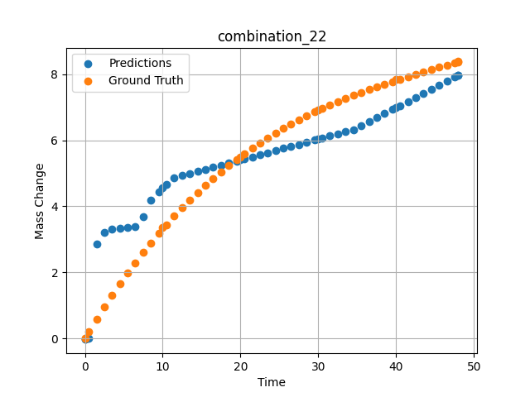
1100 | 0 | 20 | 20 | 20 | 20 | 20 | 0 | 0 | 1.48949 | 0.58439 | 2.861301899
1100 | 0 | 20 | 20 | 20 | 20 | 20 | 0 | 0 | 2.4985 | 0.9555 | 3.2170205116
1100 | 0 | 20 | 20 | 20 | 20 | 20 | 0 | 0 | 3.50751 | 1.3131 | 3.3024449348
1100 | 0 | 20 | 20 | 20 | 20 | 20 | 0 | 0 | 4.51652 | 1.6575 | 3.3259139061
1100 | 0 | 20 | 20 | 20 | 20 | 20 | 0 | 0 | 5.5015 | 1.98132 | 3.3488230705
1100 | 0 | 20 | 20 | 20 | 20 | 20 | 0 | 0 | 6.48649 | 2.29304 | 3.3736906052
1100 | 0 | 20 | 20 | 20 | 20 | 20 | 0 | 0 | 7.4955 | 2.60028 | 3.6847596169
1100 | 0 | 20 | 20 | 20 | 20 | 20 | 0 | 0 | 8.5045 | 2.89555 | 4.1792340279
1100 | 0 | 20 | 20 | 20 | 20 | 20 | 0 | 0 | 9.51351 | 3.17915 | 4.4385290146
1100 | 0 | 20 | 20 | 20 | 20 | 20 | 0 | 0 | 10.47476 | 3.43876 | 4.6631479263
1100 | 0 | 20 | 20 | 20 | 20 | 20 | 0 | 0 | 11.48348 | 3.7004 | 4.8681793213
1100 | 0 | 20 | 20 | 20 | 20 | 20 | 0 | 0 | 12.49249 | 3.95137 | 4.9317569733
1100 | 0 | 20 | 20 | 20 | 20 | 20 | 0 | 0 | 13.5015 | 4.1919 | 4.9953360558
1100 | 0 | 20 | 20 | 20 | 20 | 20 | 0 | 0 | 14.51051 | 4.4223 | 5.0589137077
1100 | 0 | 20 | 20 | 20 | 20 | 20 | 0 | 0 | 15.4955 | 4.63778 | 5.1209774017
1100 | 0 | 20 | 20 | 20 | 20 | 20 | 0 | 0 | 16.48048 | 4.84412 | 5.1830401421
1100 | 0 | 20 | 20 | 20 | 20 | 20 | 0 | 0 | 17.48949 | 5.04642 | 5.246617794
1100 | 0 | 20 | 20 | 20 | 20 | 20 | 0 | 0 | 18.4985 | 5.23981 | 5.310195446
1100 | 0 | 20 | 20 | 20 | 20 | 20 | 0 | 0 | 19.50751 | 5.42461 | 5.3737726212
1100 | 0 | 20 | 20 | 20 | 20 | 20 | 0 | 0 | 20.49304 | 5.59708 | 5.4358711243
1100 | 0 | 20 | 20 | 20 | 20 | 20 | 0 | 0 | 21.5015 | 5.76578 | 5.4994153976
1100 | 0 | 20 | 20 | 20 | 20 | 20 | 0 | 0 | 22.48649 | 5.92305 | 5.561478138
1100 | 0 | 20 | 20 | 20 | 20 | 20 | 0 | 0 | 23.4955 | 6.07691 | 5.6250567436
1100 | 0 | 20 | 20 | 20 | 20 | 20 | 0 | 0 | 24.5045 | 6.22371 | 5.6886334419
1100 | 0 | 20 | 20 | 20 | 20 | 20 | 0 | 0 | 25.51351 | 6.36376 | 5.7522101402
1100 | 0 | 20 | 20 | 20 | 20 | 20 | 0 | 0 | 26.4985 | 6.49429 | 5.8142757416
1100 | 0 | 20 | 20 | 20 | 20 | 20 | 0 | 0 | 27.48348 | 6.61891 | 5.8763394356
1100 | 0 | 20 | 20 | 20 | 20 | 20 | 0 | 0 | 28.49249 | 6.74084 | 5.9399175644
1100 | 0 | 20 | 20 | 20 | 20 | 20 | 0 | 0 | 29.5015 | 6.85724 | 6.0034952164
1100 | 0 | 20 | 20 | 20 | 20 | 20 | 0 | 0 | 30.48731 | 6.96591 | 6.0656099319
1100 | 0 | 20 | 20 | 20 | 20 | 20 | 0 | 0 | 31.4955 | 7.07225 | 6.1291351318
1100 | 0 | 20 | 20 | 20 | 20 | 20 | 0 | 0 | 32.48048 | 7.17165 | 6.1912002563
1100 | 0 | 20 | 20 | 20 | 20 | 20 | 0 | 0 | 33.48949 | 7.26924 | 6.2547783852
1100 | 0 | 20 | 20 | 20 | 20 | 20 | 0 | 0 | 34.4985 | 7.36284 | 6.3185043335
1100 | 0 | 20 | 20 | 20 | 20 | 20 | 0 | 0 | 35.50751 | 7.45277 | 6.4421133995
1100 | 0 | 20 | 20 | 20 | 20 | 20 | 0 | 0 | 36.51652 | 7.53932 | 6.5657205582
1100 | 0 | 20 | 20 | 20 | 20 | 20 | 0 | 0 | 37.5015 | 7.62086 | 6.6863861084
1100 | 0 | 20 | 20 | 20 | 20 | 20 | 0 | 0 | 38.48649 | 7.69975 | 6.8070526123
1100 | 0 | 20 | 20 | 20 | 20 | 20 | 0 | 0 | 39.4955 | 7.77816 | 6.9306621552
1100 | 0 | 20 | 20 | 20 | 20 | 20 | 0 | 0 | 40.48157 | 7.8527 | 7.0514602661
1100 | 0 | 20 | 20 | 20 | 20 | 20 | 0 | 0 | 41.51351 | 7.92883 | 7.1778788567
1100 | 0 | 20 | 20 | 20 | 20 | 20 | 0 | 0 | 42.4985 | 8.00001 | 7.2985444069
1100 | 0 | 20 | 20 | 20 | 20 | 20 | 0 | 0 | 43.48348 | 8.07001 | 7.4192085266
1100 | 0 | 20 | 20 | 20 | 20 | 20 | 0 | 0 | 44.49249 | 8.14082 | 7.5428180695
1100 | 0 | 20 | 20 | 20 | 20 | 20 | 0 | 0 | 45.5015 | 8.21101 | 7.6664276123
1100 | 0 | 20 | 20 | 20 | 20 | 20 | 0 | 0 | 46.51616 | 8.28129 | 7.790728569
1100 | 0 | 20 | 20 | 20 | 20 | 20 | 0 | 0 | 47.4955 | 8.34913 | 7.910700798
1100 | 0 | 20 | 20 | 20 | 20 | 20 | 0 | 0 | 48 | 8.38416 | 7.9725065231

combination_23
1100.0, 20.0, 0.0, 20.0, 20.0, 20.0, 20.0, 0.0
Temperature [C] | Zr [at%] | Nb [at%] | Mo [at%] | Cr [at%] | Al [at%] | Ti [at%] | Ta [at%] | W [at%] | Time [h] | Mass Change [mg.cm2] | Mass change - predictions
1100 | 0 | 0 | 20 | 20 | 20 | 20 | 20 | 0 | 0 | 0 | -0.055210895836
1100 | 0 | 0 | 20 | 20 | 20 | 20 | 20 | 0 | 10 | 1.5123287671 | 2.3173675537
1100 | 0 | 0 | 20 | 20 | 20 | 20 | 20 | 0 | 20 | 2.0164383562 | 3.0821509361
1100 | 0 | 0 | 20 | 20 | 20 | 20 | 20 | 0 | 30 | 2.4109589041 | 3.6850991249
1100 | 0 | 0 | 20 | 20 | 20 | 20 | 20 | 0 | 40 | 2.7178082192 | 4.28804636
1100 | 0 | 0 | 20 | 20 | 20 | 20 | 20 | 0 | 48 | 3.002739726 | 4.7704048157
1100 | 0 | 0 | 20 | 20 | 20 | 20 | 20 | 0 | 0 | 0 | -0.055210895836
1100 | 0 | 0 | 20 | 20 | 20 | 20 | 20 | 0 | 0.48048 | 0.11006 | -0.031864240766
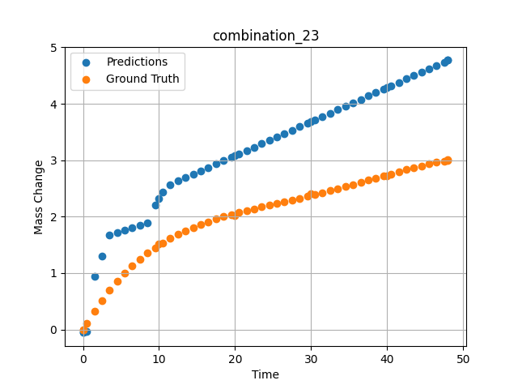
1100 | 0 | 0 | 20 | 20 | 20 | 20 | 20 | 0 | 1.48949 | 0.32168 | 0.93494701385
1100 | 0 | 0 | 20 | 20 | 20 | 20 | 20 | 0 | 2.4985 | 0.51495 | 1.3072052002
1100 | 0 | 0 | 20 | 20 | 20 | 20 | 20 | 0 | 3.50751 | 0.69112 | 1.6705379486
1100 | 0 | 0 | 20 | 20 | 20 | 20 | 20 | 0 | 4.51652 | 0.85139 | 1.7151379585
1100 | 0 | 0 | 20 | 20 | 20 | 20 | 20 | 0 | 5.5015 | 0.99367 | 1.7586746216
1100 | 0 | 0 | 20 | 20 | 20 | 20 | 20 | 0 | 6.48649 | 1.12287 | 1.8022122383
1100 | 0 | 0 | 20 | 20 | 20 | 20 | 20 | 0 | 7.4955 | 1.24285 | 1.8468117714
1100 | 0 | 0 | 20 | 20 | 20 | 20 | 20 | 0 | 8.5045 | 1.3513 | 1.8914103508
1100 | 0 | 0 | 20 | 20 | 20 | 20 | 20 | 0 | 9.51351 | 1.44923 | 2.1989603043
1100 | 0 | 0 | 20 | 20 | 20 | 20 | 20 | 0 | 10.47476 | 1.5336 | 2.4329195023
1100 | 0 | 0 | 20 | 20 | 20 | 20 | 20 | 0 | 11.48348 | 1.61366 | 2.5686488152
1100 | 0 | 0 | 20 | 20 | 20 | 20 | 20 | 0 | 12.49249 | 1.68593 | 2.6294875145
1100 | 0 | 0 | 20 | 20 | 20 | 20 | 20 | 0 | 13.5015 | 1.75122 | 2.6903252602
1100 | 0 | 0 | 20 | 20 | 20 | 20 | 20 | 0 | 14.51051 | 1.81031 | 2.7511644363
1100 | 0 | 0 | 20 | 20 | 20 | 20 | 20 | 0 | 15.4955 | 1.86275 | 2.8105530739
1100 | 0 | 0 | 20 | 20 | 20 | 20 | 20 | 0 | 16.48048 | 1.91063 | 2.8699426651
1100 | 0 | 0 | 20 | 20 | 20 | 20 | 20 | 0 | 17.48949 | 1.95565 | 2.9307794571
1100 | 0 | 0 | 20 | 20 | 20 | 20 | 20 | 0 | 18.4985 | 1.99719 | 2.9916181564
1100 | 0 | 0 | 20 | 20 | 20 | 20 | 20 | 0 | 19.50751 | 2.03585 | 3.0524568558
1100 | 0 | 0 | 20 | 20 | 20 | 20 | 20 | 0 | 20.49304 | 2.07132 | 3.1118788719
1100 | 0 | 0 | 20 | 20 | 20 | 20 | 20 | 0 | 21.5015 | 2.1058 | 3.1726837158
1100 | 0 | 0 | 20 | 20 | 20 | 20 | 20 | 0 | 22.48649 | 2.13811 | 3.232073307
1100 | 0 | 0 | 20 | 20 | 20 | 20 | 20 | 0 | 23.4955 | 2.17023 | 3.2929115295
1100 | 0 | 0 | 20 | 20 | 20 | 20 | 20 | 0 | 24.5045 | 2.20173 | 3.353749752
1100 | 0 | 0 | 20 | 20 | 20 | 20 | 20 | 0 | 25.51604 | 2.23302 | 3.4147396088
1100 | 0 | 0 | 20 | 20 | 20 | 20 | 20 | 0 | 26.4985 | 2.26341 | 3.4739756584
1100 | 0 | 0 | 20 | 20 | 20 | 20 | 20 | 0 | 27.48348 | 2.29411 | 3.5333652496
1100 | 0 | 0 | 20 | 20 | 20 | 20 | 20 | 0 | 28.49249 | 2.32601 | 3.594203949
1100 | 0 | 0 | 20 | 20 | 20 | 20 | 20 | 0 | 29.5015 | 2.35853 | 3.6550416946
1100 | 0 | 0 | 20 | 20 | 20 | 20 | 20 | 0 | 30.48731 | 2.39102 | 3.7144808769
1100 | 0 | 0 | 20 | 20 | 20 | 20 | 20 | 0 | 31.4955 | 2.42505 | 3.7752695084
1100 | 0 | 0 | 20 | 20 | 20 | 20 | 20 | 0 | 32.48048 | 2.45913 | 3.8346586227
1100 | 0 | 0 | 20 | 20 | 20 | 20 | 20 | 0 | 33.48949 | 2.4949 | 3.8954963684
1100 | 0 | 0 | 20 | 20 | 20 | 20 | 20 | 0 | 34.4985 | 2.53149 | 3.9563350677
1100 | 0 | 0 | 20 | 20 | 20 | 20 | 20 | 0 | 35.50751 | 2.56882 | 4.0171732903
1100 | 0 | 0 | 20 | 20 | 20 | 20 | 20 | 0 | 36.51652 | 2.60677 | 4.0780105591
1100 | 0 | 0 | 20 | 20 | 20 | 20 | 20 | 0 | 37.5015 | 2.64424 | 4.1373996735
1100 | 0 | 0 | 20 | 20 | 20 | 20 | 20 | 0 | 38.48396 | 2.68184 | 4.1966366768
1100 | 0 | 0 | 20 | 20 | 20 | 20 | 20 | 0 | 39.4955 | 2.72055 | 4.257627964
1100 | 0 | 0 | 20 | 20 | 20 | 20 | 20 | 0 | 40.48157 | 2.758 | 4.3170824051
1100 | 0 | 0 | 20 | 20 | 20 | 20 | 20 | 0 | 41.51351 | 2.79655 | 4.3793034554
1100 | 0 | 0 | 20 | 20 | 20 | 20 | 20 | 0 | 42.4985 | 2.83237 | 4.4386925697
1100 | 0 | 0 | 20 | 20 | 20 | 20 | 20 | 0 | 43.48348 | 2.86684 | 4.4980821609
1100 | 0 | 0 | 20 | 20 | 20 | 20 | 20 | 0 | 44.49249 | 2.9003 | 4.5589199066
1100 | 0 | 0 | 20 | 20 | 20 | 20 | 20 | 0 | 45.5015 | 2.9314 | 4.619758606
1100 | 0 | 0 | 20 | 20 | 20 | 20 | 20 | 0 | 46.51051 | 2.9596 | 4.6805963516
1100 | 0 | 0 | 20 | 20 | 20 | 20 | 20 | 0 | 47.4955 | 2.98377 | 4.7399864197
1100 | 0 | 0 | 20 | 20 | 20 | 20 | 20 | 0 | 48 | 2.99484 | 4.7704048157

combination_24
1000.0, 20.0, 0.0, 20.0, 20.0, 20.0, 20.0, 20.0
Temperature [C] | Zr [at%] | Nb [at%] | Mo [at%] | Cr [at%] | Al [at%] | Ti [at%] | Ta [at%] | W [at%] | Time [h] | Mass Change [mg.cm2] | Mass change - predictions
1000 | 0 | 0 | 20 | 20 | 20 | 20 | 20 | 20 | 0 | 0 | -0.052586622536
1000 | 0 | 0 | 20 | 20 | 20 | 20 | 20 | 20 | 5 | 4.2 | 2.386985302
1000 | 0 | 0 | 20 | 20 | 20 | 20 | 20 | 20 | 10 | 5.3 | 3.3544373512
1000 | 0 | 0 | 20 | 20 | 20 | 20 | 20 | 20 | 15 | 6 | 4.1827464104
1000 | 0 | 0 | 20 | 20 | 20 | 20 | 20 | 20 | 20 | 6.4 | 4.8322076797
1000 | 0 | 0 | 20 | 20 | 20 | 20 | 20 | 20 | 25 | 6.8 | 5.4816684723
1000 | 0 | 0 | 20 | 20 | 20 | 20 | 20 | 20 | 30 | 7.2 | 6.1311330795
1000 | 0 | 0 | 20 | 20 | 20 | 20 | 20 | 20 | 35 | 7.6 | 6.7805948257
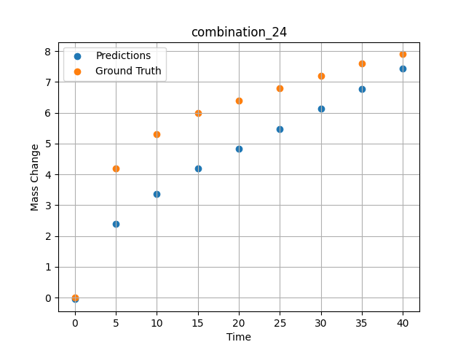
1000 | 0 | 0 | 20 | 20 | 20 | 20 | 20 | 20 | 40 | 7.9 | 7.4300575256

combination_25
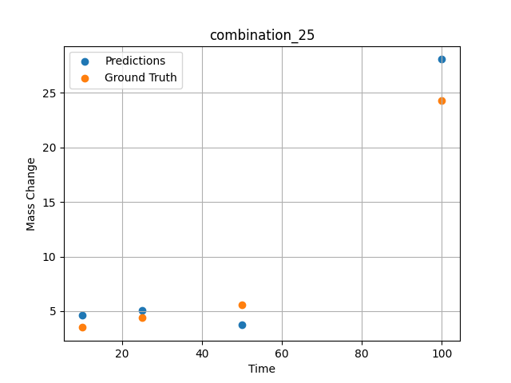
1000.0, 0.0, 0.0, 32.0, 32.0, 32.0, 4.0, 0.0
Temperature [C] | Zr [at%] | Nb [at%] | Mo [at%] | Cr [at%] | Al [at%] | Ti [at%] | Ta [at%] | W [at%] | Time [h] | Mass Change [mg.cm2] | Mass change - predictions
1000 | 0 | 0 | 0 | 32 | 4 | 32 | 32 | 0 | 100 | 24.3 | 28.074869156
1000 | 0 | 0 | 0 | 32 | 4 | 32 | 32 | 0 | 50 | 5.6 | 3.7465934753
1000 | 0 | 0 | 0 | 32 | 4 | 32 | 32 | 0 | 25 | 4.4 | 5.0719590187
1000 | 0 | 0 | 0 | 32 | 4 | 32 | 32 | 0 | 10 | 3.5 | 4.6582593918

combination_26
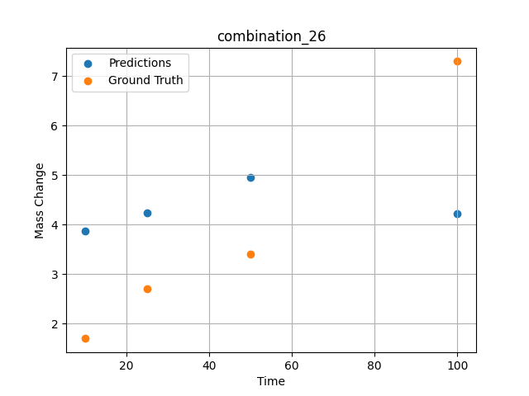
1000.0, 0.0, 0.0, 31.0, 31.0, 31.0, 9.0, 0.0
Temperature [C] | Zr [at%] | Nb [at%] | Mo [at%] | Cr [at%] | Al [at%] | Ti [at%] | Ta [at%] | W [at%] | Time [h] | Mass Change [mg.cm2] | Mass change - predictions
1000 | 0 | 0 | 0 | 31 | 9 | 31 | 31 | 0 | 100 | 7.3 | 4.223154068
1000 | 0 | 0 | 0 | 31 | 9 | 31 | 31 | 0 | 50 | 3.4 | 4.9628276825
1000 | 0 | 0 | 0 | 31 | 9 | 31 | 31 | 0 | 25 | 2.7 | 4.2471914291
1000 | 0 | 0 | 0 | 31 | 9 | 31 | 31 | 0 | 10 | 1.7 | 3.8688755035

combination_27
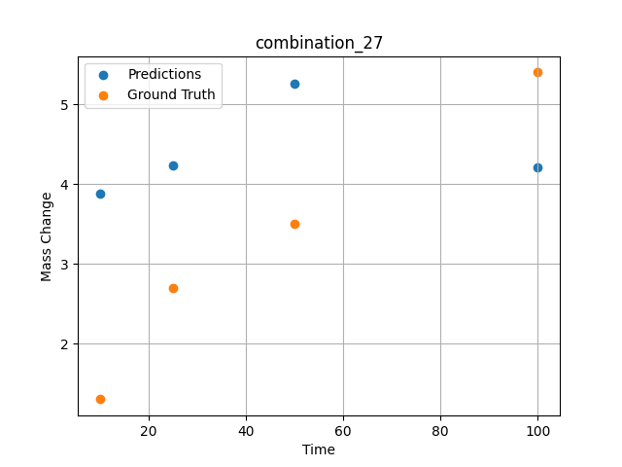
1000.0, 0.0, 0.0, 30.0, 30.0, 30.0, 10.0, 0.0
Temperature [C] | Zr [at%] | Nb [at%] | Mo [at%] | Cr [at%] | Al [at%] | Ti [at%] | Ta [at%] | W [at%] | Time [h] | Mass Change [mg.cm2] | Mass change - predictions
1000 | 0 | 0 | 0 | 30 | 10 | 30 | 30 | 0 | 100 | 5.4 | 4.2079424858
1000 | 0 | 0 | 0 | 30 | 10 | 30 | 30 | 0 | 50 | 3.5 | 5.2571148872
1000 | 0 | 0 | 0 | 30 | 10 | 30 | 30 | 0 | 25 | 2.7 | 4.2318730354
1000 | 0 | 0 | 0 | 30 | 10 | 30 | 30 | 0 | 10 | 1.3 | 3.8846688271

combination_28
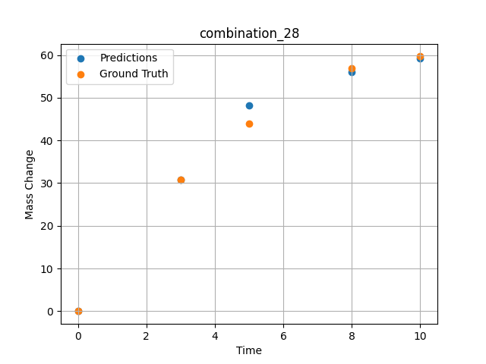
1000.0, 25.0, 25.0, 25.0, 0.0, 0.0, 0.0, 25.0
Temperature [C] | Zr [at%] | Nb [at%] | Mo [at%] | Cr [at%] | Al [at%] | Ti [at%] | Ta [at%] | W [at%] | Time [h] | Mass Change [mg.cm2] | Mass change - predictions
1000 | 0 | 25 | 25 | 0 | 0 | 0 | 25 | 25 | 0 | 0 | -0.020758504048
1000 | 0 | 25 | 25 | 0 | 0 | 0 | 25 | 25 | 3 | 30.8 | 30.869539261
1000 | 0 | 25 | 25 | 0 | 0 | 0 | 25 | 25 | 5 | 44 | 48.202602386
1000 | 0 | 25 | 25 | 0 | 0 | 0 | 25 | 25 | 8 | 57 | 55.953372955
1000 | 0 | 25 | 25 | 0 | 0 | 0 | 25 | 25 | 10 | 59.7 | 59.254508972

combination_29
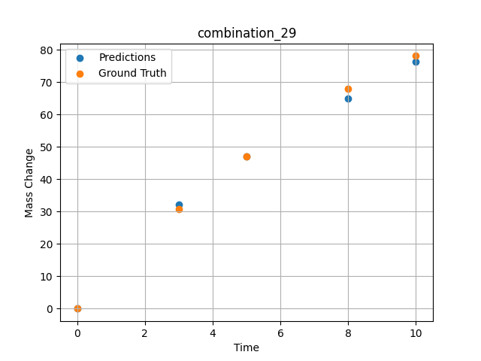
1000.0, 20.0, 20.0, 20.0, 20.0, 0.0, 0.0, 20.0
Temperature [C] | Zr [at%] | Nb [at%] | Mo [at%] | Cr [at%] | Al [at%] | Ti [at%] | Ta [at%] | W [at%] | Time [h] | Mass Change [mg.cm2] | Mass change - predictions
1000 | 0 | 20 | 20 | 0 | 0 | 20 | 20 | 20 | 0 | 0 | -0.035703256726
1000 | 0 | 20 | 20 | 0 | 0 | 20 | 20 | 20 | 3 | 30.8 | 32.163097382
1000 | 0 | 20 | 20 | 0 | 0 | 20 | 20 | 20 | 5 | 47.1 | 47.106521606
1000 | 0 | 20 | 20 | 0 | 0 | 20 | 20 | 20 | 8 | 67.9 | 65.031005859
1000 | 0 | 20 | 20 | 0 | 0 | 20 | 20 | 20 | 10 | 78.1 | 76.40574646

combination_30
1000.0, 10.0, 21.8, 11.9, 19.4, 18.4, 0.0, 0.0
Temperature [C] | Zr [at%] | Nb [at%] | Mo [at%] | Cr [at%] | Al [at%] | Ti [at%] | Ta [at%] | W [at%] | Time [h] | Mass Change [mg.cm2] | Mass change - predictions
1000 | 18.5 | 21.8 | 10 | 18.4 | 0 | 19.4 | 11.9 | 0 | 100 | 119 | 118.08921814
1000 | 18.5 | 21.8 | 10 | 18.4 | 0 | 19.4 | 11.9 | 0 | 24 | 50 | 53.136264801
1000 | 18.5 | 21.8 | 10 | 18.4 | 0 | 19.4 | 11.9 | 0 | 4 | 22 | 14.432977676
1000 | 18.5 | 21.8 | 10 | 18.4 | 0 | 19.4 | 11.9 | 0 | 2 | 15 | 11.245696068
1000 | 18.5 | 21.8 | 10 | 18.4 | 0 | 19.4 | 11.9 | 0 | 1 | 10 | 8.9853248596
1000 | 18.5 | 21.8 | 10 | 18.4 | 0 | 19.4 | 11.9 | 0 | 0 | 0 | 4.3466339111
1000 | 18.5 | 21.8 | 10 | 18.4 | 0 | 19.4 | 11.9 | 0 | 0.45045 | 7.87724 | 7.7431373596
1000 | 18.5 | 21.8 | 10 | 18.4 | 0 | 19.4 | 11.9 | 0 | 1.45145 | 10.49835 | 10.005775452
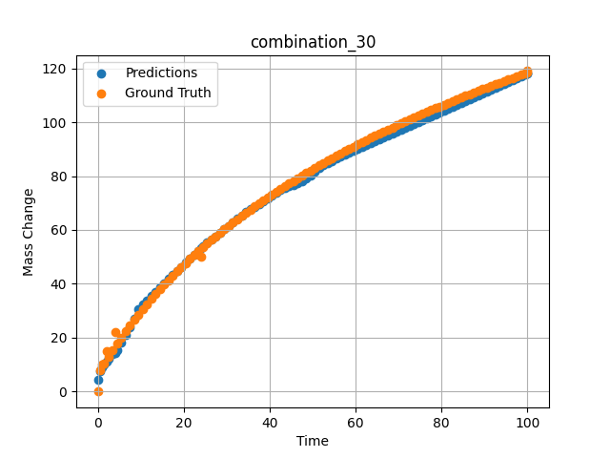
1000 | 18.5 | 21.8 | 10 | 18.4 | 0 | 19.4 | 11.9 | 0 | 2.45245 | 13.02627 | 12.268404007
1000 | 18.5 | 21.8 | 10 | 18.4 | 0 | 19.4 | 11.9 | 0 | 3.45345 | 15.46739 | 13.86783886
1000 | 18.5 | 21.8 | 10 | 18.4 | 0 | 19.4 | 11.9 | 0 | 4.45445 | 17.82748 | 15.316165924
1000 | 18.5 | 21.8 | 10 | 18.4 | 0 | 19.4 | 11.9 | 0 | 5.45546 | 20.11174 | 18.188266754
1000 | 18.5 | 21.8 | 10 | 18.4 | 0 | 19.4 | 11.9 | 0 | 6.45646 | 22.32489 | 21.115579605
1000 | 18.5 | 21.8 | 10 | 18.4 | 0 | 19.4 | 11.9 | 0 | 7.45746 | 24.47124 | 23.818635941
1000 | 18.5 | 21.8 | 10 | 18.4 | 0 | 19.4 | 11.9 | 0 | 8.45846 | 26.55469 | 27.056427002
1000 | 18.5 | 21.8 | 10 | 18.4 | 0 | 19.4 | 11.9 | 0 | 9.45946 | 28.57883 | 30.437168121
1000 | 18.5 | 21.8 | 10 | 18.4 | 0 | 19.4 | 11.9 | 0 | 10.46046 | 30.54693 | 32.21333313
1000 | 18.5 | 21.8 | 10 | 18.4 | 0 | 19.4 | 11.9 | 0 | 11.46146 | 32.46203 | 33.808517456
1000 | 18.5 | 21.8 | 10 | 18.4 | 0 | 19.4 | 11.9 | 0 | 12.46246 | 34.3269 | 35.403671265
1000 | 18.5 | 21.8 | 10 | 18.4 | 0 | 19.4 | 11.9 | 0 | 13.46346 | 36.14411 | 36.998855591
1000 | 18.5 | 21.8 | 10 | 18.4 | 0 | 19.4 | 11.9 | 0 | 14.46446 | 37.91603 | 38.594036102
1000 | 18.5 | 21.8 | 10 | 18.4 | 0 | 19.4 | 11.9 | 0 | 15.46547 | 39.64487 | 40.189224243
1000 | 18.5 | 21.8 | 10 | 18.4 | 0 | 19.4 | 11.9 | 0 | 16.46647 | 41.33267 | 41.784389496
1000 | 18.5 | 21.8 | 10 | 18.4 | 0 | 19.4 | 11.9 | 0 | 17.46747 | 42.98133 | 43.378055573
1000 | 18.5 | 21.8 | 10 | 18.4 | 0 | 19.4 | 11.9 | 0 | 18.46847 | 44.59264 | 44.861103058
1000 | 18.5 | 21.8 | 10 | 18.4 | 0 | 19.4 | 11.9 | 0 | 19.46947 | 46.16824 | 46.344173431
1000 | 18.5 | 21.8 | 10 | 18.4 | 0 | 19.4 | 11.9 | 0 | 20.47047 | 47.70968 | 47.827224731
1000 | 18.5 | 21.8 | 10 | 18.4 | 0 | 19.4 | 11.9 | 0 | 21.47147 | 49.21842 | 49.358234406
1000 | 18.5 | 21.8 | 10 | 18.4 | 0 | 19.4 | 11.9 | 0 | 22.47247 | 50.6958 | 50.899181366
1000 | 18.5 | 21.8 | 10 | 18.4 | 0 | 19.4 | 11.9 | 0 | 23.47347 | 52.14312 | 52.333019257
1000 | 18.5 | 21.8 | 10 | 18.4 | 0 | 19.4 | 11.9 | 0 | 24.47447 | 53.56157 | 53.860088348
1000 | 18.5 | 21.8 | 10 | 18.4 | 0 | 19.4 | 11.9 | 0 | 25.47548 | 54.95227 | 55.365779877
1000 | 18.5 | 21.8 | 10 | 18.4 | 0 | 19.4 | 11.9 | 0 | 26.47648 | 56.31629 | 56.492214203
1000 | 18.5 | 21.8 | 10 | 18.4 | 0 | 19.4 | 11.9 | 0 | 27.47748 | 57.65464 | 57.681362152
1000 | 18.5 | 21.8 | 10 | 18.4 | 0 | 19.4 | 11.9 | 0 | 28.47848 | 58.96827 | 59.008300781
1000 | 18.5 | 21.8 | 10 | 18.4 | 0 | 19.4 | 11.9 | 0 | 29.47948 | 60.25807 | 60.335235596
1000 | 18.5 | 21.8 | 10 | 18.4 | 0 | 19.4 | 11.9 | 0 | 30.48048 | 61.52489 | 61.584617615
1000 | 18.5 | 21.8 | 10 | 18.4 | 0 | 19.4 | 11.9 | 0 | 31.48148 | 62.76953 | 62.855243683
1000 | 18.5 | 21.8 | 10 | 18.4 | 0 | 19.4 | 11.9 | 0 | 32.48248 | 63.99277 | 64.130126953
1000 | 18.5 | 21.8 | 10 | 18.4 | 0 | 19.4 | 11.9 | 0 | 33.48348 | 65.19531 | 65.405029297
1000 | 18.5 | 21.8 | 10 | 18.4 | 0 | 19.4 | 11.9 | 0 | 34.48448 | 66.37786 | 66.555496216
1000 | 18.5 | 21.8 | 10 | 18.4 | 0 | 19.4 | 11.9 | 0 | 35.48549 | 67.54107 | 67.621536255
1000 | 18.5 | 21.8 | 10 | 18.4 | 0 | 19.4 | 11.9 | 0 | 36.48649 | 68.68555 | 68.585975647
1000 | 18.5 | 21.8 | 10 | 18.4 | 0 | 19.4 | 11.9 | 0 | 37.48749 | 69.8119 | 69.528427124
1000 | 18.5 | 21.8 | 10 | 18.4 | 0 | 19.4 | 11.9 | 0 | 38.48849 | 70.92069 | 70.586425781
1000 | 18.5 | 21.8 | 10 | 18.4 | 0 | 19.4 | 11.9 | 0 | 39.48949 | 72.01245 | 71.680801392
1000 | 18.5 | 21.8 | 10 | 18.4 | 0 | 19.4 | 11.9 | 0 | 40.49049 | 73.08771 | 72.775177002
1000 | 18.5 | 21.8 | 10 | 18.4 | 0 | 19.4 | 11.9 | 0 | 41.49149 | 74.14695 | 73.869567871
1000 | 18.5 | 21.8 | 10 | 18.4 | 0 | 19.4 | 11.9 | 0 | 42.49249 | 75.19064 | 74.790634155
1000 | 18.5 | 21.8 | 10 | 18.4 | 0 | 19.4 | 11.9 | 0 | 43.49349 | 76.21923 | 75.451019287
1000 | 18.5 | 21.8 | 10 | 18.4 | 0 | 19.4 | 11.9 | 0 | 44.49449 | 77.23316 | 76.111404419
1000 | 18.5 | 21.8 | 10 | 18.4 | 0 | 19.4 | 11.9 | 0 | 45.4955 | 78.23283 | 76.771789551
1000 | 18.5 | 21.8 | 10 | 18.4 | 0 | 19.4 | 11.9 | 0 | 46.4965 | 79.21865 | 77.432189941
1000 | 18.5 | 21.8 | 10 | 18.4 | 0 | 19.4 | 11.9 | 0 | 47.4975 | 80.19098 | 78.118927002
1000 | 18.5 | 21.8 | 10 | 18.4 | 0 | 19.4 | 11.9 | 0 | 48.4985 | 81.1502 | 79.231399536
1000 | 18.5 | 21.8 | 10 | 18.4 | 0 | 19.4 | 11.9 | 0 | 49.4995 | 82.09665 | 80.355422974
1000 | 18.5 | 21.8 | 10 | 18.4 | 0 | 19.4 | 11.9 | 0 | 50.5005 | 83.03067 | 81.581710815
1000 | 18.5 | 21.8 | 10 | 18.4 | 0 | 19.4 | 11.9 | 0 | 51.5015 | 83.95258 | 82.991348267
1000 | 18.5 | 21.8 | 10 | 18.4 | 0 | 19.4 | 11.9 | 0 | 52.5025 | 84.86269 | 84.245498657
1000 | 18.5 | 21.8 | 10 | 18.4 | 0 | 19.4 | 11.9 | 0 | 53.5035 | 85.76129 | 84.958755493
1000 | 18.5 | 21.8 | 10 | 18.4 | 0 | 19.4 | 11.9 | 0 | 54.5045 | 86.64869 | 85.67199707
1000 | 18.5 | 21.8 | 10 | 18.4 | 0 | 19.4 | 11.9 | 0 | 55.50551 | 87.52515 | 86.385253906
1000 | 18.5 | 21.8 | 10 | 18.4 | 0 | 19.4 | 11.9 | 0 | 56.50651 | 88.39093 | 87.098495483
1000 | 18.5 | 21.8 | 10 | 18.4 | 0 | 19.4 | 11.9 | 0 | 57.50751 | 89.2463 | 87.811752319
1000 | 18.5 | 21.8 | 10 | 18.4 | 0 | 19.4 | 11.9 | 0 | 58.50851 | 90.0915 | 88.524993896
1000 | 18.5 | 21.8 | 10 | 18.4 | 0 | 19.4 | 11.9 | 0 | 59.50951 | 90.92678 | 89.238250732
1000 | 18.5 | 21.8 | 10 | 18.4 | 0 | 19.4 | 11.9 | 0 | 60.51051 | 91.75236 | 89.951507568
1000 | 18.5 | 21.8 | 10 | 18.4 | 0 | 19.4 | 11.9 | 0 | 61.51151 | 92.56846 | 90.664764404
1000 | 18.5 | 21.8 | 10 | 18.4 | 0 | 19.4 | 11.9 | 0 | 62.51251 | 93.3753 | 91.378005981
1000 | 18.5 | 21.8 | 10 | 18.4 | 0 | 19.4 | 11.9 | 0 | 63.51351 | 94.17309 | 92.091262817
1000 | 18.5 | 21.8 | 10 | 18.4 | 0 | 19.4 | 11.9 | 0 | 64.51451 | 94.96203 | 92.804489136
1000 | 18.5 | 21.8 | 10 | 18.4 | 0 | 19.4 | 11.9 | 0 | 65.51552 | 95.74232 | 93.51776123
1000 | 18.5 | 21.8 | 10 | 18.4 | 0 | 19.4 | 11.9 | 0 | 66.51652 | 96.51413 | 94.231002808
1000 | 18.5 | 21.8 | 10 | 18.4 | 0 | 19.4 | 11.9 | 0 | 67.51752 | 97.27766 | 94.944259644
1000 | 18.5 | 21.8 | 10 | 18.4 | 0 | 19.4 | 11.9 | 0 | 68.51852 | 98.03307 | 95.657501221
1000 | 18.5 | 21.8 | 10 | 18.4 | 0 | 19.4 | 11.9 | 0 | 69.51952 | 98.78054 | 96.370758057
1000 | 18.5 | 21.8 | 10 | 18.4 | 0 | 19.4 | 11.9 | 0 | 70.52052 | 99.52024 | 97.084014893
1000 | 18.5 | 21.8 | 10 | 18.4 | 0 | 19.4 | 11.9 | 0 | 71.52152 | 100.25233 | 97.79725647
1000 | 18.5 | 21.8 | 10 | 18.4 | 0 | 19.4 | 11.9 | 0 | 72.52252 | 100.97695 | 98.510513306
1000 | 18.5 | 21.8 | 10 | 18.4 | 0 | 19.4 | 11.9 | 0 | 73.52352 | 101.69426 | 99.223754883
1000 | 18.5 | 21.8 | 10 | 18.4 | 0 | 19.4 | 11.9 | 0 | 74.52452 | 102.40441 | 99.93699646
1000 | 18.5 | 21.8 | 10 | 18.4 | 0 | 19.4 | 11.9 | 0 | 75.52553 | 103.10754 | 100.6502533
1000 | 18.5 | 21.8 | 10 | 18.4 | 0 | 19.4 | 11.9 | 0 | 76.52653 | 103.80378 | 101.36349487
1000 | 18.5 | 21.8 | 10 | 18.4 | 0 | 19.4 | 11.9 | 0 | 77.52753 | 104.49327 | 102.07675171
1000 | 18.5 | 21.8 | 10 | 18.4 | 0 | 19.4 | 11.9 | 0 | 78.52853 | 105.17615 | 102.79000854
1000 | 18.5 | 21.8 | 10 | 18.4 | 0 | 19.4 | 11.9 | 0 | 79.52953 | 105.85252 | 103.50325012
1000 | 18.5 | 21.8 | 10 | 18.4 | 0 | 19.4 | 11.9 | 0 | 80.53053 | 106.52252 | 104.2164917
1000 | 18.5 | 21.8 | 10 | 18.4 | 0 | 19.4 | 11.9 | 0 | 81.53153 | 107.18627 | 104.92976379
1000 | 18.5 | 21.8 | 10 | 18.4 | 0 | 19.4 | 11.9 | 0 | 82.53253 | 107.84388 | 105.64300537
1000 | 18.5 | 21.8 | 10 | 18.4 | 0 | 19.4 | 11.9 | 0 | 83.53353 | 108.49547 | 106.35626221
1000 | 18.5 | 21.8 | 10 | 18.4 | 0 | 19.4 | 11.9 | 0 | 84.53453 | 109.14114 | 107.06950378
1000 | 18.5 | 21.8 | 10 | 18.4 | 0 | 19.4 | 11.9 | 0 | 85.53554 | 109.781 | 107.78277588
1000 | 18.5 | 21.8 | 10 | 18.4 | 0 | 19.4 | 11.9 | 0 | 86.53654 | 110.41515 | 108.49601746
1000 | 18.5 | 21.8 | 10 | 18.4 | 0 | 19.4 | 11.9 | 0 | 87.53754 | 111.04369 | 109.20927429
1000 | 18.5 | 21.8 | 10 | 18.4 | 0 | 19.4 | 11.9 | 0 | 88.53854 | 111.66673 | 109.92251587
1000 | 18.5 | 21.8 | 10 | 18.4 | 0 | 19.4 | 11.9 | 0 | 89.53954 | 112.28436 | 110.63575745
1000 | 18.5 | 21.8 | 10 | 18.4 | 0 | 19.4 | 11.9 | 0 | 90.54054 | 112.89667 | 111.34901428
1000 | 18.5 | 21.8 | 10 | 18.4 | 0 | 19.4 | 11.9 | 0 | 91.54154 | 113.50376 | 112.06227112
1000 | 18.5 | 21.8 | 10 | 18.4 | 0 | 19.4 | 11.9 | 0 | 92.54254 | 114.1057 | 112.77552795
1000 | 18.5 | 21.8 | 10 | 18.4 | 0 | 19.4 | 11.9 | 0 | 93.54354 | 114.70259 | 113.48875427
1000 | 18.5 | 21.8 | 10 | 18.4 | 0 | 19.4 | 11.9 | 0 | 94.54454 | 115.29451 | 114.20201111
1000 | 18.5 | 21.8 | 10 | 18.4 | 0 | 19.4 | 11.9 | 0 | 95.54555 | 115.88155 | 114.91526794
1000 | 18.5 | 21.8 | 10 | 18.4 | 0 | 19.4 | 11.9 | 0 | 96.54655 | 116.46378 | 115.62852478
1000 | 18.5 | 21.8 | 10 | 18.4 | 0 | 19.4 | 11.9 | 0 | 97.54755 | 117.04128 | 116.34176636
1000 | 18.5 | 21.8 | 10 | 18.4 | 0 | 19.4 | 11.9 | 0 | 98.54855 | 117.61413 | 117.05502319
1000 | 18.5 | 21.8 | 10 | 18.4 | 0 | 19.4 | 11.9 | 0 | 99.4995 | 118.15413 | 117.73260498
1000 | 18.5 | 21.8 | 10 | 18.4 | 0 | 19.4 | 11.9 | 0 | 100 | 118.43683 | 118.0892334

combination_31
Temperature [C] | Zr [at%] | Nb [at%] | Mo [at%] | Cr [at%] | Al [at%] | Ti [at%] | Ta [at%] | W [at%] | Time [h] | Mass Change [mg.cm2] | Unnamed: 11
1300.0, 20.0, 21.8, 0.0, 23.5, 24.7, 10.0, 0.0
 | Ground truth
Time [h] | 0

combination_32
Temperature [C] | Zr [at%] | Nb [at%] | Mo [at%] | Cr [at%] | Al [at%] | Ti [at%] | Ta [at%] | W [at%] | Time [h] | Mass Change [mg.cm2] | Unnamed: 11
1300.0, 22.2, 22.5, 0.0, 0.0, 23.0, 10.2, 0.0
 | Ground truth
Time [h] | 0

combination_33
Temperature [C] | Zr [at%] | Nb [at%] | Mo [at%] | Cr [at%] | Al [at%] | Ti [at%] | Ta [at%] | W [at%] | Time [h] | Mass Change [mg.cm2] | Unnamed: 11
1300.0, 17.1, 17.7, 0.0, 18.3, 17.0, 7.0, 0.0
 | Ground truth
Time [h] | 0

combination_34
1200.0, 25.0, 0.0, 0.0, 25.0, 25.0, 25.0, 0.0
Temperature [C] | Zr [at%] | Nb [at%] | Mo [at%] | Cr [at%] | Al [at%] | Ti [at%] | Ta [at%] | W [at%] | Time [h] | Mass Change [mg.cm2] | Mass change - predictions
1200 | 0 | 0 | 25 | 25 | 25 | 25 | 0 | 0 | 0 | 0 | 2.1308732033
1200 | 0 | 0 | 25 | 25 | 25 | 25 | 0 | 0 | 0.04806 | 0.46193 | 2.350063324
1200 | 0 | 0 | 25 | 25 | 25 | 25 | 0 | 0 | 0.1539 | 1.06217 | 2.8327760696
1200 | 0 | 0 | 25 | 25 | 25 | 25 | 0 | 0 | 0.25013 | 1.42047 | 2.9635686874
1200 | 0 | 0 | 25 | 25 | 25 | 25 | 0 | 0 | 0.34637 | 1.88297 | 2.9894099236
1200 | 0 | 0 | 25 | 25 | 25 | 25 | 0 | 0 | 0.44263 | 2.2825 | 3.015255928
1200 | 0 | 0 | 25 | 25 | 25 | 25 | 0 | 0 | 0.54853 | 2.46396 | 3.0436911583
1200 | 0 | 0 | 25 | 25 | 25 | 25 | 0 | 0 | 0.65447 | 2.55947 | 3.072136879
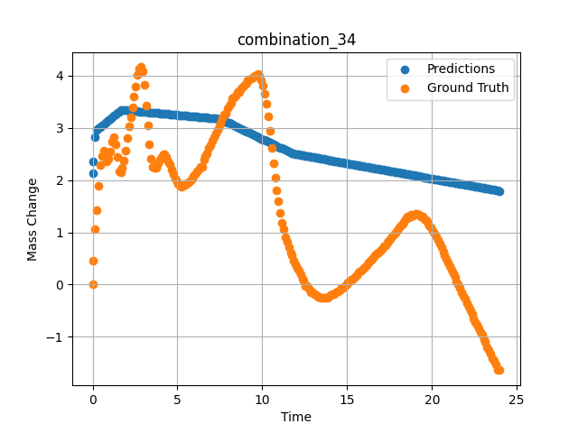
1200 | 0 | 0 | 25 | 25 | 25 | 25 | 0 | 0 | 0.7507 | 2.47177 | 3.0979738235
1200 | 0 | 0 | 25 | 25 | 25 | 25 | 0 | 0 | 0.8469 | 2.3657 | 3.1238045692
1200 | 0 | 0 | 25 | 25 | 25 | 25 | 0 | 0 | 0.94313 | 2.4103 | 3.1496415138
1200 | 0 | 0 | 25 | 25 | 25 | 25 | 0 | 0 | 1.049 | 2.5486 | 3.1780676842
1200 | 0 | 0 | 25 | 25 | 25 | 25 | 0 | 0 | 1.15483 | 2.73263 | 3.2064838409
1200 | 0 | 0 | 25 | 25 | 25 | 25 | 0 | 0 | 1.25113 | 2.81733 | 3.2323403358
1200 | 0 | 0 | 25 | 25 | 25 | 25 | 0 | 0 | 1.34743 | 2.68503 | 3.2581977844
1200 | 0 | 0 | 25 | 25 | 25 | 25 | 0 | 0 | 1.44367 | 2.43579 | 3.2840380669
1200 | 0 | 0 | 25 | 25 | 25 | 25 | 0 | 0 | 1.5495 | 2.16069 | 3.31245327
1200 | 0 | 0 | 25 | 25 | 25 | 25 | 0 | 0 | 1.65537 | 2.14757 | 3.3408808708
1200 | 0 | 0 | 25 | 25 | 25 | 25 | 0 | 0 | 1.75163 | 2.24427 | 3.3457322121
1200 | 0 | 0 | 25 | 25 | 25 | 25 | 0 | 0 | 1.84787 | 2.37545 | 3.3428549767
1200 | 0 | 0 | 25 | 25 | 25 | 25 | 0 | 0 | 1.9442 | 2.56359 | 3.3399763107
1200 | 0 | 0 | 25 | 25 | 25 | 25 | 0 | 0 | 2.05008 | 2.80846 | 3.3368105888
1200 | 0 | 0 | 25 | 25 | 25 | 25 | 0 | 0 | 2.156 | 3.02571 | 3.3336458206
1200 | 0 | 0 | 25 | 25 | 25 | 25 | 0 | 0 | 2.2523 | 3.21236 | 3.3307666779
1200 | 0 | 0 | 25 | 25 | 25 | 25 | 0 | 0 | 2.34863 | 3.40163 | 3.3278875351
1200 | 0 | 0 | 25 | 25 | 25 | 25 | 0 | 0 | 2.44487 | 3.59653 | 3.3250112534
1200 | 0 | 0 | 25 | 25 | 25 | 25 | 0 | 0 | 2.55075 | 3.79323 | 3.3218460083
1200 | 0 | 0 | 25 | 25 | 25 | 25 | 0 | 0 | 2.65663 | 4.0148 | 3.3186817169
1200 | 0 | 0 | 25 | 25 | 25 | 25 | 0 | 0 | 2.75287 | 4.13773 | 3.3158054352
1200 | 0 | 0 | 25 | 25 | 25 | 25 | 0 | 0 | 2.8492 | 4.16546 | 3.3129272461
1200 | 0 | 0 | 25 | 25 | 25 | 25 | 0 | 0 | 2.94553 | 4.08451 | 3.3100481033
1200 | 0 | 0 | 25 | 25 | 25 | 25 | 0 | 0 | 3.0515 | 3.83321 | 3.3068790436
1200 | 0 | 0 | 25 | 25 | 25 | 25 | 0 | 0 | 3.1574 | 3.42375 | 3.3037147522
1200 | 0 | 0 | 25 | 25 | 25 | 25 | 0 | 0 | 3.25363 | 3.0512 | 3.3008384705
1200 | 0 | 0 | 25 | 25 | 25 | 25 | 0 | 0 | 3.34997 | 2.68353 | 3.2979588509
1200 | 0 | 0 | 25 | 25 | 25 | 25 | 0 | 0 | 3.44633 | 2.41667 | 3.2950782776
1200 | 0 | 0 | 25 | 25 | 25 | 25 | 0 | 0 | 3.5427 | 2.26188 | 3.2921972275
1200 | 0 | 0 | 25 | 25 | 25 | 25 | 0 | 0 | 3.64864 | 2.22815 | 3.2890324593
1200 | 0 | 0 | 25 | 25 | 25 | 25 | 0 | 0 | 3.75453 | 2.22928 | 3.2858672142
1200 | 0 | 0 | 25 | 25 | 25 | 25 | 0 | 0 | 3.85087 | 2.32822 | 3.2829875946
1200 | 0 | 0 | 25 | 25 | 25 | 25 | 0 | 0 | 3.9472 | 2.39831 | 3.280107975
1200 | 0 | 0 | 25 | 25 | 25 | 25 | 0 | 0 | 4.04353 | 2.44928 | 3.2772293091
1200 | 0 | 0 | 25 | 25 | 25 | 25 | 0 | 0 | 4.14947 | 2.49176 | 3.2740621567
1200 | 0 | 0 | 25 | 25 | 25 | 25 | 0 | 0 | 4.25543 | 2.49501 | 3.2708954811
1200 | 0 | 0 | 25 | 25 | 25 | 25 | 0 | 0 | 4.35177 | 2.44403 | 3.2680158615
1200 | 0 | 0 | 25 | 25 | 25 | 25 | 0 | 0 | 4.4482 | 2.35596 | 3.2651338577
1200 | 0 | 0 | 25 | 25 | 25 | 25 | 0 | 0 | 4.5445 | 2.29749 | 3.2622556686
1200 | 0 | 0 | 25 | 25 | 25 | 25 | 0 | 0 | 4.65047 | 2.20941 | 3.2590885162
1200 | 0 | 0 | 25 | 25 | 25 | 25 | 0 | 0 | 4.75637 | 2.10972 | 3.2559232712
1200 | 0 | 0 | 25 | 25 | 25 | 25 | 0 | 0 | 4.8527 | 2.03551 | 3.2530446053
1200 | 0 | 0 | 25 | 25 | 25 | 25 | 0 | 0 | 4.94897 | 1.97891 | 3.250166893
1200 | 0 | 0 | 25 | 25 | 25 | 25 | 0 | 0 | 5.0453 | 1.92719 | 3.2472872734
1200 | 0 | 0 | 25 | 25 | 25 | 25 | 0 | 0 | 5.15128 | 1.88834 | 3.244120121
1200 | 0 | 0 | 25 | 25 | 25 | 25 | 0 | 0 | 5.25713 | 1.88072 | 3.2409558296
1200 | 0 | 0 | 25 | 25 | 25 | 25 | 0 | 0 | 5.35347 | 1.90133 | 3.2380757332
1200 | 0 | 0 | 25 | 25 | 25 | 25 | 0 | 0 | 5.44977 | 1.91333 | 3.2351975441
1200 | 0 | 0 | 25 | 25 | 25 | 25 | 0 | 0 | 5.54607 | 1.94069 | 3.2323198318
1200 | 0 | 0 | 25 | 25 | 25 | 25 | 0 | 0 | 5.64247 | 1.9598 | 3.2294378281
1200 | 0 | 0 | 25 | 25 | 25 | 25 | 0 | 0 | 5.74842 | 1.99484 | 3.2262716293
1200 | 0 | 0 | 25 | 25 | 25 | 25 | 0 | 0 | 5.85437 | 2.03438 | 3.2231049538
1200 | 0 | 0 | 25 | 25 | 25 | 25 | 0 | 0 | 5.95073 | 2.07599 | 3.2202253342
1200 | 0 | 0 | 25 | 25 | 25 | 25 | 0 | 0 | 6.0471 | 2.11047 | 3.2173447609
1200 | 0 | 0 | 25 | 25 | 25 | 25 | 0 | 0 | 6.14347 | 2.16519 | 3.2144646645
1200 | 0 | 0 | 25 | 25 | 25 | 25 | 0 | 0 | 6.24933 | 2.20098 | 3.2113003731
1200 | 0 | 0 | 25 | 25 | 25 | 25 | 0 | 0 | 6.35537 | 2.25589 | 3.2081303596
1200 | 0 | 0 | 25 | 25 | 25 | 25 | 0 | 0 | 6.45173 | 2.25139 | 3.2052507401
1200 | 0 | 0 | 25 | 25 | 25 | 25 | 0 | 0 | 6.54807 | 2.39269 | 3.2023715973
1200 | 0 | 0 | 25 | 25 | 25 | 25 | 0 | 0 | 6.64443 | 2.45978 | 3.1994905472
1200 | 0 | 0 | 25 | 25 | 25 | 25 | 0 | 0 | 6.75042 | 2.508 | 3.1963233948
1200 | 0 | 0 | 25 | 25 | 25 | 25 | 0 | 0 | 6.85643 | 2.61157 | 3.1931548119
1200 | 0 | 0 | 25 | 25 | 25 | 25 | 0 | 0 | 6.95283 | 2.67341 | 3.1902732849
1200 | 0 | 0 | 25 | 25 | 25 | 25 | 0 | 0 | 7.04917 | 2.74799 | 3.1873936653
1200 | 0 | 0 | 25 | 25 | 25 | 25 | 0 | 0 | 7.1455 | 2.82145 | 3.1845145226
1200 | 0 | 0 | 25 | 25 | 25 | 25 | 0 | 0 | 7.25153 | 2.89154 | 3.1813454628
1200 | 0 | 0 | 25 | 25 | 25 | 25 | 0 | 0 | 7.35757 | 2.96387 | 3.1781768799
1200 | 0 | 0 | 25 | 25 | 25 | 25 | 0 | 0 | 7.4539 | 3.03733 | 3.1752972603
1200 | 0 | 0 | 25 | 25 | 25 | 25 | 0 | 0 | 7.5503 | 3.10929 | 3.1712217331
1200 | 0 | 0 | 25 | 25 | 25 | 25 | 0 | 0 | 7.64663 | 3.1805 | 3.1561837196
1200 | 0 | 0 | 25 | 25 | 25 | 25 | 0 | 0 | 7.74303 | 3.24947 | 3.1411342621
1200 | 0 | 0 | 25 | 25 | 25 | 25 | 0 | 0 | 7.84906 | 3.27133 | 3.1245818138
1200 | 0 | 0 | 25 | 25 | 25 | 25 | 0 | 0 | 7.95507 | 3.37015 | 3.1080307961
1200 | 0 | 0 | 25 | 25 | 25 | 25 | 0 | 0 | 8.0515 | 3.43574 | 3.0929765701
1200 | 0 | 0 | 25 | 25 | 25 | 25 | 0 | 0 | 8.1479 | 3.48109 | 3.0779280663
1200 | 0 | 0 | 25 | 25 | 25 | 25 | 0 | 0 | 8.24423 | 3.56842 | 3.0628890991
1200 | 0 | 0 | 25 | 25 | 25 | 25 | 0 | 0 | 8.35025 | 3.58897 | 3.0463366508
1200 | 0 | 0 | 25 | 25 | 25 | 25 | 0 | 0 | 8.45627 | 3.61826 | 3.0297865868
1200 | 0 | 0 | 25 | 25 | 25 | 25 | 0 | 0 | 8.55263 | 3.69397 | 3.0147433281
1200 | 0 | 0 | 25 | 25 | 25 | 25 | 0 | 0 | 8.64903 | 3.69622 | 2.9996933937
1200 | 0 | 0 | 25 | 25 | 25 | 25 | 0 | 0 | 8.7454 | 3.75169 | 2.9846482277
1200 | 0 | 0 | 25 | 25 | 25 | 25 | 0 | 0 | 8.85142 | 3.7898 | 2.9680976868
1200 | 0 | 0 | 25 | 25 | 25 | 25 | 0 | 0 | 8.95737 | 3.82365 | 2.9515571594
1200 | 0 | 0 | 25 | 25 | 25 | 25 | 0 | 0 | 9.05367 | 3.86113 | 2.9365229607
1200 | 0 | 0 | 25 | 25 | 25 | 25 | 0 | 0 | 9.1501 | 3.90536 | 2.9214692116
1200 | 0 | 0 | 25 | 25 | 25 | 25 | 0 | 0 | 9.2465 | 3.93384 | 2.906419754
1200 | 0 | 0 | 25 | 25 | 25 | 25 | 0 | 0 | 9.34293 | 3.95371 | 2.8913650513
1200 | 0 | 0 | 25 | 25 | 25 | 25 | 0 | 0 | 9.44892 | 3.97313 | 2.8748178482
1200 | 0 | 0 | 25 | 25 | 25 | 25 | 0 | 0 | 9.555 | 3.99793 | 2.8582577705
1200 | 0 | 0 | 25 | 25 | 25 | 25 | 0 | 0 | 9.6514 | 4.02492 | 2.8432073593
1200 | 0 | 0 | 25 | 25 | 25 | 25 | 0 | 0 | 9.74777 | 4.03129 | 2.8281626701
1200 | 0 | 0 | 25 | 25 | 25 | 25 | 0 | 0 | 9.8442 | 3.99718 | 2.8131084442
1200 | 0 | 0 | 25 | 25 | 25 | 25 | 0 | 0 | 9.95025 | 3.9191 | 2.7965531349
1200 | 0 | 0 | 25 | 25 | 25 | 25 | 0 | 0 | 10.05623 | 3.80454 | 2.7800078392
1200 | 0 | 0 | 25 | 25 | 25 | 25 | 0 | 0 | 10.15267 | 3.65912 | 2.7649521828
1200 | 0 | 0 | 25 | 25 | 25 | 25 | 0 | 0 | 10.24907 | 3.4571 | 2.7499027252
1200 | 0 | 0 | 25 | 25 | 25 | 25 | 0 | 0 | 10.34543 | 3.22735 | 2.7348594666
1200 | 0 | 0 | 25 | 25 | 25 | 25 | 0 | 0 | 10.4515 | 2.93683 | 2.7183008194
1200 | 0 | 0 | 25 | 25 | 25 | 25 | 0 | 0 | 10.55753 | 2.60894 | 2.7017469406
1200 | 0 | 0 | 25 | 25 | 25 | 25 | 0 | 0 | 10.6539 | 2.32935 | 2.6867022514
1200 | 0 | 0 | 25 | 25 | 25 | 25 | 0 | 0 | 10.75023 | 2.05275 | 2.6716637611
1200 | 0 | 0 | 25 | 25 | 25 | 25 | 0 | 0 | 10.84667 | 1.81288 | 2.6566081047
1200 | 0 | 0 | 25 | 25 | 25 | 25 | 0 | 0 | 10.94313 | 1.59363 | 2.6415491104
1200 | 0 | 0 | 25 | 25 | 25 | 25 | 0 | 0 | 11.04919 | 1.36456 | 2.6249914169
1200 | 0 | 0 | 25 | 25 | 25 | 25 | 0 | 0 | 11.15523 | 1.1896 | 2.6084370613
1200 | 0 | 0 | 25 | 25 | 25 | 25 | 0 | 0 | 11.25163 | 1.06329 | 2.5933871269
1200 | 0 | 0 | 25 | 25 | 25 | 25 | 0 | 0 | 11.34807 | 0.90888 | 2.5783319473
1200 | 0 | 0 | 25 | 25 | 25 | 25 | 0 | 0 | 11.44453 | 0.81293 | 2.5632719994
1200 | 0 | 0 | 25 | 25 | 25 | 25 | 0 | 0 | 11.55058 | 0.71804 | 2.5467166901
1200 | 0 | 0 | 25 | 25 | 25 | 25 | 0 | 0 | 11.6567 | 0.60604 | 2.5301499367
1200 | 0 | 0 | 25 | 25 | 25 | 25 | 0 | 0 | 11.7531 | 0.5547 | 2.5151000023
1200 | 0 | 0 | 25 | 25 | 25 | 25 | 0 | 0 | 11.84957 | 0.46212 | 2.5069227219
1200 | 0 | 0 | 25 | 25 | 25 | 25 | 0 | 0 | 11.94593 | 0.38754 | 2.50126791
1200 | 0 | 0 | 25 | 25 | 25 | 25 | 0 | 0 | 12.04233 | 0.31333 | 2.4956126213
1200 | 0 | 0 | 25 | 25 | 25 | 25 | 0 | 0 | 12.14847 | 0.26048 | 2.4893836975
1200 | 0 | 0 | 25 | 25 | 25 | 25 | 0 | 0 | 12.25457 | 0.19264 | 2.4831581116
1200 | 0 | 0 | 25 | 25 | 25 | 25 | 0 | 0 | 12.35113 | 0.11844 | 2.4774932861
1200 | 0 | 0 | 25 | 25 | 25 | 25 | 0 | 0 | 12.4476 | 0.07833 | 2.4718322754
1200 | 0 | 0 | 25 | 25 | 25 | 25 | 0 | 0 | 12.54403 | -0.02249 | 2.4661741257
1200 | 0 | 0 | 25 | 25 | 25 | 25 | 0 | 0 | 12.65014 | -0.02592 | 2.4599471092
1200 | 0 | 0 | 25 | 25 | 25 | 25 | 0 | 0 | 12.7563 | -0.07758 | 2.4537186623
1200 | 0 | 0 | 25 | 25 | 25 | 25 | 0 | 0 | 12.8528 | -0.14579 | 2.4480557442
1200 | 0 | 0 | 25 | 25 | 25 | 25 | 0 | 0 | 12.94927 | -0.15516 | 2.4423956871
1200 | 0 | 0 | 25 | 25 | 25 | 25 | 0 | 0 | 13.0457 | -0.18777 | 2.4367380142
1200 | 0 | 0 | 25 | 25 | 25 | 25 | 0 | 0 | 13.15178 | -0.19927 | 2.4305129051
1200 | 0 | 0 | 25 | 25 | 25 | 25 | 0 | 0 | 13.2579 | -0.22862 | 2.4242858887
1200 | 0 | 0 | 25 | 25 | 25 | 25 | 0 | 0 | 13.3544 | -0.24212 | 2.4186234474
1200 | 0 | 0 | 25 | 25 | 25 | 25 | 0 | 0 | 13.45087 | -0.24999 | 2.4129629135
1200 | 0 | 0 | 25 | 25 | 25 | 25 | 0 | 0 | 13.54733 | -0.24886 | 2.4073038101
1200 | 0 | 0 | 25 | 25 | 25 | 25 | 0 | 0 | 13.64383 | -0.25523 | 2.4016413689
1200 | 0 | 0 | 25 | 25 | 25 | 25 | 0 | 0 | 13.74992 | -0.25267 | 2.3954162598
1200 | 0 | 0 | 25 | 25 | 25 | 25 | 0 | 0 | 13.85607 | -0.24699 | 2.3891868591
1200 | 0 | 0 | 25 | 25 | 25 | 25 | 0 | 0 | 13.95253 | -0.22113 | 2.3835272789
1200 | 0 | 0 | 25 | 25 | 25 | 25 | 0 | 0 | 14.049 | -0.19189 | 2.3778676987
1200 | 0 | 0 | 25 | 25 | 25 | 25 | 0 | 0 | 14.14553 | -0.1889 | 2.3722028732
1200 | 0 | 0 | 25 | 25 | 25 | 25 | 0 | 0 | 14.25161 | -0.17553 | 2.3659787178
1200 | 0 | 0 | 25 | 25 | 25 | 25 | 0 | 0 | 14.35777 | -0.14242 | 2.359749794
1200 | 0 | 0 | 25 | 25 | 25 | 25 | 0 | 0 | 14.45427 | -0.13155 | 2.3540868759
1200 | 0 | 0 | 25 | 25 | 25 | 25 | 0 | 0 | 14.5507 | -0.11281 | 2.3484287262
1200 | 0 | 0 | 25 | 25 | 25 | 25 | 0 | 0 | 14.6472 | -0.07009 | 2.3427667618
1200 | 0 | 0 | 25 | 25 | 25 | 25 | 0 | 0 | 14.7437 | -0.05472 | 2.3371047974
1200 | 0 | 0 | 25 | 25 | 25 | 25 | 0 | 0 | 14.84992 | -0.02124 | 2.3308720589
1200 | 0 | 0 | 25 | 25 | 25 | 25 | 0 | 0 | 14.95607 | 0.00375 | 2.3246436119
1200 | 0 | 0 | 25 | 25 | 25 | 25 | 0 | 0 | 15.05253 | 0.03411 | 2.318983078
1200 | 0 | 0 | 25 | 25 | 25 | 25 | 0 | 0 | 15.14903 | 0.06746 | 2.3133206367
1200 | 0 | 0 | 25 | 25 | 25 | 25 | 0 | 0 | 15.24553 | 0.09557 | 2.3076581955
1200 | 0 | 0 | 25 | 25 | 25 | 25 | 0 | 0 | 15.34203 | 0.10981 | 2.3019967079
1200 | 0 | 0 | 25 | 25 | 25 | 25 | 0 | 0 | 15.44819 | 0.14461 | 2.2957677841
1200 | 0 | 0 | 25 | 25 | 25 | 25 | 0 | 0 | 15.55433 | 0.17953 | 2.2895388603
1200 | 0 | 0 | 25 | 25 | 25 | 25 | 0 | 0 | 15.65083 | 0.22638 | 2.2838773727
1200 | 0 | 0 | 25 | 25 | 25 | 25 | 0 | 0 | 15.7473 | 0.24624 | 2.2782168388
1200 | 0 | 0 | 25 | 25 | 25 | 25 | 0 | 0 | 15.84383 | 0.27435 | 2.2725534439
1200 | 0 | 0 | 25 | 25 | 25 | 25 | 0 | 0 | 15.94997 | 0.30483 | 2.2663254738
1200 | 0 | 0 | 25 | 25 | 25 | 25 | 0 | 0 | 16.05613 | 0.33694 | 2.2600955963
1200 | 0 | 0 | 25 | 25 | 25 | 25 | 0 | 0 | 16.15263 | 0.36805 | 2.2544326782
1200 | 0 | 0 | 25 | 25 | 25 | 25 | 0 | 0 | 16.24917 | 0.41377 | 2.2487692833
1200 | 0 | 0 | 25 | 25 | 25 | 25 | 0 | 0 | 16.34567 | 0.44825 | 2.243106842
1200 | 0 | 0 | 25 | 25 | 25 | 25 | 0 | 0 | 16.44223 | 0.47524 | 2.2374410629
1200 | 0 | 0 | 25 | 25 | 25 | 25 | 0 | 0 | 16.54847 | 0.51503 | 2.2312068939
1200 | 0 | 0 | 25 | 25 | 25 | 25 | 0 | 0 | 16.65467 | 0.56069 | 2.2249746323
1200 | 0 | 0 | 25 | 25 | 25 | 25 | 0 | 0 | 16.75117 | 0.58993 | 2.2193126678
1200 | 0 | 0 | 25 | 25 | 25 | 25 | 0 | 0 | 16.84773 | 0.62028 | 2.2136478424
1200 | 0 | 0 | 25 | 25 | 25 | 25 | 0 | 0 | 16.94423 | 0.6469 | 2.2079854012
1200 | 0 | 0 | 25 | 25 | 25 | 25 | 0 | 0 | 17.05042 | 0.67869 | 2.2017536163
1200 | 0 | 0 | 25 | 25 | 25 | 25 | 0 | 0 | 17.15657 | 0.73085 | 2.1955251694
1200 | 0 | 0 | 25 | 25 | 25 | 25 | 0 | 0 | 17.25307 | 0.75858 | 2.1898627281
1200 | 0 | 0 | 25 | 25 | 25 | 25 | 0 | 0 | 17.3496 | 0.79794 | 2.18419981
1200 | 0 | 0 | 25 | 25 | 25 | 25 | 0 | 0 | 17.44607 | 0.83954 | 2.1785387993
1200 | 0 | 0 | 25 | 25 | 25 | 25 | 0 | 0 | 17.54263 | 0.87627 | 2.1728720665
1200 | 0 | 0 | 25 | 25 | 25 | 25 | 0 | 0 | 17.64883 | 0.92324 | 2.1666412354
1200 | 0 | 0 | 25 | 25 | 25 | 25 | 0 | 0 | 17.75503 | 0.9516 | 2.1604094505
1200 | 0 | 0 | 25 | 25 | 25 | 25 | 0 | 0 | 17.85157 | 0.99808 | 2.1547451019
1200 | 0 | 0 | 25 | 25 | 25 | 25 | 0 | 0 | 17.94813 | 1.04043 | 2.1490793228
1200 | 0 | 0 | 25 | 25 | 25 | 25 | 0 | 0 | 18.04467 | 1.09065 | 2.143415451
1200 | 0 | 0 | 25 | 25 | 25 | 25 | 0 | 0 | 18.151 | 1.12313 | 2.1371765137
1200 | 0 | 0 | 25 | 25 | 25 | 25 | 0 | 0 | 18.25717 | 1.16599 | 2.1309466362
1200 | 0 | 0 | 25 | 25 | 25 | 25 | 0 | 0 | 18.35383 | 1.20009 | 2.1252741814
1200 | 0 | 0 | 25 | 25 | 25 | 25 | 0 | 0 | 18.4504 | 1.24582 | 2.1196079254
1200 | 0 | 0 | 25 | 25 | 25 | 25 | 0 | 0 | 18.5469 | 1.29529 | 2.1139450073
1200 | 0 | 0 | 25 | 25 | 25 | 25 | 0 | 0 | 18.6434 | 1.29454 | 2.1082839966
1200 | 0 | 0 | 25 | 25 | 25 | 25 | 0 | 0 | 18.74967 | 1.33021 | 2.1020474434
1200 | 0 | 0 | 25 | 25 | 25 | 25 | 0 | 0 | 18.85583 | 1.32677 | 2.0958189964
1200 | 0 | 0 | 25 | 25 | 25 | 25 | 0 | 0 | 18.95247 | 1.34214 | 2.0901484489
1200 | 0 | 0 | 25 | 25 | 25 | 25 | 0 | 0 | 19.049 | 1.34888 | 2.0844841003
1200 | 0 | 0 | 25 | 25 | 25 | 25 | 0 | 0 | 19.14557 | 1.35301 | 2.0788192749
1200 | 0 | 0 | 25 | 25 | 25 | 25 | 0 | 0 | 19.25178 | 1.33208 | 2.0725860596
1200 | 0 | 0 | 25 | 25 | 25 | 25 | 0 | 0 | 19.358 | 1.31066 | 2.0663533211
1200 | 0 | 0 | 25 | 25 | 25 | 25 | 0 | 0 | 19.45453 | 1.29679 | 2.0606899261
1200 | 0 | 0 | 25 | 25 | 25 | 25 | 0 | 0 | 19.5511 | 1.24956 | 2.055024147
1200 | 0 | 0 | 25 | 25 | 25 | 25 | 0 | 0 | 19.64767 | 1.2267 | 2.0493574142
1200 | 0 | 0 | 25 | 25 | 25 | 25 | 0 | 0 | 19.7442 | 1.19522 | 2.043692112
1200 | 0 | 0 | 25 | 25 | 25 | 25 | 0 | 0 | 19.8505 | 1.12969 | 2.0374550819
1200 | 0 | 0 | 25 | 25 | 25 | 25 | 0 | 0 | 19.95677 | 1.09702 | 2.0312194824
1200 | 0 | 0 | 25 | 25 | 25 | 25 | 0 | 0 | 20.05333 | 1.03106 | 2.0255537033
1200 | 0 | 0 | 25 | 25 | 25 | 25 | 0 | 0 | 20.15 | 0.97896 | 2.0198812485
1200 | 0 | 0 | 25 | 25 | 25 | 25 | 0 | 0 | 20.24663 | 0.92312 | 2.0142111778
1200 | 0 | 0 | 25 | 25 | 25 | 25 | 0 | 0 | 20.3432 | 0.8609 | 2.0085458755
1200 | 0 | 0 | 25 | 25 | 25 | 25 | 0 | 0 | 20.4495 | 0.77707 | 2.0023078918
1200 | 0 | 0 | 25 | 25 | 25 | 25 | 0 | 0 | 20.55577 | 0.71436 | 1.9960713387
1200 | 0 | 0 | 25 | 25 | 25 | 25 | 0 | 0 | 20.65233 | 0.6349 | 1.9904060364
1200 | 0 | 0 | 25 | 25 | 25 | 25 | 0 | 0 | 20.74893 | 0.56781 | 1.9847378731
1200 | 0 | 0 | 25 | 25 | 25 | 25 | 0 | 0 | 20.8455 | 0.4951 | 1.979072094
1200 | 0 | 0 | 25 | 25 | 25 | 25 | 0 | 0 | 20.95172 | 0.42508 | 1.9728393555
1200 | 0 | 0 | 25 | 25 | 25 | 25 | 0 | 0 | 21.058 | 0.35306 | 1.9666032791
1200 | 0 | 0 | 25 | 25 | 25 | 25 | 0 | 0 | 21.15457 | 0.28597 | 1.9609360695
1200 | 0 | 0 | 25 | 25 | 25 | 25 | 0 | 0 | 21.25117 | 0.21438 | 1.9552688599
1200 | 0 | 0 | 25 | 25 | 25 | 25 | 0 | 0 | 21.34783 | 0.14917 | 1.949596405
1200 | 0 | 0 | 25 | 25 | 25 | 25 | 0 | 0 | 21.4445 | 0.06484 | 1.9439249039
1200 | 0 | 0 | 25 | 25 | 25 | 25 | 0 | 0 | 21.55083 | 0.00999 | 1.9376854897
1200 | 0 | 0 | 25 | 25 | 25 | 25 | 0 | 0 | 21.657 | -0.05435 | 1.9314556122
1200 | 0 | 0 | 25 | 25 | 25 | 25 | 0 | 0 | 21.75367 | -0.14092 | 1.9257831573
1200 | 0 | 0 | 25 | 25 | 25 | 25 | 0 | 0 | 21.85027 | -0.21026 | 1.9201154709
1200 | 0 | 0 | 25 | 25 | 25 | 25 | 0 | 0 | 21.94697 | -0.26423 | 1.9144415855
1200 | 0 | 0 | 25 | 25 | 25 | 25 | 0 | 0 | 22.0435 | -0.35531 | 1.9087781906
1200 | 0 | 0 | 25 | 25 | 25 | 25 | 0 | 0 | 22.14981 | -0.41883 | 1.9025392532
1200 | 0 | 0 | 25 | 25 | 25 | 25 | 0 | 0 | 22.256 | -0.50185 | 1.8963093758
1200 | 0 | 0 | 25 | 25 | 25 | 25 | 0 | 0 | 22.35267 | -0.56257 | 1.8906364441
1200 | 0 | 0 | 25 | 25 | 25 | 25 | 0 | 0 | 22.44933 | -0.64352 | 1.8849639893
1200 | 0 | 0 | 25 | 25 | 25 | 25 | 0 | 0 | 22.546 | -0.71661 | 1.8792920113
1200 | 0 | 0 | 25 | 25 | 25 | 25 | 0 | 0 | 22.64253 | -0.77133 | 1.8736281395
1200 | 0 | 0 | 25 | 25 | 25 | 25 | 0 | 0 | 22.74883 | -0.83798 | 1.8673911095
1200 | 0 | 0 | 25 | 25 | 25 | 25 | 0 | 0 | 22.85517 | -0.91637 | 1.8611507416
1200 | 0 | 0 | 25 | 25 | 25 | 25 | 0 | 0 | 22.95183 | -0.96622 | 1.8554797173
1200 | 0 | 0 | 25 | 25 | 25 | 25 | 0 | 0 | 23.0485 | -1.04455 | 1.8498077393
1200 | 0 | 0 | 25 | 25 | 25 | 25 | 0 | 0 | 23.14513 | -1.0974 | 1.8441367149
1200 | 0 | 0 | 25 | 25 | 25 | 25 | 0 | 0 | 23.25139 | -1.20028 | 1.8379034996
1200 | 0 | 0 | 25 | 25 | 25 | 25 | 0 | 0 | 23.35767 | -1.24657 | 1.8316664696
1200 | 0 | 0 | 25 | 25 | 25 | 25 | 0 | 0 | 23.45433 | -1.32415 | 1.8259954453
1200 | 0 | 0 | 25 | 25 | 25 | 25 | 0 | 0 | 23.551 | -1.4111 | 1.8203229904
1200 | 0 | 0 | 25 | 25 | 25 | 25 | 0 | 0 | 23.64767 | -1.46807 | 1.8146505356
1200 | 0 | 0 | 25 | 25 | 25 | 25 | 0 | 0 | 23.74433 | -1.52916 | 1.8089785576
1200 | 0 | 0 | 25 | 25 | 25 | 25 | 0 | 0 | 23.88933 | -1.62661 | 1.8004703522
1200 | 0 | 0 | 25 | 25 | 25 | 25 | 0 | 0 | 24 | -1.6416 | 1.7939767838

combination_35
1200.0, 23.75, 0.0, 5.0, 23.75, 23.75, 23.75, 0.0
Temperature [C] | Zr [at%] | Nb [at%] | Mo [at%] | Cr [at%] | Al [at%] | Ti [at%] | Ta [at%] | W [at%] | Time [h] | Mass Change [mg.cm2] | Mass change - predictions
1200 | 0 | 0 | 23.75 | 23.75 | 23.75 | 23.75 | 5 | 0 | 0 | 0 | 0.38173484802
1200 | 0 | 0 | 23.75 | 23.75 | 23.75 | 23.75 | 5 | 0 | 0.49082 | 0.64024 | 2.6150336266
1200 | 0 | 0 | 23.75 | 23.75 | 23.75 | 23.75 | 5 | 0 | 1.49194 | 1.60965 | 3.2036938667
1200 | 0 | 0 | 23.75 | 23.75 | 23.75 | 23.75 | 5 | 0 | 2.49327 | 2.30271 | 3.3741836548
1200 | 0 | 0 | 23.75 | 23.75 | 23.75 | 23.75 | 5 | 0 | 3.49488 | 2.83708 | 3.3547129631
1200 | 0 | 0 | 23.75 | 23.75 | 23.75 | 23.75 | 5 | 0 | 4.49654 | 3.28667 | 3.3352413177
1200 | 0 | 0 | 23.75 | 23.75 | 23.75 | 23.75 | 5 | 0 | 5.49833 | 3.61002 | 3.3132042885
1200 | 0 | 0 | 23.75 | 23.75 | 23.75 | 23.75 | 5 | 0 | 6.50043 | 3.80848 | 3.2832531929
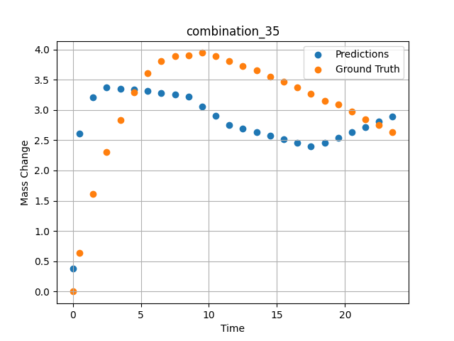
1200 | 0 | 0 | 23.75 | 23.75 | 23.75 | 23.75 | 5 | 0 | 7.50257 | 3.893 | 3.2532997131
1200 | 0 | 0 | 23.75 | 23.75 | 23.75 | 23.75 | 5 | 0 | 8.50485 | 3.90159 | 3.2145180702
1200 | 0 | 0 | 23.75 | 23.75 | 23.75 | 23.75 | 5 | 0 | 9.5075 | 3.94277 | 3.0579895973
1200 | 0 | 0 | 23.75 | 23.75 | 23.75 | 23.75 | 5 | 0 | 10.50051 | 3.88387 | 2.902964592
1200 | 0 | 0 | 23.75 | 23.75 | 23.75 | 23.75 | 5 | 0 | 11.49349 | 3.81191 | 2.7552475929
1200 | 0 | 0 | 23.75 | 23.75 | 23.75 | 23.75 | 5 | 0 | 12.49641 | 3.72649 | 2.6963992119
1200 | 0 | 0 | 23.75 | 23.75 | 23.75 | 23.75 | 5 | 0 | 13.49977 | 3.64963 | 2.6375255585
1200 | 0 | 0 | 23.75 | 23.75 | 23.75 | 23.75 | 5 | 0 | 14.50328 | 3.54789 | 2.5786423683
1200 | 0 | 0 | 23.75 | 23.75 | 23.75 | 23.75 | 5 | 0 | 15.50689 | 3.46453 | 2.519753933
1200 | 0 | 0 | 23.75 | 23.75 | 23.75 | 23.75 | 5 | 0 | 16.50102 | 3.37793 | 2.4614224434
1200 | 0 | 0 | 23.75 | 23.75 | 23.75 | 23.75 | 5 | 0 | 17.49536 | 3.26755 | 2.4030780792
1200 | 0 | 0 | 23.75 | 23.75 | 23.75 | 23.75 | 5 | 0 | 18.4994 | 3.15259 | 2.453122139
1200 | 0 | 0 | 23.75 | 23.75 | 23.75 | 23.75 | 5 | 0 | 19.50371 | 3.0872 | 2.5420179367
1200 | 0 | 0 | 23.75 | 23.75 | 23.75 | 23.75 | 5 | 0 | 20.49846 | 2.97708 | 2.630065918
1200 | 0 | 0 | 23.75 | 23.75 | 23.75 | 23.75 | 5 | 0 | 21.49342 | 2.84398 | 2.7181334496
1200 | 0 | 0 | 23.75 | 23.75 | 23.75 | 23.75 | 5 | 0 | 22.49828 | 2.75236 | 2.8070750237
1200 | 0 | 0 | 23.75 | 23.75 | 23.75 | 23.75 | 5 | 0 | 23.49449 | 2.62918 | 2.8952527046

combination_36
1200.0, 22.5, 0.0, 10.0, 22.5, 22.5, 22.5, 0.0
Temperature [C] | Zr [at%] | Nb [at%] | Mo [at%] | Cr [at%] | Al [at%] | Ti [at%] | Ta [at%] | W [at%] | Time [h] | Mass Change [mg.cm2] | Mass change - predictions
1200 | 0 | 0 | 22.5 | 22.5 | 22.5 | 22.5 | 10 | 0 | 0 | 0 | -0.013225240633
1200 | 0 | 0 | 22.5 | 22.5 | 22.5 | 22.5 | 10 | 0 | 0.49082 | 0.65618 | 0.91077041626
1200 | 0 | 0 | 22.5 | 22.5 | 22.5 | 22.5 | 10 | 0 | 1.49171 | 1.23457 | 3.0407981873
1200 | 0 | 0 | 22.5 | 22.5 | 22.5 | 22.5 | 10 | 0 | 2.49279 | 1.90741 | 3.3217325211
1200 | 0 | 0 | 22.5 | 22.5 | 22.5 | 22.5 | 10 | 0 | 3.49402 | 2.64926 | 3.3349823952
1200 | 0 | 0 | 22.5 | 22.5 | 22.5 | 22.5 | 10 | 0 | 4.49576 | 3.31362 | 3.3155097961
1200 | 0 | 0 | 22.5 | 22.5 | 22.5 | 22.5 | 10 | 0 | 5.49788 | 3.89691 | 3.2960290909
1200 | 0 | 0 | 22.5 | 22.5 | 22.5 | 22.5 | 10 | 0 | 6.50016 | 4.43668 | 3.2765445709
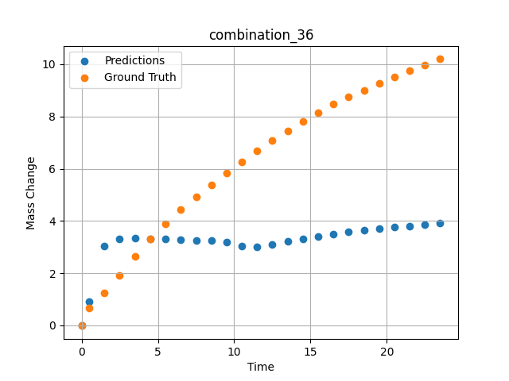
1200 | 0 | 0 | 22.5 | 22.5 | 22.5 | 22.5 | 10 | 0 | 7.50257 | 4.9276 | 3.2570586205
1200 | 0 | 0 | 22.5 | 22.5 | 22.5 | 22.5 | 10 | 0 | 8.50519 | 5.38775 | 3.2375679016
1200 | 0 | 0 | 22.5 | 22.5 | 22.5 | 22.5 | 10 | 0 | 9.50779 | 5.83221 | 3.195514679
1200 | 0 | 0 | 22.5 | 22.5 | 22.5 | 22.5 | 10 | 0 | 10.50075 | 6.26395 | 3.0508732796
1200 | 0 | 0 | 22.5 | 22.5 | 22.5 | 22.5 | 10 | 0 | 11.49382 | 6.68921 | 3.010512352
1200 | 0 | 0 | 22.5 | 22.5 | 22.5 | 22.5 | 10 | 0 | 12.49676 | 7.09216 | 3.1103553772
1200 | 0 | 0 | 22.5 | 22.5 | 22.5 | 22.5 | 10 | 0 | 13.49993 | 7.45786 | 3.2102193832
1200 | 0 | 0 | 22.5 | 22.5 | 22.5 | 22.5 | 10 | 0 | 14.50334 | 7.80354 | 3.3101081848
1200 | 0 | 0 | 22.5 | 22.5 | 22.5 | 22.5 | 10 | 0 | 15.50689 | 8.14589 | 3.4016237259
1200 | 0 | 0 | 22.5 | 22.5 | 22.5 | 22.5 | 10 | 0 | 16.50084 | 8.47093 | 3.4896016121
1200 | 0 | 0 | 22.5 | 22.5 | 22.5 | 22.5 | 10 | 0 | 17.4949 | 8.75562 | 3.577589035
1200 | 0 | 0 | 22.5 | 22.5 | 22.5 | 22.5 | 10 | 0 | 18.49915 | 9.0078 | 3.6577587128
1200 | 0 | 0 | 22.5 | 22.5 | 22.5 | 22.5 | 10 | 0 | 19.5036 | 9.25976 | 3.70723629
1200 | 0 | 0 | 22.5 | 22.5 | 22.5 | 22.5 | 10 | 0 | 20.49842 | 9.50919 | 3.7562403679
1200 | 0 | 0 | 22.5 | 22.5 | 22.5 | 22.5 | 10 | 0 | 21.49334 | 9.73922 | 3.8052492142
1200 | 0 | 0 | 22.5 | 22.5 | 22.5 | 22.5 | 10 | 0 | 22.4983 | 9.968 | 3.8547520638
1200 | 0 | 0 | 22.5 | 22.5 | 22.5 | 22.5 | 10 | 0 | 23.49367 | 10.19694 | 3.9037833214

combination_37
1200.0, 21.25, 0.0, 15.0, 21.25, 21.25, 21.25, 0.0
Temperature [C] | Zr [at%] | Nb [at%] | Mo [at%] | Cr [at%] | Al [at%] | Ti [at%] | Ta [at%] | W [at%] | Time [h] | Mass Change [mg.cm2] | Mass change - predictions
1200 | 0 | 0 | 21.25 | 21.25 | 21.25 | 21.25 | 15 | 0 | 0 | 0 | -0.030267780647
1200 | 0 | 0 | 21.25 | 21.25 | 21.25 | 21.25 | 15 | 0 | 0.49078 | 0.25729 | -0.0079365065321
1200 | 0 | 0 | 21.25 | 21.25 | 21.25 | 21.25 | 15 | 0 | 1.49173 | 0.51494 | 2.8779745102
1200 | 0 | 0 | 21.25 | 21.25 | 21.25 | 21.25 | 15 | 0 | 2.49281 | 0.65372 | 3.158905983
1200 | 0 | 0 | 21.25 | 21.25 | 21.25 | 21.25 | 15 | 0 | 3.49423 | 0.78965 | 3.3152322769
1200 | 0 | 0 | 21.25 | 21.25 | 21.25 | 21.25 | 15 | 0 | 4.49595 | 0.95463 | 3.2957587242
1200 | 0 | 0 | 21.25 | 21.25 | 21.25 | 21.25 | 15 | 0 | 5.49788 | 1.1871 | 3.2762823105
1200 | 0 | 0 | 21.25 | 21.25 | 21.25 | 21.25 | 15 | 0 | 6.49995 | 1.41561 | 3.2568025589
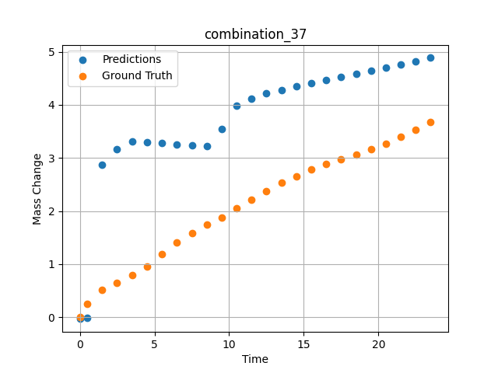
1200 | 0 | 0 | 21.25 | 21.25 | 21.25 | 21.25 | 15 | 0 | 7.50226 | 1.58469 | 3.2373175621
1200 | 0 | 0 | 21.25 | 21.25 | 21.25 | 21.25 | 15 | 0 | 8.50459 | 1.7392 | 3.2178320885
1200 | 0 | 0 | 21.25 | 21.25 | 21.25 | 21.25 | 15 | 0 | 9.50727 | 1.8844 | 3.5520281792
1200 | 0 | 0 | 21.25 | 21.25 | 21.25 | 21.25 | 15 | 0 | 10.50035 | 2.04758 | 3.9807024002
1200 | 0 | 0 | 21.25 | 21.25 | 21.25 | 21.25 | 15 | 0 | 11.49359 | 2.21187 | 4.1190943718
1200 | 0 | 0 | 21.25 | 21.25 | 21.25 | 21.25 | 15 | 0 | 12.49662 | 2.37354 | 4.2189435959
1200 | 0 | 0 | 21.25 | 21.25 | 21.25 | 21.25 | 15 | 0 | 13.49991 | 2.52954 | 4.2826180458
1200 | 0 | 0 | 21.25 | 21.25 | 21.25 | 21.25 | 15 | 0 | 14.50342 | 2.65999 | 4.3431239128
1200 | 0 | 0 | 21.25 | 21.25 | 21.25 | 21.25 | 15 | 0 | 15.50698 | 2.78039 | 4.4036335945
1200 | 0 | 0 | 21.25 | 21.25 | 21.25 | 21.25 | 15 | 0 | 16.50099 | 2.88456 | 4.4635672569
1200 | 0 | 0 | 21.25 | 21.25 | 21.25 | 21.25 | 15 | 0 | 17.49532 | 2.97806 | 4.5235209465
1200 | 0 | 0 | 21.25 | 21.25 | 21.25 | 21.25 | 15 | 0 | 18.49943 | 3.06304 | 4.5840630531
1200 | 0 | 0 | 21.25 | 21.25 | 21.25 | 21.25 | 15 | 0 | 19.50377 | 3.1613 | 4.6446199417
1200 | 0 | 0 | 21.25 | 21.25 | 21.25 | 21.25 | 15 | 0 | 20.49862 | 3.27108 | 4.704603672
1200 | 0 | 0 | 21.25 | 21.25 | 21.25 | 21.25 | 15 | 0 | 21.49358 | 3.39601 | 4.7645950317
1200 | 0 | 0 | 21.25 | 21.25 | 21.25 | 21.25 | 15 | 0 | 22.49845 | 3.53102 | 4.8251829147
1200 | 0 | 0 | 21.25 | 21.25 | 21.25 | 21.25 | 15 | 0 | 23.49403 | 3.67091 | 4.8852105141

combination_38
1200.0, 21.25, 0.0, 21.25, 0.2125, 21.25, 15.0, 0.0
Temperature [C] | Zr [at%] | Nb [at%] | Mo [at%] | Cr [at%] | Al [at%] | Ti [at%] | Ta [at%] | W [at%] | Time [h] | Mass Change [mg.cm2] | Mass change - predictions
1200 | 0 | 0 | 21.25 | 21.25 | 15 | 0.2125 | 21.25 | 0 | 0 | 0 | 2.535340786
1200 | 0 | 0 | 21.25 | 21.25 | 15 | 0.2125 | 21.25 | 0 | 0.5008 | 0.91616 | 2.6881637573
1200 | 0 | 0 | 21.25 | 21.25 | 15 | 0.2125 | 21.25 | 0 | 1.5078 | 1.54711 | 2.7180662155
1200 | 0 | 0 | 21.25 | 21.25 | 15 | 0.2125 | 21.25 | 0 | 2.50401 | 2.12777 | 2.7861943245
1200 | 0 | 0 | 21.25 | 21.25 | 15 | 0.2125 | 21.25 | 0 | 3.49917 | 2.41741 | 2.8542490005
1200 | 0 | 0 | 21.25 | 21.25 | 15 | 0.2125 | 21.25 | 0 | 4.49589 | 2.79191 | 2.9224114418
1200 | 0 | 0 | 21.25 | 21.25 | 15 | 0.2125 | 21.25 | 0 | 5.49685 | 2.9867 | 2.9908638
1200 | 0 | 0 | 21.25 | 21.25 | 15 | 0.2125 | 21.25 | 0 | 6.50299 | 3.15596 | 3.0596699715
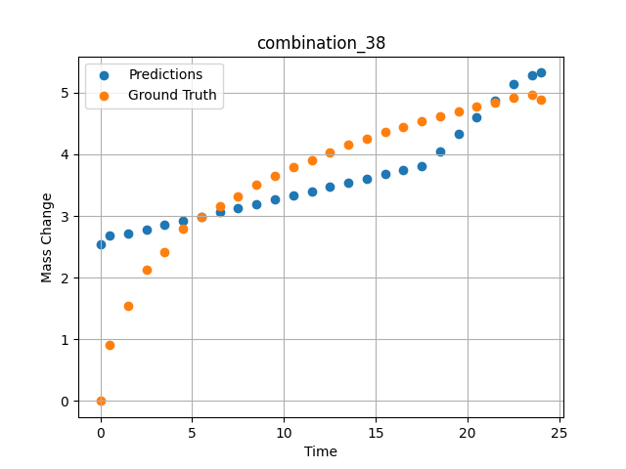
1200 | 0 | 0 | 21.25 | 21.25 | 15 | 0.2125 | 21.25 | 0 | 7.50394 | 3.3247 | 3.128121376
1200 | 0 | 0 | 21.25 | 21.25 | 15 | 0.2125 | 21.25 | 0 | 8.49997 | 3.50708 | 3.1962351799
1200 | 0 | 0 | 21.25 | 21.25 | 15 | 0.2125 | 21.25 | 0 | 9.49603 | 3.65121 | 3.2643518448
1200 | 0 | 0 | 21.25 | 21.25 | 15 | 0.2125 | 21.25 | 0 | 10.50075 | 3.79048 | 3.3330612183
1200 | 0 | 0 | 21.25 | 21.25 | 15 | 0.2125 | 21.25 | 0 | 11.50631 | 3.91168 | 3.4018273354
1200 | 0 | 0 | 21.25 | 21.25 | 15 | 0.2125 | 21.25 | 0 | 12.50357 | 4.03675 | 3.4700264931
1200 | 0 | 0 | 21.25 | 21.25 | 15 | 0.2125 | 21.25 | 0 | 13.49882 | 4.15184 | 3.538087368
1200 | 0 | 0 | 21.25 | 21.25 | 15 | 0.2125 | 21.25 | 0 | 14.49364 | 4.24898 | 3.6061205864
1200 | 0 | 0 | 21.25 | 21.25 | 15 | 0.2125 | 21.25 | 0 | 15.49959 | 4.3622 | 3.6749134064
1200 | 0 | 0 | 21.25 | 21.25 | 15 | 0.2125 | 21.25 | 0 | 16.50564 | 4.44778 | 3.7437133789
1200 | 0 | 0 | 21.25 | 21.25 | 15 | 0.2125 | 21.25 | 0 | 17.50203 | 4.53311 | 3.811852932
1200 | 0 | 0 | 21.25 | 21.25 | 15 | 0.2125 | 21.25 | 0 | 18.49765 | 4.6149 | 4.0517888069
1200 | 0 | 0 | 21.25 | 21.25 | 15 | 0.2125 | 21.25 | 0 | 19.49419 | 4.70373 | 4.3240990639
1200 | 0 | 0 | 21.25 | 21.25 | 15 | 0.2125 | 21.25 | 0 | 20.49949 | 4.77412 | 4.5988025665
1200 | 0 | 0 | 21.25 | 21.25 | 15 | 0.2125 | 21.25 | 0 | 21.50586 | 4.84004 | 4.8737988472
1200 | 0 | 0 | 21.25 | 21.25 | 15 | 0.2125 | 21.25 | 0 | 22.50242 | 4.91443 | 5.1461138725
1200 | 0 | 0 | 21.25 | 21.25 | 15 | 0.2125 | 21.25 | 0 | 23.50657 | 4.95854 | 5.2783985138
1200 | 0 | 0 | 21.25 | 21.25 | 15 | 0.2125 | 21.25 | 0 | 24.01181 | 4.88788 | 5.3237638474

combination_39
1200.0, 23.75, 0.0, 23.75, 23.75, 23.75, 5.0, 0.0
Temperature [C] | Zr [at%] | Nb [at%] | Mo [at%] | Cr [at%] | Al [at%] | Ti [at%] | Ta [at%] | W [at%] | Time [h] | Mass Change [mg.cm2] | Mass change - predictions
1200 | 0 | 0 | 23.75 | 23.75 | 5 | 23.75 | 23.75 | 0 | 0 | 0 | -0.034475289285
1200 | 0 | 0 | 23.75 | 23.75 | 5 | 23.75 | 23.75 | 0 | 0.49085 | 2.66992 | -0.011990289204
1200 | 0 | 0 | 23.75 | 23.75 | 5 | 23.75 | 23.75 | 0 | 1.49179 | 3.43367 | 3.2749757767
1200 | 0 | 0 | 23.75 | 23.75 | 5 | 23.75 | 23.75 | 0 | 2.49278 | 3.81308 | 3.5518183708
1200 | 0 | 0 | 23.75 | 23.75 | 5 | 23.75 | 23.75 | 0 | 3.49402 | 4.08982 | 3.7778320312
1200 | 0 | 0 | 23.75 | 23.75 | 5 | 23.75 | 23.75 | 0 | 4.49552 | 4.22038 | 3.7554574013
1200 | 0 | 0 | 23.75 | 23.75 | 5 | 23.75 | 23.75 | 0 | 5.49726 | 4.37154 | 3.7330770493
1200 | 0 | 0 | 23.75 | 23.75 | 5 | 23.75 | 23.75 | 0 | 6.49893 | 4.48947 | 3.7106990814
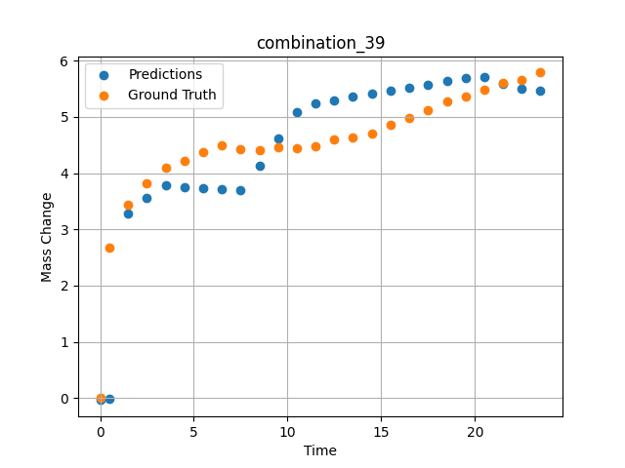
1200 | 0 | 0 | 23.75 | 23.75 | 5 | 23.75 | 23.75 | 0 | 7.50089 | 4.42119 | 3.688313961
1200 | 0 | 0 | 23.75 | 23.75 | 5 | 23.75 | 23.75 | 0 | 8.50303 | 4.41331 | 4.1355519295
1200 | 0 | 0 | 23.75 | 23.75 | 5 | 23.75 | 23.75 | 0 | 9.50518 | 4.46248 | 4.6143817902
1200 | 0 | 0 | 23.75 | 23.75 | 5 | 23.75 | 23.75 | 0 | 10.5075 | 4.43344 | 5.0858931541
1200 | 0 | 0 | 23.75 | 23.75 | 5 | 23.75 | 23.75 | 0 | 11.50025 | 4.47228 | 5.243929863
1200 | 0 | 0 | 23.75 | 23.75 | 5 | 23.75 | 23.75 | 0 | 12.49307 | 4.59671 | 5.2988562584
1200 | 0 | 0 | 23.75 | 23.75 | 5 | 23.75 | 23.75 | 0 | 13.4957 | 4.62715 | 5.3543262482
1200 | 0 | 0 | 23.75 | 23.75 | 5 | 23.75 | 23.75 | 0 | 14.49843 | 4.69674 | 5.4098024368
1200 | 0 | 0 | 23.75 | 23.75 | 5 | 23.75 | 23.75 | 0 | 15.50123 | 4.8643 | 5.4652814865
1200 | 0 | 0 | 23.75 | 23.75 | 5 | 23.75 | 23.75 | 0 | 16.5043 | 4.97473 | 5.520775795
1200 | 0 | 0 | 23.75 | 23.75 | 5 | 23.75 | 23.75 | 0 | 17.50747 | 5.1258 | 5.5762758255
1200 | 0 | 0 | 23.75 | 23.75 | 5 | 23.75 | 23.75 | 0 | 18.50106 | 5.28127 | 5.6312456131
1200 | 0 | 0 | 23.75 | 23.75 | 5 | 23.75 | 23.75 | 0 | 19.49479 | 5.36597 | 5.6862230301
1200 | 0 | 0 | 23.75 | 23.75 | 5 | 23.75 | 23.75 | 0 | 20.49845 | 5.47967 | 5.7007446289
1200 | 0 | 0 | 23.75 | 23.75 | 5 | 23.75 | 23.75 | 0 | 21.50208 | 5.61004 | 5.5917673111
1200 | 0 | 0 | 23.75 | 23.75 | 5 | 23.75 | 23.75 | 0 | 22.5057 | 5.65412 | 5.5024528503
1200 | 0 | 0 | 23.75 | 23.75 | 5 | 23.75 | 23.75 | 0 | 23.49987 | 5.78609 | 5.4576663971

combination_40
1200.0, 25.0, 0.0, 25.0, 0.0, 25.0, 25.0, 0.0
Temperature [C] | Zr [at%] | Nb [at%] | Mo [at%] | Cr [at%] | Al [at%] | Ti [at%] | Ta [at%] | W [at%] | Time [h] | Mass Change [mg.cm2] | Mass change - predictions
1200 | 0 | 0 | 25 | 25 | 25 | 0 | 25 | 0 | 0 | 0 | 0.99493789673
1200 | 0 | 0 | 25 | 25 | 25 | 0 | 25 | 0 | 0.4909 | 0.52067 | 1.146905899
1200 | 0 | 0 | 25 | 25 | 25 | 0 | 25 | 0 | 1.49184 | 0.89241 | 1.3168411255
1200 | 0 | 0 | 25 | 25 | 25 | 0 | 25 | 0 | 2.49299 | 0.98636 | 1.4301996231
1200 | 0 | 0 | 25 | 25 | 25 | 0 | 25 | 0 | 3.49426 | 1.01316 | 1.4986715317
1200 | 0 | 0 | 25 | 25 | 25 | 0 | 25 | 0 | 4.49573 | 1.04634 | 1.5671582222
1200 | 0 | 0 | 25 | 25 | 25 | 0 | 25 | 0 | 5.49732 | 1.09633 | 1.635653019
1200 | 0 | 0 | 25 | 25 | 25 | 0 | 25 | 0 | 6.49923 | 1.12867 | 1.7065348625
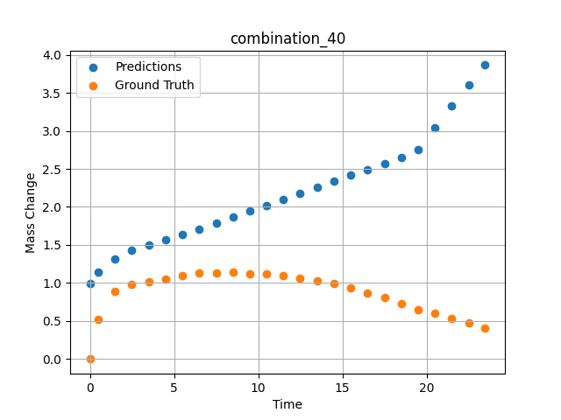
1200 | 0 | 0 | 25 | 25 | 25 | 0 | 25 | 0 | 7.5014 | 1.13358 | 1.7853503227
1200 | 0 | 0 | 25 | 25 | 25 | 0 | 25 | 0 | 8.50376 | 1.14117 | 1.8641796112
1200 | 0 | 0 | 25 | 25 | 25 | 0 | 25 | 0 | 9.5062 | 1.1246 | 1.9430155754
1200 | 0 | 0 | 25 | 25 | 25 | 0 | 25 | 0 | 10.49891 | 1.11958 | 2.0210866928
1200 | 0 | 0 | 25 | 25 | 25 | 0 | 25 | 0 | 11.4917 | 1.09581 | 2.0991644859
1200 | 0 | 0 | 25 | 25 | 25 | 0 | 25 | 0 | 12.49433 | 1.06175 | 2.1780147552
1200 | 0 | 0 | 25 | 25 | 25 | 0 | 25 | 0 | 13.49731 | 1.02973 | 2.2568936348
1200 | 0 | 0 | 25 | 25 | 25 | 0 | 25 | 0 | 14.5003 | 0.99335 | 2.3357725143
1200 | 0 | 0 | 25 | 25 | 25 | 0 | 25 | 0 | 15.50331 | 0.93937 | 2.4146537781
1200 | 0 | 0 | 25 | 25 | 25 | 0 | 25 | 0 | 16.50658 | 0.87265 | 2.493555069
1200 | 0 | 0 | 25 | 25 | 25 | 0 | 25 | 0 | 17.50045 | 0.80846 | 2.5717167854
1200 | 0 | 0 | 25 | 25 | 25 | 0 | 25 | 0 | 18.49429 | 0.72954 | 2.6498770714
1200 | 0 | 0 | 25 | 25 | 25 | 0 | 25 | 0 | 19.49787 | 0.64801 | 2.7544407845
1200 | 0 | 0 | 25 | 25 | 25 | 0 | 25 | 0 | 20.50158 | 0.59853 | 3.0390057564
1200 | 0 | 0 | 25 | 25 | 25 | 0 | 25 | 0 | 21.50504 | 0.53856 | 3.3234996796
1200 | 0 | 0 | 25 | 25 | 25 | 0 | 25 | 0 | 22.49878 | 0.47792 | 3.6052384377
1200 | 0 | 0 | 25 | 25 | 25 | 0 | 25 | 0 | 23.48308 | 0.40626 | 3.8641891479

combination_41
1200.0, 22.5, 0.0, 22.5, 10.0, 22.5, 22.5, 0.0
Temperature [C] | Zr [at%] | Nb [at%] | Mo [at%] | Cr [at%] | Al [at%] | Ti [at%] | Ta [at%] | W [at%] | Time [h] | Mass Change [mg.cm2] | Mass change - predictions
1200 | 0 | 0 | 22.5 | 22.5 | 22.5 | 10 | 22.5 | 0 | 0 | 0 | 2.2493753433
1200 | 0 | 0 | 22.5 | 22.5 | 22.5 | 10 | 22.5 | 0 | 0.49084 | 0.9295 | 2.7377343178
1200 | 0 | 0 | 22.5 | 22.5 | 22.5 | 10 | 22.5 | 0 | 1.49189 | 1.80965 | 3.0193543434
1200 | 0 | 0 | 22.5 | 22.5 | 22.5 | 10 | 22.5 | 0 | 2.49308 | 2.33914 | 3.1573734283
1200 | 0 | 0 | 22.5 | 22.5 | 22.5 | 10 | 22.5 | 0 | 3.49454 | 2.7567 | 3.1748762131
1200 | 0 | 0 | 22.5 | 22.5 | 22.5 | 10 | 22.5 | 0 | 4.49587 | 3.10649 | 3.2021217346
1200 | 0 | 0 | 22.5 | 22.5 | 22.5 | 10 | 22.5 | 0 | 5.49738 | 3.40043 | 3.233938694
1200 | 0 | 0 | 22.5 | 22.5 | 22.5 | 10 | 22.5 | 0 | 6.49902 | 3.65544 | 3.3024373055
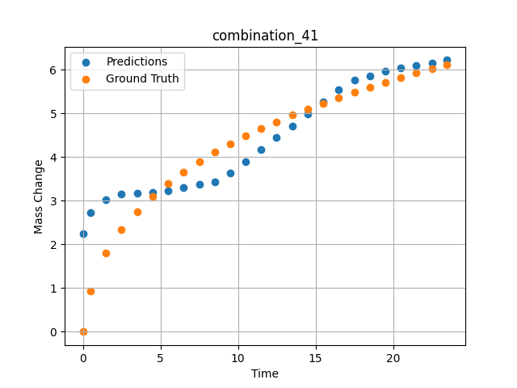
1200 | 0 | 0 | 22.5 | 22.5 | 22.5 | 10 | 22.5 | 0 | 7.5009 | 3.89334 | 3.3709521294
1200 | 0 | 0 | 22.5 | 22.5 | 22.5 | 10 | 22.5 | 0 | 8.50305 | 4.1108 | 3.4394845963
1200 | 0 | 0 | 22.5 | 22.5 | 22.5 | 10 | 22.5 | 0 | 9.50535 | 4.30411 | 3.6290678978
1200 | 0 | 0 | 22.5 | 22.5 | 22.5 | 10 | 22.5 | 0 | 10.50762 | 4.49008 | 3.9029431343
1200 | 0 | 0 | 22.5 | 22.5 | 22.5 | 10 | 22.5 | 0 | 11.50027 | 4.65508 | 4.1741900444
1200 | 0 | 0 | 22.5 | 22.5 | 22.5 | 10 | 22.5 | 0 | 12.49321 | 4.81291 | 4.4455165863
1200 | 0 | 0 | 22.5 | 22.5 | 22.5 | 10 | 22.5 | 0 | 13.49592 | 4.96201 | 4.7195115089
1200 | 0 | 0 | 22.5 | 22.5 | 22.5 | 10 | 22.5 | 0 | 14.49884 | 5.10866 | 4.9935646057
1200 | 0 | 0 | 22.5 | 22.5 | 22.5 | 10 | 22.5 | 0 | 15.50195 | 5.23656 | 5.2676696777
1200 | 0 | 0 | 22.5 | 22.5 | 22.5 | 10 | 22.5 | 0 | 16.50521 | 5.36197 | 5.5418157578
1200 | 0 | 0 | 22.5 | 22.5 | 22.5 | 10 | 22.5 | 0 | 17.49902 | 5.48679 | 5.7677974701
1200 | 0 | 0 | 22.5 | 22.5 | 22.5 | 10 | 22.5 | 0 | 18.49286 | 5.60206 | 5.8675951958
1200 | 0 | 0 | 22.5 | 22.5 | 22.5 | 10 | 22.5 | 0 | 19.49643 | 5.71574 | 5.9683704376
1200 | 0 | 0 | 22.5 | 22.5 | 22.5 | 10 | 22.5 | 0 | 20.5002 | 5.81992 | 6.0404834747
1200 | 0 | 0 | 22.5 | 22.5 | 22.5 | 10 | 22.5 | 0 | 21.50421 | 5.92516 | 6.1018910408
1200 | 0 | 0 | 22.5 | 22.5 | 22.5 | 10 | 22.5 | 0 | 22.49865 | 6.02044 | 6.1627140045
1200 | 0 | 0 | 22.5 | 22.5 | 22.5 | 10 | 22.5 | 0 | 23.48348 | 6.12261 | 6.2229471207

combination_42
1200.0, 0.0, 0.0, 20.0, 0.0, 80.0, 0.0, 0.0
Temperature [C] | Zr [at%] | Nb [at%] | Mo [at%] | Cr [at%] | Al [at%] | Ti [at%] | Ta [at%] | W [at%] | Time [h] | Mass Change [mg.cm2] | Mass change - predictions
1200 | 0 | 0 | 0 | 80 | 0 | 0 | 20 | 0 | 0 | 0 | 1.7461471558
1200 | 0 | 0 | 0 | 80 | 0 | 0 | 20 | 0 | 0.49084 | 2.2487 | 2.8045344353
1200 | 0 | 0 | 0 | 80 | 0 | 0 | 20 | 0 | 1.49185 | 4.5778 | 4.9630060196
1200 | 0 | 0 | 0 | 80 | 0 | 0 | 20 | 0 | 2.49311 | 5.99216 | 5.8162841797
1200 | 0 | 0 | 0 | 80 | 0 | 0 | 20 | 0 | 3.49454 | 7.03755 | 6.1930103302
1200 | 0 | 0 | 0 | 80 | 0 | 0 | 20 | 0 | 4.49611 | 8.01046 | 6.8498001099
1200 | 0 | 0 | 0 | 80 | 0 | 0 | 20 | 0 | 5.49754 | 8.89891 | 7.682393074
1200 | 0 | 0 | 0 | 80 | 0 | 0 | 20 | 0 | 6.49911 | 9.62852 | 8.5151090622
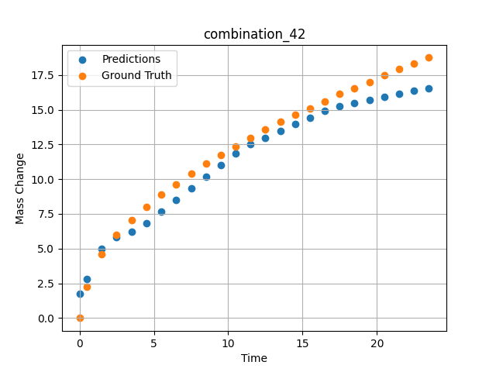
1200 | 0 | 0 | 0 | 80 | 0 | 0 | 20 | 0 | 7.50098 | 10.37488 | 9.3480739594
1200 | 0 | 0 | 0 | 80 | 0 | 0 | 20 | 0 | 8.50294 | 11.1106 | 10.181112289
1200 | 0 | 0 | 0 | 80 | 0 | 0 | 20 | 0 | 9.50507 | 11.76175 | 11.014292717
1200 | 0 | 0 | 0 | 80 | 0 | 0 | 20 | 0 | 10.50727 | 12.37848 | 11.847527504
1200 | 0 | 0 | 0 | 80 | 0 | 0 | 20 | 0 | 11.49987 | 12.98514 | 12.494710922
1200 | 0 | 0 | 0 | 80 | 0 | 0 | 20 | 0 | 12.49278 | 13.55574 | 12.975808144
1200 | 0 | 0 | 0 | 80 | 0 | 0 | 20 | 0 | 13.49537 | 14.11738 | 13.461597443
1200 | 0 | 0 | 0 | 80 | 0 | 0 | 20 | 0 | 14.4982 | 14.61774 | 13.947499275
1200 | 0 | 0 | 0 | 80 | 0 | 0 | 20 | 0 | 15.50122 | 15.11307 | 14.43350029
1200 | 0 | 0 | 0 | 80 | 0 | 0 | 20 | 0 | 16.50458 | 15.61266 | 14.919658661
1200 | 0 | 0 | 0 | 80 | 0 | 0 | 20 | 0 | 17.49836 | 16.1203 | 15.277739525
1200 | 0 | 0 | 0 | 80 | 0 | 0 | 20 | 0 | 18.49225 | 16.55858 | 15.489566803
1200 | 0 | 0 | 0 | 80 | 0 | 0 | 20 | 0 | 19.49582 | 17.00085 | 15.703462601
1200 | 0 | 0 | 0 | 80 | 0 | 0 | 20 | 0 | 20.49954 | 17.48111 | 15.917390823
1200 | 0 | 0 | 0 | 80 | 0 | 0 | 20 | 0 | 21.50356 | 17.92626 | 16.131380081
1200 | 0 | 0 | 0 | 80 | 0 | 0 | 20 | 0 | 22.49791 | 18.33595 | 16.343309402
1200 | 0 | 0 | 0 | 80 | 0 | 0 | 20 | 0 | 23.49244 | 18.74801 | 16.555274963

combination_43
1200.0, 0.0, 0.0, 33.3, 33.4, 33.3, 0.0, 0.0
Temperature [C] | Zr [at%] | Nb [at%] | Mo [at%] | Cr [at%] | Al [at%] | Ti [at%] | Ta [at%] | W [at%] | Time [h] | Mass Change [mg.cm2] | Mass change - predictions
1200 | 0 | 0 | 0 | 33.3 | 0 | 33.4 | 33.3 | 0 | 0 | 0 | -0.032994594425
1200 | 0 | 0 | 0 | 33.3 | 0 | 33.4 | 33.3 | 0 | 0.50589 | 1.2245 | -0.0060491370969
1200 | 0 | 0 | 0 | 33.3 | 0 | 33.4 | 33.3 | 0 | 1.50743 | 3.21145 | 4.253475666
1200 | 0 | 0 | 0 | 33.3 | 0 | 33.4 | 33.3 | 0 | 2.50834 | 4.82823 | 5.2023143768
1200 | 0 | 0 | 0 | 33.3 | 0 | 33.4 | 33.3 | 0 | 3.49984 | 6.40464 | 7.272228241
1200 | 0 | 0 | 0 | 33.3 | 0 | 33.4 | 33.3 | 0 | 4.49165 | 8.24746 | 9.3427867889
1200 | 0 | 0 | 0 | 33.3 | 0 | 33.4 | 33.3 | 0 | 5.49326 | 10.12588 | 10.622572899
1200 | 0 | 0 | 0 | 33.3 | 0 | 33.4 | 33.3 | 0 | 6.49512 | 11.74551 | 11.614361763
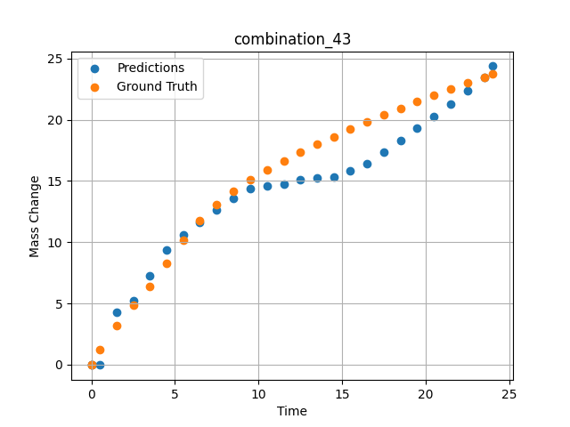
1200 | 0 | 0 | 0 | 33.3 | 0 | 33.4 | 33.3 | 0 | 7.49717 | 13.06387 | 12.606340408
1200 | 0 | 0 | 0 | 33.3 | 0 | 33.4 | 33.3 | 0 | 8.49935 | 14.15469 | 13.598445892
1200 | 0 | 0 | 0 | 33.3 | 0 | 33.4 | 33.3 | 0 | 9.50168 | 15.07769 | 14.338560104
1200 | 0 | 0 | 0 | 33.3 | 0 | 33.4 | 33.3 | 0 | 10.50396 | 15.89904 | 14.617448807
1200 | 0 | 0 | 0 | 33.3 | 0 | 33.4 | 33.3 | 0 | 11.50641 | 16.636 | 14.767230988
1200 | 0 | 0 | 0 | 33.3 | 0 | 33.4 | 33.3 | 0 | 12.4993 | 17.32067 | 15.071231842
1200 | 0 | 0 | 0 | 33.3 | 0 | 33.4 | 33.3 | 0 | 13.49252 | 17.97297 | 15.229110718
1200 | 0 | 0 | 0 | 33.3 | 0 | 33.4 | 33.3 | 0 | 14.49558 | 18.60484 | 15.346082687
1200 | 0 | 0 | 0 | 33.3 | 0 | 33.4 | 33.3 | 0 | 15.49869 | 19.21742 | 15.827270508
1200 | 0 | 0 | 0 | 33.3 | 0 | 33.4 | 33.3 | 0 | 16.50197 | 19.80993 | 16.39978981
1200 | 0 | 0 | 0 | 33.3 | 0 | 33.4 | 33.3 | 0 | 17.50542 | 20.38414 | 17.36838913
1200 | 0 | 0 | 0 | 33.3 | 0 | 33.4 | 33.3 | 0 | 18.4994 | 20.93636 | 18.327869415
1200 | 0 | 0 | 0 | 33.3 | 0 | 33.4 | 33.3 | 0 | 19.49338 | 21.47763 | 19.287338257
1200 | 0 | 0 | 0 | 33.3 | 0 | 33.4 | 33.3 | 0 | 20.49715 | 22.00213 | 20.256261826
1200 | 0 | 0 | 0 | 33.3 | 0 | 33.4 | 33.3 | 0 | 21.5012 | 22.51318 | 21.252025604
1200 | 0 | 0 | 0 | 33.3 | 0 | 33.4 | 33.3 | 0 | 22.50542 | 23.00472 | 22.355194092
1200 | 0 | 0 | 0 | 33.3 | 0 | 33.4 | 33.3 | 0 | 23.50015 | 23.48187 | 23.473499298
1200 | 0 | 0 | 0 | 33.3 | 0 | 33.4 | 33.3 | 0 | 24.02167 | 23.71265 | 24.365343094
1200 | 0 | 0 | 0 | 33.3 | 0 | 33.4 | 33.3 | 0 | 0 | 0 | -0.032994594425

combination_44
1200.0, 0.0, 33.7, 0.0, 33.9, 32.4, 0.0, 0.0
Temperature [C] | Zr [at%] | Nb [at%] | Mo [at%] | Cr [at%] | Al [at%] | Ti [at%] | Ta [at%] | W [at%] | Time [h] | Mass Change [mg.cm2] | Mass change - predictions
1200 | 0 | 33.7 | 0 | 32.4 | 0 | 33.9 | 0 | 0 | 0 | 0 | 3.3237190247
1200 | 0 | 33.7 | 0 | 32.4 | 0 | 33.9 | 0 | 0 | 0.49249 | 2.56412 | 5.871389389
1200 | 0 | 33.7 | 0 | 32.4 | 0 | 33.9 | 0 | 0 | 1.48984 | 5.41937 | 6.7675452232
1200 | 0 | 33.7 | 0 | 32.4 | 0 | 33.9 | 0 | 0 | 2.4985 | 7.32912 | 7.6566796303
1200 | 0 | 33.7 | 0 | 32.4 | 0 | 33.9 | 0 | 0 | 3.4955 | 8.74014 | 8.7614250183
1200 | 0 | 33.7 | 0 | 32.4 | 0 | 33.9 | 0 | 0 | 4.5045 | 9.88382 | 10.261487961
1200 | 0 | 33.7 | 0 | 32.4 | 0 | 33.9 | 0 | 0 | 5.5015 | 10.82642 | 11.497717857
1200 | 0 | 33.7 | 0 | 32.4 | 0 | 33.9 | 0 | 0 | 6.4985 | 11.63515 | 12.162633896
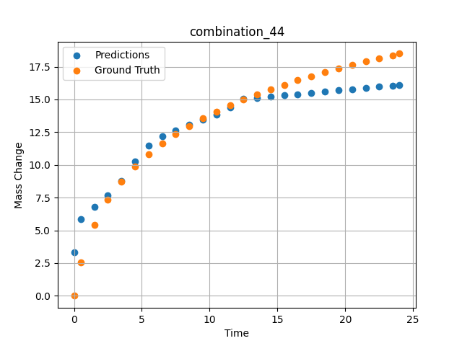
1200 | 0 | 33.7 | 0 | 32.4 | 0 | 33.9 | 0 | 0 | 7.4955 | 12.34412 | 12.628771782
1200 | 0 | 33.7 | 0 | 32.4 | 0 | 33.9 | 0 | 0 | 8.49249 | 12.97471 | 13.0949049
1200 | 0 | 33.7 | 0 | 32.4 | 0 | 33.9 | 0 | 0 | 9.5015 | 13.54942 | 13.477014542
1200 | 0 | 33.7 | 0 | 32.4 | 0 | 33.9 | 0 | 0 | 10.4985 | 14.0659 | 13.826639175
1200 | 0 | 33.7 | 0 | 32.4 | 0 | 33.9 | 0 | 0 | 11.4955 | 14.53953 | 14.400550842
1200 | 0 | 33.7 | 0 | 32.4 | 0 | 33.9 | 0 | 0 | 12.5045 | 14.98218 | 15.029283524
1200 | 0 | 33.7 | 0 | 32.4 | 0 | 33.9 | 0 | 0 | 13.5015 | 15.38843 | 15.123376846
1200 | 0 | 33.7 | 0 | 32.4 | 0 | 33.9 | 0 | 0 | 14.4985 | 15.76772 | 15.217468262
1200 | 0 | 33.7 | 0 | 32.4 | 0 | 33.9 | 0 | 0 | 15.4955 | 16.12357 | 15.311561584
1200 | 0 | 33.7 | 0 | 32.4 | 0 | 33.9 | 0 | 0 | 16.49249 | 16.45856 | 15.405653
1200 | 0 | 33.7 | 0 | 32.4 | 0 | 33.9 | 0 | 0 | 17.5015 | 16.77881 | 15.500879288
1200 | 0 | 33.7 | 0 | 32.4 | 0 | 33.9 | 0 | 0 | 18.4985 | 17.07865 | 15.594969749
1200 | 0 | 33.7 | 0 | 32.4 | 0 | 33.9 | 0 | 0 | 19.4955 | 17.36354 | 15.689062119
1200 | 0 | 33.7 | 0 | 32.4 | 0 | 33.9 | 0 | 0 | 20.5045 | 17.63817 | 15.784286499
1200 | 0 | 33.7 | 0 | 32.4 | 0 | 33.9 | 0 | 0 | 21.5015 | 17.89723 | 15.878379822
1200 | 0 | 33.7 | 0 | 32.4 | 0 | 33.9 | 0 | 0 | 22.4985 | 18.14506 | 15.972473145
1200 | 0 | 33.7 | 0 | 32.4 | 0 | 33.9 | 0 | 0 | 23.48348 | 18.37988 | 16.065429688
1200 | 0 | 33.7 | 0 | 32.4 | 0 | 33.9 | 0 | 0 | 24 | 18.49961 | 16.114177704

combination_45
1000.0, 20.0, 0.0, 0.0, 20.0, 20.0, 20.0, 20.0
Temperature [C] | Zr [at%] | Nb [at%] | Mo [at%] | Cr [at%] | Al [at%] | Ti [at%] | Ta [at%] | W [at%] | Time [h] | Mass Change [mg.cm2] | Mass change - predictions
1000 | 0 | 0 | 20 | 20 | 20 | 20 | 0 | 20 | 0 | 0 | -0.045683842152
1000 | 0 | 0 | 20 | 20 | 20 | 20 | 0 | 20 | 0.48048 | 0.84398 | -0.022290401161
1000 | 0 | 0 | 20 | 20 | 20 | 20 | 0 | 20 | 1.48148 | 1.95113 | 1.8803415298
1000 | 0 | 0 | 20 | 20 | 20 | 20 | 0 | 20 | 2.48248 | 2.67199 | 2.2773022652
1000 | 0 | 0 | 20 | 20 | 20 | 20 | 0 | 20 | 3.48348 | 3.20863 | 2.674264431
1000 | 0 | 0 | 20 | 20 | 20 | 20 | 0 | 20 | 4.48448 | 3.63657 | 3.0637631416
1000 | 0 | 0 | 20 | 20 | 20 | 20 | 0 | 20 | 5.46681 | 3.98634 | 3.134721756
1000 | 0 | 0 | 20 | 20 | 20 | 20 | 0 | 20 | 6.48649 | 4.29749 | 3.4766860008
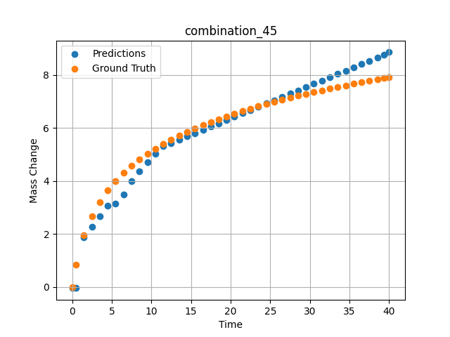
1000 | 0 | 0 | 20 | 20 | 20 | 20 | 0 | 20 | 7.48749 | 4.56411 | 3.9842443466
1000 | 0 | 0 | 20 | 20 | 20 | 20 | 0 | 20 | 8.48849 | 4.80102 | 4.3739962578
1000 | 0 | 0 | 20 | 20 | 20 | 20 | 0 | 20 | 9.48949 | 5.01418 | 4.6982731819
1000 | 0 | 0 | 20 | 20 | 20 | 20 | 0 | 20 | 10.47163 | 5.20439 | 5.0164432526
1000 | 0 | 0 | 20 | 20 | 20 | 20 | 0 | 20 | 11.49149 | 5.38551 | 5.3098840714
1000 | 0 | 0 | 20 | 20 | 20 | 20 | 0 | 20 | 12.49249 | 5.54942 | 5.4338345528
1000 | 0 | 0 | 20 | 20 | 20 | 20 | 0 | 20 | 13.49349 | 5.70161 | 5.5577850342
1000 | 0 | 0 | 20 | 20 | 20 | 20 | 0 | 20 | 14.49449 | 5.84365 | 5.6817359924
1000 | 0 | 0 | 20 | 20 | 20 | 20 | 0 | 20 | 15.47644 | 5.97432 | 5.8033270836
1000 | 0 | 0 | 20 | 20 | 20 | 20 | 0 | 20 | 16.4965 | 6.10212 | 5.9296398163
1000 | 0 | 0 | 20 | 20 | 20 | 20 | 0 | 20 | 17.4975 | 6.22048 | 6.0535898209
1000 | 0 | 0 | 20 | 20 | 20 | 20 | 0 | 20 | 18.4985 | 6.3326 | 6.1775393486
1000 | 0 | 0 | 20 | 20 | 20 | 20 | 0 | 20 | 19.4995 | 6.43912 | 6.3014903069
1000 | 0 | 0 | 20 | 20 | 20 | 20 | 0 | 20 | 20.48125 | 6.53864 | 6.4230575562
1000 | 0 | 0 | 20 | 20 | 20 | 20 | 0 | 20 | 21.5015 | 6.63739 | 6.5493917465
1000 | 0 | 0 | 20 | 20 | 20 | 20 | 0 | 20 | 22.5025 | 6.73001 | 6.6733427048
1000 | 0 | 0 | 20 | 20 | 20 | 20 | 0 | 20 | 23.5035 | 6.81877 | 6.7972946167
1000 | 0 | 0 | 20 | 20 | 20 | 20 | 0 | 20 | 24.5045 | 6.90398 | 6.9212436676
1000 | 0 | 0 | 20 | 20 | 20 | 20 | 0 | 20 | 25.48606 | 6.98435 | 7.0427880287
1000 | 0 | 0 | 20 | 20 | 20 | 20 | 0 | 20 | 26.50651 | 7.06482 | 7.1691465378
1000 | 0 | 0 | 20 | 20 | 20 | 20 | 0 | 20 | 27.50751 | 7.1409 | 7.2930965424
1000 | 0 | 0 | 20 | 20 | 20 | 20 | 0 | 20 | 28.50851 | 7.21436 | 7.4170484543
1000 | 0 | 0 | 20 | 20 | 20 | 20 | 0 | 20 | 29.50951 | 7.28536 | 7.5409994125
1000 | 0 | 0 | 20 | 20 | 20 | 20 | 0 | 20 | 30.49088 | 7.35275 | 7.6625185013
1000 | 0 | 0 | 20 | 20 | 20 | 20 | 0 | 20 | 31.51151 | 7.42066 | 7.7888989449
1000 | 0 | 0 | 20 | 20 | 20 | 20 | 0 | 20 | 32.51251 | 7.48521 | 7.9128484726
1000 | 0 | 0 | 20 | 20 | 20 | 20 | 0 | 20 | 33.51351 | 7.54787 | 8.0368003845
1000 | 0 | 0 | 20 | 20 | 20 | 20 | 0 | 20 | 34.51451 | 7.60873 | 8.1607503891
1000 | 0 | 0 | 20 | 20 | 20 | 20 | 0 | 20 | 35.49569 | 7.66674 | 8.2822475433
1000 | 0 | 0 | 20 | 20 | 20 | 20 | 0 | 20 | 36.51652 | 7.72548 | 8.4086523056
1000 | 0 | 0 | 20 | 20 | 20 | 20 | 0 | 20 | 37.51752 | 7.78154 | 8.5343875885
1000 | 0 | 0 | 20 | 20 | 20 | 20 | 0 | 20 | 38.51852 | 7.83617 | 8.6644096375
1000 | 0 | 0 | 20 | 20 | 20 | 20 | 0 | 20 | 39.35936 | 7.88102 | 8.7736291885
1000 | 0 | 0 | 20 | 20 | 20 | 20 | 0 | 20 | 40 | 7.91458 | 8.856844902

combination_46
800.0, 0.0, 40.0, 10.0, 40.0, 10.0, 0.0, 0.0
Temperature [C] | Zr [at%] | Nb [at%] | Mo [at%] | Cr [at%] | Al [at%] | Ti [at%] | Ta [at%] | W [at%] | Time [h] | Mass Change [mg.cm2] | Mass change - predictions
800 | 0 | 40 | 0 | 10 | 0 | 40 | 10 | 0 | 0 | 0 | 1.1809577942
800 | 0 | 40 | 0 | 10 | 0 | 40 | 10 | 0 | 1 | 0.92 | 1.6196041107
800 | 0 | 40 | 0 | 10 | 0 | 40 | 10 | 0 | 2 | 1.33 | 1.9090976715
800 | 0 | 40 | 0 | 10 | 0 | 40 | 10 | 0 | 5 | 2.31 | 2.6173658371
800 | 0 | 40 | 0 | 10 | 0 | 40 | 10 | 0 | 10 | 3.1 | 3.5478949547
800 | 0 | 40 | 0 | 10 | 0 | 40 | 10 | 0 | 15 | 3.75 | 4.6497387886
800 | 0 | 40 | 0 | 10 | 0 | 40 | 10 | 0 | 20 | 4.56 | 4.7654728889
800 | 0 | 40 | 0 | 10 | 0 | 40 | 10 | 0 | 0 | 0 | 1.1809577942
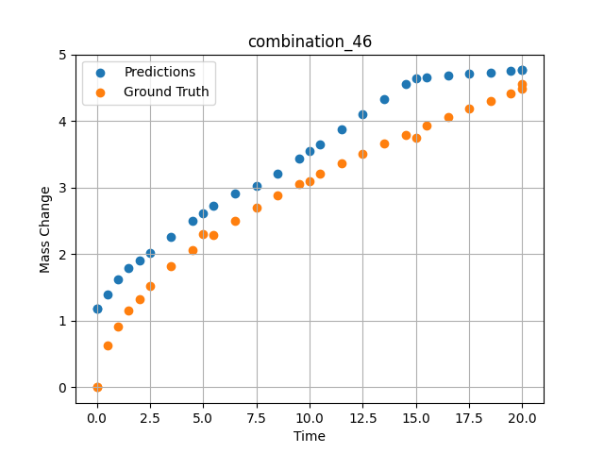
800 | 0 | 40 | 0 | 10 | 0 | 40 | 10 | 0 | 0.49049 | 0.6285 | 1.396109581
800 | 0 | 40 | 0 | 10 | 0 | 40 | 10 | 0 | 1.48185 | 1.15858 | 1.7867679596
800 | 0 | 40 | 0 | 10 | 0 | 40 | 10 | 0 | 2.48284 | 1.51874 | 2.0230913162
800 | 0 | 40 | 0 | 10 | 0 | 40 | 10 | 0 | 3.49349 | 1.81437 | 2.2616944313
800 | 0 | 40 | 0 | 10 | 0 | 40 | 10 | 0 | 4.49449 | 2.0681 | 2.498020649
800 | 0 | 40 | 0 | 10 | 0 | 40 | 10 | 0 | 5.48578 | 2.29345 | 2.7320532799
800 | 0 | 40 | 0 | 10 | 0 | 40 | 10 | 0 | 6.4965 | 2.50375 | 2.9184441566
800 | 0 | 40 | 0 | 10 | 0 | 40 | 10 | 0 | 7.4975 | 2.69691 | 3.0318918228
800 | 0 | 40 | 0 | 10 | 0 | 40 | 10 | 0 | 8.4985 | 2.87796 | 3.2126507759
800 | 0 | 40 | 0 | 10 | 0 | 40 | 10 | 0 | 9.4995 | 3.04898 | 3.4361476898
800 | 0 | 40 | 0 | 10 | 0 | 40 | 10 | 0 | 10.49069 | 3.20993 | 3.6574540138
800 | 0 | 40 | 0 | 10 | 0 | 40 | 10 | 0 | 11.5015 | 3.3667 | 3.883140564
800 | 0 | 40 | 0 | 10 | 0 | 40 | 10 | 0 | 12.5025 | 3.51551 | 4.1066379547
800 | 0 | 40 | 0 | 10 | 0 | 40 | 10 | 0 | 13.5035 | 3.65868 | 4.3301353455
800 | 0 | 40 | 0 | 10 | 0 | 40 | 10 | 0 | 14.5045 | 3.79682 | 4.5536322594
800 | 0 | 40 | 0 | 10 | 0 | 40 | 10 | 0 | 15.49559 | 3.92912 | 4.661210537
800 | 0 | 40 | 0 | 10 | 0 | 40 | 10 | 0 | 16.50651 | 4.05994 | 4.6846108437
800 | 0 | 40 | 0 | 10 | 0 | 40 | 10 | 0 | 17.50751 | 4.18572 | 4.7077803612
800 | 0 | 40 | 0 | 10 | 0 | 40 | 10 | 0 | 18.50851 | 4.30808 | 4.7309498787
800 | 0 | 40 | 0 | 10 | 0 | 40 | 10 | 0 | 19.44945 | 4.42025 | 4.7527294159
800 | 0 | 40 | 0 | 10 | 0 | 40 | 10 | 0 | 20 | 4.48474 | 4.7654733658

combination_47
800.0, 0.0, 45.0, 15.0, 30.0, 0.0, 10.0, 0.0
Temperature [C] | Zr [at%] | Nb [at%] | Mo [at%] | Cr [at%] | Al [at%] | Ti [at%] | Ta [at%] | W [at%] | Time [h] | Mass Change [mg.cm2] | Mass change - predictions
800 | 0 | 45 | 0 | 0 | 10 | 30 | 15 | 0 | 0 | 0 | 0.73865032196
800 | 0 | 45 | 0 | 0 | 10 | 30 | 15 | 0 | 1 | 1.56 | 3.0544247627
800 | 0 | 45 | 0 | 0 | 10 | 30 | 15 | 0 | 2 | 2.18 | 3.4930710793
800 | 0 | 45 | 0 | 0 | 10 | 30 | 15 | 0 | 5 | 4.27 | 4.409453392
800 | 0 | 45 | 0 | 0 | 10 | 30 | 15 | 0 | 10 | 5.54 | 5.2450037003
800 | 0 | 45 | 0 | 0 | 10 | 30 | 15 | 0 | 15 | 6.64 | 5.8655090332
800 | 0 | 45 | 0 | 0 | 10 | 30 | 15 | 0 | 20 | 7.17 | 5.9812440872
800 | 0 | 45 | 0 | 0 | 10 | 30 | 15 | 0 | 0 | 0 | 0.73865032196
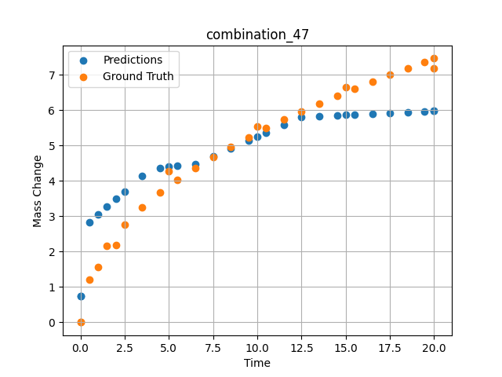
800 | 0 | 45 | 0 | 0 | 10 | 30 | 15 | 0 | 0.49049 | 1.19868 | 2.8309311867
800 | 0 | 45 | 0 | 0 | 10 | 30 | 15 | 0 | 1.48185 | 2.15425 | 3.2657871246
800 | 0 | 45 | 0 | 0 | 10 | 30 | 15 | 0 | 2.48284 | 2.76229 | 3.7048668861
800 | 0 | 45 | 0 | 0 | 10 | 30 | 15 | 0 | 3.49349 | 3.25213 | 4.1481842995
800 | 0 | 45 | 0 | 0 | 10 | 30 | 15 | 0 | 4.49449 | 3.66718 | 4.3544330597
800 | 0 | 45 | 0 | 0 | 10 | 30 | 15 | 0 | 5.48578 | 4.03226 | 4.4368505478
800 | 0 | 45 | 0 | 0 | 10 | 30 | 15 | 0 | 6.4965 | 4.37028 | 4.4632501602
800 | 0 | 45 | 0 | 0 | 10 | 30 | 15 | 0 | 7.4975 | 4.67867 | 4.6862611771
800 | 0 | 45 | 0 | 0 | 10 | 30 | 15 | 0 | 8.4985 | 4.96607 | 4.909758091
800 | 0 | 45 | 0 | 0 | 10 | 30 | 15 | 0 | 9.4995 | 5.23618 | 5.1332554817
800 | 0 | 45 | 0 | 0 | 10 | 30 | 15 | 0 | 10.49069 | 5.48924 | 5.3545618057
800 | 0 | 45 | 0 | 0 | 10 | 30 | 15 | 0 | 11.5015 | 5.73472 | 5.5802488327
800 | 0 | 45 | 0 | 0 | 10 | 30 | 15 | 0 | 12.5025 | 5.96687 | 5.8037462234
800 | 0 | 45 | 0 | 0 | 10 | 30 | 15 | 0 | 13.5035 | 6.18945 | 5.8308696747
800 | 0 | 45 | 0 | 0 | 10 | 30 | 15 | 0 | 14.5045 | 6.40352 | 5.854039669
800 | 0 | 45 | 0 | 0 | 10 | 30 | 15 | 0 | 15.49559 | 6.60795 | 5.8769807816
800 | 0 | 45 | 0 | 0 | 10 | 30 | 15 | 0 | 16.50651 | 6.80953 | 5.9003801346
800 | 0 | 45 | 0 | 0 | 10 | 30 | 15 | 0 | 17.50751 | 7.00284 | 5.9235506058
800 | 0 | 45 | 0 | 0 | 10 | 30 | 15 | 0 | 18.50851 | 7.19043 | 5.946721077
800 | 0 | 45 | 0 | 0 | 10 | 30 | 15 | 0 | 19.44945 | 7.36201 | 5.9685001373
800 | 0 | 45 | 0 | 0 | 10 | 30 | 15 | 0 | 20 | 7.46051 | 5.9812445641

