combination_1
1000.0, 25.0, 25.0, 0.0, 0.0, 25.0, 25.0, 0.0
Temperature [C] | Mo [at%] | Nb [at%] | Ta [at%] | Ti [at%] | Cr [at%] | Al [at%] | W [at%] | Zr [at%] | Time [h] | Mass Change [mg.cm2] | Mass change - predictions
1000 | 25 | 25 | 0 | 0 | 25 | 25 | 0 | 0 | 0 | 0 | 1.4876077175
1000 | 25 | 25 | 0 | 0 | 25 | 25 | 0 | 0 | 10 | 2.7906976744 | 5.2558841705
1000 | 25 | 25 | 0 | 0 | 25 | 25 | 0 | 0 | 15 | 7.9069767442 | 10.595630646
1000 | 25 | 25 | 0 | 0 | 25 | 25 | 0 | 0 | 20 | 13.720930233 | 16.263263702
1000 | 25 | 25 | 0 | 0 | 25 | 25 | 0 | 0 | 25 | 16.744186047 | 19.097864151
1000 | 25 | 25 | 0 | 0 | 25 | 25 | 0 | 0 | 27 | 17.441860465 | 19.008914948
1000 | 25 | 25 | 0 | 0 | 25 | 25 | 0 | 0 | 30 | 16.511627907 | 17.888439178
1000 | 25 | 25 | 0 | 0 | 25 | 25 | 0 | 0 | 35 | 15.348837209 | 14.806341171
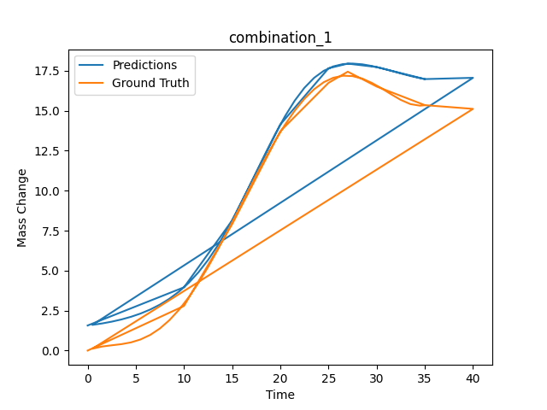
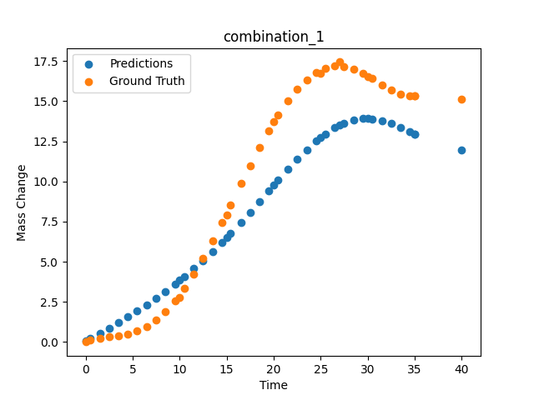

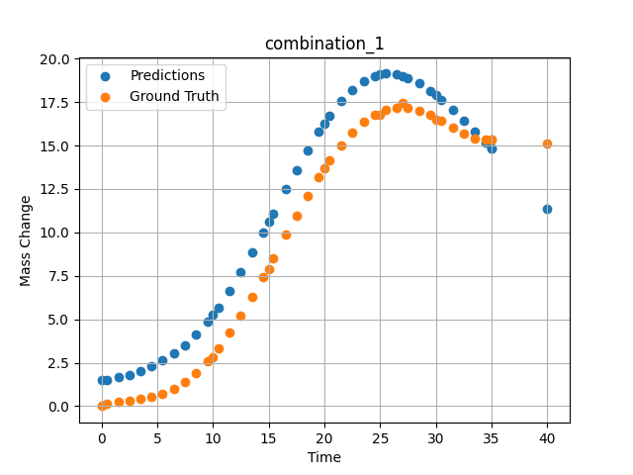
1000 | 25 | 25 | 0 | 0 | 25 | 25 | 0 | 0 | 40 | 15.11627907 | 11.344504356
1000 | 25 | 25 | 0 | 0 | 25 | 25 | 0 | 0 | 0.49049 | 0.11352 | 1.5299782753
1000 | 25 | 25 | 0 | 0 | 25 | 25 | 0 | 0 | 1.50651 | 0.25315 | 1.6486413479
1000 | 25 | 25 | 0 | 0 | 25 | 25 | 0 | 0 | 2.50176 | 0.3291 | 1.8097560406
1000 | 25 | 25 | 0 | 0 | 25 | 25 | 0 | 0 | 3.5035 | 0.40052 | 2.0220208168
1000 | 25 | 25 | 0 | 0 | 25 | 25 | 0 | 0 | 4.502 | 0.51111 | 2.289586544
1000 | 25 | 25 | 0 | 0 | 25 | 25 | 0 | 0 | 5.48382 | 0.69263 | 2.6149048805
1000 | 25 | 25 | 0 | 0 | 25 | 25 | 0 | 0 | 6.499 | 0.98012 | 3.0272293091
1000 | 25 | 25 | 0 | 0 | 25 | 25 | 0 | 0 | 7.4975 | 1.38086 | 3.52257061
1000 | 25 | 25 | 0 | 0 | 25 | 25 | 0 | 0 | 8.47889 | 1.89642 | 4.1122555733
1000 | 25 | 25 | 0 | 0 | 25 | 25 | 0 | 0 | 9.49449 | 2.55961 | 4.8439135551
1000 | 25 | 25 | 0 | 0 | 25 | 25 | 0 | 0 | 10.47599 | 3.32187 | 5.6719074249
1000 | 25 | 25 | 0 | 0 | 25 | 25 | 0 | 0 | 11.49149 | 4.22659 | 6.6420326233
1000 | 25 | 25 | 0 | 0 | 25 | 25 | 0 | 0 | 12.49059 | 5.21784 | 7.6883106232
1000 | 25 | 25 | 0 | 0 | 25 | 25 | 0 | 0 | 13.50601 | 6.30862 | 8.8251867294
1000 | 25 | 25 | 0 | 0 | 25 | 25 | 0 | 0 | 14.5045 | 7.44295 | 9.9989376068
1000 | 25 | 25 | 0 | 0 | 25 | 25 | 0 | 0 | 15.41562 | 8.51065 | 11.100077629
1000 | 25 | 25 | 0 | 0 | 25 | 25 | 0 | 0 | 16.55405 | 9.85967 | 12.480046272
1000 | 25 | 25 | 0 | 0 | 25 | 25 | 0 | 0 | 17.5 | 10.96697 | 13.598438263
1000 | 25 | 25 | 0 | 0 | 25 | 25 | 0 | 0 | 18.4985 | 12.0966 | 14.72444725
1000 | 25 | 25 | 0 | 0 | 25 | 25 | 0 | 0 | 19.497 | 13.16175 | 15.772322655
1000 | 25 | 25 | 0 | 0 | 25 | 25 | 0 | 0 | 20.47898 | 14.12223 | 16.703918457
1000 | 25 | 25 | 0 | 0 | 25 | 25 | 0 | 0 | 21.49399 | 15.00453 | 17.537746429
1000 | 25 | 25 | 0 | 0 | 25 | 25 | 0 | 0 | 22.49249 | 15.74206 | 18.204641342
1000 | 25 | 25 | 0 | 0 | 25 | 25 | 0 | 0 | 23.50851 | 16.34597 | 18.706243515
1000 | 25 | 25 | 0 | 0 | 25 | 25 | 0 | 0 | 24.50701 | 16.7853 | 19.013912201
1000 | 25 | 25 | 0 | 0 | 25 | 25 | 0 | 0 | 25.48866 | 17.0618 | 19.137699127
1000 | 25 | 25 | 0 | 0 | 25 | 25 | 0 | 0 | 26.504 | 17.1902 | 19.090625763
1000 | 25 | 25 | 0 | 0 | 25 | 25 | 0 | 0 | 27.48575 | 17.1666 | 18.895219803
1000 | 25 | 25 | 0 | 0 | 25 | 25 | 0 | 0 | 28.501 | 17.00867 | 18.563400269
1000 | 25 | 25 | 0 | 0 | 25 | 25 | 0 | 0 | 29.4995 | 16.74283 | 18.134313583
1000 | 25 | 25 | 0 | 0 | 25 | 25 | 0 | 0 | 30.48083 | 16.40843 | 17.636192322
1000 | 25 | 25 | 0 | 0 | 25 | 25 | 0 | 0 | 31.50901 | 16.02486 | 17.053771973
1000 | 25 | 25 | 0 | 0 | 25 | 25 | 0 | 0 | 32.49499 | 15.67865 | 16.452396393
1000 | 25 | 25 | 0 | 0 | 25 | 25 | 0 | 0 | 33.49349 | 15.41555 | 15.812397957
1000 | 25 | 25 | 0 | 0 | 25 | 25 | 0 | 0 | 34.49199 | 15.31626 | 15.149912834
1000 | 25 | 25 | 0 | 0 | 25 | 25 | 0 | 0 | 35 | 15.34548 | 14.806369781

combination_2
1000.0, 20.0, 20.0, 0.0, 20.0, 20.0, 20.0, 0.0
Temperature [C] | Mo [at%] | Nb [at%] | Ta [at%] | Ti [at%] | Cr [at%] | Al [at%] | W [at%] | Zr [at%] | Time [h] | Mass Change [mg.cm2] | Mass change - predictions
1000 | 20 | 20 | 0 | 20 | 20 | 20 | 0 | 0 | 50 | 11.395348837 | 20.356510162
1000 | 20 | 20 | 0 | 20 | 20 | 20 | 0 | 0 | 40 | 8.1395348837 | 15.883084297
1000 | 20 | 20 | 0 | 20 | 20 | 20 | 0 | 0 | 35 | 6.976744186 | 11.338588715
1000 | 20 | 20 | 0 | 20 | 20 | 20 | 0 | 0 | 30 | 5.5813953488 | 7.8096089363
1000 | 20 | 20 | 0 | 20 | 20 | 20 | 0 | 0 | 25 | 4.4186046512 | 5.3650989532
1000 | 20 | 20 | 0 | 20 | 20 | 20 | 0 | 0 | 20 | 3.2558139535 | 3.6669340134
1000 | 20 | 20 | 0 | 20 | 20 | 20 | 0 | 0 | 15 | 2.6046511628 | 2.5221550465
1000 | 20 | 20 | 0 | 20 | 20 | 20 | 0 | 0 | 10 | 1.8604651163 | 1.7840988636
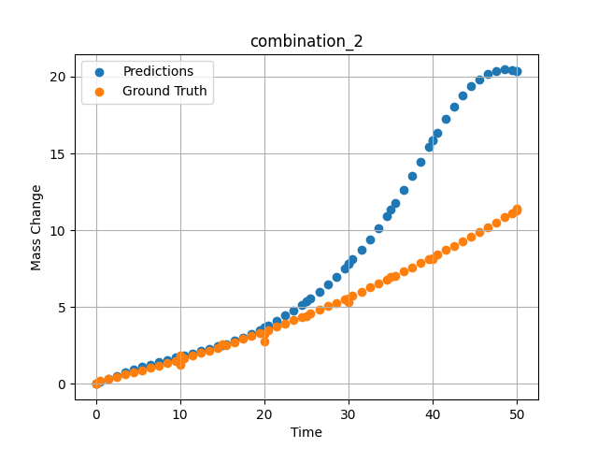
1000 | 20 | 20 | 0 | 20 | 20 | 20 | 0 | 0 | 0 | 0 | 0.031572401524
1000 | 20 | 20 | 0 | 20 | 20 | 20 | 0 | 0 | 0 | 0 | 0.031572341919
1000 | 20 | 20 | 0 | 20 | 20 | 20 | 0 | 0 | 10 | 1.2533333333 | 1.784096241
1000 | 20 | 20 | 0 | 20 | 20 | 20 | 0 | 0 | 20 | 2.7466666667 | 3.6669340134
1000 | 20 | 20 | 0 | 20 | 20 | 20 | 0 | 0 | 30 | 5.3333333333 | 7.8096075058
1000 | 20 | 20 | 0 | 20 | 20 | 20 | 0 | 0 | 40 | 8.1866666667 | 15.883084297
1000 | 20 | 20 | 0 | 20 | 20 | 20 | 0 | 0 | 0 | 0 | 0.031572282314
1000 | 20 | 20 | 0 | 20 | 20 | 20 | 0 | 0 | 0.49787 | 0.22717 | 0.13046395779
1000 | 20 | 20 | 0 | 20 | 20 | 20 | 0 | 0 | 1.47648 | 0.35069 | 0.32899683714
1000 | 20 | 20 | 0 | 20 | 20 | 20 | 0 | 0 | 2.47748 | 0.48101 | 0.53261059523
1000 | 20 | 20 | 0 | 20 | 20 | 20 | 0 | 0 | 3.47848 | 0.61536 | 0.73099172115
1000 | 20 | 20 | 0 | 20 | 20 | 20 | 0 | 0 | 4.47948 | 0.75375 | 0.92004531622
1000 | 20 | 20 | 0 | 20 | 20 | 20 | 0 | 0 | 5.48048 | 0.89617 | 1.0978095531
1000 | 20 | 20 | 0 | 20 | 20 | 20 | 0 | 0 | 6.48148 | 1.04262 | 1.2642211914
1000 | 20 | 20 | 0 | 20 | 20 | 20 | 0 | 0 | 7.48248 | 1.19311 | 1.4205753803
1000 | 20 | 20 | 0 | 20 | 20 | 20 | 0 | 0 | 8.48348 | 1.34763 | 1.5689594746
1000 | 20 | 20 | 0 | 20 | 20 | 20 | 0 | 0 | 9.48448 | 1.50619 | 1.7118287086
1000 | 20 | 20 | 0 | 20 | 20 | 20 | 0 | 0 | 10.46237 | 1.66499 | 1.8485410213
1000 | 20 | 20 | 0 | 20 | 20 | 20 | 0 | 0 | 11.48649 | 1.8354 | 1.9913172722
1000 | 20 | 20 | 0 | 20 | 20 | 20 | 0 | 0 | 12.48749 | 2.00606 | 2.1331963539
1000 | 20 | 20 | 0 | 20 | 20 | 20 | 0 | 0 | 13.48849 | 2.18075 | 2.280506134
1000 | 20 | 20 | 0 | 20 | 20 | 20 | 0 | 0 | 14.48949 | 2.35947 | 2.4371442795
1000 | 20 | 20 | 0 | 20 | 20 | 20 | 0 | 0 | 15.46713 | 2.53794 | 2.6037790775
1000 | 20 | 20 | 0 | 20 | 20 | 20 | 0 | 0 | 16.49149 | 2.72902 | 2.7984566689
1000 | 20 | 20 | 0 | 20 | 20 | 20 | 0 | 0 | 17.49249 | 2.91985 | 3.0134305954
1000 | 20 | 20 | 0 | 20 | 20 | 20 | 0 | 0 | 18.49349 | 3.11471 | 3.2553162575
1000 | 20 | 20 | 0 | 20 | 20 | 20 | 0 | 0 | 19.49449 | 3.3136 | 3.5230388641
1000 | 20 | 20 | 0 | 20 | 20 | 20 | 0 | 0 | 20.4719 | 3.51171 | 3.8059306145
1000 | 20 | 20 | 0 | 20 | 20 | 20 | 0 | 0 | 21.4965 | 3.72349 | 4.1218409538
1000 | 20 | 20 | 0 | 20 | 20 | 20 | 0 | 0 | 22.4975 | 3.93448 | 4.4488873482
1000 | 20 | 20 | 0 | 20 | 20 | 20 | 0 | 0 | 23.4985 | 4.14951 | 4.7964606285
1000 | 20 | 20 | 0 | 20 | 20 | 20 | 0 | 0 | 24.4995 | 4.36857 | 5.1685471535
1000 | 20 | 20 | 0 | 20 | 20 | 20 | 0 | 0 | 25.47667 | 4.58632 | 5.5594143867
1000 | 20 | 20 | 0 | 20 | 20 | 20 | 0 | 0 | 26.5015 | 4.81879 | 6.0023407936
1000 | 20 | 20 | 0 | 20 | 20 | 20 | 0 | 0 | 27.5025 | 5.04996 | 6.4706301689
1000 | 20 | 20 | 0 | 20 | 20 | 20 | 0 | 0 | 28.5035 | 5.28515 | 6.976829052
1000 | 20 | 20 | 0 | 20 | 20 | 20 | 0 | 0 | 29.5045 | 5.52438 | 7.5233750343
1000 | 20 | 20 | 0 | 20 | 20 | 20 | 0 | 0 | 30.48143 | 5.76176 | 8.098074913
1000 | 20 | 20 | 0 | 20 | 20 | 20 | 0 | 0 | 31.50651 | 6.01494 | 8.7473373413
1000 | 20 | 20 | 0 | 20 | 20 | 20 | 0 | 0 | 32.50751 | 6.26627 | 9.4290714264
1000 | 20 | 20 | 0 | 20 | 20 | 20 | 0 | 0 | 33.50851 | 6.52164 | 10.159490585
1000 | 20 | 20 | 0 | 20 | 20 | 20 | 0 | 0 | 34.50951 | 6.78104 | 10.938972473
1000 | 20 | 20 | 0 | 20 | 20 | 20 | 0 | 0 | 35.4862 | 7.03804 | 11.745867729
1000 | 20 | 20 | 0 | 20 | 20 | 20 | 0 | 0 | 36.51151 | 7.31193 | 12.638753891
1000 | 20 | 20 | 0 | 20 | 20 | 20 | 0 | 0 | 37.51251 | 7.58343 | 13.548768044
1000 | 20 | 20 | 0 | 20 | 20 | 20 | 0 | 0 | 38.51351 | 7.85896 | 14.4848423
1000 | 20 | 20 | 0 | 20 | 20 | 20 | 0 | 0 | 39.51451 | 8.13853 | 15.429073334
1000 | 20 | 20 | 0 | 20 | 20 | 20 | 0 | 0 | 40.49097 | 8.41514 | 16.335456848
1000 | 20 | 20 | 0 | 20 | 20 | 20 | 0 | 0 | 41.51652 | 8.70977 | 17.243232727
1000 | 20 | 20 | 0 | 20 | 20 | 20 | 0 | 0 | 42.51752 | 9.00143 | 18.05670166
1000 | 20 | 20 | 0 | 20 | 20 | 20 | 0 | 0 | 43.51852 | 9.29713 | 18.772768021
1000 | 20 | 20 | 0 | 20 | 20 | 20 | 0 | 0 | 44.51952 | 9.59687 | 19.372095108
1000 | 20 | 20 | 0 | 20 | 20 | 20 | 0 | 0 | 45.52052 | 9.90064 | 19.842552185
1000 | 20 | 20 | 0 | 20 | 20 | 20 | 0 | 0 | 46.52152 | 10.20844 | 20.179141998
1000 | 20 | 20 | 0 | 20 | 20 | 20 | 0 | 0 | 47.52252 | 10.52028 | 20.382921219
1000 | 20 | 20 | 0 | 20 | 20 | 20 | 0 | 0 | 48.52352 | 10.83615 | 20.45898056
1000 | 20 | 20 | 0 | 20 | 20 | 20 | 0 | 0 | 49.34935 | 11.09968 | 20.431549072
1000 | 20 | 20 | 0 | 20 | 20 | 20 | 0 | 0 | 50 | 11.30925 | 20.35647583

combination_3
1200.0, 19.5, 0.0, 20.1, 20.4, 19.8, 20.2, 0.0
Temperature [C] | Mo [at%] | Nb [at%] | Ta [at%] | Ti [at%] | Cr [at%] | Al [at%] | W [at%] | Zr [at%] | Time [h] | Mass Change [mg.cm2] | Mass change - predictions
1200 | 19.5 | 0 | 20.1 | 20.4 | 19.8 | 20.2 | 0 | 0 | 0 | 0 | -0.079783916473
1200 | 19.5 | 0 | 20.1 | 20.4 | 19.8 | 20.2 | 0 | 0 | 5 | 2.5454545455 | 1.3569602966
1200 | 19.5 | 0 | 20.1 | 20.4 | 19.8 | 20.2 | 0 | 0 | 10 | 3.5151515152 | 4.4864549637
1200 | 19.5 | 0 | 20.1 | 20.4 | 19.8 | 20.2 | 0 | 0 | 15 | 4.2424242424 | 9.0378818512
1200 | 19.5 | 0 | 20.1 | 20.4 | 19.8 | 20.2 | 0 | 0 | 20 | 4.8484848485 | 13.593333244
1200 | 19.5 | 0 | 20.1 | 20.4 | 19.8 | 20.2 | 0 | 0 | 24 | 5.2727272727 | 16.753614426
1200 | 19.5 | 0 | 20.1 | 20.4 | 19.8 | 20.2 | 0 | 0 | 0 | 0 | -0.079783856869
1200 | 19.5 | 0 | 20.1 | 20.4 | 19.8 | 20.2 | 0 | 0 | 5 | 2.5 | 1.3569602966
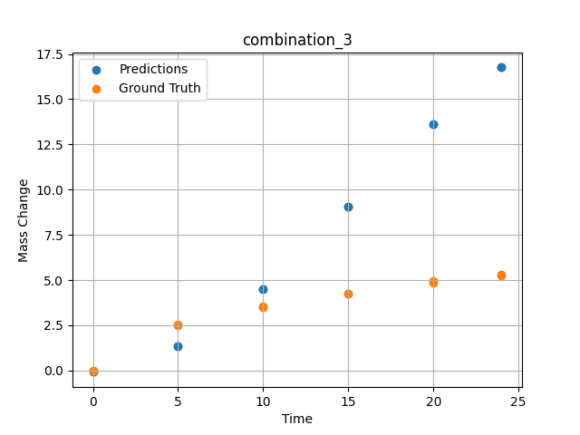
1200 | 19.5 | 0 | 20.1 | 20.4 | 19.8 | 20.2 | 0 | 0 | 10 | 3.5227272727 | 4.4864549637
1200 | 19.5 | 0 | 20.1 | 20.4 | 19.8 | 20.2 | 0 | 0 | 15 | 4.2727272727 | 9.0378808975
1200 | 19.5 | 0 | 20.1 | 20.4 | 19.8 | 20.2 | 0 | 0 | 20 | 4.9318181818 | 13.593332291
1200 | 19.5 | 0 | 20.1 | 20.4 | 19.8 | 20.2 | 0 | 0 | 24 | 5.2954545455 | 16.753616333

combination_4
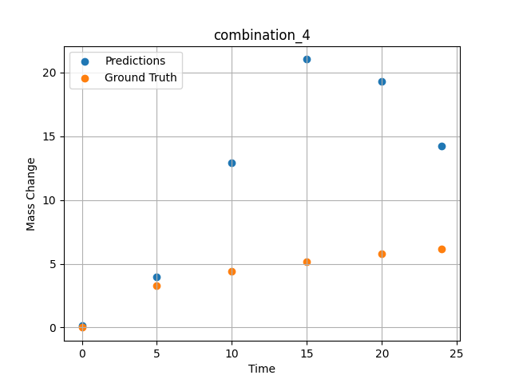
1200.0, 22.4, 0.0, 22.6, 10.1, 22.6, 22.3, 0.0
Temperature [C] | Mo [at%] | Nb [at%] | Ta [at%] | Ti [at%] | Cr [at%] | Al [at%] | W [at%] | Zr [at%] | Time [h] | Mass Change [mg.cm2] | Mass change - predictions
1200 | 22.4 | 0 | 22.6 | 10.1 | 22.6 | 22.3 | 0 | 0 | 0 | 0 | 0.14949131012
1200 | 22.4 | 0 | 22.6 | 10.1 | 22.6 | 22.3 | 0 | 0 | 5 | 3.2727272727 | 3.9418127537
1200 | 22.4 | 0 | 22.6 | 10.1 | 22.6 | 22.3 | 0 | 0 | 10 | 4.4242424242 | 12.907283783
1200 | 22.4 | 0 | 22.6 | 10.1 | 22.6 | 22.3 | 0 | 0 | 15 | 5.1515151515 | 21.028373718
1200 | 22.4 | 0 | 22.6 | 10.1 | 22.6 | 22.3 | 0 | 0 | 20 | 5.7575757576 | 19.286552429
1200 | 22.4 | 0 | 22.6 | 10.1 | 22.6 | 22.3 | 0 | 0 | 24 | 6.1575757576 | 14.262548447

combination_5
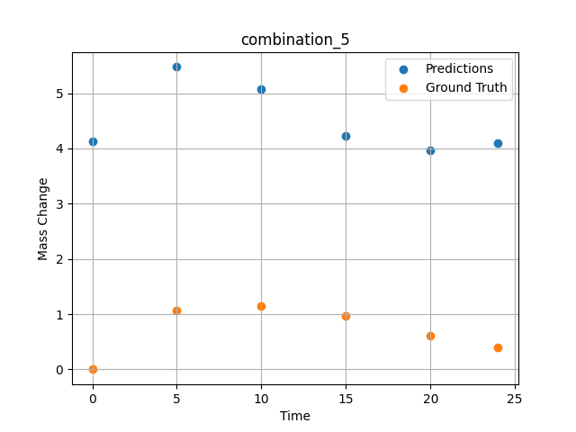
1200.0, 25.3, 0.0, 24.9, 0.0, 24.8, 25.0, 0.0
Temperature [C] | Mo [at%] | Nb [at%] | Ta [at%] | Ti [at%] | Cr [at%] | Al [at%] | W [at%] | Zr [at%] | Time [h] | Mass Change [mg.cm2] | Mass change - predictions
1200 | 25.3 | 0 | 24.9 | 0 | 24.8 | 25 | 0 | 0 | 0 | 0 | 4.1373209953
1200 | 25.3 | 0 | 24.9 | 0 | 24.8 | 25 | 0 | 0 | 5 | 1.0666666667 | 5.4757881165
1200 | 25.3 | 0 | 24.9 | 0 | 24.8 | 25 | 0 | 0 | 10 | 1.1393939394 | 5.080136776
1200 | 25.3 | 0 | 24.9 | 0 | 24.8 | 25 | 0 | 0 | 15 | 0.9696969697 | 4.2315139771
1200 | 25.3 | 0 | 24.9 | 0 | 24.8 | 25 | 0 | 0 | 20 | 0.60606060606 | 3.9638795853
1200 | 25.3 | 0 | 24.9 | 0 | 24.8 | 25 | 0 | 0 | 24 | 0.4 | 4.0983576775

combination_6
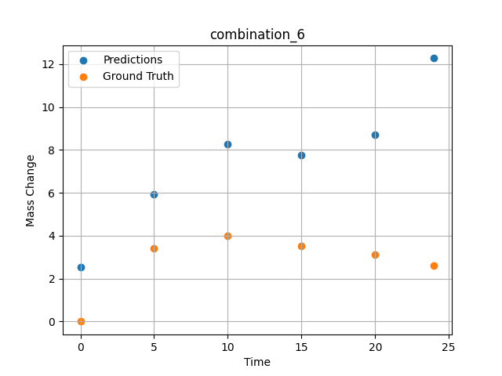
1200.0, 23.5, 0.0, 5.1, 23.7, 23.8, 23.9, 0.0
Temperature [C] | Mo [at%] | Nb [at%] | Ta [at%] | Ti [at%] | Cr [at%] | Al [at%] | W [at%] | Zr [at%] | Time [h] | Mass Change [mg.cm2] | Mass change - predictions
1200 | 23.5 | 0 | 5.1 | 23.7 | 23.8 | 23.9 | 0 | 0 | 0 | 0 | 2.5206675529
1200 | 23.5 | 0 | 5.1 | 23.7 | 23.8 | 23.9 | 0 | 0 | 5 | 3.4090909091 | 5.9239554405
1200 | 23.5 | 0 | 5.1 | 23.7 | 23.8 | 23.9 | 0 | 0 | 10 | 3.9772727273 | 8.276714325
1200 | 23.5 | 0 | 5.1 | 23.7 | 23.8 | 23.9 | 0 | 0 | 15 | 3.5227272727 | 7.7433400154
1200 | 23.5 | 0 | 5.1 | 23.7 | 23.8 | 23.9 | 0 | 0 | 20 | 3.1363636364 | 8.6950702667
1200 | 23.5 | 0 | 5.1 | 23.7 | 23.8 | 23.9 | 0 | 0 | 24 | 2.6136363636 | 12.270269394

combination_7
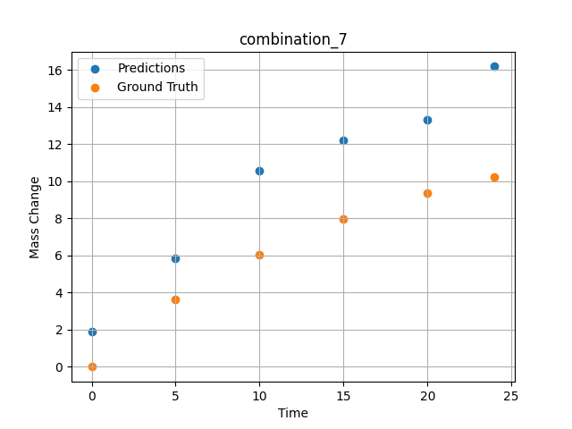
1200.0, 22.3, 0.0, 10.2, 22.7, 22.4, 22.4, 0.0
Temperature [C] | Mo [at%] | Nb [at%] | Ta [at%] | Ti [at%] | Cr [at%] | Al [at%] | W [at%] | Zr [at%] | Time [h] | Mass Change [mg.cm2] | Mass change - predictions
1200 | 22.3 | 0 | 10.2 | 22.7 | 22.4 | 22.4 | 0 | 0 | 0 | 0 | 1.9148824215
1200 | 22.3 | 0 | 10.2 | 22.7 | 22.4 | 22.4 | 0 | 0 | 5 | 3.6363636364 | 5.83963871
1200 | 22.3 | 0 | 10.2 | 22.7 | 22.4 | 22.4 | 0 | 0 | 10 | 6.0227272727 | 10.567482948
1200 | 22.3 | 0 | 10.2 | 22.7 | 22.4 | 22.4 | 0 | 0 | 15 | 7.9545454545 | 12.221225739
1200 | 22.3 | 0 | 10.2 | 22.7 | 22.4 | 22.4 | 0 | 0 | 20 | 9.3863636364 | 13.341990471
1200 | 22.3 | 0 | 10.2 | 22.7 | 22.4 | 22.4 | 0 | 0 | 24 | 10.227272727 | 16.197559357

combination_8
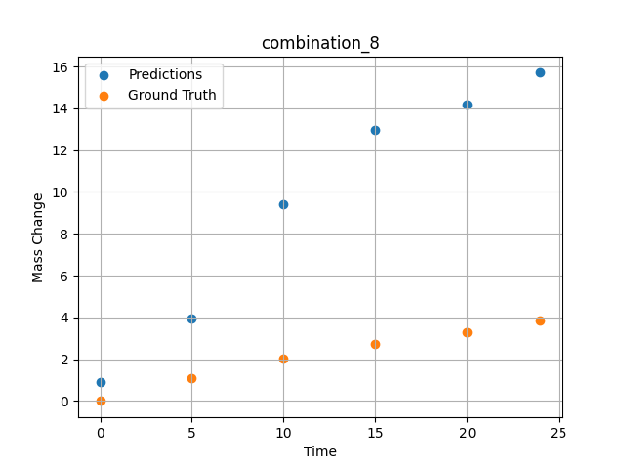
1200.0, 21.4, 0.0, 14.8, 21.1, 21.3, 21.4, 0.0
Temperature [C] | Mo [at%] | Nb [at%] | Ta [at%] | Ti [at%] | Cr [at%] | Al [at%] | W [at%] | Zr [at%] | Time [h] | Mass Change [mg.cm2] | Mass change - predictions
1200 | 21.4 | 0 | 14.8 | 21.1 | 21.3 | 21.4 | 0 | 0 | 0 | 0 | 0.88542497158
1200 | 21.4 | 0 | 14.8 | 21.1 | 21.3 | 21.4 | 0 | 0 | 5 | 1.0909090909 | 3.9245538712
1200 | 21.4 | 0 | 14.8 | 21.1 | 21.3 | 21.4 | 0 | 0 | 10 | 2.0227272727 | 9.4248847961
1200 | 21.4 | 0 | 14.8 | 21.1 | 21.3 | 21.4 | 0 | 0 | 15 | 2.7272727273 | 12.955863953
1200 | 21.4 | 0 | 14.8 | 21.1 | 21.3 | 21.4 | 0 | 0 | 20 | 3.2954545455 | 14.177329063
1200 | 21.4 | 0 | 14.8 | 21.1 | 21.3 | 21.4 | 0 | 0 | 24 | 3.8409090909 | 15.706752777

combination_9
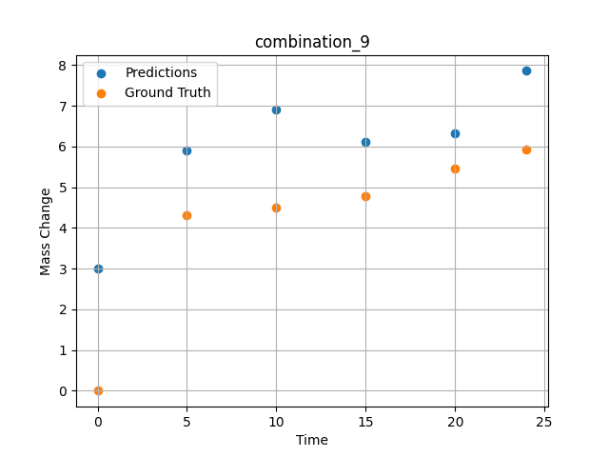
1200.0, 23.7, 0.0, 23.7, 23.8, 23.8, 5.0, 0.0
Temperature [C] | Mo [at%] | Nb [at%] | Ta [at%] | Ti [at%] | Cr [at%] | Al [at%] | W [at%] | Zr [at%] | Time [h] | Mass Change [mg.cm2] | Mass change - predictions
1200 | 23.7 | 0 | 23.7 | 23.8 | 23.8 | 5 | 0 | 0 | 0 | 0 | 2.9974958897
1200 | 23.7 | 0 | 23.7 | 23.8 | 23.8 | 5 | 0 | 0 | 5 | 4.3090909091 | 5.9135560989
1200 | 23.7 | 0 | 23.7 | 23.8 | 23.8 | 5 | 0 | 0 | 10 | 4.5054545455 | 6.9064545631
1200 | 23.7 | 0 | 23.7 | 23.8 | 23.8 | 5 | 0 | 0 | 15 | 4.7890909091 | 6.1103997231
1200 | 23.7 | 0 | 23.7 | 23.8 | 23.8 | 5 | 0 | 0 | 20 | 5.4654545455 | 6.326321125
1200 | 23.7 | 0 | 23.7 | 23.8 | 23.8 | 5 | 0 | 0 | 24 | 5.9345454545 | 7.8584074974

combination_10
1200.0, 22.5, 0.0, 22.5, 22.5, 22.5, 10.0, 0.0
Temperature [C] | Mo [at%] | Nb [at%] | Ta [at%] | Ti [at%] | Cr [at%] | Al [at%] | W [at%] | Zr [at%] | Time [h] | Mass Change [mg.cm2] | Mass change - predictions
1200 | 22.5 | 0 | 22.5 | 22.5 | 22.5 | 10 | 0 | 0 | 0 | 0 | 1.3349888325
1200 | 22.5 | 0 | 22.5 | 22.5 | 22.5 | 10 | 0 | 0 | 5 | 2.3781818182 | 3.9505093098
1200 | 22.5 | 0 | 22.5 | 22.5 | 22.5 | 10 | 0 | 0 | 10 | 3.0981818182 | 6.7472581863
1200 | 22.5 | 0 | 22.5 | 22.5 | 22.5 | 10 | 0 | 0 | 15 | 3.48 | 7.3679704666
1200 | 22.5 | 0 | 22.5 | 22.5 | 22.5 | 10 | 0 | 0 | 20 | 4.0909090909 | 7.673637867
1200 | 22.5 | 0 | 22.5 | 22.5 | 22.5 | 10 | 0 | 0 | 24 | 4.68 | 9.0250892639
1200 | 22.5 | 0 | 22.5 | 22.5 | 22.5 | 10 | 0 | 0 | 0 | 0 | 1.3349885941
1200 | 22.5 | 0 | 22.5 | 22.5 | 22.5 | 10 | 0 | 0 | 0.49077 | 0.78063 | 1.5391261578
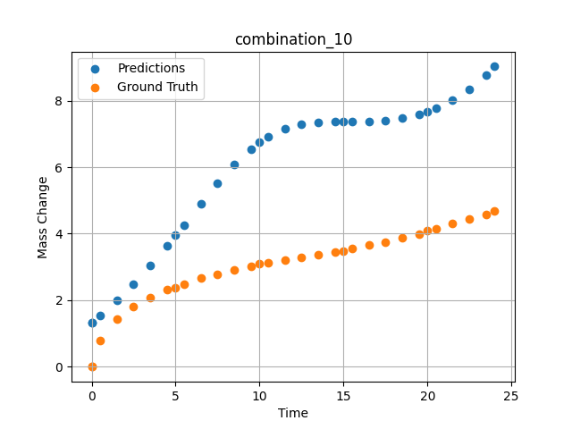
1200 | 22.5 | 0 | 22.5 | 22.5 | 22.5 | 10 | 0 | 0 | 1.49172 | 1.44748 | 1.9899713993
1200 | 22.5 | 0 | 22.5 | 22.5 | 22.5 | 10 | 0 | 0 | 2.49281 | 1.80541 | 2.4911029339
1200 | 22.5 | 0 | 22.5 | 22.5 | 22.5 | 10 | 0 | 0 | 3.49402 | 2.06956 | 3.04251194
1200 | 22.5 | 0 | 22.5 | 22.5 | 22.5 | 10 | 0 | 0 | 4.4952 | 2.31087 | 3.63778615
1200 | 22.5 | 0 | 22.5 | 22.5 | 22.5 | 10 | 0 | 0 | 5.49645 | 2.48841 | 4.2632088661
1200 | 22.5 | 0 | 22.5 | 22.5 | 22.5 | 10 | 0 | 0 | 6.49787 | 2.65793 | 4.8972644806
1200 | 22.5 | 0 | 22.5 | 22.5 | 22.5 | 10 | 0 | 0 | 7.49956 | 2.78535 | 5.5115914345
1200 | 22.5 | 0 | 22.5 | 22.5 | 22.5 | 10 | 0 | 0 | 8.50125 | 2.90731 | 6.0733542442
1200 | 22.5 | 0 | 22.5 | 22.5 | 22.5 | 10 | 0 | 0 | 9.50311 | 3.02433 | 6.5504059792
1200 | 22.5 | 0 | 22.5 | 22.5 | 22.5 | 10 | 0 | 0 | 10.50501 | 3.11618 | 6.9172873497
1200 | 22.5 | 0 | 22.5 | 22.5 | 22.5 | 10 | 0 | 0 | 11.50721 | 3.20469 | 7.1634435654
1200 | 22.5 | 0 | 22.5 | 22.5 | 22.5 | 10 | 0 | 0 | 12.49975 | 3.29282 | 7.2985510826
1200 | 22.5 | 0 | 22.5 | 22.5 | 22.5 | 10 | 0 | 0 | 13.4923 | 3.37455 | 7.3546910286
1200 | 22.5 | 0 | 22.5 | 22.5 | 22.5 | 10 | 0 | 0 | 14.49455 | 3.44501 | 7.3677926064
1200 | 22.5 | 0 | 22.5 | 22.5 | 22.5 | 10 | 0 | 0 | 15.49708 | 3.552 | 7.3680033684
1200 | 22.5 | 0 | 22.5 | 22.5 | 22.5 | 10 | 0 | 0 | 16.49956 | 3.65536 | 7.3765554428
1200 | 22.5 | 0 | 22.5 | 22.5 | 22.5 | 10 | 0 | 0 | 17.50221 | 3.7515 | 7.4088015556
1200 | 22.5 | 0 | 22.5 | 22.5 | 22.5 | 10 | 0 | 0 | 18.5051 | 3.87105 | 7.4774832726
1200 | 22.5 | 0 | 22.5 | 22.5 | 22.5 | 10 | 0 | 0 | 19.50793 | 3.99229 | 7.5948090553
1200 | 22.5 | 0 | 22.5 | 22.5 | 22.5 | 10 | 0 | 0 | 20.50125 | 4.1354 | 7.7702889442
1200 | 22.5 | 0 | 22.5 | 22.5 | 22.5 | 10 | 0 | 0 | 21.49483 | 4.29738 | 8.0159854889
1200 | 22.5 | 0 | 22.5 | 22.5 | 22.5 | 10 | 0 | 0 | 22.49819 | 4.43636 | 8.3467798233
1200 | 22.5 | 0 | 22.5 | 22.5 | 22.5 | 10 | 0 | 0 | 23.49208 | 4.57312 | 8.7687530518

combination_11
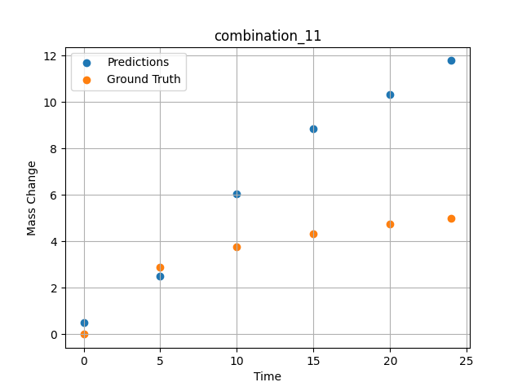
1200.0, 21.25, 0.0, 21.25, 21.25, 21.25, 15.0, 0.0
Temperature [C] | Mo [at%] | Nb [at%] | Ta [at%] | Ti [at%] | Cr [at%] | Al [at%] | W [at%] | Zr [at%] | Time [h] | Mass Change [mg.cm2] | Mass change - predictions
1200 | 21.25 | 0 | 21.25 | 21.25 | 21.25 | 15 | 0 | 0 | 0 | 0 | 0.49658286572
1200 | 21.25 | 0 | 21.25 | 21.25 | 21.25 | 15 | 0 | 0 | 5 | 2.9018181818 | 2.5136091709
1200 | 21.25 | 0 | 21.25 | 21.25 | 21.25 | 15 | 0 | 0 | 10 | 3.7745454545 | 6.054787159
1200 | 21.25 | 0 | 21.25 | 21.25 | 21.25 | 15 | 0 | 0 | 15 | 4.3090909091 | 8.8357439041
1200 | 21.25 | 0 | 21.25 | 21.25 | 21.25 | 15 | 0 | 0 | 20 | 4.7454545455 | 10.333241463
1200 | 21.25 | 0 | 21.25 | 21.25 | 21.25 | 15 | 0 | 0 | 24 | 5.0072727273 | 11.780740738

combination_12
1200.0, 20.0, 0.0, 20.0, 20.0, 20.0, 20.0, 0.0
Temperature [C] | Mo [at%] | Nb [at%] | Ta [at%] | Ti [at%] | Cr [at%] | Al [at%] | W [at%] | Zr [at%] | Time [h] | Mass Change [mg.cm2] | Mass change - predictions
1200 | 20 | 0 | 20 | 20 | 20 | 20 | 0 | 0 | 0 | 0 | 0.021776258945
1200 | 20 | 0 | 20 | 20 | 20 | 20 | 0 | 0 | 5 | 2.5636363636 | 1.619502306
1200 | 20 | 0 | 20 | 20 | 20 | 20 | 0 | 0 | 10 | 3.5563636364 | 5.2258534431
1200 | 20 | 0 | 20 | 20 | 20 | 20 | 0 | 0 | 15 | 4.3090909091 | 9.9622421265
1200 | 20 | 0 | 20 | 20 | 20 | 20 | 0 | 0 | 20 | 4.9090909091 | 13.759271622
1200 | 20 | 0 | 20 | 20 | 20 | 20 | 0 | 0 | 24 | 5.3127272727 | 16.051612854
1200 | 20 | 0 | 20 | 20 | 20 | 20 | 0 | 0 | 0 | 0 | 0.021776258945
1200 | 20 | 0 | 20 | 20 | 20 | 20 | 0 | 0 | 0.49082 | 0.71629 | 0.12775111198
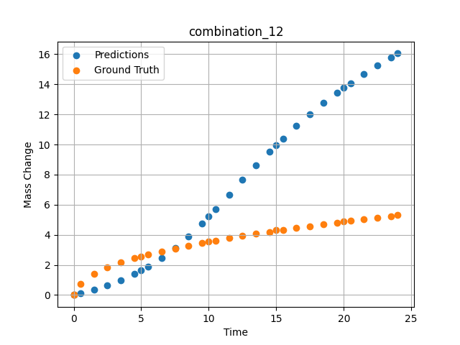
1200 | 20 | 0 | 20 | 20 | 20 | 20 | 0 | 0 | 1.49163 | 1.38441 | 0.36839318275
1200 | 20 | 0 | 20 | 20 | 20 | 20 | 0 | 0 | 2.49268 | 1.82409 | 0.65059942007
1200 | 20 | 0 | 20 | 20 | 20 | 20 | 0 | 0 | 3.49411 | 2.16264 | 0.98604661226
1200 | 20 | 0 | 20 | 20 | 20 | 20 | 0 | 0 | 4.49594 | 2.43164 | 1.3878970146
1200 | 20 | 0 | 20 | 20 | 20 | 20 | 0 | 0 | 5.4981 | 2.67331 | 1.86997962
1200 | 20 | 0 | 20 | 20 | 20 | 20 | 0 | 0 | 6.50068 | 2.89296 | 2.4451863766
1200 | 20 | 0 | 20 | 20 | 20 | 20 | 0 | 0 | 7.50329 | 3.09115 | 3.1220545769
1200 | 20 | 0 | 20 | 20 | 20 | 20 | 0 | 0 | 8.50608 | 3.27802 | 3.901488781
1200 | 20 | 0 | 20 | 20 | 20 | 20 | 0 | 0 | 9.49939 | 3.4518 | 4.7639231682
1200 | 20 | 0 | 20 | 20 | 20 | 20 | 0 | 0 | 10.4927 | 3.61285 | 5.693374157
1200 | 20 | 0 | 20 | 20 | 20 | 20 | 0 | 0 | 11.49578 | 3.77185 | 6.6673741341
1200 | 20 | 0 | 20 | 20 | 20 | 20 | 0 | 0 | 12.49916 | 3.91739 | 7.6438822746
1200 | 20 | 0 | 20 | 20 | 20 | 20 | 0 | 0 | 13.50283 | 4.06345 | 8.5992355347
1200 | 20 | 0 | 20 | 20 | 20 | 20 | 0 | 0 | 14.50662 | 4.19848 | 9.5220766068
1200 | 20 | 0 | 20 | 20 | 20 | 20 | 0 | 0 | 15.50099 | 4.32824 | 10.399170876
1200 | 20 | 0 | 20 | 20 | 20 | 20 | 0 | 0 | 16.49547 | 4.45466 | 11.232949257
1200 | 20 | 0 | 20 | 20 | 20 | 20 | 0 | 0 | 17.49982 | 4.57472 | 12.023846626
1200 | 20 | 0 | 20 | 20 | 20 | 20 | 0 | 0 | 18.50429 | 4.69457 | 12.759859085
1200 | 20 | 0 | 20 | 20 | 20 | 20 | 0 | 0 | 19.49921 | 4.81208 | 13.436536789
1200 | 20 | 0 | 20 | 20 | 20 | 20 | 0 | 0 | 20.49437 | 4.92042 | 14.06763649
1200 | 20 | 0 | 20 | 20 | 20 | 20 | 0 | 0 | 21.4995 | 5.02611 | 14.667397499
1200 | 20 | 0 | 20 | 20 | 20 | 20 | 0 | 0 | 22.50475 | 5.1328 | 15.238519669
1200 | 20 | 0 | 20 | 20 | 20 | 20 | 0 | 0 | 23.50061 | 5.23529 | 15.783731461

combination_13
1200.0, 0.0, 50.0, 0.0, 0.0, 50.0, 0.0, 0.0
Temperature [C] | Mo [at%] | Nb [at%] | Ta [at%] | Ti [at%] | Cr [at%] | Al [at%] | W [at%] | Zr [at%] | Time [h] | Mass Change [mg.cm2] | Mass change - predictions
1200 | 0 | 50 | 0 | 0 | 50 | 0 | 0 | 0 | 0 | 0 | 3.6625931263
1200 | 0 | 50 | 0 | 0 | 50 | 0 | 0 | 0 | 1 | 3.6496350365 | 4.4640822411
1200 | 0 | 50 | 0 | 0 | 50 | 0 | 0 | 0 | 8 | 8.6131386861 | 11.852403641
1200 | 0 | 50 | 0 | 0 | 50 | 0 | 0 | 0 | 24 | 14.6 | 14.602855682
1200 | 0 | 50 | 0 | 0 | 50 | 0 | 0 | 0 | 0 | 0 | 3.6625931263
1200 | 0 | 50 | 0 | 0 | 50 | 0 | 0 | 0 | 0.49249 | 1.52361 | 4.0249323845
1200 | 0 | 50 | 0 | 0 | 50 | 0 | 0 | 0 | 1.5015 | 3.90346 | 4.9761338234
1200 | 0 | 50 | 0 | 0 | 50 | 0 | 0 | 0 | 2.4985 | 5.41279 | 6.2296695709
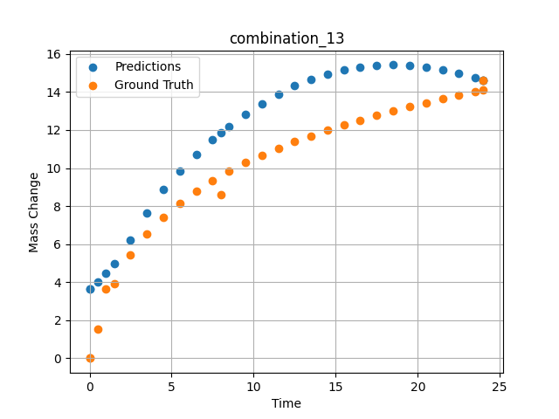
1200 | 0 | 50 | 0 | 0 | 50 | 0 | 0 | 0 | 3.4955 | 6.52981 | 7.6197485924
1200 | 0 | 50 | 0 | 0 | 50 | 0 | 0 | 0 | 4.5045 | 7.42843 | 8.860458374
1200 | 0 | 50 | 0 | 0 | 50 | 0 | 0 | 0 | 5.5015 | 8.16539 | 9.8617362976
1200 | 0 | 50 | 0 | 0 | 50 | 0 | 0 | 0 | 6.4985 | 8.79549 | 10.719309807
1200 | 0 | 50 | 0 | 0 | 50 | 0 | 0 | 0 | 7.4955 | 9.34644 | 11.489212036
1200 | 0 | 50 | 0 | 0 | 50 | 0 | 0 | 0 | 8.49249 | 9.83548 | 12.190802574
1200 | 0 | 50 | 0 | 0 | 50 | 0 | 0 | 0 | 9.5015 | 10.28047 | 12.833550453
1200 | 0 | 50 | 0 | 0 | 50 | 0 | 0 | 0 | 10.4985 | 10.67984 | 13.399337769
1200 | 0 | 50 | 0 | 0 | 50 | 0 | 0 | 0 | 11.4955 | 11.04568 | 13.893517494
1200 | 0 | 50 | 0 | 0 | 50 | 0 | 0 | 0 | 12.5045 | 11.38726 | 14.319756508
1200 | 0 | 50 | 0 | 0 | 50 | 0 | 0 | 0 | 13.5015 | 11.70052 | 14.668764114
1200 | 0 | 50 | 0 | 0 | 50 | 0 | 0 | 0 | 14.4985 | 11.99278 | 14.948144913
1200 | 0 | 50 | 0 | 0 | 50 | 0 | 0 | 0 | 15.4955 | 12.26682 | 15.160692215
1200 | 0 | 50 | 0 | 0 | 50 | 0 | 0 | 0 | 16.49249 | 12.52465 | 15.309309006
1200 | 0 | 50 | 0 | 0 | 50 | 0 | 0 | 0 | 17.5015 | 12.77103 | 15.397174835
1200 | 0 | 50 | 0 | 0 | 50 | 0 | 0 | 0 | 18.4985 | 13.0016 | 15.424339294
1200 | 0 | 50 | 0 | 0 | 50 | 0 | 0 | 0 | 19.4955 | 13.22059 | 15.394098282
1200 | 0 | 50 | 0 | 0 | 50 | 0 | 0 | 0 | 20.5045 | 13.43163 | 15.307167053
1200 | 0 | 50 | 0 | 0 | 50 | 0 | 0 | 0 | 21.5015 | 13.63064 | 15.1685009
1200 | 0 | 50 | 0 | 0 | 50 | 0 | 0 | 0 | 22.4985 | 13.82097 | 14.980781555
1200 | 0 | 50 | 0 | 0 | 50 | 0 | 0 | 0 | 23.4955 | 14.0034 | 14.744329453
1200 | 0 | 50 | 0 | 0 | 50 | 0 | 0 | 0 | 24 | 14.09317 | 14.60284996

combination_14
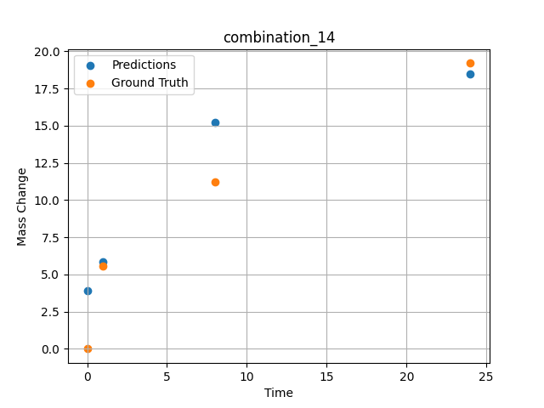
1200.0, 0.0, 33.699999999999996, 0.0, 33.9, 32.4, 0.0, 0.0
Temperature [C] | Mo [at%] | Nb [at%] | Ta [at%] | Ti [at%] | Cr [at%] | Al [at%] | W [at%] | Zr [at%] | Time [h] | Mass Change [mg.cm2] | Mass change - predictions
1200 | 0 | 33.7 | 0 | 33.9 | 32.4 | 0 | 0 | 0 | 0 | 0 | 3.9366927147
1200 | 0 | 33.7 | 0 | 33.9 | 32.4 | 0 | 0 | 0 | 1 | 5.5474452555 | 5.8760180473
1200 | 0 | 33.7 | 0 | 33.9 | 32.4 | 0 | 0 | 0 | 8 | 11.240875912 | 15.201346397
1200 | 0 | 33.7 | 0 | 33.9 | 32.4 | 0 | 0 | 0 | 24 | 19.2 | 18.473083496

combination_15
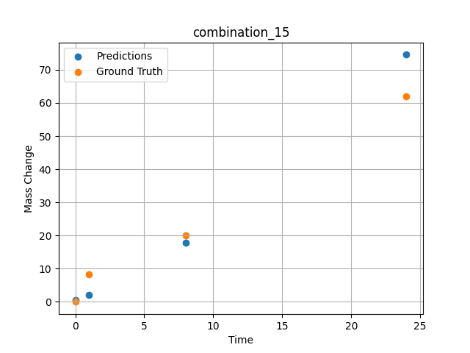
1200.0, 0.0, 26.0, 23.9, 25.6, 24.5, 0.0, 0.0
Temperature [C] | Mo [at%] | Nb [at%] | Ta [at%] | Ti [at%] | Cr [at%] | Al [at%] | W [at%] | Zr [at%] | Time [h] | Mass Change [mg.cm2] | Mass change - predictions
1200 | 0 | 26 | 23.9 | 25.6 | 24.5 | 0 | 0 | 0 | 0 | 0 | 0.48960095644
1200 | 0 | 26 | 23.9 | 25.6 | 24.5 | 0 | 0 | 0 | 1 | 8.3211678832 | 1.9759757519
1200 | 0 | 26 | 23.9 | 25.6 | 24.5 | 0 | 0 | 0 | 8 | 20.145985401 | 17.933542252
1200 | 0 | 26 | 23.9 | 25.6 | 24.5 | 0 | 0 | 0 | 24 | 61.9 | 74.548812866

combination_16
1200.0, 0.0, 33.6, 34.1, 32.3, 0.0, 0.0, 0.0
Temperature [C] | Mo [at%] | Nb [at%] | Ta [at%] | Ti [at%] | Cr [at%] | Al [at%] | W [at%] | Zr [at%] | Time [h] | Mass Change [mg.cm2] | Mass change - predictions
1200 | 0 | 33.6 | 34.1 | 32.3 | 0 | 0 | 0 | 0 | 0 | 0 | 4.3852419853
1200 | 0 | 33.6 | 34.1 | 32.3 | 0 | 0 | 0 | 0 | 1 | 2.6 | 7.4917702675
1200 | 0 | 33.6 | 34.1 | 32.3 | 0 | 0 | 0 | 0 | 4 | 40.3 | 30.402194977
1200 | 0 | 33.6 | 34.1 | 32.3 | 0 | 0 | 0 | 0 | 8 | 92.248062016 | 82.617286682
1200 | 0 | 33.6 | 34.1 | 32.3 | 0 | 0 | 0 | 0 | 24 | 247.28682171 | 257.9520874
1200 | 0 | 33.6 | 34.1 | 32.3 | 0 | 0 | 0 | 0 | 48 | 293.02325581 | 296.21908569
1200 | 0 | 33.6 | 34.1 | 32.3 | 0 | 0 | 0 | 0 | 0 | 0 | 4.3852415085
1200 | 0 | 33.6 | 34.1 | 32.3 | 0 | 0 | 0 | 0 | 0.56527 | 2.00231 | 5.9789566994
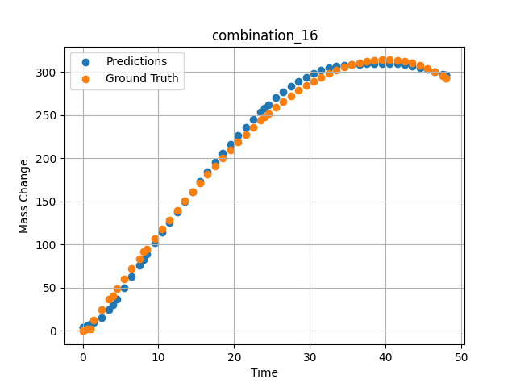
1200 | 0 | 33.6 | 34.1 | 32.3 | 0 | 0 | 0 | 0 | 1.46724 | 12.76104 | 9.4802045822
1200 | 0 | 33.6 | 34.1 | 32.3 | 0 | 0 | 0 | 0 | 2.4985 | 25.04193 | 15.715605736
1200 | 0 | 33.6 | 34.1 | 32.3 | 0 | 0 | 0 | 0 | 3.50751 | 37.02166 | 24.89721489
1200 | 0 | 33.6 | 34.1 | 32.3 | 0 | 0 | 0 | 0 | 4.49304 | 48.67294 | 36.407356262
1200 | 0 | 33.6 | 34.1 | 32.3 | 0 | 0 | 0 | 0 | 5.5015 | 60.53039 | 49.589141846
1200 | 0 | 33.6 | 34.1 | 32.3 | 0 | 0 | 0 | 0 | 6.48649 | 72.03199 | 62.778579712
1200 | 0 | 33.6 | 34.1 | 32.3 | 0 | 0 | 0 | 0 | 7.4955 | 83.71838 | 76.085006714
1200 | 0 | 33.6 | 34.1 | 32.3 | 0 | 0 | 0 | 0 | 8.48157 | 95.03006 | 88.776847839
1200 | 0 | 33.6 | 34.1 | 32.3 | 0 | 0 | 0 | 0 | 9.51351 | 106.73793 | 101.74264526
1200 | 0 | 33.6 | 34.1 | 32.3 | 0 | 0 | 0 | 0 | 10.4985 | 117.7734 | 113.8501358
1200 | 0 | 33.6 | 34.1 | 32.3 | 0 | 0 | 0 | 0 | 11.48348 | 128.65641 | 125.73298645
1200 | 0 | 33.6 | 34.1 | 32.3 | 0 | 0 | 0 | 0 | 12.49249 | 139.63363 | 137.7224884
1200 | 0 | 33.6 | 34.1 | 32.3 | 0 | 0 | 0 | 0 | 13.5015 | 150.42152 | 149.58232117
1200 | 0 | 33.6 | 34.1 | 32.3 | 0 | 0 | 0 | 0 | 14.51051 | 161.00462 | 161.35089111
1200 | 0 | 33.6 | 34.1 | 32.3 | 0 | 0 | 0 | 0 | 15.4955 | 171.12427 | 172.74473572
1200 | 0 | 33.6 | 34.1 | 32.3 | 0 | 0 | 0 | 0 | 16.48048 | 181.01775 | 183.97709656
1200 | 0 | 33.6 | 34.1 | 32.3 | 0 | 0 | 0 | 0 | 17.48949 | 190.90578 | 195.19856262
1200 | 0 | 33.6 | 34.1 | 32.3 | 0 | 0 | 0 | 0 | 18.4985 | 200.52777 | 206.02284241
1200 | 0 | 33.6 | 34.1 | 32.3 | 0 | 0 | 0 | 0 | 19.50751 | 209.86822 | 216.40501404
1200 | 0 | 33.6 | 34.1 | 32.3 | 0 | 0 | 0 | 0 | 20.51652 | 218.91164 | 226.36558533
1200 | 0 | 33.6 | 34.1 | 32.3 | 0 | 0 | 0 | 0 | 21.5015 | 227.43968 | 235.72921753
1200 | 0 | 33.6 | 34.1 | 32.3 | 0 | 0 | 0 | 0 | 22.48649 | 235.65296 | 244.76817322
1200 | 0 | 33.6 | 34.1 | 32.3 | 0 | 0 | 0 | 0 | 23.4955 | 243.72904 | 253.66532898
1200 | 0 | 33.6 | 34.1 | 32.3 | 0 | 0 | 0 | 0 | 24.48157 | 251.27422 | 261.9269104
1200 | 0 | 33.6 | 34.1 | 32.3 | 0 | 0 | 0 | 0 | 25.51351 | 258.79091 | 269.99203491
1200 | 0 | 33.6 | 34.1 | 32.3 | 0 | 0 | 0 | 0 | 26.4985 | 265.58634 | 277.00259399
1200 | 0 | 33.6 | 34.1 | 32.3 | 0 | 0 | 0 | 0 | 27.48348 | 271.99328 | 283.26327515
1200 | 0 | 33.6 | 34.1 | 32.3 | 0 | 0 | 0 | 0 | 28.49249 | 278.14346 | 288.93289185
1200 | 0 | 33.6 | 34.1 | 32.3 | 0 | 0 | 0 | 0 | 29.5015 | 283.85864 | 293.93432617
1200 | 0 | 33.6 | 34.1 | 32.3 | 0 | 0 | 0 | 0 | 30.51051 | 289.12334 | 298.26956177
1200 | 0 | 33.6 | 34.1 | 32.3 | 0 | 0 | 0 | 0 | 31.4955 | 293.81519 | 301.74212646
1200 | 0 | 33.6 | 34.1 | 32.3 | 0 | 0 | 0 | 0 | 32.48048 | 298.04485 | 304.3684082
1200 | 0 | 33.6 | 34.1 | 32.3 | 0 | 0 | 0 | 0 | 33.48949 | 301.88914 | 306.2461853
1200 | 0 | 33.6 | 34.1 | 32.3 | 0 | 0 | 0 | 0 | 34.4985 | 305.22169 | 307.49435425
1200 | 0 | 33.6 | 34.1 | 32.3 | 0 | 0 | 0 | 0 | 35.50751 | 308.02703 | 308.31417847
1200 | 0 | 33.6 | 34.1 | 32.3 | 0 | 0 | 0 | 0 | 36.51652 | 310.28966 | 308.85253906
1200 | 0 | 33.6 | 34.1 | 32.3 | 0 | 0 | 0 | 0 | 37.5015 | 311.96232 | 309.19219971
1200 | 0 | 33.6 | 34.1 | 32.3 | 0 | 0 | 0 | 0 | 38.48649 | 313.08419 | 309.39096069
1200 | 0 | 33.6 | 34.1 | 32.3 | 0 | 0 | 0 | 0 | 39.4955 | 313.65412 | 309.45855713
1200 | 0 | 33.6 | 34.1 | 32.3 | 0 | 0 | 0 | 0 | 40.5045 | 313.62011 | 309.3609314
1200 | 0 | 33.6 | 34.1 | 32.3 | 0 | 0 | 0 | 0 | 41.51351 | 312.96665 | 309.01556396
1200 | 0 | 33.6 | 34.1 | 32.3 | 0 | 0 | 0 | 0 | 42.4985 | 311.71895 | 308.28961182
1200 | 0 | 33.6 | 34.1 | 32.3 | 0 | 0 | 0 | 0 | 43.48348 | 309.84673 | 307.00064087
1200 | 0 | 33.6 | 34.1 | 32.3 | 0 | 0 | 0 | 0 | 44.49249 | 307.27405 | 305.05303955
1200 | 0 | 33.6 | 34.1 | 32.3 | 0 | 0 | 0 | 0 | 45.5015 | 304.02068 | 302.69454956
1200 | 0 | 33.6 | 34.1 | 32.3 | 0 | 0 | 0 | 0 | 46.51051 | 300.07115 | 300.19607544
1200 | 0 | 33.6 | 34.1 | 32.3 | 0 | 0 | 0 | 0 | 47.4955 | 295.53213 | 297.63479614
1200 | 0 | 33.6 | 34.1 | 32.3 | 0 | 0 | 0 | 0 | 48 | 292.96623 | 296.21908569

combination_17
1200.0, 0.0, 34.2, 34.4, 0.0, 0.0, 0.0, 0.0
Temperature [C] | Mo [at%] | Nb [at%] | Ta [at%] | Ti [at%] | Cr [at%] | Al [at%] | W [at%] | Zr [at%] | Time [h] | Mass Change [mg.cm2] | Mass change - predictions
1200 | 0 | 34.2 | 34.4 | 0 | 0 | 0 | 0 | 30.9 | 0 | 0 | 26.613519669
1200 | 0 | 34.2 | 34.4 | 0 | 0 | 0 | 0 | 30.9 | 1 | 102.4 | 76.809532166
1200 | 0 | 34.2 | 34.4 | 0 | 0 | 0 | 0 | 30.9 | 2 | 117.1 | 113.42185211
1200 | 0 | 34.2 | 34.4 | 0 | 0 | 0 | 0 | 30.9 | 4 | 134.1 | 147.8444519
1200 | 0 | 34.2 | 34.4 | 0 | 0 | 0 | 0 | 30.9 | 6 | 170.7 | 177.63818359
1200 | 0 | 34.2 | 34.4 | 0 | 0 | 0 | 0 | 30.9 | 8 | 197.6 | 197.90992737
1200 | 0 | 34.2 | 34.4 | 0 | 0 | 0 | 0 | 30.9 | 24 | 229.3 | 224.13490295
1200 | 0 | 34.2 | 34.4 | 0 | 0 | 0 | 0 | 30.9 | 0 | 0 | 26.613517761
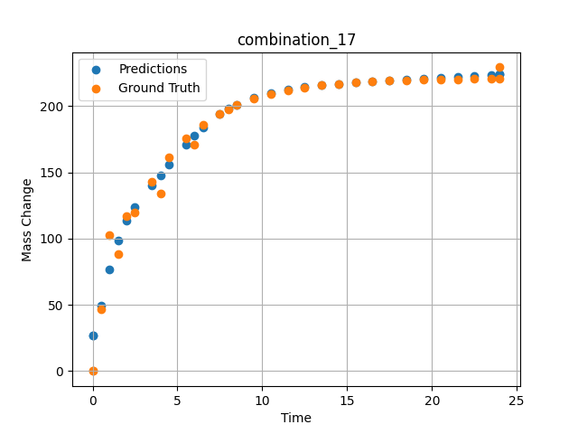
1200 | 0 | 34.2 | 34.4 | 0 | 0 | 0 | 0 | 30.9 | 0.49249 | 46.59609 | 49.429225922
1200 | 0 | 34.2 | 34.4 | 0 | 0 | 0 | 0 | 30.9 | 1.5015 | 88.32923 | 98.813262939
1200 | 0 | 34.2 | 34.4 | 0 | 0 | 0 | 0 | 30.9 | 2.4985 | 119.43947 | 123.55396271
1200 | 0 | 34.2 | 34.4 | 0 | 0 | 0 | 0 | 30.9 | 3.4955 | 143.22867 | 139.85919189
1200 | 0 | 34.2 | 34.4 | 0 | 0 | 0 | 0 | 30.9 | 4.5045 | 161.64161 | 155.80854797
1200 | 0 | 34.2 | 34.4 | 0 | 0 | 0 | 0 | 30.9 | 5.5015 | 175.552 | 170.84217834
1200 | 0 | 34.2 | 34.4 | 0 | 0 | 0 | 0 | 30.9 | 6.4985 | 186.18892 | 183.77285767
1200 | 0 | 34.2 | 34.4 | 0 | 0 | 0 | 0 | 30.9 | 7.4955 | 194.34026 | 193.87059021
1200 | 0 | 34.2 | 34.4 | 0 | 0 | 0 | 0 | 30.9 | 8.49249 | 200.57338 | 201.23454285
1200 | 0 | 34.2 | 34.4 | 0 | 0 | 0 | 0 | 30.9 | 9.5015 | 205.39784 | 206.45513916
1200 | 0 | 34.2 | 34.4 | 0 | 0 | 0 | 0 | 30.9 | 10.4985 | 209.04256 | 210.02635193
1200 | 0 | 34.2 | 34.4 | 0 | 0 | 0 | 0 | 30.9 | 11.4955 | 211.82959 | 212.53250122
1200 | 0 | 34.2 | 34.4 | 0 | 0 | 0 | 0 | 30.9 | 12.5045 | 213.98676 | 214.36303711
1200 | 0 | 34.2 | 34.4 | 0 | 0 | 0 | 0 | 30.9 | 13.5015 | 215.61644 | 215.72770691
1200 | 0 | 34.2 | 34.4 | 0 | 0 | 0 | 0 | 30.9 | 14.4985 | 216.86261 | 216.81526184
1200 | 0 | 34.2 | 34.4 | 0 | 0 | 0 | 0 | 30.9 | 15.4955 | 217.81758 | 217.73112488
1200 | 0 | 34.2 | 34.4 | 0 | 0 | 0 | 0 | 30.9 | 16.49249 | 218.54782 | 218.54298401
1200 | 0 | 34.2 | 34.4 | 0 | 0 | 0 | 0 | 30.9 | 17.5015 | 219.11303 | 219.30369568
1200 | 0 | 34.2 | 34.4 | 0 | 0 | 0 | 0 | 30.9 | 18.4985 | 219.54003 | 220.02455139
1200 | 0 | 34.2 | 34.4 | 0 | 0 | 0 | 0 | 30.9 | 19.4955 | 219.86655 | 220.73484802
1200 | 0 | 34.2 | 34.4 | 0 | 0 | 0 | 0 | 30.9 | 20.5045 | 220.11927 | 221.45765686
1200 | 0 | 34.2 | 34.4 | 0 | 0 | 0 | 0 | 30.9 | 21.5015 | 220.3102 | 222.18684387
1200 | 0 | 34.2 | 34.4 | 0 | 0 | 0 | 0 | 30.9 | 22.4985 | 220.45619 | 222.93980408
1200 | 0 | 34.2 | 34.4 | 0 | 0 | 0 | 0 | 30.9 | 23.4955 | 220.56807 | 223.7240448
1200 | 0 | 34.2 | 34.4 | 0 | 0 | 0 | 0 | 30.9 | 24 | 220.61516 | 224.13491821

combination_18
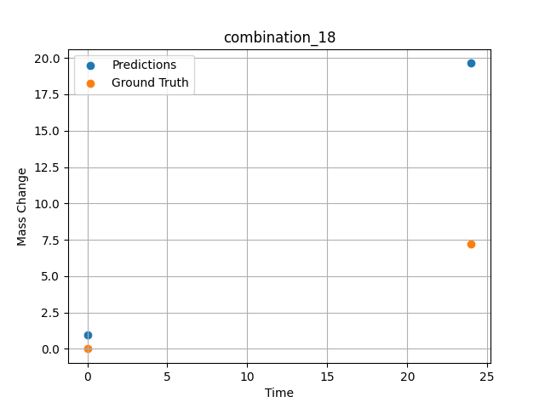
1200.0, 0.0, 0.0, 30.6, 36.8, 32.6, 0.0, 0.0
Temperature [C] | Mo [at%] | Nb [at%] | Ta [at%] | Ti [at%] | Cr [at%] | Al [at%] | W [at%] | Zr [at%] | Time [h] | Mass Change [mg.cm2] | Mass change - predictions
1200 | 0 | 0 | 30.6 | 36.8 | 32.6 | 0 | 0 | 0 | 0 | 0 | 0.95985406637
1200 | 0 | 0 | 30.6 | 36.8 | 32.6 | 0 | 0 | 0 | 24 | 7.2 | 19.638483047

combination_19
1200.0, 0.0, 0.0, 49.9, 12.2, 37.9, 0.0, 0.0
Temperature [C] | Mo [at%] | Nb [at%] | Ta [at%] | Ti [at%] | Cr [at%] | Al [at%] | W [at%] | Zr [at%] | Time [h] | Mass Change [mg.cm2] | Mass change - predictions
1200 | 0 | 0 | 49.9 | 12.2 | 37.9 | 0 | 0 | 0 | 0 | 0 | 0.64529341459
1200 | 0 | 0 | 49.9 | 12.2 | 37.9 | 0 | 0 | 0 | 5 | 8.2898550725 | 6.3327865601
1200 | 0 | 0 | 49.9 | 12.2 | 37.9 | 0 | 0 | 0 | 10 | 12.434782609 | 12.044563293
1200 | 0 | 0 | 49.9 | 12.2 | 37.9 | 0 | 0 | 0 | 15 | 18.134057971 | 24.66550827
1200 | 0 | 0 | 49.9 | 12.2 | 37.9 | 0 | 0 | 0 | 17.5 | 24.869565217 | 37.58083725
1200 | 0 | 0 | 49.9 | 12.2 | 37.9 | 0 | 0 | 0 | 20 | 45.594202899 | 56.842563629
1200 | 0 | 0 | 49.9 | 12.2 | 37.9 | 0 | 0 | 0 | 24 | 71.5 | 92.480224609
1200 | 0 | 0 | 49.9 | 12.2 | 37.9 | 0 | 0 | 0 | 0 | 0 | 0.64529293776
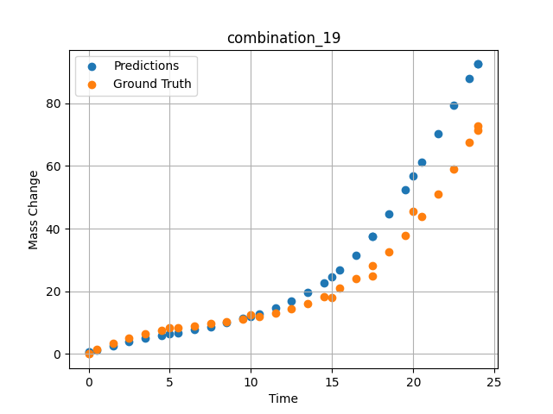
1200 | 0 | 0 | 49.9 | 12.2 | 37.9 | 0 | 0 | 0 | 0.49249 | 1.42149 | 1.1571896076
1200 | 0 | 0 | 49.9 | 12.2 | 37.9 | 0 | 0 | 0 | 1.5015 | 3.46774 | 2.6439840794
1200 | 0 | 0 | 49.9 | 12.2 | 37.9 | 0 | 0 | 0 | 2.4985 | 5.09174 | 4.0332484245
1200 | 0 | 0 | 49.9 | 12.2 | 37.9 | 0 | 0 | 0 | 3.4955 | 6.38605 | 5.0390715599
1200 | 0 | 0 | 49.9 | 12.2 | 37.9 | 0 | 0 | 0 | 4.5045 | 7.43134 | 5.9087758064
1200 | 0 | 0 | 49.9 | 12.2 | 37.9 | 0 | 0 | 0 | 5.48956 | 8.26108 | 6.7632732391
1200 | 0 | 0 | 49.9 | 12.2 | 37.9 | 0 | 0 | 0 | 6.4985 | 8.98419 | 7.7103114128
1200 | 0 | 0 | 49.9 | 12.2 | 37.9 | 0 | 0 | 0 | 7.5035 | 9.64589 | 8.7615871429
1200 | 0 | 0 | 49.9 | 12.2 | 37.9 | 0 | 0 | 0 | 8.49249 | 10.30729 | 9.9302873611
1200 | 0 | 0 | 49.9 | 12.2 | 37.9 | 0 | 0 | 0 | 9.5015 | 11.06122 | 11.29389286
1200 | 0 | 0 | 49.9 | 12.2 | 37.9 | 0 | 0 | 0 | 10.48663 | 11.94099 | 12.834833145
1200 | 0 | 0 | 49.9 | 12.2 | 37.9 | 0 | 0 | 0 | 11.4955 | 13.05774 | 14.687051773
1200 | 0 | 0 | 49.9 | 12.2 | 37.9 | 0 | 0 | 0 | 12.5045 | 14.46245 | 16.898155212
1200 | 0 | 0 | 49.9 | 12.2 | 37.9 | 0 | 0 | 0 | 13.5015 | 16.2008 | 19.540742874
1200 | 0 | 0 | 49.9 | 12.2 | 37.9 | 0 | 0 | 0 | 14.4985 | 18.3577 | 22.770683289
1200 | 0 | 0 | 49.9 | 12.2 | 37.9 | 0 | 0 | 0 | 15.4837 | 20.96379 | 26.690347672
1200 | 0 | 0 | 49.9 | 12.2 | 37.9 | 0 | 0 | 0 | 16.49249 | 24.19061 | 31.614347458
1200 | 0 | 0 | 49.9 | 12.2 | 37.9 | 0 | 0 | 0 | 17.50147 | 28.05166 | 37.590393066
1200 | 0 | 0 | 49.9 | 12.2 | 37.9 | 0 | 0 | 0 | 18.4985 | 32.55855 | 44.568992615
1200 | 0 | 0 | 49.9 | 12.2 | 37.9 | 0 | 0 | 0 | 19.4955 | 37.823 | 52.51997757
1200 | 0 | 0 | 49.9 | 12.2 | 37.9 | 0 | 0 | 0 | 20.49277 | 43.91233 | 61.206962585
1200 | 0 | 0 | 49.9 | 12.2 | 37.9 | 0 | 0 | 0 | 21.5015 | 50.97282 | 70.390144348
1200 | 0 | 0 | 49.9 | 12.2 | 37.9 | 0 | 0 | 0 | 22.4985 | 58.92082 | 79.48160553
1200 | 0 | 0 | 49.9 | 12.2 | 37.9 | 0 | 0 | 0 | 23.45946 | 67.54177 | 87.942863464
1200 | 0 | 0 | 49.9 | 12.2 | 37.9 | 0 | 0 | 0 | 24 | 72.79782 | 92.480155945

combination_20
1200.0, 0.0, 0.0, 50.9, 37.2, 11.9, 0.0, 0.0
Temperature [C] | Mo [at%] | Nb [at%] | Ta [at%] | Ti [at%] | Cr [at%] | Al [at%] | W [at%] | Zr [at%] | Time [h] | Mass Change [mg.cm2] | Mass change - predictions
1200 | 0 | 0 | 50.9 | 37.2 | 11.9 | 0 | 0 | 0 | 0 | 0 | 2.38169837
1200 | 0 | 0 | 50.9 | 37.2 | 11.9 | 0 | 0 | 0 | 5 | 31.542083333 | 25.953964233
1200 | 0 | 0 | 50.9 | 37.2 | 11.9 | 0 | 0 | 0 | 10 | 59.464583333 | 58.926498413
1200 | 0 | 0 | 50.9 | 37.2 | 11.9 | 0 | 0 | 0 | 15 | 82.733333333 | 86.944816589
1200 | 0 | 0 | 50.9 | 37.2 | 11.9 | 0 | 0 | 0 | 20 | 106.51916667 | 114.60684967
1200 | 0 | 0 | 50.9 | 37.2 | 11.9 | 0 | 0 | 0 | 24 | 124.1 | 137.70472717
1200 | 0 | 0 | 50.9 | 37.2 | 11.9 | 0 | 0 | 0 | 0 | 0 | 2.3816986084
1200 | 0 | 0 | 50.9 | 37.2 | 11.9 | 0 | 0 | 0 | 0.49249 | 3.32589 | 3.3319985867
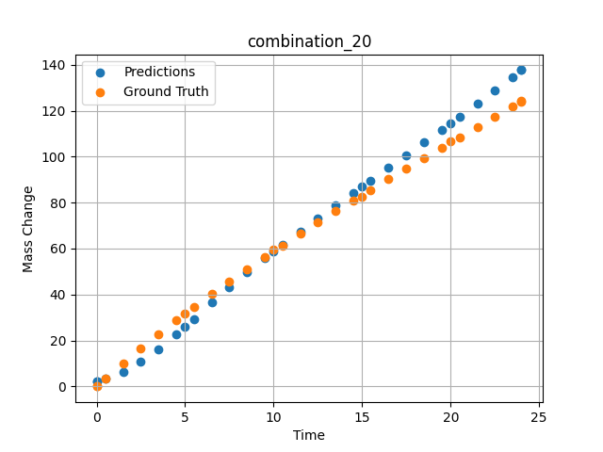
1200 | 0 | 0 | 50.9 | 37.2 | 11.9 | 0 | 0 | 0 | 1.5015 | 10.03119 | 6.2857513428
1200 | 0 | 0 | 50.9 | 37.2 | 11.9 | 0 | 0 | 0 | 2.4985 | 16.44125 | 10.720607758
1200 | 0 | 0 | 50.9 | 37.2 | 11.9 | 0 | 0 | 0 | 3.4955 | 22.64739 | 16.154315948
1200 | 0 | 0 | 50.9 | 37.2 | 11.9 | 0 | 0 | 0 | 4.5045 | 28.73355 | 22.553581238
1200 | 0 | 0 | 50.9 | 37.2 | 11.9 | 0 | 0 | 0 | 5.48956 | 34.49707 | 29.394035339
1200 | 0 | 0 | 50.9 | 37.2 | 11.9 | 0 | 0 | 0 | 6.4985 | 40.22938 | 36.490585327
1200 | 0 | 0 | 50.9 | 37.2 | 11.9 | 0 | 0 | 0 | 7.4955 | 45.73568 | 43.272331238
1200 | 0 | 0 | 50.9 | 37.2 | 11.9 | 0 | 0 | 0 | 8.49249 | 51.09529 | 49.726760864
1200 | 0 | 0 | 50.9 | 37.2 | 11.9 | 0 | 0 | 0 | 9.5015 | 56.38263 | 55.948570251
1200 | 0 | 0 | 50.9 | 37.2 | 11.9 | 0 | 0 | 0 | 10.48663 | 61.42297 | 61.783004761
1200 | 0 | 0 | 50.9 | 37.2 | 11.9 | 0 | 0 | 0 | 11.4955 | 66.47152 | 67.575752258
1200 | 0 | 0 | 50.9 | 37.2 | 11.9 | 0 | 0 | 0 | 12.5045 | 71.41788 | 73.237937927
1200 | 0 | 0 | 50.9 | 37.2 | 11.9 | 0 | 0 | 0 | 13.5015 | 76.21596 | 78.747001648
1200 | 0 | 0 | 50.9 | 37.2 | 11.9 | 0 | 0 | 0 | 14.4985 | 80.93612 | 84.206886292
1200 | 0 | 0 | 50.9 | 37.2 | 11.9 | 0 | 0 | 0 | 15.4837 | 85.53549 | 89.584449768
1200 | 0 | 0 | 50.9 | 37.2 | 11.9 | 0 | 0 | 0 | 16.49249 | 90.18944 | 95.0990448
1200 | 0 | 0 | 50.9 | 37.2 | 11.9 | 0 | 0 | 0 | 17.5015 | 94.79986 | 100.64545441
1200 | 0 | 0 | 50.9 | 37.2 | 11.9 | 0 | 0 | 0 | 18.4985 | 99.32321 | 106.17243195
1200 | 0 | 0 | 50.9 | 37.2 | 11.9 | 0 | 0 | 0 | 19.4955 | 103.82588 | 111.75695038
1200 | 0 | 0 | 50.9 | 37.2 | 11.9 | 0 | 0 | 0 | 20.51128 | 108.40403 | 117.51187897
1200 | 0 | 0 | 50.9 | 37.2 | 11.9 | 0 | 0 | 0 | 21.5015 | 112.86918 | 123.18513489
1200 | 0 | 0 | 50.9 | 37.2 | 11.9 | 0 | 0 | 0 | 22.4985 | 117.37858 | 128.95251465
1200 | 0 | 0 | 50.9 | 37.2 | 11.9 | 0 | 0 | 0 | 23.4955 | 121.9129 | 134.75941467
1200 | 0 | 0 | 50.9 | 37.2 | 11.9 | 0 | 0 | 0 | 24 | 124.21884 | 137.70472717

combination_21
1200.0, 0.0, 0.0, 46.5, 22.5, 31.0, 0.0, 0.0
Temperature [C] | Mo [at%] | Nb [at%] | Ta [at%] | Ti [at%] | Cr [at%] | Al [at%] | W [at%] | Zr [at%] | Time [h] | Mass Change [mg.cm2] | Mass change - predictions
1200 | 0 | 0 | 46.5 | 22.5 | 31 | 0 | 0 | 0 | 0 | 0 | 13.600374222
1200 | 0 | 0 | 46.5 | 22.5 | 31 | 0 | 0 | 0 | 5 | 68.073076923 | 86.528259277
1200 | 0 | 0 | 46.5 | 22.5 | 31 | 0 | 0 | 0 | 10 | 121.19070513 | 130.84977722
1200 | 0 | 0 | 46.5 | 22.5 | 31 | 0 | 0 | 0 | 15 | 148.52307692 | 160.78392029
1200 | 0 | 0 | 46.5 | 22.5 | 31 | 0 | 0 | 0 | 20 | 159.35288462 | 171.7651062
1200 | 0 | 0 | 46.5 | 22.5 | 31 | 0 | 0 | 0 | 24 | 160.9 | 170.07054138
1200 | 0 | 0 | 46.5 | 22.5 | 31 | 0 | 0 | 0 | 0 | 0 | 13.600375175
1200 | 0 | 0 | 46.5 | 22.5 | 31 | 0 | 0 | 0 | 0.53801 | 8.21597 | 20.367418289
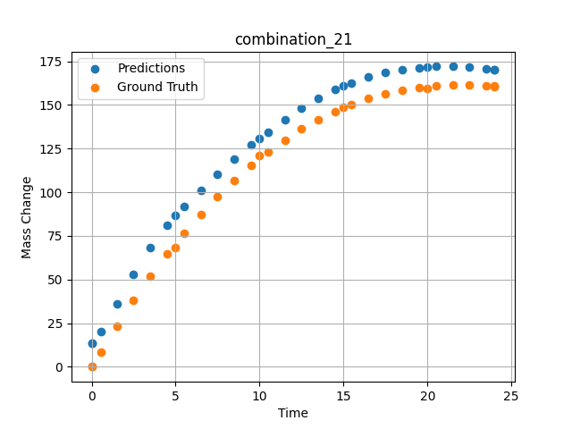
1200 | 0 | 0 | 46.5 | 22.5 | 31 | 0 | 0 | 0 | 1.5015 | 23.29686 | 35.835693359
1200 | 0 | 0 | 46.5 | 22.5 | 31 | 0 | 0 | 0 | 2.4985 | 37.95309 | 53.127758026
1200 | 0 | 0 | 46.5 | 22.5 | 31 | 0 | 0 | 0 | 3.4955 | 51.65384 | 68.321769714
1200 | 0 | 0 | 46.5 | 22.5 | 31 | 0 | 0 | 0 | 4.5045 | 64.57589 | 81.040138245
1200 | 0 | 0 | 46.5 | 22.5 | 31 | 0 | 0 | 0 | 5.48956 | 76.29591 | 91.598823547
1200 | 0 | 0 | 46.5 | 22.5 | 31 | 0 | 0 | 0 | 6.4985 | 87.40608 | 101.28309631
1200 | 0 | 0 | 46.5 | 22.5 | 31 | 0 | 0 | 0 | 7.4955 | 97.52071 | 110.20909882
1200 | 0 | 0 | 46.5 | 22.5 | 31 | 0 | 0 | 0 | 8.49249 | 106.79416 | 118.72145844
1200 | 0 | 0 | 46.5 | 22.5 | 31 | 0 | 0 | 0 | 9.5015 | 115.35124 | 126.95089722
1200 | 0 | 0 | 46.5 | 22.5 | 31 | 0 | 0 | 0 | 10.48663 | 122.92292 | 134.5302887
1200 | 0 | 0 | 46.5 | 22.5 | 31 | 0 | 0 | 0 | 11.4955 | 129.89829 | 141.70429993
1200 | 0 | 0 | 46.5 | 22.5 | 31 | 0 | 0 | 0 | 12.5045 | 136.10997 | 148.17643738
1200 | 0 | 0 | 46.5 | 22.5 | 31 | 0 | 0 | 0 | 13.5015 | 141.52095 | 153.80984497
1200 | 0 | 0 | 46.5 | 22.5 | 31 | 0 | 0 | 0 | 14.4985 | 146.22811 | 158.65127563
1200 | 0 | 0 | 46.5 | 22.5 | 31 | 0 | 0 | 0 | 15.4837 | 150.21466 | 162.65046692
1200 | 0 | 0 | 46.5 | 22.5 | 31 | 0 | 0 | 0 | 16.49249 | 153.63313 | 165.9521637
1200 | 0 | 0 | 46.5 | 22.5 | 31 | 0 | 0 | 0 | 17.5015 | 156.40427 | 168.48490906
1200 | 0 | 0 | 46.5 | 22.5 | 31 | 0 | 0 | 0 | 18.4985 | 158.52997 | 170.27693176
1200 | 0 | 0 | 46.5 | 22.5 | 31 | 0 | 0 | 0 | 19.4955 | 160.06615 | 171.41731262
1200 | 0 | 0 | 46.5 | 22.5 | 31 | 0 | 0 | 0 | 20.49277 | 161.03822 | 171.96669006
1200 | 0 | 0 | 46.5 | 22.5 | 31 | 0 | 0 | 0 | 21.5015 | 161.47326 | 171.98500061
1200 | 0 | 0 | 46.5 | 22.5 | 31 | 0 | 0 | 0 | 22.4985 | 161.37827 | 171.53257751
1200 | 0 | 0 | 46.5 | 22.5 | 31 | 0 | 0 | 0 | 23.4955 | 160.78923 | 170.66163635
1200 | 0 | 0 | 46.5 | 22.5 | 31 | 0 | 0 | 0 | 24 | 160.32765 | 170.07052612

combination_22
1100.0, 20.0, 20.0, 0.0, 20.0, 20.0, 20.0, 0.0
Temperature [C] | Mo [at%] | Nb [at%] | Ta [at%] | Ti [at%] | Cr [at%] | Al [at%] | W [at%] | Zr [at%] | Time [h] | Mass Change [mg.cm2] | Mass change - predictions
1100 | 20 | 20 | 0 | 20 | 20 | 20 | 0 | 0 | 0 | 0 | 1.0634980202
1100 | 20 | 20 | 0 | 20 | 20 | 20 | 0 | 0 | 10 | 3.3534246575 | 4.1090116501
1100 | 20 | 20 | 0 | 20 | 20 | 20 | 0 | 0 | 20 | 5.4794520548 | 5.8967633247
1100 | 20 | 20 | 0 | 20 | 20 | 20 | 0 | 0 | 30 | 6.904109589 | 9.5050468445
1100 | 20 | 20 | 0 | 20 | 20 | 20 | 0 | 0 | 40 | 7.8465753425 | 15.106358528
1100 | 20 | 20 | 0 | 20 | 20 | 20 | 0 | 0 | 48 | 8.3726027397 | 16.599315643
1100 | 20 | 20 | 0 | 20 | 20 | 20 | 0 | 0 | 0 | 0 | 1.0634980202
1100 | 20 | 20 | 0 | 20 | 20 | 20 | 0 | 0 | 0.48048 | 0.19946 | 1.2418680191
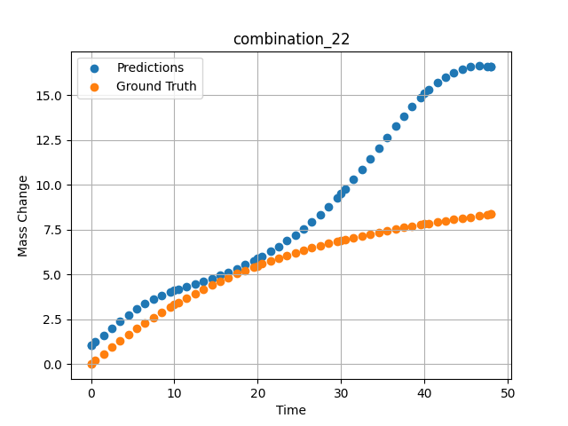
1100 | 20 | 20 | 0 | 20 | 20 | 20 | 0 | 0 | 1.48949 | 0.58439 | 1.6269226074
1100 | 20 | 20 | 0 | 20 | 20 | 20 | 0 | 0 | 2.4985 | 0.9555 | 2.0173461437
1100 | 20 | 20 | 0 | 20 | 20 | 20 | 0 | 0 | 3.50751 | 1.3131 | 2.4001264572
1100 | 20 | 20 | 0 | 20 | 20 | 20 | 0 | 0 | 4.51652 | 1.6575 | 2.7618682384
1100 | 20 | 20 | 0 | 20 | 20 | 20 | 0 | 0 | 5.5015 | 1.98132 | 3.0842716694
1100 | 20 | 20 | 0 | 20 | 20 | 20 | 0 | 0 | 6.48649 | 2.29304 | 3.3701472282
1100 | 20 | 20 | 0 | 20 | 20 | 20 | 0 | 0 | 7.4955 | 2.60028 | 3.6237244606
1100 | 20 | 20 | 0 | 20 | 20 | 20 | 0 | 0 | 8.5045 | 2.89555 | 3.8406119347
1100 | 20 | 20 | 0 | 20 | 20 | 20 | 0 | 0 | 9.51351 | 3.17915 | 4.0273346901
1100 | 20 | 20 | 0 | 20 | 20 | 20 | 0 | 0 | 10.47476 | 3.43876 | 4.1847476959
1100 | 20 | 20 | 0 | 20 | 20 | 20 | 0 | 0 | 11.48348 | 3.7004 | 4.3368458748
1100 | 20 | 20 | 0 | 20 | 20 | 20 | 0 | 0 | 12.49249 | 3.95137 | 4.4836573601
1100 | 20 | 20 | 0 | 20 | 20 | 20 | 0 | 0 | 13.5015 | 4.1919 | 4.6321921349
1100 | 20 | 20 | 0 | 20 | 20 | 20 | 0 | 0 | 14.51051 | 4.4223 | 4.7880797386
1100 | 20 | 20 | 0 | 20 | 20 | 20 | 0 | 0 | 15.4955 | 4.63778 | 4.9514250755
1100 | 20 | 20 | 0 | 20 | 20 | 20 | 0 | 0 | 16.48048 | 4.84412 | 5.1286606789
1100 | 20 | 20 | 0 | 20 | 20 | 20 | 0 | 0 | 17.48949 | 5.04642 | 5.3265724182
1100 | 20 | 20 | 0 | 20 | 20 | 20 | 0 | 0 | 18.4985 | 5.23981 | 5.5421767235
1100 | 20 | 20 | 0 | 20 | 20 | 20 | 0 | 0 | 19.50751 | 5.42461 | 5.7759671211
1100 | 20 | 20 | 0 | 20 | 20 | 20 | 0 | 0 | 20.49304 | 5.59708 | 6.0220990181
1100 | 20 | 20 | 0 | 20 | 20 | 20 | 0 | 0 | 21.5015 | 5.76578 | 6.292280674
1100 | 20 | 20 | 0 | 20 | 20 | 20 | 0 | 0 | 22.48649 | 5.92305 | 6.5745787621
1100 | 20 | 20 | 0 | 20 | 20 | 20 | 0 | 0 | 23.4955 | 6.07691 | 6.8836164474
1100 | 20 | 20 | 0 | 20 | 20 | 20 | 0 | 0 | 24.5045 | 6.22371 | 7.2144246101
1100 | 20 | 20 | 0 | 20 | 20 | 20 | 0 | 0 | 25.51351 | 6.36376 | 7.5692324638
1100 | 20 | 20 | 0 | 20 | 20 | 20 | 0 | 0 | 26.4985 | 6.49429 | 7.9412789345
1100 | 20 | 20 | 0 | 20 | 20 | 20 | 0 | 0 | 27.48348 | 6.61891 | 8.3413200378
1100 | 20 | 20 | 0 | 20 | 20 | 20 | 0 | 0 | 28.49249 | 6.74084 | 8.7826690674
1100 | 20 | 20 | 0 | 20 | 20 | 20 | 0 | 0 | 29.5015 | 6.85724 | 9.2577114105
1100 | 20 | 20 | 0 | 20 | 20 | 20 | 0 | 0 | 30.48731 | 6.96591 | 9.7548532486
1100 | 20 | 20 | 0 | 20 | 20 | 20 | 0 | 0 | 31.4955 | 7.07225 | 10.295754433
1100 | 20 | 20 | 0 | 20 | 20 | 20 | 0 | 0 | 32.48048 | 7.17165 | 10.852278709
1100 | 20 | 20 | 0 | 20 | 20 | 20 | 0 | 0 | 33.48949 | 7.26924 | 11.445244789
1100 | 20 | 20 | 0 | 20 | 20 | 20 | 0 | 0 | 34.4985 | 7.36284 | 12.052583694
1100 | 20 | 20 | 0 | 20 | 20 | 20 | 0 | 0 | 35.50751 | 7.45277 | 12.663469315
1100 | 20 | 20 | 0 | 20 | 20 | 20 | 0 | 0 | 36.51652 | 7.53932 | 13.265786171
1100 | 20 | 20 | 0 | 20 | 20 | 20 | 0 | 0 | 37.5015 | 7.62086 | 13.833221436
1100 | 20 | 20 | 0 | 20 | 20 | 20 | 0 | 0 | 38.48649 | 7.69975 | 14.368854523
1100 | 20 | 20 | 0 | 20 | 20 | 20 | 0 | 0 | 39.4955 | 7.77816 | 14.873714447
1100 | 20 | 20 | 0 | 20 | 20 | 20 | 0 | 0 | 40.48157 | 7.8527 | 15.315011024
1100 | 20 | 20 | 0 | 20 | 20 | 20 | 0 | 0 | 41.51351 | 7.92883 | 15.714114189
1100 | 20 | 20 | 0 | 20 | 20 | 20 | 0 | 0 | 42.4985 | 8.00001 | 16.030408859
1100 | 20 | 20 | 0 | 20 | 20 | 20 | 0 | 0 | 43.48348 | 8.07001 | 16.280763626
1100 | 20 | 20 | 0 | 20 | 20 | 20 | 0 | 0 | 44.49249 | 8.14082 | 16.467948914
1100 | 20 | 20 | 0 | 20 | 20 | 20 | 0 | 0 | 45.5015 | 8.21101 | 16.585968018
1100 | 20 | 20 | 0 | 20 | 20 | 20 | 0 | 0 | 46.51616 | 8.28129 | 16.63741684
1100 | 20 | 20 | 0 | 20 | 20 | 20 | 0 | 0 | 47.4955 | 8.34913 | 16.626592636
1100 | 20 | 20 | 0 | 20 | 20 | 20 | 0 | 0 | 48 | 8.38416 | 16.599317551

combination_23
1100.0, 20.0, 0.0, 20.0, 20.0, 20.0, 20.0, 0.0
Temperature [C] | Mo [at%] | Nb [at%] | Ta [at%] | Ti [at%] | Cr [at%] | Al [at%] | W [at%] | Zr [at%] | Time [h] | Mass Change [mg.cm2] | Mass change - predictions
1100 | 20 | 0 | 20 | 20 | 20 | 20 | 0 | 0 | 0 | 0 | -0.20856845379
1100 | 20 | 0 | 20 | 20 | 20 | 20 | 0 | 0 | 10 | 1.5123287671 | 2.6006045341
1100 | 20 | 0 | 20 | 20 | 20 | 20 | 0 | 0 | 20 | 2.0164383562 | 5.0983977318
1100 | 20 | 0 | 20 | 20 | 20 | 20 | 0 | 0 | 30 | 2.4109589041 | 5.7281060219
1100 | 20 | 0 | 20 | 20 | 20 | 20 | 0 | 0 | 40 | 2.7178082192 | 6.0570759773
1100 | 20 | 0 | 20 | 20 | 20 | 20 | 0 | 0 | 48 | 3.002739726 | 6.6987929344
1100 | 20 | 0 | 20 | 20 | 20 | 20 | 0 | 0 | 0 | 0 | -0.20856839418
1100 | 20 | 0 | 20 | 20 | 20 | 20 | 0 | 0 | 0.48048 | 0.11006 | -0.13969600201
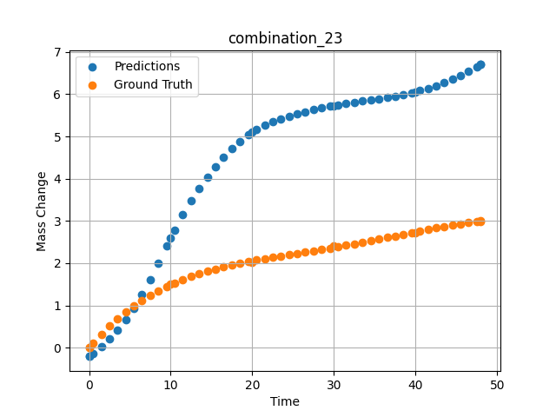
1100 | 20 | 0 | 20 | 20 | 20 | 20 | 0 | 0 | 1.48949 | 0.32168 | 0.019836723804
1100 | 20 | 0 | 20 | 20 | 20 | 20 | 0 | 0 | 2.4985 | 0.51495 | 0.20340710878
1100 | 20 | 0 | 20 | 20 | 20 | 20 | 0 | 0 | 3.50751 | 0.69112 | 0.41601884365
1100 | 20 | 0 | 20 | 20 | 20 | 20 | 0 | 0 | 4.51652 | 0.85139 | 0.66267675161
1100 | 20 | 0 | 20 | 20 | 20 | 20 | 0 | 0 | 5.5015 | 0.99367 | 0.94022279978
1100 | 20 | 0 | 20 | 20 | 20 | 20 | 0 | 0 | 6.48649 | 1.12287 | 1.2557508945
1100 | 20 | 0 | 20 | 20 | 20 | 20 | 0 | 0 | 7.4955 | 1.24285 | 1.616008997
1100 | 20 | 0 | 20 | 20 | 20 | 20 | 0 | 0 | 8.5045 | 1.3513 | 2.0053219795
1100 | 20 | 0 | 20 | 20 | 20 | 20 | 0 | 0 | 9.51351 | 1.44923 | 2.4079692364
1100 | 20 | 0 | 20 | 20 | 20 | 20 | 0 | 0 | 10.47476 | 1.5336 | 2.7842755318
1100 | 20 | 0 | 20 | 20 | 20 | 20 | 0 | 0 | 11.48348 | 1.61366 | 3.1508991718
1100 | 20 | 0 | 20 | 20 | 20 | 20 | 0 | 0 | 12.49249 | 1.68593 | 3.4769279957
1100 | 20 | 0 | 20 | 20 | 20 | 20 | 0 | 0 | 13.5015 | 1.75122 | 3.7660572529
1100 | 20 | 0 | 20 | 20 | 20 | 20 | 0 | 0 | 14.51051 | 1.81031 | 4.0310482979
1100 | 20 | 0 | 20 | 20 | 20 | 20 | 0 | 0 | 15.4955 | 1.86275 | 4.2739305496
1100 | 20 | 0 | 20 | 20 | 20 | 20 | 0 | 0 | 16.48048 | 1.91063 | 4.4994325638
1100 | 20 | 0 | 20 | 20 | 20 | 20 | 0 | 0 | 17.48949 | 1.95565 | 4.7065033913
1100 | 20 | 0 | 20 | 20 | 20 | 20 | 0 | 0 | 18.4985 | 1.99719 | 4.8850460052
1100 | 20 | 0 | 20 | 20 | 20 | 20 | 0 | 0 | 19.50751 | 2.03585 | 5.0349006653
1100 | 20 | 0 | 20 | 20 | 20 | 20 | 0 | 0 | 20.49304 | 2.07132 | 5.1562914848
1100 | 20 | 0 | 20 | 20 | 20 | 20 | 0 | 0 | 21.5015 | 2.1058 | 5.2591867447
1100 | 20 | 0 | 20 | 20 | 20 | 20 | 0 | 0 | 22.48649 | 2.13811 | 5.3433899879
1100 | 20 | 0 | 20 | 20 | 20 | 20 | 0 | 0 | 23.4955 | 2.17023 | 5.4168505669
1100 | 20 | 0 | 20 | 20 | 20 | 20 | 0 | 0 | 24.5045 | 2.20173 | 5.4805970192
1100 | 20 | 0 | 20 | 20 | 20 | 20 | 0 | 0 | 25.51604 | 2.23302 | 5.5370583534
1100 | 20 | 0 | 20 | 20 | 20 | 20 | 0 | 0 | 26.4985 | 2.26341 | 5.5862474442
1100 | 20 | 0 | 20 | 20 | 20 | 20 | 0 | 0 | 27.48348 | 2.29411 | 5.6309428215
1100 | 20 | 0 | 20 | 20 | 20 | 20 | 0 | 0 | 28.49249 | 2.32601 | 5.6725878716
1100 | 20 | 0 | 20 | 20 | 20 | 20 | 0 | 0 | 29.5015 | 2.35853 | 5.7105650902
1100 | 20 | 0 | 20 | 20 | 20 | 20 | 0 | 0 | 30.48731 | 2.39102 | 5.7444906235
1100 | 20 | 0 | 20 | 20 | 20 | 20 | 0 | 0 | 31.4955 | 2.42505 | 5.7764234543
1100 | 20 | 0 | 20 | 20 | 20 | 20 | 0 | 0 | 32.48048 | 2.45913 | 5.8055491447
1100 | 20 | 0 | 20 | 20 | 20 | 20 | 0 | 0 | 33.48949 | 2.4949 | 5.8339571953
1100 | 20 | 0 | 20 | 20 | 20 | 20 | 0 | 0 | 34.4985 | 2.53149 | 5.8618884087
1100 | 20 | 0 | 20 | 20 | 20 | 20 | 0 | 0 | 35.50751 | 2.56882 | 5.8903827667
1100 | 20 | 0 | 20 | 20 | 20 | 20 | 0 | 0 | 36.51652 | 2.60677 | 5.9207119942
1100 | 20 | 0 | 20 | 20 | 20 | 20 | 0 | 0 | 37.5015 | 2.64424 | 5.9533295631
1100 | 20 | 0 | 20 | 20 | 20 | 20 | 0 | 0 | 38.48396 | 2.68184 | 5.9899191856
1100 | 20 | 0 | 20 | 20 | 20 | 20 | 0 | 0 | 39.4955 | 2.72055 | 6.0331068039
1100 | 20 | 0 | 20 | 20 | 20 | 20 | 0 | 0 | 40.48157 | 2.758 | 6.0815706253
1100 | 20 | 0 | 20 | 20 | 20 | 20 | 0 | 0 | 41.51351 | 2.79655 | 6.1396994591
1100 | 20 | 0 | 20 | 20 | 20 | 20 | 0 | 0 | 42.4985 | 2.83237 | 6.2029070854
1100 | 20 | 0 | 20 | 20 | 20 | 20 | 0 | 0 | 43.48348 | 2.86684 | 6.2740645409
1100 | 20 | 0 | 20 | 20 | 20 | 20 | 0 | 0 | 44.49249 | 2.9003 | 6.3551573753
1100 | 20 | 0 | 20 | 20 | 20 | 20 | 0 | 0 | 45.5015 | 2.9314 | 6.4444408417
1100 | 20 | 0 | 20 | 20 | 20 | 20 | 0 | 0 | 46.51051 | 2.9596 | 6.5416779518
1100 | 20 | 0 | 20 | 20 | 20 | 20 | 0 | 0 | 47.4955 | 2.98377 | 6.6438398361
1100 | 20 | 0 | 20 | 20 | 20 | 20 | 0 | 0 | 48 | 2.99484 | 6.6987953186

combination_24
1000.0, 20.0, 0.0, 20.0, 20.0, 20.0, 20.0, 20.0
Temperature [C] | Mo [at%] | Nb [at%] | Ta [at%] | Ti [at%] | Cr [at%] | Al [at%] | W [at%] | Zr [at%] | Time [h] | Mass Change [mg.cm2] | Mass change - predictions
1000 | 20 | 0 | 20 | 20 | 20 | 20 | 20 | 0 | 0 | 0 | -0.41938740015
1000 | 20 | 0 | 20 | 20 | 20 | 20 | 20 | 0 | 5 | 4.2 | 2.8003091812
1000 | 20 | 0 | 20 | 20 | 20 | 20 | 20 | 0 | 10 | 5.3 | 6.5505852699
1000 | 20 | 0 | 20 | 20 | 20 | 20 | 20 | 0 | 15 | 6 | 8.4217500687
1000 | 20 | 0 | 20 | 20 | 20 | 20 | 20 | 0 | 20 | 6.4 | 8.8409309387
1000 | 20 | 0 | 20 | 20 | 20 | 20 | 20 | 0 | 25 | 6.8 | 8.4640445709
1000 | 20 | 0 | 20 | 20 | 20 | 20 | 20 | 0 | 30 | 7.2 | 8.1770105362
1000 | 20 | 0 | 20 | 20 | 20 | 20 | 20 | 0 | 35 | 7.6 | 8.4332294464
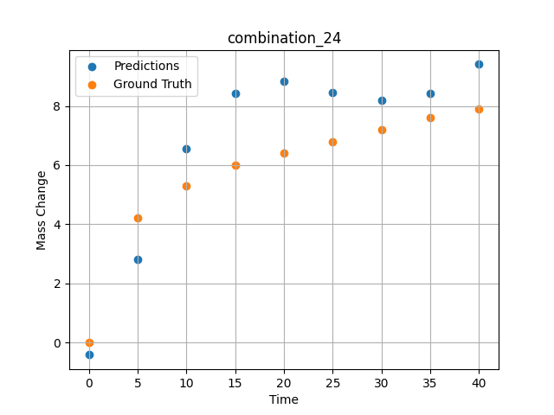
1000 | 20 | 0 | 20 | 20 | 20 | 20 | 20 | 0 | 40 | 7.9 | 9.4077749252

combination_25
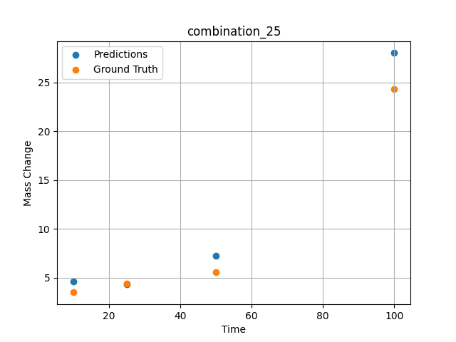
1000.0, 0.0, 0.0, 32.0, 32.0, 32.0, 4.0, 0.0
Temperature [C] | Mo [at%] | Nb [at%] | Ta [at%] | Ti [at%] | Cr [at%] | Al [at%] | W [at%] | Zr [at%] | Time [h] | Mass Change [mg.cm2] | Mass change - predictions
1000 | 0 | 0 | 32 | 32 | 32 | 4 | 0 | 0 | 100 | 24.3 | 28.026952744
1000 | 0 | 0 | 32 | 32 | 32 | 4 | 0 | 0 | 50 | 5.6 | 7.2661533356
1000 | 0 | 0 | 32 | 32 | 32 | 4 | 0 | 0 | 25 | 4.4 | 4.2983760834
1000 | 0 | 0 | 32 | 32 | 32 | 4 | 0 | 0 | 10 | 3.5 | 4.6100935936

combination_26
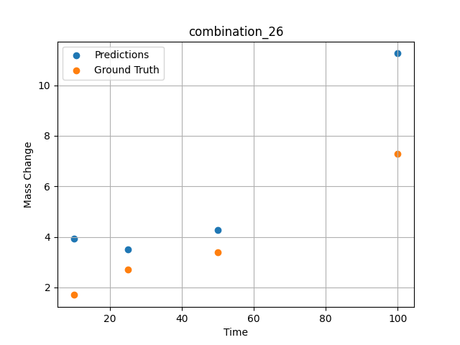
1000.0, 0.0, 0.0, 31.0, 31.0, 31.0, 9.0, 0.0
Temperature [C] | Mo [at%] | Nb [at%] | Ta [at%] | Ti [at%] | Cr [at%] | Al [at%] | W [at%] | Zr [at%] | Time [h] | Mass Change [mg.cm2] | Mass change - predictions
1000 | 0 | 0 | 31 | 31 | 31 | 9 | 0 | 0 | 100 | 7.3 | 11.256219864
1000 | 0 | 0 | 31 | 31 | 31 | 9 | 0 | 0 | 50 | 3.4 | 4.2770819664
1000 | 0 | 0 | 31 | 31 | 31 | 9 | 0 | 0 | 25 | 2.7 | 3.5165925026
1000 | 0 | 0 | 31 | 31 | 31 | 9 | 0 | 0 | 10 | 1.7 | 3.9400892258

combination_27
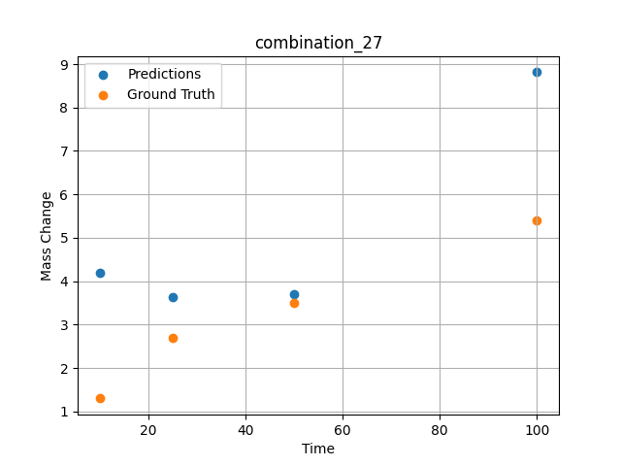
1000.0, 0.0, 0.0, 30.0, 30.0, 30.0, 10.0, 0.0
Temperature [C] | Mo [at%] | Nb [at%] | Ta [at%] | Ti [at%] | Cr [at%] | Al [at%] | W [at%] | Zr [at%] | Time [h] | Mass Change [mg.cm2] | Mass change - predictions
1000 | 0 | 0 | 30 | 30 | 30 | 10 | 0 | 0 | 100 | 5.4 | 8.8129711151
1000 | 0 | 0 | 30 | 30 | 30 | 10 | 0 | 0 | 50 | 3.5 | 3.6915569305
1000 | 0 | 0 | 30 | 30 | 30 | 10 | 0 | 0 | 25 | 2.7 | 3.6290624142
1000 | 0 | 0 | 30 | 30 | 30 | 10 | 0 | 0 | 10 | 1.3 | 4.1849207878

combination_28
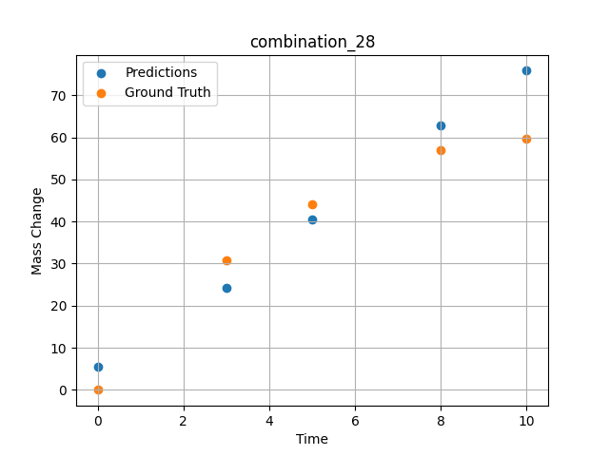
1000.0, 25.0, 25.0, 25.0, 0.0, 0.0, 0.0, 25.0
Temperature [C] | Mo [at%] | Nb [at%] | Ta [at%] | Ti [at%] | Cr [at%] | Al [at%] | W [at%] | Zr [at%] | Time [h] | Mass Change [mg.cm2] | Mass change - predictions
1000 | 25 | 25 | 25 | 0 | 0 | 0 | 25 | 0 | 0 | 0 | 5.4559788704
1000 | 25 | 25 | 25 | 0 | 0 | 0 | 25 | 0 | 3 | 30.8 | 24.328411102
1000 | 25 | 25 | 25 | 0 | 0 | 0 | 25 | 0 | 5 | 44 | 40.50478363
1000 | 25 | 25 | 25 | 0 | 0 | 0 | 25 | 0 | 8 | 57 | 62.816940308
1000 | 25 | 25 | 25 | 0 | 0 | 0 | 25 | 0 | 10 | 59.7 | 75.831268311

combination_29
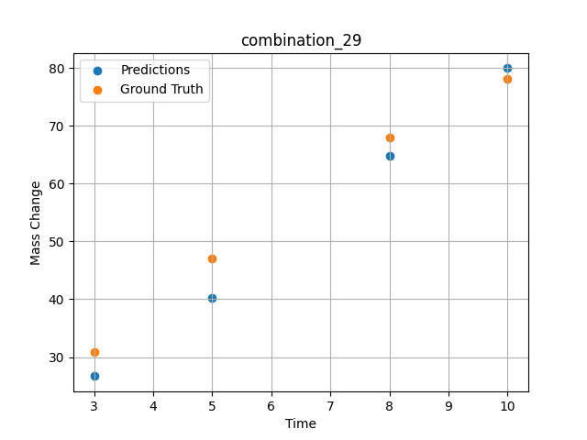
1000.0, 20.0, 20.0, 20.0, 20.0, 0.0, 0.0, 20.0
 | Ground truth
0
3 | 30.8
5 | 47.1
8 | 67.9
10 | 78.1
Temperature [C] | Mo [at%] | Nb [at%] | Ta [at%] | Ti [at%] | Cr [at%] | Al [at%] | W [at%] | Zr [at%] | Time [h] | Mass Change [mg.cm2] | Mass change - predictions
1000 | 20 | 20 | 20 | 20 | 0 | 0 | 20 | 0 | 0 |  | 26.688997269
1000 | 20 | 20 | 20 | 20 | 0 | 0 | 20 | 0 | 3 | 30.8 | 40.229660034
1000 | 20 | 20 | 20 | 20 | 0 | 0 | 20 | 0 | 5 | 47.1 | 64.805473328
1000 | 20 | 20 | 20 | 20 | 0 | 0 | 20 | 0 | 8 | 67.9 | 79.964775085
1000 | 20 | 20 | 20 | 20 | 0 | 0 | 20 | 0 | 10 | 78.1

combination_30
1000.0, 10.0, 21.8, 11.9, 19.4, 18.4, 0.0, 0.0
Temperature [C] | Mo [at%] | Nb [at%] | Ta [at%] | Ti [at%] | Cr [at%] | Al [at%] | W [at%] | Zr [at%] | Time [h] | Mass Change [mg.cm2] | Mass change - predictions
1000 | 10 | 21.8 | 11.9 | 19.4 | 18.4 | 0 | 0 | 18.5 | 100 | 119 | 121.11919403
1000 | 10 | 21.8 | 11.9 | 19.4 | 18.4 | 0 | 0 | 18.5 | 24 | 50 | 55.750873566
1000 | 10 | 21.8 | 11.9 | 19.4 | 18.4 | 0 | 0 | 18.5 | 4 | 22 | 20.800550461
1000 | 10 | 21.8 | 11.9 | 19.4 | 18.4 | 0 | 0 | 18.5 | 2 | 15 | 14.663729668
1000 | 10 | 21.8 | 11.9 | 19.4 | 18.4 | 0 | 0 | 18.5 | 1 | 10 | 11.734659195
1000 | 10 | 21.8 | 11.9 | 19.4 | 18.4 | 0 | 0 | 18.5 | 0 | 0 | 9.2080812454
1000 | 10 | 21.8 | 11.9 | 19.4 | 18.4 | 0 | 0 | 18.5 | 0.45045 | 7.87724 | 10.287054062
1000 | 10 | 21.8 | 11.9 | 19.4 | 18.4 | 0 | 0 | 18.5 | 1.45145 | 10.49835 | 13.019129753
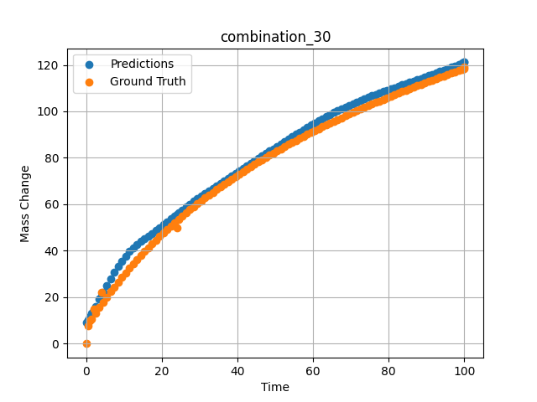
1000 | 10 | 21.8 | 11.9 | 19.4 | 18.4 | 0 | 0 | 18.5 | 2.45245 | 13.02627 | 16.058050156
1000 | 10 | 21.8 | 11.9 | 19.4 | 18.4 | 0 | 0 | 18.5 | 3.45345 | 15.46739 | 19.146295547
1000 | 10 | 21.8 | 11.9 | 19.4 | 18.4 | 0 | 0 | 18.5 | 4.45445 | 17.82748 | 22.155286789
1000 | 10 | 21.8 | 11.9 | 19.4 | 18.4 | 0 | 0 | 18.5 | 5.45546 | 20.11174 | 25.079875946
1000 | 10 | 21.8 | 11.9 | 19.4 | 18.4 | 0 | 0 | 18.5 | 6.45646 | 22.32489 | 27.92291069
1000 | 10 | 21.8 | 11.9 | 19.4 | 18.4 | 0 | 0 | 18.5 | 7.45746 | 24.47124 | 30.659454346
1000 | 10 | 21.8 | 11.9 | 19.4 | 18.4 | 0 | 0 | 18.5 | 8.45846 | 26.55469 | 33.245941162
1000 | 10 | 21.8 | 11.9 | 19.4 | 18.4 | 0 | 0 | 18.5 | 9.45946 | 28.57883 | 35.635040283
1000 | 10 | 21.8 | 11.9 | 19.4 | 18.4 | 0 | 0 | 18.5 | 10.46046 | 30.54693 | 37.788421631
1000 | 10 | 21.8 | 11.9 | 19.4 | 18.4 | 0 | 0 | 18.5 | 11.46146 | 32.46203 | 39.687522888
1000 | 10 | 21.8 | 11.9 | 19.4 | 18.4 | 0 | 0 | 18.5 | 12.46246 | 34.3269 | 41.3399086
1000 | 10 | 21.8 | 11.9 | 19.4 | 18.4 | 0 | 0 | 18.5 | 13.46346 | 36.14411 | 42.779151917
1000 | 10 | 21.8 | 11.9 | 19.4 | 18.4 | 0 | 0 | 18.5 | 14.46446 | 37.91603 | 44.058589935
1000 | 10 | 21.8 | 11.9 | 19.4 | 18.4 | 0 | 0 | 18.5 | 15.46547 | 39.64487 | 45.239902496
1000 | 10 | 21.8 | 11.9 | 19.4 | 18.4 | 0 | 0 | 18.5 | 16.46647 | 41.33267 | 46.381008148
1000 | 10 | 21.8 | 11.9 | 19.4 | 18.4 | 0 | 0 | 18.5 | 17.46747 | 42.98133 | 47.526290894
1000 | 10 | 21.8 | 11.9 | 19.4 | 18.4 | 0 | 0 | 18.5 | 18.46847 | 44.59264 | 48.702831268
1000 | 10 | 21.8 | 11.9 | 19.4 | 18.4 | 0 | 0 | 18.5 | 19.46947 | 46.16824 | 49.920684814
1000 | 10 | 21.8 | 11.9 | 19.4 | 18.4 | 0 | 0 | 18.5 | 20.47047 | 47.70968 | 51.177658081
1000 | 10 | 21.8 | 11.9 | 19.4 | 18.4 | 0 | 0 | 18.5 | 21.47147 | 49.21842 | 52.4637146
1000 | 10 | 21.8 | 11.9 | 19.4 | 18.4 | 0 | 0 | 18.5 | 22.47247 | 50.6958 | 53.765190125
1000 | 10 | 21.8 | 11.9 | 19.4 | 18.4 | 0 | 0 | 18.5 | 23.47347 | 52.14312 | 55.06854248
1000 | 10 | 21.8 | 11.9 | 19.4 | 18.4 | 0 | 0 | 18.5 | 24.47447 | 53.56157 | 56.362251282
1000 | 10 | 21.8 | 11.9 | 19.4 | 18.4 | 0 | 0 | 18.5 | 25.47548 | 54.95227 | 57.637451172
1000 | 10 | 21.8 | 11.9 | 19.4 | 18.4 | 0 | 0 | 18.5 | 26.47648 | 56.31629 | 58.888412476
1000 | 10 | 21.8 | 11.9 | 19.4 | 18.4 | 0 | 0 | 18.5 | 27.47748 | 57.65464 | 60.112045288
1000 | 10 | 21.8 | 11.9 | 19.4 | 18.4 | 0 | 0 | 18.5 | 28.47848 | 58.96827 | 61.307601929
1000 | 10 | 21.8 | 11.9 | 19.4 | 18.4 | 0 | 0 | 18.5 | 29.47948 | 60.25807 | 62.475688934
1000 | 10 | 21.8 | 11.9 | 19.4 | 18.4 | 0 | 0 | 18.5 | 30.48048 | 61.52489 | 63.618209839
1000 | 10 | 21.8 | 11.9 | 19.4 | 18.4 | 0 | 0 | 18.5 | 31.48148 | 62.76953 | 64.738059998
1000 | 10 | 21.8 | 11.9 | 19.4 | 18.4 | 0 | 0 | 18.5 | 32.48248 | 63.99277 | 65.838272095
1000 | 10 | 21.8 | 11.9 | 19.4 | 18.4 | 0 | 0 | 18.5 | 33.48348 | 65.19531 | 66.922477722
1000 | 10 | 21.8 | 11.9 | 19.4 | 18.4 | 0 | 0 | 18.5 | 34.48448 | 66.37786 | 67.994285583
1000 | 10 | 21.8 | 11.9 | 19.4 | 18.4 | 0 | 0 | 18.5 | 35.48549 | 67.54107 | 69.057273865
1000 | 10 | 21.8 | 11.9 | 19.4 | 18.4 | 0 | 0 | 18.5 | 36.48649 | 68.68555 | 70.11517334
1000 | 10 | 21.8 | 11.9 | 19.4 | 18.4 | 0 | 0 | 18.5 | 37.48749 | 69.8119 | 71.171150208
1000 | 10 | 21.8 | 11.9 | 19.4 | 18.4 | 0 | 0 | 18.5 | 38.48849 | 70.92069 | 72.228385925
1000 | 10 | 21.8 | 11.9 | 19.4 | 18.4 | 0 | 0 | 18.5 | 39.48949 | 72.01245 | 73.289146423
1000 | 10 | 21.8 | 11.9 | 19.4 | 18.4 | 0 | 0 | 18.5 | 40.49049 | 73.08771 | 74.355010986
1000 | 10 | 21.8 | 11.9 | 19.4 | 18.4 | 0 | 0 | 18.5 | 41.49149 | 74.14695 | 75.425918579
1000 | 10 | 21.8 | 11.9 | 19.4 | 18.4 | 0 | 0 | 18.5 | 42.49249 | 75.19064 | 76.50075531
1000 | 10 | 21.8 | 11.9 | 19.4 | 18.4 | 0 | 0 | 18.5 | 43.49349 | 76.21923 | 77.577545166
1000 | 10 | 21.8 | 11.9 | 19.4 | 18.4 | 0 | 0 | 18.5 | 44.49449 | 77.23316 | 78.653495789
1000 | 10 | 21.8 | 11.9 | 19.4 | 18.4 | 0 | 0 | 18.5 | 45.4955 | 78.23283 | 79.725784302
1000 | 10 | 21.8 | 11.9 | 19.4 | 18.4 | 0 | 0 | 18.5 | 46.4965 | 79.21865 | 80.792381287
1000 | 10 | 21.8 | 11.9 | 19.4 | 18.4 | 0 | 0 | 18.5 | 47.4975 | 80.19098 | 81.852149963
1000 | 10 | 21.8 | 11.9 | 19.4 | 18.4 | 0 | 0 | 18.5 | 48.4985 | 81.1502 | 82.904518127
1000 | 10 | 21.8 | 11.9 | 19.4 | 18.4 | 0 | 0 | 18.5 | 49.4995 | 82.09665 | 83.950576782
1000 | 10 | 21.8 | 11.9 | 19.4 | 18.4 | 0 | 0 | 18.5 | 50.5005 | 83.03067 | 84.990783691
1000 | 10 | 21.8 | 11.9 | 19.4 | 18.4 | 0 | 0 | 18.5 | 51.5015 | 83.95258 | 86.026069641
1000 | 10 | 21.8 | 11.9 | 19.4 | 18.4 | 0 | 0 | 18.5 | 52.5025 | 84.86269 | 87.057281494
1000 | 10 | 21.8 | 11.9 | 19.4 | 18.4 | 0 | 0 | 18.5 | 53.5035 | 85.76129 | 88.084197998
1000 | 10 | 21.8 | 11.9 | 19.4 | 18.4 | 0 | 0 | 18.5 | 54.5045 | 86.64869 | 89.106552124
1000 | 10 | 21.8 | 11.9 | 19.4 | 18.4 | 0 | 0 | 18.5 | 55.50551 | 87.52515 | 90.123374939
1000 | 10 | 21.8 | 11.9 | 19.4 | 18.4 | 0 | 0 | 18.5 | 56.50651 | 88.39093 | 91.132835388
1000 | 10 | 21.8 | 11.9 | 19.4 | 18.4 | 0 | 0 | 18.5 | 57.50751 | 89.2463 | 92.13318634
1000 | 10 | 21.8 | 11.9 | 19.4 | 18.4 | 0 | 0 | 18.5 | 58.50851 | 90.0915 | 93.122261047
1000 | 10 | 21.8 | 11.9 | 19.4 | 18.4 | 0 | 0 | 18.5 | 59.50951 | 90.92678 | 94.097305298
1000 | 10 | 21.8 | 11.9 | 19.4 | 18.4 | 0 | 0 | 18.5 | 60.51051 | 91.75236 | 95.056167603
1000 | 10 | 21.8 | 11.9 | 19.4 | 18.4 | 0 | 0 | 18.5 | 61.51151 | 92.56846 | 95.996490479
1000 | 10 | 21.8 | 11.9 | 19.4 | 18.4 | 0 | 0 | 18.5 | 62.51251 | 93.3753 | 96.916099548
1000 | 10 | 21.8 | 11.9 | 19.4 | 18.4 | 0 | 0 | 18.5 | 63.51351 | 94.17309 | 97.813270569
1000 | 10 | 21.8 | 11.9 | 19.4 | 18.4 | 0 | 0 | 18.5 | 64.51451 | 94.96203 | 98.686698914
1000 | 10 | 21.8 | 11.9 | 19.4 | 18.4 | 0 | 0 | 18.5 | 65.51552 | 95.74232 | 99.535163879
1000 | 10 | 21.8 | 11.9 | 19.4 | 18.4 | 0 | 0 | 18.5 | 66.51652 | 96.51413 | 100.35834503
1000 | 10 | 21.8 | 11.9 | 19.4 | 18.4 | 0 | 0 | 18.5 | 67.51752 | 97.27766 | 101.15592957
1000 | 10 | 21.8 | 11.9 | 19.4 | 18.4 | 0 | 0 | 18.5 | 68.51852 | 98.03307 | 101.92822266
1000 | 10 | 21.8 | 11.9 | 19.4 | 18.4 | 0 | 0 | 18.5 | 69.51952 | 98.78054 | 102.67584229
1000 | 10 | 21.8 | 11.9 | 19.4 | 18.4 | 0 | 0 | 18.5 | 70.52052 | 99.52024 | 103.39972687
1000 | 10 | 21.8 | 11.9 | 19.4 | 18.4 | 0 | 0 | 18.5 | 71.52152 | 100.25233 | 104.10114288
1000 | 10 | 21.8 | 11.9 | 19.4 | 18.4 | 0 | 0 | 18.5 | 72.52252 | 100.97695 | 104.78154755
1000 | 10 | 21.8 | 11.9 | 19.4 | 18.4 | 0 | 0 | 18.5 | 73.52352 | 101.69426 | 105.44260406
1000 | 10 | 21.8 | 11.9 | 19.4 | 18.4 | 0 | 0 | 18.5 | 74.52452 | 102.40441 | 106.08597565
1000 | 10 | 21.8 | 11.9 | 19.4 | 18.4 | 0 | 0 | 18.5 | 75.52553 | 103.10754 | 106.71374512
1000 | 10 | 21.8 | 11.9 | 19.4 | 18.4 | 0 | 0 | 18.5 | 76.52653 | 103.80378 | 107.32749176
1000 | 10 | 21.8 | 11.9 | 19.4 | 18.4 | 0 | 0 | 18.5 | 77.52753 | 104.49327 | 107.92937469
1000 | 10 | 21.8 | 11.9 | 19.4 | 18.4 | 0 | 0 | 18.5 | 78.52853 | 105.17615 | 108.52106476
1000 | 10 | 21.8 | 11.9 | 19.4 | 18.4 | 0 | 0 | 18.5 | 79.52953 | 105.85252 | 109.10440063
1000 | 10 | 21.8 | 11.9 | 19.4 | 18.4 | 0 | 0 | 18.5 | 80.53053 | 106.52252 | 109.68106842
1000 | 10 | 21.8 | 11.9 | 19.4 | 18.4 | 0 | 0 | 18.5 | 81.53153 | 107.18627 | 110.25279999
1000 | 10 | 21.8 | 11.9 | 19.4 | 18.4 | 0 | 0 | 18.5 | 82.53253 | 107.84388 | 110.8210907
1000 | 10 | 21.8 | 11.9 | 19.4 | 18.4 | 0 | 0 | 18.5 | 83.53353 | 108.49547 | 111.38713837
1000 | 10 | 21.8 | 11.9 | 19.4 | 18.4 | 0 | 0 | 18.5 | 84.53453 | 109.14114 | 111.95235443
1000 | 10 | 21.8 | 11.9 | 19.4 | 18.4 | 0 | 0 | 18.5 | 85.53554 | 109.781 | 112.51796722
1000 | 10 | 21.8 | 11.9 | 19.4 | 18.4 | 0 | 0 | 18.5 | 86.53654 | 110.41515 | 113.08505249
1000 | 10 | 21.8 | 11.9 | 19.4 | 18.4 | 0 | 0 | 18.5 | 87.53754 | 111.04369 | 113.65432739
1000 | 10 | 21.8 | 11.9 | 19.4 | 18.4 | 0 | 0 | 18.5 | 88.53854 | 111.66673 | 114.22664642
1000 | 10 | 21.8 | 11.9 | 19.4 | 18.4 | 0 | 0 | 18.5 | 89.53954 | 112.28436 | 114.80252838
1000 | 10 | 21.8 | 11.9 | 19.4 | 18.4 | 0 | 0 | 18.5 | 90.54054 | 112.89667 | 115.38290405
1000 | 10 | 21.8 | 11.9 | 19.4 | 18.4 | 0 | 0 | 18.5 | 91.54154 | 113.50376 | 115.9677887
1000 | 10 | 21.8 | 11.9 | 19.4 | 18.4 | 0 | 0 | 18.5 | 92.54254 | 114.1057 | 116.55774689
1000 | 10 | 21.8 | 11.9 | 19.4 | 18.4 | 0 | 0 | 18.5 | 93.54354 | 114.70259 | 117.15305328
1000 | 10 | 21.8 | 11.9 | 19.4 | 18.4 | 0 | 0 | 18.5 | 94.54454 | 115.29451 | 117.7535553
1000 | 10 | 21.8 | 11.9 | 19.4 | 18.4 | 0 | 0 | 18.5 | 95.54555 | 115.88155 | 118.35953522
1000 | 10 | 21.8 | 11.9 | 19.4 | 18.4 | 0 | 0 | 18.5 | 96.54655 | 116.46378 | 118.97093201
1000 | 10 | 21.8 | 11.9 | 19.4 | 18.4 | 0 | 0 | 18.5 | 97.54755 | 117.04128 | 119.58748627
1000 | 10 | 21.8 | 11.9 | 19.4 | 18.4 | 0 | 0 | 18.5 | 98.54855 | 117.61413 | 120.20920563
1000 | 10 | 21.8 | 11.9 | 19.4 | 18.4 | 0 | 0 | 18.5 | 99.4995 | 118.15413 | 120.80437469
1000 | 10 | 21.8 | 11.9 | 19.4 | 18.4 | 0 | 0 | 18.5 | 100 | 118.43683 | 121.11919403

combination_31
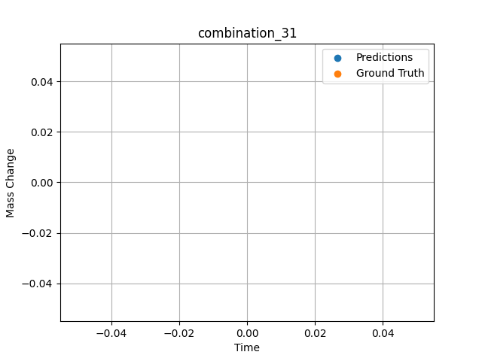
1300.0, 20.0, 21.8, 0.0, 23.5, 24.7, 10.0, 0.0
Temperature [C] | Mo [at%] | Nb [at%] | Ta [at%] | Ti [at%] | Cr [at%] | Al [at%] | W [at%] | Zr [at%] | Time [h] | Mass Change [mg.cm2] | Mass change - predictions
1300 | 20 | 21.8 | 0 | 23.5 | 24.7 | 10 | 0 | 0 | 20 | 150,0

combination_32

1300.0, 22.2, 22.5, 0.0, 0.0, 23.0, 10.2, 0.0
Temperature [C] | Mo [at%] | Nb [at%] | Ta [at%] | Ti [at%] | Cr [at%] | Al [at%] | W [at%] | Zr [at%] | Time [h] | Mass Change [mg.cm2] | Mass change - predictions
1300 | 22.2 | 22.5 | 0 | 0 | 23 | 10.2 | 0 | 0 | 20 | 350,0

combination_33

1300.0, 17.1, 17.7, 0.0, 18.3, 17.0, 7.0, 0.0
Temperature [C] | Mo [at%] | Nb [at%] | Ta [at%] | Ti [at%] | Cr [at%] | Al [at%] | W [at%] | Zr [at%] | Time [h] | Mass Change [mg.cm2] | Mass change - predictions
1300 | 17.1 | 17.7 | 0 | 18.3 | 17 | 7 | 0 | 0 | 20 | 185,0

combination_34
1200.0, 25.0, 0.0, 0.0, 25.0, 25.0, 25.0, 0.0
Temperature [C] | Mo [at%] | Nb [at%] | Ta [at%] | Ti [at%] | Cr [at%] | Al [at%] | W [at%] | Zr [at%] | Time [h] | Mass Change [mg.cm2] | Mass change - predictions
1200 | 25 | 0 | 0 | 25 | 25 | 25 | 0 | 0 | 0 | 0 | 2.7973949909
1200 | 25 | 0 | 0 | 25 | 25 | 25 | 0 | 0 | 0.04806 | 0.46193 | 2.8200061321
1200 | 25 | 0 | 0 | 25 | 25 | 25 | 0 | 0 | 0.1539 | 1.06217 | 2.869797945
1200 | 25 | 0 | 0 | 25 | 25 | 25 | 0 | 0 | 0.25013 | 1.42047 | 2.9150197506
1200 | 25 | 0 | 0 | 25 | 25 | 25 | 0 | 0 | 0.34637 | 1.88297 | 2.9602026939
1200 | 25 | 0 | 0 | 25 | 25 | 25 | 0 | 0 | 0.44263 | 2.2825 | 3.0053184032
1200 | 25 | 0 | 0 | 25 | 25 | 25 | 0 | 0 | 0.54853 | 2.46396 | 3.0548627377
1200 | 25 | 0 | 0 | 25 | 25 | 25 | 0 | 0 | 0.65447 | 2.55947 | 3.1042842865
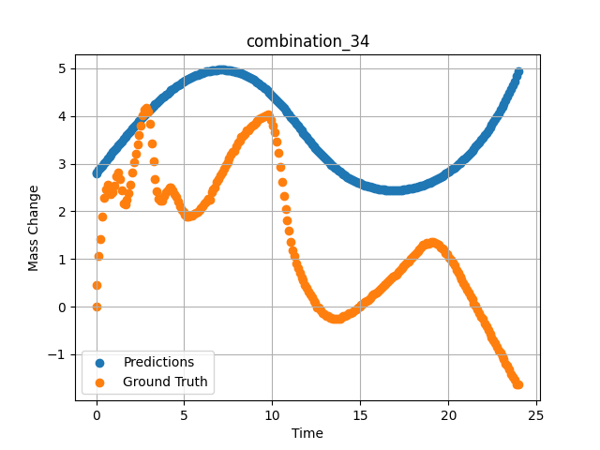
1200 | 25 | 0 | 0 | 25 | 25 | 25 | 0 | 0 | 0.7507 | 2.47177 | 3.1490597725
1200 | 25 | 0 | 0 | 25 | 25 | 25 | 0 | 0 | 0.8469 | 2.3657 | 3.1936922073
1200 | 25 | 0 | 0 | 25 | 25 | 25 | 0 | 0 | 0.94313 | 2.4103 | 3.2381570339
1200 | 25 | 0 | 0 | 25 | 25 | 25 | 0 | 0 | 1.049 | 2.5486 | 3.2868916988
1200 | 25 | 0 | 0 | 25 | 25 | 25 | 0 | 0 | 1.15483 | 2.73263 | 3.33537817
1200 | 25 | 0 | 0 | 25 | 25 | 25 | 0 | 0 | 1.25113 | 2.81733 | 3.3792784214
1200 | 25 | 0 | 0 | 25 | 25 | 25 | 0 | 0 | 1.34743 | 2.68503 | 3.4229373932
1200 | 25 | 0 | 0 | 25 | 25 | 25 | 0 | 0 | 1.44367 | 2.43579 | 3.4663205147
1200 | 25 | 0 | 0 | 25 | 25 | 25 | 0 | 0 | 1.5495 | 2.16069 | 3.5137114525
1200 | 25 | 0 | 0 | 25 | 25 | 25 | 0 | 0 | 1.65537 | 2.14757 | 3.560795784
1200 | 25 | 0 | 0 | 25 | 25 | 25 | 0 | 0 | 1.75163 | 2.24427 | 3.6032762527
1200 | 25 | 0 | 0 | 25 | 25 | 25 | 0 | 0 | 1.84787 | 2.37545 | 3.6454100609
1200 | 25 | 0 | 0 | 25 | 25 | 25 | 0 | 0 | 1.9442 | 2.56359 | 3.6872460842
1200 | 25 | 0 | 0 | 25 | 25 | 25 | 0 | 0 | 2.05008 | 2.80846 | 3.7328109741
1200 | 25 | 0 | 0 | 25 | 25 | 25 | 0 | 0 | 2.156 | 3.02571 | 3.7779269218
1200 | 25 | 0 | 0 | 25 | 25 | 25 | 0 | 0 | 2.2523 | 3.21236 | 3.8185255527
1200 | 25 | 0 | 0 | 25 | 25 | 25 | 0 | 0 | 2.34863 | 3.40163 | 3.8587110043
1200 | 25 | 0 | 0 | 25 | 25 | 25 | 0 | 0 | 2.44487 | 3.59653 | 3.8984234333
1200 | 25 | 0 | 0 | 25 | 25 | 25 | 0 | 0 | 2.55075 | 3.79323 | 3.9415843487
1200 | 25 | 0 | 0 | 25 | 25 | 25 | 0 | 0 | 2.65663 | 4.0148 | 3.9841816425
1200 | 25 | 0 | 0 | 25 | 25 | 25 | 0 | 0 | 2.75287 | 4.13773 | 4.0223412514
1200 | 25 | 0 | 0 | 25 | 25 | 25 | 0 | 0 | 2.8492 | 4.16546 | 4.0600390434
1200 | 25 | 0 | 0 | 25 | 25 | 25 | 0 | 0 | 2.94553 | 4.08451 | 4.0971808434
1200 | 25 | 0 | 0 | 25 | 25 | 25 | 0 | 0 | 3.0515 | 3.83321 | 4.1374411583
1200 | 25 | 0 | 0 | 25 | 25 | 25 | 0 | 0 | 3.1574 | 3.42375 | 4.1769461632
1200 | 25 | 0 | 0 | 25 | 25 | 25 | 0 | 0 | 3.25363 | 3.0512 | 4.2122416496
1200 | 25 | 0 | 0 | 25 | 25 | 25 | 0 | 0 | 3.34997 | 2.68353 | 4.2469825745
1200 | 25 | 0 | 0 | 25 | 25 | 25 | 0 | 0 | 3.44633 | 2.41667 | 4.2810811996
1200 | 25 | 0 | 0 | 25 | 25 | 25 | 0 | 0 | 3.5427 | 2.26188 | 4.3145422935
1200 | 25 | 0 | 0 | 25 | 25 | 25 | 0 | 0 | 3.64864 | 2.22815 | 4.3505682945
1200 | 25 | 0 | 0 | 25 | 25 | 25 | 0 | 0 | 3.75453 | 2.22928 | 4.3857560158
1200 | 25 | 0 | 0 | 25 | 25 | 25 | 0 | 0 | 3.85087 | 2.32822 | 4.4170646667
1200 | 25 | 0 | 0 | 25 | 25 | 25 | 0 | 0 | 3.9472 | 2.39831 | 4.4476342201
1200 | 25 | 0 | 0 | 25 | 25 | 25 | 0 | 0 | 4.04353 | 2.44928 | 4.4774775505
1200 | 25 | 0 | 0 | 25 | 25 | 25 | 0 | 0 | 4.14947 | 2.49176 | 4.509452343
1200 | 25 | 0 | 0 | 25 | 25 | 25 | 0 | 0 | 4.25543 | 2.49501 | 4.5405125618
1200 | 25 | 0 | 0 | 25 | 25 | 25 | 0 | 0 | 4.35177 | 2.44403 | 4.5679192543
1200 | 25 | 0 | 0 | 25 | 25 | 25 | 0 | 0 | 4.4482 | 2.35596 | 4.5945782661
1200 | 25 | 0 | 0 | 25 | 25 | 25 | 0 | 0 | 4.5445 | 2.29749 | 4.6204075813
1200 | 25 | 0 | 0 | 25 | 25 | 25 | 0 | 0 | 4.65047 | 2.20941 | 4.6478734016
1200 | 25 | 0 | 0 | 25 | 25 | 25 | 0 | 0 | 4.75637 | 2.10972 | 4.6743559837
1200 | 25 | 0 | 0 | 25 | 25 | 25 | 0 | 0 | 4.8527 | 2.03551 | 4.6975111961
1200 | 25 | 0 | 0 | 25 | 25 | 25 | 0 | 0 | 4.94897 | 1.97891 | 4.7198085785
1200 | 25 | 0 | 0 | 25 | 25 | 25 | 0 | 0 | 5.0453 | 1.92719 | 4.7412667274
1200 | 25 | 0 | 0 | 25 | 25 | 25 | 0 | 0 | 5.15128 | 1.88834 | 4.7638549805
1200 | 25 | 0 | 0 | 25 | 25 | 25 | 0 | 0 | 5.25713 | 1.88072 | 4.7853364944
1200 | 25 | 0 | 0 | 25 | 25 | 25 | 0 | 0 | 5.35347 | 1.90133 | 4.8039116859
1200 | 25 | 0 | 0 | 25 | 25 | 25 | 0 | 0 | 5.44977 | 1.91333 | 4.8215918541
1200 | 25 | 0 | 0 | 25 | 25 | 25 | 0 | 0 | 5.54607 | 1.94069 | 4.8383507729
1200 | 25 | 0 | 0 | 25 | 25 | 25 | 0 | 0 | 5.64247 | 1.9598 | 4.8541622162
1200 | 25 | 0 | 0 | 25 | 25 | 25 | 0 | 0 | 5.74842 | 1.99484 | 4.8704657555
1200 | 25 | 0 | 0 | 25 | 25 | 25 | 0 | 0 | 5.85437 | 2.03438 | 4.8855757713
1200 | 25 | 0 | 0 | 25 | 25 | 25 | 0 | 0 | 5.95073 | 2.07599 | 4.8983459473
1200 | 25 | 0 | 0 | 25 | 25 | 25 | 0 | 0 | 6.0471 | 2.11047 | 4.910091877
1200 | 25 | 0 | 0 | 25 | 25 | 25 | 0 | 0 | 6.14347 | 2.16519 | 4.9208817482
1200 | 25 | 0 | 0 | 25 | 25 | 25 | 0 | 0 | 6.24933 | 2.20098 | 4.9315772057
1200 | 25 | 0 | 0 | 25 | 25 | 25 | 0 | 0 | 6.35537 | 2.25589 | 4.9410281181
1200 | 25 | 0 | 0 | 25 | 25 | 25 | 0 | 0 | 6.45173 | 2.25139 | 4.9485769272
1200 | 25 | 0 | 0 | 25 | 25 | 25 | 0 | 0 | 6.54807 | 2.39269 | 4.9550976753
1200 | 25 | 0 | 0 | 25 | 25 | 25 | 0 | 0 | 6.64443 | 2.45978 | 4.9605631828
1200 | 25 | 0 | 0 | 25 | 25 | 25 | 0 | 0 | 6.75042 | 2.508 | 4.9653944969
1200 | 25 | 0 | 0 | 25 | 25 | 25 | 0 | 0 | 6.85643 | 2.61157 | 4.9689183235
1200 | 25 | 0 | 0 | 25 | 25 | 25 | 0 | 0 | 6.95283 | 2.67341 | 4.9710202217
1200 | 25 | 0 | 0 | 25 | 25 | 25 | 0 | 0 | 7.04917 | 2.74799 | 4.9720592499
1200 | 25 | 0 | 0 | 25 | 25 | 25 | 0 | 0 | 7.1455 | 2.82145 | 4.9719872475
1200 | 25 | 0 | 0 | 25 | 25 | 25 | 0 | 0 | 7.25153 | 2.89154 | 4.9706635475
1200 | 25 | 0 | 0 | 25 | 25 | 25 | 0 | 0 | 7.35757 | 2.96387 | 4.9680132866
1200 | 25 | 0 | 0 | 25 | 25 | 25 | 0 | 0 | 7.4539 | 3.03733 | 4.9644284248
1200 | 25 | 0 | 0 | 25 | 25 | 25 | 0 | 0 | 7.5503 | 3.10929 | 4.9596886635
1200 | 25 | 0 | 0 | 25 | 25 | 25 | 0 | 0 | 7.64663 | 3.1805 | 4.9538183212
1200 | 25 | 0 | 0 | 25 | 25 | 25 | 0 | 0 | 7.74303 | 3.24947 | 4.9468312263
1200 | 25 | 0 | 0 | 25 | 25 | 25 | 0 | 0 | 7.84906 | 3.27133 | 4.9377961159
1200 | 25 | 0 | 0 | 25 | 25 | 25 | 0 | 0 | 7.95507 | 3.37015 | 4.9273819923
1200 | 25 | 0 | 0 | 25 | 25 | 25 | 0 | 0 | 8.0515 | 3.43574 | 4.9166312218
1200 | 25 | 0 | 0 | 25 | 25 | 25 | 0 | 0 | 8.1479 | 3.48109 | 4.9047198296
1200 | 25 | 0 | 0 | 25 | 25 | 25 | 0 | 0 | 8.24423 | 3.56842 | 4.8916420937
1200 | 25 | 0 | 0 | 25 | 25 | 25 | 0 | 0 | 8.35025 | 3.58897 | 4.875813961
1200 | 25 | 0 | 0 | 25 | 25 | 25 | 0 | 0 | 8.45627 | 3.61826 | 4.8585219383
1200 | 25 | 0 | 0 | 25 | 25 | 25 | 0 | 0 | 8.55263 | 3.69397 | 4.8415460587
1200 | 25 | 0 | 0 | 25 | 25 | 25 | 0 | 0 | 8.64903 | 3.69622 | 4.8232674599
1200 | 25 | 0 | 0 | 25 | 25 | 25 | 0 | 0 | 8.7454 | 3.75169 | 4.8038115501
1200 | 25 | 0 | 0 | 25 | 25 | 25 | 0 | 0 | 8.85142 | 3.7898 | 4.780919075
1200 | 25 | 0 | 0 | 25 | 25 | 25 | 0 | 0 | 8.95737 | 3.82365 | 4.7565312386
1200 | 25 | 0 | 0 | 25 | 25 | 25 | 0 | 0 | 9.05367 | 3.86113 | 4.7330474854
1200 | 25 | 0 | 0 | 25 | 25 | 25 | 0 | 0 | 9.1501 | 3.90536 | 4.7082457542
1200 | 25 | 0 | 0 | 25 | 25 | 25 | 0 | 0 | 9.2465 | 3.93384 | 4.6822075844
1200 | 25 | 0 | 0 | 25 | 25 | 25 | 0 | 0 | 9.34293 | 3.95371 | 4.6548581123
1200 | 25 | 0 | 0 | 25 | 25 | 25 | 0 | 0 | 9.44892 | 3.97313 | 4.6234006882
1200 | 25 | 0 | 0 | 25 | 25 | 25 | 0 | 0 | 9.555 | 3.99793 | 4.5903744698
1200 | 25 | 0 | 0 | 25 | 25 | 25 | 0 | 0 | 9.6514 | 4.02492 | 4.5590376854
1200 | 25 | 0 | 0 | 25 | 25 | 25 | 0 | 0 | 9.74777 | 4.03129 | 4.5264754295
1200 | 25 | 0 | 0 | 25 | 25 | 25 | 0 | 0 | 9.8442 | 3.99718 | 4.4927163124
1200 | 25 | 0 | 0 | 25 | 25 | 25 | 0 | 0 | 9.95025 | 3.9191 | 4.4541859627
1200 | 25 | 0 | 0 | 25 | 25 | 25 | 0 | 0 | 10.05623 | 3.80454 | 4.4142985344
1200 | 25 | 0 | 0 | 25 | 25 | 25 | 0 | 0 | 10.15267 | 3.65912 | 4.3768453598
1200 | 25 | 0 | 0 | 25 | 25 | 25 | 0 | 0 | 10.24907 | 3.4571 | 4.3383231163
1200 | 25 | 0 | 0 | 25 | 25 | 25 | 0 | 0 | 10.34543 | 3.22735 | 4.2987527847
1200 | 25 | 0 | 0 | 25 | 25 | 25 | 0 | 0 | 10.4515 | 2.93683 | 4.2540960312
1200 | 25 | 0 | 0 | 25 | 25 | 25 | 0 | 0 | 10.55753 | 2.60894 | 4.2083644867
1200 | 25 | 0 | 0 | 25 | 25 | 25 | 0 | 0 | 10.6539 | 2.32935 | 4.1658992767
1200 | 25 | 0 | 0 | 25 | 25 | 25 | 0 | 0 | 10.75023 | 2.05275 | 4.1226468086
1200 | 25 | 0 | 0 | 25 | 25 | 25 | 0 | 0 | 10.84667 | 1.81288 | 4.0786757469
1200 | 25 | 0 | 0 | 25 | 25 | 25 | 0 | 0 | 10.94313 | 1.59363 | 4.0340628624
1200 | 25 | 0 | 0 | 25 | 25 | 25 | 0 | 0 | 11.04919 | 1.36456 | 3.9843854904
1200 | 25 | 0 | 0 | 25 | 25 | 25 | 0 | 0 | 11.15523 | 1.1896 | 3.9342412949
1200 | 25 | 0 | 0 | 25 | 25 | 25 | 0 | 0 | 11.25163 | 1.06329 | 3.888292551
1200 | 25 | 0 | 0 | 25 | 25 | 25 | 0 | 0 | 11.34807 | 0.90888 | 3.8420758247
1200 | 25 | 0 | 0 | 25 | 25 | 25 | 0 | 0 | 11.44453 | 0.81293 | 3.7957208157
1200 | 25 | 0 | 0 | 25 | 25 | 25 | 0 | 0 | 11.55058 | 0.71804 | 3.7447433472
1200 | 25 | 0 | 0 | 25 | 25 | 25 | 0 | 0 | 11.6567 | 0.60604 | 3.6937823296
1200 | 25 | 0 | 0 | 25 | 25 | 25 | 0 | 0 | 11.7531 | 0.5547 | 3.6476991177
1200 | 25 | 0 | 0 | 25 | 25 | 25 | 0 | 0 | 11.84957 | 0.46212 | 3.6018633842
1200 | 25 | 0 | 0 | 25 | 25 | 25 | 0 | 0 | 11.94593 | 0.38754 | 3.556427002
1200 | 25 | 0 | 0 | 25 | 25 | 25 | 0 | 0 | 12.04233 | 0.31333 | 3.5114586353
1200 | 25 | 0 | 0 | 25 | 25 | 25 | 0 | 0 | 12.14847 | 0.26048 | 3.4625525475
1200 | 25 | 0 | 0 | 25 | 25 | 25 | 0 | 0 | 12.25457 | 0.19264 | 3.4144470692
1200 | 25 | 0 | 0 | 25 | 25 | 25 | 0 | 0 | 12.35113 | 0.11844 | 3.3713860512
1200 | 25 | 0 | 0 | 25 | 25 | 25 | 0 | 0 | 12.4476 | 0.07833 | 3.3291599751
1200 | 25 | 0 | 0 | 25 | 25 | 25 | 0 | 0 | 12.54403 | -0.02249 | 3.2877728939
1200 | 25 | 0 | 0 | 25 | 25 | 25 | 0 | 0 | 12.65014 | -0.02592 | 3.2432999611
1200 | 25 | 0 | 0 | 25 | 25 | 25 | 0 | 0 | 12.7563 | -0.07758 | 3.199901104
1200 | 25 | 0 | 0 | 25 | 25 | 25 | 0 | 0 | 12.8528 | -0.14579 | 3.1615037918
1200 | 25 | 0 | 0 | 25 | 25 | 25 | 0 | 0 | 12.94927 | -0.15516 | 3.1241452694
1200 | 25 | 0 | 0 | 25 | 25 | 25 | 0 | 0 | 13.0457 | -0.18777 | 3.0878424644
1200 | 25 | 0 | 0 | 25 | 25 | 25 | 0 | 0 | 13.15178 | -0.19927 | 3.0491368771
1200 | 25 | 0 | 0 | 25 | 25 | 25 | 0 | 0 | 13.2579 | -0.22862 | 3.0117428303
1200 | 25 | 0 | 0 | 25 | 25 | 25 | 0 | 0 | 13.3544 | -0.24212 | 2.9788868427
1200 | 25 | 0 | 0 | 25 | 25 | 25 | 0 | 0 | 13.45087 | -0.24999 | 2.947122097
1200 | 25 | 0 | 0 | 25 | 25 | 25 | 0 | 0 | 13.54733 | -0.24886 | 2.9164748192
1200 | 25 | 0 | 0 | 25 | 25 | 25 | 0 | 0 | 13.64383 | -0.25523 | 2.8869333267
1200 | 25 | 0 | 0 | 25 | 25 | 25 | 0 | 0 | 13.74992 | -0.25267 | 2.8557248116
1200 | 25 | 0 | 0 | 25 | 25 | 25 | 0 | 0 | 13.85607 | -0.24699 | 2.8257899284
1200 | 25 | 0 | 0 | 25 | 25 | 25 | 0 | 0 | 13.95253 | -0.22113 | 2.7997124195
1200 | 25 | 0 | 0 | 25 | 25 | 25 | 0 | 0 | 14.049 | -0.19189 | 2.7746772766
1200 | 25 | 0 | 0 | 25 | 25 | 25 | 0 | 0 | 14.14553 | -0.1889 | 2.7507376671
1200 | 25 | 0 | 0 | 25 | 25 | 25 | 0 | 0 | 14.25161 | -0.17553 | 2.7255513668
1200 | 25 | 0 | 0 | 25 | 25 | 25 | 0 | 0 | 14.35777 | -0.14242 | 2.7016062737
1200 | 25 | 0 | 0 | 25 | 25 | 25 | 0 | 0 | 14.45427 | -0.13155 | 2.6809039116
1200 | 25 | 0 | 0 | 25 | 25 | 25 | 0 | 0 | 14.5507 | -0.11281 | 2.6611502171
1200 | 25 | 0 | 0 | 25 | 25 | 25 | 0 | 0 | 14.6472 | -0.07009 | 2.6423754692
1200 | 25 | 0 | 0 | 25 | 25 | 25 | 0 | 0 | 14.7437 | -0.05472 | 2.6245577335
1200 | 25 | 0 | 0 | 25 | 25 | 25 | 0 | 0 | 14.84992 | -0.02124 | 2.6059765816
1200 | 25 | 0 | 0 | 25 | 25 | 25 | 0 | 0 | 14.95607 | 0.00375 | 2.5885415077
1200 | 25 | 0 | 0 | 25 | 25 | 25 | 0 | 0 | 15.05253 | 0.03411 | 2.5736026764
1200 | 25 | 0 | 0 | 25 | 25 | 25 | 0 | 0 | 15.14903 | 0.06746 | 2.5595462322
1200 | 25 | 0 | 0 | 25 | 25 | 25 | 0 | 0 | 15.24553 | 0.09557 | 2.5463366508
1200 | 25 | 0 | 0 | 25 | 25 | 25 | 0 | 0 | 15.34203 | 0.10981 | 2.5339877605
1200 | 25 | 0 | 0 | 25 | 25 | 25 | 0 | 0 | 15.44819 | 0.14461 | 2.5213356018
1200 | 25 | 0 | 0 | 25 | 25 | 25 | 0 | 0 | 15.55433 | 0.17953 | 2.5096597672
1200 | 25 | 0 | 0 | 25 | 25 | 25 | 0 | 0 | 15.65083 | 0.22638 | 2.4999341965
1200 | 25 | 0 | 0 | 25 | 25 | 25 | 0 | 0 | 15.7473 | 0.24624 | 2.4909510612
1200 | 25 | 0 | 0 | 25 | 25 | 25 | 0 | 0 | 15.84383 | 0.27435 | 2.4827635288
1200 | 25 | 0 | 0 | 25 | 25 | 25 | 0 | 0 | 15.94997 | 0.30483 | 2.4746508598
1200 | 25 | 0 | 0 | 25 | 25 | 25 | 0 | 0 | 16.05613 | 0.33694 | 2.4674098492
1200 | 25 | 0 | 0 | 25 | 25 | 25 | 0 | 0 | 16.15263 | 0.36805 | 2.4616584778
1200 | 25 | 0 | 0 | 25 | 25 | 25 | 0 | 0 | 16.24917 | 0.41377 | 2.4566185474
1200 | 25 | 0 | 0 | 25 | 25 | 25 | 0 | 0 | 16.34567 | 0.44825 | 2.4523108006
1200 | 25 | 0 | 0 | 25 | 25 | 25 | 0 | 0 | 16.44223 | 0.47524 | 2.448744297
1200 | 25 | 0 | 0 | 25 | 25 | 25 | 0 | 0 | 16.54847 | 0.51503 | 2.4456498623
1200 | 25 | 0 | 0 | 25 | 25 | 25 | 0 | 0 | 16.65467 | 0.56069 | 2.4434151649
1200 | 25 | 0 | 0 | 25 | 25 | 25 | 0 | 0 | 16.75117 | 0.58993 | 2.4421138763
1200 | 25 | 0 | 0 | 25 | 25 | 25 | 0 | 0 | 16.84773 | 0.62028 | 2.4415299892
1200 | 25 | 0 | 0 | 25 | 25 | 25 | 0 | 0 | 16.94423 | 0.6469 | 2.4416818619
1200 | 25 | 0 | 0 | 25 | 25 | 25 | 0 | 0 | 17.05042 | 0.67869 | 2.4426176548
1200 | 25 | 0 | 0 | 25 | 25 | 25 | 0 | 0 | 17.15657 | 0.73085 | 2.4444298744
1200 | 25 | 0 | 0 | 25 | 25 | 25 | 0 | 0 | 17.25307 | 0.75858 | 2.4467816353
1200 | 25 | 0 | 0 | 25 | 25 | 25 | 0 | 0 | 17.3496 | 0.79794 | 2.4498729706
1200 | 25 | 0 | 0 | 25 | 25 | 25 | 0 | 0 | 17.44607 | 0.83954 | 2.4536430836
1200 | 25 | 0 | 0 | 25 | 25 | 25 | 0 | 0 | 17.54263 | 0.87627 | 2.4581193924
1200 | 25 | 0 | 0 | 25 | 25 | 25 | 0 | 0 | 17.64883 | 0.92324 | 2.4638764858
1200 | 25 | 0 | 0 | 25 | 25 | 25 | 0 | 0 | 17.75503 | 0.9516 | 2.4704623222
1200 | 25 | 0 | 0 | 25 | 25 | 25 | 0 | 0 | 17.85157 | 0.99808 | 2.477190733
1200 | 25 | 0 | 0 | 25 | 25 | 25 | 0 | 0 | 17.94813 | 1.04043 | 2.4846675396
1200 | 25 | 0 | 0 | 25 | 25 | 25 | 0 | 0 | 18.04467 | 1.09065 | 2.4928443432
1200 | 25 | 0 | 0 | 25 | 25 | 25 | 0 | 0 | 18.151 | 1.12313 | 2.5026834011
1200 | 25 | 0 | 0 | 25 | 25 | 25 | 0 | 0 | 18.25717 | 1.16599 | 2.5133981705
1200 | 25 | 0 | 0 | 25 | 25 | 25 | 0 | 0 | 18.35383 | 1.20009 | 2.5239043236
1200 | 25 | 0 | 0 | 25 | 25 | 25 | 0 | 0 | 18.4504 | 1.24582 | 2.5351476669
1200 | 25 | 0 | 0 | 25 | 25 | 25 | 0 | 0 | 18.5469 | 1.29529 | 2.5471508503
1200 | 25 | 0 | 0 | 25 | 25 | 25 | 0 | 0 | 18.6434 | 1.29454 | 2.5598986149
1200 | 25 | 0 | 0 | 25 | 25 | 25 | 0 | 0 | 18.74967 | 1.33021 | 2.5748178959
1200 | 25 | 0 | 0 | 25 | 25 | 25 | 0 | 0 | 18.85583 | 1.32677 | 2.5906589031
1200 | 25 | 0 | 0 | 25 | 25 | 25 | 0 | 0 | 18.95247 | 1.34214 | 2.6059036255
1200 | 25 | 0 | 0 | 25 | 25 | 25 | 0 | 0 | 19.049 | 1.34888 | 2.6219389439
1200 | 25 | 0 | 0 | 25 | 25 | 25 | 0 | 0 | 19.14557 | 1.35301 | 2.6387498379
1200 | 25 | 0 | 0 | 25 | 25 | 25 | 0 | 0 | 19.25178 | 1.33208 | 2.6582062244
1200 | 25 | 0 | 0 | 25 | 25 | 25 | 0 | 0 | 19.358 | 1.31066 | 2.6786646843
1200 | 25 | 0 | 0 | 25 | 25 | 25 | 0 | 0 | 19.45453 | 1.29679 | 2.6981022358
1200 | 25 | 0 | 0 | 25 | 25 | 25 | 0 | 0 | 19.5511 | 1.24956 | 2.7184376717
1200 | 25 | 0 | 0 | 25 | 25 | 25 | 0 | 0 | 19.64767 | 1.2267 | 2.7396221161
1200 | 25 | 0 | 0 | 25 | 25 | 25 | 0 | 0 | 19.7442 | 1.19522 | 2.7616784573
1200 | 25 | 0 | 0 | 25 | 25 | 25 | 0 | 0 | 19.8505 | 1.12969 | 2.7870397568
1200 | 25 | 0 | 0 | 25 | 25 | 25 | 0 | 0 | 19.95677 | 1.09702 | 2.8134250641
1200 | 25 | 0 | 0 | 25 | 25 | 25 | 0 | 0 | 20.05333 | 1.03106 | 2.8383946419
1200 | 25 | 0 | 0 | 25 | 25 | 25 | 0 | 0 | 20.15 | 0.97896 | 2.8643519878
1200 | 25 | 0 | 0 | 25 | 25 | 25 | 0 | 0 | 20.24663 | 0.92312 | 2.8912582397
1200 | 25 | 0 | 0 | 25 | 25 | 25 | 0 | 0 | 20.3432 | 0.8609 | 2.9191076756
1200 | 25 | 0 | 0 | 25 | 25 | 25 | 0 | 0 | 20.4495 | 0.77707 | 2.9509694576
1200 | 25 | 0 | 0 | 25 | 25 | 25 | 0 | 0 | 20.55577 | 0.71436 | 2.9840202332
1200 | 25 | 0 | 0 | 25 | 25 | 25 | 0 | 0 | 20.65233 | 0.6349 | 3.015137434
1200 | 25 | 0 | 0 | 25 | 25 | 25 | 0 | 0 | 20.74893 | 0.56781 | 3.0473077297
1200 | 25 | 0 | 0 | 25 | 25 | 25 | 0 | 0 | 20.8455 | 0.4951 | 3.0805625916
1200 | 25 | 0 | 0 | 25 | 25 | 25 | 0 | 0 | 20.95172 | 0.42508 | 3.1184251308
1200 | 25 | 0 | 0 | 25 | 25 | 25 | 0 | 0 | 21.058 | 0.35306 | 3.1576542854
1200 | 25 | 0 | 0 | 25 | 25 | 25 | 0 | 0 | 21.15457 | 0.28597 | 3.1944961548
1200 | 25 | 0 | 0 | 25 | 25 | 25 | 0 | 0 | 21.25117 | 0.21438 | 3.2325470448
1200 | 25 | 0 | 0 | 25 | 25 | 25 | 0 | 0 | 21.34783 | 0.14917 | 3.2718453407
1200 | 25 | 0 | 0 | 25 | 25 | 25 | 0 | 0 | 21.4445 | 0.06484 | 3.3123466969
1200 | 25 | 0 | 0 | 25 | 25 | 25 | 0 | 0 | 21.55083 | 0.00999 | 3.3583745956
1200 | 25 | 0 | 0 | 25 | 25 | 25 | 0 | 0 | 21.657 | -0.05435 | 3.4058568478
1200 | 25 | 0 | 0 | 25 | 25 | 25 | 0 | 0 | 21.75367 | -0.14092 | 3.4504821301
1200 | 25 | 0 | 0 | 25 | 25 | 25 | 0 | 0 | 21.85027 | -0.21026 | 3.496445179
1200 | 25 | 0 | 0 | 25 | 25 | 25 | 0 | 0 | 21.94697 | -0.26423 | 3.5438280106
1200 | 25 | 0 | 0 | 25 | 25 | 25 | 0 | 0 | 22.0435 | -0.35531 | 3.5925281048
1200 | 25 | 0 | 0 | 25 | 25 | 25 | 0 | 0 | 22.14981 | -0.41883 | 3.6478123665
1200 | 25 | 0 | 0 | 25 | 25 | 25 | 0 | 0 | 22.256 | -0.50185 | 3.7048392296
1200 | 25 | 0 | 0 | 25 | 25 | 25 | 0 | 0 | 22.35267 | -0.56257 | 3.7583208084
1200 | 25 | 0 | 0 | 25 | 25 | 25 | 0 | 0 | 22.44933 | -0.64352 | 3.813387394
1200 | 25 | 0 | 0 | 25 | 25 | 25 | 0 | 0 | 22.546 | -0.71661 | 3.8700356483
1200 | 25 | 0 | 0 | 25 | 25 | 25 | 0 | 0 | 22.64253 | -0.77133 | 3.9281876087
1200 | 25 | 0 | 0 | 25 | 25 | 25 | 0 | 0 | 22.74883 | -0.83798 | 3.9942369461
1200 | 25 | 0 | 0 | 25 | 25 | 25 | 0 | 0 | 22.85517 | -0.91637 | 4.0623240471
1200 | 25 | 0 | 0 | 25 | 25 | 25 | 0 | 0 | 22.95183 | -0.96622 | 4.1260671616
1200 | 25 | 0 | 0 | 25 | 25 | 25 | 0 | 0 | 23.0485 | -1.04455 | 4.1916079521
1200 | 25 | 0 | 0 | 25 | 25 | 25 | 0 | 0 | 23.14513 | -1.0974 | 4.2589759827
1200 | 25 | 0 | 0 | 25 | 25 | 25 | 0 | 0 | 23.25139 | -1.20028 | 4.3352270126
1200 | 25 | 0 | 0 | 25 | 25 | 25 | 0 | 0 | 23.35767 | -1.24657 | 4.4138827324
1200 | 25 | 0 | 0 | 25 | 25 | 25 | 0 | 0 | 23.45433 | -1.32415 | 4.48742342
1200 | 25 | 0 | 0 | 25 | 25 | 25 | 0 | 0 | 23.551 | -1.4111 | 4.5630722046
1200 | 25 | 0 | 0 | 25 | 25 | 25 | 0 | 0 | 23.64767 | -1.46807 | 4.6408252716
1200 | 25 | 0 | 0 | 25 | 25 | 25 | 0 | 0 | 23.74433 | -1.52916 | 4.7206816673
1200 | 25 | 0 | 0 | 25 | 25 | 25 | 0 | 0 | 23.88933 | -1.62661 | 4.8445959091
1200 | 25 | 0 | 0 | 25 | 25 | 25 | 0 | 0 | 24 | -1.6416 | 4.9426407814

combination_35
1200.0, 23.75, 0.0, 5.0, 23.75, 23.75, 23.75, 0.0
Temperature [C] | Mo [at%] | Nb [at%] | Ta [at%] | Ti [at%] | Cr [at%] | Al [at%] | W [at%] | Zr [at%] | Time [h] | Mass Change [mg.cm2] | Mass change - predictions
1200 | 23.75 | 0 | 5 | 23.75 | 23.75 | 23.75 | 0 | 0 | 0 | 0 | 2.7075772285
1200 | 23.75 | 0 | 5 | 23.75 | 23.75 | 23.75 | 0 | 0 | 0.49082 | 0.64024 | 3.0104231834
1200 | 23.75 | 0 | 5 | 23.75 | 23.75 | 23.75 | 0 | 0 | 1.49194 | 1.60965 | 3.6682729721
1200 | 23.75 | 0 | 5 | 23.75 | 23.75 | 23.75 | 0 | 0 | 2.49327 | 2.30271 | 4.3711109161
1200 | 23.75 | 0 | 5 | 23.75 | 23.75 | 23.75 | 0 | 0 | 3.49488 | 2.83708 | 5.1011652946
1200 | 23.75 | 0 | 5 | 23.75 | 23.75 | 23.75 | 0 | 0 | 4.49654 | 3.28667 | 5.8323721886
1200 | 23.75 | 0 | 5 | 23.75 | 23.75 | 23.75 | 0 | 0 | 5.49833 | 3.61002 | 6.5322728157
1200 | 23.75 | 0 | 5 | 23.75 | 23.75 | 23.75 | 0 | 0 | 6.50043 | 3.80848 | 7.1655611992
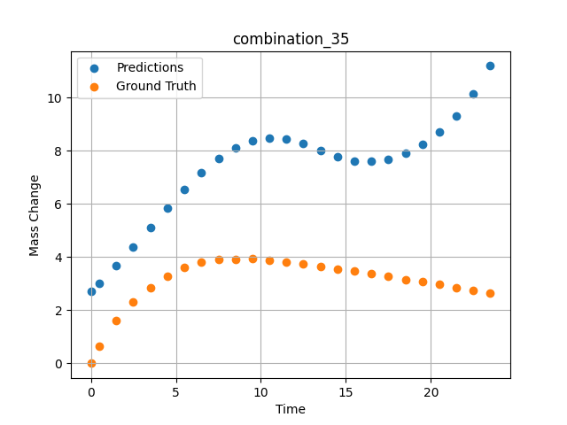
1200 | 23.75 | 0 | 5 | 23.75 | 23.75 | 23.75 | 0 | 0 | 7.50257 | 3.893 | 7.6980347633
1200 | 23.75 | 0 | 5 | 23.75 | 23.75 | 23.75 | 0 | 0 | 8.50485 | 3.90159 | 8.1025714874
1200 | 23.75 | 0 | 5 | 23.75 | 23.75 | 23.75 | 0 | 0 | 9.5075 | 3.94277 | 8.3615922928
1200 | 23.75 | 0 | 5 | 23.75 | 23.75 | 23.75 | 0 | 0 | 10.50051 | 3.88387 | 8.4683036804
1200 | 23.75 | 0 | 5 | 23.75 | 23.75 | 23.75 | 0 | 0 | 11.49349 | 3.81191 | 8.4280261993
1200 | 23.75 | 0 | 5 | 23.75 | 23.75 | 23.75 | 0 | 0 | 12.49641 | 3.72649 | 8.2539758682
1200 | 23.75 | 0 | 5 | 23.75 | 23.75 | 23.75 | 0 | 0 | 13.49977 | 3.64963 | 7.998773098
1200 | 23.75 | 0 | 5 | 23.75 | 23.75 | 23.75 | 0 | 0 | 14.50328 | 3.54789 | 7.7589893341
1200 | 23.75 | 0 | 5 | 23.75 | 23.75 | 23.75 | 0 | 0 | 15.50689 | 3.46453 | 7.6152439117
1200 | 23.75 | 0 | 5 | 23.75 | 23.75 | 23.75 | 0 | 0 | 16.50102 | 3.37793 | 7.5915780067
1200 | 23.75 | 0 | 5 | 23.75 | 23.75 | 23.75 | 0 | 0 | 17.49536 | 3.26755 | 7.6825823784
1200 | 23.75 | 0 | 5 | 23.75 | 23.75 | 23.75 | 0 | 0 | 18.4994 | 3.15259 | 7.8898348808
1200 | 23.75 | 0 | 5 | 23.75 | 23.75 | 23.75 | 0 | 0 | 19.50371 | 3.0872 | 8.2215299606
1200 | 23.75 | 0 | 5 | 23.75 | 23.75 | 23.75 | 0 | 0 | 20.49846 | 2.97708 | 8.68907547
1200 | 23.75 | 0 | 5 | 23.75 | 23.75 | 23.75 | 0 | 0 | 21.49342 | 2.84398 | 9.3176040649
1200 | 23.75 | 0 | 5 | 23.75 | 23.75 | 23.75 | 0 | 0 | 22.49828 | 2.75236 | 10.143965721
1200 | 23.75 | 0 | 5 | 23.75 | 23.75 | 23.75 | 0 | 0 | 23.49449 | 2.62918 | 11.185731888

combination_36
1200.0, 22.5, 0.0, 10.0, 22.5, 22.5, 22.5, 0.0
Temperature [C] | Mo [at%] | Nb [at%] | Ta [at%] | Ti [at%] | Cr [at%] | Al [at%] | W [at%] | Zr [at%] | Time [h] | Mass Change [mg.cm2] | Mass change - predictions
1200 | 22.5 | 0 | 10 | 22.5 | 22.5 | 22.5 | 0 | 0 | 0 | 0 | 1.9719424248
1200 | 22.5 | 0 | 10 | 22.5 | 22.5 | 22.5 | 0 | 0 | 0.49082 | 0.65618 | 2.2619378567
1200 | 22.5 | 0 | 10 | 22.5 | 22.5 | 22.5 | 0 | 0 | 1.49171 | 1.23457 | 2.921710968
1200 | 22.5 | 0 | 10 | 22.5 | 22.5 | 22.5 | 0 | 0 | 2.49279 | 1.90741 | 3.6793448925
1200 | 22.5 | 0 | 10 | 22.5 | 22.5 | 22.5 | 0 | 0 | 3.49402 | 2.64926 | 4.5362854004
1200 | 22.5 | 0 | 10 | 22.5 | 22.5 | 22.5 | 0 | 0 | 4.49576 | 3.31362 | 5.4840817451
1200 | 22.5 | 0 | 10 | 22.5 | 22.5 | 22.5 | 0 | 0 | 5.49788 | 3.89691 | 6.500731945
1200 | 22.5 | 0 | 10 | 22.5 | 22.5 | 22.5 | 0 | 0 | 6.50016 | 4.43668 | 7.5505990982
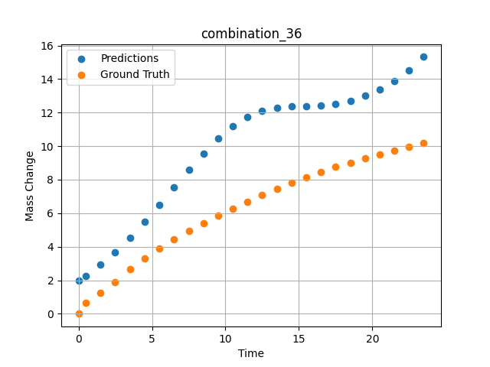
1200 | 22.5 | 0 | 10 | 22.5 | 22.5 | 22.5 | 0 | 0 | 7.50257 | 4.9276 | 8.5886507034
1200 | 22.5 | 0 | 10 | 22.5 | 22.5 | 22.5 | 0 | 0 | 8.50519 | 5.38775 | 9.5670566559
1200 | 22.5 | 0 | 10 | 22.5 | 22.5 | 22.5 | 0 | 0 | 9.50779 | 5.83221 | 10.441524506
1200 | 22.5 | 0 | 10 | 22.5 | 22.5 | 22.5 | 0 | 0 | 10.50075 | 6.26395 | 11.169712067
1200 | 22.5 | 0 | 10 | 22.5 | 22.5 | 22.5 | 0 | 0 | 11.49382 | 6.68921 | 11.733211517
1200 | 22.5 | 0 | 10 | 22.5 | 22.5 | 22.5 | 0 | 0 | 12.49676 | 7.09216 | 12.114102364
1200 | 22.5 | 0 | 10 | 22.5 | 22.5 | 22.5 | 0 | 0 | 13.49993 | 7.45786 | 12.304826736
1200 | 22.5 | 0 | 10 | 22.5 | 22.5 | 22.5 | 0 | 0 | 14.50334 | 7.80354 | 12.355849266
1200 | 22.5 | 0 | 10 | 22.5 | 22.5 | 22.5 | 0 | 0 | 15.50689 | 8.14589 | 12.365422249
1200 | 22.5 | 0 | 10 | 22.5 | 22.5 | 22.5 | 0 | 0 | 16.50084 | 8.47093 | 12.411750793
1200 | 22.5 | 0 | 10 | 22.5 | 22.5 | 22.5 | 0 | 0 | 17.4949 | 8.75562 | 12.524501801
1200 | 22.5 | 0 | 10 | 22.5 | 22.5 | 22.5 | 0 | 0 | 18.49915 | 9.0078 | 12.715106964
1200 | 22.5 | 0 | 10 | 22.5 | 22.5 | 22.5 | 0 | 0 | 19.5036 | 9.25976 | 12.994415283
1200 | 22.5 | 0 | 10 | 22.5 | 22.5 | 22.5 | 0 | 0 | 20.49842 | 9.50919 | 13.374385834
1200 | 22.5 | 0 | 10 | 22.5 | 22.5 | 22.5 | 0 | 0 | 21.49334 | 9.73922 | 13.875680923
1200 | 22.5 | 0 | 10 | 22.5 | 22.5 | 22.5 | 0 | 0 | 22.4983 | 9.968 | 14.523353577
1200 | 22.5 | 0 | 10 | 22.5 | 22.5 | 22.5 | 0 | 0 | 23.49367 | 10.19694 | 15.321107864

combination_37
1200.0, 21.25, 0.0, 15.0, 21.25, 21.25, 21.25, 0.0
Temperature [C] | Mo [at%] | Nb [at%] | Ta [at%] | Ti [at%] | Cr [at%] | Al [at%] | W [at%] | Zr [at%] | Time [h] | Mass Change [mg.cm2] | Mass change - predictions
1200 | 21.25 | 0 | 15 | 21.25 | 21.25 | 21.25 | 0 | 0 | 0 | 0 | 0.84469103813
1200 | 21.25 | 0 | 15 | 21.25 | 21.25 | 21.25 | 0 | 0 | 0.49078 | 0.25729 | 1.0303320885
1200 | 21.25 | 0 | 15 | 21.25 | 21.25 | 21.25 | 0 | 0 | 1.49173 | 0.51494 | 1.4650137424
1200 | 21.25 | 0 | 15 | 21.25 | 21.25 | 21.25 | 0 | 0 | 2.49281 | 0.65372 | 1.9870834351
1200 | 21.25 | 0 | 15 | 21.25 | 21.25 | 21.25 | 0 | 0 | 3.49423 | 0.78965 | 2.6112034321
1200 | 21.25 | 0 | 15 | 21.25 | 21.25 | 21.25 | 0 | 0 | 4.49595 | 0.95463 | 3.3494358063
1200 | 21.25 | 0 | 15 | 21.25 | 21.25 | 21.25 | 0 | 0 | 5.49788 | 1.1871 | 4.2071413994
1200 | 21.25 | 0 | 15 | 21.25 | 21.25 | 21.25 | 0 | 0 | 6.49995 | 1.41561 | 5.1785035133
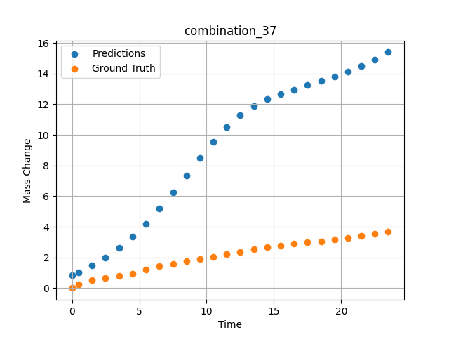
1200 | 21.25 | 0 | 15 | 21.25 | 21.25 | 21.25 | 0 | 0 | 7.50226 | 1.58469 | 6.2427811623
1200 | 21.25 | 0 | 15 | 21.25 | 21.25 | 21.25 | 0 | 0 | 8.50459 | 1.7392 | 7.3626675606
1200 | 21.25 | 0 | 15 | 21.25 | 21.25 | 21.25 | 0 | 0 | 9.50727 | 1.8844 | 8.4876289368
1200 | 21.25 | 0 | 15 | 21.25 | 21.25 | 21.25 | 0 | 0 | 10.50035 | 2.04758 | 9.5477828979
1200 | 21.25 | 0 | 15 | 21.25 | 21.25 | 21.25 | 0 | 0 | 11.49359 | 2.21187 | 10.494484901
1200 | 21.25 | 0 | 15 | 21.25 | 21.25 | 21.25 | 0 | 0 | 12.49662 | 2.37354 | 11.283836365
1200 | 21.25 | 0 | 15 | 21.25 | 21.25 | 21.25 | 0 | 0 | 13.49991 | 2.52954 | 11.883110046
1200 | 21.25 | 0 | 15 | 21.25 | 21.25 | 21.25 | 0 | 0 | 14.50342 | 2.65999 | 12.320804596
1200 | 21.25 | 0 | 15 | 21.25 | 21.25 | 21.25 | 0 | 0 | 15.50698 | 2.78039 | 12.661924362
1200 | 21.25 | 0 | 15 | 21.25 | 21.25 | 21.25 | 0 | 0 | 16.50099 | 2.88456 | 12.957391739
1200 | 21.25 | 0 | 15 | 21.25 | 21.25 | 21.25 | 0 | 0 | 17.49532 | 2.97806 | 13.235546112
1200 | 21.25 | 0 | 15 | 21.25 | 21.25 | 21.25 | 0 | 0 | 18.49943 | 3.06304 | 13.512170792
1200 | 21.25 | 0 | 15 | 21.25 | 21.25 | 21.25 | 0 | 0 | 19.50377 | 3.1613 | 13.799897194
1200 | 21.25 | 0 | 15 | 21.25 | 21.25 | 21.25 | 0 | 0 | 20.49862 | 3.27108 | 14.113670349
1200 | 21.25 | 0 | 15 | 21.25 | 21.25 | 21.25 | 0 | 0 | 21.49358 | 3.39601 | 14.473649025
1200 | 21.25 | 0 | 15 | 21.25 | 21.25 | 21.25 | 0 | 0 | 22.49845 | 3.53102 | 14.899141312
1200 | 21.25 | 0 | 15 | 21.25 | 21.25 | 21.25 | 0 | 0 | 23.49403 | 3.67091 | 15.393007278

combination_38
1200.0, 21.25, 0.0, 21.25, 0.2125, 21.25, 15.0, 0.0
Temperature [C] | Mo [at%] | Nb [at%] | Ta [at%] | Ti [at%] | Cr [at%] | Al [at%] | W [at%] | Zr [at%] | Time [h] | Mass Change [mg.cm2] | Mass change - predictions
1200 | 21.25 | 0 | 21.25 | 0.2125 | 21.25 | 15 | 0 | 0 | 0 | 0 | 0.11112099886
1200 | 21.25 | 0 | 21.25 | 0.2125 | 21.25 | 15 | 0 | 0 | 0.5008 | 0.91616 | 0.25487142801
1200 | 21.25 | 0 | 21.25 | 0.2125 | 21.25 | 15 | 0 | 0 | 1.5078 | 1.54711 | 0.56874650717
1200 | 21.25 | 0 | 21.25 | 0.2125 | 21.25 | 15 | 0 | 0 | 2.50401 | 2.12777 | 0.90803164244
1200 | 21.25 | 0 | 21.25 | 0.2125 | 21.25 | 15 | 0 | 0 | 3.49917 | 2.41741 | 1.2662308216
1200 | 21.25 | 0 | 21.25 | 0.2125 | 21.25 | 15 | 0 | 0 | 4.49589 | 2.79191 | 1.6323087215
1200 | 21.25 | 0 | 21.25 | 0.2125 | 21.25 | 15 | 0 | 0 | 5.49685 | 2.9867 | 1.9966611862
1200 | 21.25 | 0 | 21.25 | 0.2125 | 21.25 | 15 | 0 | 0 | 6.50299 | 3.15596 | 2.3533349037
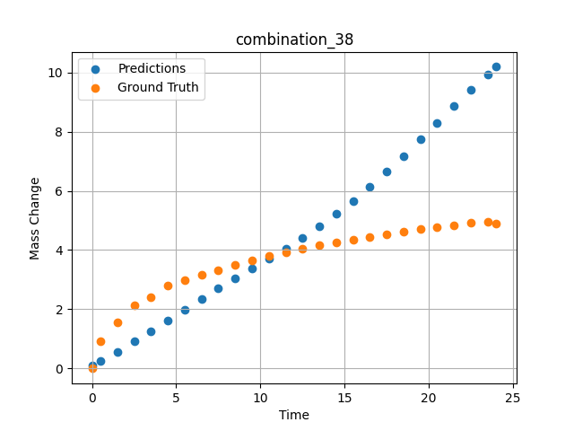
1200 | 21.25 | 0 | 21.25 | 0.2125 | 21.25 | 15 | 0 | 0 | 7.50394 | 3.3247 | 2.6975171566
1200 | 21.25 | 0 | 21.25 | 0.2125 | 21.25 | 15 | 0 | 0 | 8.49997 | 3.50708 | 3.0322508812
1200 | 21.25 | 0 | 21.25 | 0.2125 | 21.25 | 15 | 0 | 0 | 9.49603 | 3.65121 | 3.364310503
1200 | 21.25 | 0 | 21.25 | 0.2125 | 21.25 | 15 | 0 | 0 | 10.50075 | 3.79048 | 3.7029223442
1200 | 21.25 | 0 | 21.25 | 0.2125 | 21.25 | 15 | 0 | 0 | 11.50631 | 3.91168 | 4.052280426
1200 | 21.25 | 0 | 21.25 | 0.2125 | 21.25 | 15 | 0 | 0 | 12.50357 | 4.03675 | 4.4156394005
1200 | 21.25 | 0 | 21.25 | 0.2125 | 21.25 | 15 | 0 | 0 | 13.49882 | 4.15184 | 4.8008375168
1200 | 21.25 | 0 | 21.25 | 0.2125 | 21.25 | 15 | 0 | 0 | 14.49364 | 4.24898 | 5.2130613327
1200 | 21.25 | 0 | 21.25 | 0.2125 | 21.25 | 15 | 0 | 0 | 15.49959 | 4.3622 | 5.6606998444
1200 | 21.25 | 0 | 21.25 | 0.2125 | 21.25 | 15 | 0 | 0 | 16.50564 | 4.44778 | 6.1405758858
1200 | 21.25 | 0 | 21.25 | 0.2125 | 21.25 | 15 | 0 | 0 | 17.50203 | 4.53311 | 6.6463322639
1200 | 21.25 | 0 | 21.25 | 0.2125 | 21.25 | 15 | 0 | 0 | 18.49765 | 4.6149 | 7.1779885292
1200 | 21.25 | 0 | 21.25 | 0.2125 | 21.25 | 15 | 0 | 0 | 19.49419 | 4.70373 | 7.7295885086
1200 | 21.25 | 0 | 21.25 | 0.2125 | 21.25 | 15 | 0 | 0 | 20.49949 | 4.77412 | 8.2957229614
1200 | 21.25 | 0 | 21.25 | 0.2125 | 21.25 | 15 | 0 | 0 | 21.50586 | 4.84004 | 8.8601112366
1200 | 21.25 | 0 | 21.25 | 0.2125 | 21.25 | 15 | 0 | 0 | 22.50242 | 4.91443 | 9.4048709869
1200 | 21.25 | 0 | 21.25 | 0.2125 | 21.25 | 15 | 0 | 0 | 23.50657 | 4.95854 | 9.931394577
1200 | 21.25 | 0 | 21.25 | 0.2125 | 21.25 | 15 | 0 | 0 | 24.01181 | 4.88788 | 10.187414169

combination_39
1200.0, 23.75, 0.0, 23.75, 23.75, 23.75, 5.0, 0.0
Temperature [C] | Mo [at%] | Nb [at%] | Ta [at%] | Ti [at%] | Cr [at%] | Al [at%] | W [at%] | Zr [at%] | Time [h] | Mass Change [mg.cm2] | Mass change - predictions
1200 | 23.75 | 0 | 23.75 | 23.75 | 23.75 | 5 | 0 | 0 | 0 | 0 | 2.9827923775
1200 | 23.75 | 0 | 23.75 | 23.75 | 23.75 | 5 | 0 | 0 | 0.49085 | 2.66992 | 3.2808482647
1200 | 23.75 | 0 | 23.75 | 23.75 | 23.75 | 5 | 0 | 0 | 1.49179 | 3.43367 | 3.898416996
1200 | 23.75 | 0 | 23.75 | 23.75 | 23.75 | 5 | 0 | 0 | 2.49278 | 3.81308 | 4.5156121254
1200 | 23.75 | 0 | 23.75 | 23.75 | 23.75 | 5 | 0 | 0 | 3.49402 | 4.08982 | 5.1115708351
1200 | 23.75 | 0 | 23.75 | 23.75 | 23.75 | 5 | 0 | 0 | 4.49552 | 4.22038 | 5.6618895531
1200 | 23.75 | 0 | 23.75 | 23.75 | 23.75 | 5 | 0 | 0 | 5.49726 | 4.37154 | 6.1409268379
1200 | 23.75 | 0 | 23.75 | 23.75 | 23.75 | 5 | 0 | 0 | 6.49893 | 4.48947 | 6.524790287
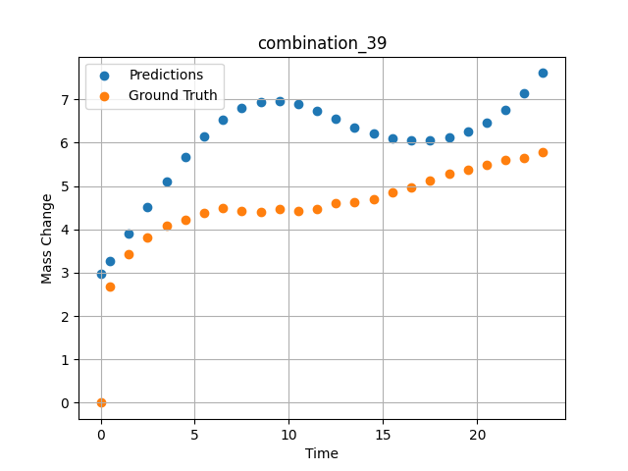
1200 | 23.75 | 0 | 23.75 | 23.75 | 23.75 | 5 | 0 | 0 | 7.50089 | 4.42119 | 6.7947616577
1200 | 23.75 | 0 | 23.75 | 23.75 | 23.75 | 5 | 0 | 0 | 8.50303 | 4.41331 | 6.9405584335
1200 | 23.75 | 0 | 23.75 | 23.75 | 23.75 | 5 | 0 | 0 | 9.50518 | 4.46248 | 6.9640417099
1200 | 23.75 | 0 | 23.75 | 23.75 | 23.75 | 5 | 0 | 0 | 10.5075 | 4.43344 | 6.8822240829
1200 | 23.75 | 0 | 23.75 | 23.75 | 23.75 | 5 | 0 | 0 | 11.50025 | 4.47228 | 6.728785038
1200 | 23.75 | 0 | 23.75 | 23.75 | 23.75 | 5 | 0 | 0 | 12.49307 | 4.59671 | 6.5422725677
1200 | 23.75 | 0 | 23.75 | 23.75 | 23.75 | 5 | 0 | 0 | 13.4957 | 4.62715 | 6.3578381538
1200 | 23.75 | 0 | 23.75 | 23.75 | 23.75 | 5 | 0 | 0 | 14.49843 | 4.69674 | 6.204515934
1200 | 23.75 | 0 | 23.75 | 23.75 | 23.75 | 5 | 0 | 0 | 15.50123 | 4.8643 | 6.0981006622
1200 | 23.75 | 0 | 23.75 | 23.75 | 23.75 | 5 | 0 | 0 | 16.5043 | 4.97473 | 6.0466666222
1200 | 23.75 | 0 | 23.75 | 23.75 | 23.75 | 5 | 0 | 0 | 17.50747 | 5.1258 | 6.0547609329
1200 | 23.75 | 0 | 23.75 | 23.75 | 23.75 | 5 | 0 | 0 | 18.50106 | 5.28127 | 6.1248426437
1200 | 23.75 | 0 | 23.75 | 23.75 | 23.75 | 5 | 0 | 0 | 19.49479 | 5.36597 | 6.2603859901
1200 | 23.75 | 0 | 23.75 | 23.75 | 23.75 | 5 | 0 | 0 | 20.49845 | 5.47967 | 6.468729496
1200 | 23.75 | 0 | 23.75 | 23.75 | 23.75 | 5 | 0 | 0 | 21.50208 | 5.61004 | 6.7561740875
1200 | 23.75 | 0 | 23.75 | 23.75 | 23.75 | 5 | 0 | 0 | 22.5057 | 5.65412 | 7.1330137253
1200 | 23.75 | 0 | 23.75 | 23.75 | 23.75 | 5 | 0 | 0 | 23.49987 | 5.78609 | 7.6086416245

combination_40
1200.0, 25.0, 0.0, 25.0, 0.0, 25.0, 25.0, 0.0
Temperature [C] | Mo [at%] | Nb [at%] | Ta [at%] | Ti [at%] | Cr [at%] | Al [at%] | W [at%] | Zr [at%] | Time [h] | Mass Change [mg.cm2] | Mass change - predictions
1200 | 25 | 0 | 25 | 0 | 25 | 25 | 0 | 0 | 0 | 0 | 3.6806550026
1200 | 25 | 0 | 25 | 0 | 25 | 25 | 0 | 0 | 0.4909 | 0.52067 | 3.8629050255
1200 | 25 | 0 | 25 | 0 | 25 | 25 | 0 | 0 | 1.49184 | 0.89241 | 4.1987395287
1200 | 25 | 0 | 25 | 0 | 25 | 25 | 0 | 0 | 2.49299 | 0.98636 | 4.4776797295
1200 | 25 | 0 | 25 | 0 | 25 | 25 | 0 | 0 | 3.49426 | 1.01316 | 4.6914048195
1200 | 25 | 0 | 25 | 0 | 25 | 25 | 0 | 0 | 4.49573 | 1.04634 | 4.8354468346
1200 | 25 | 0 | 25 | 0 | 25 | 25 | 0 | 0 | 5.49732 | 1.09633 | 4.9098200798
1200 | 25 | 0 | 25 | 0 | 25 | 25 | 0 | 0 | 6.49923 | 1.12867 | 4.9190635681
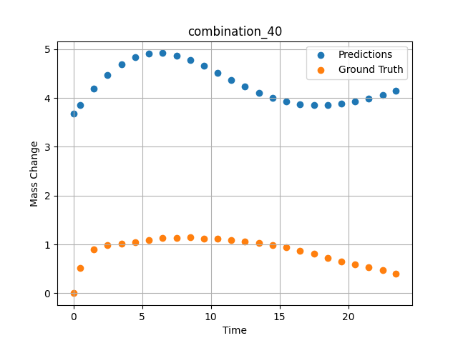
1200 | 25 | 0 | 25 | 0 | 25 | 25 | 0 | 0 | 7.5014 | 1.13358 | 4.8719172478
1200 | 25 | 0 | 25 | 0 | 25 | 25 | 0 | 0 | 8.50376 | 1.14117 | 4.7800860405
1200 | 25 | 0 | 25 | 0 | 25 | 25 | 0 | 0 | 9.5062 | 1.1246 | 4.6570487022
1200 | 25 | 0 | 25 | 0 | 25 | 25 | 0 | 0 | 10.49891 | 1.11958 | 4.5180091858
1200 | 25 | 0 | 25 | 0 | 25 | 25 | 0 | 0 | 11.4917 | 1.09581 | 4.3742480278
1200 | 25 | 0 | 25 | 0 | 25 | 25 | 0 | 0 | 12.49433 | 1.06175 | 4.2350745201
1200 | 25 | 0 | 25 | 0 | 25 | 25 | 0 | 0 | 13.49731 | 1.02973 | 4.1105561256
1200 | 25 | 0 | 25 | 0 | 25 | 25 | 0 | 0 | 14.5003 | 0.99335 | 4.0071191788
1200 | 25 | 0 | 25 | 0 | 25 | 25 | 0 | 0 | 15.50331 | 0.93937 | 3.9289412498
1200 | 25 | 0 | 25 | 0 | 25 | 25 | 0 | 0 | 16.50658 | 0.87265 | 3.8781466484
1200 | 25 | 0 | 25 | 0 | 25 | 25 | 0 | 0 | 17.50045 | 0.80846 | 3.8552365303
1200 | 25 | 0 | 25 | 0 | 25 | 25 | 0 | 0 | 18.49429 | 0.72954 | 3.8584041595
1200 | 25 | 0 | 25 | 0 | 25 | 25 | 0 | 0 | 19.49787 | 0.64801 | 3.8854234219
1200 | 25 | 0 | 25 | 0 | 25 | 25 | 0 | 0 | 20.50158 | 0.59853 | 3.9325761795
1200 | 25 | 0 | 25 | 0 | 25 | 25 | 0 | 0 | 21.50504 | 0.53856 | 3.9950773716
1200 | 25 | 0 | 25 | 0 | 25 | 25 | 0 | 0 | 22.49878 | 0.47792 | 4.0673727989
1200 | 25 | 0 | 25 | 0 | 25 | 25 | 0 | 0 | 23.48308 | 0.40626 | 4.1457090378

combination_41
1200.0, 22.5, 0.0, 22.5, 10.0, 22.5, 22.5, 0.0
Temperature [C] | Mo [at%] | Nb [at%] | Ta [at%] | Ti [at%] | Cr [at%] | Al [at%] | W [at%] | Zr [at%] | Time [h] | Mass Change [mg.cm2] | Mass change - predictions
1200 | 22.5 | 0 | 22.5 | 10 | 22.5 | 22.5 | 0 | 0 | 0 | 0 | 0.22417420149
1200 | 22.5 | 0 | 22.5 | 10 | 22.5 | 22.5 | 0 | 0 | 0.49084 | 0.9295 | 0.46288734674
1200 | 22.5 | 0 | 22.5 | 10 | 22.5 | 22.5 | 0 | 0 | 1.49189 | 1.80965 | 1.0153634548
1200 | 22.5 | 0 | 22.5 | 10 | 22.5 | 22.5 | 0 | 0 | 2.49308 | 2.33914 | 1.6817274094
1200 | 22.5 | 0 | 22.5 | 10 | 22.5 | 22.5 | 0 | 0 | 3.49454 | 2.7567 | 2.4996721745
1200 | 22.5 | 0 | 22.5 | 10 | 22.5 | 22.5 | 0 | 0 | 4.49587 | 3.10649 | 3.5104005337
1200 | 22.5 | 0 | 22.5 | 10 | 22.5 | 22.5 | 0 | 0 | 5.49738 | 3.40043 | 4.7534060478
1200 | 22.5 | 0 | 22.5 | 10 | 22.5 | 22.5 | 0 | 0 | 6.49902 | 3.65544 | 6.2556195259
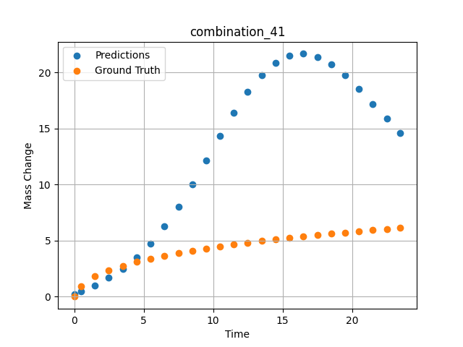
1200 | 22.5 | 0 | 22.5 | 10 | 22.5 | 22.5 | 0 | 0 | 7.5009 | 3.89334 | 8.0195398331
1200 | 22.5 | 0 | 22.5 | 10 | 22.5 | 22.5 | 0 | 0 | 8.50305 | 4.1108 | 10.01080513
1200 | 22.5 | 0 | 22.5 | 10 | 22.5 | 22.5 | 0 | 0 | 9.50535 | 4.30411 | 12.152900696
1200 | 22.5 | 0 | 22.5 | 10 | 22.5 | 22.5 | 0 | 0 | 10.50762 | 4.49008 | 14.332267761
1200 | 22.5 | 0 | 22.5 | 10 | 22.5 | 22.5 | 0 | 0 | 11.50027 | 4.65508 | 16.39641571
1200 | 22.5 | 0 | 22.5 | 10 | 22.5 | 22.5 | 0 | 0 | 12.49321 | 4.81291 | 18.237365723
1200 | 22.5 | 0 | 22.5 | 10 | 22.5 | 22.5 | 0 | 0 | 13.49592 | 4.96201 | 19.757171631
1200 | 22.5 | 0 | 22.5 | 10 | 22.5 | 22.5 | 0 | 0 | 14.49884 | 5.10866 | 20.855178833
1200 | 22.5 | 0 | 22.5 | 10 | 22.5 | 22.5 | 0 | 0 | 15.50195 | 5.23656 | 21.488697052
1200 | 22.5 | 0 | 22.5 | 10 | 22.5 | 22.5 | 0 | 0 | 16.50521 | 5.36197 | 21.651748657
1200 | 22.5 | 0 | 22.5 | 10 | 22.5 | 22.5 | 0 | 0 | 17.49902 | 5.48679 | 21.375528336
1200 | 22.5 | 0 | 22.5 | 10 | 22.5 | 22.5 | 0 | 0 | 18.49286 | 5.60206 | 20.714588165
1200 | 22.5 | 0 | 22.5 | 10 | 22.5 | 22.5 | 0 | 0 | 19.49643 | 5.71574 | 19.730594635
1200 | 22.5 | 0 | 22.5 | 10 | 22.5 | 22.5 | 0 | 0 | 20.5002 | 5.81992 | 18.521165848
1200 | 22.5 | 0 | 22.5 | 10 | 22.5 | 22.5 | 0 | 0 | 21.50421 | 5.92516 | 17.189136505
1200 | 22.5 | 0 | 22.5 | 10 | 22.5 | 22.5 | 0 | 0 | 22.49865 | 6.02044 | 15.848831177
1200 | 22.5 | 0 | 22.5 | 10 | 22.5 | 22.5 | 0 | 0 | 23.48348 | 6.12261 | 14.583049774

combination_42
1200.0, 0.0, 0.0, 20.0, 0.0, 80.0, 0.0, 0.0
Temperature [C] | Mo [at%] | Nb [at%] | Ta [at%] | Ti [at%] | Cr [at%] | Al [at%] | W [at%] | Zr [at%] | Time [h] | Mass Change [mg.cm2] | Mass change - predictions
1200 | 0 | 0 | 20 | 0 | 80 | 0 | 0 | 0 | 0 | 0 | 2.4875414371
1200 | 0 | 0 | 20 | 0 | 80 | 0 | 0 | 0 | 0.49084 | 2.2487 | 2.9932699203
1200 | 0 | 0 | 20 | 0 | 80 | 0 | 0 | 0 | 1.49185 | 4.5778 | 4.3213906288
1200 | 0 | 0 | 20 | 0 | 80 | 0 | 0 | 0 | 2.49311 | 5.99216 | 5.9334454536
1200 | 0 | 0 | 20 | 0 | 80 | 0 | 0 | 0 | 3.49454 | 7.03755 | 7.6801743507
1200 | 0 | 0 | 20 | 0 | 80 | 0 | 0 | 0 | 4.49611 | 8.01046 | 9.1364536285
1200 | 0 | 0 | 20 | 0 | 80 | 0 | 0 | 0 | 5.49754 | 8.89891 | 10.315402985
1200 | 0 | 0 | 20 | 0 | 80 | 0 | 0 | 0 | 6.49911 | 9.62852 | 11.438399315
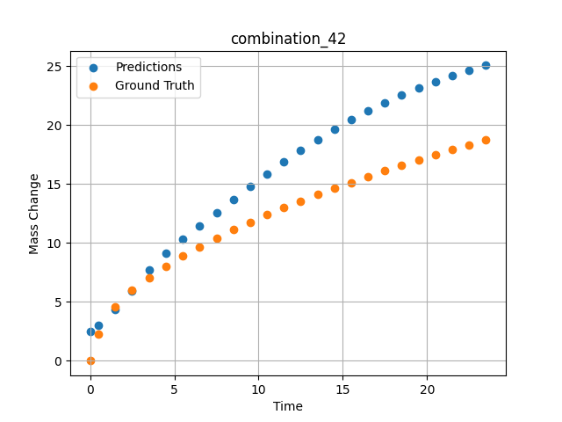
1200 | 0 | 0 | 20 | 0 | 80 | 0 | 0 | 0 | 7.50098 | 10.37488 | 12.560218811
1200 | 0 | 0 | 20 | 0 | 80 | 0 | 0 | 0 | 8.50294 | 11.1106 | 13.678833008
1200 | 0 | 0 | 20 | 0 | 80 | 0 | 0 | 0 | 9.50507 | 11.76175 | 14.781356812
1200 | 0 | 0 | 20 | 0 | 80 | 0 | 0 | 0 | 10.50727 | 12.37848 | 15.853931427
1200 | 0 | 0 | 20 | 0 | 80 | 0 | 0 | 0 | 11.49987 | 12.98514 | 16.875328064
1200 | 0 | 0 | 20 | 0 | 80 | 0 | 0 | 0 | 12.49278 | 13.55574 | 17.848213196
1200 | 0 | 0 | 20 | 0 | 80 | 0 | 0 | 0 | 13.49537 | 14.11738 | 18.776145935
1200 | 0 | 0 | 20 | 0 | 80 | 0 | 0 | 0 | 14.4982 | 14.61774 | 19.647415161
1200 | 0 | 0 | 20 | 0 | 80 | 0 | 0 | 0 | 15.50122 | 15.11307 | 20.46163559
1200 | 0 | 0 | 20 | 0 | 80 | 0 | 0 | 0 | 16.50458 | 15.61266 | 21.219560623
1200 | 0 | 0 | 20 | 0 | 80 | 0 | 0 | 0 | 17.49836 | 16.1203 | 21.915248871
1200 | 0 | 0 | 20 | 0 | 80 | 0 | 0 | 0 | 18.49225 | 16.55858 | 22.557487488
1200 | 0 | 0 | 20 | 0 | 80 | 0 | 0 | 0 | 19.49582 | 17.00085 | 23.153360367
1200 | 0 | 0 | 20 | 0 | 80 | 0 | 0 | 0 | 20.49954 | 17.48111 | 23.698375702
1200 | 0 | 0 | 20 | 0 | 80 | 0 | 0 | 0 | 21.50356 | 17.92626 | 24.195991516
1200 | 0 | 0 | 20 | 0 | 80 | 0 | 0 | 0 | 22.49791 | 18.33595 | 24.645332336
1200 | 0 | 0 | 20 | 0 | 80 | 0 | 0 | 0 | 23.49244 | 18.74801 | 25.055273056

combination_43
1200.0, 0.0, 0.0, 33.3, 33.4, 33.3, 0.0, 0.0
Temperature [C] | Mo [at%] | Nb [at%] | Ta [at%] | Ti [at%] | Cr [at%] | Al [at%] | W [at%] | Zr [at%] | Time [h] | Mass Change [mg.cm2] | Mass change - predictions
1200 | 0 | 0 | 33.3 | 33.4 | 33.3 | 0 | 0 | 0 | 0 | 0 | 1.2145652771
1200 | 0 | 0 | 33.3 | 33.4 | 33.3 | 0 | 0 | 0 | 0.50589 | 1.2245 | 1.8921232224
1200 | 0 | 0 | 33.3 | 33.4 | 33.3 | 0 | 0 | 0 | 1.50743 | 3.21145 | 3.5682044029
1200 | 0 | 0 | 33.3 | 33.4 | 33.3 | 0 | 0 | 0 | 2.50834 | 4.82823 | 5.4571452141
1200 | 0 | 0 | 33.3 | 33.4 | 33.3 | 0 | 0 | 0 | 3.49984 | 6.40464 | 7.3002562523
1200 | 0 | 0 | 33.3 | 33.4 | 33.3 | 0 | 0 | 0 | 4.49165 | 8.24746 | 9.1878862381
1200 | 0 | 0 | 33.3 | 33.4 | 33.3 | 0 | 0 | 0 | 5.49326 | 10.12588 | 11.310551643
1200 | 0 | 0 | 33.3 | 33.4 | 33.3 | 0 | 0 | 0 | 6.49512 | 11.74551 | 13.61988163
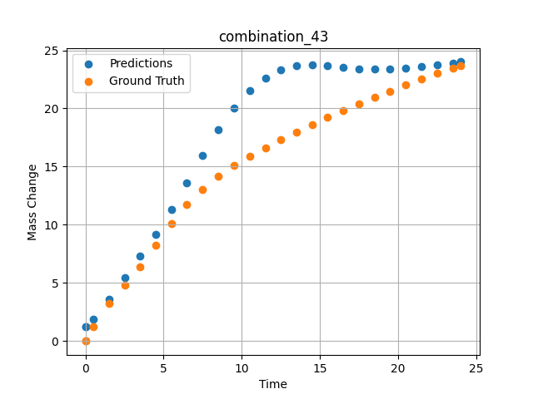
1200 | 0 | 0 | 33.3 | 33.4 | 33.3 | 0 | 0 | 0 | 7.49717 | 13.06387 | 15.961947441
1200 | 0 | 0 | 33.3 | 33.4 | 33.3 | 0 | 0 | 0 | 8.49935 | 14.15469 | 18.156208038
1200 | 0 | 0 | 33.3 | 33.4 | 33.3 | 0 | 0 | 0 | 9.50168 | 15.07769 | 20.053844452
1200 | 0 | 0 | 33.3 | 33.4 | 33.3 | 0 | 0 | 0 | 10.50396 | 15.89904 | 21.560646057
1200 | 0 | 0 | 33.3 | 33.4 | 33.3 | 0 | 0 | 0 | 11.50641 | 16.636 | 22.642139435
1200 | 0 | 0 | 33.3 | 33.4 | 33.3 | 0 | 0 | 0 | 12.4993 | 17.32067 | 23.312362671
1200 | 0 | 0 | 33.3 | 33.4 | 33.3 | 0 | 0 | 0 | 13.49252 | 17.97297 | 23.644199371
1200 | 0 | 0 | 33.3 | 33.4 | 33.3 | 0 | 0 | 0 | 14.49558 | 18.60484 | 23.72595787
1200 | 0 | 0 | 33.3 | 33.4 | 33.3 | 0 | 0 | 0 | 15.49869 | 19.21742 | 23.655340195
1200 | 0 | 0 | 33.3 | 33.4 | 33.3 | 0 | 0 | 0 | 16.50197 | 19.80993 | 23.527973175
1200 | 0 | 0 | 33.3 | 33.4 | 33.3 | 0 | 0 | 0 | 17.50542 | 20.38414 | 23.417098999
1200 | 0 | 0 | 33.3 | 33.4 | 33.3 | 0 | 0 | 0 | 18.4994 | 20.93636 | 23.365037918
1200 | 0 | 0 | 33.3 | 33.4 | 33.3 | 0 | 0 | 0 | 19.49338 | 21.47763 | 23.382537842
1200 | 0 | 0 | 33.3 | 33.4 | 33.3 | 0 | 0 | 0 | 20.49715 | 22.00213 | 23.462684631
1200 | 0 | 0 | 33.3 | 33.4 | 33.3 | 0 | 0 | 0 | 21.5012 | 22.51318 | 23.589468002
1200 | 0 | 0 | 33.3 | 33.4 | 33.3 | 0 | 0 | 0 | 22.50542 | 23.00472 | 23.746643066
1200 | 0 | 0 | 33.3 | 33.4 | 33.3 | 0 | 0 | 0 | 23.50015 | 23.48187 | 23.91771698
1200 | 0 | 0 | 33.3 | 33.4 | 33.3 | 0 | 0 | 0 | 24.02167 | 23.71265 | 24.007297516
1200 | 0 | 0 | 33.3 | 33.4 | 33.3 | 0 | 0 | 0 | 0 | 0 | 1.2145698071

combination_44
1200.0, 0.0, 33.7, 0.0, 33.9, 32.4, 0.0, 0.0
Temperature [C] | Mo [at%] | Nb [at%] | Ta [at%] | Ti [at%] | Cr [at%] | Al [at%] | W [at%] | Zr [at%] | Time [h] | Mass Change [mg.cm2] | Mass change - predictions
1200 | 0 | 33.7 | 0 | 33.9 | 32.4 | 0 | 0 | 0 | 0 | 0 | 3.936691761
1200 | 0 | 33.7 | 0 | 33.9 | 32.4 | 0 | 0 | 0 | 0.49249 | 2.56412 | 4.8213968277
1200 | 0 | 33.7 | 0 | 33.9 | 32.4 | 0 | 0 | 0 | 1.48984 | 5.41937 | 6.918399334
1200 | 0 | 33.7 | 0 | 33.9 | 32.4 | 0 | 0 | 0 | 2.4985 | 7.32912 | 8.8026027679
1200 | 0 | 33.7 | 0 | 33.9 | 32.4 | 0 | 0 | 0 | 3.4955 | 8.74014 | 10.325263023
1200 | 0 | 33.7 | 0 | 33.9 | 32.4 | 0 | 0 | 0 | 4.5045 | 9.88382 | 11.686545372
1200 | 0 | 33.7 | 0 | 33.9 | 32.4 | 0 | 0 | 0 | 5.5015 | 10.82642 | 12.894195557
1200 | 0 | 33.7 | 0 | 33.9 | 32.4 | 0 | 0 | 0 | 6.4985 | 11.63515 | 13.945110321
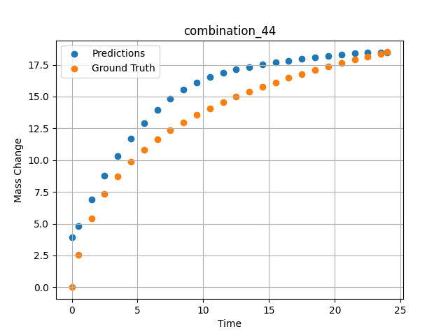
1200 | 0 | 33.7 | 0 | 33.9 | 32.4 | 0 | 0 | 0 | 7.4955 | 12.34412 | 14.822857857
1200 | 0 | 33.7 | 0 | 33.9 | 32.4 | 0 | 0 | 0 | 8.49249 | 12.97471 | 15.530656815
1200 | 0 | 33.7 | 0 | 33.9 | 32.4 | 0 | 0 | 0 | 9.5015 | 13.54942 | 16.093135834
1200 | 0 | 33.7 | 0 | 33.9 | 32.4 | 0 | 0 | 0 | 10.4985 | 14.0659 | 16.523572922
1200 | 0 | 33.7 | 0 | 33.9 | 32.4 | 0 | 0 | 0 | 11.4955 | 14.53953 | 16.857177734
1200 | 0 | 33.7 | 0 | 33.9 | 32.4 | 0 | 0 | 0 | 12.5045 | 14.98218 | 17.122192383
1200 | 0 | 33.7 | 0 | 33.9 | 32.4 | 0 | 0 | 0 | 13.5015 | 15.38843 | 17.334123611
1200 | 0 | 33.7 | 0 | 33.9 | 32.4 | 0 | 0 | 0 | 14.4985 | 15.76772 | 17.513561249
1200 | 0 | 33.7 | 0 | 33.9 | 32.4 | 0 | 0 | 0 | 15.4955 | 16.12357 | 17.67275238
1200 | 0 | 33.7 | 0 | 33.9 | 32.4 | 0 | 0 | 0 | 16.49249 | 16.45856 | 17.819389343
1200 | 0 | 33.7 | 0 | 33.9 | 32.4 | 0 | 0 | 0 | 17.5015 | 16.77881 | 17.958965302
1200 | 0 | 33.7 | 0 | 33.9 | 32.4 | 0 | 0 | 0 | 18.4985 | 17.07865 | 18.088443756
1200 | 0 | 33.7 | 0 | 33.9 | 32.4 | 0 | 0 | 0 | 19.4955 | 17.36354 | 18.206573486
1200 | 0 | 33.7 | 0 | 33.9 | 32.4 | 0 | 0 | 0 | 20.5045 | 17.63817 | 18.309425354
1200 | 0 | 33.7 | 0 | 33.9 | 32.4 | 0 | 0 | 0 | 21.5015 | 17.89723 | 18.38898468
1200 | 0 | 33.7 | 0 | 33.9 | 32.4 | 0 | 0 | 0 | 22.4985 | 18.14506 | 18.4427948
1200 | 0 | 33.7 | 0 | 33.9 | 32.4 | 0 | 0 | 0 | 23.48348 | 18.37988 | 18.469324112
1200 | 0 | 33.7 | 0 | 33.9 | 32.4 | 0 | 0 | 0 | 24 | 18.49961 | 18.473081589

combination_45
1000.0, 20.0, 0.0, 0.0, 20.0, 20.0, 20.0, 20.0
Temperature [C] | Mo [at%] | Nb [at%] | Ta [at%] | Ti [at%] | Cr [at%] | Al [at%] | W [at%] | Zr [at%] | Time [h] | Mass Change [mg.cm2] | Mass change - predictions
1000 | 20 | 0 | 0 | 20 | 20 | 20 | 20 | 0 | 0 | 0 | 1.4406328201
1000 | 20 | 0 | 0 | 20 | 20 | 20 | 20 | 0 | 0.48048 | 0.84398 | 1.6140062809
1000 | 20 | 0 | 0 | 20 | 20 | 20 | 20 | 0 | 1.48148 | 1.95113 | 1.9957568645
1000 | 20 | 0 | 0 | 20 | 20 | 20 | 20 | 0 | 2.48248 | 2.67199 | 2.4099028111
1000 | 20 | 0 | 0 | 20 | 20 | 20 | 20 | 0 | 3.48348 | 3.20863 | 2.8591415882
1000 | 20 | 0 | 0 | 20 | 20 | 20 | 20 | 0 | 4.48448 | 3.63657 | 3.3351614475
1000 | 20 | 0 | 0 | 20 | 20 | 20 | 20 | 0 | 5.46681 | 3.98634 | 3.8090453148
1000 | 20 | 0 | 0 | 20 | 20 | 20 | 20 | 0 | 6.48649 | 4.29749 | 4.2860574722
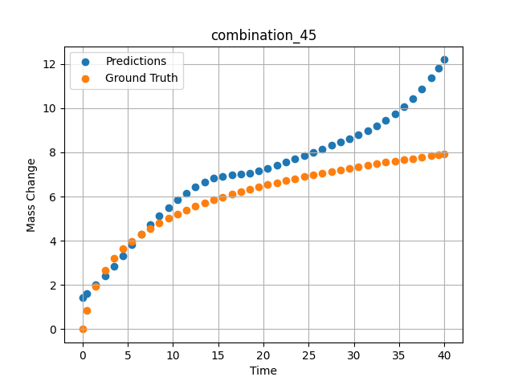
1000 | 20 | 0 | 0 | 20 | 20 | 20 | 20 | 0 | 7.48749 | 4.56411 | 4.726328373
1000 | 20 | 0 | 0 | 20 | 20 | 20 | 20 | 0 | 8.48849 | 4.80102 | 5.1347899437
1000 | 20 | 0 | 0 | 20 | 20 | 20 | 20 | 0 | 9.48949 | 5.01418 | 5.5114893913
1000 | 20 | 0 | 0 | 20 | 20 | 20 | 20 | 0 | 10.47163 | 5.20439 | 5.8499598503
1000 | 20 | 0 | 0 | 20 | 20 | 20 | 20 | 0 | 11.49149 | 5.38551 | 6.1662278175
1000 | 20 | 0 | 0 | 20 | 20 | 20 | 20 | 0 | 12.49249 | 5.54942 | 6.4361834526
1000 | 20 | 0 | 0 | 20 | 20 | 20 | 20 | 0 | 13.49349 | 5.70161 | 6.6574578285
1000 | 20 | 0 | 0 | 20 | 20 | 20 | 20 | 0 | 14.49449 | 5.84365 | 6.8204011917
1000 | 20 | 0 | 0 | 20 | 20 | 20 | 20 | 0 | 15.47644 | 5.97432 | 6.9199337959
1000 | 20 | 0 | 0 | 20 | 20 | 20 | 20 | 0 | 16.4965 | 6.10212 | 6.973549366
1000 | 20 | 0 | 0 | 20 | 20 | 20 | 20 | 0 | 17.4975 | 6.22048 | 7.0095515251
1000 | 20 | 0 | 0 | 20 | 20 | 20 | 20 | 0 | 18.4985 | 6.3326 | 7.0632386208
1000 | 20 | 0 | 0 | 20 | 20 | 20 | 20 | 0 | 19.4995 | 6.43912 | 7.149813652
1000 | 20 | 0 | 0 | 20 | 20 | 20 | 20 | 0 | 20.48125 | 6.53864 | 7.2633137703
1000 | 20 | 0 | 0 | 20 | 20 | 20 | 20 | 0 | 21.5015 | 6.63739 | 7.4006495476
1000 | 20 | 0 | 0 | 20 | 20 | 20 | 20 | 0 | 22.5025 | 6.73001 | 7.5455446243
1000 | 20 | 0 | 0 | 20 | 20 | 20 | 20 | 0 | 23.5035 | 6.81877 | 7.6950101852
1000 | 20 | 0 | 0 | 20 | 20 | 20 | 20 | 0 | 24.5045 | 6.90398 | 7.8465790749
1000 | 20 | 0 | 0 | 20 | 20 | 20 | 20 | 0 | 25.48606 | 6.98435 | 7.9964885712
1000 | 20 | 0 | 0 | 20 | 20 | 20 | 20 | 0 | 26.50651 | 7.06482 | 8.1537485123
1000 | 20 | 0 | 0 | 20 | 20 | 20 | 20 | 0 | 27.50751 | 7.1409 | 8.3100414276
1000 | 20 | 0 | 0 | 20 | 20 | 20 | 20 | 0 | 28.50851 | 7.21436 | 8.4691762924
1000 | 20 | 0 | 0 | 20 | 20 | 20 | 20 | 0 | 29.50951 | 7.28536 | 8.6329803467
1000 | 20 | 0 | 0 | 20 | 20 | 20 | 20 | 0 | 30.49088 | 7.35275 | 8.8015890121
1000 | 20 | 0 | 0 | 20 | 20 | 20 | 20 | 0 | 31.51151 | 7.42066 | 8.9916257858
1000 | 20 | 0 | 0 | 20 | 20 | 20 | 20 | 0 | 32.51251 | 7.48521 | 9.2012968063
1000 | 20 | 0 | 0 | 20 | 20 | 20 | 20 | 0 | 33.51351 | 7.54787 | 9.4439411163
1000 | 20 | 0 | 0 | 20 | 20 | 20 | 20 | 0 | 34.51451 | 7.60873 | 9.7283716202
1000 | 20 | 0 | 0 | 20 | 20 | 20 | 20 | 0 | 35.49569 | 7.66674 | 10.053766251
1000 | 20 | 0 | 0 | 20 | 20 | 20 | 20 | 0 | 36.51652 | 7.72548 | 10.444833755
1000 | 20 | 0 | 0 | 20 | 20 | 20 | 20 | 0 | 37.51752 | 7.78154 | 10.881630898
1000 | 20 | 0 | 0 | 20 | 20 | 20 | 20 | 0 | 38.51852 | 7.83617 | 11.371723175
1000 | 20 | 0 | 0 | 20 | 20 | 20 | 20 | 0 | 39.35936 | 7.88102 | 11.824566841
1000 | 20 | 0 | 0 | 20 | 20 | 20 | 20 | 0 | 40 | 7.91458 | 12.194742203

combination_46
800.0, 0.0, 40.0, 10.0, 40.0, 10.0, 0.0, 0.0
Temperature [C] | Mo [at%] | Nb [at%] | Ta [at%] | Ti [at%] | Cr [at%] | Al [at%] | W [at%] | Zr [at%] | Time [h] | Mass Change [mg.cm2] | Mass change - predictions
800 | 0 | 40 | 10 | 40 | 10 | 0 | 0 | 0 | 0 | 0 | -0.1148506999
800 | 0 | 40 | 10 | 40 | 10 | 0 | 0 | 0 | 1 | 0.92 | 0.34567052126
800 | 0 | 40 | 10 | 40 | 10 | 0 | 0 | 0 | 2 | 1.33 | 0.86549162865
800 | 0 | 40 | 10 | 40 | 10 | 0 | 0 | 0 | 5 | 2.31 | 2.0923397541
800 | 0 | 40 | 10 | 40 | 10 | 0 | 0 | 0 | 10 | 3.1 | 3.4879889488
800 | 0 | 40 | 10 | 40 | 10 | 0 | 0 | 0 | 15 | 3.75 | 4.9449152946
800 | 0 | 40 | 10 | 40 | 10 | 0 | 0 | 0 | 20 | 4.56 | 5.9844589233
800 | 0 | 40 | 10 | 40 | 10 | 0 | 0 | 0 | 0 | 0 | -0.11485141516
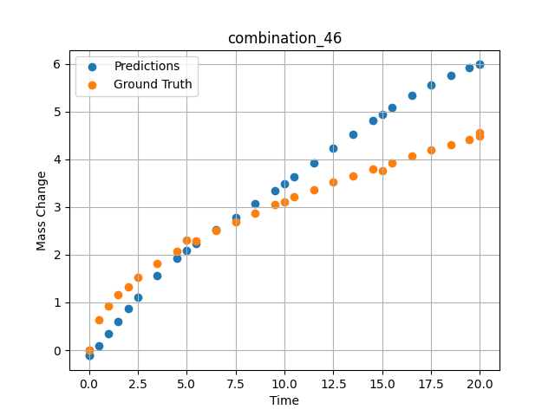
800 | 0 | 40 | 10 | 40 | 10 | 0 | 0 | 0 | 0.49049 | 0.6285 | 0.097490251064
800 | 0 | 40 | 10 | 40 | 10 | 0 | 0 | 0 | 1.48185 | 1.15858 | 0.59488213062
800 | 0 | 40 | 10 | 40 | 10 | 0 | 0 | 0 | 2.48284 | 1.51874 | 1.1098265648
800 | 0 | 40 | 10 | 40 | 10 | 0 | 0 | 0 | 3.49349 | 1.81437 | 1.5665225983
800 | 0 | 40 | 10 | 40 | 10 | 0 | 0 | 0 | 4.49449 | 2.0681 | 1.9328203201
800 | 0 | 40 | 10 | 40 | 10 | 0 | 0 | 0 | 5.48578 | 2.29345 | 2.2353229523
800 | 0 | 40 | 10 | 40 | 10 | 0 | 0 | 0 | 6.4965 | 2.50375 | 2.5156219006
800 | 0 | 40 | 10 | 40 | 10 | 0 | 0 | 0 | 7.4975 | 2.69691 | 2.78667593
800 | 0 | 40 | 10 | 40 | 10 | 0 | 0 | 0 | 8.4985 | 2.87796 | 3.0615305901
800 | 0 | 40 | 10 | 40 | 10 | 0 | 0 | 0 | 9.4995 | 3.04898 | 3.3438811302
800 | 0 | 40 | 10 | 40 | 10 | 0 | 0 | 0 | 10.49069 | 3.20993 | 3.630920887
800 | 0 | 40 | 10 | 40 | 10 | 0 | 0 | 0 | 11.5015 | 3.3667 | 3.9291799068
800 | 0 | 40 | 10 | 40 | 10 | 0 | 0 | 0 | 12.5025 | 3.51551 | 4.2265119553
800 | 0 | 40 | 10 | 40 | 10 | 0 | 0 | 0 | 13.5035 | 3.65868 | 4.5211730003
800 | 0 | 40 | 10 | 40 | 10 | 0 | 0 | 0 | 14.5045 | 3.79682 | 4.807788372
800 | 0 | 40 | 10 | 40 | 10 | 0 | 0 | 0 | 15.49559 | 3.92912 | 5.0779385567
800 | 0 | 40 | 10 | 40 | 10 | 0 | 0 | 0 | 16.50651 | 4.05994 | 5.3334474564
800 | 0 | 40 | 10 | 40 | 10 | 0 | 0 | 0 | 17.50751 | 4.18572 | 5.5607571602
800 | 0 | 40 | 10 | 40 | 10 | 0 | 0 | 0 | 18.50851 | 4.30808 | 5.7573466301
800 | 0 | 40 | 10 | 40 | 10 | 0 | 0 | 0 | 19.44945 | 4.42025 | 5.9103484154
800 | 0 | 40 | 10 | 40 | 10 | 0 | 0 | 0 | 20 | 4.48474 | 5.9844617844

combination_47
800.0, 0.0, 45.0, 15.0, 30.0, 0.0, 10.0, 0.0
Temperature [C] | Mo [at%] | Nb [at%] | Ta [at%] | Ti [at%] | Cr [at%] | Al [at%] | W [at%] | Zr [at%] | Time [h] | Mass Change [mg.cm2] | Mass change - predictions
800 | 0 | 45 | 15 | 30 | 0 | 10 | 0 | 0 | 0 | 0 | 0.97096222639
800 | 0 | 45 | 15 | 30 | 0 | 10 | 0 | 0 | 1 | 1.56 | 1.4262504578
800 | 0 | 45 | 15 | 30 | 0 | 10 | 0 | 0 | 2 | 2.18 | 1.9710714817
800 | 0 | 45 | 15 | 30 | 0 | 10 | 0 | 0 | 5 | 4.27 | 3.7473077774
800 | 0 | 45 | 15 | 30 | 0 | 10 | 0 | 0 | 10 | 5.54 | 5.3680348396
800 | 0 | 45 | 15 | 30 | 0 | 10 | 0 | 0 | 15 | 6.64 | 6.9462966919
800 | 0 | 45 | 15 | 30 | 0 | 10 | 0 | 0 | 20 | 7.17 | 8.4283771515
800 | 0 | 45 | 15 | 30 | 0 | 10 | 0 | 0 | 0 | 0 | 0.97096186876
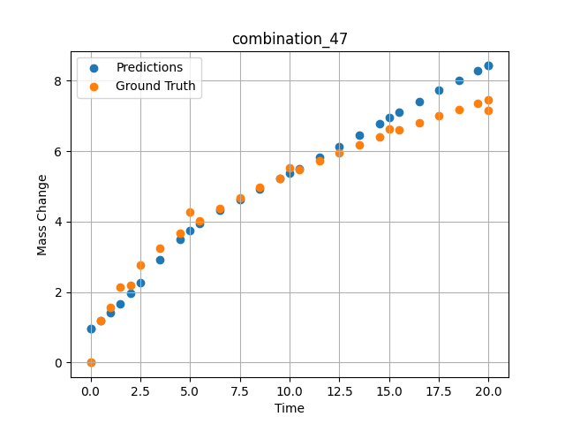
800 | 0 | 45 | 15 | 30 | 0 | 10 | 0 | 0 | 0.49049 | 1.19868 | 1.1854557991
800 | 0 | 45 | 15 | 30 | 0 | 10 | 0 | 0 | 1.48185 | 2.15425 | 1.675817728
800 | 0 | 45 | 15 | 30 | 0 | 10 | 0 | 0 | 2.48284 | 2.76229 | 2.2691092491
800 | 0 | 45 | 15 | 30 | 0 | 10 | 0 | 0 | 3.49349 | 3.25213 | 2.9198403358
800 | 0 | 45 | 15 | 30 | 0 | 10 | 0 | 0 | 4.49449 | 3.66718 | 3.5003933907
800 | 0 | 45 | 15 | 30 | 0 | 10 | 0 | 0 | 5.48578 | 4.03226 | 3.956392765
800 | 0 | 45 | 15 | 30 | 0 | 10 | 0 | 0 | 6.4965 | 4.37028 | 4.3246254921
800 | 0 | 45 | 15 | 30 | 0 | 10 | 0 | 0 | 7.4975 | 4.67867 | 4.6371693611
800 | 0 | 45 | 15 | 30 | 0 | 10 | 0 | 0 | 8.4985 | 4.96607 | 4.9297246933
800 | 0 | 45 | 15 | 30 | 0 | 10 | 0 | 0 | 9.4995 | 5.23618 | 5.2204031944
800 | 0 | 45 | 15 | 30 | 0 | 10 | 0 | 0 | 10.49069 | 5.48924 | 5.5149998665
800 | 0 | 45 | 15 | 30 | 0 | 10 | 0 | 0 | 11.5015 | 5.73472 | 5.8252587318
800 | 0 | 45 | 15 | 30 | 0 | 10 | 0 | 0 | 12.5025 | 5.96687 | 6.1414003372
800 | 0 | 45 | 15 | 30 | 0 | 10 | 0 | 0 | 13.5035 | 6.18945 | 6.4633150101
800 | 0 | 45 | 15 | 30 | 0 | 10 | 0 | 0 | 14.5045 | 6.40352 | 6.7868542671
800 | 0 | 45 | 15 | 30 | 0 | 10 | 0 | 0 | 15.49559 | 6.60795 | 7.1046142578
800 | 0 | 45 | 15 | 30 | 0 | 10 | 0 | 0 | 16.50651 | 6.80953 | 7.4224648476
800 | 0 | 45 | 15 | 30 | 0 | 10 | 0 | 0 | 17.50751 | 7.00284 | 7.7281088829
800 | 0 | 45 | 15 | 30 | 0 | 10 | 0 | 0 | 18.50851 | 7.19043 | 8.0220346451
800 | 0 | 45 | 15 | 30 | 0 | 10 | 0 | 0 | 19.44945 | 7.36201 | 8.2839412689
800 | 0 | 45 | 15 | 30 | 0 | 10 | 0 | 0 | 20 | 7.46051 | 8.4283761978

