combination_1
1000.0, 25.0, 25.0, 0.0, 0.0, 25.0, 25.0, 0.0
Temperature [C] | Zr [at%] | Nb [at%] | Mo [at%] | Cr [at%] | Al [at%] | Ti [at%] | Ta [at%] | W [at%] | Time [h] | Mass Change [mg.cm2] | Mass change - predictions
1000 | 0 | 25 | 25 | 25 | 25 | 0 | 0 | 0 | 0 | 0 | -0.54449272156
1000 | 0 | 25 | 25 | 25 | 25 | 0 | 0 | 0 | 10 | 2.7906976744 | 3.4761462212
1000 | 0 | 25 | 25 | 25 | 25 | 0 | 0 | 0 | 15 | 7.9069767442 | 8.3859386444
1000 | 0 | 25 | 25 | 25 | 25 | 0 | 0 | 0 | 20 | 13.720930233 | 12.826788902
1000 | 0 | 25 | 25 | 25 | 25 | 0 | 0 | 0 | 25 | 16.744186047 | 15.437373161
1000 | 0 | 25 | 25 | 25 | 25 | 0 | 0 | 0 | 27 | 17.441860465 | 16.077865601
1000 | 0 | 25 | 25 | 25 | 25 | 0 | 0 | 0 | 30 | 16.511627907 | 16.739227295
1000 | 0 | 25 | 25 | 25 | 25 | 0 | 0 | 0 | 35 | 15.348837209 | 17.359630585
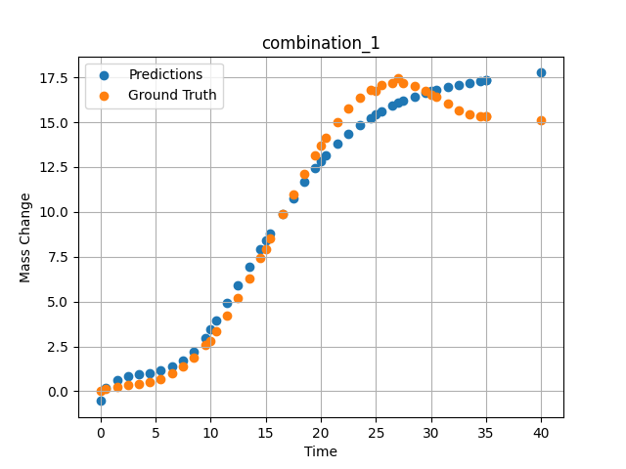
1000 | 0 | 25 | 25 | 25 | 25 | 0 | 0 | 0 | 40 | 15.11627907 | 17.762844086
1000 | 0 | 25 | 25 | 25 | 25 | 0 | 0 | 0 | 0.49049 | 0.11352 | 0.1720867157
1000 | 0 | 25 | 25 | 25 | 25 | 0 | 0 | 0 | 1.50651 | 0.25315 | 0.64535355568
1000 | 0 | 25 | 25 | 25 | 25 | 0 | 0 | 0 | 2.50176 | 0.3291 | 0.85057401657
1000 | 0 | 25 | 25 | 25 | 25 | 0 | 0 | 0 | 3.5035 | 0.40052 | 0.94880509377
1000 | 0 | 25 | 25 | 25 | 25 | 0 | 0 | 0 | 4.502 | 0.51111 | 1.0275548697
1000 | 0 | 25 | 25 | 25 | 25 | 0 | 0 | 0 | 5.48382 | 0.69263 | 1.1490130424
1000 | 0 | 25 | 25 | 25 | 25 | 0 | 0 | 0 | 6.499 | 0.98012 | 1.3664928675
1000 | 0 | 25 | 25 | 25 | 25 | 0 | 0 | 0 | 7.4975 | 1.38086 | 1.7113771439
1000 | 0 | 25 | 25 | 25 | 25 | 0 | 0 | 0 | 8.47889 | 1.89642 | 2.221818924
1000 | 0 | 25 | 25 | 25 | 25 | 0 | 0 | 0 | 9.49449 | 2.55961 | 2.9907269478
1000 | 0 | 25 | 25 | 25 | 25 | 0 | 0 | 0 | 10.47599 | 3.32187 | 3.9422473907
1000 | 0 | 25 | 25 | 25 | 25 | 0 | 0 | 0 | 11.49149 | 4.22659 | 4.9398050308
1000 | 0 | 25 | 25 | 25 | 25 | 0 | 0 | 0 | 12.49059 | 5.21784 | 5.924911499
1000 | 0 | 25 | 25 | 25 | 25 | 0 | 0 | 0 | 13.50601 | 6.30862 | 6.9256062508
1000 | 0 | 25 | 25 | 25 | 25 | 0 | 0 | 0 | 14.5045 | 7.44295 | 7.9033255577
1000 | 0 | 25 | 25 | 25 | 25 | 0 | 0 | 0 | 15.41562 | 8.51065 | 8.7893676758
1000 | 0 | 25 | 25 | 25 | 25 | 0 | 0 | 0 | 16.55405 | 9.85967 | 9.8863782883
1000 | 0 | 25 | 25 | 25 | 25 | 0 | 0 | 0 | 17.5 | 10.96697 | 10.778040886
1000 | 0 | 25 | 25 | 25 | 25 | 0 | 0 | 0 | 18.4985 | 12.0966 | 11.665996552
1000 | 0 | 25 | 25 | 25 | 25 | 0 | 0 | 0 | 19.497 | 13.16175 | 12.459605217
1000 | 0 | 25 | 25 | 25 | 25 | 0 | 0 | 0 | 20.47898 | 14.12223 | 13.156799316
1000 | 0 | 25 | 25 | 25 | 25 | 0 | 0 | 0 | 21.49399 | 15.00453 | 13.792207718
1000 | 0 | 25 | 25 | 25 | 25 | 0 | 0 | 0 | 22.49249 | 15.74206 | 14.340672493
1000 | 0 | 25 | 25 | 25 | 25 | 0 | 0 | 0 | 23.50851 | 16.34597 | 14.829697609
1000 | 0 | 25 | 25 | 25 | 25 | 0 | 0 | 0 | 24.50701 | 16.7853 | 15.249938965
1000 | 0 | 25 | 25 | 25 | 25 | 0 | 0 | 0 | 25.48866 | 17.0618 | 15.611005783
1000 | 0 | 25 | 25 | 25 | 25 | 0 | 0 | 0 | 26.504 | 17.1902 | 15.935726166
1000 | 0 | 25 | 25 | 25 | 25 | 0 | 0 | 0 | 27.48575 | 17.1666 | 16.207267761
1000 | 0 | 25 | 25 | 25 | 25 | 0 | 0 | 0 | 28.501 | 17.00867 | 16.448509216
1000 | 0 | 25 | 25 | 25 | 25 | 0 | 0 | 0 | 29.4995 | 16.74283 | 16.650272369
1000 | 0 | 25 | 25 | 25 | 25 | 0 | 0 | 0 | 30.48083 | 16.40843 | 16.81769371
1000 | 0 | 25 | 25 | 25 | 25 | 0 | 0 | 0 | 31.50901 | 16.02486 | 16.969236374
1000 | 0 | 25 | 25 | 25 | 25 | 0 | 0 | 0 | 32.49499 | 15.67865 | 17.096839905
1000 | 0 | 25 | 25 | 25 | 25 | 0 | 0 | 0 | 33.49349 | 15.41555 | 17.210906982
1000 | 0 | 25 | 25 | 25 | 25 | 0 | 0 | 0 | 34.49199 | 15.31626 | 17.312187195
1000 | 0 | 25 | 25 | 25 | 25 | 0 | 0 | 0 | 35 | 15.34548 | 17.359636307

combination_2
1000.0, 20.0, 20.0, 0.0, 20.0, 20.0, 20.0, 0.0
Temperature [C] | Zr [at%] | Nb [at%] | Mo [at%] | Cr [at%] | Al [at%] | Ti [at%] | Ta [at%] | W [at%] | Time [h] | Mass Change [mg.cm2] | Mass change - predictions
1000 | 0 | 20 | 20 | 20 | 20 | 20 | 0 | 0 | 50 | 11.395348837 | 10.910268784
1000 | 0 | 20 | 20 | 20 | 20 | 20 | 0 | 0 | 40 | 8.1395348837 | 8.3755111694
1000 | 0 | 20 | 20 | 20 | 20 | 20 | 0 | 0 | 35 | 6.976744186 | 7.1975178719
1000 | 0 | 20 | 20 | 20 | 20 | 20 | 0 | 0 | 30 | 5.5813953488 | 6.0699367523
1000 | 0 | 20 | 20 | 20 | 20 | 20 | 0 | 0 | 25 | 4.4186046512 | 4.89407444
1000 | 0 | 20 | 20 | 20 | 20 | 20 | 0 | 0 | 20 | 3.2558139535 | 3.5307850838
1000 | 0 | 20 | 20 | 20 | 20 | 20 | 0 | 0 | 15 | 2.6046511628 | 2.2748985291
1000 | 0 | 20 | 20 | 20 | 20 | 20 | 0 | 0 | 10 | 1.8604651163 | 1.6934872866
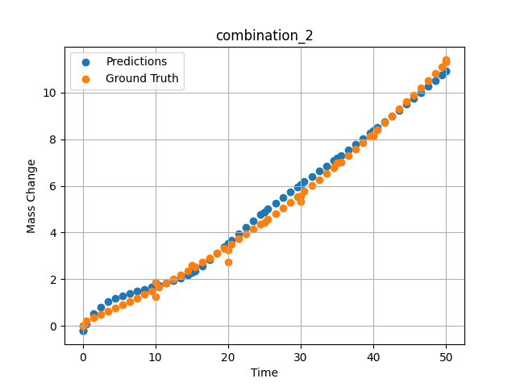
1000 | 0 | 20 | 20 | 20 | 20 | 20 | 0 | 0 | 0 | 0 | -0.21208453178
1000 | 0 | 20 | 20 | 20 | 20 | 20 | 0 | 0 | 0 | 0 | -0.21208620071
1000 | 0 | 20 | 20 | 20 | 20 | 20 | 0 | 0 | 10 | 1.2533333333 | 1.6934889555
1000 | 0 | 20 | 20 | 20 | 20 | 20 | 0 | 0 | 20 | 2.7466666667 | 3.5307850838
1000 | 0 | 20 | 20 | 20 | 20 | 20 | 0 | 0 | 30 | 5.3333333333 | 6.0699367523
1000 | 0 | 20 | 20 | 20 | 20 | 20 | 0 | 0 | 40 | 8.1866666667 | 8.3755111694
1000 | 0 | 20 | 20 | 20 | 20 | 20 | 0 | 0 | 0 | 0 | -0.21208548546
1000 | 0 | 20 | 20 | 20 | 20 | 20 | 0 | 0 | 0.49787 | 0.22717 | 0.087434768677
1000 | 0 | 20 | 20 | 20 | 20 | 20 | 0 | 0 | 1.47648 | 0.35069 | 0.51075959206
1000 | 0 | 20 | 20 | 20 | 20 | 20 | 0 | 0 | 2.47748 | 0.48101 | 0.81513941288
1000 | 0 | 20 | 20 | 20 | 20 | 20 | 0 | 0 | 3.47848 | 0.61536 | 1.0292527676
1000 | 0 | 20 | 20 | 20 | 20 | 20 | 0 | 0 | 4.47948 | 0.75375 | 1.1842582226
1000 | 0 | 20 | 20 | 20 | 20 | 20 | 0 | 0 | 5.48048 | 0.89617 | 1.3032274246
1000 | 0 | 20 | 20 | 20 | 20 | 20 | 0 | 0 | 6.48148 | 1.04262 | 1.4013397694
1000 | 0 | 20 | 20 | 20 | 20 | 20 | 0 | 0 | 7.48248 | 1.19311 | 1.4881752729
1000 | 0 | 20 | 20 | 20 | 20 | 20 | 0 | 0 | 8.48348 | 1.34763 | 1.569940567
1000 | 0 | 20 | 20 | 20 | 20 | 20 | 0 | 0 | 9.48448 | 1.50619 | 1.6508253813
1000 | 0 | 20 | 20 | 20 | 20 | 20 | 0 | 0 | 10.46237 | 1.66499 | 1.7329381704
1000 | 0 | 20 | 20 | 20 | 20 | 20 | 0 | 0 | 11.48649 | 1.8354 | 1.8261070251
1000 | 0 | 20 | 20 | 20 | 20 | 20 | 0 | 0 | 12.48749 | 2.00606 | 1.9277861118
1000 | 0 | 20 | 20 | 20 | 20 | 20 | 0 | 0 | 13.48849 | 2.18075 | 2.045507431
1000 | 0 | 20 | 20 | 20 | 20 | 20 | 0 | 0 | 14.48949 | 2.35947 | 2.189622879
1000 | 0 | 20 | 20 | 20 | 20 | 20 | 0 | 0 | 15.46713 | 2.53794 | 2.3605420589
1000 | 0 | 20 | 20 | 20 | 20 | 20 | 0 | 0 | 16.49149 | 2.72902 | 2.5760521889
1000 | 0 | 20 | 20 | 20 | 20 | 20 | 0 | 0 | 17.49249 | 2.91985 | 2.8273923397
1000 | 0 | 20 | 20 | 20 | 20 | 20 | 0 | 0 | 18.49349 | 3.11471 | 3.1069507599
1000 | 0 | 20 | 20 | 20 | 20 | 20 | 0 | 0 | 19.49449 | 3.3136 | 3.3882222176
1000 | 0 | 20 | 20 | 20 | 20 | 20 | 0 | 0 | 20.4719 | 3.51171 | 3.6641774178
1000 | 0 | 20 | 20 | 20 | 20 | 20 | 0 | 0 | 21.4965 | 3.72349 | 3.9548397064
1000 | 0 | 20 | 20 | 20 | 20 | 20 | 0 | 0 | 22.4975 | 3.93448 | 4.237329483
1000 | 0 | 20 | 20 | 20 | 20 | 20 | 0 | 0 | 23.4985 | 4.14951 | 4.5081062317
1000 | 0 | 20 | 20 | 20 | 20 | 20 | 0 | 0 | 24.4995 | 4.36857 | 4.7678227425
1000 | 0 | 20 | 20 | 20 | 20 | 20 | 0 | 0 | 25.47667 | 4.58632 | 5.0123505592
1000 | 0 | 20 | 20 | 20 | 20 | 20 | 0 | 0 | 26.5015 | 4.81879 | 5.2609314919
1000 | 0 | 20 | 20 | 20 | 20 | 20 | 0 | 0 | 27.5025 | 5.04996 | 5.4975013733
1000 | 0 | 20 | 20 | 20 | 20 | 20 | 0 | 0 | 28.5035 | 5.28515 | 5.7293462753
1000 | 0 | 20 | 20 | 20 | 20 | 20 | 0 | 0 | 29.5045 | 5.52438 | 5.9577693939
1000 | 0 | 20 | 20 | 20 | 20 | 20 | 0 | 0 | 30.48143 | 5.76176 | 6.1785268784
1000 | 0 | 20 | 20 | 20 | 20 | 20 | 0 | 0 | 31.50651 | 6.01494 | 6.4089517593
1000 | 0 | 20 | 20 | 20 | 20 | 20 | 0 | 0 | 32.50751 | 6.26627 | 6.6337189674
1000 | 0 | 20 | 20 | 20 | 20 | 20 | 0 | 0 | 33.50851 | 6.52164 | 6.8590846062
1000 | 0 | 20 | 20 | 20 | 20 | 20 | 0 | 0 | 34.50951 | 6.78104 | 7.0857667923
1000 | 0 | 20 | 20 | 20 | 20 | 20 | 0 | 0 | 35.4862 | 7.03804 | 7.3088097572
1000 | 0 | 20 | 20 | 20 | 20 | 20 | 0 | 0 | 36.51151 | 7.31193 | 7.5454874039
1000 | 0 | 20 | 20 | 20 | 20 | 20 | 0 | 0 | 37.51251 | 7.58343 | 7.7795128822
1000 | 0 | 20 | 20 | 20 | 20 | 20 | 0 | 0 | 38.51351 | 7.85896 | 8.0168762207
1000 | 0 | 20 | 20 | 20 | 20 | 20 | 0 | 0 | 39.51451 | 8.13853 | 8.2578277588
1000 | 0 | 20 | 20 | 20 | 20 | 20 | 0 | 0 | 40.49097 | 8.41514 | 8.4948825836
1000 | 0 | 20 | 20 | 20 | 20 | 20 | 0 | 0 | 41.51652 | 8.70977 | 8.7455825806
1000 | 0 | 20 | 20 | 20 | 20 | 20 | 0 | 0 | 42.51752 | 9.00143 | 8.9922733307
1000 | 0 | 20 | 20 | 20 | 20 | 20 | 0 | 0 | 43.51852 | 9.29713 | 9.2411737442
1000 | 0 | 20 | 20 | 20 | 20 | 20 | 0 | 0 | 44.51952 | 9.59687 | 9.4924917221
1000 | 0 | 20 | 20 | 20 | 20 | 20 | 0 | 0 | 45.52052 | 9.90064 | 9.7463970184
1000 | 0 | 20 | 20 | 20 | 20 | 20 | 0 | 0 | 46.52152 | 10.20844 | 10.003042221
1000 | 0 | 20 | 20 | 20 | 20 | 20 | 0 | 0 | 47.52252 | 10.52028 | 10.262542725
1000 | 0 | 20 | 20 | 20 | 20 | 20 | 0 | 0 | 48.52352 | 10.83615 | 10.525001526
1000 | 0 | 20 | 20 | 20 | 20 | 20 | 0 | 0 | 49.34935 | 11.09968 | 10.741797447
1000 | 0 | 20 | 20 | 20 | 20 | 20 | 0 | 0 | 50 | 11.30925 | 10.910269737

combination_3
1200.0, 19.5, 0.0, 20.1, 20.4, 19.8, 20.2, 0.0
Temperature [C] | Zr [at%] | Nb [at%] | Mo [at%] | Cr [at%] | Al [at%] | Ti [at%] | Ta [at%] | W [at%] | Time [h] | Mass Change [mg.cm2] | Mass change - predictions
1200 | 0 | 0 | 19.5 | 19.8 | 20.2 | 20.4 | 20.1 | 0 | 0 | 0 | -0.71004986763
1200 | 0 | 0 | 19.5 | 19.8 | 20.2 | 20.4 | 20.1 | 0 | 5 | 2.5454545455 | 1.6381349564
1200 | 0 | 0 | 19.5 | 19.8 | 20.2 | 20.4 | 20.1 | 0 | 10 | 3.5151515152 | 2.6287927628
1200 | 0 | 0 | 19.5 | 19.8 | 20.2 | 20.4 | 20.1 | 0 | 15 | 4.2424242424 | 3.9405591488
1200 | 0 | 0 | 19.5 | 19.8 | 20.2 | 20.4 | 20.1 | 0 | 20 | 4.8484848485 | 4.9959130287
1200 | 0 | 0 | 19.5 | 19.8 | 20.2 | 20.4 | 20.1 | 0 | 24 | 5.2727272727 | 5.3250746727
1200 | 0 | 0 | 19.5 | 19.8 | 20.2 | 20.4 | 20.1 | 0 | 0 | 0 | -0.71005034447
1200 | 0 | 0 | 19.5 | 19.8 | 20.2 | 20.4 | 20.1 | 0 | 5 | 2.5 | 1.63813591
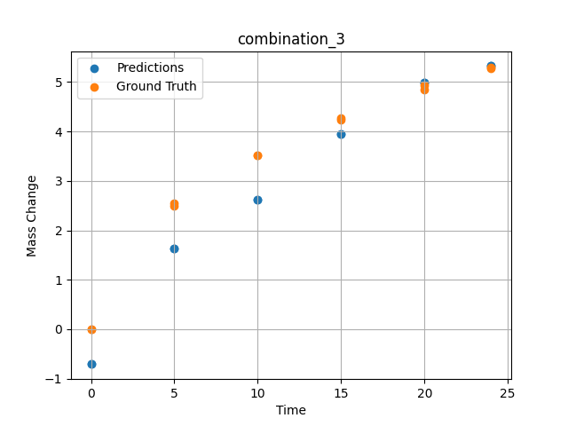
1200 | 0 | 0 | 19.5 | 19.8 | 20.2 | 20.4 | 20.1 | 0 | 10 | 3.5227272727 | 2.6287913322
1200 | 0 | 0 | 19.5 | 19.8 | 20.2 | 20.4 | 20.1 | 0 | 15 | 4.2727272727 | 3.9405574799
1200 | 0 | 0 | 19.5 | 19.8 | 20.2 | 20.4 | 20.1 | 0 | 20 | 4.9318181818 | 4.9959115982
1200 | 0 | 0 | 19.5 | 19.8 | 20.2 | 20.4 | 20.1 | 0 | 24 | 5.2954545455 | 5.3250594139

combination_4
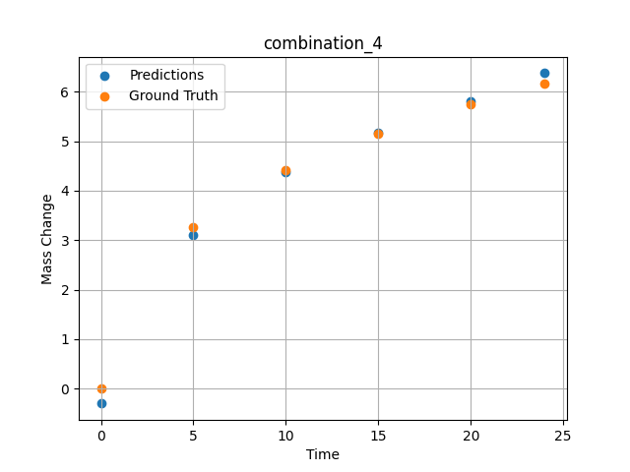
1200.0, 22.4, 0.0, 22.6, 10.1, 22.6, 22.3, 0.0
Temperature [C] | Zr [at%] | Nb [at%] | Mo [at%] | Cr [at%] | Al [at%] | Ti [at%] | Ta [at%] | W [at%] | Time [h] | Mass Change [mg.cm2] | Mass change - predictions
1200 | 0 | 0 | 22.4 | 22.6 | 22.3 | 10.1 | 22.6 | 0 | 0 | 0 | -0.30377531052
1200 | 0 | 0 | 22.4 | 22.6 | 22.3 | 10.1 | 22.6 | 0 | 5 | 3.2727272727 | 3.1041970253
1200 | 0 | 0 | 22.4 | 22.6 | 22.3 | 10.1 | 22.6 | 0 | 10 | 4.4242424242 | 4.385635376
1200 | 0 | 0 | 22.4 | 22.6 | 22.3 | 10.1 | 22.6 | 0 | 15 | 5.1515151515 | 5.1741557121
1200 | 0 | 0 | 22.4 | 22.6 | 22.3 | 10.1 | 22.6 | 0 | 20 | 5.7575757576 | 5.8015584946
1200 | 0 | 0 | 22.4 | 22.6 | 22.3 | 10.1 | 22.6 | 0 | 24 | 6.1575757576 | 6.3779630661

combination_5
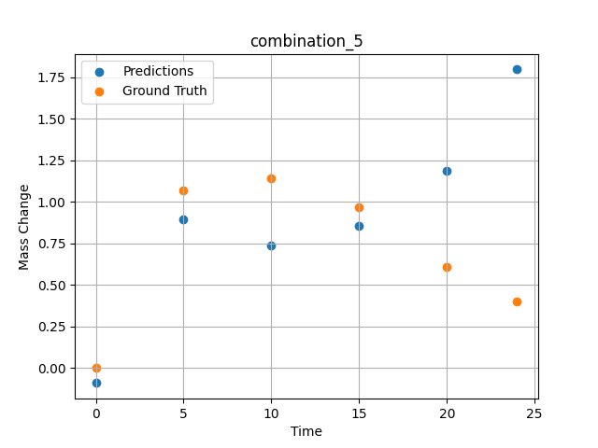
1200.0, 25.3, 0.0, 24.9, 0.0, 24.8, 25.0, 0.0
Temperature [C] | Zr [at%] | Nb [at%] | Mo [at%] | Cr [at%] | Al [at%] | Ti [at%] | Ta [at%] | W [at%] | Time [h] | Mass Change [mg.cm2] | Mass change - predictions
1200 | 0 | 0 | 25.3 | 24.8 | 25 | 0 | 24.9 | 0 | 0 | 0 | -0.089439868927
1200 | 0 | 0 | 25.3 | 24.8 | 25 | 0 | 24.9 | 0 | 5 | 1.0666666667 | 0.89714574814
1200 | 0 | 0 | 25.3 | 24.8 | 25 | 0 | 24.9 | 0 | 10 | 1.1393939394 | 0.73899519444
1200 | 0 | 0 | 25.3 | 24.8 | 25 | 0 | 24.9 | 0 | 15 | 0.9696969697 | 0.85587084293
1200 | 0 | 0 | 25.3 | 24.8 | 25 | 0 | 24.9 | 0 | 20 | 0.60606060606 | 1.1862827539
1200 | 0 | 0 | 25.3 | 24.8 | 25 | 0 | 24.9 | 0 | 24 | 0.4 | 1.7962890863

combination_6
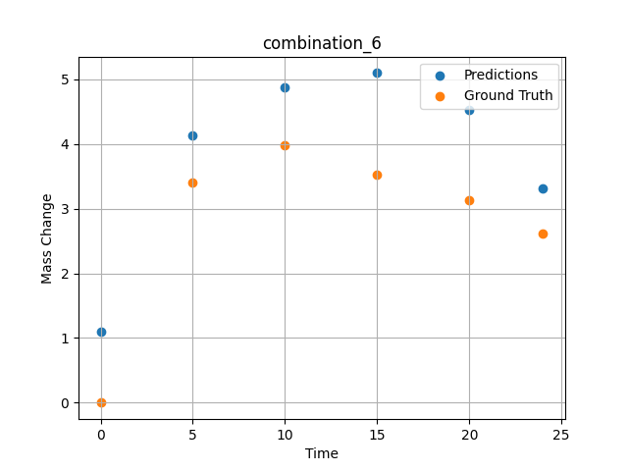
1200.0, 23.5, 0.0, 5.1, 23.7, 23.8, 23.9, 0.0
Temperature [C] | Zr [at%] | Nb [at%] | Mo [at%] | Cr [at%] | Al [at%] | Ti [at%] | Ta [at%] | W [at%] | Time [h] | Mass Change [mg.cm2] | Mass change - predictions
1200 | 0 | 0 | 23.5 | 23.8 | 23.9 | 23.7 | 5.1 | 0 | 0 | 0 | 1.1044980288
1200 | 0 | 0 | 23.5 | 23.8 | 23.9 | 23.7 | 5.1 | 0 | 5 | 3.4090909091 | 4.1307282448
1200 | 0 | 0 | 23.5 | 23.8 | 23.9 | 23.7 | 5.1 | 0 | 10 | 3.9772727273 | 4.870862484
1200 | 0 | 0 | 23.5 | 23.8 | 23.9 | 23.7 | 5.1 | 0 | 15 | 3.5227272727 | 5.0978384018
1200 | 0 | 0 | 23.5 | 23.8 | 23.9 | 23.7 | 5.1 | 0 | 20 | 3.1363636364 | 4.5251750946
1200 | 0 | 0 | 23.5 | 23.8 | 23.9 | 23.7 | 5.1 | 0 | 24 | 2.6136363636 | 3.3175086975

combination_7
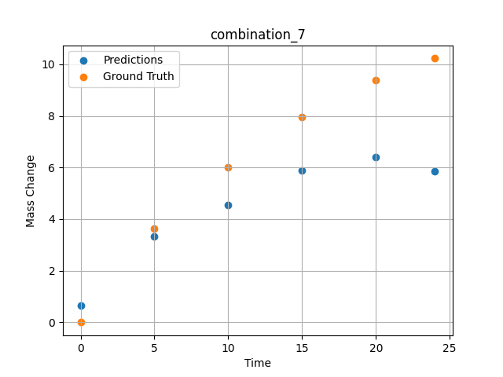
1200.0, 22.3, 0.0, 10.2, 22.7, 22.4, 22.4, 0.0
Temperature [C] | Zr [at%] | Nb [at%] | Mo [at%] | Cr [at%] | Al [at%] | Ti [at%] | Ta [at%] | W [at%] | Time [h] | Mass Change [mg.cm2] | Mass change - predictions
1200 | 0 | 0 | 22.3 | 22.4 | 22.4 | 22.7 | 10.2 | 0 | 0 | 0 | 0.65850317478
1200 | 0 | 0 | 22.3 | 22.4 | 22.4 | 22.7 | 10.2 | 0 | 5 | 3.6363636364 | 3.3304846287
1200 | 0 | 0 | 22.3 | 22.4 | 22.4 | 22.7 | 10.2 | 0 | 10 | 6.0227272727 | 4.5450401306
1200 | 0 | 0 | 22.3 | 22.4 | 22.4 | 22.7 | 10.2 | 0 | 15 | 7.9545454545 | 5.9000105858
1200 | 0 | 0 | 22.3 | 22.4 | 22.4 | 22.7 | 10.2 | 0 | 20 | 9.3863636364 | 6.3953323364
1200 | 0 | 0 | 22.3 | 22.4 | 22.4 | 22.7 | 10.2 | 0 | 24 | 10.227272727 | 5.8566064835

combination_8
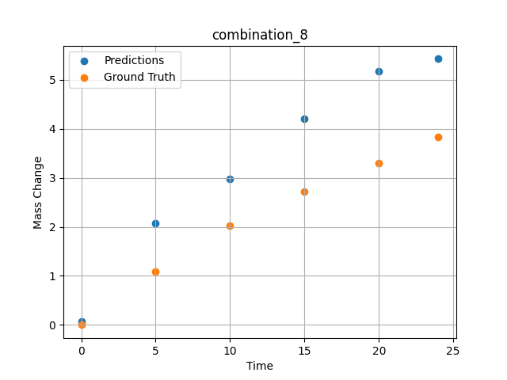
1200.0, 21.4, 0.0, 14.8, 21.1, 21.3, 21.4, 0.0
Temperature [C] | Zr [at%] | Nb [at%] | Mo [at%] | Cr [at%] | Al [at%] | Ti [at%] | Ta [at%] | W [at%] | Time [h] | Mass Change [mg.cm2] | Mass change - predictions
1200 | 0 | 0 | 21.4 | 21.3 | 21.4 | 21.1 | 14.8 | 0 | 0 | 0 | 0.07154750824
1200 | 0 | 0 | 21.4 | 21.3 | 21.4 | 21.1 | 14.8 | 0 | 5 | 1.0909090909 | 2.0733106136
1200 | 0 | 0 | 21.4 | 21.3 | 21.4 | 21.1 | 14.8 | 0 | 10 | 2.0227272727 | 2.9797086716
1200 | 0 | 0 | 21.4 | 21.3 | 21.4 | 21.1 | 14.8 | 0 | 15 | 2.7272727273 | 4.2108745575
1200 | 0 | 0 | 21.4 | 21.3 | 21.4 | 21.1 | 14.8 | 0 | 20 | 3.2954545455 | 5.1800661087
1200 | 0 | 0 | 21.4 | 21.3 | 21.4 | 21.1 | 14.8 | 0 | 24 | 3.8409090909 | 5.4263410568

combination_9
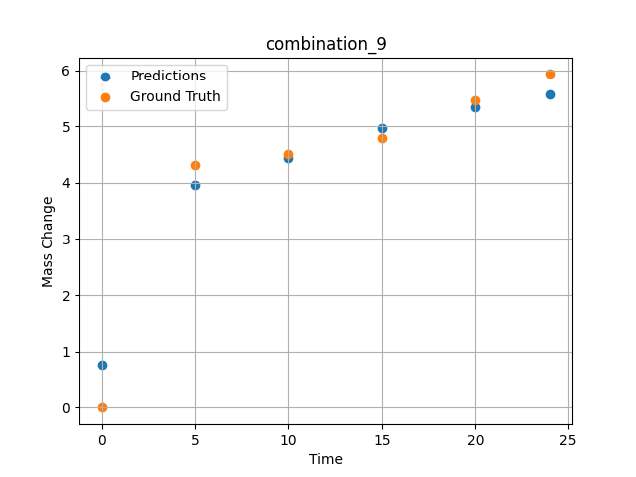
1200.0, 23.7, 0.0, 23.7, 23.8, 23.8, 5.0, 0.0
Temperature [C] | Zr [at%] | Nb [at%] | Mo [at%] | Cr [at%] | Al [at%] | Ti [at%] | Ta [at%] | W [at%] | Time [h] | Mass Change [mg.cm2] | Mass change - predictions
1200 | 0 | 0 | 23.7 | 23.8 | 5 | 23.8 | 23.7 | 0 | 0 | 0 | 0.77263796329
1200 | 0 | 0 | 23.7 | 23.8 | 5 | 23.8 | 23.7 | 0 | 5 | 4.3090909091 | 3.9546122551
1200 | 0 | 0 | 23.7 | 23.8 | 5 | 23.8 | 23.7 | 0 | 10 | 4.5054545455 | 4.4326858521
1200 | 0 | 0 | 23.7 | 23.8 | 5 | 23.8 | 23.7 | 0 | 15 | 4.7890909091 | 4.978905201
1200 | 0 | 0 | 23.7 | 23.8 | 5 | 23.8 | 23.7 | 0 | 20 | 5.4654545455 | 5.3394575119
1200 | 0 | 0 | 23.7 | 23.8 | 5 | 23.8 | 23.7 | 0 | 24 | 5.9345454545 | 5.5781416893

combination_10
1200.0, 22.5, 0.0, 22.5, 22.5, 22.5, 10.0, 0.0
Temperature [C] | Zr [at%] | Nb [at%] | Mo [at%] | Cr [at%] | Al [at%] | Ti [at%] | Ta [at%] | W [at%] | Time [h] | Mass Change [mg.cm2] | Mass change - predictions
1200 | 0 | 0 | 22.5 | 22.5 | 10 | 22.5 | 22.5 | 0 | 0 | 0 | 0.2073392868
1200 | 0 | 0 | 22.5 | 22.5 | 10 | 22.5 | 22.5 | 0 | 5 | 2.3781818182 | 2.4172883034
1200 | 0 | 0 | 22.5 | 22.5 | 10 | 22.5 | 22.5 | 0 | 10 | 3.0981818182 | 3.046803236
1200 | 0 | 0 | 22.5 | 22.5 | 10 | 22.5 | 22.5 | 0 | 15 | 3.48 | 3.8266270161
1200 | 0 | 0 | 22.5 | 22.5 | 10 | 22.5 | 22.5 | 0 | 20 | 4.0909090909 | 4.4807519913
1200 | 0 | 0 | 22.5 | 22.5 | 10 | 22.5 | 22.5 | 0 | 24 | 4.68 | 4.90691185
1200 | 0 | 0 | 22.5 | 22.5 | 10 | 22.5 | 22.5 | 0 | 0 | 0 | 0.20734000206
1200 | 0 | 0 | 22.5 | 22.5 | 10 | 22.5 | 22.5 | 0 | 0.49077 | 0.78063 | 0.56753206253
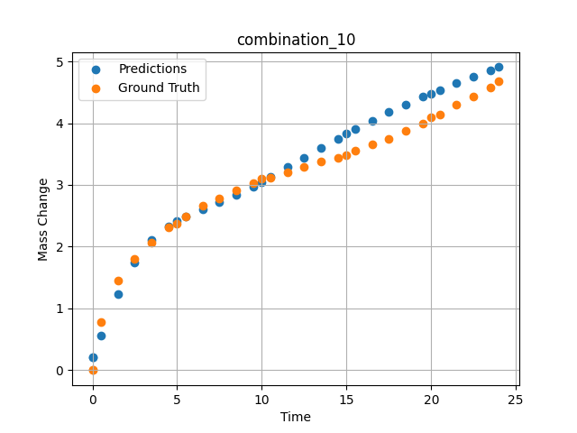
1200 | 0 | 0 | 22.5 | 22.5 | 10 | 22.5 | 22.5 | 0 | 1.49172 | 1.44748 | 1.2323998213
1200 | 0 | 0 | 22.5 | 22.5 | 10 | 22.5 | 22.5 | 0 | 2.49281 | 1.80541 | 1.7503005266
1200 | 0 | 0 | 22.5 | 22.5 | 10 | 22.5 | 22.5 | 0 | 3.49402 | 2.06956 | 2.1060779095
1200 | 0 | 0 | 22.5 | 22.5 | 10 | 22.5 | 22.5 | 0 | 4.4952 | 2.31087 | 2.3329725266
1200 | 0 | 0 | 22.5 | 22.5 | 10 | 22.5 | 22.5 | 0 | 5.49645 | 2.48841 | 2.4879493713
1200 | 0 | 0 | 22.5 | 22.5 | 10 | 22.5 | 22.5 | 0 | 6.49787 | 2.65793 | 2.6091954708
1200 | 0 | 0 | 22.5 | 22.5 | 10 | 22.5 | 22.5 | 0 | 7.49956 | 2.78535 | 2.7207746506
1200 | 0 | 0 | 22.5 | 22.5 | 10 | 22.5 | 22.5 | 0 | 8.50125 | 2.90731 | 2.8381767273
1200 | 0 | 0 | 22.5 | 22.5 | 10 | 22.5 | 22.5 | 0 | 9.50311 | 3.02433 | 2.9719452858
1200 | 0 | 0 | 22.5 | 22.5 | 10 | 22.5 | 22.5 | 0 | 10.50501 | 3.11618 | 3.1276006699
1200 | 0 | 0 | 22.5 | 22.5 | 10 | 22.5 | 22.5 | 0 | 11.50721 | 3.20469 | 3.2872378826
1200 | 0 | 0 | 22.5 | 22.5 | 10 | 22.5 | 22.5 | 0 | 12.49975 | 3.29282 | 3.4438228607
1200 | 0 | 0 | 22.5 | 22.5 | 10 | 22.5 | 22.5 | 0 | 13.4923 | 3.37455 | 3.5983691216
1200 | 0 | 0 | 22.5 | 22.5 | 10 | 22.5 | 22.5 | 0 | 14.49455 | 3.44501 | 3.7511970997
1200 | 0 | 0 | 22.5 | 22.5 | 10 | 22.5 | 22.5 | 0 | 15.49708 | 3.552 | 3.8994920254
1200 | 0 | 0 | 22.5 | 22.5 | 10 | 22.5 | 22.5 | 0 | 16.49956 | 3.65536 | 4.0418138504
1200 | 0 | 0 | 22.5 | 22.5 | 10 | 22.5 | 22.5 | 0 | 17.50221 | 3.7515 | 4.1770997047
1200 | 0 | 0 | 22.5 | 22.5 | 10 | 22.5 | 22.5 | 0 | 18.5051 | 3.87105 | 4.3046989441
1200 | 0 | 0 | 22.5 | 22.5 | 10 | 22.5 | 22.5 | 0 | 19.50793 | 3.99229 | 4.4245700836
1200 | 0 | 0 | 22.5 | 22.5 | 10 | 22.5 | 22.5 | 0 | 20.50125 | 4.1354 | 4.5363712311
1200 | 0 | 0 | 22.5 | 22.5 | 10 | 22.5 | 22.5 | 0 | 21.49483 | 4.29738 | 4.6427774429
1200 | 0 | 0 | 22.5 | 22.5 | 10 | 22.5 | 22.5 | 0 | 22.49819 | 4.43636 | 4.7479763031
1200 | 0 | 0 | 22.5 | 22.5 | 10 | 22.5 | 22.5 | 0 | 23.49208 | 4.57312 | 4.8527288437

combination_11
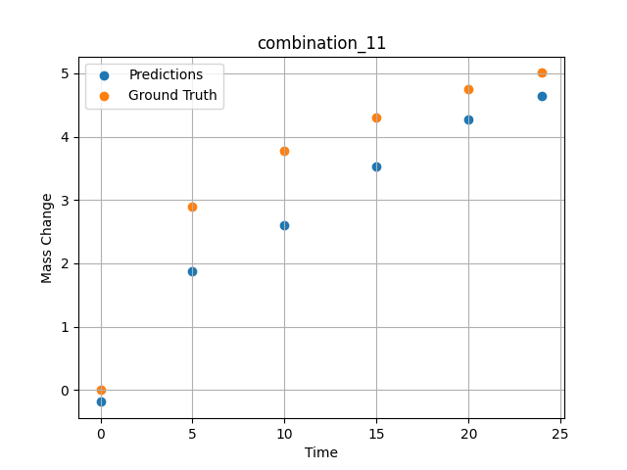
1200.0, 21.25, 0.0, 21.25, 21.25, 21.25, 15.0, 0.0
Temperature [C] | Zr [at%] | Nb [at%] | Mo [at%] | Cr [at%] | Al [at%] | Ti [at%] | Ta [at%] | W [at%] | Time [h] | Mass Change [mg.cm2] | Mass change - predictions
1200 | 0 | 0 | 21.25 | 21.25 | 15 | 21.25 | 21.25 | 0 | 0 | 0 | -0.18846297264
1200 | 0 | 0 | 21.25 | 21.25 | 15 | 21.25 | 21.25 | 0 | 5 | 2.9018181818 | 1.875369072
1200 | 0 | 0 | 21.25 | 21.25 | 15 | 21.25 | 21.25 | 0 | 10 | 3.7745454545 | 2.606780529
1200 | 0 | 0 | 21.25 | 21.25 | 15 | 21.25 | 21.25 | 0 | 15 | 4.3090909091 | 3.5253396034
1200 | 0 | 0 | 21.25 | 21.25 | 15 | 21.25 | 21.25 | 0 | 20 | 4.7454545455 | 4.2682461739
1200 | 0 | 0 | 21.25 | 21.25 | 15 | 21.25 | 21.25 | 0 | 24 | 5.0072727273 | 4.6477251053

combination_12
1200.0, 20.0, 0.0, 20.0, 20.0, 20.0, 20.0, 0.0
Temperature [C] | Zr [at%] | Nb [at%] | Mo [at%] | Cr [at%] | Al [at%] | Ti [at%] | Ta [at%] | W [at%] | Time [h] | Mass Change [mg.cm2] | Mass change - predictions
1200 | 0 | 0 | 20 | 20 | 20 | 20 | 20 | 0 | 0 | 0 | -0.59636378288
1200 | 0 | 0 | 20 | 20 | 20 | 20 | 20 | 0 | 5 | 2.5636363636 | 1.7580399513
1200 | 0 | 0 | 20 | 20 | 20 | 20 | 20 | 0 | 10 | 3.5563636364 | 2.7252998352
1200 | 0 | 0 | 20 | 20 | 20 | 20 | 20 | 0 | 15 | 4.3090909091 | 3.9778647423
1200 | 0 | 0 | 20 | 20 | 20 | 20 | 20 | 0 | 20 | 4.9090909091 | 4.9577088356
1200 | 0 | 0 | 20 | 20 | 20 | 20 | 20 | 0 | 24 | 5.3127272727 | 5.2534103394
1200 | 0 | 0 | 20 | 20 | 20 | 20 | 20 | 0 | 0 | 0 | -0.59636449814
1200 | 0 | 0 | 20 | 20 | 20 | 20 | 20 | 0 | 0.49082 | 0.71629 | -0.10443878174
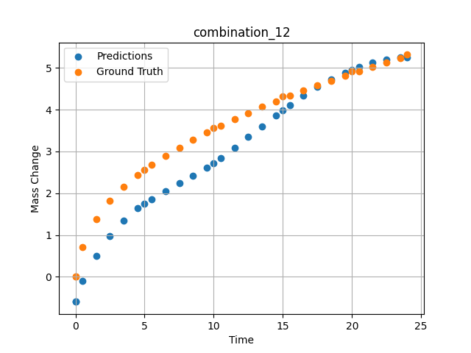
1200 | 0 | 0 | 20 | 20 | 20 | 20 | 20 | 0 | 1.49163 | 1.38441 | 0.50898122787
1200 | 0 | 0 | 20 | 20 | 20 | 20 | 20 | 0 | 2.49268 | 1.82409 | 0.98187363148
1200 | 0 | 0 | 20 | 20 | 20 | 20 | 20 | 0 | 3.49411 | 2.16264 | 1.3513996601
1200 | 0 | 0 | 20 | 20 | 20 | 20 | 20 | 0 | 4.49594 | 2.43164 | 1.6389716864
1200 | 0 | 0 | 20 | 20 | 20 | 20 | 20 | 0 | 5.4981 | 2.67331 | 1.8637969494
1200 | 0 | 0 | 20 | 20 | 20 | 20 | 20 | 0 | 6.50068 | 2.89296 | 2.0551645756
1200 | 0 | 0 | 20 | 20 | 20 | 20 | 20 | 0 | 7.50329 | 3.09115 | 2.2353229523
1200 | 0 | 0 | 20 | 20 | 20 | 20 | 20 | 0 | 8.50608 | 3.27802 | 2.4195961952
1200 | 0 | 0 | 20 | 20 | 20 | 20 | 20 | 0 | 9.49939 | 3.4518 | 2.6171774864
1200 | 0 | 0 | 20 | 20 | 20 | 20 | 20 | 0 | 10.4927 | 3.61285 | 2.8386340141
1200 | 0 | 0 | 20 | 20 | 20 | 20 | 20 | 0 | 11.49578 | 3.77185 | 3.089921236
1200 | 0 | 0 | 20 | 20 | 20 | 20 | 20 | 0 | 12.49916 | 3.91739 | 3.3468708992
1200 | 0 | 0 | 20 | 20 | 20 | 20 | 20 | 0 | 13.50283 | 4.06345 | 3.6035101414
1200 | 0 | 0 | 20 | 20 | 20 | 20 | 20 | 0 | 14.50662 | 4.19848 | 3.8563392162
1200 | 0 | 0 | 20 | 20 | 20 | 20 | 20 | 0 | 15.50099 | 4.32824 | 4.0985517502
1200 | 0 | 0 | 20 | 20 | 20 | 20 | 20 | 0 | 16.49547 | 4.45466 | 4.3274888992
1200 | 0 | 0 | 20 | 20 | 20 | 20 | 20 | 0 | 17.49982 | 4.57472 | 4.5397605896
1200 | 0 | 0 | 20 | 20 | 20 | 20 | 20 | 0 | 18.50429 | 4.69457 | 4.7280082703
1200 | 0 | 0 | 20 | 20 | 20 | 20 | 20 | 0 | 19.49921 | 4.81208 | 4.8876781464
1200 | 0 | 0 | 20 | 20 | 20 | 20 | 20 | 0 | 20.49437 | 4.92042 | 5.0197200775
1200 | 0 | 0 | 20 | 20 | 20 | 20 | 20 | 0 | 21.4995 | 5.02611 | 5.1233563423
1200 | 0 | 0 | 20 | 20 | 20 | 20 | 20 | 0 | 22.50475 | 5.1328 | 5.1968641281
1200 | 0 | 0 | 20 | 20 | 20 | 20 | 20 | 0 | 23.50061 | 5.23529 | 5.2411780357

combination_13
1200.0, 0.0, 50.0, 0.0, 0.0, 50.0, 0.0, 0.0
Temperature [C] | Zr [at%] | Nb [at%] | Mo [at%] | Cr [at%] | Al [at%] | Ti [at%] | Ta [at%] | W [at%] | Time [h] | Mass Change [mg.cm2] | Mass change - predictions
1200 | 0 | 50 | 0 | 50 | 0 | 0 | 0 | 0 | 0 | 0 | 0.53102970123
1200 | 0 | 50 | 0 | 50 | 0 | 0 | 0 | 0 | 1 | 3.6496350365 | 2.7014379501
1200 | 0 | 50 | 0 | 50 | 0 | 0 | 0 | 0 | 8 | 8.6131386861 | 9.4799919128
1200 | 0 | 50 | 0 | 50 | 0 | 0 | 0 | 0 | 24 | 14.6 | 13.996246338
1200 | 0 | 50 | 0 | 50 | 0 | 0 | 0 | 0 | 0 | 0 | 0.53102970123
1200 | 0 | 50 | 0 | 50 | 0 | 0 | 0 | 0 | 0.49249 | 1.52361 | 1.7670814991
1200 | 0 | 50 | 0 | 50 | 0 | 0 | 0 | 0 | 1.5015 | 3.90346 | 3.3899066448
1200 | 0 | 50 | 0 | 50 | 0 | 0 | 0 | 0 | 2.4985 | 5.41279 | 4.4110822678
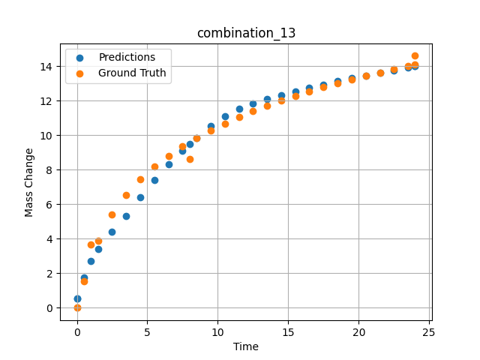
1200 | 0 | 50 | 0 | 50 | 0 | 0 | 0 | 0 | 3.4955 | 6.52981 | 5.323132515
1200 | 0 | 50 | 0 | 50 | 0 | 0 | 0 | 0 | 4.5045 | 7.42843 | 6.412024498
1200 | 0 | 50 | 0 | 50 | 0 | 0 | 0 | 0 | 5.5015 | 8.16539 | 7.4147472382
1200 | 0 | 50 | 0 | 50 | 0 | 0 | 0 | 0 | 6.4985 | 8.79549 | 8.2992696762
1200 | 0 | 50 | 0 | 50 | 0 | 0 | 0 | 0 | 7.4955 | 9.34644 | 9.1005630493
1200 | 0 | 50 | 0 | 50 | 0 | 0 | 0 | 0 | 8.49249 | 9.83548 | 9.8349647522
1200 | 0 | 50 | 0 | 50 | 0 | 0 | 0 | 0 | 9.5015 | 10.28047 | 10.516273499
1200 | 0 | 50 | 0 | 50 | 0 | 0 | 0 | 0 | 10.4985 | 10.67984 | 11.094070435
1200 | 0 | 50 | 0 | 50 | 0 | 0 | 0 | 0 | 11.4955 | 11.04568 | 11.531208992
1200 | 0 | 50 | 0 | 50 | 0 | 0 | 0 | 0 | 12.5045 | 11.38726 | 11.840045929
1200 | 0 | 50 | 0 | 50 | 0 | 0 | 0 | 0 | 13.5015 | 11.70052 | 12.093641281
1200 | 0 | 50 | 0 | 50 | 0 | 0 | 0 | 0 | 14.4985 | 11.99278 | 12.329012871
1200 | 0 | 50 | 0 | 50 | 0 | 0 | 0 | 0 | 15.4955 | 12.26682 | 12.547712326
1200 | 0 | 50 | 0 | 50 | 0 | 0 | 0 | 0 | 16.49249 | 12.52465 | 12.751425743
1200 | 0 | 50 | 0 | 50 | 0 | 0 | 0 | 0 | 17.5015 | 12.77103 | 12.944192886
1200 | 0 | 50 | 0 | 50 | 0 | 0 | 0 | 0 | 18.4985 | 13.0016 | 13.123461723
1200 | 0 | 50 | 0 | 50 | 0 | 0 | 0 | 0 | 19.4955 | 13.22059 | 13.293968201
1200 | 0 | 50 | 0 | 50 | 0 | 0 | 0 | 0 | 20.5045 | 13.43163 | 13.460124969
1200 | 0 | 50 | 0 | 50 | 0 | 0 | 0 | 0 | 21.5015 | 13.63064 | 13.615216255
1200 | 0 | 50 | 0 | 50 | 0 | 0 | 0 | 0 | 22.4985 | 13.82097 | 13.764306068
1200 | 0 | 50 | 0 | 50 | 0 | 0 | 0 | 0 | 23.4955 | 14.0034 | 13.915260315
1200 | 0 | 50 | 0 | 50 | 0 | 0 | 0 | 0 | 24 | 14.09317 | 13.996245384

combination_14
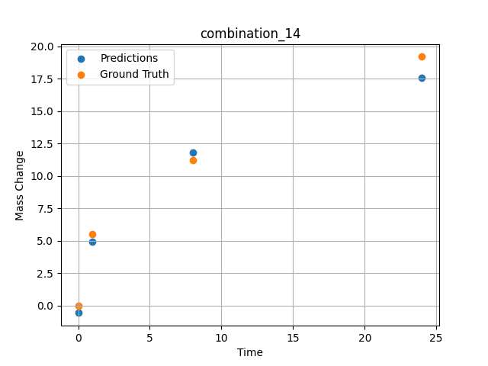
1200.0, 0.0, 33.699999999999996, 0.0, 33.9, 32.4, 0.0, 0.0
Temperature [C] | Zr [at%] | Nb [at%] | Mo [at%] | Cr [at%] | Al [at%] | Ti [at%] | Ta [at%] | W [at%] | Time [h] | Mass Change [mg.cm2] | Mass change - predictions
1200 | 0 | 33.7 | 0 | 32.4 | 0 | 33.9 | 0 | 0 | 0 | 0 | -0.56403160095
1200 | 0 | 33.7 | 0 | 32.4 | 0 | 33.9 | 0 | 0 | 1 | 5.5474452555 | 4.9256439209
1200 | 0 | 33.7 | 0 | 32.4 | 0 | 33.9 | 0 | 0 | 8 | 11.240875912 | 11.802867889
1200 | 0 | 33.7 | 0 | 32.4 | 0 | 33.9 | 0 | 0 | 24 | 19.2 | 17.583543777

combination_15
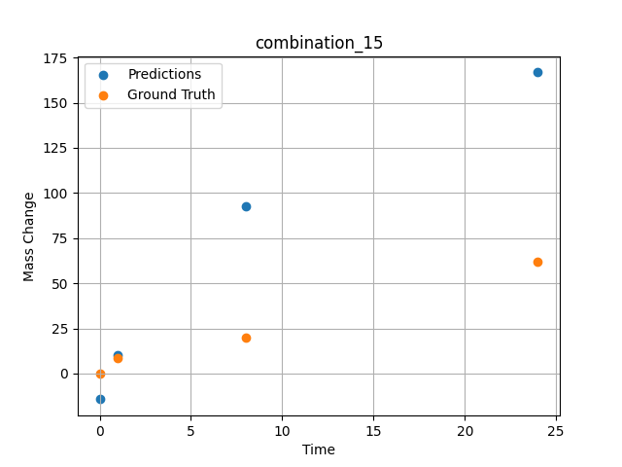
1200.0, 0.0, 26.0, 23.9, 25.6, 24.5, 0.0, 0.0
Temperature [C] | Zr [at%] | Nb [at%] | Mo [at%] | Cr [at%] | Al [at%] | Ti [at%] | Ta [at%] | W [at%] | Time [h] | Mass Change [mg.cm2] | Mass change - predictions
1200 | 0 | 26 | 0 | 24.5 | 0 | 25.6 | 23.9 | 0 | 0 | 0 | -14.270833969
1200 | 0 | 26 | 0 | 24.5 | 0 | 25.6 | 23.9 | 0 | 1 | 8.3211678832 | 10.35624218
1200 | 0 | 26 | 0 | 24.5 | 0 | 25.6 | 23.9 | 0 | 8 | 20.145985401 | 92.548652649
1200 | 0 | 26 | 0 | 24.5 | 0 | 25.6 | 23.9 | 0 | 24 | 61.9 | 166.80212402

combination_16
1200.0, 0.0, 33.6, 34.1, 32.3, 0.0, 0.0, 0.0
Temperature [C] | Zr [at%] | Nb [at%] | Mo [at%] | Cr [at%] | Al [at%] | Ti [at%] | Ta [at%] | W [at%] | Time [h] | Mass Change [mg.cm2] | Mass change - predictions
1200 | 0 | 33.6 | 0 | 0 | 0 | 32.3 | 34.1 | 0 | 0 | 0 | -12.680780411
1200 | 0 | 33.6 | 0 | 0 | 0 | 32.3 | 34.1 | 0 | 1 | 2.6 | 8.9078330994
1200 | 0 | 33.6 | 0 | 0 | 0 | 32.3 | 34.1 | 0 | 4 | 40.3 | 41.873474121
1200 | 0 | 33.6 | 0 | 0 | 0 | 32.3 | 34.1 | 0 | 8 | 92.248062016 | 88.889251709
1200 | 0 | 33.6 | 0 | 0 | 0 | 32.3 | 34.1 | 0 | 24 | 247.28682171 | 233.87121582
1200 | 0 | 33.6 | 0 | 0 | 0 | 32.3 | 34.1 | 0 | 48 | 293.02325581 | 279.32705688
1200 | 0 | 33.6 | 0 | 0 | 0 | 32.3 | 34.1 | 0 | 0 | 0 | -12.680780411
1200 | 0 | 33.6 | 0 | 0 | 0 | 32.3 | 34.1 | 0 | 0.56527 | 2.00231 | 2.5477437973
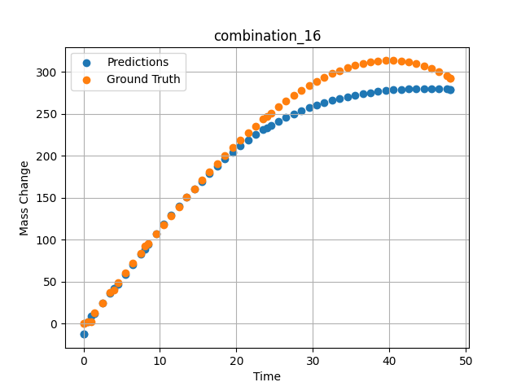
1200 | 0 | 33.6 | 0 | 0 | 0 | 32.3 | 34.1 | 0 | 1.46724 | 12.76104 | 12.472326279
1200 | 0 | 33.6 | 0 | 0 | 0 | 32.3 | 34.1 | 0 | 2.4985 | 25.04193 | 24.604120255
1200 | 0 | 33.6 | 0 | 0 | 0 | 32.3 | 34.1 | 0 | 3.50751 | 37.02166 | 36.309570312
1200 | 0 | 33.6 | 0 | 0 | 0 | 32.3 | 34.1 | 0 | 4.49304 | 48.67294 | 47.359672546
1200 | 0 | 33.6 | 0 | 0 | 0 | 32.3 | 34.1 | 0 | 5.5015 | 60.53039 | 58.6456604
1200 | 0 | 33.6 | 0 | 0 | 0 | 32.3 | 34.1 | 0 | 6.48649 | 72.03199 | 70.079467773
1200 | 0 | 33.6 | 0 | 0 | 0 | 32.3 | 34.1 | 0 | 7.4955 | 83.71838 | 82.44569397
1200 | 0 | 33.6 | 0 | 0 | 0 | 32.3 | 34.1 | 0 | 8.48157 | 95.03006 | 94.942657471
1200 | 0 | 33.6 | 0 | 0 | 0 | 32.3 | 34.1 | 0 | 9.51351 | 106.73793 | 107.42625427
1200 | 0 | 33.6 | 0 | 0 | 0 | 32.3 | 34.1 | 0 | 10.4985 | 117.7734 | 118.78336334
1200 | 0 | 33.6 | 0 | 0 | 0 | 32.3 | 34.1 | 0 | 11.48348 | 128.65641 | 129.65357971
1200 | 0 | 33.6 | 0 | 0 | 0 | 32.3 | 34.1 | 0 | 12.49249 | 139.63363 | 140.33317566
1200 | 0 | 33.6 | 0 | 0 | 0 | 32.3 | 34.1 | 0 | 13.5015 | 150.42152 | 150.59346008
1200 | 0 | 33.6 | 0 | 0 | 0 | 32.3 | 34.1 | 0 | 14.51051 | 161.00462 | 160.47062683
1200 | 0 | 33.6 | 0 | 0 | 0 | 32.3 | 34.1 | 0 | 15.4955 | 171.12427 | 169.77441406
1200 | 0 | 33.6 | 0 | 0 | 0 | 32.3 | 34.1 | 0 | 16.48048 | 181.01775 | 178.77027893
1200 | 0 | 33.6 | 0 | 0 | 0 | 32.3 | 34.1 | 0 | 17.48949 | 190.90578 | 187.68804932
1200 | 0 | 33.6 | 0 | 0 | 0 | 32.3 | 34.1 | 0 | 18.4985 | 200.52777 | 196.32069397
1200 | 0 | 33.6 | 0 | 0 | 0 | 32.3 | 34.1 | 0 | 19.50751 | 209.86822 | 204.5461731
1200 | 0 | 33.6 | 0 | 0 | 0 | 32.3 | 34.1 | 0 | 20.51652 | 218.91164 | 212.1182251
1200 | 0 | 33.6 | 0 | 0 | 0 | 32.3 | 34.1 | 0 | 21.5015 | 227.43968 | 218.92259216
1200 | 0 | 33.6 | 0 | 0 | 0 | 32.3 | 34.1 | 0 | 22.48649 | 235.65296 | 225.19111633
1200 | 0 | 33.6 | 0 | 0 | 0 | 32.3 | 34.1 | 0 | 23.4955 | 243.72904 | 231.09944153
1200 | 0 | 33.6 | 0 | 0 | 0 | 32.3 | 34.1 | 0 | 24.48157 | 251.27422 | 236.40924072
1200 | 0 | 33.6 | 0 | 0 | 0 | 32.3 | 34.1 | 0 | 25.51351 | 258.79091 | 241.51147461
1200 | 0 | 33.6 | 0 | 0 | 0 | 32.3 | 34.1 | 0 | 26.4985 | 265.58634 | 245.97912598
1200 | 0 | 33.6 | 0 | 0 | 0 | 32.3 | 34.1 | 0 | 27.48348 | 271.99328 | 250.08190918
1200 | 0 | 33.6 | 0 | 0 | 0 | 32.3 | 34.1 | 0 | 28.49249 | 278.14346 | 253.93206787
1200 | 0 | 33.6 | 0 | 0 | 0 | 32.3 | 34.1 | 0 | 29.5015 | 283.85864 | 257.44918823
1200 | 0 | 33.6 | 0 | 0 | 0 | 32.3 | 34.1 | 0 | 30.51051 | 289.12334 | 260.65481567
1200 | 0 | 33.6 | 0 | 0 | 0 | 32.3 | 34.1 | 0 | 31.4955 | 293.81519 | 263.50201416
1200 | 0 | 33.6 | 0 | 0 | 0 | 32.3 | 34.1 | 0 | 32.48048 | 298.04485 | 266.08700562
1200 | 0 | 33.6 | 0 | 0 | 0 | 32.3 | 34.1 | 0 | 33.48949 | 301.88914 | 268.47796631
1200 | 0 | 33.6 | 0 | 0 | 0 | 32.3 | 34.1 | 0 | 34.4985 | 305.22169 | 270.62207031
1200 | 0 | 33.6 | 0 | 0 | 0 | 32.3 | 34.1 | 0 | 35.50751 | 308.02703 | 272.53149414
1200 | 0 | 33.6 | 0 | 0 | 0 | 32.3 | 34.1 | 0 | 36.51652 | 310.28966 | 274.21624756
1200 | 0 | 33.6 | 0 | 0 | 0 | 32.3 | 34.1 | 0 | 37.5015 | 311.96232 | 275.65280151
1200 | 0 | 33.6 | 0 | 0 | 0 | 32.3 | 34.1 | 0 | 38.48649 | 313.08419 | 276.89105225
1200 | 0 | 33.6 | 0 | 0 | 0 | 32.3 | 34.1 | 0 | 39.4955 | 313.65412 | 277.95950317
1200 | 0 | 33.6 | 0 | 0 | 0 | 32.3 | 34.1 | 0 | 40.5045 | 313.62011 | 278.83068848
1200 | 0 | 33.6 | 0 | 0 | 0 | 32.3 | 34.1 | 0 | 41.51351 | 312.96665 | 279.50827026
1200 | 0 | 33.6 | 0 | 0 | 0 | 32.3 | 34.1 | 0 | 42.4985 | 311.71895 | 279.98562622
1200 | 0 | 33.6 | 0 | 0 | 0 | 32.3 | 34.1 | 0 | 43.48348 | 309.84673 | 280.2828064
1200 | 0 | 33.6 | 0 | 0 | 0 | 32.3 | 34.1 | 0 | 44.49249 | 307.27405 | 280.4006958
1200 | 0 | 33.6 | 0 | 0 | 0 | 32.3 | 34.1 | 0 | 45.5015 | 304.02068 | 280.32937622
1200 | 0 | 33.6 | 0 | 0 | 0 | 32.3 | 34.1 | 0 | 46.51051 | 300.07115 | 280.06738281
1200 | 0 | 33.6 | 0 | 0 | 0 | 32.3 | 34.1 | 0 | 47.4955 | 295.53213 | 279.62561035
1200 | 0 | 33.6 | 0 | 0 | 0 | 32.3 | 34.1 | 0 | 48 | 292.96623 | 279.32705688

combination_17
1200.0, 0.0, 34.2, 34.4, 0.0, 0.0, 0.0, 0.0
Temperature [C] | Zr [at%] | Nb [at%] | Mo [at%] | Cr [at%] | Al [at%] | Ti [at%] | Ta [at%] | W [at%] | Time [h] | Mass Change [mg.cm2] | Mass change - predictions
1200 | 30.9 | 34.2 | 0 | 0 | 0 | 0 | 34.4 | 0 | 0 | 0 | -0.071769237518
1200 | 30.9 | 34.2 | 0 | 0 | 0 | 0 | 34.4 | 0 | 1 | 102.4 | 90.210990906
1200 | 30.9 | 34.2 | 0 | 0 | 0 | 0 | 34.4 | 0 | 2 | 117.1 | 119.99075317
1200 | 30.9 | 34.2 | 0 | 0 | 0 | 0 | 34.4 | 0 | 4 | 134.1 | 154.71209717
1200 | 30.9 | 34.2 | 0 | 0 | 0 | 0 | 34.4 | 0 | 6 | 170.7 | 177.32539368
1200 | 30.9 | 34.2 | 0 | 0 | 0 | 0 | 34.4 | 0 | 8 | 197.6 | 194.57453918
1200 | 30.9 | 34.2 | 0 | 0 | 0 | 0 | 34.4 | 0 | 24 | 229.3 | 266.23428345
1200 | 30.9 | 34.2 | 0 | 0 | 0 | 0 | 34.4 | 0 | 0 | 0 | -0.071656227112
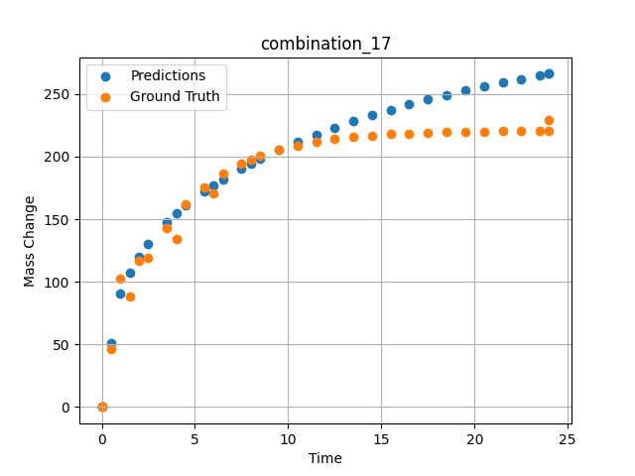
1200 | 30.9 | 34.2 | 0 | 0 | 0 | 0 | 34.4 | 0 | 0.49249 | 46.59609 | 51.31085968
1200 | 30.9 | 34.2 | 0 | 0 | 0 | 0 | 34.4 | 0 | 1.5015 | 88.32923 | 107.35878754
1200 | 30.9 | 34.2 | 0 | 0 | 0 | 0 | 34.4 | 0 | 2.4985 | 119.43947 | 130.56091309
1200 | 30.9 | 34.2 | 0 | 0 | 0 | 0 | 34.4 | 0 | 3.4955 | 143.22867 | 147.56826782
1200 | 30.9 | 34.2 | 0 | 0 | 0 | 0 | 34.4 | 0 | 4.5045 | 161.64161 | 161.15388489
1200 | 30.9 | 34.2 | 0 | 0 | 0 | 0 | 34.4 | 0 | 5.5015 | 175.552 | 172.33279419
1200 | 30.9 | 34.2 | 0 | 0 | 0 | 0 | 34.4 | 0 | 6.4985 | 186.18892 | 182.0022583
1200 | 30.9 | 34.2 | 0 | 0 | 0 | 0 | 34.4 | 0 | 7.4955 | 194.34026 | 190.57475281
1200 | 30.9 | 34.2 | 0 | 0 | 0 | 0 | 34.4 | 0 | 8.49249 | 200.57338 | 198.28944397
1200 | 30.9 | 34.2 | 0 | 0 | 0 | 0 | 34.4 | 0 | 9.5015 | 205.39784 | 205.38703918
1200 | 30.9 | 34.2 | 0 | 0 | 0 | 0 | 34.4 | 0 | 10.4985 | 209.04256 | 211.81312561
1200 | 30.9 | 34.2 | 0 | 0 | 0 | 0 | 34.4 | 0 | 11.4955 | 211.82959 | 217.73832703
1200 | 30.9 | 34.2 | 0 | 0 | 0 | 0 | 34.4 | 0 | 12.5045 | 213.98676 | 223.28918457
1200 | 30.9 | 34.2 | 0 | 0 | 0 | 0 | 34.4 | 0 | 13.5015 | 215.61644 | 228.38394165
1200 | 30.9 | 34.2 | 0 | 0 | 0 | 0 | 34.4 | 0 | 14.4985 | 216.86261 | 233.13244629
1200 | 30.9 | 34.2 | 0 | 0 | 0 | 0 | 34.4 | 0 | 15.4955 | 217.81758 | 237.56929016
1200 | 30.9 | 34.2 | 0 | 0 | 0 | 0 | 34.4 | 0 | 16.49249 | 218.54782 | 241.72471619
1200 | 30.9 | 34.2 | 0 | 0 | 0 | 0 | 34.4 | 0 | 17.5015 | 219.11303 | 245.6703186
1200 | 30.9 | 34.2 | 0 | 0 | 0 | 0 | 34.4 | 0 | 18.4985 | 219.54003 | 249.33586121
1200 | 30.9 | 34.2 | 0 | 0 | 0 | 0 | 34.4 | 0 | 19.4955 | 219.86655 | 252.79042053
1200 | 30.9 | 34.2 | 0 | 0 | 0 | 0 | 34.4 | 0 | 20.5045 | 220.11927 | 256.0909729
1200 | 30.9 | 34.2 | 0 | 0 | 0 | 0 | 34.4 | 0 | 21.5015 | 220.3102 | 259.17614746
1200 | 30.9 | 34.2 | 0 | 0 | 0 | 0 | 34.4 | 0 | 22.4985 | 220.45619 | 262.10107422
1200 | 30.9 | 34.2 | 0 | 0 | 0 | 0 | 34.4 | 0 | 23.4955 | 220.56807 | 264.87988281
1200 | 30.9 | 34.2 | 0 | 0 | 0 | 0 | 34.4 | 0 | 24 | 220.61516 | 266.23425293

combination_18
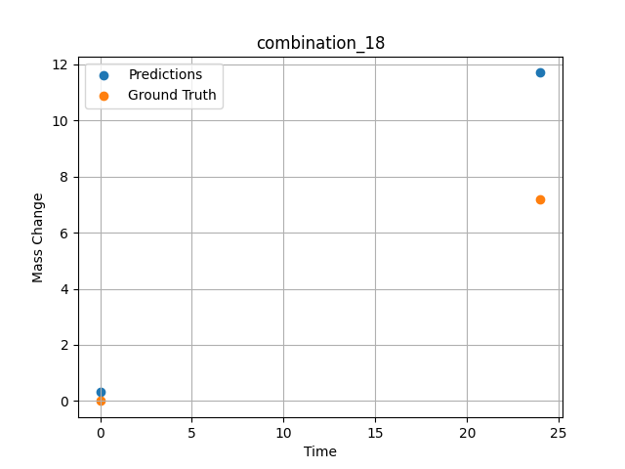
1200.0, 0.0, 0.0, 30.6, 36.8, 32.6, 0.0, 0.0
Temperature [C] | Zr [at%] | Nb [at%] | Mo [at%] | Cr [at%] | Al [at%] | Ti [at%] | Ta [at%] | W [at%] | Time [h] | Mass Change [mg.cm2] | Mass change - predictions
1200 | 0 | 0 | 0 | 32.6 | 0 | 36.8 | 30.6 | 0 | 0 | 0 | 0.32494902611
1200 | 0 | 0 | 0 | 32.6 | 0 | 36.8 | 30.6 | 0 | 24 | 7.2 | 11.702192307

combination_19
1200.0, 0.0, 0.0, 49.9, 12.2, 37.9, 0.0, 0.0
Temperature [C] | Zr [at%] | Nb [at%] | Mo [at%] | Cr [at%] | Al [at%] | Ti [at%] | Ta [at%] | W [at%] | Time [h] | Mass Change [mg.cm2] | Mass change - predictions
1200 | 0 | 0 | 0 | 37.9 | 0 | 12.2 | 49.9 | 0 | 0 | 0 | -0.24750685692
1200 | 0 | 0 | 0 | 37.9 | 0 | 12.2 | 49.9 | 0 | 5 | 8.2898550725 | 8.1674823761
1200 | 0 | 0 | 0 | 37.9 | 0 | 12.2 | 49.9 | 0 | 10 | 12.434782609 | 11.658862114
1200 | 0 | 0 | 0 | 37.9 | 0 | 12.2 | 49.9 | 0 | 15 | 18.134057971 | 17.416027069
1200 | 0 | 0 | 0 | 37.9 | 0 | 12.2 | 49.9 | 0 | 17.5 | 24.869565217 | 27.570104599
1200 | 0 | 0 | 0 | 37.9 | 0 | 12.2 | 49.9 | 0 | 20 | 45.594202899 | 41.614814758
1200 | 0 | 0 | 0 | 37.9 | 0 | 12.2 | 49.9 | 0 | 24 | 71.5 | 71.987312317
1200 | 0 | 0 | 0 | 37.9 | 0 | 12.2 | 49.9 | 0 | 0 | 0 | -0.24750590324
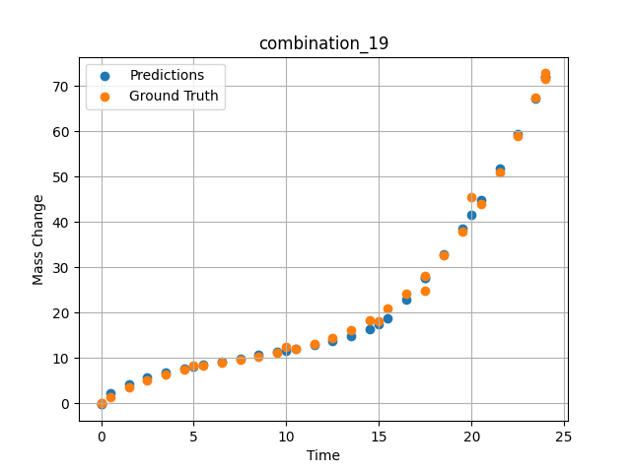
1200 | 0 | 0 | 0 | 37.9 | 0 | 12.2 | 49.9 | 0 | 0.49249 | 1.42149 | 2.1352365017
1200 | 0 | 0 | 0 | 37.9 | 0 | 12.2 | 49.9 | 0 | 1.5015 | 3.46774 | 4.2564949989
1200 | 0 | 0 | 0 | 37.9 | 0 | 12.2 | 49.9 | 0 | 2.4985 | 5.09174 | 5.6850085258
1200 | 0 | 0 | 0 | 37.9 | 0 | 12.2 | 49.9 | 0 | 3.4955 | 6.38605 | 6.8403286934
1200 | 0 | 0 | 0 | 37.9 | 0 | 12.2 | 49.9 | 0 | 4.5045 | 7.43134 | 7.7672357559
1200 | 0 | 0 | 0 | 37.9 | 0 | 12.2 | 49.9 | 0 | 5.48956 | 8.26108 | 8.539806366
1200 | 0 | 0 | 0 | 37.9 | 0 | 12.2 | 49.9 | 0 | 6.4985 | 8.98419 | 9.2603778839
1200 | 0 | 0 | 0 | 37.9 | 0 | 12.2 | 49.9 | 0 | 7.5035 | 9.64589 | 9.9454402924
1200 | 0 | 0 | 0 | 37.9 | 0 | 12.2 | 49.9 | 0 | 8.49249 | 10.30729 | 10.612364769
1200 | 0 | 0 | 0 | 37.9 | 0 | 12.2 | 49.9 | 0 | 9.5015 | 11.06122 | 11.305401802
1200 | 0 | 0 | 0 | 37.9 | 0 | 12.2 | 49.9 | 0 | 10.48663 | 11.94099 | 12.014914513
1200 | 0 | 0 | 0 | 37.9 | 0 | 12.2 | 49.9 | 0 | 11.4955 | 13.05774 | 12.805216789
1200 | 0 | 0 | 0 | 37.9 | 0 | 12.2 | 49.9 | 0 | 12.5045 | 14.46245 | 13.712615967
1200 | 0 | 0 | 0 | 37.9 | 0 | 12.2 | 49.9 | 0 | 13.5015 | 16.2008 | 14.824381828
1200 | 0 | 0 | 0 | 37.9 | 0 | 12.2 | 49.9 | 0 | 14.4985 | 18.3577 | 16.357635498
1200 | 0 | 0 | 0 | 37.9 | 0 | 12.2 | 49.9 | 0 | 15.4837 | 20.96379 | 18.736865997
1200 | 0 | 0 | 0 | 37.9 | 0 | 12.2 | 49.9 | 0 | 16.49249 | 24.19061 | 22.80314064
1200 | 0 | 0 | 0 | 37.9 | 0 | 12.2 | 49.9 | 0 | 17.50147 | 28.05166 | 27.577455521
1200 | 0 | 0 | 0 | 37.9 | 0 | 12.2 | 49.9 | 0 | 18.4985 | 32.55855 | 32.781829834
1200 | 0 | 0 | 0 | 37.9 | 0 | 12.2 | 49.9 | 0 | 19.4955 | 37.823 | 38.50692749
1200 | 0 | 0 | 0 | 37.9 | 0 | 12.2 | 49.9 | 0 | 20.49277 | 43.91233 | 44.794181824
1200 | 0 | 0 | 0 | 37.9 | 0 | 12.2 | 49.9 | 0 | 21.5015 | 50.97282 | 51.76739502
1200 | 0 | 0 | 0 | 37.9 | 0 | 12.2 | 49.9 | 0 | 22.4985 | 58.92082 | 59.312194824
1200 | 0 | 0 | 0 | 37.9 | 0 | 12.2 | 49.9 | 0 | 23.45946 | 67.54177 | 67.244117737
1200 | 0 | 0 | 0 | 37.9 | 0 | 12.2 | 49.9 | 0 | 24 | 72.79782 | 71.987312317

combination_20
1200.0, 0.0, 0.0, 50.9, 37.2, 11.9, 0.0, 0.0
Temperature [C] | Zr [at%] | Nb [at%] | Mo [at%] | Cr [at%] | Al [at%] | Ti [at%] | Ta [at%] | W [at%] | Time [h] | Mass Change [mg.cm2] | Mass change - predictions
1200 | 0 | 0 | 0 | 11.9 | 0 | 37.2 | 50.9 | 0 | 0 | 0 | -0.39892959595
1200 | 0 | 0 | 0 | 11.9 | 0 | 37.2 | 50.9 | 0 | 5 | 31.542083333 | 32.445091248
1200 | 0 | 0 | 0 | 11.9 | 0 | 37.2 | 50.9 | 0 | 10 | 59.464583333 | 57.331596375
1200 | 0 | 0 | 0 | 11.9 | 0 | 37.2 | 50.9 | 0 | 15 | 82.733333333 | 82.972328186
1200 | 0 | 0 | 0 | 11.9 | 0 | 37.2 | 50.9 | 0 | 20 | 106.51916667 | 106.50106812
1200 | 0 | 0 | 0 | 11.9 | 0 | 37.2 | 50.9 | 0 | 24 | 124.1 | 117.31464386
1200 | 0 | 0 | 0 | 11.9 | 0 | 37.2 | 50.9 | 0 | 0 | 0 | -0.39893102646
1200 | 0 | 0 | 0 | 11.9 | 0 | 37.2 | 50.9 | 0 | 0.49249 | 3.32589 | 3.1925413609
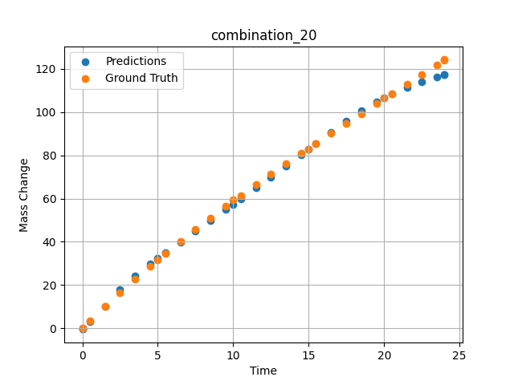
1200 | 0 | 0 | 0 | 11.9 | 0 | 37.2 | 50.9 | 0 | 1.5015 | 10.03119 | 10.04713726
1200 | 0 | 0 | 0 | 11.9 | 0 | 37.2 | 50.9 | 0 | 2.4985 | 16.44125 | 17.94871521
1200 | 0 | 0 | 0 | 11.9 | 0 | 37.2 | 50.9 | 0 | 3.4955 | 22.64739 | 24.275354385
1200 | 0 | 0 | 0 | 11.9 | 0 | 37.2 | 50.9 | 0 | 4.5045 | 28.73355 | 29.860326767
1200 | 0 | 0 | 0 | 11.9 | 0 | 37.2 | 50.9 | 0 | 5.48956 | 34.49707 | 34.939811707
1200 | 0 | 0 | 0 | 11.9 | 0 | 37.2 | 50.9 | 0 | 6.4985 | 40.22938 | 39.977554321
1200 | 0 | 0 | 0 | 11.9 | 0 | 37.2 | 50.9 | 0 | 7.4955 | 45.73568 | 44.901077271
1200 | 0 | 0 | 0 | 11.9 | 0 | 37.2 | 50.9 | 0 | 8.49249 | 51.09529 | 49.825920105
1200 | 0 | 0 | 0 | 11.9 | 0 | 37.2 | 50.9 | 0 | 9.5015 | 56.38263 | 54.839393616
1200 | 0 | 0 | 0 | 11.9 | 0 | 37.2 | 50.9 | 0 | 10.48663 | 61.42297 | 59.775184631
1200 | 0 | 0 | 0 | 11.9 | 0 | 37.2 | 50.9 | 0 | 11.4955 | 66.47152 | 64.876495361
1200 | 0 | 0 | 0 | 11.9 | 0 | 37.2 | 50.9 | 0 | 12.5045 | 71.41788 | 70.026298523
1200 | 0 | 0 | 0 | 11.9 | 0 | 37.2 | 50.9 | 0 | 13.5015 | 76.21596 | 75.160964966
1200 | 0 | 0 | 0 | 11.9 | 0 | 37.2 | 50.9 | 0 | 14.4985 | 80.93612 | 80.342941284
1200 | 0 | 0 | 0 | 11.9 | 0 | 37.2 | 50.9 | 0 | 15.4837 | 85.53549 | 85.523033142
1200 | 0 | 0 | 0 | 11.9 | 0 | 37.2 | 50.9 | 0 | 16.49249 | 90.18944 | 90.770172119
1200 | 0 | 0 | 0 | 11.9 | 0 | 37.2 | 50.9 | 0 | 17.5015 | 94.79986 | 95.805038452
1200 | 0 | 0 | 0 | 11.9 | 0 | 37.2 | 50.9 | 0 | 18.4985 | 99.32321 | 100.48664093
1200 | 0 | 0 | 0 | 11.9 | 0 | 37.2 | 50.9 | 0 | 19.4955 | 103.82588 | 104.61512756
1200 | 0 | 0 | 0 | 11.9 | 0 | 37.2 | 50.9 | 0 | 20.51128 | 108.40403 | 108.28071594
1200 | 0 | 0 | 0 | 11.9 | 0 | 37.2 | 50.9 | 0 | 21.5015 | 112.86918 | 111.37247467
1200 | 0 | 0 | 0 | 11.9 | 0 | 37.2 | 50.9 | 0 | 22.4985 | 117.37858 | 114.04455566
1200 | 0 | 0 | 0 | 11.9 | 0 | 37.2 | 50.9 | 0 | 23.4955 | 121.9129 | 116.31139374
1200 | 0 | 0 | 0 | 11.9 | 0 | 37.2 | 50.9 | 0 | 24 | 124.21884 | 117.31473541

combination_21
1200.0, 0.0, 0.0, 46.5, 22.5, 31.0, 0.0, 0.0
Temperature [C] | Zr [at%] | Nb [at%] | Mo [at%] | Cr [at%] | Al [at%] | Ti [at%] | Ta [at%] | W [at%] | Time [h] | Mass Change [mg.cm2] | Mass change - predictions
1200 | 0 | 0 | 0 | 31 | 0 | 22.5 | 46.5 | 0 | 0 | 0 | -0.078038692474
1200 | 0 | 0 | 0 | 31 | 0 | 22.5 | 46.5 | 0 | 5 | 68.073076923 | 69.890953064
1200 | 0 | 0 | 0 | 31 | 0 | 22.5 | 46.5 | 0 | 10 | 121.19070513 | 119.00521851
1200 | 0 | 0 | 0 | 31 | 0 | 22.5 | 46.5 | 0 | 15 | 148.52307692 | 146.87272644
1200 | 0 | 0 | 0 | 31 | 0 | 22.5 | 46.5 | 0 | 20 | 159.35288462 | 159.35728455
1200 | 0 | 0 | 0 | 31 | 0 | 22.5 | 46.5 | 0 | 24 | 160.9 | 162.35229492
1200 | 0 | 0 | 0 | 31 | 0 | 22.5 | 46.5 | 0 | 0 | 0 | -0.07804775238
1200 | 0 | 0 | 0 | 31 | 0 | 22.5 | 46.5 | 0 | 0.53801 | 8.21597 | 9.3930463791
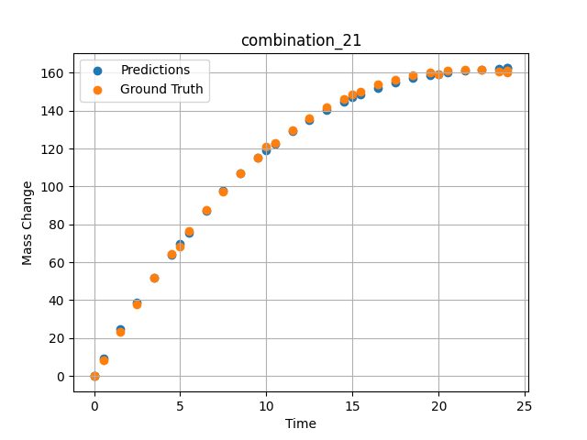
1200 | 0 | 0 | 0 | 31 | 0 | 22.5 | 46.5 | 0 | 1.5015 | 23.29686 | 24.597894669
1200 | 0 | 0 | 0 | 31 | 0 | 22.5 | 46.5 | 0 | 2.4985 | 37.95309 | 38.819282532
1200 | 0 | 0 | 0 | 31 | 0 | 22.5 | 46.5 | 0 | 3.4955 | 51.65384 | 51.620796204
1200 | 0 | 0 | 0 | 31 | 0 | 22.5 | 46.5 | 0 | 4.5045 | 64.57589 | 63.945083618
1200 | 0 | 0 | 0 | 31 | 0 | 22.5 | 46.5 | 0 | 5.48956 | 76.29591 | 75.730705261
1200 | 0 | 0 | 0 | 31 | 0 | 22.5 | 46.5 | 0 | 6.4985 | 87.40608 | 87.331764221
1200 | 0 | 0 | 0 | 31 | 0 | 22.5 | 46.5 | 0 | 7.4955 | 97.52071 | 97.612213135
1200 | 0 | 0 | 0 | 31 | 0 | 22.5 | 46.5 | 0 | 8.49249 | 106.79416 | 106.83332062
1200 | 0 | 0 | 0 | 31 | 0 | 22.5 | 46.5 | 0 | 9.5015 | 115.35124 | 115.20130157
1200 | 0 | 0 | 0 | 31 | 0 | 22.5 | 46.5 | 0 | 10.48663 | 122.92292 | 122.51966095
1200 | 0 | 0 | 0 | 31 | 0 | 22.5 | 46.5 | 0 | 11.4955 | 129.89829 | 129.21128845
1200 | 0 | 0 | 0 | 31 | 0 | 22.5 | 46.5 | 0 | 12.5045 | 136.10997 | 135.14767456
1200 | 0 | 0 | 0 | 31 | 0 | 22.5 | 46.5 | 0 | 13.5015 | 141.52095 | 140.31771851
1200 | 0 | 0 | 0 | 31 | 0 | 22.5 | 46.5 | 0 | 14.4985 | 146.22811 | 144.83575439
1200 | 0 | 0 | 0 | 31 | 0 | 22.5 | 46.5 | 0 | 15.4837 | 150.21466 | 148.69264221
1200 | 0 | 0 | 0 | 31 | 0 | 22.5 | 46.5 | 0 | 16.49249 | 153.63313 | 152.04562378
1200 | 0 | 0 | 0 | 31 | 0 | 22.5 | 46.5 | 0 | 17.5015 | 156.40427 | 154.82139587
1200 | 0 | 0 | 0 | 31 | 0 | 22.5 | 46.5 | 0 | 18.4985 | 158.52997 | 157.01829529
1200 | 0 | 0 | 0 | 31 | 0 | 22.5 | 46.5 | 0 | 19.4955 | 160.06615 | 158.69136047
1200 | 0 | 0 | 0 | 31 | 0 | 22.5 | 46.5 | 0 | 20.49277 | 161.03822 | 159.93650818
1200 | 0 | 0 | 0 | 31 | 0 | 22.5 | 46.5 | 0 | 21.5015 | 161.47326 | 160.92449951
1200 | 0 | 0 | 0 | 31 | 0 | 22.5 | 46.5 | 0 | 22.4985 | 161.37827 | 161.65830994
1200 | 0 | 0 | 0 | 31 | 0 | 22.5 | 46.5 | 0 | 23.4955 | 160.78923 | 162.17114258
1200 | 0 | 0 | 0 | 31 | 0 | 22.5 | 46.5 | 0 | 24 | 160.32765 | 162.35229492

combination_22
1100.0, 20.0, 20.0, 0.0, 20.0, 20.0, 20.0, 0.0
Temperature [C] | Zr [at%] | Nb [at%] | Mo [at%] | Cr [at%] | Al [at%] | Ti [at%] | Ta [at%] | W [at%] | Time [h] | Mass Change [mg.cm2] | Mass change - predictions
1100 | 0 | 20 | 20 | 20 | 20 | 20 | 0 | 0 | 0 | 0 | -0.27856063843
1100 | 0 | 20 | 20 | 20 | 20 | 20 | 0 | 0 | 10 | 3.3534246575 | 3.3940219879
1100 | 0 | 20 | 20 | 20 | 20 | 20 | 0 | 0 | 20 | 5.4794520548 | 5.8617095947
1100 | 0 | 20 | 20 | 20 | 20 | 20 | 0 | 0 | 30 | 6.904109589 | 6.6959724426
1100 | 0 | 20 | 20 | 20 | 20 | 20 | 0 | 0 | 40 | 7.8465753425 | 7.5473508835
1100 | 0 | 20 | 20 | 20 | 20 | 20 | 0 | 0 | 48 | 8.3726027397 | 8.822883606
1100 | 0 | 20 | 20 | 20 | 20 | 20 | 0 | 0 | 0 | 0 | -0.27856063843
1100 | 0 | 20 | 20 | 20 | 20 | 20 | 0 | 0 | 0.48048 | 0.19946 | 0.31220245361
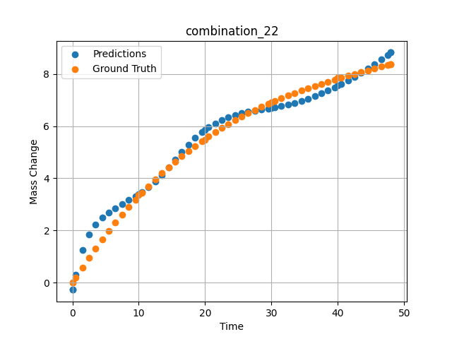
1100 | 0 | 20 | 20 | 20 | 20 | 20 | 0 | 0 | 1.48949 | 0.58439 | 1.2550406456
1100 | 0 | 20 | 20 | 20 | 20 | 20 | 0 | 0 | 2.4985 | 0.9555 | 1.8497700691
1100 | 0 | 20 | 20 | 20 | 20 | 20 | 0 | 0 | 3.50751 | 1.3131 | 2.2317523956
1100 | 0 | 20 | 20 | 20 | 20 | 20 | 0 | 0 | 4.51652 | 1.6575 | 2.4974009991
1100 | 0 | 20 | 20 | 20 | 20 | 20 | 0 | 0 | 5.5015 | 1.98132 | 2.6951007843
1100 | 0 | 20 | 20 | 20 | 20 | 20 | 0 | 0 | 6.48649 | 2.29304 | 2.8606593609
1100 | 0 | 20 | 20 | 20 | 20 | 20 | 0 | 0 | 7.4955 | 2.60028 | 3.0148005486
1100 | 0 | 20 | 20 | 20 | 20 | 20 | 0 | 0 | 8.5045 | 2.89555 | 3.1646442413
1100 | 0 | 20 | 20 | 20 | 20 | 20 | 0 | 0 | 9.51351 | 3.17915 | 3.3175365925
1100 | 0 | 20 | 20 | 20 | 20 | 20 | 0 | 0 | 10.47476 | 3.43876 | 3.4729580879
1100 | 0 | 20 | 20 | 20 | 20 | 20 | 0 | 0 | 11.48348 | 3.7004 | 3.6592726707
1100 | 0 | 20 | 20 | 20 | 20 | 20 | 0 | 0 | 12.49249 | 3.95137 | 3.8745398521
1100 | 0 | 20 | 20 | 20 | 20 | 20 | 0 | 0 | 13.5015 | 4.1919 | 4.1228346825
1100 | 0 | 20 | 20 | 20 | 20 | 20 | 0 | 0 | 14.51051 | 4.4223 | 4.4082288742
1100 | 0 | 20 | 20 | 20 | 20 | 20 | 0 | 0 | 15.4955 | 4.63778 | 4.7114424706
1100 | 0 | 20 | 20 | 20 | 20 | 20 | 0 | 0 | 16.48048 | 4.84412 | 5.0143976212
1100 | 0 | 20 | 20 | 20 | 20 | 20 | 0 | 0 | 17.48949 | 5.04642 | 5.2967309952
1100 | 0 | 20 | 20 | 20 | 20 | 20 | 0 | 0 | 18.4985 | 5.23981 | 5.5474686623
1100 | 0 | 20 | 20 | 20 | 20 | 20 | 0 | 0 | 19.50751 | 5.42461 | 5.76633358
1100 | 0 | 20 | 20 | 20 | 20 | 20 | 0 | 0 | 20.49304 | 5.59708 | 5.9498605728
1100 | 0 | 20 | 20 | 20 | 20 | 20 | 0 | 0 | 21.5015 | 5.76578 | 6.1081466675
1100 | 0 | 20 | 20 | 20 | 20 | 20 | 0 | 0 | 22.48649 | 5.92305 | 6.2361049652
1100 | 0 | 20 | 20 | 20 | 20 | 20 | 0 | 0 | 23.4955 | 6.07691 | 6.3427467346
1100 | 0 | 20 | 20 | 20 | 20 | 20 | 0 | 0 | 24.5045 | 6.22371 | 6.4282169342
1100 | 0 | 20 | 20 | 20 | 20 | 20 | 0 | 0 | 25.51351 | 6.36376 | 6.4963769913
1100 | 0 | 20 | 20 | 20 | 20 | 20 | 0 | 0 | 26.4985 | 6.49429 | 6.5500059128
1100 | 0 | 20 | 20 | 20 | 20 | 20 | 0 | 0 | 27.48348 | 6.61891 | 6.5944933891
1100 | 0 | 20 | 20 | 20 | 20 | 20 | 0 | 0 | 28.49249 | 6.74084 | 6.6341590881
1100 | 0 | 20 | 20 | 20 | 20 | 20 | 0 | 0 | 29.5015 | 6.85724 | 6.6744389534
1100 | 0 | 20 | 20 | 20 | 20 | 20 | 0 | 0 | 30.48731 | 6.96591 | 6.7183446884
1100 | 0 | 20 | 20 | 20 | 20 | 20 | 0 | 0 | 31.4955 | 7.07225 | 6.7695388794
1100 | 0 | 20 | 20 | 20 | 20 | 20 | 0 | 0 | 32.48048 | 7.17165 | 6.8268651962
1100 | 0 | 20 | 20 | 20 | 20 | 20 | 0 | 0 | 33.48949 | 7.26924 | 6.8939323425
1100 | 0 | 20 | 20 | 20 | 20 | 20 | 0 | 0 | 34.4985 | 7.36284 | 6.9699926376
1100 | 0 | 20 | 20 | 20 | 20 | 20 | 0 | 0 | 35.50751 | 7.45277 | 7.0553483963
1100 | 0 | 20 | 20 | 20 | 20 | 20 | 0 | 0 | 36.51652 | 7.53932 | 7.1500687599
1100 | 0 | 20 | 20 | 20 | 20 | 20 | 0 | 0 | 37.5015 | 7.62086 | 7.2515106201
1100 | 0 | 20 | 20 | 20 | 20 | 20 | 0 | 0 | 38.48649 | 7.69975 | 7.3616614342
1100 | 0 | 20 | 20 | 20 | 20 | 20 | 0 | 0 | 39.4955 | 7.77816 | 7.4832892418
1100 | 0 | 20 | 20 | 20 | 20 | 20 | 0 | 0 | 40.48157 | 7.8527 | 7.6104774475
1100 | 0 | 20 | 20 | 20 | 20 | 20 | 0 | 0 | 41.51351 | 7.92883 | 7.7520771027
1100 | 0 | 20 | 20 | 20 | 20 | 20 | 0 | 0 | 42.4985 | 8.00001 | 7.895055294
1100 | 0 | 20 | 20 | 20 | 20 | 20 | 0 | 0 | 43.48348 | 8.07001 | 8.0454082489
1100 | 0 | 20 | 20 | 20 | 20 | 20 | 0 | 0 | 44.49249 | 8.14082 | 8.2068071365
1100 | 0 | 20 | 20 | 20 | 20 | 20 | 0 | 0 | 45.5015 | 8.21101 | 8.3754405975
1100 | 0 | 20 | 20 | 20 | 20 | 20 | 0 | 0 | 46.51616 | 8.28129 | 8.5521011353
1100 | 0 | 20 | 20 | 20 | 20 | 20 | 0 | 0 | 47.4955 | 8.34913 | 8.729183197
1100 | 0 | 20 | 20 | 20 | 20 | 20 | 0 | 0 | 48 | 8.38416 | 8.822883606

combination_23
1100.0, 20.0, 0.0, 20.0, 20.0, 20.0, 20.0, 0.0
Temperature [C] | Zr [at%] | Nb [at%] | Mo [at%] | Cr [at%] | Al [at%] | Ti [at%] | Ta [at%] | W [at%] | Time [h] | Mass Change [mg.cm2] | Mass change - predictions
1100 | 0 | 0 | 20 | 20 | 20 | 20 | 20 | 0 | 0 | 0 | -0.31105685234
1100 | 0 | 0 | 20 | 20 | 20 | 20 | 20 | 0 | 10 | 1.5123287671 | 1.335960865
1100 | 0 | 0 | 20 | 20 | 20 | 20 | 20 | 0 | 20 | 2.0164383562 | 1.9832571745
1100 | 0 | 0 | 20 | 20 | 20 | 20 | 20 | 0 | 30 | 2.4109589041 | 2.2706212997
1100 | 0 | 0 | 20 | 20 | 20 | 20 | 20 | 0 | 40 | 2.7178082192 | 2.6438310146
1100 | 0 | 0 | 20 | 20 | 20 | 20 | 20 | 0 | 48 | 3.002739726 | 3.2307887077
1100 | 0 | 0 | 20 | 20 | 20 | 20 | 20 | 0 | 0 | 0 | -0.31105685234
1100 | 0 | 0 | 20 | 20 | 20 | 20 | 20 | 0 | 0.48048 | 0.11006 | 0.041432619095
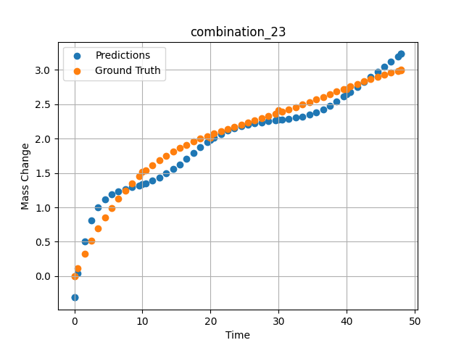
1100 | 0 | 0 | 20 | 20 | 20 | 20 | 20 | 0 | 1.48949 | 0.32168 | 0.50567722321
1100 | 0 | 0 | 20 | 20 | 20 | 20 | 20 | 0 | 2.4985 | 0.51495 | 0.8092726469
1100 | 0 | 0 | 20 | 20 | 20 | 20 | 20 | 0 | 3.50751 | 0.69112 | 1.0017659664
1100 | 0 | 0 | 20 | 20 | 20 | 20 | 20 | 0 | 4.51652 | 0.85139 | 1.118666172
1100 | 0 | 0 | 20 | 20 | 20 | 20 | 20 | 0 | 5.5015 | 0.99367 | 1.1877508163
1100 | 0 | 0 | 20 | 20 | 20 | 20 | 20 | 0 | 6.48649 | 1.12287 | 1.2317224741
1100 | 0 | 0 | 20 | 20 | 20 | 20 | 20 | 0 | 7.4955 | 1.24285 | 1.2639799118
1100 | 0 | 0 | 20 | 20 | 20 | 20 | 20 | 0 | 8.5045 | 1.3513 | 1.2918324471
1100 | 0 | 0 | 20 | 20 | 20 | 20 | 20 | 0 | 9.51351 | 1.44923 | 1.3206781149
1100 | 0 | 0 | 20 | 20 | 20 | 20 | 20 | 0 | 10.47476 | 1.5336 | 1.3520913124
1100 | 0 | 0 | 20 | 20 | 20 | 20 | 20 | 0 | 11.48348 | 1.61366 | 1.3911325932
1100 | 0 | 0 | 20 | 20 | 20 | 20 | 20 | 0 | 12.49249 | 1.68593 | 1.4376510382
1100 | 0 | 0 | 20 | 20 | 20 | 20 | 20 | 0 | 13.5015 | 1.75122 | 1.4923782349
1100 | 0 | 0 | 20 | 20 | 20 | 20 | 20 | 0 | 14.51051 | 1.81031 | 1.5557873249
1100 | 0 | 0 | 20 | 20 | 20 | 20 | 20 | 0 | 15.4955 | 1.86275 | 1.626341939
1100 | 0 | 0 | 20 | 20 | 20 | 20 | 20 | 0 | 16.48048 | 1.91063 | 1.7056123018
1100 | 0 | 0 | 20 | 20 | 20 | 20 | 20 | 0 | 17.48949 | 1.95565 | 1.7942035198
1100 | 0 | 0 | 20 | 20 | 20 | 20 | 20 | 0 | 18.4985 | 1.99719 | 1.87695539
1100 | 0 | 0 | 20 | 20 | 20 | 20 | 20 | 0 | 19.50751 | 2.03585 | 1.9506713152
1100 | 0 | 0 | 20 | 20 | 20 | 20 | 20 | 0 | 20.49304 | 2.07132 | 2.0136523247
1100 | 0 | 0 | 20 | 20 | 20 | 20 | 20 | 0 | 21.5015 | 2.1058 | 2.0688569546
1100 | 0 | 0 | 20 | 20 | 20 | 20 | 20 | 0 | 22.48649 | 2.13811 | 2.1140441895
1100 | 0 | 0 | 20 | 20 | 20 | 20 | 20 | 0 | 23.4955 | 2.17023 | 2.1519255638
1100 | 0 | 0 | 20 | 20 | 20 | 20 | 20 | 0 | 24.5045 | 2.20173 | 2.1821522713
1100 | 0 | 0 | 20 | 20 | 20 | 20 | 20 | 0 | 25.51604 | 2.23302 | 2.2059044838
1100 | 0 | 0 | 20 | 20 | 20 | 20 | 20 | 0 | 26.4985 | 2.26341 | 2.2239940166
1100 | 0 | 0 | 20 | 20 | 20 | 20 | 20 | 0 | 27.48348 | 2.29411 | 2.2386498451
1100 | 0 | 0 | 20 | 20 | 20 | 20 | 20 | 0 | 28.49249 | 2.32601 | 2.2517061234
1100 | 0 | 0 | 20 | 20 | 20 | 20 | 20 | 0 | 29.5015 | 2.35853 | 2.2645077705
1100 | 0 | 0 | 20 | 20 | 20 | 20 | 20 | 0 | 30.48731 | 2.39102 | 2.2763981819
1100 | 0 | 0 | 20 | 20 | 20 | 20 | 20 | 0 | 31.4955 | 2.42505 | 2.2886943817
1100 | 0 | 0 | 20 | 20 | 20 | 20 | 20 | 0 | 32.48048 | 2.45913 | 2.302719593
1100 | 0 | 0 | 20 | 20 | 20 | 20 | 20 | 0 | 33.48949 | 2.4949 | 2.3210866451
1100 | 0 | 0 | 20 | 20 | 20 | 20 | 20 | 0 | 34.4985 | 2.53149 | 2.3454556465
1100 | 0 | 0 | 20 | 20 | 20 | 20 | 20 | 0 | 35.50751 | 2.56882 | 2.3777976036
1100 | 0 | 0 | 20 | 20 | 20 | 20 | 20 | 0 | 36.51652 | 2.60677 | 2.4200658798
1100 | 0 | 0 | 20 | 20 | 20 | 20 | 20 | 0 | 37.5015 | 2.64424 | 2.4727790356
1100 | 0 | 0 | 20 | 20 | 20 | 20 | 20 | 0 | 38.48396 | 2.68184 | 2.5377931595
1100 | 0 | 0 | 20 | 20 | 20 | 20 | 20 | 0 | 39.4955 | 2.72055 | 2.6083974838
1100 | 0 | 0 | 20 | 20 | 20 | 20 | 20 | 0 | 40.48157 | 2.758 | 2.6778264046
1100 | 0 | 0 | 20 | 20 | 20 | 20 | 20 | 0 | 41.51351 | 2.79655 | 2.7513833046
1100 | 0 | 0 | 20 | 20 | 20 | 20 | 20 | 0 | 42.4985 | 2.83237 | 2.8225717545
1100 | 0 | 0 | 20 | 20 | 20 | 20 | 20 | 0 | 43.48348 | 2.86684 | 2.8947117329
1100 | 0 | 0 | 20 | 20 | 20 | 20 | 20 | 0 | 44.49249 | 2.9003 | 2.9694485664
1100 | 0 | 0 | 20 | 20 | 20 | 20 | 20 | 0 | 45.5015 | 2.9314 | 3.0447669029
1100 | 0 | 0 | 20 | 20 | 20 | 20 | 20 | 0 | 46.51051 | 2.9596 | 3.1202526093
1100 | 0 | 0 | 20 | 20 | 20 | 20 | 20 | 0 | 47.4955 | 2.98377 | 3.1935789585
1100 | 0 | 0 | 20 | 20 | 20 | 20 | 20 | 0 | 48 | 2.99484 | 3.2307887077

combination_24
1000.0, 20.0, 0.0, 20.0, 20.0, 20.0, 20.0, 20.0
Temperature [C] | Zr [at%] | Nb [at%] | Mo [at%] | Cr [at%] | Al [at%] | Ti [at%] | Ta [at%] | W [at%] | Time [h] | Mass Change [mg.cm2] | Mass change - predictions
1000 | 0 | 0 | 20 | 20 | 20 | 20 | 20 | 20 | 0 | 0 | -0.59099149704
1000 | 0 | 0 | 20 | 20 | 20 | 20 | 20 | 20 | 5 | 4.2 | 3.891422987
1000 | 0 | 0 | 20 | 20 | 20 | 20 | 20 | 20 | 10 | 5.3 | 5.5117511749
1000 | 0 | 0 | 20 | 20 | 20 | 20 | 20 | 20 | 15 | 6 | 6.5422635078
1000 | 0 | 0 | 20 | 20 | 20 | 20 | 20 | 20 | 20 | 6.4 | 7.0547962189
1000 | 0 | 0 | 20 | 20 | 20 | 20 | 20 | 20 | 25 | 6.8 | 7.3072423935
1000 | 0 | 0 | 20 | 20 | 20 | 20 | 20 | 20 | 30 | 7.2 | 7.5548410416
1000 | 0 | 0 | 20 | 20 | 20 | 20 | 20 | 20 | 35 | 7.6 | 7.8800549507
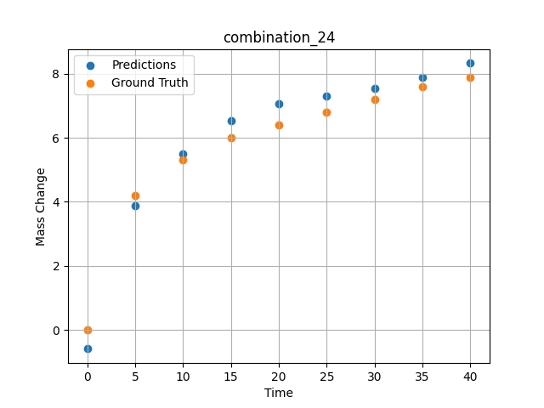
1000 | 0 | 0 | 20 | 20 | 20 | 20 | 20 | 20 | 40 | 7.9 | 8.328332901

combination_25
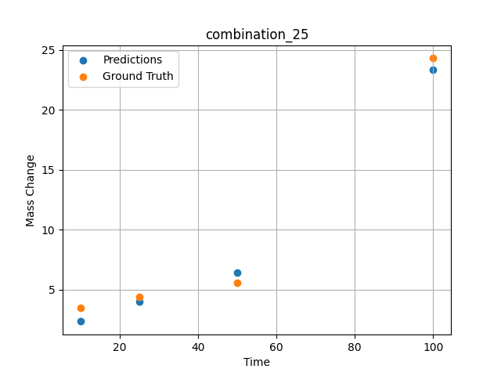
1000.0, 0.0, 0.0, 32.0, 32.0, 32.0, 4.0, 0.0
Temperature [C] | Zr [at%] | Nb [at%] | Mo [at%] | Cr [at%] | Al [at%] | Ti [at%] | Ta [at%] | W [at%] | Time [h] | Mass Change [mg.cm2] | Mass change - predictions
1000 | 0 | 0 | 0 | 32 | 4 | 32 | 32 | 0 | 100 | 24.3 | 23.343324661
1000 | 0 | 0 | 0 | 32 | 4 | 32 | 32 | 0 | 50 | 5.6 | 6.4117259979
1000 | 0 | 0 | 0 | 32 | 4 | 32 | 32 | 0 | 25 | 4.4 | 3.9897985458
1000 | 0 | 0 | 0 | 32 | 4 | 32 | 32 | 0 | 10 | 3.5 | 2.3587126732

combination_26
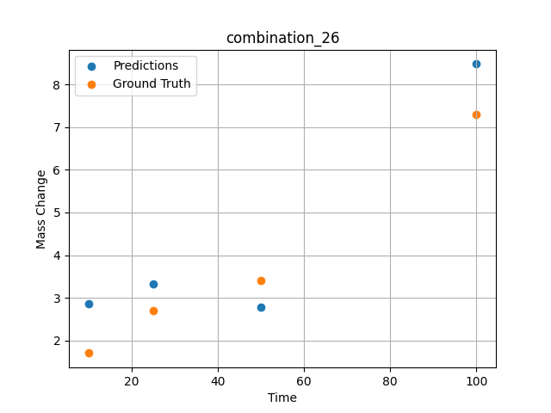
1000.0, 0.0, 0.0, 31.0, 31.0, 31.0, 9.0, 0.0
Temperature [C] | Zr [at%] | Nb [at%] | Mo [at%] | Cr [at%] | Al [at%] | Ti [at%] | Ta [at%] | W [at%] | Time [h] | Mass Change [mg.cm2] | Mass change - predictions
1000 | 0 | 0 | 0 | 31 | 9 | 31 | 31 | 0 | 100 | 7.3 | 8.4850482941
1000 | 0 | 0 | 0 | 31 | 9 | 31 | 31 | 0 | 50 | 3.4 | 2.7865762711
1000 | 0 | 0 | 0 | 31 | 9 | 31 | 31 | 0 | 25 | 2.7 | 3.3156647682
1000 | 0 | 0 | 0 | 31 | 9 | 31 | 31 | 0 | 10 | 1.7 | 2.8553700447

combination_27
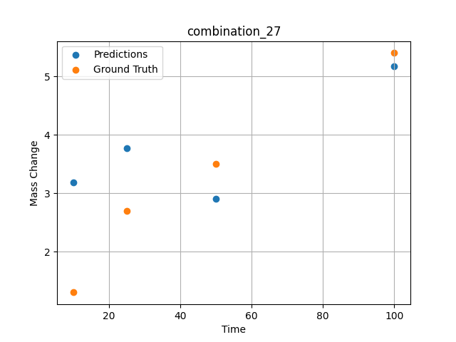
1000.0, 0.0, 0.0, 30.0, 30.0, 30.0, 10.0, 0.0
Temperature [C] | Zr [at%] | Nb [at%] | Mo [at%] | Cr [at%] | Al [at%] | Ti [at%] | Ta [at%] | W [at%] | Time [h] | Mass Change [mg.cm2] | Mass change - predictions
1000 | 0 | 0 | 0 | 30 | 10 | 30 | 30 | 0 | 100 | 5.4 | 5.1681489944
1000 | 0 | 0 | 0 | 30 | 10 | 30 | 30 | 0 | 50 | 3.5 | 2.9002423286
1000 | 0 | 0 | 0 | 30 | 10 | 30 | 30 | 0 | 25 | 2.7 | 3.7646079063
1000 | 0 | 0 | 0 | 30 | 10 | 30 | 30 | 0 | 10 | 1.3 | 3.1860637665

combination_28
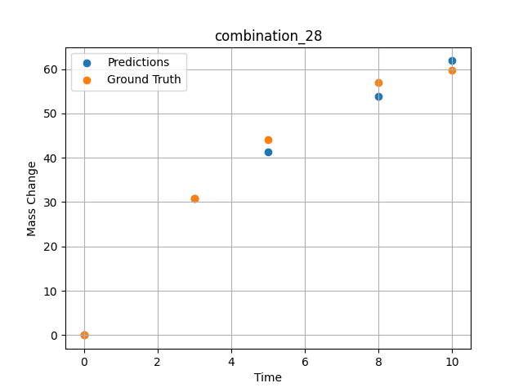
1000.0, 25.0, 25.0, 25.0, 0.0, 0.0, 0.0, 25.0
Temperature [C] | Zr [at%] | Nb [at%] | Mo [at%] | Cr [at%] | Al [at%] | Ti [at%] | Ta [at%] | W [at%] | Time [h] | Mass Change [mg.cm2] | Mass change - predictions
1000 | 0 | 25 | 25 | 0 | 0 | 0 | 25 | 25 | 0 | 0 | 0.0021376609802
1000 | 0 | 25 | 25 | 0 | 0 | 0 | 25 | 25 | 3 | 30.8 | 30.89053154
1000 | 0 | 25 | 25 | 0 | 0 | 0 | 25 | 25 | 5 | 44 | 41.348747253
1000 | 0 | 25 | 25 | 0 | 0 | 0 | 25 | 25 | 8 | 57 | 53.804855347
1000 | 0 | 25 | 25 | 0 | 0 | 0 | 25 | 25 | 10 | 59.7 | 61.864997864

combination_29
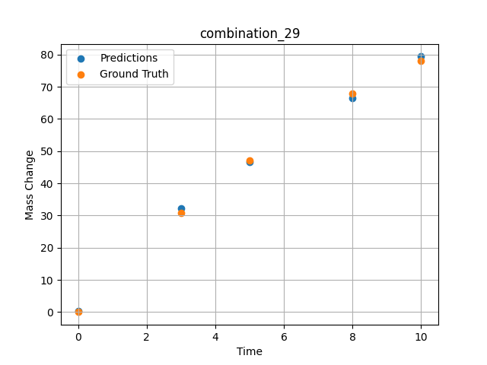
1000.0, 20.0, 20.0, 20.0, 20.0, 0.0, 0.0, 20.0
Temperature [C] | Zr [at%] | Nb [at%] | Mo [at%] | Cr [at%] | Al [at%] | Ti [at%] | Ta [at%] | W [at%] | Time [h] | Mass Change [mg.cm2] | Mass change - predictions
1000 | 0 | 20 | 20 | 0 | 0 | 20 | 20 | 20 | 0 | 0 | 0.22188234329
1000 | 0 | 20 | 20 | 0 | 0 | 20 | 20 | 20 | 3 | 30.8 | 32.137054443
1000 | 0 | 20 | 20 | 0 | 0 | 20 | 20 | 20 | 5 | 47.1 | 46.737571716
1000 | 0 | 20 | 20 | 0 | 0 | 20 | 20 | 20 | 8 | 67.9 | 66.531166077
1000 | 0 | 20 | 20 | 0 | 0 | 20 | 20 | 20 | 10 | 78.1 | 79.393104553

combination_30
1000.0, 10.0, 21.8, 11.9, 19.4, 18.4, 0.0, 0.0
Temperature [C] | Zr [at%] | Nb [at%] | Mo [at%] | Cr [at%] | Al [at%] | Ti [at%] | Ta [at%] | W [at%] | Time [h] | Mass Change [mg.cm2] | Mass change - predictions
1000 | 18.5 | 21.8 | 10 | 18.4 | 0 | 19.4 | 11.9 | 0 | 100 | 119 | 117.10075378
1000 | 18.5 | 21.8 | 10 | 18.4 | 0 | 19.4 | 11.9 | 0 | 24 | 50 | 52.546356201
1000 | 18.5 | 21.8 | 10 | 18.4 | 0 | 19.4 | 11.9 | 0 | 4 | 22 | 17.847225189
1000 | 18.5 | 21.8 | 10 | 18.4 | 0 | 19.4 | 11.9 | 0 | 2 | 15 | 12.430447578
1000 | 18.5 | 21.8 | 10 | 18.4 | 0 | 19.4 | 11.9 | 0 | 1 | 10 | 7.9762749672
1000 | 18.5 | 21.8 | 10 | 18.4 | 0 | 19.4 | 11.9 | 0 | 0 | 0 | 2.3863728046
1000 | 18.5 | 21.8 | 10 | 18.4 | 0 | 19.4 | 11.9 | 0 | 0.45045 | 7.87724 | 4.9484910965
1000 | 18.5 | 21.8 | 10 | 18.4 | 0 | 19.4 | 11.9 | 0 | 1.45145 | 10.49835 | 10.222428322
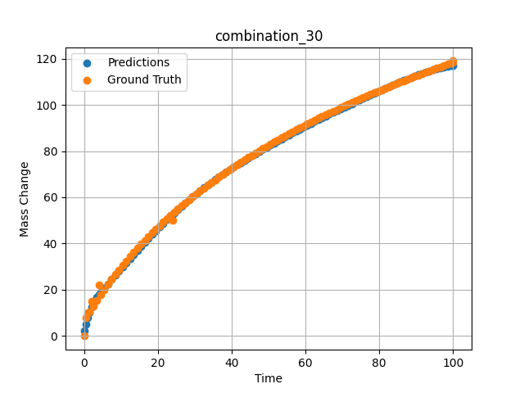
1000 | 18.5 | 21.8 | 10 | 18.4 | 0 | 19.4 | 11.9 | 0 | 2.45245 | 13.02627 | 13.940439224
1000 | 18.5 | 21.8 | 10 | 18.4 | 0 | 19.4 | 11.9 | 0 | 3.45345 | 15.46739 | 16.625370026
1000 | 18.5 | 21.8 | 10 | 18.4 | 0 | 19.4 | 11.9 | 0 | 4.45445 | 17.82748 | 18.788656235
1000 | 18.5 | 21.8 | 10 | 18.4 | 0 | 19.4 | 11.9 | 0 | 5.45546 | 20.11174 | 20.72832489
1000 | 18.5 | 21.8 | 10 | 18.4 | 0 | 19.4 | 11.9 | 0 | 6.45646 | 22.32489 | 22.601884842
1000 | 18.5 | 21.8 | 10 | 18.4 | 0 | 19.4 | 11.9 | 0 | 7.45746 | 24.47124 | 24.455417633
1000 | 18.5 | 21.8 | 10 | 18.4 | 0 | 19.4 | 11.9 | 0 | 8.45846 | 26.55469 | 26.285791397
1000 | 18.5 | 21.8 | 10 | 18.4 | 0 | 19.4 | 11.9 | 0 | 9.45946 | 28.57883 | 28.10697937
1000 | 18.5 | 21.8 | 10 | 18.4 | 0 | 19.4 | 11.9 | 0 | 10.46046 | 30.54693 | 29.923994064
1000 | 18.5 | 21.8 | 10 | 18.4 | 0 | 19.4 | 11.9 | 0 | 11.46146 | 32.46203 | 31.736652374
1000 | 18.5 | 21.8 | 10 | 18.4 | 0 | 19.4 | 11.9 | 0 | 12.46246 | 34.3269 | 33.541656494
1000 | 18.5 | 21.8 | 10 | 18.4 | 0 | 19.4 | 11.9 | 0 | 13.46346 | 36.14411 | 35.334541321
1000 | 18.5 | 21.8 | 10 | 18.4 | 0 | 19.4 | 11.9 | 0 | 14.46446 | 37.91603 | 37.110298157
1000 | 18.5 | 21.8 | 10 | 18.4 | 0 | 19.4 | 11.9 | 0 | 15.46547 | 39.64487 | 38.864143372
1000 | 18.5 | 21.8 | 10 | 18.4 | 0 | 19.4 | 11.9 | 0 | 16.46647 | 41.33267 | 40.591812134
1000 | 18.5 | 21.8 | 10 | 18.4 | 0 | 19.4 | 11.9 | 0 | 17.46747 | 42.98133 | 42.289924622
1000 | 18.5 | 21.8 | 10 | 18.4 | 0 | 19.4 | 11.9 | 0 | 18.46847 | 44.59264 | 43.955780029
1000 | 18.5 | 21.8 | 10 | 18.4 | 0 | 19.4 | 11.9 | 0 | 19.46947 | 46.16824 | 45.58782196
1000 | 18.5 | 21.8 | 10 | 18.4 | 0 | 19.4 | 11.9 | 0 | 20.47047 | 47.70968 | 47.18497467
1000 | 18.5 | 21.8 | 10 | 18.4 | 0 | 19.4 | 11.9 | 0 | 21.47147 | 49.21842 | 48.747406006
1000 | 18.5 | 21.8 | 10 | 18.4 | 0 | 19.4 | 11.9 | 0 | 22.47247 | 50.6958 | 50.275878906
1000 | 18.5 | 21.8 | 10 | 18.4 | 0 | 19.4 | 11.9 | 0 | 23.47347 | 52.14312 | 51.771858215
1000 | 18.5 | 21.8 | 10 | 18.4 | 0 | 19.4 | 11.9 | 0 | 24.47447 | 53.56157 | 53.237373352
1000 | 18.5 | 21.8 | 10 | 18.4 | 0 | 19.4 | 11.9 | 0 | 25.47548 | 54.95227 | 54.675231934
1000 | 18.5 | 21.8 | 10 | 18.4 | 0 | 19.4 | 11.9 | 0 | 26.47648 | 56.31629 | 56.088569641
1000 | 18.5 | 21.8 | 10 | 18.4 | 0 | 19.4 | 11.9 | 0 | 27.47748 | 57.65464 | 57.481170654
1000 | 18.5 | 21.8 | 10 | 18.4 | 0 | 19.4 | 11.9 | 0 | 28.47848 | 58.96827 | 58.856994629
1000 | 18.5 | 21.8 | 10 | 18.4 | 0 | 19.4 | 11.9 | 0 | 29.47948 | 60.25807 | 60.220436096
1000 | 18.5 | 21.8 | 10 | 18.4 | 0 | 19.4 | 11.9 | 0 | 30.48048 | 61.52489 | 61.553779602
1000 | 18.5 | 21.8 | 10 | 18.4 | 0 | 19.4 | 11.9 | 0 | 31.48148 | 62.76953 | 62.84513092
1000 | 18.5 | 21.8 | 10 | 18.4 | 0 | 19.4 | 11.9 | 0 | 32.48248 | 63.99277 | 64.096923828
1000 | 18.5 | 21.8 | 10 | 18.4 | 0 | 19.4 | 11.9 | 0 | 33.48348 | 65.19531 | 65.311965942
1000 | 18.5 | 21.8 | 10 | 18.4 | 0 | 19.4 | 11.9 | 0 | 34.48448 | 66.37786 | 66.492713928
1000 | 18.5 | 21.8 | 10 | 18.4 | 0 | 19.4 | 11.9 | 0 | 35.48549 | 67.54107 | 67.641784668
1000 | 18.5 | 21.8 | 10 | 18.4 | 0 | 19.4 | 11.9 | 0 | 36.48649 | 68.68555 | 68.761726379
1000 | 18.5 | 21.8 | 10 | 18.4 | 0 | 19.4 | 11.9 | 0 | 37.48749 | 69.8119 | 69.854980469
1000 | 18.5 | 21.8 | 10 | 18.4 | 0 | 19.4 | 11.9 | 0 | 38.48849 | 70.92069 | 70.923950195
1000 | 18.5 | 21.8 | 10 | 18.4 | 0 | 19.4 | 11.9 | 0 | 39.48949 | 72.01245 | 71.970939636
1000 | 18.5 | 21.8 | 10 | 18.4 | 0 | 19.4 | 11.9 | 0 | 40.49049 | 73.08771 | 72.998184204
1000 | 18.5 | 21.8 | 10 | 18.4 | 0 | 19.4 | 11.9 | 0 | 41.49149 | 74.14695 | 74.007926941
1000 | 18.5 | 21.8 | 10 | 18.4 | 0 | 19.4 | 11.9 | 0 | 42.49249 | 75.19064 | 75.001945496
1000 | 18.5 | 21.8 | 10 | 18.4 | 0 | 19.4 | 11.9 | 0 | 43.49349 | 76.21923 | 75.982498169
1000 | 18.5 | 21.8 | 10 | 18.4 | 0 | 19.4 | 11.9 | 0 | 44.49449 | 77.23316 | 76.951286316
1000 | 18.5 | 21.8 | 10 | 18.4 | 0 | 19.4 | 11.9 | 0 | 45.4955 | 78.23283 | 77.910064697
1000 | 18.5 | 21.8 | 10 | 18.4 | 0 | 19.4 | 11.9 | 0 | 46.4965 | 79.21865 | 78.860580444
1000 | 18.5 | 21.8 | 10 | 18.4 | 0 | 19.4 | 11.9 | 0 | 47.4975 | 80.19098 | 79.80431366
1000 | 18.5 | 21.8 | 10 | 18.4 | 0 | 19.4 | 11.9 | 0 | 48.4985 | 81.1502 | 80.74269104
1000 | 18.5 | 21.8 | 10 | 18.4 | 0 | 19.4 | 11.9 | 0 | 49.4995 | 82.09665 | 81.677185059
1000 | 18.5 | 21.8 | 10 | 18.4 | 0 | 19.4 | 11.9 | 0 | 50.5005 | 83.03067 | 82.599723816
1000 | 18.5 | 21.8 | 10 | 18.4 | 0 | 19.4 | 11.9 | 0 | 51.5015 | 83.95258 | 83.507087708
1000 | 18.5 | 21.8 | 10 | 18.4 | 0 | 19.4 | 11.9 | 0 | 52.5025 | 84.86269 | 84.400428772
1000 | 18.5 | 21.8 | 10 | 18.4 | 0 | 19.4 | 11.9 | 0 | 53.5035 | 85.76129 | 85.281158447
1000 | 18.5 | 21.8 | 10 | 18.4 | 0 | 19.4 | 11.9 | 0 | 54.5045 | 86.64869 | 86.150535583
1000 | 18.5 | 21.8 | 10 | 18.4 | 0 | 19.4 | 11.9 | 0 | 55.50551 | 87.52515 | 87.009460449
1000 | 18.5 | 21.8 | 10 | 18.4 | 0 | 19.4 | 11.9 | 0 | 56.50651 | 88.39093 | 87.858825684
1000 | 18.5 | 21.8 | 10 | 18.4 | 0 | 19.4 | 11.9 | 0 | 57.50751 | 89.2463 | 88.699584961
1000 | 18.5 | 21.8 | 10 | 18.4 | 0 | 19.4 | 11.9 | 0 | 58.50851 | 90.0915 | 89.532287598
1000 | 18.5 | 21.8 | 10 | 18.4 | 0 | 19.4 | 11.9 | 0 | 59.50951 | 90.92678 | 90.35760498
1000 | 18.5 | 21.8 | 10 | 18.4 | 0 | 19.4 | 11.9 | 0 | 60.51051 | 91.75236 | 91.176017761
1000 | 18.5 | 21.8 | 10 | 18.4 | 0 | 19.4 | 11.9 | 0 | 61.51151 | 92.56846 | 91.987991333
1000 | 18.5 | 21.8 | 10 | 18.4 | 0 | 19.4 | 11.9 | 0 | 62.51251 | 93.3753 | 92.793693542
1000 | 18.5 | 21.8 | 10 | 18.4 | 0 | 19.4 | 11.9 | 0 | 63.51351 | 94.17309 | 93.593566895
1000 | 18.5 | 21.8 | 10 | 18.4 | 0 | 19.4 | 11.9 | 0 | 64.51451 | 94.96203 | 94.387748718
1000 | 18.5 | 21.8 | 10 | 18.4 | 0 | 19.4 | 11.9 | 0 | 65.51552 | 95.74232 | 95.176269531
1000 | 18.5 | 21.8 | 10 | 18.4 | 0 | 19.4 | 11.9 | 0 | 66.51652 | 96.51413 | 95.959098816
1000 | 18.5 | 21.8 | 10 | 18.4 | 0 | 19.4 | 11.9 | 0 | 67.51752 | 97.27766 | 96.736305237
1000 | 18.5 | 21.8 | 10 | 18.4 | 0 | 19.4 | 11.9 | 0 | 68.51852 | 98.03307 | 97.507804871
1000 | 18.5 | 21.8 | 10 | 18.4 | 0 | 19.4 | 11.9 | 0 | 69.51952 | 98.78054 | 98.273200989
1000 | 18.5 | 21.8 | 10 | 18.4 | 0 | 19.4 | 11.9 | 0 | 70.52052 | 99.52024 | 99.032356262
1000 | 18.5 | 21.8 | 10 | 18.4 | 0 | 19.4 | 11.9 | 0 | 71.52152 | 100.25233 | 99.784843445
1000 | 18.5 | 21.8 | 10 | 18.4 | 0 | 19.4 | 11.9 | 0 | 72.52252 | 100.97695 | 100.53100586
1000 | 18.5 | 21.8 | 10 | 18.4 | 0 | 19.4 | 11.9 | 0 | 73.52352 | 101.69426 | 101.27455139
1000 | 18.5 | 21.8 | 10 | 18.4 | 0 | 19.4 | 11.9 | 0 | 74.52452 | 102.40441 | 102.01564026
1000 | 18.5 | 21.8 | 10 | 18.4 | 0 | 19.4 | 11.9 | 0 | 75.52553 | 103.10754 | 102.7539444
1000 | 18.5 | 21.8 | 10 | 18.4 | 0 | 19.4 | 11.9 | 0 | 76.52653 | 103.80378 | 103.48904419
1000 | 18.5 | 21.8 | 10 | 18.4 | 0 | 19.4 | 11.9 | 0 | 77.52753 | 104.49327 | 104.22026062
1000 | 18.5 | 21.8 | 10 | 18.4 | 0 | 19.4 | 11.9 | 0 | 78.52853 | 105.17615 | 104.94715881
1000 | 18.5 | 21.8 | 10 | 18.4 | 0 | 19.4 | 11.9 | 0 | 79.52953 | 105.85252 | 105.66919708
1000 | 18.5 | 21.8 | 10 | 18.4 | 0 | 19.4 | 11.9 | 0 | 80.53053 | 106.52252 | 106.38544464
1000 | 18.5 | 21.8 | 10 | 18.4 | 0 | 19.4 | 11.9 | 0 | 81.53153 | 107.18627 | 107.09518433
1000 | 18.5 | 21.8 | 10 | 18.4 | 0 | 19.4 | 11.9 | 0 | 82.53253 | 107.84388 | 107.79751587
1000 | 18.5 | 21.8 | 10 | 18.4 | 0 | 19.4 | 11.9 | 0 | 83.53353 | 108.49547 | 108.49166107
1000 | 18.5 | 21.8 | 10 | 18.4 | 0 | 19.4 | 11.9 | 0 | 84.53453 | 109.14114 | 109.17642975
1000 | 18.5 | 21.8 | 10 | 18.4 | 0 | 19.4 | 11.9 | 0 | 85.53554 | 109.781 | 109.85073853
1000 | 18.5 | 21.8 | 10 | 18.4 | 0 | 19.4 | 11.9 | 0 | 86.53654 | 110.41515 | 110.5134201
1000 | 18.5 | 21.8 | 10 | 18.4 | 0 | 19.4 | 11.9 | 0 | 87.53754 | 111.04369 | 111.16312408
1000 | 18.5 | 21.8 | 10 | 18.4 | 0 | 19.4 | 11.9 | 0 | 88.53854 | 111.66673 | 111.79859161
1000 | 18.5 | 21.8 | 10 | 18.4 | 0 | 19.4 | 11.9 | 0 | 89.53954 | 112.28436 | 112.41816711
1000 | 18.5 | 21.8 | 10 | 18.4 | 0 | 19.4 | 11.9 | 0 | 90.54054 | 112.89667 | 113.02029419
1000 | 18.5 | 21.8 | 10 | 18.4 | 0 | 19.4 | 11.9 | 0 | 91.54154 | 113.50376 | 113.60331726
1000 | 18.5 | 21.8 | 10 | 18.4 | 0 | 19.4 | 11.9 | 0 | 92.54254 | 114.1057 | 114.16507721
1000 | 18.5 | 21.8 | 10 | 18.4 | 0 | 19.4 | 11.9 | 0 | 93.54354 | 114.70259 | 114.7011795
1000 | 18.5 | 21.8 | 10 | 18.4 | 0 | 19.4 | 11.9 | 0 | 94.54454 | 115.29451 | 115.20251465
1000 | 18.5 | 21.8 | 10 | 18.4 | 0 | 19.4 | 11.9 | 0 | 95.54555 | 115.88155 | 115.66568756
1000 | 18.5 | 21.8 | 10 | 18.4 | 0 | 19.4 | 11.9 | 0 | 96.54655 | 116.46378 | 116.08719635
1000 | 18.5 | 21.8 | 10 | 18.4 | 0 | 19.4 | 11.9 | 0 | 97.54755 | 117.04128 | 116.45691681
1000 | 18.5 | 21.8 | 10 | 18.4 | 0 | 19.4 | 11.9 | 0 | 98.54855 | 117.61413 | 116.76654053
1000 | 18.5 | 21.8 | 10 | 18.4 | 0 | 19.4 | 11.9 | 0 | 99.4995 | 118.15413 | 117.00150299
1000 | 18.5 | 21.8 | 10 | 18.4 | 0 | 19.4 | 11.9 | 0 | 100 | 118.43683 | 117.10067749

combination_31
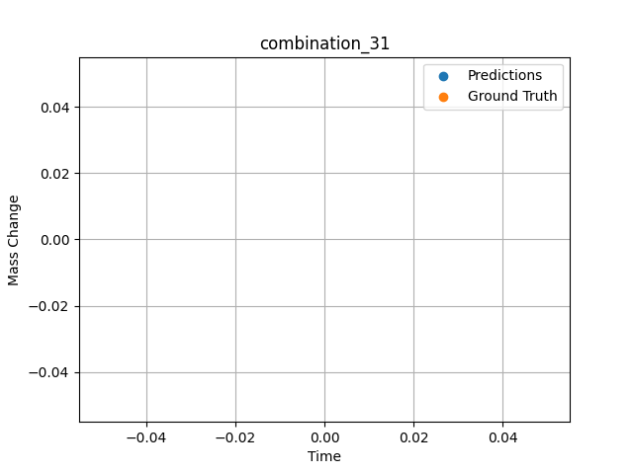
1300.0, 20.0, 21.8, 0.0, 23.5, 24.7, 10.0, 0.0
Temperature [C] | Zr [at%] | Nb [at%] | Mo [at%] | Cr [at%] | Al [at%] | Ti [at%] | Ta [at%] | W [at%] | Time [h] | Mass Change [mg.cm2] | Mass change - predictions
1300 | 0 | 21.8 | 20 | 24.7 | 10 | 23.5 | 0 | 0 | 20 | 150,0

combination_32

1300.0, 22.2, 22.5, 0.0, 0.0, 23.0, 10.2, 0.0
Temperature [C] | Zr [at%] | Nb [at%] | Mo [at%] | Cr [at%] | Al [at%] | Ti [at%] | Ta [at%] | W [at%] | Time [h] | Mass Change [mg.cm2] | Mass change - predictions
1300 | 0 | 22.5 | 22.2 | 23 | 10.2 | 0 | 0 | 0 | 20 | 350,0

combination_33

1300.0, 17.1, 17.7, 0.0, 18.3, 17.0, 7.0, 0.0
Temperature [C] | Zr [at%] | Nb [at%] | Mo [at%] | Cr [at%] | Al [at%] | Ti [at%] | Ta [at%] | W [at%] | Time [h] | Mass Change [mg.cm2] | Mass change - predictions
1300 | 0 | 17.7 | 17.1 | 17 | 7 | 18.3 | 0 | 0 | 20 | 185,0

combination_34
1200.0, 25.0, 0.0, 0.0, 25.0, 25.0, 25.0, 0.0
Temperature [C] | Zr [at%] | Nb [at%] | Mo [at%] | Cr [at%] | Al [at%] | Ti [at%] | Ta [at%] | W [at%] | Time [h] | Mass Change [mg.cm2] | Mass change - predictions
1200 | 0 | 0 | 25 | 25 | 25 | 25 | 0 | 0 | 0 | 0 | 1.3252962828
1200 | 0 | 0 | 25 | 25 | 25 | 25 | 0 | 0 | 0.04806 | 0.46193 | 1.367865324
1200 | 0 | 0 | 25 | 25 | 25 | 25 | 0 | 0 | 0.1539 | 1.06217 | 1.4608494043
1200 | 0 | 0 | 25 | 25 | 25 | 25 | 0 | 0 | 0.25013 | 1.42047 | 1.5443435907
1200 | 0 | 0 | 25 | 25 | 25 | 25 | 0 | 0 | 0.34637 | 1.88297 | 1.6266789436
1200 | 0 | 0 | 25 | 25 | 25 | 25 | 0 | 0 | 0.44263 | 2.2825 | 1.707703352
1200 | 0 | 0 | 25 | 25 | 25 | 25 | 0 | 0 | 0.54853 | 2.46396 | 1.795124054
1200 | 0 | 0 | 25 | 25 | 25 | 25 | 0 | 0 | 0.65447 | 2.55947 | 1.8805742264
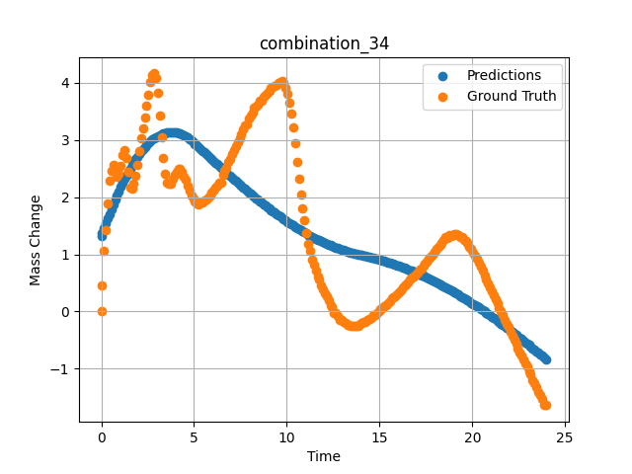
1200 | 0 | 0 | 25 | 25 | 25 | 25 | 0 | 0 | 0.7507 | 2.47177 | 1.9563208818
1200 | 0 | 0 | 25 | 25 | 25 | 25 | 0 | 0 | 0.8469 | 2.3657 | 2.0301237106
1200 | 0 | 0 | 25 | 25 | 25 | 25 | 0 | 0 | 0.94313 | 2.4103 | 2.1019210815
1200 | 0 | 0 | 25 | 25 | 25 | 25 | 0 | 0 | 1.049 | 2.5486 | 2.178445816
1200 | 0 | 0 | 25 | 25 | 25 | 25 | 0 | 0 | 1.15483 | 2.73263 | 2.2522652149
1200 | 0 | 0 | 25 | 25 | 25 | 25 | 0 | 0 | 1.25113 | 2.81733 | 2.31701684
1200 | 0 | 0 | 25 | 25 | 25 | 25 | 0 | 0 | 1.34743 | 2.68503 | 2.3794295788
1200 | 0 | 0 | 25 | 25 | 25 | 25 | 0 | 0 | 1.44367 | 2.43579 | 2.4393720627
1200 | 0 | 0 | 25 | 25 | 25 | 25 | 0 | 0 | 1.5495 | 2.16069 | 2.5024733543
1200 | 0 | 0 | 25 | 25 | 25 | 25 | 0 | 0 | 1.65537 | 2.14757 | 2.5626006126
1200 | 0 | 0 | 25 | 25 | 25 | 25 | 0 | 0 | 1.75163 | 2.24427 | 2.6146402359
1200 | 0 | 0 | 25 | 25 | 25 | 25 | 0 | 0 | 1.84787 | 2.37545 | 2.6641490459
1200 | 0 | 0 | 25 | 25 | 25 | 25 | 0 | 0 | 1.9442 | 2.56359 | 2.7111783028
1200 | 0 | 0 | 25 | 25 | 25 | 25 | 0 | 0 | 2.05008 | 2.80846 | 2.759960413
1200 | 0 | 0 | 25 | 25 | 25 | 25 | 0 | 0 | 2.156 | 3.02571 | 2.8056883812
1200 | 0 | 0 | 25 | 25 | 25 | 25 | 0 | 0 | 2.2523 | 3.21236 | 2.84461689
1200 | 0 | 0 | 25 | 25 | 25 | 25 | 0 | 0 | 2.34863 | 3.40163 | 2.8810629845
1200 | 0 | 0 | 25 | 25 | 25 | 25 | 0 | 0 | 2.44487 | 3.59653 | 2.9149880409
1200 | 0 | 0 | 25 | 25 | 25 | 25 | 0 | 0 | 2.55075 | 3.79323 | 2.9494428635
1200 | 0 | 0 | 25 | 25 | 25 | 25 | 0 | 0 | 2.65663 | 4.0148 | 2.9809360504
1200 | 0 | 0 | 25 | 25 | 25 | 25 | 0 | 0 | 2.75287 | 4.13773 | 3.0070121288
1200 | 0 | 0 | 25 | 25 | 25 | 25 | 0 | 0 | 2.8492 | 4.16546 | 3.0307102203
1200 | 0 | 0 | 25 | 25 | 25 | 25 | 0 | 0 | 2.94553 | 4.08451 | 3.0520076752
1200 | 0 | 0 | 25 | 25 | 25 | 25 | 0 | 0 | 3.0515 | 3.83321 | 3.0727102757
1200 | 0 | 0 | 25 | 25 | 25 | 25 | 0 | 0 | 3.1574 | 3.42375 | 3.0906038284
1200 | 0 | 0 | 25 | 25 | 25 | 25 | 0 | 0 | 3.25363 | 3.0512 | 3.1044275761
1200 | 0 | 0 | 25 | 25 | 25 | 25 | 0 | 0 | 3.34997 | 2.68353 | 3.1159892082
1200 | 0 | 0 | 25 | 25 | 25 | 25 | 0 | 0 | 3.44633 | 2.41667 | 3.1253018379
1200 | 0 | 0 | 25 | 25 | 25 | 25 | 0 | 0 | 3.5427 | 2.26188 | 3.1323852539
1200 | 0 | 0 | 25 | 25 | 25 | 25 | 0 | 0 | 3.64864 | 2.22815 | 3.1376199722
1200 | 0 | 0 | 25 | 25 | 25 | 25 | 0 | 0 | 3.75453 | 2.22928 | 3.1399610043
1200 | 0 | 0 | 25 | 25 | 25 | 25 | 0 | 0 | 3.85087 | 2.32822 | 3.1394002438
1200 | 0 | 0 | 25 | 25 | 25 | 25 | 0 | 0 | 3.9472 | 2.39831 | 3.1363227367
1200 | 0 | 0 | 25 | 25 | 25 | 25 | 0 | 0 | 4.04353 | 2.44928 | 3.1307630539
1200 | 0 | 0 | 25 | 25 | 25 | 25 | 0 | 0 | 4.14947 | 2.49176 | 3.1218140125
1200 | 0 | 0 | 25 | 25 | 25 | 25 | 0 | 0 | 4.25543 | 2.49501 | 3.1099333763
1200 | 0 | 0 | 25 | 25 | 25 | 25 | 0 | 0 | 4.35177 | 2.44403 | 3.0966320038
1200 | 0 | 0 | 25 | 25 | 25 | 25 | 0 | 0 | 4.4482 | 2.35596 | 3.0809664726
1200 | 0 | 0 | 25 | 25 | 25 | 25 | 0 | 0 | 4.5445 | 2.29749 | 3.0629615784
1200 | 0 | 0 | 25 | 25 | 25 | 25 | 0 | 0 | 4.65047 | 2.20941 | 3.0405249596
1200 | 0 | 0 | 25 | 25 | 25 | 25 | 0 | 0 | 4.75637 | 2.10972 | 3.0153214931
1200 | 0 | 0 | 25 | 25 | 25 | 25 | 0 | 0 | 4.8527 | 2.03551 | 2.9900608063
1200 | 0 | 0 | 25 | 25 | 25 | 25 | 0 | 0 | 4.94897 | 1.97891 | 2.962605238
1200 | 0 | 0 | 25 | 25 | 25 | 25 | 0 | 0 | 5.0453 | 1.92719 | 2.9342856407
1200 | 0 | 0 | 25 | 25 | 25 | 25 | 0 | 0 | 5.15128 | 1.88834 | 2.9029555321
1200 | 0 | 0 | 25 | 25 | 25 | 25 | 0 | 0 | 5.25713 | 1.88072 | 2.8715295792
1200 | 0 | 0 | 25 | 25 | 25 | 25 | 0 | 0 | 5.35347 | 1.90133 | 2.8428387642
1200 | 0 | 0 | 25 | 25 | 25 | 25 | 0 | 0 | 5.44977 | 1.91333 | 2.8140616417
1200 | 0 | 0 | 25 | 25 | 25 | 25 | 0 | 0 | 5.54607 | 1.94069 | 2.7852444649
1200 | 0 | 0 | 25 | 25 | 25 | 25 | 0 | 0 | 5.64247 | 1.9598 | 2.7563586235
1200 | 0 | 0 | 25 | 25 | 25 | 25 | 0 | 0 | 5.74842 | 1.99484 | 2.7245826721
1200 | 0 | 0 | 25 | 25 | 25 | 25 | 0 | 0 | 5.85437 | 2.03438 | 2.6928255558
1200 | 0 | 0 | 25 | 25 | 25 | 25 | 0 | 0 | 5.95073 | 2.07599 | 2.6639399529
1200 | 0 | 0 | 25 | 25 | 25 | 25 | 0 | 0 | 6.0471 | 2.11047 | 2.6350960732
1200 | 0 | 0 | 25 | 25 | 25 | 25 | 0 | 0 | 6.14347 | 2.16519 | 2.6062924862
1200 | 0 | 0 | 25 | 25 | 25 | 25 | 0 | 0 | 6.24933 | 2.20098 | 2.5747182369
1200 | 0 | 0 | 25 | 25 | 25 | 25 | 0 | 0 | 6.35537 | 2.25589 | 2.5431571007
1200 | 0 | 0 | 25 | 25 | 25 | 25 | 0 | 0 | 6.45173 | 2.25139 | 2.5146064758
1200 | 0 | 0 | 25 | 25 | 25 | 25 | 0 | 0 | 6.54807 | 2.39269 | 2.4861085415
1200 | 0 | 0 | 25 | 25 | 25 | 25 | 0 | 0 | 6.64443 | 2.45978 | 2.4577441216
1200 | 0 | 0 | 25 | 25 | 25 | 25 | 0 | 0 | 6.75042 | 2.508 | 2.4266610146
1200 | 0 | 0 | 25 | 25 | 25 | 25 | 0 | 0 | 6.85643 | 2.61157 | 2.3957197666
1200 | 0 | 0 | 25 | 25 | 25 | 25 | 0 | 0 | 6.95283 | 2.67341 | 2.367726326
1200 | 0 | 0 | 25 | 25 | 25 | 25 | 0 | 0 | 7.04917 | 2.74799 | 2.3398766518
1200 | 0 | 0 | 25 | 25 | 25 | 25 | 0 | 0 | 7.1455 | 2.82145 | 2.3121929169
1200 | 0 | 0 | 25 | 25 | 25 | 25 | 0 | 0 | 7.25153 | 2.89154 | 2.2818698883
1200 | 0 | 0 | 25 | 25 | 25 | 25 | 0 | 0 | 7.35757 | 2.96387 | 2.2517740726
1200 | 0 | 0 | 25 | 25 | 25 | 25 | 0 | 0 | 7.4539 | 3.03733 | 2.224601984
1200 | 0 | 0 | 25 | 25 | 25 | 25 | 0 | 0 | 7.5503 | 3.10929 | 2.197576046
1200 | 0 | 0 | 25 | 25 | 25 | 25 | 0 | 0 | 7.64663 | 3.1805 | 2.1707565784
1200 | 0 | 0 | 25 | 25 | 25 | 25 | 0 | 0 | 7.74303 | 3.24947 | 2.1440951824
1200 | 0 | 0 | 25 | 25 | 25 | 25 | 0 | 0 | 7.84906 | 3.27133 | 2.1149888039
1200 | 0 | 0 | 25 | 25 | 25 | 25 | 0 | 0 | 7.95507 | 3.37015 | 2.0861325264
1200 | 0 | 0 | 25 | 25 | 25 | 25 | 0 | 0 | 8.0515 | 3.43574 | 2.0600683689
1200 | 0 | 0 | 25 | 25 | 25 | 25 | 0 | 0 | 8.1479 | 3.48109 | 2.0342247486
1200 | 0 | 0 | 25 | 25 | 25 | 25 | 0 | 0 | 8.24423 | 3.56842 | 2.0086140633
1200 | 0 | 0 | 25 | 25 | 25 | 25 | 0 | 0 | 8.35025 | 3.58897 | 1.9806265831
1200 | 0 | 0 | 25 | 25 | 25 | 25 | 0 | 0 | 8.45627 | 3.61826 | 1.9529087543
1200 | 0 | 0 | 25 | 25 | 25 | 25 | 0 | 0 | 8.55263 | 3.69397 | 1.927949667
1200 | 0 | 0 | 25 | 25 | 25 | 25 | 0 | 0 | 8.64903 | 3.69622 | 1.9031934738
1200 | 0 | 0 | 25 | 25 | 25 | 25 | 0 | 0 | 8.7454 | 3.75169 | 1.8786430359
1200 | 0 | 0 | 25 | 25 | 25 | 25 | 0 | 0 | 8.85142 | 3.7898 | 1.851893425
1200 | 0 | 0 | 25 | 25 | 25 | 25 | 0 | 0 | 8.95737 | 3.82365 | 1.8254210949
1200 | 0 | 0 | 25 | 25 | 25 | 25 | 0 | 0 | 9.05367 | 3.86113 | 1.8016004562
1200 | 0 | 0 | 25 | 25 | 25 | 25 | 0 | 0 | 9.1501 | 3.90536 | 1.7779493332
1200 | 0 | 0 | 25 | 25 | 25 | 25 | 0 | 0 | 9.2465 | 3.93384 | 1.7545495033
1200 | 0 | 0 | 25 | 25 | 25 | 25 | 0 | 0 | 9.34293 | 3.95371 | 1.7313628197
1200 | 0 | 0 | 25 | 25 | 25 | 25 | 0 | 0 | 9.44892 | 3.97313 | 1.7061436176
1200 | 0 | 0 | 25 | 25 | 25 | 25 | 0 | 0 | 9.555 | 3.99793 | 1.6811640263
1200 | 0 | 0 | 25 | 25 | 25 | 25 | 0 | 0 | 9.6514 | 4.02492 | 1.6587061882
1200 | 0 | 0 | 25 | 25 | 25 | 25 | 0 | 0 | 9.74777 | 4.03129 | 1.6364712715
1200 | 0 | 0 | 25 | 25 | 25 | 25 | 0 | 0 | 9.8442 | 3.99718 | 1.6144855022
1200 | 0 | 0 | 25 | 25 | 25 | 25 | 0 | 0 | 9.95025 | 3.9191 | 1.5905327797
1200 | 0 | 0 | 25 | 25 | 25 | 25 | 0 | 0 | 10.05623 | 3.80454 | 1.5668730736
1200 | 0 | 0 | 25 | 25 | 25 | 25 | 0 | 0 | 10.15267 | 3.65912 | 1.545580864
1200 | 0 | 0 | 25 | 25 | 25 | 25 | 0 | 0 | 10.24907 | 3.4571 | 1.5245420933
1200 | 0 | 0 | 25 | 25 | 25 | 25 | 0 | 0 | 10.34543 | 3.22735 | 1.503821373
1200 | 0 | 0 | 25 | 25 | 25 | 25 | 0 | 0 | 10.4515 | 2.93683 | 1.4814693928
1200 | 0 | 0 | 25 | 25 | 25 | 25 | 0 | 0 | 10.55753 | 2.60894 | 1.459580183
1200 | 0 | 0 | 25 | 25 | 25 | 25 | 0 | 0 | 10.6539 | 2.32935 | 1.440089941
1200 | 0 | 0 | 25 | 25 | 25 | 25 | 0 | 0 | 10.75023 | 2.05275 | 1.4209518433
1200 | 0 | 0 | 25 | 25 | 25 | 25 | 0 | 0 | 10.84667 | 1.81288 | 1.4022011757
1200 | 0 | 0 | 25 | 25 | 25 | 25 | 0 | 0 | 10.94313 | 1.59363 | 1.3838272095
1200 | 0 | 0 | 25 | 25 | 25 | 25 | 0 | 0 | 11.04919 | 1.36456 | 1.3640446663
1200 | 0 | 0 | 25 | 25 | 25 | 25 | 0 | 0 | 11.15523 | 1.1896 | 1.3447155952
1200 | 0 | 0 | 25 | 25 | 25 | 25 | 0 | 0 | 11.25163 | 1.06329 | 1.3275427818
1200 | 0 | 0 | 25 | 25 | 25 | 25 | 0 | 0 | 11.34807 | 0.90888 | 1.3107552528
1200 | 0 | 0 | 25 | 25 | 25 | 25 | 0 | 0 | 11.44453 | 0.81293 | 1.2942619324
1200 | 0 | 0 | 25 | 25 | 25 | 25 | 0 | 0 | 11.55058 | 0.71804 | 1.2766129971
1200 | 0 | 0 | 25 | 25 | 25 | 25 | 0 | 0 | 11.6567 | 0.60604 | 1.2593901157
1200 | 0 | 0 | 25 | 25 | 25 | 25 | 0 | 0 | 11.7531 | 0.5547 | 1.2441248894
1200 | 0 | 0 | 25 | 25 | 25 | 25 | 0 | 0 | 11.84957 | 0.46212 | 1.2292053699
1200 | 0 | 0 | 25 | 25 | 25 | 25 | 0 | 0 | 11.94593 | 0.38754 | 1.2146902084
1200 | 0 | 0 | 25 | 25 | 25 | 25 | 0 | 0 | 12.04233 | 0.31333 | 1.2005119324
1200 | 0 | 0 | 25 | 25 | 25 | 25 | 0 | 0 | 12.14847 | 0.26048 | 1.1853406429
1200 | 0 | 0 | 25 | 25 | 25 | 25 | 0 | 0 | 12.25457 | 0.19264 | 1.1705961227
1200 | 0 | 0 | 25 | 25 | 25 | 25 | 0 | 0 | 12.35113 | 0.11844 | 1.1575508118
1200 | 0 | 0 | 25 | 25 | 25 | 25 | 0 | 0 | 12.4476 | 0.07833 | 1.1448628902
1200 | 0 | 0 | 25 | 25 | 25 | 25 | 0 | 0 | 12.54403 | -0.02249 | 1.1325521469
1200 | 0 | 0 | 25 | 25 | 25 | 25 | 0 | 0 | 12.65014 | -0.02592 | 1.1194193363
1200 | 0 | 0 | 25 | 25 | 25 | 25 | 0 | 0 | 12.7563 | -0.07758 | 1.106719017
1200 | 0 | 0 | 25 | 25 | 25 | 25 | 0 | 0 | 12.8528 | -0.14579 | 1.0955305099
1200 | 0 | 0 | 25 | 25 | 25 | 25 | 0 | 0 | 12.94927 | -0.15516 | 1.0847206116
1200 | 0 | 0 | 25 | 25 | 25 | 25 | 0 | 0 | 13.0457 | -0.18777 | 1.0742287636
1200 | 0 | 0 | 25 | 25 | 25 | 25 | 0 | 0 | 13.15178 | -0.19927 | 1.0631189346
1200 | 0 | 0 | 25 | 25 | 25 | 25 | 0 | 0 | 13.2579 | -0.22862 | 1.0524134636
1200 | 0 | 0 | 25 | 25 | 25 | 25 | 0 | 0 | 13.3544 | -0.24212 | 1.0430531502
1200 | 0 | 0 | 25 | 25 | 25 | 25 | 0 | 0 | 13.45087 | -0.24999 | 1.0340538025
1200 | 0 | 0 | 25 | 25 | 25 | 25 | 0 | 0 | 13.54733 | -0.24886 | 1.0253937244
1200 | 0 | 0 | 25 | 25 | 25 | 25 | 0 | 0 | 13.64383 | -0.25523 | 1.0170578957
1200 | 0 | 0 | 25 | 25 | 25 | 25 | 0 | 0 | 13.74992 | -0.25267 | 1.0083212852
1200 | 0 | 0 | 25 | 25 | 25 | 25 | 0 | 0 | 13.85607 | -0.24699 | 0.99997472763
1200 | 0 | 0 | 25 | 25 | 25 | 25 | 0 | 0 | 13.95253 | -0.22113 | 0.99271297455
1200 | 0 | 0 | 25 | 25 | 25 | 25 | 0 | 0 | 14.049 | -0.19189 | 0.98543167114
1200 | 0 | 0 | 25 | 25 | 25 | 25 | 0 | 0 | 14.14553 | -0.1889 | 0.97799730301
1200 | 0 | 0 | 25 | 25 | 25 | 25 | 0 | 0 | 14.25161 | -0.17553 | 0.96967029572
1200 | 0 | 0 | 25 | 25 | 25 | 25 | 0 | 0 | 14.35777 | -0.14242 | 0.96110463142
1200 | 0 | 0 | 25 | 25 | 25 | 25 | 0 | 0 | 14.45427 | -0.13155 | 0.95317101479
1200 | 0 | 0 | 25 | 25 | 25 | 25 | 0 | 0 | 14.5507 | -0.11281 | 0.94505500793
1200 | 0 | 0 | 25 | 25 | 25 | 25 | 0 | 0 | 14.6472 | -0.07009 | 0.93679714203
1200 | 0 | 0 | 25 | 25 | 25 | 25 | 0 | 0 | 14.7437 | -0.05472 | 0.9283387661
1200 | 0 | 0 | 25 | 25 | 25 | 25 | 0 | 0 | 14.84992 | -0.02124 | 0.91884946823
1200 | 0 | 0 | 25 | 25 | 25 | 25 | 0 | 0 | 14.95607 | 0.00375 | 0.90911960602
1200 | 0 | 0 | 25 | 25 | 25 | 25 | 0 | 0 | 15.05253 | 0.03411 | 0.90006971359
1200 | 0 | 0 | 25 | 25 | 25 | 25 | 0 | 0 | 15.14903 | 0.06746 | 0.89086604118
1200 | 0 | 0 | 25 | 25 | 25 | 25 | 0 | 0 | 15.24553 | 0.09557 | 0.88144683838
1200 | 0 | 0 | 25 | 25 | 25 | 25 | 0 | 0 | 15.34203 | 0.10981 | 0.87182092667
1200 | 0 | 0 | 25 | 25 | 25 | 25 | 0 | 0 | 15.44819 | 0.14461 | 0.86101150513
1200 | 0 | 0 | 25 | 25 | 25 | 25 | 0 | 0 | 15.55433 | 0.17953 | 0.84996891022
1200 | 0 | 0 | 25 | 25 | 25 | 25 | 0 | 0 | 15.65083 | 0.22638 | 0.83972263336
1200 | 0 | 0 | 25 | 25 | 25 | 25 | 0 | 0 | 15.7473 | 0.24624 | 0.82926630974
1200 | 0 | 0 | 25 | 25 | 25 | 25 | 0 | 0 | 15.84383 | 0.27435 | 0.81857252121
1200 | 0 | 0 | 25 | 25 | 25 | 25 | 0 | 0 | 15.94997 | 0.30483 | 0.8065469265
1200 | 0 | 0 | 25 | 25 | 25 | 25 | 0 | 0 | 16.05613 | 0.33694 | 0.79430294037
1200 | 0 | 0 | 25 | 25 | 25 | 25 | 0 | 0 | 16.15263 | 0.36805 | 0.7829220295
1200 | 0 | 0 | 25 | 25 | 25 | 25 | 0 | 0 | 16.24917 | 0.41377 | 0.77132415771
1200 | 0 | 0 | 25 | 25 | 25 | 25 | 0 | 0 | 16.34567 | 0.44825 | 0.75949382782
1200 | 0 | 0 | 25 | 25 | 25 | 25 | 0 | 0 | 16.44223 | 0.47524 | 0.74745297432
1200 | 0 | 0 | 25 | 25 | 25 | 25 | 0 | 0 | 16.54847 | 0.51503 | 0.73394846916
1200 | 0 | 0 | 25 | 25 | 25 | 25 | 0 | 0 | 16.65467 | 0.56069 | 0.72013020515
1200 | 0 | 0 | 25 | 25 | 25 | 25 | 0 | 0 | 16.75117 | 0.58993 | 0.70737051964
1200 | 0 | 0 | 25 | 25 | 25 | 25 | 0 | 0 | 16.84773 | 0.62028 | 0.69438076019
1200 | 0 | 0 | 25 | 25 | 25 | 25 | 0 | 0 | 16.94423 | 0.6469 | 0.6811311245
1200 | 0 | 0 | 25 | 25 | 25 | 25 | 0 | 0 | 17.05042 | 0.67869 | 0.66629219055
1200 | 0 | 0 | 25 | 25 | 25 | 25 | 0 | 0 | 17.15657 | 0.73085 | 0.6511952877
1200 | 0 | 0 | 25 | 25 | 25 | 25 | 0 | 0 | 17.25307 | 0.75858 | 0.63718867302
1200 | 0 | 0 | 25 | 25 | 25 | 25 | 0 | 0 | 17.3496 | 0.79794 | 0.6229827404
1200 | 0 | 0 | 25 | 25 | 25 | 25 | 0 | 0 | 17.44607 | 0.83954 | 0.60853123665
1200 | 0 | 0 | 25 | 25 | 25 | 25 | 0 | 0 | 17.54263 | 0.87627 | 0.59384942055
1200 | 0 | 0 | 25 | 25 | 25 | 25 | 0 | 0 | 17.64883 | 0.92324 | 0.57740521431
1200 | 0 | 0 | 25 | 25 | 25 | 25 | 0 | 0 | 17.75503 | 0.9516 | 0.5607047081
1200 | 0 | 0 | 25 | 25 | 25 | 25 | 0 | 0 | 17.85157 | 0.99808 | 0.54523134232
1200 | 0 | 0 | 25 | 25 | 25 | 25 | 0 | 0 | 17.94813 | 1.04043 | 0.52956008911
1200 | 0 | 0 | 25 | 25 | 25 | 25 | 0 | 0 | 18.04467 | 1.09065 | 0.51363992691
1200 | 0 | 0 | 25 | 25 | 25 | 25 | 0 | 0 | 18.151 | 1.12313 | 0.49583625793
1200 | 0 | 0 | 25 | 25 | 25 | 25 | 0 | 0 | 18.25717 | 1.16599 | 0.47778463364
1200 | 0 | 0 | 25 | 25 | 25 | 25 | 0 | 0 | 18.35383 | 1.20009 | 0.46108388901
1200 | 0 | 0 | 25 | 25 | 25 | 25 | 0 | 0 | 18.4504 | 1.24582 | 0.44415092468
1200 | 0 | 0 | 25 | 25 | 25 | 25 | 0 | 0 | 18.5469 | 1.29529 | 0.42706251144
1200 | 0 | 0 | 25 | 25 | 25 | 25 | 0 | 0 | 18.6434 | 1.29454 | 0.40971088409
1200 | 0 | 0 | 25 | 25 | 25 | 25 | 0 | 0 | 18.74967 | 1.33021 | 0.39032411575
1200 | 0 | 0 | 25 | 25 | 25 | 25 | 0 | 0 | 18.85583 | 1.32677 | 0.37068128586
1200 | 0 | 0 | 25 | 25 | 25 | 25 | 0 | 0 | 18.95247 | 1.34214 | 0.35260534286
1200 | 0 | 0 | 25 | 25 | 25 | 25 | 0 | 0 | 19.049 | 1.34888 | 0.33429908752
1200 | 0 | 0 | 25 | 25 | 25 | 25 | 0 | 0 | 19.14557 | 1.35301 | 0.31575345993
1200 | 0 | 0 | 25 | 25 | 25 | 25 | 0 | 0 | 19.25178 | 1.33208 | 0.29508876801
1200 | 0 | 0 | 25 | 25 | 25 | 25 | 0 | 0 | 19.358 | 1.31066 | 0.27419662476
1200 | 0 | 0 | 25 | 25 | 25 | 25 | 0 | 0 | 19.45453 | 1.29679 | 0.25495147705
1200 | 0 | 0 | 25 | 25 | 25 | 25 | 0 | 0 | 19.5511 | 1.24956 | 0.23548984528
1200 | 0 | 0 | 25 | 25 | 25 | 25 | 0 | 0 | 19.64767 | 1.2267 | 0.21583747864
1200 | 0 | 0 | 25 | 25 | 25 | 25 | 0 | 0 | 19.7442 | 1.19522 | 0.19598865509
1200 | 0 | 0 | 25 | 25 | 25 | 25 | 0 | 0 | 19.8505 | 1.12969 | 0.17386722565
1200 | 0 | 0 | 25 | 25 | 25 | 25 | 0 | 0 | 19.95677 | 1.09702 | 0.15150308609
1200 | 0 | 0 | 25 | 25 | 25 | 25 | 0 | 0 | 20.05333 | 1.03106 | 0.13096094131
1200 | 0 | 0 | 25 | 25 | 25 | 25 | 0 | 0 | 20.15 | 0.97896 | 0.11022615433
1200 | 0 | 0 | 25 | 25 | 25 | 25 | 0 | 0 | 20.24663 | 0.92312 | 0.089279651642
1200 | 0 | 0 | 25 | 25 | 25 | 25 | 0 | 0 | 20.3432 | 0.8609 | 0.068173885345
1200 | 0 | 0 | 25 | 25 | 25 | 25 | 0 | 0 | 20.4495 | 0.77707 | 0.044720172882
1200 | 0 | 0 | 25 | 25 | 25 | 25 | 0 | 0 | 20.55577 | 0.71436 | 0.02103805542
1200 | 0 | 0 | 25 | 25 | 25 | 25 | 0 | 0 | 20.65233 | 0.6349 | -0.00067377090454
1200 | 0 | 0 | 25 | 25 | 25 | 25 | 0 | 0 | 20.74893 | 0.56781 | -0.022587776184
1200 | 0 | 0 | 25 | 25 | 25 | 25 | 0 | 0 | 20.8455 | 0.4951 | -0.044650554657
1200 | 0 | 0 | 25 | 25 | 25 | 25 | 0 | 0 | 20.95172 | 0.42508 | -0.069101333618
1200 | 0 | 0 | 25 | 25 | 25 | 25 | 0 | 0 | 21.058 | 0.35306 | -0.09384059906
1200 | 0 | 0 | 25 | 25 | 25 | 25 | 0 | 0 | 21.15457 | 0.28597 | -0.1164355278
1200 | 0 | 0 | 25 | 25 | 25 | 25 | 0 | 0 | 21.25117 | 0.21438 | -0.13923740387
1200 | 0 | 0 | 25 | 25 | 25 | 25 | 0 | 0 | 21.34783 | 0.14917 | -0.16217374802
1200 | 0 | 0 | 25 | 25 | 25 | 25 | 0 | 0 | 21.4445 | 0.06484 | -0.18531560898
1200 | 0 | 0 | 25 | 25 | 25 | 25 | 0 | 0 | 21.55083 | 0.00999 | -0.21091365814
1200 | 0 | 0 | 25 | 25 | 25 | 25 | 0 | 0 | 21.657 | -0.05435 | -0.23663854599
1200 | 0 | 0 | 25 | 25 | 25 | 25 | 0 | 0 | 21.75367 | -0.14092 | -0.26023960114
1200 | 0 | 0 | 25 | 25 | 25 | 25 | 0 | 0 | 21.85027 | -0.21026 | -0.28393125534
1200 | 0 | 0 | 25 | 25 | 25 | 25 | 0 | 0 | 21.94697 | -0.26423 | -0.30782222748
1200 | 0 | 0 | 25 | 25 | 25 | 25 | 0 | 0 | 22.0435 | -0.35531 | -0.33178806305
1200 | 0 | 0 | 25 | 25 | 25 | 25 | 0 | 0 | 22.14981 | -0.41883 | -0.35832452774
1200 | 0 | 0 | 25 | 25 | 25 | 25 | 0 | 0 | 22.256 | -0.50185 | -0.38498353958
1200 | 0 | 0 | 25 | 25 | 25 | 25 | 0 | 0 | 22.35267 | -0.56257 | -0.40940141678
1200 | 0 | 0 | 25 | 25 | 25 | 25 | 0 | 0 | 22.44933 | -0.64352 | -0.43390083313
1200 | 0 | 0 | 25 | 25 | 25 | 25 | 0 | 0 | 22.546 | -0.71661 | -0.45852422714
1200 | 0 | 0 | 25 | 25 | 25 | 25 | 0 | 0 | 22.64253 | -0.77133 | -0.48323059082
1200 | 0 | 0 | 25 | 25 | 25 | 25 | 0 | 0 | 22.74883 | -0.83798 | -0.5105342865
1200 | 0 | 0 | 25 | 25 | 25 | 25 | 0 | 0 | 22.85517 | -0.91637 | -0.53797531128
1200 | 0 | 0 | 25 | 25 | 25 | 25 | 0 | 0 | 22.95183 | -0.96622 | -0.56303405762
1200 | 0 | 0 | 25 | 25 | 25 | 25 | 0 | 0 | 23.0485 | -1.04455 | -0.58819913864
1200 | 0 | 0 | 25 | 25 | 25 | 25 | 0 | 0 | 23.14513 | -1.0974 | -0.61342334747
1200 | 0 | 0 | 25 | 25 | 25 | 25 | 0 | 0 | 23.25139 | -1.20028 | -0.641248703
1200 | 0 | 0 | 25 | 25 | 25 | 25 | 0 | 0 | 23.35767 | -1.24657 | -0.66916394234
1200 | 0 | 0 | 25 | 25 | 25 | 25 | 0 | 0 | 23.45433 | -1.32415 | -0.69466662407
1200 | 0 | 0 | 25 | 25 | 25 | 25 | 0 | 0 | 23.551 | -1.4111 | -0.72021698952
1200 | 0 | 0 | 25 | 25 | 25 | 25 | 0 | 0 | 23.64767 | -1.46807 | -0.74581837654
1200 | 0 | 0 | 25 | 25 | 25 | 25 | 0 | 0 | 23.74433 | -1.52916 | -0.7715344429
1200 | 0 | 0 | 25 | 25 | 25 | 25 | 0 | 0 | 23.88933 | -1.62661 | -0.81018352509
1200 | 0 | 0 | 25 | 25 | 25 | 25 | 0 | 0 | 24 | -1.6416 | -0.83972501755

combination_35
1200.0, 23.75, 0.0, 5.0, 23.75, 23.75, 23.75, 0.0
Temperature [C] | Zr [at%] | Nb [at%] | Mo [at%] | Cr [at%] | Al [at%] | Ti [at%] | Ta [at%] | W [at%] | Time [h] | Mass Change [mg.cm2] | Mass change - predictions
1200 | 0 | 0 | 23.75 | 23.75 | 23.75 | 23.75 | 5 | 0 | 0 | 0 | 1.1301287413
1200 | 0 | 0 | 23.75 | 23.75 | 23.75 | 23.75 | 5 | 0 | 0.49082 | 0.64024 | 1.5759942532
1200 | 0 | 0 | 23.75 | 23.75 | 23.75 | 23.75 | 5 | 0 | 1.49194 | 1.60965 | 2.4181790352
1200 | 0 | 0 | 23.75 | 23.75 | 23.75 | 23.75 | 5 | 0 | 2.49327 | 2.30271 | 3.1029241085
1200 | 0 | 0 | 23.75 | 23.75 | 23.75 | 23.75 | 5 | 0 | 3.49488 | 2.83708 | 3.6196300983
1200 | 0 | 0 | 23.75 | 23.75 | 23.75 | 23.75 | 5 | 0 | 4.49654 | 3.28667 | 4.0010828972
1200 | 0 | 0 | 23.75 | 23.75 | 23.75 | 23.75 | 5 | 0 | 5.49833 | 3.61002 | 4.2860341072
1200 | 0 | 0 | 23.75 | 23.75 | 23.75 | 23.75 | 5 | 0 | 6.50043 | 3.80848 | 4.4973144531
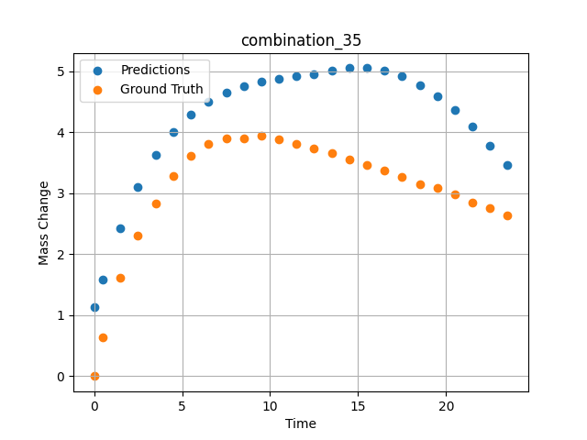
1200 | 0 | 0 | 23.75 | 23.75 | 23.75 | 23.75 | 5 | 0 | 7.50257 | 3.893 | 4.6467103958
1200 | 0 | 0 | 23.75 | 23.75 | 23.75 | 23.75 | 5 | 0 | 8.50485 | 3.90159 | 4.7524261475
1200 | 0 | 0 | 23.75 | 23.75 | 23.75 | 23.75 | 5 | 0 | 9.5075 | 3.94277 | 4.8270864487
1200 | 0 | 0 | 23.75 | 23.75 | 23.75 | 23.75 | 5 | 0 | 10.50051 | 3.88387 | 4.8792080879
1200 | 0 | 0 | 23.75 | 23.75 | 23.75 | 23.75 | 5 | 0 | 11.49349 | 3.81191 | 4.9161405563
1200 | 0 | 0 | 23.75 | 23.75 | 23.75 | 23.75 | 5 | 0 | 12.49641 | 3.72649 | 4.9530630112
1200 | 0 | 0 | 23.75 | 23.75 | 23.75 | 23.75 | 5 | 0 | 13.49977 | 3.64963 | 5.0103859901
1200 | 0 | 0 | 23.75 | 23.75 | 23.75 | 23.75 | 5 | 0 | 14.50328 | 3.54789 | 5.0476136208
1200 | 0 | 0 | 23.75 | 23.75 | 23.75 | 23.75 | 5 | 0 | 15.50689 | 3.46453 | 5.0462002754
1200 | 0 | 0 | 23.75 | 23.75 | 23.75 | 23.75 | 5 | 0 | 16.50102 | 3.37793 | 5.0019140244
1200 | 0 | 0 | 23.75 | 23.75 | 23.75 | 23.75 | 5 | 0 | 17.49536 | 3.26755 | 4.9119253159
1200 | 0 | 0 | 23.75 | 23.75 | 23.75 | 23.75 | 5 | 0 | 18.4994 | 3.15259 | 4.7733039856
1200 | 0 | 0 | 23.75 | 23.75 | 23.75 | 23.75 | 5 | 0 | 19.50371 | 3.0872 | 4.5873732567
1200 | 0 | 0 | 23.75 | 23.75 | 23.75 | 23.75 | 5 | 0 | 20.49846 | 2.97708 | 4.3590497971
1200 | 0 | 0 | 23.75 | 23.75 | 23.75 | 23.75 | 5 | 0 | 21.49342 | 2.84398 | 4.0905299187
1200 | 0 | 0 | 23.75 | 23.75 | 23.75 | 23.75 | 5 | 0 | 22.49828 | 2.75236 | 3.7837557793
1200 | 0 | 0 | 23.75 | 23.75 | 23.75 | 23.75 | 5 | 0 | 23.49449 | 2.62918 | 3.4543476105

combination_36
1200.0, 22.5, 0.0, 10.0, 22.5, 22.5, 22.5, 0.0
Temperature [C] | Zr [at%] | Nb [at%] | Mo [at%] | Cr [at%] | Al [at%] | Ti [at%] | Ta [at%] | W [at%] | Time [h] | Mass Change [mg.cm2] | Mass change - predictions
1200 | 0 | 0 | 22.5 | 22.5 | 22.5 | 22.5 | 10 | 0 | 0 | 0 | 0.70111131668
1200 | 0 | 0 | 22.5 | 22.5 | 22.5 | 22.5 | 10 | 0 | 0.49082 | 0.65618 | 1.0960344076
1200 | 0 | 0 | 22.5 | 22.5 | 22.5 | 22.5 | 10 | 0 | 1.49171 | 1.23457 | 1.8213127851
1200 | 0 | 0 | 22.5 | 22.5 | 22.5 | 22.5 | 10 | 0 | 2.49279 | 1.90741 | 2.4227287769
1200 | 0 | 0 | 22.5 | 22.5 | 22.5 | 22.5 | 10 | 0 | 3.49402 | 2.64926 | 2.892717123
1200 | 0 | 0 | 22.5 | 22.5 | 22.5 | 22.5 | 10 | 0 | 4.49576 | 3.31362 | 3.2601380348
1200 | 0 | 0 | 22.5 | 22.5 | 22.5 | 22.5 | 10 | 0 | 5.49788 | 3.89691 | 3.5600008965
1200 | 0 | 0 | 22.5 | 22.5 | 22.5 | 22.5 | 10 | 0 | 6.50016 | 4.43668 | 3.8214299679
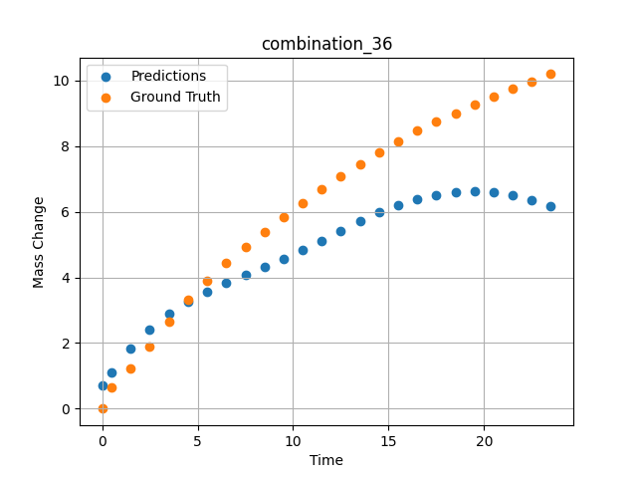
1200 | 0 | 0 | 22.5 | 22.5 | 22.5 | 22.5 | 10 | 0 | 7.50257 | 4.9276 | 4.0658321381
1200 | 0 | 0 | 22.5 | 22.5 | 22.5 | 22.5 | 10 | 0 | 8.50519 | 5.38775 | 4.3083686829
1200 | 0 | 0 | 22.5 | 22.5 | 22.5 | 22.5 | 10 | 0 | 9.50779 | 5.83221 | 4.5596780777
1200 | 0 | 0 | 22.5 | 22.5 | 22.5 | 22.5 | 10 | 0 | 10.50075 | 6.26395 | 4.8246850967
1200 | 0 | 0 | 22.5 | 22.5 | 22.5 | 22.5 | 10 | 0 | 11.49382 | 6.68921 | 5.1104249954
1200 | 0 | 0 | 22.5 | 22.5 | 22.5 | 22.5 | 10 | 0 | 12.49676 | 7.09216 | 5.415266037
1200 | 0 | 0 | 22.5 | 22.5 | 22.5 | 22.5 | 10 | 0 | 13.49993 | 7.45786 | 5.7132387161
1200 | 0 | 0 | 22.5 | 22.5 | 22.5 | 22.5 | 10 | 0 | 14.50334 | 7.80354 | 5.9796552658
1200 | 0 | 0 | 22.5 | 22.5 | 22.5 | 22.5 | 10 | 0 | 15.50689 | 8.14589 | 6.2071695328
1200 | 0 | 0 | 22.5 | 22.5 | 22.5 | 22.5 | 10 | 0 | 16.50084 | 8.47093 | 6.3876895905
1200 | 0 | 0 | 22.5 | 22.5 | 22.5 | 22.5 | 10 | 0 | 17.4949 | 8.75562 | 6.5185537338
1200 | 0 | 0 | 22.5 | 22.5 | 22.5 | 22.5 | 10 | 0 | 18.49915 | 9.0078 | 6.5967040062
1200 | 0 | 0 | 22.5 | 22.5 | 22.5 | 22.5 | 10 | 0 | 19.5036 | 9.25976 | 6.618645668
1200 | 0 | 0 | 22.5 | 22.5 | 22.5 | 22.5 | 10 | 0 | 20.49842 | 9.50919 | 6.5848898888
1200 | 0 | 0 | 22.5 | 22.5 | 22.5 | 22.5 | 10 | 0 | 21.49334 | 9.73922 | 6.4974184036
1200 | 0 | 0 | 22.5 | 22.5 | 22.5 | 22.5 | 10 | 0 | 22.4983 | 9.968 | 6.3574743271
1200 | 0 | 0 | 22.5 | 22.5 | 22.5 | 22.5 | 10 | 0 | 23.49367 | 10.19694 | 6.1715655327

combination_37
1200.0, 21.25, 0.0, 15.0, 21.25, 21.25, 21.25, 0.0
Temperature [C] | Zr [at%] | Nb [at%] | Mo [at%] | Cr [at%] | Al [at%] | Ti [at%] | Ta [at%] | W [at%] | Time [h] | Mass Change [mg.cm2] | Mass change - predictions
1200 | 0 | 0 | 21.25 | 21.25 | 21.25 | 21.25 | 15 | 0 | 0 | 0 | 0.032814979553
1200 | 0 | 0 | 21.25 | 21.25 | 21.25 | 21.25 | 15 | 0 | 0.49078 | 0.25729 | 0.38856315613
1200 | 0 | 0 | 21.25 | 21.25 | 21.25 | 21.25 | 15 | 0 | 1.49173 | 0.51494 | 0.92233836651
1200 | 0 | 0 | 21.25 | 21.25 | 21.25 | 21.25 | 15 | 0 | 2.49281 | 0.65372 | 1.3416167498
1200 | 0 | 0 | 21.25 | 21.25 | 21.25 | 21.25 | 15 | 0 | 3.49423 | 0.78965 | 1.6610748768
1200 | 0 | 0 | 21.25 | 21.25 | 21.25 | 21.25 | 15 | 0 | 4.49595 | 0.95463 | 1.9051148891
1200 | 0 | 0 | 21.25 | 21.25 | 21.25 | 21.25 | 15 | 0 | 5.49788 | 1.1871 | 2.1014914513
1200 | 0 | 0 | 21.25 | 21.25 | 21.25 | 21.25 | 15 | 0 | 6.49995 | 1.41561 | 2.2732794285
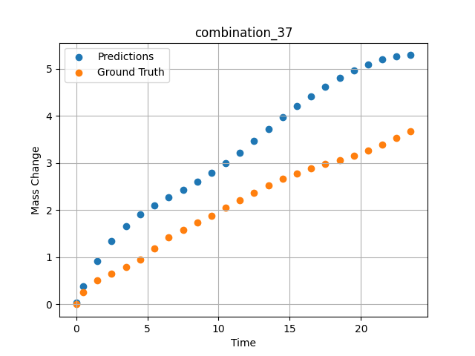
1200 | 0 | 0 | 21.25 | 21.25 | 21.25 | 21.25 | 15 | 0 | 7.50226 | 1.58469 | 2.4376478195
1200 | 0 | 0 | 21.25 | 21.25 | 21.25 | 21.25 | 15 | 0 | 8.50459 | 1.7392 | 2.6070251465
1200 | 0 | 0 | 21.25 | 21.25 | 21.25 | 21.25 | 15 | 0 | 9.50727 | 1.8844 | 2.7905328274
1200 | 0 | 0 | 21.25 | 21.25 | 21.25 | 21.25 | 15 | 0 | 10.50035 | 2.04758 | 2.9930045605
1200 | 0 | 0 | 21.25 | 21.25 | 21.25 | 21.25 | 15 | 0 | 11.49359 | 2.21187 | 3.2215237617
1200 | 0 | 0 | 21.25 | 21.25 | 21.25 | 21.25 | 15 | 0 | 12.49662 | 2.37354 | 3.4733352661
1200 | 0 | 0 | 21.25 | 21.25 | 21.25 | 21.25 | 15 | 0 | 13.49991 | 2.52954 | 3.7239627838
1200 | 0 | 0 | 21.25 | 21.25 | 21.25 | 21.25 | 15 | 0 | 14.50342 | 2.65999 | 3.9685604572
1200 | 0 | 0 | 21.25 | 21.25 | 21.25 | 21.25 | 15 | 0 | 15.50698 | 2.78039 | 4.202911377
1200 | 0 | 0 | 21.25 | 21.25 | 21.25 | 21.25 | 15 | 0 | 16.50099 | 2.88456 | 4.4208517075
1200 | 0 | 0 | 21.25 | 21.25 | 21.25 | 21.25 | 15 | 0 | 17.49532 | 2.97806 | 4.6211433411
1200 | 0 | 0 | 21.25 | 21.25 | 21.25 | 21.25 | 15 | 0 | 18.49943 | 3.06304 | 4.8025550842
1200 | 0 | 0 | 21.25 | 21.25 | 21.25 | 21.25 | 15 | 0 | 19.50377 | 3.1613 | 4.9611091614
1200 | 0 | 0 | 21.25 | 21.25 | 21.25 | 21.25 | 15 | 0 | 20.49862 | 3.27108 | 5.0941677094
1200 | 0 | 0 | 21.25 | 21.25 | 21.25 | 21.25 | 15 | 0 | 21.49358 | 3.39601 | 5.1945352554
1200 | 0 | 0 | 21.25 | 21.25 | 21.25 | 21.25 | 15 | 0 | 22.49845 | 3.53102 | 5.2592806816
1200 | 0 | 0 | 21.25 | 21.25 | 21.25 | 21.25 | 15 | 0 | 23.49403 | 3.67091 | 5.2891283035

combination_38
1200.0, 21.25, 0.0, 21.25, 0.2125, 21.25, 15.0, 0.0
Temperature [C] | Zr [at%] | Nb [at%] | Mo [at%] | Cr [at%] | Al [at%] | Ti [at%] | Ta [at%] | W [at%] | Time [h] | Mass Change [mg.cm2] | Mass change - predictions
1200 | 0 | 0 | 21.25 | 21.25 | 15 | 0.2125 | 21.25 | 0 | 0 | 0 | 0.50738716125
1200 | 0 | 0 | 21.25 | 21.25 | 15 | 0.2125 | 21.25 | 0 | 0.5008 | 0.91616 | 1.1286183596
1200 | 0 | 0 | 21.25 | 21.25 | 15 | 0.2125 | 21.25 | 0 | 1.5078 | 1.54711 | 2.1356904507
1200 | 0 | 0 | 21.25 | 21.25 | 15 | 0.2125 | 21.25 | 0 | 2.50401 | 2.12777 | 2.8072068691
1200 | 0 | 0 | 21.25 | 21.25 | 15 | 0.2125 | 21.25 | 0 | 3.49917 | 2.41741 | 3.2233583927
1200 | 0 | 0 | 21.25 | 21.25 | 15 | 0.2125 | 21.25 | 0 | 4.49589 | 2.79191 | 3.4175209999
1200 | 0 | 0 | 21.25 | 21.25 | 15 | 0.2125 | 21.25 | 0 | 5.49685 | 2.9867 | 3.4729969501
1200 | 0 | 0 | 21.25 | 21.25 | 15 | 0.2125 | 21.25 | 0 | 6.50299 | 3.15596 | 3.4747793674
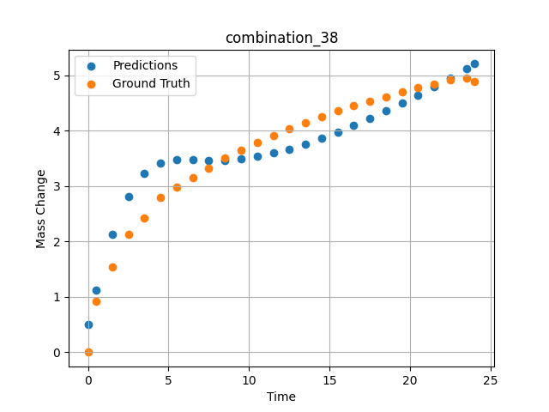
1200 | 0 | 0 | 21.25 | 21.25 | 15 | 0.2125 | 21.25 | 0 | 7.50394 | 3.3247 | 3.4671385288
1200 | 0 | 0 | 21.25 | 21.25 | 15 | 0.2125 | 21.25 | 0 | 8.49997 | 3.50708 | 3.4703085423
1200 | 0 | 0 | 21.25 | 21.25 | 15 | 0.2125 | 21.25 | 0 | 9.49603 | 3.65121 | 3.4918766022
1200 | 0 | 0 | 21.25 | 21.25 | 15 | 0.2125 | 21.25 | 0 | 10.50075 | 3.79048 | 3.5338413715
1200 | 0 | 0 | 21.25 | 21.25 | 15 | 0.2125 | 21.25 | 0 | 11.50631 | 3.91168 | 3.5949416161
1200 | 0 | 0 | 21.25 | 21.25 | 15 | 0.2125 | 21.25 | 0 | 12.50357 | 4.03675 | 3.6721155643
1200 | 0 | 0 | 21.25 | 21.25 | 15 | 0.2125 | 21.25 | 0 | 13.49882 | 4.15184 | 3.7630813122
1200 | 0 | 0 | 21.25 | 21.25 | 15 | 0.2125 | 21.25 | 0 | 14.49364 | 4.24898 | 3.8655965328
1200 | 0 | 0 | 21.25 | 21.25 | 15 | 0.2125 | 21.25 | 0 | 15.49959 | 4.3622 | 3.978959322
1200 | 0 | 0 | 21.25 | 21.25 | 15 | 0.2125 | 21.25 | 0 | 16.50564 | 4.44778 | 4.1004056931
1200 | 0 | 0 | 21.25 | 21.25 | 15 | 0.2125 | 21.25 | 0 | 17.50203 | 4.53311 | 4.2273440361
1200 | 0 | 0 | 21.25 | 21.25 | 15 | 0.2125 | 21.25 | 0 | 18.49765 | 4.6149 | 4.3598999977
1200 | 0 | 0 | 21.25 | 21.25 | 15 | 0.2125 | 21.25 | 0 | 19.49419 | 4.70373 | 4.4977588654
1200 | 0 | 0 | 21.25 | 21.25 | 15 | 0.2125 | 21.25 | 0 | 20.49949 | 4.77412 | 4.6419029236
1200 | 0 | 0 | 21.25 | 21.25 | 15 | 0.2125 | 21.25 | 0 | 21.50586 | 4.84004 | 4.7917761803
1200 | 0 | 0 | 21.25 | 21.25 | 15 | 0.2125 | 21.25 | 0 | 22.50242 | 4.91443 | 4.9491004944
1200 | 0 | 0 | 21.25 | 21.25 | 15 | 0.2125 | 21.25 | 0 | 23.50657 | 4.95854 | 5.1185650826
1200 | 0 | 0 | 21.25 | 21.25 | 15 | 0.2125 | 21.25 | 0 | 24.01181 | 4.88788 | 5.2085094452

combination_39
1200.0, 23.75, 0.0, 23.75, 23.75, 23.75, 5.0, 0.0
Temperature [C] | Zr [at%] | Nb [at%] | Mo [at%] | Cr [at%] | Al [at%] | Ti [at%] | Ta [at%] | W [at%] | Time [h] | Mass Change [mg.cm2] | Mass change - predictions
1200 | 0 | 0 | 23.75 | 23.75 | 5 | 23.75 | 23.75 | 0 | 0 | 0 | 0.78227043152
1200 | 0 | 0 | 23.75 | 23.75 | 5 | 23.75 | 23.75 | 0 | 0.49085 | 2.66992 | 1.3190326691
1200 | 0 | 0 | 23.75 | 23.75 | 5 | 23.75 | 23.75 | 0 | 1.49179 | 3.43367 | 2.3828349113
1200 | 0 | 0 | 23.75 | 23.75 | 5 | 23.75 | 23.75 | 0 | 2.49278 | 3.81308 | 3.1678655148
1200 | 0 | 0 | 23.75 | 23.75 | 5 | 23.75 | 23.75 | 0 | 3.49402 | 4.08982 | 3.6366384029
1200 | 0 | 0 | 23.75 | 23.75 | 5 | 23.75 | 23.75 | 0 | 4.49552 | 4.22038 | 3.8996765614
1200 | 0 | 0 | 23.75 | 23.75 | 5 | 23.75 | 23.75 | 0 | 5.49726 | 4.37154 | 4.0481700897
1200 | 0 | 0 | 23.75 | 23.75 | 5 | 23.75 | 23.75 | 0 | 6.49893 | 4.48947 | 4.1421437263
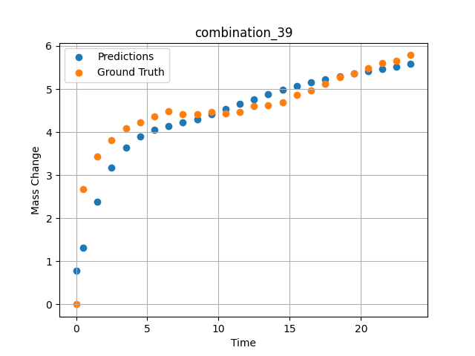
1200 | 0 | 0 | 23.75 | 23.75 | 5 | 23.75 | 23.75 | 0 | 7.50089 | 4.42119 | 4.2192120552
1200 | 0 | 0 | 23.75 | 23.75 | 5 | 23.75 | 23.75 | 0 | 8.50303 | 4.41331 | 4.3027763367
1200 | 0 | 0 | 23.75 | 23.75 | 5 | 23.75 | 23.75 | 0 | 9.50518 | 4.46248 | 4.4076566696
1200 | 0 | 0 | 23.75 | 23.75 | 5 | 23.75 | 23.75 | 0 | 10.5075 | 4.43344 | 4.5310521126
1200 | 0 | 0 | 23.75 | 23.75 | 5 | 23.75 | 23.75 | 0 | 11.50025 | 4.47228 | 4.6497097015
1200 | 0 | 0 | 23.75 | 23.75 | 5 | 23.75 | 23.75 | 0 | 12.49307 | 4.59671 | 4.7637610435
1200 | 0 | 0 | 23.75 | 23.75 | 5 | 23.75 | 23.75 | 0 | 13.4957 | 4.62715 | 4.8731231689
1200 | 0 | 0 | 23.75 | 23.75 | 5 | 23.75 | 23.75 | 0 | 14.49843 | 4.69674 | 4.9754118919
1200 | 0 | 0 | 23.75 | 23.75 | 5 | 23.75 | 23.75 | 0 | 15.50123 | 4.8643 | 5.0694198608
1200 | 0 | 0 | 23.75 | 23.75 | 5 | 23.75 | 23.75 | 0 | 16.5043 | 4.97473 | 5.1543216705
1200 | 0 | 0 | 23.75 | 23.75 | 5 | 23.75 | 23.75 | 0 | 17.50747 | 5.1258 | 5.2299509048
1200 | 0 | 0 | 23.75 | 23.75 | 5 | 23.75 | 23.75 | 0 | 18.50106 | 5.28127 | 5.2963294983
1200 | 0 | 0 | 23.75 | 23.75 | 5 | 23.75 | 23.75 | 0 | 19.49479 | 5.36597 | 5.3555822372
1200 | 0 | 0 | 23.75 | 23.75 | 5 | 23.75 | 23.75 | 0 | 20.49845 | 5.47967 | 5.4104194641
1200 | 0 | 0 | 23.75 | 23.75 | 5 | 23.75 | 23.75 | 0 | 21.50208 | 5.61004 | 5.4632806778
1200 | 0 | 0 | 23.75 | 23.75 | 5 | 23.75 | 23.75 | 0 | 22.5057 | 5.65412 | 5.5178794861
1200 | 0 | 0 | 23.75 | 23.75 | 5 | 23.75 | 23.75 | 0 | 23.49987 | 5.78609 | 5.5777955055

combination_40
1200.0, 25.0, 0.0, 25.0, 0.0, 25.0, 25.0, 0.0
Temperature [C] | Zr [at%] | Nb [at%] | Mo [at%] | Cr [at%] | Al [at%] | Ti [at%] | Ta [at%] | W [at%] | Time [h] | Mass Change [mg.cm2] | Mass change - predictions
1200 | 0 | 0 | 25 | 25 | 25 | 0 | 25 | 0 | 0 | 0 | -0.14561867714
1200 | 0 | 0 | 25 | 25 | 25 | 0 | 25 | 0 | 0.4909 | 0.52067 | 0.19689416885
1200 | 0 | 0 | 25 | 25 | 25 | 0 | 25 | 0 | 1.49184 | 0.89241 | 0.64404439926
1200 | 0 | 0 | 25 | 25 | 25 | 0 | 25 | 0 | 2.49299 | 0.98636 | 0.85559940338
1200 | 0 | 0 | 25 | 25 | 25 | 0 | 25 | 0 | 3.49426 | 1.01316 | 0.89958357811
1200 | 0 | 0 | 25 | 25 | 25 | 0 | 25 | 0 | 4.49573 | 1.04634 | 0.85389566422
1200 | 0 | 0 | 25 | 25 | 25 | 0 | 25 | 0 | 5.49732 | 1.09633 | 0.77714157104
1200 | 0 | 0 | 25 | 25 | 25 | 0 | 25 | 0 | 6.49923 | 1.12867 | 0.70502889156
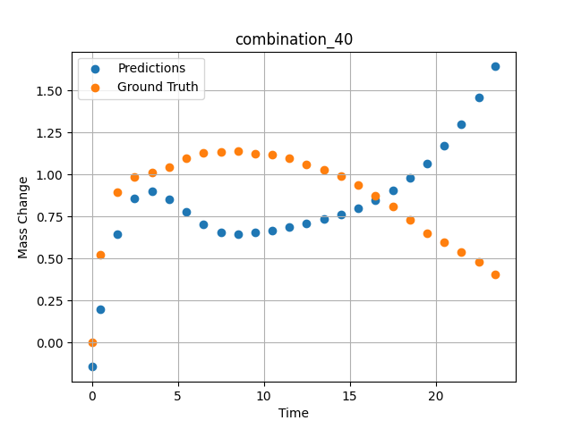
1200 | 0 | 0 | 25 | 25 | 25 | 0 | 25 | 0 | 7.5014 | 1.13358 | 0.65706479549
1200 | 0 | 0 | 25 | 25 | 25 | 0 | 25 | 0 | 8.50376 | 1.14117 | 0.64312195778
1200 | 0 | 0 | 25 | 25 | 25 | 0 | 25 | 0 | 9.5062 | 1.1246 | 0.65272653103
1200 | 0 | 0 | 25 | 25 | 25 | 0 | 25 | 0 | 10.49891 | 1.11958 | 0.66664755344
1200 | 0 | 0 | 25 | 25 | 25 | 0 | 25 | 0 | 11.4917 | 1.09581 | 0.68509447575
1200 | 0 | 0 | 25 | 25 | 25 | 0 | 25 | 0 | 12.49433 | 1.06175 | 0.70769572258
1200 | 0 | 0 | 25 | 25 | 25 | 0 | 25 | 0 | 13.49731 | 1.02973 | 0.73342549801
1200 | 0 | 0 | 25 | 25 | 25 | 0 | 25 | 0 | 14.5003 | 0.99335 | 0.76145756245
1200 | 0 | 0 | 25 | 25 | 25 | 0 | 25 | 0 | 15.50331 | 0.93937 | 0.79730045795
1200 | 0 | 0 | 25 | 25 | 25 | 0 | 25 | 0 | 16.50658 | 0.87265 | 0.84529590607
1200 | 0 | 0 | 25 | 25 | 25 | 0 | 25 | 0 | 17.50045 | 0.80846 | 0.90508282185
1200 | 0 | 0 | 25 | 25 | 25 | 0 | 25 | 0 | 18.49429 | 0.72954 | 0.97802245617
1200 | 0 | 0 | 25 | 25 | 25 | 0 | 25 | 0 | 19.49787 | 0.64801 | 1.0668122768
1200 | 0 | 0 | 25 | 25 | 25 | 0 | 25 | 0 | 20.50158 | 0.59853 | 1.1735994816
1200 | 0 | 0 | 25 | 25 | 25 | 0 | 25 | 0 | 21.50504 | 0.53856 | 1.3023445606
1200 | 0 | 0 | 25 | 25 | 25 | 0 | 25 | 0 | 22.49878 | 0.47792 | 1.456952095
1200 | 0 | 0 | 25 | 25 | 25 | 0 | 25 | 0 | 23.48308 | 0.40626 | 1.6438075304

combination_41
1200.0, 22.5, 0.0, 22.5, 10.0, 22.5, 22.5, 0.0
Temperature [C] | Zr [at%] | Nb [at%] | Mo [at%] | Cr [at%] | Al [at%] | Ti [at%] | Ta [at%] | W [at%] | Time [h] | Mass Change [mg.cm2] | Mass change - predictions
1200 | 0 | 0 | 22.5 | 22.5 | 22.5 | 10 | 22.5 | 0 | 0 | 0 | -0.29700660706
1200 | 0 | 0 | 22.5 | 22.5 | 22.5 | 10 | 22.5 | 0 | 0.49084 | 0.9295 | 0.18383574486
1200 | 0 | 0 | 22.5 | 22.5 | 22.5 | 10 | 22.5 | 0 | 1.49189 | 1.80965 | 1.1573526859
1200 | 0 | 0 | 22.5 | 22.5 | 22.5 | 10 | 22.5 | 0 | 2.49308 | 2.33914 | 1.9281110764
1200 | 0 | 0 | 22.5 | 22.5 | 22.5 | 10 | 22.5 | 0 | 3.49454 | 2.7567 | 2.4863696098
1200 | 0 | 0 | 22.5 | 22.5 | 22.5 | 10 | 22.5 | 0 | 4.49587 | 3.10649 | 2.9240646362
1200 | 0 | 0 | 22.5 | 22.5 | 22.5 | 10 | 22.5 | 0 | 5.49738 | 3.40043 | 3.2825648785
1200 | 0 | 0 | 22.5 | 22.5 | 22.5 | 10 | 22.5 | 0 | 6.49902 | 3.65544 | 3.5863416195
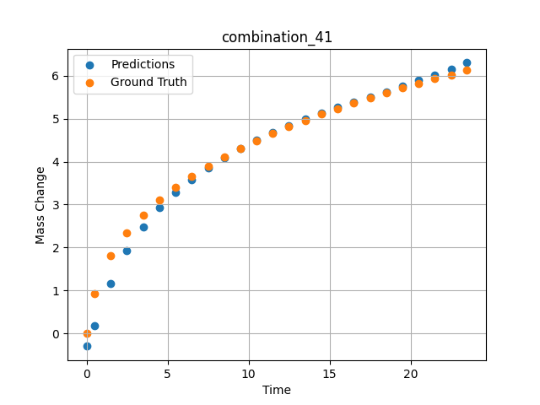
1200 | 0 | 0 | 22.5 | 22.5 | 22.5 | 10 | 22.5 | 0 | 7.5009 | 3.89334 | 3.8516898155
1200 | 0 | 0 | 22.5 | 22.5 | 22.5 | 10 | 22.5 | 0 | 8.50305 | 4.1108 | 4.0883769989
1200 | 0 | 0 | 22.5 | 22.5 | 22.5 | 10 | 22.5 | 0 | 9.50535 | 4.30411 | 4.3022608757
1200 | 0 | 0 | 22.5 | 22.5 | 22.5 | 10 | 22.5 | 0 | 10.50762 | 4.49008 | 4.4970822334
1200 | 0 | 0 | 22.5 | 22.5 | 22.5 | 10 | 22.5 | 0 | 11.50027 | 4.65508 | 4.6737585068
1200 | 0 | 0 | 22.5 | 22.5 | 22.5 | 10 | 22.5 | 0 | 12.49321 | 4.81291 | 4.8362598419
1200 | 0 | 0 | 22.5 | 22.5 | 22.5 | 10 | 22.5 | 0 | 13.49592 | 4.96201 | 4.9876494408
1200 | 0 | 0 | 22.5 | 22.5 | 22.5 | 10 | 22.5 | 0 | 14.49884 | 5.10866 | 5.1281905174
1200 | 0 | 0 | 22.5 | 22.5 | 22.5 | 10 | 22.5 | 0 | 15.50195 | 5.23656 | 5.2599768639
1200 | 0 | 0 | 22.5 | 22.5 | 22.5 | 10 | 22.5 | 0 | 16.50521 | 5.36197 | 5.3854846954
1200 | 0 | 0 | 22.5 | 22.5 | 22.5 | 10 | 22.5 | 0 | 17.49902 | 5.48679 | 5.5065555573
1200 | 0 | 0 | 22.5 | 22.5 | 22.5 | 10 | 22.5 | 0 | 18.49286 | 5.60206 | 5.6279191971
1200 | 0 | 0 | 22.5 | 22.5 | 22.5 | 10 | 22.5 | 0 | 19.49643 | 5.71574 | 5.755092144
1200 | 0 | 0 | 22.5 | 22.5 | 22.5 | 10 | 22.5 | 0 | 20.5002 | 5.81992 | 5.8866257668
1200 | 0 | 0 | 22.5 | 22.5 | 22.5 | 10 | 22.5 | 0 | 21.50421 | 5.92516 | 6.0120816231
1200 | 0 | 0 | 22.5 | 22.5 | 22.5 | 10 | 22.5 | 0 | 22.49865 | 6.02044 | 6.1468367577
1200 | 0 | 0 | 22.5 | 22.5 | 22.5 | 10 | 22.5 | 0 | 23.48348 | 6.12261 | 6.30017519

combination_42
1200.0, 0.0, 0.0, 20.0, 0.0, 80.0, 0.0, 0.0
Temperature [C] | Zr [at%] | Nb [at%] | Mo [at%] | Cr [at%] | Al [at%] | Ti [at%] | Ta [at%] | W [at%] | Time [h] | Mass Change [mg.cm2] | Mass change - predictions
1200 | 0 | 0 | 0 | 80 | 0 | 0 | 20 | 0 | 0 | 0 | 3.1283185482
1200 | 0 | 0 | 0 | 80 | 0 | 0 | 20 | 0 | 0.49084 | 2.2487 | 3.6771278381
1200 | 0 | 0 | 0 | 80 | 0 | 0 | 20 | 0 | 1.49185 | 4.5778 | 4.6791563034
1200 | 0 | 0 | 0 | 80 | 0 | 0 | 20 | 0 | 2.49311 | 5.99216 | 5.5945005417
1200 | 0 | 0 | 0 | 80 | 0 | 0 | 20 | 0 | 3.49454 | 7.03755 | 6.4750647545
1200 | 0 | 0 | 0 | 80 | 0 | 0 | 20 | 0 | 4.49611 | 8.01046 | 7.3454089165
1200 | 0 | 0 | 0 | 80 | 0 | 0 | 20 | 0 | 5.49754 | 8.89891 | 8.214756012
1200 | 0 | 0 | 0 | 80 | 0 | 0 | 20 | 0 | 6.49911 | 9.62852 | 9.085817337
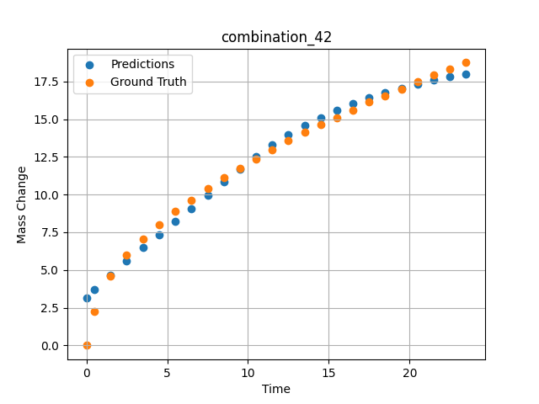
1200 | 0 | 0 | 0 | 80 | 0 | 0 | 20 | 0 | 7.50098 | 10.37488 | 9.9584445953
1200 | 0 | 0 | 0 | 80 | 0 | 0 | 20 | 0 | 8.50294 | 11.1106 | 10.831419945
1200 | 0 | 0 | 0 | 80 | 0 | 0 | 20 | 0 | 9.50507 | 11.76175 | 11.703742027
1200 | 0 | 0 | 0 | 80 | 0 | 0 | 20 | 0 | 10.50727 | 12.37848 | 12.538747787
1200 | 0 | 0 | 0 | 80 | 0 | 0 | 20 | 0 | 11.49987 | 12.98514 | 13.283994675
1200 | 0 | 0 | 0 | 80 | 0 | 0 | 20 | 0 | 12.49278 | 13.55574 | 13.954489708
1200 | 0 | 0 | 0 | 80 | 0 | 0 | 20 | 0 | 13.49537 | 14.11738 | 14.562041283
1200 | 0 | 0 | 0 | 80 | 0 | 0 | 20 | 0 | 14.4982 | 14.61774 | 15.106250763
1200 | 0 | 0 | 0 | 80 | 0 | 0 | 20 | 0 | 15.50122 | 15.11307 | 15.593026161
1200 | 0 | 0 | 0 | 80 | 0 | 0 | 20 | 0 | 16.50458 | 15.61266 | 16.027965546
1200 | 0 | 0 | 0 | 80 | 0 | 0 | 20 | 0 | 17.49836 | 16.1203 | 16.412582397
1200 | 0 | 0 | 0 | 80 | 0 | 0 | 20 | 0 | 18.49225 | 16.55858 | 16.756006241
1200 | 0 | 0 | 0 | 80 | 0 | 0 | 20 | 0 | 19.49582 | 17.00085 | 17.065387726
1200 | 0 | 0 | 0 | 80 | 0 | 0 | 20 | 0 | 20.49954 | 17.48111 | 17.341432571
1200 | 0 | 0 | 0 | 80 | 0 | 0 | 20 | 0 | 21.50356 | 17.92626 | 17.588100433
1200 | 0 | 0 | 0 | 80 | 0 | 0 | 20 | 0 | 22.49791 | 18.33595 | 17.806949615
1200 | 0 | 0 | 0 | 80 | 0 | 0 | 20 | 0 | 23.49244 | 18.74801 | 18.00396347

combination_43
1200.0, 0.0, 0.0, 33.3, 33.4, 33.3, 0.0, 0.0
Temperature [C] | Zr [at%] | Nb [at%] | Mo [at%] | Cr [at%] | Al [at%] | Ti [at%] | Ta [at%] | W [at%] | Time [h] | Mass Change [mg.cm2] | Mass change - predictions
1200 | 0 | 0 | 0 | 33.3 | 0 | 33.4 | 33.3 | 0 | 0 | 0 | 0.41665244102
1200 | 0 | 0 | 0 | 33.3 | 0 | 33.4 | 33.3 | 0 | 0.50589 | 1.2245 | 2.672894001
1200 | 0 | 0 | 0 | 33.3 | 0 | 33.4 | 33.3 | 0 | 1.50743 | 3.21145 | 5.0083889961
1200 | 0 | 0 | 0 | 33.3 | 0 | 33.4 | 33.3 | 0 | 2.50834 | 4.82823 | 6.4829778671
1200 | 0 | 0 | 0 | 33.3 | 0 | 33.4 | 33.3 | 0 | 3.49984 | 6.40464 | 7.4944257736
1200 | 0 | 0 | 0 | 33.3 | 0 | 33.4 | 33.3 | 0 | 4.49165 | 8.24746 | 8.3173694611
1200 | 0 | 0 | 0 | 33.3 | 0 | 33.4 | 33.3 | 0 | 5.49326 | 10.12588 | 9.0993232727
1200 | 0 | 0 | 0 | 33.3 | 0 | 33.4 | 33.3 | 0 | 6.49512 | 11.74551 | 9.9182310104
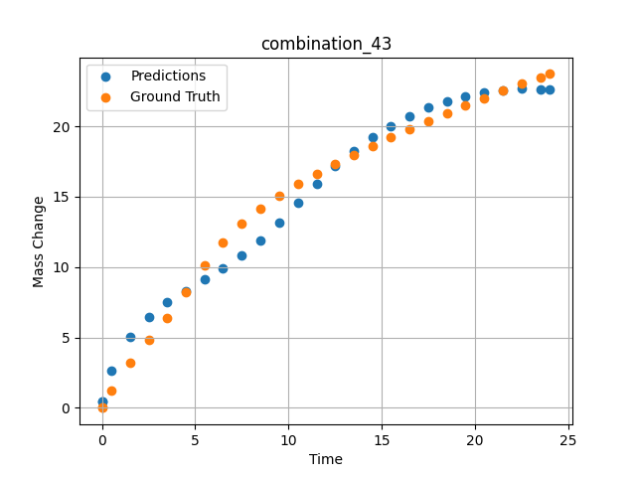
1200 | 0 | 0 | 0 | 33.3 | 0 | 33.4 | 33.3 | 0 | 7.49717 | 13.06387 | 10.835840225
1200 | 0 | 0 | 0 | 33.3 | 0 | 33.4 | 33.3 | 0 | 8.49935 | 14.15469 | 11.895671844
1200 | 0 | 0 | 0 | 33.3 | 0 | 33.4 | 33.3 | 0 | 9.50168 | 15.07769 | 13.12515831
1200 | 0 | 0 | 0 | 33.3 | 0 | 33.4 | 33.3 | 0 | 10.50396 | 15.89904 | 14.533107758
1200 | 0 | 0 | 0 | 33.3 | 0 | 33.4 | 33.3 | 0 | 11.50641 | 16.636 | 15.922300339
1200 | 0 | 0 | 0 | 33.3 | 0 | 33.4 | 33.3 | 0 | 12.4993 | 17.32067 | 17.148700714
1200 | 0 | 0 | 0 | 33.3 | 0 | 33.4 | 33.3 | 0 | 13.49252 | 17.97297 | 18.23462677
1200 | 0 | 0 | 0 | 33.3 | 0 | 33.4 | 33.3 | 0 | 14.49558 | 18.60484 | 19.194826126
1200 | 0 | 0 | 0 | 33.3 | 0 | 33.4 | 33.3 | 0 | 15.49869 | 19.21742 | 20.023757935
1200 | 0 | 0 | 0 | 33.3 | 0 | 33.4 | 33.3 | 0 | 16.50197 | 19.80993 | 20.727128983
1200 | 0 | 0 | 0 | 33.3 | 0 | 33.4 | 33.3 | 0 | 17.50542 | 20.38414 | 21.310691833
1200 | 0 | 0 | 0 | 33.3 | 0 | 33.4 | 33.3 | 0 | 18.4994 | 20.93636 | 21.776502609
1200 | 0 | 0 | 0 | 33.3 | 0 | 33.4 | 33.3 | 0 | 19.49338 | 21.47763 | 22.136663437
1200 | 0 | 0 | 0 | 33.3 | 0 | 33.4 | 33.3 | 0 | 20.49715 | 22.00213 | 22.399436951
1200 | 0 | 0 | 0 | 33.3 | 0 | 33.4 | 33.3 | 0 | 21.5012 | 22.51318 | 22.567451477
1200 | 0 | 0 | 0 | 33.3 | 0 | 33.4 | 33.3 | 0 | 22.50542 | 23.00472 | 22.647151947
1200 | 0 | 0 | 0 | 33.3 | 0 | 33.4 | 33.3 | 0 | 23.50015 | 23.48187 | 22.645549774
1200 | 0 | 0 | 0 | 33.3 | 0 | 33.4 | 33.3 | 0 | 24.02167 | 23.71265 | 22.614732742
1200 | 0 | 0 | 0 | 33.3 | 0 | 33.4 | 33.3 | 0 | 0 | 0 | 0.41665077209

combination_44
1200.0, 0.0, 33.7, 0.0, 33.9, 32.4, 0.0, 0.0
Temperature [C] | Zr [at%] | Nb [at%] | Mo [at%] | Cr [at%] | Al [at%] | Ti [at%] | Ta [at%] | W [at%] | Time [h] | Mass Change [mg.cm2] | Mass change - predictions
1200 | 0 | 33.7 | 0 | 32.4 | 0 | 33.9 | 0 | 0 | 0 | 0 | -0.56403684616
1200 | 0 | 33.7 | 0 | 32.4 | 0 | 33.9 | 0 | 0 | 0.49249 | 2.56412 | 3.443767786
1200 | 0 | 33.7 | 0 | 32.4 | 0 | 33.9 | 0 | 0 | 1.48984 | 5.41937 | 6.0125055313
1200 | 0 | 33.7 | 0 | 32.4 | 0 | 33.9 | 0 | 0 | 2.4985 | 7.32912 | 7.6199259758
1200 | 0 | 33.7 | 0 | 32.4 | 0 | 33.9 | 0 | 0 | 3.4955 | 8.74014 | 8.6871986389
1200 | 0 | 33.7 | 0 | 32.4 | 0 | 33.9 | 0 | 0 | 4.5045 | 9.88382 | 9.5068683624
1200 | 0 | 33.7 | 0 | 32.4 | 0 | 33.9 | 0 | 0 | 5.5015 | 10.82642 | 10.193464279
1200 | 0 | 33.7 | 0 | 32.4 | 0 | 33.9 | 0 | 0 | 6.4985 | 11.63515 | 10.833929062
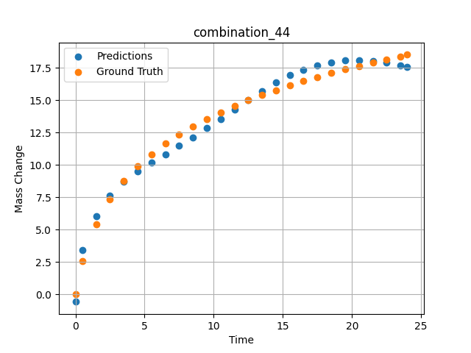
1200 | 0 | 33.7 | 0 | 32.4 | 0 | 33.9 | 0 | 0 | 7.4955 | 12.34412 | 11.472392082
1200 | 0 | 33.7 | 0 | 32.4 | 0 | 33.9 | 0 | 0 | 8.49249 | 12.97471 | 12.132544518
1200 | 0 | 33.7 | 0 | 32.4 | 0 | 33.9 | 0 | 0 | 9.5015 | 13.54942 | 12.831689835
1200 | 0 | 33.7 | 0 | 32.4 | 0 | 33.9 | 0 | 0 | 10.4985 | 14.0659 | 13.549838066
1200 | 0 | 33.7 | 0 | 32.4 | 0 | 33.9 | 0 | 0 | 11.4955 | 14.53953 | 14.282119751
1200 | 0 | 33.7 | 0 | 32.4 | 0 | 33.9 | 0 | 0 | 12.5045 | 14.98218 | 15.016688347
1200 | 0 | 33.7 | 0 | 32.4 | 0 | 33.9 | 0 | 0 | 13.5015 | 15.38843 | 15.711206436
1200 | 0 | 33.7 | 0 | 32.4 | 0 | 33.9 | 0 | 0 | 14.4985 | 15.76772 | 16.348709106
1200 | 0 | 33.7 | 0 | 32.4 | 0 | 33.9 | 0 | 0 | 15.4955 | 16.12357 | 16.90542984
1200 | 0 | 33.7 | 0 | 32.4 | 0 | 33.9 | 0 | 0 | 16.49249 | 16.45856 | 17.358556747
1200 | 0 | 33.7 | 0 | 32.4 | 0 | 33.9 | 0 | 0 | 17.5015 | 16.77881 | 17.69764328
1200 | 0 | 33.7 | 0 | 32.4 | 0 | 33.9 | 0 | 0 | 18.4985 | 17.07865 | 17.922294617
1200 | 0 | 33.7 | 0 | 32.4 | 0 | 33.9 | 0 | 0 | 19.4955 | 17.36354 | 18.045648575
1200 | 0 | 33.7 | 0 | 32.4 | 0 | 33.9 | 0 | 0 | 20.5045 | 17.63817 | 18.074016571
1200 | 0 | 33.7 | 0 | 32.4 | 0 | 33.9 | 0 | 0 | 21.5015 | 17.89723 | 18.01272583
1200 | 0 | 33.7 | 0 | 32.4 | 0 | 33.9 | 0 | 0 | 22.4985 | 18.14506 | 17.876182556
1200 | 0 | 33.7 | 0 | 32.4 | 0 | 33.9 | 0 | 0 | 23.48348 | 18.37988 | 17.692750931
1200 | 0 | 33.7 | 0 | 32.4 | 0 | 33.9 | 0 | 0 | 24 | 18.49961 | 17.583524704

combination_45
1000.0, 20.0, 0.0, 0.0, 20.0, 20.0, 20.0, 20.0
Temperature [C] | Zr [at%] | Nb [at%] | Mo [at%] | Cr [at%] | Al [at%] | Ti [at%] | Ta [at%] | W [at%] | Time [h] | Mass Change [mg.cm2] | Mass change - predictions
1000 | 0 | 0 | 20 | 20 | 20 | 20 | 0 | 20 | 0 | 0 | 0.45513606071
1000 | 0 | 0 | 20 | 20 | 20 | 20 | 0 | 20 | 0.48048 | 0.84398 | 0.95696640015
1000 | 0 | 0 | 20 | 20 | 20 | 20 | 0 | 20 | 1.48148 | 1.95113 | 1.7749029398
1000 | 0 | 0 | 20 | 20 | 20 | 20 | 0 | 20 | 2.48248 | 2.67199 | 2.5145995617
1000 | 0 | 0 | 20 | 20 | 20 | 20 | 0 | 20 | 3.48348 | 3.20863 | 3.1165554523
1000 | 0 | 0 | 20 | 20 | 20 | 20 | 0 | 20 | 4.48448 | 3.63657 | 3.6002957821
1000 | 0 | 0 | 20 | 20 | 20 | 20 | 0 | 20 | 5.46681 | 3.98634 | 4.0000953674
1000 | 0 | 0 | 20 | 20 | 20 | 20 | 0 | 20 | 6.48649 | 4.29749 | 4.3636426926
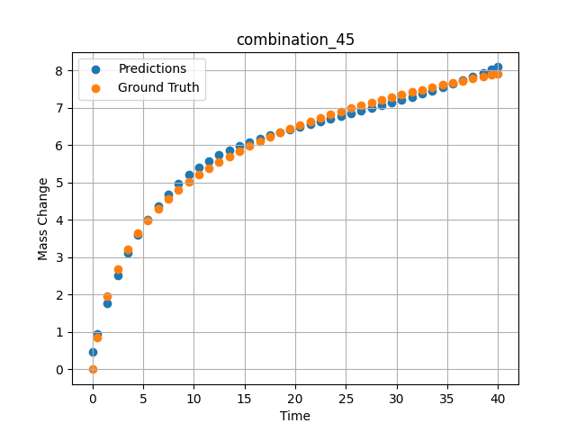
1000 | 0 | 0 | 20 | 20 | 20 | 20 | 0 | 20 | 7.48749 | 4.56411 | 4.6869602203
1000 | 0 | 0 | 20 | 20 | 20 | 20 | 0 | 20 | 8.48849 | 4.80102 | 4.9668793678
1000 | 0 | 0 | 20 | 20 | 20 | 20 | 0 | 20 | 9.48949 | 5.01418 | 5.203209877
1000 | 0 | 0 | 20 | 20 | 20 | 20 | 0 | 20 | 10.47163 | 5.20439 | 5.4013571739
1000 | 0 | 0 | 20 | 20 | 20 | 20 | 0 | 20 | 11.49149 | 5.38551 | 5.5785474777
1000 | 0 | 0 | 20 | 20 | 20 | 20 | 0 | 20 | 12.49249 | 5.54942 | 5.729344368
1000 | 0 | 0 | 20 | 20 | 20 | 20 | 0 | 20 | 13.49349 | 5.70161 | 5.8613567352
1000 | 0 | 0 | 20 | 20 | 20 | 20 | 0 | 20 | 14.49449 | 5.84365 | 5.9779109955
1000 | 0 | 0 | 20 | 20 | 20 | 20 | 0 | 20 | 15.47644 | 5.97432 | 6.0799226761
1000 | 0 | 0 | 20 | 20 | 20 | 20 | 0 | 20 | 16.4965 | 6.10212 | 6.1754055023
1000 | 0 | 0 | 20 | 20 | 20 | 20 | 0 | 20 | 17.4975 | 6.22048 | 6.2608995438
1000 | 0 | 0 | 20 | 20 | 20 | 20 | 0 | 20 | 18.4985 | 6.3326 | 6.3409261703
1000 | 0 | 0 | 20 | 20 | 20 | 20 | 0 | 20 | 19.4995 | 6.43912 | 6.416934967
1000 | 0 | 0 | 20 | 20 | 20 | 20 | 0 | 20 | 20.48125 | 6.53864 | 6.4886031151
1000 | 0 | 0 | 20 | 20 | 20 | 20 | 0 | 20 | 21.5015 | 6.63739 | 6.5610060692
1000 | 0 | 0 | 20 | 20 | 20 | 20 | 0 | 20 | 22.5025 | 6.73001 | 6.6307592392
1000 | 0 | 0 | 20 | 20 | 20 | 20 | 0 | 20 | 23.5035 | 6.81877 | 6.6999254227
1000 | 0 | 0 | 20 | 20 | 20 | 20 | 0 | 20 | 24.5045 | 6.90398 | 6.7690792084
1000 | 0 | 0 | 20 | 20 | 20 | 20 | 0 | 20 | 25.48606 | 6.98435 | 6.8373465538
1000 | 0 | 0 | 20 | 20 | 20 | 20 | 0 | 20 | 26.50651 | 7.06482 | 6.9092187881
1000 | 0 | 0 | 20 | 20 | 20 | 20 | 0 | 20 | 27.50751 | 7.1409 | 6.9809904099
1000 | 0 | 0 | 20 | 20 | 20 | 20 | 0 | 20 | 28.50851 | 7.21436 | 7.0543336868
1000 | 0 | 0 | 20 | 20 | 20 | 20 | 0 | 20 | 29.50951 | 7.28536 | 7.129532814
1000 | 0 | 0 | 20 | 20 | 20 | 20 | 0 | 20 | 30.49088 | 7.35275 | 7.205288887
1000 | 0 | 0 | 20 | 20 | 20 | 20 | 0 | 20 | 31.51151 | 7.42066 | 7.2864632607
1000 | 0 | 0 | 20 | 20 | 20 | 20 | 0 | 20 | 32.51251 | 7.48521 | 7.3686709404
1000 | 0 | 0 | 20 | 20 | 20 | 20 | 0 | 20 | 33.51351 | 7.54787 | 7.4536719322
1000 | 0 | 0 | 20 | 20 | 20 | 20 | 0 | 20 | 34.51451 | 7.60873 | 7.5416936874
1000 | 0 | 0 | 20 | 20 | 20 | 20 | 0 | 20 | 35.49569 | 7.66674 | 7.6311502457
1000 | 0 | 0 | 20 | 20 | 20 | 20 | 0 | 20 | 36.51652 | 7.72548 | 7.7278184891
1000 | 0 | 0 | 20 | 20 | 20 | 20 | 0 | 20 | 37.51752 | 7.78154 | 7.8264579773
1000 | 0 | 0 | 20 | 20 | 20 | 20 | 0 | 20 | 38.51852 | 7.83617 | 7.9292240143
1000 | 0 | 0 | 20 | 20 | 20 | 20 | 0 | 20 | 39.35936 | 7.88102 | 8.0189943314
1000 | 0 | 0 | 20 | 20 | 20 | 20 | 0 | 20 | 40 | 7.91458 | 8.0896615982

combination_46
800.0, 0.0, 40.0, 10.0, 40.0, 10.0, 0.0, 0.0
Temperature [C] | Zr [at%] | Nb [at%] | Mo [at%] | Cr [at%] | Al [at%] | Ti [at%] | Ta [at%] | W [at%] | Time [h] | Mass Change [mg.cm2] | Mass change - predictions
800 | 0 | 40 | 0 | 10 | 0 | 40 | 10 | 0 | 0 | 0 | 0.66309964657
800 | 0 | 40 | 0 | 10 | 0 | 40 | 10 | 0 | 1 | 0.92 | 1.1500842571
800 | 0 | 40 | 0 | 10 | 0 | 40 | 10 | 0 | 2 | 1.33 | 1.5227438211
800 | 0 | 40 | 0 | 10 | 0 | 40 | 10 | 0 | 5 | 2.31 | 2.188498497
800 | 0 | 40 | 0 | 10 | 0 | 40 | 10 | 0 | 10 | 3.1 | 2.978723526
800 | 0 | 40 | 0 | 10 | 0 | 40 | 10 | 0 | 15 | 3.75 | 3.8647077084
800 | 0 | 40 | 0 | 10 | 0 | 40 | 10 | 0 | 20 | 4.56 | 4.6542983055
800 | 0 | 40 | 0 | 10 | 0 | 40 | 10 | 0 | 0 | 0 | 0.66309988499
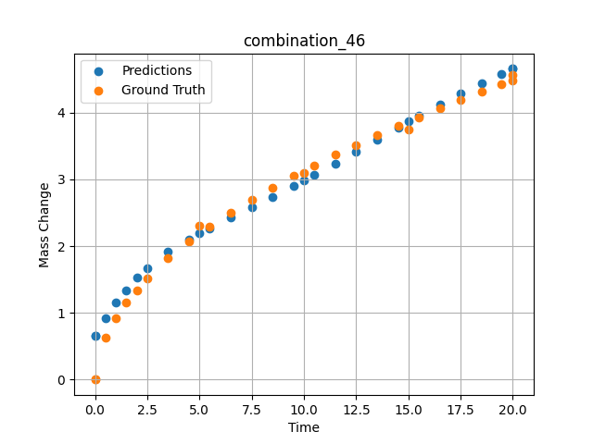
800 | 0 | 40 | 0 | 10 | 0 | 40 | 10 | 0 | 0.49049 | 0.6285 | 0.92256212234
800 | 0 | 40 | 0 | 10 | 0 | 40 | 10 | 0 | 1.48185 | 1.15858 | 1.3408550024
800 | 0 | 40 | 0 | 10 | 0 | 40 | 10 | 0 | 2.48284 | 1.51874 | 1.6687448025
800 | 0 | 40 | 0 | 10 | 0 | 40 | 10 | 0 | 3.49349 | 1.81437 | 1.9127547741
800 | 0 | 40 | 0 | 10 | 0 | 40 | 10 | 0 | 4.49449 | 2.0681 | 2.1031045914
800 | 0 | 40 | 0 | 10 | 0 | 40 | 10 | 0 | 5.48578 | 2.29345 | 2.2667393684
800 | 0 | 40 | 0 | 10 | 0 | 40 | 10 | 0 | 6.4965 | 2.50375 | 2.4235680103
800 | 0 | 40 | 0 | 10 | 0 | 40 | 10 | 0 | 7.4975 | 2.69691 | 2.5773854256
800 | 0 | 40 | 0 | 10 | 0 | 40 | 10 | 0 | 8.4985 | 2.87796 | 2.7340826988
800 | 0 | 40 | 0 | 10 | 0 | 40 | 10 | 0 | 9.4995 | 3.04898 | 2.8957364559
800 | 0 | 40 | 0 | 10 | 0 | 40 | 10 | 0 | 10.49069 | 3.20993 | 3.061522007
800 | 0 | 40 | 0 | 10 | 0 | 40 | 10 | 0 | 11.5015 | 3.3667 | 3.236641407
800 | 0 | 40 | 0 | 10 | 0 | 40 | 10 | 0 | 12.5025 | 3.51551 | 3.4160313606
800 | 0 | 40 | 0 | 10 | 0 | 40 | 10 | 0 | 13.5035 | 3.65868 | 3.5989842415
800 | 0 | 40 | 0 | 10 | 0 | 40 | 10 | 0 | 14.5045 | 3.79682 | 3.7779955864
800 | 0 | 40 | 0 | 10 | 0 | 40 | 10 | 0 | 15.49559 | 3.92912 | 3.9500684738
800 | 0 | 40 | 0 | 10 | 0 | 40 | 10 | 0 | 16.50651 | 4.05994 | 4.1196241379
800 | 0 | 40 | 0 | 10 | 0 | 40 | 10 | 0 | 17.50751 | 4.18572 | 4.2811059952
800 | 0 | 40 | 0 | 10 | 0 | 40 | 10 | 0 | 18.50851 | 4.30808 | 4.4359474182
800 | 0 | 40 | 0 | 10 | 0 | 40 | 10 | 0 | 19.44945 | 4.42025 | 4.5754055977
800 | 0 | 40 | 0 | 10 | 0 | 40 | 10 | 0 | 20 | 4.48474 | 4.6542983055

combination_47
800.0, 0.0, 45.0, 15.0, 30.0, 0.0, 10.0, 0.0
Temperature [C] | Zr [at%] | Nb [at%] | Mo [at%] | Cr [at%] | Al [at%] | Ti [at%] | Ta [at%] | W [at%] | Time [h] | Mass Change [mg.cm2] | Mass change - predictions
800 | 0 | 45 | 0 | 0 | 10 | 30 | 15 | 0 | 0 | 0 | -0.13931894302
800 | 0 | 45 | 0 | 0 | 10 | 30 | 15 | 0 | 1 | 1.56 | 2.2505350113
800 | 0 | 45 | 0 | 0 | 10 | 30 | 15 | 0 | 2 | 2.18 | 2.8798756599
800 | 0 | 45 | 0 | 0 | 10 | 30 | 15 | 0 | 5 | 4.27 | 4.0293340683
800 | 0 | 45 | 0 | 0 | 10 | 30 | 15 | 0 | 10 | 5.54 | 5.3005957603
800 | 0 | 45 | 0 | 0 | 10 | 30 | 15 | 0 | 15 | 6.64 | 6.3289012909
800 | 0 | 45 | 0 | 0 | 10 | 30 | 15 | 0 | 20 | 7.17 | 7.3298206329
800 | 0 | 45 | 0 | 0 | 10 | 30 | 15 | 0 | 0 | 0 | -0.13931584358
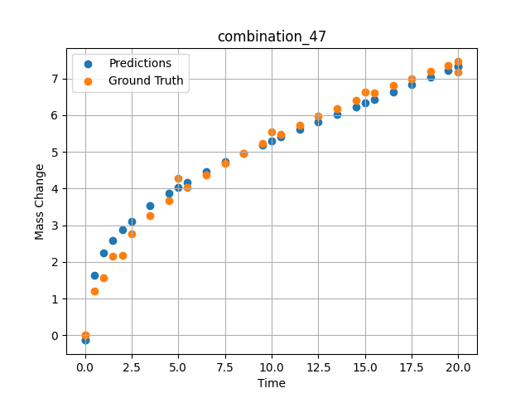
800 | 0 | 45 | 0 | 0 | 10 | 30 | 15 | 0 | 0.49049 | 1.19868 | 1.6437325478
800 | 0 | 45 | 0 | 0 | 10 | 30 | 15 | 0 | 1.48185 | 2.15425 | 2.590708971
800 | 0 | 45 | 0 | 0 | 10 | 30 | 15 | 0 | 2.48284 | 2.76229 | 3.115185976
800 | 0 | 45 | 0 | 0 | 10 | 30 | 15 | 0 | 3.49349 | 3.25213 | 3.5310311317
800 | 0 | 45 | 0 | 0 | 10 | 30 | 15 | 0 | 4.49449 | 3.66718 | 3.8718807697
800 | 0 | 45 | 0 | 0 | 10 | 30 | 15 | 0 | 5.48578 | 4.03226 | 4.1756925583
800 | 0 | 45 | 0 | 0 | 10 | 30 | 15 | 0 | 6.4965 | 4.37028 | 4.4700918198
800 | 0 | 45 | 0 | 0 | 10 | 30 | 15 | 0 | 7.4975 | 4.67867 | 4.7305817604
800 | 0 | 45 | 0 | 0 | 10 | 30 | 15 | 0 | 8.4985 | 4.96607 | 4.9682374001
800 | 0 | 45 | 0 | 0 | 10 | 30 | 15 | 0 | 9.4995 | 5.23618 | 5.1921095848
800 | 0 | 45 | 0 | 0 | 10 | 30 | 15 | 0 | 10.49069 | 5.48924 | 5.4053339958
800 | 0 | 45 | 0 | 0 | 10 | 30 | 15 | 0 | 11.5015 | 5.73472 | 5.6172127724
800 | 0 | 45 | 0 | 0 | 10 | 30 | 15 | 0 | 12.5025 | 5.96687 | 5.8234138489
800 | 0 | 45 | 0 | 0 | 10 | 30 | 15 | 0 | 13.5035 | 6.18945 | 6.027179718
800 | 0 | 45 | 0 | 0 | 10 | 30 | 15 | 0 | 14.5045 | 6.40352 | 6.2292928696
800 | 0 | 45 | 0 | 0 | 10 | 30 | 15 | 0 | 15.49559 | 6.60795 | 6.4283261299
800 | 0 | 45 | 0 | 0 | 10 | 30 | 15 | 0 | 16.50651 | 6.80953 | 6.6306562424
800 | 0 | 45 | 0 | 0 | 10 | 30 | 15 | 0 | 17.50751 | 7.00284 | 6.8306970596
800 | 0 | 45 | 0 | 0 | 10 | 30 | 15 | 0 | 18.50851 | 7.19043 | 7.0308003426
800 | 0 | 45 | 0 | 0 | 10 | 30 | 15 | 0 | 19.44945 | 7.36201 | 7.2192573547
800 | 0 | 45 | 0 | 0 | 10 | 30 | 15 | 0 | 20 | 7.46051 | 7.3298196793

