combination_1
1000.0, 25.0, 25.0, 0.0, 0.0, 25.0, 25.0, 0.0
Temperature [C] | Zr [at%] | Nb [at%] | Mo [at%] | Cr [at%] | Al [at%] | Ti [at%] | Ta [at%] | W [at%] | Time [h] | Mass Change [mg.cm2] | Mass change - predictions
1000 | 0 | 25 | 25 | 25 | 25 | 0 | 0 | 0 | 0 | 0 | -0.49978542328
1000 | 0 | 25 | 25 | 25 | 25 | 0 | 0 | 0 | 10 | 2.7906976744 | 4.3675279617
1000 | 0 | 25 | 25 | 25 | 25 | 0 | 0 | 0 | 15 | 7.9069767442 | 8.8831968307
1000 | 0 | 25 | 25 | 25 | 25 | 0 | 0 | 0 | 20 | 13.720930233 | 11.465876579
1000 | 0 | 25 | 25 | 25 | 25 | 0 | 0 | 0 | 25 | 16.744186047 | 14.033343315
1000 | 0 | 25 | 25 | 25 | 25 | 0 | 0 | 0 | 27 | 17.441860465 | 15.056547165
1000 | 0 | 25 | 25 | 25 | 25 | 0 | 0 | 0 | 30 | 16.511627907 | 16.586559296
1000 | 0 | 25 | 25 | 25 | 25 | 0 | 0 | 0 | 35 | 15.348837209 | 19.120948792
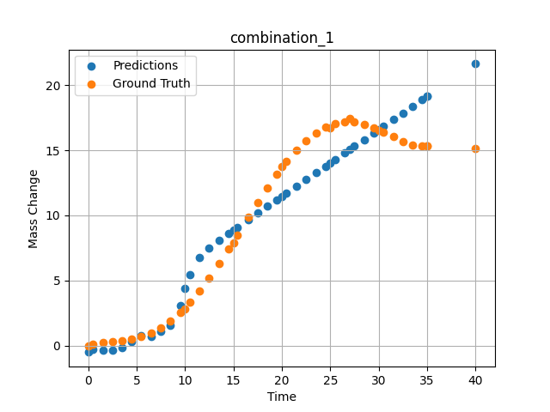
1000 | 0 | 25 | 25 | 25 | 25 | 0 | 0 | 0 | 40 | 15.11627907 | 21.629608154
1000 | 0 | 25 | 25 | 25 | 25 | 0 | 0 | 0 | 0.49049 | 0.11352 | -0.28719615936
1000 | 0 | 25 | 25 | 25 | 25 | 0 | 0 | 0 | 1.50651 | 0.25315 | -0.3399477005
1000 | 0 | 25 | 25 | 25 | 25 | 0 | 0 | 0 | 2.50176 | 0.3291 | -0.31475162506
1000 | 0 | 25 | 25 | 25 | 25 | 0 | 0 | 0 | 3.5035 | 0.40052 | -0.12683200836
1000 | 0 | 25 | 25 | 25 | 25 | 0 | 0 | 0 | 4.502 | 0.51111 | 0.34510707855
1000 | 0 | 25 | 25 | 25 | 25 | 0 | 0 | 0 | 5.48382 | 0.69263 | 0.7964925766
1000 | 0 | 25 | 25 | 25 | 25 | 0 | 0 | 0 | 6.499 | 0.98012 | 0.71853065491
1000 | 0 | 25 | 25 | 25 | 25 | 0 | 0 | 0 | 7.4975 | 1.38086 | 1.0787448883
1000 | 0 | 25 | 25 | 25 | 25 | 0 | 0 | 0 | 8.47889 | 1.89642 | 1.575928688
1000 | 0 | 25 | 25 | 25 | 25 | 0 | 0 | 0 | 9.49449 | 2.55961 | 3.0844163895
1000 | 0 | 25 | 25 | 25 | 25 | 0 | 0 | 0 | 10.47599 | 3.32187 | 5.4516458511
1000 | 0 | 25 | 25 | 25 | 25 | 0 | 0 | 0 | 11.49149 | 4.22659 | 6.7614545822
1000 | 0 | 25 | 25 | 25 | 25 | 0 | 0 | 0 | 12.49059 | 5.21784 | 7.5002908707
1000 | 0 | 25 | 25 | 25 | 25 | 0 | 0 | 0 | 13.50601 | 6.30862 | 8.0896348953
1000 | 0 | 25 | 25 | 25 | 25 | 0 | 0 | 0 | 14.5045 | 7.44295 | 8.6238012314
1000 | 0 | 25 | 25 | 25 | 25 | 0 | 0 | 0 | 15.41562 | 8.51065 | 9.0995187759
1000 | 0 | 25 | 25 | 25 | 25 | 0 | 0 | 0 | 16.55405 | 9.85967 | 9.6891202927
1000 | 0 | 25 | 25 | 25 | 25 | 0 | 0 | 0 | 17.5 | 10.96697 | 10.177582741
1000 | 0 | 25 | 25 | 25 | 25 | 0 | 0 | 0 | 18.4985 | 12.0966 | 10.692500114
1000 | 0 | 25 | 25 | 25 | 25 | 0 | 0 | 0 | 19.497 | 13.16175 | 11.206921577
1000 | 0 | 25 | 25 | 25 | 25 | 0 | 0 | 0 | 20.47898 | 14.12223 | 11.712368965
1000 | 0 | 25 | 25 | 25 | 25 | 0 | 0 | 0 | 21.49399 | 15.00453 | 12.234337807
1000 | 0 | 25 | 25 | 25 | 25 | 0 | 0 | 0 | 22.49249 | 15.74206 | 12.747324944
1000 | 0 | 25 | 25 | 25 | 25 | 0 | 0 | 0 | 23.50851 | 16.34597 | 13.268811226
1000 | 0 | 25 | 25 | 25 | 25 | 0 | 0 | 0 | 24.50701 | 16.7853 | 13.780804634
1000 | 0 | 25 | 25 | 25 | 25 | 0 | 0 | 0 | 25.48866 | 17.0618 | 14.283572197
1000 | 0 | 25 | 25 | 25 | 25 | 0 | 0 | 0 | 26.504 | 17.1902 | 14.803024292
1000 | 0 | 25 | 25 | 25 | 25 | 0 | 0 | 0 | 27.48575 | 17.1666 | 15.30469799
1000 | 0 | 25 | 25 | 25 | 25 | 0 | 0 | 0 | 28.501 | 17.00867 | 15.822839737
1000 | 0 | 25 | 25 | 25 | 25 | 0 | 0 | 0 | 29.4995 | 16.74283 | 16.331737518
1000 | 0 | 25 | 25 | 25 | 25 | 0 | 0 | 0 | 30.48083 | 16.40843 | 16.831176758
1000 | 0 | 25 | 25 | 25 | 25 | 0 | 0 | 0 | 31.50901 | 16.02486 | 17.353675842
1000 | 0 | 25 | 25 | 25 | 25 | 0 | 0 | 0 | 32.49499 | 15.67865 | 17.853939056
1000 | 0 | 25 | 25 | 25 | 25 | 0 | 0 | 0 | 33.49349 | 15.41555 | 18.359695435
1000 | 0 | 25 | 25 | 25 | 25 | 0 | 0 | 0 | 34.49199 | 15.31626 | 18.864498138
1000 | 0 | 25 | 25 | 25 | 25 | 0 | 0 | 0 | 35 | 15.34548 | 19.120960236

combination_2
1000.0, 20.0, 20.0, 0.0, 20.0, 20.0, 20.0, 0.0
Temperature [C] | Zr [at%] | Nb [at%] | Mo [at%] | Cr [at%] | Al [at%] | Ti [at%] | Ta [at%] | W [at%] | Time [h] | Mass Change [mg.cm2] | Mass change - predictions
1000 | 0 | 20 | 20 | 20 | 20 | 20 | 0 | 0 | 50 | 11.395348837 | 10.247664452
1000 | 0 | 20 | 20 | 20 | 20 | 20 | 0 | 0 | 40 | 8.1395348837 | 8.0837774277
1000 | 0 | 20 | 20 | 20 | 20 | 20 | 0 | 0 | 35 | 6.976744186 | 6.9953699112
1000 | 0 | 20 | 20 | 20 | 20 | 20 | 0 | 0 | 30 | 5.5813953488 | 5.911658287
1000 | 0 | 20 | 20 | 20 | 20 | 20 | 0 | 0 | 25 | 4.4186046512 | 4.8416490555
1000 | 0 | 20 | 20 | 20 | 20 | 20 | 0 | 0 | 20 | 3.2558139535 | 3.8001642227
1000 | 0 | 20 | 20 | 20 | 20 | 20 | 0 | 0 | 15 | 2.6046511628 | 2.8135519028
1000 | 0 | 20 | 20 | 20 | 20 | 20 | 0 | 0 | 10 | 1.8604651163 | 1.841219902
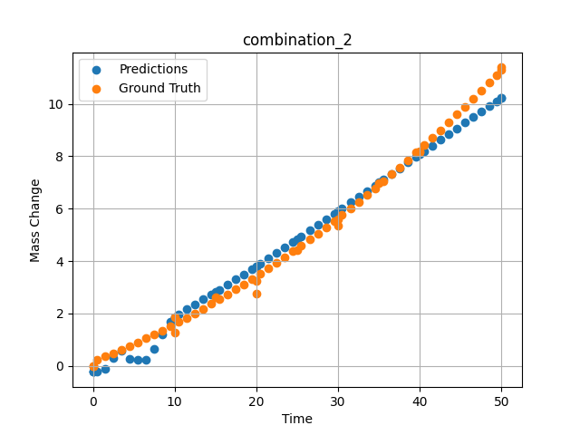
1000 | 0 | 20 | 20 | 20 | 20 | 20 | 0 | 0 | 0 | 0 | -0.23500728607
1000 | 0 | 20 | 20 | 20 | 20 | 20 | 0 | 0 | 0 | 0 | -0.23500728607
1000 | 0 | 20 | 20 | 20 | 20 | 20 | 0 | 0 | 10 | 1.2533333333 | 1.8412065506
1000 | 0 | 20 | 20 | 20 | 20 | 20 | 0 | 0 | 20 | 2.7466666667 | 3.8001642227
1000 | 0 | 20 | 20 | 20 | 20 | 20 | 0 | 0 | 30 | 5.3333333333 | 5.9116601944
1000 | 0 | 20 | 20 | 20 | 20 | 20 | 0 | 0 | 40 | 8.1866666667 | 8.0837774277
1000 | 0 | 20 | 20 | 20 | 20 | 20 | 0 | 0 | 0 | 0 | -0.23500728607
1000 | 0 | 20 | 20 | 20 | 20 | 20 | 0 | 0 | 0.49787 | 0.22717 | -0.23709487915
1000 | 0 | 20 | 20 | 20 | 20 | 20 | 0 | 0 | 1.47648 | 0.35069 | -0.11622333527
1000 | 0 | 20 | 20 | 20 | 20 | 20 | 0 | 0 | 2.47748 | 0.48101 | 0.29584884644
1000 | 0 | 20 | 20 | 20 | 20 | 20 | 0 | 0 | 3.47848 | 0.61536 | 0.58652019501
1000 | 0 | 20 | 20 | 20 | 20 | 20 | 0 | 0 | 4.47948 | 0.75375 | 0.25657367706
1000 | 0 | 20 | 20 | 20 | 20 | 20 | 0 | 0 | 5.48048 | 0.89617 | 0.22182559967
1000 | 0 | 20 | 20 | 20 | 20 | 20 | 0 | 0 | 6.48148 | 1.04262 | 0.23645782471
1000 | 0 | 20 | 20 | 20 | 20 | 20 | 0 | 0 | 7.48248 | 1.19311 | 0.62541866302
1000 | 0 | 20 | 20 | 20 | 20 | 20 | 0 | 0 | 8.48348 | 1.34763 | 1.2091722488
1000 | 0 | 20 | 20 | 20 | 20 | 20 | 0 | 0 | 9.48448 | 1.50619 | 1.6793050766
1000 | 0 | 20 | 20 | 20 | 20 | 20 | 0 | 0 | 10.46237 | 1.66499 | 1.9568223953
1000 | 0 | 20 | 20 | 20 | 20 | 20 | 0 | 0 | 11.48649 | 1.8354 | 2.1655912399
1000 | 0 | 20 | 20 | 20 | 20 | 20 | 0 | 0 | 12.48749 | 2.00606 | 2.3494653702
1000 | 0 | 20 | 20 | 20 | 20 | 20 | 0 | 0 | 13.48849 | 2.18075 | 2.5319223404
1000 | 0 | 20 | 20 | 20 | 20 | 20 | 0 | 0 | 14.48949 | 2.35947 | 2.7174577713
1000 | 0 | 20 | 20 | 20 | 20 | 20 | 0 | 0 | 15.46713 | 2.53794 | 2.9023771286
1000 | 0 | 20 | 20 | 20 | 20 | 20 | 0 | 0 | 16.49149 | 2.72902 | 3.0998430252
1000 | 0 | 20 | 20 | 20 | 20 | 20 | 0 | 0 | 17.49249 | 2.91985 | 3.2961969376
1000 | 0 | 20 | 20 | 20 | 20 | 20 | 0 | 0 | 18.49349 | 3.11471 | 3.4954710007
1000 | 0 | 20 | 20 | 20 | 20 | 20 | 0 | 0 | 19.49449 | 3.3136 | 3.6973104477
1000 | 0 | 20 | 20 | 20 | 20 | 20 | 0 | 0 | 20.4719 | 3.51171 | 3.8966436386
1000 | 0 | 20 | 20 | 20 | 20 | 20 | 0 | 0 | 21.4965 | 3.72349 | 4.1076040268
1000 | 0 | 20 | 20 | 20 | 20 | 20 | 0 | 0 | 22.4975 | 3.93448 | 4.3155298233
1000 | 0 | 20 | 20 | 20 | 20 | 20 | 0 | 0 | 23.4985 | 4.14951 | 4.5249757767
1000 | 0 | 20 | 20 | 20 | 20 | 20 | 0 | 0 | 24.4995 | 4.36857 | 4.7357873917
1000 | 0 | 20 | 20 | 20 | 20 | 20 | 0 | 0 | 25.47667 | 4.58632 | 4.9427194595
1000 | 0 | 20 | 20 | 20 | 20 | 20 | 0 | 0 | 26.5015 | 4.81879 | 5.1608190536
1000 | 0 | 20 | 20 | 20 | 20 | 20 | 0 | 0 | 27.5025 | 5.04996 | 5.374745369
1000 | 0 | 20 | 20 | 20 | 20 | 20 | 0 | 0 | 28.5035 | 5.28515 | 5.5894536972
1000 | 0 | 20 | 20 | 20 | 20 | 20 | 0 | 0 | 29.5045 | 5.52438 | 5.8048334122
1000 | 0 | 20 | 20 | 20 | 20 | 20 | 0 | 0 | 30.48143 | 5.76176 | 6.0155916214
1000 | 0 | 20 | 20 | 20 | 20 | 20 | 0 | 0 | 31.50651 | 6.01494 | 6.237238884
1000 | 0 | 20 | 20 | 20 | 20 | 20 | 0 | 0 | 32.50751 | 6.26627 | 6.4540719986
1000 | 0 | 20 | 20 | 20 | 20 | 20 | 0 | 0 | 33.50851 | 6.52164 | 6.6712846756
1000 | 0 | 20 | 20 | 20 | 20 | 20 | 0 | 0 | 34.50951 | 6.78104 | 6.8887300491
1000 | 0 | 20 | 20 | 20 | 20 | 20 | 0 | 0 | 35.4862 | 7.03804 | 7.1011285782
1000 | 0 | 20 | 20 | 20 | 20 | 20 | 0 | 0 | 36.51151 | 7.31193 | 7.3242177963
1000 | 0 | 20 | 20 | 20 | 20 | 20 | 0 | 0 | 37.51251 | 7.58343 | 7.5421438217
1000 | 0 | 20 | 20 | 20 | 20 | 20 | 0 | 0 | 38.51351 | 7.85896 | 7.7600984573
1000 | 0 | 20 | 20 | 20 | 20 | 20 | 0 | 0 | 39.51451 | 8.13853 | 7.9780607224
1000 | 0 | 20 | 20 | 20 | 20 | 20 | 0 | 0 | 40.49097 | 8.41514 | 8.1906175613
1000 | 0 | 20 | 20 | 20 | 20 | 20 | 0 | 0 | 41.51652 | 8.70977 | 8.4137792587
1000 | 0 | 20 | 20 | 20 | 20 | 20 | 0 | 0 | 42.51752 | 9.00143 | 8.6314439774
1000 | 0 | 20 | 20 | 20 | 20 | 20 | 0 | 0 | 43.51852 | 9.29713 | 8.8488531113
1000 | 0 | 20 | 20 | 20 | 20 | 20 | 0 | 0 | 44.51952 | 9.59687 | 9.0660467148
1000 | 0 | 20 | 20 | 20 | 20 | 20 | 0 | 0 | 45.52052 | 9.90064 | 9.2829313278
1000 | 0 | 20 | 20 | 20 | 20 | 20 | 0 | 0 | 46.52152 | 10.20844 | 9.4993944168
1000 | 0 | 20 | 20 | 20 | 20 | 20 | 0 | 0 | 47.52252 | 10.52028 | 9.7154245377
1000 | 0 | 20 | 20 | 20 | 20 | 20 | 0 | 0 | 48.52352 | 10.83615 | 9.930937767
1000 | 0 | 20 | 20 | 20 | 20 | 20 | 0 | 0 | 49.34935 | 11.09968 | 10.108264923
1000 | 0 | 20 | 20 | 20 | 20 | 20 | 0 | 0 | 50 | 11.30925 | 10.247661591

combination_3
1200.0, 19.5, 0.0, 20.1, 20.4, 19.8, 20.2, 0.0
Temperature [C] | Zr [at%] | Nb [at%] | Mo [at%] | Cr [at%] | Al [at%] | Ti [at%] | Ta [at%] | W [at%] | Time [h] | Mass Change [mg.cm2] | Mass change - predictions
1200 | 0 | 0 | 19.5 | 19.8 | 20.2 | 20.4 | 20.1 | 0 | 0 | 0 | 0.35938549042
1200 | 0 | 0 | 19.5 | 19.8 | 20.2 | 20.4 | 20.1 | 0 | 5 | 2.5454545455 | 3.5762033463
1200 | 0 | 0 | 19.5 | 19.8 | 20.2 | 20.4 | 20.1 | 0 | 10 | 3.5151515152 | 3.9607791901
1200 | 0 | 0 | 19.5 | 19.8 | 20.2 | 20.4 | 20.1 | 0 | 15 | 4.2424242424 | 4.3533744812
1200 | 0 | 0 | 19.5 | 19.8 | 20.2 | 20.4 | 20.1 | 0 | 20 | 4.8484848485 | 4.9217252731
1200 | 0 | 0 | 19.5 | 19.8 | 20.2 | 20.4 | 20.1 | 0 | 24 | 5.2727272727 | 5.6961317062
1200 | 0 | 0 | 19.5 | 19.8 | 20.2 | 20.4 | 20.1 | 0 | 0 | 0 | 0.35938549042
1200 | 0 | 0 | 19.5 | 19.8 | 20.2 | 20.4 | 20.1 | 0 | 5 | 2.5 | 3.5762033463
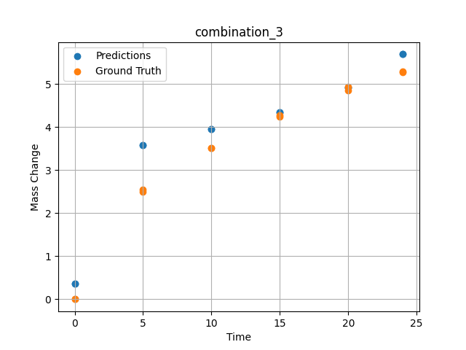
1200 | 0 | 0 | 19.5 | 19.8 | 20.2 | 20.4 | 20.1 | 0 | 10 | 3.5227272727 | 3.9607791901
1200 | 0 | 0 | 19.5 | 19.8 | 20.2 | 20.4 | 20.1 | 0 | 15 | 4.2727272727 | 4.3533744812
1200 | 0 | 0 | 19.5 | 19.8 | 20.2 | 20.4 | 20.1 | 0 | 20 | 4.9318181818 | 4.9217252731
1200 | 0 | 0 | 19.5 | 19.8 | 20.2 | 20.4 | 20.1 | 0 | 24 | 5.2954545455 | 5.6961317062

combination_4
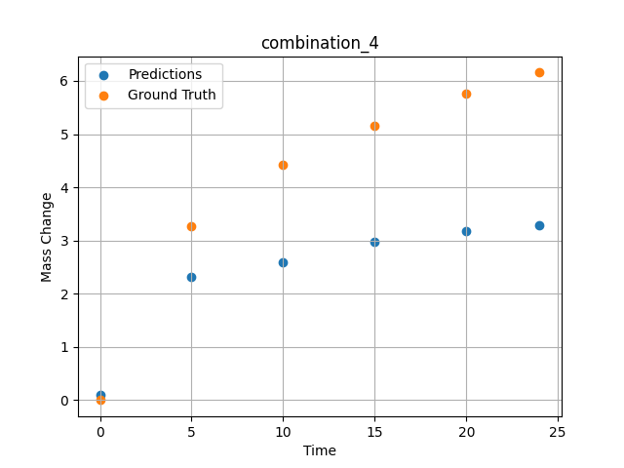
1200.0, 22.4, 0.0, 22.6, 10.1, 22.6, 22.3, 0.0
Temperature [C] | Zr [at%] | Nb [at%] | Mo [at%] | Cr [at%] | Al [at%] | Ti [at%] | Ta [at%] | W [at%] | Time [h] | Mass Change [mg.cm2] | Mass change - predictions
1200 | 0 | 0 | 22.4 | 22.6 | 22.3 | 10.1 | 22.6 | 0 | 0 | 0 | 0.090821266174
1200 | 0 | 0 | 22.4 | 22.6 | 22.3 | 10.1 | 22.6 | 0 | 5 | 3.2727272727 | 2.3195695877
1200 | 0 | 0 | 22.4 | 22.6 | 22.3 | 10.1 | 22.6 | 0 | 10 | 4.4242424242 | 2.5938405991
1200 | 0 | 0 | 22.4 | 22.6 | 22.3 | 10.1 | 22.6 | 0 | 15 | 5.1515151515 | 2.9710874557
1200 | 0 | 0 | 22.4 | 22.6 | 22.3 | 10.1 | 22.6 | 0 | 20 | 5.7575757576 | 3.173268795
1200 | 0 | 0 | 22.4 | 22.6 | 22.3 | 10.1 | 22.6 | 0 | 24 | 6.1575757576 | 3.2965421677

combination_5
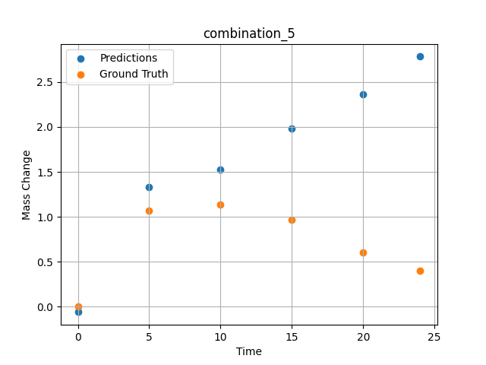
1200.0, 25.3, 0.0, 24.9, 0.0, 24.8, 25.0, 0.0
Temperature [C] | Zr [at%] | Nb [at%] | Mo [at%] | Cr [at%] | Al [at%] | Ti [at%] | Ta [at%] | W [at%] | Time [h] | Mass Change [mg.cm2] | Mass change - predictions
1200 | 0 | 0 | 25.3 | 24.8 | 25 | 0 | 24.9 | 0 | 0 | 0 | -0.06076335907
1200 | 0 | 0 | 25.3 | 24.8 | 25 | 0 | 24.9 | 0 | 5 | 1.0666666667 | 1.3332266808
1200 | 0 | 0 | 25.3 | 24.8 | 25 | 0 | 24.9 | 0 | 10 | 1.1393939394 | 1.5243177414
1200 | 0 | 0 | 25.3 | 24.8 | 25 | 0 | 24.9 | 0 | 15 | 0.9696969697 | 1.9809408188
1200 | 0 | 0 | 25.3 | 24.8 | 25 | 0 | 24.9 | 0 | 20 | 0.60606060606 | 2.3652458191
1200 | 0 | 0 | 25.3 | 24.8 | 25 | 0 | 24.9 | 0 | 24 | 0.4 | 2.7835283279

combination_6
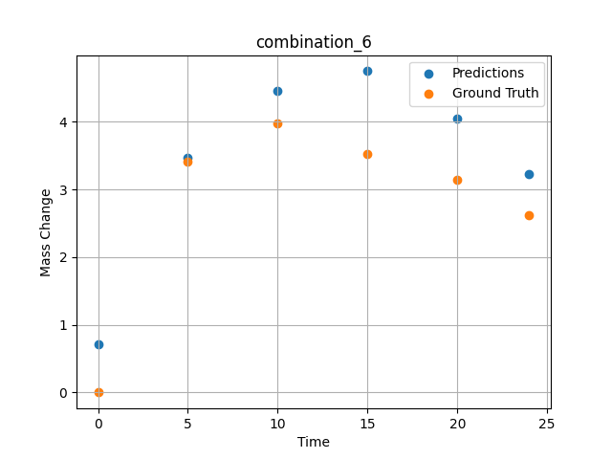
1200.0, 23.5, 0.0, 5.1, 23.7, 23.8, 23.9, 0.0
Temperature [C] | Zr [at%] | Nb [at%] | Mo [at%] | Cr [at%] | Al [at%] | Ti [at%] | Ta [at%] | W [at%] | Time [h] | Mass Change [mg.cm2] | Mass change - predictions
1200 | 0 | 0 | 23.5 | 23.8 | 23.9 | 23.7 | 5.1 | 0 | 0 | 0 | 0.7074174881
1200 | 0 | 0 | 23.5 | 23.8 | 23.9 | 23.7 | 5.1 | 0 | 5 | 3.4090909091 | 3.4626350403
1200 | 0 | 0 | 23.5 | 23.8 | 23.9 | 23.7 | 5.1 | 0 | 10 | 3.9772727273 | 4.4512214661
1200 | 0 | 0 | 23.5 | 23.8 | 23.9 | 23.7 | 5.1 | 0 | 15 | 3.5227272727 | 4.7480840683
1200 | 0 | 0 | 23.5 | 23.8 | 23.9 | 23.7 | 5.1 | 0 | 20 | 3.1363636364 | 4.0524454117
1200 | 0 | 0 | 23.5 | 23.8 | 23.9 | 23.7 | 5.1 | 0 | 24 | 2.6136363636 | 3.2249593735

combination_7
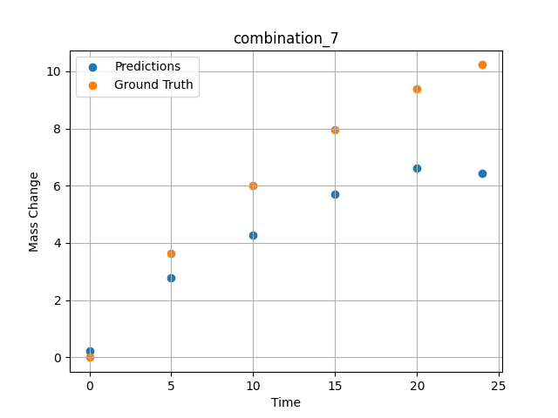
1200.0, 22.3, 0.0, 10.2, 22.7, 22.4, 22.4, 0.0
Temperature [C] | Zr [at%] | Nb [at%] | Mo [at%] | Cr [at%] | Al [at%] | Ti [at%] | Ta [at%] | W [at%] | Time [h] | Mass Change [mg.cm2] | Mass change - predictions
1200 | 0 | 0 | 22.3 | 22.4 | 22.4 | 22.7 | 10.2 | 0 | 0 | 0 | 0.23993206024
1200 | 0 | 0 | 22.3 | 22.4 | 22.4 | 22.7 | 10.2 | 0 | 5 | 3.6363636364 | 2.7725229263
1200 | 0 | 0 | 22.3 | 22.4 | 22.4 | 22.7 | 10.2 | 0 | 10 | 6.0227272727 | 4.272816658
1200 | 0 | 0 | 22.3 | 22.4 | 22.4 | 22.7 | 10.2 | 0 | 15 | 7.9545454545 | 5.7096128464
1200 | 0 | 0 | 22.3 | 22.4 | 22.4 | 22.7 | 10.2 | 0 | 20 | 9.3863636364 | 6.6253786087
1200 | 0 | 0 | 22.3 | 22.4 | 22.4 | 22.7 | 10.2 | 0 | 24 | 10.227272727 | 6.4345989227

combination_8
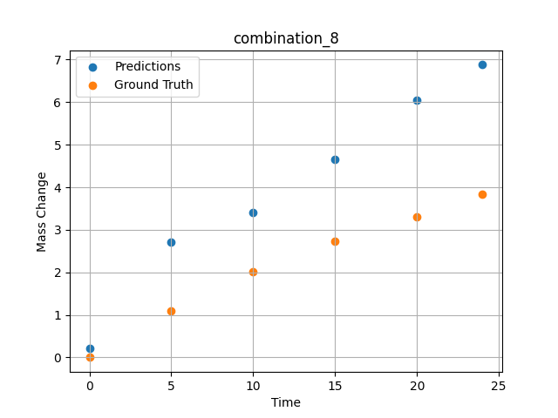
1200.0, 21.4, 0.0, 14.8, 21.1, 21.3, 21.4, 0.0
Temperature [C] | Zr [at%] | Nb [at%] | Mo [at%] | Cr [at%] | Al [at%] | Ti [at%] | Ta [at%] | W [at%] | Time [h] | Mass Change [mg.cm2] | Mass change - predictions
1200 | 0 | 0 | 21.4 | 21.3 | 21.4 | 21.1 | 14.8 | 0 | 0 | 0 | 0.20366764069
1200 | 0 | 0 | 21.4 | 21.3 | 21.4 | 21.1 | 14.8 | 0 | 5 | 1.0909090909 | 2.7019605637
1200 | 0 | 0 | 21.4 | 21.3 | 21.4 | 21.1 | 14.8 | 0 | 10 | 2.0227272727 | 3.3977746964
1200 | 0 | 0 | 21.4 | 21.3 | 21.4 | 21.1 | 14.8 | 0 | 15 | 2.7272727273 | 4.6585187912
1200 | 0 | 0 | 21.4 | 21.3 | 21.4 | 21.1 | 14.8 | 0 | 20 | 3.2954545455 | 6.0537323952
1200 | 0 | 0 | 21.4 | 21.3 | 21.4 | 21.1 | 14.8 | 0 | 24 | 3.8409090909 | 6.8791055679

combination_9
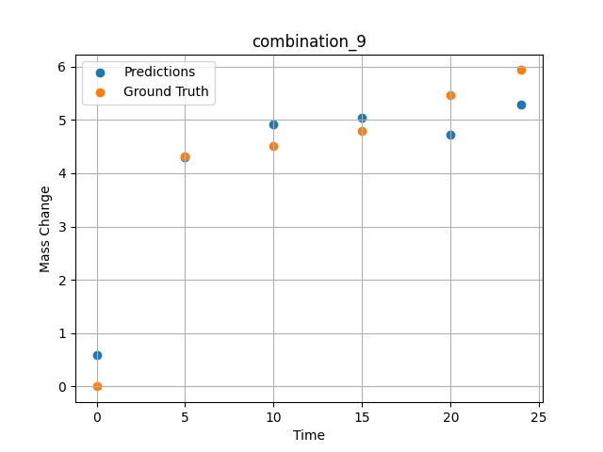
1200.0, 23.7, 0.0, 23.7, 23.8, 23.8, 5.0, 0.0
Temperature [C] | Zr [at%] | Nb [at%] | Mo [at%] | Cr [at%] | Al [at%] | Ti [at%] | Ta [at%] | W [at%] | Time [h] | Mass Change [mg.cm2] | Mass change - predictions
1200 | 0 | 0 | 23.7 | 23.8 | 5 | 23.8 | 23.7 | 0 | 0 | 0 | 0.59377098083
1200 | 0 | 0 | 23.7 | 23.8 | 5 | 23.8 | 23.7 | 0 | 5 | 4.3090909091 | 4.3022680283
1200 | 0 | 0 | 23.7 | 23.8 | 5 | 23.8 | 23.7 | 0 | 10 | 4.5054545455 | 4.9249763489
1200 | 0 | 0 | 23.7 | 23.8 | 5 | 23.8 | 23.7 | 0 | 15 | 4.7890909091 | 5.0461578369
1200 | 0 | 0 | 23.7 | 23.8 | 5 | 23.8 | 23.7 | 0 | 20 | 5.4654545455 | 4.724114418
1200 | 0 | 0 | 23.7 | 23.8 | 5 | 23.8 | 23.7 | 0 | 24 | 5.9345454545 | 5.2912917137

combination_10
1200.0, 22.5, 0.0, 22.5, 22.5, 22.5, 10.0, 0.0
Temperature [C] | Zr [at%] | Nb [at%] | Mo [at%] | Cr [at%] | Al [at%] | Ti [at%] | Ta [at%] | W [at%] | Time [h] | Mass Change [mg.cm2] | Mass change - predictions
1200 | 0 | 0 | 22.5 | 22.5 | 10 | 22.5 | 22.5 | 0 | 0 | 0 | 0.20339107513
1200 | 0 | 0 | 22.5 | 22.5 | 10 | 22.5 | 22.5 | 0 | 5 | 2.3781818182 | 2.5919694901
1200 | 0 | 0 | 22.5 | 22.5 | 10 | 22.5 | 22.5 | 0 | 10 | 3.0981818182 | 3.1157808304
1200 | 0 | 0 | 22.5 | 22.5 | 10 | 22.5 | 22.5 | 0 | 15 | 3.48 | 3.7115297318
1200 | 0 | 0 | 22.5 | 22.5 | 10 | 22.5 | 22.5 | 0 | 20 | 4.0909090909 | 4.6031961441
1200 | 0 | 0 | 22.5 | 22.5 | 10 | 22.5 | 22.5 | 0 | 24 | 4.68 | 5.357085228
1200 | 0 | 0 | 22.5 | 22.5 | 10 | 22.5 | 22.5 | 0 | 0 | 0 | 0.20339107513
1200 | 0 | 0 | 22.5 | 22.5 | 10 | 22.5 | 22.5 | 0 | 0.49077 | 0.78063 | 0.5932636261
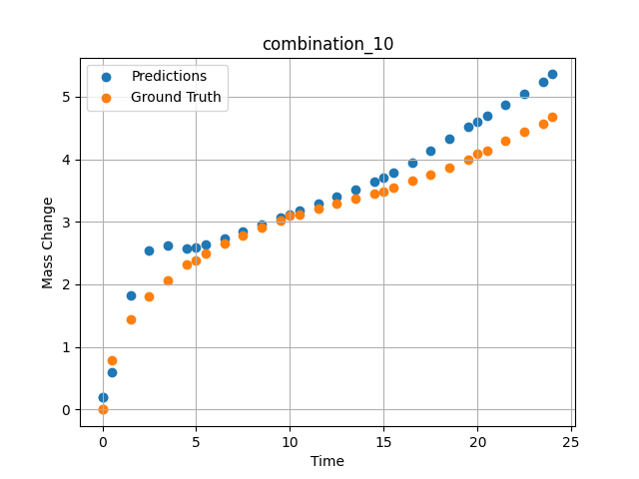
1200 | 0 | 0 | 22.5 | 22.5 | 10 | 22.5 | 22.5 | 0 | 1.49172 | 1.44748 | 1.8216457367
1200 | 0 | 0 | 22.5 | 22.5 | 10 | 22.5 | 22.5 | 0 | 2.49281 | 1.80541 | 2.5343027115
1200 | 0 | 0 | 22.5 | 22.5 | 10 | 22.5 | 22.5 | 0 | 3.49402 | 2.06956 | 2.6182107925
1200 | 0 | 0 | 22.5 | 22.5 | 10 | 22.5 | 22.5 | 0 | 4.4952 | 2.31087 | 2.5691957474
1200 | 0 | 0 | 22.5 | 22.5 | 10 | 22.5 | 22.5 | 0 | 5.49645 | 2.48841 | 2.6301717758
1200 | 0 | 0 | 22.5 | 22.5 | 10 | 22.5 | 22.5 | 0 | 6.49787 | 2.65793 | 2.7288513184
1200 | 0 | 0 | 22.5 | 22.5 | 10 | 22.5 | 22.5 | 0 | 7.49956 | 2.78535 | 2.8377952576
1200 | 0 | 0 | 22.5 | 22.5 | 10 | 22.5 | 22.5 | 0 | 8.50125 | 2.90731 | 2.9489765167
1200 | 0 | 0 | 22.5 | 22.5 | 10 | 22.5 | 22.5 | 0 | 9.50311 | 3.02433 | 3.0604486465
1200 | 0 | 0 | 22.5 | 22.5 | 10 | 22.5 | 22.5 | 0 | 10.50501 | 3.11618 | 3.1721286774
1200 | 0 | 0 | 22.5 | 22.5 | 10 | 22.5 | 22.5 | 0 | 11.50721 | 3.20469 | 3.2848062515
1200 | 0 | 0 | 22.5 | 22.5 | 10 | 22.5 | 22.5 | 0 | 12.49975 | 3.29282 | 3.3987417221
1200 | 0 | 0 | 22.5 | 22.5 | 10 | 22.5 | 22.5 | 0 | 13.4923 | 3.37455 | 3.5170402527
1200 | 0 | 0 | 22.5 | 22.5 | 10 | 22.5 | 22.5 | 0 | 14.49455 | 3.44501 | 3.6437177658
1200 | 0 | 0 | 22.5 | 22.5 | 10 | 22.5 | 22.5 | 0 | 15.49708 | 3.552 | 3.7814970016
1200 | 0 | 0 | 22.5 | 22.5 | 10 | 22.5 | 22.5 | 0 | 16.49956 | 3.65536 | 3.938416481
1200 | 0 | 0 | 22.5 | 22.5 | 10 | 22.5 | 22.5 | 0 | 17.50221 | 3.7515 | 4.1292676926
1200 | 0 | 0 | 22.5 | 22.5 | 10 | 22.5 | 22.5 | 0 | 18.5051 | 3.87105 | 4.3229665756
1200 | 0 | 0 | 22.5 | 22.5 | 10 | 22.5 | 22.5 | 0 | 19.50793 | 3.99229 | 4.5122041702
1200 | 0 | 0 | 22.5 | 22.5 | 10 | 22.5 | 22.5 | 0 | 20.50125 | 4.1354 | 4.6946020126
1200 | 0 | 0 | 22.5 | 22.5 | 10 | 22.5 | 22.5 | 0 | 21.49483 | 4.29738 | 4.8724746704
1200 | 0 | 0 | 22.5 | 22.5 | 10 | 22.5 | 22.5 | 0 | 22.49819 | 4.43636 | 5.0513448715
1200 | 0 | 0 | 22.5 | 22.5 | 10 | 22.5 | 22.5 | 0 | 23.49208 | 4.57312 | 5.2417697906

combination_11
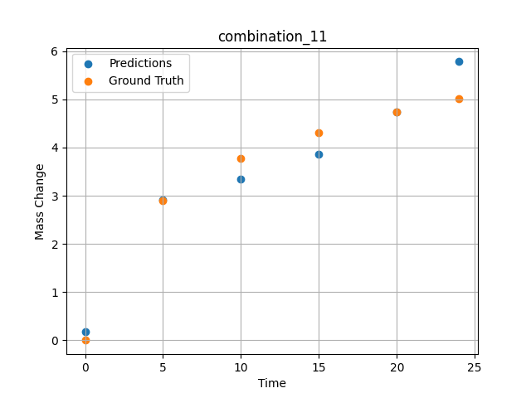
1200.0, 21.25, 0.0, 21.25, 21.25, 21.25, 15.0, 0.0
Temperature [C] | Zr [at%] | Nb [at%] | Mo [at%] | Cr [at%] | Al [at%] | Ti [at%] | Ta [at%] | W [at%] | Time [h] | Mass Change [mg.cm2] | Mass change - predictions
1200 | 0 | 0 | 21.25 | 21.25 | 15 | 21.25 | 21.25 | 0 | 0 | 0 | 0.17581176758
1200 | 0 | 0 | 21.25 | 21.25 | 15 | 21.25 | 21.25 | 0 | 5 | 2.9018181818 | 2.9146671295
1200 | 0 | 0 | 21.25 | 21.25 | 15 | 21.25 | 21.25 | 0 | 10 | 3.7745454545 | 3.3448133469
1200 | 0 | 0 | 21.25 | 21.25 | 15 | 21.25 | 21.25 | 0 | 15 | 4.3090909091 | 3.8610897064
1200 | 0 | 0 | 21.25 | 21.25 | 15 | 21.25 | 21.25 | 0 | 20 | 4.7454545455 | 4.7360906601
1200 | 0 | 0 | 21.25 | 21.25 | 15 | 21.25 | 21.25 | 0 | 24 | 5.0072727273 | 5.7814693451

combination_12
1200.0, 20.0, 0.0, 20.0, 20.0, 20.0, 20.0, 0.0
Temperature [C] | Zr [at%] | Nb [at%] | Mo [at%] | Cr [at%] | Al [at%] | Ti [at%] | Ta [at%] | W [at%] | Time [h] | Mass Change [mg.cm2] | Mass change - predictions
1200 | 0 | 0 | 20 | 20 | 20 | 20 | 20 | 0 | 0 | 0 | 0.31887531281
1200 | 0 | 0 | 20 | 20 | 20 | 20 | 20 | 0 | 5 | 2.5636363636 | 3.4579467773
1200 | 0 | 0 | 20 | 20 | 20 | 20 | 20 | 0 | 10 | 3.5563636364 | 3.8440237045
1200 | 0 | 0 | 20 | 20 | 20 | 20 | 20 | 0 | 15 | 4.3090909091 | 4.2359800339
1200 | 0 | 0 | 20 | 20 | 20 | 20 | 20 | 0 | 20 | 4.9090909091 | 4.7924814224
1200 | 0 | 0 | 20 | 20 | 20 | 20 | 20 | 0 | 24 | 5.3127272727 | 5.5635957718
1200 | 0 | 0 | 20 | 20 | 20 | 20 | 20 | 0 | 0 | 0 | 0.31887531281
1200 | 0 | 0 | 20 | 20 | 20 | 20 | 20 | 0 | 0.49082 | 0.71629 | 0.42720317841
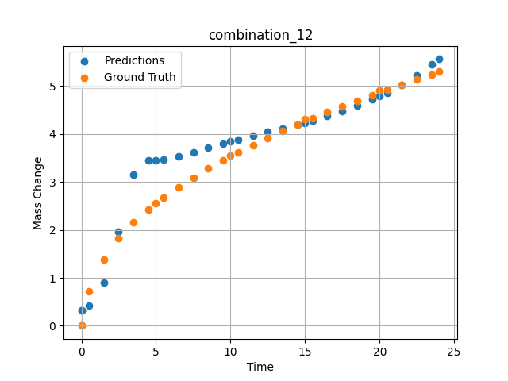
1200 | 0 | 0 | 20 | 20 | 20 | 20 | 20 | 0 | 1.49163 | 1.38441 | 0.90216064453
1200 | 0 | 0 | 20 | 20 | 20 | 20 | 20 | 0 | 2.49268 | 1.82409 | 1.9545531273
1200 | 0 | 0 | 20 | 20 | 20 | 20 | 20 | 0 | 3.49411 | 2.16264 | 3.1531248093
1200 | 0 | 0 | 20 | 20 | 20 | 20 | 20 | 0 | 4.49594 | 2.43164 | 3.4528331757
1200 | 0 | 0 | 20 | 20 | 20 | 20 | 20 | 0 | 5.4981 | 2.67331 | 3.4734306335
1200 | 0 | 0 | 20 | 20 | 20 | 20 | 20 | 0 | 6.50068 | 2.89296 | 3.5382356644
1200 | 0 | 0 | 20 | 20 | 20 | 20 | 20 | 0 | 7.50329 | 3.09115 | 3.6232461929
1200 | 0 | 0 | 20 | 20 | 20 | 20 | 20 | 0 | 8.50608 | 3.27802 | 3.7128143311
1200 | 0 | 0 | 20 | 20 | 20 | 20 | 20 | 0 | 9.49939 | 3.4518 | 3.800702095
1200 | 0 | 0 | 20 | 20 | 20 | 20 | 20 | 0 | 10.4927 | 3.61285 | 3.885881424
1200 | 0 | 0 | 20 | 20 | 20 | 20 | 20 | 0 | 11.49578 | 3.77185 | 3.9683332443
1200 | 0 | 0 | 20 | 20 | 20 | 20 | 20 | 0 | 12.49916 | 3.91739 | 4.0467014313
1200 | 0 | 0 | 20 | 20 | 20 | 20 | 20 | 0 | 13.50283 | 4.06345 | 4.1205778122
1200 | 0 | 0 | 20 | 20 | 20 | 20 | 20 | 0 | 14.50662 | 4.19848 | 4.1961755753
1200 | 0 | 0 | 20 | 20 | 20 | 20 | 20 | 0 | 15.50099 | 4.32824 | 4.2785167694
1200 | 0 | 0 | 20 | 20 | 20 | 20 | 20 | 0 | 16.49547 | 4.45466 | 4.3704786301
1200 | 0 | 0 | 20 | 20 | 20 | 20 | 20 | 0 | 17.49982 | 4.57472 | 4.4756631851
1200 | 0 | 0 | 20 | 20 | 20 | 20 | 20 | 0 | 18.50429 | 4.69457 | 4.5947179794
1200 | 0 | 0 | 20 | 20 | 20 | 20 | 20 | 0 | 19.49921 | 4.81208 | 4.7228937149
1200 | 0 | 0 | 20 | 20 | 20 | 20 | 20 | 0 | 20.49437 | 4.92042 | 4.865439415
1200 | 0 | 0 | 20 | 20 | 20 | 20 | 20 | 0 | 21.4995 | 5.02611 | 5.0302581787
1200 | 0 | 0 | 20 | 20 | 20 | 20 | 20 | 0 | 22.50475 | 5.1328 | 5.2239403725
1200 | 0 | 0 | 20 | 20 | 20 | 20 | 20 | 0 | 23.50061 | 5.23529 | 5.4482126236

combination_13
1200.0, 0.0, 50.0, 0.0, 0.0, 50.0, 0.0, 0.0
Temperature [C] | Zr [at%] | Nb [at%] | Mo [at%] | Cr [at%] | Al [at%] | Ti [at%] | Ta [at%] | W [at%] | Time [h] | Mass Change [mg.cm2] | Mass change - predictions
1200 | 0 | 50 | 0 | 50 | 0 | 0 | 0 | 0 | 0 | 0 | 1.565823555
1200 | 0 | 50 | 0 | 50 | 0 | 0 | 0 | 0 | 1 | 3.6496350365 | 2.745472908
1200 | 0 | 50 | 0 | 50 | 0 | 0 | 0 | 0 | 8 | 8.6131386861 | 9.0132703781
1200 | 0 | 50 | 0 | 50 | 0 | 0 | 0 | 0 | 24 | 14.6 | 15.352009773
1200 | 0 | 50 | 0 | 50 | 0 | 0 | 0 | 0 | 0 | 0 | 1.565823555
1200 | 0 | 50 | 0 | 50 | 0 | 0 | 0 | 0 | 0.49249 | 1.52361 | 2.154337883
1200 | 0 | 50 | 0 | 50 | 0 | 0 | 0 | 0 | 1.5015 | 3.90346 | 3.3185243607
1200 | 0 | 50 | 0 | 50 | 0 | 0 | 0 | 0 | 2.4985 | 5.41279 | 4.4082288742
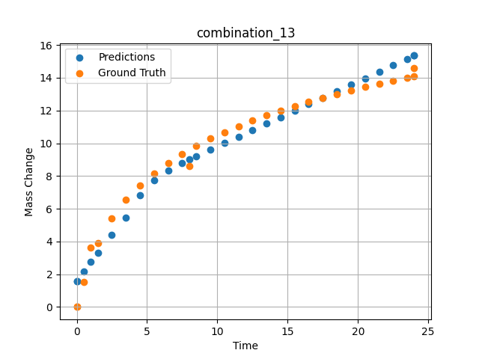
1200 | 0 | 50 | 0 | 50 | 0 | 0 | 0 | 0 | 3.4955 | 6.52981 | 5.4344778061
1200 | 0 | 50 | 0 | 50 | 0 | 0 | 0 | 0 | 4.5045 | 7.42843 | 6.806927681
1200 | 0 | 50 | 0 | 50 | 0 | 0 | 0 | 0 | 5.5015 | 8.16539 | 7.7547750473
1200 | 0 | 50 | 0 | 50 | 0 | 0 | 0 | 0 | 6.4985 | 8.79549 | 8.3467531204
1200 | 0 | 50 | 0 | 50 | 0 | 0 | 0 | 0 | 7.4955 | 9.34644 | 8.8019266129
1200 | 0 | 50 | 0 | 50 | 0 | 0 | 0 | 0 | 8.49249 | 9.83548 | 9.2143354416
1200 | 0 | 50 | 0 | 50 | 0 | 0 | 0 | 0 | 9.5015 | 10.28047 | 9.6188097
1200 | 0 | 50 | 0 | 50 | 0 | 0 | 0 | 0 | 10.4985 | 10.67984 | 10.014769554
1200 | 0 | 50 | 0 | 50 | 0 | 0 | 0 | 0 | 11.4955 | 11.04568 | 10.409565926
1200 | 0 | 50 | 0 | 50 | 0 | 0 | 0 | 0 | 12.5045 | 11.38726 | 10.808680534
1200 | 0 | 50 | 0 | 50 | 0 | 0 | 0 | 0 | 13.5015 | 11.70052 | 11.202893257
1200 | 0 | 50 | 0 | 50 | 0 | 0 | 0 | 0 | 14.4985 | 11.99278 | 11.596999168
1200 | 0 | 50 | 0 | 50 | 0 | 0 | 0 | 0 | 15.4955 | 12.26682 | 11.991026878
1200 | 0 | 50 | 0 | 50 | 0 | 0 | 0 | 0 | 16.49249 | 12.52465 | 12.385020256
1200 | 0 | 50 | 0 | 50 | 0 | 0 | 0 | 0 | 17.5015 | 12.77103 | 12.783722878
1200 | 0 | 50 | 0 | 50 | 0 | 0 | 0 | 0 | 18.4985 | 13.0016 | 13.177659035
1200 | 0 | 50 | 0 | 50 | 0 | 0 | 0 | 0 | 19.4955 | 13.22059 | 13.571612358
1200 | 0 | 50 | 0 | 50 | 0 | 0 | 0 | 0 | 20.5045 | 13.43163 | 13.970332146
1200 | 0 | 50 | 0 | 50 | 0 | 0 | 0 | 0 | 21.5015 | 13.63064 | 14.36432457
1200 | 0 | 50 | 0 | 50 | 0 | 0 | 0 | 0 | 22.4985 | 13.82097 | 14.75839901
1200 | 0 | 50 | 0 | 50 | 0 | 0 | 0 | 0 | 23.4955 | 14.0034 | 15.152539253
1200 | 0 | 50 | 0 | 50 | 0 | 0 | 0 | 0 | 24 | 14.09317 | 15.352010727

combination_14
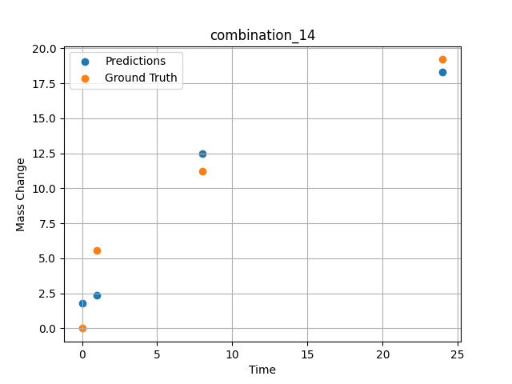
1200.0, 0.0, 33.699999999999996, 0.0, 33.9, 32.4, 0.0, 0.0
Temperature [C] | Zr [at%] | Nb [at%] | Mo [at%] | Cr [at%] | Al [at%] | Ti [at%] | Ta [at%] | W [at%] | Time [h] | Mass Change [mg.cm2] | Mass change - predictions
1200 | 0 | 33.7 | 0 | 32.4 | 0 | 33.9 | 0 | 0 | 0 | 0 | 1.8043165207
1200 | 0 | 33.7 | 0 | 32.4 | 0 | 33.9 | 0 | 0 | 1 | 5.5474452555 | 2.3862009048
1200 | 0 | 33.7 | 0 | 32.4 | 0 | 33.9 | 0 | 0 | 8 | 11.240875912 | 12.464137077
1200 | 0 | 33.7 | 0 | 32.4 | 0 | 33.9 | 0 | 0 | 24 | 19.2 | 18.318889618

combination_15
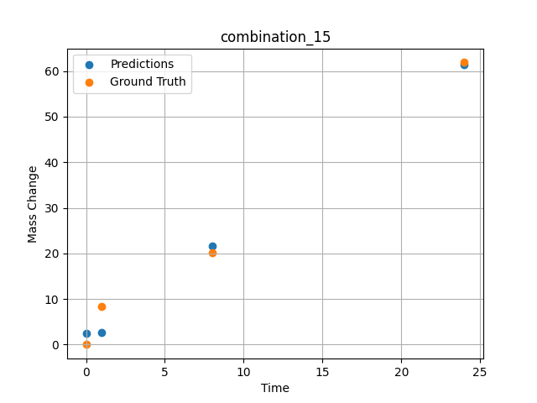
1200.0, 0.0, 26.0, 23.9, 25.6, 24.5, 0.0, 0.0
Temperature [C] | Zr [at%] | Nb [at%] | Mo [at%] | Cr [at%] | Al [at%] | Ti [at%] | Ta [at%] | W [at%] | Time [h] | Mass Change [mg.cm2] | Mass change - predictions
1200 | 0 | 26 | 0 | 24.5 | 0 | 25.6 | 23.9 | 0 | 0 | 0 | 2.5299367905
1200 | 0 | 26 | 0 | 24.5 | 0 | 25.6 | 23.9 | 0 | 1 | 8.3211678832 | 2.7358446121
1200 | 0 | 26 | 0 | 24.5 | 0 | 25.6 | 23.9 | 0 | 8 | 20.145985401 | 21.663692474
1200 | 0 | 26 | 0 | 24.5 | 0 | 25.6 | 23.9 | 0 | 24 | 61.9 | 61.42798996

combination_16
1200.0, 0.0, 33.6, 34.1, 32.3, 0.0, 0.0, 0.0
Temperature [C] | Zr [at%] | Nb [at%] | Mo [at%] | Cr [at%] | Al [at%] | Ti [at%] | Ta [at%] | W [at%] | Time [h] | Mass Change [mg.cm2] | Mass change - predictions
1200 | 0 | 33.6 | 0 | 0 | 0 | 32.3 | 34.1 | 0 | 0 | 0 | -0.24528598785
1200 | 0 | 33.6 | 0 | 0 | 0 | 32.3 | 34.1 | 0 | 1 | 2.6 | 3.9781413078
1200 | 0 | 33.6 | 0 | 0 | 0 | 32.3 | 34.1 | 0 | 4 | 40.3 | 44.622688293
1200 | 0 | 33.6 | 0 | 0 | 0 | 32.3 | 34.1 | 0 | 8 | 92.248062016 | 89.530899048
1200 | 0 | 33.6 | 0 | 0 | 0 | 32.3 | 34.1 | 0 | 24 | 247.28682171 | 261.78915405
1200 | 0 | 33.6 | 0 | 0 | 0 | 32.3 | 34.1 | 0 | 48 | 293.02325581 | 338.46643066
1200 | 0 | 33.6 | 0 | 0 | 0 | 32.3 | 34.1 | 0 | 0 | 0 | -0.24528598785
1200 | 0 | 33.6 | 0 | 0 | 0 | 32.3 | 34.1 | 0 | 0.56527 | 2.00231 | 1.4486966133
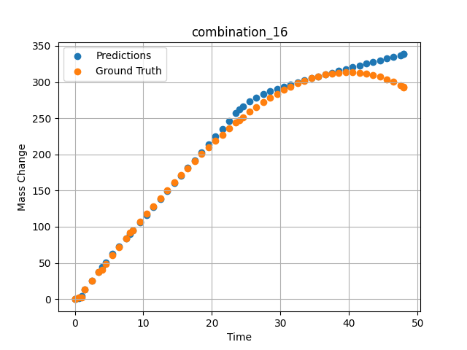
1200 | 0 | 33.6 | 0 | 0 | 0 | 32.3 | 34.1 | 0 | 1.46724 | 12.76104 | 13.304629326
1200 | 0 | 33.6 | 0 | 0 | 0 | 32.3 | 34.1 | 0 | 2.4985 | 25.04193 | 25.836135864
1200 | 0 | 33.6 | 0 | 0 | 0 | 32.3 | 34.1 | 0 | 3.50751 | 37.02166 | 37.892147064
1200 | 0 | 33.6 | 0 | 0 | 0 | 32.3 | 34.1 | 0 | 4.49304 | 48.67294 | 50.718395233
1200 | 0 | 33.6 | 0 | 0 | 0 | 32.3 | 34.1 | 0 | 5.5015 | 60.53039 | 62.266872406
1200 | 0 | 33.6 | 0 | 0 | 0 | 32.3 | 34.1 | 0 | 6.48649 | 72.03199 | 73.099487305
1200 | 0 | 33.6 | 0 | 0 | 0 | 32.3 | 34.1 | 0 | 7.4955 | 83.71838 | 84.065071106
1200 | 0 | 33.6 | 0 | 0 | 0 | 32.3 | 34.1 | 0 | 8.48157 | 95.03006 | 94.744361877
1200 | 0 | 33.6 | 0 | 0 | 0 | 32.3 | 34.1 | 0 | 9.51351 | 106.73793 | 105.90853882
1200 | 0 | 33.6 | 0 | 0 | 0 | 32.3 | 34.1 | 0 | 10.4985 | 117.7734 | 116.56151581
1200 | 0 | 33.6 | 0 | 0 | 0 | 32.3 | 34.1 | 0 | 11.48348 | 128.65641 | 127.21315765
1200 | 0 | 33.6 | 0 | 0 | 0 | 32.3 | 34.1 | 0 | 12.49249 | 139.63363 | 138.12399292
1200 | 0 | 33.6 | 0 | 0 | 0 | 32.3 | 34.1 | 0 | 13.5015 | 150.42152 | 149.03442383
1200 | 0 | 33.6 | 0 | 0 | 0 | 32.3 | 34.1 | 0 | 14.51051 | 161.00462 | 159.94412231
1200 | 0 | 33.6 | 0 | 0 | 0 | 32.3 | 34.1 | 0 | 15.4955 | 171.12427 | 170.59396362
1200 | 0 | 33.6 | 0 | 0 | 0 | 32.3 | 34.1 | 0 | 16.48048 | 181.01775 | 181.24333191
1200 | 0 | 33.6 | 0 | 0 | 0 | 32.3 | 34.1 | 0 | 17.48949 | 190.90578 | 192.15176392
1200 | 0 | 33.6 | 0 | 0 | 0 | 32.3 | 34.1 | 0 | 18.4985 | 200.52777 | 203.05990601
1200 | 0 | 33.6 | 0 | 0 | 0 | 32.3 | 34.1 | 0 | 19.50751 | 209.86822 | 213.96728516
1200 | 0 | 33.6 | 0 | 0 | 0 | 32.3 | 34.1 | 0 | 20.51652 | 218.91164 | 224.87399292
1200 | 0 | 33.6 | 0 | 0 | 0 | 32.3 | 34.1 | 0 | 21.5015 | 227.43968 | 235.5206604
1200 | 0 | 33.6 | 0 | 0 | 0 | 32.3 | 34.1 | 0 | 22.48649 | 235.65296 | 246.16671753
1200 | 0 | 33.6 | 0 | 0 | 0 | 32.3 | 34.1 | 0 | 23.4955 | 243.72904 | 256.99957275
1200 | 0 | 33.6 | 0 | 0 | 0 | 32.3 | 34.1 | 0 | 24.48157 | 251.27422 | 265.80215454
1200 | 0 | 33.6 | 0 | 0 | 0 | 32.3 | 34.1 | 0 | 25.51351 | 258.79091 | 272.96405029
1200 | 0 | 33.6 | 0 | 0 | 0 | 32.3 | 34.1 | 0 | 26.4985 | 265.58634 | 278.4503479
1200 | 0 | 33.6 | 0 | 0 | 0 | 32.3 | 34.1 | 0 | 27.48348 | 271.99328 | 283.02679443
1200 | 0 | 33.6 | 0 | 0 | 0 | 32.3 | 34.1 | 0 | 28.49249 | 278.14346 | 287.06134033
1200 | 0 | 33.6 | 0 | 0 | 0 | 32.3 | 34.1 | 0 | 29.5015 | 283.85864 | 290.63858032
1200 | 0 | 33.6 | 0 | 0 | 0 | 32.3 | 34.1 | 0 | 30.51051 | 289.12334 | 293.90014648
1200 | 0 | 33.6 | 0 | 0 | 0 | 32.3 | 34.1 | 0 | 31.4955 | 293.81519 | 296.87301636
1200 | 0 | 33.6 | 0 | 0 | 0 | 32.3 | 34.1 | 0 | 32.48048 | 298.04485 | 299.70007324
1200 | 0 | 33.6 | 0 | 0 | 0 | 32.3 | 34.1 | 0 | 33.48949 | 301.88914 | 302.48965454
1200 | 0 | 33.6 | 0 | 0 | 0 | 32.3 | 34.1 | 0 | 34.4985 | 305.22169 | 305.20285034
1200 | 0 | 33.6 | 0 | 0 | 0 | 32.3 | 34.1 | 0 | 35.50751 | 308.02703 | 307.86102295
1200 | 0 | 33.6 | 0 | 0 | 0 | 32.3 | 34.1 | 0 | 36.51652 | 310.28966 | 310.47848511
1200 | 0 | 33.6 | 0 | 0 | 0 | 32.3 | 34.1 | 0 | 37.5015 | 311.96232 | 313.00286865
1200 | 0 | 33.6 | 0 | 0 | 0 | 32.3 | 34.1 | 0 | 38.48649 | 313.08419 | 315.50280762
1200 | 0 | 33.6 | 0 | 0 | 0 | 32.3 | 34.1 | 0 | 39.4955 | 313.65412 | 318.04107666
1200 | 0 | 33.6 | 0 | 0 | 0 | 32.3 | 34.1 | 0 | 40.5045 | 313.62011 | 320.55780029
1200 | 0 | 33.6 | 0 | 0 | 0 | 32.3 | 34.1 | 0 | 41.51351 | 312.96665 | 323.05291748
1200 | 0 | 33.6 | 0 | 0 | 0 | 32.3 | 34.1 | 0 | 42.4985 | 311.71895 | 325.46655273
1200 | 0 | 33.6 | 0 | 0 | 0 | 32.3 | 34.1 | 0 | 43.48348 | 309.84673 | 327.85595703
1200 | 0 | 33.6 | 0 | 0 | 0 | 32.3 | 34.1 | 0 | 44.49249 | 307.27405 | 330.2755127
1200 | 0 | 33.6 | 0 | 0 | 0 | 32.3 | 34.1 | 0 | 45.5015 | 304.02068 | 332.66192627
1200 | 0 | 33.6 | 0 | 0 | 0 | 32.3 | 34.1 | 0 | 46.51051 | 300.07115 | 335.01211548
1200 | 0 | 33.6 | 0 | 0 | 0 | 32.3 | 34.1 | 0 | 47.4955 | 295.53213 | 337.29708862
1200 | 0 | 33.6 | 0 | 0 | 0 | 32.3 | 34.1 | 0 | 48 | 292.96623 | 338.46643066

combination_17
1200.0, 0.0, 34.2, 34.4, 0.0, 0.0, 0.0, 0.0
Temperature [C] | Zr [at%] | Nb [at%] | Mo [at%] | Cr [at%] | Al [at%] | Ti [at%] | Ta [at%] | W [at%] | Time [h] | Mass Change [mg.cm2] | Mass change - predictions
1200 | 30.9 | 34.2 | 0 | 0 | 0 | 0 | 34.4 | 0 | 0 | 0 | 0.85984897614
1200 | 30.9 | 34.2 | 0 | 0 | 0 | 0 | 34.4 | 0 | 1 | 102.4 | 89.498313904
1200 | 30.9 | 34.2 | 0 | 0 | 0 | 0 | 34.4 | 0 | 2 | 117.1 | 124.27709198
1200 | 30.9 | 34.2 | 0 | 0 | 0 | 0 | 34.4 | 0 | 4 | 134.1 | 153.91305542
1200 | 30.9 | 34.2 | 0 | 0 | 0 | 0 | 34.4 | 0 | 6 | 170.7 | 175.80227661
1200 | 30.9 | 34.2 | 0 | 0 | 0 | 0 | 34.4 | 0 | 8 | 197.6 | 196.15286255
1200 | 30.9 | 34.2 | 0 | 0 | 0 | 0 | 34.4 | 0 | 24 | 229.3 | 252.64872742
1200 | 30.9 | 34.2 | 0 | 0 | 0 | 0 | 34.4 | 0 | 0 | 0 | 0.85986042023
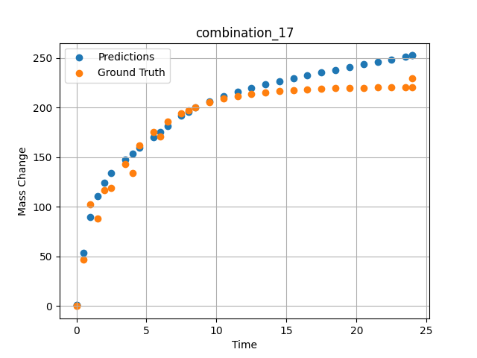
1200 | 30.9 | 34.2 | 0 | 0 | 0 | 0 | 34.4 | 0 | 0.49249 | 46.59609 | 53.72808075
1200 | 30.9 | 34.2 | 0 | 0 | 0 | 0 | 34.4 | 0 | 1.5015 | 88.32923 | 110.66466522
1200 | 30.9 | 34.2 | 0 | 0 | 0 | 0 | 34.4 | 0 | 2.4985 | 119.43947 | 133.94244385
1200 | 30.9 | 34.2 | 0 | 0 | 0 | 0 | 34.4 | 0 | 3.4955 | 143.22867 | 147.96504211
1200 | 30.9 | 34.2 | 0 | 0 | 0 | 0 | 34.4 | 0 | 4.5045 | 161.64161 | 159.56491089
1200 | 30.9 | 34.2 | 0 | 0 | 0 | 0 | 34.4 | 0 | 5.5015 | 175.552 | 170.41107178
1200 | 30.9 | 34.2 | 0 | 0 | 0 | 0 | 34.4 | 0 | 6.4985 | 186.18892 | 181.21194458
1200 | 30.9 | 34.2 | 0 | 0 | 0 | 0 | 34.4 | 0 | 7.4955 | 194.34026 | 191.68177795
1200 | 30.9 | 34.2 | 0 | 0 | 0 | 0 | 34.4 | 0 | 8.49249 | 200.57338 | 199.99272156
1200 | 30.9 | 34.2 | 0 | 0 | 0 | 0 | 34.4 | 0 | 9.5015 | 205.39784 | 206.59359741
1200 | 30.9 | 34.2 | 0 | 0 | 0 | 0 | 34.4 | 0 | 10.4985 | 209.04256 | 211.88459778
1200 | 30.9 | 34.2 | 0 | 0 | 0 | 0 | 34.4 | 0 | 11.4955 | 211.82959 | 216.33152771
1200 | 30.9 | 34.2 | 0 | 0 | 0 | 0 | 34.4 | 0 | 12.5045 | 213.98676 | 220.23962402
1200 | 30.9 | 34.2 | 0 | 0 | 0 | 0 | 34.4 | 0 | 13.5015 | 215.61644 | 223.69750977
1200 | 30.9 | 34.2 | 0 | 0 | 0 | 0 | 34.4 | 0 | 14.4985 | 216.86261 | 226.87858582
1200 | 30.9 | 34.2 | 0 | 0 | 0 | 0 | 34.4 | 0 | 15.4955 | 217.81758 | 229.86854553
1200 | 30.9 | 34.2 | 0 | 0 | 0 | 0 | 34.4 | 0 | 16.49249 | 218.54782 | 232.72651672
1200 | 30.9 | 34.2 | 0 | 0 | 0 | 0 | 34.4 | 0 | 17.5015 | 219.11303 | 235.52624512
1200 | 30.9 | 34.2 | 0 | 0 | 0 | 0 | 34.4 | 0 | 18.4985 | 219.54003 | 238.22970581
1200 | 30.9 | 34.2 | 0 | 0 | 0 | 0 | 34.4 | 0 | 19.4955 | 219.86655 | 240.88978577
1200 | 30.9 | 34.2 | 0 | 0 | 0 | 0 | 34.4 | 0 | 20.5045 | 220.11927 | 243.55168152
1200 | 30.9 | 34.2 | 0 | 0 | 0 | 0 | 34.4 | 0 | 21.5015 | 220.3102 | 246.16122437
1200 | 30.9 | 34.2 | 0 | 0 | 0 | 0 | 34.4 | 0 | 22.4985 | 220.45619 | 248.75683594
1200 | 30.9 | 34.2 | 0 | 0 | 0 | 0 | 34.4 | 0 | 23.4955 | 220.56807 | 251.34280396
1200 | 30.9 | 34.2 | 0 | 0 | 0 | 0 | 34.4 | 0 | 24 | 220.61516 | 252.64872742

combination_18
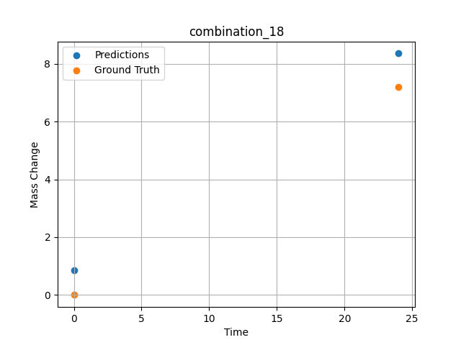
1200.0, 0.0, 0.0, 30.6, 36.8, 32.6, 0.0, 0.0
Temperature [C] | Zr [at%] | Nb [at%] | Mo [at%] | Cr [at%] | Al [at%] | Ti [at%] | Ta [at%] | W [at%] | Time [h] | Mass Change [mg.cm2] | Mass change - predictions
1200 | 0 | 0 | 0 | 32.6 | 0 | 36.8 | 30.6 | 0 | 0 | 0 | 0.85511207581
1200 | 0 | 0 | 0 | 32.6 | 0 | 36.8 | 30.6 | 0 | 24 | 7.2 | 8.3561954498

combination_19
1200.0, 0.0, 0.0, 49.9, 12.2, 37.9, 0.0, 0.0
Temperature [C] | Zr [at%] | Nb [at%] | Mo [at%] | Cr [at%] | Al [at%] | Ti [at%] | Ta [at%] | W [at%] | Time [h] | Mass Change [mg.cm2] | Mass change - predictions
1200 | 0 | 0 | 0 | 37.9 | 0 | 12.2 | 49.9 | 0 | 0 | 0 | 1.5339298248
1200 | 0 | 0 | 0 | 37.9 | 0 | 12.2 | 49.9 | 0 | 5 | 8.2898550725 | 6.9299955368
1200 | 0 | 0 | 0 | 37.9 | 0 | 12.2 | 49.9 | 0 | 10 | 12.434782609 | 12.322104454
1200 | 0 | 0 | 0 | 37.9 | 0 | 12.2 | 49.9 | 0 | 15 | 18.134057971 | 18.385402679
1200 | 0 | 0 | 0 | 37.9 | 0 | 12.2 | 49.9 | 0 | 17.5 | 24.869565217 | 25.384162903
1200 | 0 | 0 | 0 | 37.9 | 0 | 12.2 | 49.9 | 0 | 20 | 45.594202899 | 42.278205872
1200 | 0 | 0 | 0 | 37.9 | 0 | 12.2 | 49.9 | 0 | 24 | 71.5 | 70.310134888
1200 | 0 | 0 | 0 | 37.9 | 0 | 12.2 | 49.9 | 0 | 0 | 0 | 1.5339298248
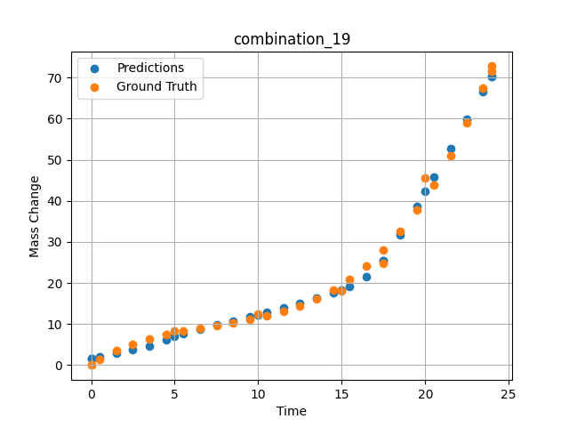
1200 | 0 | 0 | 0 | 37.9 | 0 | 12.2 | 49.9 | 0 | 0.49249 | 1.42149 | 2.0016288757
1200 | 0 | 0 | 0 | 37.9 | 0 | 12.2 | 49.9 | 0 | 1.5015 | 3.46774 | 2.9108142853
1200 | 0 | 0 | 0 | 37.9 | 0 | 12.2 | 49.9 | 0 | 2.4985 | 5.09174 | 3.7663068771
1200 | 0 | 0 | 0 | 37.9 | 0 | 12.2 | 49.9 | 0 | 3.4955 | 6.38605 | 4.7335634232
1200 | 0 | 0 | 0 | 37.9 | 0 | 12.2 | 49.9 | 0 | 4.5045 | 7.43134 | 6.217707634
1200 | 0 | 0 | 0 | 37.9 | 0 | 12.2 | 49.9 | 0 | 5.48956 | 8.26108 | 7.5941762924
1200 | 0 | 0 | 0 | 37.9 | 0 | 12.2 | 49.9 | 0 | 6.4985 | 8.98419 | 8.768872261
1200 | 0 | 0 | 0 | 37.9 | 0 | 12.2 | 49.9 | 0 | 7.5035 | 9.64589 | 9.7855863571
1200 | 0 | 0 | 0 | 37.9 | 0 | 12.2 | 49.9 | 0 | 8.49249 | 10.30729 | 10.774008751
1200 | 0 | 0 | 0 | 37.9 | 0 | 12.2 | 49.9 | 0 | 9.5015 | 11.06122 | 11.804045677
1200 | 0 | 0 | 0 | 37.9 | 0 | 12.2 | 49.9 | 0 | 10.48663 | 11.94099 | 12.835738182
1200 | 0 | 0 | 0 | 37.9 | 0 | 12.2 | 49.9 | 0 | 11.4955 | 13.05774 | 13.921629906
1200 | 0 | 0 | 0 | 37.9 | 0 | 12.2 | 49.9 | 0 | 12.5045 | 14.46245 | 15.050463676
1200 | 0 | 0 | 0 | 37.9 | 0 | 12.2 | 49.9 | 0 | 13.5015 | 16.2008 | 16.247650146
1200 | 0 | 0 | 0 | 37.9 | 0 | 12.2 | 49.9 | 0 | 14.4985 | 18.3577 | 17.601608276
1200 | 0 | 0 | 0 | 37.9 | 0 | 12.2 | 49.9 | 0 | 15.4837 | 20.96379 | 19.246852875
1200 | 0 | 0 | 0 | 37.9 | 0 | 12.2 | 49.9 | 0 | 16.49249 | 24.19061 | 21.601463318
1200 | 0 | 0 | 0 | 37.9 | 0 | 12.2 | 49.9 | 0 | 17.50147 | 28.05166 | 25.391391754
1200 | 0 | 0 | 0 | 37.9 | 0 | 12.2 | 49.9 | 0 | 18.4985 | 32.55855 | 31.725219727
1200 | 0 | 0 | 0 | 37.9 | 0 | 12.2 | 49.9 | 0 | 19.4955 | 37.823 | 38.739192963
1200 | 0 | 0 | 0 | 37.9 | 0 | 12.2 | 49.9 | 0 | 20.49277 | 43.91233 | 45.728878021
1200 | 0 | 0 | 0 | 37.9 | 0 | 12.2 | 49.9 | 0 | 21.5015 | 50.97282 | 52.79882431
1200 | 0 | 0 | 0 | 37.9 | 0 | 12.2 | 49.9 | 0 | 22.4985 | 58.92082 | 59.793178558
1200 | 0 | 0 | 0 | 37.9 | 0 | 12.2 | 49.9 | 0 | 23.45946 | 67.54177 | 66.528442383
1200 | 0 | 0 | 0 | 37.9 | 0 | 12.2 | 49.9 | 0 | 24 | 72.79782 | 70.310134888

combination_20
1200.0, 0.0, 0.0, 50.9, 37.2, 11.9, 0.0, 0.0
Temperature [C] | Zr [at%] | Nb [at%] | Mo [at%] | Cr [at%] | Al [at%] | Ti [at%] | Ta [at%] | W [at%] | Time [h] | Mass Change [mg.cm2] | Mass change - predictions
1200 | 0 | 0 | 0 | 11.9 | 0 | 37.2 | 50.9 | 0 | 0 | 0 | 1.9097685814
1200 | 0 | 0 | 0 | 11.9 | 0 | 37.2 | 50.9 | 0 | 5 | 31.542083333 | 32.424922943
1200 | 0 | 0 | 0 | 11.9 | 0 | 37.2 | 50.9 | 0 | 10 | 59.464583333 | 58.234375
1200 | 0 | 0 | 0 | 11.9 | 0 | 37.2 | 50.9 | 0 | 15 | 82.733333333 | 83.13469696
1200 | 0 | 0 | 0 | 11.9 | 0 | 37.2 | 50.9 | 0 | 20 | 106.51916667 | 106.2858429
1200 | 0 | 0 | 0 | 11.9 | 0 | 37.2 | 50.9 | 0 | 24 | 124.1 | 124.32711792
1200 | 0 | 0 | 0 | 11.9 | 0 | 37.2 | 50.9 | 0 | 0 | 0 | 1.9097685814
1200 | 0 | 0 | 0 | 11.9 | 0 | 37.2 | 50.9 | 0 | 0.49249 | 3.32589 | 3.7634010315
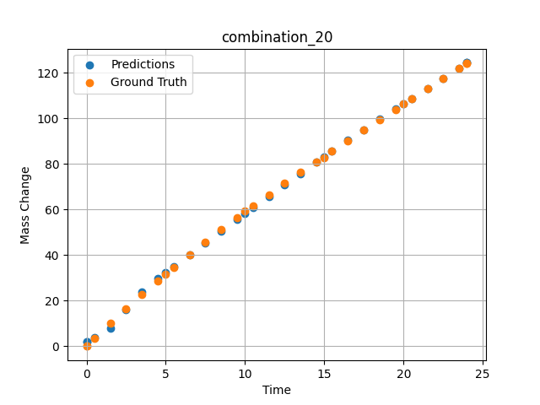
1200 | 0 | 0 | 0 | 11.9 | 0 | 37.2 | 50.9 | 0 | 1.5015 | 10.03119 | 7.7357215881
1200 | 0 | 0 | 0 | 11.9 | 0 | 37.2 | 50.9 | 0 | 2.4985 | 16.44125 | 16.179218292
1200 | 0 | 0 | 0 | 11.9 | 0 | 37.2 | 50.9 | 0 | 3.4955 | 22.64739 | 23.894191742
1200 | 0 | 0 | 0 | 11.9 | 0 | 37.2 | 50.9 | 0 | 4.5045 | 28.73355 | 29.763183594
1200 | 0 | 0 | 0 | 11.9 | 0 | 37.2 | 50.9 | 0 | 5.48956 | 34.49707 | 35.00743866
1200 | 0 | 0 | 0 | 11.9 | 0 | 37.2 | 50.9 | 0 | 6.4985 | 40.22938 | 40.277168274
1200 | 0 | 0 | 0 | 11.9 | 0 | 37.2 | 50.9 | 0 | 7.4955 | 45.73568 | 45.427173615
1200 | 0 | 0 | 0 | 11.9 | 0 | 37.2 | 50.9 | 0 | 8.49249 | 51.09529 | 50.545566559
1200 | 0 | 0 | 0 | 11.9 | 0 | 37.2 | 50.9 | 0 | 9.5015 | 56.38263 | 55.698696136
1200 | 0 | 0 | 0 | 11.9 | 0 | 37.2 | 50.9 | 0 | 10.48663 | 61.42297 | 60.702663422
1200 | 0 | 0 | 0 | 11.9 | 0 | 37.2 | 50.9 | 0 | 11.4955 | 66.47152 | 65.795059204
1200 | 0 | 0 | 0 | 11.9 | 0 | 37.2 | 50.9 | 0 | 12.5045 | 71.41788 | 70.849609375
1200 | 0 | 0 | 0 | 11.9 | 0 | 37.2 | 50.9 | 0 | 13.5015 | 76.21596 | 75.799232483
1200 | 0 | 0 | 0 | 11.9 | 0 | 37.2 | 50.9 | 0 | 14.4985 | 80.93612 | 80.695152283
1200 | 0 | 0 | 0 | 11.9 | 0 | 37.2 | 50.9 | 0 | 15.4837 | 85.53549 | 85.47114563
1200 | 0 | 0 | 0 | 11.9 | 0 | 37.2 | 50.9 | 0 | 16.49249 | 90.18944 | 90.284660339
1200 | 0 | 0 | 0 | 11.9 | 0 | 37.2 | 50.9 | 0 | 17.5015 | 94.79986 | 95.006889343
1200 | 0 | 0 | 0 | 11.9 | 0 | 37.2 | 50.9 | 0 | 18.4985 | 99.32321 | 99.564689636
1200 | 0 | 0 | 0 | 11.9 | 0 | 37.2 | 50.9 | 0 | 19.4955 | 103.82588 | 104.02869415
1200 | 0 | 0 | 0 | 11.9 | 0 | 37.2 | 50.9 | 0 | 20.51128 | 108.40403 | 108.57463837
1200 | 0 | 0 | 0 | 11.9 | 0 | 37.2 | 50.9 | 0 | 21.5015 | 112.86918 | 113.01500702
1200 | 0 | 0 | 0 | 11.9 | 0 | 37.2 | 50.9 | 0 | 22.4985 | 117.37858 | 117.50221252
1200 | 0 | 0 | 0 | 11.9 | 0 | 37.2 | 50.9 | 0 | 23.4955 | 121.9129 | 122.02097321
1200 | 0 | 0 | 0 | 11.9 | 0 | 37.2 | 50.9 | 0 | 24 | 124.21884 | 124.32711792

combination_21
1200.0, 0.0, 0.0, 46.5, 22.5, 31.0, 0.0, 0.0
Temperature [C] | Zr [at%] | Nb [at%] | Mo [at%] | Cr [at%] | Al [at%] | Ti [at%] | Ta [at%] | W [at%] | Time [h] | Mass Change [mg.cm2] | Mass change - predictions
1200 | 0 | 0 | 0 | 31 | 0 | 22.5 | 46.5 | 0 | 0 | 0 | -0.25370502472
1200 | 0 | 0 | 0 | 31 | 0 | 22.5 | 46.5 | 0 | 5 | 68.073076923 | 68.62852478
1200 | 0 | 0 | 0 | 31 | 0 | 22.5 | 46.5 | 0 | 10 | 121.19070513 | 121.96111298
1200 | 0 | 0 | 0 | 31 | 0 | 22.5 | 46.5 | 0 | 15 | 148.52307692 | 146.86212158
1200 | 0 | 0 | 0 | 31 | 0 | 22.5 | 46.5 | 0 | 20 | 159.35288462 | 158.82310486
1200 | 0 | 0 | 0 | 31 | 0 | 22.5 | 46.5 | 0 | 24 | 160.9 | 163.07380676
1200 | 0 | 0 | 0 | 31 | 0 | 22.5 | 46.5 | 0 | 0 | 0 | -0.25370502472
1200 | 0 | 0 | 0 | 31 | 0 | 22.5 | 46.5 | 0 | 0.53801 | 8.21597 | 7.3662614822
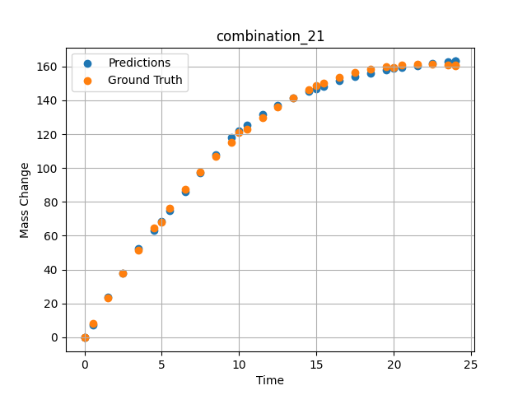
1200 | 0 | 0 | 0 | 31 | 0 | 22.5 | 46.5 | 0 | 1.5015 | 23.29686 | 23.664730072
1200 | 0 | 0 | 0 | 31 | 0 | 22.5 | 46.5 | 0 | 2.4985 | 37.95309 | 37.700790405
1200 | 0 | 0 | 0 | 31 | 0 | 22.5 | 46.5 | 0 | 3.4955 | 51.65384 | 52.335754395
1200 | 0 | 0 | 0 | 31 | 0 | 22.5 | 46.5 | 0 | 4.5045 | 64.57589 | 63.101768494
1200 | 0 | 0 | 0 | 31 | 0 | 22.5 | 46.5 | 0 | 5.48956 | 76.29591 | 74.565795898
1200 | 0 | 0 | 0 | 31 | 0 | 22.5 | 46.5 | 0 | 6.4985 | 87.40608 | 86.138160706
1200 | 0 | 0 | 0 | 31 | 0 | 22.5 | 46.5 | 0 | 7.4955 | 97.52071 | 97.124191284
1200 | 0 | 0 | 0 | 31 | 0 | 22.5 | 46.5 | 0 | 8.49249 | 106.79416 | 107.94580841
1200 | 0 | 0 | 0 | 31 | 0 | 22.5 | 46.5 | 0 | 9.5015 | 115.35124 | 117.88095093
1200 | 0 | 0 | 0 | 31 | 0 | 22.5 | 46.5 | 0 | 10.48663 | 122.92292 | 125.5184021
1200 | 0 | 0 | 0 | 31 | 0 | 22.5 | 46.5 | 0 | 11.4955 | 129.89829 | 131.82037354
1200 | 0 | 0 | 0 | 31 | 0 | 22.5 | 46.5 | 0 | 12.5045 | 136.10997 | 137.0214386
1200 | 0 | 0 | 0 | 31 | 0 | 22.5 | 46.5 | 0 | 13.5015 | 141.52095 | 141.37532043
1200 | 0 | 0 | 0 | 31 | 0 | 22.5 | 46.5 | 0 | 14.4985 | 146.22811 | 145.14505005
1200 | 0 | 0 | 0 | 31 | 0 | 22.5 | 46.5 | 0 | 15.4837 | 150.21466 | 148.41920471
1200 | 0 | 0 | 0 | 31 | 0 | 22.5 | 46.5 | 0 | 16.49249 | 153.63313 | 151.38136292
1200 | 0 | 0 | 0 | 31 | 0 | 22.5 | 46.5 | 0 | 17.5015 | 156.40427 | 153.98397827
1200 | 0 | 0 | 0 | 31 | 0 | 22.5 | 46.5 | 0 | 18.4985 | 158.52997 | 156.20379639
1200 | 0 | 0 | 0 | 31 | 0 | 22.5 | 46.5 | 0 | 19.4955 | 160.06615 | 158.04846191
1200 | 0 | 0 | 0 | 31 | 0 | 22.5 | 46.5 | 0 | 20.49277 | 161.03822 | 159.47386169
1200 | 0 | 0 | 0 | 31 | 0 | 22.5 | 46.5 | 0 | 21.5015 | 161.47326 | 160.58789062
1200 | 0 | 0 | 0 | 31 | 0 | 22.5 | 46.5 | 0 | 22.4985 | 161.37827 | 161.59460449
1200 | 0 | 0 | 0 | 31 | 0 | 22.5 | 46.5 | 0 | 23.4955 | 160.78923 | 162.58068848
1200 | 0 | 0 | 0 | 31 | 0 | 22.5 | 46.5 | 0 | 24 | 160.32765 | 163.07380676

combination_22
1100.0, 20.0, 20.0, 0.0, 20.0, 20.0, 20.0, 0.0
Temperature [C] | Zr [at%] | Nb [at%] | Mo [at%] | Cr [at%] | Al [at%] | Ti [at%] | Ta [at%] | W [at%] | Time [h] | Mass Change [mg.cm2] | Mass change - predictions
1100 | 0 | 20 | 20 | 20 | 20 | 20 | 0 | 0 | 0 | 0 | 0.74901199341
1100 | 0 | 20 | 20 | 20 | 20 | 20 | 0 | 0 | 10 | 3.3534246575 | 3.8052911758
1100 | 0 | 20 | 20 | 20 | 20 | 20 | 0 | 0 | 20 | 5.4794520548 | 5.6708173752
1100 | 0 | 20 | 20 | 20 | 20 | 20 | 0 | 0 | 30 | 6.904109589 | 6.2535581589
1100 | 0 | 20 | 20 | 20 | 20 | 20 | 0 | 0 | 40 | 7.8465753425 | 7.8495759964
1100 | 0 | 20 | 20 | 20 | 20 | 20 | 0 | 0 | 48 | 8.3726027397 | 9.5998106003
1100 | 0 | 20 | 20 | 20 | 20 | 20 | 0 | 0 | 0 | 0 | 0.74901199341
1100 | 0 | 20 | 20 | 20 | 20 | 20 | 0 | 0 | 0.48048 | 0.19946 | 0.91146945953
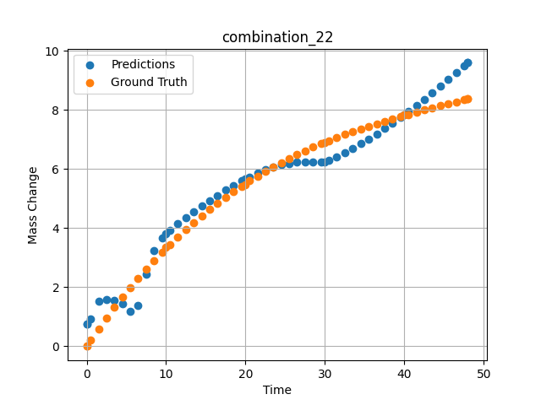
1100 | 0 | 20 | 20 | 20 | 20 | 20 | 0 | 0 | 1.48949 | 0.58439 | 1.5313243866
1100 | 0 | 20 | 20 | 20 | 20 | 20 | 0 | 0 | 2.4985 | 0.9555 | 1.5880389214
1100 | 0 | 20 | 20 | 20 | 20 | 20 | 0 | 0 | 3.50751 | 1.3131 | 1.5658044815
1100 | 0 | 20 | 20 | 20 | 20 | 20 | 0 | 0 | 4.51652 | 1.6575 | 1.4362573624
1100 | 0 | 20 | 20 | 20 | 20 | 20 | 0 | 0 | 5.5015 | 1.98132 | 1.1685791016
1100 | 0 | 20 | 20 | 20 | 20 | 20 | 0 | 0 | 6.48649 | 2.29304 | 1.3903656006
1100 | 0 | 20 | 20 | 20 | 20 | 20 | 0 | 0 | 7.4955 | 2.60028 | 2.4348936081
1100 | 0 | 20 | 20 | 20 | 20 | 20 | 0 | 0 | 8.5045 | 2.89555 | 3.2355604172
1100 | 0 | 20 | 20 | 20 | 20 | 20 | 0 | 0 | 9.51351 | 3.17915 | 3.6629610062
1100 | 0 | 20 | 20 | 20 | 20 | 20 | 0 | 0 | 10.47476 | 3.43876 | 3.9254980087
1100 | 0 | 20 | 20 | 20 | 20 | 20 | 0 | 0 | 11.48348 | 3.7004 | 4.150841713
1100 | 0 | 20 | 20 | 20 | 20 | 20 | 0 | 0 | 12.49249 | 3.95137 | 4.3584699631
1100 | 0 | 20 | 20 | 20 | 20 | 20 | 0 | 0 | 13.5015 | 4.1919 | 4.5579748154
1100 | 0 | 20 | 20 | 20 | 20 | 20 | 0 | 0 | 14.51051 | 4.4223 | 4.7514867783
1100 | 0 | 20 | 20 | 20 | 20 | 20 | 0 | 0 | 15.4955 | 4.63778 | 4.9345521927
1100 | 0 | 20 | 20 | 20 | 20 | 20 | 0 | 0 | 16.48048 | 4.84412 | 5.1110715866
1100 | 0 | 20 | 20 | 20 | 20 | 20 | 0 | 0 | 17.48949 | 5.04642 | 5.2840299606
1100 | 0 | 20 | 20 | 20 | 20 | 20 | 0 | 0 | 18.4985 | 5.23981 | 5.4477014542
1100 | 0 | 20 | 20 | 20 | 20 | 20 | 0 | 0 | 19.50751 | 5.42461 | 5.6005945206
1100 | 0 | 20 | 20 | 20 | 20 | 20 | 0 | 0 | 20.49304 | 5.59708 | 5.7379674911
1100 | 0 | 20 | 20 | 20 | 20 | 20 | 0 | 0 | 21.5015 | 5.76578 | 5.8645734787
1100 | 0 | 20 | 20 | 20 | 20 | 20 | 0 | 0 | 22.48649 | 5.92305 | 5.9729700089
1100 | 0 | 20 | 20 | 20 | 20 | 20 | 0 | 0 | 23.4955 | 6.07691 | 6.0666456223
1100 | 0 | 20 | 20 | 20 | 20 | 20 | 0 | 0 | 24.5045 | 6.22371 | 6.1412725449
1100 | 0 | 20 | 20 | 20 | 20 | 20 | 0 | 0 | 25.51351 | 6.36376 | 6.1958990097
1100 | 0 | 20 | 20 | 20 | 20 | 20 | 0 | 0 | 26.4985 | 6.49429 | 6.2297887802
1100 | 0 | 20 | 20 | 20 | 20 | 20 | 0 | 0 | 27.48348 | 6.61891 | 6.2458715439
1100 | 0 | 20 | 20 | 20 | 20 | 20 | 0 | 0 | 28.49249 | 6.74084 | 6.2475728989
1100 | 0 | 20 | 20 | 20 | 20 | 20 | 0 | 0 | 29.5015 | 6.85724 | 6.2424211502
1100 | 0 | 20 | 20 | 20 | 20 | 20 | 0 | 0 | 30.48731 | 6.96591 | 6.2855806351
1100 | 0 | 20 | 20 | 20 | 20 | 20 | 0 | 0 | 31.4955 | 7.07225 | 6.4078550339
1100 | 0 | 20 | 20 | 20 | 20 | 20 | 0 | 0 | 32.48048 | 7.17165 | 6.5449590683
1100 | 0 | 20 | 20 | 20 | 20 | 20 | 0 | 0 | 33.48949 | 7.26924 | 6.6954183578
1100 | 0 | 20 | 20 | 20 | 20 | 20 | 0 | 0 | 34.4985 | 7.36284 | 6.854798317
1100 | 0 | 20 | 20 | 20 | 20 | 20 | 0 | 0 | 35.50751 | 7.45277 | 7.0220632553
1100 | 0 | 20 | 20 | 20 | 20 | 20 | 0 | 0 | 36.51652 | 7.53932 | 7.1962556839
1100 | 0 | 20 | 20 | 20 | 20 | 20 | 0 | 0 | 37.5015 | 7.62086 | 7.3721990585
1100 | 0 | 20 | 20 | 20 | 20 | 20 | 0 | 0 | 38.48649 | 7.69975 | 7.5548944473
1100 | 0 | 20 | 20 | 20 | 20 | 20 | 0 | 0 | 39.4955 | 7.77816 | 7.7496080399
1100 | 0 | 20 | 20 | 20 | 20 | 20 | 0 | 0 | 40.48157 | 7.8527 | 7.9465074539
1100 | 0 | 20 | 20 | 20 | 20 | 20 | 0 | 0 | 41.51351 | 7.92883 | 8.1587877274
1100 | 0 | 20 | 20 | 20 | 20 | 20 | 0 | 0 | 42.4985 | 8.00001 | 8.3667440414
1100 | 0 | 20 | 20 | 20 | 20 | 20 | 0 | 0 | 43.48348 | 8.07001 | 8.5793066025
1100 | 0 | 20 | 20 | 20 | 20 | 20 | 0 | 0 | 44.49249 | 8.14082 | 8.8013238907
1100 | 0 | 20 | 20 | 20 | 20 | 20 | 0 | 0 | 45.5015 | 8.21101 | 9.0271139145
1100 | 0 | 20 | 20 | 20 | 20 | 20 | 0 | 0 | 46.51616 | 8.28129 | 9.2575483322
1100 | 0 | 20 | 20 | 20 | 20 | 20 | 0 | 0 | 47.4955 | 8.34913 | 9.4828310013
1100 | 0 | 20 | 20 | 20 | 20 | 20 | 0 | 0 | 48 | 8.38416 | 9.5998067856

combination_23
1100.0, 20.0, 0.0, 20.0, 20.0, 20.0, 20.0, 0.0
Temperature [C] | Zr [at%] | Nb [at%] | Mo [at%] | Cr [at%] | Al [at%] | Ti [at%] | Ta [at%] | W [at%] | Time [h] | Mass Change [mg.cm2] | Mass change - predictions
1100 | 0 | 0 | 20 | 20 | 20 | 20 | 20 | 0 | 0 | 0 | 0.048615455627
1100 | 0 | 0 | 20 | 20 | 20 | 20 | 20 | 0 | 10 | 1.5123287671 | 1.2183465958
1100 | 0 | 0 | 20 | 20 | 20 | 20 | 20 | 0 | 20 | 2.0164383562 | 2.6042547226
1100 | 0 | 0 | 20 | 20 | 20 | 20 | 20 | 0 | 30 | 2.4109589041 | 1.0611753464
1100 | 0 | 0 | 20 | 20 | 20 | 20 | 20 | 0 | 40 | 2.7178082192 | 2.7534685135
1100 | 0 | 0 | 20 | 20 | 20 | 20 | 20 | 0 | 48 | 3.002739726 | 4.4413118362
1100 | 0 | 0 | 20 | 20 | 20 | 20 | 20 | 0 | 0 | 0 | 0.048615455627
1100 | 0 | 0 | 20 | 20 | 20 | 20 | 20 | 0 | 0.48048 | 0.11006 | 0.093705177307
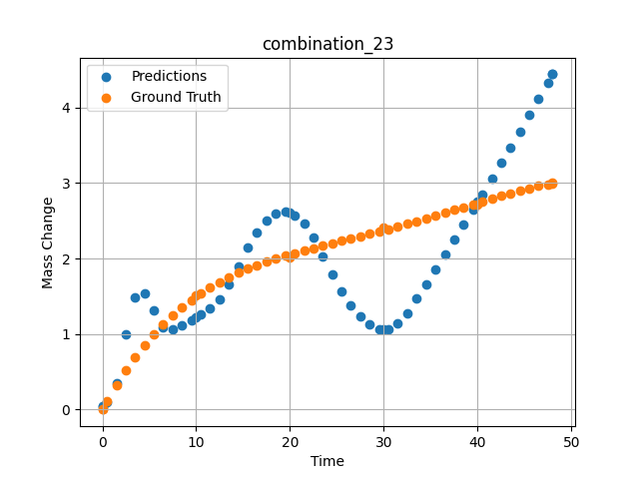
1100 | 0 | 0 | 20 | 20 | 20 | 20 | 20 | 0 | 1.48949 | 0.32168 | 0.35507202148
1100 | 0 | 0 | 20 | 20 | 20 | 20 | 20 | 0 | 2.4985 | 0.51495 | 0.9929265976
1100 | 0 | 0 | 20 | 20 | 20 | 20 | 20 | 0 | 3.50751 | 0.69112 | 1.4873323441
1100 | 0 | 0 | 20 | 20 | 20 | 20 | 20 | 0 | 4.51652 | 0.85139 | 1.5366449356
1100 | 0 | 0 | 20 | 20 | 20 | 20 | 20 | 0 | 5.5015 | 0.99367 | 1.3194875717
1100 | 0 | 0 | 20 | 20 | 20 | 20 | 20 | 0 | 6.48649 | 1.12287 | 1.0898237228
1100 | 0 | 0 | 20 | 20 | 20 | 20 | 20 | 0 | 7.4955 | 1.24285 | 1.0679349899
1100 | 0 | 0 | 20 | 20 | 20 | 20 | 20 | 0 | 8.5045 | 1.3513 | 1.115986824
1100 | 0 | 0 | 20 | 20 | 20 | 20 | 20 | 0 | 9.51351 | 1.44923 | 1.1831712723
1100 | 0 | 0 | 20 | 20 | 20 | 20 | 20 | 0 | 10.47476 | 1.5336 | 1.2544746399
1100 | 0 | 0 | 20 | 20 | 20 | 20 | 20 | 0 | 11.48348 | 1.61366 | 1.3420190811
1100 | 0 | 0 | 20 | 20 | 20 | 20 | 20 | 0 | 12.49249 | 1.68593 | 1.4629011154
1100 | 0 | 0 | 20 | 20 | 20 | 20 | 20 | 0 | 13.5015 | 1.75122 | 1.6540060043
1100 | 0 | 0 | 20 | 20 | 20 | 20 | 20 | 0 | 14.51051 | 1.81031 | 1.8984632492
1100 | 0 | 0 | 20 | 20 | 20 | 20 | 20 | 0 | 15.4955 | 1.86275 | 2.1404180527
1100 | 0 | 0 | 20 | 20 | 20 | 20 | 20 | 0 | 16.48048 | 1.91063 | 2.3491106033
1100 | 0 | 0 | 20 | 20 | 20 | 20 | 20 | 0 | 17.48949 | 1.95565 | 2.5065011978
1100 | 0 | 0 | 20 | 20 | 20 | 20 | 20 | 0 | 18.4985 | 1.99719 | 2.5972261429
1100 | 0 | 0 | 20 | 20 | 20 | 20 | 20 | 0 | 19.50751 | 2.03585 | 2.6188154221
1100 | 0 | 0 | 20 | 20 | 20 | 20 | 20 | 0 | 20.49304 | 2.07132 | 2.5732831955
1100 | 0 | 0 | 20 | 20 | 20 | 20 | 20 | 0 | 21.5015 | 2.1058 | 2.4588193893
1100 | 0 | 0 | 20 | 20 | 20 | 20 | 20 | 0 | 22.48649 | 2.13811 | 2.280081749
1100 | 0 | 0 | 20 | 20 | 20 | 20 | 20 | 0 | 23.4955 | 2.17023 | 2.0312242508
1100 | 0 | 0 | 20 | 20 | 20 | 20 | 20 | 0 | 24.5045 | 2.20173 | 1.7834730148
1100 | 0 | 0 | 20 | 20 | 20 | 20 | 20 | 0 | 25.51604 | 2.23302 | 1.5632448196
1100 | 0 | 0 | 20 | 20 | 20 | 20 | 20 | 0 | 26.4985 | 2.26341 | 1.3808279037
1100 | 0 | 0 | 20 | 20 | 20 | 20 | 20 | 0 | 27.48348 | 2.29411 | 1.233830452
1100 | 0 | 0 | 20 | 20 | 20 | 20 | 20 | 0 | 28.49249 | 2.32601 | 1.1261167526
1100 | 0 | 0 | 20 | 20 | 20 | 20 | 20 | 0 | 29.5015 | 2.35853 | 1.0686006546
1100 | 0 | 0 | 20 | 20 | 20 | 20 | 20 | 0 | 30.48731 | 2.39102 | 1.0687437057
1100 | 0 | 0 | 20 | 20 | 20 | 20 | 20 | 0 | 31.4955 | 2.42505 | 1.1361684799
1100 | 0 | 0 | 20 | 20 | 20 | 20 | 20 | 0 | 32.48048 | 2.45913 | 1.2790842056
1100 | 0 | 0 | 20 | 20 | 20 | 20 | 20 | 0 | 33.48949 | 2.4949 | 1.468911171
1100 | 0 | 0 | 20 | 20 | 20 | 20 | 20 | 0 | 34.4985 | 2.53149 | 1.6620054245
1100 | 0 | 0 | 20 | 20 | 20 | 20 | 20 | 0 | 35.50751 | 2.56882 | 1.8578653336
1100 | 0 | 0 | 20 | 20 | 20 | 20 | 20 | 0 | 36.51652 | 2.60677 | 2.0560750961
1100 | 0 | 0 | 20 | 20 | 20 | 20 | 20 | 0 | 37.5015 | 2.64424 | 2.2515172958
1100 | 0 | 0 | 20 | 20 | 20 | 20 | 20 | 0 | 38.48396 | 2.68184 | 2.4479722977
1100 | 0 | 0 | 20 | 20 | 20 | 20 | 20 | 0 | 39.4955 | 2.72055 | 2.651515007
1100 | 0 | 0 | 20 | 20 | 20 | 20 | 20 | 0 | 40.48157 | 2.758 | 2.8509683609
1100 | 0 | 0 | 20 | 20 | 20 | 20 | 20 | 0 | 41.51351 | 2.79655 | 3.0606069565
1100 | 0 | 0 | 20 | 20 | 20 | 20 | 20 | 0 | 42.4985 | 2.83237 | 3.2636365891
1100 | 0 | 0 | 20 | 20 | 20 | 20 | 20 | 0 | 43.48348 | 2.86684 | 3.4697313309
1100 | 0 | 0 | 20 | 20 | 20 | 20 | 20 | 0 | 44.49249 | 2.9003 | 3.6835165024
1100 | 0 | 0 | 20 | 20 | 20 | 20 | 20 | 0 | 45.5015 | 2.9314 | 3.8995637894
1100 | 0 | 0 | 20 | 20 | 20 | 20 | 20 | 0 | 46.51051 | 2.9596 | 4.1173963547
1100 | 0 | 0 | 20 | 20 | 20 | 20 | 20 | 0 | 47.4955 | 2.98377 | 4.3313589096
1100 | 0 | 0 | 20 | 20 | 20 | 20 | 20 | 0 | 48 | 2.99484 | 4.4413042068

combination_24
1000.0, 20.0, 0.0, 20.0, 20.0, 20.0, 20.0, 20.0
Temperature [C] | Zr [at%] | Nb [at%] | Mo [at%] | Cr [at%] | Al [at%] | Ti [at%] | Ta [at%] | W [at%] | Time [h] | Mass Change [mg.cm2] | Mass change - predictions
1000 | 0 | 0 | 20 | 20 | 20 | 20 | 20 | 20 | 0 | 0 | 1.2532777786
1000 | 0 | 0 | 20 | 20 | 20 | 20 | 20 | 20 | 5 | 4.2 | 3.2764959335
1000 | 0 | 0 | 20 | 20 | 20 | 20 | 20 | 20 | 10 | 5.3 | 4.9740953445
1000 | 0 | 0 | 20 | 20 | 20 | 20 | 20 | 20 | 15 | 6 | 6.1222448349
1000 | 0 | 0 | 20 | 20 | 20 | 20 | 20 | 20 | 20 | 6.4 | 7.0865030289
1000 | 0 | 0 | 20 | 20 | 20 | 20 | 20 | 20 | 25 | 6.8 | 7.8991174698
1000 | 0 | 0 | 20 | 20 | 20 | 20 | 20 | 20 | 30 | 7.2 | 8.4066705704
1000 | 0 | 0 | 20 | 20 | 20 | 20 | 20 | 20 | 35 | 7.6 | 8.2906179428
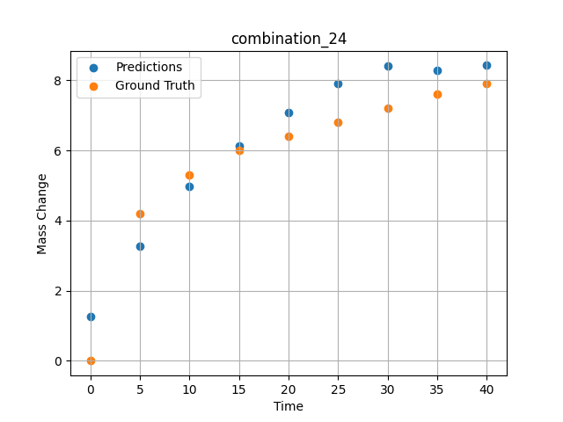
1000 | 0 | 0 | 20 | 20 | 20 | 20 | 20 | 20 | 40 | 7.9 | 8.4255962372

combination_25
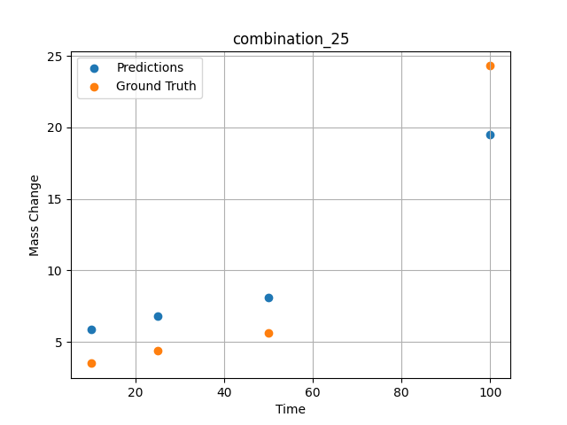
1000.0, 0.0, 0.0, 32.0, 32.0, 32.0, 4.0, 0.0
Temperature [C] | Zr [at%] | Nb [at%] | Mo [at%] | Cr [at%] | Al [at%] | Ti [at%] | Ta [at%] | W [at%] | Time [h] | Mass Change [mg.cm2] | Mass change - predictions
1000 | 0 | 0 | 0 | 32 | 4 | 32 | 32 | 0 | 100 | 24.3 | 19.509799957
1000 | 0 | 0 | 0 | 32 | 4 | 32 | 32 | 0 | 50 | 5.6 | 8.1319608688
1000 | 0 | 0 | 0 | 32 | 4 | 32 | 32 | 0 | 25 | 4.4 | 6.8313436508
1000 | 0 | 0 | 0 | 32 | 4 | 32 | 32 | 0 | 10 | 3.5 | 5.8885278702

combination_26
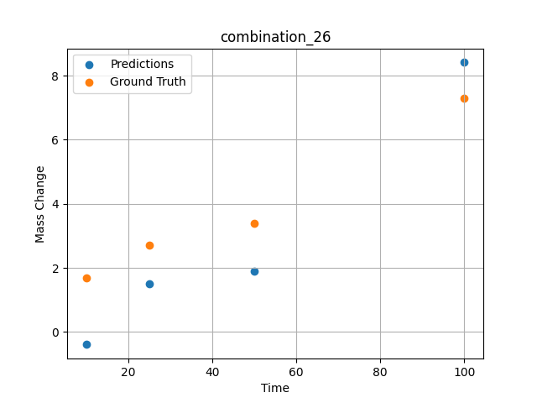
1000.0, 0.0, 0.0, 31.0, 31.0, 31.0, 9.0, 0.0
Temperature [C] | Zr [at%] | Nb [at%] | Mo [at%] | Cr [at%] | Al [at%] | Ti [at%] | Ta [at%] | W [at%] | Time [h] | Mass Change [mg.cm2] | Mass change - predictions
1000 | 0 | 0 | 0 | 31 | 9 | 31 | 31 | 0 | 100 | 7.3 | 8.410826683
1000 | 0 | 0 | 0 | 31 | 9 | 31 | 31 | 0 | 50 | 3.4 | 1.8898305893
1000 | 0 | 0 | 0 | 31 | 9 | 31 | 31 | 0 | 25 | 2.7 | 1.4989538193
1000 | 0 | 0 | 0 | 31 | 9 | 31 | 31 | 0 | 10 | 1.7 | -0.39348888397

combination_27
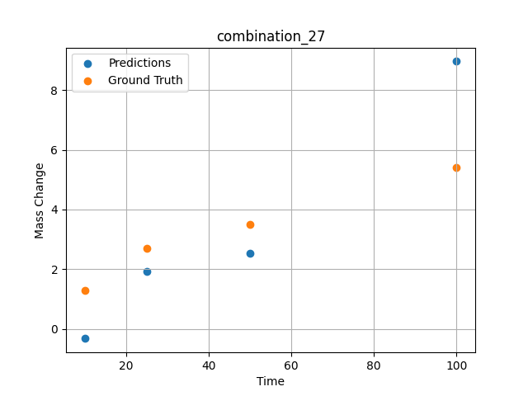
1000.0, 0.0, 0.0, 30.0, 30.0, 30.0, 10.0, 0.0
Temperature [C] | Zr [at%] | Nb [at%] | Mo [at%] | Cr [at%] | Al [at%] | Ti [at%] | Ta [at%] | W [at%] | Time [h] | Mass Change [mg.cm2] | Mass change - predictions
1000 | 0 | 0 | 0 | 30 | 10 | 30 | 30 | 0 | 100 | 5.4 | 8.9600095749
1000 | 0 | 0 | 0 | 30 | 10 | 30 | 30 | 0 | 50 | 3.5 | 2.5416612625
1000 | 0 | 0 | 0 | 30 | 10 | 30 | 30 | 0 | 25 | 2.7 | 1.9389448166
1000 | 0 | 0 | 0 | 30 | 10 | 30 | 30 | 0 | 10 | 1.3 | -0.32172870636

combination_28
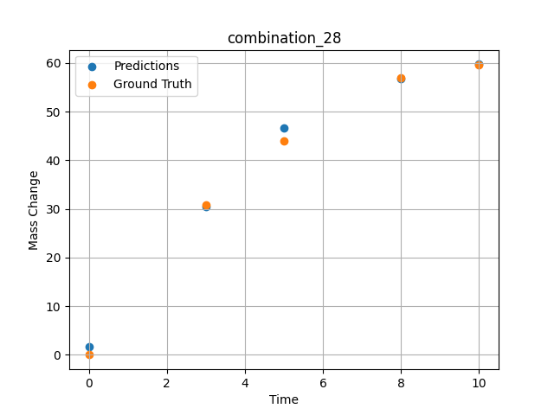
1000.0, 25.0, 25.0, 25.0, 0.0, 0.0, 0.0, 25.0
Temperature [C] | Zr [at%] | Nb [at%] | Mo [at%] | Cr [at%] | Al [at%] | Ti [at%] | Ta [at%] | W [at%] | Time [h] | Mass Change [mg.cm2] | Mass change - predictions
1000 | 0 | 25 | 25 | 0 | 0 | 0 | 25 | 25 | 0 | 0 | 1.6560864449
1000 | 0 | 25 | 25 | 0 | 0 | 0 | 25 | 25 | 3 | 30.8 | 30.522464752
1000 | 0 | 25 | 25 | 0 | 0 | 0 | 25 | 25 | 5 | 44 | 46.573886871
1000 | 0 | 25 | 25 | 0 | 0 | 0 | 25 | 25 | 8 | 57 | 56.691242218
1000 | 0 | 25 | 25 | 0 | 0 | 0 | 25 | 25 | 10 | 59.7 | 59.730667114

combination_29
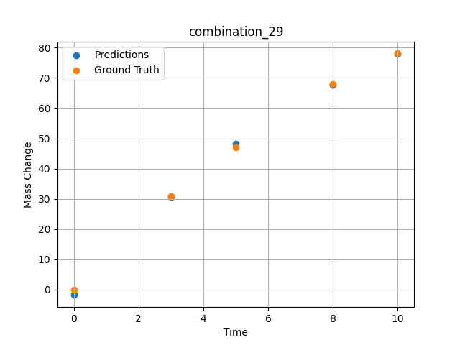
1000.0, 20.0, 20.0, 20.0, 20.0, 0.0, 0.0, 20.0
Temperature [C] | Zr [at%] | Nb [at%] | Mo [at%] | Cr [at%] | Al [at%] | Ti [at%] | Ta [at%] | W [at%] | Time [h] | Mass Change [mg.cm2] | Mass change - predictions
1000 | 0 | 20 | 20 | 0 | 0 | 20 | 20 | 20 | 0 | 0 | -1.84461689
1000 | 0 | 20 | 20 | 0 | 0 | 20 | 20 | 20 | 3 | 30.8 | 30.54434967
1000 | 0 | 20 | 20 | 0 | 0 | 20 | 20 | 20 | 5 | 47.1 | 48.267040253
1000 | 0 | 20 | 20 | 0 | 0 | 20 | 20 | 20 | 8 | 67.9 | 67.77306366
1000 | 0 | 20 | 20 | 0 | 0 | 20 | 20 | 20 | 10 | 78.1 | 77.9559021

combination_30
1000.0, 10.0, 21.8, 11.9, 19.4, 18.4, 0.0, 0.0
Temperature [C] | Zr [at%] | Nb [at%] | Mo [at%] | Cr [at%] | Al [at%] | Ti [at%] | Ta [at%] | W [at%] | Time [h] | Mass Change [mg.cm2] | Mass change - predictions
1000 | 18.5 | 21.8 | 10 | 18.4 | 0 | 19.4 | 11.9 | 0 | 100 | 119 | 118.60591125
1000 | 18.5 | 21.8 | 10 | 18.4 | 0 | 19.4 | 11.9 | 0 | 24 | 50 | 52.546337128
1000 | 18.5 | 21.8 | 10 | 18.4 | 0 | 19.4 | 11.9 | 0 | 4 | 22 | 17.972709656
1000 | 18.5 | 21.8 | 10 | 18.4 | 0 | 19.4 | 11.9 | 0 | 2 | 15 | 12.856045723
1000 | 18.5 | 21.8 | 10 | 18.4 | 0 | 19.4 | 11.9 | 0 | 1 | 10 | 10.243127823
1000 | 18.5 | 21.8 | 10 | 18.4 | 0 | 19.4 | 11.9 | 0 | 0 | 0 | 8.0587854385
1000 | 18.5 | 21.8 | 10 | 18.4 | 0 | 19.4 | 11.9 | 0 | 0.45045 | 7.87724 | 9.0197868347
1000 | 18.5 | 21.8 | 10 | 18.4 | 0 | 19.4 | 11.9 | 0 | 1.45145 | 10.49835 | 11.347690582
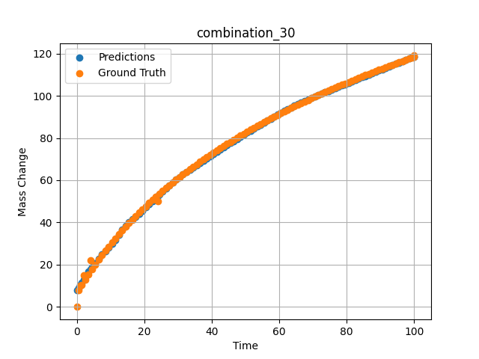
1000 | 18.5 | 21.8 | 10 | 18.4 | 0 | 19.4 | 11.9 | 0 | 2.45245 | 13.02627 | 14.223805428
1000 | 18.5 | 21.8 | 10 | 18.4 | 0 | 19.4 | 11.9 | 0 | 3.45345 | 15.46739 | 16.800445557
1000 | 18.5 | 21.8 | 10 | 18.4 | 0 | 19.4 | 11.9 | 0 | 4.45445 | 17.82748 | 18.842144012
1000 | 18.5 | 21.8 | 10 | 18.4 | 0 | 19.4 | 11.9 | 0 | 5.45546 | 20.11174 | 20.658344269
1000 | 18.5 | 21.8 | 10 | 18.4 | 0 | 19.4 | 11.9 | 0 | 6.45646 | 22.32489 | 22.917793274
1000 | 18.5 | 21.8 | 10 | 18.4 | 0 | 19.4 | 11.9 | 0 | 7.45746 | 24.47124 | 24.834316254
1000 | 18.5 | 21.8 | 10 | 18.4 | 0 | 19.4 | 11.9 | 0 | 8.45846 | 26.55469 | 26.397014618
1000 | 18.5 | 21.8 | 10 | 18.4 | 0 | 19.4 | 11.9 | 0 | 9.45946 | 28.57883 | 27.967201233
1000 | 18.5 | 21.8 | 10 | 18.4 | 0 | 19.4 | 11.9 | 0 | 10.46046 | 30.54693 | 29.72448349
1000 | 18.5 | 21.8 | 10 | 18.4 | 0 | 19.4 | 11.9 | 0 | 11.46146 | 32.46203 | 31.775535583
1000 | 18.5 | 21.8 | 10 | 18.4 | 0 | 19.4 | 11.9 | 0 | 12.46246 | 34.3269 | 34.19739151
1000 | 18.5 | 21.8 | 10 | 18.4 | 0 | 19.4 | 11.9 | 0 | 13.46346 | 36.14411 | 36.527816772
1000 | 18.5 | 21.8 | 10 | 18.4 | 0 | 19.4 | 11.9 | 0 | 14.46446 | 37.91603 | 38.42118454
1000 | 18.5 | 21.8 | 10 | 18.4 | 0 | 19.4 | 11.9 | 0 | 15.46547 | 39.64487 | 40.024703979
1000 | 18.5 | 21.8 | 10 | 18.4 | 0 | 19.4 | 11.9 | 0 | 16.46647 | 41.33267 | 41.459739685
1000 | 18.5 | 21.8 | 10 | 18.4 | 0 | 19.4 | 11.9 | 0 | 17.46747 | 42.98133 | 42.817783356
1000 | 18.5 | 21.8 | 10 | 18.4 | 0 | 19.4 | 11.9 | 0 | 18.46847 | 44.59264 | 44.171749115
1000 | 18.5 | 21.8 | 10 | 18.4 | 0 | 19.4 | 11.9 | 0 | 19.46947 | 46.16824 | 45.583614349
1000 | 18.5 | 21.8 | 10 | 18.4 | 0 | 19.4 | 11.9 | 0 | 20.47047 | 47.70968 | 47.110313416
1000 | 18.5 | 21.8 | 10 | 18.4 | 0 | 19.4 | 11.9 | 0 | 21.47147 | 49.21842 | 48.695453644
1000 | 18.5 | 21.8 | 10 | 18.4 | 0 | 19.4 | 11.9 | 0 | 22.47247 | 50.6958 | 50.24438858
1000 | 18.5 | 21.8 | 10 | 18.4 | 0 | 19.4 | 11.9 | 0 | 23.47347 | 52.14312 | 51.760925293
1000 | 18.5 | 21.8 | 10 | 18.4 | 0 | 19.4 | 11.9 | 0 | 24.47447 | 53.56157 | 53.247089386
1000 | 18.5 | 21.8 | 10 | 18.4 | 0 | 19.4 | 11.9 | 0 | 25.47548 | 54.95227 | 54.703651428
1000 | 18.5 | 21.8 | 10 | 18.4 | 0 | 19.4 | 11.9 | 0 | 26.47648 | 56.31629 | 56.13004303
1000 | 18.5 | 21.8 | 10 | 18.4 | 0 | 19.4 | 11.9 | 0 | 27.47748 | 57.65464 | 57.524623871
1000 | 18.5 | 21.8 | 10 | 18.4 | 0 | 19.4 | 11.9 | 0 | 28.47848 | 58.96827 | 58.884864807
1000 | 18.5 | 21.8 | 10 | 18.4 | 0 | 19.4 | 11.9 | 0 | 29.47948 | 60.25807 | 60.207176208
1000 | 18.5 | 21.8 | 10 | 18.4 | 0 | 19.4 | 11.9 | 0 | 30.48048 | 61.52489 | 61.486980438
1000 | 18.5 | 21.8 | 10 | 18.4 | 0 | 19.4 | 11.9 | 0 | 31.48148 | 62.76953 | 62.718677521
1000 | 18.5 | 21.8 | 10 | 18.4 | 0 | 19.4 | 11.9 | 0 | 32.48248 | 63.99277 | 63.889633179
1000 | 18.5 | 21.8 | 10 | 18.4 | 0 | 19.4 | 11.9 | 0 | 33.48348 | 65.19531 | 65.008003235
1000 | 18.5 | 21.8 | 10 | 18.4 | 0 | 19.4 | 11.9 | 0 | 34.48448 | 66.37786 | 66.111579895
1000 | 18.5 | 21.8 | 10 | 18.4 | 0 | 19.4 | 11.9 | 0 | 35.48549 | 67.54107 | 67.202255249
1000 | 18.5 | 21.8 | 10 | 18.4 | 0 | 19.4 | 11.9 | 0 | 36.48649 | 68.68555 | 68.2811203
1000 | 18.5 | 21.8 | 10 | 18.4 | 0 | 19.4 | 11.9 | 0 | 37.48749 | 69.8119 | 69.349098206
1000 | 18.5 | 21.8 | 10 | 18.4 | 0 | 19.4 | 11.9 | 0 | 38.48849 | 70.92069 | 70.407089233
1000 | 18.5 | 21.8 | 10 | 18.4 | 0 | 19.4 | 11.9 | 0 | 39.48949 | 72.01245 | 71.455863953
1000 | 18.5 | 21.8 | 10 | 18.4 | 0 | 19.4 | 11.9 | 0 | 40.49049 | 73.08771 | 72.496101379
1000 | 18.5 | 21.8 | 10 | 18.4 | 0 | 19.4 | 11.9 | 0 | 41.49149 | 74.14695 | 73.528373718
1000 | 18.5 | 21.8 | 10 | 18.4 | 0 | 19.4 | 11.9 | 0 | 42.49249 | 75.19064 | 74.553215027
1000 | 18.5 | 21.8 | 10 | 18.4 | 0 | 19.4 | 11.9 | 0 | 43.49349 | 76.21923 | 75.571144104
1000 | 18.5 | 21.8 | 10 | 18.4 | 0 | 19.4 | 11.9 | 0 | 44.49449 | 77.23316 | 76.582504272
1000 | 18.5 | 21.8 | 10 | 18.4 | 0 | 19.4 | 11.9 | 0 | 45.4955 | 78.23283 | 77.587684631
1000 | 18.5 | 21.8 | 10 | 18.4 | 0 | 19.4 | 11.9 | 0 | 46.4965 | 79.21865 | 78.586921692
1000 | 18.5 | 21.8 | 10 | 18.4 | 0 | 19.4 | 11.9 | 0 | 47.4975 | 80.19098 | 79.580406189
1000 | 18.5 | 21.8 | 10 | 18.4 | 0 | 19.4 | 11.9 | 0 | 48.4985 | 81.1502 | 80.568328857
1000 | 18.5 | 21.8 | 10 | 18.4 | 0 | 19.4 | 11.9 | 0 | 49.4995 | 82.09665 | 81.550697327
1000 | 18.5 | 21.8 | 10 | 18.4 | 0 | 19.4 | 11.9 | 0 | 50.5005 | 83.03067 | 82.527626038
1000 | 18.5 | 21.8 | 10 | 18.4 | 0 | 19.4 | 11.9 | 0 | 51.5015 | 83.95258 | 83.498931885
1000 | 18.5 | 21.8 | 10 | 18.4 | 0 | 19.4 | 11.9 | 0 | 52.5025 | 84.86269 | 84.464447021
1000 | 18.5 | 21.8 | 10 | 18.4 | 0 | 19.4 | 11.9 | 0 | 53.5035 | 85.76129 | 85.423988342
1000 | 18.5 | 21.8 | 10 | 18.4 | 0 | 19.4 | 11.9 | 0 | 54.5045 | 86.64869 | 86.377174377
1000 | 18.5 | 21.8 | 10 | 18.4 | 0 | 19.4 | 11.9 | 0 | 55.50551 | 87.52515 | 87.323410034
1000 | 18.5 | 21.8 | 10 | 18.4 | 0 | 19.4 | 11.9 | 0 | 56.50651 | 88.39093 | 88.262138367
1000 | 18.5 | 21.8 | 10 | 18.4 | 0 | 19.4 | 11.9 | 0 | 57.50751 | 89.2463 | 89.192481995
1000 | 18.5 | 21.8 | 10 | 18.4 | 0 | 19.4 | 11.9 | 0 | 58.50851 | 90.0915 | 90.113517761
1000 | 18.5 | 21.8 | 10 | 18.4 | 0 | 19.4 | 11.9 | 0 | 59.50951 | 90.92678 | 91.024009705
1000 | 18.5 | 21.8 | 10 | 18.4 | 0 | 19.4 | 11.9 | 0 | 60.51051 | 91.75236 | 91.922454834
1000 | 18.5 | 21.8 | 10 | 18.4 | 0 | 19.4 | 11.9 | 0 | 61.51151 | 92.56846 | 92.807037354
1000 | 18.5 | 21.8 | 10 | 18.4 | 0 | 19.4 | 11.9 | 0 | 62.51251 | 93.3753 | 93.675704956
1000 | 18.5 | 21.8 | 10 | 18.4 | 0 | 19.4 | 11.9 | 0 | 63.51351 | 94.17309 | 94.525802612
1000 | 18.5 | 21.8 | 10 | 18.4 | 0 | 19.4 | 11.9 | 0 | 64.51451 | 94.96203 | 95.35433197
1000 | 18.5 | 21.8 | 10 | 18.4 | 0 | 19.4 | 11.9 | 0 | 65.51552 | 95.74232 | 96.157608032
1000 | 18.5 | 21.8 | 10 | 18.4 | 0 | 19.4 | 11.9 | 0 | 66.51652 | 96.51413 | 96.931396484
1000 | 18.5 | 21.8 | 10 | 18.4 | 0 | 19.4 | 11.9 | 0 | 67.51752 | 97.27766 | 97.670433044
1000 | 18.5 | 21.8 | 10 | 18.4 | 0 | 19.4 | 11.9 | 0 | 68.51852 | 98.03307 | 98.368743896
1000 | 18.5 | 21.8 | 10 | 18.4 | 0 | 19.4 | 11.9 | 0 | 69.51952 | 98.78054 | 99.024612427
1000 | 18.5 | 21.8 | 10 | 18.4 | 0 | 19.4 | 11.9 | 0 | 70.52052 | 99.52024 | 99.672492981
1000 | 18.5 | 21.8 | 10 | 18.4 | 0 | 19.4 | 11.9 | 0 | 71.52152 | 100.25233 | 100.3197403
1000 | 18.5 | 21.8 | 10 | 18.4 | 0 | 19.4 | 11.9 | 0 | 72.52252 | 100.97695 | 100.96638489
1000 | 18.5 | 21.8 | 10 | 18.4 | 0 | 19.4 | 11.9 | 0 | 73.52352 | 101.69426 | 101.61251068
1000 | 18.5 | 21.8 | 10 | 18.4 | 0 | 19.4 | 11.9 | 0 | 74.52452 | 102.40441 | 102.25819397
1000 | 18.5 | 21.8 | 10 | 18.4 | 0 | 19.4 | 11.9 | 0 | 75.52553 | 103.10754 | 102.90339661
1000 | 18.5 | 21.8 | 10 | 18.4 | 0 | 19.4 | 11.9 | 0 | 76.52653 | 103.80378 | 103.54817963
1000 | 18.5 | 21.8 | 10 | 18.4 | 0 | 19.4 | 11.9 | 0 | 77.52753 | 104.49327 | 104.19263458
1000 | 18.5 | 21.8 | 10 | 18.4 | 0 | 19.4 | 11.9 | 0 | 78.52853 | 105.17615 | 104.83672333
1000 | 18.5 | 21.8 | 10 | 18.4 | 0 | 19.4 | 11.9 | 0 | 79.52953 | 105.85252 | 105.48044586
1000 | 18.5 | 21.8 | 10 | 18.4 | 0 | 19.4 | 11.9 | 0 | 80.53053 | 106.52252 | 106.12392426
1000 | 18.5 | 21.8 | 10 | 18.4 | 0 | 19.4 | 11.9 | 0 | 81.53153 | 107.18627 | 106.76712799
1000 | 18.5 | 21.8 | 10 | 18.4 | 0 | 19.4 | 11.9 | 0 | 82.53253 | 107.84388 | 107.41003418
1000 | 18.5 | 21.8 | 10 | 18.4 | 0 | 19.4 | 11.9 | 0 | 83.53353 | 108.49547 | 108.05278015
1000 | 18.5 | 21.8 | 10 | 18.4 | 0 | 19.4 | 11.9 | 0 | 84.53453 | 109.14114 | 108.69530487
1000 | 18.5 | 21.8 | 10 | 18.4 | 0 | 19.4 | 11.9 | 0 | 85.53554 | 109.781 | 109.33760834
1000 | 18.5 | 21.8 | 10 | 18.4 | 0 | 19.4 | 11.9 | 0 | 86.53654 | 110.41515 | 109.97980499
1000 | 18.5 | 21.8 | 10 | 18.4 | 0 | 19.4 | 11.9 | 0 | 87.53754 | 111.04369 | 110.62177277
1000 | 18.5 | 21.8 | 10 | 18.4 | 0 | 19.4 | 11.9 | 0 | 88.53854 | 111.66673 | 111.26361847
1000 | 18.5 | 21.8 | 10 | 18.4 | 0 | 19.4 | 11.9 | 0 | 89.53954 | 112.28436 | 111.90536499
1000 | 18.5 | 21.8 | 10 | 18.4 | 0 | 19.4 | 11.9 | 0 | 90.54054 | 112.89667 | 112.54694366
1000 | 18.5 | 21.8 | 10 | 18.4 | 0 | 19.4 | 11.9 | 0 | 91.54154 | 113.50376 | 113.18846893
1000 | 18.5 | 21.8 | 10 | 18.4 | 0 | 19.4 | 11.9 | 0 | 92.54254 | 114.1057 | 113.82985687
1000 | 18.5 | 21.8 | 10 | 18.4 | 0 | 19.4 | 11.9 | 0 | 93.54354 | 114.70259 | 114.47115326
1000 | 18.5 | 21.8 | 10 | 18.4 | 0 | 19.4 | 11.9 | 0 | 94.54454 | 115.29451 | 115.11236572
1000 | 18.5 | 21.8 | 10 | 18.4 | 0 | 19.4 | 11.9 | 0 | 95.54555 | 115.88155 | 115.75350189
1000 | 18.5 | 21.8 | 10 | 18.4 | 0 | 19.4 | 11.9 | 0 | 96.54655 | 116.46378 | 116.39461517
1000 | 18.5 | 21.8 | 10 | 18.4 | 0 | 19.4 | 11.9 | 0 | 97.54755 | 117.04128 | 117.03564453
1000 | 18.5 | 21.8 | 10 | 18.4 | 0 | 19.4 | 11.9 | 0 | 98.54855 | 117.61413 | 117.67660522
1000 | 18.5 | 21.8 | 10 | 18.4 | 0 | 19.4 | 11.9 | 0 | 99.4995 | 118.15413 | 118.28544617
1000 | 18.5 | 21.8 | 10 | 18.4 | 0 | 19.4 | 11.9 | 0 | 100 | 118.43683 | 118.60590363

combination_31
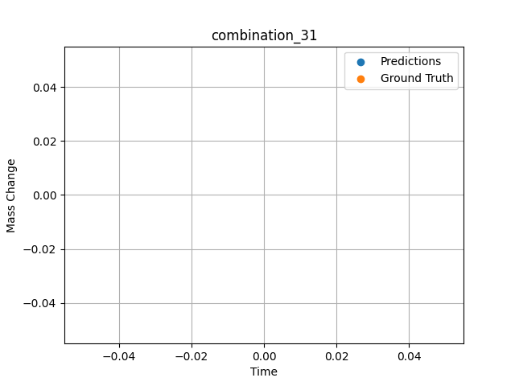
1300.0, 20.0, 21.8, 0.0, 23.5, 24.7, 10.0, 0.0
Temperature [C] | Zr [at%] | Nb [at%] | Mo [at%] | Cr [at%] | Al [at%] | Ti [at%] | Ta [at%] | W [at%] | Time [h] | Mass Change [mg.cm2] | Mass change - predictions
1300 | 0 | 21.8 | 20 | 24.7 | 10 | 23.5 | 0 | 0 | 20 | 150,0

combination_32

1300.0, 22.2, 22.5, 0.0, 0.0, 23.0, 10.2, 0.0
Temperature [C] | Zr [at%] | Nb [at%] | Mo [at%] | Cr [at%] | Al [at%] | Ti [at%] | Ta [at%] | W [at%] | Time [h] | Mass Change [mg.cm2] | Mass change - predictions
1300 | 0 | 22.5 | 22.2 | 23 | 10.2 | 0 | 0 | 0 | 20 | 350,0

combination_33

1300.0, 17.1, 17.7, 0.0, 18.3, 17.0, 7.0, 0.0
Temperature [C] | Zr [at%] | Nb [at%] | Mo [at%] | Cr [at%] | Al [at%] | Ti [at%] | Ta [at%] | W [at%] | Time [h] | Mass Change [mg.cm2] | Mass change - predictions
1300 | 0 | 17.7 | 17.1 | 17 | 7 | 18.3 | 0 | 0 | 20 | 185,0

combination_34
1200.0, 25.0, 0.0, 0.0, 25.0, 25.0, 25.0, 0.0
Temperature [C] | Zr [at%] | Nb [at%] | Mo [at%] | Cr [at%] | Al [at%] | Ti [at%] | Ta [at%] | W [at%] | Time [h] | Mass Change [mg.cm2] | Mass change - predictions
1200 | 0 | 0 | 25 | 25 | 25 | 25 | 0 | 0 | 0 | 0 | 1.2059268951
1200 | 0 | 0 | 25 | 25 | 25 | 25 | 0 | 0 | 0.04806 | 0.46193 | 1.2271327972
1200 | 0 | 0 | 25 | 25 | 25 | 25 | 0 | 0 | 0.1539 | 1.06217 | 1.2768678665
1200 | 0 | 0 | 25 | 25 | 25 | 25 | 0 | 0 | 0.25013 | 1.42047 | 1.325879097
1200 | 0 | 0 | 25 | 25 | 25 | 25 | 0 | 0 | 0.34637 | 1.88297 | 1.3787403107
1200 | 0 | 0 | 25 | 25 | 25 | 25 | 0 | 0 | 0.44263 | 2.2825 | 1.4356842041
1200 | 0 | 0 | 25 | 25 | 25 | 25 | 0 | 0 | 0.54853 | 2.46396 | 1.5033979416
1200 | 0 | 0 | 25 | 25 | 25 | 25 | 0 | 0 | 0.65447 | 2.55947 | 1.5767736435
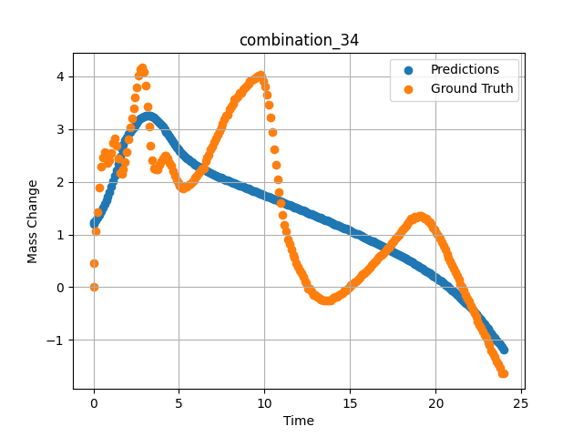
1200 | 0 | 0 | 25 | 25 | 25 | 25 | 0 | 0 | 0.7507 | 2.47177 | 1.648645401
1200 | 0 | 0 | 25 | 25 | 25 | 25 | 0 | 0 | 0.8469 | 2.3657 | 1.7257928848
1200 | 0 | 0 | 25 | 25 | 25 | 25 | 0 | 0 | 0.94313 | 2.4103 | 1.8086252213
1200 | 0 | 0 | 25 | 25 | 25 | 25 | 0 | 0 | 1.049 | 2.5486 | 1.9066753387
1200 | 0 | 0 | 25 | 25 | 25 | 25 | 0 | 0 | 1.15483 | 2.73263 | 2.0124912262
1200 | 0 | 0 | 25 | 25 | 25 | 25 | 0 | 0 | 1.25113 | 2.81733 | 2.1159768105
1200 | 0 | 0 | 25 | 25 | 25 | 25 | 0 | 0 | 1.34743 | 2.68503 | 2.2268123627
1200 | 0 | 0 | 25 | 25 | 25 | 25 | 0 | 0 | 1.44367 | 2.43579 | 2.3453407288
1200 | 0 | 0 | 25 | 25 | 25 | 25 | 0 | 0 | 1.5495 | 2.16069 | 2.4851260185
1200 | 0 | 0 | 25 | 25 | 25 | 25 | 0 | 0 | 1.65537 | 2.14757 | 2.6124448776
1200 | 0 | 0 | 25 | 25 | 25 | 25 | 0 | 0 | 1.75163 | 2.24427 | 2.70652771
1200 | 0 | 0 | 25 | 25 | 25 | 25 | 0 | 0 | 1.84787 | 2.37545 | 2.7836270332
1200 | 0 | 0 | 25 | 25 | 25 | 25 | 0 | 0 | 1.9442 | 2.56359 | 2.8470993042
1200 | 0 | 0 | 25 | 25 | 25 | 25 | 0 | 0 | 2.05008 | 2.80846 | 2.9047651291
1200 | 0 | 0 | 25 | 25 | 25 | 25 | 0 | 0 | 2.156 | 3.02571 | 2.9534401894
1200 | 0 | 0 | 25 | 25 | 25 | 25 | 0 | 0 | 2.2523 | 3.21236 | 2.9929256439
1200 | 0 | 0 | 25 | 25 | 25 | 25 | 0 | 0 | 2.34863 | 3.40163 | 3.030500412
1200 | 0 | 0 | 25 | 25 | 25 | 25 | 0 | 0 | 2.44487 | 3.59653 | 3.0685653687
1200 | 0 | 0 | 25 | 25 | 25 | 25 | 0 | 0 | 2.55075 | 3.79323 | 3.1138567924
1200 | 0 | 0 | 25 | 25 | 25 | 25 | 0 | 0 | 2.65663 | 4.0148 | 3.1635289192
1200 | 0 | 0 | 25 | 25 | 25 | 25 | 0 | 0 | 2.75287 | 4.13773 | 3.2006707191
1200 | 0 | 0 | 25 | 25 | 25 | 25 | 0 | 0 | 2.8492 | 4.16546 | 3.228325367
1200 | 0 | 0 | 25 | 25 | 25 | 25 | 0 | 0 | 2.94553 | 4.08451 | 3.2473707199
1200 | 0 | 0 | 25 | 25 | 25 | 25 | 0 | 0 | 3.0515 | 3.83321 | 3.2593107224
1200 | 0 | 0 | 25 | 25 | 25 | 25 | 0 | 0 | 3.1574 | 3.42375 | 3.2626886368
1200 | 0 | 0 | 25 | 25 | 25 | 25 | 0 | 0 | 3.25363 | 3.0512 | 3.2590875626
1200 | 0 | 0 | 25 | 25 | 25 | 25 | 0 | 0 | 3.34997 | 2.68353 | 3.2496652603
1200 | 0 | 0 | 25 | 25 | 25 | 25 | 0 | 0 | 3.44633 | 2.41667 | 3.2349567413
1200 | 0 | 0 | 25 | 25 | 25 | 25 | 0 | 0 | 3.5427 | 2.26188 | 3.2153921127
1200 | 0 | 0 | 25 | 25 | 25 | 25 | 0 | 0 | 3.64864 | 2.22815 | 3.188782692
1200 | 0 | 0 | 25 | 25 | 25 | 25 | 0 | 0 | 3.75453 | 2.22928 | 3.1572647095
1200 | 0 | 0 | 25 | 25 | 25 | 25 | 0 | 0 | 3.85087 | 2.32822 | 3.1246995926
1200 | 0 | 0 | 25 | 25 | 25 | 25 | 0 | 0 | 3.9472 | 2.39831 | 3.0887126923
1200 | 0 | 0 | 25 | 25 | 25 | 25 | 0 | 0 | 4.04353 | 2.44928 | 3.0495691299
1200 | 0 | 0 | 25 | 25 | 25 | 25 | 0 | 0 | 4.14947 | 2.49176 | 3.0030946732
1200 | 0 | 0 | 25 | 25 | 25 | 25 | 0 | 0 | 4.25543 | 2.49501 | 2.9533262253
1200 | 0 | 0 | 25 | 25 | 25 | 25 | 0 | 0 | 4.35177 | 2.44403 | 2.9053564072
1200 | 0 | 0 | 25 | 25 | 25 | 25 | 0 | 0 | 4.4482 | 2.35596 | 2.854968071
1200 | 0 | 0 | 25 | 25 | 25 | 25 | 0 | 0 | 4.5445 | 2.29749 | 2.8029222488
1200 | 0 | 0 | 25 | 25 | 25 | 25 | 0 | 0 | 4.65047 | 2.20941 | 2.7489175797
1200 | 0 | 0 | 25 | 25 | 25 | 25 | 0 | 0 | 4.75637 | 2.10972 | 2.6991853714
1200 | 0 | 0 | 25 | 25 | 25 | 25 | 0 | 0 | 4.8527 | 2.03551 | 2.6573820114
1200 | 0 | 0 | 25 | 25 | 25 | 25 | 0 | 0 | 4.94897 | 1.97891 | 2.6185045242
1200 | 0 | 0 | 25 | 25 | 25 | 25 | 0 | 0 | 5.0453 | 1.92719 | 2.5822229385
1200 | 0 | 0 | 25 | 25 | 25 | 25 | 0 | 0 | 5.15128 | 1.88834 | 2.5449361801
1200 | 0 | 0 | 25 | 25 | 25 | 25 | 0 | 0 | 5.25713 | 1.88072 | 2.5101099014
1200 | 0 | 0 | 25 | 25 | 25 | 25 | 0 | 0 | 5.35347 | 1.90133 | 2.4802007675
1200 | 0 | 0 | 25 | 25 | 25 | 25 | 0 | 0 | 5.44977 | 1.91333 | 2.451716423
1200 | 0 | 0 | 25 | 25 | 25 | 25 | 0 | 0 | 5.54607 | 1.94069 | 2.4244623184
1200 | 0 | 0 | 25 | 25 | 25 | 25 | 0 | 0 | 5.64247 | 1.9598 | 2.3985261917
1200 | 0 | 0 | 25 | 25 | 25 | 25 | 0 | 0 | 5.74842 | 1.99484 | 2.3718109131
1200 | 0 | 0 | 25 | 25 | 25 | 25 | 0 | 0 | 5.85437 | 2.03438 | 2.3467693329
1200 | 0 | 0 | 25 | 25 | 25 | 25 | 0 | 0 | 5.95073 | 2.07599 | 2.3252687454
1200 | 0 | 0 | 25 | 25 | 25 | 25 | 0 | 0 | 6.0471 | 2.11047 | 2.3048524857
1200 | 0 | 0 | 25 | 25 | 25 | 25 | 0 | 0 | 6.14347 | 2.16519 | 2.2853708267
1200 | 0 | 0 | 25 | 25 | 25 | 25 | 0 | 0 | 6.24933 | 2.20098 | 2.2650060654
1200 | 0 | 0 | 25 | 25 | 25 | 25 | 0 | 0 | 6.35537 | 2.25589 | 2.2454710007
1200 | 0 | 0 | 25 | 25 | 25 | 25 | 0 | 0 | 6.45173 | 2.25139 | 2.2284231186
1200 | 0 | 0 | 25 | 25 | 25 | 25 | 0 | 0 | 6.54807 | 2.39269 | 2.2119655609
1200 | 0 | 0 | 25 | 25 | 25 | 25 | 0 | 0 | 6.64443 | 2.45978 | 2.1960172653
1200 | 0 | 0 | 25 | 25 | 25 | 25 | 0 | 0 | 6.75042 | 2.508 | 2.1790008545
1200 | 0 | 0 | 25 | 25 | 25 | 25 | 0 | 0 | 6.85643 | 2.61157 | 2.1624765396
1200 | 0 | 0 | 25 | 25 | 25 | 25 | 0 | 0 | 6.95283 | 2.67341 | 2.1478471756
1200 | 0 | 0 | 25 | 25 | 25 | 25 | 0 | 0 | 7.04917 | 2.74799 | 2.1334943771
1200 | 0 | 0 | 25 | 25 | 25 | 25 | 0 | 0 | 7.1455 | 2.82145 | 2.1194534302
1200 | 0 | 0 | 25 | 25 | 25 | 25 | 0 | 0 | 7.25153 | 2.89154 | 2.1042366028
1200 | 0 | 0 | 25 | 25 | 25 | 25 | 0 | 0 | 7.35757 | 2.96387 | 2.0892877579
1200 | 0 | 0 | 25 | 25 | 25 | 25 | 0 | 0 | 7.4539 | 3.03733 | 2.0759115219
1200 | 0 | 0 | 25 | 25 | 25 | 25 | 0 | 0 | 7.5503 | 3.10929 | 2.0626592636
1200 | 0 | 0 | 25 | 25 | 25 | 25 | 0 | 0 | 7.64663 | 3.1805 | 2.049580574
1200 | 0 | 0 | 25 | 25 | 25 | 25 | 0 | 0 | 7.74303 | 3.24947 | 2.0365896225
1200 | 0 | 0 | 25 | 25 | 25 | 25 | 0 | 0 | 7.84906 | 3.27133 | 2.0224561691
1200 | 0 | 0 | 25 | 25 | 25 | 25 | 0 | 0 | 7.95507 | 3.37015 | 2.0083971024
1200 | 0 | 0 | 25 | 25 | 25 | 25 | 0 | 0 | 8.0515 | 3.43574 | 1.9957208633
1200 | 0 | 0 | 25 | 25 | 25 | 25 | 0 | 0 | 8.1479 | 3.48109 | 1.983124733
1200 | 0 | 0 | 25 | 25 | 25 | 25 | 0 | 0 | 8.24423 | 3.56842 | 1.9705629349
1200 | 0 | 0 | 25 | 25 | 25 | 25 | 0 | 0 | 8.35025 | 3.58897 | 1.9568052292
1200 | 0 | 0 | 25 | 25 | 25 | 25 | 0 | 0 | 8.45627 | 3.61826 | 1.9431009293
1200 | 0 | 0 | 25 | 25 | 25 | 25 | 0 | 0 | 8.55263 | 3.69397 | 1.930680275
1200 | 0 | 0 | 25 | 25 | 25 | 25 | 0 | 0 | 8.64903 | 3.69622 | 1.9183111191
1200 | 0 | 0 | 25 | 25 | 25 | 25 | 0 | 0 | 8.7454 | 3.75169 | 1.9059400558
1200 | 0 | 0 | 25 | 25 | 25 | 25 | 0 | 0 | 8.85142 | 3.7898 | 1.8923501968
1200 | 0 | 0 | 25 | 25 | 25 | 25 | 0 | 0 | 8.95737 | 3.82365 | 1.8787794113
1200 | 0 | 0 | 25 | 25 | 25 | 25 | 0 | 0 | 9.05367 | 3.86113 | 1.8664541245
1200 | 0 | 0 | 25 | 25 | 25 | 25 | 0 | 0 | 9.1501 | 3.90536 | 1.8541231155
1200 | 0 | 0 | 25 | 25 | 25 | 25 | 0 | 0 | 9.2465 | 3.93384 | 1.8417882919
1200 | 0 | 0 | 25 | 25 | 25 | 25 | 0 | 0 | 9.34293 | 3.95371 | 1.8294649124
1200 | 0 | 0 | 25 | 25 | 25 | 25 | 0 | 0 | 9.44892 | 3.97313 | 1.8159208298
1200 | 0 | 0 | 25 | 25 | 25 | 25 | 0 | 0 | 9.555 | 3.99793 | 1.8023538589
1200 | 0 | 0 | 25 | 25 | 25 | 25 | 0 | 0 | 9.6514 | 4.02492 | 1.7899999619
1200 | 0 | 0 | 25 | 25 | 25 | 25 | 0 | 0 | 9.74777 | 4.03129 | 1.7776556015
1200 | 0 | 0 | 25 | 25 | 25 | 25 | 0 | 0 | 9.8442 | 3.99718 | 1.7653017044
1200 | 0 | 0 | 25 | 25 | 25 | 25 | 0 | 0 | 9.95025 | 3.9191 | 1.7516870499
1200 | 0 | 0 | 25 | 25 | 25 | 25 | 0 | 0 | 10.05623 | 3.80454 | 1.7380781174
1200 | 0 | 0 | 25 | 25 | 25 | 25 | 0 | 0 | 10.15267 | 3.65912 | 1.7256822586
1200 | 0 | 0 | 25 | 25 | 25 | 25 | 0 | 0 | 10.24907 | 3.4571 | 1.7132768631
1200 | 0 | 0 | 25 | 25 | 25 | 25 | 0 | 0 | 10.34543 | 3.22735 | 1.7008523941
1200 | 0 | 0 | 25 | 25 | 25 | 25 | 0 | 0 | 10.4515 | 2.93683 | 1.6871461868
1200 | 0 | 0 | 25 | 25 | 25 | 25 | 0 | 0 | 10.55753 | 2.60894 | 1.6734628677
1200 | 0 | 0 | 25 | 25 | 25 | 25 | 0 | 0 | 10.6539 | 2.32935 | 1.6609773636
1200 | 0 | 0 | 25 | 25 | 25 | 25 | 0 | 0 | 10.75023 | 2.05275 | 1.6484594345
1200 | 0 | 0 | 25 | 25 | 25 | 25 | 0 | 0 | 10.84667 | 1.81288 | 1.6359376907
1200 | 0 | 0 | 25 | 25 | 25 | 25 | 0 | 0 | 10.94313 | 1.59363 | 1.6233758926
1200 | 0 | 0 | 25 | 25 | 25 | 25 | 0 | 0 | 11.04919 | 1.36456 | 1.6095647812
1200 | 0 | 0 | 25 | 25 | 25 | 25 | 0 | 0 | 11.15523 | 1.1896 | 1.595705986
1200 | 0 | 0 | 25 | 25 | 25 | 25 | 0 | 0 | 11.25163 | 1.06329 | 1.5830793381
1200 | 0 | 0 | 25 | 25 | 25 | 25 | 0 | 0 | 11.34807 | 0.90888 | 1.5704374313
1200 | 0 | 0 | 25 | 25 | 25 | 25 | 0 | 0 | 11.44453 | 0.81293 | 1.557765007
1200 | 0 | 0 | 25 | 25 | 25 | 25 | 0 | 0 | 11.55058 | 0.71804 | 1.5438203812
1200 | 0 | 0 | 25 | 25 | 25 | 25 | 0 | 0 | 11.6567 | 0.60604 | 1.5298299789
1200 | 0 | 0 | 25 | 25 | 25 | 25 | 0 | 0 | 11.7531 | 0.5547 | 1.517077446
1200 | 0 | 0 | 25 | 25 | 25 | 25 | 0 | 0 | 11.84957 | 0.46212 | 1.5042943954
1200 | 0 | 0 | 25 | 25 | 25 | 25 | 0 | 0 | 11.94593 | 0.38754 | 1.4915037155
1200 | 0 | 0 | 25 | 25 | 25 | 25 | 0 | 0 | 12.04233 | 0.31333 | 1.4786806107
1200 | 0 | 0 | 25 | 25 | 25 | 25 | 0 | 0 | 12.14847 | 0.26048 | 1.4645204544
1200 | 0 | 0 | 25 | 25 | 25 | 25 | 0 | 0 | 12.25457 | 0.19264 | 1.4503355026
1200 | 0 | 0 | 25 | 25 | 25 | 25 | 0 | 0 | 12.35113 | 0.11844 | 1.4373865128
1200 | 0 | 0 | 25 | 25 | 25 | 25 | 0 | 0 | 12.4476 | 0.07833 | 1.4244222641
1200 | 0 | 0 | 25 | 25 | 25 | 25 | 0 | 0 | 12.54403 | -0.02249 | 1.4114656448
1200 | 0 | 0 | 25 | 25 | 25 | 25 | 0 | 0 | 12.65014 | -0.02592 | 1.3971395493
1200 | 0 | 0 | 25 | 25 | 25 | 25 | 0 | 0 | 12.7563 | -0.07758 | 1.3827733994
1200 | 0 | 0 | 25 | 25 | 25 | 25 | 0 | 0 | 12.8528 | -0.14579 | 1.3696546555
1200 | 0 | 0 | 25 | 25 | 25 | 25 | 0 | 0 | 12.94927 | -0.15516 | 1.356543541
1200 | 0 | 0 | 25 | 25 | 25 | 25 | 0 | 0 | 13.0457 | -0.18777 | 1.3433599472
1200 | 0 | 0 | 25 | 25 | 25 | 25 | 0 | 0 | 13.15178 | -0.19927 | 1.3288488388
1200 | 0 | 0 | 25 | 25 | 25 | 25 | 0 | 0 | 13.2579 | -0.22862 | 1.3142728806
1200 | 0 | 0 | 25 | 25 | 25 | 25 | 0 | 0 | 13.3544 | -0.24212 | 1.3009901047
1200 | 0 | 0 | 25 | 25 | 25 | 25 | 0 | 0 | 13.45087 | -0.24999 | 1.2876634598
1200 | 0 | 0 | 25 | 25 | 25 | 25 | 0 | 0 | 13.54733 | -0.24886 | 1.2743234634
1200 | 0 | 0 | 25 | 25 | 25 | 25 | 0 | 0 | 13.64383 | -0.25523 | 1.2608919144
1200 | 0 | 0 | 25 | 25 | 25 | 25 | 0 | 0 | 13.74992 | -0.25267 | 1.2461080551
1200 | 0 | 0 | 25 | 25 | 25 | 25 | 0 | 0 | 13.85607 | -0.24699 | 1.2312631607
1200 | 0 | 0 | 25 | 25 | 25 | 25 | 0 | 0 | 13.95253 | -0.22113 | 1.2177190781
1200 | 0 | 0 | 25 | 25 | 25 | 25 | 0 | 0 | 14.049 | -0.19189 | 1.204123497
1200 | 0 | 0 | 25 | 25 | 25 | 25 | 0 | 0 | 14.14553 | -0.1889 | 1.1904840469
1200 | 0 | 0 | 25 | 25 | 25 | 25 | 0 | 0 | 14.25161 | -0.17553 | 1.1754274368
1200 | 0 | 0 | 25 | 25 | 25 | 25 | 0 | 0 | 14.35777 | -0.14242 | 1.1603002548
1200 | 0 | 0 | 25 | 25 | 25 | 25 | 0 | 0 | 14.45427 | -0.13155 | 1.1465291977
1200 | 0 | 0 | 25 | 25 | 25 | 25 | 0 | 0 | 14.5507 | -0.11281 | 1.1326913834
1200 | 0 | 0 | 25 | 25 | 25 | 25 | 0 | 0 | 14.6472 | -0.07009 | 1.1187696457
1200 | 0 | 0 | 25 | 25 | 25 | 25 | 0 | 0 | 14.7437 | -0.05472 | 1.104809761
1200 | 0 | 0 | 25 | 25 | 25 | 25 | 0 | 0 | 14.84992 | -0.02124 | 1.08938694
1200 | 0 | 0 | 25 | 25 | 25 | 25 | 0 | 0 | 14.95607 | 0.00375 | 1.0738725662
1200 | 0 | 0 | 25 | 25 | 25 | 25 | 0 | 0 | 15.05253 | 0.03411 | 1.0597505569
1200 | 0 | 0 | 25 | 25 | 25 | 25 | 0 | 0 | 15.14903 | 0.06746 | 1.0455236435
1200 | 0 | 0 | 25 | 25 | 25 | 25 | 0 | 0 | 15.24553 | 0.09557 | 1.0312776566
1200 | 0 | 0 | 25 | 25 | 25 | 25 | 0 | 0 | 15.34203 | 0.10981 | 1.0169210434
1200 | 0 | 0 | 25 | 25 | 25 | 25 | 0 | 0 | 15.44819 | 0.14461 | 1.001074791
1200 | 0 | 0 | 25 | 25 | 25 | 25 | 0 | 0 | 15.55433 | 0.17953 | 0.98512554169
1200 | 0 | 0 | 25 | 25 | 25 | 25 | 0 | 0 | 15.65083 | 0.22638 | 0.97056293488
1200 | 0 | 0 | 25 | 25 | 25 | 25 | 0 | 0 | 15.7473 | 0.24624 | 0.95592975616
1200 | 0 | 0 | 25 | 25 | 25 | 25 | 0 | 0 | 15.84383 | 0.27435 | 0.94120883942
1200 | 0 | 0 | 25 | 25 | 25 | 25 | 0 | 0 | 15.94997 | 0.30483 | 0.92492198944
1200 | 0 | 0 | 25 | 25 | 25 | 25 | 0 | 0 | 16.05613 | 0.33694 | 0.90854740143
1200 | 0 | 0 | 25 | 25 | 25 | 25 | 0 | 0 | 16.15263 | 0.36805 | 0.89357280731
1200 | 0 | 0 | 25 | 25 | 25 | 25 | 0 | 0 | 16.24917 | 0.41377 | 0.87849903107
1200 | 0 | 0 | 25 | 25 | 25 | 25 | 0 | 0 | 16.34567 | 0.44825 | 0.86334323883
1200 | 0 | 0 | 25 | 25 | 25 | 25 | 0 | 0 | 16.44223 | 0.47524 | 0.84807491302
1200 | 0 | 0 | 25 | 25 | 25 | 25 | 0 | 0 | 16.54847 | 0.51503 | 0.83117198944
1200 | 0 | 0 | 25 | 25 | 25 | 25 | 0 | 0 | 16.65467 | 0.56069 | 0.81417179108
1200 | 0 | 0 | 25 | 25 | 25 | 25 | 0 | 0 | 16.75117 | 0.58993 | 0.79862117767
1200 | 0 | 0 | 25 | 25 | 25 | 25 | 0 | 0 | 16.84773 | 0.62028 | 0.78292942047
1200 | 0 | 0 | 25 | 25 | 25 | 25 | 0 | 0 | 16.94423 | 0.6469 | 0.76716518402
1200 | 0 | 0 | 25 | 25 | 25 | 25 | 0 | 0 | 17.05042 | 0.67869 | 0.74966144562
1200 | 0 | 0 | 25 | 25 | 25 | 25 | 0 | 0 | 17.15657 | 0.73085 | 0.73201465607
1200 | 0 | 0 | 25 | 25 | 25 | 25 | 0 | 0 | 17.25307 | 0.75858 | 0.71587276459
1200 | 0 | 0 | 25 | 25 | 25 | 25 | 0 | 0 | 17.3496 | 0.79794 | 0.6995973587
1200 | 0 | 0 | 25 | 25 | 25 | 25 | 0 | 0 | 17.44607 | 0.83954 | 0.68318462372
1200 | 0 | 0 | 25 | 25 | 25 | 25 | 0 | 0 | 17.54263 | 0.87627 | 0.66664981842
1200 | 0 | 0 | 25 | 25 | 25 | 25 | 0 | 0 | 17.64883 | 0.92324 | 0.64828014374
1200 | 0 | 0 | 25 | 25 | 25 | 25 | 0 | 0 | 17.75503 | 0.9516 | 0.62975978851
1200 | 0 | 0 | 25 | 25 | 25 | 25 | 0 | 0 | 17.85157 | 0.99808 | 0.61275196075
1200 | 0 | 0 | 25 | 25 | 25 | 25 | 0 | 0 | 17.94813 | 1.04043 | 0.59559345245
1200 | 0 | 0 | 25 | 25 | 25 | 25 | 0 | 0 | 18.04467 | 1.09065 | 0.57828044891
1200 | 0 | 0 | 25 | 25 | 25 | 25 | 0 | 0 | 18.151 | 1.12313 | 0.55905056
1200 | 0 | 0 | 25 | 25 | 25 | 25 | 0 | 0 | 18.25717 | 1.16599 | 0.53962802887
1200 | 0 | 0 | 25 | 25 | 25 | 25 | 0 | 0 | 18.35383 | 1.20009 | 0.52174282074
1200 | 0 | 0 | 25 | 25 | 25 | 25 | 0 | 0 | 18.4504 | 1.24582 | 0.50369167328
1200 | 0 | 0 | 25 | 25 | 25 | 25 | 0 | 0 | 18.5469 | 1.29529 | 0.48549556732
1200 | 0 | 0 | 25 | 25 | 25 | 25 | 0 | 0 | 18.6434 | 1.29454 | 0.46708393097
1200 | 0 | 0 | 25 | 25 | 25 | 25 | 0 | 0 | 18.74967 | 1.33021 | 0.44658565521
1200 | 0 | 0 | 25 | 25 | 25 | 25 | 0 | 0 | 18.85583 | 1.32677 | 0.42589664459
1200 | 0 | 0 | 25 | 25 | 25 | 25 | 0 | 0 | 18.95247 | 1.34214 | 0.40679264069
1200 | 0 | 0 | 25 | 25 | 25 | 25 | 0 | 0 | 19.049 | 1.34888 | 0.38750362396
1200 | 0 | 0 | 25 | 25 | 25 | 25 | 0 | 0 | 19.14557 | 1.35301 | 0.36795902252
1200 | 0 | 0 | 25 | 25 | 25 | 25 | 0 | 0 | 19.25178 | 1.33208 | 0.34619426727
1200 | 0 | 0 | 25 | 25 | 25 | 25 | 0 | 0 | 19.358 | 1.31066 | 0.32415294647
1200 | 0 | 0 | 25 | 25 | 25 | 25 | 0 | 0 | 19.45453 | 1.29679 | 0.30383968353
1200 | 0 | 0 | 25 | 25 | 25 | 25 | 0 | 0 | 19.5511 | 1.24956 | 0.28326511383
1200 | 0 | 0 | 25 | 25 | 25 | 25 | 0 | 0 | 19.64767 | 1.2267 | 0.26239871979
1200 | 0 | 0 | 25 | 25 | 25 | 25 | 0 | 0 | 19.7442 | 1.19522 | 0.24126529694
1200 | 0 | 0 | 25 | 25 | 25 | 25 | 0 | 0 | 19.8505 | 1.12969 | 0.21764087677
1200 | 0 | 0 | 25 | 25 | 25 | 25 | 0 | 0 | 19.95677 | 1.09702 | 0.1936674118
1200 | 0 | 0 | 25 | 25 | 25 | 25 | 0 | 0 | 20.05333 | 1.03106 | 0.1715669632
1200 | 0 | 0 | 25 | 25 | 25 | 25 | 0 | 0 | 20.15 | 0.97896 | 0.1490278244
1200 | 0 | 0 | 25 | 25 | 25 | 25 | 0 | 0 | 20.24663 | 0.92312 | 0.12606906891
1200 | 0 | 0 | 25 | 25 | 25 | 25 | 0 | 0 | 20.3432 | 0.8609 | 0.10265636444
1200 | 0 | 0 | 25 | 25 | 25 | 25 | 0 | 0 | 20.4495 | 0.77707 | 0.076384544373
1200 | 0 | 0 | 25 | 25 | 25 | 25 | 0 | 0 | 20.55577 | 0.71436 | 0.049551963806
1200 | 0 | 0 | 25 | 25 | 25 | 25 | 0 | 0 | 20.65233 | 0.6349 | 0.02468585968
1200 | 0 | 0 | 25 | 25 | 25 | 25 | 0 | 0 | 20.74893 | 0.56781 | -0.00069713592529
1200 | 0 | 0 | 25 | 25 | 25 | 25 | 0 | 0 | 20.8455 | 0.4951 | -0.026581764221
1200 | 0 | 0 | 25 | 25 | 25 | 25 | 0 | 0 | 20.95172 | 0.42508 | -0.055651664734
1200 | 0 | 0 | 25 | 25 | 25 | 25 | 0 | 0 | 21.058 | 0.35306 | -0.085373878479
1200 | 0 | 0 | 25 | 25 | 25 | 25 | 0 | 0 | 21.15457 | 0.28597 | -0.1129617691
1200 | 0 | 0 | 25 | 25 | 25 | 25 | 0 | 0 | 21.25117 | 0.21438 | -0.14113140106
1200 | 0 | 0 | 25 | 25 | 25 | 25 | 0 | 0 | 21.34783 | 0.14917 | -0.16989421844
1200 | 0 | 0 | 25 | 25 | 25 | 25 | 0 | 0 | 21.4445 | 0.06484 | -0.19927501678
1200 | 0 | 0 | 25 | 25 | 25 | 25 | 0 | 0 | 21.55083 | 0.00999 | -0.23229694366
1200 | 0 | 0 | 25 | 25 | 25 | 25 | 0 | 0 | 21.657 | -0.05435 | -0.26603412628
1200 | 0 | 0 | 25 | 25 | 25 | 25 | 0 | 0 | 21.75367 | -0.14092 | -0.29743671417
1200 | 0 | 0 | 25 | 25 | 25 | 25 | 0 | 0 | 21.85027 | -0.21026 | -0.32949542999
1200 | 0 | 0 | 25 | 25 | 25 | 25 | 0 | 0 | 21.94697 | -0.26423 | -0.36232089996
1200 | 0 | 0 | 25 | 25 | 25 | 25 | 0 | 0 | 22.0435 | -0.35531 | -0.39576244354
1200 | 0 | 0 | 25 | 25 | 25 | 25 | 0 | 0 | 22.14981 | -0.41883 | -0.43346500397
1200 | 0 | 0 | 25 | 25 | 25 | 25 | 0 | 0 | 22.256 | -0.50185 | -0.47203159332
1200 | 0 | 0 | 25 | 25 | 25 | 25 | 0 | 0 | 22.35267 | -0.56257 | -0.50800418854
1200 | 0 | 0 | 25 | 25 | 25 | 25 | 0 | 0 | 22.44933 | -0.64352 | -0.54478549957
1200 | 0 | 0 | 25 | 25 | 25 | 25 | 0 | 0 | 22.546 | -0.71661 | -0.58239269257
1200 | 0 | 0 | 25 | 25 | 25 | 25 | 0 | 0 | 22.64253 | -0.77133 | -0.62082004547
1200 | 0 | 0 | 25 | 25 | 25 | 25 | 0 | 0 | 22.74883 | -0.83798 | -0.66414928436
1200 | 0 | 0 | 25 | 25 | 25 | 25 | 0 | 0 | 22.85517 | -0.91637 | -0.70866107941
1200 | 0 | 0 | 25 | 25 | 25 | 25 | 0 | 0 | 22.95183 | -0.96622 | -0.7501001358
1200 | 0 | 0 | 25 | 25 | 25 | 25 | 0 | 0 | 23.0485 | -1.04455 | -0.7923116684
1200 | 0 | 0 | 25 | 25 | 25 | 25 | 0 | 0 | 23.14513 | -1.0974 | -0.83460330963
1200 | 0 | 0 | 25 | 25 | 25 | 25 | 0 | 0 | 23.25139 | -1.20028 | -0.88044452667
1200 | 0 | 0 | 25 | 25 | 25 | 25 | 0 | 0 | 23.35767 | -1.24657 | -0.92558002472
1200 | 0 | 0 | 25 | 25 | 25 | 25 | 0 | 0 | 23.45433 | -1.32415 | -0.96601963043
1200 | 0 | 0 | 25 | 25 | 25 | 25 | 0 | 0 | 23.551 | -1.4111 | -1.0058813095
1200 | 0 | 0 | 25 | 25 | 25 | 25 | 0 | 0 | 23.64767 | -1.46807 | -1.0452280045
1200 | 0 | 0 | 25 | 25 | 25 | 25 | 0 | 0 | 23.74433 | -1.52916 | -1.0840215683
1200 | 0 | 0 | 25 | 25 | 25 | 25 | 0 | 0 | 23.88933 | -1.62661 | -1.1413145065
1200 | 0 | 0 | 25 | 25 | 25 | 25 | 0 | 0 | 24 | -1.6416 | -1.1843214035

combination_35
1200.0, 23.75, 0.0, 5.0, 23.75, 23.75, 23.75, 0.0
Temperature [C] | Zr [at%] | Nb [at%] | Mo [at%] | Cr [at%] | Al [at%] | Ti [at%] | Ta [at%] | W [at%] | Time [h] | Mass Change [mg.cm2] | Mass change - predictions
1200 | 0 | 0 | 23.75 | 23.75 | 23.75 | 23.75 | 5 | 0 | 0 | 0 | 0.70046615601
1200 | 0 | 0 | 23.75 | 23.75 | 23.75 | 23.75 | 5 | 0 | 0.49082 | 0.64024 | 0.92231464386
1200 | 0 | 0 | 23.75 | 23.75 | 23.75 | 23.75 | 5 | 0 | 1.49194 | 1.60965 | 1.6935386658
1200 | 0 | 0 | 23.75 | 23.75 | 23.75 | 23.75 | 5 | 0 | 2.49327 | 2.30271 | 2.8005681038
1200 | 0 | 0 | 23.75 | 23.75 | 23.75 | 23.75 | 5 | 0 | 3.49488 | 2.83708 | 3.3985366821
1200 | 0 | 0 | 23.75 | 23.75 | 23.75 | 23.75 | 5 | 0 | 4.49654 | 3.28667 | 3.4831638336
1200 | 0 | 0 | 23.75 | 23.75 | 23.75 | 23.75 | 5 | 0 | 5.49833 | 3.61002 | 3.5402011871
1200 | 0 | 0 | 23.75 | 23.75 | 23.75 | 23.75 | 5 | 0 | 6.50043 | 3.80848 | 3.7351465225
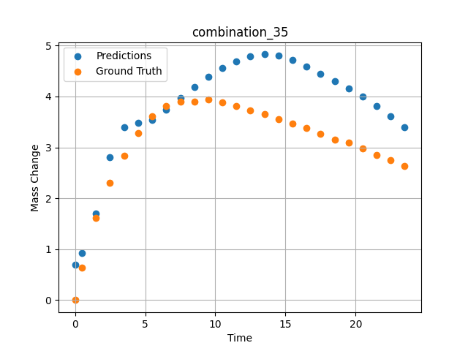
1200 | 0 | 0 | 23.75 | 23.75 | 23.75 | 23.75 | 5 | 0 | 7.50257 | 3.893 | 3.9634618759
1200 | 0 | 0 | 23.75 | 23.75 | 23.75 | 23.75 | 5 | 0 | 8.50485 | 3.90159 | 4.1854553223
1200 | 0 | 0 | 23.75 | 23.75 | 23.75 | 23.75 | 5 | 0 | 9.5075 | 3.94277 | 4.3861684799
1200 | 0 | 0 | 23.75 | 23.75 | 23.75 | 23.75 | 5 | 0 | 10.50051 | 3.88387 | 4.5560770035
1200 | 0 | 0 | 23.75 | 23.75 | 23.75 | 23.75 | 5 | 0 | 11.49349 | 3.81191 | 4.6907615662
1200 | 0 | 0 | 23.75 | 23.75 | 23.75 | 23.75 | 5 | 0 | 12.49641 | 3.72649 | 4.7840003967
1200 | 0 | 0 | 23.75 | 23.75 | 23.75 | 23.75 | 5 | 0 | 13.49977 | 3.64963 | 4.8259830475
1200 | 0 | 0 | 23.75 | 23.75 | 23.75 | 23.75 | 5 | 0 | 14.50328 | 3.54789 | 4.8068628311
1200 | 0 | 0 | 23.75 | 23.75 | 23.75 | 23.75 | 5 | 0 | 15.50689 | 3.46453 | 4.7149934769
1200 | 0 | 0 | 23.75 | 23.75 | 23.75 | 23.75 | 5 | 0 | 16.50102 | 3.37793 | 4.5845956802
1200 | 0 | 0 | 23.75 | 23.75 | 23.75 | 23.75 | 5 | 0 | 17.49536 | 3.26755 | 4.4492425919
1200 | 0 | 0 | 23.75 | 23.75 | 23.75 | 23.75 | 5 | 0 | 18.4994 | 3.15259 | 4.3069009781
1200 | 0 | 0 | 23.75 | 23.75 | 23.75 | 23.75 | 5 | 0 | 19.50371 | 3.0872 | 4.1578054428
1200 | 0 | 0 | 23.75 | 23.75 | 23.75 | 23.75 | 5 | 0 | 20.49846 | 2.97708 | 3.9972314835
1200 | 0 | 0 | 23.75 | 23.75 | 23.75 | 23.75 | 5 | 0 | 21.49342 | 2.84398 | 3.8175382614
1200 | 0 | 0 | 23.75 | 23.75 | 23.75 | 23.75 | 5 | 0 | 22.49828 | 2.75236 | 3.6148710251
1200 | 0 | 0 | 23.75 | 23.75 | 23.75 | 23.75 | 5 | 0 | 23.49449 | 2.62918 | 3.3901290894

combination_36
1200.0, 22.5, 0.0, 10.0, 22.5, 22.5, 22.5, 0.0
Temperature [C] | Zr [at%] | Nb [at%] | Mo [at%] | Cr [at%] | Al [at%] | Ti [at%] | Ta [at%] | W [at%] | Time [h] | Mass Change [mg.cm2] | Mass change - predictions
1200 | 0 | 0 | 22.5 | 22.5 | 22.5 | 22.5 | 10 | 0 | 0 | 0 | 0.21459674835
1200 | 0 | 0 | 22.5 | 22.5 | 22.5 | 22.5 | 10 | 0 | 0.49082 | 0.65618 | 0.37785816193
1200 | 0 | 0 | 22.5 | 22.5 | 22.5 | 22.5 | 10 | 0 | 1.49171 | 1.23457 | 1.0006875992
1200 | 0 | 0 | 22.5 | 22.5 | 22.5 | 22.5 | 10 | 0 | 2.49279 | 1.90741 | 2.0205926895
1200 | 0 | 0 | 22.5 | 22.5 | 22.5 | 22.5 | 10 | 0 | 3.49402 | 2.64926 | 2.5227394104
1200 | 0 | 0 | 22.5 | 22.5 | 22.5 | 22.5 | 10 | 0 | 4.49576 | 3.31362 | 2.6395521164
1200 | 0 | 0 | 22.5 | 22.5 | 22.5 | 22.5 | 10 | 0 | 5.49788 | 3.89691 | 2.7656316757
1200 | 0 | 0 | 22.5 | 22.5 | 22.5 | 22.5 | 10 | 0 | 6.50016 | 4.43668 | 3.0464076996
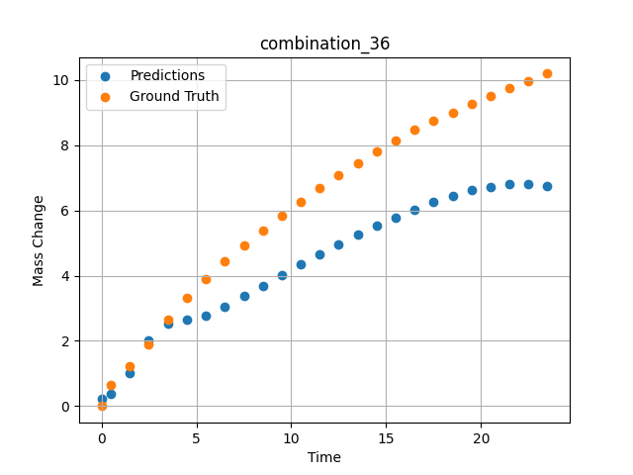
1200 | 0 | 0 | 22.5 | 22.5 | 22.5 | 22.5 | 10 | 0 | 7.50257 | 4.9276 | 3.3678274155
1200 | 0 | 0 | 22.5 | 22.5 | 22.5 | 22.5 | 10 | 0 | 8.50519 | 5.38775 | 3.6970510483
1200 | 0 | 0 | 22.5 | 22.5 | 22.5 | 22.5 | 10 | 0 | 9.50779 | 5.83221 | 4.0240354538
1200 | 0 | 0 | 22.5 | 22.5 | 22.5 | 22.5 | 10 | 0 | 10.50075 | 6.26395 | 4.3420352936
1200 | 0 | 0 | 22.5 | 22.5 | 22.5 | 22.5 | 10 | 0 | 11.49382 | 6.68921 | 4.6523799896
1200 | 0 | 0 | 22.5 | 22.5 | 22.5 | 22.5 | 10 | 0 | 12.49676 | 7.09216 | 4.9562959671
1200 | 0 | 0 | 22.5 | 22.5 | 22.5 | 22.5 | 10 | 0 | 13.49993 | 7.45786 | 5.2489538193
1200 | 0 | 0 | 22.5 | 22.5 | 22.5 | 22.5 | 10 | 0 | 14.50334 | 7.80354 | 5.5282430649
1200 | 0 | 0 | 22.5 | 22.5 | 22.5 | 22.5 | 10 | 0 | 15.50689 | 8.14589 | 5.7916736603
1200 | 0 | 0 | 22.5 | 22.5 | 22.5 | 22.5 | 10 | 0 | 16.50084 | 8.47093 | 6.0340623856
1200 | 0 | 0 | 22.5 | 22.5 | 22.5 | 22.5 | 10 | 0 | 17.4949 | 8.75562 | 6.2545900345
1200 | 0 | 0 | 22.5 | 22.5 | 22.5 | 22.5 | 10 | 0 | 18.49915 | 9.0078 | 6.4510946274
1200 | 0 | 0 | 22.5 | 22.5 | 22.5 | 22.5 | 10 | 0 | 19.5036 | 9.25976 | 6.6148176193
1200 | 0 | 0 | 22.5 | 22.5 | 22.5 | 22.5 | 10 | 0 | 20.49842 | 9.50919 | 6.731877327
1200 | 0 | 0 | 22.5 | 22.5 | 22.5 | 22.5 | 10 | 0 | 21.49334 | 9.73922 | 6.796620369
1200 | 0 | 0 | 22.5 | 22.5 | 22.5 | 22.5 | 10 | 0 | 22.4983 | 9.968 | 6.8010416031
1200 | 0 | 0 | 22.5 | 22.5 | 22.5 | 22.5 | 10 | 0 | 23.49367 | 10.19694 | 6.7356367111

combination_37
1200.0, 21.25, 0.0, 15.0, 21.25, 21.25, 21.25, 0.0
Temperature [C] | Zr [at%] | Nb [at%] | Mo [at%] | Cr [at%] | Al [at%] | Ti [at%] | Ta [at%] | W [at%] | Time [h] | Mass Change [mg.cm2] | Mass change - predictions
1200 | 0 | 0 | 21.25 | 21.25 | 21.25 | 21.25 | 15 | 0 | 0 | 0 | 0.21577739716
1200 | 0 | 0 | 21.25 | 21.25 | 21.25 | 21.25 | 15 | 0 | 0.49078 | 0.25729 | 0.34304141998
1200 | 0 | 0 | 21.25 | 21.25 | 21.25 | 21.25 | 15 | 0 | 1.49173 | 0.51494 | 0.86709690094
1200 | 0 | 0 | 21.25 | 21.25 | 21.25 | 21.25 | 15 | 0 | 2.49281 | 0.65372 | 1.9558162689
1200 | 0 | 0 | 21.25 | 21.25 | 21.25 | 21.25 | 15 | 0 | 3.49423 | 0.78965 | 2.6415524483
1200 | 0 | 0 | 21.25 | 21.25 | 21.25 | 21.25 | 15 | 0 | 4.49595 | 0.95463 | 2.7602825165
1200 | 0 | 0 | 21.25 | 21.25 | 21.25 | 21.25 | 15 | 0 | 5.49788 | 1.1871 | 2.7654542923
1200 | 0 | 0 | 21.25 | 21.25 | 21.25 | 21.25 | 15 | 0 | 6.49995 | 1.41561 | 2.8670806885
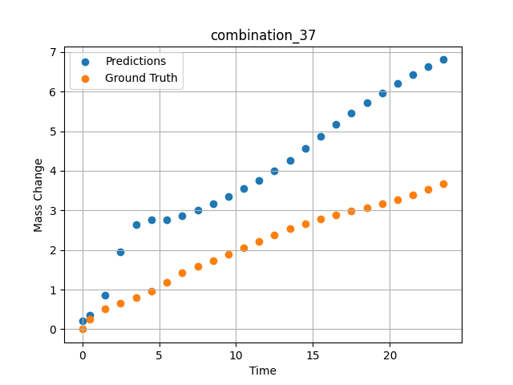
1200 | 0 | 0 | 21.25 | 21.25 | 21.25 | 21.25 | 15 | 0 | 7.50226 | 1.58469 | 3.0108442307
1200 | 0 | 0 | 21.25 | 21.25 | 21.25 | 21.25 | 15 | 0 | 8.50459 | 1.7392 | 3.1752824783
1200 | 0 | 0 | 21.25 | 21.25 | 21.25 | 21.25 | 15 | 0 | 9.50727 | 1.8844 | 3.355471611
1200 | 0 | 0 | 21.25 | 21.25 | 21.25 | 21.25 | 15 | 0 | 10.50035 | 2.04758 | 3.5499887466
1200 | 0 | 0 | 21.25 | 21.25 | 21.25 | 21.25 | 15 | 0 | 11.49359 | 2.21187 | 3.7631025314
1200 | 0 | 0 | 21.25 | 21.25 | 21.25 | 21.25 | 15 | 0 | 12.49662 | 2.37354 | 4.000916481
1200 | 0 | 0 | 21.25 | 21.25 | 21.25 | 21.25 | 15 | 0 | 13.49991 | 2.52954 | 4.2661743164
1200 | 0 | 0 | 21.25 | 21.25 | 21.25 | 21.25 | 15 | 0 | 14.50342 | 2.65999 | 4.5643186569
1200 | 0 | 0 | 21.25 | 21.25 | 21.25 | 21.25 | 15 | 0 | 15.50698 | 2.78039 | 4.8709983826
1200 | 0 | 0 | 21.25 | 21.25 | 21.25 | 21.25 | 15 | 0 | 16.50099 | 2.88456 | 5.1648416519
1200 | 0 | 0 | 21.25 | 21.25 | 21.25 | 21.25 | 15 | 0 | 17.49532 | 2.97806 | 5.4472255707
1200 | 0 | 0 | 21.25 | 21.25 | 21.25 | 21.25 | 15 | 0 | 18.49943 | 3.06304 | 5.7186193466
1200 | 0 | 0 | 21.25 | 21.25 | 21.25 | 21.25 | 15 | 0 | 19.50377 | 3.1613 | 5.9707021713
1200 | 0 | 0 | 21.25 | 21.25 | 21.25 | 21.25 | 15 | 0 | 20.49862 | 3.27108 | 6.2036561966
1200 | 0 | 0 | 21.25 | 21.25 | 21.25 | 21.25 | 15 | 0 | 21.49358 | 3.39601 | 6.4203767776
1200 | 0 | 0 | 21.25 | 21.25 | 21.25 | 21.25 | 15 | 0 | 22.49845 | 3.53102 | 6.6221170425
1200 | 0 | 0 | 21.25 | 21.25 | 21.25 | 21.25 | 15 | 0 | 23.49403 | 3.67091 | 6.8045434952

combination_38
1200.0, 21.25, 0.0, 21.25, 0.2125, 21.25, 15.0, 0.0
Temperature [C] | Zr [at%] | Nb [at%] | Mo [at%] | Cr [at%] | Al [at%] | Ti [at%] | Ta [at%] | W [at%] | Time [h] | Mass Change [mg.cm2] | Mass change - predictions
1200 | 0 | 0 | 21.25 | 21.25 | 15 | 0.2125 | 21.25 | 0 | 0 | 0 | 0.64330291748
1200 | 0 | 0 | 21.25 | 21.25 | 15 | 0.2125 | 21.25 | 0 | 0.5008 | 0.91616 | 0.73515796661
1200 | 0 | 0 | 21.25 | 21.25 | 15 | 0.2125 | 21.25 | 0 | 1.5078 | 1.54711 | 1.1430978775
1200 | 0 | 0 | 21.25 | 21.25 | 15 | 0.2125 | 21.25 | 0 | 2.50401 | 2.12777 | 2.0366516113
1200 | 0 | 0 | 21.25 | 21.25 | 15 | 0.2125 | 21.25 | 0 | 3.49917 | 2.41741 | 3.1158270836
1200 | 0 | 0 | 21.25 | 21.25 | 15 | 0.2125 | 21.25 | 0 | 4.49589 | 2.79191 | 3.5216627121
1200 | 0 | 0 | 21.25 | 21.25 | 15 | 0.2125 | 21.25 | 0 | 5.49685 | 2.9867 | 3.4980764389
1200 | 0 | 0 | 21.25 | 21.25 | 15 | 0.2125 | 21.25 | 0 | 6.50299 | 3.15596 | 3.5432167053
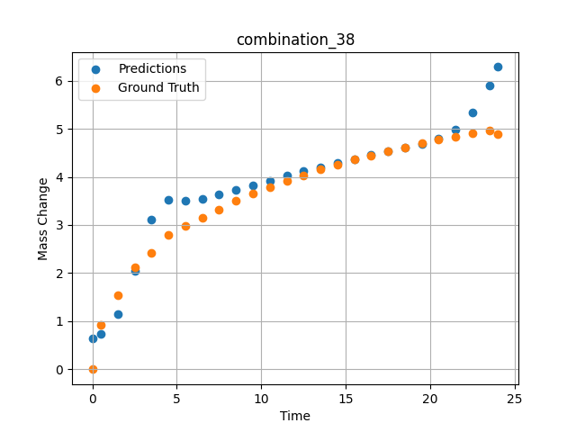
1200 | 0 | 0 | 21.25 | 21.25 | 15 | 0.2125 | 21.25 | 0 | 7.50394 | 3.3247 | 3.6291761398
1200 | 0 | 0 | 21.25 | 21.25 | 15 | 0.2125 | 21.25 | 0 | 8.49997 | 3.50708 | 3.7264575958
1200 | 0 | 0 | 21.25 | 21.25 | 15 | 0.2125 | 21.25 | 0 | 9.49603 | 3.65121 | 3.8257932663
1200 | 0 | 0 | 21.25 | 21.25 | 15 | 0.2125 | 21.25 | 0 | 10.50075 | 3.79048 | 3.9248380661
1200 | 0 | 0 | 21.25 | 21.25 | 15 | 0.2125 | 21.25 | 0 | 11.50631 | 3.91168 | 4.0216217041
1200 | 0 | 0 | 21.25 | 21.25 | 15 | 0.2125 | 21.25 | 0 | 12.50357 | 4.03675 | 4.1146059036
1200 | 0 | 0 | 21.25 | 21.25 | 15 | 0.2125 | 21.25 | 0 | 13.49882 | 4.15184 | 4.203959465
1200 | 0 | 0 | 21.25 | 21.25 | 15 | 0.2125 | 21.25 | 0 | 14.49364 | 4.24898 | 4.2894201279
1200 | 0 | 0 | 21.25 | 21.25 | 15 | 0.2125 | 21.25 | 0 | 15.49959 | 4.3622 | 4.3716611862
1200 | 0 | 0 | 21.25 | 21.25 | 15 | 0.2125 | 21.25 | 0 | 16.50564 | 4.44778 | 4.4498739243
1200 | 0 | 0 | 21.25 | 21.25 | 15 | 0.2125 | 21.25 | 0 | 17.50203 | 4.53311 | 4.5244750977
1200 | 0 | 0 | 21.25 | 21.25 | 15 | 0.2125 | 21.25 | 0 | 18.49765 | 4.6149 | 4.599442482
1200 | 0 | 0 | 21.25 | 21.25 | 15 | 0.2125 | 21.25 | 0 | 19.49419 | 4.70373 | 4.6829013824
1200 | 0 | 0 | 21.25 | 21.25 | 15 | 0.2125 | 21.25 | 0 | 20.49949 | 4.77412 | 4.7947158813
1200 | 0 | 0 | 21.25 | 21.25 | 15 | 0.2125 | 21.25 | 0 | 21.50586 | 4.84004 | 4.9794492722
1200 | 0 | 0 | 21.25 | 21.25 | 15 | 0.2125 | 21.25 | 0 | 22.50242 | 4.91443 | 5.3313302994
1200 | 0 | 0 | 21.25 | 21.25 | 15 | 0.2125 | 21.25 | 0 | 23.50657 | 4.95854 | 5.9045352936
1200 | 0 | 0 | 21.25 | 21.25 | 15 | 0.2125 | 21.25 | 0 | 24.01181 | 4.88788 | 6.2838578224

combination_39
1200.0, 23.75, 0.0, 23.75, 23.75, 23.75, 5.0, 0.0
Temperature [C] | Zr [at%] | Nb [at%] | Mo [at%] | Cr [at%] | Al [at%] | Ti [at%] | Ta [at%] | W [at%] | Time [h] | Mass Change [mg.cm2] | Mass change - predictions
1200 | 0 | 0 | 23.75 | 23.75 | 5 | 23.75 | 23.75 | 0 | 0 | 0 | 0.57201957703
1200 | 0 | 0 | 23.75 | 23.75 | 5 | 23.75 | 23.75 | 0 | 0.49085 | 2.66992 | 1.2410726547
1200 | 0 | 0 | 23.75 | 23.75 | 5 | 23.75 | 23.75 | 0 | 1.49179 | 3.43367 | 2.3001990318
1200 | 0 | 0 | 23.75 | 23.75 | 5 | 23.75 | 23.75 | 0 | 2.49278 | 3.81308 | 3.0328083038
1200 | 0 | 0 | 23.75 | 23.75 | 5 | 23.75 | 23.75 | 0 | 3.49402 | 4.08982 | 3.6729192734
1200 | 0 | 0 | 23.75 | 23.75 | 5 | 23.75 | 23.75 | 0 | 4.49552 | 4.22038 | 4.1473264694
1200 | 0 | 0 | 23.75 | 23.75 | 5 | 23.75 | 23.75 | 0 | 5.49726 | 4.37154 | 4.3941602707
1200 | 0 | 0 | 23.75 | 23.75 | 5 | 23.75 | 23.75 | 0 | 6.49893 | 4.48947 | 4.5557165146
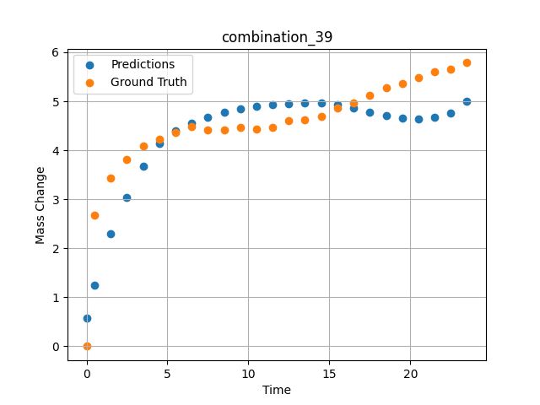
1200 | 0 | 0 | 23.75 | 23.75 | 5 | 23.75 | 23.75 | 0 | 7.50089 | 4.42119 | 4.6795883179
1200 | 0 | 0 | 23.75 | 23.75 | 5 | 23.75 | 23.75 | 0 | 8.50303 | 4.41331 | 4.7777118683
1200 | 0 | 0 | 23.75 | 23.75 | 5 | 23.75 | 23.75 | 0 | 9.50518 | 4.46248 | 4.8519878387
1200 | 0 | 0 | 23.75 | 23.75 | 5 | 23.75 | 23.75 | 0 | 10.5075 | 4.43344 | 4.9014186859
1200 | 0 | 0 | 23.75 | 23.75 | 5 | 23.75 | 23.75 | 0 | 11.50025 | 4.47228 | 4.9326105118
1200 | 0 | 0 | 23.75 | 23.75 | 5 | 23.75 | 23.75 | 0 | 12.49307 | 4.59671 | 4.9550914764
1200 | 0 | 0 | 23.75 | 23.75 | 5 | 23.75 | 23.75 | 0 | 13.4957 | 4.62715 | 4.9691648483
1200 | 0 | 0 | 23.75 | 23.75 | 5 | 23.75 | 23.75 | 0 | 14.49843 | 4.69674 | 4.9707670212
1200 | 0 | 0 | 23.75 | 23.75 | 5 | 23.75 | 23.75 | 0 | 15.50123 | 4.8643 | 4.9370946884
1200 | 0 | 0 | 23.75 | 23.75 | 5 | 23.75 | 23.75 | 0 | 16.5043 | 4.97473 | 4.8688211441
1200 | 0 | 0 | 23.75 | 23.75 | 5 | 23.75 | 23.75 | 0 | 17.50747 | 5.1258 | 4.7739858627
1200 | 0 | 0 | 23.75 | 23.75 | 5 | 23.75 | 23.75 | 0 | 18.50106 | 5.28127 | 4.6999177933
1200 | 0 | 0 | 23.75 | 23.75 | 5 | 23.75 | 23.75 | 0 | 19.49479 | 5.36597 | 4.6572160721
1200 | 0 | 0 | 23.75 | 23.75 | 5 | 23.75 | 23.75 | 0 | 20.49845 | 5.47967 | 4.6459150314
1200 | 0 | 0 | 23.75 | 23.75 | 5 | 23.75 | 23.75 | 0 | 21.50208 | 5.61004 | 4.6732931137
1200 | 0 | 0 | 23.75 | 23.75 | 5 | 23.75 | 23.75 | 0 | 22.5057 | 5.65412 | 4.7648229599
1200 | 0 | 0 | 23.75 | 23.75 | 5 | 23.75 | 23.75 | 0 | 23.49987 | 5.78609 | 4.9952750206

combination_40
1200.0, 25.0, 0.0, 25.0, 0.0, 25.0, 25.0, 0.0
Temperature [C] | Zr [at%] | Nb [at%] | Mo [at%] | Cr [at%] | Al [at%] | Ti [at%] | Ta [at%] | W [at%] | Time [h] | Mass Change [mg.cm2] | Mass change - predictions
1200 | 0 | 0 | 25 | 25 | 25 | 0 | 25 | 0 | 0 | 0 | -0.068881988525
1200 | 0 | 0 | 25 | 25 | 25 | 0 | 25 | 0 | 0.4909 | 0.52067 | -0.076878547668
1200 | 0 | 0 | 25 | 25 | 25 | 0 | 25 | 0 | 1.49184 | 0.89241 | 0.0094318389893
1200 | 0 | 0 | 25 | 25 | 25 | 0 | 25 | 0 | 2.49299 | 0.98636 | 0.3262462616
1200 | 0 | 0 | 25 | 25 | 25 | 0 | 25 | 0 | 3.49426 | 1.01316 | 1.0622720718
1200 | 0 | 0 | 25 | 25 | 25 | 0 | 25 | 0 | 4.49573 | 1.04634 | 1.2582998276
1200 | 0 | 0 | 25 | 25 | 25 | 0 | 25 | 0 | 5.49732 | 1.09633 | 1.2681045532
1200 | 0 | 0 | 25 | 25 | 25 | 0 | 25 | 0 | 6.49923 | 1.12867 | 1.1884031296
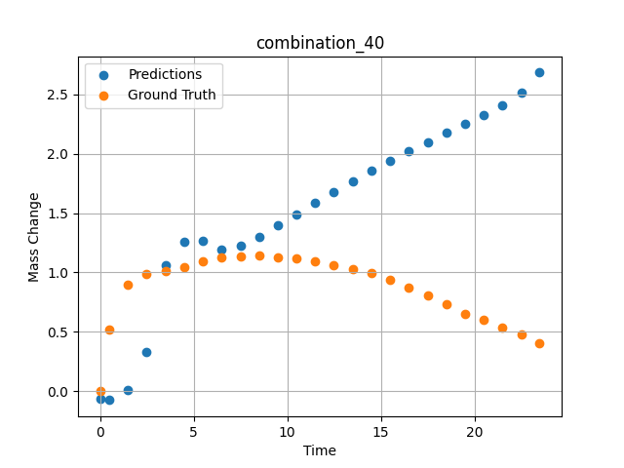
1200 | 0 | 0 | 25 | 25 | 25 | 0 | 25 | 0 | 7.5014 | 1.13358 | 1.2229270935
1200 | 0 | 0 | 25 | 25 | 25 | 0 | 25 | 0 | 8.50376 | 1.14117 | 1.3025913239
1200 | 0 | 0 | 25 | 25 | 25 | 0 | 25 | 0 | 9.5062 | 1.1246 | 1.3950681686
1200 | 0 | 0 | 25 | 25 | 25 | 0 | 25 | 0 | 10.49891 | 1.11958 | 1.489192009
1200 | 0 | 0 | 25 | 25 | 25 | 0 | 25 | 0 | 11.4917 | 1.09581 | 1.5827608109
1200 | 0 | 0 | 25 | 25 | 25 | 0 | 25 | 0 | 12.49433 | 1.06175 | 1.6755590439
1200 | 0 | 0 | 25 | 25 | 25 | 0 | 25 | 0 | 13.49731 | 1.02973 | 1.7661762238
1200 | 0 | 0 | 25 | 25 | 25 | 0 | 25 | 0 | 14.5003 | 0.99335 | 1.8542118073
1200 | 0 | 0 | 25 | 25 | 25 | 0 | 25 | 0 | 15.50331 | 0.93937 | 1.9393539429
1200 | 0 | 0 | 25 | 25 | 25 | 0 | 25 | 0 | 16.50658 | 0.87265 | 2.0213766098
1200 | 0 | 0 | 25 | 25 | 25 | 0 | 25 | 0 | 17.50045 | 0.80846 | 2.0994272232
1200 | 0 | 0 | 25 | 25 | 25 | 0 | 25 | 0 | 18.49429 | 0.72954 | 2.1746044159
1200 | 0 | 0 | 25 | 25 | 25 | 0 | 25 | 0 | 19.49787 | 0.64801 | 2.2488079071
1200 | 0 | 0 | 25 | 25 | 25 | 0 | 25 | 0 | 20.50158 | 0.59853 | 2.3245239258
1200 | 0 | 0 | 25 | 25 | 25 | 0 | 25 | 0 | 21.50504 | 0.53856 | 2.4092512131
1200 | 0 | 0 | 25 | 25 | 25 | 0 | 25 | 0 | 22.49878 | 0.47792 | 2.5183010101
1200 | 0 | 0 | 25 | 25 | 25 | 0 | 25 | 0 | 23.48308 | 0.40626 | 2.6847915649

combination_41
1200.0, 22.5, 0.0, 22.5, 10.0, 22.5, 22.5, 0.0
Temperature [C] | Zr [at%] | Nb [at%] | Mo [at%] | Cr [at%] | Al [at%] | Ti [at%] | Ta [at%] | W [at%] | Time [h] | Mass Change [mg.cm2] | Mass change - predictions
1200 | 0 | 0 | 22.5 | 22.5 | 22.5 | 10 | 22.5 | 0 | 0 | 0 | 0.10058116913
1200 | 0 | 0 | 22.5 | 22.5 | 22.5 | 10 | 22.5 | 0 | 0.49084 | 0.9295 | 0.13632297516
1200 | 0 | 0 | 22.5 | 22.5 | 22.5 | 10 | 22.5 | 0 | 1.49189 | 1.80965 | 0.36764621735
1200 | 0 | 0 | 22.5 | 22.5 | 22.5 | 10 | 22.5 | 0 | 2.49308 | 2.33914 | 0.9558801651
1200 | 0 | 0 | 22.5 | 22.5 | 22.5 | 10 | 22.5 | 0 | 3.49454 | 2.7567 | 1.9425296783
1200 | 0 | 0 | 22.5 | 22.5 | 22.5 | 10 | 22.5 | 0 | 4.49587 | 3.10649 | 2.33481884
1200 | 0 | 0 | 22.5 | 22.5 | 22.5 | 10 | 22.5 | 0 | 5.49738 | 3.40043 | 2.3318357468
1200 | 0 | 0 | 22.5 | 22.5 | 22.5 | 10 | 22.5 | 0 | 6.49902 | 3.65544 | 2.3485918045
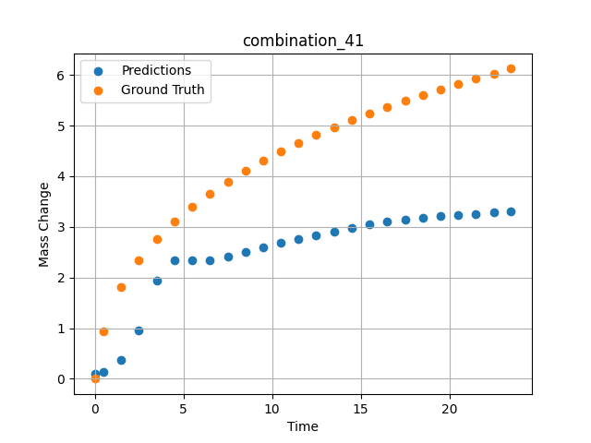
1200 | 0 | 0 | 22.5 | 22.5 | 22.5 | 10 | 22.5 | 0 | 7.5009 | 3.89334 | 2.4177827835
1200 | 0 | 0 | 22.5 | 22.5 | 22.5 | 10 | 22.5 | 0 | 8.50305 | 4.1108 | 2.5031232834
1200 | 0 | 0 | 22.5 | 22.5 | 22.5 | 10 | 22.5 | 0 | 9.50535 | 4.30411 | 2.5912542343
1200 | 0 | 0 | 22.5 | 22.5 | 22.5 | 10 | 22.5 | 0 | 10.50762 | 4.49008 | 2.6777658463
1200 | 0 | 0 | 22.5 | 22.5 | 22.5 | 10 | 22.5 | 0 | 11.50027 | 4.65508 | 2.7602376938
1200 | 0 | 0 | 22.5 | 22.5 | 22.5 | 10 | 22.5 | 0 | 12.49321 | 4.81291 | 2.8386611938
1200 | 0 | 0 | 22.5 | 22.5 | 22.5 | 10 | 22.5 | 0 | 13.49592 | 4.96201 | 2.9129991531
1200 | 0 | 0 | 22.5 | 22.5 | 22.5 | 10 | 22.5 | 0 | 14.49884 | 5.10866 | 2.9816856384
1200 | 0 | 0 | 22.5 | 22.5 | 22.5 | 10 | 22.5 | 0 | 15.50195 | 5.23656 | 3.043885231
1200 | 0 | 0 | 22.5 | 22.5 | 22.5 | 10 | 22.5 | 0 | 16.50521 | 5.36197 | 3.0985689163
1200 | 0 | 0 | 22.5 | 22.5 | 22.5 | 10 | 22.5 | 0 | 17.49902 | 5.48679 | 3.1442155838
1200 | 0 | 0 | 22.5 | 22.5 | 22.5 | 10 | 22.5 | 0 | 18.49286 | 5.60206 | 3.1801166534
1200 | 0 | 0 | 22.5 | 22.5 | 22.5 | 10 | 22.5 | 0 | 19.49643 | 5.71574 | 3.2060594559
1200 | 0 | 0 | 22.5 | 22.5 | 22.5 | 10 | 22.5 | 0 | 20.5002 | 5.81992 | 3.2294740677
1200 | 0 | 0 | 22.5 | 22.5 | 22.5 | 10 | 22.5 | 0 | 21.50421 | 5.92516 | 3.2531518936
1200 | 0 | 0 | 22.5 | 22.5 | 22.5 | 10 | 22.5 | 0 | 22.49865 | 6.02044 | 3.2789773941
1200 | 0 | 0 | 22.5 | 22.5 | 22.5 | 10 | 22.5 | 0 | 23.48348 | 6.12261 | 3.3121962547

combination_42
1200.0, 0.0, 0.0, 20.0, 0.0, 80.0, 0.0, 0.0
Temperature [C] | Zr [at%] | Nb [at%] | Mo [at%] | Cr [at%] | Al [at%] | Ti [at%] | Ta [at%] | W [at%] | Time [h] | Mass Change [mg.cm2] | Mass change - predictions
1200 | 0 | 0 | 0 | 80 | 0 | 0 | 20 | 0 | 0 | 0 | 2.5151834488
1200 | 0 | 0 | 0 | 80 | 0 | 0 | 20 | 0 | 0.49084 | 2.2487 | 3.183095932
1200 | 0 | 0 | 0 | 80 | 0 | 0 | 20 | 0 | 1.49185 | 4.5778 | 4.5291986465
1200 | 0 | 0 | 0 | 80 | 0 | 0 | 20 | 0 | 2.49311 | 5.99216 | 5.85135746
1200 | 0 | 0 | 0 | 80 | 0 | 0 | 20 | 0 | 3.49454 | 7.03755 | 7.0925455093
1200 | 0 | 0 | 0 | 80 | 0 | 0 | 20 | 0 | 4.49611 | 8.01046 | 7.9624528885
1200 | 0 | 0 | 0 | 80 | 0 | 0 | 20 | 0 | 5.49754 | 8.89891 | 8.6780729294
1200 | 0 | 0 | 0 | 80 | 0 | 0 | 20 | 0 | 6.49911 | 9.62852 | 9.3369874954
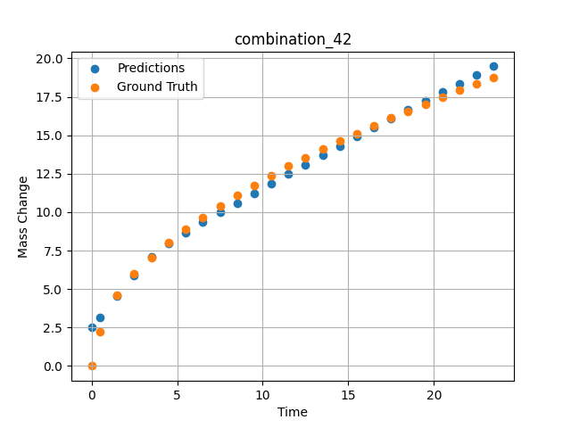
1200 | 0 | 0 | 0 | 80 | 0 | 0 | 20 | 0 | 7.50098 | 10.37488 | 9.9746694565
1200 | 0 | 0 | 0 | 80 | 0 | 0 | 20 | 0 | 8.50294 | 11.1106 | 10.604310036
1200 | 0 | 0 | 0 | 80 | 0 | 0 | 20 | 0 | 9.50507 | 11.76175 | 11.229823112
1200 | 0 | 0 | 0 | 80 | 0 | 0 | 20 | 0 | 10.50727 | 12.37848 | 11.852152824
1200 | 0 | 0 | 0 | 80 | 0 | 0 | 20 | 0 | 11.49987 | 12.98514 | 12.465252876
1200 | 0 | 0 | 0 | 80 | 0 | 0 | 20 | 0 | 12.49278 | 13.55574 | 13.075108528
1200 | 0 | 0 | 0 | 80 | 0 | 0 | 20 | 0 | 13.49537 | 14.11738 | 13.687037468
1200 | 0 | 0 | 0 | 80 | 0 | 0 | 20 | 0 | 14.4982 | 14.61774 | 14.294787407
1200 | 0 | 0 | 0 | 80 | 0 | 0 | 20 | 0 | 15.50122 | 15.11307 | 14.897833824
1200 | 0 | 0 | 0 | 80 | 0 | 0 | 20 | 0 | 16.50458 | 15.61266 | 15.495698929
1200 | 0 | 0 | 0 | 80 | 0 | 0 | 20 | 0 | 17.49836 | 16.1203 | 16.081947327
1200 | 0 | 0 | 0 | 80 | 0 | 0 | 20 | 0 | 18.49225 | 16.55858 | 16.661651611
1200 | 0 | 0 | 0 | 80 | 0 | 0 | 20 | 0 | 19.49582 | 17.00085 | 17.239528656
1200 | 0 | 0 | 0 | 80 | 0 | 0 | 20 | 0 | 20.49954 | 17.48111 | 17.809047699
1200 | 0 | 0 | 0 | 80 | 0 | 0 | 20 | 0 | 21.50356 | 17.92626 | 18.371131897
1200 | 0 | 0 | 0 | 80 | 0 | 0 | 20 | 0 | 22.49791 | 18.33595 | 18.926872253
1200 | 0 | 0 | 0 | 80 | 0 | 0 | 20 | 0 | 23.49244 | 18.74801 | 19.482566833

combination_43
1200.0, 0.0, 0.0, 33.3, 33.4, 33.3, 0.0, 0.0
Temperature [C] | Zr [at%] | Nb [at%] | Mo [at%] | Cr [at%] | Al [at%] | Ti [at%] | Ta [at%] | W [at%] | Time [h] | Mass Change [mg.cm2] | Mass change - predictions
1200 | 0 | 0 | 0 | 33.3 | 0 | 33.4 | 33.3 | 0 | 0 | 0 | 1.3777322769
1200 | 0 | 0 | 0 | 33.3 | 0 | 33.4 | 33.3 | 0 | 0.50589 | 1.2245 | 1.6060619354
1200 | 0 | 0 | 0 | 33.3 | 0 | 33.4 | 33.3 | 0 | 1.50743 | 3.21145 | 2.1779279709
1200 | 0 | 0 | 0 | 33.3 | 0 | 33.4 | 33.3 | 0 | 2.50834 | 4.82823 | 3.0594711304
1200 | 0 | 0 | 0 | 33.3 | 0 | 33.4 | 33.3 | 0 | 3.49984 | 6.40464 | 5.2912378311
1200 | 0 | 0 | 0 | 33.3 | 0 | 33.4 | 33.3 | 0 | 4.49165 | 8.24746 | 8.0829782486
1200 | 0 | 0 | 0 | 33.3 | 0 | 33.4 | 33.3 | 0 | 5.49326 | 10.12588 | 10.229971886
1200 | 0 | 0 | 0 | 33.3 | 0 | 33.4 | 33.3 | 0 | 6.49512 | 11.74551 | 11.888262749
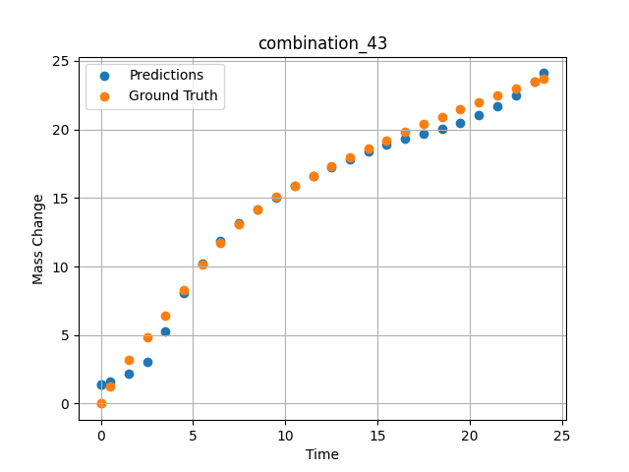
1200 | 0 | 0 | 0 | 33.3 | 0 | 33.4 | 33.3 | 0 | 7.49717 | 13.06387 | 13.144850731
1200 | 0 | 0 | 0 | 33.3 | 0 | 33.4 | 33.3 | 0 | 8.49935 | 14.15469 | 14.166838646
1200 | 0 | 0 | 0 | 33.3 | 0 | 33.4 | 33.3 | 0 | 9.50168 | 15.07769 | 15.053076744
1200 | 0 | 0 | 0 | 33.3 | 0 | 33.4 | 33.3 | 0 | 10.50396 | 15.89904 | 15.85547924
1200 | 0 | 0 | 0 | 33.3 | 0 | 33.4 | 33.3 | 0 | 11.50641 | 16.636 | 16.581935883
1200 | 0 | 0 | 0 | 33.3 | 0 | 33.4 | 33.3 | 0 | 12.4993 | 17.32067 | 17.240177155
1200 | 0 | 0 | 0 | 33.3 | 0 | 33.4 | 33.3 | 0 | 13.49252 | 17.97297 | 17.845233917
1200 | 0 | 0 | 0 | 33.3 | 0 | 33.4 | 33.3 | 0 | 14.49558 | 18.60484 | 18.404376984
1200 | 0 | 0 | 0 | 33.3 | 0 | 33.4 | 33.3 | 0 | 15.49869 | 19.21742 | 18.908336639
1200 | 0 | 0 | 0 | 33.3 | 0 | 33.4 | 33.3 | 0 | 16.50197 | 19.80993 | 19.347290039
1200 | 0 | 0 | 0 | 33.3 | 0 | 33.4 | 33.3 | 0 | 17.50542 | 20.38414 | 19.71686554
1200 | 0 | 0 | 0 | 33.3 | 0 | 33.4 | 33.3 | 0 | 18.4994 | 20.93636 | 20.06401062
1200 | 0 | 0 | 0 | 33.3 | 0 | 33.4 | 33.3 | 0 | 19.49338 | 21.47763 | 20.496730804
1200 | 0 | 0 | 0 | 33.3 | 0 | 33.4 | 33.3 | 0 | 20.49715 | 22.00213 | 21.035697937
1200 | 0 | 0 | 0 | 33.3 | 0 | 33.4 | 33.3 | 0 | 21.5012 | 22.51318 | 21.698612213
1200 | 0 | 0 | 0 | 33.3 | 0 | 33.4 | 33.3 | 0 | 22.50542 | 23.00472 | 22.51240921
1200 | 0 | 0 | 0 | 33.3 | 0 | 33.4 | 33.3 | 0 | 23.50015 | 23.48187 | 23.50252533
1200 | 0 | 0 | 0 | 33.3 | 0 | 33.4 | 33.3 | 0 | 24.02167 | 23.71265 | 24.109664917
1200 | 0 | 0 | 0 | 33.3 | 0 | 33.4 | 33.3 | 0 | 0 | 0 | 1.3777313232

combination_44
1200.0, 0.0, 33.7, 0.0, 33.9, 32.4, 0.0, 0.0
Temperature [C] | Zr [at%] | Nb [at%] | Mo [at%] | Cr [at%] | Al [at%] | Ti [at%] | Ta [at%] | W [at%] | Time [h] | Mass Change [mg.cm2] | Mass change - predictions
1200 | 0 | 33.7 | 0 | 32.4 | 0 | 33.9 | 0 | 0 | 0 | 0 | 1.8043222427
1200 | 0 | 33.7 | 0 | 32.4 | 0 | 33.9 | 0 | 0 | 0.49249 | 2.56412 | 1.9923391342
1200 | 0 | 33.7 | 0 | 32.4 | 0 | 33.9 | 0 | 0 | 1.48984 | 5.41937 | 3.5016050339
1200 | 0 | 33.7 | 0 | 32.4 | 0 | 33.9 | 0 | 0 | 2.4985 | 7.32912 | 7.5310277939
1200 | 0 | 33.7 | 0 | 32.4 | 0 | 33.9 | 0 | 0 | 3.4955 | 8.74014 | 9.4272909164
1200 | 0 | 33.7 | 0 | 32.4 | 0 | 33.9 | 0 | 0 | 4.5045 | 9.88382 | 10.413496971
1200 | 0 | 33.7 | 0 | 32.4 | 0 | 33.9 | 0 | 0 | 5.5015 | 10.82642 | 11.08135891
1200 | 0 | 33.7 | 0 | 32.4 | 0 | 33.9 | 0 | 0 | 6.4985 | 11.63515 | 11.654110909
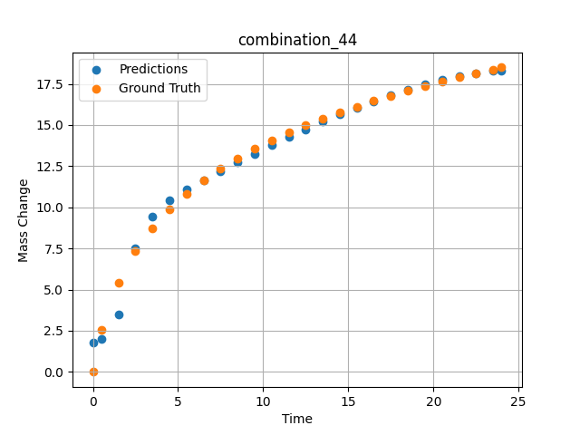
1200 | 0 | 33.7 | 0 | 32.4 | 0 | 33.9 | 0 | 0 | 7.4955 | 12.34412 | 12.195551872
1200 | 0 | 33.7 | 0 | 32.4 | 0 | 33.9 | 0 | 0 | 8.49249 | 12.97471 | 12.723948479
1200 | 0 | 33.7 | 0 | 32.4 | 0 | 33.9 | 0 | 0 | 9.5015 | 13.54942 | 13.250151634
1200 | 0 | 33.7 | 0 | 32.4 | 0 | 33.9 | 0 | 0 | 10.4985 | 14.0659 | 13.761925697
1200 | 0 | 33.7 | 0 | 32.4 | 0 | 33.9 | 0 | 0 | 11.4955 | 14.53953 | 14.258414268
1200 | 0 | 33.7 | 0 | 32.4 | 0 | 33.9 | 0 | 0 | 12.5045 | 14.98218 | 14.742218971
1200 | 0 | 33.7 | 0 | 32.4 | 0 | 33.9 | 0 | 0 | 13.5015 | 15.38843 | 15.20118618
1200 | 0 | 33.7 | 0 | 32.4 | 0 | 33.9 | 0 | 0 | 14.4985 | 15.76772 | 15.640042305
1200 | 0 | 33.7 | 0 | 32.4 | 0 | 33.9 | 0 | 0 | 15.4955 | 16.12357 | 16.057415009
1200 | 0 | 33.7 | 0 | 32.4 | 0 | 33.9 | 0 | 0 | 16.49249 | 16.45856 | 16.451423645
1200 | 0 | 33.7 | 0 | 32.4 | 0 | 33.9 | 0 | 0 | 17.5015 | 16.77881 | 16.824050903
1200 | 0 | 33.7 | 0 | 32.4 | 0 | 33.9 | 0 | 0 | 18.4985 | 17.07865 | 17.163448334
1200 | 0 | 33.7 | 0 | 32.4 | 0 | 33.9 | 0 | 0 | 19.4955 | 17.36354 | 17.470779419
1200 | 0 | 33.7 | 0 | 32.4 | 0 | 33.9 | 0 | 0 | 20.5045 | 17.63817 | 17.744686127
1200 | 0 | 33.7 | 0 | 32.4 | 0 | 33.9 | 0 | 0 | 21.5015 | 17.89723 | 17.973445892
1200 | 0 | 33.7 | 0 | 32.4 | 0 | 33.9 | 0 | 0 | 22.4985 | 18.14506 | 18.154277802
1200 | 0 | 33.7 | 0 | 32.4 | 0 | 33.9 | 0 | 0 | 23.48348 | 18.37988 | 18.278388977
1200 | 0 | 33.7 | 0 | 32.4 | 0 | 33.9 | 0 | 0 | 24 | 18.49961 | 18.318885803

combination_45
1000.0, 20.0, 0.0, 0.0, 20.0, 20.0, 20.0, 20.0
Temperature [C] | Zr [at%] | Nb [at%] | Mo [at%] | Cr [at%] | Al [at%] | Ti [at%] | Ta [at%] | W [at%] | Time [h] | Mass Change [mg.cm2] | Mass change - predictions
1000 | 0 | 0 | 20 | 20 | 20 | 20 | 0 | 20 | 0 | 0 | 1.9668579102
1000 | 0 | 0 | 20 | 20 | 20 | 20 | 0 | 20 | 0.48048 | 0.84398 | 2.2626414299
1000 | 0 | 0 | 20 | 20 | 20 | 20 | 0 | 20 | 1.48148 | 1.95113 | 2.5421380997
1000 | 0 | 0 | 20 | 20 | 20 | 20 | 0 | 20 | 2.48248 | 2.67199 | 2.6278772354
1000 | 0 | 0 | 20 | 20 | 20 | 20 | 0 | 20 | 3.48348 | 3.20863 | 2.7206287384
1000 | 0 | 0 | 20 | 20 | 20 | 20 | 0 | 20 | 4.48448 | 3.63657 | 3.3004751205
1000 | 0 | 0 | 20 | 20 | 20 | 20 | 0 | 20 | 5.46681 | 3.98634 | 3.8555765152
1000 | 0 | 0 | 20 | 20 | 20 | 20 | 0 | 20 | 6.48649 | 4.29749 | 4.2145738602
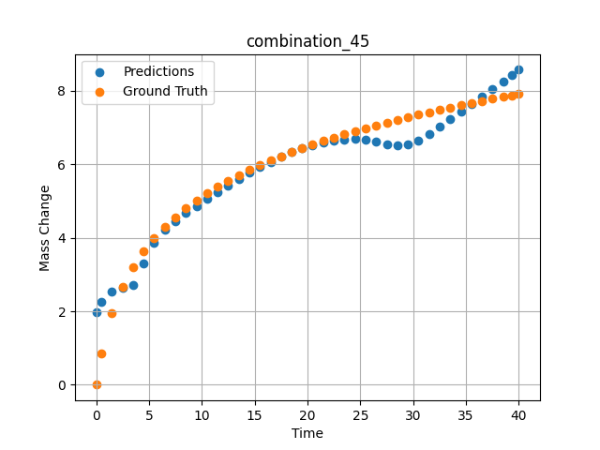
1000 | 0 | 0 | 20 | 20 | 20 | 20 | 0 | 20 | 7.48749 | 4.56411 | 4.4624147415
1000 | 0 | 0 | 20 | 20 | 20 | 20 | 0 | 20 | 8.48849 | 4.80102 | 4.6739463806
1000 | 0 | 0 | 20 | 20 | 20 | 20 | 0 | 20 | 9.48949 | 5.01418 | 4.8718671799
1000 | 0 | 0 | 20 | 20 | 20 | 20 | 0 | 20 | 10.47163 | 5.20439 | 5.0591344833
1000 | 0 | 0 | 20 | 20 | 20 | 20 | 0 | 20 | 11.49149 | 5.38551 | 5.2478780746
1000 | 0 | 0 | 20 | 20 | 20 | 20 | 0 | 20 | 12.49249 | 5.54942 | 5.4273576736
1000 | 0 | 0 | 20 | 20 | 20 | 20 | 0 | 20 | 13.49349 | 5.70161 | 5.6004524231
1000 | 0 | 0 | 20 | 20 | 20 | 20 | 0 | 20 | 14.49449 | 5.84365 | 5.7662420273
1000 | 0 | 0 | 20 | 20 | 20 | 20 | 0 | 20 | 15.47644 | 5.97432 | 5.9206628799
1000 | 0 | 0 | 20 | 20 | 20 | 20 | 0 | 20 | 16.4965 | 6.10212 | 6.0711336136
1000 | 0 | 0 | 20 | 20 | 20 | 20 | 0 | 20 | 17.4975 | 6.22048 | 6.2074136734
1000 | 0 | 0 | 20 | 20 | 20 | 20 | 0 | 20 | 18.4985 | 6.3326 | 6.3307142258
1000 | 0 | 0 | 20 | 20 | 20 | 20 | 0 | 20 | 19.4995 | 6.43912 | 6.4391756058
1000 | 0 | 0 | 20 | 20 | 20 | 20 | 0 | 20 | 20.48125 | 6.53864 | 6.5291805267
1000 | 0 | 0 | 20 | 20 | 20 | 20 | 0 | 20 | 21.5015 | 6.63739 | 6.6033411026
1000 | 0 | 0 | 20 | 20 | 20 | 20 | 0 | 20 | 22.5025 | 6.73001 | 6.6546545029
1000 | 0 | 0 | 20 | 20 | 20 | 20 | 0 | 20 | 23.5035 | 6.81877 | 6.6826000214
1000 | 0 | 0 | 20 | 20 | 20 | 20 | 0 | 20 | 24.5045 | 6.90398 | 6.6852369308
1000 | 0 | 0 | 20 | 20 | 20 | 20 | 0 | 20 | 25.48606 | 6.98435 | 6.6620321274
1000 | 0 | 0 | 20 | 20 | 20 | 20 | 0 | 20 | 26.50651 | 7.06482 | 6.6106595993
1000 | 0 | 0 | 20 | 20 | 20 | 20 | 0 | 20 | 27.50751 | 7.1409 | 6.5411758423
1000 | 0 | 0 | 20 | 20 | 20 | 20 | 0 | 20 | 28.50851 | 7.21436 | 6.5127229691
1000 | 0 | 0 | 20 | 20 | 20 | 20 | 0 | 20 | 29.50951 | 7.28536 | 6.5464925766
1000 | 0 | 0 | 20 | 20 | 20 | 20 | 0 | 20 | 30.49088 | 7.35275 | 6.649605751
1000 | 0 | 0 | 20 | 20 | 20 | 20 | 0 | 20 | 31.51151 | 7.42066 | 6.8323640823
1000 | 0 | 0 | 20 | 20 | 20 | 20 | 0 | 20 | 32.51251 | 7.48521 | 7.0277576447
1000 | 0 | 0 | 20 | 20 | 20 | 20 | 0 | 20 | 33.51351 | 7.54787 | 7.2267389297
1000 | 0 | 0 | 20 | 20 | 20 | 20 | 0 | 20 | 34.51451 | 7.60873 | 7.4288702011
1000 | 0 | 0 | 20 | 20 | 20 | 20 | 0 | 20 | 35.49569 | 7.66674 | 7.6296072006
1000 | 0 | 0 | 20 | 20 | 20 | 20 | 0 | 20 | 36.51652 | 7.72548 | 7.8407840729
1000 | 0 | 0 | 20 | 20 | 20 | 20 | 0 | 20 | 37.51752 | 7.78154 | 8.0498447418
1000 | 0 | 0 | 20 | 20 | 20 | 20 | 0 | 20 | 38.51852 | 7.83617 | 8.2605428696
1000 | 0 | 0 | 20 | 20 | 20 | 20 | 0 | 20 | 39.35936 | 7.88102 | 8.4386453629
1000 | 0 | 0 | 20 | 20 | 20 | 20 | 0 | 20 | 40 | 7.91458 | 8.5749340057

combination_46
800.0, 0.0, 40.0, 10.0, 40.0, 10.0, 0.0, 0.0
Temperature [C] | Zr [at%] | Nb [at%] | Mo [at%] | Cr [at%] | Al [at%] | Ti [at%] | Ta [at%] | W [at%] | Time [h] | Mass Change [mg.cm2] | Mass change - predictions
800 | 0 | 40 | 0 | 10 | 0 | 40 | 10 | 0 | 0 | 0 | -0.66702747345
800 | 0 | 40 | 0 | 10 | 0 | 40 | 10 | 0 | 1 | 0.92 | 0.11330223083
800 | 0 | 40 | 0 | 10 | 0 | 40 | 10 | 0 | 2 | 1.33 | 0.84289264679
800 | 0 | 40 | 0 | 10 | 0 | 40 | 10 | 0 | 5 | 2.31 | 2.6094789505
800 | 0 | 40 | 0 | 10 | 0 | 40 | 10 | 0 | 10 | 3.1 | 3.5184621811
800 | 0 | 40 | 0 | 10 | 0 | 40 | 10 | 0 | 15 | 3.75 | 3.8088178635
800 | 0 | 40 | 0 | 10 | 0 | 40 | 10 | 0 | 20 | 4.56 | 4.0855989456
800 | 0 | 40 | 0 | 10 | 0 | 40 | 10 | 0 | 0 | 0 | -0.6670331955
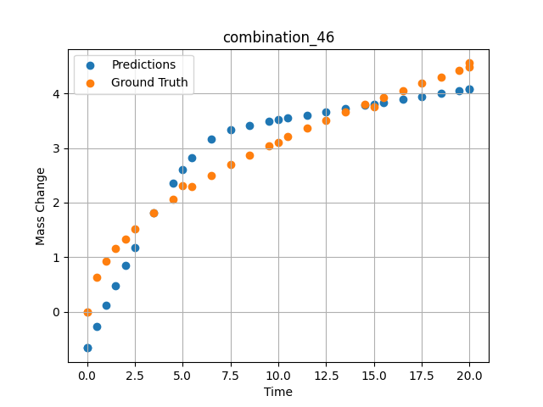
800 | 0 | 40 | 0 | 10 | 0 | 40 | 10 | 0 | 0.49049 | 0.6285 | -0.27857685089
800 | 0 | 40 | 0 | 10 | 0 | 40 | 10 | 0 | 1.48185 | 1.15858 | 0.47184753418
800 | 0 | 40 | 0 | 10 | 0 | 40 | 10 | 0 | 2.48284 | 1.51874 | 1.1735582352
800 | 0 | 40 | 0 | 10 | 0 | 40 | 10 | 0 | 3.49349 | 1.81437 | 1.8111047745
800 | 0 | 40 | 0 | 10 | 0 | 40 | 10 | 0 | 4.49449 | 2.0681 | 2.3635377884
800 | 0 | 40 | 0 | 10 | 0 | 40 | 10 | 0 | 5.48578 | 2.29345 | 2.8210000992
800 | 0 | 40 | 0 | 10 | 0 | 40 | 10 | 0 | 6.4965 | 2.50375 | 3.1672811508
800 | 0 | 40 | 0 | 10 | 0 | 40 | 10 | 0 | 7.4975 | 2.69691 | 3.3346166611
800 | 0 | 40 | 0 | 10 | 0 | 40 | 10 | 0 | 8.4985 | 2.87796 | 3.4210481644
800 | 0 | 40 | 0 | 10 | 0 | 40 | 10 | 0 | 9.4995 | 3.04898 | 3.4876451492
800 | 0 | 40 | 0 | 10 | 0 | 40 | 10 | 0 | 10.49069 | 3.20993 | 3.5479459763
800 | 0 | 40 | 0 | 10 | 0 | 40 | 10 | 0 | 11.5015 | 3.3667 | 3.6075429916
800 | 0 | 40 | 0 | 10 | 0 | 40 | 10 | 0 | 12.5025 | 3.51551 | 3.6657590866
800 | 0 | 40 | 0 | 10 | 0 | 40 | 10 | 0 | 13.5035 | 3.65868 | 3.7234430313
800 | 0 | 40 | 0 | 10 | 0 | 40 | 10 | 0 | 14.5045 | 3.79682 | 3.7806482315
800 | 0 | 40 | 0 | 10 | 0 | 40 | 10 | 0 | 15.49559 | 3.92912 | 3.8368368149
800 | 0 | 40 | 0 | 10 | 0 | 40 | 10 | 0 | 16.50651 | 4.05994 | 3.8936433792
800 | 0 | 40 | 0 | 10 | 0 | 40 | 10 | 0 | 17.50751 | 4.18572 | 3.9493741989
800 | 0 | 40 | 0 | 10 | 0 | 40 | 10 | 0 | 18.50851 | 4.30808 | 4.0045042038
800 | 0 | 40 | 0 | 10 | 0 | 40 | 10 | 0 | 19.44945 | 4.42025 | 4.0558366776
800 | 0 | 40 | 0 | 10 | 0 | 40 | 10 | 0 | 20 | 4.48474 | 4.0855989456

combination_47
800.0, 0.0, 45.0, 15.0, 30.0, 0.0, 10.0, 0.0
Temperature [C] | Zr [at%] | Nb [at%] | Mo [at%] | Cr [at%] | Al [at%] | Ti [at%] | Ta [at%] | W [at%] | Time [h] | Mass Change [mg.cm2] | Mass change - predictions
800 | 0 | 45 | 0 | 0 | 10 | 30 | 15 | 0 | 0 | 0 | 2.0041251183
800 | 0 | 45 | 0 | 0 | 10 | 30 | 15 | 0 | 1 | 1.56 | 1.6246805191
800 | 0 | 45 | 0 | 0 | 10 | 30 | 15 | 0 | 2 | 2.18 | 1.338555336
800 | 0 | 45 | 0 | 0 | 10 | 30 | 15 | 0 | 5 | 4.27 | 3.5534105301
800 | 0 | 45 | 0 | 0 | 10 | 30 | 15 | 0 | 10 | 5.54 | 6.2268075943
800 | 0 | 45 | 0 | 0 | 10 | 30 | 15 | 0 | 15 | 6.64 | 6.6297941208
800 | 0 | 45 | 0 | 0 | 10 | 30 | 15 | 0 | 20 | 7.17 | 7.0119199753
800 | 0 | 45 | 0 | 0 | 10 | 30 | 15 | 0 | 0 | 0 | 2.0041251183
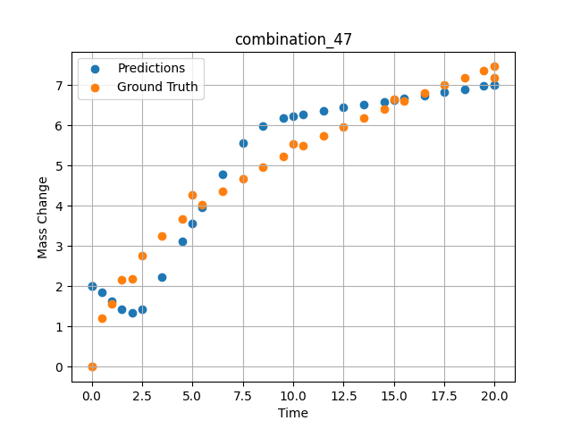
800 | 0 | 45 | 0 | 0 | 10 | 30 | 15 | 0 | 0.49049 | 1.19868 | 1.8522195816
800 | 0 | 45 | 0 | 0 | 10 | 30 | 15 | 0 | 1.48185 | 2.15425 | 1.4346914291
800 | 0 | 45 | 0 | 0 | 10 | 30 | 15 | 0 | 2.48284 | 2.76229 | 1.4194288254
800 | 0 | 45 | 0 | 0 | 10 | 30 | 15 | 0 | 3.49349 | 3.25213 | 2.2261705399
800 | 0 | 45 | 0 | 0 | 10 | 30 | 15 | 0 | 4.49449 | 3.66718 | 3.1179790497
800 | 0 | 45 | 0 | 0 | 10 | 30 | 15 | 0 | 5.48578 | 4.03226 | 3.9629268646
800 | 0 | 45 | 0 | 0 | 10 | 30 | 15 | 0 | 6.4965 | 4.37028 | 4.7855825424
800 | 0 | 45 | 0 | 0 | 10 | 30 | 15 | 0 | 7.4975 | 4.67867 | 5.5552206039
800 | 0 | 45 | 0 | 0 | 10 | 30 | 15 | 0 | 8.4985 | 4.96607 | 5.9921159744
800 | 0 | 45 | 0 | 0 | 10 | 30 | 15 | 0 | 9.4995 | 5.23618 | 6.1710157394
800 | 0 | 45 | 0 | 0 | 10 | 30 | 15 | 0 | 10.49069 | 5.48924 | 6.2735891342
800 | 0 | 45 | 0 | 0 | 10 | 30 | 15 | 0 | 11.5015 | 5.73472 | 6.3588247299
800 | 0 | 45 | 0 | 0 | 10 | 30 | 15 | 0 | 12.5025 | 5.96687 | 6.4377317429
800 | 0 | 45 | 0 | 0 | 10 | 30 | 15 | 0 | 13.5035 | 6.18945 | 6.5150156021
800 | 0 | 45 | 0 | 0 | 10 | 30 | 15 | 0 | 14.5045 | 6.40352 | 6.5918130875
800 | 0 | 45 | 0 | 0 | 10 | 30 | 15 | 0 | 15.49559 | 6.60795 | 6.6677179337
800 | 0 | 45 | 0 | 0 | 10 | 30 | 15 | 0 | 16.50651 | 6.80953 | 6.7450551987
800 | 0 | 45 | 0 | 0 | 10 | 30 | 15 | 0 | 17.50751 | 7.00284 | 6.8215742111
800 | 0 | 45 | 0 | 0 | 10 | 30 | 15 | 0 | 18.50851 | 7.19043 | 6.8980207443
800 | 0 | 45 | 0 | 0 | 10 | 30 | 15 | 0 | 19.44945 | 7.36201 | 6.9698839188
800 | 0 | 45 | 0 | 0 | 10 | 30 | 15 | 0 | 20 | 7.46051 | 7.011920929

