combination_1
1000.0, 25.0, 25.0, 0.0, 0.0, 25.0, 25.0, 0.0
Temperature [C] | Mo [at%] | Nb [at%] | Ta [at%] | Ti [at%] | Cr [at%] | Al [at%] | W [at%] | Zr [at%] | Time [h] | Mass Change [mg.cm2] | Mass change - predictions
1000 | 25 | 25 | 0 | 0 | 25 | 25 | 0 | 0 | 0 | 0 | 4.6869430542
1000 | 25 | 25 | 0 | 0 | 25 | 25 | 0 | 0 | 10 | 2.7906976744 | 5.5882153511
1000 | 25 | 25 | 0 | 0 | 25 | 25 | 0 | 0 | 15 | 7.9069767442 | 8.0953874588
1000 | 25 | 25 | 0 | 0 | 25 | 25 | 0 | 0 | 20 | 13.720930233 | 10.602561951
1000 | 25 | 25 | 0 | 0 | 25 | 25 | 0 | 0 | 25 | 16.744186047 | 13.109735489
1000 | 25 | 25 | 0 | 0 | 25 | 25 | 0 | 0 | 27 | 17.441860465 | 14.112602234
1000 | 25 | 25 | 0 | 0 | 25 | 25 | 0 | 0 | 30 | 16.511627907 | 15.61690712
1000 | 25 | 25 | 0 | 0 | 25 | 25 | 0 | 0 | 35 | 15.348837209 | 18.124080658
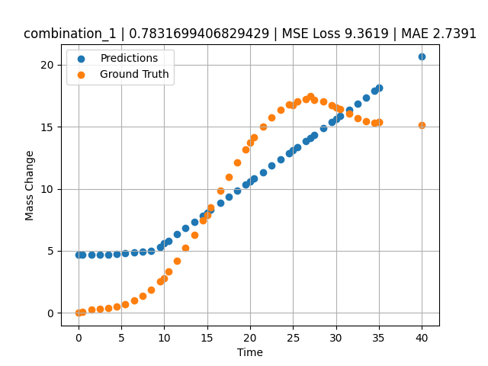
1000 | 25 | 25 | 0 | 0 | 25 | 25 | 0 | 0 | 40 | 15.11627907 | 20.631254196
1000 | 25 | 25 | 0 | 0 | 25 | 25 | 0 | 0 | 0.49049 | 0.11352 | 4.6869430542
1000 | 25 | 25 | 0 | 0 | 25 | 25 | 0 | 0 | 1.50651 | 0.25315 | 4.6869430542
1000 | 25 | 25 | 0 | 0 | 25 | 25 | 0 | 0 | 2.50176 | 0.3291 | 4.6869430542
1000 | 25 | 25 | 0 | 0 | 25 | 25 | 0 | 0 | 3.5035 | 0.40052 | 4.6869430542
1000 | 25 | 25 | 0 | 0 | 25 | 25 | 0 | 0 | 4.502 | 0.51111 | 4.7312746048
1000 | 25 | 25 | 0 | 0 | 25 | 25 | 0 | 0 | 5.48382 | 0.69263 | 4.799279213
1000 | 25 | 25 | 0 | 0 | 25 | 25 | 0 | 0 | 6.499 | 0.98012 | 4.8695955276
1000 | 25 | 25 | 0 | 0 | 25 | 25 | 0 | 0 | 7.4975 | 1.38086 | 4.9387555122
1000 | 25 | 25 | 0 | 0 | 25 | 25 | 0 | 0 | 8.47889 | 1.89642 | 5.0067310333
1000 | 25 | 25 | 0 | 0 | 25 | 25 | 0 | 0 | 9.49449 | 2.55961 | 5.3347349167
1000 | 25 | 25 | 0 | 0 | 25 | 25 | 0 | 0 | 10.47599 | 3.32187 | 5.8268938065
1000 | 25 | 25 | 0 | 0 | 25 | 25 | 0 | 0 | 11.49149 | 4.22659 | 6.3360996246
1000 | 25 | 25 | 0 | 0 | 25 | 25 | 0 | 0 | 12.49059 | 5.21784 | 6.8370838165
1000 | 25 | 25 | 0 | 0 | 25 | 25 | 0 | 0 | 13.50601 | 6.30862 | 7.3462500572
1000 | 25 | 25 | 0 | 0 | 25 | 25 | 0 | 0 | 14.5045 | 7.44295 | 7.846927166
1000 | 25 | 25 | 0 | 0 | 25 | 25 | 0 | 0 | 15.41562 | 8.51065 | 8.3037939072
1000 | 25 | 25 | 0 | 0 | 25 | 25 | 0 | 0 | 16.55405 | 9.85967 | 8.8746414185
1000 | 25 | 25 | 0 | 0 | 25 | 25 | 0 | 0 | 17.5 | 10.96697 | 9.3489742279
1000 | 25 | 25 | 0 | 0 | 25 | 25 | 0 | 0 | 18.4985 | 12.0966 | 9.8496551514
1000 | 25 | 25 | 0 | 0 | 25 | 25 | 0 | 0 | 19.497 | 13.16175 | 10.35033989
1000 | 25 | 25 | 0 | 0 | 25 | 25 | 0 | 0 | 20.47898 | 14.12223 | 10.842739105
1000 | 25 | 25 | 0 | 0 | 25 | 25 | 0 | 0 | 21.49399 | 15.00453 | 11.351697922
1000 | 25 | 25 | 0 | 0 | 25 | 25 | 0 | 0 | 22.49249 | 15.74206 | 11.85238266
1000 | 25 | 25 | 0 | 0 | 25 | 25 | 0 | 0 | 23.50851 | 16.34597 | 12.361848831
1000 | 25 | 25 | 0 | 0 | 25 | 25 | 0 | 0 | 24.50701 | 16.7853 | 12.862529755
1000 | 25 | 25 | 0 | 0 | 25 | 25 | 0 | 0 | 25.48866 | 17.0618 | 13.354763985
1000 | 25 | 25 | 0 | 0 | 25 | 25 | 0 | 0 | 26.504 | 17.1902 | 13.863891602
1000 | 25 | 25 | 0 | 0 | 25 | 25 | 0 | 0 | 27.48575 | 17.1666 | 14.356173515
1000 | 25 | 25 | 0 | 0 | 25 | 25 | 0 | 0 | 28.501 | 17.00867 | 14.865258217
1000 | 25 | 25 | 0 | 0 | 25 | 25 | 0 | 0 | 29.4995 | 16.74283 | 15.36593914
1000 | 25 | 25 | 0 | 0 | 25 | 25 | 0 | 0 | 30.48083 | 16.40843 | 15.858013153
1000 | 25 | 25 | 0 | 0 | 25 | 25 | 0 | 0 | 31.50901 | 16.02486 | 16.373575211
1000 | 25 | 25 | 0 | 0 | 25 | 25 | 0 | 0 | 32.49499 | 15.67865 | 16.867980957
1000 | 25 | 25 | 0 | 0 | 25 | 25 | 0 | 0 | 33.49349 | 15.41555 | 17.368663788
1000 | 25 | 25 | 0 | 0 | 25 | 25 | 0 | 0 | 34.49199 | 15.31626 | 17.869344711
1000 | 25 | 25 | 0 | 0 | 25 | 25 | 0 | 0 | 35 | 15.34548 | 18.124080658

combination_2
1000.0, 20.0, 20.0, 0.0, 20.0, 20.0, 20.0, 0.0
Temperature [C] | Mo [at%] | Nb [at%] | Ta [at%] | Ti [at%] | Cr [at%] | Al [at%] | W [at%] | Zr [at%] | Time [h] | Mass Change [mg.cm2] | Mass change - predictions
1000 | 20 | 20 | 0 | 20 | 20 | 20 | 0 | 0 | 50 | 11.395348837 | 11.057314873
1000 | 20 | 20 | 0 | 20 | 20 | 20 | 0 | 0 | 40 | 8.1395348837 | 6.7356128693
1000 | 20 | 20 | 0 | 20 | 20 | 20 | 0 | 0 | 35 | 6.976744186 | 4.6869430542
1000 | 20 | 20 | 0 | 20 | 20 | 20 | 0 | 0 | 30 | 5.5813953488 | 4.6869430542
1000 | 20 | 20 | 0 | 20 | 20 | 20 | 0 | 0 | 25 | 4.4186046512 | 4.6869430542
1000 | 20 | 20 | 0 | 20 | 20 | 20 | 0 | 0 | 20 | 3.2558139535 | 4.6869430542
1000 | 20 | 20 | 0 | 20 | 20 | 20 | 0 | 0 | 15 | 2.6046511628 | 4.6869430542
1000 | 20 | 20 | 0 | 20 | 20 | 20 | 0 | 0 | 10 | 1.8604651163 | 4.6869430542
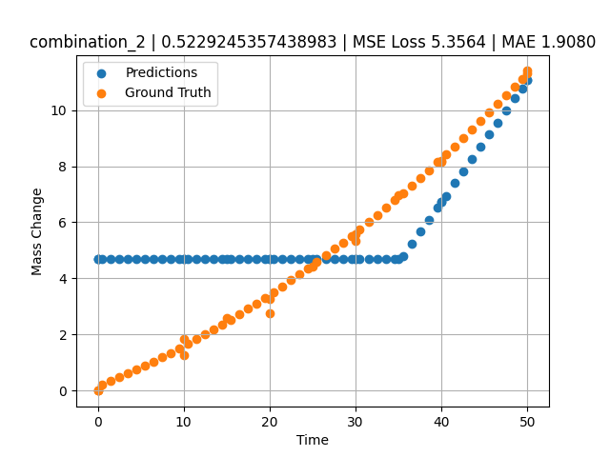
1000 | 20 | 20 | 0 | 20 | 20 | 20 | 0 | 0 | 0 | 0 | 4.6869430542
1000 | 20 | 20 | 0 | 20 | 20 | 20 | 0 | 0 | 0 | 0 | 4.6869430542
1000 | 20 | 20 | 0 | 20 | 20 | 20 | 0 | 0 | 10 | 1.2533333333 | 4.6869430542
1000 | 20 | 20 | 0 | 20 | 20 | 20 | 0 | 0 | 20 | 2.7466666667 | 4.6869430542
1000 | 20 | 20 | 0 | 20 | 20 | 20 | 0 | 0 | 30 | 5.3333333333 | 4.6869430542
1000 | 20 | 20 | 0 | 20 | 20 | 20 | 0 | 0 | 40 | 8.1866666667 | 6.7356128693
1000 | 20 | 20 | 0 | 20 | 20 | 20 | 0 | 0 | 0 | 0 | 4.6869430542
1000 | 20 | 20 | 0 | 20 | 20 | 20 | 0 | 0 | 0.49787 | 0.22717 | 4.6869430542
1000 | 20 | 20 | 0 | 20 | 20 | 20 | 0 | 0 | 1.47648 | 0.35069 | 4.6869430542
1000 | 20 | 20 | 0 | 20 | 20 | 20 | 0 | 0 | 2.47748 | 0.48101 | 4.6869430542
1000 | 20 | 20 | 0 | 20 | 20 | 20 | 0 | 0 | 3.47848 | 0.61536 | 4.6869430542
1000 | 20 | 20 | 0 | 20 | 20 | 20 | 0 | 0 | 4.47948 | 0.75375 | 4.6869430542
1000 | 20 | 20 | 0 | 20 | 20 | 20 | 0 | 0 | 5.48048 | 0.89617 | 4.6869430542
1000 | 20 | 20 | 0 | 20 | 20 | 20 | 0 | 0 | 6.48148 | 1.04262 | 4.6869430542
1000 | 20 | 20 | 0 | 20 | 20 | 20 | 0 | 0 | 7.48248 | 1.19311 | 4.6869430542
1000 | 20 | 20 | 0 | 20 | 20 | 20 | 0 | 0 | 8.48348 | 1.34763 | 4.6869430542
1000 | 20 | 20 | 0 | 20 | 20 | 20 | 0 | 0 | 9.48448 | 1.50619 | 4.6869430542
1000 | 20 | 20 | 0 | 20 | 20 | 20 | 0 | 0 | 10.46237 | 1.66499 | 4.6869430542
1000 | 20 | 20 | 0 | 20 | 20 | 20 | 0 | 0 | 11.48649 | 1.8354 | 4.6869430542
1000 | 20 | 20 | 0 | 20 | 20 | 20 | 0 | 0 | 12.48749 | 2.00606 | 4.6869430542
1000 | 20 | 20 | 0 | 20 | 20 | 20 | 0 | 0 | 13.48849 | 2.18075 | 4.6869430542
1000 | 20 | 20 | 0 | 20 | 20 | 20 | 0 | 0 | 14.48949 | 2.35947 | 4.6869430542
1000 | 20 | 20 | 0 | 20 | 20 | 20 | 0 | 0 | 15.46713 | 2.53794 | 4.6869430542
1000 | 20 | 20 | 0 | 20 | 20 | 20 | 0 | 0 | 16.49149 | 2.72902 | 4.6869430542
1000 | 20 | 20 | 0 | 20 | 20 | 20 | 0 | 0 | 17.49249 | 2.91985 | 4.6869430542
1000 | 20 | 20 | 0 | 20 | 20 | 20 | 0 | 0 | 18.49349 | 3.11471 | 4.6869430542
1000 | 20 | 20 | 0 | 20 | 20 | 20 | 0 | 0 | 19.49449 | 3.3136 | 4.6869430542
1000 | 20 | 20 | 0 | 20 | 20 | 20 | 0 | 0 | 20.4719 | 3.51171 | 4.6869430542
1000 | 20 | 20 | 0 | 20 | 20 | 20 | 0 | 0 | 21.4965 | 3.72349 | 4.6869430542
1000 | 20 | 20 | 0 | 20 | 20 | 20 | 0 | 0 | 22.4975 | 3.93448 | 4.6869430542
1000 | 20 | 20 | 0 | 20 | 20 | 20 | 0 | 0 | 23.4985 | 4.14951 | 4.6869430542
1000 | 20 | 20 | 0 | 20 | 20 | 20 | 0 | 0 | 24.4995 | 4.36857 | 4.6869430542
1000 | 20 | 20 | 0 | 20 | 20 | 20 | 0 | 0 | 25.47667 | 4.58632 | 4.6869430542
1000 | 20 | 20 | 0 | 20 | 20 | 20 | 0 | 0 | 26.5015 | 4.81879 | 4.6869430542
1000 | 20 | 20 | 0 | 20 | 20 | 20 | 0 | 0 | 27.5025 | 5.04996 | 4.6869430542
1000 | 20 | 20 | 0 | 20 | 20 | 20 | 0 | 0 | 28.5035 | 5.28515 | 4.6869430542
1000 | 20 | 20 | 0 | 20 | 20 | 20 | 0 | 0 | 29.5045 | 5.52438 | 4.6869430542
1000 | 20 | 20 | 0 | 20 | 20 | 20 | 0 | 0 | 30.48143 | 5.76176 | 4.6869430542
1000 | 20 | 20 | 0 | 20 | 20 | 20 | 0 | 0 | 31.50651 | 6.01494 | 4.6869430542
1000 | 20 | 20 | 0 | 20 | 20 | 20 | 0 | 0 | 32.50751 | 6.26627 | 4.6869430542
1000 | 20 | 20 | 0 | 20 | 20 | 20 | 0 | 0 | 33.50851 | 6.52164 | 4.6869430542
1000 | 20 | 20 | 0 | 20 | 20 | 20 | 0 | 0 | 34.50951 | 6.78104 | 4.6869430542
1000 | 20 | 20 | 0 | 20 | 20 | 20 | 0 | 0 | 35.4862 | 7.03804 | 4.7848825455
1000 | 20 | 20 | 0 | 20 | 20 | 20 | 0 | 0 | 36.51151 | 7.31193 | 5.2279901505
1000 | 20 | 20 | 0 | 20 | 20 | 20 | 0 | 0 | 37.51251 | 7.58343 | 5.6605930328
1000 | 20 | 20 | 0 | 20 | 20 | 20 | 0 | 0 | 38.51351 | 7.85896 | 6.0931954384
1000 | 20 | 20 | 0 | 20 | 20 | 20 | 0 | 0 | 39.51451 | 8.13853 | 6.5257978439
1000 | 20 | 20 | 0 | 20 | 20 | 20 | 0 | 0 | 40.49097 | 8.41514 | 6.9477930069
1000 | 20 | 20 | 0 | 20 | 20 | 20 | 0 | 0 | 41.51652 | 8.70977 | 7.3910069466
1000 | 20 | 20 | 0 | 20 | 20 | 20 | 0 | 0 | 42.51752 | 9.00143 | 7.8236079216
1000 | 20 | 20 | 0 | 20 | 20 | 20 | 0 | 0 | 43.51852 | 9.29713 | 8.2562122345
1000 | 20 | 20 | 0 | 20 | 20 | 20 | 0 | 0 | 44.51952 | 9.59687 | 8.6888132095
1000 | 20 | 20 | 0 | 20 | 20 | 20 | 0 | 0 | 45.52052 | 9.90064 | 9.1214141846
1000 | 20 | 20 | 0 | 20 | 20 | 20 | 0 | 0 | 46.52152 | 10.20844 | 9.5540180206
1000 | 20 | 20 | 0 | 20 | 20 | 20 | 0 | 0 | 47.52252 | 10.52028 | 9.9866228104
1000 | 20 | 20 | 0 | 20 | 20 | 20 | 0 | 0 | 48.52352 | 10.83615 | 10.419223785
1000 | 20 | 20 | 0 | 20 | 20 | 20 | 0 | 0 | 49.34935 | 11.09968 | 10.776124954
1000 | 20 | 20 | 0 | 20 | 20 | 20 | 0 | 0 | 50 | 11.30925 | 11.057314873

combination_3
1200.0, 19.5, 0.0, 20.1, 20.4, 19.8, 20.2, 0.0
Temperature [C] | Mo [at%] | Nb [at%] | Ta [at%] | Ti [at%] | Cr [at%] | Al [at%] | W [at%] | Zr [at%] | Time [h] | Mass Change [mg.cm2] | Mass change - predictions
1200 | 19.5 | 0 | 20.1 | 20.4 | 19.8 | 20.2 | 0 | 0 | 0 | 0 | 4.6869430542
1200 | 19.5 | 0 | 20.1 | 20.4 | 19.8 | 20.2 | 0 | 0 | 5 | 2.5454545455 | 4.6869430542
1200 | 19.5 | 0 | 20.1 | 20.4 | 19.8 | 20.2 | 0 | 0 | 10 | 3.5151515152 | 4.6869430542
1200 | 19.5 | 0 | 20.1 | 20.4 | 19.8 | 20.2 | 0 | 0 | 15 | 4.2424242424 | 4.6869430542
1200 | 19.5 | 0 | 20.1 | 20.4 | 19.8 | 20.2 | 0 | 0 | 20 | 4.8484848485 | 4.6869430542
1200 | 19.5 | 0 | 20.1 | 20.4 | 19.8 | 20.2 | 0 | 0 | 24 | 5.2727272727 | 4.6869430542
1200 | 19.5 | 0 | 20.1 | 20.4 | 19.8 | 20.2 | 0 | 0 | 0 | 0 | 4.6869430542
1200 | 19.5 | 0 | 20.1 | 20.4 | 19.8 | 20.2 | 0 | 0 | 5 | 2.5 | 4.6869430542
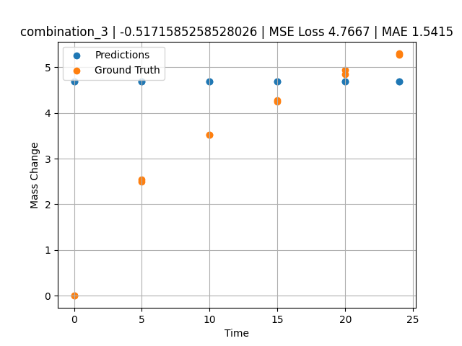
1200 | 19.5 | 0 | 20.1 | 20.4 | 19.8 | 20.2 | 0 | 0 | 10 | 3.5227272727 | 4.6869430542
1200 | 19.5 | 0 | 20.1 | 20.4 | 19.8 | 20.2 | 0 | 0 | 15 | 4.2727272727 | 4.6869430542
1200 | 19.5 | 0 | 20.1 | 20.4 | 19.8 | 20.2 | 0 | 0 | 20 | 4.9318181818 | 4.6869430542
1200 | 19.5 | 0 | 20.1 | 20.4 | 19.8 | 20.2 | 0 | 0 | 24 | 5.2954545455 | 4.6869430542

combination_4
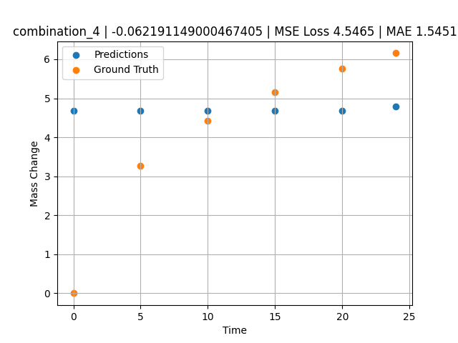
1200.0, 22.4, 0.0, 22.6, 10.1, 22.6, 22.3, 0.0
Temperature [C] | Mo [at%] | Nb [at%] | Ta [at%] | Ti [at%] | Cr [at%] | Al [at%] | W [at%] | Zr [at%] | Time [h] | Mass Change [mg.cm2] | Mass change - predictions
1200 | 22.4 | 0 | 22.6 | 10.1 | 22.6 | 22.3 | 0 | 0 | 0 | 0 | 4.6869430542
1200 | 22.4 | 0 | 22.6 | 10.1 | 22.6 | 22.3 | 0 | 0 | 5 | 3.2727272727 | 4.6869430542
1200 | 22.4 | 0 | 22.6 | 10.1 | 22.6 | 22.3 | 0 | 0 | 10 | 4.4242424242 | 4.6869430542
1200 | 22.4 | 0 | 22.6 | 10.1 | 22.6 | 22.3 | 0 | 0 | 15 | 5.1515151515 | 4.6869430542
1200 | 22.4 | 0 | 22.6 | 10.1 | 22.6 | 22.3 | 0 | 0 | 20 | 5.7575757576 | 4.6869430542
1200 | 22.4 | 0 | 22.6 | 10.1 | 22.6 | 22.3 | 0 | 0 | 24 | 6.1575757576 | 4.786239624

combination_5
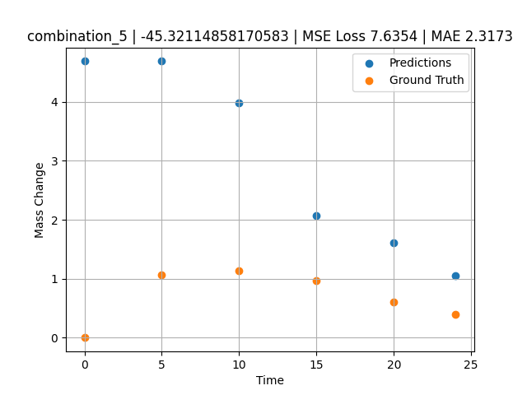
1200.0, 25.3, 0.0, 24.9, 0.0, 24.8, 25.0, 0.0
Temperature [C] | Mo [at%] | Nb [at%] | Ta [at%] | Ti [at%] | Cr [at%] | Al [at%] | W [at%] | Zr [at%] | Time [h] | Mass Change [mg.cm2] | Mass change - predictions
1200 | 25.3 | 0 | 24.9 | 0 | 24.8 | 25 | 0 | 0 | 0 | 0 | 4.6869430542
1200 | 25.3 | 0 | 24.9 | 0 | 24.8 | 25 | 0 | 0 | 5 | 1.0666666667 | 4.6869430542
1200 | 25.3 | 0 | 24.9 | 0 | 24.8 | 25 | 0 | 0 | 10 | 1.1393939394 | 3.9864125252
1200 | 25.3 | 0 | 24.9 | 0 | 24.8 | 25 | 0 | 0 | 15 | 0.9696969697 | 2.064968586
1200 | 25.3 | 0 | 24.9 | 0 | 24.8 | 25 | 0 | 0 | 20 | 0.60606060606 | 1.6131124496
1200 | 25.3 | 0 | 24.9 | 0 | 24.8 | 25 | 0 | 0 | 24 | 0.4 | 1.0475335121

combination_6
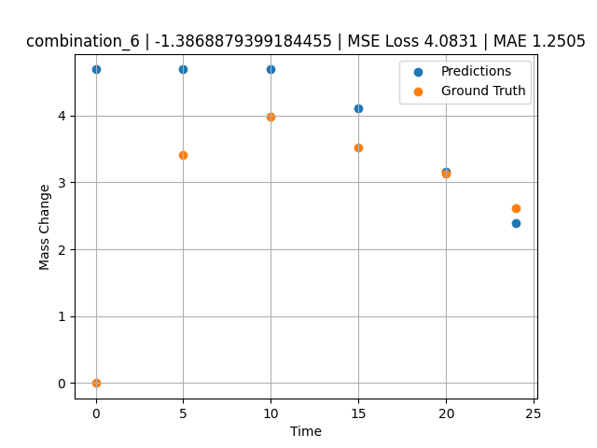
1200.0, 23.5, 0.0, 5.1, 23.7, 23.8, 23.9, 0.0
Temperature [C] | Mo [at%] | Nb [at%] | Ta [at%] | Ti [at%] | Cr [at%] | Al [at%] | W [at%] | Zr [at%] | Time [h] | Mass Change [mg.cm2] | Mass change - predictions
1200 | 23.5 | 0 | 5.1 | 23.7 | 23.8 | 23.9 | 0 | 0 | 0 | 0 | 4.6869430542
1200 | 23.5 | 0 | 5.1 | 23.7 | 23.8 | 23.9 | 0 | 0 | 5 | 3.4090909091 | 4.6869430542
1200 | 23.5 | 0 | 5.1 | 23.7 | 23.8 | 23.9 | 0 | 0 | 10 | 3.9772727273 | 4.6869430542
1200 | 23.5 | 0 | 5.1 | 23.7 | 23.8 | 23.9 | 0 | 0 | 15 | 3.5227272727 | 4.1098337173
1200 | 23.5 | 0 | 5.1 | 23.7 | 23.8 | 23.9 | 0 | 0 | 20 | 3.1363636364 | 3.1547880173
1200 | 23.5 | 0 | 5.1 | 23.7 | 23.8 | 23.9 | 0 | 0 | 24 | 2.6136363636 | 2.3907520771

combination_7
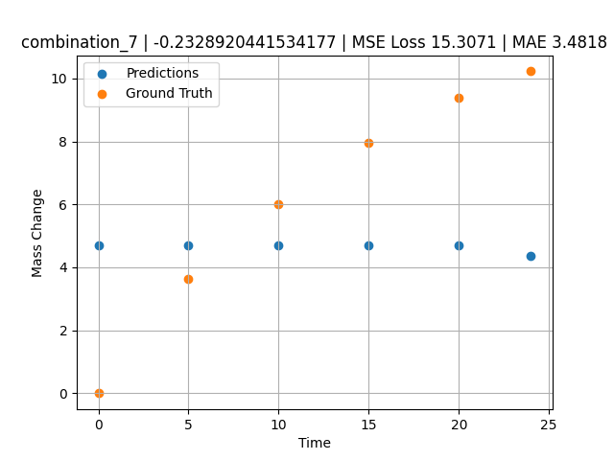
1200.0, 22.3, 0.0, 10.2, 22.7, 22.4, 22.4, 0.0
Temperature [C] | Mo [at%] | Nb [at%] | Ta [at%] | Ti [at%] | Cr [at%] | Al [at%] | W [at%] | Zr [at%] | Time [h] | Mass Change [mg.cm2] | Mass change - predictions
1200 | 22.3 | 0 | 10.2 | 22.7 | 22.4 | 22.4 | 0 | 0 | 0 | 0 | 4.6869430542
1200 | 22.3 | 0 | 10.2 | 22.7 | 22.4 | 22.4 | 0 | 0 | 5 | 3.6363636364 | 4.6869430542
1200 | 22.3 | 0 | 10.2 | 22.7 | 22.4 | 22.4 | 0 | 0 | 10 | 6.0227272727 | 4.6869430542
1200 | 22.3 | 0 | 10.2 | 22.7 | 22.4 | 22.4 | 0 | 0 | 15 | 7.9545454545 | 4.6869430542
1200 | 22.3 | 0 | 10.2 | 22.7 | 22.4 | 22.4 | 0 | 0 | 20 | 9.3863636364 | 4.6869430542
1200 | 22.3 | 0 | 10.2 | 22.7 | 22.4 | 22.4 | 0 | 0 | 24 | 10.227272727 | 4.3770108223

combination_8
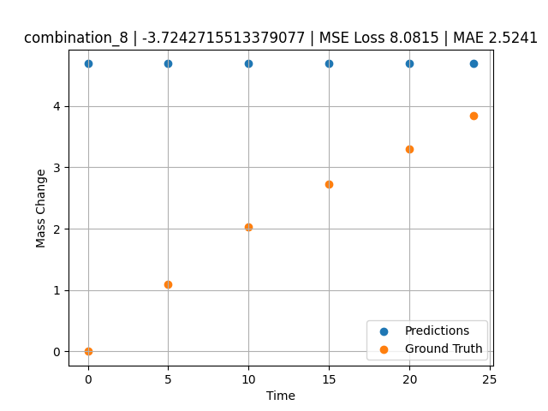
1200.0, 21.4, 0.0, 14.8, 21.1, 21.3, 21.4, 0.0
Temperature [C] | Mo [at%] | Nb [at%] | Ta [at%] | Ti [at%] | Cr [at%] | Al [at%] | W [at%] | Zr [at%] | Time [h] | Mass Change [mg.cm2] | Mass change - predictions
1200 | 21.4 | 0 | 14.8 | 21.1 | 21.3 | 21.4 | 0 | 0 | 0 | 0 | 4.6869430542
1200 | 21.4 | 0 | 14.8 | 21.1 | 21.3 | 21.4 | 0 | 0 | 5 | 1.0909090909 | 4.6869430542
1200 | 21.4 | 0 | 14.8 | 21.1 | 21.3 | 21.4 | 0 | 0 | 10 | 2.0227272727 | 4.6869430542
1200 | 21.4 | 0 | 14.8 | 21.1 | 21.3 | 21.4 | 0 | 0 | 15 | 2.7272727273 | 4.6869430542
1200 | 21.4 | 0 | 14.8 | 21.1 | 21.3 | 21.4 | 0 | 0 | 20 | 3.2954545455 | 4.6869430542
1200 | 21.4 | 0 | 14.8 | 21.1 | 21.3 | 21.4 | 0 | 0 | 24 | 3.8409090909 | 4.6869430542

combination_9
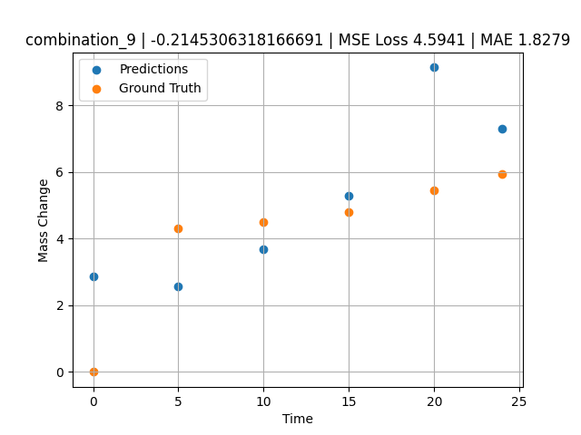
1200.0, 23.7, 0.0, 23.7, 23.8, 23.8, 5.0, 0.0
Temperature [C] | Mo [at%] | Nb [at%] | Ta [at%] | Ti [at%] | Cr [at%] | Al [at%] | W [at%] | Zr [at%] | Time [h] | Mass Change [mg.cm2] | Mass change - predictions
1200 | 23.7 | 0 | 23.7 | 23.8 | 23.8 | 5 | 0 | 0 | 0 | 0 | 2.8687086105
1200 | 23.7 | 0 | 23.7 | 23.8 | 23.8 | 5 | 0 | 0 | 5 | 4.3090909091 | 2.5724248886
1200 | 23.7 | 0 | 23.7 | 23.8 | 23.8 | 5 | 0 | 0 | 10 | 4.5054545455 | 3.6899113655
1200 | 23.7 | 0 | 23.7 | 23.8 | 23.8 | 5 | 0 | 0 | 15 | 4.7890909091 | 5.285607338
1200 | 23.7 | 0 | 23.7 | 23.8 | 23.8 | 5 | 0 | 0 | 20 | 5.4654545455 | 9.143078804
1200 | 23.7 | 0 | 23.7 | 23.8 | 23.8 | 5 | 0 | 0 | 24 | 5.9345454545 | 7.3066682816

combination_10
1200.0, 22.5, 0.0, 22.5, 22.5, 22.5, 10.0, 0.0
Temperature [C] | Mo [at%] | Nb [at%] | Ta [at%] | Ti [at%] | Cr [at%] | Al [at%] | W [at%] | Zr [at%] | Time [h] | Mass Change [mg.cm2] | Mass change - predictions
1200 | 22.5 | 0 | 22.5 | 22.5 | 22.5 | 10 | 0 | 0 | 0 | 0 | 4.6869430542
1200 | 22.5 | 0 | 22.5 | 22.5 | 22.5 | 10 | 0 | 0 | 5 | 2.3781818182 | 4.6869430542
1200 | 22.5 | 0 | 22.5 | 22.5 | 22.5 | 10 | 0 | 0 | 10 | 3.0981818182 | 4.6869430542
1200 | 22.5 | 0 | 22.5 | 22.5 | 22.5 | 10 | 0 | 0 | 15 | 3.48 | 4.028316021
1200 | 22.5 | 0 | 22.5 | 22.5 | 22.5 | 10 | 0 | 0 | 20 | 4.0909090909 | 5.0384497643
1200 | 22.5 | 0 | 22.5 | 22.5 | 22.5 | 10 | 0 | 0 | 24 | 4.68 | 2.0222771168
1200 | 22.5 | 0 | 22.5 | 22.5 | 22.5 | 10 | 0 | 0 | 0 | 0 | 4.6869430542
1200 | 22.5 | 0 | 22.5 | 22.5 | 22.5 | 10 | 0 | 0 | 0.49077 | 0.78063 | 4.6869430542
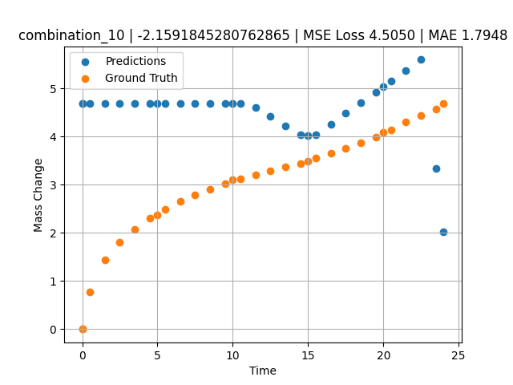
1200 | 22.5 | 0 | 22.5 | 22.5 | 22.5 | 10 | 0 | 0 | 1.49172 | 1.44748 | 4.6869430542
1200 | 22.5 | 0 | 22.5 | 22.5 | 22.5 | 10 | 0 | 0 | 2.49281 | 1.80541 | 4.6869430542
1200 | 22.5 | 0 | 22.5 | 22.5 | 22.5 | 10 | 0 | 0 | 3.49402 | 2.06956 | 4.6869430542
1200 | 22.5 | 0 | 22.5 | 22.5 | 22.5 | 10 | 0 | 0 | 4.4952 | 2.31087 | 4.6869430542
1200 | 22.5 | 0 | 22.5 | 22.5 | 22.5 | 10 | 0 | 0 | 5.49645 | 2.48841 | 4.6869430542
1200 | 22.5 | 0 | 22.5 | 22.5 | 22.5 | 10 | 0 | 0 | 6.49787 | 2.65793 | 4.6869430542
1200 | 22.5 | 0 | 22.5 | 22.5 | 22.5 | 10 | 0 | 0 | 7.49956 | 2.78535 | 4.6869430542
1200 | 22.5 | 0 | 22.5 | 22.5 | 22.5 | 10 | 0 | 0 | 8.50125 | 2.90731 | 4.6869430542
1200 | 22.5 | 0 | 22.5 | 22.5 | 22.5 | 10 | 0 | 0 | 9.50311 | 3.02433 | 4.6869430542
1200 | 22.5 | 0 | 22.5 | 22.5 | 22.5 | 10 | 0 | 0 | 10.50501 | 3.11618 | 4.6869430542
1200 | 22.5 | 0 | 22.5 | 22.5 | 22.5 | 10 | 0 | 0 | 11.50721 | 3.20469 | 4.6074538231
1200 | 22.5 | 0 | 22.5 | 22.5 | 22.5 | 10 | 0 | 0 | 12.49975 | 3.29282 | 4.4178695679
1200 | 22.5 | 0 | 22.5 | 22.5 | 22.5 | 10 | 0 | 0 | 13.4923 | 3.37455 | 4.2282838821
1200 | 22.5 | 0 | 22.5 | 22.5 | 22.5 | 10 | 0 | 0 | 14.49455 | 3.44501 | 4.0368456841
1200 | 22.5 | 0 | 22.5 | 22.5 | 22.5 | 10 | 0 | 0 | 15.49708 | 3.552 | 4.0379457474
1200 | 22.5 | 0 | 22.5 | 22.5 | 22.5 | 10 | 0 | 0 | 16.49956 | 3.65536 | 4.2561106682
1200 | 22.5 | 0 | 22.5 | 22.5 | 22.5 | 10 | 0 | 0 | 17.50221 | 3.7515 | 4.480199337
1200 | 22.5 | 0 | 22.5 | 22.5 | 22.5 | 10 | 0 | 0 | 18.5051 | 3.87105 | 4.7043428421
1200 | 22.5 | 0 | 22.5 | 22.5 | 22.5 | 10 | 0 | 0 | 19.50793 | 3.99229 | 4.9284729958
1200 | 22.5 | 0 | 22.5 | 22.5 | 22.5 | 10 | 0 | 0 | 20.50125 | 4.1354 | 5.1504774094
1200 | 22.5 | 0 | 22.5 | 22.5 | 22.5 | 10 | 0 | 0 | 21.49483 | 4.29738 | 5.3725395203
1200 | 22.5 | 0 | 22.5 | 22.5 | 22.5 | 10 | 0 | 0 | 22.49819 | 4.43636 | 5.5967888832
1200 | 22.5 | 0 | 22.5 | 22.5 | 22.5 | 10 | 0 | 0 | 23.49208 | 4.57312 | 3.3319933414

combination_11
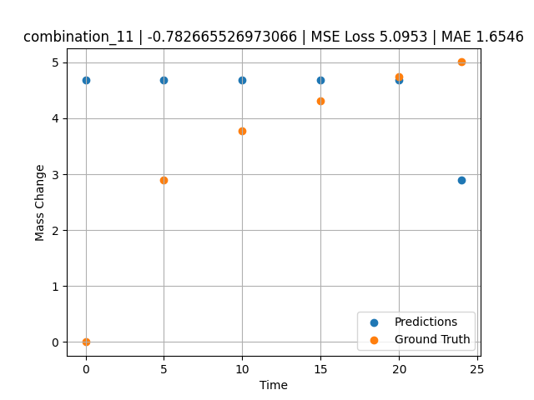
1200.0, 21.25, 0.0, 21.25, 21.25, 21.25, 15.0, 0.0
Temperature [C] | Mo [at%] | Nb [at%] | Ta [at%] | Ti [at%] | Cr [at%] | Al [at%] | W [at%] | Zr [at%] | Time [h] | Mass Change [mg.cm2] | Mass change - predictions
1200 | 21.25 | 0 | 21.25 | 21.25 | 21.25 | 15 | 0 | 0 | 0 | 0 | 4.6869430542
1200 | 21.25 | 0 | 21.25 | 21.25 | 21.25 | 15 | 0 | 0 | 5 | 2.9018181818 | 4.6869430542
1200 | 21.25 | 0 | 21.25 | 21.25 | 21.25 | 15 | 0 | 0 | 10 | 3.7745454545 | 4.6869430542
1200 | 21.25 | 0 | 21.25 | 21.25 | 21.25 | 15 | 0 | 0 | 15 | 4.3090909091 | 4.6869430542
1200 | 21.25 | 0 | 21.25 | 21.25 | 21.25 | 15 | 0 | 0 | 20 | 4.7454545455 | 4.6869430542
1200 | 21.25 | 0 | 21.25 | 21.25 | 21.25 | 15 | 0 | 0 | 24 | 5.0072727273 | 2.9003975391

combination_12
1200.0, 20.0, 0.0, 20.0, 20.0, 20.0, 20.0, 0.0
Temperature [C] | Mo [at%] | Nb [at%] | Ta [at%] | Ti [at%] | Cr [at%] | Al [at%] | W [at%] | Zr [at%] | Time [h] | Mass Change [mg.cm2] | Mass change - predictions
1200 | 20 | 0 | 20 | 20 | 20 | 20 | 0 | 0 | 0 | 0 | 4.6869430542
1200 | 20 | 0 | 20 | 20 | 20 | 20 | 0 | 0 | 5 | 2.5636363636 | 4.6869430542
1200 | 20 | 0 | 20 | 20 | 20 | 20 | 0 | 0 | 10 | 3.5563636364 | 4.6869430542
1200 | 20 | 0 | 20 | 20 | 20 | 20 | 0 | 0 | 15 | 4.3090909091 | 4.6869430542
1200 | 20 | 0 | 20 | 20 | 20 | 20 | 0 | 0 | 20 | 4.9090909091 | 4.6869430542
1200 | 20 | 0 | 20 | 20 | 20 | 20 | 0 | 0 | 24 | 5.3127272727 | 4.6869430542
1200 | 20 | 0 | 20 | 20 | 20 | 20 | 0 | 0 | 0 | 0 | 4.6869430542
1200 | 20 | 0 | 20 | 20 | 20 | 20 | 0 | 0 | 0.49082 | 0.71629 | 4.6869430542
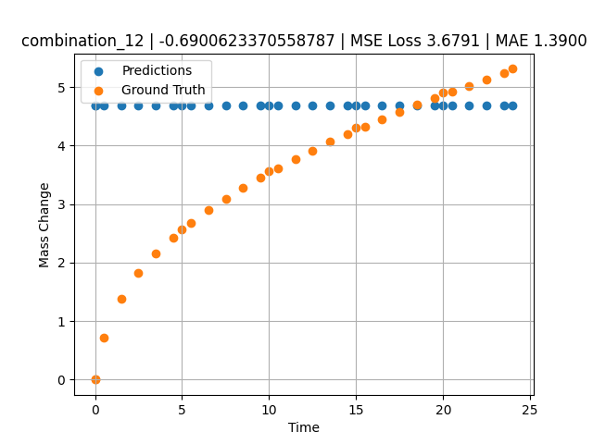
1200 | 20 | 0 | 20 | 20 | 20 | 20 | 0 | 0 | 1.49163 | 1.38441 | 4.6869430542
1200 | 20 | 0 | 20 | 20 | 20 | 20 | 0 | 0 | 2.49268 | 1.82409 | 4.6869430542
1200 | 20 | 0 | 20 | 20 | 20 | 20 | 0 | 0 | 3.49411 | 2.16264 | 4.6869430542
1200 | 20 | 0 | 20 | 20 | 20 | 20 | 0 | 0 | 4.49594 | 2.43164 | 4.6869430542
1200 | 20 | 0 | 20 | 20 | 20 | 20 | 0 | 0 | 5.4981 | 2.67331 | 4.6869430542
1200 | 20 | 0 | 20 | 20 | 20 | 20 | 0 | 0 | 6.50068 | 2.89296 | 4.6869430542
1200 | 20 | 0 | 20 | 20 | 20 | 20 | 0 | 0 | 7.50329 | 3.09115 | 4.6869430542
1200 | 20 | 0 | 20 | 20 | 20 | 20 | 0 | 0 | 8.50608 | 3.27802 | 4.6869430542
1200 | 20 | 0 | 20 | 20 | 20 | 20 | 0 | 0 | 9.49939 | 3.4518 | 4.6869430542
1200 | 20 | 0 | 20 | 20 | 20 | 20 | 0 | 0 | 10.4927 | 3.61285 | 4.6869430542
1200 | 20 | 0 | 20 | 20 | 20 | 20 | 0 | 0 | 11.49578 | 3.77185 | 4.6869430542
1200 | 20 | 0 | 20 | 20 | 20 | 20 | 0 | 0 | 12.49916 | 3.91739 | 4.6869430542
1200 | 20 | 0 | 20 | 20 | 20 | 20 | 0 | 0 | 13.50283 | 4.06345 | 4.6869430542
1200 | 20 | 0 | 20 | 20 | 20 | 20 | 0 | 0 | 14.50662 | 4.19848 | 4.6869430542
1200 | 20 | 0 | 20 | 20 | 20 | 20 | 0 | 0 | 15.50099 | 4.32824 | 4.6869430542
1200 | 20 | 0 | 20 | 20 | 20 | 20 | 0 | 0 | 16.49547 | 4.45466 | 4.6869430542
1200 | 20 | 0 | 20 | 20 | 20 | 20 | 0 | 0 | 17.49982 | 4.57472 | 4.6869430542
1200 | 20 | 0 | 20 | 20 | 20 | 20 | 0 | 0 | 18.50429 | 4.69457 | 4.6869430542
1200 | 20 | 0 | 20 | 20 | 20 | 20 | 0 | 0 | 19.49921 | 4.81208 | 4.6869430542
1200 | 20 | 0 | 20 | 20 | 20 | 20 | 0 | 0 | 20.49437 | 4.92042 | 4.6869430542
1200 | 20 | 0 | 20 | 20 | 20 | 20 | 0 | 0 | 21.4995 | 5.02611 | 4.6869430542
1200 | 20 | 0 | 20 | 20 | 20 | 20 | 0 | 0 | 22.50475 | 5.1328 | 4.6869430542
1200 | 20 | 0 | 20 | 20 | 20 | 20 | 0 | 0 | 23.50061 | 5.23529 | 4.6869430542

combination_13
1200.0, 0.0, 50.0, 0.0, 0.0, 50.0, 0.0, 0.0
Temperature [C] | Mo [at%] | Nb [at%] | Ta [at%] | Ti [at%] | Cr [at%] | Al [at%] | W [at%] | Zr [at%] | Time [h] | Mass Change [mg.cm2] | Mass change - predictions
1200 | 0 | 50 | 0 | 0 | 50 | 0 | 0 | 0 | 0 | 0 | 4.7087850571
1200 | 0 | 50 | 0 | 0 | 50 | 0 | 0 | 0 | 1 | 3.6496350365 | 4.9191684723
1200 | 0 | 50 | 0 | 0 | 50 | 0 | 0 | 0 | 8 | 8.6131386861 | 7.9592247009
1200 | 0 | 50 | 0 | 0 | 50 | 0 | 0 | 0 | 24 | 14.6 | 20.332843781
1200 | 0 | 50 | 0 | 0 | 50 | 0 | 0 | 0 | 0 | 0 | 4.7087850571
1200 | 0 | 50 | 0 | 0 | 50 | 0 | 0 | 0 | 0.49249 | 1.52361 | 4.8123970032
1200 | 0 | 50 | 0 | 0 | 50 | 0 | 0 | 0 | 1.5015 | 3.90346 | 5.0246763229
1200 | 0 | 50 | 0 | 0 | 50 | 0 | 0 | 0 | 2.4985 | 5.41279 | 5.3156766891
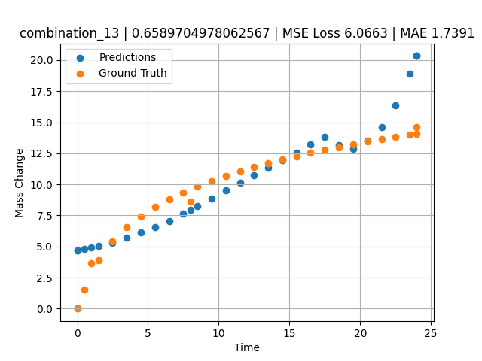
1200 | 0 | 50 | 0 | 0 | 50 | 0 | 0 | 0 | 3.4955 | 6.52981 | 5.7289395332
1200 | 0 | 50 | 0 | 0 | 50 | 0 | 0 | 0 | 4.5045 | 7.42843 | 6.1471767426
1200 | 0 | 50 | 0 | 0 | 50 | 0 | 0 | 0 | 5.5015 | 8.16539 | 6.5604395866
1200 | 0 | 50 | 0 | 0 | 50 | 0 | 0 | 0 | 6.4985 | 8.79549 | 7.0348367691
1200 | 0 | 50 | 0 | 0 | 50 | 0 | 0 | 0 | 7.4955 | 9.34644 | 7.6486339569
1200 | 0 | 50 | 0 | 0 | 50 | 0 | 0 | 0 | 8.49249 | 9.83548 | 8.2624225616
1200 | 0 | 50 | 0 | 0 | 50 | 0 | 0 | 0 | 9.5015 | 10.28047 | 8.8836116791
1200 | 0 | 50 | 0 | 0 | 50 | 0 | 0 | 0 | 10.4985 | 10.67984 | 9.4974079132
1200 | 0 | 50 | 0 | 0 | 50 | 0 | 0 | 0 | 11.4955 | 11.04568 | 10.111204147
1200 | 0 | 50 | 0 | 0 | 50 | 0 | 0 | 0 | 12.5045 | 11.38726 | 10.732387543
1200 | 0 | 50 | 0 | 0 | 50 | 0 | 0 | 0 | 13.5015 | 11.70052 | 11.346183777
1200 | 0 | 50 | 0 | 0 | 50 | 0 | 0 | 0 | 14.4985 | 11.99278 | 11.959980011
1200 | 0 | 50 | 0 | 0 | 50 | 0 | 0 | 0 | 15.4955 | 12.26682 | 12.573775291
1200 | 0 | 50 | 0 | 0 | 50 | 0 | 0 | 0 | 16.49249 | 12.52465 | 13.18756485
1200 | 0 | 50 | 0 | 0 | 50 | 0 | 0 | 0 | 17.5015 | 12.77103 | 13.811964989
1200 | 0 | 50 | 0 | 0 | 50 | 0 | 0 | 0 | 18.4985 | 13.0016 | 13.13725853
1200 | 0 | 50 | 0 | 0 | 50 | 0 | 0 | 0 | 19.4955 | 13.22059 | 12.851013184
1200 | 0 | 50 | 0 | 0 | 50 | 0 | 0 | 0 | 20.5045 | 13.43163 | 13.522326469
1200 | 0 | 50 | 0 | 0 | 50 | 0 | 0 | 0 | 21.5015 | 13.63064 | 14.601344109
1200 | 0 | 50 | 0 | 0 | 50 | 0 | 0 | 0 | 22.4985 | 13.82097 | 16.390708923
1200 | 0 | 50 | 0 | 0 | 50 | 0 | 0 | 0 | 23.4955 | 14.0034 | 18.933261871
1200 | 0 | 50 | 0 | 0 | 50 | 0 | 0 | 0 | 24 | 14.09317 | 20.332843781

combination_14
1200.0, 0.0, 33.7, 0.0, 33.9, 32.4, 0.0, 0.0
Temperature [C] | Mo [at%] | Nb [at%] | Ta [at%] | Ti [at%] | Cr [at%] | Al [at%] | W [at%] | Zr [at%] | Time [h] | Mass Change [mg.cm2] | Mass change - predictions
1200 | 0 | 33.7 | 0 | 33.9 | 32.4 | 0 | 0 | 0 | 0 | 0 | 5.3495092392
1200 | 0 | 33.7 | 0 | 33.9 | 32.4 | 0 | 0 | 0 | 1 | 5.5474452555 | 5.9651522636
1200 | 0 | 33.7 | 0 | 33.9 | 32.4 | 0 | 0 | 0 | 8 | 11.240875912 | 10.274652481
1200 | 0 | 33.7 | 0 | 33.9 | 32.4 | 0 | 0 | 0 | 24 | 19.2 | 24.037139893
1200 | 0 | 33.7 | 0 | 33.9 | 32.4 | 0 | 0 | 0 | 0 | 0 | 5.3495092392
1200 | 0 | 33.7 | 0 | 33.9 | 32.4 | 0 | 0 | 0 | 0.49249 | 2.56412 | 5.6527075768
1200 | 0 | 33.7 | 0 | 33.9 | 32.4 | 0 | 0 | 0 | 1.48984 | 5.41937 | 6.2667193413
1200 | 0 | 33.7 | 0 | 33.9 | 32.4 | 0 | 0 | 0 | 2.4985 | 7.32912 | 6.8876934052
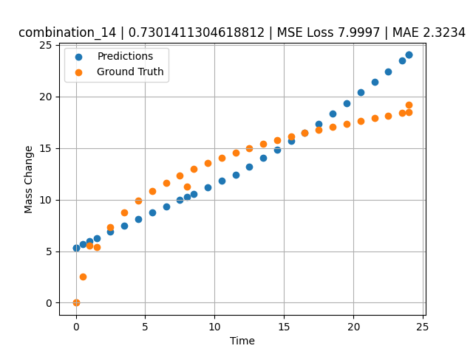
1200 | 0 | 33.7 | 0 | 33.9 | 32.4 | 0 | 0 | 0 | 3.4955 | 8.74014 | 7.5014896393
1200 | 0 | 33.7 | 0 | 33.9 | 32.4 | 0 | 0 | 0 | 4.5045 | 9.88382 | 8.1226730347
1200 | 0 | 33.7 | 0 | 33.9 | 32.4 | 0 | 0 | 0 | 5.5015 | 10.82642 | 8.7364692688
1200 | 0 | 33.7 | 0 | 33.9 | 32.4 | 0 | 0 | 0 | 6.4985 | 11.63515 | 9.3502645493
1200 | 0 | 33.7 | 0 | 33.9 | 32.4 | 0 | 0 | 0 | 7.4955 | 12.34412 | 9.9640607834
1200 | 0 | 33.7 | 0 | 33.9 | 32.4 | 0 | 0 | 0 | 8.49249 | 12.97471 | 10.577850342
1200 | 0 | 33.7 | 0 | 33.9 | 32.4 | 0 | 0 | 0 | 9.5015 | 13.54942 | 11.199039459
1200 | 0 | 33.7 | 0 | 33.9 | 32.4 | 0 | 0 | 0 | 10.4985 | 14.0659 | 11.812835693
1200 | 0 | 33.7 | 0 | 33.9 | 32.4 | 0 | 0 | 0 | 11.4955 | 14.53953 | 12.426631927
1200 | 0 | 33.7 | 0 | 33.9 | 32.4 | 0 | 0 | 0 | 12.5045 | 14.98218 | 13.211959839
1200 | 0 | 33.7 | 0 | 33.9 | 32.4 | 0 | 0 | 0 | 13.5015 | 15.38843 | 14.030566216
1200 | 0 | 33.7 | 0 | 33.9 | 32.4 | 0 | 0 | 0 | 14.4985 | 15.76772 | 14.849172592
1200 | 0 | 33.7 | 0 | 33.9 | 32.4 | 0 | 0 | 0 | 15.4955 | 16.12357 | 15.667778969
1200 | 0 | 33.7 | 0 | 33.9 | 32.4 | 0 | 0 | 0 | 16.49249 | 16.45856 | 16.486377716
1200 | 0 | 33.7 | 0 | 33.9 | 32.4 | 0 | 0 | 0 | 17.5015 | 16.77881 | 17.314844131
1200 | 0 | 33.7 | 0 | 33.9 | 32.4 | 0 | 0 | 0 | 18.4985 | 17.07865 | 18.326192856
1200 | 0 | 33.7 | 0 | 33.9 | 32.4 | 0 | 0 | 0 | 19.4955 | 17.36354 | 19.355545044
1200 | 0 | 33.7 | 0 | 33.9 | 32.4 | 0 | 0 | 0 | 20.5045 | 17.63817 | 20.397285461
1200 | 0 | 33.7 | 0 | 33.9 | 32.4 | 0 | 0 | 0 | 21.5015 | 17.89723 | 21.426639557
1200 | 0 | 33.7 | 0 | 33.9 | 32.4 | 0 | 0 | 0 | 22.4985 | 18.14506 | 22.455989838
1200 | 0 | 33.7 | 0 | 33.9 | 32.4 | 0 | 0 | 0 | 23.48348 | 18.37988 | 23.472930908
1200 | 0 | 33.7 | 0 | 33.9 | 32.4 | 0 | 0 | 0 | 24 | 18.49961 | 24.037139893

combination_15
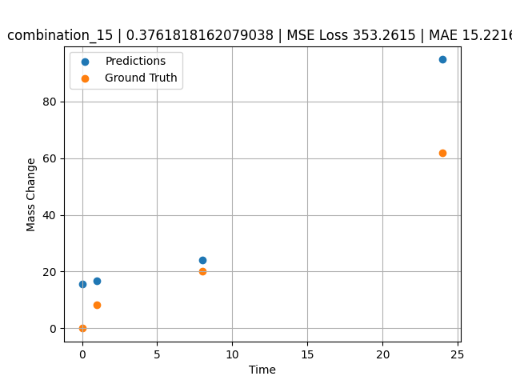
1200.0, 0.0, 26.0, 23.9, 25.6, 24.5, 0.0, 0.0
Temperature [C] | Mo [at%] | Nb [at%] | Ta [at%] | Ti [at%] | Cr [at%] | Al [at%] | W [at%] | Zr [at%] | Time [h] | Mass Change [mg.cm2] | Mass change - predictions
1200 | 0 | 26 | 23.9 | 25.6 | 24.5 | 0 | 0 | 0 | 0 | 0 | 15.736671448
1200 | 0 | 26 | 23.9 | 25.6 | 24.5 | 0 | 0 | 0 | 1 | 8.3211678832 | 16.769119263
1200 | 0 | 26 | 23.9 | 25.6 | 24.5 | 0 | 0 | 0 | 8 | 20.145985401 | 23.996267319
1200 | 0 | 26 | 23.9 | 25.6 | 24.5 | 0 | 0 | 0 | 24 | 61.9 | 94.751342773

combination_16
1200.0, 0.0, 33.6, 34.1, 32.3, 0.0, 0.0, 0.0
Temperature [C] | Mo [at%] | Nb [at%] | Ta [at%] | Ti [at%] | Cr [at%] | Al [at%] | W [at%] | Zr [at%] | Time [h] | Mass Change [mg.cm2] | Mass change - predictions
1200 | 0 | 33.6 | 34.1 | 32.3 | 0 | 0 | 0 | 0 | 0 | 0 | 42.810256958
1200 | 0 | 33.6 | 34.1 | 32.3 | 0 | 0 | 0 | 0 | 1 | 2.6 | 46.357769012
1200 | 0 | 33.6 | 34.1 | 32.3 | 0 | 0 | 0 | 0 | 4 | 40.3 | 67.586074829
1200 | 0 | 33.6 | 34.1 | 32.3 | 0 | 0 | 0 | 0 | 8 | 92.248062016 | 98.523429871
1200 | 0 | 33.6 | 34.1 | 32.3 | 0 | 0 | 0 | 0 | 24 | 247.28682171 | 222.27279663
1200 | 0 | 33.6 | 34.1 | 32.3 | 0 | 0 | 0 | 0 | 48 | 293.02325581 | 318.71386719
1200 | 0 | 33.6 | 34.1 | 32.3 | 0 | 0 | 0 | 0 | 0 | 0 | 42.810256958
1200 | 0 | 33.6 | 34.1 | 32.3 | 0 | 0 | 0 | 0 | 0.56527 | 2.00231 | 43.966339111
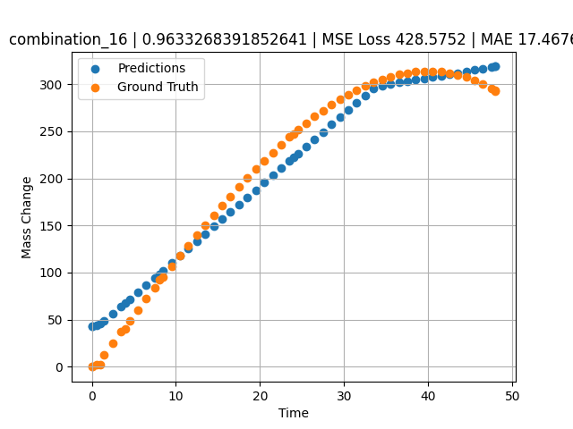
1200 | 0 | 33.6 | 34.1 | 32.3 | 0 | 0 | 0 | 0 | 1.46724 | 12.76104 | 49.188812256
1200 | 0 | 33.6 | 34.1 | 32.3 | 0 | 0 | 0 | 0 | 2.4985 | 25.04193 | 56.169067383
1200 | 0 | 33.6 | 34.1 | 32.3 | 0 | 0 | 0 | 0 | 3.50751 | 37.02166 | 63.776996613
1200 | 0 | 33.6 | 34.1 | 32.3 | 0 | 0 | 0 | 0 | 4.49304 | 48.67294 | 71.399421692
1200 | 0 | 33.6 | 34.1 | 32.3 | 0 | 0 | 0 | 0 | 5.5015 | 60.53039 | 79.199188232
1200 | 0 | 33.6 | 34.1 | 32.3 | 0 | 0 | 0 | 0 | 6.48649 | 72.03199 | 86.817420959
1200 | 0 | 33.6 | 34.1 | 32.3 | 0 | 0 | 0 | 0 | 7.4955 | 83.71838 | 94.621452332
1200 | 0 | 33.6 | 34.1 | 32.3 | 0 | 0 | 0 | 0 | 8.48157 | 95.03006 | 102.24803925
1200 | 0 | 33.6 | 34.1 | 32.3 | 0 | 0 | 0 | 0 | 9.51351 | 106.73793 | 110.22942352
1200 | 0 | 33.6 | 34.1 | 32.3 | 0 | 0 | 0 | 0 | 10.4985 | 117.7734 | 117.84766388
1200 | 0 | 33.6 | 34.1 | 32.3 | 0 | 0 | 0 | 0 | 11.48348 | 128.65641 | 125.4658432
1200 | 0 | 33.6 | 34.1 | 32.3 | 0 | 0 | 0 | 0 | 12.49249 | 139.63363 | 133.26986694
1200 | 0 | 33.6 | 34.1 | 32.3 | 0 | 0 | 0 | 0 | 13.5015 | 150.42152 | 141.07388306
1200 | 0 | 33.6 | 34.1 | 32.3 | 0 | 0 | 0 | 0 | 14.51051 | 161.00462 | 148.87789917
1200 | 0 | 33.6 | 34.1 | 32.3 | 0 | 0 | 0 | 0 | 15.4955 | 171.12427 | 156.49615479
1200 | 0 | 33.6 | 34.1 | 32.3 | 0 | 0 | 0 | 0 | 16.48048 | 181.01775 | 164.11428833
1200 | 0 | 33.6 | 34.1 | 32.3 | 0 | 0 | 0 | 0 | 17.48949 | 190.90578 | 171.91833496
1200 | 0 | 33.6 | 34.1 | 32.3 | 0 | 0 | 0 | 0 | 18.4985 | 200.52777 | 179.72238159
1200 | 0 | 33.6 | 34.1 | 32.3 | 0 | 0 | 0 | 0 | 19.50751 | 209.86822 | 187.52639771
1200 | 0 | 33.6 | 34.1 | 32.3 | 0 | 0 | 0 | 0 | 20.51652 | 218.91164 | 195.33041382
1200 | 0 | 33.6 | 34.1 | 32.3 | 0 | 0 | 0 | 0 | 21.5015 | 227.43968 | 202.94857788
1200 | 0 | 33.6 | 34.1 | 32.3 | 0 | 0 | 0 | 0 | 22.48649 | 235.65296 | 210.5668335
1200 | 0 | 33.6 | 34.1 | 32.3 | 0 | 0 | 0 | 0 | 23.4955 | 243.72904 | 218.37081909
1200 | 0 | 33.6 | 34.1 | 32.3 | 0 | 0 | 0 | 0 | 24.48157 | 251.27422 | 225.99743652
1200 | 0 | 33.6 | 34.1 | 32.3 | 0 | 0 | 0 | 0 | 25.51351 | 258.79091 | 233.9788208
1200 | 0 | 33.6 | 34.1 | 32.3 | 0 | 0 | 0 | 0 | 26.4985 | 265.58634 | 241.5970459
1200 | 0 | 33.6 | 34.1 | 32.3 | 0 | 0 | 0 | 0 | 27.48348 | 271.99328 | 249.21520996
1200 | 0 | 33.6 | 34.1 | 32.3 | 0 | 0 | 0 | 0 | 28.49249 | 278.14346 | 257.01922607
1200 | 0 | 33.6 | 34.1 | 32.3 | 0 | 0 | 0 | 0 | 29.5015 | 283.85864 | 264.82327271
1200 | 0 | 33.6 | 34.1 | 32.3 | 0 | 0 | 0 | 0 | 30.51051 | 289.12334 | 272.62728882
1200 | 0 | 33.6 | 34.1 | 32.3 | 0 | 0 | 0 | 0 | 31.4955 | 293.81519 | 280.24554443
1200 | 0 | 33.6 | 34.1 | 32.3 | 0 | 0 | 0 | 0 | 32.48048 | 298.04485 | 287.8637085
1200 | 0 | 33.6 | 34.1 | 32.3 | 0 | 0 | 0 | 0 | 33.48949 | 301.88914 | 295.55810547
1200 | 0 | 33.6 | 34.1 | 32.3 | 0 | 0 | 0 | 0 | 34.4985 | 305.22169 | 298.56170654
1200 | 0 | 33.6 | 34.1 | 32.3 | 0 | 0 | 0 | 0 | 35.50751 | 308.02703 | 300.06774902
1200 | 0 | 33.6 | 34.1 | 32.3 | 0 | 0 | 0 | 0 | 36.51652 | 310.28966 | 301.57373047
1200 | 0 | 33.6 | 34.1 | 32.3 | 0 | 0 | 0 | 0 | 37.5015 | 311.96232 | 303.04391479
1200 | 0 | 33.6 | 34.1 | 32.3 | 0 | 0 | 0 | 0 | 38.48649 | 313.08419 | 304.51409912
1200 | 0 | 33.6 | 34.1 | 32.3 | 0 | 0 | 0 | 0 | 39.4955 | 313.65412 | 306.0201416
1200 | 0 | 33.6 | 34.1 | 32.3 | 0 | 0 | 0 | 0 | 40.5045 | 313.62011 | 307.52615356
1200 | 0 | 33.6 | 34.1 | 32.3 | 0 | 0 | 0 | 0 | 41.51351 | 312.96665 | 309.03219604
1200 | 0 | 33.6 | 34.1 | 32.3 | 0 | 0 | 0 | 0 | 42.4985 | 311.71895 | 310.50241089
1200 | 0 | 33.6 | 34.1 | 32.3 | 0 | 0 | 0 | 0 | 43.48348 | 309.84673 | 311.97250366
1200 | 0 | 33.6 | 34.1 | 32.3 | 0 | 0 | 0 | 0 | 44.49249 | 307.27405 | 313.47857666
1200 | 0 | 33.6 | 34.1 | 32.3 | 0 | 0 | 0 | 0 | 45.5015 | 304.02068 | 314.98458862
1200 | 0 | 33.6 | 34.1 | 32.3 | 0 | 0 | 0 | 0 | 46.51051 | 300.07115 | 316.4906311
1200 | 0 | 33.6 | 34.1 | 32.3 | 0 | 0 | 0 | 0 | 47.4955 | 295.53213 | 317.96084595
1200 | 0 | 33.6 | 34.1 | 32.3 | 0 | 0 | 0 | 0 | 48 | 292.96623 | 318.71386719

combination_17
1200.0, 0.0, 34.2, 34.4, 0.0, 0.0, 0.0, 0.0
Temperature [C] | Mo [at%] | Nb [at%] | Ta [at%] | Ti [at%] | Cr [at%] | Al [at%] | W [at%] | Zr [at%] | Time [h] | Mass Change [mg.cm2] | Mass change - predictions
1200 | 0 | 34.2 | 34.4 | 0 | 0 | 0 | 0 | 30.9 | 0 | 0 | 98.022468567
1200 | 0 | 34.2 | 34.4 | 0 | 0 | 0 | 0 | 30.9 | 1 | 102.4 | 105.37538147
1200 | 0 | 34.2 | 34.4 | 0 | 0 | 0 | 0 | 30.9 | 2 | 117.1 | 112.72829437
1200 | 0 | 34.2 | 34.4 | 0 | 0 | 0 | 0 | 30.9 | 4 | 134.1 | 127.43412781
1200 | 0 | 34.2 | 34.4 | 0 | 0 | 0 | 0 | 30.9 | 6 | 170.7 | 142.13998413
1200 | 0 | 34.2 | 34.4 | 0 | 0 | 0 | 0 | 30.9 | 8 | 197.6 | 156.8458252
1200 | 0 | 34.2 | 34.4 | 0 | 0 | 0 | 0 | 30.9 | 24 | 229.3 | 225.48339844
1200 | 0 | 34.2 | 34.4 | 0 | 0 | 0 | 0 | 30.9 | 0 | 0 | 98.022468567
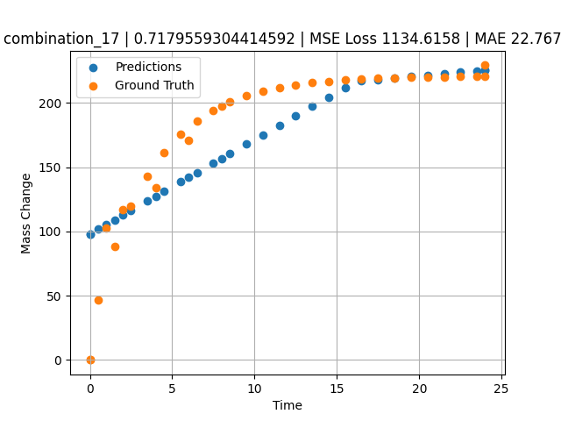
1200 | 0 | 34.2 | 34.4 | 0 | 0 | 0 | 0 | 30.9 | 0.49249 | 46.59609 | 101.64369965
1200 | 0 | 34.2 | 34.4 | 0 | 0 | 0 | 0 | 30.9 | 1.5015 | 88.32923 | 109.06287384
1200 | 0 | 34.2 | 34.4 | 0 | 0 | 0 | 0 | 30.9 | 2.4985 | 119.43947 | 116.39373016
1200 | 0 | 34.2 | 34.4 | 0 | 0 | 0 | 0 | 30.9 | 3.4955 | 143.22867 | 123.72459412
1200 | 0 | 34.2 | 34.4 | 0 | 0 | 0 | 0 | 30.9 | 4.5045 | 161.64161 | 131.14367676
1200 | 0 | 34.2 | 34.4 | 0 | 0 | 0 | 0 | 30.9 | 5.5015 | 175.552 | 138.47454834
1200 | 0 | 34.2 | 34.4 | 0 | 0 | 0 | 0 | 30.9 | 6.4985 | 186.18892 | 145.8053894
1200 | 0 | 34.2 | 34.4 | 0 | 0 | 0 | 0 | 30.9 | 7.4955 | 194.34026 | 153.13626099
1200 | 0 | 34.2 | 34.4 | 0 | 0 | 0 | 0 | 30.9 | 8.49249 | 200.57338 | 160.46704102
1200 | 0 | 34.2 | 34.4 | 0 | 0 | 0 | 0 | 30.9 | 9.5015 | 205.39784 | 167.88619995
1200 | 0 | 34.2 | 34.4 | 0 | 0 | 0 | 0 | 30.9 | 10.4985 | 209.04256 | 175.21707153
1200 | 0 | 34.2 | 34.4 | 0 | 0 | 0 | 0 | 30.9 | 11.4955 | 211.82959 | 182.54794312
1200 | 0 | 34.2 | 34.4 | 0 | 0 | 0 | 0 | 30.9 | 12.5045 | 213.98676 | 189.96704102
1200 | 0 | 34.2 | 34.4 | 0 | 0 | 0 | 0 | 30.9 | 13.5015 | 215.61644 | 197.29788208
1200 | 0 | 34.2 | 34.4 | 0 | 0 | 0 | 0 | 30.9 | 14.4985 | 216.86261 | 204.62875366
1200 | 0 | 34.2 | 34.4 | 0 | 0 | 0 | 0 | 30.9 | 15.4955 | 217.81758 | 211.95959473
1200 | 0 | 34.2 | 34.4 | 0 | 0 | 0 | 0 | 30.9 | 16.49249 | 218.54782 | 217.14129639
1200 | 0 | 34.2 | 34.4 | 0 | 0 | 0 | 0 | 30.9 | 17.5015 | 219.11303 | 218.26251221
1200 | 0 | 34.2 | 34.4 | 0 | 0 | 0 | 0 | 30.9 | 18.4985 | 219.54003 | 219.37033081
1200 | 0 | 34.2 | 34.4 | 0 | 0 | 0 | 0 | 30.9 | 19.4955 | 219.86655 | 220.47814941
1200 | 0 | 34.2 | 34.4 | 0 | 0 | 0 | 0 | 30.9 | 20.5045 | 220.11927 | 221.5993042
1200 | 0 | 34.2 | 34.4 | 0 | 0 | 0 | 0 | 30.9 | 21.5015 | 220.3102 | 222.70715332
1200 | 0 | 34.2 | 34.4 | 0 | 0 | 0 | 0 | 30.9 | 22.4985 | 220.45619 | 223.81500244
1200 | 0 | 34.2 | 34.4 | 0 | 0 | 0 | 0 | 30.9 | 23.4955 | 220.56807 | 224.92282104
1200 | 0 | 34.2 | 34.4 | 0 | 0 | 0 | 0 | 30.9 | 24 | 220.61516 | 225.48339844

combination_18
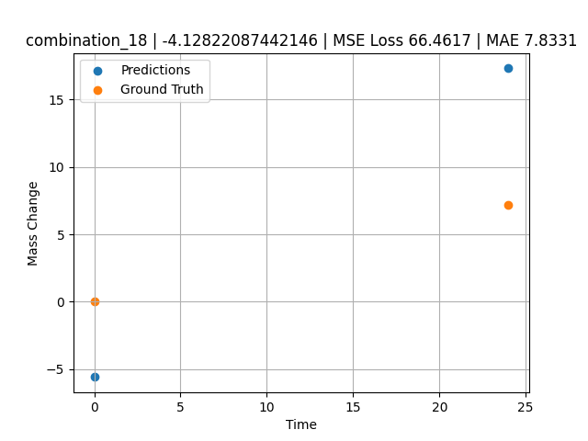
1200.0, 0.0, 0.0, 30.6, 36.8, 32.6, 0.0, 0.0
Temperature [C] | Mo [at%] | Nb [at%] | Ta [at%] | Ti [at%] | Cr [at%] | Al [at%] | W [at%] | Zr [at%] | Time [h] | Mass Change [mg.cm2] | Mass change - predictions
1200 | 0 | 0 | 30.6 | 36.8 | 32.6 | 0 | 0 | 0 | 0 | 0 | -5.5738554001
1200 | 0 | 0 | 30.6 | 36.8 | 32.6 | 0 | 0 | 0 | 24 | 7.2 | 17.292354584

combination_19
1200.0, 0.0, 0.0, 49.9, 12.2, 37.9, 0.0, 0.0
Temperature [C] | Mo [at%] | Nb [at%] | Ta [at%] | Ti [at%] | Cr [at%] | Al [at%] | W [at%] | Zr [at%] | Time [h] | Mass Change [mg.cm2] | Mass change - predictions
1200 | 0 | 0 | 49.9 | 12.2 | 37.9 | 0 | 0 | 0 | 0 | 0 | 2.8874435425
1200 | 0 | 0 | 49.9 | 12.2 | 37.9 | 0 | 0 | 0 | 5 | 8.2898550725 | 12.368207932
1200 | 0 | 0 | 49.9 | 12.2 | 37.9 | 0 | 0 | 0 | 10 | 12.434782609 | 25.090080261
1200 | 0 | 0 | 49.9 | 12.2 | 37.9 | 0 | 0 | 0 | 15 | 18.134057971 | 38.912208557
1200 | 0 | 0 | 49.9 | 12.2 | 37.9 | 0 | 0 | 0 | 17.5 | 24.869565217 | 45.823257446
1200 | 0 | 0 | 49.9 | 12.2 | 37.9 | 0 | 0 | 0 | 20 | 45.594202899 | 52.734313965
1200 | 0 | 0 | 49.9 | 12.2 | 37.9 | 0 | 0 | 0 | 24 | 71.5 | 63.791992188
1200 | 0 | 0 | 49.9 | 12.2 | 37.9 | 0 | 0 | 0 | 0 | 0 | 2.8874435425
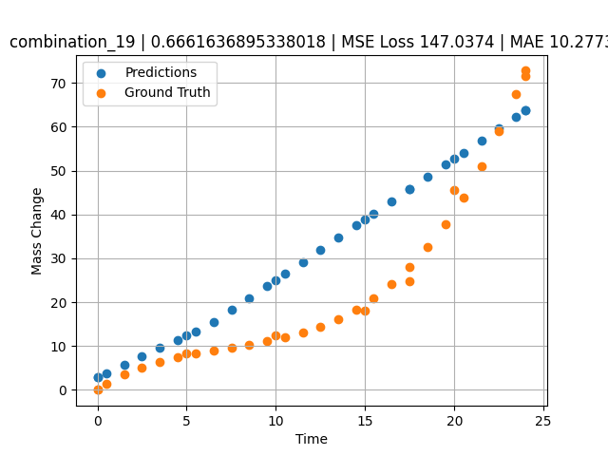
1200 | 0 | 0 | 49.9 | 12.2 | 37.9 | 0 | 0 | 0 | 0.49249 | 1.42149 | 3.8212709427
1200 | 0 | 0 | 49.9 | 12.2 | 37.9 | 0 | 0 | 0 | 1.5015 | 3.46774 | 5.7345237732
1200 | 0 | 0 | 49.9 | 12.2 | 37.9 | 0 | 0 | 0 | 2.4985 | 5.09174 | 7.6249771118
1200 | 0 | 0 | 49.9 | 12.2 | 37.9 | 0 | 0 | 0 | 3.4955 | 6.38605 | 9.5154342651
1200 | 0 | 0 | 49.9 | 12.2 | 37.9 | 0 | 0 | 0 | 4.5045 | 7.43134 | 11.428659439
1200 | 0 | 0 | 49.9 | 12.2 | 37.9 | 0 | 0 | 0 | 5.48956 | 8.26108 | 13.296470642
1200 | 0 | 0 | 49.9 | 12.2 | 37.9 | 0 | 0 | 0 | 6.4985 | 8.98419 | 15.410476685
1200 | 0 | 0 | 49.9 | 12.2 | 37.9 | 0 | 0 | 0 | 7.5035 | 9.64589 | 18.188711166
1200 | 0 | 0 | 49.9 | 12.2 | 37.9 | 0 | 0 | 0 | 8.49249 | 10.30729 | 20.922714233
1200 | 0 | 0 | 49.9 | 12.2 | 37.9 | 0 | 0 | 0 | 9.5015 | 11.06122 | 23.712028503
1200 | 0 | 0 | 49.9 | 12.2 | 37.9 | 0 | 0 | 0 | 10.48663 | 11.94099 | 26.435340881
1200 | 0 | 0 | 49.9 | 12.2 | 37.9 | 0 | 0 | 0 | 11.4955 | 13.05774 | 29.224277496
1200 | 0 | 0 | 49.9 | 12.2 | 37.9 | 0 | 0 | 0 | 12.5045 | 14.46245 | 32.013576508
1200 | 0 | 0 | 49.9 | 12.2 | 37.9 | 0 | 0 | 0 | 13.5015 | 16.2008 | 34.769702911
1200 | 0 | 0 | 49.9 | 12.2 | 37.9 | 0 | 0 | 0 | 14.4985 | 18.3577 | 37.525844574
1200 | 0 | 0 | 49.9 | 12.2 | 37.9 | 0 | 0 | 0 | 15.4837 | 20.96379 | 40.249347687
1200 | 0 | 0 | 49.9 | 12.2 | 37.9 | 0 | 0 | 0 | 16.49249 | 24.19061 | 43.03805542
1200 | 0 | 0 | 49.9 | 12.2 | 37.9 | 0 | 0 | 0 | 17.50147 | 28.05166 | 45.827323914
1200 | 0 | 0 | 49.9 | 12.2 | 37.9 | 0 | 0 | 0 | 18.4985 | 32.55855 | 48.583522797
1200 | 0 | 0 | 49.9 | 12.2 | 37.9 | 0 | 0 | 0 | 19.4955 | 37.823 | 51.33965683
1200 | 0 | 0 | 49.9 | 12.2 | 37.9 | 0 | 0 | 0 | 20.49277 | 43.91233 | 54.096546173
1200 | 0 | 0 | 49.9 | 12.2 | 37.9 | 0 | 0 | 0 | 21.5015 | 50.97282 | 56.885063171
1200 | 0 | 0 | 49.9 | 12.2 | 37.9 | 0 | 0 | 0 | 22.4985 | 58.92082 | 59.641212463
1200 | 0 | 0 | 49.9 | 12.2 | 37.9 | 0 | 0 | 0 | 23.45946 | 67.54177 | 62.297706604
1200 | 0 | 0 | 49.9 | 12.2 | 37.9 | 0 | 0 | 0 | 24 | 72.79782 | 63.791992188

combination_20
1200.0, 0.0, 0.0, 50.9, 37.2, 11.9, 0.0, 0.0
Temperature [C] | Mo [at%] | Nb [at%] | Ta [at%] | Ti [at%] | Cr [at%] | Al [at%] | W [at%] | Zr [at%] | Time [h] | Mass Change [mg.cm2] | Mass change - predictions
1200 | 0 | 0 | 50.9 | 37.2 | 11.9 | 0 | 0 | 0 | 0 | 0 | 11.016662598
1200 | 0 | 0 | 50.9 | 37.2 | 11.9 | 0 | 0 | 0 | 5 | 31.542083333 | 34.964038849
1200 | 0 | 0 | 50.9 | 37.2 | 11.9 | 0 | 0 | 0 | 10 | 59.464583333 | 65.500648499
1200 | 0 | 0 | 50.9 | 37.2 | 11.9 | 0 | 0 | 0 | 15 | 82.733333333 | 92.000617981
1200 | 0 | 0 | 50.9 | 37.2 | 11.9 | 0 | 0 | 0 | 20 | 106.51916667 | 108.51241302
1200 | 0 | 0 | 50.9 | 37.2 | 11.9 | 0 | 0 | 0 | 24 | 124.1 | 122.81020355
1200 | 0 | 0 | 50.9 | 37.2 | 11.9 | 0 | 0 | 0 | 0 | 0 | 11.016662598
1200 | 0 | 0 | 50.9 | 37.2 | 11.9 | 0 | 0 | 0 | 0.49249 | 3.32589 | 11.537794113
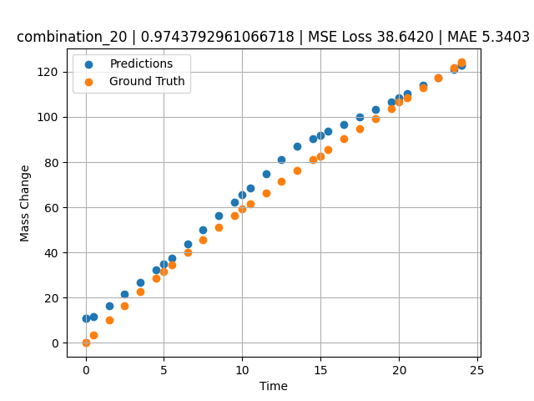
1200 | 0 | 0 | 50.9 | 37.2 | 11.9 | 0 | 0 | 0 | 1.5015 | 10.03119 | 16.324140549
1200 | 0 | 0 | 50.9 | 37.2 | 11.9 | 0 | 0 | 0 | 2.4985 | 16.44125 | 21.636123657
1200 | 0 | 0 | 50.9 | 37.2 | 11.9 | 0 | 0 | 0 | 3.4955 | 22.64739 | 26.948112488
1200 | 0 | 0 | 50.9 | 37.2 | 11.9 | 0 | 0 | 0 | 4.5045 | 28.73355 | 32.324035645
1200 | 0 | 0 | 50.9 | 37.2 | 11.9 | 0 | 0 | 0 | 5.48956 | 34.49707 | 37.572402954
1200 | 0 | 0 | 50.9 | 37.2 | 11.9 | 0 | 0 | 0 | 6.4985 | 40.22938 | 43.80450058
1200 | 0 | 0 | 50.9 | 37.2 | 11.9 | 0 | 0 | 0 | 7.4955 | 45.73568 | 49.982154846
1200 | 0 | 0 | 50.9 | 37.2 | 11.9 | 0 | 0 | 0 | 8.49249 | 51.09529 | 56.159751892
1200 | 0 | 0 | 50.9 | 37.2 | 11.9 | 0 | 0 | 0 | 9.5015 | 56.38263 | 62.411819458
1200 | 0 | 0 | 50.9 | 37.2 | 11.9 | 0 | 0 | 0 | 10.48663 | 61.42297 | 68.515914917
1200 | 0 | 0 | 50.9 | 37.2 | 11.9 | 0 | 0 | 0 | 11.4955 | 66.47152 | 74.767120361
1200 | 0 | 0 | 50.9 | 37.2 | 11.9 | 0 | 0 | 0 | 12.5045 | 71.41788 | 81.019126892
1200 | 0 | 0 | 50.9 | 37.2 | 11.9 | 0 | 0 | 0 | 13.5015 | 76.21596 | 87.196769714
1200 | 0 | 0 | 50.9 | 37.2 | 11.9 | 0 | 0 | 0 | 14.4985 | 80.93612 | 90.39931488
1200 | 0 | 0 | 50.9 | 37.2 | 11.9 | 0 | 0 | 0 | 15.4837 | 85.53549 | 93.545074463
1200 | 0 | 0 | 50.9 | 37.2 | 11.9 | 0 | 0 | 0 | 16.49249 | 90.18944 | 96.766181946
1200 | 0 | 0 | 50.9 | 37.2 | 11.9 | 0 | 0 | 0 | 17.5015 | 94.79986 | 99.987983704
1200 | 0 | 0 | 50.9 | 37.2 | 11.9 | 0 | 0 | 0 | 18.4985 | 99.32321 | 103.17142487
1200 | 0 | 0 | 50.9 | 37.2 | 11.9 | 0 | 0 | 0 | 19.4955 | 103.82588 | 106.70910645
1200 | 0 | 0 | 50.9 | 37.2 | 11.9 | 0 | 0 | 0 | 20.51128 | 108.40403 | 110.33995819
1200 | 0 | 0 | 50.9 | 37.2 | 11.9 | 0 | 0 | 0 | 21.5015 | 112.86918 | 113.87944794
1200 | 0 | 0 | 50.9 | 37.2 | 11.9 | 0 | 0 | 0 | 22.4985 | 117.37858 | 117.44317627
1200 | 0 | 0 | 50.9 | 37.2 | 11.9 | 0 | 0 | 0 | 23.4955 | 121.9129 | 121.00689697
1200 | 0 | 0 | 50.9 | 37.2 | 11.9 | 0 | 0 | 0 | 24 | 124.21884 | 122.81020355

combination_21
1200.0, 0.0, 0.0, 46.5, 22.5, 31.0, 0.0, 0.0
Temperature [C] | Mo [at%] | Nb [at%] | Ta [at%] | Ti [at%] | Cr [at%] | Al [at%] | W [at%] | Zr [at%] | Time [h] | Mass Change [mg.cm2] | Mass change - predictions
1200 | 0 | 0 | 46.5 | 22.5 | 31 | 0 | 0 | 0 | 0 | 0 | 22.222967148
1200 | 0 | 0 | 46.5 | 22.5 | 31 | 0 | 0 | 0 | 5 | 68.073076923 | 48.498035431
1200 | 0 | 0 | 46.5 | 22.5 | 31 | 0 | 0 | 0 | 10 | 121.19070513 | 76.597915649
1200 | 0 | 0 | 46.5 | 22.5 | 31 | 0 | 0 | 0 | 15 | 148.52307692 | 108.5341568
1200 | 0 | 0 | 46.5 | 22.5 | 31 | 0 | 0 | 0 | 20 | 159.35288462 | 140.47039795
1200 | 0 | 0 | 46.5 | 22.5 | 31 | 0 | 0 | 0 | 24 | 160.9 | 161.49224854
1200 | 0 | 0 | 46.5 | 22.5 | 31 | 0 | 0 | 0 | 0 | 0 | 22.222967148
1200 | 0 | 0 | 46.5 | 22.5 | 31 | 0 | 0 | 0 | 0.53801 | 8.21597 | 23.872406006
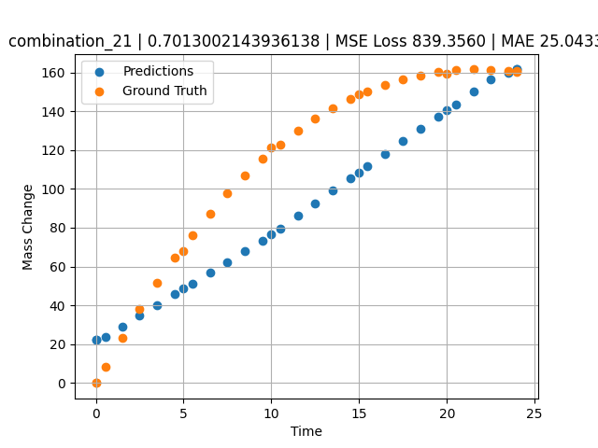
1200 | 0 | 0 | 46.5 | 22.5 | 31 | 0 | 0 | 0 | 1.5015 | 23.29686 | 29.189888
1200 | 0 | 0 | 46.5 | 22.5 | 31 | 0 | 0 | 0 | 2.4985 | 37.95309 | 34.692314148
1200 | 0 | 0 | 46.5 | 22.5 | 31 | 0 | 0 | 0 | 3.4955 | 51.65384 | 40.194732666
1200 | 0 | 0 | 46.5 | 22.5 | 31 | 0 | 0 | 0 | 4.5045 | 64.57589 | 45.763393402
1200 | 0 | 0 | 46.5 | 22.5 | 31 | 0 | 0 | 0 | 5.48956 | 76.29591 | 51.19990921
1200 | 0 | 0 | 46.5 | 22.5 | 31 | 0 | 0 | 0 | 6.4985 | 87.40608 | 56.768222809
1200 | 0 | 0 | 46.5 | 22.5 | 31 | 0 | 0 | 0 | 7.4955 | 97.52071 | 62.270652771
1200 | 0 | 0 | 46.5 | 22.5 | 31 | 0 | 0 | 0 | 8.49249 | 106.79416 | 67.773017883
1200 | 0 | 0 | 46.5 | 22.5 | 31 | 0 | 0 | 0 | 9.5015 | 115.35124 | 73.413856506
1200 | 0 | 0 | 46.5 | 22.5 | 31 | 0 | 0 | 0 | 10.48663 | 122.92292 | 79.706138611
1200 | 0 | 0 | 46.5 | 22.5 | 31 | 0 | 0 | 0 | 11.4955 | 129.89829 | 86.150039673
1200 | 0 | 0 | 46.5 | 22.5 | 31 | 0 | 0 | 0 | 12.5045 | 136.10997 | 92.594779968
1200 | 0 | 0 | 46.5 | 22.5 | 31 | 0 | 0 | 0 | 13.5015 | 141.52095 | 98.962860107
1200 | 0 | 0 | 46.5 | 22.5 | 31 | 0 | 0 | 0 | 14.4985 | 146.22811 | 105.33095551
1200 | 0 | 0 | 46.5 | 22.5 | 31 | 0 | 0 | 0 | 15.4837 | 150.21466 | 111.62368011
1200 | 0 | 0 | 46.5 | 22.5 | 31 | 0 | 0 | 0 | 16.49249 | 153.63313 | 118.06706238
1200 | 0 | 0 | 46.5 | 22.5 | 31 | 0 | 0 | 0 | 17.5015 | 156.40427 | 124.51187134
1200 | 0 | 0 | 46.5 | 22.5 | 31 | 0 | 0 | 0 | 18.4985 | 158.52997 | 130.87995911
1200 | 0 | 0 | 46.5 | 22.5 | 31 | 0 | 0 | 0 | 19.4955 | 160.06615 | 137.24804688
1200 | 0 | 0 | 46.5 | 22.5 | 31 | 0 | 0 | 0 | 20.49277 | 161.03822 | 143.61785889
1200 | 0 | 0 | 46.5 | 22.5 | 31 | 0 | 0 | 0 | 21.5015 | 161.47326 | 150.06088257
1200 | 0 | 0 | 46.5 | 22.5 | 31 | 0 | 0 | 0 | 22.4985 | 161.37827 | 156.42895508
1200 | 0 | 0 | 46.5 | 22.5 | 31 | 0 | 0 | 0 | 23.4955 | 160.78923 | 159.90374756
1200 | 0 | 0 | 46.5 | 22.5 | 31 | 0 | 0 | 0 | 24 | 160.32765 | 161.49224854

combination_22
1100.0, 20.0, 20.0, 0.0, 20.0, 20.0, 20.0, 0.0
Temperature [C] | Mo [at%] | Nb [at%] | Ta [at%] | Ti [at%] | Cr [at%] | Al [at%] | W [at%] | Zr [at%] | Time [h] | Mass Change [mg.cm2] | Mass change - predictions
1100 | 20 | 20 | 0 | 20 | 20 | 20 | 0 | 0 | 0 | 0 | 4.6869430542
1100 | 20 | 20 | 0 | 20 | 20 | 20 | 0 | 0 | 10 | 3.3534246575 | 4.6869430542
1100 | 20 | 20 | 0 | 20 | 20 | 20 | 0 | 0 | 20 | 5.4794520548 | 4.6869430542
1100 | 20 | 20 | 0 | 20 | 20 | 20 | 0 | 0 | 30 | 6.904109589 | 4.6869430542
1100 | 20 | 20 | 0 | 20 | 20 | 20 | 0 | 0 | 40 | 7.8465753425 | 7.2305440903
1100 | 20 | 20 | 0 | 20 | 20 | 20 | 0 | 0 | 48 | 8.3726027397 | 10.281902313
1100 | 20 | 20 | 0 | 20 | 20 | 20 | 0 | 0 | 0 | 0 | 4.6869430542
1100 | 20 | 20 | 0 | 20 | 20 | 20 | 0 | 0 | 0.48048 | 0.19946 | 4.6869430542
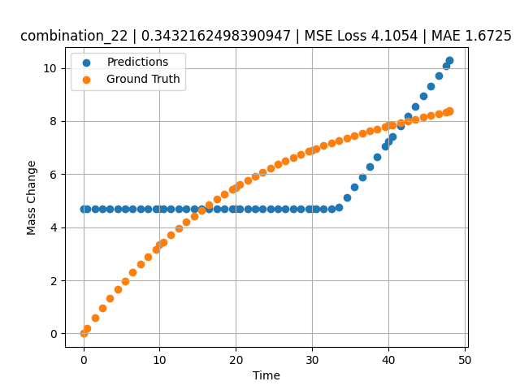
1100 | 20 | 20 | 0 | 20 | 20 | 20 | 0 | 0 | 1.48949 | 0.58439 | 4.6869430542
1100 | 20 | 20 | 0 | 20 | 20 | 20 | 0 | 0 | 2.4985 | 0.9555 | 4.6869430542
1100 | 20 | 20 | 0 | 20 | 20 | 20 | 0 | 0 | 3.50751 | 1.3131 | 4.6869430542
1100 | 20 | 20 | 0 | 20 | 20 | 20 | 0 | 0 | 4.51652 | 1.6575 | 4.6869430542
1100 | 20 | 20 | 0 | 20 | 20 | 20 | 0 | 0 | 5.5015 | 1.98132 | 4.6869430542
1100 | 20 | 20 | 0 | 20 | 20 | 20 | 0 | 0 | 6.48649 | 2.29304 | 4.6869430542
1100 | 20 | 20 | 0 | 20 | 20 | 20 | 0 | 0 | 7.4955 | 2.60028 | 4.6869430542
1100 | 20 | 20 | 0 | 20 | 20 | 20 | 0 | 0 | 8.5045 | 2.89555 | 4.6869430542
1100 | 20 | 20 | 0 | 20 | 20 | 20 | 0 | 0 | 9.51351 | 3.17915 | 4.6869430542
1100 | 20 | 20 | 0 | 20 | 20 | 20 | 0 | 0 | 10.47476 | 3.43876 | 4.6869430542
1100 | 20 | 20 | 0 | 20 | 20 | 20 | 0 | 0 | 11.48348 | 3.7004 | 4.6869430542
1100 | 20 | 20 | 0 | 20 | 20 | 20 | 0 | 0 | 12.49249 | 3.95137 | 4.6869430542
1100 | 20 | 20 | 0 | 20 | 20 | 20 | 0 | 0 | 13.5015 | 4.1919 | 4.6869430542
1100 | 20 | 20 | 0 | 20 | 20 | 20 | 0 | 0 | 14.51051 | 4.4223 | 4.6869430542
1100 | 20 | 20 | 0 | 20 | 20 | 20 | 0 | 0 | 15.4955 | 4.63778 | 4.6869430542
1100 | 20 | 20 | 0 | 20 | 20 | 20 | 0 | 0 | 16.48048 | 4.84412 | 4.6869430542
1100 | 20 | 20 | 0 | 20 | 20 | 20 | 0 | 0 | 17.48949 | 5.04642 | 4.6869430542
1100 | 20 | 20 | 0 | 20 | 20 | 20 | 0 | 0 | 18.4985 | 5.23981 | 4.6869430542
1100 | 20 | 20 | 0 | 20 | 20 | 20 | 0 | 0 | 19.50751 | 5.42461 | 4.6869430542
1100 | 20 | 20 | 0 | 20 | 20 | 20 | 0 | 0 | 20.49304 | 5.59708 | 4.6869430542
1100 | 20 | 20 | 0 | 20 | 20 | 20 | 0 | 0 | 21.5015 | 5.76578 | 4.6869430542
1100 | 20 | 20 | 0 | 20 | 20 | 20 | 0 | 0 | 22.48649 | 5.92305 | 4.6869430542
1100 | 20 | 20 | 0 | 20 | 20 | 20 | 0 | 0 | 23.4955 | 6.07691 | 4.6869430542
1100 | 20 | 20 | 0 | 20 | 20 | 20 | 0 | 0 | 24.5045 | 6.22371 | 4.6869430542
1100 | 20 | 20 | 0 | 20 | 20 | 20 | 0 | 0 | 25.51351 | 6.36376 | 4.6869430542
1100 | 20 | 20 | 0 | 20 | 20 | 20 | 0 | 0 | 26.4985 | 6.49429 | 4.6869430542
1100 | 20 | 20 | 0 | 20 | 20 | 20 | 0 | 0 | 27.48348 | 6.61891 | 4.6869430542
1100 | 20 | 20 | 0 | 20 | 20 | 20 | 0 | 0 | 28.49249 | 6.74084 | 4.6869430542
1100 | 20 | 20 | 0 | 20 | 20 | 20 | 0 | 0 | 29.5015 | 6.85724 | 4.6869430542
1100 | 20 | 20 | 0 | 20 | 20 | 20 | 0 | 0 | 30.48731 | 6.96591 | 4.6869430542
1100 | 20 | 20 | 0 | 20 | 20 | 20 | 0 | 0 | 31.4955 | 7.07225 | 4.6869430542
1100 | 20 | 20 | 0 | 20 | 20 | 20 | 0 | 0 | 32.48048 | 7.17165 | 4.6869430542
1100 | 20 | 20 | 0 | 20 | 20 | 20 | 0 | 0 | 33.48949 | 7.26924 | 4.7473087311
1100 | 20 | 20 | 0 | 20 | 20 | 20 | 0 | 0 | 34.4985 | 7.36284 | 5.132165432
1100 | 20 | 20 | 0 | 20 | 20 | 20 | 0 | 0 | 35.50751 | 7.45277 | 5.5170221329
1100 | 20 | 20 | 0 | 20 | 20 | 20 | 0 | 0 | 36.51652 | 7.53932 | 5.9018783569
1100 | 20 | 20 | 0 | 20 | 20 | 20 | 0 | 0 | 37.5015 | 7.62086 | 6.2775678635
1100 | 20 | 20 | 0 | 20 | 20 | 20 | 0 | 0 | 38.48649 | 7.69975 | 6.653263092
1100 | 20 | 20 | 0 | 20 | 20 | 20 | 0 | 0 | 39.4955 | 7.77816 | 7.0381183624
1100 | 20 | 20 | 0 | 20 | 20 | 20 | 0 | 0 | 40.48157 | 7.8527 | 7.4142251015
1100 | 20 | 20 | 0 | 20 | 20 | 20 | 0 | 0 | 41.51351 | 7.92883 | 7.8078269958
1100 | 20 | 20 | 0 | 20 | 20 | 20 | 0 | 0 | 42.4985 | 8.00001 | 8.1835222244
1100 | 20 | 20 | 0 | 20 | 20 | 20 | 0 | 0 | 43.48348 | 8.07001 | 8.5592126846
1100 | 20 | 20 | 0 | 20 | 20 | 20 | 0 | 0 | 44.49249 | 8.14082 | 8.9440689087
1100 | 20 | 20 | 0 | 20 | 20 | 20 | 0 | 0 | 45.5015 | 8.21101 | 9.3289241791
1100 | 20 | 20 | 0 | 20 | 20 | 20 | 0 | 0 | 46.51616 | 8.28129 | 9.7159366608
1100 | 20 | 20 | 0 | 20 | 20 | 20 | 0 | 0 | 47.4955 | 8.34913 | 10.089475632
1100 | 20 | 20 | 0 | 20 | 20 | 20 | 0 | 0 | 48 | 8.38416 | 10.281902313

combination_23
1100.0, 20.0, 0.0, 20.0, 20.0, 20.0, 20.0, 0.0
Temperature [C] | Mo [at%] | Nb [at%] | Ta [at%] | Ti [at%] | Cr [at%] | Al [at%] | W [at%] | Zr [at%] | Time [h] | Mass Change [mg.cm2] | Mass change - predictions
1100 | 20 | 0 | 20 | 20 | 20 | 20 | 0 | 0 | 0 | 0 | 4.6869430542
1100 | 20 | 0 | 20 | 20 | 20 | 20 | 0 | 0 | 10 | 1.5123287671 | 4.6869430542
1100 | 20 | 0 | 20 | 20 | 20 | 20 | 0 | 0 | 20 | 2.0164383562 | 4.6869430542
1100 | 20 | 0 | 20 | 20 | 20 | 20 | 0 | 0 | 30 | 2.4109589041 | 4.6869430542
1100 | 20 | 0 | 20 | 20 | 20 | 20 | 0 | 0 | 40 | 2.7178082192 | 4.6869430542
1100 | 20 | 0 | 20 | 20 | 20 | 20 | 0 | 0 | 48 | 3.002739726 | 4.6869430542
1100 | 20 | 0 | 20 | 20 | 20 | 20 | 0 | 0 | 0 | 0 | 4.6869430542
1100 | 20 | 0 | 20 | 20 | 20 | 20 | 0 | 0 | 0.48048 | 0.11006 | 4.6869430542
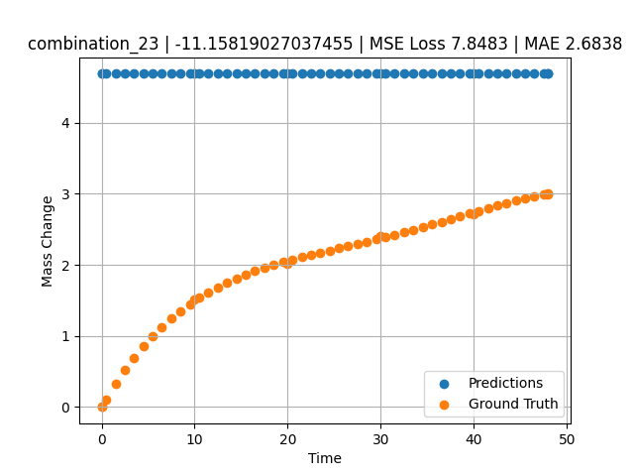
1100 | 20 | 0 | 20 | 20 | 20 | 20 | 0 | 0 | 1.48949 | 0.32168 | 4.6869430542
1100 | 20 | 0 | 20 | 20 | 20 | 20 | 0 | 0 | 2.4985 | 0.51495 | 4.6869430542
1100 | 20 | 0 | 20 | 20 | 20 | 20 | 0 | 0 | 3.50751 | 0.69112 | 4.6869430542
1100 | 20 | 0 | 20 | 20 | 20 | 20 | 0 | 0 | 4.51652 | 0.85139 | 4.6869430542
1100 | 20 | 0 | 20 | 20 | 20 | 20 | 0 | 0 | 5.5015 | 0.99367 | 4.6869430542
1100 | 20 | 0 | 20 | 20 | 20 | 20 | 0 | 0 | 6.48649 | 1.12287 | 4.6869430542
1100 | 20 | 0 | 20 | 20 | 20 | 20 | 0 | 0 | 7.4955 | 1.24285 | 4.6869430542
1100 | 20 | 0 | 20 | 20 | 20 | 20 | 0 | 0 | 8.5045 | 1.3513 | 4.6869430542
1100 | 20 | 0 | 20 | 20 | 20 | 20 | 0 | 0 | 9.51351 | 1.44923 | 4.6869430542
1100 | 20 | 0 | 20 | 20 | 20 | 20 | 0 | 0 | 10.47476 | 1.5336 | 4.6869430542
1100 | 20 | 0 | 20 | 20 | 20 | 20 | 0 | 0 | 11.48348 | 1.61366 | 4.6869430542
1100 | 20 | 0 | 20 | 20 | 20 | 20 | 0 | 0 | 12.49249 | 1.68593 | 4.6869430542
1100 | 20 | 0 | 20 | 20 | 20 | 20 | 0 | 0 | 13.5015 | 1.75122 | 4.6869430542
1100 | 20 | 0 | 20 | 20 | 20 | 20 | 0 | 0 | 14.51051 | 1.81031 | 4.6869430542
1100 | 20 | 0 | 20 | 20 | 20 | 20 | 0 | 0 | 15.4955 | 1.86275 | 4.6869430542
1100 | 20 | 0 | 20 | 20 | 20 | 20 | 0 | 0 | 16.48048 | 1.91063 | 4.6869430542
1100 | 20 | 0 | 20 | 20 | 20 | 20 | 0 | 0 | 17.48949 | 1.95565 | 4.6869430542
1100 | 20 | 0 | 20 | 20 | 20 | 20 | 0 | 0 | 18.4985 | 1.99719 | 4.6869430542
1100 | 20 | 0 | 20 | 20 | 20 | 20 | 0 | 0 | 19.50751 | 2.03585 | 4.6869430542
1100 | 20 | 0 | 20 | 20 | 20 | 20 | 0 | 0 | 20.49304 | 2.07132 | 4.6869430542
1100 | 20 | 0 | 20 | 20 | 20 | 20 | 0 | 0 | 21.5015 | 2.1058 | 4.6869430542
1100 | 20 | 0 | 20 | 20 | 20 | 20 | 0 | 0 | 22.48649 | 2.13811 | 4.6869430542
1100 | 20 | 0 | 20 | 20 | 20 | 20 | 0 | 0 | 23.4955 | 2.17023 | 4.6869430542
1100 | 20 | 0 | 20 | 20 | 20 | 20 | 0 | 0 | 24.5045 | 2.20173 | 4.6869430542
1100 | 20 | 0 | 20 | 20 | 20 | 20 | 0 | 0 | 25.51604 | 2.23302 | 4.6869430542
1100 | 20 | 0 | 20 | 20 | 20 | 20 | 0 | 0 | 26.4985 | 2.26341 | 4.6869430542
1100 | 20 | 0 | 20 | 20 | 20 | 20 | 0 | 0 | 27.48348 | 2.29411 | 4.6869430542
1100 | 20 | 0 | 20 | 20 | 20 | 20 | 0 | 0 | 28.49249 | 2.32601 | 4.6869430542
1100 | 20 | 0 | 20 | 20 | 20 | 20 | 0 | 0 | 29.5015 | 2.35853 | 4.6869430542
1100 | 20 | 0 | 20 | 20 | 20 | 20 | 0 | 0 | 30.48731 | 2.39102 | 4.6869430542
1100 | 20 | 0 | 20 | 20 | 20 | 20 | 0 | 0 | 31.4955 | 2.42505 | 4.6869430542
1100 | 20 | 0 | 20 | 20 | 20 | 20 | 0 | 0 | 32.48048 | 2.45913 | 4.6869430542
1100 | 20 | 0 | 20 | 20 | 20 | 20 | 0 | 0 | 33.48949 | 2.4949 | 4.6869430542
1100 | 20 | 0 | 20 | 20 | 20 | 20 | 0 | 0 | 34.4985 | 2.53149 | 4.6869430542
1100 | 20 | 0 | 20 | 20 | 20 | 20 | 0 | 0 | 35.50751 | 2.56882 | 4.6869430542
1100 | 20 | 0 | 20 | 20 | 20 | 20 | 0 | 0 | 36.51652 | 2.60677 | 4.6869430542
1100 | 20 | 0 | 20 | 20 | 20 | 20 | 0 | 0 | 37.5015 | 2.64424 | 4.6869430542
1100 | 20 | 0 | 20 | 20 | 20 | 20 | 0 | 0 | 38.48396 | 2.68184 | 4.6869430542
1100 | 20 | 0 | 20 | 20 | 20 | 20 | 0 | 0 | 39.4955 | 2.72055 | 4.6869430542
1100 | 20 | 0 | 20 | 20 | 20 | 20 | 0 | 0 | 40.48157 | 2.758 | 4.6869430542
1100 | 20 | 0 | 20 | 20 | 20 | 20 | 0 | 0 | 41.51351 | 2.79655 | 4.6869430542
1100 | 20 | 0 | 20 | 20 | 20 | 20 | 0 | 0 | 42.4985 | 2.83237 | 4.6869430542
1100 | 20 | 0 | 20 | 20 | 20 | 20 | 0 | 0 | 43.48348 | 2.86684 | 4.6869430542
1100 | 20 | 0 | 20 | 20 | 20 | 20 | 0 | 0 | 44.49249 | 2.9003 | 4.6869430542
1100 | 20 | 0 | 20 | 20 | 20 | 20 | 0 | 0 | 45.5015 | 2.9314 | 4.6869430542
1100 | 20 | 0 | 20 | 20 | 20 | 20 | 0 | 0 | 46.51051 | 2.9596 | 4.6869430542
1100 | 20 | 0 | 20 | 20 | 20 | 20 | 0 | 0 | 47.4955 | 2.98377 | 4.6869430542
1100 | 20 | 0 | 20 | 20 | 20 | 20 | 0 | 0 | 48 | 2.99484 | 4.6869430542

combination_24
1000.0, 20.0, 0.0, 20.0, 20.0, 20.0, 20.0, 20.0
Temperature [C] | Mo [at%] | Nb [at%] | Ta [at%] | Ti [at%] | Cr [at%] | Al [at%] | W [at%] | Zr [at%] | Time [h] | Mass Change [mg.cm2] | Mass change - predictions
1000 | 20 | 0 | 20 | 20 | 20 | 20 | 20 | 0 | 0 | 0 | 4.6869430542
1000 | 20 | 0 | 20 | 20 | 20 | 20 | 20 | 0 | 5 | 4.2 | 4.6869430542
1000 | 20 | 0 | 20 | 20 | 20 | 20 | 20 | 0 | 10 | 5.3 | 4.6869430542
1000 | 20 | 0 | 20 | 20 | 20 | 20 | 20 | 0 | 15 | 6 | 5.3119072914
1000 | 20 | 0 | 20 | 20 | 20 | 20 | 20 | 0 | 20 | 6.4 | 6.3175897598
1000 | 20 | 0 | 20 | 20 | 20 | 20 | 20 | 0 | 25 | 6.8 | 7.3232717514
1000 | 20 | 0 | 20 | 20 | 20 | 20 | 20 | 0 | 30 | 7.2 | 8.328953743
1000 | 20 | 0 | 20 | 20 | 20 | 20 | 20 | 0 | 35 | 7.6 | 9.3346347809
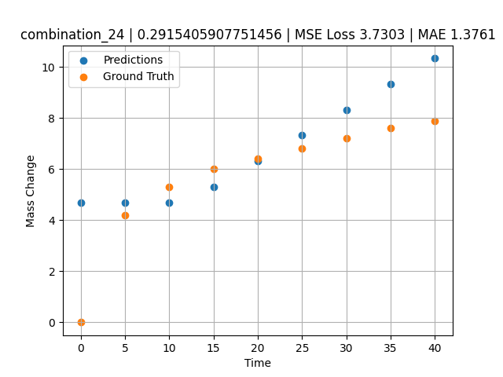
1000 | 20 | 0 | 20 | 20 | 20 | 20 | 20 | 0 | 40 | 7.9 | 10.340316772

combination_25
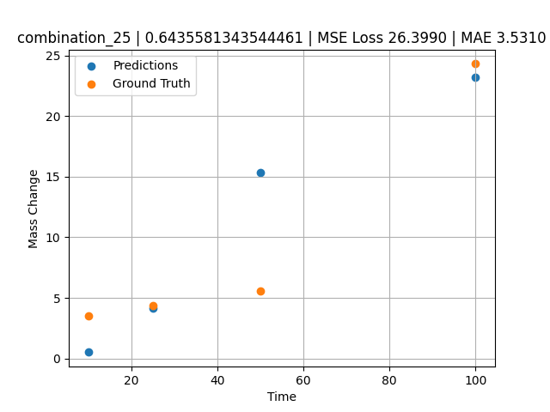
1000.0, 0.0, 0.0, 32.0, 32.0, 32.0, 4.0, 0.0
Temperature [C] | Mo [at%] | Nb [at%] | Ta [at%] | Ti [at%] | Cr [at%] | Al [at%] | W [at%] | Zr [at%] | Time [h] | Mass Change [mg.cm2] | Mass change - predictions
1000 | 0 | 0 | 32 | 32 | 32 | 4 | 0 | 0 | 100 | 24.3 | 23.189683914
1000 | 0 | 0 | 32 | 32 | 32 | 4 | 0 | 0 | 50 | 5.6 | 15.36938858
1000 | 0 | 0 | 32 | 32 | 32 | 4 | 0 | 0 | 25 | 4.4 | 4.1306853294
1000 | 0 | 0 | 32 | 32 | 32 | 4 | 0 | 0 | 10 | 3.5 | 0.52516937256

combination_26
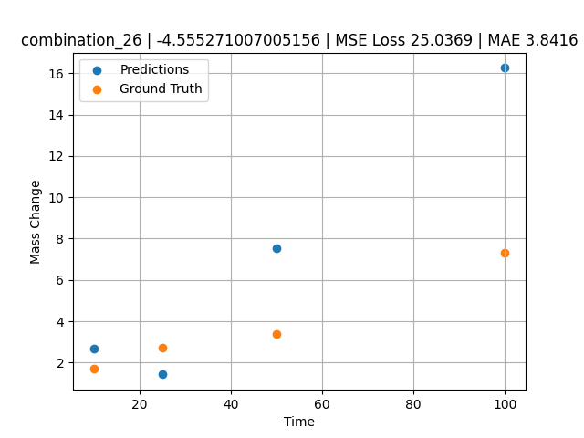
1000.0, 0.0, 0.0, 31.0, 31.0, 31.0, 9.0, 0.0
Temperature [C] | Mo [at%] | Nb [at%] | Ta [at%] | Ti [at%] | Cr [at%] | Al [at%] | W [at%] | Zr [at%] | Time [h] | Mass Change [mg.cm2] | Mass change - predictions
1000 | 0 | 0 | 31 | 31 | 31 | 9 | 0 | 0 | 100 | 7.3 | 16.261709213
1000 | 0 | 0 | 31 | 31 | 31 | 9 | 0 | 0 | 50 | 3.4 | 7.5540828705
1000 | 0 | 0 | 31 | 31 | 31 | 9 | 0 | 0 | 25 | 2.7 | 1.4223380089
1000 | 0 | 0 | 31 | 31 | 31 | 9 | 0 | 0 | 10 | 1.7 | 2.672929287

combination_27
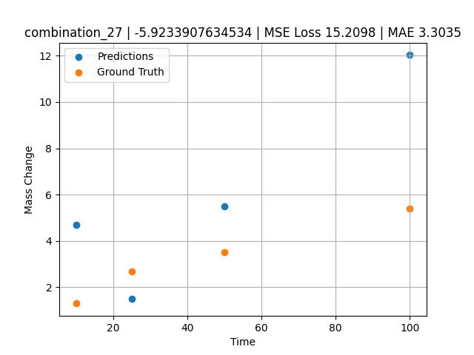
1000.0, 0.0, 0.0, 30.0, 30.0, 30.0, 10.0, 0.0
Temperature [C] | Mo [at%] | Nb [at%] | Ta [at%] | Ti [at%] | Cr [at%] | Al [at%] | W [at%] | Zr [at%] | Time [h] | Mass Change [mg.cm2] | Mass change - predictions
1000 | 0 | 0 | 30 | 30 | 30 | 10 | 0 | 0 | 100 | 5.4 | 12.02819252
1000 | 0 | 0 | 30 | 30 | 30 | 10 | 0 | 0 | 50 | 3.5 | 5.4985780716
1000 | 0 | 0 | 30 | 30 | 30 | 10 | 0 | 0 | 25 | 2.7 | 1.4997239113
1000 | 0 | 0 | 30 | 30 | 30 | 10 | 0 | 0 | 10 | 1.3 | 4.6869430542

combination_28
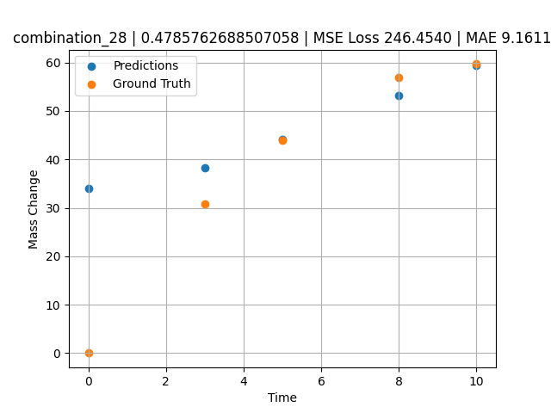
1000.0, 25.0, 25.0, 25.0, 0.0, 0.0, 0.0, 25.0
Temperature [C] | Mo [at%] | Nb [at%] | Ta [at%] | Ti [at%] | Cr [at%] | Al [at%] | W [at%] | Zr [at%] | Time [h] | Mass Change [mg.cm2] | Mass change - predictions
1000 | 25 | 25 | 25 | 0 | 0 | 0 | 25 | 0 | 0 | 0 | 34.081687927
1000 | 25 | 25 | 25 | 0 | 0 | 0 | 25 | 0 | 3 | 30.8 | 38.323295593
1000 | 25 | 25 | 25 | 0 | 0 | 0 | 25 | 0 | 5 | 44 | 44.118659973
1000 | 25 | 25 | 25 | 0 | 0 | 0 | 25 | 0 | 8 | 57 | 53.261436462
1000 | 25 | 25 | 25 | 0 | 0 | 0 | 25 | 0 | 10 | 59.7 | 59.356620789

combination_29
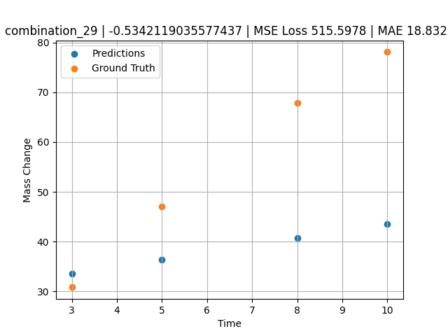
1000.0, 20.0, 20.0, 20.0, 20.0, 0.0, 0.0, 20.0
Temperature [C] | Mo [at%] | Nb [at%] | Ta [at%] | Ti [at%] | Cr [at%] | Al [at%] | W [at%] | Zr [at%] | Time [h] | Mass Change [mg.cm2] | Mass change - predictions
1000 | 20 | 20 | 20 | 20 | 0 | 0 | 20 | 0 | 3 | 30.8 | 33.587207794
1000 | 20 | 20 | 20 | 20 | 0 | 0 | 20 | 0 | 5 | 47.1 | 36.41494751
1000 | 20 | 20 | 20 | 20 | 0 | 0 | 20 | 0 | 8 | 67.9 | 40.656555176
1000 | 20 | 20 | 20 | 20 | 0 | 0 | 20 | 0 | 10 | 78.1 | 43.484294891

combination_30
1000.0, 10.0, 21.8, 11.9, 19.4, 18.4, 0.0, 0.0
Temperature [C] | Mo [at%] | Nb [at%] | Ta [at%] | Ti [at%] | Cr [at%] | Al [at%] | W [at%] | Zr [at%] | Time [h] | Mass Change [mg.cm2] | Mass change - predictions
1000 | 10 | 21.8 | 11.9 | 19.4 | 18.4 | 0 | 0 | 18.5 | 100 | 119 | 115.66005707
1000 | 10 | 21.8 | 11.9 | 19.4 | 18.4 | 0 | 0 | 18.5 | 24 | 50 | 45.765785217
1000 | 10 | 21.8 | 11.9 | 19.4 | 18.4 | 0 | 0 | 18.5 | 4 | 22 | 23.731510162
1000 | 10 | 21.8 | 11.9 | 19.4 | 18.4 | 0 | 0 | 18.5 | 2 | 15 | 21.528079987
1000 | 10 | 21.8 | 11.9 | 19.4 | 18.4 | 0 | 0 | 18.5 | 1 | 10 | 20.426368713
1000 | 10 | 21.8 | 11.9 | 19.4 | 18.4 | 0 | 0 | 18.5 | 0 | 0 | 19.324653625
1000 | 10 | 21.8 | 11.9 | 19.4 | 18.4 | 0 | 0 | 18.5 | 0.45045 | 7.87724 | 19.820919037
1000 | 10 | 21.8 | 11.9 | 19.4 | 18.4 | 0 | 0 | 18.5 | 1.45145 | 10.49835 | 20.923736572
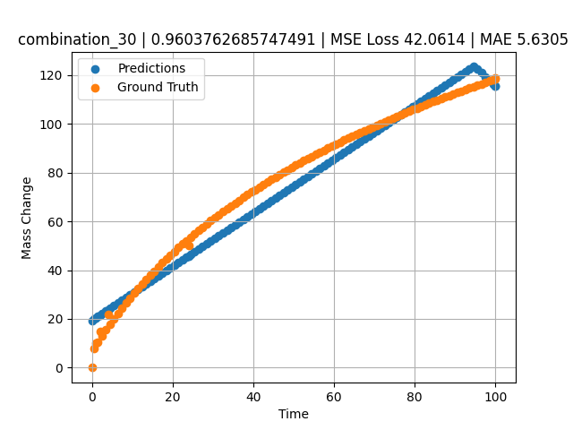
1000 | 10 | 21.8 | 11.9 | 19.4 | 18.4 | 0 | 0 | 18.5 | 2.45245 | 13.02627 | 22.0265522
1000 | 10 | 21.8 | 11.9 | 19.4 | 18.4 | 0 | 0 | 18.5 | 3.45345 | 15.46739 | 23.129367828
1000 | 10 | 21.8 | 11.9 | 19.4 | 18.4 | 0 | 0 | 18.5 | 4.45445 | 17.82748 | 24.232181549
1000 | 10 | 21.8 | 11.9 | 19.4 | 18.4 | 0 | 0 | 18.5 | 5.45546 | 20.11174 | 25.335006714
1000 | 10 | 21.8 | 11.9 | 19.4 | 18.4 | 0 | 0 | 18.5 | 6.45646 | 22.32489 | 26.437824249
1000 | 10 | 21.8 | 11.9 | 19.4 | 18.4 | 0 | 0 | 18.5 | 7.45746 | 24.47124 | 27.540639877
1000 | 10 | 21.8 | 11.9 | 19.4 | 18.4 | 0 | 0 | 18.5 | 8.45846 | 26.55469 | 28.643455505
1000 | 10 | 21.8 | 11.9 | 19.4 | 18.4 | 0 | 0 | 18.5 | 9.45946 | 28.57883 | 29.746269226
1000 | 10 | 21.8 | 11.9 | 19.4 | 18.4 | 0 | 0 | 18.5 | 10.46046 | 30.54693 | 30.849086761
1000 | 10 | 21.8 | 11.9 | 19.4 | 18.4 | 0 | 0 | 18.5 | 11.46146 | 32.46203 | 31.951898575
1000 | 10 | 21.8 | 11.9 | 19.4 | 18.4 | 0 | 0 | 18.5 | 12.46246 | 34.3269 | 33.054718018
1000 | 10 | 21.8 | 11.9 | 19.4 | 18.4 | 0 | 0 | 18.5 | 13.46346 | 36.14411 | 34.157531738
1000 | 10 | 21.8 | 11.9 | 19.4 | 18.4 | 0 | 0 | 18.5 | 14.46446 | 37.91603 | 35.260349274
1000 | 10 | 21.8 | 11.9 | 19.4 | 18.4 | 0 | 0 | 18.5 | 15.46547 | 39.64487 | 36.363174438
1000 | 10 | 21.8 | 11.9 | 19.4 | 18.4 | 0 | 0 | 18.5 | 16.46647 | 41.33267 | 37.465988159
1000 | 10 | 21.8 | 11.9 | 19.4 | 18.4 | 0 | 0 | 18.5 | 17.46747 | 42.98133 | 38.568805695
1000 | 10 | 21.8 | 11.9 | 19.4 | 18.4 | 0 | 0 | 18.5 | 18.46847 | 44.59264 | 39.67162323
1000 | 10 | 21.8 | 11.9 | 19.4 | 18.4 | 0 | 0 | 18.5 | 19.46947 | 46.16824 | 40.774436951
1000 | 10 | 21.8 | 11.9 | 19.4 | 18.4 | 0 | 0 | 18.5 | 20.47047 | 47.70968 | 41.877250671
1000 | 10 | 21.8 | 11.9 | 19.4 | 18.4 | 0 | 0 | 18.5 | 21.47147 | 49.21842 | 42.980068207
1000 | 10 | 21.8 | 11.9 | 19.4 | 18.4 | 0 | 0 | 18.5 | 22.47247 | 50.6958 | 44.082881927
1000 | 10 | 21.8 | 11.9 | 19.4 | 18.4 | 0 | 0 | 18.5 | 23.47347 | 52.14312 | 45.185699463
1000 | 10 | 21.8 | 11.9 | 19.4 | 18.4 | 0 | 0 | 18.5 | 24.47447 | 53.56157 | 46.288513184
1000 | 10 | 21.8 | 11.9 | 19.4 | 18.4 | 0 | 0 | 18.5 | 25.47548 | 54.95227 | 47.391342163
1000 | 10 | 21.8 | 11.9 | 19.4 | 18.4 | 0 | 0 | 18.5 | 26.47648 | 56.31629 | 48.494155884
1000 | 10 | 21.8 | 11.9 | 19.4 | 18.4 | 0 | 0 | 18.5 | 27.47748 | 57.65464 | 49.596969604
1000 | 10 | 21.8 | 11.9 | 19.4 | 18.4 | 0 | 0 | 18.5 | 28.47848 | 58.96827 | 50.69978714
1000 | 10 | 21.8 | 11.9 | 19.4 | 18.4 | 0 | 0 | 18.5 | 29.47948 | 60.25807 | 51.802604675
1000 | 10 | 21.8 | 11.9 | 19.4 | 18.4 | 0 | 0 | 18.5 | 30.48048 | 61.52489 | 52.905418396
1000 | 10 | 21.8 | 11.9 | 19.4 | 18.4 | 0 | 0 | 18.5 | 31.48148 | 62.76953 | 54.008235931
1000 | 10 | 21.8 | 11.9 | 19.4 | 18.4 | 0 | 0 | 18.5 | 32.48248 | 63.99277 | 55.111053467
1000 | 10 | 21.8 | 11.9 | 19.4 | 18.4 | 0 | 0 | 18.5 | 33.48348 | 65.19531 | 56.213859558
1000 | 10 | 21.8 | 11.9 | 19.4 | 18.4 | 0 | 0 | 18.5 | 34.48448 | 66.37786 | 57.316677094
1000 | 10 | 21.8 | 11.9 | 19.4 | 18.4 | 0 | 0 | 18.5 | 35.48549 | 67.54107 | 58.419506073
1000 | 10 | 21.8 | 11.9 | 19.4 | 18.4 | 0 | 0 | 18.5 | 36.48649 | 68.68555 | 59.522323608
1000 | 10 | 21.8 | 11.9 | 19.4 | 18.4 | 0 | 0 | 18.5 | 37.48749 | 69.8119 | 60.625137329
1000 | 10 | 21.8 | 11.9 | 19.4 | 18.4 | 0 | 0 | 18.5 | 38.48849 | 70.92069 | 61.72795105
1000 | 10 | 21.8 | 11.9 | 19.4 | 18.4 | 0 | 0 | 18.5 | 39.48949 | 72.01245 | 62.830764771
1000 | 10 | 21.8 | 11.9 | 19.4 | 18.4 | 0 | 0 | 18.5 | 40.49049 | 73.08771 | 63.933582306
1000 | 10 | 21.8 | 11.9 | 19.4 | 18.4 | 0 | 0 | 18.5 | 41.49149 | 74.14695 | 65.036399841
1000 | 10 | 21.8 | 11.9 | 19.4 | 18.4 | 0 | 0 | 18.5 | 42.49249 | 75.19064 | 66.139213562
1000 | 10 | 21.8 | 11.9 | 19.4 | 18.4 | 0 | 0 | 18.5 | 43.49349 | 76.21923 | 67.242034912
1000 | 10 | 21.8 | 11.9 | 19.4 | 18.4 | 0 | 0 | 18.5 | 44.49449 | 77.23316 | 68.344848633
1000 | 10 | 21.8 | 11.9 | 19.4 | 18.4 | 0 | 0 | 18.5 | 45.4955 | 78.23283 | 69.447677612
1000 | 10 | 21.8 | 11.9 | 19.4 | 18.4 | 0 | 0 | 18.5 | 46.4965 | 79.21865 | 70.550483704
1000 | 10 | 21.8 | 11.9 | 19.4 | 18.4 | 0 | 0 | 18.5 | 47.4975 | 80.19098 | 71.653297424
1000 | 10 | 21.8 | 11.9 | 19.4 | 18.4 | 0 | 0 | 18.5 | 48.4985 | 81.1502 | 72.756118774
1000 | 10 | 21.8 | 11.9 | 19.4 | 18.4 | 0 | 0 | 18.5 | 49.4995 | 82.09665 | 73.858932495
1000 | 10 | 21.8 | 11.9 | 19.4 | 18.4 | 0 | 0 | 18.5 | 50.5005 | 83.03067 | 74.961753845
1000 | 10 | 21.8 | 11.9 | 19.4 | 18.4 | 0 | 0 | 18.5 | 51.5015 | 83.95258 | 76.064567566
1000 | 10 | 21.8 | 11.9 | 19.4 | 18.4 | 0 | 0 | 18.5 | 52.5025 | 84.86269 | 77.167381287
1000 | 10 | 21.8 | 11.9 | 19.4 | 18.4 | 0 | 0 | 18.5 | 53.5035 | 85.76129 | 78.270195007
1000 | 10 | 21.8 | 11.9 | 19.4 | 18.4 | 0 | 0 | 18.5 | 54.5045 | 86.64869 | 79.373008728
1000 | 10 | 21.8 | 11.9 | 19.4 | 18.4 | 0 | 0 | 18.5 | 55.50551 | 87.52515 | 80.475837708
1000 | 10 | 21.8 | 11.9 | 19.4 | 18.4 | 0 | 0 | 18.5 | 56.50651 | 88.39093 | 81.578651428
1000 | 10 | 21.8 | 11.9 | 19.4 | 18.4 | 0 | 0 | 18.5 | 57.50751 | 89.2463 | 82.681465149
1000 | 10 | 21.8 | 11.9 | 19.4 | 18.4 | 0 | 0 | 18.5 | 58.50851 | 90.0915 | 83.78427887
1000 | 10 | 21.8 | 11.9 | 19.4 | 18.4 | 0 | 0 | 18.5 | 59.50951 | 90.92678 | 84.88709259
1000 | 10 | 21.8 | 11.9 | 19.4 | 18.4 | 0 | 0 | 18.5 | 60.51051 | 91.75236 | 85.98991394
1000 | 10 | 21.8 | 11.9 | 19.4 | 18.4 | 0 | 0 | 18.5 | 61.51151 | 92.56846 | 87.092735291
1000 | 10 | 21.8 | 11.9 | 19.4 | 18.4 | 0 | 0 | 18.5 | 62.51251 | 93.3753 | 88.195549011
1000 | 10 | 21.8 | 11.9 | 19.4 | 18.4 | 0 | 0 | 18.5 | 63.51351 | 94.17309 | 89.298362732
1000 | 10 | 21.8 | 11.9 | 19.4 | 18.4 | 0 | 0 | 18.5 | 64.51451 | 94.96203 | 90.401176453
1000 | 10 | 21.8 | 11.9 | 19.4 | 18.4 | 0 | 0 | 18.5 | 65.51552 | 95.74232 | 91.504005432
1000 | 10 | 21.8 | 11.9 | 19.4 | 18.4 | 0 | 0 | 18.5 | 66.51652 | 96.51413 | 92.606819153
1000 | 10 | 21.8 | 11.9 | 19.4 | 18.4 | 0 | 0 | 18.5 | 67.51752 | 97.27766 | 93.709632874
1000 | 10 | 21.8 | 11.9 | 19.4 | 18.4 | 0 | 0 | 18.5 | 68.51852 | 98.03307 | 94.812454224
1000 | 10 | 21.8 | 11.9 | 19.4 | 18.4 | 0 | 0 | 18.5 | 69.51952 | 98.78054 | 95.915267944
1000 | 10 | 21.8 | 11.9 | 19.4 | 18.4 | 0 | 0 | 18.5 | 70.52052 | 99.52024 | 97.018081665
1000 | 10 | 21.8 | 11.9 | 19.4 | 18.4 | 0 | 0 | 18.5 | 71.52152 | 100.25233 | 98.120895386
1000 | 10 | 21.8 | 11.9 | 19.4 | 18.4 | 0 | 0 | 18.5 | 72.52252 | 100.97695 | 99.223709106
1000 | 10 | 21.8 | 11.9 | 19.4 | 18.4 | 0 | 0 | 18.5 | 73.52352 | 101.69426 | 100.32653046
1000 | 10 | 21.8 | 11.9 | 19.4 | 18.4 | 0 | 0 | 18.5 | 74.52452 | 102.40441 | 101.42934418
1000 | 10 | 21.8 | 11.9 | 19.4 | 18.4 | 0 | 0 | 18.5 | 75.52553 | 103.10754 | 102.53216553
1000 | 10 | 21.8 | 11.9 | 19.4 | 18.4 | 0 | 0 | 18.5 | 76.52653 | 103.80378 | 103.63497925
1000 | 10 | 21.8 | 11.9 | 19.4 | 18.4 | 0 | 0 | 18.5 | 77.52753 | 104.49327 | 104.7378006
1000 | 10 | 21.8 | 11.9 | 19.4 | 18.4 | 0 | 0 | 18.5 | 78.52853 | 105.17615 | 105.84060669
1000 | 10 | 21.8 | 11.9 | 19.4 | 18.4 | 0 | 0 | 18.5 | 79.52953 | 105.85252 | 106.94342804
1000 | 10 | 21.8 | 11.9 | 19.4 | 18.4 | 0 | 0 | 18.5 | 80.53053 | 106.52252 | 108.04624939
1000 | 10 | 21.8 | 11.9 | 19.4 | 18.4 | 0 | 0 | 18.5 | 81.53153 | 107.18627 | 109.14905548
1000 | 10 | 21.8 | 11.9 | 19.4 | 18.4 | 0 | 0 | 18.5 | 82.53253 | 107.84388 | 110.25188446
1000 | 10 | 21.8 | 11.9 | 19.4 | 18.4 | 0 | 0 | 18.5 | 83.53353 | 108.49547 | 111.35469055
1000 | 10 | 21.8 | 11.9 | 19.4 | 18.4 | 0 | 0 | 18.5 | 84.53453 | 109.14114 | 112.45750427
1000 | 10 | 21.8 | 11.9 | 19.4 | 18.4 | 0 | 0 | 18.5 | 85.53554 | 109.781 | 113.56033325
1000 | 10 | 21.8 | 11.9 | 19.4 | 18.4 | 0 | 0 | 18.5 | 86.53654 | 110.41515 | 114.66314697
1000 | 10 | 21.8 | 11.9 | 19.4 | 18.4 | 0 | 0 | 18.5 | 87.53754 | 111.04369 | 115.76596069
1000 | 10 | 21.8 | 11.9 | 19.4 | 18.4 | 0 | 0 | 18.5 | 88.53854 | 111.66673 | 116.86878204
1000 | 10 | 21.8 | 11.9 | 19.4 | 18.4 | 0 | 0 | 18.5 | 89.53954 | 112.28436 | 117.97159576
1000 | 10 | 21.8 | 11.9 | 19.4 | 18.4 | 0 | 0 | 18.5 | 90.54054 | 112.89667 | 119.07440948
1000 | 10 | 21.8 | 11.9 | 19.4 | 18.4 | 0 | 0 | 18.5 | 91.54154 | 113.50376 | 120.17722321
1000 | 10 | 21.8 | 11.9 | 19.4 | 18.4 | 0 | 0 | 18.5 | 92.54254 | 114.1057 | 121.28003693
1000 | 10 | 21.8 | 11.9 | 19.4 | 18.4 | 0 | 0 | 18.5 | 93.54354 | 114.70259 | 122.38285828
1000 | 10 | 21.8 | 11.9 | 19.4 | 18.4 | 0 | 0 | 18.5 | 94.54454 | 115.29451 | 123.48566437
1000 | 10 | 21.8 | 11.9 | 19.4 | 18.4 | 0 | 0 | 18.5 | 95.54555 | 115.88155 | 122.54328156
1000 | 10 | 21.8 | 11.9 | 19.4 | 18.4 | 0 | 0 | 18.5 | 96.54655 | 116.46378 | 120.90956116
1000 | 10 | 21.8 | 11.9 | 19.4 | 18.4 | 0 | 0 | 18.5 | 97.54755 | 117.04128 | 119.38795471
1000 | 10 | 21.8 | 11.9 | 19.4 | 18.4 | 0 | 0 | 18.5 | 98.54855 | 117.61413 | 117.86637115
1000 | 10 | 21.8 | 11.9 | 19.4 | 18.4 | 0 | 0 | 18.5 | 99.4995 | 118.15413 | 116.42086029
1000 | 10 | 21.8 | 11.9 | 19.4 | 18.4 | 0 | 0 | 18.5 | 100 | 118.43683 | 115.66004181

combination_31
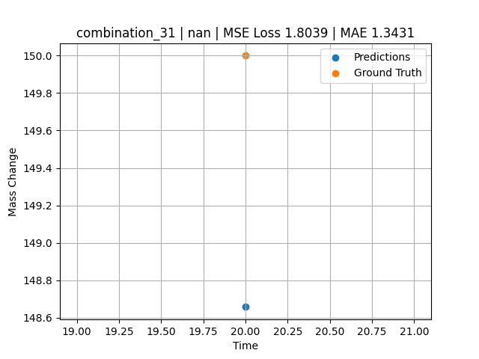
1300.0, 20.0, 21.8, 0.0, 23.5, 24.7, 10.0, 0.0
Temperature [C] | Mo [at%] | Nb [at%] | Ta [at%] | Ti [at%] | Cr [at%] | Al [at%] | W [at%] | Zr [at%] | Time [h] | Mass Change [mg.cm2] | Mass change - predictions
1300 | 20 | 21.8 | 0 | 23.5 | 24.7 | 10 | 0 | 0 | 20 | 150 | 148.65692139

combination_32
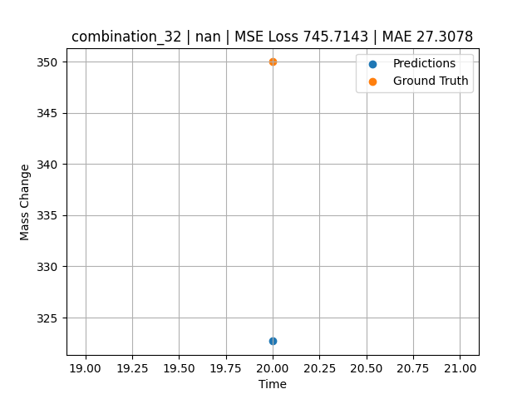
1300.0, 22.2, 22.5, 0.0, 0.0, 23.0, 10.2, 0.0
Temperature [C] | Mo [at%] | Nb [at%] | Ta [at%] | Ti [at%] | Cr [at%] | Al [at%] | W [at%] | Zr [at%] | Time [h] | Mass Change [mg.cm2] | Mass change - predictions
1300 | 22.2 | 22.5 | 0 | 0 | 23 | 10.2 | 0 | 0 | 20 | 350 | 322.69223022

combination_33
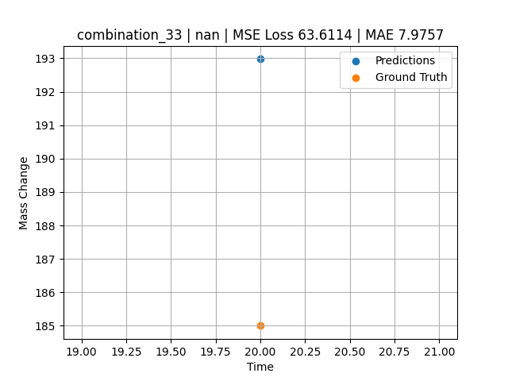
1300.0, 17.1, 17.7, 0.0, 18.3, 17.0, 7.0, 0.0
Temperature [C] | Mo [at%] | Nb [at%] | Ta [at%] | Ti [at%] | Cr [at%] | Al [at%] | W [at%] | Zr [at%] | Time [h] | Mass Change [mg.cm2] | Mass change - predictions
1300 | 17.1 | 17.7 | 0 | 18.3 | 17 | 7 | 0 | 0 | 20 | 185 | 192.97567749

combination_34
1200.0, 25.0, 0.0, 0.0, 25.0, 25.0, 25.0, 0.0
Temperature [C] | Mo [at%] | Nb [at%] | Ta [at%] | Ti [at%] | Cr [at%] | Al [at%] | W [at%] | Zr [at%] | Time [h] | Mass Change [mg.cm2] | Mass change - predictions
1200 | 25 | 0 | 0 | 25 | 25 | 25 | 0 | 0 | 0 | 0 | 4.1232337952
1200 | 25 | 0 | 0 | 25 | 25 | 25 | 0 | 0 | 0.04806 | 0.46193 | 4.1140532494
1200 | 25 | 0 | 0 | 25 | 25 | 25 | 0 | 0 | 0.1539 | 1.06217 | 4.0938372612
1200 | 25 | 0 | 0 | 25 | 25 | 25 | 0 | 0 | 0.25013 | 1.42047 | 4.0754570961
1200 | 25 | 0 | 0 | 25 | 25 | 25 | 0 | 0 | 0.34637 | 1.88297 | 4.0570735931
1200 | 25 | 0 | 0 | 25 | 25 | 25 | 0 | 0 | 0.44263 | 2.2825 | 4.0386872292
1200 | 25 | 0 | 0 | 25 | 25 | 25 | 0 | 0 | 0.54853 | 2.46396 | 4.0184593201
1200 | 25 | 0 | 0 | 25 | 25 | 25 | 0 | 0 | 0.65447 | 2.55947 | 3.9982247353
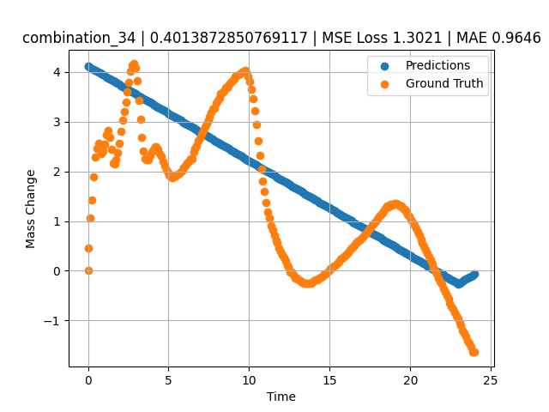
1200 | 25 | 0 | 0 | 25 | 25 | 25 | 0 | 0 | 0.7507 | 2.47177 | 3.9798429012
1200 | 25 | 0 | 0 | 25 | 25 | 25 | 0 | 0 | 0.8469 | 2.3657 | 3.961468935
1200 | 25 | 0 | 0 | 25 | 25 | 25 | 0 | 0 | 0.94313 | 2.4103 | 3.943087101
1200 | 25 | 0 | 0 | 25 | 25 | 25 | 0 | 0 | 1.049 | 2.5486 | 3.9228651524
1200 | 25 | 0 | 0 | 25 | 25 | 25 | 0 | 0 | 1.15483 | 2.73263 | 3.9026508331
1200 | 25 | 0 | 0 | 25 | 25 | 25 | 0 | 0 | 1.25113 | 2.81733 | 3.8842566013
1200 | 25 | 0 | 0 | 25 | 25 | 25 | 0 | 0 | 1.34743 | 2.68503 | 3.8658623695
1200 | 25 | 0 | 0 | 25 | 25 | 25 | 0 | 0 | 1.44367 | 2.43579 | 3.8474805355
1200 | 25 | 0 | 0 | 25 | 25 | 25 | 0 | 0 | 1.5495 | 2.16069 | 3.8272647858
1200 | 25 | 0 | 0 | 25 | 25 | 25 | 0 | 0 | 1.65537 | 2.14757 | 3.8070428371
1200 | 25 | 0 | 0 | 25 | 25 | 25 | 0 | 0 | 1.75163 | 2.24427 | 3.7886562347
1200 | 25 | 0 | 0 | 25 | 25 | 25 | 0 | 0 | 1.84787 | 2.37545 | 3.7702746391
1200 | 25 | 0 | 0 | 25 | 25 | 25 | 0 | 0 | 1.9442 | 2.56359 | 3.75187397
1200 | 25 | 0 | 0 | 25 | 25 | 25 | 0 | 0 | 2.05008 | 2.80846 | 3.7316505909
1200 | 25 | 0 | 0 | 25 | 25 | 25 | 0 | 0 | 2.156 | 3.02571 | 3.711417675
1200 | 25 | 0 | 0 | 25 | 25 | 25 | 0 | 0 | 2.2523 | 3.21236 | 3.6930251122
1200 | 25 | 0 | 0 | 25 | 25 | 25 | 0 | 0 | 2.34863 | 3.40163 | 3.6746244431
1200 | 25 | 0 | 0 | 25 | 25 | 25 | 0 | 0 | 2.44487 | 3.59653 | 3.6562411785
1200 | 25 | 0 | 0 | 25 | 25 | 25 | 0 | 0 | 2.55075 | 3.79323 | 3.6360177994
1200 | 25 | 0 | 0 | 25 | 25 | 25 | 0 | 0 | 2.65663 | 4.0148 | 3.6157941818
1200 | 25 | 0 | 0 | 25 | 25 | 25 | 0 | 0 | 2.75287 | 4.13773 | 3.5974106789
1200 | 25 | 0 | 0 | 25 | 25 | 25 | 0 | 0 | 2.8492 | 4.16546 | 3.5790102482
1200 | 25 | 0 | 0 | 25 | 25 | 25 | 0 | 0 | 2.94553 | 4.08451 | 3.560611248
1200 | 25 | 0 | 0 | 25 | 25 | 25 | 0 | 0 | 3.0515 | 3.83321 | 3.5403690338
1200 | 25 | 0 | 0 | 25 | 25 | 25 | 0 | 0 | 3.1574 | 3.42375 | 3.5201425552
1200 | 25 | 0 | 0 | 25 | 25 | 25 | 0 | 0 | 3.25363 | 3.0512 | 3.5017607212
1200 | 25 | 0 | 0 | 25 | 25 | 25 | 0 | 0 | 3.34997 | 2.68353 | 3.48335886
1200 | 25 | 0 | 0 | 25 | 25 | 25 | 0 | 0 | 3.44633 | 2.41667 | 3.464953661
1200 | 25 | 0 | 0 | 25 | 25 | 25 | 0 | 0 | 3.5427 | 2.26188 | 3.4465470314
1200 | 25 | 0 | 0 | 25 | 25 | 25 | 0 | 0 | 3.64864 | 2.22815 | 3.4263110161
1200 | 25 | 0 | 0 | 25 | 25 | 25 | 0 | 0 | 3.75453 | 2.22928 | 3.4060842991
1200 | 25 | 0 | 0 | 25 | 25 | 25 | 0 | 0 | 3.85087 | 2.32822 | 3.3876824379
1200 | 25 | 0 | 0 | 25 | 25 | 25 | 0 | 0 | 3.9472 | 2.39831 | 3.3692834377
1200 | 25 | 0 | 0 | 25 | 25 | 25 | 0 | 0 | 4.04353 | 2.44928 | 3.350883007
1200 | 25 | 0 | 0 | 25 | 25 | 25 | 0 | 0 | 4.14947 | 2.49176 | 3.3306484222
1200 | 25 | 0 | 0 | 25 | 25 | 25 | 0 | 0 | 4.25543 | 2.49501 | 3.310407877
1200 | 25 | 0 | 0 | 25 | 25 | 25 | 0 | 0 | 4.35177 | 2.44403 | 3.2920074463
1200 | 25 | 0 | 0 | 25 | 25 | 25 | 0 | 0 | 4.4482 | 2.35596 | 3.27358675
1200 | 25 | 0 | 0 | 25 | 25 | 25 | 0 | 0 | 4.5445 | 2.29749 | 3.2551941872
1200 | 25 | 0 | 0 | 25 | 25 | 25 | 0 | 0 | 4.65047 | 2.20941 | 3.234951973
1200 | 25 | 0 | 0 | 25 | 25 | 25 | 0 | 0 | 4.75637 | 2.10972 | 3.214725256
1200 | 25 | 0 | 0 | 25 | 25 | 25 | 0 | 0 | 4.8527 | 2.03551 | 3.1963248253
1200 | 25 | 0 | 0 | 25 | 25 | 25 | 0 | 0 | 4.94897 | 1.97891 | 3.1779367924
1200 | 25 | 0 | 0 | 25 | 25 | 25 | 0 | 0 | 5.0453 | 1.92719 | 3.1595363617
1200 | 25 | 0 | 0 | 25 | 25 | 25 | 0 | 0 | 5.15128 | 1.88834 | 3.1392924786
1200 | 25 | 0 | 0 | 25 | 25 | 25 | 0 | 0 | 5.25713 | 1.88072 | 3.1190752983
1200 | 25 | 0 | 0 | 25 | 25 | 25 | 0 | 0 | 5.35347 | 1.90133 | 3.1006731987
1200 | 25 | 0 | 0 | 25 | 25 | 25 | 0 | 0 | 5.44977 | 1.91333 | 3.0822789669
1200 | 25 | 0 | 0 | 25 | 25 | 25 | 0 | 0 | 5.54607 | 1.94069 | 3.0638847351
1200 | 25 | 0 | 0 | 25 | 25 | 25 | 0 | 0 | 5.64247 | 1.9598 | 3.0454716682
1200 | 25 | 0 | 0 | 25 | 25 | 25 | 0 | 0 | 5.74842 | 1.99484 | 3.0252342224
1200 | 25 | 0 | 0 | 25 | 25 | 25 | 0 | 0 | 5.85437 | 2.03438 | 3.0049967766
1200 | 25 | 0 | 0 | 25 | 25 | 25 | 0 | 0 | 5.95073 | 2.07599 | 2.986590147
1200 | 25 | 0 | 0 | 25 | 25 | 25 | 0 | 0 | 6.0471 | 2.11047 | 2.9681835175
1200 | 25 | 0 | 0 | 25 | 25 | 25 | 0 | 0 | 6.14347 | 2.16519 | 2.9497766495
1200 | 25 | 0 | 0 | 25 | 25 | 25 | 0 | 0 | 6.24933 | 2.20098 | 2.9295563698
1200 | 25 | 0 | 0 | 25 | 25 | 25 | 0 | 0 | 6.35537 | 2.25589 | 2.9093017578
1200 | 25 | 0 | 0 | 25 | 25 | 25 | 0 | 0 | 6.45173 | 2.25139 | 2.8908948898
1200 | 25 | 0 | 0 | 25 | 25 | 25 | 0 | 0 | 6.54807 | 2.39269 | 2.8724946976
1200 | 25 | 0 | 0 | 25 | 25 | 25 | 0 | 0 | 6.64443 | 2.45978 | 2.8540878296
1200 | 25 | 0 | 0 | 25 | 25 | 25 | 0 | 0 | 6.75042 | 2.508 | 2.8338427544
1200 | 25 | 0 | 0 | 25 | 25 | 25 | 0 | 0 | 6.85643 | 2.61157 | 2.8135941029
1200 | 25 | 0 | 0 | 25 | 25 | 25 | 0 | 0 | 6.95283 | 2.67341 | 2.7951812744
1200 | 25 | 0 | 0 | 25 | 25 | 25 | 0 | 0 | 7.04917 | 2.74799 | 2.7767791748
1200 | 25 | 0 | 0 | 25 | 25 | 25 | 0 | 0 | 7.1455 | 2.82145 | 2.7583789825
1200 | 25 | 0 | 0 | 25 | 25 | 25 | 0 | 0 | 7.25153 | 2.89154 | 2.7381258011
1200 | 25 | 0 | 0 | 25 | 25 | 25 | 0 | 0 | 7.35757 | 2.96387 | 2.7178711891
1200 | 25 | 0 | 0 | 25 | 25 | 25 | 0 | 0 | 7.4539 | 3.03733 | 2.6994721889
1200 | 25 | 0 | 0 | 25 | 25 | 25 | 0 | 0 | 7.5503 | 3.10929 | 2.6810593605
1200 | 25 | 0 | 0 | 25 | 25 | 25 | 0 | 0 | 7.64663 | 3.1805 | 2.6626589298
1200 | 25 | 0 | 0 | 25 | 25 | 25 | 0 | 0 | 7.74303 | 3.24947 | 2.644245863
1200 | 25 | 0 | 0 | 25 | 25 | 25 | 0 | 0 | 7.84906 | 3.27133 | 2.6239929199
1200 | 25 | 0 | 0 | 25 | 25 | 25 | 0 | 0 | 7.95507 | 3.37015 | 2.6037445068
1200 | 25 | 0 | 0 | 25 | 25 | 25 | 0 | 0 | 8.0515 | 3.43574 | 2.5853254795
1200 | 25 | 0 | 0 | 25 | 25 | 25 | 0 | 0 | 8.1479 | 3.48109 | 2.5669124126
1200 | 25 | 0 | 0 | 25 | 25 | 25 | 0 | 0 | 8.24423 | 3.56842 | 2.548511982
1200 | 25 | 0 | 0 | 25 | 25 | 25 | 0 | 0 | 8.35025 | 3.58897 | 2.5282604694
1200 | 25 | 0 | 0 | 25 | 25 | 25 | 0 | 0 | 8.45627 | 3.61826 | 2.5080106258
1200 | 25 | 0 | 0 | 25 | 25 | 25 | 0 | 0 | 8.55263 | 3.69397 | 2.4896054268
1200 | 25 | 0 | 0 | 25 | 25 | 25 | 0 | 0 | 8.64903 | 3.69622 | 2.4711909294
1200 | 25 | 0 | 0 | 25 | 25 | 25 | 0 | 0 | 8.7454 | 3.75169 | 2.4527842999
1200 | 25 | 0 | 0 | 25 | 25 | 25 | 0 | 0 | 8.85142 | 3.7898 | 2.4325327873
1200 | 25 | 0 | 0 | 25 | 25 | 25 | 0 | 0 | 8.95737 | 3.82365 | 2.4122953415
1200 | 25 | 0 | 0 | 25 | 25 | 25 | 0 | 0 | 9.05367 | 3.86113 | 2.3939011097
1200 | 25 | 0 | 0 | 25 | 25 | 25 | 0 | 0 | 9.1501 | 3.90536 | 2.3754818439
1200 | 25 | 0 | 0 | 25 | 25 | 25 | 0 | 0 | 9.2465 | 3.93384 | 2.3570690155
1200 | 25 | 0 | 0 | 25 | 25 | 25 | 0 | 0 | 9.34293 | 3.95371 | 2.3386499882
1200 | 25 | 0 | 0 | 25 | 25 | 25 | 0 | 0 | 9.44892 | 3.97313 | 2.3184046745
1200 | 25 | 0 | 0 | 25 | 25 | 25 | 0 | 0 | 9.555 | 3.99793 | 2.2981438637
1200 | 25 | 0 | 0 | 25 | 25 | 25 | 0 | 0 | 9.6514 | 4.02492 | 2.2797293663
1200 | 25 | 0 | 0 | 25 | 25 | 25 | 0 | 0 | 9.74777 | 4.03129 | 2.2613227367
1200 | 25 | 0 | 0 | 25 | 25 | 25 | 0 | 0 | 9.8442 | 3.99718 | 2.242903471
1200 | 25 | 0 | 0 | 25 | 25 | 25 | 0 | 0 | 9.95025 | 3.9191 | 2.2226474285
1200 | 25 | 0 | 0 | 25 | 25 | 25 | 0 | 0 | 10.05623 | 3.80454 | 2.2024035454
1200 | 25 | 0 | 0 | 25 | 25 | 25 | 0 | 0 | 10.15267 | 3.65912 | 2.1839828491
1200 | 25 | 0 | 0 | 25 | 25 | 25 | 0 | 0 | 10.24907 | 3.4571 | 2.1655700207
1200 | 25 | 0 | 0 | 25 | 25 | 25 | 0 | 0 | 10.34543 | 3.22735 | 2.1471633911
1200 | 25 | 0 | 0 | 25 | 25 | 25 | 0 | 0 | 10.4515 | 2.93683 | 2.1269040108
1200 | 25 | 0 | 0 | 25 | 25 | 25 | 0 | 0 | 10.55753 | 2.60894 | 2.1066510677
1200 | 25 | 0 | 0 | 25 | 25 | 25 | 0 | 0 | 10.6539 | 2.32935 | 2.0882427692
1200 | 25 | 0 | 0 | 25 | 25 | 25 | 0 | 0 | 10.75023 | 2.05275 | 2.0698440075
1200 | 25 | 0 | 0 | 25 | 25 | 25 | 0 | 0 | 10.84667 | 1.81288 | 2.0514233112
1200 | 25 | 0 | 0 | 25 | 25 | 25 | 0 | 0 | 10.94313 | 1.59363 | 2.0329978466
1200 | 25 | 0 | 0 | 25 | 25 | 25 | 0 | 0 | 11.04919 | 1.36456 | 2.0127387047
1200 | 25 | 0 | 0 | 25 | 25 | 25 | 0 | 0 | 11.15523 | 1.1896 | 1.9924840927
1200 | 25 | 0 | 0 | 25 | 25 | 25 | 0 | 0 | 11.25163 | 1.06329 | 1.9740710258
1200 | 25 | 0 | 0 | 25 | 25 | 25 | 0 | 0 | 11.34807 | 0.90888 | 1.9556503296
1200 | 25 | 0 | 0 | 25 | 25 | 25 | 0 | 0 | 11.44453 | 0.81293 | 1.9372251034
1200 | 25 | 0 | 0 | 25 | 25 | 25 | 0 | 0 | 11.55058 | 0.71804 | 1.9169688225
1200 | 25 | 0 | 0 | 25 | 25 | 25 | 0 | 0 | 11.6567 | 0.60604 | 1.8966987133
1200 | 25 | 0 | 0 | 25 | 25 | 25 | 0 | 0 | 11.7531 | 0.5547 | 1.8782858849
1200 | 25 | 0 | 0 | 25 | 25 | 25 | 0 | 0 | 11.84957 | 0.46212 | 1.8598589897
1200 | 25 | 0 | 0 | 25 | 25 | 25 | 0 | 0 | 11.94593 | 0.38754 | 1.8414537907
1200 | 25 | 0 | 0 | 25 | 25 | 25 | 0 | 0 | 12.04233 | 0.31333 | 1.8230409622
1200 | 25 | 0 | 0 | 25 | 25 | 25 | 0 | 0 | 12.14847 | 0.26048 | 1.8027660847
1200 | 25 | 0 | 0 | 25 | 25 | 25 | 0 | 0 | 12.25457 | 0.19264 | 1.7825007439
1200 | 25 | 0 | 0 | 25 | 25 | 25 | 0 | 0 | 12.35113 | 0.11844 | 1.7640566826
1200 | 25 | 0 | 0 | 25 | 25 | 25 | 0 | 0 | 12.4476 | 0.07833 | 1.7456297874
1200 | 25 | 0 | 0 | 25 | 25 | 25 | 0 | 0 | 12.54403 | -0.02249 | 1.7272107601
1200 | 25 | 0 | 0 | 25 | 25 | 25 | 0 | 0 | 12.65014 | -0.02592 | 1.706943512
1200 | 25 | 0 | 0 | 25 | 25 | 25 | 0 | 0 | 12.7563 | -0.07758 | 1.6866657734
1200 | 25 | 0 | 0 | 25 | 25 | 25 | 0 | 0 | 12.8528 | -0.14579 | 1.6682341099
1200 | 25 | 0 | 0 | 25 | 25 | 25 | 0 | 0 | 12.94927 | -0.15516 | 1.6498072147
1200 | 25 | 0 | 0 | 25 | 25 | 25 | 0 | 0 | 13.0457 | -0.18777 | 1.6313881874
1200 | 25 | 0 | 0 | 25 | 25 | 25 | 0 | 0 | 13.15178 | -0.19927 | 1.6111257076
1200 | 25 | 0 | 0 | 25 | 25 | 25 | 0 | 0 | 13.2579 | -0.22862 | 1.5908555984
1200 | 25 | 0 | 0 | 25 | 25 | 25 | 0 | 0 | 13.3544 | -0.24212 | 1.5724239349
1200 | 25 | 0 | 0 | 25 | 25 | 25 | 0 | 0 | 13.45087 | -0.24999 | 1.5539972782
1200 | 25 | 0 | 0 | 25 | 25 | 25 | 0 | 0 | 13.54733 | -0.24886 | 1.5355718136
1200 | 25 | 0 | 0 | 25 | 25 | 25 | 0 | 0 | 13.64383 | -0.25523 | 1.5171403885
1200 | 25 | 0 | 0 | 25 | 25 | 25 | 0 | 0 | 13.74992 | -0.25267 | 1.4968762398
1200 | 25 | 0 | 0 | 25 | 25 | 25 | 0 | 0 | 13.85607 | -0.24699 | 1.4765999317
1200 | 25 | 0 | 0 | 25 | 25 | 25 | 0 | 0 | 13.95253 | -0.22113 | 1.4581747055
1200 | 25 | 0 | 0 | 25 | 25 | 25 | 0 | 0 | 14.049 | -0.19189 | 1.4397492409
1200 | 25 | 0 | 0 | 25 | 25 | 25 | 0 | 0 | 14.14553 | -0.1889 | 1.421309948
1200 | 25 | 0 | 0 | 25 | 25 | 25 | 0 | 0 | 14.25161 | -0.17553 | 1.4010477066
1200 | 25 | 0 | 0 | 25 | 25 | 25 | 0 | 0 | 14.35777 | -0.14242 | 1.3807711601
1200 | 25 | 0 | 0 | 25 | 25 | 25 | 0 | 0 | 14.45427 | -0.13155 | 1.3623380661
1200 | 25 | 0 | 0 | 25 | 25 | 25 | 0 | 0 | 14.5507 | -0.11281 | 1.3439190388
1200 | 25 | 0 | 0 | 25 | 25 | 25 | 0 | 0 | 14.6472 | -0.07009 | 1.3254873753
1200 | 25 | 0 | 0 | 25 | 25 | 25 | 0 | 0 | 14.7437 | -0.05472 | 1.3070542812
1200 | 25 | 0 | 0 | 25 | 25 | 25 | 0 | 0 | 14.84992 | -0.02124 | 1.2867655754
1200 | 25 | 0 | 0 | 25 | 25 | 25 | 0 | 0 | 14.95607 | 0.00375 | 1.2664906979
1200 | 25 | 0 | 0 | 25 | 25 | 25 | 0 | 0 | 15.05253 | 0.03411 | 1.2480654716
1200 | 25 | 0 | 0 | 25 | 25 | 25 | 0 | 0 | 15.14903 | 0.06746 | 1.2296323776
1200 | 25 | 0 | 0 | 25 | 25 | 25 | 0 | 0 | 15.24553 | 0.09557 | 1.2112007141
1200 | 25 | 0 | 0 | 25 | 25 | 25 | 0 | 0 | 15.34203 | 0.10981 | 1.1927676201
1200 | 25 | 0 | 0 | 25 | 25 | 25 | 0 | 0 | 15.44819 | 0.14461 | 1.172491312
1200 | 25 | 0 | 0 | 25 | 25 | 25 | 0 | 0 | 15.55433 | 0.17953 | 1.1522164345
1200 | 25 | 0 | 0 | 25 | 25 | 25 | 0 | 0 | 15.65083 | 0.22638 | 1.1337850094
1200 | 25 | 0 | 0 | 25 | 25 | 25 | 0 | 0 | 15.7473 | 0.24624 | 1.1153581142
1200 | 25 | 0 | 0 | 25 | 25 | 25 | 0 | 0 | 15.84383 | 0.27435 | 1.0969202518
1200 | 25 | 0 | 0 | 25 | 25 | 25 | 0 | 0 | 15.94997 | 0.30483 | 1.0766470432
1200 | 25 | 0 | 0 | 25 | 25 | 25 | 0 | 0 | 16.05613 | 0.33694 | 1.0563690662
1200 | 25 | 0 | 0 | 25 | 25 | 25 | 0 | 0 | 16.15263 | 0.36805 | 1.0379359722
1200 | 25 | 0 | 0 | 25 | 25 | 25 | 0 | 0 | 16.24917 | 0.41377 | 1.0194966793
1200 | 25 | 0 | 0 | 25 | 25 | 25 | 0 | 0 | 16.34567 | 0.44825 | 1.0010635853
1200 | 25 | 0 | 0 | 25 | 25 | 25 | 0 | 0 | 16.44223 | 0.47524 | 0.982619524
1200 | 25 | 0 | 0 | 25 | 25 | 25 | 0 | 0 | 16.54847 | 0.51503 | 0.96232771873
1200 | 25 | 0 | 0 | 25 | 25 | 25 | 0 | 0 | 16.65467 | 0.56069 | 0.94204187393
1200 | 25 | 0 | 0 | 25 | 25 | 25 | 0 | 0 | 16.75117 | 0.58993 | 0.92361044884
1200 | 25 | 0 | 0 | 25 | 25 | 25 | 0 | 0 | 16.84773 | 0.62028 | 0.90516638756
1200 | 25 | 0 | 0 | 25 | 25 | 25 | 0 | 0 | 16.94423 | 0.6469 | 0.88673329353
1200 | 25 | 0 | 0 | 25 | 25 | 25 | 0 | 0 | 17.05042 | 0.67869 | 0.86645078659
1200 | 25 | 0 | 0 | 25 | 25 | 25 | 0 | 0 | 17.15657 | 0.73085 | 0.84617424011
1200 | 25 | 0 | 0 | 25 | 25 | 25 | 0 | 0 | 17.25307 | 0.75858 | 0.82774281502
1200 | 25 | 0 | 0 | 25 | 25 | 25 | 0 | 0 | 17.3496 | 0.79794 | 0.80930495262
1200 | 25 | 0 | 0 | 25 | 25 | 25 | 0 | 0 | 17.44607 | 0.83954 | 0.79087805748
1200 | 25 | 0 | 0 | 25 | 25 | 25 | 0 | 0 | 17.54263 | 0.87627 | 0.77243423462
1200 | 25 | 0 | 0 | 25 | 25 | 25 | 0 | 0 | 17.64883 | 0.92324 | 0.75214838982
1200 | 25 | 0 | 0 | 25 | 25 | 25 | 0 | 0 | 17.75503 | 0.9516 | 0.73186421394
1200 | 25 | 0 | 0 | 25 | 25 | 25 | 0 | 0 | 17.85157 | 0.99808 | 0.71342349052
1200 | 25 | 0 | 0 | 25 | 25 | 25 | 0 | 0 | 17.94813 | 1.04043 | 0.69497942924
1200 | 25 | 0 | 0 | 25 | 25 | 25 | 0 | 0 | 18.04467 | 1.09065 | 0.67654037476
1200 | 25 | 0 | 0 | 25 | 25 | 25 | 0 | 0 | 18.151 | 1.12313 | 0.656229496
1200 | 25 | 0 | 0 | 25 | 25 | 25 | 0 | 0 | 18.25717 | 1.16599 | 0.6359500885
1200 | 25 | 0 | 0 | 25 | 25 | 25 | 0 | 0 | 18.35383 | 1.20009 | 0.61748743057
1200 | 25 | 0 | 0 | 25 | 25 | 25 | 0 | 0 | 18.4504 | 1.24582 | 0.59904193878
1200 | 25 | 0 | 0 | 25 | 25 | 25 | 0 | 0 | 18.5469 | 1.29529 | 0.58060884476
1200 | 25 | 0 | 0 | 25 | 25 | 25 | 0 | 0 | 18.6434 | 1.29454 | 0.56217718124
1200 | 25 | 0 | 0 | 25 | 25 | 25 | 0 | 0 | 18.74967 | 1.33021 | 0.54187917709
1200 | 25 | 0 | 0 | 25 | 25 | 25 | 0 | 0 | 18.85583 | 1.32677 | 0.5216012001
1200 | 25 | 0 | 0 | 25 | 25 | 25 | 0 | 0 | 18.95247 | 1.34214 | 0.50314188004
1200 | 25 | 0 | 0 | 25 | 25 | 25 | 0 | 0 | 19.049 | 1.34888 | 0.48470401764
1200 | 25 | 0 | 0 | 25 | 25 | 25 | 0 | 0 | 19.14557 | 1.35301 | 0.46625852585
1200 | 25 | 0 | 0 | 25 | 25 | 25 | 0 | 0 | 19.25178 | 1.33208 | 0.44597101212
1200 | 25 | 0 | 0 | 25 | 25 | 25 | 0 | 0 | 19.358 | 1.31066 | 0.42568254471
1200 | 25 | 0 | 0 | 25 | 25 | 25 | 0 | 0 | 19.45453 | 1.29679 | 0.40724468231
1200 | 25 | 0 | 0 | 25 | 25 | 25 | 0 | 0 | 19.5511 | 1.24956 | 0.38879728317
1200 | 25 | 0 | 0 | 25 | 25 | 25 | 0 | 0 | 19.64767 | 1.2267 | 0.37035179138
1200 | 25 | 0 | 0 | 25 | 25 | 25 | 0 | 0 | 19.7442 | 1.19522 | 0.35191440582
1200 | 25 | 0 | 0 | 25 | 25 | 25 | 0 | 0 | 19.8505 | 1.12969 | 0.33160972595
1200 | 25 | 0 | 0 | 25 | 25 | 25 | 0 | 0 | 19.95677 | 1.09702 | 0.3113117218
1200 | 25 | 0 | 0 | 25 | 25 | 25 | 0 | 0 | 20.05333 | 1.03106 | 0.29286766052
1200 | 25 | 0 | 0 | 25 | 25 | 25 | 0 | 0 | 20.15 | 0.97896 | 0.27440357208
1200 | 25 | 0 | 0 | 25 | 25 | 25 | 0 | 0 | 20.24663 | 0.92312 | 0.25594568253
1200 | 25 | 0 | 0 | 25 | 25 | 25 | 0 | 0 | 20.3432 | 0.8609 | 0.23750019073
1200 | 25 | 0 | 0 | 25 | 25 | 25 | 0 | 0 | 20.4495 | 0.77707 | 0.21719551086
1200 | 25 | 0 | 0 | 25 | 25 | 25 | 0 | 0 | 20.55577 | 0.71436 | 0.19689750671
1200 | 25 | 0 | 0 | 25 | 25 | 25 | 0 | 0 | 20.65233 | 0.6349 | 0.17845344543
1200 | 25 | 0 | 0 | 25 | 25 | 25 | 0 | 0 | 20.74893 | 0.56781 | 0.16000175476
1200 | 25 | 0 | 0 | 25 | 25 | 25 | 0 | 0 | 20.8455 | 0.4951 | 0.14155626297
1200 | 25 | 0 | 0 | 25 | 25 | 25 | 0 | 0 | 20.95172 | 0.42508 | 0.12126731873
1200 | 25 | 0 | 0 | 25 | 25 | 25 | 0 | 0 | 21.058 | 0.35306 | 0.10096597672
1200 | 25 | 0 | 0 | 25 | 25 | 25 | 0 | 0 | 21.15457 | 0.28597 | 0.082520484924
1200 | 25 | 0 | 0 | 25 | 25 | 25 | 0 | 0 | 21.25117 | 0.21438 | 0.06406879425
1200 | 25 | 0 | 0 | 25 | 25 | 25 | 0 | 0 | 21.34783 | 0.14917 | 0.045606136322
1200 | 25 | 0 | 0 | 25 | 25 | 25 | 0 | 0 | 21.4445 | 0.06484 | 0.027142047882
1200 | 25 | 0 | 0 | 25 | 25 | 25 | 0 | 0 | 21.55083 | 0.00999 | 0.0068316459656
1200 | 25 | 0 | 0 | 25 | 25 | 25 | 0 | 0 | 21.657 | -0.05435 | -0.013447761536
1200 | 25 | 0 | 0 | 25 | 25 | 25 | 0 | 0 | 21.75367 | -0.14092 | -0.031912326813
1200 | 25 | 0 | 0 | 25 | 25 | 25 | 0 | 0 | 21.85027 | -0.21026 | -0.050364017487
1200 | 25 | 0 | 0 | 25 | 25 | 25 | 0 | 0 | 21.94697 | -0.26423 | -0.06883430481
1200 | 25 | 0 | 0 | 25 | 25 | 25 | 0 | 0 | 22.0435 | -0.35531 | -0.087272167206
1200 | 25 | 0 | 0 | 25 | 25 | 25 | 0 | 0 | 22.14981 | -0.41883 | -0.1075797081
1200 | 25 | 0 | 0 | 25 | 25 | 25 | 0 | 0 | 22.256 | -0.50185 | -0.12786197662
1200 | 25 | 0 | 0 | 25 | 25 | 25 | 0 | 0 | 22.35267 | -0.56257 | -0.14632606506
1200 | 25 | 0 | 0 | 25 | 25 | 25 | 0 | 0 | 22.44933 | -0.64352 | -0.16479063034
1200 | 25 | 0 | 0 | 25 | 25 | 25 | 0 | 0 | 22.546 | -0.71661 | -0.18325471878
1200 | 25 | 0 | 0 | 25 | 25 | 25 | 0 | 0 | 22.64253 | -0.77133 | -0.20169258118
1200 | 25 | 0 | 0 | 25 | 25 | 25 | 0 | 0 | 22.74883 | -0.83798 | -0.22199678421
1200 | 25 | 0 | 0 | 25 | 25 | 25 | 0 | 0 | 22.85517 | -0.91637 | -0.24230909348
1200 | 25 | 0 | 0 | 25 | 25 | 25 | 0 | 0 | 22.95183 | -0.96622 | -0.26077127457
1200 | 25 | 0 | 0 | 25 | 25 | 25 | 0 | 0 | 23.0485 | -1.04455 | -0.24867010117
1200 | 25 | 0 | 0 | 25 | 25 | 25 | 0 | 0 | 23.14513 | -1.0974 | -0.23026943207
1200 | 25 | 0 | 0 | 25 | 25 | 25 | 0 | 0 | 23.25139 | -1.20028 | -0.21003627777
1200 | 25 | 0 | 0 | 25 | 25 | 25 | 0 | 0 | 23.35767 | -1.24657 | -0.18980073929
1200 | 25 | 0 | 0 | 25 | 25 | 25 | 0 | 0 | 23.45433 | -1.32415 | -0.17139530182
1200 | 25 | 0 | 0 | 25 | 25 | 25 | 0 | 0 | 23.551 | -1.4111 | -0.152987957
1200 | 25 | 0 | 0 | 25 | 25 | 25 | 0 | 0 | 23.64767 | -1.46807 | -0.13458108902
1200 | 25 | 0 | 0 | 25 | 25 | 25 | 0 | 0 | 23.74433 | -1.52916 | -0.11617565155
1200 | 25 | 0 | 0 | 25 | 25 | 25 | 0 | 0 | 23.88933 | -1.62661 | -0.088566303253
1200 | 25 | 0 | 0 | 25 | 25 | 25 | 0 | 0 | 24 | -1.6416 | -0.067492961884

combination_35
1200.0, 23.75, 0.0, 5.0, 23.75, 23.75, 23.75, 0.0
Temperature [C] | Mo [at%] | Nb [at%] | Ta [at%] | Ti [at%] | Cr [at%] | Al [at%] | W [at%] | Zr [at%] | Time [h] | Mass Change [mg.cm2] | Mass change - predictions
1200 | 23.75 | 0 | 5 | 23.75 | 23.75 | 23.75 | 0 | 0 | 0 | 0 | 4.6869430542
1200 | 23.75 | 0 | 5 | 23.75 | 23.75 | 23.75 | 0 | 0 | 0.49082 | 0.64024 | 4.6869430542
1200 | 23.75 | 0 | 5 | 23.75 | 23.75 | 23.75 | 0 | 0 | 1.49194 | 1.60965 | 4.6869430542
1200 | 23.75 | 0 | 5 | 23.75 | 23.75 | 23.75 | 0 | 0 | 2.49327 | 2.30271 | 4.6869430542
1200 | 23.75 | 0 | 5 | 23.75 | 23.75 | 23.75 | 0 | 0 | 3.49488 | 2.83708 | 4.6869430542
1200 | 23.75 | 0 | 5 | 23.75 | 23.75 | 23.75 | 0 | 0 | 4.49654 | 3.28667 | 4.6869430542
1200 | 23.75 | 0 | 5 | 23.75 | 23.75 | 23.75 | 0 | 0 | 5.49833 | 3.61002 | 4.6869430542
1200 | 23.75 | 0 | 5 | 23.75 | 23.75 | 23.75 | 0 | 0 | 6.50043 | 3.80848 | 4.6869430542
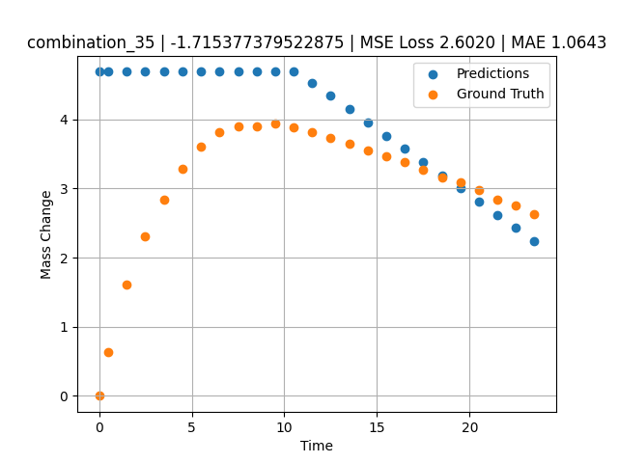
1200 | 23.75 | 0 | 5 | 23.75 | 23.75 | 23.75 | 0 | 0 | 7.50257 | 3.893 | 4.6869430542
1200 | 23.75 | 0 | 5 | 23.75 | 23.75 | 23.75 | 0 | 0 | 8.50485 | 3.90159 | 4.6869430542
1200 | 23.75 | 0 | 5 | 23.75 | 23.75 | 23.75 | 0 | 0 | 9.5075 | 3.94277 | 4.6869430542
1200 | 23.75 | 0 | 5 | 23.75 | 23.75 | 23.75 | 0 | 0 | 10.50051 | 3.88387 | 4.6869430542
1200 | 23.75 | 0 | 5 | 23.75 | 23.75 | 23.75 | 0 | 0 | 11.49349 | 3.81191 | 4.5307888985
1200 | 23.75 | 0 | 5 | 23.75 | 23.75 | 23.75 | 0 | 0 | 12.49641 | 3.72649 | 4.339222908
1200 | 23.75 | 0 | 5 | 23.75 | 23.75 | 23.75 | 0 | 0 | 13.49977 | 3.64963 | 4.1475715637
1200 | 23.75 | 0 | 5 | 23.75 | 23.75 | 23.75 | 0 | 0 | 14.50328 | 3.54789 | 3.9558923244
1200 | 23.75 | 0 | 5 | 23.75 | 23.75 | 23.75 | 0 | 0 | 15.50689 | 3.46453 | 3.7641944885
1200 | 23.75 | 0 | 5 | 23.75 | 23.75 | 23.75 | 0 | 0 | 16.50102 | 3.37793 | 3.5743055344
1200 | 23.75 | 0 | 5 | 23.75 | 23.75 | 23.75 | 0 | 0 | 17.49536 | 3.26755 | 3.3843779564
1200 | 23.75 | 0 | 5 | 23.75 | 23.75 | 23.75 | 0 | 0 | 18.4994 | 3.15259 | 3.1925978661
1200 | 23.75 | 0 | 5 | 23.75 | 23.75 | 23.75 | 0 | 0 | 19.50371 | 3.0872 | 3.0007646084
1200 | 23.75 | 0 | 5 | 23.75 | 23.75 | 23.75 | 0 | 0 | 20.49846 | 2.97708 | 2.810759306
1200 | 23.75 | 0 | 5 | 23.75 | 23.75 | 23.75 | 0 | 0 | 21.49342 | 2.84398 | 2.6207134724
1200 | 23.75 | 0 | 5 | 23.75 | 23.75 | 23.75 | 0 | 0 | 22.49828 | 2.75236 | 2.4287762642
1200 | 23.75 | 0 | 5 | 23.75 | 23.75 | 23.75 | 0 | 0 | 23.49449 | 2.62918 | 2.2384910583

combination_36
1200.0, 22.5, 0.0, 10.0, 22.5, 22.5, 22.5, 0.0
Temperature [C] | Mo [at%] | Nb [at%] | Ta [at%] | Ti [at%] | Cr [at%] | Al [at%] | W [at%] | Zr [at%] | Time [h] | Mass Change [mg.cm2] | Mass change - predictions
1200 | 22.5 | 0 | 10 | 22.5 | 22.5 | 22.5 | 0 | 0 | 0 | 0 | 4.6869430542
1200 | 22.5 | 0 | 10 | 22.5 | 22.5 | 22.5 | 0 | 0 | 0.49082 | 0.65618 | 4.6869430542
1200 | 22.5 | 0 | 10 | 22.5 | 22.5 | 22.5 | 0 | 0 | 1.49171 | 1.23457 | 4.6869430542
1200 | 22.5 | 0 | 10 | 22.5 | 22.5 | 22.5 | 0 | 0 | 2.49279 | 1.90741 | 4.6869430542
1200 | 22.5 | 0 | 10 | 22.5 | 22.5 | 22.5 | 0 | 0 | 3.49402 | 2.64926 | 4.6869430542
1200 | 22.5 | 0 | 10 | 22.5 | 22.5 | 22.5 | 0 | 0 | 4.49576 | 3.31362 | 4.6869430542
1200 | 22.5 | 0 | 10 | 22.5 | 22.5 | 22.5 | 0 | 0 | 5.49788 | 3.89691 | 4.6869430542
1200 | 22.5 | 0 | 10 | 22.5 | 22.5 | 22.5 | 0 | 0 | 6.50016 | 4.43668 | 4.6869430542
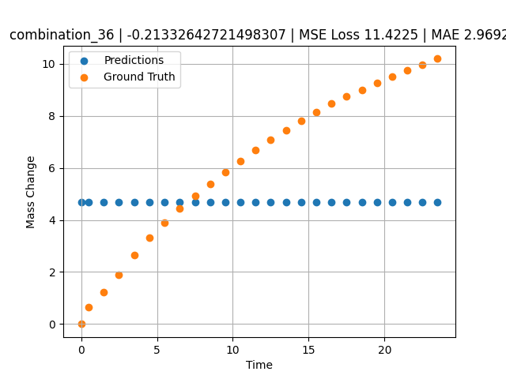
1200 | 22.5 | 0 | 10 | 22.5 | 22.5 | 22.5 | 0 | 0 | 7.50257 | 4.9276 | 4.6869430542
1200 | 22.5 | 0 | 10 | 22.5 | 22.5 | 22.5 | 0 | 0 | 8.50519 | 5.38775 | 4.6869430542
1200 | 22.5 | 0 | 10 | 22.5 | 22.5 | 22.5 | 0 | 0 | 9.50779 | 5.83221 | 4.6869430542
1200 | 22.5 | 0 | 10 | 22.5 | 22.5 | 22.5 | 0 | 0 | 10.50075 | 6.26395 | 4.6869430542
1200 | 22.5 | 0 | 10 | 22.5 | 22.5 | 22.5 | 0 | 0 | 11.49382 | 6.68921 | 4.6869430542
1200 | 22.5 | 0 | 10 | 22.5 | 22.5 | 22.5 | 0 | 0 | 12.49676 | 7.09216 | 4.6869430542
1200 | 22.5 | 0 | 10 | 22.5 | 22.5 | 22.5 | 0 | 0 | 13.49993 | 7.45786 | 4.6869430542
1200 | 22.5 | 0 | 10 | 22.5 | 22.5 | 22.5 | 0 | 0 | 14.50334 | 7.80354 | 4.6869430542
1200 | 22.5 | 0 | 10 | 22.5 | 22.5 | 22.5 | 0 | 0 | 15.50689 | 8.14589 | 4.6869430542
1200 | 22.5 | 0 | 10 | 22.5 | 22.5 | 22.5 | 0 | 0 | 16.50084 | 8.47093 | 4.6869430542
1200 | 22.5 | 0 | 10 | 22.5 | 22.5 | 22.5 | 0 | 0 | 17.4949 | 8.75562 | 4.6869430542
1200 | 22.5 | 0 | 10 | 22.5 | 22.5 | 22.5 | 0 | 0 | 18.49915 | 9.0078 | 4.6869430542
1200 | 22.5 | 0 | 10 | 22.5 | 22.5 | 22.5 | 0 | 0 | 19.5036 | 9.25976 | 4.6869430542
1200 | 22.5 | 0 | 10 | 22.5 | 22.5 | 22.5 | 0 | 0 | 20.49842 | 9.50919 | 4.6869430542
1200 | 22.5 | 0 | 10 | 22.5 | 22.5 | 22.5 | 0 | 0 | 21.49334 | 9.73922 | 4.6869430542
1200 | 22.5 | 0 | 10 | 22.5 | 22.5 | 22.5 | 0 | 0 | 22.4983 | 9.968 | 4.6869430542
1200 | 22.5 | 0 | 10 | 22.5 | 22.5 | 22.5 | 0 | 0 | 23.49367 | 10.19694 | 4.6869430542

combination_37
1200.0, 21.25, 0.0, 15.0, 21.25, 21.25, 21.25, 0.0
Temperature [C] | Mo [at%] | Nb [at%] | Ta [at%] | Ti [at%] | Cr [at%] | Al [at%] | W [at%] | Zr [at%] | Time [h] | Mass Change [mg.cm2] | Mass change - predictions
1200 | 21.25 | 0 | 15 | 21.25 | 21.25 | 21.25 | 0 | 0 | 0 | 0 | 4.6869430542
1200 | 21.25 | 0 | 15 | 21.25 | 21.25 | 21.25 | 0 | 0 | 0.49078 | 0.25729 | 4.6869430542
1200 | 21.25 | 0 | 15 | 21.25 | 21.25 | 21.25 | 0 | 0 | 1.49173 | 0.51494 | 4.6869430542
1200 | 21.25 | 0 | 15 | 21.25 | 21.25 | 21.25 | 0 | 0 | 2.49281 | 0.65372 | 4.6869430542
1200 | 21.25 | 0 | 15 | 21.25 | 21.25 | 21.25 | 0 | 0 | 3.49423 | 0.78965 | 4.6869430542
1200 | 21.25 | 0 | 15 | 21.25 | 21.25 | 21.25 | 0 | 0 | 4.49595 | 0.95463 | 4.6869430542
1200 | 21.25 | 0 | 15 | 21.25 | 21.25 | 21.25 | 0 | 0 | 5.49788 | 1.1871 | 4.6869430542
1200 | 21.25 | 0 | 15 | 21.25 | 21.25 | 21.25 | 0 | 0 | 6.49995 | 1.41561 | 4.6869430542
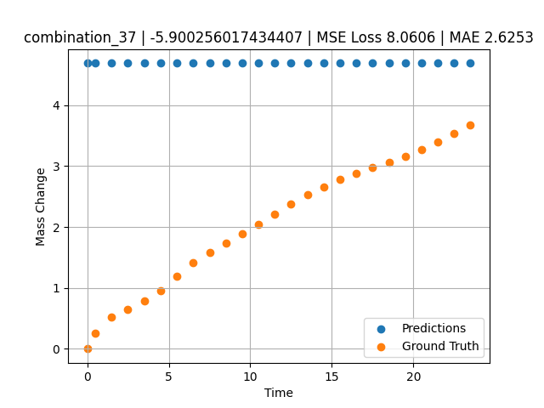
1200 | 21.25 | 0 | 15 | 21.25 | 21.25 | 21.25 | 0 | 0 | 7.50226 | 1.58469 | 4.6869430542
1200 | 21.25 | 0 | 15 | 21.25 | 21.25 | 21.25 | 0 | 0 | 8.50459 | 1.7392 | 4.6869430542
1200 | 21.25 | 0 | 15 | 21.25 | 21.25 | 21.25 | 0 | 0 | 9.50727 | 1.8844 | 4.6869430542
1200 | 21.25 | 0 | 15 | 21.25 | 21.25 | 21.25 | 0 | 0 | 10.50035 | 2.04758 | 4.6869430542
1200 | 21.25 | 0 | 15 | 21.25 | 21.25 | 21.25 | 0 | 0 | 11.49359 | 2.21187 | 4.6869430542
1200 | 21.25 | 0 | 15 | 21.25 | 21.25 | 21.25 | 0 | 0 | 12.49662 | 2.37354 | 4.6869430542
1200 | 21.25 | 0 | 15 | 21.25 | 21.25 | 21.25 | 0 | 0 | 13.49991 | 2.52954 | 4.6869430542
1200 | 21.25 | 0 | 15 | 21.25 | 21.25 | 21.25 | 0 | 0 | 14.50342 | 2.65999 | 4.6869430542
1200 | 21.25 | 0 | 15 | 21.25 | 21.25 | 21.25 | 0 | 0 | 15.50698 | 2.78039 | 4.6869430542
1200 | 21.25 | 0 | 15 | 21.25 | 21.25 | 21.25 | 0 | 0 | 16.50099 | 2.88456 | 4.6869430542
1200 | 21.25 | 0 | 15 | 21.25 | 21.25 | 21.25 | 0 | 0 | 17.49532 | 2.97806 | 4.6869430542
1200 | 21.25 | 0 | 15 | 21.25 | 21.25 | 21.25 | 0 | 0 | 18.49943 | 3.06304 | 4.6869430542
1200 | 21.25 | 0 | 15 | 21.25 | 21.25 | 21.25 | 0 | 0 | 19.50377 | 3.1613 | 4.6869430542
1200 | 21.25 | 0 | 15 | 21.25 | 21.25 | 21.25 | 0 | 0 | 20.49862 | 3.27108 | 4.6869430542
1200 | 21.25 | 0 | 15 | 21.25 | 21.25 | 21.25 | 0 | 0 | 21.49358 | 3.39601 | 4.6869430542
1200 | 21.25 | 0 | 15 | 21.25 | 21.25 | 21.25 | 0 | 0 | 22.49845 | 3.53102 | 4.6869430542
1200 | 21.25 | 0 | 15 | 21.25 | 21.25 | 21.25 | 0 | 0 | 23.49403 | 3.67091 | 4.6869430542

combination_38
1200.0, 21.25, 0.0, 21.25, 0.2125, 21.25, 15.0, 0.0
Temperature [C] | Mo [at%] | Nb [at%] | Ta [at%] | Ti [at%] | Cr [at%] | Al [at%] | W [at%] | Zr [at%] | Time [h] | Mass Change [mg.cm2] | Mass change - predictions
1200 | 21.25 | 0 | 21.25 | 0.2125 | 21.25 | 15 | 0 | 0 | 0 | 0 | 4.6869430542
1200 | 21.25 | 0 | 21.25 | 0.2125 | 21.25 | 15 | 0 | 0 | 0.5008 | 0.91616 | 4.6869430542
1200 | 21.25 | 0 | 21.25 | 0.2125 | 21.25 | 15 | 0 | 0 | 1.5078 | 1.54711 | 4.6869430542
1200 | 21.25 | 0 | 21.25 | 0.2125 | 21.25 | 15 | 0 | 0 | 2.50401 | 2.12777 | 4.6869430542
1200 | 21.25 | 0 | 21.25 | 0.2125 | 21.25 | 15 | 0 | 0 | 3.49917 | 2.41741 | 4.6869430542
1200 | 21.25 | 0 | 21.25 | 0.2125 | 21.25 | 15 | 0 | 0 | 4.49589 | 2.79191 | 4.6869430542
1200 | 21.25 | 0 | 21.25 | 0.2125 | 21.25 | 15 | 0 | 0 | 5.49685 | 2.9867 | 4.5620093346
1200 | 21.25 | 0 | 21.25 | 0.2125 | 21.25 | 15 | 0 | 0 | 6.50299 | 3.15596 | 4.1753640175
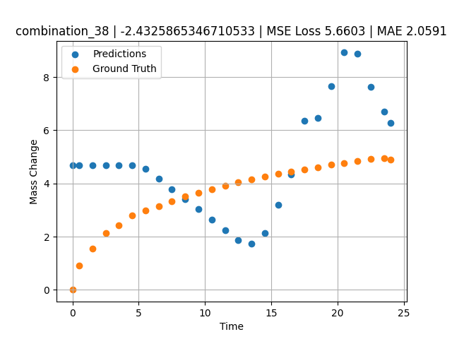
1200 | 21.25 | 0 | 21.25 | 0.2125 | 21.25 | 15 | 0 | 0 | 7.50394 | 3.3247 | 3.7907104492
1200 | 21.25 | 0 | 21.25 | 0.2125 | 21.25 | 15 | 0 | 0 | 8.49997 | 3.50708 | 3.4079515934
1200 | 21.25 | 0 | 21.25 | 0.2125 | 21.25 | 15 | 0 | 0 | 9.49603 | 3.65121 | 3.0251750946
1200 | 21.25 | 0 | 21.25 | 0.2125 | 21.25 | 15 | 0 | 0 | 10.50075 | 3.79048 | 2.6390759945
1200 | 21.25 | 0 | 21.25 | 0.2125 | 21.25 | 15 | 0 | 0 | 11.50631 | 3.91168 | 2.2526509762
1200 | 21.25 | 0 | 21.25 | 0.2125 | 21.25 | 15 | 0 | 0 | 12.50357 | 4.03675 | 1.8694162369
1200 | 21.25 | 0 | 21.25 | 0.2125 | 21.25 | 15 | 0 | 0 | 13.49882 | 4.15184 | 1.7377898693
1200 | 21.25 | 0 | 21.25 | 0.2125 | 21.25 | 15 | 0 | 0 | 14.49364 | 4.24898 | 2.1304221153
1200 | 21.25 | 0 | 21.25 | 0.2125 | 21.25 | 15 | 0 | 0 | 15.49959 | 4.3622 | 3.1860687733
1200 | 21.25 | 0 | 21.25 | 0.2125 | 21.25 | 15 | 0 | 0 | 16.50564 | 4.44778 | 4.3345541954
1200 | 21.25 | 0 | 21.25 | 0.2125 | 21.25 | 15 | 0 | 0 | 17.50203 | 4.53311 | 6.3479199409
1200 | 21.25 | 0 | 21.25 | 0.2125 | 21.25 | 15 | 0 | 0 | 18.49765 | 4.6149 | 6.4659891129
1200 | 21.25 | 0 | 21.25 | 0.2125 | 21.25 | 15 | 0 | 0 | 19.49419 | 4.70373 | 7.6478013992
1200 | 21.25 | 0 | 21.25 | 0.2125 | 21.25 | 15 | 0 | 0 | 20.49949 | 4.77412 | 8.9196872711
1200 | 21.25 | 0 | 21.25 | 0.2125 | 21.25 | 15 | 0 | 0 | 21.50586 | 4.84004 | 8.8838977814
1200 | 21.25 | 0 | 21.25 | 0.2125 | 21.25 | 15 | 0 | 0 | 22.50242 | 4.91443 | 7.6238822937
1200 | 21.25 | 0 | 21.25 | 0.2125 | 21.25 | 15 | 0 | 0 | 23.50657 | 4.95854 | 6.7002019882
1200 | 21.25 | 0 | 21.25 | 0.2125 | 21.25 | 15 | 0 | 0 | 24.01181 | 4.88788 | 6.2673339844

combination_39
1200.0, 23.75, 0.0, 23.75, 23.75, 23.75, 5.0, 0.0
Temperature [C] | Mo [at%] | Nb [at%] | Ta [at%] | Ti [at%] | Cr [at%] | Al [at%] | W [at%] | Zr [at%] | Time [h] | Mass Change [mg.cm2] | Mass change - predictions
1200 | 23.75 | 0 | 23.75 | 23.75 | 23.75 | 5 | 0 | 0 | 0 | 0 | 2.9407014847
1200 | 23.75 | 0 | 23.75 | 23.75 | 23.75 | 5 | 0 | 0 | 0.49085 | 2.66992 | 2.846944809
1200 | 23.75 | 0 | 23.75 | 23.75 | 23.75 | 5 | 0 | 0 | 1.49179 | 3.43367 | 2.6557564735
1200 | 23.75 | 0 | 23.75 | 23.75 | 23.75 | 5 | 0 | 0 | 2.49278 | 3.81308 | 2.4645576477
1200 | 23.75 | 0 | 23.75 | 23.75 | 23.75 | 5 | 0 | 0 | 3.49402 | 4.08982 | 2.4066860676
1200 | 23.75 | 0 | 23.75 | 23.75 | 23.75 | 5 | 0 | 0 | 4.49552 | 4.22038 | 2.5511350632
1200 | 23.75 | 0 | 23.75 | 23.75 | 23.75 | 5 | 0 | 0 | 5.49726 | 4.37154 | 2.7750217915
1200 | 23.75 | 0 | 23.75 | 23.75 | 23.75 | 5 | 0 | 0 | 6.49893 | 4.48947 | 2.9988927841
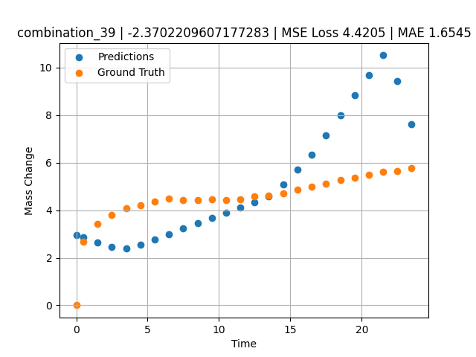
1200 | 23.75 | 0 | 23.75 | 23.75 | 23.75 | 5 | 0 | 0 | 7.50089 | 4.42119 | 3.2228279114
1200 | 23.75 | 0 | 23.75 | 23.75 | 23.75 | 5 | 0 | 0 | 8.50303 | 4.41331 | 3.4468026161
1200 | 23.75 | 0 | 23.75 | 23.75 | 23.75 | 5 | 0 | 0 | 9.50518 | 4.46248 | 3.6707806587
1200 | 23.75 | 0 | 23.75 | 23.75 | 23.75 | 5 | 0 | 0 | 10.5075 | 4.43344 | 3.8947968483
1200 | 23.75 | 0 | 23.75 | 23.75 | 23.75 | 5 | 0 | 0 | 11.50025 | 4.47228 | 4.1166744232
1200 | 23.75 | 0 | 23.75 | 23.75 | 23.75 | 5 | 0 | 0 | 12.49307 | 4.59671 | 4.3385667801
1200 | 23.75 | 0 | 23.75 | 23.75 | 23.75 | 5 | 0 | 0 | 13.4957 | 4.62715 | 4.5699834824
1200 | 23.75 | 0 | 23.75 | 23.75 | 23.75 | 5 | 0 | 0 | 14.49843 | 4.69674 | 5.069788456
1200 | 23.75 | 0 | 23.75 | 23.75 | 23.75 | 5 | 0 | 0 | 15.50123 | 4.8643 | 5.7075829506
1200 | 23.75 | 0 | 23.75 | 23.75 | 23.75 | 5 | 0 | 0 | 16.5043 | 4.97473 | 6.3455486298
1200 | 23.75 | 0 | 23.75 | 23.75 | 23.75 | 5 | 0 | 0 | 17.50747 | 5.1258 | 7.1561336517
1200 | 23.75 | 0 | 23.75 | 23.75 | 23.75 | 5 | 0 | 0 | 18.50106 | 5.28127 | 7.9921808243
1200 | 23.75 | 0 | 23.75 | 23.75 | 23.75 | 5 | 0 | 0 | 19.49479 | 5.36597 | 8.8283452988
1200 | 23.75 | 0 | 23.75 | 23.75 | 23.75 | 5 | 0 | 0 | 20.49845 | 5.47967 | 9.6728649139
1200 | 23.75 | 0 | 23.75 | 23.75 | 23.75 | 5 | 0 | 0 | 21.50208 | 5.61004 | 10.517359734
1200 | 23.75 | 0 | 23.75 | 23.75 | 23.75 | 5 | 0 | 0 | 22.5057 | 5.65412 | 9.4353942871
1200 | 23.75 | 0 | 23.75 | 23.75 | 23.75 | 5 | 0 | 0 | 23.49987 | 5.78609 | 7.6260466576

combination_40
1200.0, 25.0, 0.0, 25.0, 0.0, 25.0, 25.0, 0.0
Temperature [C] | Mo [at%] | Nb [at%] | Ta [at%] | Ti [at%] | Cr [at%] | Al [at%] | W [at%] | Zr [at%] | Time [h] | Mass Change [mg.cm2] | Mass change - predictions
1200 | 25 | 0 | 25 | 0 | 25 | 25 | 0 | 0 | 0 | 0 | 4.6869430542
1200 | 25 | 0 | 25 | 0 | 25 | 25 | 0 | 0 | 0.4909 | 0.52067 | 4.6869430542
1200 | 25 | 0 | 25 | 0 | 25 | 25 | 0 | 0 | 1.49184 | 0.89241 | 4.6869430542
1200 | 25 | 0 | 25 | 0 | 25 | 25 | 0 | 0 | 2.49299 | 0.98636 | 4.6869430542
1200 | 25 | 0 | 25 | 0 | 25 | 25 | 0 | 0 | 3.49426 | 1.01316 | 4.6869430542
1200 | 25 | 0 | 25 | 0 | 25 | 25 | 0 | 0 | 4.49573 | 1.04634 | 4.6869430542
1200 | 25 | 0 | 25 | 0 | 25 | 25 | 0 | 0 | 5.49732 | 1.09633 | 4.6869430542
1200 | 25 | 0 | 25 | 0 | 25 | 25 | 0 | 0 | 6.49923 | 1.12867 | 4.6869430542
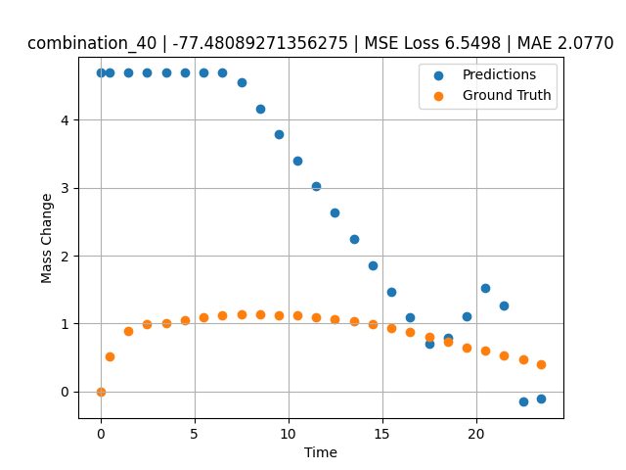
1200 | 25 | 0 | 25 | 0 | 25 | 25 | 0 | 0 | 7.5014 | 1.13358 | 4.5492658615
1200 | 25 | 0 | 25 | 0 | 25 | 25 | 0 | 0 | 8.50376 | 1.14117 | 4.1640658379
1200 | 25 | 0 | 25 | 0 | 25 | 25 | 0 | 0 | 9.5062 | 1.1246 | 3.7788391113
1200 | 25 | 0 | 25 | 0 | 25 | 25 | 0 | 0 | 10.49891 | 1.11958 | 3.3973584175
1200 | 25 | 0 | 25 | 0 | 25 | 25 | 0 | 0 | 11.4917 | 1.09581 | 3.0158419609
1200 | 25 | 0 | 25 | 0 | 25 | 25 | 0 | 0 | 12.49433 | 1.06175 | 2.6305451393
1200 | 25 | 0 | 25 | 0 | 25 | 25 | 0 | 0 | 13.49731 | 1.02973 | 2.2451069355
1200 | 25 | 0 | 25 | 0 | 25 | 25 | 0 | 0 | 14.5003 | 0.99335 | 1.8596689701
1200 | 25 | 0 | 25 | 0 | 25 | 25 | 0 | 0 | 15.50331 | 0.93937 | 1.4742310047
1200 | 25 | 0 | 25 | 0 | 25 | 25 | 0 | 0 | 16.50658 | 0.87265 | 1.0886871815
1200 | 25 | 0 | 25 | 0 | 25 | 25 | 0 | 0 | 17.50045 | 0.80846 | 0.70674800873
1200 | 25 | 0 | 25 | 0 | 25 | 25 | 0 | 0 | 18.49429 | 0.72954 | 0.79047703743
1200 | 25 | 0 | 25 | 0 | 25 | 25 | 0 | 0 | 19.49787 | 0.64801 | 1.106367588
1200 | 25 | 0 | 25 | 0 | 25 | 25 | 0 | 0 | 20.50158 | 0.59853 | 1.524324894
1200 | 25 | 0 | 25 | 0 | 25 | 25 | 0 | 0 | 21.50504 | 0.53856 | 1.2725176811
1200 | 25 | 0 | 25 | 0 | 25 | 25 | 0 | 0 | 22.49878 | 0.47792 | -0.15068864822
1200 | 25 | 0 | 25 | 0 | 25 | 25 | 0 | 0 | 23.48308 | 0.40626 | -0.10466146469

combination_41
1200.0, 22.5, 0.0, 22.5, 10.0, 22.5, 22.5, 0.0
Temperature [C] | Mo [at%] | Nb [at%] | Ta [at%] | Ti [at%] | Cr [at%] | Al [at%] | W [at%] | Zr [at%] | Time [h] | Mass Change [mg.cm2] | Mass change - predictions
1200 | 22.5 | 0 | 22.5 | 10 | 22.5 | 22.5 | 0 | 0 | 0 | 0 | 4.6869430542
1200 | 22.5 | 0 | 22.5 | 10 | 22.5 | 22.5 | 0 | 0 | 0.49084 | 0.9295 | 4.6869430542
1200 | 22.5 | 0 | 22.5 | 10 | 22.5 | 22.5 | 0 | 0 | 1.49189 | 1.80965 | 4.6869430542
1200 | 22.5 | 0 | 22.5 | 10 | 22.5 | 22.5 | 0 | 0 | 2.49308 | 2.33914 | 4.6869430542
1200 | 22.5 | 0 | 22.5 | 10 | 22.5 | 22.5 | 0 | 0 | 3.49454 | 2.7567 | 4.6869430542
1200 | 22.5 | 0 | 22.5 | 10 | 22.5 | 22.5 | 0 | 0 | 4.49587 | 3.10649 | 4.6869430542
1200 | 22.5 | 0 | 22.5 | 10 | 22.5 | 22.5 | 0 | 0 | 5.49738 | 3.40043 | 4.6869430542
1200 | 22.5 | 0 | 22.5 | 10 | 22.5 | 22.5 | 0 | 0 | 6.49902 | 3.65544 | 4.6869430542
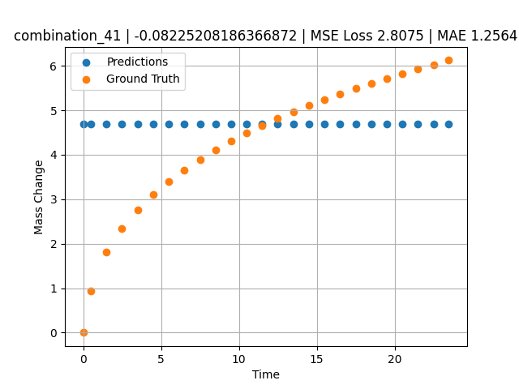
1200 | 22.5 | 0 | 22.5 | 10 | 22.5 | 22.5 | 0 | 0 | 7.5009 | 3.89334 | 4.6869430542
1200 | 22.5 | 0 | 22.5 | 10 | 22.5 | 22.5 | 0 | 0 | 8.50305 | 4.1108 | 4.6869430542
1200 | 22.5 | 0 | 22.5 | 10 | 22.5 | 22.5 | 0 | 0 | 9.50535 | 4.30411 | 4.6869430542
1200 | 22.5 | 0 | 22.5 | 10 | 22.5 | 22.5 | 0 | 0 | 10.50762 | 4.49008 | 4.6869430542
1200 | 22.5 | 0 | 22.5 | 10 | 22.5 | 22.5 | 0 | 0 | 11.50027 | 4.65508 | 4.6869430542
1200 | 22.5 | 0 | 22.5 | 10 | 22.5 | 22.5 | 0 | 0 | 12.49321 | 4.81291 | 4.6869430542
1200 | 22.5 | 0 | 22.5 | 10 | 22.5 | 22.5 | 0 | 0 | 13.49592 | 4.96201 | 4.6869430542
1200 | 22.5 | 0 | 22.5 | 10 | 22.5 | 22.5 | 0 | 0 | 14.49884 | 5.10866 | 4.6869430542
1200 | 22.5 | 0 | 22.5 | 10 | 22.5 | 22.5 | 0 | 0 | 15.50195 | 5.23656 | 4.6869430542
1200 | 22.5 | 0 | 22.5 | 10 | 22.5 | 22.5 | 0 | 0 | 16.50521 | 5.36197 | 4.6869430542
1200 | 22.5 | 0 | 22.5 | 10 | 22.5 | 22.5 | 0 | 0 | 17.49902 | 5.48679 | 4.6869430542
1200 | 22.5 | 0 | 22.5 | 10 | 22.5 | 22.5 | 0 | 0 | 18.49286 | 5.60206 | 4.6869430542
1200 | 22.5 | 0 | 22.5 | 10 | 22.5 | 22.5 | 0 | 0 | 19.49643 | 5.71574 | 4.6869430542
1200 | 22.5 | 0 | 22.5 | 10 | 22.5 | 22.5 | 0 | 0 | 20.5002 | 5.81992 | 4.6869430542
1200 | 22.5 | 0 | 22.5 | 10 | 22.5 | 22.5 | 0 | 0 | 21.50421 | 5.92516 | 4.6869430542
1200 | 22.5 | 0 | 22.5 | 10 | 22.5 | 22.5 | 0 | 0 | 22.49865 | 6.02044 | 4.6869430542
1200 | 22.5 | 0 | 22.5 | 10 | 22.5 | 22.5 | 0 | 0 | 23.48348 | 6.12261 | 4.6869430542

combination_42
1200.0, 0.0, 0.0, 20.0, 0.0, 80.0, 0.0, 0.0
Temperature [C] | Mo [at%] | Nb [at%] | Ta [at%] | Ti [at%] | Cr [at%] | Al [at%] | W [at%] | Zr [at%] | Time [h] | Mass Change [mg.cm2] | Mass change - predictions
1200 | 0 | 0 | 20 | 0 | 80 | 0 | 0 | 0 | 0 | 0 | 7.9382181168
1200 | 0 | 0 | 20 | 0 | 80 | 0 | 0 | 0 | 0.49084 | 2.2487 | 7.9722151756
1200 | 0 | 0 | 20 | 0 | 80 | 0 | 0 | 0 | 1.49185 | 4.5778 | 8.0415496826
1200 | 0 | 0 | 20 | 0 | 80 | 0 | 0 | 0 | 2.49311 | 5.99216 | 8.1109018326
1200 | 0 | 0 | 20 | 0 | 80 | 0 | 0 | 0 | 3.49454 | 7.03755 | 8.3705034256
1200 | 0 | 0 | 20 | 0 | 80 | 0 | 0 | 0 | 4.49611 | 8.01046 | 8.6413288116
1200 | 0 | 0 | 20 | 0 | 80 | 0 | 0 | 0 | 5.49754 | 8.89891 | 8.9121170044
1200 | 0 | 0 | 20 | 0 | 80 | 0 | 0 | 0 | 6.49911 | 9.62852 | 9.1829414368
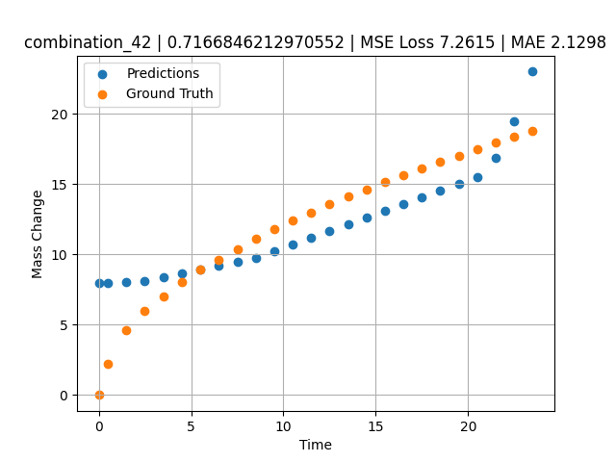
1200 | 0 | 0 | 20 | 0 | 80 | 0 | 0 | 0 | 7.50098 | 10.37488 | 9.4538478851
1200 | 0 | 0 | 20 | 0 | 80 | 0 | 0 | 0 | 8.50294 | 11.1106 | 9.7462902069
1200 | 0 | 0 | 20 | 0 | 80 | 0 | 0 | 0 | 9.50507 | 11.76175 | 10.228097916
1200 | 0 | 0 | 20 | 0 | 80 | 0 | 0 | 0 | 10.50727 | 12.37848 | 10.709939957
1200 | 0 | 0 | 20 | 0 | 80 | 0 | 0 | 0 | 11.49987 | 12.98514 | 11.187166214
1200 | 0 | 0 | 20 | 0 | 80 | 0 | 0 | 0 | 12.49278 | 13.55574 | 11.664543152
1200 | 0 | 0 | 20 | 0 | 80 | 0 | 0 | 0 | 13.49537 | 14.11738 | 12.146572113
1200 | 0 | 0 | 20 | 0 | 80 | 0 | 0 | 0 | 14.4982 | 14.61774 | 12.628717422
1200 | 0 | 0 | 20 | 0 | 80 | 0 | 0 | 0 | 15.50122 | 15.11307 | 13.110953331
1200 | 0 | 0 | 20 | 0 | 80 | 0 | 0 | 0 | 16.50458 | 15.61266 | 13.593352318
1200 | 0 | 0 | 20 | 0 | 80 | 0 | 0 | 0 | 17.49836 | 16.1203 | 14.071146965
1200 | 0 | 0 | 20 | 0 | 80 | 0 | 0 | 0 | 18.49225 | 16.55858 | 14.548993111
1200 | 0 | 0 | 20 | 0 | 80 | 0 | 0 | 0 | 19.49582 | 17.00085 | 15.031494141
1200 | 0 | 0 | 20 | 0 | 80 | 0 | 0 | 0 | 20.49954 | 17.48111 | 15.514066696
1200 | 0 | 0 | 20 | 0 | 80 | 0 | 0 | 0 | 21.50356 | 17.92626 | 16.861049652
1200 | 0 | 0 | 20 | 0 | 80 | 0 | 0 | 0 | 22.49791 | 18.33595 | 19.459384918
1200 | 0 | 0 | 20 | 0 | 80 | 0 | 0 | 0 | 23.49244 | 18.74801 | 22.983646393

combination_43
1200.0, 0.0, 0.0, 33.3, 33.4, 33.3, 0.0, 0.0
Temperature [C] | Mo [at%] | Nb [at%] | Ta [at%] | Ti [at%] | Cr [at%] | Al [at%] | W [at%] | Zr [at%] | Time [h] | Mass Change [mg.cm2] | Mass change - predictions
1200 | 0 | 0 | 33.3 | 33.4 | 33.3 | 0 | 0 | 0 | 0 | 0 | 2.7982456684
1200 | 0 | 0 | 33.3 | 33.4 | 33.3 | 0 | 0 | 0 | 0.50589 | 1.2245 | 3.2239208221
1200 | 0 | 0 | 33.3 | 33.4 | 33.3 | 0 | 0 | 0 | 1.50743 | 3.21145 | 4.0666561127
1200 | 0 | 0 | 33.3 | 33.4 | 33.3 | 0 | 0 | 0 | 2.50834 | 4.82823 | 4.9088644981
1200 | 0 | 0 | 33.3 | 33.4 | 33.3 | 0 | 0 | 0 | 3.49984 | 6.40464 | 5.7431535721
1200 | 0 | 0 | 33.3 | 33.4 | 33.3 | 0 | 0 | 0 | 4.49165 | 8.24746 | 6.5777015686
1200 | 0 | 0 | 33.3 | 33.4 | 33.3 | 0 | 0 | 0 | 5.49326 | 10.12588 | 7.420498848
1200 | 0 | 0 | 33.3 | 33.4 | 33.3 | 0 | 0 | 0 | 6.49512 | 11.74551 | 8.263502121
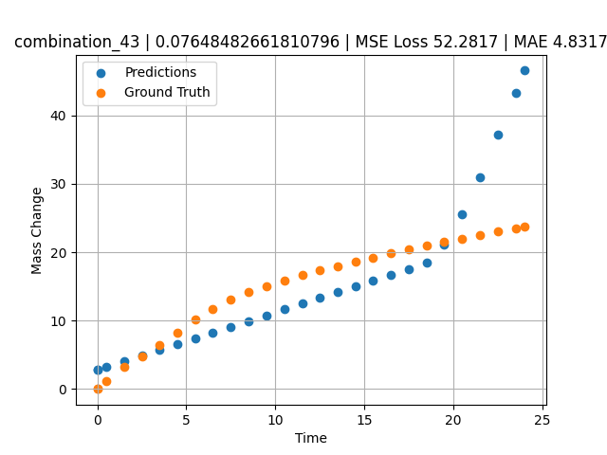
1200 | 0 | 0 | 33.3 | 33.4 | 33.3 | 0 | 0 | 0 | 7.49717 | 13.06387 | 9.1066665649
1200 | 0 | 0 | 33.3 | 33.4 | 33.3 | 0 | 0 | 0 | 8.49935 | 14.15469 | 9.9499416351
1200 | 0 | 0 | 33.3 | 33.4 | 33.3 | 0 | 0 | 0 | 9.50168 | 15.07769 | 10.793344498
1200 | 0 | 0 | 33.3 | 33.4 | 33.3 | 0 | 0 | 0 | 10.50396 | 15.89904 | 11.636701584
1200 | 0 | 0 | 33.3 | 33.4 | 33.3 | 0 | 0 | 0 | 11.50641 | 16.636 | 12.480203629
1200 | 0 | 0 | 33.3 | 33.4 | 33.3 | 0 | 0 | 0 | 12.4993 | 17.32067 | 13.315664291
1200 | 0 | 0 | 33.3 | 33.4 | 33.3 | 0 | 0 | 0 | 13.49252 | 17.97297 | 14.151395798
1200 | 0 | 0 | 33.3 | 33.4 | 33.3 | 0 | 0 | 0 | 14.49558 | 18.60484 | 14.995412827
1200 | 0 | 0 | 33.3 | 33.4 | 33.3 | 0 | 0 | 0 | 15.49869 | 19.21742 | 15.83946991
1200 | 0 | 0 | 33.3 | 33.4 | 33.3 | 0 | 0 | 0 | 16.50197 | 19.80993 | 16.683670044
1200 | 0 | 0 | 33.3 | 33.4 | 33.3 | 0 | 0 | 0 | 17.50542 | 20.38414 | 17.528015137
1200 | 0 | 0 | 33.3 | 33.4 | 33.3 | 0 | 0 | 0 | 18.4994 | 20.93636 | 18.499610901
1200 | 0 | 0 | 33.3 | 33.4 | 33.3 | 0 | 0 | 0 | 19.49338 | 21.47763 | 21.098445892
1200 | 0 | 0 | 33.3 | 33.4 | 33.3 | 0 | 0 | 0 | 20.49715 | 22.00213 | 25.585271835
1200 | 0 | 0 | 33.3 | 33.4 | 33.3 | 0 | 0 | 0 | 21.5012 | 22.51318 | 30.957990646
1200 | 0 | 0 | 33.3 | 33.4 | 33.3 | 0 | 0 | 0 | 22.50542 | 23.00472 | 37.18038559
1200 | 0 | 0 | 33.3 | 33.4 | 33.3 | 0 | 0 | 0 | 23.50015 | 23.48187 | 43.343971252
1200 | 0 | 0 | 33.3 | 33.4 | 33.3 | 0 | 0 | 0 | 24.02167 | 23.71265 | 46.575428009
1200 | 0 | 0 | 33.3 | 33.4 | 33.3 | 0 | 0 | 0 | 0 | 0 | 2.7982456684

combination_44
1000.0, 20.0, 0.0, 0.0, 20.0, 20.0, 20.0, 20.0
Temperature [C] | Mo [at%] | Nb [at%] | Ta [at%] | Ti [at%] | Cr [at%] | Al [at%] | W [at%] | Zr [at%] | Time [h] | Mass Change [mg.cm2] | Mass change - predictions
1000 | 20 | 0 | 0 | 20 | 20 | 20 | 20 | 0 | 0 | 0 | 4.6869430542
1000 | 20 | 0 | 0 | 20 | 20 | 20 | 20 | 0 | 0.48048 | 0.84398 | 4.6869430542
1000 | 20 | 0 | 0 | 20 | 20 | 20 | 20 | 0 | 1.48148 | 1.95113 | 4.6869430542
1000 | 20 | 0 | 0 | 20 | 20 | 20 | 20 | 0 | 2.48248 | 2.67199 | 4.6869430542
1000 | 20 | 0 | 0 | 20 | 20 | 20 | 20 | 0 | 3.48348 | 3.20863 | 4.6869430542
1000 | 20 | 0 | 0 | 20 | 20 | 20 | 20 | 0 | 4.48448 | 3.63657 | 4.6869430542
1000 | 20 | 0 | 0 | 20 | 20 | 20 | 20 | 0 | 5.46681 | 3.98634 | 4.6869430542
1000 | 20 | 0 | 0 | 20 | 20 | 20 | 20 | 0 | 6.48649 | 4.29749 | 4.6869430542
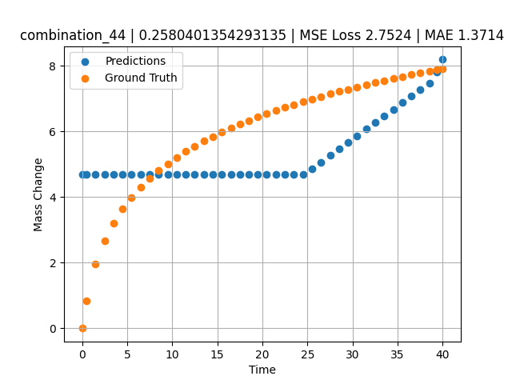
1000 | 20 | 0 | 0 | 20 | 20 | 20 | 20 | 0 | 7.48749 | 4.56411 | 4.6869430542
1000 | 20 | 0 | 0 | 20 | 20 | 20 | 20 | 0 | 8.48849 | 4.80102 | 4.6869430542
1000 | 20 | 0 | 0 | 20 | 20 | 20 | 20 | 0 | 9.48949 | 5.01418 | 4.6869430542
1000 | 20 | 0 | 0 | 20 | 20 | 20 | 20 | 0 | 10.47163 | 5.20439 | 4.6869430542
1000 | 20 | 0 | 0 | 20 | 20 | 20 | 20 | 0 | 11.49149 | 5.38551 | 4.6869430542
1000 | 20 | 0 | 0 | 20 | 20 | 20 | 20 | 0 | 12.49249 | 5.54942 | 4.6869430542
1000 | 20 | 0 | 0 | 20 | 20 | 20 | 20 | 0 | 13.49349 | 5.70161 | 4.6869430542
1000 | 20 | 0 | 0 | 20 | 20 | 20 | 20 | 0 | 14.49449 | 5.84365 | 4.6869430542
1000 | 20 | 0 | 0 | 20 | 20 | 20 | 20 | 0 | 15.47644 | 5.97432 | 4.6869430542
1000 | 20 | 0 | 0 | 20 | 20 | 20 | 20 | 0 | 16.4965 | 6.10212 | 4.6869430542
1000 | 20 | 0 | 0 | 20 | 20 | 20 | 20 | 0 | 17.4975 | 6.22048 | 4.6869430542
1000 | 20 | 0 | 0 | 20 | 20 | 20 | 20 | 0 | 18.4985 | 6.3326 | 4.6869430542
1000 | 20 | 0 | 0 | 20 | 20 | 20 | 20 | 0 | 19.4995 | 6.43912 | 4.6869430542
1000 | 20 | 0 | 0 | 20 | 20 | 20 | 20 | 0 | 20.48125 | 6.53864 | 4.6869430542
1000 | 20 | 0 | 0 | 20 | 20 | 20 | 20 | 0 | 21.5015 | 6.63739 | 4.6869430542
1000 | 20 | 0 | 0 | 20 | 20 | 20 | 20 | 0 | 22.5025 | 6.73001 | 4.6869430542
1000 | 20 | 0 | 0 | 20 | 20 | 20 | 20 | 0 | 23.5035 | 6.81877 | 4.6869430542
1000 | 20 | 0 | 0 | 20 | 20 | 20 | 20 | 0 | 24.5045 | 6.90398 | 4.6869430542
1000 | 20 | 0 | 0 | 20 | 20 | 20 | 20 | 0 | 25.48606 | 6.98435 | 4.8594694138
1000 | 20 | 0 | 0 | 20 | 20 | 20 | 20 | 0 | 26.50651 | 7.06482 | 5.0647192001
1000 | 20 | 0 | 0 | 20 | 20 | 20 | 20 | 0 | 27.50751 | 7.1409 | 5.2660565376
1000 | 20 | 0 | 0 | 20 | 20 | 20 | 20 | 0 | 28.50851 | 7.21436 | 5.467394352
1000 | 20 | 0 | 0 | 20 | 20 | 20 | 20 | 0 | 29.50951 | 7.28536 | 5.6687316895
1000 | 20 | 0 | 0 | 20 | 20 | 20 | 20 | 0 | 30.49088 | 7.35275 | 5.8661212921
1000 | 20 | 0 | 0 | 20 | 20 | 20 | 20 | 0 | 31.51151 | 7.42066 | 6.0714068413
1000 | 20 | 0 | 0 | 20 | 20 | 20 | 20 | 0 | 32.51251 | 7.48521 | 6.2727441788
1000 | 20 | 0 | 0 | 20 | 20 | 20 | 20 | 0 | 33.51351 | 7.54787 | 6.4740819931
1000 | 20 | 0 | 0 | 20 | 20 | 20 | 20 | 0 | 34.51451 | 7.60873 | 6.6754198074
1000 | 20 | 0 | 0 | 20 | 20 | 20 | 20 | 0 | 35.49569 | 7.66674 | 6.8727707863
1000 | 20 | 0 | 0 | 20 | 20 | 20 | 20 | 0 | 36.51652 | 7.72548 | 7.0780968666
1000 | 20 | 0 | 0 | 20 | 20 | 20 | 20 | 0 | 37.51752 | 7.78154 | 7.2794342041
1000 | 20 | 0 | 0 | 20 | 20 | 20 | 20 | 0 | 38.51852 | 7.83617 | 7.4807720184
1000 | 20 | 0 | 0 | 20 | 20 | 20 | 20 | 0 | 39.35936 | 7.88102 | 7.8170228004
1000 | 20 | 0 | 0 | 20 | 20 | 20 | 20 | 0 | 40 | 7.91458 | 8.1902313232

combination_45
800.0, 0.0, 40.0, 10.0, 40.0, 10.0, 0.0, 0.0
Temperature [C] | Mo [at%] | Nb [at%] | Ta [at%] | Ti [at%] | Cr [at%] | Al [at%] | W [at%] | Zr [at%] | Time [h] | Mass Change [mg.cm2] | Mass change - predictions
800 | 0 | 40 | 10 | 40 | 10 | 0 | 0 | 0 | 0 | 0 | 4.6869430542
800 | 0 | 40 | 10 | 40 | 10 | 0 | 0 | 0 | 1 | 0.92 | 4.6869430542
800 | 0 | 40 | 10 | 40 | 10 | 0 | 0 | 0 | 2 | 1.33 | 4.6869430542
800 | 0 | 40 | 10 | 40 | 10 | 0 | 0 | 0 | 5 | 2.31 | 4.6869430542
800 | 0 | 40 | 10 | 40 | 10 | 0 | 0 | 0 | 10 | 3.1 | 4.6869430542
800 | 0 | 40 | 10 | 40 | 10 | 0 | 0 | 0 | 15 | 3.75 | 4.6869430542
800 | 0 | 40 | 10 | 40 | 10 | 0 | 0 | 0 | 20 | 4.56 | 6.1830453873
800 | 0 | 40 | 10 | 40 | 10 | 0 | 0 | 0 | 0 | 0 | 4.6869430542
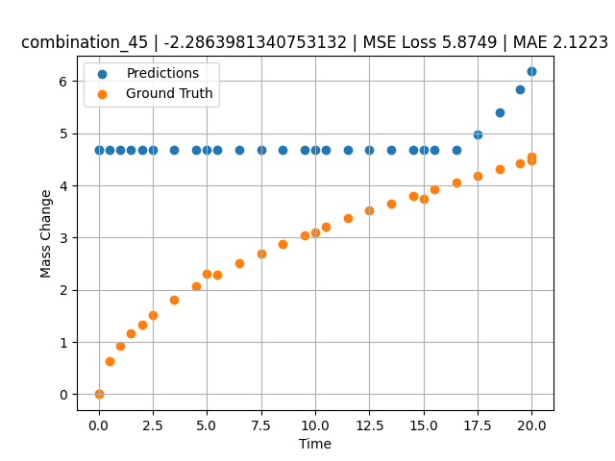
800 | 0 | 40 | 10 | 40 | 10 | 0 | 0 | 0 | 0.49049 | 0.6285 | 4.6869430542
800 | 0 | 40 | 10 | 40 | 10 | 0 | 0 | 0 | 1.48185 | 1.15858 | 4.6869430542
800 | 0 | 40 | 10 | 40 | 10 | 0 | 0 | 0 | 2.48284 | 1.51874 | 4.6869430542
800 | 0 | 40 | 10 | 40 | 10 | 0 | 0 | 0 | 3.49349 | 1.81437 | 4.6869430542
800 | 0 | 40 | 10 | 40 | 10 | 0 | 0 | 0 | 4.49449 | 2.0681 | 4.6869430542
800 | 0 | 40 | 10 | 40 | 10 | 0 | 0 | 0 | 5.48578 | 2.29345 | 4.6869430542
800 | 0 | 40 | 10 | 40 | 10 | 0 | 0 | 0 | 6.4965 | 2.50375 | 4.6869430542
800 | 0 | 40 | 10 | 40 | 10 | 0 | 0 | 0 | 7.4975 | 2.69691 | 4.6869430542
800 | 0 | 40 | 10 | 40 | 10 | 0 | 0 | 0 | 8.4985 | 2.87796 | 4.6869430542
800 | 0 | 40 | 10 | 40 | 10 | 0 | 0 | 0 | 9.4995 | 3.04898 | 4.6869430542
800 | 0 | 40 | 10 | 40 | 10 | 0 | 0 | 0 | 10.49069 | 3.20993 | 4.6869430542
800 | 0 | 40 | 10 | 40 | 10 | 0 | 0 | 0 | 11.5015 | 3.3667 | 4.6869430542
800 | 0 | 40 | 10 | 40 | 10 | 0 | 0 | 0 | 12.5025 | 3.51551 | 4.6869430542
800 | 0 | 40 | 10 | 40 | 10 | 0 | 0 | 0 | 13.5035 | 3.65868 | 4.6869430542
800 | 0 | 40 | 10 | 40 | 10 | 0 | 0 | 0 | 14.5045 | 3.79682 | 4.6869430542
800 | 0 | 40 | 10 | 40 | 10 | 0 | 0 | 0 | 15.49559 | 3.92912 | 4.6869430542
800 | 0 | 40 | 10 | 40 | 10 | 0 | 0 | 0 | 16.50651 | 4.05994 | 4.6869430542
800 | 0 | 40 | 10 | 40 | 10 | 0 | 0 | 0 | 17.50751 | 4.18572 | 4.9748120308
800 | 0 | 40 | 10 | 40 | 10 | 0 | 0 | 0 | 18.50851 | 4.30808 | 5.3920354843
800 | 0 | 40 | 10 | 40 | 10 | 0 | 0 | 0 | 19.44945 | 4.42025 | 5.84283638
800 | 0 | 40 | 10 | 40 | 10 | 0 | 0 | 0 | 20 | 4.48474 | 6.1830453873

combination_46
800.0, 0.0, 45.0, 15.0, 30.0, 0.0, 10.0, 0.0
Temperature [C] | Mo [at%] | Nb [at%] | Ta [at%] | Ti [at%] | Cr [at%] | Al [at%] | W [at%] | Zr [at%] | Time [h] | Mass Change [mg.cm2] | Mass change - predictions
800 | 0 | 45 | 15 | 30 | 0 | 10 | 0 | 0 | 0 | 0 | 4.6869430542
800 | 0 | 45 | 15 | 30 | 0 | 10 | 0 | 0 | 1 | 1.56 | 4.6869430542
800 | 0 | 45 | 15 | 30 | 0 | 10 | 0 | 0 | 2 | 2.18 | 4.6869430542
800 | 0 | 45 | 15 | 30 | 0 | 10 | 0 | 0 | 5 | 4.27 | 4.6869430542
800 | 0 | 45 | 15 | 30 | 0 | 10 | 0 | 0 | 10 | 5.54 | 4.6869430542
800 | 0 | 45 | 15 | 30 | 0 | 10 | 0 | 0 | 15 | 6.64 | 4.6869430542
800 | 0 | 45 | 15 | 30 | 0 | 10 | 0 | 0 | 20 | 7.17 | 4.6869430542
800 | 0 | 45 | 15 | 30 | 0 | 10 | 0 | 0 | 0 | 0 | 4.6869430542
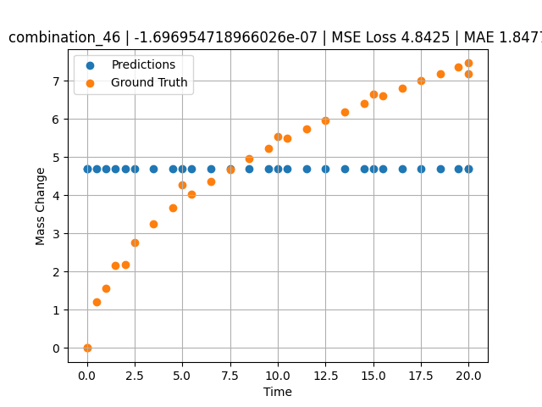
800 | 0 | 45 | 15 | 30 | 0 | 10 | 0 | 0 | 0.49049 | 1.19868 | 4.6869430542
800 | 0 | 45 | 15 | 30 | 0 | 10 | 0 | 0 | 1.48185 | 2.15425 | 4.6869430542
800 | 0 | 45 | 15 | 30 | 0 | 10 | 0 | 0 | 2.48284 | 2.76229 | 4.6869430542
800 | 0 | 45 | 15 | 30 | 0 | 10 | 0 | 0 | 3.49349 | 3.25213 | 4.6869430542
800 | 0 | 45 | 15 | 30 | 0 | 10 | 0 | 0 | 4.49449 | 3.66718 | 4.6869430542
800 | 0 | 45 | 15 | 30 | 0 | 10 | 0 | 0 | 5.48578 | 4.03226 | 4.6869430542
800 | 0 | 45 | 15 | 30 | 0 | 10 | 0 | 0 | 6.4965 | 4.37028 | 4.6869430542
800 | 0 | 45 | 15 | 30 | 0 | 10 | 0 | 0 | 7.4975 | 4.67867 | 4.6869430542
800 | 0 | 45 | 15 | 30 | 0 | 10 | 0 | 0 | 8.4985 | 4.96607 | 4.6869430542
800 | 0 | 45 | 15 | 30 | 0 | 10 | 0 | 0 | 9.4995 | 5.23618 | 4.6869430542
800 | 0 | 45 | 15 | 30 | 0 | 10 | 0 | 0 | 10.49069 | 5.48924 | 4.6869430542
800 | 0 | 45 | 15 | 30 | 0 | 10 | 0 | 0 | 11.5015 | 5.73472 | 4.6869430542
800 | 0 | 45 | 15 | 30 | 0 | 10 | 0 | 0 | 12.5025 | 5.96687 | 4.6869430542
800 | 0 | 45 | 15 | 30 | 0 | 10 | 0 | 0 | 13.5035 | 6.18945 | 4.6869430542
800 | 0 | 45 | 15 | 30 | 0 | 10 | 0 | 0 | 14.5045 | 6.40352 | 4.6869430542
800 | 0 | 45 | 15 | 30 | 0 | 10 | 0 | 0 | 15.49559 | 6.60795 | 4.6869430542
800 | 0 | 45 | 15 | 30 | 0 | 10 | 0 | 0 | 16.50651 | 6.80953 | 4.6869430542
800 | 0 | 45 | 15 | 30 | 0 | 10 | 0 | 0 | 17.50751 | 7.00284 | 4.6869430542
800 | 0 | 45 | 15 | 30 | 0 | 10 | 0 | 0 | 18.50851 | 7.19043 | 4.6869430542
800 | 0 | 45 | 15 | 30 | 0 | 10 | 0 | 0 | 19.44945 | 7.36201 | 4.6869430542
800 | 0 | 45 | 15 | 30 | 0 | 10 | 0 | 0 | 20 | 7.46051 | 4.6869430542

