combination_1
1000.0, 25.0, 25.0, 0.0, 0.0, 25.0, 25.0, 0.0
Temperature [C] | Mo [at%] | Nb [at%] | Ta [at%] | Ti [at%] | Cr [at%] | Al [at%] | W [at%] | Zr [at%] | Time [h] | Mass Change [mg.cm2] | Mass change - predictions
1000 | 25 | 25 | 0 | 0 | 25 | 25 | 0 | 0 | 0 | 0 | 0.6960811615
1000 | 25 | 25 | 0 | 0 | 25 | 25 | 0 | 0 | 10 | 2.7906976744 | 3.1861023903
1000 | 25 | 25 | 0 | 0 | 25 | 25 | 0 | 0 | 15 | 7.9069767442 | 6.7309446335
1000 | 25 | 25 | 0 | 0 | 25 | 25 | 0 | 0 | 20 | 13.720930233 | 12.228268623
1000 | 25 | 25 | 0 | 0 | 25 | 25 | 0 | 0 | 25 | 16.744186047 | 13.314021111
1000 | 25 | 25 | 0 | 0 | 25 | 25 | 0 | 0 | 27 | 17.441860465 | 13.394072533
1000 | 25 | 25 | 0 | 0 | 25 | 25 | 0 | 0 | 30 | 16.511627907 | 13.514151573
1000 | 25 | 25 | 0 | 0 | 25 | 25 | 0 | 0 | 35 | 15.348837209 | 13.714282036
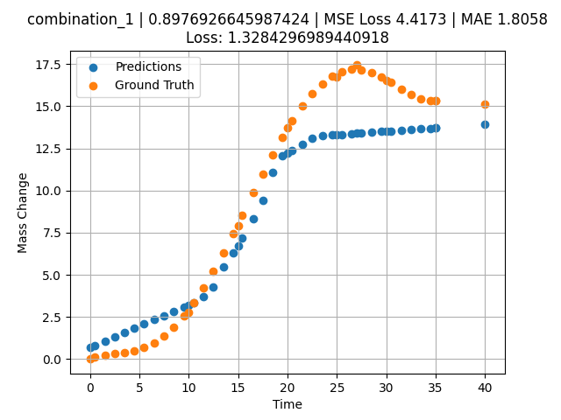
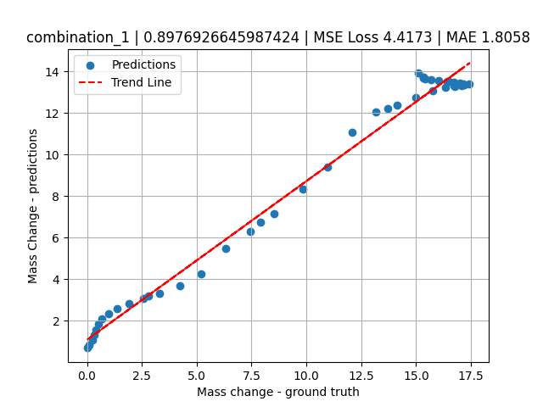
1000 | 25 | 25 | 0 | 0 | 25 | 25 | 0 | 0 | 40 | 15.11627907 | 13.914412498
1000 | 25 | 25 | 0 | 0 | 25 | 25 | 0 | 0 | 0.49049 | 0.11352 | 0.82031154633
1000 | 25 | 25 | 0 | 0 | 25 | 25 | 0 | 0 | 1.50651 | 0.25315 | 1.0776469707
1000 | 25 | 25 | 0 | 0 | 25 | 25 | 0 | 0 | 2.50176 | 0.3291 | 1.3297210932
1000 | 25 | 25 | 0 | 0 | 25 | 25 | 0 | 0 | 3.5035 | 0.40052 | 1.5834397078
1000 | 25 | 25 | 0 | 0 | 25 | 25 | 0 | 0 | 4.502 | 0.51111 | 1.8363380432
1000 | 25 | 25 | 0 | 0 | 25 | 25 | 0 | 0 | 5.48382 | 0.69263 | 2.0839471817
1000 | 25 | 25 | 0 | 0 | 25 | 25 | 0 | 0 | 6.499 | 0.98012 | 2.3385646343
1000 | 25 | 25 | 0 | 0 | 25 | 25 | 0 | 0 | 7.4975 | 1.38086 | 2.5889987946
1000 | 25 | 25 | 0 | 0 | 25 | 25 | 0 | 0 | 8.47889 | 1.89642 | 2.8351402283
1000 | 25 | 25 | 0 | 0 | 25 | 25 | 0 | 0 | 9.49449 | 2.55961 | 3.0898625851
1000 | 25 | 25 | 0 | 0 | 25 | 25 | 0 | 0 | 10.47599 | 3.32187 | 3.3259775639
1000 | 25 | 25 | 0 | 0 | 25 | 25 | 0 | 0 | 11.49149 | 4.22659 | 3.6831374168
1000 | 25 | 25 | 0 | 0 | 25 | 25 | 0 | 0 | 12.49059 | 5.21784 | 4.2793178558
1000 | 25 | 25 | 0 | 0 | 25 | 25 | 0 | 0 | 13.50601 | 6.30862 | 5.4912281036
1000 | 25 | 25 | 0 | 0 | 25 | 25 | 0 | 0 | 14.5045 | 7.44295 | 6.306517601
1000 | 25 | 25 | 0 | 0 | 25 | 25 | 0 | 0 | 15.41562 | 8.51065 | 7.1721229553
1000 | 25 | 25 | 0 | 0 | 25 | 25 | 0 | 0 | 16.55405 | 9.85967 | 8.3499555588
1000 | 25 | 25 | 0 | 0 | 25 | 25 | 0 | 0 | 17.5 | 10.96697 | 9.4127645493
1000 | 25 | 25 | 0 | 0 | 25 | 25 | 0 | 0 | 18.4985 | 12.0966 | 11.071328163
1000 | 25 | 25 | 0 | 0 | 25 | 25 | 0 | 0 | 19.497 | 13.16175 | 12.056745529
1000 | 25 | 25 | 0 | 0 | 25 | 25 | 0 | 0 | 20.47898 | 14.12223 | 12.391600609
1000 | 25 | 25 | 0 | 0 | 25 | 25 | 0 | 0 | 21.49399 | 15.00453 | 12.737717628
1000 | 25 | 25 | 0 | 0 | 25 | 25 | 0 | 0 | 22.49249 | 15.74206 | 13.078204155
1000 | 25 | 25 | 0 | 0 | 25 | 25 | 0 | 0 | 23.50851 | 16.34597 | 13.254323006
1000 | 25 | 25 | 0 | 0 | 25 | 25 | 0 | 0 | 24.50701 | 16.7853 | 13.294289589
1000 | 25 | 25 | 0 | 0 | 25 | 25 | 0 | 0 | 25.48866 | 17.0618 | 13.333580017
1000 | 25 | 25 | 0 | 0 | 25 | 25 | 0 | 0 | 26.504 | 17.1902 | 13.374220848
1000 | 25 | 25 | 0 | 0 | 25 | 25 | 0 | 0 | 27.48575 | 17.1666 | 13.413515091
1000 | 25 | 25 | 0 | 0 | 25 | 25 | 0 | 0 | 28.501 | 17.00867 | 13.454152107
1000 | 25 | 25 | 0 | 0 | 25 | 25 | 0 | 0 | 29.4995 | 16.74283 | 13.494119644
1000 | 25 | 25 | 0 | 0 | 25 | 25 | 0 | 0 | 30.48083 | 16.40843 | 13.533396721
1000 | 25 | 25 | 0 | 0 | 25 | 25 | 0 | 0 | 31.50901 | 16.02486 | 13.574550629
1000 | 25 | 25 | 0 | 0 | 25 | 25 | 0 | 0 | 32.49499 | 15.67865 | 13.614016533
1000 | 25 | 25 | 0 | 0 | 25 | 25 | 0 | 0 | 33.49349 | 15.41555 | 13.653983116
1000 | 25 | 25 | 0 | 0 | 25 | 25 | 0 | 0 | 34.49199 | 15.31626 | 13.693947792
1000 | 25 | 25 | 0 | 0 | 25 | 25 | 0 | 0 | 35 | 15.34548 | 13.714282036

combination_2
1000.0, 20.0, 20.0, 0.0, 20.0, 20.0, 20.0, 0.0
Temperature [C] | Mo [at%] | Nb [at%] | Ta [at%] | Ti [at%] | Cr [at%] | Al [at%] | W [at%] | Zr [at%] | Time [h] | Mass Change [mg.cm2] | Mass change - predictions
1000 | 20 | 20 | 0 | 20 | 20 | 20 | 0 | 0 | 50 | 11.395348837 | 7.8586187363
1000 | 20 | 20 | 0 | 20 | 20 | 20 | 0 | 0 | 40 | 8.1395348837 | 6.8301239014
1000 | 20 | 20 | 0 | 20 | 20 | 20 | 0 | 0 | 35 | 6.976744186 | 6.3731765747
1000 | 20 | 20 | 0 | 20 | 20 | 20 | 0 | 0 | 30 | 5.5813953488 | 6.0898923874
1000 | 20 | 20 | 0 | 20 | 20 | 20 | 0 | 0 | 25 | 4.4186046512 | 5.8012933731
1000 | 20 | 20 | 0 | 20 | 20 | 20 | 0 | 0 | 20 | 3.2558139535 | 4.6206378937
1000 | 20 | 20 | 0 | 20 | 20 | 20 | 0 | 0 | 15 | 2.6046511628 | 3.9708857536
1000 | 20 | 20 | 0 | 20 | 20 | 20 | 0 | 0 | 10 | 1.8604651163 | 3.3346068859
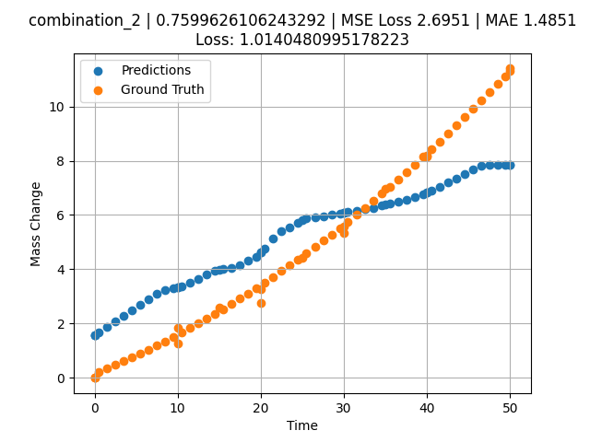
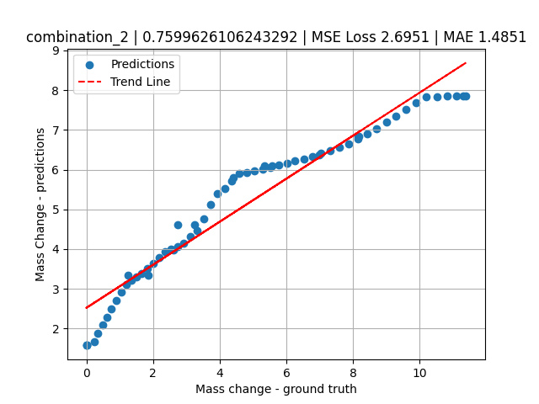
1000 | 20 | 20 | 0 | 20 | 20 | 20 | 0 | 0 | 0 | 0 | 1.5768201351
1000 | 20 | 20 | 0 | 20 | 20 | 20 | 0 | 0 | 0 | 0 | 1.5768201351
1000 | 20 | 20 | 0 | 20 | 20 | 20 | 0 | 0 | 10 | 1.2533333333 | 3.3346068859
1000 | 20 | 20 | 0 | 20 | 20 | 20 | 0 | 0 | 20 | 2.7466666667 | 4.6206378937
1000 | 20 | 20 | 0 | 20 | 20 | 20 | 0 | 0 | 30 | 5.3333333333 | 6.0898923874
1000 | 20 | 20 | 0 | 20 | 20 | 20 | 0 | 0 | 40 | 8.1866666667 | 6.8301239014
1000 | 20 | 20 | 0 | 20 | 20 | 20 | 0 | 0 | 0 | 0 | 1.5768201351
1000 | 20 | 20 | 0 | 20 | 20 | 20 | 0 | 0 | 0.49787 | 0.22717 | 1.6795786619
1000 | 20 | 20 | 0 | 20 | 20 | 20 | 0 | 0 | 1.47648 | 0.35069 | 1.8815603256
1000 | 20 | 20 | 0 | 20 | 20 | 20 | 0 | 0 | 2.47748 | 0.48101 | 2.0881636143
1000 | 20 | 20 | 0 | 20 | 20 | 20 | 0 | 0 | 3.47848 | 0.61536 | 2.2947671413
1000 | 20 | 20 | 0 | 20 | 20 | 20 | 0 | 0 | 4.47948 | 0.75375 | 2.5013380051
1000 | 20 | 20 | 0 | 20 | 20 | 20 | 0 | 0 | 5.48048 | 0.89617 | 2.706205368
1000 | 20 | 20 | 0 | 20 | 20 | 20 | 0 | 0 | 6.48148 | 1.04262 | 2.9110729694
1000 | 20 | 20 | 0 | 20 | 20 | 20 | 0 | 0 | 7.48248 | 1.19311 | 3.115940094
1000 | 20 | 20 | 0 | 20 | 20 | 20 | 0 | 0 | 8.48348 | 1.34763 | 3.2188713551
1000 | 20 | 20 | 0 | 20 | 20 | 20 | 0 | 0 | 9.48448 | 1.50619 | 3.2952640057
1000 | 20 | 20 | 0 | 20 | 20 | 20 | 0 | 0 | 10.46237 | 1.66499 | 3.3753635883
1000 | 20 | 20 | 0 | 20 | 20 | 20 | 0 | 0 | 11.48649 | 1.8354 | 3.5194356441
1000 | 20 | 20 | 0 | 20 | 20 | 20 | 0 | 0 | 12.48749 | 2.00606 | 3.6472737789
1000 | 20 | 20 | 0 | 20 | 20 | 20 | 0 | 0 | 13.48849 | 2.18075 | 3.7978093624
1000 | 20 | 20 | 0 | 20 | 20 | 20 | 0 | 0 | 14.48949 | 2.35947 | 3.9354672432
1000 | 20 | 20 | 0 | 20 | 20 | 20 | 0 | 0 | 15.46713 | 2.53794 | 3.9995908737
1000 | 20 | 20 | 0 | 20 | 20 | 20 | 0 | 0 | 16.49149 | 2.72902 | 4.062538147
1000 | 20 | 20 | 0 | 20 | 20 | 20 | 0 | 0 | 17.49249 | 2.91985 | 4.139272213
1000 | 20 | 20 | 0 | 20 | 20 | 20 | 0 | 0 | 18.49349 | 3.11471 | 4.3091578484
1000 | 20 | 20 | 0 | 20 | 20 | 20 | 0 | 0 | 19.49449 | 3.3136 | 4.4721713066
1000 | 20 | 20 | 0 | 20 | 20 | 20 | 0 | 0 | 20.4719 | 3.51171 | 4.7592339516
1000 | 20 | 20 | 0 | 20 | 20 | 20 | 0 | 0 | 21.4965 | 3.72349 | 5.1314101219
1000 | 20 | 20 | 0 | 20 | 20 | 20 | 0 | 0 | 22.4975 | 3.93448 | 5.4014444351
1000 | 20 | 20 | 0 | 20 | 20 | 20 | 0 | 0 | 23.4985 | 4.14951 | 5.5321025848
1000 | 20 | 20 | 0 | 20 | 20 | 20 | 0 | 0 | 24.4995 | 4.36857 | 5.7080059052
1000 | 20 | 20 | 0 | 20 | 20 | 20 | 0 | 0 | 25.47667 | 4.58632 | 5.8969349861
1000 | 20 | 20 | 0 | 20 | 20 | 20 | 0 | 0 | 26.5015 | 4.81879 | 5.9311819077
1000 | 20 | 20 | 0 | 20 | 20 | 20 | 0 | 0 | 27.5025 | 5.04996 | 5.9653749466
1000 | 20 | 20 | 0 | 20 | 20 | 20 | 0 | 0 | 28.5035 | 5.28515 | 6.0152816772
1000 | 20 | 20 | 0 | 20 | 20 | 20 | 0 | 0 | 29.5045 | 5.52438 | 6.0651884079
1000 | 20 | 20 | 0 | 20 | 20 | 20 | 0 | 0 | 30.48143 | 5.76176 | 6.1138954163
1000 | 20 | 20 | 0 | 20 | 20 | 20 | 0 | 0 | 31.50651 | 6.01494 | 6.1650028229
1000 | 20 | 20 | 0 | 20 | 20 | 20 | 0 | 0 | 32.50751 | 6.26627 | 6.2149095535
1000 | 20 | 20 | 0 | 20 | 20 | 20 | 0 | 0 | 33.50851 | 6.52164 | 6.268239975
1000 | 20 | 20 | 0 | 20 | 20 | 20 | 0 | 0 | 34.50951 | 6.78104 | 6.3386669159
1000 | 20 | 20 | 0 | 20 | 20 | 20 | 0 | 0 | 35.4862 | 7.03804 | 6.4073839188
1000 | 20 | 20 | 0 | 20 | 20 | 20 | 0 | 0 | 36.51151 | 7.31193 | 6.4795227051
1000 | 20 | 20 | 0 | 20 | 20 | 20 | 0 | 0 | 37.51251 | 7.58343 | 6.5597133636
1000 | 20 | 20 | 0 | 20 | 20 | 20 | 0 | 0 | 38.51351 | 7.85896 | 6.6512145996
1000 | 20 | 20 | 0 | 20 | 20 | 20 | 0 | 0 | 39.51451 | 8.13853 | 6.7642822266
1000 | 20 | 20 | 0 | 20 | 20 | 20 | 0 | 0 | 40.49097 | 8.41514 | 6.8967065811
1000 | 20 | 20 | 0 | 20 | 20 | 20 | 0 | 0 | 41.51652 | 8.70977 | 7.0357885361
1000 | 20 | 20 | 0 | 20 | 20 | 20 | 0 | 0 | 42.51752 | 9.00143 | 7.1901807785
1000 | 20 | 20 | 0 | 20 | 20 | 20 | 0 | 0 | 43.51852 | 9.29713 | 7.3490018845
1000 | 20 | 20 | 0 | 20 | 20 | 20 | 0 | 0 | 44.51952 | 9.59687 | 7.5078201294
1000 | 20 | 20 | 0 | 20 | 20 | 20 | 0 | 0 | 45.52052 | 9.90064 | 7.6762504578
1000 | 20 | 20 | 0 | 20 | 20 | 20 | 0 | 0 | 46.52152 | 10.20844 | 7.8253898621
1000 | 20 | 20 | 0 | 20 | 20 | 20 | 0 | 0 | 47.52252 | 10.52028 | 7.8349514008
1000 | 20 | 20 | 0 | 20 | 20 | 20 | 0 | 0 | 48.52352 | 10.83615 | 7.8445138931
1000 | 20 | 20 | 0 | 20 | 20 | 20 | 0 | 0 | 49.34935 | 11.09968 | 7.8524036407
1000 | 20 | 20 | 0 | 20 | 20 | 20 | 0 | 0 | 50 | 11.30925 | 7.8586187363

combination_3
1200.0, 19.5, 0.0, 20.1, 20.4, 19.8, 20.2, 0.0
Temperature [C] | Mo [at%] | Nb [at%] | Ta [at%] | Ti [at%] | Cr [at%] | Al [at%] | W [at%] | Zr [at%] | Time [h] | Mass Change [mg.cm2] | Mass change - predictions
1200 | 19.5 | 0 | 20.1 | 20.4 | 19.8 | 20.2 | 0 | 0 | 0 | 0 | 1.6314070225
1200 | 19.5 | 0 | 20.1 | 20.4 | 19.8 | 20.2 | 0 | 0 | 5 | 2.5454545455 | 2.8492820263
1200 | 19.5 | 0 | 20.1 | 20.4 | 19.8 | 20.2 | 0 | 0 | 10 | 3.5151515152 | 3.3244771957
1200 | 19.5 | 0 | 20.1 | 20.4 | 19.8 | 20.2 | 0 | 0 | 15 | 4.2424242424 | 3.6347203255
1200 | 19.5 | 0 | 20.1 | 20.4 | 19.8 | 20.2 | 0 | 0 | 20 | 4.8484848485 | 5.0858001709
1200 | 19.5 | 0 | 20.1 | 20.4 | 19.8 | 20.2 | 0 | 0 | 24 | 5.2727272727 | 5.2820005417
1200 | 19.5 | 0 | 20.1 | 20.4 | 19.8 | 20.2 | 0 | 0 | 0 | 0 | 1.6314070225
1200 | 19.5 | 0 | 20.1 | 20.4 | 19.8 | 20.2 | 0 | 0 | 5 | 2.5 | 2.8492820263
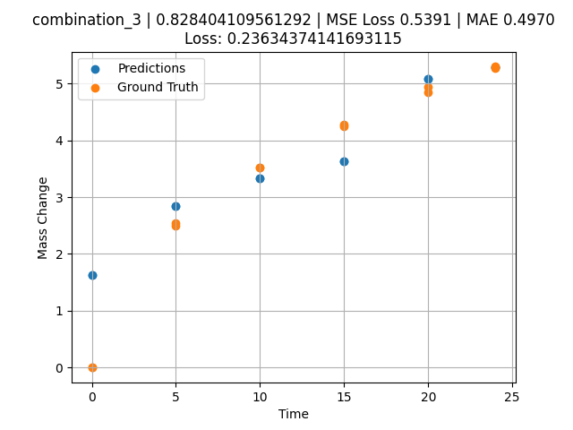
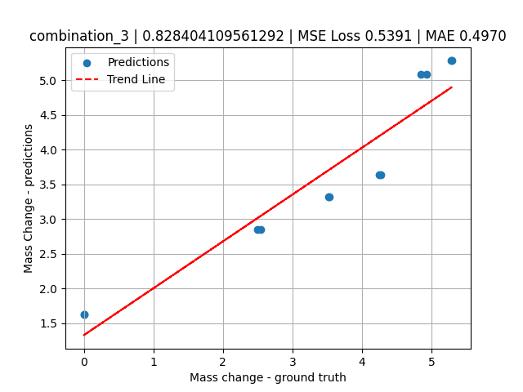
1200 | 19.5 | 0 | 20.1 | 20.4 | 19.8 | 20.2 | 0 | 0 | 10 | 3.5227272727 | 3.3244771957
1200 | 19.5 | 0 | 20.1 | 20.4 | 19.8 | 20.2 | 0 | 0 | 15 | 4.2727272727 | 3.6347203255
1200 | 19.5 | 0 | 20.1 | 20.4 | 19.8 | 20.2 | 0 | 0 | 20 | 4.9318181818 | 5.0858001709
1200 | 19.5 | 0 | 20.1 | 20.4 | 19.8 | 20.2 | 0 | 0 | 24 | 5.2954545455 | 5.2820005417

combination_4
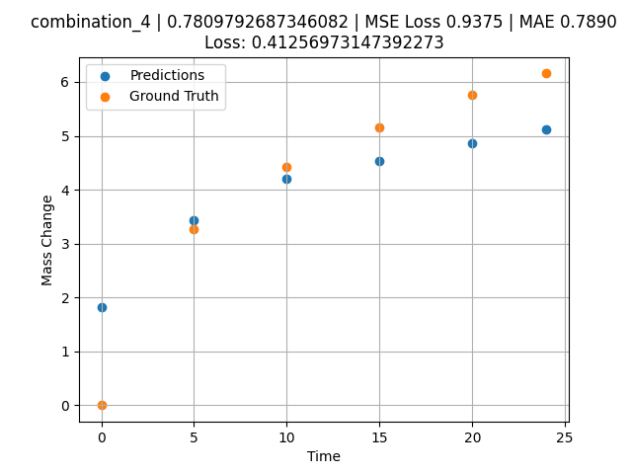
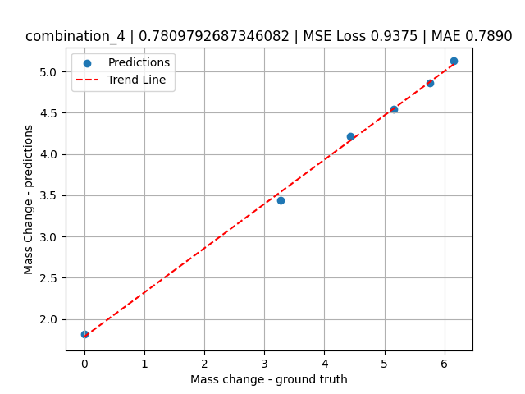
1200.0, 22.4, 0.0, 22.6, 10.1, 22.6, 22.3, 0.0
Temperature [C] | Mo [at%] | Nb [at%] | Ta [at%] | Ti [at%] | Cr [at%] | Al [at%] | W [at%] | Zr [at%] | Time [h] | Mass Change [mg.cm2] | Mass change - predictions
1200 | 22.4 | 0 | 22.6 | 10.1 | 22.6 | 22.3 | 0 | 0 | 0 | 0 | 1.8203653097
1200 | 22.4 | 0 | 22.6 | 10.1 | 22.6 | 22.3 | 0 | 0 | 5 | 3.2727272727 | 3.4345383644
1200 | 22.4 | 0 | 22.6 | 10.1 | 22.6 | 22.3 | 0 | 0 | 10 | 4.4242424242 | 4.2115869522
1200 | 22.4 | 0 | 22.6 | 10.1 | 22.6 | 22.3 | 0 | 0 | 15 | 5.1515151515 | 4.5379524231
1200 | 22.4 | 0 | 22.6 | 10.1 | 22.6 | 22.3 | 0 | 0 | 20 | 5.7575757576 | 4.8643174171
1200 | 22.4 | 0 | 22.6 | 10.1 | 22.6 | 22.3 | 0 | 0 | 24 | 6.1575757576 | 5.12541008

combination_5
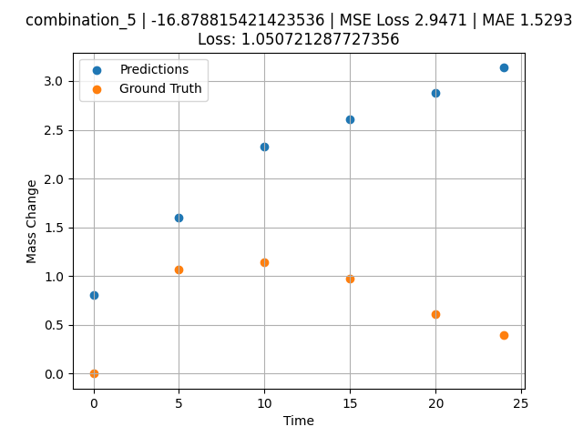
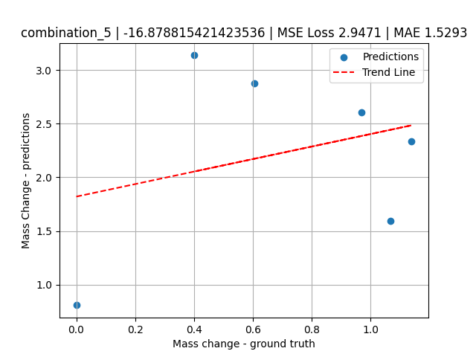
1200.0, 25.3, 0.0, 24.9, 0.0, 24.8, 25.0, 0.0
Temperature [C] | Mo [at%] | Nb [at%] | Ta [at%] | Ti [at%] | Cr [at%] | Al [at%] | W [at%] | Zr [at%] | Time [h] | Mass Change [mg.cm2] | Mass change - predictions
1200 | 25.3 | 0 | 24.9 | 0 | 24.8 | 25 | 0 | 0 | 0 | 0 | 0.80845999718
1200 | 25.3 | 0 | 24.9 | 0 | 24.8 | 25 | 0 | 0 | 5 | 1.0666666667 | 1.5973159075
1200 | 25.3 | 0 | 24.9 | 0 | 24.8 | 25 | 0 | 0 | 10 | 1.1393939394 | 2.3320183754
1200 | 25.3 | 0 | 24.9 | 0 | 24.8 | 25 | 0 | 0 | 15 | 0.9696969697 | 2.6053576469
1200 | 25.3 | 0 | 24.9 | 0 | 24.8 | 25 | 0 | 0 | 20 | 0.60606060606 | 2.8786966801
1200 | 25.3 | 0 | 24.9 | 0 | 24.8 | 25 | 0 | 0 | 24 | 0.4 | 3.1358089447

combination_6
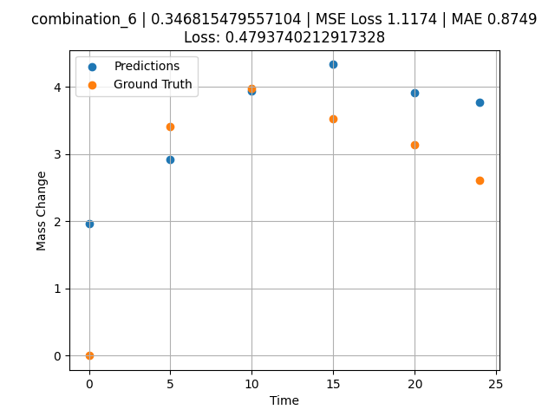
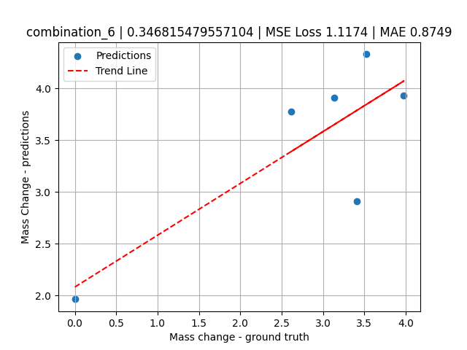
1200.0, 23.5, 0.0, 5.1, 23.7, 23.8, 23.9, 0.0
Temperature [C] | Mo [at%] | Nb [at%] | Ta [at%] | Ti [at%] | Cr [at%] | Al [at%] | W [at%] | Zr [at%] | Time [h] | Mass Change [mg.cm2] | Mass change - predictions
1200 | 23.5 | 0 | 5.1 | 23.7 | 23.8 | 23.9 | 0 | 0 | 0 | 0 | 1.9620739222
1200 | 23.5 | 0 | 5.1 | 23.7 | 23.8 | 23.9 | 0 | 0 | 5 | 3.4090909091 | 2.9123418331
1200 | 23.5 | 0 | 5.1 | 23.7 | 23.8 | 23.9 | 0 | 0 | 10 | 3.9772727273 | 3.9331140518
1200 | 23.5 | 0 | 5.1 | 23.7 | 23.8 | 23.9 | 0 | 0 | 15 | 3.5227272727 | 4.3309073448
1200 | 23.5 | 0 | 5.1 | 23.7 | 23.8 | 23.9 | 0 | 0 | 20 | 3.1363636364 | 3.9130465984
1200 | 23.5 | 0 | 5.1 | 23.7 | 23.8 | 23.9 | 0 | 0 | 24 | 2.6136363636 | 3.7752556801

combination_7
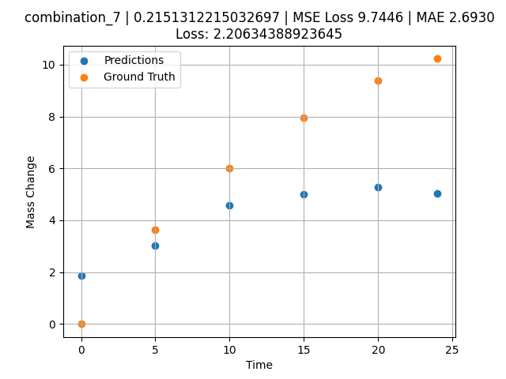
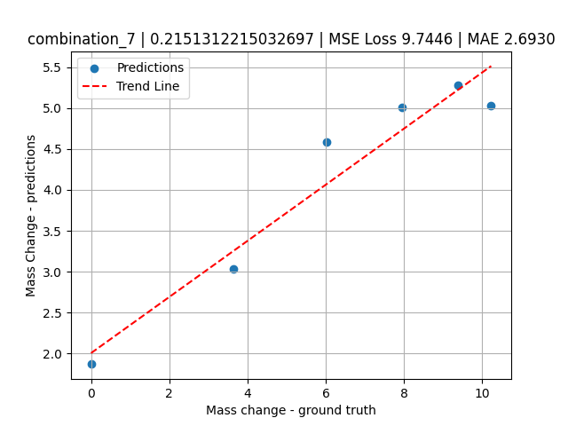
1200.0, 22.3, 0.0, 10.2, 22.7, 22.4, 22.4, 0.0
Temperature [C] | Mo [at%] | Nb [at%] | Ta [at%] | Ti [at%] | Cr [at%] | Al [at%] | W [at%] | Zr [at%] | Time [h] | Mass Change [mg.cm2] | Mass change - predictions
1200 | 22.3 | 0 | 10.2 | 22.7 | 22.4 | 22.4 | 0 | 0 | 0 | 0 | 1.8667060137
1200 | 22.3 | 0 | 10.2 | 22.7 | 22.4 | 22.4 | 0 | 0 | 5 | 3.6363636364 | 3.0363013744
1200 | 22.3 | 0 | 10.2 | 22.7 | 22.4 | 22.4 | 0 | 0 | 10 | 6.0227272727 | 4.5830879211
1200 | 22.3 | 0 | 10.2 | 22.7 | 22.4 | 22.4 | 0 | 0 | 15 | 7.9545454545 | 5.005200386
1200 | 22.3 | 0 | 10.2 | 22.7 | 22.4 | 22.4 | 0 | 0 | 20 | 9.3863636364 | 5.2761516571
1200 | 22.3 | 0 | 10.2 | 22.7 | 22.4 | 22.4 | 0 | 0 | 24 | 10.227272727 | 5.0351486206

combination_8
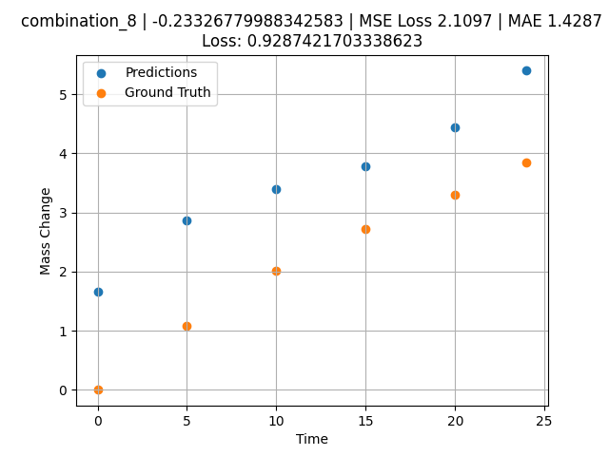
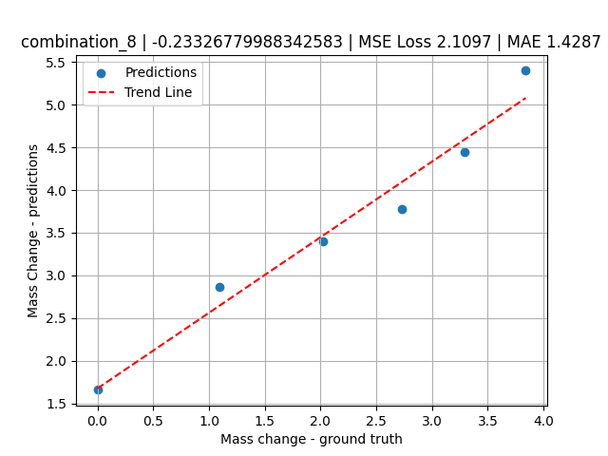
1200.0, 21.4, 0.0, 14.8, 21.1, 21.3, 21.4, 0.0
Temperature [C] | Mo [at%] | Nb [at%] | Ta [at%] | Ti [at%] | Cr [at%] | Al [at%] | W [at%] | Zr [at%] | Time [h] | Mass Change [mg.cm2] | Mass change - predictions
1200 | 21.4 | 0 | 14.8 | 21.1 | 21.3 | 21.4 | 0 | 0 | 0 | 0 | 1.6576659679
1200 | 21.4 | 0 | 14.8 | 21.1 | 21.3 | 21.4 | 0 | 0 | 5 | 1.0909090909 | 2.8638832569
1200 | 21.4 | 0 | 14.8 | 21.1 | 21.3 | 21.4 | 0 | 0 | 10 | 2.0227272727 | 3.4042284489
1200 | 21.4 | 0 | 14.8 | 21.1 | 21.3 | 21.4 | 0 | 0 | 15 | 2.7272727273 | 3.7757332325
1200 | 21.4 | 0 | 14.8 | 21.1 | 21.3 | 21.4 | 0 | 0 | 20 | 3.2954545455 | 4.4490046501
1200 | 21.4 | 0 | 14.8 | 21.1 | 21.3 | 21.4 | 0 | 0 | 24 | 3.8409090909 | 5.3992099762

combination_9
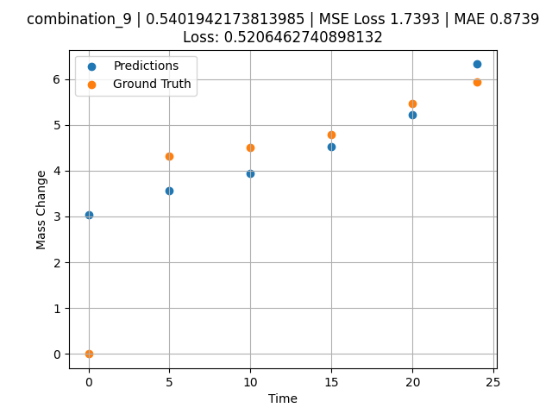
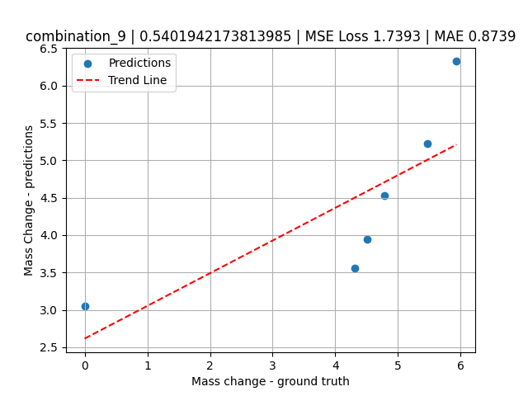
1200.0, 23.7, 0.0, 23.7, 23.8, 23.8, 5.0, 0.0
Temperature [C] | Mo [at%] | Nb [at%] | Ta [at%] | Ti [at%] | Cr [at%] | Al [at%] | W [at%] | Zr [at%] | Time [h] | Mass Change [mg.cm2] | Mass change - predictions
1200 | 23.7 | 0 | 23.7 | 23.8 | 23.8 | 5 | 0 | 0 | 0 | 0 | 3.0464403629
1200 | 23.7 | 0 | 23.7 | 23.8 | 23.8 | 5 | 0 | 0 | 5 | 4.3090909091 | 3.5565500259
1200 | 23.7 | 0 | 23.7 | 23.8 | 23.8 | 5 | 0 | 0 | 10 | 4.5054545455 | 3.9441828728
1200 | 23.7 | 0 | 23.7 | 23.8 | 23.8 | 5 | 0 | 0 | 15 | 4.7890909091 | 4.5321626663
1200 | 23.7 | 0 | 23.7 | 23.8 | 23.8 | 5 | 0 | 0 | 20 | 5.4654545455 | 5.2284965515
1200 | 23.7 | 0 | 23.7 | 23.8 | 23.8 | 5 | 0 | 0 | 24 | 5.9345454545 | 6.3236074448

combination_10
1200.0, 22.5, 0.0, 22.5, 22.5, 22.5, 10.0, 0.0
Temperature [C] | Mo [at%] | Nb [at%] | Ta [at%] | Ti [at%] | Cr [at%] | Al [at%] | W [at%] | Zr [at%] | Time [h] | Mass Change [mg.cm2] | Mass change - predictions
1200 | 22.5 | 0 | 22.5 | 22.5 | 22.5 | 10 | 0 | 0 | 0 | 0 | 2.5233209133
1200 | 22.5 | 0 | 22.5 | 22.5 | 22.5 | 10 | 0 | 0 | 5 | 2.3781818182 | 3.2987160683
1200 | 22.5 | 0 | 22.5 | 22.5 | 22.5 | 10 | 0 | 0 | 10 | 3.0981818182 | 3.6270844936
1200 | 22.5 | 0 | 22.5 | 22.5 | 22.5 | 10 | 0 | 0 | 15 | 3.48 | 4.0428667068
1200 | 22.5 | 0 | 22.5 | 22.5 | 22.5 | 10 | 0 | 0 | 20 | 4.0909090909 | 4.7895679474
1200 | 22.5 | 0 | 22.5 | 22.5 | 22.5 | 10 | 0 | 0 | 24 | 4.68 | 5.0306034088
1200 | 22.5 | 0 | 22.5 | 22.5 | 22.5 | 10 | 0 | 0 | 0 | 0 | 2.5233209133
1200 | 22.5 | 0 | 22.5 | 22.5 | 22.5 | 10 | 0 | 0 | 0.49077 | 0.78063 | 2.6470806599
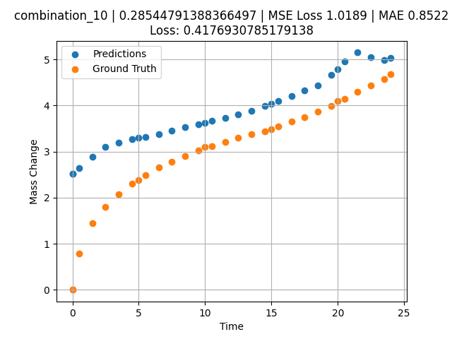
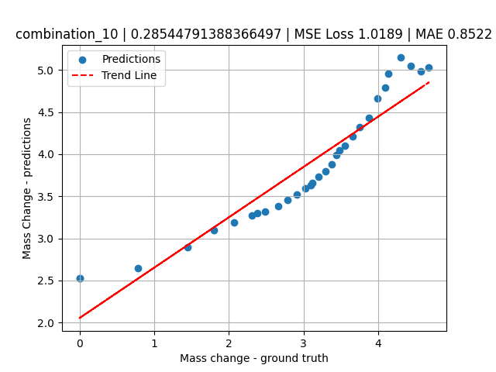
1200 | 22.5 | 0 | 22.5 | 22.5 | 22.5 | 10 | 0 | 0 | 1.49172 | 1.44748 | 2.8917593956
1200 | 22.5 | 0 | 22.5 | 22.5 | 22.5 | 10 | 0 | 0 | 2.49281 | 1.80541 | 3.0987794399
1200 | 22.5 | 0 | 22.5 | 22.5 | 22.5 | 10 | 0 | 0 | 3.49402 | 2.06956 | 3.1928858757
1200 | 22.5 | 0 | 22.5 | 22.5 | 22.5 | 10 | 0 | 0 | 4.4952 | 2.31087 | 3.2760150433
1200 | 22.5 | 0 | 22.5 | 22.5 | 22.5 | 10 | 0 | 0 | 5.49645 | 2.48841 | 3.3210420609
1200 | 22.5 | 0 | 22.5 | 22.5 | 22.5 | 10 | 0 | 0 | 6.49787 | 2.65793 | 3.381403923
1200 | 22.5 | 0 | 22.5 | 22.5 | 22.5 | 10 | 0 | 0 | 7.49956 | 2.78535 | 3.4536807537
1200 | 22.5 | 0 | 22.5 | 22.5 | 22.5 | 10 | 0 | 0 | 8.50125 | 2.90731 | 3.5231473446
1200 | 22.5 | 0 | 22.5 | 22.5 | 22.5 | 10 | 0 | 0 | 9.50311 | 3.02433 | 3.5926253796
1200 | 22.5 | 0 | 22.5 | 22.5 | 22.5 | 10 | 0 | 0 | 10.50501 | 3.11618 | 3.662106514
1200 | 22.5 | 0 | 22.5 | 22.5 | 22.5 | 10 | 0 | 0 | 11.50721 | 3.20469 | 3.7316081524
1200 | 22.5 | 0 | 22.5 | 22.5 | 22.5 | 10 | 0 | 0 | 12.49975 | 3.29282 | 3.8004403114
1200 | 22.5 | 0 | 22.5 | 22.5 | 22.5 | 10 | 0 | 0 | 13.4923 | 3.37455 | 3.875828743
1200 | 22.5 | 0 | 22.5 | 22.5 | 22.5 | 10 | 0 | 0 | 14.49455 | 3.44501 | 3.9868679047
1200 | 22.5 | 0 | 22.5 | 22.5 | 22.5 | 10 | 0 | 0 | 15.49708 | 3.552 | 4.0979375839
1200 | 22.5 | 0 | 22.5 | 22.5 | 22.5 | 10 | 0 | 0 | 16.49956 | 3.65536 | 4.209002018
1200 | 22.5 | 0 | 22.5 | 22.5 | 22.5 | 10 | 0 | 0 | 17.50221 | 3.7515 | 4.3200845718
1200 | 22.5 | 0 | 22.5 | 22.5 | 22.5 | 10 | 0 | 0 | 18.5051 | 3.87105 | 4.4311943054
1200 | 22.5 | 0 | 22.5 | 22.5 | 22.5 | 10 | 0 | 0 | 19.50793 | 3.99229 | 4.6588082314
1200 | 22.5 | 0 | 22.5 | 22.5 | 22.5 | 10 | 0 | 0 | 20.50125 | 4.1354 | 4.9532575607
1200 | 22.5 | 0 | 22.5 | 22.5 | 22.5 | 10 | 0 | 0 | 21.49483 | 4.29738 | 5.1475839615
1200 | 22.5 | 0 | 22.5 | 22.5 | 22.5 | 10 | 0 | 0 | 22.49819 | 4.43636 | 5.0457468033
1200 | 22.5 | 0 | 22.5 | 22.5 | 22.5 | 10 | 0 | 0 | 23.49208 | 4.57312 | 4.9849100113

combination_11
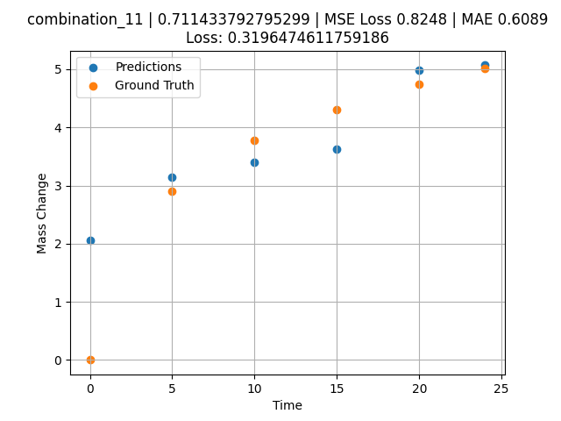
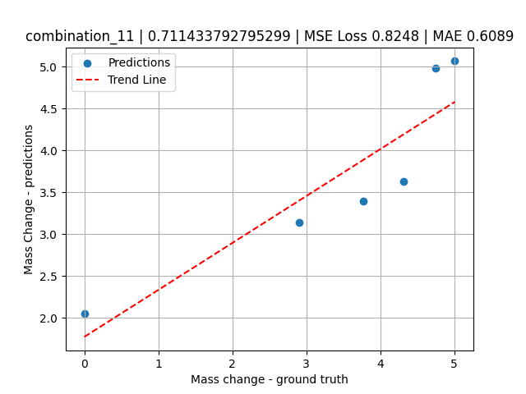
1200.0, 21.25, 0.0, 21.25, 21.25, 21.25, 15.0, 0.0
Temperature [C] | Mo [at%] | Nb [at%] | Ta [at%] | Ti [at%] | Cr [at%] | Al [at%] | W [at%] | Zr [at%] | Time [h] | Mass Change [mg.cm2] | Mass change - predictions
1200 | 21.25 | 0 | 21.25 | 21.25 | 21.25 | 15 | 0 | 0 | 0 | 0 | 2.0549769402
1200 | 21.25 | 0 | 21.25 | 21.25 | 21.25 | 15 | 0 | 0 | 5 | 2.9018181818 | 3.1415667534
1200 | 21.25 | 0 | 21.25 | 21.25 | 21.25 | 15 | 0 | 0 | 10 | 3.7745454545 | 3.3967041969
1200 | 21.25 | 0 | 21.25 | 21.25 | 21.25 | 15 | 0 | 0 | 15 | 4.3090909091 | 3.6269731522
1200 | 21.25 | 0 | 21.25 | 21.25 | 21.25 | 15 | 0 | 0 | 20 | 4.7454545455 | 4.9833707809
1200 | 21.25 | 0 | 21.25 | 21.25 | 21.25 | 15 | 0 | 0 | 24 | 5.0072727273 | 5.0679607391

combination_12
1200.0, 20.0, 0.0, 20.0, 20.0, 20.0, 20.0, 0.0
Temperature [C] | Mo [at%] | Nb [at%] | Ta [at%] | Ti [at%] | Cr [at%] | Al [at%] | W [at%] | Zr [at%] | Time [h] | Mass Change [mg.cm2] | Mass change - predictions
1200 | 20 | 0 | 20 | 20 | 20 | 20 | 0 | 0 | 0 | 0 | 1.5867832899
1200 | 20 | 0 | 20 | 20 | 20 | 20 | 0 | 0 | 5 | 2.5636363636 | 2.8050727844
1200 | 20 | 0 | 20 | 20 | 20 | 20 | 0 | 0 | 10 | 3.5563636364 | 3.2901127338
1200 | 20 | 0 | 20 | 20 | 20 | 20 | 0 | 0 | 15 | 4.3090909091 | 3.5824661255
1200 | 20 | 0 | 20 | 20 | 20 | 20 | 0 | 0 | 20 | 4.9090909091 | 5.0516858101
1200 | 20 | 0 | 20 | 20 | 20 | 20 | 0 | 0 | 24 | 5.3127272727 | 5.2486076355
1200 | 20 | 0 | 20 | 20 | 20 | 20 | 0 | 0 | 0 | 0 | 1.5867832899
1200 | 20 | 0 | 20 | 20 | 20 | 20 | 0 | 0 | 0.49082 | 0.71629 | 1.7061860561
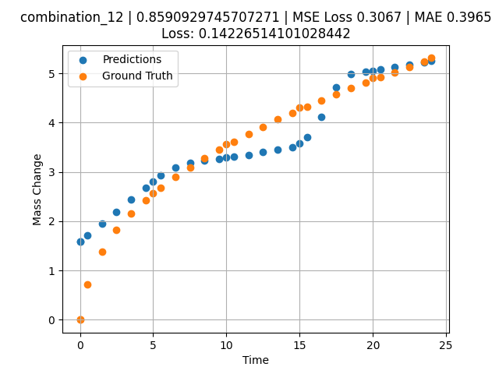
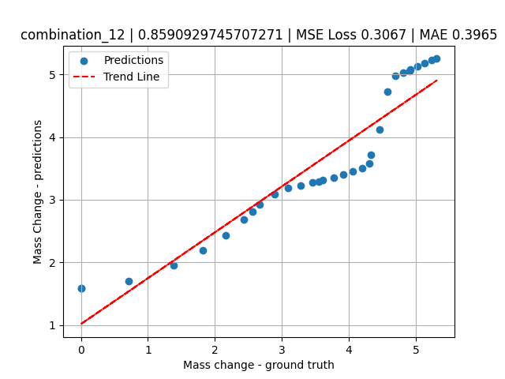
1200 | 20 | 0 | 20 | 20 | 20 | 20 | 0 | 0 | 1.49163 | 1.38441 | 1.9474647045
1200 | 20 | 0 | 20 | 20 | 20 | 20 | 0 | 0 | 2.49268 | 1.82409 | 2.1921672821
1200 | 20 | 0 | 20 | 20 | 20 | 20 | 0 | 0 | 3.49411 | 2.16264 | 2.4369633198
1200 | 20 | 0 | 20 | 20 | 20 | 20 | 0 | 0 | 4.49594 | 2.43164 | 2.6818571091
1200 | 20 | 0 | 20 | 20 | 20 | 20 | 0 | 0 | 5.4981 | 2.67331 | 2.9268314838
1200 | 20 | 0 | 20 | 20 | 20 | 20 | 0 | 0 | 6.50068 | 2.89296 | 3.0894155502
1200 | 20 | 0 | 20 | 20 | 20 | 20 | 0 | 0 | 7.50329 | 3.09115 | 3.1824893951
1200 | 20 | 0 | 20 | 20 | 20 | 20 | 0 | 0 | 8.50608 | 3.27802 | 3.2269494534
1200 | 20 | 0 | 20 | 20 | 20 | 20 | 0 | 0 | 9.49939 | 3.4518 | 3.2708110809
1200 | 20 | 0 | 20 | 20 | 20 | 20 | 0 | 0 | 10.4927 | 3.61285 | 3.309109211
1200 | 20 | 0 | 20 | 20 | 20 | 20 | 0 | 0 | 11.49578 | 3.77185 | 3.3493118286
1200 | 20 | 0 | 20 | 20 | 20 | 20 | 0 | 0 | 12.49916 | 3.91739 | 3.4008460045
1200 | 20 | 0 | 20 | 20 | 20 | 20 | 0 | 0 | 13.50283 | 4.06345 | 3.4523224831
1200 | 20 | 0 | 20 | 20 | 20 | 20 | 0 | 0 | 14.50662 | 4.19848 | 3.5025990009
1200 | 20 | 0 | 20 | 20 | 20 | 20 | 0 | 0 | 15.50099 | 4.32824 | 3.7114875317
1200 | 20 | 0 | 20 | 20 | 20 | 20 | 0 | 0 | 16.49547 | 4.45466 | 4.1165819168
1200 | 20 | 0 | 20 | 20 | 20 | 20 | 0 | 0 | 17.49982 | 4.57472 | 4.718937397
1200 | 20 | 0 | 20 | 20 | 20 | 20 | 0 | 0 | 18.50429 | 4.69457 | 4.9801573753
1200 | 20 | 0 | 20 | 20 | 20 | 20 | 0 | 0 | 19.49921 | 4.81208 | 5.0276522636
1200 | 20 | 0 | 20 | 20 | 20 | 20 | 0 | 0 | 20.49437 | 4.92042 | 5.0760240555
1200 | 20 | 0 | 20 | 20 | 20 | 20 | 0 | 0 | 21.4995 | 5.02611 | 5.1255073547
1200 | 20 | 0 | 20 | 20 | 20 | 20 | 0 | 0 | 22.50475 | 5.1328 | 5.174996376
1200 | 20 | 0 | 20 | 20 | 20 | 20 | 0 | 0 | 23.50061 | 5.23529 | 5.2240228653

combination_13
1200.0, 0.0, 50.0, 0.0, 0.0, 50.0, 0.0, 0.0
Temperature [C] | Mo [at%] | Nb [at%] | Ta [at%] | Ti [at%] | Cr [at%] | Al [at%] | W [at%] | Zr [at%] | Time [h] | Mass Change [mg.cm2] | Mass change - predictions
1200 | 0 | 50 | 0 | 0 | 50 | 0 | 0 | 0 | 0 | 0 | 3.8981325626
1200 | 0 | 50 | 0 | 0 | 50 | 0 | 0 | 0 | 1 | 3.6496350365 | 4.5696058273
1200 | 0 | 50 | 0 | 0 | 50 | 0 | 0 | 0 | 8 | 8.6131386861 | 8.0913362503
1200 | 0 | 50 | 0 | 0 | 50 | 0 | 0 | 0 | 24 | 14.6 | 10.388126373
1200 | 0 | 50 | 0 | 0 | 50 | 0 | 0 | 0 | 0 | 0 | 3.8981325626
1200 | 0 | 50 | 0 | 0 | 50 | 0 | 0 | 0 | 0.49249 | 1.52361 | 4.2051086426
1200 | 0 | 50 | 0 | 0 | 50 | 0 | 0 | 0 | 1.5015 | 3.90346 | 4.9297876358
1200 | 0 | 50 | 0 | 0 | 50 | 0 | 0 | 0 | 2.4985 | 5.41279 | 5.6458377838
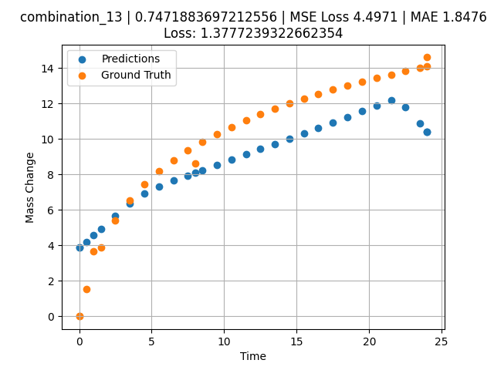
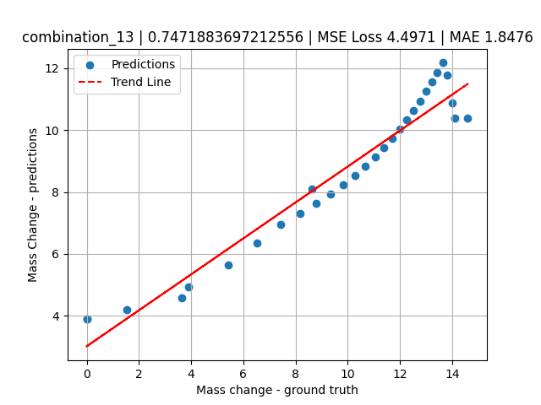
1200 | 0 | 50 | 0 | 0 | 50 | 0 | 0 | 0 | 3.4955 | 6.52981 | 6.3618869781
1200 | 0 | 50 | 0 | 0 | 50 | 0 | 0 | 0 | 4.5045 | 7.42843 | 6.9463205338
1200 | 0 | 50 | 0 | 0 | 50 | 0 | 0 | 0 | 5.5015 | 8.16539 | 7.3202419281
1200 | 0 | 50 | 0 | 0 | 50 | 0 | 0 | 0 | 6.4985 | 8.79549 | 7.6457042694
1200 | 0 | 50 | 0 | 0 | 50 | 0 | 0 | 0 | 7.4955 | 9.34644 | 7.9416046143
1200 | 0 | 50 | 0 | 0 | 50 | 0 | 0 | 0 | 8.49249 | 9.83548 | 8.2375020981
1200 | 0 | 50 | 0 | 0 | 50 | 0 | 0 | 0 | 9.5015 | 10.28047 | 8.5369682312
1200 | 0 | 50 | 0 | 0 | 50 | 0 | 0 | 0 | 10.4985 | 10.67984 | 8.832868576
1200 | 0 | 50 | 0 | 0 | 50 | 0 | 0 | 0 | 11.4955 | 11.04568 | 9.1287689209
1200 | 0 | 50 | 0 | 0 | 50 | 0 | 0 | 0 | 12.5045 | 11.38726 | 9.428232193
1200 | 0 | 50 | 0 | 0 | 50 | 0 | 0 | 0 | 13.5015 | 11.70052 | 9.7241334915
1200 | 0 | 50 | 0 | 0 | 50 | 0 | 0 | 0 | 14.4985 | 11.99278 | 10.020033836
1200 | 0 | 50 | 0 | 0 | 50 | 0 | 0 | 0 | 15.4955 | 12.26682 | 10.322862625
1200 | 0 | 50 | 0 | 0 | 50 | 0 | 0 | 0 | 16.49249 | 12.52465 | 10.63038063
1200 | 0 | 50 | 0 | 0 | 50 | 0 | 0 | 0 | 17.5015 | 12.77103 | 10.941606522
1200 | 0 | 50 | 0 | 0 | 50 | 0 | 0 | 0 | 18.4985 | 13.0016 | 11.249128342
1200 | 0 | 50 | 0 | 0 | 50 | 0 | 0 | 0 | 19.4955 | 13.22059 | 11.556649208
1200 | 0 | 50 | 0 | 0 | 50 | 0 | 0 | 0 | 20.5045 | 13.43163 | 11.867872238
1200 | 0 | 50 | 0 | 0 | 50 | 0 | 0 | 0 | 21.5015 | 13.63064 | 12.175393105
1200 | 0 | 50 | 0 | 0 | 50 | 0 | 0 | 0 | 22.4985 | 13.82097 | 11.7831707
1200 | 0 | 50 | 0 | 0 | 50 | 0 | 0 | 0 | 23.4955 | 14.0034 | 10.875620842
1200 | 0 | 50 | 0 | 0 | 50 | 0 | 0 | 0 | 24 | 14.09317 | 10.388127327

combination_14
1200.0, 0.0, 33.7, 0.0, 33.9, 32.4, 0.0, 0.0
Temperature [C] | Mo [at%] | Nb [at%] | Ta [at%] | Ti [at%] | Cr [at%] | Al [at%] | W [at%] | Zr [at%] | Time [h] | Mass Change [mg.cm2] | Mass change - predictions
1200 | 0 | 33.7 | 0 | 33.9 | 32.4 | 0 | 0 | 0 | 0 | 0 | 3.4429206848
1200 | 0 | 33.7 | 0 | 33.9 | 32.4 | 0 | 0 | 0 | 1 | 5.5474452555 | 5.0297574997
1200 | 0 | 33.7 | 0 | 33.9 | 32.4 | 0 | 0 | 0 | 8 | 11.240875912 | 11.982209206
1200 | 0 | 33.7 | 0 | 33.9 | 32.4 | 0 | 0 | 0 | 24 | 19.2 | 18.532047272
1200 | 0 | 33.7 | 0 | 33.9 | 32.4 | 0 | 0 | 0 | 0 | 0 | 3.4429206848
1200 | 0 | 33.7 | 0 | 33.9 | 32.4 | 0 | 0 | 0 | 0.49249 | 2.56412 | 4.0098528862
1200 | 0 | 33.7 | 0 | 33.9 | 32.4 | 0 | 0 | 0 | 1.48984 | 5.41937 | 6.3372192383
1200 | 0 | 33.7 | 0 | 33.9 | 32.4 | 0 | 0 | 0 | 2.4985 | 7.32912 | 9.9375696182
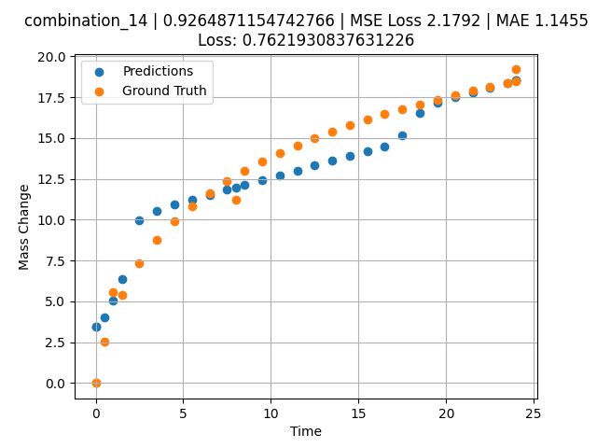
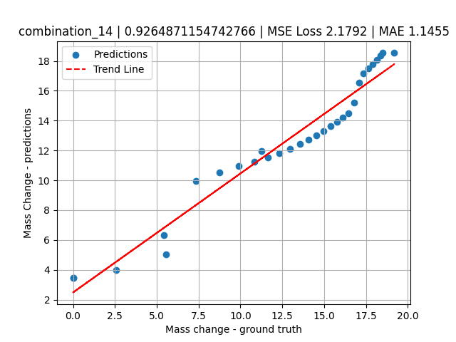
1200 | 0 | 33.7 | 0 | 33.9 | 32.4 | 0 | 0 | 0 | 3.4955 | 8.74014 | 10.532280922
1200 | 0 | 33.7 | 0 | 33.9 | 32.4 | 0 | 0 | 0 | 4.5045 | 9.88382 | 10.943617821
1200 | 0 | 33.7 | 0 | 33.9 | 32.4 | 0 | 0 | 0 | 5.5015 | 10.82642 | 11.241431236
1200 | 0 | 33.7 | 0 | 33.9 | 32.4 | 0 | 0 | 0 | 6.4985 | 11.63515 | 11.53703022
1200 | 0 | 33.7 | 0 | 33.9 | 32.4 | 0 | 0 | 0 | 7.4955 | 12.34412 | 11.832630157
1200 | 0 | 33.7 | 0 | 33.9 | 32.4 | 0 | 0 | 0 | 8.49249 | 12.97471 | 12.12822628
1200 | 0 | 33.7 | 0 | 33.9 | 32.4 | 0 | 0 | 0 | 9.5015 | 13.54942 | 12.427387238
1200 | 0 | 33.7 | 0 | 33.9 | 32.4 | 0 | 0 | 0 | 10.4985 | 14.0659 | 12.722986221
1200 | 0 | 33.7 | 0 | 33.9 | 32.4 | 0 | 0 | 0 | 11.4955 | 14.53953 | 13.018586159
1200 | 0 | 33.7 | 0 | 33.9 | 32.4 | 0 | 0 | 0 | 12.5045 | 14.98218 | 13.317744255
1200 | 0 | 33.7 | 0 | 33.9 | 32.4 | 0 | 0 | 0 | 13.5015 | 15.38843 | 13.613343239
1200 | 0 | 33.7 | 0 | 33.9 | 32.4 | 0 | 0 | 0 | 14.4985 | 15.76772 | 13.90894413
1200 | 0 | 33.7 | 0 | 33.9 | 32.4 | 0 | 0 | 0 | 15.4955 | 16.12357 | 14.204544067
1200 | 0 | 33.7 | 0 | 33.9 | 32.4 | 0 | 0 | 0 | 16.49249 | 16.45856 | 14.50014019
1200 | 0 | 33.7 | 0 | 33.9 | 32.4 | 0 | 0 | 0 | 17.5015 | 16.77881 | 15.191134453
1200 | 0 | 33.7 | 0 | 33.9 | 32.4 | 0 | 0 | 0 | 18.4985 | 17.07865 | 16.524839401
1200 | 0 | 33.7 | 0 | 33.9 | 32.4 | 0 | 0 | 0 | 19.4955 | 17.36354 | 17.180057526
1200 | 0 | 33.7 | 0 | 33.9 | 32.4 | 0 | 0 | 0 | 20.5045 | 17.63817 | 17.482898712
1200 | 0 | 33.7 | 0 | 33.9 | 32.4 | 0 | 0 | 0 | 21.5015 | 17.89723 | 17.782142639
1200 | 0 | 33.7 | 0 | 33.9 | 32.4 | 0 | 0 | 0 | 22.4985 | 18.14506 | 18.081382751
1200 | 0 | 33.7 | 0 | 33.9 | 32.4 | 0 | 0 | 0 | 23.48348 | 18.37988 | 18.377017975
1200 | 0 | 33.7 | 0 | 33.9 | 32.4 | 0 | 0 | 0 | 24 | 18.49961 | 18.532047272

combination_15
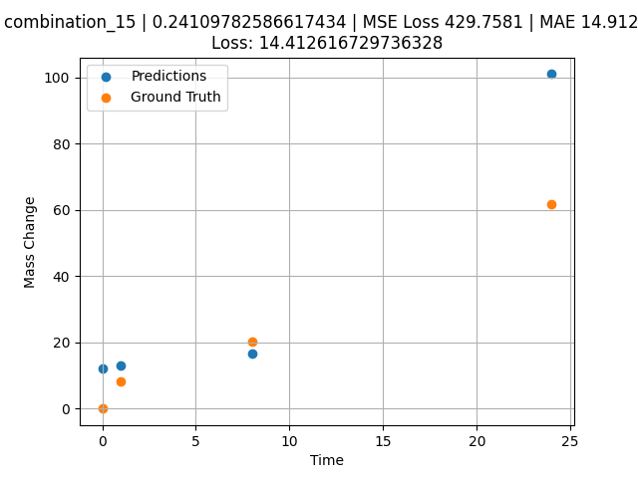
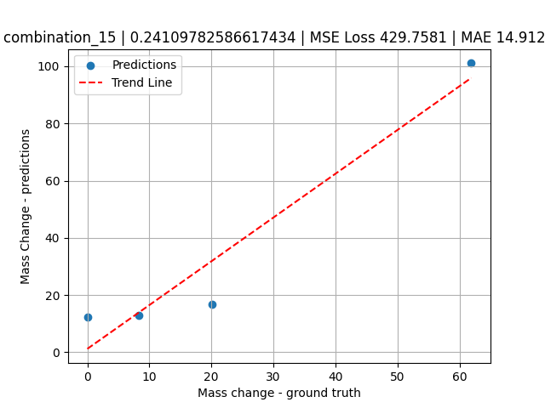
1200.0, 0.0, 26.0, 23.9, 25.6, 24.5, 0.0, 0.0
Temperature [C] | Mo [at%] | Nb [at%] | Ta [at%] | Ti [at%] | Cr [at%] | Al [at%] | W [at%] | Zr [at%] | Time [h] | Mass Change [mg.cm2] | Mass change - predictions
1200 | 0 | 26 | 23.9 | 25.6 | 24.5 | 0 | 0 | 0 | 0 | 0 | 12.298308372
1200 | 0 | 26 | 23.9 | 25.6 | 24.5 | 0 | 0 | 0 | 1 | 8.3211678832 | 13.025019646
1200 | 0 | 26 | 23.9 | 25.6 | 24.5 | 0 | 0 | 0 | 8 | 20.145985401 | 16.657453537
1200 | 0 | 26 | 23.9 | 25.6 | 24.5 | 0 | 0 | 0 | 24 | 61.9 | 101.05977631

combination_16
1200.0, 0.0, 33.6, 34.1, 32.3, 0.0, 0.0, 0.0
Temperature [C] | Mo [at%] | Nb [at%] | Ta [at%] | Ti [at%] | Cr [at%] | Al [at%] | W [at%] | Zr [at%] | Time [h] | Mass Change [mg.cm2] | Mass change - predictions
1200 | 0 | 33.6 | 34.1 | 32.3 | 0 | 0 | 0 | 0 | 0 | 0 | 12.811461449
1200 | 0 | 33.6 | 34.1 | 32.3 | 0 | 0 | 0 | 0 | 1 | 2.6 | 13.562917709
1200 | 0 | 33.6 | 34.1 | 32.3 | 0 | 0 | 0 | 0 | 4 | 40.3 | 44.061206818
1200 | 0 | 33.6 | 34.1 | 32.3 | 0 | 0 | 0 | 0 | 8 | 92.248062016 | 73.562088013
1200 | 0 | 33.6 | 34.1 | 32.3 | 0 | 0 | 0 | 0 | 24 | 247.28682171 | 187.75097656
1200 | 0 | 33.6 | 34.1 | 32.3 | 0 | 0 | 0 | 0 | 48 | 293.02325581 | 259.7052002
1200 | 0 | 33.6 | 34.1 | 32.3 | 0 | 0 | 0 | 0 | 0 | 0 | 12.811461449
1200 | 0 | 33.6 | 34.1 | 32.3 | 0 | 0 | 0 | 0 | 0.56527 | 2.00231 | 13.236239433
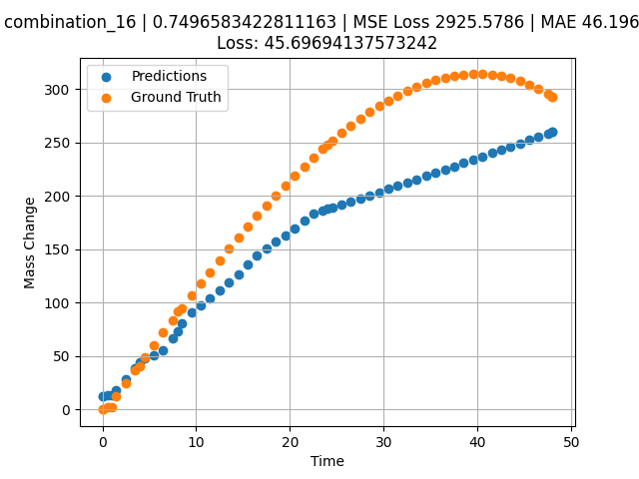
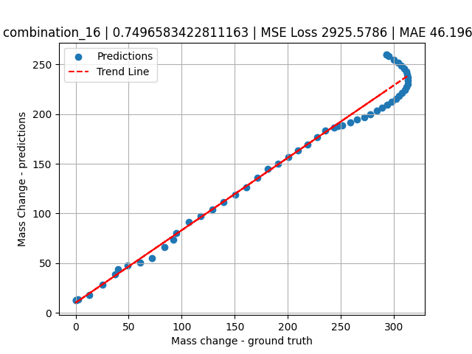
1200 | 0 | 33.6 | 34.1 | 32.3 | 0 | 0 | 0 | 0 | 1.46724 | 12.76104 | 18.071689606
1200 | 0 | 33.6 | 34.1 | 32.3 | 0 | 0 | 0 | 0 | 2.4985 | 25.04193 | 28.472728729
1200 | 0 | 33.6 | 34.1 | 32.3 | 0 | 0 | 0 | 0 | 3.50751 | 37.02166 | 38.879905701
1200 | 0 | 33.6 | 34.1 | 32.3 | 0 | 0 | 0 | 0 | 4.49304 | 48.67294 | 47.836509705
1200 | 0 | 33.6 | 34.1 | 32.3 | 0 | 0 | 0 | 0 | 5.5015 | 60.53039 | 50.830558777
1200 | 0 | 33.6 | 34.1 | 32.3 | 0 | 0 | 0 | 0 | 6.48649 | 72.03199 | 55.403427124
1200 | 0 | 33.6 | 34.1 | 32.3 | 0 | 0 | 0 | 0 | 7.4955 | 83.71838 | 66.444839478
1200 | 0 | 33.6 | 34.1 | 32.3 | 0 | 0 | 0 | 0 | 8.48157 | 95.03006 | 80.355819702
1200 | 0 | 33.6 | 34.1 | 32.3 | 0 | 0 | 0 | 0 | 9.51351 | 106.73793 | 91.269546509
1200 | 0 | 33.6 | 34.1 | 32.3 | 0 | 0 | 0 | 0 | 10.4985 | 117.7734 | 97.272232056
1200 | 0 | 33.6 | 34.1 | 32.3 | 0 | 0 | 0 | 0 | 11.48348 | 128.65641 | 104.17658997
1200 | 0 | 33.6 | 34.1 | 32.3 | 0 | 0 | 0 | 0 | 12.49249 | 139.63363 | 111.24804688
1200 | 0 | 33.6 | 34.1 | 32.3 | 0 | 0 | 0 | 0 | 13.5015 | 150.42152 | 118.86476135
1200 | 0 | 33.6 | 34.1 | 32.3 | 0 | 0 | 0 | 0 | 14.51051 | 161.00462 | 126.67654419
1200 | 0 | 33.6 | 34.1 | 32.3 | 0 | 0 | 0 | 0 | 15.4955 | 171.12427 | 135.91552734
1200 | 0 | 33.6 | 34.1 | 32.3 | 0 | 0 | 0 | 0 | 16.48048 | 181.01775 | 144.55903625
1200 | 0 | 33.6 | 34.1 | 32.3 | 0 | 0 | 0 | 0 | 17.48949 | 190.90578 | 150.31861877
1200 | 0 | 33.6 | 34.1 | 32.3 | 0 | 0 | 0 | 0 | 18.4985 | 200.52777 | 156.74867249
1200 | 0 | 33.6 | 34.1 | 32.3 | 0 | 0 | 0 | 0 | 19.50751 | 209.86822 | 163.1787262
1200 | 0 | 33.6 | 34.1 | 32.3 | 0 | 0 | 0 | 0 | 20.51652 | 218.91164 | 169.60877991
1200 | 0 | 33.6 | 34.1 | 32.3 | 0 | 0 | 0 | 0 | 21.5015 | 227.43968 | 176.90596008
1200 | 0 | 33.6 | 34.1 | 32.3 | 0 | 0 | 0 | 0 | 22.48649 | 235.65296 | 183.73208618
1200 | 0 | 33.6 | 34.1 | 32.3 | 0 | 0 | 0 | 0 | 23.4955 | 243.72904 | 186.41133118
1200 | 0 | 33.6 | 34.1 | 32.3 | 0 | 0 | 0 | 0 | 24.48157 | 251.27422 | 189.02970886
1200 | 0 | 33.6 | 34.1 | 32.3 | 0 | 0 | 0 | 0 | 25.51351 | 258.79091 | 191.7698822
1200 | 0 | 33.6 | 34.1 | 32.3 | 0 | 0 | 0 | 0 | 26.4985 | 265.58634 | 194.38537598
1200 | 0 | 33.6 | 34.1 | 32.3 | 0 | 0 | 0 | 0 | 27.48348 | 271.99328 | 197.07563782
1200 | 0 | 33.6 | 34.1 | 32.3 | 0 | 0 | 0 | 0 | 28.49249 | 278.14346 | 200.15342712
1200 | 0 | 33.6 | 34.1 | 32.3 | 0 | 0 | 0 | 0 | 29.5015 | 283.85864 | 203.23121643
1200 | 0 | 33.6 | 34.1 | 32.3 | 0 | 0 | 0 | 0 | 30.51051 | 289.12334 | 206.30900574
1200 | 0 | 33.6 | 34.1 | 32.3 | 0 | 0 | 0 | 0 | 31.4955 | 293.81519 | 209.3135376
1200 | 0 | 33.6 | 34.1 | 32.3 | 0 | 0 | 0 | 0 | 32.48048 | 298.04485 | 212.31802368
1200 | 0 | 33.6 | 34.1 | 32.3 | 0 | 0 | 0 | 0 | 33.48949 | 301.88914 | 215.39582825
1200 | 0 | 33.6 | 34.1 | 32.3 | 0 | 0 | 0 | 0 | 34.4985 | 305.22169 | 218.47360229
1200 | 0 | 33.6 | 34.1 | 32.3 | 0 | 0 | 0 | 0 | 35.50751 | 308.02703 | 221.55140686
1200 | 0 | 33.6 | 34.1 | 32.3 | 0 | 0 | 0 | 0 | 36.51652 | 310.28966 | 224.62921143
1200 | 0 | 33.6 | 34.1 | 32.3 | 0 | 0 | 0 | 0 | 37.5015 | 311.96232 | 227.63368225
1200 | 0 | 33.6 | 34.1 | 32.3 | 0 | 0 | 0 | 0 | 38.48649 | 313.08419 | 230.63819885
1200 | 0 | 33.6 | 34.1 | 32.3 | 0 | 0 | 0 | 0 | 39.4955 | 313.65412 | 233.71601868
1200 | 0 | 33.6 | 34.1 | 32.3 | 0 | 0 | 0 | 0 | 40.5045 | 313.62011 | 236.79376221
1200 | 0 | 33.6 | 34.1 | 32.3 | 0 | 0 | 0 | 0 | 41.51351 | 312.96665 | 239.87156677
1200 | 0 | 33.6 | 34.1 | 32.3 | 0 | 0 | 0 | 0 | 42.4985 | 311.71895 | 242.87687683
1200 | 0 | 33.6 | 34.1 | 32.3 | 0 | 0 | 0 | 0 | 43.48348 | 309.84673 | 245.88978577
1200 | 0 | 33.6 | 34.1 | 32.3 | 0 | 0 | 0 | 0 | 44.49249 | 307.27405 | 248.97621155
1200 | 0 | 33.6 | 34.1 | 32.3 | 0 | 0 | 0 | 0 | 45.5015 | 304.02068 | 252.06265259
1200 | 0 | 33.6 | 34.1 | 32.3 | 0 | 0 | 0 | 0 | 46.51051 | 300.07115 | 255.14906311
1200 | 0 | 33.6 | 34.1 | 32.3 | 0 | 0 | 0 | 0 | 47.4955 | 295.53213 | 258.1619873
1200 | 0 | 33.6 | 34.1 | 32.3 | 0 | 0 | 0 | 0 | 48 | 292.96623 | 259.7052002

combination_17
1200.0, 0.0, 34.2, 34.4, 0.0, 0.0, 0.0, 0.0
Temperature [C] | Mo [at%] | Nb [at%] | Ta [at%] | Ti [at%] | Cr [at%] | Al [at%] | W [at%] | Zr [at%] | Time [h] | Mass Change [mg.cm2] | Mass change - predictions
1200 | 0 | 34.2 | 34.4 | 0 | 0 | 0 | 0 | 30.9 | 0 | 0 | 31.343219757
1200 | 0 | 34.2 | 34.4 | 0 | 0 | 0 | 0 | 30.9 | 1 | 102.4 | 76.37449646
1200 | 0 | 34.2 | 34.4 | 0 | 0 | 0 | 0 | 30.9 | 2 | 117.1 | 88.975723267
1200 | 0 | 34.2 | 34.4 | 0 | 0 | 0 | 0 | 30.9 | 4 | 134.1 | 115.32034302
1200 | 0 | 34.2 | 34.4 | 0 | 0 | 0 | 0 | 30.9 | 6 | 170.7 | 142.76669312
1200 | 0 | 34.2 | 34.4 | 0 | 0 | 0 | 0 | 30.9 | 8 | 197.6 | 155.60295105
1200 | 0 | 34.2 | 34.4 | 0 | 0 | 0 | 0 | 30.9 | 24 | 229.3 | 180.92042542
1200 | 0 | 34.2 | 34.4 | 0 | 0 | 0 | 0 | 30.9 | 0 | 0 | 31.343221664
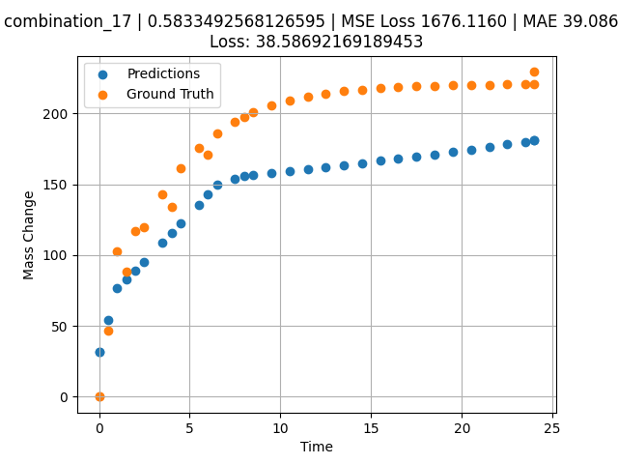
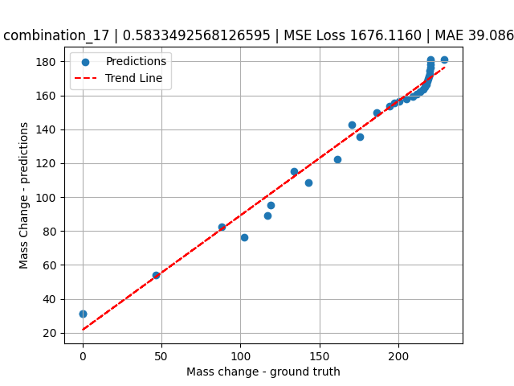
1200 | 0 | 34.2 | 34.4 | 0 | 0 | 0 | 0 | 30.9 | 0.49249 | 46.59609 | 53.96408844
1200 | 0 | 34.2 | 34.4 | 0 | 0 | 0 | 0 | 30.9 | 1.5015 | 88.32923 | 82.694015503
1200 | 0 | 34.2 | 34.4 | 0 | 0 | 0 | 0 | 30.9 | 2.4985 | 119.43947 | 95.257423401
1200 | 0 | 34.2 | 34.4 | 0 | 0 | 0 | 0 | 30.9 | 3.4955 | 143.22867 | 108.46565247
1200 | 0 | 34.2 | 34.4 | 0 | 0 | 0 | 0 | 30.9 | 4.5045 | 161.64161 | 122.17501831
1200 | 0 | 34.2 | 34.4 | 0 | 0 | 0 | 0 | 30.9 | 5.5015 | 175.552 | 135.72132874
1200 | 0 | 34.2 | 34.4 | 0 | 0 | 0 | 0 | 30.9 | 6.4985 | 186.18892 | 149.93959045
1200 | 0 | 34.2 | 34.4 | 0 | 0 | 0 | 0 | 30.9 | 7.4955 | 194.34026 | 153.71279907
1200 | 0 | 34.2 | 34.4 | 0 | 0 | 0 | 0 | 30.9 | 8.49249 | 200.57338 | 156.55291748
1200 | 0 | 34.2 | 34.4 | 0 | 0 | 0 | 0 | 30.9 | 9.5015 | 205.39784 | 157.90687561
1200 | 0 | 34.2 | 34.4 | 0 | 0 | 0 | 0 | 30.9 | 10.4985 | 209.04256 | 159.24473572
1200 | 0 | 34.2 | 34.4 | 0 | 0 | 0 | 0 | 30.9 | 11.4955 | 211.82959 | 160.58256531
1200 | 0 | 34.2 | 34.4 | 0 | 0 | 0 | 0 | 30.9 | 12.5045 | 213.98676 | 162.07453918
1200 | 0 | 34.2 | 34.4 | 0 | 0 | 0 | 0 | 30.9 | 13.5015 | 215.61644 | 163.57598877
1200 | 0 | 34.2 | 34.4 | 0 | 0 | 0 | 0 | 30.9 | 14.4985 | 216.86261 | 165.07743835
1200 | 0 | 34.2 | 34.4 | 0 | 0 | 0 | 0 | 30.9 | 15.4955 | 217.81758 | 166.57887268
1200 | 0 | 34.2 | 34.4 | 0 | 0 | 0 | 0 | 30.9 | 16.49249 | 218.54782 | 168.08033752
1200 | 0 | 34.2 | 34.4 | 0 | 0 | 0 | 0 | 30.9 | 17.5015 | 219.11303 | 169.59985352
1200 | 0 | 34.2 | 34.4 | 0 | 0 | 0 | 0 | 30.9 | 18.4985 | 219.54003 | 171.1013031
1200 | 0 | 34.2 | 34.4 | 0 | 0 | 0 | 0 | 30.9 | 19.4955 | 219.86655 | 172.60275269
1200 | 0 | 34.2 | 34.4 | 0 | 0 | 0 | 0 | 30.9 | 20.5045 | 220.11927 | 174.29072571
1200 | 0 | 34.2 | 34.4 | 0 | 0 | 0 | 0 | 30.9 | 21.5015 | 220.3102 | 176.19688416
1200 | 0 | 34.2 | 34.4 | 0 | 0 | 0 | 0 | 30.9 | 22.4985 | 220.45619 | 178.08781433
1200 | 0 | 34.2 | 34.4 | 0 | 0 | 0 | 0 | 30.9 | 23.4955 | 220.56807 | 179.96868896
1200 | 0 | 34.2 | 34.4 | 0 | 0 | 0 | 0 | 30.9 | 24 | 220.61516 | 180.92042542

combination_18
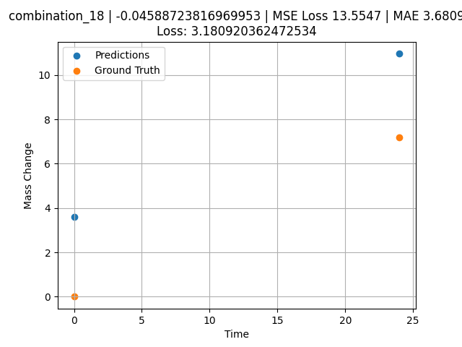
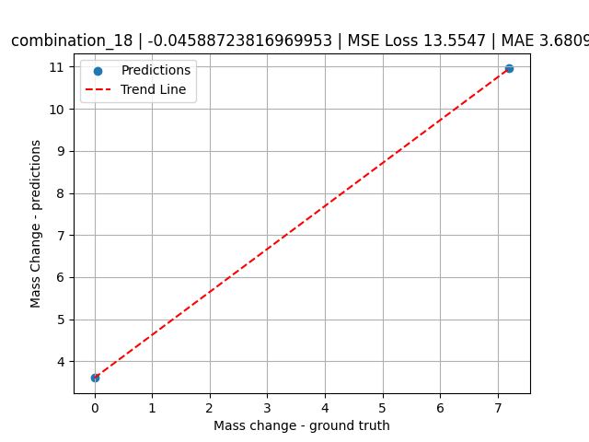
1200.0, 0.0, 0.0, 30.6, 36.8, 32.6, 0.0, 0.0
Temperature [C] | Mo [at%] | Nb [at%] | Ta [at%] | Ti [at%] | Cr [at%] | Al [at%] | W [at%] | Zr [at%] | Time [h] | Mass Change [mg.cm2] | Mass change - predictions
1200 | 0 | 0 | 30.6 | 36.8 | 32.6 | 0 | 0 | 0 | 0 | 0 | 3.6065926552
1200 | 0 | 0 | 30.6 | 36.8 | 32.6 | 0 | 0 | 0 | 24 | 7.2 | 10.955247879

combination_19
1200.0, 0.0, 0.0, 49.9, 12.2, 37.9, 0.0, 0.0
Temperature [C] | Mo [at%] | Nb [at%] | Ta [at%] | Ti [at%] | Cr [at%] | Al [at%] | W [at%] | Zr [at%] | Time [h] | Mass Change [mg.cm2] | Mass change - predictions
1200 | 0 | 0 | 49.9 | 12.2 | 37.9 | 0 | 0 | 0 | 0 | 0 | 4.4217500687
1200 | 0 | 0 | 49.9 | 12.2 | 37.9 | 0 | 0 | 0 | 5 | 8.2898550725 | 6.92100811
1200 | 0 | 0 | 49.9 | 12.2 | 37.9 | 0 | 0 | 0 | 10 | 12.434782609 | 10.880254745
1200 | 0 | 0 | 49.9 | 12.2 | 37.9 | 0 | 0 | 0 | 15 | 18.134057971 | 18.260778427
1200 | 0 | 0 | 49.9 | 12.2 | 37.9 | 0 | 0 | 0 | 17.5 | 24.869565217 | 23.264759064
1200 | 0 | 0 | 49.9 | 12.2 | 37.9 | 0 | 0 | 0 | 20 | 45.594202899 | 30.310676575
1200 | 0 | 0 | 49.9 | 12.2 | 37.9 | 0 | 0 | 0 | 24 | 71.5 | 41.425060272
1200 | 0 | 0 | 49.9 | 12.2 | 37.9 | 0 | 0 | 0 | 0 | 0 | 4.4217505455
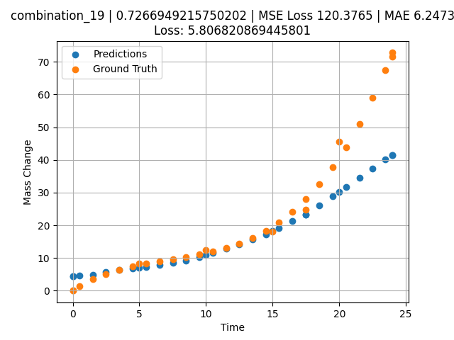
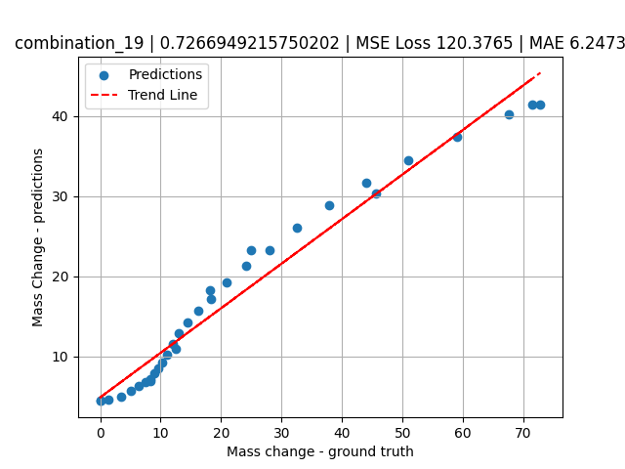
1200 | 0 | 0 | 49.9 | 12.2 | 37.9 | 0 | 0 | 0 | 0.49249 | 1.42149 | 4.5358819962
1200 | 0 | 0 | 49.9 | 12.2 | 37.9 | 0 | 0 | 0 | 1.5015 | 3.46774 | 4.9532556534
1200 | 0 | 0 | 49.9 | 12.2 | 37.9 | 0 | 0 | 0 | 2.4985 | 5.09174 | 5.6575350761
1200 | 0 | 0 | 49.9 | 12.2 | 37.9 | 0 | 0 | 0 | 3.4955 | 6.38605 | 6.3618144989
1200 | 0 | 0 | 49.9 | 12.2 | 37.9 | 0 | 0 | 0 | 4.5045 | 7.43134 | 6.8228173256
1200 | 0 | 0 | 49.9 | 12.2 | 37.9 | 0 | 0 | 0 | 5.48956 | 8.26108 | 7.1691884995
1200 | 0 | 0 | 49.9 | 12.2 | 37.9 | 0 | 0 | 0 | 6.4985 | 8.98419 | 7.8794193268
1200 | 0 | 0 | 49.9 | 12.2 | 37.9 | 0 | 0 | 0 | 7.5035 | 9.64589 | 8.4735908508
1200 | 0 | 0 | 49.9 | 12.2 | 37.9 | 0 | 0 | 0 | 8.49249 | 10.30729 | 9.196100235
1200 | 0 | 0 | 49.9 | 12.2 | 37.9 | 0 | 0 | 0 | 9.5015 | 11.06122 | 10.209638596
1200 | 0 | 0 | 49.9 | 12.2 | 37.9 | 0 | 0 | 0 | 10.48663 | 11.94099 | 11.541078568
1200 | 0 | 0 | 49.9 | 12.2 | 37.9 | 0 | 0 | 0 | 11.4955 | 13.05774 | 12.849294662
1200 | 0 | 0 | 49.9 | 12.2 | 37.9 | 0 | 0 | 0 | 12.5045 | 14.46245 | 14.257977486
1200 | 0 | 0 | 49.9 | 12.2 | 37.9 | 0 | 0 | 0 | 13.5015 | 16.2008 | 15.679467201
1200 | 0 | 0 | 49.9 | 12.2 | 37.9 | 0 | 0 | 0 | 14.4985 | 18.3577 | 17.172355652
1200 | 0 | 0 | 49.9 | 12.2 | 37.9 | 0 | 0 | 0 | 15.4837 | 20.96379 | 19.256465912
1200 | 0 | 0 | 49.9 | 12.2 | 37.9 | 0 | 0 | 0 | 16.49249 | 24.19061 | 21.261880875
1200 | 0 | 0 | 49.9 | 12.2 | 37.9 | 0 | 0 | 0 | 17.50147 | 28.05166 | 23.267801285
1200 | 0 | 0 | 49.9 | 12.2 | 37.9 | 0 | 0 | 0 | 18.4985 | 32.55855 | 26.100605011
1200 | 0 | 0 | 49.9 | 12.2 | 37.9 | 0 | 0 | 0 | 19.4955 | 37.823 | 28.906337738
1200 | 0 | 0 | 49.9 | 12.2 | 37.9 | 0 | 0 | 0 | 20.49277 | 43.91233 | 31.682365417
1200 | 0 | 0 | 49.9 | 12.2 | 37.9 | 0 | 0 | 0 | 21.5015 | 50.97282 | 34.524394989
1200 | 0 | 0 | 49.9 | 12.2 | 37.9 | 0 | 0 | 0 | 22.4985 | 58.92082 | 37.427558899
1200 | 0 | 0 | 49.9 | 12.2 | 37.9 | 0 | 0 | 0 | 23.45946 | 67.54177 | 40.225784302
1200 | 0 | 0 | 49.9 | 12.2 | 37.9 | 0 | 0 | 0 | 24 | 72.79782 | 41.425060272

combination_20
1200.0, 0.0, 0.0, 50.9, 37.2, 11.9, 0.0, 0.0
Temperature [C] | Mo [at%] | Nb [at%] | Ta [at%] | Ti [at%] | Cr [at%] | Al [at%] | W [at%] | Zr [at%] | Time [h] | Mass Change [mg.cm2] | Mass change - predictions
1200 | 0 | 0 | 50.9 | 37.2 | 11.9 | 0 | 0 | 0 | 0 | 0 | 8.0142850876
1200 | 0 | 0 | 50.9 | 37.2 | 11.9 | 0 | 0 | 0 | 5 | 31.542083333 | 27.457141876
1200 | 0 | 0 | 50.9 | 37.2 | 11.9 | 0 | 0 | 0 | 10 | 59.464583333 | 49.202972412
1200 | 0 | 0 | 50.9 | 37.2 | 11.9 | 0 | 0 | 0 | 15 | 82.733333333 | 68.235961914
1200 | 0 | 0 | 50.9 | 37.2 | 11.9 | 0 | 0 | 0 | 20 | 106.51916667 | 85.504219055
1200 | 0 | 0 | 50.9 | 37.2 | 11.9 | 0 | 0 | 0 | 24 | 124.1 | 96.316970825
1200 | 0 | 0 | 50.9 | 37.2 | 11.9 | 0 | 0 | 0 | 0 | 0 | 8.0142850876
1200 | 0 | 0 | 50.9 | 37.2 | 11.9 | 0 | 0 | 0 | 0.49249 | 3.32589 | 10.944252014
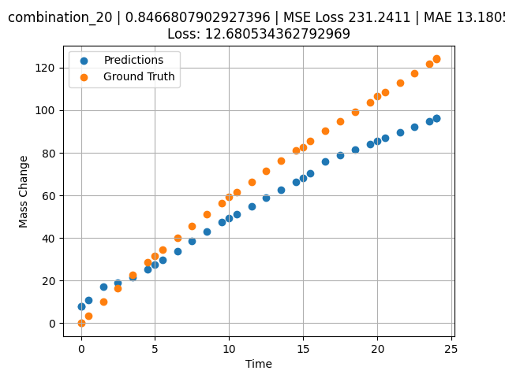
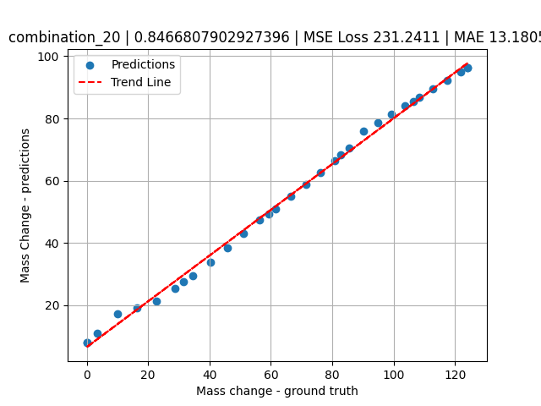
1200 | 0 | 0 | 50.9 | 37.2 | 11.9 | 0 | 0 | 0 | 1.5015 | 10.03119 | 17.250753403
1200 | 0 | 0 | 50.9 | 37.2 | 11.9 | 0 | 0 | 0 | 2.4985 | 16.44125 | 19.138708115
1200 | 0 | 0 | 50.9 | 37.2 | 11.9 | 0 | 0 | 0 | 3.4955 | 22.64739 | 21.409503937
1200 | 0 | 0 | 50.9 | 37.2 | 11.9 | 0 | 0 | 0 | 4.5045 | 28.73355 | 25.337388992
1200 | 0 | 0 | 50.9 | 37.2 | 11.9 | 0 | 0 | 0 | 5.48956 | 34.49707 | 29.551486969
1200 | 0 | 0 | 50.9 | 37.2 | 11.9 | 0 | 0 | 0 | 6.4985 | 40.22938 | 33.867744446
1200 | 0 | 0 | 50.9 | 37.2 | 11.9 | 0 | 0 | 0 | 7.4955 | 45.73568 | 38.424781799
1200 | 0 | 0 | 50.9 | 37.2 | 11.9 | 0 | 0 | 0 | 8.49249 | 51.09529 | 43.191413879
1200 | 0 | 0 | 50.9 | 37.2 | 11.9 | 0 | 0 | 0 | 9.5015 | 56.38263 | 47.290031433
1200 | 0 | 0 | 50.9 | 37.2 | 11.9 | 0 | 0 | 0 | 10.48663 | 61.42297 | 51.070358276
1200 | 0 | 0 | 50.9 | 37.2 | 11.9 | 0 | 0 | 0 | 11.4955 | 66.47152 | 54.941791534
1200 | 0 | 0 | 50.9 | 37.2 | 11.9 | 0 | 0 | 0 | 12.5045 | 71.41788 | 58.813728333
1200 | 0 | 0 | 50.9 | 37.2 | 11.9 | 0 | 0 | 0 | 13.5015 | 76.21596 | 62.59154129
1200 | 0 | 0 | 50.9 | 37.2 | 11.9 | 0 | 0 | 0 | 14.4985 | 80.93612 | 66.346954346
1200 | 0 | 0 | 50.9 | 37.2 | 11.9 | 0 | 0 | 0 | 15.4837 | 85.53549 | 70.498306274
1200 | 0 | 0 | 50.9 | 37.2 | 11.9 | 0 | 0 | 0 | 16.49249 | 90.18944 | 76.022750854
1200 | 0 | 0 | 50.9 | 37.2 | 11.9 | 0 | 0 | 0 | 17.5015 | 94.79986 | 78.750297546
1200 | 0 | 0 | 50.9 | 37.2 | 11.9 | 0 | 0 | 0 | 18.4985 | 99.32321 | 81.445373535
1200 | 0 | 0 | 50.9 | 37.2 | 11.9 | 0 | 0 | 0 | 19.4955 | 103.82588 | 84.140457153
1200 | 0 | 0 | 50.9 | 37.2 | 11.9 | 0 | 0 | 0 | 20.51128 | 108.40403 | 86.886306763
1200 | 0 | 0 | 50.9 | 37.2 | 11.9 | 0 | 0 | 0 | 21.5015 | 112.86918 | 89.563049316
1200 | 0 | 0 | 50.9 | 37.2 | 11.9 | 0 | 0 | 0 | 22.4985 | 117.37858 | 92.258132935
1200 | 0 | 0 | 50.9 | 37.2 | 11.9 | 0 | 0 | 0 | 23.4955 | 121.9129 | 94.953216553
1200 | 0 | 0 | 50.9 | 37.2 | 11.9 | 0 | 0 | 0 | 24 | 124.21884 | 96.316970825

combination_21
1200.0, 0.0, 0.0, 46.5, 22.5, 31.0, 0.0, 0.0
Temperature [C] | Mo [at%] | Nb [at%] | Ta [at%] | Ti [at%] | Cr [at%] | Al [at%] | W [at%] | Zr [at%] | Time [h] | Mass Change [mg.cm2] | Mass change - predictions
1200 | 0 | 0 | 46.5 | 22.5 | 31 | 0 | 0 | 0 | 0 | 0 | 8.4031162262
1200 | 0 | 0 | 46.5 | 22.5 | 31 | 0 | 0 | 0 | 5 | 68.073076923 | 56.220981598
1200 | 0 | 0 | 46.5 | 22.5 | 31 | 0 | 0 | 0 | 10 | 121.19070513 | 93.317749023
1200 | 0 | 0 | 46.5 | 22.5 | 31 | 0 | 0 | 0 | 15 | 148.52307692 | 107.03599548
1200 | 0 | 0 | 46.5 | 22.5 | 31 | 0 | 0 | 0 | 20 | 159.35288462 | 120.75427246
1200 | 0 | 0 | 46.5 | 22.5 | 31 | 0 | 0 | 0 | 24 | 160.9 | 131.96160889
1200 | 0 | 0 | 46.5 | 22.5 | 31 | 0 | 0 | 0 | 0 | 0 | 8.4031162262
1200 | 0 | 0 | 46.5 | 22.5 | 31 | 0 | 0 | 0 | 0.53801 | 8.21597 | 8.921582222
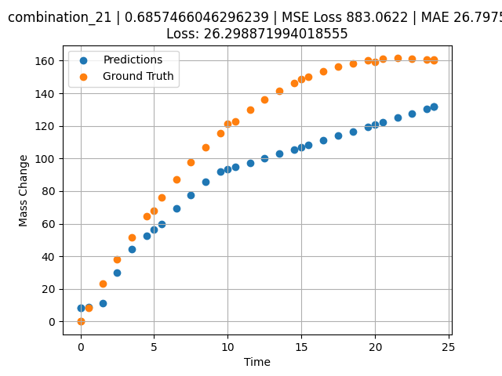
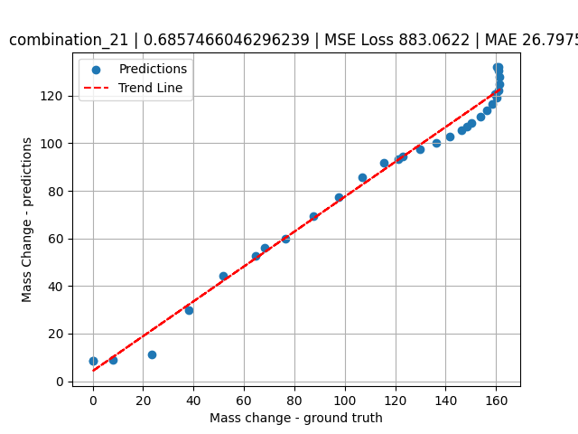
1200 | 0 | 0 | 46.5 | 22.5 | 31 | 0 | 0 | 0 | 1.5015 | 23.29686 | 11.177601814
1200 | 0 | 0 | 46.5 | 22.5 | 31 | 0 | 0 | 0 | 2.4985 | 37.95309 | 29.882139206
1200 | 0 | 0 | 46.5 | 22.5 | 31 | 0 | 0 | 0 | 3.4955 | 51.65384 | 44.400527954
1200 | 0 | 0 | 46.5 | 22.5 | 31 | 0 | 0 | 0 | 4.5045 | 64.57589 | 52.802742004
1200 | 0 | 0 | 46.5 | 22.5 | 31 | 0 | 0 | 0 | 5.48956 | 76.29591 | 59.978870392
1200 | 0 | 0 | 46.5 | 22.5 | 31 | 0 | 0 | 0 | 6.4985 | 87.40608 | 69.270774841
1200 | 0 | 0 | 46.5 | 22.5 | 31 | 0 | 0 | 0 | 7.4955 | 97.52071 | 77.431304932
1200 | 0 | 0 | 46.5 | 22.5 | 31 | 0 | 0 | 0 | 8.49249 | 106.79416 | 85.644042969
1200 | 0 | 0 | 46.5 | 22.5 | 31 | 0 | 0 | 0 | 9.5015 | 115.35124 | 91.950035095
1200 | 0 | 0 | 46.5 | 22.5 | 31 | 0 | 0 | 0 | 10.48663 | 122.92292 | 94.652893066
1200 | 0 | 0 | 46.5 | 22.5 | 31 | 0 | 0 | 0 | 11.4955 | 129.89829 | 97.42086792
1200 | 0 | 0 | 46.5 | 22.5 | 31 | 0 | 0 | 0 | 12.5045 | 136.10997 | 100.18922424
1200 | 0 | 0 | 46.5 | 22.5 | 31 | 0 | 0 | 0 | 13.5015 | 141.52095 | 102.9246521
1200 | 0 | 0 | 46.5 | 22.5 | 31 | 0 | 0 | 0 | 14.4985 | 146.22811 | 105.66007233
1200 | 0 | 0 | 46.5 | 22.5 | 31 | 0 | 0 | 0 | 15.4837 | 150.21466 | 108.36312103
1200 | 0 | 0 | 46.5 | 22.5 | 31 | 0 | 0 | 0 | 16.49249 | 153.63313 | 111.13088226
1200 | 0 | 0 | 46.5 | 22.5 | 31 | 0 | 0 | 0 | 17.5015 | 156.40427 | 113.8992691
1200 | 0 | 0 | 46.5 | 22.5 | 31 | 0 | 0 | 0 | 18.4985 | 158.52997 | 116.63467407
1200 | 0 | 0 | 46.5 | 22.5 | 31 | 0 | 0 | 0 | 19.4955 | 160.06615 | 119.37010193
1200 | 0 | 0 | 46.5 | 22.5 | 31 | 0 | 0 | 0 | 20.49277 | 161.03822 | 122.12992859
1200 | 0 | 0 | 46.5 | 22.5 | 31 | 0 | 0 | 0 | 21.5015 | 161.47326 | 124.95603943
1200 | 0 | 0 | 46.5 | 22.5 | 31 | 0 | 0 | 0 | 22.4985 | 161.37827 | 127.74926758
1200 | 0 | 0 | 46.5 | 22.5 | 31 | 0 | 0 | 0 | 23.4955 | 160.78923 | 130.54251099
1200 | 0 | 0 | 46.5 | 22.5 | 31 | 0 | 0 | 0 | 24 | 160.32765 | 131.96160889

combination_22
1100.0, 20.0, 20.0, 0.0, 20.0, 20.0, 20.0, 0.0
Temperature [C] | Mo [at%] | Nb [at%] | Ta [at%] | Ti [at%] | Cr [at%] | Al [at%] | W [at%] | Zr [at%] | Time [h] | Mass Change [mg.cm2] | Mass change - predictions
1100 | 20 | 20 | 0 | 20 | 20 | 20 | 0 | 0 | 0 | 0 | 1.6321340799
1100 | 20 | 20 | 0 | 20 | 20 | 20 | 0 | 0 | 10 | 3.3534246575 | 3.4251081944
1100 | 20 | 20 | 0 | 20 | 20 | 20 | 0 | 0 | 20 | 5.4794520548 | 4.5166621208
1100 | 20 | 20 | 0 | 20 | 20 | 20 | 0 | 0 | 30 | 6.904109589 | 5.7300672531
1100 | 20 | 20 | 0 | 20 | 20 | 20 | 0 | 0 | 40 | 7.8465753425 | 6.9316930771
1100 | 20 | 20 | 0 | 20 | 20 | 20 | 0 | 0 | 48 | 8.3726027397 | 8.5266609192
1100 | 20 | 20 | 0 | 20 | 20 | 20 | 0 | 0 | 0 | 0 | 1.6321340799
1100 | 20 | 20 | 0 | 20 | 20 | 20 | 0 | 0 | 0.48048 | 0.19946 | 1.7313039303
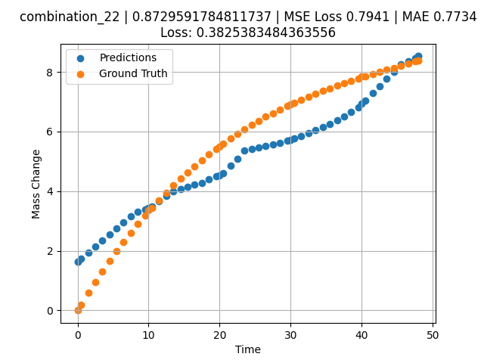
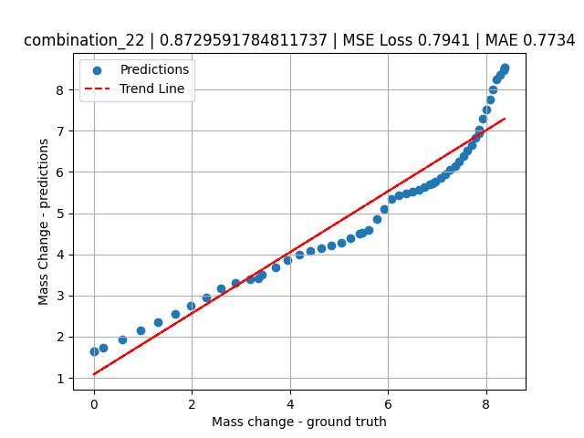
1100 | 20 | 20 | 0 | 20 | 20 | 20 | 0 | 0 | 1.48949 | 0.58439 | 1.9380533695
1100 | 20 | 20 | 0 | 20 | 20 | 20 | 0 | 0 | 2.4985 | 0.9555 | 2.1445598602
1100 | 20 | 20 | 0 | 20 | 20 | 20 | 0 | 0 | 3.50751 | 1.3131 | 2.3510661125
1100 | 20 | 20 | 0 | 20 | 20 | 20 | 0 | 0 | 4.51652 | 1.6575 | 2.5575733185
1100 | 20 | 20 | 0 | 20 | 20 | 20 | 0 | 0 | 5.5015 | 1.98132 | 2.7591617107
1100 | 20 | 20 | 0 | 20 | 20 | 20 | 0 | 0 | 6.48649 | 2.29304 | 2.9607524872
1100 | 20 | 20 | 0 | 20 | 20 | 20 | 0 | 0 | 7.4955 | 2.60028 | 3.1672587395
1100 | 20 | 20 | 0 | 20 | 20 | 20 | 0 | 0 | 8.5045 | 2.89555 | 3.3109767437
1100 | 20 | 20 | 0 | 20 | 20 | 20 | 0 | 0 | 9.51351 | 3.17915 | 3.387980938
1100 | 20 | 20 | 0 | 20 | 20 | 20 | 0 | 0 | 10.47476 | 3.43876 | 3.4991533756
1100 | 20 | 20 | 0 | 20 | 20 | 20 | 0 | 0 | 11.48348 | 3.7004 | 3.6742939949
1100 | 20 | 20 | 0 | 20 | 20 | 20 | 0 | 0 | 12.49249 | 3.95137 | 3.8494844437
1100 | 20 | 20 | 0 | 20 | 20 | 20 | 0 | 0 | 13.5015 | 4.1919 | 3.999625206
1100 | 20 | 20 | 0 | 20 | 20 | 20 | 0 | 0 | 14.51051 | 4.4223 | 4.07766819
1100 | 20 | 20 | 0 | 20 | 20 | 20 | 0 | 0 | 15.4955 | 4.63778 | 4.1538534164
1100 | 20 | 20 | 0 | 20 | 20 | 20 | 0 | 0 | 16.48048 | 4.84412 | 4.2145757675
1100 | 20 | 20 | 0 | 20 | 20 | 20 | 0 | 0 | 17.48949 | 5.04642 | 4.2753953934
1100 | 20 | 20 | 0 | 20 | 20 | 20 | 0 | 0 | 18.4985 | 5.23981 | 4.3926515579
1100 | 20 | 20 | 0 | 20 | 20 | 20 | 0 | 0 | 19.50751 | 5.42461 | 4.4983291626
1100 | 20 | 20 | 0 | 20 | 20 | 20 | 0 | 0 | 20.49304 | 5.59708 | 4.6011567116
1100 | 20 | 20 | 0 | 20 | 20 | 20 | 0 | 0 | 21.5015 | 5.76578 | 4.8522396088
1100 | 20 | 20 | 0 | 20 | 20 | 20 | 0 | 0 | 22.48649 | 5.92305 | 5.0974788666
1100 | 20 | 20 | 0 | 20 | 20 | 20 | 0 | 0 | 23.4955 | 6.07691 | 5.3521814346
1100 | 20 | 20 | 0 | 20 | 20 | 20 | 0 | 0 | 24.5045 | 6.22371 | 5.4234642982
1100 | 20 | 20 | 0 | 20 | 20 | 20 | 0 | 0 | 25.51351 | 6.36376 | 5.4752221107
1100 | 20 | 20 | 0 | 20 | 20 | 20 | 0 | 0 | 26.4985 | 6.49429 | 5.5257482529
1100 | 20 | 20 | 0 | 20 | 20 | 20 | 0 | 0 | 27.48348 | 6.61891 | 5.5762739182
1100 | 20 | 20 | 0 | 20 | 20 | 20 | 0 | 0 | 28.49249 | 6.74084 | 5.6280322075
1100 | 20 | 20 | 0 | 20 | 20 | 20 | 0 | 0 | 29.5015 | 6.85724 | 5.6934661865
1100 | 20 | 20 | 0 | 20 | 20 | 20 | 0 | 0 | 30.48731 | 6.96591 | 5.7658462524
1100 | 20 | 20 | 0 | 20 | 20 | 20 | 0 | 0 | 31.4955 | 7.07225 | 5.8537311554
1100 | 20 | 20 | 0 | 20 | 20 | 20 | 0 | 0 | 32.48048 | 7.17165 | 5.9492387772
1100 | 20 | 20 | 0 | 20 | 20 | 20 | 0 | 0 | 33.48949 | 7.26924 | 6.0470762253
1100 | 20 | 20 | 0 | 20 | 20 | 20 | 0 | 0 | 34.4985 | 7.36284 | 6.1449127197
1100 | 20 | 20 | 0 | 20 | 20 | 20 | 0 | 0 | 35.50751 | 7.45277 | 6.2595815659
1100 | 20 | 20 | 0 | 20 | 20 | 20 | 0 | 0 | 36.51652 | 7.53932 | 6.3862190247
1100 | 20 | 20 | 0 | 20 | 20 | 20 | 0 | 0 | 37.5015 | 7.62086 | 6.5098400116
1100 | 20 | 20 | 0 | 20 | 20 | 20 | 0 | 0 | 38.48649 | 7.69975 | 6.654589653
1100 | 20 | 20 | 0 | 20 | 20 | 20 | 0 | 0 | 39.4955 | 7.77816 | 6.8235244751
1100 | 20 | 20 | 0 | 20 | 20 | 20 | 0 | 0 | 40.48157 | 7.8527 | 7.0349464417
1100 | 20 | 20 | 0 | 20 | 20 | 20 | 0 | 0 | 41.51351 | 7.92883 | 7.2844982147
1100 | 20 | 20 | 0 | 20 | 20 | 20 | 0 | 0 | 42.4985 | 8.00001 | 7.5254974365
1100 | 20 | 20 | 0 | 20 | 20 | 20 | 0 | 0 | 43.48348 | 8.07001 | 7.7664928436
1100 | 20 | 20 | 0 | 20 | 20 | 20 | 0 | 0 | 44.49249 | 8.14082 | 8.0133676529
1100 | 20 | 20 | 0 | 20 | 20 | 20 | 0 | 0 | 45.5015 | 8.21101 | 8.2556533813
1100 | 20 | 20 | 0 | 20 | 20 | 20 | 0 | 0 | 46.51616 | 8.28129 | 8.3657112122
1100 | 20 | 20 | 0 | 20 | 20 | 20 | 0 | 0 | 47.4955 | 8.34913 | 8.4719390869
1100 | 20 | 20 | 0 | 20 | 20 | 20 | 0 | 0 | 48 | 8.38416 | 8.5266618729

combination_23
1100.0, 20.0, 0.0, 20.0, 20.0, 20.0, 20.0, 0.0
Temperature [C] | Mo [at%] | Nb [at%] | Ta [at%] | Ti [at%] | Cr [at%] | Al [at%] | W [at%] | Zr [at%] | Time [h] | Mass Change [mg.cm2] | Mass change - predictions
1100 | 20 | 0 | 20 | 20 | 20 | 20 | 0 | 0 | 0 | 0 | 0.6646425724
1100 | 20 | 0 | 20 | 20 | 20 | 20 | 0 | 0 | 10 | 1.5123287671 | 2.2820243835
1100 | 20 | 0 | 20 | 20 | 20 | 20 | 0 | 0 | 20 | 2.0164383562 | 2.6009812355
1100 | 20 | 0 | 20 | 20 | 20 | 20 | 0 | 0 | 30 | 2.4109589041 | 2.9239003658
1100 | 20 | 0 | 20 | 20 | 20 | 20 | 0 | 0 | 40 | 2.7178082192 | 3.3169240952
1100 | 20 | 0 | 20 | 20 | 20 | 20 | 0 | 0 | 48 | 3.002739726 | 3.6313428879
1100 | 20 | 0 | 20 | 20 | 20 | 20 | 0 | 0 | 0 | 0 | 0.6646425724
1100 | 20 | 0 | 20 | 20 | 20 | 20 | 0 | 0 | 0.48048 | 0.11006 | 0.78278803825
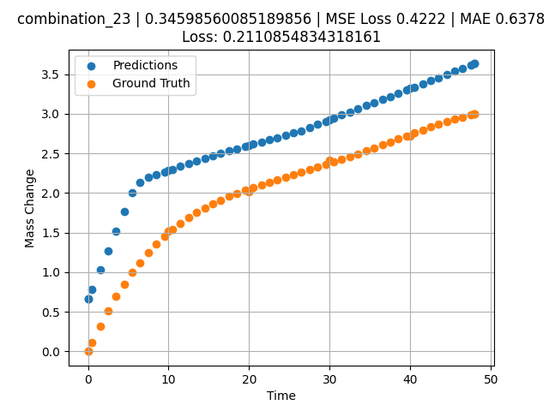
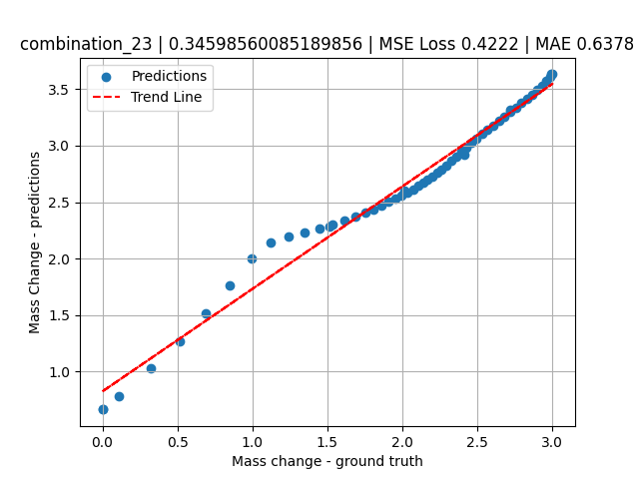
1100 | 20 | 0 | 20 | 20 | 20 | 20 | 0 | 0 | 1.48949 | 0.32168 | 1.0278186798
1100 | 20 | 0 | 20 | 20 | 20 | 20 | 0 | 0 | 2.4985 | 0.51495 | 1.2728505135
1100 | 20 | 0 | 20 | 20 | 20 | 20 | 0 | 0 | 3.50751 | 0.69112 | 1.5178806782
1100 | 20 | 0 | 20 | 20 | 20 | 20 | 0 | 0 | 4.51652 | 0.85139 | 1.7629123926
1100 | 20 | 0 | 20 | 20 | 20 | 20 | 0 | 0 | 5.5015 | 0.99367 | 2.0021078587
1100 | 20 | 0 | 20 | 20 | 20 | 20 | 0 | 0 | 6.48649 | 1.12287 | 2.1387779713
1100 | 20 | 0 | 20 | 20 | 20 | 20 | 0 | 0 | 7.4955 | 1.24285 | 2.1953117847
1100 | 20 | 0 | 20 | 20 | 20 | 20 | 0 | 0 | 8.5045 | 1.3513 | 2.230246067
1100 | 20 | 0 | 20 | 20 | 20 | 20 | 0 | 0 | 9.51351 | 1.44923 | 2.2651808262
1100 | 20 | 0 | 20 | 20 | 20 | 20 | 0 | 0 | 10.47476 | 1.5336 | 2.2984621525
1100 | 20 | 0 | 20 | 20 | 20 | 20 | 0 | 0 | 11.48348 | 1.61366 | 2.3333873749
1100 | 20 | 0 | 20 | 20 | 20 | 20 | 0 | 0 | 12.49249 | 1.68593 | 2.3683218956
1100 | 20 | 0 | 20 | 20 | 20 | 20 | 0 | 0 | 13.5015 | 1.75122 | 2.4032568932
1100 | 20 | 0 | 20 | 20 | 20 | 20 | 0 | 0 | 14.51051 | 1.81031 | 2.4381916523
1100 | 20 | 0 | 20 | 20 | 20 | 20 | 0 | 0 | 15.4955 | 1.86275 | 2.4722950459
1100 | 20 | 0 | 20 | 20 | 20 | 20 | 0 | 0 | 16.48048 | 1.91063 | 2.5007705688
1100 | 20 | 0 | 20 | 20 | 20 | 20 | 0 | 0 | 17.48949 | 1.95565 | 2.5295000076
1100 | 20 | 0 | 20 | 20 | 20 | 20 | 0 | 0 | 18.4985 | 1.99719 | 2.558229208
1100 | 20 | 0 | 20 | 20 | 20 | 20 | 0 | 0 | 19.50751 | 2.03585 | 2.5869586468
1100 | 20 | 0 | 20 | 20 | 20 | 20 | 0 | 0 | 20.49304 | 2.07132 | 2.6150193214
1100 | 20 | 0 | 20 | 20 | 20 | 20 | 0 | 0 | 21.5015 | 2.1058 | 2.643733263
1100 | 20 | 0 | 20 | 20 | 20 | 20 | 0 | 0 | 22.48649 | 2.13811 | 2.6717789173
1100 | 20 | 0 | 20 | 20 | 20 | 20 | 0 | 0 | 23.4955 | 2.17023 | 2.7005083561
1100 | 20 | 0 | 20 | 20 | 20 | 20 | 0 | 0 | 24.5045 | 2.20173 | 2.7292370796
1100 | 20 | 0 | 20 | 20 | 20 | 20 | 0 | 0 | 25.51604 | 2.23302 | 2.7580387592
1100 | 20 | 0 | 20 | 20 | 20 | 20 | 0 | 0 | 26.4985 | 2.26341 | 2.7862832546
1100 | 20 | 0 | 20 | 20 | 20 | 20 | 0 | 0 | 27.48348 | 2.29411 | 2.8249952793
1100 | 20 | 0 | 20 | 20 | 20 | 20 | 0 | 0 | 28.49249 | 2.32601 | 2.86465168
1100 | 20 | 0 | 20 | 20 | 20 | 20 | 0 | 0 | 29.5015 | 2.35853 | 2.9043083191
1100 | 20 | 0 | 20 | 20 | 20 | 20 | 0 | 0 | 30.48731 | 2.39102 | 2.9430527687
1100 | 20 | 0 | 20 | 20 | 20 | 20 | 0 | 0 | 31.4955 | 2.42505 | 2.9826769829
1100 | 20 | 0 | 20 | 20 | 20 | 20 | 0 | 0 | 32.48048 | 2.45913 | 3.021389246
1100 | 20 | 0 | 20 | 20 | 20 | 20 | 0 | 0 | 33.48949 | 2.4949 | 3.0610454082
1100 | 20 | 0 | 20 | 20 | 20 | 20 | 0 | 0 | 34.4985 | 2.53149 | 3.1007020473
1100 | 20 | 0 | 20 | 20 | 20 | 20 | 0 | 0 | 35.50751 | 2.56882 | 3.140358448
1100 | 20 | 0 | 20 | 20 | 20 | 20 | 0 | 0 | 36.51652 | 2.60677 | 3.1800150871
1100 | 20 | 0 | 20 | 20 | 20 | 20 | 0 | 0 | 37.5015 | 2.64424 | 3.2187271118
1100 | 20 | 0 | 20 | 20 | 20 | 20 | 0 | 0 | 38.48396 | 2.68184 | 3.2573399544
1100 | 20 | 0 | 20 | 20 | 20 | 20 | 0 | 0 | 39.4955 | 2.72055 | 3.297096014
1100 | 20 | 0 | 20 | 20 | 20 | 20 | 0 | 0 | 40.48157 | 2.758 | 3.3358507156
1100 | 20 | 0 | 20 | 20 | 20 | 20 | 0 | 0 | 41.51351 | 2.79655 | 3.376408577
1100 | 20 | 0 | 20 | 20 | 20 | 20 | 0 | 0 | 42.4985 | 2.83237 | 3.4151210785
1100 | 20 | 0 | 20 | 20 | 20 | 20 | 0 | 0 | 43.48348 | 2.86684 | 3.4538331032
1100 | 20 | 0 | 20 | 20 | 20 | 20 | 0 | 0 | 44.49249 | 2.9003 | 3.4934895039
1100 | 20 | 0 | 20 | 20 | 20 | 20 | 0 | 0 | 45.5015 | 2.9314 | 3.5331459045
1100 | 20 | 0 | 20 | 20 | 20 | 20 | 0 | 0 | 46.51051 | 2.9596 | 3.5728023052
1100 | 20 | 0 | 20 | 20 | 20 | 20 | 0 | 0 | 47.4955 | 2.98377 | 3.6115148067
1100 | 20 | 0 | 20 | 20 | 20 | 20 | 0 | 0 | 48 | 2.99484 | 3.6313428879

combination_24
1000.0, 20.0, 0.0, 20.0, 20.0, 20.0, 20.0, 20.0
Temperature [C] | Mo [at%] | Nb [at%] | Ta [at%] | Ti [at%] | Cr [at%] | Al [at%] | W [at%] | Zr [at%] | Time [h] | Mass Change [mg.cm2] | Mass change - predictions
1000 | 20 | 0 | 20 | 20 | 20 | 20 | 20 | 0 | 0 | 0 | 2.7835745811
1000 | 20 | 0 | 20 | 20 | 20 | 20 | 20 | 0 | 5 | 4.2 | 4.01512146
1000 | 20 | 0 | 20 | 20 | 20 | 20 | 20 | 0 | 10 | 5.3 | 5.0072922707
1000 | 20 | 0 | 20 | 20 | 20 | 20 | 20 | 0 | 15 | 6 | 4.6871314049
1000 | 20 | 0 | 20 | 20 | 20 | 20 | 20 | 0 | 20 | 6.4 | 4.8531918526
1000 | 20 | 0 | 20 | 20 | 20 | 20 | 20 | 0 | 25 | 6.8 | 5.1185655594
1000 | 20 | 0 | 20 | 20 | 20 | 20 | 20 | 0 | 30 | 7.2 | 5.7959976196
1000 | 20 | 0 | 20 | 20 | 20 | 20 | 20 | 0 | 35 | 7.6 | 7.1219472885
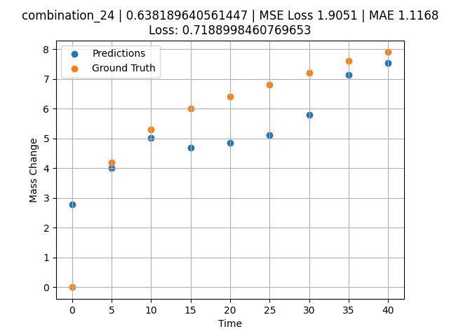
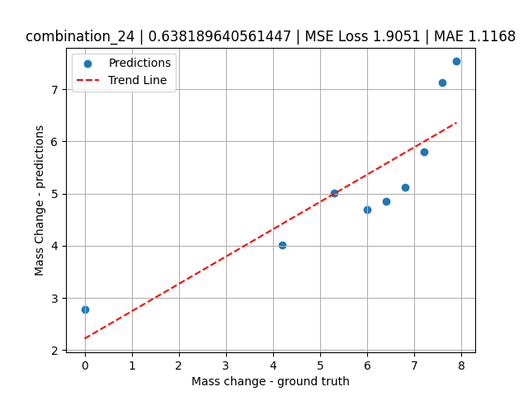
1000 | 20 | 0 | 20 | 20 | 20 | 20 | 20 | 0 | 40 | 7.9 | 7.5333566666

combination_25
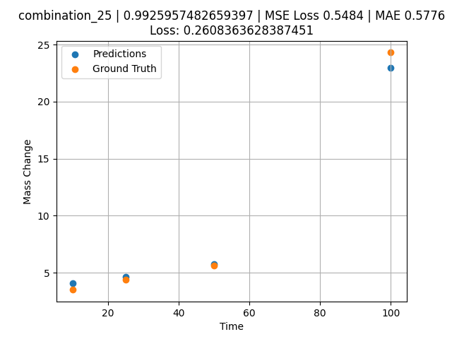
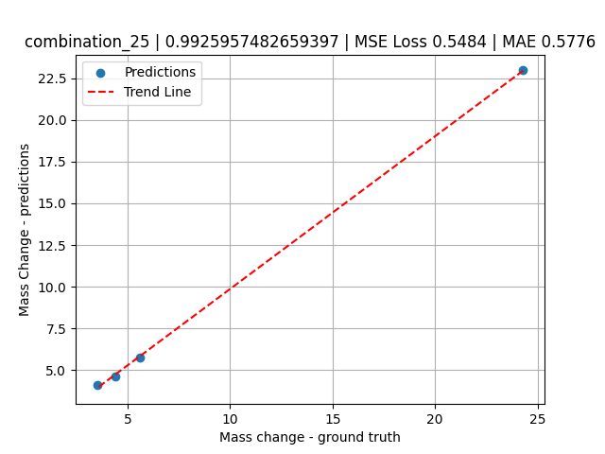
1000.0, 0.0, 0.0, 32.0, 32.0, 32.0, 4.0, 0.0
Temperature [C] | Mo [at%] | Nb [at%] | Ta [at%] | Ti [at%] | Cr [at%] | Al [at%] | W [at%] | Zr [at%] | Time [h] | Mass Change [mg.cm2] | Mass change - predictions
1000 | 0 | 0 | 32 | 32 | 32 | 4 | 0 | 0 | 100 | 24.3 | 22.973171234
1000 | 0 | 0 | 32 | 32 | 32 | 4 | 0 | 0 | 50 | 5.6 | 5.7534990311
1000 | 0 | 0 | 32 | 32 | 32 | 4 | 0 | 0 | 25 | 4.4 | 4.6345992088
1000 | 0 | 0 | 32 | 32 | 32 | 4 | 0 | 0 | 10 | 3.5 | 4.0953454971

combination_26


1000.0, 0.0, 0.0, 31.0, 31.0, 31.0, 9.0, 0.0
Temperature [C] | Mo [at%] | Nb [at%] | Ta [at%] | Ti [at%] | Cr [at%] | Al [at%] | W [at%] | Zr [at%] | Time [h] | Mass Change [mg.cm2] | Mass change - predictions
1000 | 0 | 0 | 31 | 31 | 31 | 9 | 0 | 0 | 100 | 7.3 | 5.3903341293
1000 | 0 | 0 | 31 | 31 | 31 | 9 | 0 | 0 | 50 | 3.4 | 4.0908908844
1000 | 0 | 0 | 31 | 31 | 31 | 9 | 0 | 0 | 25 | 2.7 | 4.2090339661
1000 | 0 | 0 | 31 | 31 | 31 | 9 | 0 | 0 | 10 | 1.7 | 3.6208231449

combination_27


1000.0, 0.0, 0.0, 30.0, 30.0, 30.0, 10.0, 0.0
Temperature [C] | Mo [at%] | Nb [at%] | Ta [at%] | Ti [at%] | Cr [at%] | Al [at%] | W [at%] | Zr [at%] | Time [h] | Mass Change [mg.cm2] | Mass change - predictions
1000 | 0 | 0 | 30 | 30 | 30 | 10 | 0 | 0 | 100 | 5.4 | 5.6863136292
1000 | 0 | 0 | 30 | 30 | 30 | 10 | 0 | 0 | 50 | 3.5 | 4.2893428802
1000 | 0 | 0 | 30 | 30 | 30 | 10 | 0 | 0 | 25 | 2.7 | 4.0712404251
1000 | 0 | 0 | 30 | 30 | 30 | 10 | 0 | 0 | 10 | 1.3 | 3.5518984795

combination_28


1000.0, 25.0, 25.0, 25.0, 0.0, 0.0, 0.0, 25.0
Temperature [C] | Mo [at%] | Nb [at%] | Ta [at%] | Ti [at%] | Cr [at%] | Al [at%] | W [at%] | Zr [at%] | Time [h] | Mass Change [mg.cm2] | Mass change - predictions
1000 | 25 | 25 | 25 | 0 | 0 | 0 | 25 | 0 | 0 | 0 | 15.775702477
1000 | 25 | 25 | 25 | 0 | 0 | 0 | 25 | 0 | 3 | 30.8 | 24.085292816
1000 | 25 | 25 | 25 | 0 | 0 | 0 | 25 | 0 | 5 | 44 | 37.82484436
1000 | 25 | 25 | 25 | 0 | 0 | 0 | 25 | 0 | 8 | 57 | 47.092636108
1000 | 25 | 25 | 25 | 0 | 0 | 0 | 25 | 0 | 10 | 59.7 | 52.439533234

combination_29


1000.0, 20.0, 20.0, 20.0, 20.0, 0.0, 0.0, 20.0
Temperature [C] | Mo [at%] | Nb [at%] | Ta [at%] | Ti [at%] | Cr [at%] | Al [at%] | W [at%] | Zr [at%] | Time [h] | Mass Change [mg.cm2] | Mass change - predictions
1000 | 20 | 20 | 20 | 20 | 0 | 0 | 20 | 0 | 3 | 30.8 | 30.783704758
1000 | 20 | 20 | 20 | 20 | 0 | 0 | 20 | 0 | 5 | 47.1 | 44.295928955
1000 | 20 | 20 | 20 | 20 | 0 | 0 | 20 | 0 | 8 | 67.9 | 54.531410217
1000 | 20 | 20 | 20 | 20 | 0 | 0 | 20 | 0 | 10 | 78.1 | 57.393882751

combination_30
1000.0, 10.0, 21.8, 11.9, 19.4, 18.4, 0.0, 0.0
Temperature [C] | Mo [at%] | Nb [at%] | Ta [at%] | Ti [at%] | Cr [at%] | Al [at%] | W [at%] | Zr [at%] | Time [h] | Mass Change [mg.cm2] | Mass change - predictions
1000 | 10 | 21.8 | 11.9 | 19.4 | 18.4 | 0 | 0 | 18.5 | 100 | 119 | 102.05895996
1000 | 10 | 21.8 | 11.9 | 19.4 | 18.4 | 0 | 0 | 18.5 | 24 | 50 | 45.665687561
1000 | 10 | 21.8 | 11.9 | 19.4 | 18.4 | 0 | 0 | 18.5 | 4 | 22 | 13.273541451
1000 | 10 | 21.8 | 11.9 | 19.4 | 18.4 | 0 | 0 | 18.5 | 2 | 15 | 12.284893036
1000 | 10 | 21.8 | 11.9 | 19.4 | 18.4 | 0 | 0 | 18.5 | 1 | 10 | 10.191302299
1000 | 10 | 21.8 | 11.9 | 19.4 | 18.4 | 0 | 0 | 18.5 | 0 | 0 | 6.909819603
1000 | 10 | 21.8 | 11.9 | 19.4 | 18.4 | 0 | 0 | 18.5 | 0.45045 | 7.87724 | 8.3118429184
1000 | 10 | 21.8 | 11.9 | 19.4 | 18.4 | 0 | 0 | 18.5 | 1.45145 | 10.49835 | 12.054158211


1000 | 10 | 21.8 | 11.9 | 19.4 | 18.4 | 0 | 0 | 18.5 | 2.45245 | 13.02627 | 12.479990959
1000 | 10 | 21.8 | 11.9 | 19.4 | 18.4 | 0 | 0 | 18.5 | 3.45345 | 15.46739 | 12.993281364
1000 | 10 | 21.8 | 11.9 | 19.4 | 18.4 | 0 | 0 | 18.5 | 4.45445 | 17.82748 | 13.616679192
1000 | 10 | 21.8 | 11.9 | 19.4 | 18.4 | 0 | 0 | 18.5 | 5.45546 | 20.11174 | 15.112985611
1000 | 10 | 21.8 | 11.9 | 19.4 | 18.4 | 0 | 0 | 18.5 | 6.45646 | 22.32489 | 19.810190201
1000 | 10 | 21.8 | 11.9 | 19.4 | 18.4 | 0 | 0 | 18.5 | 7.45746 | 24.47124 | 22.671226501
1000 | 10 | 21.8 | 11.9 | 19.4 | 18.4 | 0 | 0 | 18.5 | 8.45846 | 26.55469 | 25.01540184
1000 | 10 | 21.8 | 11.9 | 19.4 | 18.4 | 0 | 0 | 18.5 | 9.45946 | 28.57883 | 25.647047043
1000 | 10 | 21.8 | 11.9 | 19.4 | 18.4 | 0 | 0 | 18.5 | 10.46046 | 30.54693 | 26.539245605
1000 | 10 | 21.8 | 11.9 | 19.4 | 18.4 | 0 | 0 | 18.5 | 11.46146 | 32.46203 | 27.60464859
1000 | 10 | 21.8 | 11.9 | 19.4 | 18.4 | 0 | 0 | 18.5 | 12.46246 | 34.3269 | 28.995965958
1000 | 10 | 21.8 | 11.9 | 19.4 | 18.4 | 0 | 0 | 18.5 | 13.46346 | 36.14411 | 30.790283203
1000 | 10 | 21.8 | 11.9 | 19.4 | 18.4 | 0 | 0 | 18.5 | 14.46446 | 37.91603 | 31.964086533
1000 | 10 | 21.8 | 11.9 | 19.4 | 18.4 | 0 | 0 | 18.5 | 15.46547 | 39.64487 | 33.137901306
1000 | 10 | 21.8 | 11.9 | 19.4 | 18.4 | 0 | 0 | 18.5 | 16.46647 | 41.33267 | 34.582267761
1000 | 10 | 21.8 | 11.9 | 19.4 | 18.4 | 0 | 0 | 18.5 | 17.46747 | 42.98133 | 36.1977005
1000 | 10 | 21.8 | 11.9 | 19.4 | 18.4 | 0 | 0 | 18.5 | 18.46847 | 44.59264 | 37.81312561
1000 | 10 | 21.8 | 11.9 | 19.4 | 18.4 | 0 | 0 | 18.5 | 19.46947 | 46.16824 | 39.42855835
1000 | 10 | 21.8 | 11.9 | 19.4 | 18.4 | 0 | 0 | 18.5 | 20.47047 | 47.70968 | 41.043983459
1000 | 10 | 21.8 | 11.9 | 19.4 | 18.4 | 0 | 0 | 18.5 | 21.47147 | 49.21842 | 42.659416199
1000 | 10 | 21.8 | 11.9 | 19.4 | 18.4 | 0 | 0 | 18.5 | 22.47247 | 50.6958 | 44.274848938
1000 | 10 | 21.8 | 11.9 | 19.4 | 18.4 | 0 | 0 | 18.5 | 23.47347 | 52.14312 | 45.330867767
1000 | 10 | 21.8 | 11.9 | 19.4 | 18.4 | 0 | 0 | 18.5 | 24.47447 | 53.56157 | 45.967414856
1000 | 10 | 21.8 | 11.9 | 19.4 | 18.4 | 0 | 0 | 18.5 | 25.47548 | 54.95227 | 46.6039505
1000 | 10 | 21.8 | 11.9 | 19.4 | 18.4 | 0 | 0 | 18.5 | 26.47648 | 56.31629 | 47.304138184
1000 | 10 | 21.8 | 11.9 | 19.4 | 18.4 | 0 | 0 | 18.5 | 27.47748 | 57.65464 | 48.036869049
1000 | 10 | 21.8 | 11.9 | 19.4 | 18.4 | 0 | 0 | 18.5 | 28.47848 | 58.96827 | 48.7695961
1000 | 10 | 21.8 | 11.9 | 19.4 | 18.4 | 0 | 0 | 18.5 | 29.47948 | 60.25807 | 49.506725311
1000 | 10 | 21.8 | 11.9 | 19.4 | 18.4 | 0 | 0 | 18.5 | 30.48048 | 61.52489 | 50.251281738
1000 | 10 | 21.8 | 11.9 | 19.4 | 18.4 | 0 | 0 | 18.5 | 31.48148 | 62.76953 | 50.995838165
1000 | 10 | 21.8 | 11.9 | 19.4 | 18.4 | 0 | 0 | 18.5 | 32.48248 | 63.99277 | 51.740390778
1000 | 10 | 21.8 | 11.9 | 19.4 | 18.4 | 0 | 0 | 18.5 | 33.48348 | 65.19531 | 52.484951019
1000 | 10 | 21.8 | 11.9 | 19.4 | 18.4 | 0 | 0 | 18.5 | 34.48448 | 66.37786 | 53.229503632
1000 | 10 | 21.8 | 11.9 | 19.4 | 18.4 | 0 | 0 | 18.5 | 35.48549 | 67.54107 | 53.974071503
1000 | 10 | 21.8 | 11.9 | 19.4 | 18.4 | 0 | 0 | 18.5 | 36.48649 | 68.68555 | 54.71862793
1000 | 10 | 21.8 | 11.9 | 19.4 | 18.4 | 0 | 0 | 18.5 | 37.48749 | 69.8119 | 55.463176727
1000 | 10 | 21.8 | 11.9 | 19.4 | 18.4 | 0 | 0 | 18.5 | 38.48849 | 70.92069 | 56.207740784
1000 | 10 | 21.8 | 11.9 | 19.4 | 18.4 | 0 | 0 | 18.5 | 39.48949 | 72.01245 | 56.952301025
1000 | 10 | 21.8 | 11.9 | 19.4 | 18.4 | 0 | 0 | 18.5 | 40.49049 | 73.08771 | 57.696857452
1000 | 10 | 21.8 | 11.9 | 19.4 | 18.4 | 0 | 0 | 18.5 | 41.49149 | 74.14695 | 58.441410065
1000 | 10 | 21.8 | 11.9 | 19.4 | 18.4 | 0 | 0 | 18.5 | 42.49249 | 75.19064 | 59.185966492
1000 | 10 | 21.8 | 11.9 | 19.4 | 18.4 | 0 | 0 | 18.5 | 43.49349 | 76.21923 | 59.930519104
1000 | 10 | 21.8 | 11.9 | 19.4 | 18.4 | 0 | 0 | 18.5 | 44.49449 | 77.23316 | 60.675079346
1000 | 10 | 21.8 | 11.9 | 19.4 | 18.4 | 0 | 0 | 18.5 | 45.4955 | 78.23283 | 61.419643402
1000 | 10 | 21.8 | 11.9 | 19.4 | 18.4 | 0 | 0 | 18.5 | 46.4965 | 79.21865 | 62.164199829
1000 | 10 | 21.8 | 11.9 | 19.4 | 18.4 | 0 | 0 | 18.5 | 47.4975 | 80.19098 | 62.908752441
1000 | 10 | 21.8 | 11.9 | 19.4 | 18.4 | 0 | 0 | 18.5 | 48.4985 | 81.1502 | 63.653312683
1000 | 10 | 21.8 | 11.9 | 19.4 | 18.4 | 0 | 0 | 18.5 | 49.4995 | 82.09665 | 64.397865295
1000 | 10 | 21.8 | 11.9 | 19.4 | 18.4 | 0 | 0 | 18.5 | 50.5005 | 83.03067 | 65.142425537
1000 | 10 | 21.8 | 11.9 | 19.4 | 18.4 | 0 | 0 | 18.5 | 51.5015 | 83.95258 | 65.886985779
1000 | 10 | 21.8 | 11.9 | 19.4 | 18.4 | 0 | 0 | 18.5 | 52.5025 | 84.86269 | 66.631530762
1000 | 10 | 21.8 | 11.9 | 19.4 | 18.4 | 0 | 0 | 18.5 | 53.5035 | 85.76129 | 67.376083374
1000 | 10 | 21.8 | 11.9 | 19.4 | 18.4 | 0 | 0 | 18.5 | 54.5045 | 86.64869 | 68.120651245
1000 | 10 | 21.8 | 11.9 | 19.4 | 18.4 | 0 | 0 | 18.5 | 55.50551 | 87.52515 | 68.865211487
1000 | 10 | 21.8 | 11.9 | 19.4 | 18.4 | 0 | 0 | 18.5 | 56.50651 | 88.39093 | 69.609771729
1000 | 10 | 21.8 | 11.9 | 19.4 | 18.4 | 0 | 0 | 18.5 | 57.50751 | 89.2463 | 70.354324341
1000 | 10 | 21.8 | 11.9 | 19.4 | 18.4 | 0 | 0 | 18.5 | 58.50851 | 90.0915 | 71.098884583
1000 | 10 | 21.8 | 11.9 | 19.4 | 18.4 | 0 | 0 | 18.5 | 59.50951 | 90.92678 | 71.843444824
1000 | 10 | 21.8 | 11.9 | 19.4 | 18.4 | 0 | 0 | 18.5 | 60.51051 | 91.75236 | 72.587989807
1000 | 10 | 21.8 | 11.9 | 19.4 | 18.4 | 0 | 0 | 18.5 | 61.51151 | 92.56846 | 73.332550049
1000 | 10 | 21.8 | 11.9 | 19.4 | 18.4 | 0 | 0 | 18.5 | 62.51251 | 93.3753 | 74.077102661
1000 | 10 | 21.8 | 11.9 | 19.4 | 18.4 | 0 | 0 | 18.5 | 63.51351 | 94.17309 | 74.821670532
1000 | 10 | 21.8 | 11.9 | 19.4 | 18.4 | 0 | 0 | 18.5 | 64.51451 | 94.96203 | 75.566223145
1000 | 10 | 21.8 | 11.9 | 19.4 | 18.4 | 0 | 0 | 18.5 | 65.51552 | 95.74232 | 76.310791016
1000 | 10 | 21.8 | 11.9 | 19.4 | 18.4 | 0 | 0 | 18.5 | 66.51652 | 96.51413 | 77.055343628
1000 | 10 | 21.8 | 11.9 | 19.4 | 18.4 | 0 | 0 | 18.5 | 67.51752 | 97.27766 | 77.79990387
1000 | 10 | 21.8 | 11.9 | 19.4 | 18.4 | 0 | 0 | 18.5 | 68.51852 | 98.03307 | 78.544464111
1000 | 10 | 21.8 | 11.9 | 19.4 | 18.4 | 0 | 0 | 18.5 | 69.51952 | 98.78054 | 79.289009094
1000 | 10 | 21.8 | 11.9 | 19.4 | 18.4 | 0 | 0 | 18.5 | 70.52052 | 99.52024 | 80.033569336
1000 | 10 | 21.8 | 11.9 | 19.4 | 18.4 | 0 | 0 | 18.5 | 71.52152 | 100.25233 | 80.778121948
1000 | 10 | 21.8 | 11.9 | 19.4 | 18.4 | 0 | 0 | 18.5 | 72.52252 | 100.97695 | 81.522689819
1000 | 10 | 21.8 | 11.9 | 19.4 | 18.4 | 0 | 0 | 18.5 | 73.52352 | 101.69426 | 82.267242432
1000 | 10 | 21.8 | 11.9 | 19.4 | 18.4 | 0 | 0 | 18.5 | 74.52452 | 102.40441 | 83.011795044
1000 | 10 | 21.8 | 11.9 | 19.4 | 18.4 | 0 | 0 | 18.5 | 75.52553 | 103.10754 | 83.756362915
1000 | 10 | 21.8 | 11.9 | 19.4 | 18.4 | 0 | 0 | 18.5 | 76.52653 | 103.80378 | 84.500915527
1000 | 10 | 21.8 | 11.9 | 19.4 | 18.4 | 0 | 0 | 18.5 | 77.52753 | 104.49327 | 85.24546814
1000 | 10 | 21.8 | 11.9 | 19.4 | 18.4 | 0 | 0 | 18.5 | 78.52853 | 105.17615 | 85.990020752
1000 | 10 | 21.8 | 11.9 | 19.4 | 18.4 | 0 | 0 | 18.5 | 79.52953 | 105.85252 | 86.734573364
1000 | 10 | 21.8 | 11.9 | 19.4 | 18.4 | 0 | 0 | 18.5 | 80.53053 | 106.52252 | 87.479141235
1000 | 10 | 21.8 | 11.9 | 19.4 | 18.4 | 0 | 0 | 18.5 | 81.53153 | 107.18627 | 88.223701477
1000 | 10 | 21.8 | 11.9 | 19.4 | 18.4 | 0 | 0 | 18.5 | 82.53253 | 107.84388 | 88.96824646
1000 | 10 | 21.8 | 11.9 | 19.4 | 18.4 | 0 | 0 | 18.5 | 83.53353 | 108.49547 | 89.712799072
1000 | 10 | 21.8 | 11.9 | 19.4 | 18.4 | 0 | 0 | 18.5 | 84.53453 | 109.14114 | 90.457366943
1000 | 10 | 21.8 | 11.9 | 19.4 | 18.4 | 0 | 0 | 18.5 | 85.53554 | 109.781 | 91.201919556
1000 | 10 | 21.8 | 11.9 | 19.4 | 18.4 | 0 | 0 | 18.5 | 86.53654 | 110.41515 | 91.946487427
1000 | 10 | 21.8 | 11.9 | 19.4 | 18.4 | 0 | 0 | 18.5 | 87.53754 | 111.04369 | 92.691055298
1000 | 10 | 21.8 | 11.9 | 19.4 | 18.4 | 0 | 0 | 18.5 | 88.53854 | 111.66673 | 93.435592651
1000 | 10 | 21.8 | 11.9 | 19.4 | 18.4 | 0 | 0 | 18.5 | 89.53954 | 112.28436 | 94.180145264
1000 | 10 | 21.8 | 11.9 | 19.4 | 18.4 | 0 | 0 | 18.5 | 90.54054 | 112.89667 | 94.924713135
1000 | 10 | 21.8 | 11.9 | 19.4 | 18.4 | 0 | 0 | 18.5 | 91.54154 | 113.50376 | 95.679031372
1000 | 10 | 21.8 | 11.9 | 19.4 | 18.4 | 0 | 0 | 18.5 | 92.54254 | 114.1057 | 96.434051514
1000 | 10 | 21.8 | 11.9 | 19.4 | 18.4 | 0 | 0 | 18.5 | 93.54354 | 114.70259 | 97.189056396
1000 | 10 | 21.8 | 11.9 | 19.4 | 18.4 | 0 | 0 | 18.5 | 94.54454 | 115.29451 | 97.944091797
1000 | 10 | 21.8 | 11.9 | 19.4 | 18.4 | 0 | 0 | 18.5 | 95.54555 | 115.88155 | 98.699119568
1000 | 10 | 21.8 | 11.9 | 19.4 | 18.4 | 0 | 0 | 18.5 | 96.54655 | 116.46378 | 99.454147339
1000 | 10 | 21.8 | 11.9 | 19.4 | 18.4 | 0 | 0 | 18.5 | 97.54755 | 117.04128 | 100.20916748
1000 | 10 | 21.8 | 11.9 | 19.4 | 18.4 | 0 | 0 | 18.5 | 98.54855 | 117.61413 | 100.96418762
1000 | 10 | 21.8 | 11.9 | 19.4 | 18.4 | 0 | 0 | 18.5 | 99.4995 | 118.15413 | 101.68144989
1000 | 10 | 21.8 | 11.9 | 19.4 | 18.4 | 0 | 0 | 18.5 | 100 | 118.43683 | 102.05895996

combination_31


1300.0, 20.0, 21.8, 0.0, 23.5, 24.7, 10.0, 0.0
Temperature [C] | Mo [at%] | Nb [at%] | Ta [at%] | Ti [at%] | Cr [at%] | Al [at%] | W [at%] | Zr [at%] | Time [h] | Mass Change [mg.cm2] | Mass change - predictions
1300 | 20 | 21.8 | 0 | 23.5 | 24.7 | 10 | 0 | 0 | 20 | 150 | 121.88599396

combination_32


1300.0, 22.2, 22.5, 0.0, 0.0, 23.0, 10.2, 0.0
Temperature [C] | Mo [at%] | Nb [at%] | Ta [at%] | Ti [at%] | Cr [at%] | Al [at%] | W [at%] | Zr [at%] | Time [h] | Mass Change [mg.cm2] | Mass change - predictions
1300 | 22.2 | 22.5 | 0 | 0 | 23 | 10.2 | 0 | 0 | 20 | 350 | 257.18222046

combination_33


1300.0, 17.1, 17.7, 0.0, 18.3, 17.0, 7.0, 0.0
Temperature [C] | Mo [at%] | Nb [at%] | Ta [at%] | Ti [at%] | Cr [at%] | Al [at%] | W [at%] | Zr [at%] | Time [h] | Mass Change [mg.cm2] | Mass change - predictions
1300 | 17.1 | 17.7 | 0 | 18.3 | 17 | 7 | 0 | 0 | 20 | 185 | 153.5340271

combination_34
1200.0, 25.0, 0.0, 0.0, 25.0, 25.0, 25.0, 0.0
Temperature [C] | Mo [at%] | Nb [at%] | Ta [at%] | Ti [at%] | Cr [at%] | Al [at%] | W [at%] | Zr [at%] | Time [h] | Mass Change [mg.cm2] | Mass change - predictions
1200 | 25 | 0 | 0 | 25 | 25 | 25 | 0 | 0 | 0 | 0 | 2.1102952957
1200 | 25 | 0 | 0 | 25 | 25 | 25 | 0 | 0 | 0.04806 | 0.46193 | 2.1196796894
1200 | 25 | 0 | 0 | 25 | 25 | 25 | 0 | 0 | 0.1539 | 1.06217 | 2.1340246201
1200 | 25 | 0 | 0 | 25 | 25 | 25 | 0 | 0 | 0.25013 | 1.42047 | 2.1470668316
1200 | 25 | 0 | 0 | 25 | 25 | 25 | 0 | 0 | 0.34637 | 1.88297 | 2.1601104736
1200 | 25 | 0 | 0 | 25 | 25 | 25 | 0 | 0 | 0.44263 | 2.2825 | 2.1731569767
1200 | 25 | 0 | 0 | 25 | 25 | 25 | 0 | 0 | 0.54853 | 2.46396 | 2.1875095367
1200 | 25 | 0 | 0 | 25 | 25 | 25 | 0 | 0 | 0.65447 | 2.55947 | 2.2018680573


1200 | 25 | 0 | 0 | 25 | 25 | 25 | 0 | 0 | 0.7507 | 2.47177 | 2.2149107456
1200 | 25 | 0 | 0 | 25 | 25 | 25 | 0 | 0 | 0.8469 | 2.3657 | 2.2279486656
1200 | 25 | 0 | 0 | 25 | 25 | 25 | 0 | 0 | 0.94313 | 2.4103 | 2.2409911156
1200 | 25 | 0 | 0 | 25 | 25 | 25 | 0 | 0 | 1.049 | 2.5486 | 2.2553400993
1200 | 25 | 0 | 0 | 25 | 25 | 25 | 0 | 0 | 1.15483 | 2.73263 | 2.2696833611
1200 | 25 | 0 | 0 | 25 | 25 | 25 | 0 | 0 | 1.25113 | 2.81733 | 2.2827353477
1200 | 25 | 0 | 0 | 25 | 25 | 25 | 0 | 0 | 1.34743 | 2.68503 | 2.2961349487
1200 | 25 | 0 | 0 | 25 | 25 | 25 | 0 | 0 | 1.44367 | 2.43579 | 2.3095743656
1200 | 25 | 0 | 0 | 25 | 25 | 25 | 0 | 0 | 1.5495 | 2.16069 | 2.3243534565
1200 | 25 | 0 | 0 | 25 | 25 | 25 | 0 | 0 | 1.65537 | 2.14757 | 2.3391375542
1200 | 25 | 0 | 0 | 25 | 25 | 25 | 0 | 0 | 1.75163 | 2.24427 | 2.3525800705
1200 | 25 | 0 | 0 | 25 | 25 | 25 | 0 | 0 | 1.84787 | 2.37545 | 2.3660197258
1200 | 25 | 0 | 0 | 25 | 25 | 25 | 0 | 0 | 1.9442 | 2.56359 | 2.3794715405
1200 | 25 | 0 | 0 | 25 | 25 | 25 | 0 | 0 | 2.05008 | 2.80846 | 2.3942575455
1200 | 25 | 0 | 0 | 25 | 25 | 25 | 0 | 0 | 2.156 | 3.02571 | 2.4090485573
1200 | 25 | 0 | 0 | 25 | 25 | 25 | 0 | 0 | 2.2523 | 3.21236 | 2.4224967957
1200 | 25 | 0 | 0 | 25 | 25 | 25 | 0 | 0 | 2.34863 | 3.40163 | 2.4359486103
1200 | 25 | 0 | 0 | 25 | 25 | 25 | 0 | 0 | 2.44487 | 3.59653 | 2.449388504
1200 | 25 | 0 | 0 | 25 | 25 | 25 | 0 | 0 | 2.55075 | 3.79323 | 2.4641737938
1200 | 25 | 0 | 0 | 25 | 25 | 25 | 0 | 0 | 2.65663 | 4.0148 | 2.4789595604
1200 | 25 | 0 | 0 | 25 | 25 | 25 | 0 | 0 | 2.75287 | 4.13773 | 2.4922497272
1200 | 25 | 0 | 0 | 25 | 25 | 25 | 0 | 0 | 2.8492 | 4.16546 | 2.5055465698
1200 | 25 | 0 | 0 | 25 | 25 | 25 | 0 | 0 | 2.94553 | 4.08451 | 2.5188429356
1200 | 25 | 0 | 0 | 25 | 25 | 25 | 0 | 0 | 3.0515 | 3.83321 | 2.5334701538
1200 | 25 | 0 | 0 | 25 | 25 | 25 | 0 | 0 | 3.1574 | 3.42375 | 2.5480873585
1200 | 25 | 0 | 0 | 25 | 25 | 25 | 0 | 0 | 3.25363 | 3.0512 | 2.5613701344
1200 | 25 | 0 | 0 | 25 | 25 | 25 | 0 | 0 | 3.34997 | 2.68353 | 2.5746679306
1200 | 25 | 0 | 0 | 25 | 25 | 25 | 0 | 0 | 3.44633 | 2.41667 | 2.5879685879
1200 | 25 | 0 | 0 | 25 | 25 | 25 | 0 | 0 | 3.5427 | 2.26188 | 2.6012709141
1200 | 25 | 0 | 0 | 25 | 25 | 25 | 0 | 0 | 3.64864 | 2.22815 | 2.6158938408
1200 | 25 | 0 | 0 | 25 | 25 | 25 | 0 | 0 | 3.75453 | 2.22928 | 2.6305098534
1200 | 25 | 0 | 0 | 25 | 25 | 25 | 0 | 0 | 3.85087 | 2.32822 | 2.6438076496
1200 | 25 | 0 | 0 | 25 | 25 | 25 | 0 | 0 | 3.9472 | 2.39831 | 2.6571042538
1200 | 25 | 0 | 0 | 25 | 25 | 25 | 0 | 0 | 4.04353 | 2.44928 | 2.6704008579
1200 | 25 | 0 | 0 | 25 | 25 | 25 | 0 | 0 | 4.14947 | 2.49176 | 2.6850237846
1200 | 25 | 0 | 0 | 25 | 25 | 25 | 0 | 0 | 4.25543 | 2.49501 | 2.6996495724
1200 | 25 | 0 | 0 | 25 | 25 | 25 | 0 | 0 | 4.35177 | 2.44403 | 2.7129473686
1200 | 25 | 0 | 0 | 25 | 25 | 25 | 0 | 0 | 4.4482 | 2.35596 | 2.7262575626
1200 | 25 | 0 | 0 | 25 | 25 | 25 | 0 | 0 | 4.5445 | 2.29749 | 2.7395501137
1200 | 25 | 0 | 0 | 25 | 25 | 25 | 0 | 0 | 4.65047 | 2.20941 | 2.7541770935
1200 | 25 | 0 | 0 | 25 | 25 | 25 | 0 | 0 | 4.75637 | 2.10972 | 2.7687945366
1200 | 25 | 0 | 0 | 25 | 25 | 25 | 0 | 0 | 4.8527 | 2.03551 | 2.7820911407
1200 | 25 | 0 | 0 | 25 | 25 | 25 | 0 | 0 | 4.94897 | 1.97891 | 2.7953791618
1200 | 25 | 0 | 0 | 25 | 25 | 25 | 0 | 0 | 5.0453 | 1.92719 | 2.808675766
1200 | 25 | 0 | 0 | 25 | 25 | 25 | 0 | 0 | 5.15128 | 1.88834 | 2.8233041763
1200 | 25 | 0 | 0 | 25 | 25 | 25 | 0 | 0 | 5.25713 | 1.88072 | 2.8379149437
1200 | 25 | 0 | 0 | 25 | 25 | 25 | 0 | 0 | 5.35347 | 1.90133 | 2.8512127399
1200 | 25 | 0 | 0 | 25 | 25 | 25 | 0 | 0 | 5.44977 | 1.91333 | 2.8645050526
1200 | 25 | 0 | 0 | 25 | 25 | 25 | 0 | 0 | 5.54607 | 1.94069 | 2.8777976036
1200 | 25 | 0 | 0 | 25 | 25 | 25 | 0 | 0 | 5.64247 | 1.9598 | 2.8911035061
1200 | 25 | 0 | 0 | 25 | 25 | 25 | 0 | 0 | 5.74842 | 1.99484 | 2.9180207253
1200 | 25 | 0 | 0 | 25 | 25 | 25 | 0 | 0 | 5.85437 | 2.03438 | 2.9520831108
1200 | 25 | 0 | 0 | 25 | 25 | 25 | 0 | 0 | 5.95073 | 2.07599 | 2.9830622673
1200 | 25 | 0 | 0 | 25 | 25 | 25 | 0 | 0 | 6.0471 | 2.11047 | 3.0140445232
1200 | 25 | 0 | 0 | 25 | 25 | 25 | 0 | 0 | 6.14347 | 2.16519 | 3.0450267792
1200 | 25 | 0 | 0 | 25 | 25 | 25 | 0 | 0 | 6.24933 | 2.20098 | 3.0790603161
1200 | 25 | 0 | 0 | 25 | 25 | 25 | 0 | 0 | 6.35537 | 2.25589 | 3.1131513119
1200 | 25 | 0 | 0 | 25 | 25 | 25 | 0 | 0 | 6.45173 | 2.25139 | 3.1441307068
1200 | 25 | 0 | 0 | 25 | 25 | 25 | 0 | 0 | 6.54807 | 2.39269 | 3.1751036644
1200 | 25 | 0 | 0 | 25 | 25 | 25 | 0 | 0 | 6.64443 | 2.45978 | 3.2060823441
1200 | 25 | 0 | 0 | 25 | 25 | 25 | 0 | 0 | 6.75042 | 2.508 | 3.2401578426
1200 | 25 | 0 | 0 | 25 | 25 | 25 | 0 | 0 | 6.85643 | 2.61157 | 3.2742393017
1200 | 25 | 0 | 0 | 25 | 25 | 25 | 0 | 0 | 6.95283 | 2.67341 | 3.3052315712
1200 | 25 | 0 | 0 | 25 | 25 | 25 | 0 | 0 | 7.04917 | 2.74799 | 3.336204052
1200 | 25 | 0 | 0 | 25 | 25 | 25 | 0 | 0 | 7.1455 | 2.82145 | 3.3671739101
1200 | 25 | 0 | 0 | 25 | 25 | 25 | 0 | 0 | 7.25153 | 2.89154 | 3.4144620895
1200 | 25 | 0 | 0 | 25 | 25 | 25 | 0 | 0 | 7.35757 | 2.96387 | 3.4662384987
1200 | 25 | 0 | 0 | 25 | 25 | 25 | 0 | 0 | 7.4539 | 3.03733 | 3.5003914833
1200 | 25 | 0 | 0 | 25 | 25 | 25 | 0 | 0 | 7.5503 | 3.10929 | 3.5104408264
1200 | 25 | 0 | 0 | 25 | 25 | 25 | 0 | 0 | 7.64663 | 3.1805 | 3.5113091469
1200 | 25 | 0 | 0 | 25 | 25 | 25 | 0 | 0 | 7.74303 | 3.24947 | 3.5121781826
1200 | 25 | 0 | 0 | 25 | 25 | 25 | 0 | 0 | 7.84906 | 3.27133 | 3.5131344795
1200 | 25 | 0 | 0 | 25 | 25 | 25 | 0 | 0 | 7.95507 | 3.37015 | 3.5140891075
1200 | 25 | 0 | 0 | 25 | 25 | 25 | 0 | 0 | 8.0515 | 3.43574 | 3.5149590969
1200 | 25 | 0 | 0 | 25 | 25 | 25 | 0 | 0 | 8.1479 | 3.48109 | 3.5164575577
1200 | 25 | 0 | 0 | 25 | 25 | 25 | 0 | 0 | 8.24423 | 3.56842 | 3.5235090256
1200 | 25 | 0 | 0 | 25 | 25 | 25 | 0 | 0 | 8.35025 | 3.58897 | 3.5312700272
1200 | 25 | 0 | 0 | 25 | 25 | 25 | 0 | 0 | 8.45627 | 3.61826 | 3.5390312672
1200 | 25 | 0 | 0 | 25 | 25 | 25 | 0 | 0 | 8.55263 | 3.69397 | 3.5460853577
1200 | 25 | 0 | 0 | 25 | 25 | 25 | 0 | 0 | 8.64903 | 3.69622 | 3.5531423092
1200 | 25 | 0 | 0 | 25 | 25 | 25 | 0 | 0 | 8.7454 | 3.75169 | 3.5601968765
1200 | 25 | 0 | 0 | 25 | 25 | 25 | 0 | 0 | 8.85142 | 3.7898 | 3.5679578781
1200 | 25 | 0 | 0 | 25 | 25 | 25 | 0 | 0 | 8.95737 | 3.82365 | 3.5757138729
1200 | 25 | 0 | 0 | 25 | 25 | 25 | 0 | 0 | 9.05367 | 3.86113 | 3.5827634335
1200 | 25 | 0 | 0 | 25 | 25 | 25 | 0 | 0 | 9.1501 | 3.90536 | 3.5898227692
1200 | 25 | 0 | 0 | 25 | 25 | 25 | 0 | 0 | 9.2465 | 3.93384 | 3.5968794823
1200 | 25 | 0 | 0 | 25 | 25 | 25 | 0 | 0 | 9.34293 | 3.95371 | 3.603938818
1200 | 25 | 0 | 0 | 25 | 25 | 25 | 0 | 0 | 9.44892 | 3.97313 | 3.6116976738
1200 | 25 | 0 | 0 | 25 | 25 | 25 | 0 | 0 | 9.555 | 3.99793 | 3.6194629669
1200 | 25 | 0 | 0 | 25 | 25 | 25 | 0 | 0 | 9.6514 | 4.02492 | 3.6265201569
1200 | 25 | 0 | 0 | 25 | 25 | 25 | 0 | 0 | 9.74777 | 4.03129 | 3.6335744858
1200 | 25 | 0 | 0 | 25 | 25 | 25 | 0 | 0 | 9.8442 | 3.99718 | 3.6406335831
1200 | 25 | 0 | 0 | 25 | 25 | 25 | 0 | 0 | 9.95025 | 3.9191 | 3.640417099
1200 | 25 | 0 | 0 | 25 | 25 | 25 | 0 | 0 | 10.05623 | 3.80454 | 3.6145172119
1200 | 25 | 0 | 0 | 25 | 25 | 25 | 0 | 0 | 10.15267 | 3.65912 | 3.5909497738
1200 | 25 | 0 | 0 | 25 | 25 | 25 | 0 | 0 | 10.24907 | 3.4571 | 3.5673918724
1200 | 25 | 0 | 0 | 25 | 25 | 25 | 0 | 0 | 10.34543 | 3.22735 | 3.5438437462
1200 | 25 | 0 | 0 | 25 | 25 | 25 | 0 | 0 | 10.4515 | 2.93683 | 3.5179224014
1200 | 25 | 0 | 0 | 25 | 25 | 25 | 0 | 0 | 10.55753 | 2.60894 | 3.4920115471
1200 | 25 | 0 | 0 | 25 | 25 | 25 | 0 | 0 | 10.6539 | 2.32935 | 3.4684607983
1200 | 25 | 0 | 0 | 25 | 25 | 25 | 0 | 0 | 10.75023 | 2.05275 | 3.444920063
1200 | 25 | 0 | 0 | 25 | 25 | 25 | 0 | 0 | 10.84667 | 1.81288 | 3.3968396187
1200 | 25 | 0 | 0 | 25 | 25 | 25 | 0 | 0 | 10.94313 | 1.59363 | 3.330247879
1200 | 25 | 0 | 0 | 25 | 25 | 25 | 0 | 0 | 11.04919 | 1.36456 | 3.2336108685
1200 | 25 | 0 | 0 | 25 | 25 | 25 | 0 | 0 | 11.15523 | 1.1896 | 3.1369931698
1200 | 25 | 0 | 0 | 25 | 25 | 25 | 0 | 0 | 11.25163 | 1.06329 | 3.0491600037
1200 | 25 | 0 | 0 | 25 | 25 | 25 | 0 | 0 | 11.34807 | 0.90888 | 2.9612884521
1200 | 25 | 0 | 0 | 25 | 25 | 25 | 0 | 0 | 11.44453 | 0.81293 | 2.912011385
1200 | 25 | 0 | 0 | 25 | 25 | 25 | 0 | 0 | 11.55058 | 0.71804 | 2.8967556953
1200 | 25 | 0 | 0 | 25 | 25 | 25 | 0 | 0 | 11.6567 | 0.60604 | 2.881490469
1200 | 25 | 0 | 0 | 25 | 25 | 25 | 0 | 0 | 11.7531 | 0.5547 | 2.8676233292
1200 | 25 | 0 | 0 | 25 | 25 | 25 | 0 | 0 | 11.84957 | 0.46212 | 2.8537456989
1200 | 25 | 0 | 0 | 25 | 25 | 25 | 0 | 0 | 11.94593 | 0.38754 | 2.8398838043
1200 | 25 | 0 | 0 | 25 | 25 | 25 | 0 | 0 | 12.04233 | 0.31333 | 2.8260176182
1200 | 25 | 0 | 0 | 25 | 25 | 25 | 0 | 0 | 12.14847 | 0.26048 | 2.8107495308
1200 | 25 | 0 | 0 | 25 | 25 | 25 | 0 | 0 | 12.25457 | 0.19264 | 2.7954864502
1200 | 25 | 0 | 0 | 25 | 25 | 25 | 0 | 0 | 12.35113 | 0.11844 | 2.7815961838
1200 | 25 | 0 | 0 | 25 | 25 | 25 | 0 | 0 | 12.4476 | 0.07833 | 2.7677185535
1200 | 25 | 0 | 0 | 25 | 25 | 25 | 0 | 0 | 12.54403 | -0.02249 | 2.7542104721
1200 | 25 | 0 | 0 | 25 | 25 | 25 | 0 | 0 | 12.65014 | -0.02592 | 2.7439155579
1200 | 25 | 0 | 0 | 25 | 25 | 25 | 0 | 0 | 12.7563 | -0.07758 | 2.7336153984
1200 | 25 | 0 | 0 | 25 | 25 | 25 | 0 | 0 | 12.8528 | -0.14579 | 2.724252224
1200 | 25 | 0 | 0 | 25 | 25 | 25 | 0 | 0 | 12.94927 | -0.15516 | 2.7148923874
1200 | 25 | 0 | 0 | 25 | 25 | 25 | 0 | 0 | 13.0457 | -0.18777 | 2.7055361271
1200 | 25 | 0 | 0 | 25 | 25 | 25 | 0 | 0 | 13.15178 | -0.19927 | 2.6952438354
1200 | 25 | 0 | 0 | 25 | 25 | 25 | 0 | 0 | 13.2579 | -0.22862 | 2.6849477291
1200 | 25 | 0 | 0 | 25 | 25 | 25 | 0 | 0 | 13.3544 | -0.24212 | 2.6755845547
1200 | 25 | 0 | 0 | 25 | 25 | 25 | 0 | 0 | 13.45087 | -0.24999 | 2.6662251949
1200 | 25 | 0 | 0 | 25 | 25 | 25 | 0 | 0 | 13.54733 | -0.24886 | 2.665497303
1200 | 25 | 0 | 0 | 25 | 25 | 25 | 0 | 0 | 13.64383 | -0.25523 | 2.6688711643
1200 | 25 | 0 | 0 | 25 | 25 | 25 | 0 | 0 | 13.74992 | -0.25267 | 2.672580719
1200 | 25 | 0 | 0 | 25 | 25 | 25 | 0 | 0 | 13.85607 | -0.24699 | 2.676292181
1200 | 25 | 0 | 0 | 25 | 25 | 25 | 0 | 0 | 13.95253 | -0.22113 | 2.6796655655
1200 | 25 | 0 | 0 | 25 | 25 | 25 | 0 | 0 | 14.049 | -0.19189 | 2.6830384731
1200 | 25 | 0 | 0 | 25 | 25 | 25 | 0 | 0 | 14.14553 | -0.1889 | 2.6864140034
1200 | 25 | 0 | 0 | 25 | 25 | 25 | 0 | 0 | 14.25161 | -0.17553 | 2.6901221275
1200 | 25 | 0 | 0 | 25 | 25 | 25 | 0 | 0 | 14.35777 | -0.14242 | 2.6938340664
1200 | 25 | 0 | 0 | 25 | 25 | 25 | 0 | 0 | 14.45427 | -0.13155 | 2.6972084045
1200 | 25 | 0 | 0 | 25 | 25 | 25 | 0 | 0 | 14.5507 | -0.11281 | 2.7005808353
1200 | 25 | 0 | 0 | 25 | 25 | 25 | 0 | 0 | 14.6472 | -0.07009 | 2.7039539814
1200 | 25 | 0 | 0 | 25 | 25 | 25 | 0 | 0 | 14.7437 | -0.05472 | 2.7073287964
1200 | 25 | 0 | 0 | 25 | 25 | 25 | 0 | 0 | 14.84992 | -0.02124 | 2.7110426426
1200 | 25 | 0 | 0 | 25 | 25 | 25 | 0 | 0 | 14.95607 | 0.00375 | 2.7147541046
1200 | 25 | 0 | 0 | 25 | 25 | 25 | 0 | 0 | 15.05253 | 0.03411 | 2.7181270123
1200 | 25 | 0 | 0 | 25 | 25 | 25 | 0 | 0 | 15.14903 | 0.06746 | 2.7215013504
1200 | 25 | 0 | 0 | 25 | 25 | 25 | 0 | 0 | 15.24553 | 0.09557 | 2.7248754501
1200 | 25 | 0 | 0 | 25 | 25 | 25 | 0 | 0 | 15.34203 | 0.10981 | 2.7282500267
1200 | 25 | 0 | 0 | 25 | 25 | 25 | 0 | 0 | 15.44819 | 0.14461 | 2.7319612503
1200 | 25 | 0 | 0 | 25 | 25 | 25 | 0 | 0 | 15.55433 | 0.17953 | 2.7356724739
1200 | 25 | 0 | 0 | 25 | 25 | 25 | 0 | 0 | 15.65083 | 0.22638 | 2.7390468121
1200 | 25 | 0 | 0 | 25 | 25 | 25 | 0 | 0 | 15.7473 | 0.24624 | 2.7424201965
1200 | 25 | 0 | 0 | 25 | 25 | 25 | 0 | 0 | 15.84383 | 0.27435 | 2.7457950115
1200 | 25 | 0 | 0 | 25 | 25 | 25 | 0 | 0 | 15.94997 | 0.30483 | 2.7495064735
1200 | 25 | 0 | 0 | 25 | 25 | 25 | 0 | 0 | 16.05613 | 0.33694 | 2.7532191277
1200 | 25 | 0 | 0 | 25 | 25 | 25 | 0 | 0 | 16.15263 | 0.36805 | 2.7565925121
1200 | 25 | 0 | 0 | 25 | 25 | 25 | 0 | 0 | 16.24917 | 0.41377 | 2.7599680424
1200 | 25 | 0 | 0 | 25 | 25 | 25 | 0 | 0 | 16.34567 | 0.44825 | 2.7633416653
1200 | 25 | 0 | 0 | 25 | 25 | 25 | 0 | 0 | 16.44223 | 0.47524 | 2.7667188644
1200 | 25 | 0 | 0 | 25 | 25 | 25 | 0 | 0 | 16.54847 | 0.51503 | 2.7704329491
1200 | 25 | 0 | 0 | 25 | 25 | 25 | 0 | 0 | 16.65467 | 0.56069 | 2.7741463184
1200 | 25 | 0 | 0 | 25 | 25 | 25 | 0 | 0 | 16.75117 | 0.58993 | 2.7775201797
1200 | 25 | 0 | 0 | 25 | 25 | 25 | 0 | 0 | 16.84773 | 0.62028 | 2.7799592018
1200 | 25 | 0 | 0 | 25 | 25 | 25 | 0 | 0 | 16.94423 | 0.6469 | 2.7810969353
1200 | 25 | 0 | 0 | 25 | 25 | 25 | 0 | 0 | 17.05042 | 0.67869 | 2.7823493481
1200 | 25 | 0 | 0 | 25 | 25 | 25 | 0 | 0 | 17.15657 | 0.73085 | 2.7836000919
1200 | 25 | 0 | 0 | 25 | 25 | 25 | 0 | 0 | 17.25307 | 0.75858 | 2.7847378254
1200 | 25 | 0 | 0 | 25 | 25 | 25 | 0 | 0 | 17.3496 | 0.79794 | 2.7858772278
1200 | 25 | 0 | 0 | 25 | 25 | 25 | 0 | 0 | 17.44607 | 0.83954 | 2.7870140076
1200 | 25 | 0 | 0 | 25 | 25 | 25 | 0 | 0 | 17.54263 | 0.87627 | 2.7881526947
1200 | 25 | 0 | 0 | 25 | 25 | 25 | 0 | 0 | 17.64883 | 0.92324 | 2.7894043922
1200 | 25 | 0 | 0 | 25 | 25 | 25 | 0 | 0 | 17.75503 | 0.9516 | 2.7906570435
1200 | 25 | 0 | 0 | 25 | 25 | 25 | 0 | 0 | 17.85157 | 0.99808 | 2.7917950153
1200 | 25 | 0 | 0 | 25 | 25 | 25 | 0 | 0 | 17.94813 | 1.04043 | 2.7929334641
1200 | 25 | 0 | 0 | 25 | 25 | 25 | 0 | 0 | 18.04467 | 1.09065 | 2.7940721512
1200 | 25 | 0 | 0 | 25 | 25 | 25 | 0 | 0 | 18.151 | 1.12313 | 2.7953259945
1200 | 25 | 0 | 0 | 25 | 25 | 25 | 0 | 0 | 18.25717 | 1.16599 | 2.7965774536
1200 | 25 | 0 | 0 | 25 | 25 | 25 | 0 | 0 | 18.35383 | 1.20009 | 2.7977166176
1200 | 25 | 0 | 0 | 25 | 25 | 25 | 0 | 0 | 18.4504 | 1.24582 | 2.7988562584
1200 | 25 | 0 | 0 | 25 | 25 | 25 | 0 | 0 | 18.5469 | 1.29529 | 2.7999939919
1200 | 25 | 0 | 0 | 25 | 25 | 25 | 0 | 0 | 18.6434 | 1.29454 | 2.8011317253
1200 | 25 | 0 | 0 | 25 | 25 | 25 | 0 | 0 | 18.74967 | 1.33021 | 2.8023843765
1200 | 25 | 0 | 0 | 25 | 25 | 25 | 0 | 0 | 18.85583 | 1.32677 | 2.8036358356
1200 | 25 | 0 | 0 | 25 | 25 | 25 | 0 | 0 | 18.95247 | 1.34214 | 2.8047747612
1200 | 25 | 0 | 0 | 25 | 25 | 25 | 0 | 0 | 19.049 | 1.34888 | 2.8059132099
1200 | 25 | 0 | 0 | 25 | 25 | 25 | 0 | 0 | 19.14557 | 1.35301 | 2.8070170879
1200 | 25 | 0 | 0 | 25 | 25 | 25 | 0 | 0 | 19.25178 | 1.33208 | 2.8075585365
1200 | 25 | 0 | 0 | 25 | 25 | 25 | 0 | 0 | 19.358 | 1.31066 | 2.8081009388
1200 | 25 | 0 | 0 | 25 | 25 | 25 | 0 | 0 | 19.45453 | 1.29679 | 2.8085939884
1200 | 25 | 0 | 0 | 25 | 25 | 25 | 0 | 0 | 19.5511 | 1.24956 | 2.8090865612
1200 | 25 | 0 | 0 | 25 | 25 | 25 | 0 | 0 | 19.64767 | 1.2267 | 2.8095798492
1200 | 25 | 0 | 0 | 25 | 25 | 25 | 0 | 0 | 19.7442 | 1.19522 | 2.8100733757
1200 | 25 | 0 | 0 | 25 | 25 | 25 | 0 | 0 | 19.8505 | 1.12969 | 2.8106150627
1200 | 25 | 0 | 0 | 25 | 25 | 25 | 0 | 0 | 19.95677 | 1.09702 | 2.8111572266
1200 | 25 | 0 | 0 | 25 | 25 | 25 | 0 | 0 | 20.05333 | 1.03106 | 2.8116500378
1200 | 25 | 0 | 0 | 25 | 25 | 25 | 0 | 0 | 20.15 | 0.97896 | 2.8121442795
1200 | 25 | 0 | 0 | 25 | 25 | 25 | 0 | 0 | 20.24663 | 0.92312 | 2.8126373291
1200 | 25 | 0 | 0 | 25 | 25 | 25 | 0 | 0 | 20.3432 | 0.8609 | 2.8097910881
1200 | 25 | 0 | 0 | 25 | 25 | 25 | 0 | 0 | 20.4495 | 0.77707 | 2.8052606583
1200 | 25 | 0 | 0 | 25 | 25 | 25 | 0 | 0 | 20.55577 | 0.71436 | 2.8007316589
1200 | 25 | 0 | 0 | 25 | 25 | 25 | 0 | 0 | 20.65233 | 0.6349 | 2.7966170311
1200 | 25 | 0 | 0 | 25 | 25 | 25 | 0 | 0 | 20.74893 | 0.56781 | 2.7911496162
1200 | 25 | 0 | 0 | 25 | 25 | 25 | 0 | 0 | 20.8455 | 0.4951 | 2.7850472927
1200 | 25 | 0 | 0 | 25 | 25 | 25 | 0 | 0 | 20.95172 | 0.42508 | 2.778334856
1200 | 25 | 0 | 0 | 25 | 25 | 25 | 0 | 0 | 21.058 | 0.35306 | 2.7716197968
1200 | 25 | 0 | 0 | 25 | 25 | 25 | 0 | 0 | 21.15457 | 0.28597 | 2.7655172348
1200 | 25 | 0 | 0 | 25 | 25 | 25 | 0 | 0 | 21.25117 | 0.21438 | 2.7594130039
1200 | 25 | 0 | 0 | 25 | 25 | 25 | 0 | 0 | 21.34783 | 0.14917 | 2.7533044815
1200 | 25 | 0 | 0 | 25 | 25 | 25 | 0 | 0 | 21.4445 | 0.06484 | 2.7471973896
1200 | 25 | 0 | 0 | 25 | 25 | 25 | 0 | 0 | 21.55083 | 0.00999 | 2.740477562
1200 | 25 | 0 | 0 | 25 | 25 | 25 | 0 | 0 | 21.657 | -0.05435 | 2.7337687016
1200 | 25 | 0 | 0 | 25 | 25 | 25 | 0 | 0 | 21.75367 | -0.14092 | 2.7276599407
1200 | 25 | 0 | 0 | 25 | 25 | 25 | 0 | 0 | 21.85027 | -0.21026 | 2.7205033302
1200 | 25 | 0 | 0 | 25 | 25 | 25 | 0 | 0 | 21.94697 | -0.26423 | 2.7131626606
1200 | 25 | 0 | 0 | 25 | 25 | 25 | 0 | 0 | 22.0435 | -0.35531 | 2.7058348656
1200 | 25 | 0 | 0 | 25 | 25 | 25 | 0 | 0 | 22.14981 | -0.41883 | 2.6977651119
1200 | 25 | 0 | 0 | 25 | 25 | 25 | 0 | 0 | 22.256 | -0.50185 | 2.6897044182
1200 | 25 | 0 | 0 | 25 | 25 | 25 | 0 | 0 | 22.35267 | -0.56257 | 2.6823658943
1200 | 25 | 0 | 0 | 25 | 25 | 25 | 0 | 0 | 22.44933 | -0.64352 | 2.6750280857
1200 | 25 | 0 | 0 | 25 | 25 | 25 | 0 | 0 | 22.546 | -0.71661 | 2.6676902771
1200 | 25 | 0 | 0 | 25 | 25 | 25 | 0 | 0 | 22.64253 | -0.77133 | 2.6603627205
1200 | 25 | 0 | 0 | 25 | 25 | 25 | 0 | 0 | 22.74883 | -0.83798 | 2.6522936821
1200 | 25 | 0 | 0 | 25 | 25 | 25 | 0 | 0 | 22.85517 | -0.91637 | 2.644220829
1200 | 25 | 0 | 0 | 25 | 25 | 25 | 0 | 0 | 22.95183 | -0.96622 | 2.6368834972
1200 | 25 | 0 | 0 | 25 | 25 | 25 | 0 | 0 | 23.0485 | -1.04455 | 2.6373510361
1200 | 25 | 0 | 0 | 25 | 25 | 25 | 0 | 0 | 23.14513 | -1.0974 | 2.6400709152
1200 | 25 | 0 | 0 | 25 | 25 | 25 | 0 | 0 | 23.25139 | -1.20028 | 2.6430613995
1200 | 25 | 0 | 0 | 25 | 25 | 25 | 0 | 0 | 23.35767 | -1.24657 | 2.646052599
1200 | 25 | 0 | 0 | 25 | 25 | 25 | 0 | 0 | 23.45433 | -1.32415 | 2.6487727165
1200 | 25 | 0 | 0 | 25 | 25 | 25 | 0 | 0 | 23.551 | -1.4111 | 2.6514928341
1200 | 25 | 0 | 0 | 25 | 25 | 25 | 0 | 0 | 23.64767 | -1.46807 | 2.6542139053
1200 | 25 | 0 | 0 | 25 | 25 | 25 | 0 | 0 | 23.74433 | -1.52916 | 2.6569342613
1200 | 25 | 0 | 0 | 25 | 25 | 25 | 0 | 0 | 23.88933 | -1.62661 | 2.6610147953
1200 | 25 | 0 | 0 | 25 | 25 | 25 | 0 | 0 | 24 | -1.6416 | 2.6641304493

combination_35
1200.0, 23.75, 0.0, 5.0, 23.75, 23.75, 23.75, 0.0
Temperature [C] | Mo [at%] | Nb [at%] | Ta [at%] | Ti [at%] | Cr [at%] | Al [at%] | W [at%] | Zr [at%] | Time [h] | Mass Change [mg.cm2] | Mass change - predictions
1200 | 23.75 | 0 | 5 | 23.75 | 23.75 | 23.75 | 0 | 0 | 0 | 0 | 1.9707331657
1200 | 23.75 | 0 | 5 | 23.75 | 23.75 | 23.75 | 0 | 0 | 0.49082 | 0.64024 | 2.0889034271
1200 | 23.75 | 0 | 5 | 23.75 | 23.75 | 23.75 | 0 | 0 | 1.49194 | 1.60965 | 2.3279218674
1200 | 23.75 | 0 | 5 | 23.75 | 23.75 | 23.75 | 0 | 0 | 2.49327 | 2.30271 | 2.5630750656
1200 | 23.75 | 0 | 5 | 23.75 | 23.75 | 23.75 | 0 | 0 | 3.49488 | 2.83708 | 2.7029461861
1200 | 23.75 | 0 | 5 | 23.75 | 23.75 | 23.75 | 0 | 0 | 4.49654 | 3.28667 | 2.8428242207
1200 | 23.75 | 0 | 5 | 23.75 | 23.75 | 23.75 | 0 | 0 | 5.49833 | 3.61002 | 3.1128387451
1200 | 23.75 | 0 | 5 | 23.75 | 23.75 | 23.75 | 0 | 0 | 6.50043 | 3.80848 | 3.4448256493


1200 | 23.75 | 0 | 5 | 23.75 | 23.75 | 23.75 | 0 | 0 | 7.50257 | 3.893 | 3.6810629368
1200 | 23.75 | 0 | 5 | 23.75 | 23.75 | 23.75 | 0 | 0 | 8.50485 | 3.90159 | 3.9334483147
1200 | 23.75 | 0 | 5 | 23.75 | 23.75 | 23.75 | 0 | 0 | 9.5075 | 3.94277 | 3.9174163342
1200 | 23.75 | 0 | 5 | 23.75 | 23.75 | 23.75 | 0 | 0 | 10.50051 | 3.88387 | 3.9338326454
1200 | 23.75 | 0 | 5 | 23.75 | 23.75 | 23.75 | 0 | 0 | 11.49349 | 3.81191 | 4.028465271
1200 | 23.75 | 0 | 5 | 23.75 | 23.75 | 23.75 | 0 | 0 | 12.49641 | 3.72649 | 4.1236491203
1200 | 23.75 | 0 | 5 | 23.75 | 23.75 | 23.75 | 0 | 0 | 13.49977 | 3.64963 | 4.1969609261
1200 | 23.75 | 0 | 5 | 23.75 | 23.75 | 23.75 | 0 | 0 | 14.50328 | 3.54789 | 4.3123340607
1200 | 23.75 | 0 | 5 | 23.75 | 23.75 | 23.75 | 0 | 0 | 15.50689 | 3.46453 | 4.2880988121
1200 | 23.75 | 0 | 5 | 23.75 | 23.75 | 23.75 | 0 | 0 | 16.50102 | 3.37793 | 4.212767601
1200 | 23.75 | 0 | 5 | 23.75 | 23.75 | 23.75 | 0 | 0 | 17.49536 | 3.26755 | 4.0984020233
1200 | 23.75 | 0 | 5 | 23.75 | 23.75 | 23.75 | 0 | 0 | 18.4994 | 3.15259 | 4.0003018379
1200 | 23.75 | 0 | 5 | 23.75 | 23.75 | 23.75 | 0 | 0 | 19.50371 | 3.0872 | 3.9644765854
1200 | 23.75 | 0 | 5 | 23.75 | 23.75 | 23.75 | 0 | 0 | 20.49846 | 2.97708 | 3.8633644581
1200 | 23.75 | 0 | 5 | 23.75 | 23.75 | 23.75 | 0 | 0 | 21.49342 | 2.84398 | 3.8276453018
1200 | 23.75 | 0 | 5 | 23.75 | 23.75 | 23.75 | 0 | 0 | 22.49828 | 2.75236 | 3.8000431061
1200 | 23.75 | 0 | 5 | 23.75 | 23.75 | 23.75 | 0 | 0 | 23.49449 | 2.62918 | 3.7726783752

combination_36
1200.0, 22.5, 0.0, 10.0, 22.5, 22.5, 22.5, 0.0
Temperature [C] | Mo [at%] | Nb [at%] | Ta [at%] | Ti [at%] | Cr [at%] | Al [at%] | W [at%] | Zr [at%] | Time [h] | Mass Change [mg.cm2] | Mass change - predictions
1200 | 22.5 | 0 | 10 | 22.5 | 22.5 | 22.5 | 0 | 0 | 0 | 0 | 1.8307746649
1200 | 22.5 | 0 | 10 | 22.5 | 22.5 | 22.5 | 0 | 0 | 0.49082 | 0.65618 | 1.9485293627
1200 | 22.5 | 0 | 10 | 22.5 | 22.5 | 22.5 | 0 | 0 | 1.49171 | 1.23457 | 2.1868185997
1200 | 22.5 | 0 | 10 | 22.5 | 22.5 | 22.5 | 0 | 0 | 2.49279 | 1.90741 | 2.4251050949
1200 | 22.5 | 0 | 10 | 22.5 | 22.5 | 22.5 | 0 | 0 | 3.49402 | 2.64926 | 2.6632964611
1200 | 22.5 | 0 | 10 | 22.5 | 22.5 | 22.5 | 0 | 0 | 4.49576 | 3.31362 | 2.9002108574
1200 | 22.5 | 0 | 10 | 22.5 | 22.5 | 22.5 | 0 | 0 | 5.49788 | 3.89691 | 3.0997540951
1200 | 22.5 | 0 | 10 | 22.5 | 22.5 | 22.5 | 0 | 0 | 6.50016 | 4.43668 | 3.36652565


1200 | 22.5 | 0 | 10 | 22.5 | 22.5 | 22.5 | 0 | 0 | 7.50257 | 4.9276 | 3.6915032864
1200 | 22.5 | 0 | 10 | 22.5 | 22.5 | 22.5 | 0 | 0 | 8.50519 | 5.38775 | 4.1963467598
1200 | 22.5 | 0 | 10 | 22.5 | 22.5 | 22.5 | 0 | 0 | 9.50779 | 5.83221 | 4.5622787476
1200 | 22.5 | 0 | 10 | 22.5 | 22.5 | 22.5 | 0 | 0 | 10.50075 | 6.26395 | 4.7370529175
1200 | 22.5 | 0 | 10 | 22.5 | 22.5 | 22.5 | 0 | 0 | 11.49382 | 6.68921 | 4.813457489
1200 | 22.5 | 0 | 10 | 22.5 | 22.5 | 22.5 | 0 | 0 | 12.49676 | 7.09216 | 4.8678069115
1200 | 22.5 | 0 | 10 | 22.5 | 22.5 | 22.5 | 0 | 0 | 13.49993 | 7.45786 | 4.9221692085
1200 | 22.5 | 0 | 10 | 22.5 | 22.5 | 22.5 | 0 | 0 | 14.50334 | 7.80354 | 4.9765443802
1200 | 22.5 | 0 | 10 | 22.5 | 22.5 | 22.5 | 0 | 0 | 15.50689 | 8.14589 | 5.0309267044
1200 | 22.5 | 0 | 10 | 22.5 | 22.5 | 22.5 | 0 | 0 | 16.50084 | 8.47093 | 5.0847892761
1200 | 22.5 | 0 | 10 | 22.5 | 22.5 | 22.5 | 0 | 0 | 17.4949 | 8.75562 | 5.1386575699
1200 | 22.5 | 0 | 10 | 22.5 | 22.5 | 22.5 | 0 | 0 | 18.49915 | 9.0078 | 5.1930780411
1200 | 22.5 | 0 | 10 | 22.5 | 22.5 | 22.5 | 0 | 0 | 19.5036 | 9.25976 | 5.2475094795
1200 | 22.5 | 0 | 10 | 22.5 | 22.5 | 22.5 | 0 | 0 | 20.49842 | 9.50919 | 5.3014192581
1200 | 22.5 | 0 | 10 | 22.5 | 22.5 | 22.5 | 0 | 0 | 21.49334 | 9.73922 | 5.3514785767
1200 | 22.5 | 0 | 10 | 22.5 | 22.5 | 22.5 | 0 | 0 | 22.4983 | 9.968 | 5.2758421898
1200 | 22.5 | 0 | 10 | 22.5 | 22.5 | 22.5 | 0 | 0 | 23.49367 | 10.19694 | 5.1625003815

combination_37
1200.0, 21.25, 0.0, 15.0, 21.25, 21.25, 21.25, 0.0
Temperature [C] | Mo [at%] | Nb [at%] | Ta [at%] | Ti [at%] | Cr [at%] | Al [at%] | W [at%] | Zr [at%] | Time [h] | Mass Change [mg.cm2] | Mass change - predictions
1200 | 21.25 | 0 | 15 | 21.25 | 21.25 | 21.25 | 0 | 0 | 0 | 0 | 1.6897566319
1200 | 21.25 | 0 | 15 | 21.25 | 21.25 | 21.25 | 0 | 0 | 0.49078 | 0.25729 | 1.8065998554
1200 | 21.25 | 0 | 15 | 21.25 | 21.25 | 21.25 | 0 | 0 | 1.49173 | 0.51494 | 2.0463838577
1200 | 21.25 | 0 | 15 | 21.25 | 21.25 | 21.25 | 0 | 0 | 2.49281 | 0.65372 | 2.2895030975
1200 | 21.25 | 0 | 15 | 21.25 | 21.25 | 21.25 | 0 | 0 | 3.49423 | 0.78965 | 2.5301647186
1200 | 21.25 | 0 | 15 | 21.25 | 21.25 | 21.25 | 0 | 0 | 4.49595 | 0.95463 | 2.7708985806
1200 | 21.25 | 0 | 15 | 21.25 | 21.25 | 21.25 | 0 | 0 | 5.49788 | 1.1871 | 3.0158145428
1200 | 21.25 | 0 | 15 | 21.25 | 21.25 | 21.25 | 0 | 0 | 6.49995 | 1.41561 | 3.1119513512


1200 | 21.25 | 0 | 15 | 21.25 | 21.25 | 21.25 | 0 | 0 | 7.50226 | 1.58469 | 3.2064933777
1200 | 21.25 | 0 | 15 | 21.25 | 21.25 | 21.25 | 0 | 0 | 8.50459 | 1.7392 | 3.3407793045
1200 | 21.25 | 0 | 15 | 21.25 | 21.25 | 21.25 | 0 | 0 | 9.50727 | 1.8844 | 3.4100818634
1200 | 21.25 | 0 | 15 | 21.25 | 21.25 | 21.25 | 0 | 0 | 10.50035 | 2.04758 | 3.4787428379
1200 | 21.25 | 0 | 15 | 21.25 | 21.25 | 21.25 | 0 | 0 | 11.49359 | 2.21187 | 3.5481598377
1200 | 21.25 | 0 | 15 | 21.25 | 21.25 | 21.25 | 0 | 0 | 12.49662 | 2.37354 | 3.6182618141
1200 | 21.25 | 0 | 15 | 21.25 | 21.25 | 21.25 | 0 | 0 | 13.49991 | 2.52954 | 3.6883816719
1200 | 21.25 | 0 | 15 | 21.25 | 21.25 | 21.25 | 0 | 0 | 14.50342 | 2.65999 | 3.7897918224
1200 | 21.25 | 0 | 15 | 21.25 | 21.25 | 21.25 | 0 | 0 | 15.50698 | 2.78039 | 3.9055905342
1200 | 21.25 | 0 | 15 | 21.25 | 21.25 | 21.25 | 0 | 0 | 16.50099 | 2.88456 | 4.0202884674
1200 | 21.25 | 0 | 15 | 21.25 | 21.25 | 21.25 | 0 | 0 | 17.49532 | 2.97806 | 4.1350212097
1200 | 21.25 | 0 | 15 | 21.25 | 21.25 | 21.25 | 0 | 0 | 18.49943 | 3.06304 | 4.2802677155
1200 | 21.25 | 0 | 15 | 21.25 | 21.25 | 21.25 | 0 | 0 | 19.50377 | 3.1613 | 4.4565095901
1200 | 21.25 | 0 | 15 | 21.25 | 21.25 | 21.25 | 0 | 0 | 20.49862 | 3.27108 | 4.6310868263
1200 | 21.25 | 0 | 15 | 21.25 | 21.25 | 21.25 | 0 | 0 | 21.49358 | 3.39601 | 4.8056826591
1200 | 21.25 | 0 | 15 | 21.25 | 21.25 | 21.25 | 0 | 0 | 22.49845 | 3.53102 | 5.0039396286
1200 | 21.25 | 0 | 15 | 21.25 | 21.25 | 21.25 | 0 | 0 | 23.49403 | 3.67091 | 5.3323888779

combination_38
1200.0, 21.25, 0.0, 21.25, 0.2125, 21.25, 15.0, 0.0
Temperature [C] | Mo [at%] | Nb [at%] | Ta [at%] | Ti [at%] | Cr [at%] | Al [at%] | W [at%] | Zr [at%] | Time [h] | Mass Change [mg.cm2] | Mass change - predictions
1200 | 21.25 | 0 | 21.25 | 0.2125 | 21.25 | 15 | 0 | 0 | 0 | 0 | 2.0848193169
1200 | 21.25 | 0 | 21.25 | 0.2125 | 21.25 | 15 | 0 | 0 | 0.5008 | 0.91616 | 2.2770271301
1200 | 21.25 | 0 | 21.25 | 0.2125 | 21.25 | 15 | 0 | 0 | 1.5078 | 1.54711 | 2.6635138988
1200 | 21.25 | 0 | 21.25 | 0.2125 | 21.25 | 15 | 0 | 0 | 2.50401 | 2.12777 | 3.0458612442
1200 | 21.25 | 0 | 21.25 | 0.2125 | 21.25 | 15 | 0 | 0 | 3.49917 | 2.41741 | 3.3394026756
1200 | 21.25 | 0 | 21.25 | 0.2125 | 21.25 | 15 | 0 | 0 | 4.49589 | 2.79191 | 3.4350619316
1200 | 21.25 | 0 | 21.25 | 0.2125 | 21.25 | 15 | 0 | 0 | 5.49685 | 2.9867 | 3.5311281681
1200 | 21.25 | 0 | 21.25 | 0.2125 | 21.25 | 15 | 0 | 0 | 6.50299 | 3.15596 | 3.6276917458


1200 | 21.25 | 0 | 21.25 | 0.2125 | 21.25 | 15 | 0 | 0 | 7.50394 | 3.3247 | 3.7237567902
1200 | 21.25 | 0 | 21.25 | 0.2125 | 21.25 | 15 | 0 | 0 | 8.49997 | 3.50708 | 3.8193500042
1200 | 21.25 | 0 | 21.25 | 0.2125 | 21.25 | 15 | 0 | 0 | 9.49603 | 3.65121 | 3.8858656883
1200 | 21.25 | 0 | 21.25 | 0.2125 | 21.25 | 15 | 0 | 0 | 10.50075 | 3.79048 | 3.9498848915
1200 | 21.25 | 0 | 21.25 | 0.2125 | 21.25 | 15 | 0 | 0 | 11.50631 | 3.91168 | 4.0139579773
1200 | 21.25 | 0 | 21.25 | 0.2125 | 21.25 | 15 | 0 | 0 | 12.50357 | 4.03675 | 4.0775017738
1200 | 21.25 | 0 | 21.25 | 0.2125 | 21.25 | 15 | 0 | 0 | 13.49882 | 4.15184 | 4.140917778
1200 | 21.25 | 0 | 21.25 | 0.2125 | 21.25 | 15 | 0 | 0 | 14.49364 | 4.24898 | 4.2043066025
1200 | 21.25 | 0 | 21.25 | 0.2125 | 21.25 | 15 | 0 | 0 | 15.49959 | 4.3622 | 4.268404007
1200 | 21.25 | 0 | 21.25 | 0.2125 | 21.25 | 15 | 0 | 0 | 16.50564 | 4.44778 | 4.3325080872
1200 | 21.25 | 0 | 21.25 | 0.2125 | 21.25 | 15 | 0 | 0 | 17.50203 | 4.53311 | 4.3959970474
1200 | 21.25 | 0 | 21.25 | 0.2125 | 21.25 | 15 | 0 | 0 | 18.49765 | 4.6149 | 4.4594364166
1200 | 21.25 | 0 | 21.25 | 0.2125 | 21.25 | 15 | 0 | 0 | 19.49419 | 4.70373 | 4.5273294449
1200 | 21.25 | 0 | 21.25 | 0.2125 | 21.25 | 15 | 0 | 0 | 20.49949 | 4.77412 | 4.6103181839
1200 | 21.25 | 0 | 21.25 | 0.2125 | 21.25 | 15 | 0 | 0 | 21.50586 | 4.84004 | 4.6990594864
1200 | 21.25 | 0 | 21.25 | 0.2125 | 21.25 | 15 | 0 | 0 | 22.50242 | 4.91443 | 4.7869358063
1200 | 21.25 | 0 | 21.25 | 0.2125 | 21.25 | 15 | 0 | 0 | 23.50657 | 4.95854 | 4.8754811287
1200 | 21.25 | 0 | 21.25 | 0.2125 | 21.25 | 15 | 0 | 0 | 24.01181 | 4.88788 | 4.9253282547

combination_39
1200.0, 23.75, 0.0, 23.75, 23.75, 23.75, 5.0, 0.0
Temperature [C] | Mo [at%] | Nb [at%] | Ta [at%] | Ti [at%] | Cr [at%] | Al [at%] | W [at%] | Zr [at%] | Time [h] | Mass Change [mg.cm2] | Mass change - predictions
1200 | 23.75 | 0 | 23.75 | 23.75 | 23.75 | 5 | 0 | 0 | 0 | 0 | 3.0334408283
1200 | 23.75 | 0 | 23.75 | 23.75 | 23.75 | 5 | 0 | 0 | 0.49085 | 2.66992 | 3.0983514786
1200 | 23.75 | 0 | 23.75 | 23.75 | 23.75 | 5 | 0 | 0 | 1.49179 | 3.43367 | 3.1926729679
1200 | 23.75 | 0 | 23.75 | 23.75 | 23.75 | 5 | 0 | 0 | 2.49278 | 3.81308 | 3.3311004639
1200 | 23.75 | 0 | 23.75 | 23.75 | 23.75 | 5 | 0 | 0 | 3.49402 | 4.08982 | 3.420511961
1200 | 23.75 | 0 | 23.75 | 23.75 | 23.75 | 5 | 0 | 0 | 4.49552 | 4.22038 | 3.496941328
1200 | 23.75 | 0 | 23.75 | 23.75 | 23.75 | 5 | 0 | 0 | 5.49726 | 4.37154 | 3.5733890533
1200 | 23.75 | 0 | 23.75 | 23.75 | 23.75 | 5 | 0 | 0 | 6.49893 | 4.48947 | 3.6497373581


1200 | 23.75 | 0 | 23.75 | 23.75 | 23.75 | 5 | 0 | 0 | 7.50089 | 4.42119 | 3.7261052132
1200 | 23.75 | 0 | 23.75 | 23.75 | 23.75 | 5 | 0 | 0 | 8.50303 | 4.41331 | 3.8024873734
1200 | 23.75 | 0 | 23.75 | 23.75 | 23.75 | 5 | 0 | 0 | 9.50518 | 4.46248 | 3.8788700104
1200 | 23.75 | 0 | 23.75 | 23.75 | 23.75 | 5 | 0 | 0 | 10.5075 | 4.43344 | 3.98437047
1200 | 23.75 | 0 | 23.75 | 23.75 | 23.75 | 5 | 0 | 0 | 11.50025 | 4.47228 | 4.1249742508
1200 | 23.75 | 0 | 23.75 | 23.75 | 23.75 | 5 | 0 | 0 | 12.49307 | 4.59671 | 4.265130043
1200 | 23.75 | 0 | 23.75 | 23.75 | 23.75 | 5 | 0 | 0 | 13.4957 | 4.62715 | 4.3716444969
1200 | 23.75 | 0 | 23.75 | 23.75 | 23.75 | 5 | 0 | 0 | 14.49843 | 4.69674 | 4.4781699181
1200 | 23.75 | 0 | 23.75 | 23.75 | 23.75 | 5 | 0 | 0 | 15.50123 | 4.8643 | 4.5847024918
1200 | 23.75 | 0 | 23.75 | 23.75 | 23.75 | 5 | 0 | 0 | 16.5043 | 4.97473 | 4.6912641525
1200 | 23.75 | 0 | 23.75 | 23.75 | 23.75 | 5 | 0 | 0 | 17.50747 | 5.1258 | 4.8648748398
1200 | 23.75 | 0 | 23.75 | 23.75 | 23.75 | 5 | 0 | 0 | 18.50106 | 5.28127 | 5.0268774033
1200 | 23.75 | 0 | 23.75 | 23.75 | 23.75 | 5 | 0 | 0 | 19.49479 | 5.36597 | 5.1889028549
1200 | 23.75 | 0 | 23.75 | 23.75 | 23.75 | 5 | 0 | 0 | 20.49845 | 5.47967 | 5.2640352249
1200 | 23.75 | 0 | 23.75 | 23.75 | 23.75 | 5 | 0 | 0 | 21.50208 | 5.61004 | 5.3245134354
1200 | 23.75 | 0 | 23.75 | 23.75 | 23.75 | 5 | 0 | 0 | 22.5057 | 5.65412 | 5.4688272476
1200 | 23.75 | 0 | 23.75 | 23.75 | 23.75 | 5 | 0 | 0 | 23.49987 | 5.78609 | 6.0103569031

combination_40
1200.0, 25.0, 0.0, 25.0, 0.0, 25.0, 25.0, 0.0
Temperature [C] | Mo [at%] | Nb [at%] | Ta [at%] | Ti [at%] | Cr [at%] | Al [at%] | W [at%] | Zr [at%] | Time [h] | Mass Change [mg.cm2] | Mass change - predictions
1200 | 25 | 0 | 25 | 0 | 25 | 25 | 0 | 0 | 0 | 0 | 0.81648182869
1200 | 25 | 0 | 25 | 0 | 25 | 25 | 0 | 0 | 0.4909 | 0.52067 | 0.89999639988
1200 | 25 | 0 | 25 | 0 | 25 | 25 | 0 | 0 | 1.49184 | 0.89241 | 1.0702812672
1200 | 25 | 0 | 25 | 0 | 25 | 25 | 0 | 0 | 2.49299 | 0.98636 | 1.2406014204
1200 | 25 | 0 | 25 | 0 | 25 | 25 | 0 | 0 | 3.49426 | 1.01316 | 1.4109420776
1200 | 25 | 0 | 25 | 0 | 25 | 25 | 0 | 0 | 4.49573 | 1.04634 | 1.5447294712
1200 | 25 | 0 | 25 | 0 | 25 | 25 | 0 | 0 | 5.49732 | 1.09633 | 1.6733919382
1200 | 25 | 0 | 25 | 0 | 25 | 25 | 0 | 0 | 6.49923 | 1.12867 | 1.80209589


1200 | 25 | 0 | 25 | 0 | 25 | 25 | 0 | 0 | 7.5014 | 1.13358 | 1.9308328629
1200 | 25 | 0 | 25 | 0 | 25 | 25 | 0 | 0 | 8.50376 | 1.14117 | 2.0620241165
1200 | 25 | 0 | 25 | 0 | 25 | 25 | 0 | 0 | 9.5062 | 1.1246 | 2.3386862278
1200 | 25 | 0 | 25 | 0 | 25 | 25 | 0 | 0 | 10.49891 | 1.11958 | 2.39295578
1200 | 25 | 0 | 25 | 0 | 25 | 25 | 0 | 0 | 11.4917 | 1.09581 | 2.4472289085
1200 | 25 | 0 | 25 | 0 | 25 | 25 | 0 | 0 | 12.49433 | 1.06175 | 2.5020413399
1200 | 25 | 0 | 25 | 0 | 25 | 25 | 0 | 0 | 13.49731 | 1.02973 | 2.5568714142
1200 | 25 | 0 | 25 | 0 | 25 | 25 | 0 | 0 | 14.5003 | 0.99335 | 2.6117033958
1200 | 25 | 0 | 25 | 0 | 25 | 25 | 0 | 0 | 15.50331 | 0.93937 | 2.6665349007
1200 | 25 | 0 | 25 | 0 | 25 | 25 | 0 | 0 | 16.50658 | 0.87265 | 2.7213819027
1200 | 25 | 0 | 25 | 0 | 25 | 25 | 0 | 0 | 17.50045 | 0.80846 | 2.7757151127
1200 | 25 | 0 | 25 | 0 | 25 | 25 | 0 | 0 | 18.49429 | 0.72954 | 2.8300457001
1200 | 25 | 0 | 25 | 0 | 25 | 25 | 0 | 0 | 19.49787 | 0.64801 | 2.8849093914
1200 | 25 | 0 | 25 | 0 | 25 | 25 | 0 | 0 | 20.50158 | 0.59853 | 2.9397797585
1200 | 25 | 0 | 25 | 0 | 25 | 25 | 0 | 0 | 21.50504 | 0.53856 | 2.9946372509
1200 | 25 | 0 | 25 | 0 | 25 | 25 | 0 | 0 | 22.49878 | 0.47792 | 3.0489611626
1200 | 25 | 0 | 25 | 0 | 25 | 25 | 0 | 0 | 23.48308 | 0.40626 | 3.102771759

combination_41
1200.0, 22.5, 0.0, 22.5, 10.0, 22.5, 22.5, 0.0
Temperature [C] | Mo [at%] | Nb [at%] | Ta [at%] | Ti [at%] | Cr [at%] | Al [at%] | W [at%] | Zr [at%] | Time [h] | Mass Change [mg.cm2] | Mass change - predictions
1200 | 22.5 | 0 | 22.5 | 10 | 22.5 | 22.5 | 0 | 0 | 0 | 0 | 1.8006385565
1200 | 22.5 | 0 | 22.5 | 10 | 22.5 | 22.5 | 0 | 0 | 0.49084 | 0.9295 | 1.8802735806
1200 | 22.5 | 0 | 22.5 | 10 | 22.5 | 22.5 | 0 | 0 | 1.49189 | 1.80965 | 2.0426871777
1200 | 22.5 | 0 | 22.5 | 10 | 22.5 | 22.5 | 0 | 0 | 2.49308 | 2.33914 | 2.2051234245
1200 | 22.5 | 0 | 22.5 | 10 | 22.5 | 22.5 | 0 | 0 | 3.49454 | 2.7567 | 2.3861117363
1200 | 22.5 | 0 | 22.5 | 10 | 22.5 | 22.5 | 0 | 0 | 4.49587 | 3.10649 | 3.0607085228
1200 | 22.5 | 0 | 22.5 | 10 | 22.5 | 22.5 | 0 | 0 | 5.49738 | 3.40043 | 3.6372036934
1200 | 22.5 | 0 | 22.5 | 10 | 22.5 | 22.5 | 0 | 0 | 6.49902 | 3.65544 | 4.0191373825


1200 | 22.5 | 0 | 22.5 | 10 | 22.5 | 22.5 | 0 | 0 | 7.5009 | 3.89334 | 4.0660614967
1200 | 22.5 | 0 | 22.5 | 10 | 22.5 | 22.5 | 0 | 0 | 8.50305 | 4.1108 | 4.1133265495
1200 | 22.5 | 0 | 22.5 | 10 | 22.5 | 22.5 | 0 | 0 | 9.50535 | 4.30411 | 4.1787500381
1200 | 22.5 | 0 | 22.5 | 10 | 22.5 | 22.5 | 0 | 0 | 10.50762 | 4.49008 | 4.2441711426
1200 | 22.5 | 0 | 22.5 | 10 | 22.5 | 22.5 | 0 | 0 | 11.50027 | 4.65508 | 4.3089642525
1200 | 22.5 | 0 | 22.5 | 10 | 22.5 | 22.5 | 0 | 0 | 12.49321 | 4.81291 | 4.3737764359
1200 | 22.5 | 0 | 22.5 | 10 | 22.5 | 22.5 | 0 | 0 | 13.49592 | 4.96201 | 4.4392261505
1200 | 22.5 | 0 | 22.5 | 10 | 22.5 | 22.5 | 0 | 0 | 14.49884 | 5.10866 | 4.5046896935
1200 | 22.5 | 0 | 22.5 | 10 | 22.5 | 22.5 | 0 | 0 | 15.50195 | 5.23656 | 4.5701665878
1200 | 22.5 | 0 | 22.5 | 10 | 22.5 | 22.5 | 0 | 0 | 16.50521 | 5.36197 | 4.6356520653
1200 | 22.5 | 0 | 22.5 | 10 | 22.5 | 22.5 | 0 | 0 | 17.49902 | 5.48679 | 4.7005205154
1200 | 22.5 | 0 | 22.5 | 10 | 22.5 | 22.5 | 0 | 0 | 18.49286 | 5.60206 | 4.7653918266
1200 | 22.5 | 0 | 22.5 | 10 | 22.5 | 22.5 | 0 | 0 | 19.49643 | 5.71574 | 4.8308978081
1200 | 22.5 | 0 | 22.5 | 10 | 22.5 | 22.5 | 0 | 0 | 20.5002 | 5.81992 | 4.8964166641
1200 | 22.5 | 0 | 22.5 | 10 | 22.5 | 22.5 | 0 | 0 | 21.50421 | 5.92516 | 4.9619517326
1200 | 22.5 | 0 | 22.5 | 10 | 22.5 | 22.5 | 0 | 0 | 22.49865 | 6.02044 | 5.0268621445
1200 | 22.5 | 0 | 22.5 | 10 | 22.5 | 22.5 | 0 | 0 | 23.48348 | 6.12261 | 5.0911445618

combination_42
1200.0, 0.0, 0.0, 20.0, 0.0, 80.0, 0.0, 0.0
Temperature [C] | Mo [at%] | Nb [at%] | Ta [at%] | Ti [at%] | Cr [at%] | Al [at%] | W [at%] | Zr [at%] | Time [h] | Mass Change [mg.cm2] | Mass change - predictions
1200 | 0 | 0 | 20 | 0 | 80 | 0 | 0 | 0 | 0 | 0 | 4.1975641251
1200 | 0 | 0 | 20 | 0 | 80 | 0 | 0 | 0 | 0.49084 | 2.2487 | 4.3857188225
1200 | 0 | 0 | 20 | 0 | 80 | 0 | 0 | 0 | 1.49185 | 4.5778 | 5.0586576462
1200 | 0 | 0 | 20 | 0 | 80 | 0 | 0 | 0 | 2.49311 | 5.99216 | 5.791686058
1200 | 0 | 0 | 20 | 0 | 80 | 0 | 0 | 0 | 3.49454 | 7.03755 | 6.5248422623
1200 | 0 | 0 | 20 | 0 | 80 | 0 | 0 | 0 | 4.49611 | 8.01046 | 7.0094480515
1200 | 0 | 0 | 20 | 0 | 80 | 0 | 0 | 0 | 5.49754 | 8.89891 | 7.4900474548
1200 | 0 | 0 | 20 | 0 | 80 | 0 | 0 | 0 | 6.49911 | 9.62852 | 7.9707117081


1200 | 0 | 0 | 20 | 0 | 80 | 0 | 0 | 0 | 7.50098 | 10.37488 | 8.3918895721
1200 | 0 | 0 | 20 | 0 | 80 | 0 | 0 | 0 | 8.50294 | 11.1106 | 8.801281929
1200 | 0 | 0 | 20 | 0 | 80 | 0 | 0 | 0 | 9.50507 | 11.76175 | 9.2107419968
1200 | 0 | 0 | 20 | 0 | 80 | 0 | 0 | 0 | 10.50727 | 12.37848 | 9.6202306747
1200 | 0 | 0 | 20 | 0 | 80 | 0 | 0 | 0 | 11.49987 | 12.98514 | 10.025797844
1200 | 0 | 0 | 20 | 0 | 80 | 0 | 0 | 0 | 12.49278 | 13.55574 | 10.365431786
1200 | 0 | 0 | 20 | 0 | 80 | 0 | 0 | 0 | 13.49537 | 14.11738 | 10.703443527
1200 | 0 | 0 | 20 | 0 | 80 | 0 | 0 | 0 | 14.4982 | 14.61774 | 11.04153347
1200 | 0 | 0 | 20 | 0 | 80 | 0 | 0 | 0 | 15.50122 | 15.11307 | 11.379688263
1200 | 0 | 0 | 20 | 0 | 80 | 0 | 0 | 0 | 16.50458 | 15.61266 | 11.501459122
1200 | 0 | 0 | 20 | 0 | 80 | 0 | 0 | 0 | 17.49836 | 16.1203 | 11.743380547
1200 | 0 | 0 | 20 | 0 | 80 | 0 | 0 | 0 | 18.49225 | 16.55858 | 11.985325813
1200 | 0 | 0 | 20 | 0 | 80 | 0 | 0 | 0 | 19.49582 | 17.00085 | 12.154797554
1200 | 0 | 0 | 20 | 0 | 80 | 0 | 0 | 0 | 20.49954 | 17.48111 | 12.199899673
1200 | 0 | 0 | 20 | 0 | 80 | 0 | 0 | 0 | 21.50356 | 17.92626 | 12.245017052
1200 | 0 | 0 | 20 | 0 | 80 | 0 | 0 | 0 | 22.49791 | 18.33595 | 12.289699554
1200 | 0 | 0 | 20 | 0 | 80 | 0 | 0 | 0 | 23.49244 | 18.74801 | 12.334389687

combination_43
1200.0, 0.0, 0.0, 33.3, 33.4, 33.3, 0.0, 0.0
Temperature [C] | Mo [at%] | Nb [at%] | Ta [at%] | Ti [at%] | Cr [at%] | Al [at%] | W [at%] | Zr [at%] | Time [h] | Mass Change [mg.cm2] | Mass change - predictions
1200 | 0 | 0 | 33.3 | 33.4 | 33.3 | 0 | 0 | 0 | 0 | 0 | 3.7216897011
1200 | 0 | 0 | 33.3 | 33.4 | 33.3 | 0 | 0 | 0 | 0.50589 | 1.2245 | 3.8727939129
1200 | 0 | 0 | 33.3 | 33.4 | 33.3 | 0 | 0 | 0 | 1.50743 | 3.21145 | 4.1958494186
1200 | 0 | 0 | 33.3 | 33.4 | 33.3 | 0 | 0 | 0 | 2.50834 | 4.82823 | 4.6619739532
1200 | 0 | 0 | 33.3 | 33.4 | 33.3 | 0 | 0 | 0 | 3.49984 | 6.40464 | 5.8509464264
1200 | 0 | 0 | 33.3 | 33.4 | 33.3 | 0 | 0 | 0 | 4.49165 | 8.24746 | 7.6439743042
1200 | 0 | 0 | 33.3 | 33.4 | 33.3 | 0 | 0 | 0 | 5.49326 | 10.12588 | 8.6766233444
1200 | 0 | 0 | 33.3 | 33.4 | 33.3 | 0 | 0 | 0 | 6.49512 | 11.74551 | 10.82770443


1200 | 0 | 0 | 33.3 | 33.4 | 33.3 | 0 | 0 | 0 | 7.49717 | 13.06387 | 12.824061394
1200 | 0 | 0 | 33.3 | 33.4 | 33.3 | 0 | 0 | 0 | 8.49935 | 14.15469 | 13.965847015
1200 | 0 | 0 | 33.3 | 33.4 | 33.3 | 0 | 0 | 0 | 9.50168 | 15.07769 | 15.603172302
1200 | 0 | 0 | 33.3 | 33.4 | 33.3 | 0 | 0 | 0 | 10.50396 | 15.89904 | 17.097101212
1200 | 0 | 0 | 33.3 | 33.4 | 33.3 | 0 | 0 | 0 | 11.50641 | 16.636 | 17.539186478
1200 | 0 | 0 | 33.3 | 33.4 | 33.3 | 0 | 0 | 0 | 12.4993 | 17.32067 | 17.868776321
1200 | 0 | 0 | 33.3 | 33.4 | 33.3 | 0 | 0 | 0 | 13.49252 | 17.97297 | 18.198471069
1200 | 0 | 0 | 33.3 | 33.4 | 33.3 | 0 | 0 | 0 | 14.49558 | 18.60484 | 18.531433105
1200 | 0 | 0 | 33.3 | 33.4 | 33.3 | 0 | 0 | 0 | 15.49869 | 19.21742 | 18.84749794
1200 | 0 | 0 | 33.3 | 33.4 | 33.3 | 0 | 0 | 0 | 16.50197 | 19.80993 | 19.131568909
1200 | 0 | 0 | 33.3 | 33.4 | 33.3 | 0 | 0 | 0 | 17.50542 | 20.38414 | 19.415689468
1200 | 0 | 0 | 33.3 | 33.4 | 33.3 | 0 | 0 | 0 | 18.4994 | 20.93636 | 19.697124481
1200 | 0 | 0 | 33.3 | 33.4 | 33.3 | 0 | 0 | 0 | 19.49338 | 21.47763 | 19.978565216
1200 | 0 | 0 | 33.3 | 33.4 | 33.3 | 0 | 0 | 0 | 20.49715 | 22.00213 | 20.262775421
1200 | 0 | 0 | 33.3 | 33.4 | 33.3 | 0 | 0 | 0 | 21.5012 | 22.51318 | 20.545505524
1200 | 0 | 0 | 33.3 | 33.4 | 33.3 | 0 | 0 | 0 | 22.50542 | 23.00472 | 21.13035202
1200 | 0 | 0 | 33.3 | 33.4 | 33.3 | 0 | 0 | 0 | 23.50015 | 23.48187 | 22.204410553
1200 | 0 | 0 | 33.3 | 33.4 | 33.3 | 0 | 0 | 0 | 24.02167 | 23.71265 | 22.656162262
1200 | 0 | 0 | 33.3 | 33.4 | 33.3 | 0 | 0 | 0 | 0 | 0 | 3.7216897011

combination_44
1000.0, 20.0, 0.0, 0.0, 20.0, 20.0, 20.0, 20.0
Temperature [C] | Mo [at%] | Nb [at%] | Ta [at%] | Ti [at%] | Cr [at%] | Al [at%] | W [at%] | Zr [at%] | Time [h] | Mass Change [mg.cm2] | Mass change - predictions
1000 | 20 | 0 | 0 | 20 | 20 | 20 | 20 | 0 | 0 | 0 | 2.5411765575
1000 | 20 | 0 | 0 | 20 | 20 | 20 | 20 | 0 | 0.48048 | 0.84398 | 2.6397483349
1000 | 20 | 0 | 0 | 20 | 20 | 20 | 20 | 0 | 1.48148 | 1.95113 | 2.8451044559
1000 | 20 | 0 | 0 | 20 | 20 | 20 | 20 | 0 | 2.48248 | 2.67199 | 3.0482635498
1000 | 20 | 0 | 0 | 20 | 20 | 20 | 20 | 0 | 3.48348 | 3.20863 | 3.2507565022
1000 | 20 | 0 | 0 | 20 | 20 | 20 | 20 | 0 | 4.48448 | 3.63657 | 3.4040999413
1000 | 20 | 0 | 0 | 20 | 20 | 20 | 20 | 0 | 5.46681 | 3.98634 | 3.5220189095
1000 | 20 | 0 | 0 | 20 | 20 | 20 | 20 | 0 | 6.48649 | 4.29749 | 3.7091107368


1000 | 20 | 0 | 0 | 20 | 20 | 20 | 20 | 0 | 7.48749 | 4.56411 | 4.3415546417
1000 | 20 | 0 | 0 | 20 | 20 | 20 | 20 | 0 | 8.48849 | 4.80102 | 5.2996344566
1000 | 20 | 0 | 0 | 20 | 20 | 20 | 20 | 0 | 9.48949 | 5.01418 | 5.3608465195
1000 | 20 | 0 | 0 | 20 | 20 | 20 | 20 | 0 | 10.47163 | 5.20439 | 5.5327939987
1000 | 20 | 0 | 0 | 20 | 20 | 20 | 20 | 0 | 11.49149 | 5.38551 | 5.7113461494
1000 | 20 | 0 | 0 | 20 | 20 | 20 | 20 | 0 | 12.49249 | 5.54942 | 5.886341095
1000 | 20 | 0 | 0 | 20 | 20 | 20 | 20 | 0 | 13.49349 | 5.70161 | 5.9491147995
1000 | 20 | 0 | 0 | 20 | 20 | 20 | 20 | 0 | 14.49449 | 5.84365 | 5.9825649261
1000 | 20 | 0 | 0 | 20 | 20 | 20 | 20 | 0 | 15.47644 | 5.97432 | 6.015378952
1000 | 20 | 0 | 0 | 20 | 20 | 20 | 20 | 0 | 16.4965 | 6.10212 | 6.0605511665
1000 | 20 | 0 | 0 | 20 | 20 | 20 | 20 | 0 | 17.4975 | 6.22048 | 6.110458374
1000 | 20 | 0 | 0 | 20 | 20 | 20 | 20 | 0 | 18.4985 | 6.3326 | 6.1603651047
1000 | 20 | 0 | 0 | 20 | 20 | 20 | 20 | 0 | 19.4995 | 6.43912 | 6.2102718353
1000 | 20 | 0 | 0 | 20 | 20 | 20 | 20 | 0 | 20.48125 | 6.53864 | 6.2592191696
1000 | 20 | 0 | 0 | 20 | 20 | 20 | 20 | 0 | 21.5015 | 6.63739 | 6.3100848198
1000 | 20 | 0 | 0 | 20 | 20 | 20 | 20 | 0 | 22.5025 | 6.73001 | 6.3741912842
1000 | 20 | 0 | 0 | 20 | 20 | 20 | 20 | 0 | 23.5035 | 6.81877 | 6.4446191788
1000 | 20 | 0 | 0 | 20 | 20 | 20 | 20 | 0 | 24.5045 | 6.90398 | 6.5150461197
1000 | 20 | 0 | 0 | 20 | 20 | 20 | 20 | 0 | 25.48606 | 6.98435 | 6.5841064453
1000 | 20 | 0 | 0 | 20 | 20 | 20 | 20 | 0 | 26.50651 | 7.06482 | 6.6765470505
1000 | 20 | 0 | 0 | 20 | 20 | 20 | 20 | 0 | 27.50751 | 7.1409 | 6.7738232613
1000 | 20 | 0 | 0 | 20 | 20 | 20 | 20 | 0 | 28.50851 | 7.21436 | 6.9045562744
1000 | 20 | 0 | 0 | 20 | 20 | 20 | 20 | 0 | 29.50951 | 7.28536 | 7.0403089523
1000 | 20 | 0 | 0 | 20 | 20 | 20 | 20 | 0 | 30.49088 | 7.35275 | 7.1788492203
1000 | 20 | 0 | 0 | 20 | 20 | 20 | 20 | 0 | 31.51151 | 7.42066 | 7.3407821655
1000 | 20 | 0 | 0 | 20 | 20 | 20 | 20 | 0 | 32.51251 | 7.48521 | 7.4996032715
1000 | 20 | 0 | 0 | 20 | 20 | 20 | 20 | 0 | 33.51351 | 7.54787 | 7.6584224701
1000 | 20 | 0 | 0 | 20 | 20 | 20 | 20 | 0 | 34.51451 | 7.60873 | 7.8371305466
1000 | 20 | 0 | 0 | 20 | 20 | 20 | 20 | 0 | 35.49569 | 7.66674 | 7.9816608429
1000 | 20 | 0 | 0 | 20 | 20 | 20 | 20 | 0 | 36.51652 | 7.72548 | 7.9906358719
1000 | 20 | 0 | 0 | 20 | 20 | 20 | 20 | 0 | 37.51752 | 7.78154 | 7.9994373322
1000 | 20 | 0 | 0 | 20 | 20 | 20 | 20 | 0 | 38.51852 | 7.83617 | 8.0116081238
1000 | 20 | 0 | 0 | 20 | 20 | 20 | 20 | 0 | 39.35936 | 7.88102 | 8.0547237396
1000 | 20 | 0 | 0 | 20 | 20 | 20 | 20 | 0 | 40 | 7.91458 | 8.0875730515

combination_45
800.0, 0.0, 40.0, 10.0, 40.0, 10.0, 0.0, 0.0
Temperature [C] | Mo [at%] | Nb [at%] | Ta [at%] | Ti [at%] | Cr [at%] | Al [at%] | W [at%] | Zr [at%] | Time [h] | Mass Change [mg.cm2] | Mass change - predictions
800 | 0 | 40 | 10 | 40 | 10 | 0 | 0 | 0 | 0 | 0 | 1.8596980572
800 | 0 | 40 | 10 | 40 | 10 | 0 | 0 | 0 | 1 | 0.92 | 2.0665507317
800 | 0 | 40 | 10 | 40 | 10 | 0 | 0 | 0 | 2 | 1.33 | 2.273403883
800 | 0 | 40 | 10 | 40 | 10 | 0 | 0 | 0 | 5 | 2.31 | 2.8939614296
800 | 0 | 40 | 10 | 40 | 10 | 0 | 0 | 0 | 10 | 3.1 | 3.5832035542
800 | 0 | 40 | 10 | 40 | 10 | 0 | 0 | 0 | 15 | 3.75 | 4.0772790909
800 | 0 | 40 | 10 | 40 | 10 | 0 | 0 | 0 | 20 | 4.56 | 4.7011284828
800 | 0 | 40 | 10 | 40 | 10 | 0 | 0 | 0 | 0 | 0 | 1.859697938


800 | 0 | 40 | 10 | 40 | 10 | 0 | 0 | 0 | 0.49049 | 0.6285 | 1.9611570835
800 | 0 | 40 | 10 | 40 | 10 | 0 | 0 | 0 | 1.48185 | 1.15858 | 2.166223526
800 | 0 | 40 | 10 | 40 | 10 | 0 | 0 | 0 | 2.48284 | 1.51874 | 2.3732805252
800 | 0 | 40 | 10 | 40 | 10 | 0 | 0 | 0 | 3.49349 | 1.81437 | 2.5823361874
800 | 0 | 40 | 10 | 40 | 10 | 0 | 0 | 0 | 4.49449 | 2.0681 | 2.7893958092
800 | 0 | 40 | 10 | 40 | 10 | 0 | 0 | 0 | 5.48578 | 2.29345 | 2.9944469929
800 | 0 | 40 | 10 | 40 | 10 | 0 | 0 | 0 | 6.4965 | 2.50375 | 3.2017626762
800 | 0 | 40 | 10 | 40 | 10 | 0 | 0 | 0 | 7.4975 | 2.69691 | 3.3808507919
800 | 0 | 40 | 10 | 40 | 10 | 0 | 0 | 0 | 8.4985 | 2.87796 | 3.4576053619
800 | 0 | 40 | 10 | 40 | 10 | 0 | 0 | 0 | 9.4995 | 3.04898 | 3.5343599319
800 | 0 | 40 | 10 | 40 | 10 | 0 | 0 | 0 | 10.49069 | 3.20993 | 3.6562857628
800 | 0 | 40 | 10 | 40 | 10 | 0 | 0 | 0 | 11.5015 | 3.3667 | 3.806833744
800 | 0 | 40 | 10 | 40 | 10 | 0 | 0 | 0 | 12.5025 | 3.51551 | 3.9411902428
800 | 0 | 40 | 10 | 40 | 10 | 0 | 0 | 0 | 13.5035 | 3.65868 | 3.99573493
800 | 0 | 40 | 10 | 40 | 10 | 0 | 0 | 0 | 14.5045 | 3.79682 | 4.0502796173
800 | 0 | 40 | 10 | 40 | 10 | 0 | 0 | 0 | 15.49559 | 3.92912 | 4.1042842865
800 | 0 | 40 | 10 | 40 | 10 | 0 | 0 | 0 | 16.50651 | 4.05994 | 4.1606321335
800 | 0 | 40 | 10 | 40 | 10 | 0 | 0 | 0 | 17.50751 | 4.18572 | 4.4333896637
800 | 0 | 40 | 10 | 40 | 10 | 0 | 0 | 0 | 18.50851 | 4.30808 | 4.5409150124
800 | 0 | 40 | 10 | 40 | 10 | 0 | 0 | 0 | 19.44945 | 4.42025 | 4.6419897079
800 | 0 | 40 | 10 | 40 | 10 | 0 | 0 | 0 | 20 | 4.48474 | 4.7011284828

combination_46
800.0, 0.0, 45.0, 15.0, 30.0, 0.0, 10.0, 0.0
Temperature [C] | Mo [at%] | Nb [at%] | Ta [at%] | Ti [at%] | Cr [at%] | Al [at%] | W [at%] | Zr [at%] | Time [h] | Mass Change [mg.cm2] | Mass change - predictions
800 | 0 | 45 | 15 | 30 | 0 | 10 | 0 | 0 | 0 | 0 | 2.1945974827
800 | 0 | 45 | 15 | 30 | 0 | 10 | 0 | 0 | 1 | 1.56 | 2.4046936035
800 | 0 | 45 | 15 | 30 | 0 | 10 | 0 | 0 | 2 | 2.18 | 2.6147904396
800 | 0 | 45 | 15 | 30 | 0 | 10 | 0 | 0 | 5 | 4.27 | 3.1836829185
800 | 0 | 45 | 15 | 30 | 0 | 10 | 0 | 0 | 10 | 5.54 | 4.8009514809
800 | 0 | 45 | 15 | 30 | 0 | 10 | 0 | 0 | 15 | 6.64 | 5.6367015839
800 | 0 | 45 | 15 | 30 | 0 | 10 | 0 | 0 | 20 | 7.17 | 6.557551384
800 | 0 | 45 | 15 | 30 | 0 | 10 | 0 | 0 | 0 | 0 | 2.1945972443


800 | 0 | 45 | 15 | 30 | 0 | 10 | 0 | 0 | 0.49049 | 1.19868 | 2.297647953
800 | 0 | 45 | 15 | 30 | 0 | 10 | 0 | 0 | 1.48185 | 2.15425 | 2.5059287548
800 | 0 | 45 | 15 | 30 | 0 | 10 | 0 | 0 | 2.48284 | 2.76229 | 2.7162332535
800 | 0 | 45 | 15 | 30 | 0 | 10 | 0 | 0 | 3.49349 | 3.25213 | 2.9285669327
800 | 0 | 45 | 15 | 30 | 0 | 10 | 0 | 0 | 4.49449 | 3.66718 | 3.1078829765
800 | 0 | 45 | 15 | 30 | 0 | 10 | 0 | 0 | 5.48578 | 4.03226 | 3.2565243244
800 | 0 | 45 | 15 | 30 | 0 | 10 | 0 | 0 | 6.4965 | 4.37028 | 3.4080791473
800 | 0 | 45 | 15 | 30 | 0 | 10 | 0 | 0 | 7.4975 | 4.67867 | 3.5557026863
800 | 0 | 45 | 15 | 30 | 0 | 10 | 0 | 0 | 8.4985 | 4.96607 | 4.0651421547
800 | 0 | 45 | 15 | 30 | 0 | 10 | 0 | 0 | 9.4995 | 5.23618 | 4.6317343712
800 | 0 | 45 | 15 | 30 | 0 | 10 | 0 | 0 | 10.49069 | 5.48924 | 4.9310302734
800 | 0 | 45 | 15 | 30 | 0 | 10 | 0 | 0 | 11.5015 | 5.73472 | 5.0914001465
800 | 0 | 45 | 15 | 30 | 0 | 10 | 0 | 0 | 12.5025 | 5.96687 | 5.250213623
800 | 0 | 45 | 15 | 30 | 0 | 10 | 0 | 0 | 13.5035 | 6.18945 | 5.4090266228
800 | 0 | 45 | 15 | 30 | 0 | 10 | 0 | 0 | 14.5045 | 6.40352 | 5.5678405762
800 | 0 | 45 | 15 | 30 | 0 | 10 | 0 | 0 | 15.49559 | 6.60795 | 5.6547794342
800 | 0 | 45 | 15 | 30 | 0 | 10 | 0 | 0 | 16.50651 | 6.80953 | 5.8266992569
800 | 0 | 45 | 15 | 30 | 0 | 10 | 0 | 0 | 17.50751 | 7.00284 | 6.0455360413
800 | 0 | 45 | 15 | 30 | 0 | 10 | 0 | 0 | 18.50851 | 7.19043 | 6.2643733025
800 | 0 | 45 | 15 | 30 | 0 | 10 | 0 | 0 | 19.44945 | 7.36201 | 6.4700803757
800 | 0 | 45 | 15 | 30 | 0 | 10 | 0 | 0 | 20 | 7.46051 | 6.557551384

