combination_1
1000.0, 25.0, 25.0, 0.0, 0.0, 25.0, 25.0, 0.0
Temperature [C] | Zr [at%] | Nb [at%] | Mo [at%] | Cr [at%] | Al [at%] | Ti [at%] | Ta [at%] | W [at%] | Time [h] | Mass Change [mg.cm2] | Mass change - predictions
1000 | 0 | 25 | 25 | 25 | 25 | 0 | 0 | 0 | 0 | 0 | 0.02780126594
1000 | 0 | 25 | 25 | 25 | 25 | 0 | 0 | 0 | 10 | 2.7906976744 | 3.790384531
1000 | 0 | 25 | 25 | 25 | 25 | 0 | 0 | 0 | 15 | 7.9069767442 | 8.1221399307
1000 | 0 | 25 | 25 | 25 | 25 | 0 | 0 | 0 | 20 | 13.720930233 | 12.489387512
1000 | 0 | 25 | 25 | 25 | 25 | 0 | 0 | 0 | 25 | 16.744186047 | 17.277839661
1000 | 0 | 25 | 25 | 25 | 25 | 0 | 0 | 0 | 27 | 17.441860465 | 17.995103836
1000 | 0 | 25 | 25 | 25 | 25 | 0 | 0 | 0 | 30 | 16.511627907 | 16.56700325
1000 | 0 | 25 | 25 | 25 | 25 | 0 | 0 | 0 | 35 | 15.348837209 | 16.145742416
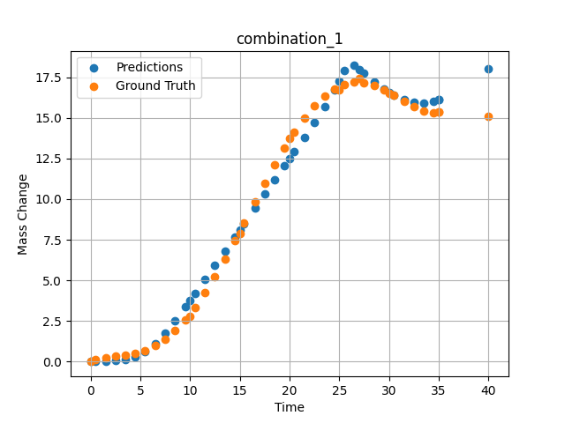
1000 | 0 | 25 | 25 | 25 | 25 | 0 | 0 | 0 | 40 | 15.11627907 | 18.014671326
1000 | 0 | 25 | 25 | 25 | 25 | 0 | 0 | 0 | 0.49049 | 0.11352 | 0.032166454941
1000 | 0 | 25 | 25 | 25 | 25 | 0 | 0 | 0 | 1.50651 | 0.25315 | 0.046784885228
1000 | 0 | 25 | 25 | 25 | 25 | 0 | 0 | 0 | 2.50176 | 0.3291 | 0.075991414487
1000 | 0 | 25 | 25 | 25 | 25 | 0 | 0 | 0 | 3.5035 | 0.40052 | 0.14358451962
1000 | 0 | 25 | 25 | 25 | 25 | 0 | 0 | 0 | 4.502 | 0.51111 | 0.30785471201
1000 | 0 | 25 | 25 | 25 | 25 | 0 | 0 | 0 | 5.48382 | 0.69263 | 0.61395156384
1000 | 0 | 25 | 25 | 25 | 25 | 0 | 0 | 0 | 6.499 | 0.98012 | 1.1158336401
1000 | 0 | 25 | 25 | 25 | 25 | 0 | 0 | 0 | 7.4975 | 1.38086 | 1.7742507458
1000 | 0 | 25 | 25 | 25 | 25 | 0 | 0 | 0 | 8.47889 | 1.89642 | 2.5263204575
1000 | 0 | 25 | 25 | 25 | 25 | 0 | 0 | 0 | 9.49449 | 2.55961 | 3.3626179695
1000 | 0 | 25 | 25 | 25 | 25 | 0 | 0 | 0 | 10.47599 | 3.32187 | 4.1971592903
1000 | 0 | 25 | 25 | 25 | 25 | 0 | 0 | 0 | 11.49149 | 4.22659 | 5.0725688934
1000 | 0 | 25 | 25 | 25 | 25 | 0 | 0 | 0 | 12.49059 | 5.21784 | 5.9389309883
1000 | 0 | 25 | 25 | 25 | 25 | 0 | 0 | 0 | 13.50601 | 6.30862 | 6.8216576576
1000 | 0 | 25 | 25 | 25 | 25 | 0 | 0 | 0 | 14.5045 | 7.44295 | 7.6906757355
1000 | 0 | 25 | 25 | 25 | 25 | 0 | 0 | 0 | 15.41562 | 8.51065 | 8.4841480255
1000 | 0 | 25 | 25 | 25 | 25 | 0 | 0 | 0 | 16.55405 | 9.85967 | 9.4762096405
1000 | 0 | 25 | 25 | 25 | 25 | 0 | 0 | 0 | 17.5 | 10.96697 | 10.301243782
1000 | 0 | 25 | 25 | 25 | 25 | 0 | 0 | 0 | 18.4985 | 12.0966 | 11.173314095
1000 | 0 | 25 | 25 | 25 | 25 | 0 | 0 | 0 | 19.497 | 13.16175 | 12.047571182
1000 | 0 | 25 | 25 | 25 | 25 | 0 | 0 | 0 | 20.47898 | 14.12223 | 12.911440849
1000 | 0 | 25 | 25 | 25 | 25 | 0 | 0 | 0 | 21.49399 | 15.00453 | 13.812745094
1000 | 0 | 25 | 25 | 25 | 25 | 0 | 0 | 0 | 22.49249 | 15.74206 | 14.716659546
1000 | 0 | 25 | 25 | 25 | 25 | 0 | 0 | 0 | 23.50851 | 16.34597 | 15.675095558
1000 | 0 | 25 | 25 | 25 | 25 | 0 | 0 | 0 | 24.50701 | 16.7853 | 16.704706192
1000 | 0 | 25 | 25 | 25 | 25 | 0 | 0 | 0 | 25.48866 | 17.0618 | 17.921251297
1000 | 0 | 25 | 25 | 25 | 25 | 0 | 0 | 0 | 26.504 | 17.1902 | 18.220672607
1000 | 0 | 25 | 25 | 25 | 25 | 0 | 0 | 0 | 27.48575 | 17.1666 | 17.739513397
1000 | 0 | 25 | 25 | 25 | 25 | 0 | 0 | 0 | 28.501 | 17.00867 | 17.216592789
1000 | 0 | 25 | 25 | 25 | 25 | 0 | 0 | 0 | 29.4995 | 16.74283 | 16.764629364
1000 | 0 | 25 | 25 | 25 | 25 | 0 | 0 | 0 | 30.48083 | 16.40843 | 16.397386551
1000 | 0 | 25 | 25 | 25 | 25 | 0 | 0 | 0 | 31.50901 | 16.02486 | 16.109169006
1000 | 0 | 25 | 25 | 25 | 25 | 0 | 0 | 0 | 32.49499 | 15.67865 | 15.942862511
1000 | 0 | 25 | 25 | 25 | 25 | 0 | 0 | 0 | 33.49349 | 15.41555 | 15.904708862
1000 | 0 | 25 | 25 | 25 | 25 | 0 | 0 | 0 | 34.49199 | 15.31626 | 16.020309448
1000 | 0 | 25 | 25 | 25 | 25 | 0 | 0 | 0 | 35 | 15.34548 | 16.145740509

combination_2
1000.0, 20.0, 20.0, 0.0, 20.0, 20.0, 20.0, 0.0
Temperature [C] | Zr [at%] | Nb [at%] | Mo [at%] | Cr [at%] | Al [at%] | Ti [at%] | Ta [at%] | W [at%] | Time [h] | Mass Change [mg.cm2] | Mass change - predictions
1000 | 0 | 20 | 20 | 20 | 20 | 20 | 0 | 0 | 50 | 11.395348837 | 10.445672989
1000 | 0 | 20 | 20 | 20 | 20 | 20 | 0 | 0 | 40 | 8.1395348837 | 8.6648817062
1000 | 0 | 20 | 20 | 20 | 20 | 20 | 0 | 0 | 35 | 6.976744186 | 7.4022979736
1000 | 0 | 20 | 20 | 20 | 20 | 20 | 0 | 0 | 30 | 5.5813953488 | 5.8749928474
1000 | 0 | 20 | 20 | 20 | 20 | 20 | 0 | 0 | 25 | 4.4186046512 | 4.4940357208
1000 | 0 | 20 | 20 | 20 | 20 | 20 | 0 | 0 | 20 | 3.2558139535 | 3.2406046391
1000 | 0 | 20 | 20 | 20 | 20 | 20 | 0 | 0 | 15 | 2.6046511628 | 2.0139989853
1000 | 0 | 20 | 20 | 20 | 20 | 20 | 0 | 0 | 10 | 1.8604651163 | 0.60148233175
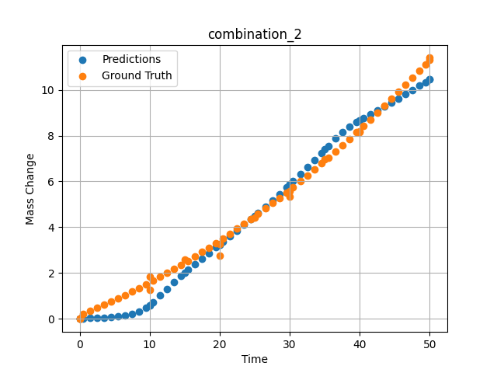
1000 | 0 | 20 | 20 | 20 | 20 | 20 | 0 | 0 | 0 | 0 | 0.024413280189
1000 | 0 | 20 | 20 | 20 | 20 | 20 | 0 | 0 | 0 | 0 | 0.024413280189
1000 | 0 | 20 | 20 | 20 | 20 | 20 | 0 | 0 | 10 | 1.2533333333 | 0.60148453712
1000 | 0 | 20 | 20 | 20 | 20 | 20 | 0 | 0 | 20 | 2.7466666667 | 3.2406046391
1000 | 0 | 20 | 20 | 20 | 20 | 20 | 0 | 0 | 30 | 5.3333333333 | 5.8749928474
1000 | 0 | 20 | 20 | 20 | 20 | 20 | 0 | 0 | 40 | 8.1866666667 | 8.6648817062
1000 | 0 | 20 | 20 | 20 | 20 | 20 | 0 | 0 | 0 | 0 | 0.024413257837
1000 | 0 | 20 | 20 | 20 | 20 | 20 | 0 | 0 | 0.49787 | 0.22717 | 0.026780582964
1000 | 0 | 20 | 20 | 20 | 20 | 20 | 0 | 0 | 1.47648 | 0.35069 | 0.032982774079
1000 | 0 | 20 | 20 | 20 | 20 | 20 | 0 | 0 | 2.47748 | 0.48101 | 0.042400445789
1000 | 0 | 20 | 20 | 20 | 20 | 20 | 0 | 0 | 3.47848 | 0.61536 | 0.056597881019
1000 | 0 | 20 | 20 | 20 | 20 | 20 | 0 | 0 | 4.47948 | 0.75375 | 0.077939540148
1000 | 0 | 20 | 20 | 20 | 20 | 20 | 0 | 0 | 5.48048 | 0.89617 | 0.10928893834
1000 | 0 | 20 | 20 | 20 | 20 | 20 | 0 | 0 | 6.48148 | 1.04262 | 0.15363906324
1000 | 0 | 20 | 20 | 20 | 20 | 20 | 0 | 0 | 7.48248 | 1.19311 | 0.21572236717
1000 | 0 | 20 | 20 | 20 | 20 | 20 | 0 | 0 | 8.48348 | 1.34763 | 0.31173622608
1000 | 0 | 20 | 20 | 20 | 20 | 20 | 0 | 0 | 9.48448 | 1.50619 | 0.47995135188
1000 | 0 | 20 | 20 | 20 | 20 | 20 | 0 | 0 | 10.46237 | 1.66499 | 0.72368568182
1000 | 0 | 20 | 20 | 20 | 20 | 20 | 0 | 0 | 11.48649 | 1.8354 | 1.0200510025
1000 | 0 | 20 | 20 | 20 | 20 | 20 | 0 | 0 | 12.48749 | 2.00606 | 1.3179124594
1000 | 0 | 20 | 20 | 20 | 20 | 20 | 0 | 0 | 13.48849 | 2.18075 | 1.6061197519
1000 | 0 | 20 | 20 | 20 | 20 | 20 | 0 | 0 | 14.48949 | 2.35947 | 1.8797314167
1000 | 0 | 20 | 20 | 20 | 20 | 20 | 0 | 0 | 15.46713 | 2.53794 | 2.1342227459
1000 | 0 | 20 | 20 | 20 | 20 | 20 | 0 | 0 | 16.49149 | 2.72902 | 2.3909518719
1000 | 0 | 20 | 20 | 20 | 20 | 20 | 0 | 0 | 17.49249 | 2.91985 | 2.6356685162
1000 | 0 | 20 | 20 | 20 | 20 | 20 | 0 | 0 | 18.49349 | 3.11471 | 2.8773739338
1000 | 0 | 20 | 20 | 20 | 20 | 20 | 0 | 0 | 19.49449 | 3.3136 | 3.1184873581
1000 | 0 | 20 | 20 | 20 | 20 | 20 | 0 | 0 | 20.4719 | 3.51171 | 3.3550393581
1000 | 0 | 20 | 20 | 20 | 20 | 20 | 0 | 0 | 21.4965 | 3.72349 | 3.6055805683
1000 | 0 | 20 | 20 | 20 | 20 | 20 | 0 | 0 | 22.4975 | 3.93448 | 3.8538532257
1000 | 0 | 20 | 20 | 20 | 20 | 20 | 0 | 0 | 23.4985 | 4.14951 | 4.1063389778
1000 | 0 | 20 | 20 | 20 | 20 | 20 | 0 | 0 | 24.4995 | 4.36857 | 4.363535881
1000 | 0 | 20 | 20 | 20 | 20 | 20 | 0 | 0 | 25.47667 | 4.58632 | 4.6195478439
1000 | 0 | 20 | 20 | 20 | 20 | 20 | 0 | 0 | 26.5015 | 4.81879 | 4.8936252594
1000 | 0 | 20 | 20 | 20 | 20 | 20 | 0 | 0 | 27.5025 | 5.04996 | 5.16705513
1000 | 0 | 20 | 20 | 20 | 20 | 20 | 0 | 0 | 28.5035 | 5.28515 | 5.4463319778
1000 | 0 | 20 | 20 | 20 | 20 | 20 | 0 | 0 | 29.5045 | 5.52438 | 5.7315878868
1000 | 0 | 20 | 20 | 20 | 20 | 20 | 0 | 0 | 30.48143 | 5.76176 | 6.0157599449
1000 | 0 | 20 | 20 | 20 | 20 | 20 | 0 | 0 | 31.50651 | 6.01494 | 6.3201217651
1000 | 0 | 20 | 20 | 20 | 20 | 20 | 0 | 0 | 32.50751 | 6.26627 | 6.6232933998
1000 | 0 | 20 | 20 | 20 | 20 | 20 | 0 | 0 | 33.50851 | 6.52164 | 6.9321937561
1000 | 0 | 20 | 20 | 20 | 20 | 20 | 0 | 0 | 34.50951 | 6.78104 | 7.2464823723
1000 | 0 | 20 | 20 | 20 | 20 | 20 | 0 | 0 | 35.4862 | 7.03804 | 7.557864666
1000 | 0 | 20 | 20 | 20 | 20 | 20 | 0 | 0 | 36.51151 | 7.31193 | 7.8709225655
1000 | 0 | 20 | 20 | 20 | 20 | 20 | 0 | 0 | 37.51251 | 7.58343 | 8.1407527924
1000 | 0 | 20 | 20 | 20 | 20 | 20 | 0 | 0 | 38.51351 | 7.85896 | 8.376411438
1000 | 0 | 20 | 20 | 20 | 20 | 20 | 0 | 0 | 39.51451 | 8.13853 | 8.5787086487
1000 | 0 | 20 | 20 | 20 | 20 | 20 | 0 | 0 | 40.49097 | 8.41514 | 8.7481632233
1000 | 0 | 20 | 20 | 20 | 20 | 20 | 0 | 0 | 41.51652 | 8.70977 | 8.9214782715
1000 | 0 | 20 | 20 | 20 | 20 | 20 | 0 | 0 | 42.51752 | 9.00143 | 9.0911188126
1000 | 0 | 20 | 20 | 20 | 20 | 20 | 0 | 0 | 43.51852 | 9.29713 | 9.2626285553
1000 | 0 | 20 | 20 | 20 | 20 | 20 | 0 | 0 | 44.51952 | 9.59687 | 9.4373035431
1000 | 0 | 20 | 20 | 20 | 20 | 20 | 0 | 0 | 45.52052 | 9.90064 | 9.61632061
1000 | 0 | 20 | 20 | 20 | 20 | 20 | 0 | 0 | 46.52152 | 10.20844 | 9.800743103
1000 | 0 | 20 | 20 | 20 | 20 | 20 | 0 | 0 | 47.52252 | 10.52028 | 9.9914703369
1000 | 0 | 20 | 20 | 20 | 20 | 20 | 0 | 0 | 48.52352 | 10.83615 | 10.180814743
1000 | 0 | 20 | 20 | 20 | 20 | 20 | 0 | 0 | 49.34935 | 11.09968 | 10.330991745
1000 | 0 | 20 | 20 | 20 | 20 | 20 | 0 | 0 | 50 | 11.30925 | 10.445670128

combination_3
1200.0, 19.5, 0.0, 20.1, 20.4, 19.8, 20.2, 0.0
Temperature [C] | Zr [at%] | Nb [at%] | Mo [at%] | Cr [at%] | Al [at%] | Ti [at%] | Ta [at%] | W [at%] | Time [h] | Mass Change [mg.cm2] | Mass change - predictions
1200 | 0 | 0 | 19.5 | 19.8 | 20.2 | 20.4 | 20.1 | 0 | 0 | 0 | 0.48484373093
1200 | 0 | 0 | 19.5 | 19.8 | 20.2 | 20.4 | 20.1 | 0 | 5 | 2.5454545455 | 1.3656619787
1200 | 0 | 0 | 19.5 | 19.8 | 20.2 | 20.4 | 20.1 | 0 | 10 | 3.5151515152 | 2.6694872379
1200 | 0 | 0 | 19.5 | 19.8 | 20.2 | 20.4 | 20.1 | 0 | 15 | 4.2424242424 | 3.9669840336
1200 | 0 | 0 | 19.5 | 19.8 | 20.2 | 20.4 | 20.1 | 0 | 20 | 4.8484848485 | 4.4341444969
1200 | 0 | 0 | 19.5 | 19.8 | 20.2 | 20.4 | 20.1 | 0 | 24 | 5.2727272727 | 4.6522116661
1200 | 0 | 0 | 19.5 | 19.8 | 20.2 | 20.4 | 20.1 | 0 | 0 | 0 | 0.48484373093
1200 | 0 | 0 | 19.5 | 19.8 | 20.2 | 20.4 | 20.1 | 0 | 5 | 2.5 | 1.3656619787
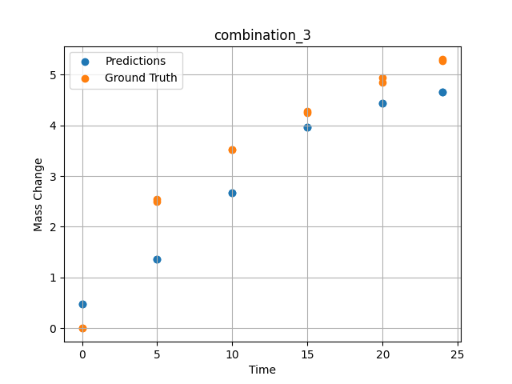
1200 | 0 | 0 | 19.5 | 19.8 | 20.2 | 20.4 | 20.1 | 0 | 10 | 3.5227272727 | 2.6694872379
1200 | 0 | 0 | 19.5 | 19.8 | 20.2 | 20.4 | 20.1 | 0 | 15 | 4.2727272727 | 3.9669840336
1200 | 0 | 0 | 19.5 | 19.8 | 20.2 | 20.4 | 20.1 | 0 | 20 | 4.9318181818 | 4.4341444969
1200 | 0 | 0 | 19.5 | 19.8 | 20.2 | 20.4 | 20.1 | 0 | 24 | 5.2954545455 | 4.6522116661

combination_4
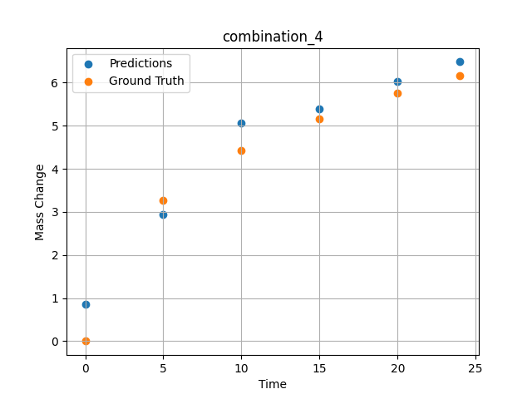
1200.0, 22.4, 0.0, 22.6, 10.1, 22.6, 22.3, 0.0
Temperature [C] | Zr [at%] | Nb [at%] | Mo [at%] | Cr [at%] | Al [at%] | Ti [at%] | Ta [at%] | W [at%] | Time [h] | Mass Change [mg.cm2] | Mass change - predictions
1200 | 0 | 0 | 22.4 | 22.6 | 22.3 | 10.1 | 22.6 | 0 | 0 | 0 | 0.85252517462
1200 | 0 | 0 | 22.4 | 22.6 | 22.3 | 10.1 | 22.6 | 0 | 5 | 3.2727272727 | 2.9464533329
1200 | 0 | 0 | 22.4 | 22.6 | 22.3 | 10.1 | 22.6 | 0 | 10 | 4.4242424242 | 5.0617804527
1200 | 0 | 0 | 22.4 | 22.6 | 22.3 | 10.1 | 22.6 | 0 | 15 | 5.1515151515 | 5.3815188408
1200 | 0 | 0 | 22.4 | 22.6 | 22.3 | 10.1 | 22.6 | 0 | 20 | 5.7575757576 | 6.0207901001
1200 | 0 | 0 | 22.4 | 22.6 | 22.3 | 10.1 | 22.6 | 0 | 24 | 6.1575757576 | 6.4817557335

combination_5
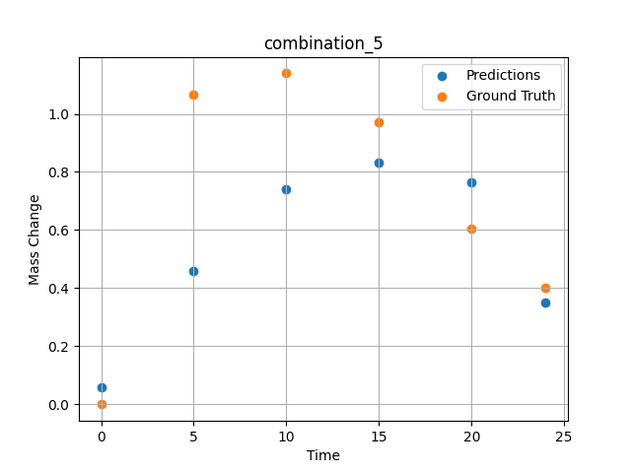
1200.0, 25.3, 0.0, 24.9, 0.0, 24.8, 25.0, 0.0
Temperature [C] | Zr [at%] | Nb [at%] | Mo [at%] | Cr [at%] | Al [at%] | Ti [at%] | Ta [at%] | W [at%] | Time [h] | Mass Change [mg.cm2] | Mass change - predictions
1200 | 0 | 0 | 25.3 | 24.8 | 25 | 0 | 24.9 | 0 | 0 | 0 | 0.060159843415
1200 | 0 | 0 | 25.3 | 24.8 | 25 | 0 | 24.9 | 0 | 5 | 1.0666666667 | 0.45906549692
1200 | 0 | 0 | 25.3 | 24.8 | 25 | 0 | 24.9 | 0 | 10 | 1.1393939394 | 0.74192339182
1200 | 0 | 0 | 25.3 | 24.8 | 25 | 0 | 24.9 | 0 | 15 | 0.9696969697 | 0.83236974478
1200 | 0 | 0 | 25.3 | 24.8 | 25 | 0 | 24.9 | 0 | 20 | 0.60606060606 | 0.76304996014
1200 | 0 | 0 | 25.3 | 24.8 | 25 | 0 | 24.9 | 0 | 24 | 0.4 | 0.35146784782

combination_6
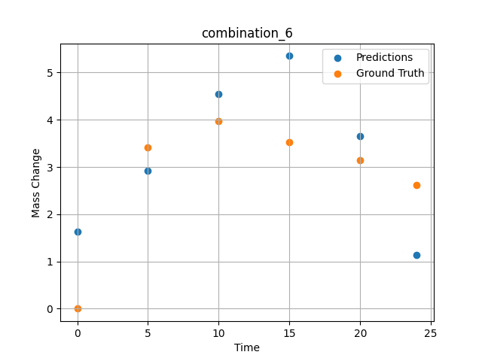
1200.0, 23.5, 0.0, 5.1, 23.7, 23.8, 23.9, 0.0
Temperature [C] | Zr [at%] | Nb [at%] | Mo [at%] | Cr [at%] | Al [at%] | Ti [at%] | Ta [at%] | W [at%] | Time [h] | Mass Change [mg.cm2] | Mass change - predictions
1200 | 0 | 0 | 23.5 | 23.8 | 23.9 | 23.7 | 5.1 | 0 | 0 | 0 | 1.6262706518
1200 | 0 | 0 | 23.5 | 23.8 | 23.9 | 23.7 | 5.1 | 0 | 5 | 3.4090909091 | 2.9140205383
1200 | 0 | 0 | 23.5 | 23.8 | 23.9 | 23.7 | 5.1 | 0 | 10 | 3.9772727273 | 4.54992342
1200 | 0 | 0 | 23.5 | 23.8 | 23.9 | 23.7 | 5.1 | 0 | 15 | 3.5227272727 | 5.3516821861
1200 | 0 | 0 | 23.5 | 23.8 | 23.9 | 23.7 | 5.1 | 0 | 20 | 3.1363636364 | 3.6551485062
1200 | 0 | 0 | 23.5 | 23.8 | 23.9 | 23.7 | 5.1 | 0 | 24 | 2.6136363636 | 1.1394737959

combination_7
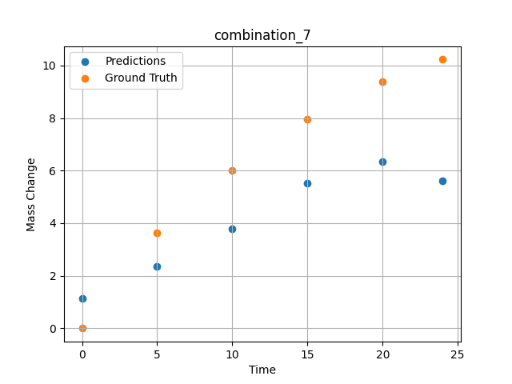
1200.0, 22.3, 0.0, 10.2, 22.7, 22.4, 22.4, 0.0
Temperature [C] | Zr [at%] | Nb [at%] | Mo [at%] | Cr [at%] | Al [at%] | Ti [at%] | Ta [at%] | W [at%] | Time [h] | Mass Change [mg.cm2] | Mass change - predictions
1200 | 0 | 0 | 22.3 | 22.4 | 22.4 | 22.7 | 10.2 | 0 | 0 | 0 | 1.1501816511
1200 | 0 | 0 | 22.3 | 22.4 | 22.4 | 22.7 | 10.2 | 0 | 5 | 3.6363636364 | 2.3585650921
1200 | 0 | 0 | 22.3 | 22.4 | 22.4 | 22.7 | 10.2 | 0 | 10 | 6.0227272727 | 3.7850022316
1200 | 0 | 0 | 22.3 | 22.4 | 22.4 | 22.7 | 10.2 | 0 | 15 | 7.9545454545 | 5.5087389946
1200 | 0 | 0 | 22.3 | 22.4 | 22.4 | 22.7 | 10.2 | 0 | 20 | 9.3863636364 | 6.3582620621
1200 | 0 | 0 | 22.3 | 22.4 | 22.4 | 22.7 | 10.2 | 0 | 24 | 10.227272727 | 5.6191391945

combination_8
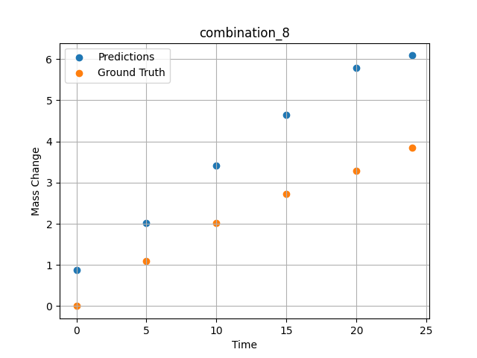
1200.0, 21.4, 0.0, 14.8, 21.1, 21.3, 21.4, 0.0
Temperature [C] | Zr [at%] | Nb [at%] | Mo [at%] | Cr [at%] | Al [at%] | Ti [at%] | Ta [at%] | W [at%] | Time [h] | Mass Change [mg.cm2] | Mass change - predictions
1200 | 0 | 0 | 21.4 | 21.3 | 21.4 | 21.1 | 14.8 | 0 | 0 | 0 | 0.87170165777
1200 | 0 | 0 | 21.4 | 21.3 | 21.4 | 21.1 | 14.8 | 0 | 5 | 1.0909090909 | 2.01146245
1200 | 0 | 0 | 21.4 | 21.3 | 21.4 | 21.1 | 14.8 | 0 | 10 | 2.0227272727 | 3.4212901592
1200 | 0 | 0 | 21.4 | 21.3 | 21.4 | 21.1 | 14.8 | 0 | 15 | 2.7272727273 | 4.6545510292
1200 | 0 | 0 | 21.4 | 21.3 | 21.4 | 21.1 | 14.8 | 0 | 20 | 3.2954545455 | 5.7957878113
1200 | 0 | 0 | 21.4 | 21.3 | 21.4 | 21.1 | 14.8 | 0 | 24 | 3.8409090909 | 6.0880923271

combination_9
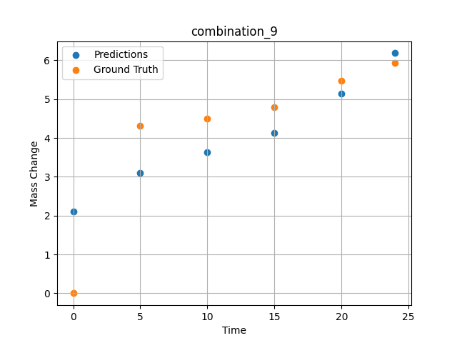
1200.0, 23.7, 0.0, 23.7, 23.8, 23.8, 5.0, 0.0
Temperature [C] | Zr [at%] | Nb [at%] | Mo [at%] | Cr [at%] | Al [at%] | Ti [at%] | Ta [at%] | W [at%] | Time [h] | Mass Change [mg.cm2] | Mass change - predictions
1200 | 0 | 0 | 23.7 | 23.8 | 5 | 23.8 | 23.7 | 0 | 0 | 0 | 2.1140327454
1200 | 0 | 0 | 23.7 | 23.8 | 5 | 23.8 | 23.7 | 0 | 5 | 4.3090909091 | 3.0947623253
1200 | 0 | 0 | 23.7 | 23.8 | 5 | 23.8 | 23.7 | 0 | 10 | 4.5054545455 | 3.6295568943
1200 | 0 | 0 | 23.7 | 23.8 | 5 | 23.8 | 23.7 | 0 | 15 | 4.7890909091 | 4.1317234039
1200 | 0 | 0 | 23.7 | 23.8 | 5 | 23.8 | 23.7 | 0 | 20 | 5.4654545455 | 5.1434192657
1200 | 0 | 0 | 23.7 | 23.8 | 5 | 23.8 | 23.7 | 0 | 24 | 5.9345454545 | 6.1839795113

combination_10
1200.0, 22.5, 0.0, 22.5, 22.5, 22.5, 10.0, 0.0
Temperature [C] | Zr [at%] | Nb [at%] | Mo [at%] | Cr [at%] | Al [at%] | Ti [at%] | Ta [at%] | W [at%] | Time [h] | Mass Change [mg.cm2] | Mass change - predictions
1200 | 0 | 0 | 22.5 | 22.5 | 10 | 22.5 | 22.5 | 0 | 0 | 0 | 1.5572582483
1200 | 0 | 0 | 22.5 | 22.5 | 10 | 22.5 | 22.5 | 0 | 5 | 2.3781818182 | 2.7833964825
1200 | 0 | 0 | 22.5 | 22.5 | 10 | 22.5 | 22.5 | 0 | 10 | 3.0981818182 | 3.7631137371
1200 | 0 | 0 | 22.5 | 22.5 | 10 | 22.5 | 22.5 | 0 | 15 | 3.48 | 4.1205515862
1200 | 0 | 0 | 22.5 | 22.5 | 10 | 22.5 | 22.5 | 0 | 20 | 4.0909090909 | 4.8299255371
1200 | 0 | 0 | 22.5 | 22.5 | 10 | 22.5 | 22.5 | 0 | 24 | 4.68 | 5.5524935722
1200 | 0 | 0 | 22.5 | 22.5 | 10 | 22.5 | 22.5 | 0 | 0 | 0 | 1.5572582483
1200 | 0 | 0 | 22.5 | 22.5 | 10 | 22.5 | 22.5 | 0 | 0.49077 | 0.78063 | 1.6739284992
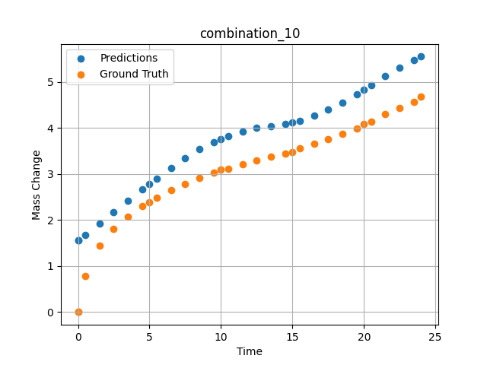
1200 | 0 | 0 | 22.5 | 22.5 | 10 | 22.5 | 22.5 | 0 | 1.49172 | 1.44748 | 1.9174305201
1200 | 0 | 0 | 22.5 | 22.5 | 10 | 22.5 | 22.5 | 0 | 2.49281 | 1.80541 | 2.1655080318
1200 | 0 | 0 | 22.5 | 22.5 | 10 | 22.5 | 22.5 | 0 | 3.49402 | 2.06956 | 2.4146640301
1200 | 0 | 0 | 22.5 | 22.5 | 10 | 22.5 | 22.5 | 0 | 4.4952 | 2.31087 | 2.661241293
1200 | 0 | 0 | 22.5 | 22.5 | 10 | 22.5 | 22.5 | 0 | 5.49645 | 2.48841 | 2.9014394283
1200 | 0 | 0 | 22.5 | 22.5 | 10 | 22.5 | 22.5 | 0 | 6.49787 | 2.65793 | 3.1310048103
1200 | 0 | 0 | 22.5 | 22.5 | 10 | 22.5 | 22.5 | 0 | 7.49956 | 2.78535 | 3.344897747
1200 | 0 | 0 | 22.5 | 22.5 | 10 | 22.5 | 22.5 | 0 | 8.50125 | 2.90731 | 3.5366778374
1200 | 0 | 0 | 22.5 | 22.5 | 10 | 22.5 | 22.5 | 0 | 9.50311 | 3.02433 | 3.6978991032
1200 | 0 | 0 | 22.5 | 22.5 | 10 | 22.5 | 22.5 | 0 | 10.50501 | 3.11618 | 3.8231668472
1200 | 0 | 0 | 22.5 | 22.5 | 10 | 22.5 | 22.5 | 0 | 11.50721 | 3.20469 | 3.9302563667
1200 | 0 | 0 | 22.5 | 22.5 | 10 | 22.5 | 22.5 | 0 | 12.49975 | 3.29282 | 4.0070786476
1200 | 0 | 0 | 22.5 | 22.5 | 10 | 22.5 | 22.5 | 0 | 13.4923 | 3.37455 | 4.0448346138
1200 | 0 | 0 | 22.5 | 22.5 | 10 | 22.5 | 22.5 | 0 | 14.49455 | 3.44501 | 4.0867533684
1200 | 0 | 0 | 22.5 | 22.5 | 10 | 22.5 | 22.5 | 0 | 15.49708 | 3.552 | 4.1620211601
1200 | 0 | 0 | 22.5 | 22.5 | 10 | 22.5 | 22.5 | 0 | 16.49956 | 3.65536 | 4.2681236267
1200 | 0 | 0 | 22.5 | 22.5 | 10 | 22.5 | 22.5 | 0 | 17.50221 | 3.7515 | 4.4009804726
1200 | 0 | 0 | 22.5 | 22.5 | 10 | 22.5 | 22.5 | 0 | 18.5051 | 3.87105 | 4.5574612617
1200 | 0 | 0 | 22.5 | 22.5 | 10 | 22.5 | 22.5 | 0 | 19.50793 | 3.99229 | 4.7352952957
1200 | 0 | 0 | 22.5 | 22.5 | 10 | 22.5 | 22.5 | 0 | 20.50125 | 4.1354 | 4.9312171936
1200 | 0 | 0 | 22.5 | 22.5 | 10 | 22.5 | 22.5 | 0 | 21.49483 | 4.29738 | 5.1374115944
1200 | 0 | 0 | 22.5 | 22.5 | 10 | 22.5 | 22.5 | 0 | 22.49819 | 4.43636 | 5.3166532516
1200 | 0 | 0 | 22.5 | 22.5 | 10 | 22.5 | 22.5 | 0 | 23.49208 | 4.57312 | 5.4741892815

combination_11
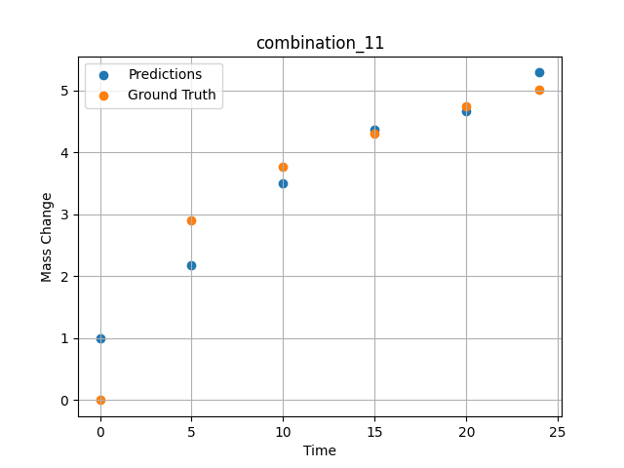
1200.0, 21.25, 0.0, 21.25, 21.25, 21.25, 15.0, 0.0
Temperature [C] | Zr [at%] | Nb [at%] | Mo [at%] | Cr [at%] | Al [at%] | Ti [at%] | Ta [at%] | W [at%] | Time [h] | Mass Change [mg.cm2] | Mass change - predictions
1200 | 0 | 0 | 21.25 | 21.25 | 15 | 21.25 | 21.25 | 0 | 0 | 0 | 0.99340611696
1200 | 0 | 0 | 21.25 | 21.25 | 15 | 21.25 | 21.25 | 0 | 5 | 2.9018181818 | 2.1862080097
1200 | 0 | 0 | 21.25 | 21.25 | 15 | 21.25 | 21.25 | 0 | 10 | 3.7745454545 | 3.4978995323
1200 | 0 | 0 | 21.25 | 21.25 | 15 | 21.25 | 21.25 | 0 | 15 | 4.3090909091 | 4.3670520782
1200 | 0 | 0 | 21.25 | 21.25 | 15 | 21.25 | 21.25 | 0 | 20 | 4.7454545455 | 4.6685347557
1200 | 0 | 0 | 21.25 | 21.25 | 15 | 21.25 | 21.25 | 0 | 24 | 5.0072727273 | 5.2910275459

combination_12
1200.0, 20.0, 0.0, 20.0, 20.0, 20.0, 20.0, 0.0
Temperature [C] | Zr [at%] | Nb [at%] | Mo [at%] | Cr [at%] | Al [at%] | Ti [at%] | Ta [at%] | W [at%] | Time [h] | Mass Change [mg.cm2] | Mass change - predictions
1200 | 0 | 0 | 20 | 20 | 20 | 20 | 20 | 0 | 0 | 0 | 0.60182249546
1200 | 0 | 0 | 20 | 20 | 20 | 20 | 20 | 0 | 5 | 2.5636363636 | 1.5271115303
1200 | 0 | 0 | 20 | 20 | 20 | 20 | 20 | 0 | 10 | 3.5563636364 | 2.8745508194
1200 | 0 | 0 | 20 | 20 | 20 | 20 | 20 | 0 | 15 | 4.3090909091 | 4.2041883469
1200 | 0 | 0 | 20 | 20 | 20 | 20 | 20 | 0 | 20 | 4.9090909091 | 4.7061667442
1200 | 0 | 0 | 20 | 20 | 20 | 20 | 20 | 0 | 24 | 5.3127272727 | 4.8297309875
1200 | 0 | 0 | 20 | 20 | 20 | 20 | 20 | 0 | 0 | 0 | 0.60182249546
1200 | 0 | 0 | 20 | 20 | 20 | 20 | 20 | 0 | 0.49082 | 0.71629 | 0.63584858179
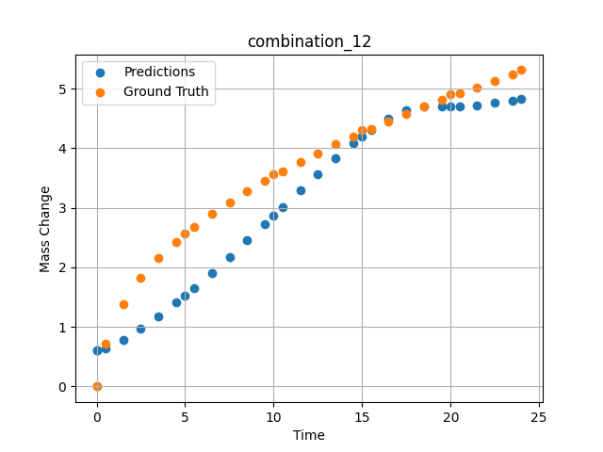
1200 | 0 | 0 | 20 | 20 | 20 | 20 | 20 | 0 | 1.49163 | 1.38441 | 0.78180968761
1200 | 0 | 0 | 20 | 20 | 20 | 20 | 20 | 0 | 2.49268 | 1.82409 | 0.96840047836
1200 | 0 | 0 | 20 | 20 | 20 | 20 | 20 | 0 | 3.49411 | 2.16264 | 1.1772735119
1200 | 0 | 0 | 20 | 20 | 20 | 20 | 20 | 0 | 4.49594 | 2.43164 | 1.4057052135
1200 | 0 | 0 | 20 | 20 | 20 | 20 | 20 | 0 | 5.4981 | 2.67331 | 1.6508303881
1200 | 0 | 0 | 20 | 20 | 20 | 20 | 20 | 0 | 6.50068 | 2.89296 | 1.9095515013
1200 | 0 | 0 | 20 | 20 | 20 | 20 | 20 | 0 | 7.50329 | 3.09115 | 2.1786944866
1200 | 0 | 0 | 20 | 20 | 20 | 20 | 20 | 0 | 8.50608 | 3.27802 | 2.4552466869
1200 | 0 | 0 | 20 | 20 | 20 | 20 | 20 | 0 | 9.49939 | 3.4518 | 2.7335431576
1200 | 0 | 0 | 20 | 20 | 20 | 20 | 20 | 0 | 10.4927 | 3.61285 | 3.013348341
1200 | 0 | 0 | 20 | 20 | 20 | 20 | 20 | 0 | 11.49578 | 3.77185 | 3.2944095135
1200 | 0 | 0 | 20 | 20 | 20 | 20 | 20 | 0 | 12.49916 | 3.91739 | 3.5705456734
1200 | 0 | 0 | 20 | 20 | 20 | 20 | 20 | 0 | 13.50283 | 4.06345 | 3.8373308182
1200 | 0 | 0 | 20 | 20 | 20 | 20 | 20 | 0 | 14.50662 | 4.19848 | 4.088737011
1200 | 0 | 0 | 20 | 20 | 20 | 20 | 20 | 0 | 15.50099 | 4.32824 | 4.3142428398
1200 | 0 | 0 | 20 | 20 | 20 | 20 | 20 | 0 | 16.49547 | 4.45466 | 4.5045208931
1200 | 0 | 0 | 20 | 20 | 20 | 20 | 20 | 0 | 17.49982 | 4.57472 | 4.6440358162
1200 | 0 | 0 | 20 | 20 | 20 | 20 | 20 | 0 | 18.50429 | 4.69457 | 4.7080760002
1200 | 0 | 0 | 20 | 20 | 20 | 20 | 20 | 0 | 19.49921 | 4.81208 | 4.7088055611
1200 | 0 | 0 | 20 | 20 | 20 | 20 | 20 | 0 | 20.49437 | 4.92042 | 4.7051124573
1200 | 0 | 0 | 20 | 20 | 20 | 20 | 20 | 0 | 21.4995 | 5.02611 | 4.7223424911
1200 | 0 | 0 | 20 | 20 | 20 | 20 | 20 | 0 | 22.50475 | 5.1328 | 4.7586684227
1200 | 0 | 0 | 20 | 20 | 20 | 20 | 20 | 0 | 23.50061 | 5.23529 | 4.805150032

combination_13
1200.0, 0.0, 50.0, 0.0, 0.0, 50.0, 0.0, 0.0
Temperature [C] | Zr [at%] | Nb [at%] | Mo [at%] | Cr [at%] | Al [at%] | Ti [at%] | Ta [at%] | W [at%] | Time [h] | Mass Change [mg.cm2] | Mass change - predictions
1200 | 0 | 50 | 0 | 50 | 0 | 0 | 0 | 0 | 0 | 0 | 3.0546221733
1200 | 0 | 50 | 0 | 50 | 0 | 0 | 0 | 0 | 1 | 3.6496350365 | 3.7801485062
1200 | 0 | 50 | 0 | 50 | 0 | 0 | 0 | 0 | 8 | 8.6131386861 | 8.5978040695
1200 | 0 | 50 | 0 | 50 | 0 | 0 | 0 | 0 | 24 | 14.6 | 14.909926414
1200 | 0 | 50 | 0 | 50 | 0 | 0 | 0 | 0 | 0 | 0 | 3.0546221733
1200 | 0 | 50 | 0 | 50 | 0 | 0 | 0 | 0 | 0.49249 | 1.52361 | 3.4106249809
1200 | 0 | 50 | 0 | 50 | 0 | 0 | 0 | 0 | 1.5015 | 3.90346 | 4.1462950706
1200 | 0 | 50 | 0 | 50 | 0 | 0 | 0 | 0 | 2.4985 | 5.41279 | 4.8724365234
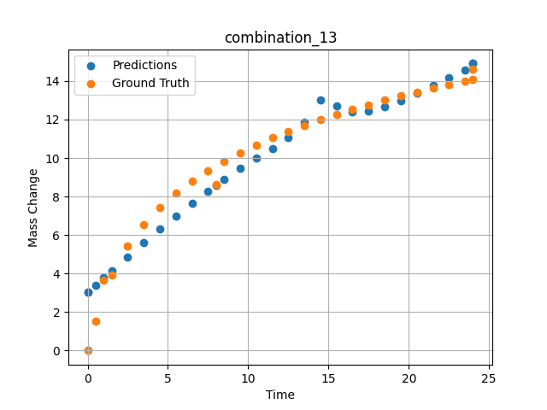
1200 | 0 | 50 | 0 | 50 | 0 | 0 | 0 | 0 | 3.4955 | 6.52981 | 5.5904994011
1200 | 0 | 50 | 0 | 50 | 0 | 0 | 0 | 0 | 4.5045 | 7.42843 | 6.303565979
1200 | 0 | 50 | 0 | 50 | 0 | 0 | 0 | 0 | 5.5015 | 8.16539 | 6.9898886681
1200 | 0 | 50 | 0 | 50 | 0 | 0 | 0 | 0 | 6.4985 | 8.79549 | 7.6532568932
1200 | 0 | 50 | 0 | 50 | 0 | 0 | 0 | 0 | 7.4955 | 9.34644 | 8.2886142731
1200 | 0 | 50 | 0 | 50 | 0 | 0 | 0 | 0 | 8.49249 | 9.83548 | 8.8908634186
1200 | 0 | 50 | 0 | 50 | 0 | 0 | 0 | 0 | 9.5015 | 10.28047 | 9.4625558853
1200 | 0 | 50 | 0 | 50 | 0 | 0 | 0 | 0 | 10.4985 | 10.67984 | 9.9902648926
1200 | 0 | 50 | 0 | 50 | 0 | 0 | 0 | 0 | 11.4955 | 11.04568 | 10.495597839
1200 | 0 | 50 | 0 | 50 | 0 | 0 | 0 | 0 | 12.5045 | 11.38726 | 11.047940254
1200 | 0 | 50 | 0 | 50 | 0 | 0 | 0 | 0 | 13.5015 | 11.70052 | 11.872701645
1200 | 0 | 50 | 0 | 50 | 0 | 0 | 0 | 0 | 14.4985 | 11.99278 | 13.040836334
1200 | 0 | 50 | 0 | 50 | 0 | 0 | 0 | 0 | 15.4955 | 12.26682 | 12.704460144
1200 | 0 | 50 | 0 | 50 | 0 | 0 | 0 | 0 | 16.49249 | 12.52465 | 12.380868912
1200 | 0 | 50 | 0 | 50 | 0 | 0 | 0 | 0 | 17.5015 | 12.77103 | 12.456363678
1200 | 0 | 50 | 0 | 50 | 0 | 0 | 0 | 0 | 18.4985 | 13.0016 | 12.661725044
1200 | 0 | 50 | 0 | 50 | 0 | 0 | 0 | 0 | 19.4955 | 13.22059 | 12.958211899
1200 | 0 | 50 | 0 | 50 | 0 | 0 | 0 | 0 | 20.5045 | 13.43163 | 13.354528427
1200 | 0 | 50 | 0 | 50 | 0 | 0 | 0 | 0 | 21.5015 | 13.63064 | 13.760378838
1200 | 0 | 50 | 0 | 50 | 0 | 0 | 0 | 0 | 22.4985 | 13.82097 | 14.166378021
1200 | 0 | 50 | 0 | 50 | 0 | 0 | 0 | 0 | 23.4955 | 14.0034 | 14.581785202
1200 | 0 | 50 | 0 | 50 | 0 | 0 | 0 | 0 | 24 | 14.09317 | 14.909926414

combination_14
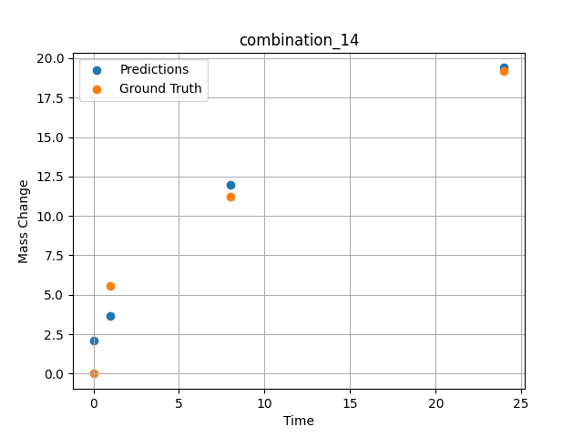
1200.0, 0.0, 33.699999999999996, 0.0, 33.9, 32.4, 0.0, 0.0
Temperature [C] | Zr [at%] | Nb [at%] | Mo [at%] | Cr [at%] | Al [at%] | Ti [at%] | Ta [at%] | W [at%] | Time [h] | Mass Change [mg.cm2] | Mass change - predictions
1200 | 0 | 33.7 | 0 | 32.4 | 0 | 33.9 | 0 | 0 | 0 | 0 | 2.1061172485
1200 | 0 | 33.7 | 0 | 32.4 | 0 | 33.9 | 0 | 0 | 1 | 5.5474452555 | 3.6317384243
1200 | 0 | 33.7 | 0 | 32.4 | 0 | 33.9 | 0 | 0 | 8 | 11.240875912 | 11.945157051
1200 | 0 | 33.7 | 0 | 32.4 | 0 | 33.9 | 0 | 0 | 24 | 19.2 | 19.398387909

combination_15
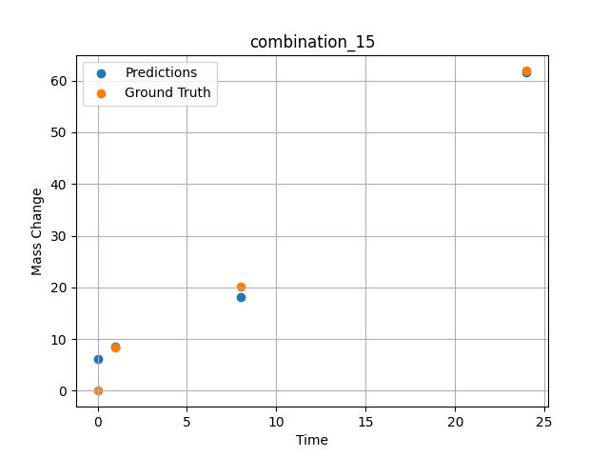
1200.0, 0.0, 26.0, 23.9, 25.6, 24.5, 0.0, 0.0
Temperature [C] | Zr [at%] | Nb [at%] | Mo [at%] | Cr [at%] | Al [at%] | Ti [at%] | Ta [at%] | W [at%] | Time [h] | Mass Change [mg.cm2] | Mass change - predictions
1200 | 0 | 26 | 0 | 24.5 | 0 | 25.6 | 23.9 | 0 | 0 | 0 | 6.1967120171
1200 | 0 | 26 | 0 | 24.5 | 0 | 25.6 | 23.9 | 0 | 1 | 8.3211678832 | 8.523680687
1200 | 0 | 26 | 0 | 24.5 | 0 | 25.6 | 23.9 | 0 | 8 | 20.145985401 | 18.070634842
1200 | 0 | 26 | 0 | 24.5 | 0 | 25.6 | 23.9 | 0 | 24 | 61.9 | 61.539546967

combination_16
1200.0, 0.0, 33.6, 34.1, 32.3, 0.0, 0.0, 0.0
Temperature [C] | Zr [at%] | Nb [at%] | Mo [at%] | Cr [at%] | Al [at%] | Ti [at%] | Ta [at%] | W [at%] | Time [h] | Mass Change [mg.cm2] | Mass change - predictions
1200 | 0 | 33.6 | 0 | 0 | 0 | 32.3 | 34.1 | 0 | 0 | 0 | 0.60162329674
1200 | 0 | 33.6 | 0 | 0 | 0 | 32.3 | 34.1 | 0 | 1 | 2.6 | 7.9865736961
1200 | 0 | 33.6 | 0 | 0 | 0 | 32.3 | 34.1 | 0 | 4 | 40.3 | 41.126319885
1200 | 0 | 33.6 | 0 | 0 | 0 | 32.3 | 34.1 | 0 | 8 | 92.248062016 | 91.362594604
1200 | 0 | 33.6 | 0 | 0 | 0 | 32.3 | 34.1 | 0 | 24 | 247.28682171 | 258.39395142
1200 | 0 | 33.6 | 0 | 0 | 0 | 32.3 | 34.1 | 0 | 48 | 293.02325581 | 462.24282837
1200 | 0 | 33.6 | 0 | 0 | 0 | 32.3 | 34.1 | 0 | 0 | 0 | 0.60162329674
1200 | 0 | 33.6 | 0 | 0 | 0 | 32.3 | 34.1 | 0 | 0.56527 | 2.00231 | 4.1398758888
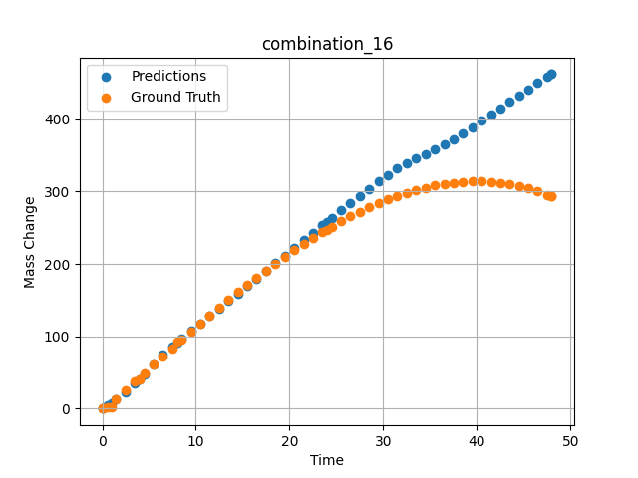
1200 | 0 | 33.6 | 0 | 0 | 0 | 32.3 | 34.1 | 0 | 1.46724 | 12.76104 | 12.313329697
1200 | 0 | 33.6 | 0 | 0 | 0 | 32.3 | 34.1 | 0 | 2.4985 | 25.04193 | 22.857727051
1200 | 0 | 33.6 | 0 | 0 | 0 | 32.3 | 34.1 | 0 | 3.50751 | 37.02166 | 34.987129211
1200 | 0 | 33.6 | 0 | 0 | 0 | 32.3 | 34.1 | 0 | 4.49304 | 48.67294 | 47.399288177
1200 | 0 | 33.6 | 0 | 0 | 0 | 32.3 | 34.1 | 0 | 5.5015 | 60.53039 | 60.748428345
1200 | 0 | 33.6 | 0 | 0 | 0 | 32.3 | 34.1 | 0 | 6.48649 | 72.03199 | 74.163238525
1200 | 0 | 33.6 | 0 | 0 | 0 | 32.3 | 34.1 | 0 | 7.4955 | 83.71838 | 85.747802734
1200 | 0 | 33.6 | 0 | 0 | 0 | 32.3 | 34.1 | 0 | 8.48157 | 95.03006 | 96.607925415
1200 | 0 | 33.6 | 0 | 0 | 0 | 32.3 | 34.1 | 0 | 9.51351 | 106.73793 | 107.49330139
1200 | 0 | 33.6 | 0 | 0 | 0 | 32.3 | 34.1 | 0 | 10.4985 | 117.7734 | 117.70710754
1200 | 0 | 33.6 | 0 | 0 | 0 | 32.3 | 34.1 | 0 | 11.48348 | 128.65641 | 127.88948059
1200 | 0 | 33.6 | 0 | 0 | 0 | 32.3 | 34.1 | 0 | 12.49249 | 139.63363 | 138.34440613
1200 | 0 | 33.6 | 0 | 0 | 0 | 32.3 | 34.1 | 0 | 13.5015 | 150.42152 | 148.85040283
1200 | 0 | 33.6 | 0 | 0 | 0 | 32.3 | 34.1 | 0 | 14.51051 | 161.00462 | 159.40393066
1200 | 0 | 33.6 | 0 | 0 | 0 | 32.3 | 34.1 | 0 | 15.4955 | 171.12427 | 169.7074585
1200 | 0 | 33.6 | 0 | 0 | 0 | 32.3 | 34.1 | 0 | 16.48048 | 181.01775 | 180.00921631
1200 | 0 | 33.6 | 0 | 0 | 0 | 32.3 | 34.1 | 0 | 17.48949 | 190.90578 | 190.56018066
1200 | 0 | 33.6 | 0 | 0 | 0 | 32.3 | 34.1 | 0 | 18.4985 | 200.52777 | 201.10714722
1200 | 0 | 33.6 | 0 | 0 | 0 | 32.3 | 34.1 | 0 | 19.50751 | 209.86822 | 211.64842224
1200 | 0 | 33.6 | 0 | 0 | 0 | 32.3 | 34.1 | 0 | 20.51652 | 218.91164 | 222.18080139
1200 | 0 | 33.6 | 0 | 0 | 0 | 32.3 | 34.1 | 0 | 21.5015 | 227.43968 | 232.44975281
1200 | 0 | 33.6 | 0 | 0 | 0 | 32.3 | 34.1 | 0 | 22.48649 | 235.65296 | 242.70010376
1200 | 0 | 33.6 | 0 | 0 | 0 | 32.3 | 34.1 | 0 | 23.4955 | 243.72904 | 253.17242432
1200 | 0 | 33.6 | 0 | 0 | 0 | 32.3 | 34.1 | 0 | 24.48157 | 251.27422 | 263.36651611
1200 | 0 | 33.6 | 0 | 0 | 0 | 32.3 | 34.1 | 0 | 25.51351 | 258.79091 | 273.97247314
1200 | 0 | 33.6 | 0 | 0 | 0 | 32.3 | 34.1 | 0 | 26.4985 | 265.58634 | 284.00927734
1200 | 0 | 33.6 | 0 | 0 | 0 | 32.3 | 34.1 | 0 | 27.48348 | 271.99328 | 293.92321777
1200 | 0 | 33.6 | 0 | 0 | 0 | 32.3 | 34.1 | 0 | 28.49249 | 278.14346 | 303.89401245
1200 | 0 | 33.6 | 0 | 0 | 0 | 32.3 | 34.1 | 0 | 29.5015 | 283.85864 | 313.59359741
1200 | 0 | 33.6 | 0 | 0 | 0 | 32.3 | 34.1 | 0 | 30.51051 | 289.12334 | 322.89840698
1200 | 0 | 33.6 | 0 | 0 | 0 | 32.3 | 34.1 | 0 | 31.4955 | 293.81519 | 331.43035889
1200 | 0 | 33.6 | 0 | 0 | 0 | 32.3 | 34.1 | 0 | 32.48048 | 298.04485 | 339.17623901
1200 | 0 | 33.6 | 0 | 0 | 0 | 32.3 | 34.1 | 0 | 33.48949 | 301.88914 | 345.93515015
1200 | 0 | 33.6 | 0 | 0 | 0 | 32.3 | 34.1 | 0 | 34.4985 | 305.22169 | 351.55935669
1200 | 0 | 33.6 | 0 | 0 | 0 | 32.3 | 34.1 | 0 | 35.50751 | 308.02703 | 357.85366821
1200 | 0 | 33.6 | 0 | 0 | 0 | 32.3 | 34.1 | 0 | 36.51652 | 310.28966 | 364.94680786
1200 | 0 | 33.6 | 0 | 0 | 0 | 32.3 | 34.1 | 0 | 37.5015 | 311.96232 | 372.43200684
1200 | 0 | 33.6 | 0 | 0 | 0 | 32.3 | 34.1 | 0 | 38.48649 | 313.08419 | 380.34500122
1200 | 0 | 33.6 | 0 | 0 | 0 | 32.3 | 34.1 | 0 | 39.4955 | 313.65412 | 388.82147217
1200 | 0 | 33.6 | 0 | 0 | 0 | 32.3 | 34.1 | 0 | 40.5045 | 313.62011 | 397.61630249
1200 | 0 | 33.6 | 0 | 0 | 0 | 32.3 | 34.1 | 0 | 41.51351 | 312.96665 | 406.49002075
1200 | 0 | 33.6 | 0 | 0 | 0 | 32.3 | 34.1 | 0 | 42.4985 | 311.71895 | 415.15402222
1200 | 0 | 33.6 | 0 | 0 | 0 | 32.3 | 34.1 | 0 | 43.48348 | 309.84673 | 423.79302979
1200 | 0 | 33.6 | 0 | 0 | 0 | 32.3 | 34.1 | 0 | 44.49249 | 307.27405 | 432.58847046
1200 | 0 | 33.6 | 0 | 0 | 0 | 32.3 | 34.1 | 0 | 45.5015 | 304.02068 | 441.29724121
1200 | 0 | 33.6 | 0 | 0 | 0 | 32.3 | 34.1 | 0 | 46.51051 | 300.07115 | 449.88363647
1200 | 0 | 33.6 | 0 | 0 | 0 | 32.3 | 34.1 | 0 | 47.4955 | 295.53213 | 458.10678101
1200 | 0 | 33.6 | 0 | 0 | 0 | 32.3 | 34.1 | 0 | 48 | 292.96623 | 462.24282837

combination_17
1200.0, 0.0, 34.2, 34.4, 0.0, 0.0, 0.0, 0.0
Temperature [C] | Zr [at%] | Nb [at%] | Mo [at%] | Cr [at%] | Al [at%] | Ti [at%] | Ta [at%] | W [at%] | Time [h] | Mass Change [mg.cm2] | Mass change - predictions
1200 | 30.9 | 34.2 | 0 | 0 | 0 | 0 | 34.4 | 0 | 0 | 0 | 9.8907804489
1200 | 30.9 | 34.2 | 0 | 0 | 0 | 0 | 34.4 | 0 | 1 | 102.4 | 83.30241394
1200 | 30.9 | 34.2 | 0 | 0 | 0 | 0 | 34.4 | 0 | 2 | 117.1 | 120.03788757
1200 | 30.9 | 34.2 | 0 | 0 | 0 | 0 | 34.4 | 0 | 4 | 134.1 | 155.49212646
1200 | 30.9 | 34.2 | 0 | 0 | 0 | 0 | 34.4 | 0 | 6 | 170.7 | 176.78459167
1200 | 30.9 | 34.2 | 0 | 0 | 0 | 0 | 34.4 | 0 | 8 | 197.6 | 194.8699646
1200 | 30.9 | 34.2 | 0 | 0 | 0 | 0 | 34.4 | 0 | 24 | 229.3 | 337.29812622
1200 | 30.9 | 34.2 | 0 | 0 | 0 | 0 | 34.4 | 0 | 0 | 0 | 9.8907814026
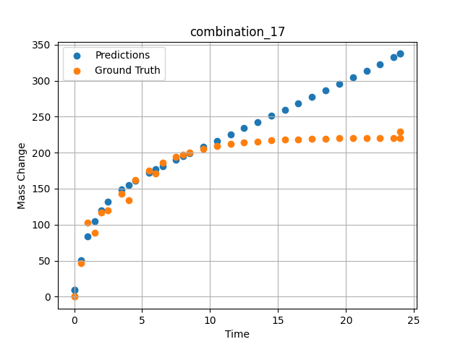
1200 | 30.9 | 34.2 | 0 | 0 | 0 | 0 | 34.4 | 0 | 0.49249 | 46.59609 | 50.144592285
1200 | 30.9 | 34.2 | 0 | 0 | 0 | 0 | 34.4 | 0 | 1.5015 | 88.32923 | 104.79020691
1200 | 30.9 | 34.2 | 0 | 0 | 0 | 0 | 34.4 | 0 | 2.4985 | 119.43947 | 131.68174744
1200 | 30.9 | 34.2 | 0 | 0 | 0 | 0 | 34.4 | 0 | 3.4955 | 143.22867 | 148.74111938
1200 | 30.9 | 34.2 | 0 | 0 | 0 | 0 | 34.4 | 0 | 4.5045 | 161.64161 | 161.48910522
1200 | 30.9 | 34.2 | 0 | 0 | 0 | 0 | 34.4 | 0 | 5.5015 | 175.552 | 171.96612549
1200 | 30.9 | 34.2 | 0 | 0 | 0 | 0 | 34.4 | 0 | 6.4985 | 186.18892 | 181.43417358
1200 | 30.9 | 34.2 | 0 | 0 | 0 | 0 | 34.4 | 0 | 7.4955 | 194.34026 | 190.41960144
1200 | 30.9 | 34.2 | 0 | 0 | 0 | 0 | 34.4 | 0 | 8.49249 | 200.57338 | 199.17779541
1200 | 30.9 | 34.2 | 0 | 0 | 0 | 0 | 34.4 | 0 | 9.5015 | 205.39784 | 207.93769836
1200 | 30.9 | 34.2 | 0 | 0 | 0 | 0 | 34.4 | 0 | 10.4985 | 209.04256 | 216.55197144
1200 | 30.9 | 34.2 | 0 | 0 | 0 | 0 | 34.4 | 0 | 11.4955 | 211.82959 | 225.15612793
1200 | 30.9 | 34.2 | 0 | 0 | 0 | 0 | 34.4 | 0 | 12.5045 | 213.98676 | 233.86949158
1200 | 30.9 | 34.2 | 0 | 0 | 0 | 0 | 34.4 | 0 | 13.5015 | 215.61644 | 242.49481201
1200 | 30.9 | 34.2 | 0 | 0 | 0 | 0 | 34.4 | 0 | 14.4985 | 216.86261 | 251.14306641
1200 | 30.9 | 34.2 | 0 | 0 | 0 | 0 | 34.4 | 0 | 15.4955 | 217.81758 | 259.82116699
1200 | 30.9 | 34.2 | 0 | 0 | 0 | 0 | 34.4 | 0 | 16.49249 | 218.54782 | 268.53744507
1200 | 30.9 | 34.2 | 0 | 0 | 0 | 0 | 34.4 | 0 | 17.5015 | 219.11303 | 277.40820312
1200 | 30.9 | 34.2 | 0 | 0 | 0 | 0 | 34.4 | 0 | 18.4985 | 219.54003 | 286.23599243
1200 | 30.9 | 34.2 | 0 | 0 | 0 | 0 | 34.4 | 0 | 19.4955 | 219.86655 | 295.14349365
1200 | 30.9 | 34.2 | 0 | 0 | 0 | 0 | 34.4 | 0 | 20.5045 | 220.11927 | 304.26251221
1200 | 30.9 | 34.2 | 0 | 0 | 0 | 0 | 34.4 | 0 | 21.5015 | 220.3102 | 313.40655518
1200 | 30.9 | 34.2 | 0 | 0 | 0 | 0 | 34.4 | 0 | 22.4985 | 220.45619 | 322.72201538
1200 | 30.9 | 34.2 | 0 | 0 | 0 | 0 | 34.4 | 0 | 23.4955 | 220.56807 | 332.25961304
1200 | 30.9 | 34.2 | 0 | 0 | 0 | 0 | 34.4 | 0 | 24 | 220.61516 | 337.29812622

combination_18
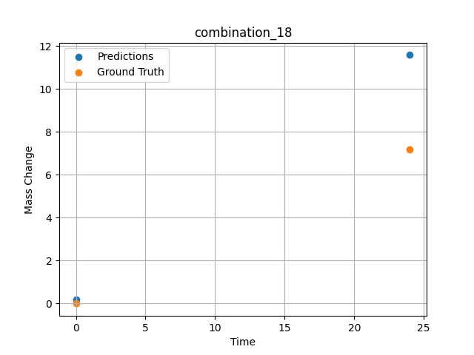
1200.0, 0.0, 0.0, 30.6, 36.8, 32.6, 0.0, 0.0
Temperature [C] | Zr [at%] | Nb [at%] | Mo [at%] | Cr [at%] | Al [at%] | Ti [at%] | Ta [at%] | W [at%] | Time [h] | Mass Change [mg.cm2] | Mass change - predictions
1200 | 0 | 0 | 0 | 32.6 | 0 | 36.8 | 30.6 | 0 | 0 | 0 | 0.1913767606
1200 | 0 | 0 | 0 | 32.6 | 0 | 36.8 | 30.6 | 0 | 24 | 7.2 | 11.586458206

combination_19
1200.0, 0.0, 0.0, 49.9, 12.2, 37.9, 0.0, 0.0
Temperature [C] | Zr [at%] | Nb [at%] | Mo [at%] | Cr [at%] | Al [at%] | Ti [at%] | Ta [at%] | W [at%] | Time [h] | Mass Change [mg.cm2] | Mass change - predictions
1200 | 0 | 0 | 0 | 37.9 | 0 | 12.2 | 49.9 | 0 | 0 | 0 | 2.0094265938
1200 | 0 | 0 | 0 | 37.9 | 0 | 12.2 | 49.9 | 0 | 5 | 8.2898550725 | 6.4459142685
1200 | 0 | 0 | 0 | 37.9 | 0 | 12.2 | 49.9 | 0 | 10 | 12.434782609 | 12.332591057
1200 | 0 | 0 | 0 | 37.9 | 0 | 12.2 | 49.9 | 0 | 15 | 18.134057971 | 17.44291687
1200 | 0 | 0 | 0 | 37.9 | 0 | 12.2 | 49.9 | 0 | 17.5 | 24.869565217 | 26.200651169
1200 | 0 | 0 | 0 | 37.9 | 0 | 12.2 | 49.9 | 0 | 20 | 45.594202899 | 43.18239212
1200 | 0 | 0 | 0 | 37.9 | 0 | 12.2 | 49.9 | 0 | 24 | 71.5 | 69.02571106
1200 | 0 | 0 | 0 | 37.9 | 0 | 12.2 | 49.9 | 0 | 0 | 0 | 2.0094265938
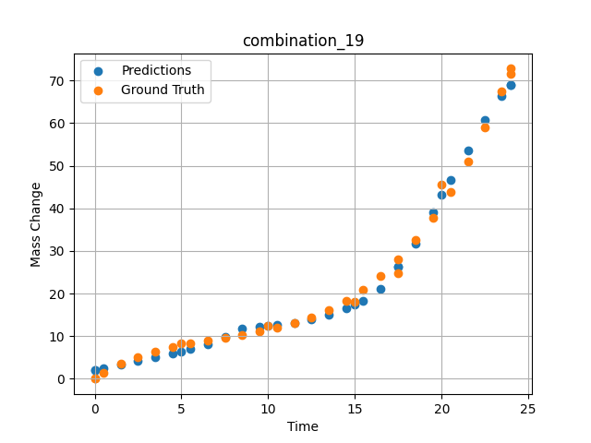
1200 | 0 | 0 | 0 | 37.9 | 0 | 12.2 | 49.9 | 0 | 0.49249 | 1.42149 | 2.400932312
1200 | 0 | 0 | 0 | 37.9 | 0 | 12.2 | 49.9 | 0 | 1.5015 | 3.46774 | 3.2496707439
1200 | 0 | 0 | 0 | 37.9 | 0 | 12.2 | 49.9 | 0 | 2.4985 | 5.09174 | 4.1242909431
1200 | 0 | 0 | 0 | 37.9 | 0 | 12.2 | 49.9 | 0 | 3.4955 | 6.38605 | 5.0225691795
1200 | 0 | 0 | 0 | 37.9 | 0 | 12.2 | 49.9 | 0 | 4.5045 | 7.43134 | 5.9628844261
1200 | 0 | 0 | 0 | 37.9 | 0 | 12.2 | 49.9 | 0 | 5.48956 | 8.26108 | 6.9484777451
1200 | 0 | 0 | 0 | 37.9 | 0 | 12.2 | 49.9 | 0 | 6.4985 | 8.98419 | 8.1477251053
1200 | 0 | 0 | 0 | 37.9 | 0 | 12.2 | 49.9 | 0 | 7.5035 | 9.64589 | 9.9057273865
1200 | 0 | 0 | 0 | 37.9 | 0 | 12.2 | 49.9 | 0 | 8.49249 | 10.30729 | 11.751205444
1200 | 0 | 0 | 0 | 37.9 | 0 | 12.2 | 49.9 | 0 | 9.5015 | 11.06122 | 12.154297829
1200 | 0 | 0 | 0 | 37.9 | 0 | 12.2 | 49.9 | 0 | 10.48663 | 11.94099 | 12.572183609
1200 | 0 | 0 | 0 | 37.9 | 0 | 12.2 | 49.9 | 0 | 11.4955 | 13.05774 | 13.161313057
1200 | 0 | 0 | 0 | 37.9 | 0 | 12.2 | 49.9 | 0 | 12.5045 | 14.46245 | 13.93334198
1200 | 0 | 0 | 0 | 37.9 | 0 | 12.2 | 49.9 | 0 | 13.5015 | 16.2008 | 15.055063248
1200 | 0 | 0 | 0 | 37.9 | 0 | 12.2 | 49.9 | 0 | 14.4985 | 18.3577 | 16.601457596
1200 | 0 | 0 | 0 | 37.9 | 0 | 12.2 | 49.9 | 0 | 15.4837 | 20.96379 | 18.34942627
1200 | 0 | 0 | 0 | 37.9 | 0 | 12.2 | 49.9 | 0 | 16.49249 | 24.19061 | 21.112005234
1200 | 0 | 0 | 0 | 37.9 | 0 | 12.2 | 49.9 | 0 | 17.50147 | 28.05166 | 26.208396912
1200 | 0 | 0 | 0 | 37.9 | 0 | 12.2 | 49.9 | 0 | 18.4985 | 32.55855 | 31.784162521
1200 | 0 | 0 | 0 | 37.9 | 0 | 12.2 | 49.9 | 0 | 19.4955 | 37.823 | 38.981502533
1200 | 0 | 0 | 0 | 37.9 | 0 | 12.2 | 49.9 | 0 | 20.49277 | 43.91233 | 46.769981384
1200 | 0 | 0 | 0 | 37.9 | 0 | 12.2 | 49.9 | 0 | 21.5015 | 50.97282 | 53.520324707
1200 | 0 | 0 | 0 | 37.9 | 0 | 12.2 | 49.9 | 0 | 22.4985 | 58.92082 | 60.706130981
1200 | 0 | 0 | 0 | 37.9 | 0 | 12.2 | 49.9 | 0 | 23.45946 | 67.54177 | 66.438430786
1200 | 0 | 0 | 0 | 37.9 | 0 | 12.2 | 49.9 | 0 | 24 | 72.79782 | 69.02571106

combination_20
1200.0, 0.0, 0.0, 50.9, 37.2, 11.9, 0.0, 0.0
Temperature [C] | Zr [at%] | Nb [at%] | Mo [at%] | Cr [at%] | Al [at%] | Ti [at%] | Ta [at%] | W [at%] | Time [h] | Mass Change [mg.cm2] | Mass change - predictions
1200 | 0 | 0 | 0 | 11.9 | 0 | 37.2 | 50.9 | 0 | 0 | 0 | 0.38388451934
1200 | 0 | 0 | 0 | 11.9 | 0 | 37.2 | 50.9 | 0 | 5 | 31.542083333 | 32.581260681
1200 | 0 | 0 | 0 | 11.9 | 0 | 37.2 | 50.9 | 0 | 10 | 59.464583333 | 57.557506561
1200 | 0 | 0 | 0 | 11.9 | 0 | 37.2 | 50.9 | 0 | 15 | 82.733333333 | 83.865509033
1200 | 0 | 0 | 0 | 11.9 | 0 | 37.2 | 50.9 | 0 | 20 | 106.51916667 | 105.73641968
1200 | 0 | 0 | 0 | 11.9 | 0 | 37.2 | 50.9 | 0 | 24 | 124.1 | 123.51470947
1200 | 0 | 0 | 0 | 11.9 | 0 | 37.2 | 50.9 | 0 | 0 | 0 | 0.38388451934
1200 | 0 | 0 | 0 | 11.9 | 0 | 37.2 | 50.9 | 0 | 0.49249 | 3.32589 | 1.9232076406
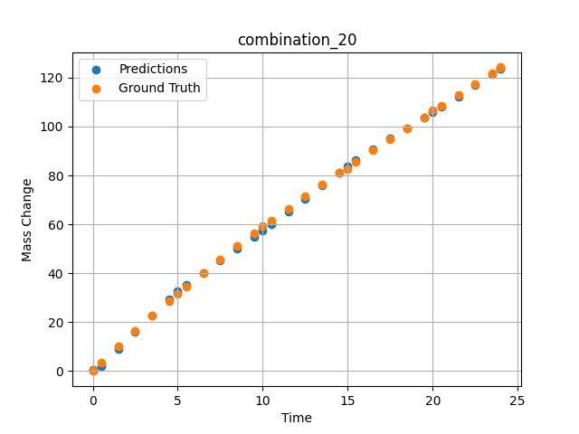
1200 | 0 | 0 | 0 | 11.9 | 0 | 37.2 | 50.9 | 0 | 1.5015 | 10.03119 | 8.8778419495
1200 | 0 | 0 | 0 | 11.9 | 0 | 37.2 | 50.9 | 0 | 2.4985 | 16.44125 | 15.873410225
1200 | 0 | 0 | 0 | 11.9 | 0 | 37.2 | 50.9 | 0 | 3.4955 | 22.64739 | 22.778518677
1200 | 0 | 0 | 0 | 11.9 | 0 | 37.2 | 50.9 | 0 | 4.5045 | 28.73355 | 29.500720978
1200 | 0 | 0 | 0 | 11.9 | 0 | 37.2 | 50.9 | 0 | 5.48956 | 34.49707 | 35.341415405
1200 | 0 | 0 | 0 | 11.9 | 0 | 37.2 | 50.9 | 0 | 6.4985 | 40.22938 | 40.239128113
1200 | 0 | 0 | 0 | 11.9 | 0 | 37.2 | 50.9 | 0 | 7.4955 | 45.73568 | 45.097808838
1200 | 0 | 0 | 0 | 11.9 | 0 | 37.2 | 50.9 | 0 | 8.49249 | 51.09529 | 50.009963989
1200 | 0 | 0 | 0 | 11.9 | 0 | 37.2 | 50.9 | 0 | 9.5015 | 56.38263 | 55.04404068
1200 | 0 | 0 | 0 | 11.9 | 0 | 37.2 | 50.9 | 0 | 10.48663 | 61.42297 | 60.029514313
1200 | 0 | 0 | 0 | 11.9 | 0 | 37.2 | 50.9 | 0 | 11.4955 | 66.47152 | 65.218551636
1200 | 0 | 0 | 0 | 11.9 | 0 | 37.2 | 50.9 | 0 | 12.5045 | 71.41788 | 70.506752014
1200 | 0 | 0 | 0 | 11.9 | 0 | 37.2 | 50.9 | 0 | 13.5015 | 76.21596 | 75.844665527
1200 | 0 | 0 | 0 | 11.9 | 0 | 37.2 | 50.9 | 0 | 14.4985 | 80.93612 | 81.277816772
1200 | 0 | 0 | 0 | 11.9 | 0 | 37.2 | 50.9 | 0 | 15.4837 | 85.53549 | 86.229293823
1200 | 0 | 0 | 0 | 11.9 | 0 | 37.2 | 50.9 | 0 | 16.49249 | 90.18944 | 90.852828979
1200 | 0 | 0 | 0 | 11.9 | 0 | 37.2 | 50.9 | 0 | 17.5015 | 94.79986 | 95.215576172
1200 | 0 | 0 | 0 | 11.9 | 0 | 37.2 | 50.9 | 0 | 18.4985 | 99.32321 | 99.409698486
1200 | 0 | 0 | 0 | 11.9 | 0 | 37.2 | 50.9 | 0 | 19.4955 | 103.82588 | 103.59458923
1200 | 0 | 0 | 0 | 11.9 | 0 | 37.2 | 50.9 | 0 | 20.51128 | 108.40403 | 107.93701172
1200 | 0 | 0 | 0 | 11.9 | 0 | 37.2 | 50.9 | 0 | 21.5015 | 112.86918 | 112.30178833
1200 | 0 | 0 | 0 | 11.9 | 0 | 37.2 | 50.9 | 0 | 22.4985 | 117.37858 | 116.81974792
1200 | 0 | 0 | 0 | 11.9 | 0 | 37.2 | 50.9 | 0 | 23.4955 | 121.9129 | 121.28852844
1200 | 0 | 0 | 0 | 11.9 | 0 | 37.2 | 50.9 | 0 | 24 | 124.21884 | 123.51470947

combination_21
1200.0, 0.0, 0.0, 46.5, 22.5, 31.0, 0.0, 0.0
Temperature [C] | Zr [at%] | Nb [at%] | Mo [at%] | Cr [at%] | Al [at%] | Ti [at%] | Ta [at%] | W [at%] | Time [h] | Mass Change [mg.cm2] | Mass change - predictions
1200 | 0 | 0 | 0 | 31 | 0 | 22.5 | 46.5 | 0 | 0 | 0 | 2.2830817699
1200 | 0 | 0 | 0 | 31 | 0 | 22.5 | 46.5 | 0 | 5 | 68.073076923 | 70.764030457
1200 | 0 | 0 | 0 | 31 | 0 | 22.5 | 46.5 | 0 | 10 | 121.19070513 | 118.01763916
1200 | 0 | 0 | 0 | 31 | 0 | 22.5 | 46.5 | 0 | 15 | 148.52307692 | 147.85317993
1200 | 0 | 0 | 0 | 31 | 0 | 22.5 | 46.5 | 0 | 20 | 159.35288462 | 160.4793396
1200 | 0 | 0 | 0 | 31 | 0 | 22.5 | 46.5 | 0 | 24 | 160.9 | 159.55731201
1200 | 0 | 0 | 0 | 31 | 0 | 22.5 | 46.5 | 0 | 0 | 0 | 2.2830817699
1200 | 0 | 0 | 0 | 31 | 0 | 22.5 | 46.5 | 0 | 0.53801 | 8.21597 | 5.5690002441
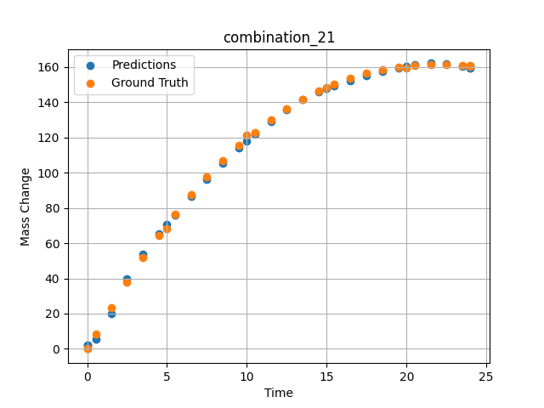
1200 | 0 | 0 | 0 | 31 | 0 | 22.5 | 46.5 | 0 | 1.5015 | 23.29686 | 19.854070663
1200 | 0 | 0 | 0 | 31 | 0 | 22.5 | 46.5 | 0 | 2.4985 | 37.95309 | 39.771713257
1200 | 0 | 0 | 0 | 31 | 0 | 22.5 | 46.5 | 0 | 3.4955 | 51.65384 | 53.820114136
1200 | 0 | 0 | 0 | 31 | 0 | 22.5 | 46.5 | 0 | 4.5045 | 64.57589 | 65.455558777
1200 | 0 | 0 | 0 | 31 | 0 | 22.5 | 46.5 | 0 | 5.48956 | 76.29591 | 75.93309021
1200 | 0 | 0 | 0 | 31 | 0 | 22.5 | 46.5 | 0 | 6.4985 | 87.40608 | 86.644790649
1200 | 0 | 0 | 0 | 31 | 0 | 22.5 | 46.5 | 0 | 7.4955 | 97.52071 | 96.42868042
1200 | 0 | 0 | 0 | 31 | 0 | 22.5 | 46.5 | 0 | 8.49249 | 106.79416 | 105.45481873
1200 | 0 | 0 | 0 | 31 | 0 | 22.5 | 46.5 | 0 | 9.5015 | 115.35124 | 114.00053406
1200 | 0 | 0 | 0 | 31 | 0 | 22.5 | 46.5 | 0 | 10.48663 | 122.92292 | 121.80368042
1200 | 0 | 0 | 0 | 31 | 0 | 22.5 | 46.5 | 0 | 11.4955 | 129.89829 | 129.18598938
1200 | 0 | 0 | 0 | 31 | 0 | 22.5 | 46.5 | 0 | 12.5045 | 136.10997 | 135.83430481
1200 | 0 | 0 | 0 | 31 | 0 | 22.5 | 46.5 | 0 | 13.5015 | 141.52095 | 141.50997925
1200 | 0 | 0 | 0 | 31 | 0 | 22.5 | 46.5 | 0 | 14.4985 | 146.22811 | 146.07040405
1200 | 0 | 0 | 0 | 31 | 0 | 22.5 | 46.5 | 0 | 15.4837 | 150.21466 | 149.30354309
1200 | 0 | 0 | 0 | 31 | 0 | 22.5 | 46.5 | 0 | 16.49249 | 153.63313 | 152.2164917
1200 | 0 | 0 | 0 | 31 | 0 | 22.5 | 46.5 | 0 | 17.5015 | 156.40427 | 154.96156311
1200 | 0 | 0 | 0 | 31 | 0 | 22.5 | 46.5 | 0 | 18.4985 | 158.52997 | 157.43661499
1200 | 0 | 0 | 0 | 31 | 0 | 22.5 | 46.5 | 0 | 19.4955 | 160.06615 | 159.57249451
1200 | 0 | 0 | 0 | 31 | 0 | 22.5 | 46.5 | 0 | 20.49277 | 161.03822 | 161.22195435
1200 | 0 | 0 | 0 | 31 | 0 | 22.5 | 46.5 | 0 | 21.5015 | 161.47326 | 162.1776886
1200 | 0 | 0 | 0 | 31 | 0 | 22.5 | 46.5 | 0 | 22.4985 | 161.37827 | 162.10986328
1200 | 0 | 0 | 0 | 31 | 0 | 22.5 | 46.5 | 0 | 23.4955 | 160.78923 | 160.62124634
1200 | 0 | 0 | 0 | 31 | 0 | 22.5 | 46.5 | 0 | 24 | 160.32765 | 159.55731201

combination_22
1100.0, 20.0, 20.0, 0.0, 20.0, 20.0, 20.0, 0.0
Temperature [C] | Zr [at%] | Nb [at%] | Mo [at%] | Cr [at%] | Al [at%] | Ti [at%] | Ta [at%] | W [at%] | Time [h] | Mass Change [mg.cm2] | Mass change - predictions
1100 | 0 | 20 | 20 | 20 | 20 | 20 | 0 | 0 | 0 | 0 | 0.11747701466
1100 | 0 | 20 | 20 | 20 | 20 | 20 | 0 | 0 | 10 | 3.3534246575 | 2.9114685059
1100 | 0 | 20 | 20 | 20 | 20 | 20 | 0 | 0 | 20 | 5.4794520548 | 5.5377879143
1100 | 0 | 20 | 20 | 20 | 20 | 20 | 0 | 0 | 30 | 6.904109589 | 6.6040196419
1100 | 0 | 20 | 20 | 20 | 20 | 20 | 0 | 0 | 40 | 7.8465753425 | 8.1135349274
1100 | 0 | 20 | 20 | 20 | 20 | 20 | 0 | 0 | 48 | 8.3726027397 | 7.9959421158
1100 | 0 | 20 | 20 | 20 | 20 | 20 | 0 | 0 | 0 | 0 | 0.11747701466
1100 | 0 | 20 | 20 | 20 | 20 | 20 | 0 | 0 | 0.48048 | 0.19946 | 0.1695907712
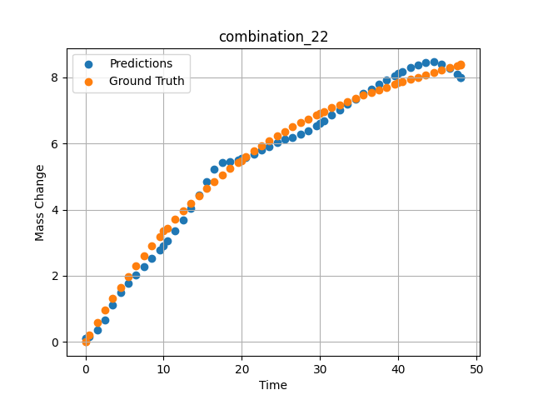
1100 | 0 | 20 | 20 | 20 | 20 | 20 | 0 | 0 | 1.48949 | 0.58439 | 0.35262134671
1100 | 0 | 20 | 20 | 20 | 20 | 20 | 0 | 0 | 2.4985 | 0.9555 | 0.67680346966
1100 | 0 | 20 | 20 | 20 | 20 | 20 | 0 | 0 | 3.50751 | 1.3131 | 1.1270118952
1100 | 0 | 20 | 20 | 20 | 20 | 20 | 0 | 0 | 4.51652 | 1.6575 | 1.495922327
1100 | 0 | 20 | 20 | 20 | 20 | 20 | 0 | 0 | 5.5015 | 1.98132 | 1.7800018787
1100 | 0 | 20 | 20 | 20 | 20 | 20 | 0 | 0 | 6.48649 | 2.29304 | 2.027756691
1100 | 0 | 20 | 20 | 20 | 20 | 20 | 0 | 0 | 7.4955 | 2.60028 | 2.2699649334
1100 | 0 | 20 | 20 | 20 | 20 | 20 | 0 | 0 | 8.5045 | 2.89555 | 2.516494751
1100 | 0 | 20 | 20 | 20 | 20 | 20 | 0 | 0 | 9.51351 | 3.17915 | 2.7779018879
1100 | 0 | 20 | 20 | 20 | 20 | 20 | 0 | 0 | 10.47476 | 3.43876 | 3.0472660065
1100 | 0 | 20 | 20 | 20 | 20 | 20 | 0 | 0 | 11.48348 | 3.7004 | 3.3541209698
1100 | 0 | 20 | 20 | 20 | 20 | 20 | 0 | 0 | 12.49249 | 3.95137 | 3.6813514233
1100 | 0 | 20 | 20 | 20 | 20 | 20 | 0 | 0 | 13.5015 | 4.1919 | 4.0354728699
1100 | 0 | 20 | 20 | 20 | 20 | 20 | 0 | 0 | 14.51051 | 4.4223 | 4.4368233681
1100 | 0 | 20 | 20 | 20 | 20 | 20 | 0 | 0 | 15.4955 | 4.63778 | 4.8489823341
1100 | 0 | 20 | 20 | 20 | 20 | 20 | 0 | 0 | 16.48048 | 4.84412 | 5.2174625397
1100 | 0 | 20 | 20 | 20 | 20 | 20 | 0 | 0 | 17.48949 | 5.04642 | 5.4122390747
1100 | 0 | 20 | 20 | 20 | 20 | 20 | 0 | 0 | 18.4985 | 5.23981 | 5.443397522
1100 | 0 | 20 | 20 | 20 | 20 | 20 | 0 | 0 | 19.50751 | 5.42461 | 5.4999032021
1100 | 0 | 20 | 20 | 20 | 20 | 20 | 0 | 0 | 20.49304 | 5.59708 | 5.5830802917
1100 | 0 | 20 | 20 | 20 | 20 | 20 | 0 | 0 | 21.5015 | 5.76578 | 5.6868267059
1100 | 0 | 20 | 20 | 20 | 20 | 20 | 0 | 0 | 22.48649 | 5.92305 | 5.7911090851
1100 | 0 | 20 | 20 | 20 | 20 | 20 | 0 | 0 | 23.4955 | 6.07691 | 5.9013586044
1100 | 0 | 20 | 20 | 20 | 20 | 20 | 0 | 0 | 24.5045 | 6.22371 | 6.015683651
1100 | 0 | 20 | 20 | 20 | 20 | 20 | 0 | 0 | 25.51351 | 6.36376 | 6.1162400246
1100 | 0 | 20 | 20 | 20 | 20 | 20 | 0 | 0 | 26.4985 | 6.49429 | 6.1798758507
1100 | 0 | 20 | 20 | 20 | 20 | 20 | 0 | 0 | 27.48348 | 6.61891 | 6.2672615051
1100 | 0 | 20 | 20 | 20 | 20 | 20 | 0 | 0 | 28.49249 | 6.74084 | 6.3862609863
1100 | 0 | 20 | 20 | 20 | 20 | 20 | 0 | 0 | 29.5015 | 6.85724 | 6.5273065567
1100 | 0 | 20 | 20 | 20 | 20 | 20 | 0 | 0 | 30.48731 | 6.96591 | 6.6833386421
1100 | 0 | 20 | 20 | 20 | 20 | 20 | 0 | 0 | 31.4955 | 7.07225 | 6.8543710709
1100 | 0 | 20 | 20 | 20 | 20 | 20 | 0 | 0 | 32.48048 | 7.17165 | 7.0194754601
1100 | 0 | 20 | 20 | 20 | 20 | 20 | 0 | 0 | 33.48949 | 7.26924 | 7.1847410202
1100 | 0 | 20 | 20 | 20 | 20 | 20 | 0 | 0 | 34.4985 | 7.36284 | 7.3451590538
1100 | 0 | 20 | 20 | 20 | 20 | 20 | 0 | 0 | 35.50751 | 7.45277 | 7.5001692772
1100 | 0 | 20 | 20 | 20 | 20 | 20 | 0 | 0 | 36.51652 | 7.53932 | 7.6493930817
1100 | 0 | 20 | 20 | 20 | 20 | 20 | 0 | 0 | 37.5015 | 7.62086 | 7.789170742
1100 | 0 | 20 | 20 | 20 | 20 | 20 | 0 | 0 | 38.48649 | 7.69975 | 7.9226574898
1100 | 0 | 20 | 20 | 20 | 20 | 20 | 0 | 0 | 39.4955 | 7.77816 | 8.0520486832
1100 | 0 | 20 | 20 | 20 | 20 | 20 | 0 | 0 | 40.48157 | 7.8527 | 8.1698980331
1100 | 0 | 20 | 20 | 20 | 20 | 20 | 0 | 0 | 41.51351 | 7.92883 | 8.2813339233
1100 | 0 | 20 | 20 | 20 | 20 | 20 | 0 | 0 | 42.4985 | 8.00001 | 8.3715133667
1100 | 0 | 20 | 20 | 20 | 20 | 20 | 0 | 0 | 43.48348 | 8.07001 | 8.4367809296
1100 | 0 | 20 | 20 | 20 | 20 | 20 | 0 | 0 | 44.49249 | 8.14082 | 8.4585180283
1100 | 0 | 20 | 20 | 20 | 20 | 20 | 0 | 0 | 45.5015 | 8.21101 | 8.3947763443
1100 | 0 | 20 | 20 | 20 | 20 | 20 | 0 | 0 | 46.51616 | 8.28129 | 8.2608480453
1100 | 0 | 20 | 20 | 20 | 20 | 20 | 0 | 0 | 47.4955 | 8.34913 | 8.0905990601
1100 | 0 | 20 | 20 | 20 | 20 | 20 | 0 | 0 | 48 | 8.38416 | 7.9959397316

combination_23
1100.0, 20.0, 0.0, 20.0, 20.0, 20.0, 20.0, 0.0
Temperature [C] | Zr [at%] | Nb [at%] | Mo [at%] | Cr [at%] | Al [at%] | Ti [at%] | Ta [at%] | W [at%] | Time [h] | Mass Change [mg.cm2] | Mass change - predictions
1100 | 0 | 0 | 20 | 20 | 20 | 20 | 20 | 0 | 0 | 0 | 0.068616859615
1100 | 0 | 0 | 20 | 20 | 20 | 20 | 20 | 0 | 10 | 1.5123287671 | 0.30048316717
1100 | 0 | 0 | 20 | 20 | 20 | 20 | 20 | 0 | 20 | 2.0164383562 | 2.1191923618
1100 | 0 | 0 | 20 | 20 | 20 | 20 | 20 | 0 | 30 | 2.4109589041 | 2.4401915073
1100 | 0 | 0 | 20 | 20 | 20 | 20 | 20 | 0 | 40 | 2.7178082192 | 2.8079500198
1100 | 0 | 0 | 20 | 20 | 20 | 20 | 20 | 0 | 48 | 3.002739726 | 3.2586102486
1100 | 0 | 0 | 20 | 20 | 20 | 20 | 20 | 0 | 0 | 0 | 0.068616859615
1100 | 0 | 0 | 20 | 20 | 20 | 20 | 20 | 0 | 0.48048 | 0.11006 | 0.076877757907
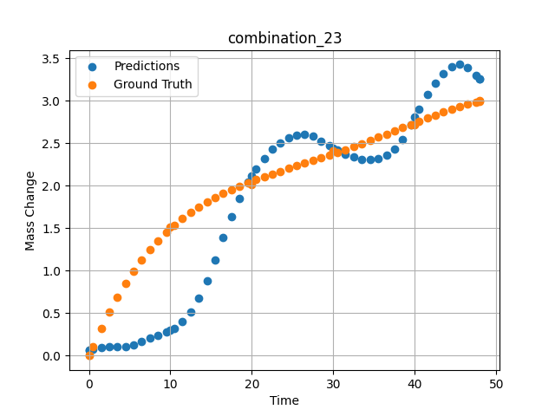
1100 | 0 | 0 | 20 | 20 | 20 | 20 | 20 | 0 | 1.48949 | 0.32168 | 0.094179101288
1100 | 0 | 0 | 20 | 20 | 20 | 20 | 20 | 0 | 2.4985 | 0.51495 | 0.10424359888
1100 | 0 | 0 | 20 | 20 | 20 | 20 | 20 | 0 | 3.50751 | 0.69112 | 0.10095182061
1100 | 0 | 0 | 20 | 20 | 20 | 20 | 20 | 0 | 4.51652 | 0.85139 | 0.10549993068
1100 | 0 | 0 | 20 | 20 | 20 | 20 | 20 | 0 | 5.5015 | 0.99367 | 0.12888851762
1100 | 0 | 0 | 20 | 20 | 20 | 20 | 20 | 0 | 6.48649 | 1.12287 | 0.16600309312
1100 | 0 | 0 | 20 | 20 | 20 | 20 | 20 | 0 | 7.4955 | 1.24285 | 0.20433922112
1100 | 0 | 0 | 20 | 20 | 20 | 20 | 20 | 0 | 8.5045 | 1.3513 | 0.24134767056
1100 | 0 | 0 | 20 | 20 | 20 | 20 | 20 | 0 | 9.51351 | 1.44923 | 0.28001618385
1100 | 0 | 0 | 20 | 20 | 20 | 20 | 20 | 0 | 10.47476 | 1.5336 | 0.32385930419
1100 | 0 | 0 | 20 | 20 | 20 | 20 | 20 | 0 | 11.48348 | 1.61366 | 0.39874714613
1100 | 0 | 0 | 20 | 20 | 20 | 20 | 20 | 0 | 12.49249 | 1.68593 | 0.51863574982
1100 | 0 | 0 | 20 | 20 | 20 | 20 | 20 | 0 | 13.5015 | 1.75122 | 0.67786163092
1100 | 0 | 0 | 20 | 20 | 20 | 20 | 20 | 0 | 14.51051 | 1.81031 | 0.88095986843
1100 | 0 | 0 | 20 | 20 | 20 | 20 | 20 | 0 | 15.4955 | 1.86275 | 1.1231365204
1100 | 0 | 0 | 20 | 20 | 20 | 20 | 20 | 0 | 16.48048 | 1.91063 | 1.3887368441
1100 | 0 | 0 | 20 | 20 | 20 | 20 | 20 | 0 | 17.48949 | 1.95565 | 1.6364796162
1100 | 0 | 0 | 20 | 20 | 20 | 20 | 20 | 0 | 18.4985 | 1.99719 | 1.8533211946
1100 | 0 | 0 | 20 | 20 | 20 | 20 | 20 | 0 | 19.50751 | 2.03585 | 2.0392081738
1100 | 0 | 0 | 20 | 20 | 20 | 20 | 20 | 0 | 20.49304 | 2.07132 | 2.1925597191
1100 | 0 | 0 | 20 | 20 | 20 | 20 | 20 | 0 | 21.5015 | 2.1058 | 2.3228011131
1100 | 0 | 0 | 20 | 20 | 20 | 20 | 20 | 0 | 22.48649 | 2.13811 | 2.4256067276
1100 | 0 | 0 | 20 | 20 | 20 | 20 | 20 | 0 | 23.4955 | 2.17023 | 2.5069291592
1100 | 0 | 0 | 20 | 20 | 20 | 20 | 20 | 0 | 24.5045 | 2.20173 | 2.5641021729
1100 | 0 | 0 | 20 | 20 | 20 | 20 | 20 | 0 | 25.51604 | 2.23302 | 2.596326828
1100 | 0 | 0 | 20 | 20 | 20 | 20 | 20 | 0 | 26.4985 | 2.26341 | 2.6018159389
1100 | 0 | 0 | 20 | 20 | 20 | 20 | 20 | 0 | 27.48348 | 2.29411 | 2.5791532993
1100 | 0 | 0 | 20 | 20 | 20 | 20 | 20 | 0 | 28.49249 | 2.32601 | 2.5254325867
1100 | 0 | 0 | 20 | 20 | 20 | 20 | 20 | 0 | 29.5015 | 2.35853 | 2.4671700001
1100 | 0 | 0 | 20 | 20 | 20 | 20 | 20 | 0 | 30.48731 | 2.39102 | 2.4152963161
1100 | 0 | 0 | 20 | 20 | 20 | 20 | 20 | 0 | 31.4955 | 2.42505 | 2.3695151806
1100 | 0 | 0 | 20 | 20 | 20 | 20 | 20 | 0 | 32.48048 | 2.45913 | 2.334236145
1100 | 0 | 0 | 20 | 20 | 20 | 20 | 20 | 0 | 33.48949 | 2.4949 | 2.310634613
1100 | 0 | 0 | 20 | 20 | 20 | 20 | 20 | 0 | 34.4985 | 2.53149 | 2.3032898903
1100 | 0 | 0 | 20 | 20 | 20 | 20 | 20 | 0 | 35.50751 | 2.56882 | 2.3166937828
1100 | 0 | 0 | 20 | 20 | 20 | 20 | 20 | 0 | 36.51652 | 2.60677 | 2.3566396236
1100 | 0 | 0 | 20 | 20 | 20 | 20 | 20 | 0 | 37.5015 | 2.64424 | 2.4284446239
1100 | 0 | 0 | 20 | 20 | 20 | 20 | 20 | 0 | 38.48396 | 2.68184 | 2.5415124893
1100 | 0 | 0 | 20 | 20 | 20 | 20 | 20 | 0 | 39.4955 | 2.72055 | 2.7129125595
1100 | 0 | 0 | 20 | 20 | 20 | 20 | 20 | 0 | 40.48157 | 2.758 | 2.895190239
1100 | 0 | 0 | 20 | 20 | 20 | 20 | 20 | 0 | 41.51351 | 2.79655 | 3.0678091049
1100 | 0 | 0 | 20 | 20 | 20 | 20 | 20 | 0 | 42.4985 | 2.83237 | 3.2094609737
1100 | 0 | 0 | 20 | 20 | 20 | 20 | 20 | 0 | 43.48348 | 2.86684 | 3.3217859268
1100 | 0 | 0 | 20 | 20 | 20 | 20 | 20 | 0 | 44.49249 | 2.9003 | 3.3982064724
1100 | 0 | 0 | 20 | 20 | 20 | 20 | 20 | 0 | 45.5015 | 2.9314 | 3.4255945683
1100 | 0 | 0 | 20 | 20 | 20 | 20 | 20 | 0 | 46.51051 | 2.9596 | 3.392254591
1100 | 0 | 0 | 20 | 20 | 20 | 20 | 20 | 0 | 47.4955 | 2.98377 | 3.30128932
1100 | 0 | 0 | 20 | 20 | 20 | 20 | 20 | 0 | 48 | 2.99484 | 3.2586078644

combination_24
1000.0, 20.0, 0.0, 20.0, 20.0, 20.0, 20.0, 20.0
Temperature [C] | Zr [at%] | Nb [at%] | Mo [at%] | Cr [at%] | Al [at%] | Ti [at%] | Ta [at%] | W [at%] | Time [h] | Mass Change [mg.cm2] | Mass change - predictions
1000 | 0 | 0 | 20 | 20 | 20 | 20 | 20 | 20 | 0 | 0 | 1.1142139435
1000 | 0 | 0 | 20 | 20 | 20 | 20 | 20 | 20 | 5 | 4.2 | 3.5965199471
1000 | 0 | 0 | 20 | 20 | 20 | 20 | 20 | 20 | 10 | 5.3 | 5.2080378532
1000 | 0 | 0 | 20 | 20 | 20 | 20 | 20 | 20 | 15 | 6 | 6.4080810547
1000 | 0 | 0 | 20 | 20 | 20 | 20 | 20 | 20 | 20 | 6.4 | 7.4495949745
1000 | 0 | 0 | 20 | 20 | 20 | 20 | 20 | 20 | 25 | 6.8 | 8.1548223495
1000 | 0 | 0 | 20 | 20 | 20 | 20 | 20 | 20 | 30 | 7.2 | 7.9505772591
1000 | 0 | 0 | 20 | 20 | 20 | 20 | 20 | 20 | 35 | 7.6 | 7.6063480377
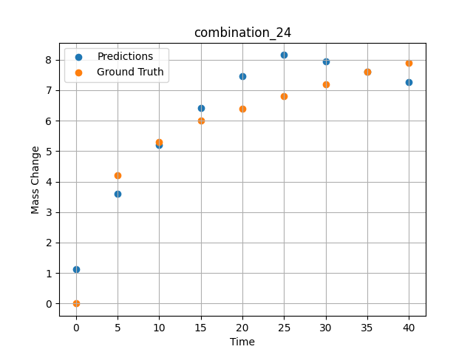
1000 | 0 | 0 | 20 | 20 | 20 | 20 | 20 | 20 | 40 | 7.9 | 7.260612011

combination_25
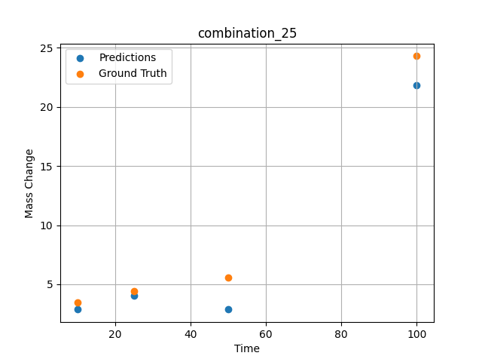
1000.0, 0.0, 0.0, 32.0, 32.0, 32.0, 4.0, 0.0
Temperature [C] | Zr [at%] | Nb [at%] | Mo [at%] | Cr [at%] | Al [at%] | Ti [at%] | Ta [at%] | W [at%] | Time [h] | Mass Change [mg.cm2] | Mass change - predictions
1000 | 0 | 0 | 0 | 32 | 4 | 32 | 32 | 0 | 100 | 24.3 | 21.843898773
1000 | 0 | 0 | 0 | 32 | 4 | 32 | 32 | 0 | 50 | 5.6 | 2.8694736958
1000 | 0 | 0 | 0 | 32 | 4 | 32 | 32 | 0 | 25 | 4.4 | 4.0698719025
1000 | 0 | 0 | 0 | 32 | 4 | 32 | 32 | 0 | 10 | 3.5 | 2.8897132874

combination_26
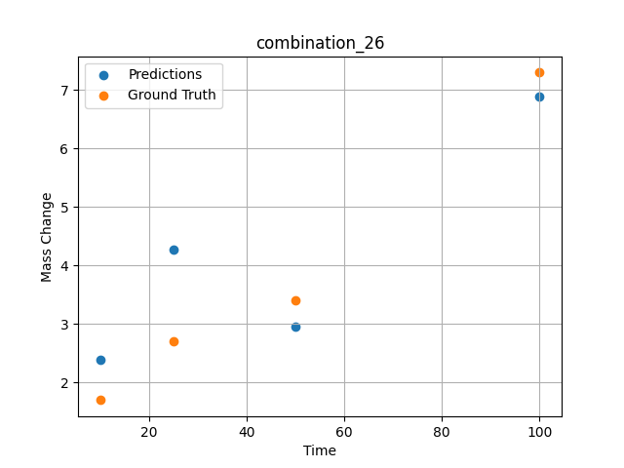
1000.0, 0.0, 0.0, 31.0, 31.0, 31.0, 9.0, 0.0
Temperature [C] | Zr [at%] | Nb [at%] | Mo [at%] | Cr [at%] | Al [at%] | Ti [at%] | Ta [at%] | W [at%] | Time [h] | Mass Change [mg.cm2] | Mass change - predictions
1000 | 0 | 0 | 0 | 31 | 9 | 31 | 31 | 0 | 100 | 7.3 | 6.8888511658
1000 | 0 | 0 | 0 | 31 | 9 | 31 | 31 | 0 | 50 | 3.4 | 2.9545409679
1000 | 0 | 0 | 0 | 31 | 9 | 31 | 31 | 0 | 25 | 2.7 | 4.2678523064
1000 | 0 | 0 | 0 | 31 | 9 | 31 | 31 | 0 | 10 | 1.7 | 2.3873925209

combination_27
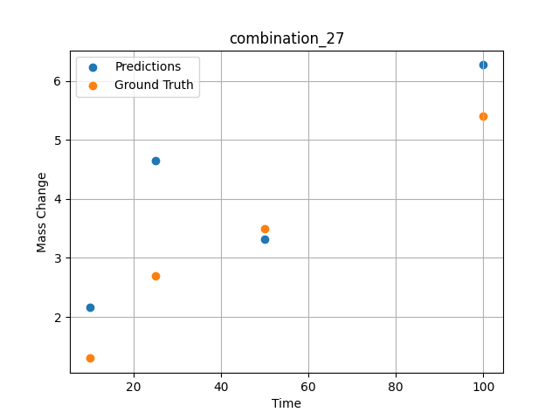
1000.0, 0.0, 0.0, 30.0, 30.0, 30.0, 10.0, 0.0
Temperature [C] | Zr [at%] | Nb [at%] | Mo [at%] | Cr [at%] | Al [at%] | Ti [at%] | Ta [at%] | W [at%] | Time [h] | Mass Change [mg.cm2] | Mass change - predictions
1000 | 0 | 0 | 0 | 30 | 10 | 30 | 30 | 0 | 100 | 5.4 | 6.2679252625
1000 | 0 | 0 | 0 | 30 | 10 | 30 | 30 | 0 | 50 | 3.5 | 3.3230848312
1000 | 0 | 0 | 0 | 30 | 10 | 30 | 30 | 0 | 25 | 2.7 | 4.6536011696
1000 | 0 | 0 | 0 | 30 | 10 | 30 | 30 | 0 | 10 | 1.3 | 2.1644601822

combination_28
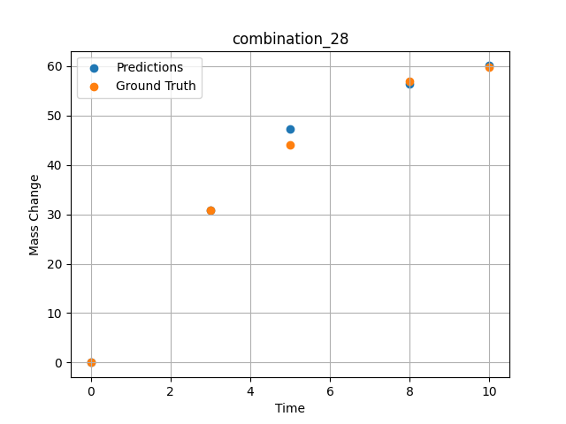
1000.0, 25.0, 25.0, 25.0, 0.0, 0.0, 0.0, 25.0
Temperature [C] | Zr [at%] | Nb [at%] | Mo [at%] | Cr [at%] | Al [at%] | Ti [at%] | Ta [at%] | W [at%] | Time [h] | Mass Change [mg.cm2] | Mass change - predictions
1000 | 0 | 25 | 25 | 0 | 0 | 0 | 25 | 25 | 0 | 0 | 0.15423502028
1000 | 0 | 25 | 25 | 0 | 0 | 0 | 25 | 25 | 3 | 30.8 | 30.802715302
1000 | 0 | 25 | 25 | 0 | 0 | 0 | 25 | 25 | 5 | 44 | 47.203453064
1000 | 0 | 25 | 25 | 0 | 0 | 0 | 25 | 25 | 8 | 57 | 56.366687775
1000 | 0 | 25 | 25 | 0 | 0 | 0 | 25 | 25 | 10 | 59.7 | 60.067512512

combination_29
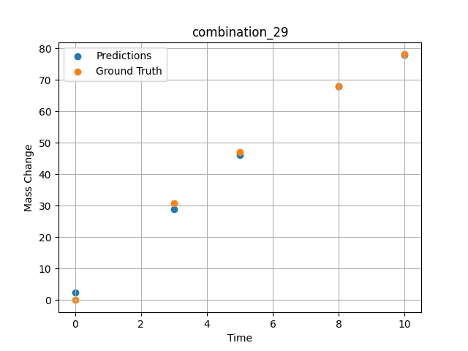
1000.0, 20.0, 20.0, 20.0, 20.0, 0.0, 0.0, 20.0
Temperature [C] | Zr [at%] | Nb [at%] | Mo [at%] | Cr [at%] | Al [at%] | Ti [at%] | Ta [at%] | W [at%] | Time [h] | Mass Change [mg.cm2] | Mass change - predictions
1000 | 0 | 20 | 20 | 0 | 0 | 20 | 20 | 20 | 0 | 0 | 2.519916296
1000 | 0 | 20 | 20 | 0 | 0 | 20 | 20 | 20 | 3 | 30.8 | 29.01317215
1000 | 0 | 20 | 20 | 0 | 0 | 20 | 20 | 20 | 5 | 47.1 | 46.07478714
1000 | 0 | 20 | 20 | 0 | 0 | 20 | 20 | 20 | 8 | 67.9 | 67.951309204
1000 | 0 | 20 | 20 | 0 | 0 | 20 | 20 | 20 | 10 | 78.1 | 77.878585815

combination_30
1000.0, 10.0, 21.8, 11.9, 19.4, 18.4, 0.0, 0.0
Temperature [C] | Zr [at%] | Nb [at%] | Mo [at%] | Cr [at%] | Al [at%] | Ti [at%] | Ta [at%] | W [at%] | Time [h] | Mass Change [mg.cm2] | Mass change - predictions
1000 | 18.5 | 21.8 | 10 | 18.4 | 0 | 19.4 | 11.9 | 0 | 100 | 119 | 118.56349182
1000 | 18.5 | 21.8 | 10 | 18.4 | 0 | 19.4 | 11.9 | 0 | 24 | 50 | 52.364391327
1000 | 18.5 | 21.8 | 10 | 18.4 | 0 | 19.4 | 11.9 | 0 | 4 | 22 | 17.443685532
1000 | 18.5 | 21.8 | 10 | 18.4 | 0 | 19.4 | 11.9 | 0 | 2 | 15 | 12.971962929
1000 | 18.5 | 21.8 | 10 | 18.4 | 0 | 19.4 | 11.9 | 0 | 1 | 10 | 10.856421471
1000 | 18.5 | 21.8 | 10 | 18.4 | 0 | 19.4 | 11.9 | 0 | 0 | 0 | 8.9946651459
1000 | 18.5 | 21.8 | 10 | 18.4 | 0 | 19.4 | 11.9 | 0 | 0.45045 | 7.87724 | 9.7628574371
1000 | 18.5 | 21.8 | 10 | 18.4 | 0 | 19.4 | 11.9 | 0 | 1.45145 | 10.49835 | 11.778855324
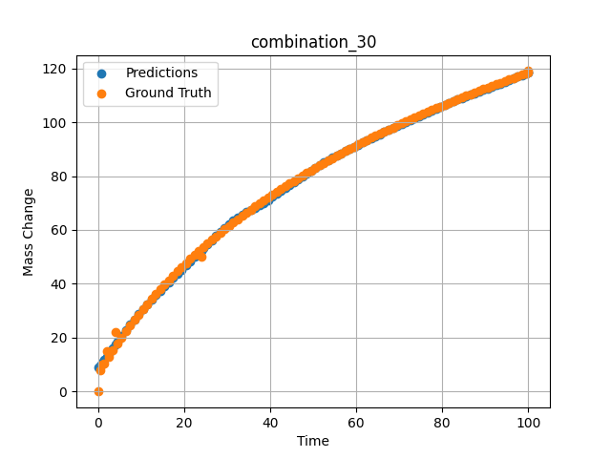
1000 | 18.5 | 21.8 | 10 | 18.4 | 0 | 19.4 | 11.9 | 0 | 2.45245 | 13.02627 | 13.967505455
1000 | 18.5 | 21.8 | 10 | 18.4 | 0 | 19.4 | 11.9 | 0 | 3.45345 | 15.46739 | 16.23223877
1000 | 18.5 | 21.8 | 10 | 18.4 | 0 | 19.4 | 11.9 | 0 | 4.45445 | 17.82748 | 18.432935715
1000 | 18.5 | 21.8 | 10 | 18.4 | 0 | 19.4 | 11.9 | 0 | 5.45546 | 20.11174 | 20.590274811
1000 | 18.5 | 21.8 | 10 | 18.4 | 0 | 19.4 | 11.9 | 0 | 6.45646 | 22.32489 | 22.712654114
1000 | 18.5 | 21.8 | 10 | 18.4 | 0 | 19.4 | 11.9 | 0 | 7.45746 | 24.47124 | 24.783319473
1000 | 18.5 | 21.8 | 10 | 18.4 | 0 | 19.4 | 11.9 | 0 | 8.45846 | 26.55469 | 26.804645538
1000 | 18.5 | 21.8 | 10 | 18.4 | 0 | 19.4 | 11.9 | 0 | 9.45946 | 28.57883 | 28.771060944
1000 | 18.5 | 21.8 | 10 | 18.4 | 0 | 19.4 | 11.9 | 0 | 10.46046 | 30.54693 | 30.67146492
1000 | 18.5 | 21.8 | 10 | 18.4 | 0 | 19.4 | 11.9 | 0 | 11.46146 | 32.46203 | 32.490139008
1000 | 18.5 | 21.8 | 10 | 18.4 | 0 | 19.4 | 11.9 | 0 | 12.46246 | 34.3269 | 34.206367493
1000 | 18.5 | 21.8 | 10 | 18.4 | 0 | 19.4 | 11.9 | 0 | 13.46346 | 36.14411 | 35.806827545
1000 | 18.5 | 21.8 | 10 | 18.4 | 0 | 19.4 | 11.9 | 0 | 14.46446 | 37.91603 | 37.383144379
1000 | 18.5 | 21.8 | 10 | 18.4 | 0 | 19.4 | 11.9 | 0 | 15.46547 | 39.64487 | 38.959438324
1000 | 18.5 | 21.8 | 10 | 18.4 | 0 | 19.4 | 11.9 | 0 | 16.46647 | 41.33267 | 40.535541534
1000 | 18.5 | 21.8 | 10 | 18.4 | 0 | 19.4 | 11.9 | 0 | 17.46747 | 42.98133 | 42.111431122
1000 | 18.5 | 21.8 | 10 | 18.4 | 0 | 19.4 | 11.9 | 0 | 18.46847 | 44.59264 | 43.686847687
1000 | 18.5 | 21.8 | 10 | 18.4 | 0 | 19.4 | 11.9 | 0 | 19.46947 | 46.16824 | 45.261543274
1000 | 18.5 | 21.8 | 10 | 18.4 | 0 | 19.4 | 11.9 | 0 | 20.47047 | 47.70968 | 46.83518219
1000 | 18.5 | 21.8 | 10 | 18.4 | 0 | 19.4 | 11.9 | 0 | 21.47147 | 49.21842 | 48.407203674
1000 | 18.5 | 21.8 | 10 | 18.4 | 0 | 19.4 | 11.9 | 0 | 22.47247 | 50.6958 | 49.976726532
1000 | 18.5 | 21.8 | 10 | 18.4 | 0 | 19.4 | 11.9 | 0 | 23.47347 | 52.14312 | 51.54265976
1000 | 18.5 | 21.8 | 10 | 18.4 | 0 | 19.4 | 11.9 | 0 | 24.47447 | 53.56157 | 53.103424072
1000 | 18.5 | 21.8 | 10 | 18.4 | 0 | 19.4 | 11.9 | 0 | 25.47548 | 54.95227 | 54.656555176
1000 | 18.5 | 21.8 | 10 | 18.4 | 0 | 19.4 | 11.9 | 0 | 26.47648 | 56.31629 | 56.198604584
1000 | 18.5 | 21.8 | 10 | 18.4 | 0 | 19.4 | 11.9 | 0 | 27.47748 | 57.65464 | 57.724708557
1000 | 18.5 | 21.8 | 10 | 18.4 | 0 | 19.4 | 11.9 | 0 | 28.47848 | 58.96827 | 59.22776413
1000 | 18.5 | 21.8 | 10 | 18.4 | 0 | 19.4 | 11.9 | 0 | 29.47948 | 60.25807 | 60.697532654
1000 | 18.5 | 21.8 | 10 | 18.4 | 0 | 19.4 | 11.9 | 0 | 30.48048 | 61.52489 | 62.119285583
1000 | 18.5 | 21.8 | 10 | 18.4 | 0 | 19.4 | 11.9 | 0 | 31.48148 | 62.76953 | 63.47183609
1000 | 18.5 | 21.8 | 10 | 18.4 | 0 | 19.4 | 11.9 | 0 | 32.48248 | 63.99277 | 64.724731445
1000 | 18.5 | 21.8 | 10 | 18.4 | 0 | 19.4 | 11.9 | 0 | 33.48348 | 65.19531 | 65.834075928
1000 | 18.5 | 21.8 | 10 | 18.4 | 0 | 19.4 | 11.9 | 0 | 34.48448 | 66.37786 | 66.736984253
1000 | 18.5 | 21.8 | 10 | 18.4 | 0 | 19.4 | 11.9 | 0 | 35.48549 | 67.54107 | 67.478164673
1000 | 18.5 | 21.8 | 10 | 18.4 | 0 | 19.4 | 11.9 | 0 | 36.48649 | 68.68555 | 68.256698608
1000 | 18.5 | 21.8 | 10 | 18.4 | 0 | 19.4 | 11.9 | 0 | 37.48749 | 69.8119 | 69.094619751
1000 | 18.5 | 21.8 | 10 | 18.4 | 0 | 19.4 | 11.9 | 0 | 38.48849 | 70.92069 | 70.029937744
1000 | 18.5 | 21.8 | 10 | 18.4 | 0 | 19.4 | 11.9 | 0 | 39.48949 | 72.01245 | 71.130821228
1000 | 18.5 | 21.8 | 10 | 18.4 | 0 | 19.4 | 11.9 | 0 | 40.49049 | 73.08771 | 72.263305664
1000 | 18.5 | 21.8 | 10 | 18.4 | 0 | 19.4 | 11.9 | 0 | 41.49149 | 74.14695 | 73.389228821
1000 | 18.5 | 21.8 | 10 | 18.4 | 0 | 19.4 | 11.9 | 0 | 42.49249 | 75.19064 | 74.504837036
1000 | 18.5 | 21.8 | 10 | 18.4 | 0 | 19.4 | 11.9 | 0 | 43.49349 | 76.21923 | 75.610046387
1000 | 18.5 | 21.8 | 10 | 18.4 | 0 | 19.4 | 11.9 | 0 | 44.49449 | 77.23316 | 76.705856323
1000 | 18.5 | 21.8 | 10 | 18.4 | 0 | 19.4 | 11.9 | 0 | 45.4955 | 78.23283 | 77.793914795
1000 | 18.5 | 21.8 | 10 | 18.4 | 0 | 19.4 | 11.9 | 0 | 46.4965 | 79.21865 | 78.875808716
1000 | 18.5 | 21.8 | 10 | 18.4 | 0 | 19.4 | 11.9 | 0 | 47.4975 | 80.19098 | 79.95300293
1000 | 18.5 | 21.8 | 10 | 18.4 | 0 | 19.4 | 11.9 | 0 | 48.4985 | 81.1502 | 81.026672363
1000 | 18.5 | 21.8 | 10 | 18.4 | 0 | 19.4 | 11.9 | 0 | 49.4995 | 82.09665 | 82.097808838
1000 | 18.5 | 21.8 | 10 | 18.4 | 0 | 19.4 | 11.9 | 0 | 50.5005 | 83.03067 | 83.156814575
1000 | 18.5 | 21.8 | 10 | 18.4 | 0 | 19.4 | 11.9 | 0 | 51.5015 | 83.95258 | 84.138671875
1000 | 18.5 | 21.8 | 10 | 18.4 | 0 | 19.4 | 11.9 | 0 | 52.5025 | 84.86269 | 85.056503296
1000 | 18.5 | 21.8 | 10 | 18.4 | 0 | 19.4 | 11.9 | 0 | 53.5035 | 85.76129 | 85.93170166
1000 | 18.5 | 21.8 | 10 | 18.4 | 0 | 19.4 | 11.9 | 0 | 54.5045 | 86.64869 | 86.778625488
1000 | 18.5 | 21.8 | 10 | 18.4 | 0 | 19.4 | 11.9 | 0 | 55.50551 | 87.52515 | 87.606933594
1000 | 18.5 | 21.8 | 10 | 18.4 | 0 | 19.4 | 11.9 | 0 | 56.50651 | 88.39093 | 88.422912598
1000 | 18.5 | 21.8 | 10 | 18.4 | 0 | 19.4 | 11.9 | 0 | 57.50751 | 89.2463 | 89.230865479
1000 | 18.5 | 21.8 | 10 | 18.4 | 0 | 19.4 | 11.9 | 0 | 58.50851 | 90.0915 | 90.03352356
1000 | 18.5 | 21.8 | 10 | 18.4 | 0 | 19.4 | 11.9 | 0 | 59.50951 | 90.92678 | 90.832717896
1000 | 18.5 | 21.8 | 10 | 18.4 | 0 | 19.4 | 11.9 | 0 | 60.51051 | 91.75236 | 91.629745483
1000 | 18.5 | 21.8 | 10 | 18.4 | 0 | 19.4 | 11.9 | 0 | 61.51151 | 92.56846 | 92.42539978
1000 | 18.5 | 21.8 | 10 | 18.4 | 0 | 19.4 | 11.9 | 0 | 62.51251 | 93.3753 | 93.219787598
1000 | 18.5 | 21.8 | 10 | 18.4 | 0 | 19.4 | 11.9 | 0 | 63.51351 | 94.17309 | 94.005966187
1000 | 18.5 | 21.8 | 10 | 18.4 | 0 | 19.4 | 11.9 | 0 | 64.51451 | 94.96203 | 94.781951904
1000 | 18.5 | 21.8 | 10 | 18.4 | 0 | 19.4 | 11.9 | 0 | 65.51552 | 95.74232 | 95.548690796
1000 | 18.5 | 21.8 | 10 | 18.4 | 0 | 19.4 | 11.9 | 0 | 66.51652 | 96.51413 | 96.307022095
1000 | 18.5 | 21.8 | 10 | 18.4 | 0 | 19.4 | 11.9 | 0 | 67.51752 | 97.27766 | 97.057662964
1000 | 18.5 | 21.8 | 10 | 18.4 | 0 | 19.4 | 11.9 | 0 | 68.51852 | 98.03307 | 97.801254272
1000 | 18.5 | 21.8 | 10 | 18.4 | 0 | 19.4 | 11.9 | 0 | 69.51952 | 98.78054 | 98.538497925
1000 | 18.5 | 21.8 | 10 | 18.4 | 0 | 19.4 | 11.9 | 0 | 70.52052 | 99.52024 | 99.269897461
1000 | 18.5 | 21.8 | 10 | 18.4 | 0 | 19.4 | 11.9 | 0 | 71.52152 | 100.25233 | 99.995941162
1000 | 18.5 | 21.8 | 10 | 18.4 | 0 | 19.4 | 11.9 | 0 | 72.52252 | 100.97695 | 100.7170105
1000 | 18.5 | 21.8 | 10 | 18.4 | 0 | 19.4 | 11.9 | 0 | 73.52352 | 101.69426 | 101.43360901
1000 | 18.5 | 21.8 | 10 | 18.4 | 0 | 19.4 | 11.9 | 0 | 74.52452 | 102.40441 | 102.14590454
1000 | 18.5 | 21.8 | 10 | 18.4 | 0 | 19.4 | 11.9 | 0 | 75.52553 | 103.10754 | 102.85409546
1000 | 18.5 | 21.8 | 10 | 18.4 | 0 | 19.4 | 11.9 | 0 | 76.52653 | 103.80378 | 103.55833435
1000 | 18.5 | 21.8 | 10 | 18.4 | 0 | 19.4 | 11.9 | 0 | 77.52753 | 104.49327 | 104.25863647
1000 | 18.5 | 21.8 | 10 | 18.4 | 0 | 19.4 | 11.9 | 0 | 78.52853 | 105.17615 | 104.95458984
1000 | 18.5 | 21.8 | 10 | 18.4 | 0 | 19.4 | 11.9 | 0 | 79.52953 | 105.85252 | 105.6459198
1000 | 18.5 | 21.8 | 10 | 18.4 | 0 | 19.4 | 11.9 | 0 | 80.53053 | 106.52252 | 106.33180237
1000 | 18.5 | 21.8 | 10 | 18.4 | 0 | 19.4 | 11.9 | 0 | 81.53153 | 107.18627 | 107.01109314
1000 | 18.5 | 21.8 | 10 | 18.4 | 0 | 19.4 | 11.9 | 0 | 82.53253 | 107.84388 | 107.68191528
1000 | 18.5 | 21.8 | 10 | 18.4 | 0 | 19.4 | 11.9 | 0 | 83.53353 | 108.49547 | 108.34196472
1000 | 18.5 | 21.8 | 10 | 18.4 | 0 | 19.4 | 11.9 | 0 | 84.53453 | 109.14114 | 108.98753357
1000 | 18.5 | 21.8 | 10 | 18.4 | 0 | 19.4 | 11.9 | 0 | 85.53554 | 109.781 | 109.61376953
1000 | 18.5 | 21.8 | 10 | 18.4 | 0 | 19.4 | 11.9 | 0 | 86.53654 | 110.41515 | 110.21376038
1000 | 18.5 | 21.8 | 10 | 18.4 | 0 | 19.4 | 11.9 | 0 | 87.53754 | 111.04369 | 110.77867126
1000 | 18.5 | 21.8 | 10 | 18.4 | 0 | 19.4 | 11.9 | 0 | 88.53854 | 111.66673 | 111.33500671
1000 | 18.5 | 21.8 | 10 | 18.4 | 0 | 19.4 | 11.9 | 0 | 89.53954 | 112.28436 | 111.90031433
1000 | 18.5 | 21.8 | 10 | 18.4 | 0 | 19.4 | 11.9 | 0 | 90.54054 | 112.89667 | 112.47579956
1000 | 18.5 | 21.8 | 10 | 18.4 | 0 | 19.4 | 11.9 | 0 | 91.54154 | 113.50376 | 113.06271362
1000 | 18.5 | 21.8 | 10 | 18.4 | 0 | 19.4 | 11.9 | 0 | 92.54254 | 114.1057 | 113.66264343
1000 | 18.5 | 21.8 | 10 | 18.4 | 0 | 19.4 | 11.9 | 0 | 93.54354 | 114.70259 | 114.2766571
1000 | 18.5 | 21.8 | 10 | 18.4 | 0 | 19.4 | 11.9 | 0 | 94.54454 | 115.29451 | 114.9012146
1000 | 18.5 | 21.8 | 10 | 18.4 | 0 | 19.4 | 11.9 | 0 | 95.54555 | 115.88155 | 115.53692627
1000 | 18.5 | 21.8 | 10 | 18.4 | 0 | 19.4 | 11.9 | 0 | 96.54655 | 116.46378 | 116.18571472
1000 | 18.5 | 21.8 | 10 | 18.4 | 0 | 19.4 | 11.9 | 0 | 97.54755 | 117.04128 | 116.85012817
1000 | 18.5 | 21.8 | 10 | 18.4 | 0 | 19.4 | 11.9 | 0 | 98.54855 | 117.61413 | 117.53305054
1000 | 18.5 | 21.8 | 10 | 18.4 | 0 | 19.4 | 11.9 | 0 | 99.4995 | 118.15413 | 118.2021637
1000 | 18.5 | 21.8 | 10 | 18.4 | 0 | 19.4 | 11.9 | 0 | 100 | 118.43683 | 118.56349182

combination_31
Temperature [C] | Zr [at%] | Nb [at%] | Mo [at%] | Cr [at%] | Al [at%] | Ti [at%] | Ta [at%] | W [at%] | Time [h] | Mass Change [mg.cm2] | Unnamed: 11
1300.0, 20.0, 21.8, 0.0, 23.5, 24.7, 10.0, 0.0
 | Ground truth

combination_32
Temperature [C] | Zr [at%] | Nb [at%] | Mo [at%] | Cr [at%] | Al [at%] | Ti [at%] | Ta [at%] | W [at%] | Time [h] | Mass Change [mg.cm2] | Unnamed: 11
1300.0, 22.2, 22.5, 0.0, 0.0, 23.0, 10.2, 0.0
 | Ground truth

combination_33
Temperature [C] | Zr [at%] | Nb [at%] | Mo [at%] | Cr [at%] | Al [at%] | Ti [at%] | Ta [at%] | W [at%] | Time [h] | Mass Change [mg.cm2] | Unnamed: 11
1300.0, 17.1, 17.7, 0.0, 18.3, 17.0, 7.0, 0.0
 | Ground truth

combination_34
1200.0, 25.0, 0.0, 0.0, 25.0, 25.0, 25.0, 0.0
Temperature [C] | Zr [at%] | Nb [at%] | Mo [at%] | Cr [at%] | Al [at%] | Ti [at%] | Ta [at%] | W [at%] | Time [h] | Mass Change [mg.cm2] | Mass change - predictions
1200 | 0 | 0 | 25 | 25 | 25 | 25 | 0 | 0 | 0 | 0 | 1.9332680702
1200 | 0 | 0 | 25 | 25 | 25 | 25 | 0 | 0 | 0.04806 | 0.46193 | 1.9426887035
1200 | 0 | 0 | 25 | 25 | 25 | 25 | 0 | 0 | 0.1539 | 1.06217 | 1.9635204077
1200 | 0 | 0 | 25 | 25 | 25 | 25 | 0 | 0 | 0.25013 | 1.42047 | 1.9825251102
1200 | 0 | 0 | 25 | 25 | 25 | 25 | 0 | 0 | 0.34637 | 1.88297 | 2.0016124249
1200 | 0 | 0 | 25 | 25 | 25 | 25 | 0 | 0 | 0.44263 | 2.2825 | 2.0208005905
1200 | 0 | 0 | 25 | 25 | 25 | 25 | 0 | 0 | 0.54853 | 2.46396 | 2.0420274734
1200 | 0 | 0 | 25 | 25 | 25 | 25 | 0 | 0 | 0.65447 | 2.55947 | 2.0633661747
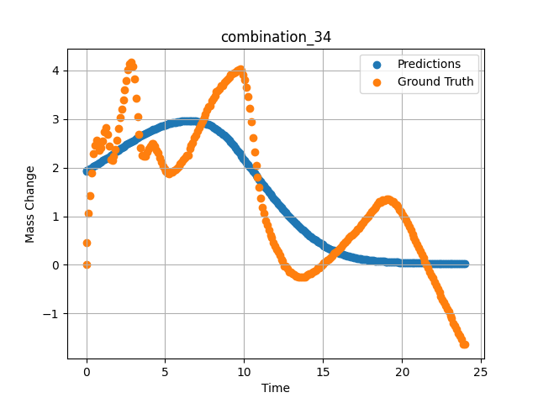
1200 | 0 | 0 | 25 | 25 | 25 | 25 | 0 | 0 | 0.7507 | 2.47177 | 2.0828654766
1200 | 0 | 0 | 25 | 25 | 25 | 25 | 0 | 0 | 0.8469 | 2.3657 | 2.1024730206
1200 | 0 | 0 | 25 | 25 | 25 | 25 | 0 | 0 | 0.94313 | 2.4103 | 2.1222128868
1200 | 0 | 0 | 25 | 25 | 25 | 25 | 0 | 0 | 1.049 | 2.5486 | 2.1440708637
1200 | 0 | 0 | 25 | 25 | 25 | 25 | 0 | 0 | 1.15483 | 2.73263 | 2.1661014557
1200 | 0 | 0 | 25 | 25 | 25 | 25 | 0 | 0 | 1.25113 | 2.81733 | 2.1863121986
1200 | 0 | 0 | 25 | 25 | 25 | 25 | 0 | 0 | 1.34743 | 2.68503 | 2.2066800594
1200 | 0 | 0 | 25 | 25 | 25 | 25 | 0 | 0 | 1.44367 | 2.43579 | 2.2272224426
1200 | 0 | 0 | 25 | 25 | 25 | 25 | 0 | 0 | 1.5495 | 2.16069 | 2.2500109673
1200 | 0 | 0 | 25 | 25 | 25 | 25 | 0 | 0 | 1.65537 | 2.14757 | 2.2730543613
1200 | 0 | 0 | 25 | 25 | 25 | 25 | 0 | 0 | 1.75163 | 2.24427 | 2.2942607403
1200 | 0 | 0 | 25 | 25 | 25 | 25 | 0 | 0 | 1.84787 | 2.37545 | 2.3156983852
1200 | 0 | 0 | 25 | 25 | 25 | 25 | 0 | 0 | 1.9442 | 2.56359 | 2.3373811245
1200 | 0 | 0 | 25 | 25 | 25 | 25 | 0 | 0 | 2.05008 | 2.80846 | 2.3611593246
1200 | 0 | 0 | 25 | 25 | 25 | 25 | 0 | 0 | 2.156 | 3.02571 | 2.384714365
1200 | 0 | 0 | 25 | 25 | 25 | 25 | 0 | 0 | 2.2523 | 3.21236 | 2.4059255123
1200 | 0 | 0 | 25 | 25 | 25 | 25 | 0 | 0 | 2.34863 | 3.40163 | 2.426928997
1200 | 0 | 0 | 25 | 25 | 25 | 25 | 0 | 0 | 2.44487 | 3.59653 | 2.4476959705
1200 | 0 | 0 | 25 | 25 | 25 | 25 | 0 | 0 | 2.55075 | 3.79323 | 2.470271349
1200 | 0 | 0 | 25 | 25 | 25 | 25 | 0 | 0 | 2.65663 | 4.0148 | 2.4925599098
1200 | 0 | 0 | 25 | 25 | 25 | 25 | 0 | 0 | 2.75287 | 4.13773 | 2.5125522614
1200 | 0 | 0 | 25 | 25 | 25 | 25 | 0 | 0 | 2.8492 | 4.16546 | 2.5322980881
1200 | 0 | 0 | 25 | 25 | 25 | 25 | 0 | 0 | 2.94553 | 4.08451 | 2.5517656803
1200 | 0 | 0 | 25 | 25 | 25 | 25 | 0 | 0 | 3.0515 | 3.83321 | 2.572842598
1200 | 0 | 0 | 25 | 25 | 25 | 25 | 0 | 0 | 3.1574 | 3.42375 | 2.5935549736
1200 | 0 | 0 | 25 | 25 | 25 | 25 | 0 | 0 | 3.25363 | 3.0512 | 2.6120352745
1200 | 0 | 0 | 25 | 25 | 25 | 25 | 0 | 0 | 3.34997 | 2.68353 | 2.6302125454
1200 | 0 | 0 | 25 | 25 | 25 | 25 | 0 | 0 | 3.44633 | 2.41667 | 2.648062706
1200 | 0 | 0 | 25 | 25 | 25 | 25 | 0 | 0 | 3.5427 | 2.26188 | 2.6655724049
1200 | 0 | 0 | 25 | 25 | 25 | 25 | 0 | 0 | 3.64864 | 2.22815 | 2.6843776703
1200 | 0 | 0 | 25 | 25 | 25 | 25 | 0 | 0 | 3.75453 | 2.22928 | 2.702737093
1200 | 0 | 0 | 25 | 25 | 25 | 25 | 0 | 0 | 3.85087 | 2.32822 | 2.7190487385
1200 | 0 | 0 | 25 | 25 | 25 | 25 | 0 | 0 | 3.9472 | 2.39831 | 2.7349379063
1200 | 0 | 0 | 25 | 25 | 25 | 25 | 0 | 0 | 4.04353 | 2.44928 | 2.7504198551
1200 | 0 | 0 | 25 | 25 | 25 | 25 | 0 | 0 | 4.14947 | 2.49176 | 2.7669813633
1200 | 0 | 0 | 25 | 25 | 25 | 25 | 0 | 0 | 4.25543 | 2.49501 | 2.7829899788
1200 | 0 | 0 | 25 | 25 | 25 | 25 | 0 | 0 | 4.35177 | 2.44403 | 2.7970836163
1200 | 0 | 0 | 25 | 25 | 25 | 25 | 0 | 0 | 4.4482 | 2.35596 | 2.8107206821
1200 | 0 | 0 | 25 | 25 | 25 | 25 | 0 | 0 | 4.5445 | 2.29749 | 2.8238620758
1200 | 0 | 0 | 25 | 25 | 25 | 25 | 0 | 0 | 4.65047 | 2.20941 | 2.8377530575
1200 | 0 | 0 | 25 | 25 | 25 | 25 | 0 | 0 | 4.75637 | 2.10972 | 2.8510365486
1200 | 0 | 0 | 25 | 25 | 25 | 25 | 0 | 0 | 4.8527 | 2.03551 | 2.8625497818
1200 | 0 | 0 | 25 | 25 | 25 | 25 | 0 | 0 | 4.94897 | 1.97891 | 2.8735525608
1200 | 0 | 0 | 25 | 25 | 25 | 25 | 0 | 0 | 5.0453 | 1.92719 | 2.8840014935
1200 | 0 | 0 | 25 | 25 | 25 | 25 | 0 | 0 | 5.15128 | 1.88834 | 2.8948569298
1200 | 0 | 0 | 25 | 25 | 25 | 25 | 0 | 0 | 5.25713 | 1.88072 | 2.9049875736
1200 | 0 | 0 | 25 | 25 | 25 | 25 | 0 | 0 | 5.35347 | 1.90133 | 2.9135820866
1200 | 0 | 0 | 25 | 25 | 25 | 25 | 0 | 0 | 5.44977 | 1.91333 | 2.9215838909
1200 | 0 | 0 | 25 | 25 | 25 | 25 | 0 | 0 | 5.54607 | 1.94069 | 2.9289667606
1200 | 0 | 0 | 25 | 25 | 25 | 25 | 0 | 0 | 5.64247 | 1.9598 | 2.9357030392
1200 | 0 | 0 | 25 | 25 | 25 | 25 | 0 | 0 | 5.74842 | 1.99484 | 2.9423644543
1200 | 0 | 0 | 25 | 25 | 25 | 25 | 0 | 0 | 5.85437 | 2.03438 | 2.9482235909
1200 | 0 | 0 | 25 | 25 | 25 | 25 | 0 | 0 | 5.95073 | 2.07599 | 2.952829361
1200 | 0 | 0 | 25 | 25 | 25 | 25 | 0 | 0 | 6.0471 | 2.11047 | 2.9567396641
1200 | 0 | 0 | 25 | 25 | 25 | 25 | 0 | 0 | 6.14347 | 2.16519 | 2.9599149227
1200 | 0 | 0 | 25 | 25 | 25 | 25 | 0 | 0 | 6.24933 | 2.20098 | 2.9625883102
1200 | 0 | 0 | 25 | 25 | 25 | 25 | 0 | 0 | 6.35537 | 2.25589 | 2.9643514156
1200 | 0 | 0 | 25 | 25 | 25 | 25 | 0 | 0 | 6.45173 | 2.25139 | 2.9651405811
1200 | 0 | 0 | 25 | 25 | 25 | 25 | 0 | 0 | 6.54807 | 2.39269 | 2.9651501179
1200 | 0 | 0 | 25 | 25 | 25 | 25 | 0 | 0 | 6.64443 | 2.45978 | 2.9643614292
1200 | 0 | 0 | 25 | 25 | 25 | 25 | 0 | 0 | 6.75042 | 2.508 | 2.9625349045
1200 | 0 | 0 | 25 | 25 | 25 | 25 | 0 | 0 | 6.85643 | 2.61157 | 2.9597165585
1200 | 0 | 0 | 25 | 25 | 25 | 25 | 0 | 0 | 6.95283 | 2.67341 | 2.9562432766
1200 | 0 | 0 | 25 | 25 | 25 | 25 | 0 | 0 | 7.04917 | 2.74799 | 2.9518873692
1200 | 0 | 0 | 25 | 25 | 25 | 25 | 0 | 0 | 7.1455 | 2.82145 | 2.9466598034
1200 | 0 | 0 | 25 | 25 | 25 | 25 | 0 | 0 | 7.25153 | 2.89154 | 2.939753294
1200 | 0 | 0 | 25 | 25 | 25 | 25 | 0 | 0 | 7.35757 | 2.96387 | 2.9311892986
1200 | 0 | 0 | 25 | 25 | 25 | 25 | 0 | 0 | 7.4539 | 3.03733 | 2.9219257832
1200 | 0 | 0 | 25 | 25 | 25 | 25 | 0 | 0 | 7.5503 | 3.10929 | 2.9112341404
1200 | 0 | 0 | 25 | 25 | 25 | 25 | 0 | 0 | 7.64663 | 3.1805 | 2.8991444111
1200 | 0 | 0 | 25 | 25 | 25 | 25 | 0 | 0 | 7.74303 | 3.24947 | 2.8856244087
1200 | 0 | 0 | 25 | 25 | 25 | 25 | 0 | 0 | 7.84906 | 3.27133 | 2.8691122532
1200 | 0 | 0 | 25 | 25 | 25 | 25 | 0 | 0 | 7.95507 | 3.37015 | 2.8508899212
1200 | 0 | 0 | 25 | 25 | 25 | 25 | 0 | 0 | 8.0515 | 3.43574 | 2.8328094482
1200 | 0 | 0 | 25 | 25 | 25 | 25 | 0 | 0 | 8.1479 | 3.48109 | 2.8133094311
1200 | 0 | 0 | 25 | 25 | 25 | 25 | 0 | 0 | 8.24423 | 3.56842 | 2.7924201488
1200 | 0 | 0 | 25 | 25 | 25 | 25 | 0 | 0 | 8.35025 | 3.58897 | 2.7677547932
1200 | 0 | 0 | 25 | 25 | 25 | 25 | 0 | 0 | 8.45627 | 3.61826 | 2.7413737774
1200 | 0 | 0 | 25 | 25 | 25 | 25 | 0 | 0 | 8.55263 | 3.69397 | 2.7158837318
1200 | 0 | 0 | 25 | 25 | 25 | 25 | 0 | 0 | 8.64903 | 3.69622 | 2.6889724731
1200 | 0 | 0 | 25 | 25 | 25 | 25 | 0 | 0 | 8.7454 | 3.75169 | 2.6606042385
1200 | 0 | 0 | 25 | 25 | 25 | 25 | 0 | 0 | 8.85142 | 3.7898 | 2.6277701855
1200 | 0 | 0 | 25 | 25 | 25 | 25 | 0 | 0 | 8.95737 | 3.82365 | 2.5932152271
1200 | 0 | 0 | 25 | 25 | 25 | 25 | 0 | 0 | 9.05367 | 3.86113 | 2.5603044033
1200 | 0 | 0 | 25 | 25 | 25 | 25 | 0 | 0 | 9.1501 | 3.90536 | 2.5259354115
1200 | 0 | 0 | 25 | 25 | 25 | 25 | 0 | 0 | 9.2465 | 3.93384 | 2.490146637
1200 | 0 | 0 | 25 | 25 | 25 | 25 | 0 | 0 | 9.34293 | 3.95371 | 2.4529235363
1200 | 0 | 0 | 25 | 25 | 25 | 25 | 0 | 0 | 9.44892 | 3.97313 | 2.4103662968
1200 | 0 | 0 | 25 | 25 | 25 | 25 | 0 | 0 | 9.555 | 3.99793 | 2.3660759926
1200 | 0 | 0 | 25 | 25 | 25 | 25 | 0 | 0 | 9.6514 | 4.02492 | 2.3243598938
1200 | 0 | 0 | 25 | 25 | 25 | 25 | 0 | 0 | 9.74777 | 4.03129 | 2.2817208767
1200 | 0 | 0 | 25 | 25 | 25 | 25 | 0 | 0 | 9.8442 | 3.99718 | 2.2390372753
1200 | 0 | 0 | 25 | 25 | 25 | 25 | 0 | 0 | 9.95025 | 3.9191 | 2.1920998096
1200 | 0 | 0 | 25 | 25 | 25 | 25 | 0 | 0 | 10.05623 | 3.80454 | 2.1452202797
1200 | 0 | 0 | 25 | 25 | 25 | 25 | 0 | 0 | 10.15267 | 3.65912 | 2.1026103497
1200 | 0 | 0 | 25 | 25 | 25 | 25 | 0 | 0 | 10.24907 | 3.4571 | 2.0600833893
1200 | 0 | 0 | 25 | 25 | 25 | 25 | 0 | 0 | 10.34543 | 3.22735 | 2.0176510811
1200 | 0 | 0 | 25 | 25 | 25 | 25 | 0 | 0 | 10.4515 | 2.93683 | 1.9710296392
1200 | 0 | 0 | 25 | 25 | 25 | 25 | 0 | 0 | 10.55753 | 2.60894 | 1.9245595932
1200 | 0 | 0 | 25 | 25 | 25 | 25 | 0 | 0 | 10.6539 | 2.32935 | 1.8824708462
1200 | 0 | 0 | 25 | 25 | 25 | 25 | 0 | 0 | 10.75023 | 2.05275 | 1.8405325413
1200 | 0 | 0 | 25 | 25 | 25 | 25 | 0 | 0 | 10.84667 | 1.81288 | 1.7987085581
1200 | 0 | 0 | 25 | 25 | 25 | 25 | 0 | 0 | 10.94313 | 1.59363 | 1.7570528984
1200 | 0 | 0 | 25 | 25 | 25 | 25 | 0 | 0 | 11.04919 | 1.36456 | 1.7114857435
1200 | 0 | 0 | 25 | 25 | 25 | 25 | 0 | 0 | 11.15523 | 1.1896 | 1.6661822796
1200 | 0 | 0 | 25 | 25 | 25 | 25 | 0 | 0 | 11.25163 | 1.06329 | 1.6252425909
1200 | 0 | 0 | 25 | 25 | 25 | 25 | 0 | 0 | 11.34807 | 0.90888 | 1.5845506191
1200 | 0 | 0 | 25 | 25 | 25 | 25 | 0 | 0 | 11.44453 | 0.81293 | 1.544126749
1200 | 0 | 0 | 25 | 25 | 25 | 25 | 0 | 0 | 11.55058 | 0.71804 | 1.5000267029
1200 | 0 | 0 | 25 | 25 | 25 | 25 | 0 | 0 | 11.6567 | 0.60604 | 1.456272006
1200 | 0 | 0 | 25 | 25 | 25 | 25 | 0 | 0 | 11.7531 | 0.5547 | 1.4168865681
1200 | 0 | 0 | 25 | 25 | 25 | 25 | 0 | 0 | 11.84957 | 0.46212 | 1.3778281212
1200 | 0 | 0 | 25 | 25 | 25 | 25 | 0 | 0 | 11.94593 | 0.38754 | 1.3391872644
1200 | 0 | 0 | 25 | 25 | 25 | 25 | 0 | 0 | 12.04233 | 0.31333 | 1.3009370565
1200 | 0 | 0 | 25 | 25 | 25 | 25 | 0 | 0 | 12.14847 | 0.26048 | 1.2593024969
1200 | 0 | 0 | 25 | 25 | 25 | 25 | 0 | 0 | 12.25457 | 0.19264 | 1.2182122469
1200 | 0 | 0 | 25 | 25 | 25 | 25 | 0 | 0 | 12.35113 | 0.11844 | 1.1813186407
1200 | 0 | 0 | 25 | 25 | 25 | 25 | 0 | 0 | 12.4476 | 0.07833 | 1.144918561
1200 | 0 | 0 | 25 | 25 | 25 | 25 | 0 | 0 | 12.54403 | -0.02249 | 1.1090397835
1200 | 0 | 0 | 25 | 25 | 25 | 25 | 0 | 0 | 12.65014 | -0.02592 | 1.0701596737
1200 | 0 | 0 | 25 | 25 | 25 | 25 | 0 | 0 | 12.7563 | -0.07758 | 1.0319156647
1200 | 0 | 0 | 25 | 25 | 25 | 25 | 0 | 0 | 12.8528 | -0.14579 | 0.99772506952
1200 | 0 | 0 | 25 | 25 | 25 | 25 | 0 | 0 | 12.94927 | -0.15516 | 0.96413373947
1200 | 0 | 0 | 25 | 25 | 25 | 25 | 0 | 0 | 13.0457 | -0.18777 | 0.93113768101
1200 | 0 | 0 | 25 | 25 | 25 | 25 | 0 | 0 | 13.15178 | -0.19927 | 0.89553123713
1200 | 0 | 0 | 25 | 25 | 25 | 25 | 0 | 0 | 13.2579 | -0.22862 | 0.86067450047
1200 | 0 | 0 | 25 | 25 | 25 | 25 | 0 | 0 | 13.3544 | -0.24212 | 0.82963222265
1200 | 0 | 0 | 25 | 25 | 25 | 25 | 0 | 0 | 13.45087 | -0.24999 | 0.7992566824
1200 | 0 | 0 | 25 | 25 | 25 | 25 | 0 | 0 | 13.54733 | -0.24886 | 0.76954209805
1200 | 0 | 0 | 25 | 25 | 25 | 25 | 0 | 0 | 13.64383 | -0.25523 | 0.74047863483
1200 | 0 | 0 | 25 | 25 | 25 | 25 | 0 | 0 | 13.74992 | -0.25267 | 0.70931327343
1200 | 0 | 0 | 25 | 25 | 25 | 25 | 0 | 0 | 13.85607 | -0.24699 | 0.67896509171
1200 | 0 | 0 | 25 | 25 | 25 | 25 | 0 | 0 | 13.95253 | -0.22113 | 0.65211540461
1200 | 0 | 0 | 25 | 25 | 25 | 25 | 0 | 0 | 14.049 | -0.19189 | 0.62595123053
1200 | 0 | 0 | 25 | 25 | 25 | 25 | 0 | 0 | 14.14553 | -0.1889 | 0.60047900677
1200 | 0 | 0 | 25 | 25 | 25 | 25 | 0 | 0 | 14.25161 | -0.17553 | 0.57330584526
1200 | 0 | 0 | 25 | 25 | 25 | 25 | 0 | 0 | 14.35777 | -0.14242 | 0.54696464539
1200 | 0 | 0 | 25 | 25 | 25 | 25 | 0 | 0 | 14.45427 | -0.13155 | 0.52376413345
1200 | 0 | 0 | 25 | 25 | 25 | 25 | 0 | 0 | 14.5507 | -0.11281 | 0.50127989054
1200 | 0 | 0 | 25 | 25 | 25 | 25 | 0 | 0 | 14.6472 | -0.07009 | 0.47948876023
1200 | 0 | 0 | 25 | 25 | 25 | 25 | 0 | 0 | 14.7437 | -0.05472 | 0.45838901401
1200 | 0 | 0 | 25 | 25 | 25 | 25 | 0 | 0 | 14.84992 | -0.02124 | 0.43597057462
1200 | 0 | 0 | 25 | 25 | 25 | 25 | 0 | 0 | 14.95607 | 0.00375 | 0.41439846158
1200 | 0 | 0 | 25 | 25 | 25 | 25 | 0 | 0 | 15.05253 | 0.03411 | 0.39550706744
1200 | 0 | 0 | 25 | 25 | 25 | 25 | 0 | 0 | 15.14903 | 0.06746 | 0.37727251649
1200 | 0 | 0 | 25 | 25 | 25 | 25 | 0 | 0 | 15.24553 | 0.09557 | 0.35970690846
1200 | 0 | 0 | 25 | 25 | 25 | 25 | 0 | 0 | 15.34203 | 0.10981 | 0.34278419614
1200 | 0 | 0 | 25 | 25 | 25 | 25 | 0 | 0 | 15.44819 | 0.14461 | 0.32491022348
1200 | 0 | 0 | 25 | 25 | 25 | 25 | 0 | 0 | 15.55433 | 0.17953 | 0.30779632926
1200 | 0 | 0 | 25 | 25 | 25 | 25 | 0 | 0 | 15.65083 | 0.22638 | 0.2928763032
1200 | 0 | 0 | 25 | 25 | 25 | 25 | 0 | 0 | 15.7473 | 0.24624 | 0.27855816483
1200 | 0 | 0 | 25 | 25 | 25 | 25 | 0 | 0 | 15.84383 | 0.27435 | 0.26481732726
1200 | 0 | 0 | 25 | 25 | 25 | 25 | 0 | 0 | 15.94997 | 0.30483 | 0.25036323071
1200 | 0 | 0 | 25 | 25 | 25 | 25 | 0 | 0 | 16.05613 | 0.33694 | 0.23657907546
1200 | 0 | 0 | 25 | 25 | 25 | 25 | 0 | 0 | 16.15263 | 0.36805 | 0.22461862862
1200 | 0 | 0 | 25 | 25 | 25 | 25 | 0 | 0 | 16.24917 | 0.41377 | 0.21333584189
1200 | 0 | 0 | 25 | 25 | 25 | 25 | 0 | 0 | 16.34567 | 0.44825 | 0.20275060833
1200 | 0 | 0 | 25 | 25 | 25 | 25 | 0 | 0 | 16.44223 | 0.47524 | 0.19280713797
1200 | 0 | 0 | 25 | 25 | 25 | 25 | 0 | 0 | 16.54847 | 0.51503 | 0.18256647885
1200 | 0 | 0 | 25 | 25 | 25 | 25 | 0 | 0 | 16.65467 | 0.56069 | 0.17301233113
1200 | 0 | 0 | 25 | 25 | 25 | 25 | 0 | 0 | 16.75117 | 0.58993 | 0.16487930715
1200 | 0 | 0 | 25 | 25 | 25 | 25 | 0 | 0 | 16.84773 | 0.62028 | 0.15722982585
1200 | 0 | 0 | 25 | 25 | 25 | 25 | 0 | 0 | 16.94423 | 0.6469 | 0.15003950894
1200 | 0 | 0 | 25 | 25 | 25 | 25 | 0 | 0 | 17.05042 | 0.67869 | 0.14261926711
1200 | 0 | 0 | 25 | 25 | 25 | 25 | 0 | 0 | 17.15657 | 0.73085 | 0.13567829132
1200 | 0 | 0 | 25 | 25 | 25 | 25 | 0 | 0 | 17.25307 | 0.75858 | 0.12975478172
1200 | 0 | 0 | 25 | 25 | 25 | 25 | 0 | 0 | 17.3496 | 0.79794 | 0.12417266518
1200 | 0 | 0 | 25 | 25 | 25 | 25 | 0 | 0 | 17.44607 | 0.83954 | 0.11891329288
1200 | 0 | 0 | 25 | 25 | 25 | 25 | 0 | 0 | 17.54263 | 0.87627 | 0.11394943297
1200 | 0 | 0 | 25 | 25 | 25 | 25 | 0 | 0 | 17.64883 | 0.92324 | 0.10881392658
1200 | 0 | 0 | 25 | 25 | 25 | 25 | 0 | 0 | 17.75503 | 0.9516 | 0.10399313271
1200 | 0 | 0 | 25 | 25 | 25 | 25 | 0 | 0 | 17.85157 | 0.99808 | 0.099866293371
1200 | 0 | 0 | 25 | 25 | 25 | 25 | 0 | 0 | 17.94813 | 1.04043 | 0.095966152847
1200 | 0 | 0 | 25 | 25 | 25 | 25 | 0 | 0 | 18.04467 | 1.09065 | 0.092278629541
1200 | 0 | 0 | 25 | 25 | 25 | 25 | 0 | 0 | 18.151 | 1.12313 | 0.088448628783
1200 | 0 | 0 | 25 | 25 | 25 | 25 | 0 | 0 | 18.25717 | 1.16599 | 0.084848344326
1200 | 0 | 0 | 25 | 25 | 25 | 25 | 0 | 0 | 18.35383 | 1.20009 | 0.081753268838
1200 | 0 | 0 | 25 | 25 | 25 | 25 | 0 | 0 | 18.4504 | 1.24582 | 0.078823707998
1200 | 0 | 0 | 25 | 25 | 25 | 25 | 0 | 0 | 18.5469 | 1.29529 | 0.076048530638
1200 | 0 | 0 | 25 | 25 | 25 | 25 | 0 | 0 | 18.6434 | 1.29454 | 0.0734167099
1200 | 0 | 0 | 25 | 25 | 25 | 25 | 0 | 0 | 18.74967 | 1.33021 | 0.070673577487
1200 | 0 | 0 | 25 | 25 | 25 | 25 | 0 | 0 | 18.85583 | 1.32677 | 0.068085215986
1200 | 0 | 0 | 25 | 25 | 25 | 25 | 0 | 0 | 18.95247 | 1.34214 | 0.065852552652
1200 | 0 | 0 | 25 | 25 | 25 | 25 | 0 | 0 | 19.049 | 1.34888 | 0.063733361661
1200 | 0 | 0 | 25 | 25 | 25 | 25 | 0 | 0 | 19.14557 | 1.35301 | 0.061717607081
1200 | 0 | 0 | 25 | 25 | 25 | 25 | 0 | 0 | 19.25178 | 1.33208 | 0.059613358229
1200 | 0 | 0 | 25 | 25 | 25 | 25 | 0 | 0 | 19.358 | 1.31066 | 0.057620339096
1200 | 0 | 0 | 25 | 25 | 25 | 25 | 0 | 0 | 19.45453 | 1.29679 | 0.055899750441
1200 | 0 | 0 | 25 | 25 | 25 | 25 | 0 | 0 | 19.5511 | 1.24956 | 0.054259717464
1200 | 0 | 0 | 25 | 25 | 25 | 25 | 0 | 0 | 19.64767 | 1.2267 | 0.052696302533
1200 | 0 | 0 | 25 | 25 | 25 | 25 | 0 | 0 | 19.7442 | 1.19522 | 0.051206201315
1200 | 0 | 0 | 25 | 25 | 25 | 25 | 0 | 0 | 19.8505 | 1.12969 | 0.049644008279
1200 | 0 | 0 | 25 | 25 | 25 | 25 | 0 | 0 | 19.95677 | 1.09702 | 0.048160333186
1200 | 0 | 0 | 25 | 25 | 25 | 25 | 0 | 0 | 20.05333 | 1.03106 | 0.046875718981
1200 | 0 | 0 | 25 | 25 | 25 | 25 | 0 | 0 | 20.15 | 0.97896 | 0.045647229999
1200 | 0 | 0 | 25 | 25 | 25 | 25 | 0 | 0 | 20.24663 | 0.92312 | 0.044473286718
1200 | 0 | 0 | 25 | 25 | 25 | 25 | 0 | 0 | 20.3432 | 0.8609 | 0.043351531029
1200 | 0 | 0 | 25 | 25 | 25 | 25 | 0 | 0 | 20.4495 | 0.77707 | 0.042172644287
1200 | 0 | 0 | 25 | 25 | 25 | 25 | 0 | 0 | 20.55577 | 0.71436 | 0.041049893945
1200 | 0 | 0 | 25 | 25 | 25 | 25 | 0 | 0 | 20.65233 | 0.6349 | 0.040075134486
1200 | 0 | 0 | 25 | 25 | 25 | 25 | 0 | 0 | 20.74893 | 0.56781 | 0.039141051471
1200 | 0 | 0 | 25 | 25 | 25 | 25 | 0 | 0 | 20.8455 | 0.4951 | 0.038246311247
1200 | 0 | 0 | 25 | 25 | 25 | 25 | 0 | 0 | 20.95172 | 0.42508 | 0.037304680794
1200 | 0 | 0 | 25 | 25 | 25 | 25 | 0 | 0 | 21.058 | 0.35306 | 0.036404974759
1200 | 0 | 0 | 25 | 25 | 25 | 25 | 0 | 0 | 21.15457 | 0.28597 | 0.035622302443
1200 | 0 | 0 | 25 | 25 | 25 | 25 | 0 | 0 | 21.25117 | 0.21438 | 0.034870810807
1200 | 0 | 0 | 25 | 25 | 25 | 25 | 0 | 0 | 21.34783 | 0.14917 | 0.034148912877
1200 | 0 | 0 | 25 | 25 | 25 | 25 | 0 | 0 | 21.4445 | 0.06484 | 0.033455520868
1200 | 0 | 0 | 25 | 25 | 25 | 25 | 0 | 0 | 21.55083 | 0.00999 | 0.032724175602
1200 | 0 | 0 | 25 | 25 | 25 | 25 | 0 | 0 | 21.657 | -0.05435 | 0.032025147229
1200 | 0 | 0 | 25 | 25 | 25 | 25 | 0 | 0 | 21.75367 | -0.14092 | 0.03141431883
1200 | 0 | 0 | 25 | 25 | 25 | 25 | 0 | 0 | 21.85027 | -0.21026 | 0.030827324837
1200 | 0 | 0 | 25 | 25 | 25 | 25 | 0 | 0 | 21.94697 | -0.26423 | 0.030261961743
1200 | 0 | 0 | 25 | 25 | 25 | 25 | 0 | 0 | 22.0435 | -0.35531 | 0.029718846083
1200 | 0 | 0 | 25 | 25 | 25 | 25 | 0 | 0 | 22.14981 | -0.41883 | 0.029144000262
1200 | 0 | 0 | 25 | 25 | 25 | 25 | 0 | 0 | 22.256 | -0.50185 | 0.028593178838
1200 | 0 | 0 | 25 | 25 | 25 | 25 | 0 | 0 | 22.35267 | -0.56257 | 0.028111087158
1200 | 0 | 0 | 25 | 25 | 25 | 25 | 0 | 0 | 22.44933 | -0.64352 | 0.027646478266
1200 | 0 | 0 | 25 | 25 | 25 | 25 | 0 | 0 | 22.546 | -0.71661 | 0.027198653668
1200 | 0 | 0 | 25 | 25 | 25 | 25 | 0 | 0 | 22.64253 | -0.77133 | 0.026767505333
1200 | 0 | 0 | 25 | 25 | 25 | 25 | 0 | 0 | 22.74883 | -0.83798 | 0.026310445741
1200 | 0 | 0 | 25 | 25 | 25 | 25 | 0 | 0 | 22.85517 | -0.91637 | 0.025870975107
1200 | 0 | 0 | 25 | 25 | 25 | 25 | 0 | 0 | 22.95183 | -0.96622 | 0.025486225262
1200 | 0 | 0 | 25 | 25 | 25 | 25 | 0 | 0 | 23.0485 | -1.04455 | 0.025114741176
1200 | 0 | 0 | 25 | 25 | 25 | 25 | 0 | 0 | 23.14513 | -1.0974 | 0.024756392464
1200 | 0 | 0 | 25 | 25 | 25 | 25 | 0 | 0 | 23.25139 | -1.20028 | 0.024376394227
1200 | 0 | 0 | 25 | 25 | 25 | 25 | 0 | 0 | 23.35767 | -1.24657 | 0.024010619149
1200 | 0 | 0 | 25 | 25 | 25 | 25 | 0 | 0 | 23.45433 | -1.32415 | 0.023689774796
1200 | 0 | 0 | 25 | 25 | 25 | 25 | 0 | 0 | 23.551 | -1.4111 | 0.023379646242
1200 | 0 | 0 | 25 | 25 | 25 | 25 | 0 | 0 | 23.64767 | -1.46807 | 0.023079905659
1200 | 0 | 0 | 25 | 25 | 25 | 25 | 0 | 0 | 23.74433 | -1.52916 | 0.022790173069
1200 | 0 | 0 | 25 | 25 | 25 | 25 | 0 | 0 | 23.88933 | -1.62661 | 0.022373393178
1200 | 0 | 0 | 25 | 25 | 25 | 25 | 0 | 0 | 24 | -1.6416 | 0.02206900157

combination_35
1200.0, 23.75, 0.0, 5.0, 23.75, 23.75, 23.75, 0.0
Temperature [C] | Zr [at%] | Nb [at%] | Mo [at%] | Cr [at%] | Al [at%] | Ti [at%] | Ta [at%] | W [at%] | Time [h] | Mass Change [mg.cm2] | Mass change - predictions
1200 | 0 | 0 | 23.75 | 23.75 | 23.75 | 23.75 | 5 | 0 | 0 | 0 | 1.6576333046
1200 | 0 | 0 | 23.75 | 23.75 | 23.75 | 23.75 | 5 | 0 | 0.49082 | 0.64024 | 1.7711299658
1200 | 0 | 0 | 23.75 | 23.75 | 23.75 | 23.75 | 5 | 0 | 1.49194 | 1.60965 | 2.012016058
1200 | 0 | 0 | 23.75 | 23.75 | 23.75 | 23.75 | 5 | 0 | 2.49327 | 2.30271 | 2.2638528347
1200 | 0 | 0 | 23.75 | 23.75 | 23.75 | 23.75 | 5 | 0 | 3.49488 | 2.83708 | 2.5260519981
1200 | 0 | 0 | 23.75 | 23.75 | 23.75 | 23.75 | 5 | 0 | 4.49654 | 3.28667 | 2.8005206585
1200 | 0 | 0 | 23.75 | 23.75 | 23.75 | 23.75 | 5 | 0 | 5.49833 | 3.61002 | 3.0939114094
1200 | 0 | 0 | 23.75 | 23.75 | 23.75 | 23.75 | 5 | 0 | 6.50043 | 3.80848 | 3.4174063206
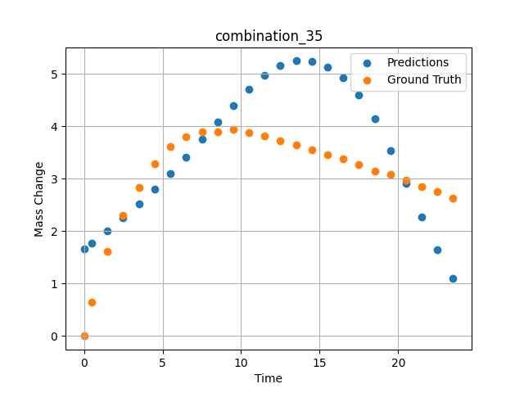
1200 | 0 | 0 | 23.75 | 23.75 | 23.75 | 23.75 | 5 | 0 | 7.50257 | 3.893 | 3.7508342266
1200 | 0 | 0 | 23.75 | 23.75 | 23.75 | 23.75 | 5 | 0 | 8.50485 | 3.90159 | 4.081381321
1200 | 0 | 0 | 23.75 | 23.75 | 23.75 | 23.75 | 5 | 0 | 9.5075 | 3.94277 | 4.401986599
1200 | 0 | 0 | 23.75 | 23.75 | 23.75 | 23.75 | 5 | 0 | 10.50051 | 3.88387 | 4.7022047043
1200 | 0 | 0 | 23.75 | 23.75 | 23.75 | 23.75 | 5 | 0 | 11.49349 | 3.81191 | 4.9740400314
1200 | 0 | 0 | 23.75 | 23.75 | 23.75 | 23.75 | 5 | 0 | 12.49641 | 3.72649 | 5.1621179581
1200 | 0 | 0 | 23.75 | 23.75 | 23.75 | 23.75 | 5 | 0 | 13.49977 | 3.64963 | 5.2500357628
1200 | 0 | 0 | 23.75 | 23.75 | 23.75 | 23.75 | 5 | 0 | 14.50328 | 3.54789 | 5.2405495644
1200 | 0 | 0 | 23.75 | 23.75 | 23.75 | 23.75 | 5 | 0 | 15.50689 | 3.46453 | 5.1321258545
1200 | 0 | 0 | 23.75 | 23.75 | 23.75 | 23.75 | 5 | 0 | 16.50102 | 3.37793 | 4.921359539
1200 | 0 | 0 | 23.75 | 23.75 | 23.75 | 23.75 | 5 | 0 | 17.49536 | 3.26755 | 4.5976595879
1200 | 0 | 0 | 23.75 | 23.75 | 23.75 | 23.75 | 5 | 0 | 18.4994 | 3.15259 | 4.1420507431
1200 | 0 | 0 | 23.75 | 23.75 | 23.75 | 23.75 | 5 | 0 | 19.50371 | 3.0872 | 3.5444402695
1200 | 0 | 0 | 23.75 | 23.75 | 23.75 | 23.75 | 5 | 0 | 20.49846 | 2.97708 | 2.9050116539
1200 | 0 | 0 | 23.75 | 23.75 | 23.75 | 23.75 | 5 | 0 | 21.49342 | 2.84398 | 2.2696313858
1200 | 0 | 0 | 23.75 | 23.75 | 23.75 | 23.75 | 5 | 0 | 22.49828 | 2.75236 | 1.6533204317
1200 | 0 | 0 | 23.75 | 23.75 | 23.75 | 23.75 | 5 | 0 | 23.49449 | 2.62918 | 1.1026462317

combination_36
1200.0, 22.5, 0.0, 10.0, 22.5, 22.5, 22.5, 0.0
Temperature [C] | Zr [at%] | Nb [at%] | Mo [at%] | Cr [at%] | Al [at%] | Ti [at%] | Ta [at%] | W [at%] | Time [h] | Mass Change [mg.cm2] | Mass change - predictions
1200 | 0 | 0 | 22.5 | 22.5 | 22.5 | 22.5 | 10 | 0 | 0 | 0 | 1.2066016197
1200 | 0 | 0 | 22.5 | 22.5 | 22.5 | 22.5 | 10 | 0 | 0.49082 | 0.65618 | 1.3088924885
1200 | 0 | 0 | 22.5 | 22.5 | 22.5 | 22.5 | 10 | 0 | 1.49171 | 1.23457 | 1.5330941677
1200 | 0 | 0 | 22.5 | 22.5 | 22.5 | 22.5 | 10 | 0 | 2.49279 | 1.90741 | 1.7745707035
1200 | 0 | 0 | 22.5 | 22.5 | 22.5 | 22.5 | 10 | 0 | 3.49402 | 2.64926 | 2.0295107365
1200 | 0 | 0 | 22.5 | 22.5 | 22.5 | 22.5 | 10 | 0 | 4.49576 | 3.31362 | 2.2946724892
1200 | 0 | 0 | 22.5 | 22.5 | 22.5 | 22.5 | 10 | 0 | 5.49788 | 3.89691 | 2.5670363903
1200 | 0 | 0 | 22.5 | 22.5 | 22.5 | 22.5 | 10 | 0 | 6.50016 | 4.43668 | 2.8440418243
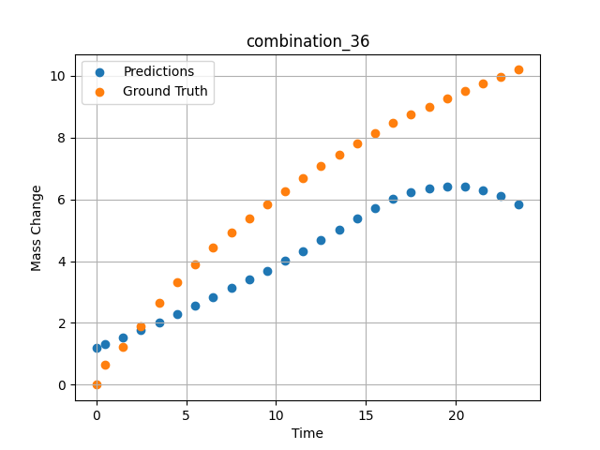
1200 | 0 | 0 | 22.5 | 22.5 | 22.5 | 22.5 | 10 | 0 | 7.50257 | 4.9276 | 3.1240124702
1200 | 0 | 0 | 22.5 | 22.5 | 22.5 | 22.5 | 10 | 0 | 8.50519 | 5.38775 | 3.4073524475
1200 | 0 | 0 | 22.5 | 22.5 | 22.5 | 22.5 | 10 | 0 | 9.50779 | 5.83221 | 3.6986854076
1200 | 0 | 0 | 22.5 | 22.5 | 22.5 | 22.5 | 10 | 0 | 10.50075 | 6.26395 | 4.007581234
1200 | 0 | 0 | 22.5 | 22.5 | 22.5 | 22.5 | 10 | 0 | 11.49382 | 6.68921 | 4.3365097046
1200 | 0 | 0 | 22.5 | 22.5 | 22.5 | 22.5 | 10 | 0 | 12.49676 | 7.09216 | 4.6793813705
1200 | 0 | 0 | 22.5 | 22.5 | 22.5 | 22.5 | 10 | 0 | 13.49993 | 7.45786 | 5.0268797874
1200 | 0 | 0 | 22.5 | 22.5 | 22.5 | 22.5 | 10 | 0 | 14.50334 | 7.80354 | 5.3729400635
1200 | 0 | 0 | 22.5 | 22.5 | 22.5 | 22.5 | 10 | 0 | 15.50689 | 8.14589 | 5.7113456726
1200 | 0 | 0 | 22.5 | 22.5 | 22.5 | 22.5 | 10 | 0 | 16.50084 | 8.47093 | 6.0130882263
1200 | 0 | 0 | 22.5 | 22.5 | 22.5 | 22.5 | 10 | 0 | 17.4949 | 8.75562 | 6.2293176651
1200 | 0 | 0 | 22.5 | 22.5 | 22.5 | 22.5 | 10 | 0 | 18.49915 | 9.0078 | 6.3655123711
1200 | 0 | 0 | 22.5 | 22.5 | 22.5 | 22.5 | 10 | 0 | 19.5036 | 9.25976 | 6.4234824181
1200 | 0 | 0 | 22.5 | 22.5 | 22.5 | 22.5 | 10 | 0 | 20.49842 | 9.50919 | 6.4045615196
1200 | 0 | 0 | 22.5 | 22.5 | 22.5 | 22.5 | 10 | 0 | 21.49334 | 9.73922 | 6.3069114685
1200 | 0 | 0 | 22.5 | 22.5 | 22.5 | 22.5 | 10 | 0 | 22.4983 | 9.968 | 6.1218547821
1200 | 0 | 0 | 22.5 | 22.5 | 22.5 | 22.5 | 10 | 0 | 23.49367 | 10.19694 | 5.8427639008

combination_37
1200.0, 21.25, 0.0, 15.0, 21.25, 21.25, 21.25, 0.0
Temperature [C] | Zr [at%] | Nb [at%] | Mo [at%] | Cr [at%] | Al [at%] | Ti [at%] | Ta [at%] | W [at%] | Time [h] | Mass Change [mg.cm2] | Mass change - predictions
1200 | 0 | 0 | 21.25 | 21.25 | 21.25 | 21.25 | 15 | 0 | 0 | 0 | 0.83957248926
1200 | 0 | 0 | 21.25 | 21.25 | 21.25 | 21.25 | 15 | 0 | 0.49078 | 0.25729 | 0.92285966873
1200 | 0 | 0 | 21.25 | 21.25 | 21.25 | 21.25 | 15 | 0 | 1.49173 | 0.51494 | 1.117511034
1200 | 0 | 0 | 21.25 | 21.25 | 21.25 | 21.25 | 15 | 0 | 2.49281 | 0.65372 | 1.338070631
1200 | 0 | 0 | 21.25 | 21.25 | 21.25 | 21.25 | 15 | 0 | 3.49423 | 0.78965 | 1.5780330896
1200 | 0 | 0 | 21.25 | 21.25 | 21.25 | 21.25 | 15 | 0 | 4.49595 | 0.95463 | 1.8332343102
1200 | 0 | 0 | 21.25 | 21.25 | 21.25 | 21.25 | 15 | 0 | 5.49788 | 1.1871 | 2.1005041599
1200 | 0 | 0 | 21.25 | 21.25 | 21.25 | 21.25 | 15 | 0 | 6.49995 | 1.41561 | 2.3767068386
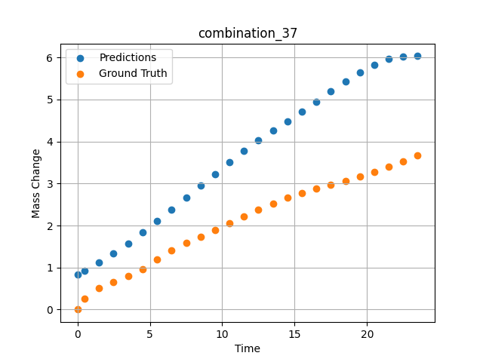
1200 | 0 | 0 | 21.25 | 21.25 | 21.25 | 21.25 | 15 | 0 | 7.50226 | 1.58469 | 2.6588199139
1200 | 0 | 0 | 21.25 | 21.25 | 21.25 | 21.25 | 15 | 0 | 8.50459 | 1.7392 | 2.943710804
1200 | 0 | 0 | 21.25 | 21.25 | 21.25 | 21.25 | 15 | 0 | 9.50727 | 1.8844 | 3.2281785011
1200 | 0 | 0 | 21.25 | 21.25 | 21.25 | 21.25 | 15 | 0 | 10.50035 | 2.04758 | 3.5056276321
1200 | 0 | 0 | 21.25 | 21.25 | 21.25 | 21.25 | 15 | 0 | 11.49359 | 2.21187 | 3.774140358
1200 | 0 | 0 | 21.25 | 21.25 | 21.25 | 21.25 | 15 | 0 | 12.49662 | 2.37354 | 4.0299186707
1200 | 0 | 0 | 21.25 | 21.25 | 21.25 | 21.25 | 15 | 0 | 13.49991 | 2.52954 | 4.2628183365
1200 | 0 | 0 | 21.25 | 21.25 | 21.25 | 21.25 | 15 | 0 | 14.50342 | 2.65999 | 4.4814567566
1200 | 0 | 0 | 21.25 | 21.25 | 21.25 | 21.25 | 15 | 0 | 15.50698 | 2.78039 | 4.7103075981
1200 | 0 | 0 | 21.25 | 21.25 | 21.25 | 21.25 | 15 | 0 | 16.50099 | 2.88456 | 4.9485850334
1200 | 0 | 0 | 21.25 | 21.25 | 21.25 | 21.25 | 15 | 0 | 17.49532 | 2.97806 | 5.1889801025
1200 | 0 | 0 | 21.25 | 21.25 | 21.25 | 21.25 | 15 | 0 | 18.49943 | 3.06304 | 5.4241018295
1200 | 0 | 0 | 21.25 | 21.25 | 21.25 | 21.25 | 15 | 0 | 19.50377 | 3.1613 | 5.6413292885
1200 | 0 | 0 | 21.25 | 21.25 | 21.25 | 21.25 | 15 | 0 | 20.49862 | 3.27108 | 5.8279304504
1200 | 0 | 0 | 21.25 | 21.25 | 21.25 | 21.25 | 15 | 0 | 21.49358 | 3.39601 | 5.9632024765
1200 | 0 | 0 | 21.25 | 21.25 | 21.25 | 21.25 | 15 | 0 | 22.49845 | 3.53102 | 6.0277786255
1200 | 0 | 0 | 21.25 | 21.25 | 21.25 | 21.25 | 15 | 0 | 23.49403 | 3.67091 | 6.0336332321

combination_38
1200.0, 21.25, 0.0, 21.25, 0.2125, 21.25, 15.0, 0.0
Temperature [C] | Zr [at%] | Nb [at%] | Mo [at%] | Cr [at%] | Al [at%] | Ti [at%] | Ta [at%] | W [at%] | Time [h] | Mass Change [mg.cm2] | Mass change - predictions
1200 | 0 | 0 | 21.25 | 21.25 | 15 | 0.2125 | 21.25 | 0 | 0 | 0 | 0.60136038065
1200 | 0 | 0 | 21.25 | 21.25 | 15 | 0.2125 | 21.25 | 0 | 0.5008 | 0.91616 | 0.7466481328
1200 | 0 | 0 | 21.25 | 21.25 | 15 | 0.2125 | 21.25 | 0 | 1.5078 | 1.54711 | 1.0933260918
1200 | 0 | 0 | 21.25 | 21.25 | 15 | 0.2125 | 21.25 | 0 | 2.50401 | 2.12777 | 1.4902230501
1200 | 0 | 0 | 21.25 | 21.25 | 15 | 0.2125 | 21.25 | 0 | 3.49917 | 2.41741 | 1.9139912128
1200 | 0 | 0 | 21.25 | 21.25 | 15 | 0.2125 | 21.25 | 0 | 4.49589 | 2.79191 | 2.3401868343
1200 | 0 | 0 | 21.25 | 21.25 | 15 | 0.2125 | 21.25 | 0 | 5.49685 | 2.9867 | 2.7592265606
1200 | 0 | 0 | 21.25 | 21.25 | 15 | 0.2125 | 21.25 | 0 | 6.50299 | 3.15596 | 3.1746680737
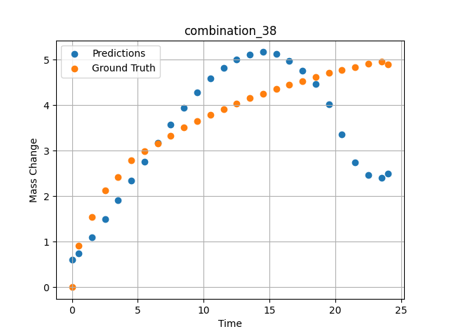
1200 | 0 | 0 | 21.25 | 21.25 | 15 | 0.2125 | 21.25 | 0 | 7.50394 | 3.3247 | 3.5729010105
1200 | 0 | 0 | 21.25 | 21.25 | 15 | 0.2125 | 21.25 | 0 | 8.49997 | 3.50708 | 3.9453594685
1200 | 0 | 0 | 21.25 | 21.25 | 15 | 0.2125 | 21.25 | 0 | 9.49603 | 3.65121 | 4.2848539352
1200 | 0 | 0 | 21.25 | 21.25 | 15 | 0.2125 | 21.25 | 0 | 10.50075 | 3.79048 | 4.5832781792
1200 | 0 | 0 | 21.25 | 21.25 | 15 | 0.2125 | 21.25 | 0 | 11.50631 | 3.91168 | 4.8248200417
1200 | 0 | 0 | 21.25 | 21.25 | 15 | 0.2125 | 21.25 | 0 | 12.50357 | 4.03675 | 4.9957261086
1200 | 0 | 0 | 21.25 | 21.25 | 15 | 0.2125 | 21.25 | 0 | 13.49882 | 4.15184 | 5.1125593185
1200 | 0 | 0 | 21.25 | 21.25 | 15 | 0.2125 | 21.25 | 0 | 14.49364 | 4.24898 | 5.165997982
1200 | 0 | 0 | 21.25 | 21.25 | 15 | 0.2125 | 21.25 | 0 | 15.49959 | 4.3622 | 5.1315894127
1200 | 0 | 0 | 21.25 | 21.25 | 15 | 0.2125 | 21.25 | 0 | 16.50564 | 4.44778 | 4.9787378311
1200 | 0 | 0 | 21.25 | 21.25 | 15 | 0.2125 | 21.25 | 0 | 17.50203 | 4.53311 | 4.7590026855
1200 | 0 | 0 | 21.25 | 21.25 | 15 | 0.2125 | 21.25 | 0 | 18.49765 | 4.6149 | 4.4620742798
1200 | 0 | 0 | 21.25 | 21.25 | 15 | 0.2125 | 21.25 | 0 | 19.49419 | 4.70373 | 4.0240497589
1200 | 0 | 0 | 21.25 | 21.25 | 15 | 0.2125 | 21.25 | 0 | 20.49949 | 4.77412 | 3.3536925316
1200 | 0 | 0 | 21.25 | 21.25 | 15 | 0.2125 | 21.25 | 0 | 21.50586 | 4.84004 | 2.7478919029
1200 | 0 | 0 | 21.25 | 21.25 | 15 | 0.2125 | 21.25 | 0 | 22.50242 | 4.91443 | 2.4643800259
1200 | 0 | 0 | 21.25 | 21.25 | 15 | 0.2125 | 21.25 | 0 | 23.50657 | 4.95854 | 2.3980205059
1200 | 0 | 0 | 21.25 | 21.25 | 15 | 0.2125 | 21.25 | 0 | 24.01181 | 4.88788 | 2.5004439354

combination_39
1200.0, 23.75, 0.0, 23.75, 23.75, 23.75, 5.0, 0.0
Temperature [C] | Zr [at%] | Nb [at%] | Mo [at%] | Cr [at%] | Al [at%] | Ti [at%] | Ta [at%] | W [at%] | Time [h] | Mass Change [mg.cm2] | Mass change - predictions
1200 | 0 | 0 | 23.75 | 23.75 | 5 | 23.75 | 23.75 | 0 | 0 | 0 | 2.1134533882
1200 | 0 | 0 | 23.75 | 23.75 | 5 | 23.75 | 23.75 | 0 | 0.49085 | 2.66992 | 2.2240929604
1200 | 0 | 0 | 23.75 | 23.75 | 5 | 23.75 | 23.75 | 0 | 1.49179 | 3.43367 | 2.4444999695
1200 | 0 | 0 | 23.75 | 23.75 | 5 | 23.75 | 23.75 | 0 | 2.49278 | 3.81308 | 2.6542122364
1200 | 0 | 0 | 23.75 | 23.75 | 5 | 23.75 | 23.75 | 0 | 3.49402 | 4.08982 | 2.8482973576
1200 | 0 | 0 | 23.75 | 23.75 | 5 | 23.75 | 23.75 | 0 | 4.49552 | 4.22038 | 3.0209417343
1200 | 0 | 0 | 23.75 | 23.75 | 5 | 23.75 | 23.75 | 0 | 5.49726 | 4.37154 | 3.1651360989
1200 | 0 | 0 | 23.75 | 23.75 | 5 | 23.75 | 23.75 | 0 | 6.49893 | 4.48947 | 3.2919545174
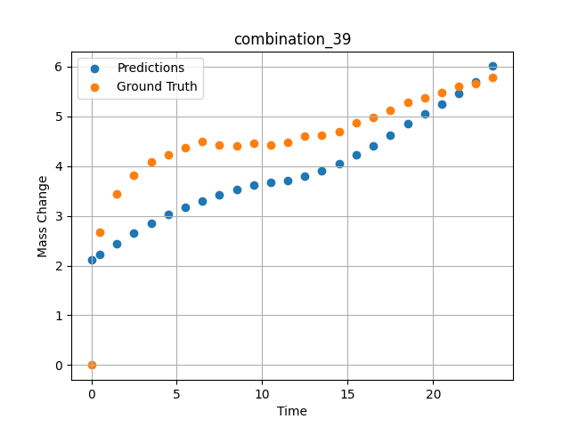
1200 | 0 | 0 | 23.75 | 23.75 | 5 | 23.75 | 23.75 | 0 | 7.50089 | 4.42119 | 3.4170732498
1200 | 0 | 0 | 23.75 | 23.75 | 5 | 23.75 | 23.75 | 0 | 8.50303 | 4.41331 | 3.5311992168
1200 | 0 | 0 | 23.75 | 23.75 | 5 | 23.75 | 23.75 | 0 | 9.50518 | 4.46248 | 3.619440794
1200 | 0 | 0 | 23.75 | 23.75 | 5 | 23.75 | 23.75 | 0 | 10.5075 | 4.43344 | 3.6661760807
1200 | 0 | 0 | 23.75 | 23.75 | 5 | 23.75 | 23.75 | 0 | 11.50025 | 4.47228 | 3.7157540321
1200 | 0 | 0 | 23.75 | 23.75 | 5 | 23.75 | 23.75 | 0 | 12.49307 | 4.59671 | 3.7991790771
1200 | 0 | 0 | 23.75 | 23.75 | 5 | 23.75 | 23.75 | 0 | 13.4957 | 4.62715 | 3.9137339592
1200 | 0 | 0 | 23.75 | 23.75 | 5 | 23.75 | 23.75 | 0 | 14.49843 | 4.69674 | 4.0551152229
1200 | 0 | 0 | 23.75 | 23.75 | 5 | 23.75 | 23.75 | 0 | 15.50123 | 4.8643 | 4.2206501961
1200 | 0 | 0 | 23.75 | 23.75 | 5 | 23.75 | 23.75 | 0 | 16.5043 | 4.97473 | 4.4087076187
1200 | 0 | 0 | 23.75 | 23.75 | 5 | 23.75 | 23.75 | 0 | 17.50747 | 5.1258 | 4.6186833382
1200 | 0 | 0 | 23.75 | 23.75 | 5 | 23.75 | 23.75 | 0 | 18.50106 | 5.28127 | 4.8455615044
1200 | 0 | 0 | 23.75 | 23.75 | 5 | 23.75 | 23.75 | 0 | 19.49479 | 5.36597 | 5.0542583466
1200 | 0 | 0 | 23.75 | 23.75 | 5 | 23.75 | 23.75 | 0 | 20.49845 | 5.47967 | 5.250207901
1200 | 0 | 0 | 23.75 | 23.75 | 5 | 23.75 | 23.75 | 0 | 21.50208 | 5.61004 | 5.4532718658
1200 | 0 | 0 | 23.75 | 23.75 | 5 | 23.75 | 23.75 | 0 | 22.5057 | 5.65412 | 5.6929178238
1200 | 0 | 0 | 23.75 | 23.75 | 5 | 23.75 | 23.75 | 0 | 23.49987 | 5.78609 | 6.0094866753

combination_40
1200.0, 25.0, 0.0, 25.0, 0.0, 25.0, 25.0, 0.0
Temperature [C] | Zr [at%] | Nb [at%] | Mo [at%] | Cr [at%] | Al [at%] | Ti [at%] | Ta [at%] | W [at%] | Time [h] | Mass Change [mg.cm2] | Mass change - predictions
1200 | 0 | 0 | 25 | 25 | 25 | 0 | 25 | 0 | 0 | 0 | 0.059409718961
1200 | 0 | 0 | 25 | 25 | 25 | 0 | 25 | 0 | 0.4909 | 0.52067 | 0.071080043912
1200 | 0 | 0 | 25 | 25 | 25 | 0 | 25 | 0 | 1.49184 | 0.89241 | 0.10667417198
1200 | 0 | 0 | 25 | 25 | 25 | 0 | 25 | 0 | 2.49299 | 0.98636 | 0.1677197814
1200 | 0 | 0 | 25 | 25 | 25 | 0 | 25 | 0 | 3.49426 | 1.01316 | 0.26608756185
1200 | 0 | 0 | 25 | 25 | 25 | 0 | 25 | 0 | 4.49573 | 1.04634 | 0.39323732257
1200 | 0 | 0 | 25 | 25 | 25 | 0 | 25 | 0 | 5.49732 | 1.09633 | 0.53170847893
1200 | 0 | 0 | 25 | 25 | 25 | 0 | 25 | 0 | 6.49923 | 1.12867 | 0.64938563108
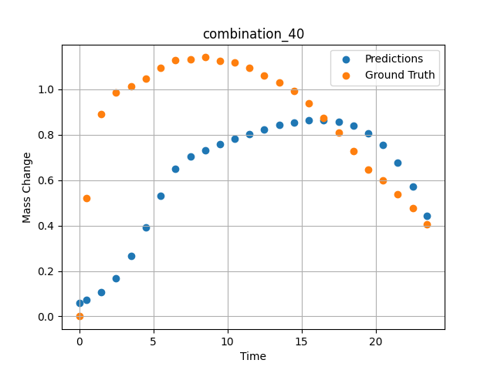
1200 | 0 | 0 | 25 | 25 | 25 | 0 | 25 | 0 | 7.5014 | 1.13358 | 0.7060379982
1200 | 0 | 0 | 25 | 25 | 25 | 0 | 25 | 0 | 8.50376 | 1.14117 | 0.73240578175
1200 | 0 | 0 | 25 | 25 | 25 | 0 | 25 | 0 | 9.5062 | 1.1246 | 0.75797909498
1200 | 0 | 0 | 25 | 25 | 25 | 0 | 25 | 0 | 10.49891 | 1.11958 | 0.78212219477
1200 | 0 | 0 | 25 | 25 | 25 | 0 | 25 | 0 | 11.4917 | 1.09581 | 0.80457854271
1200 | 0 | 0 | 25 | 25 | 25 | 0 | 25 | 0 | 12.49433 | 1.06175 | 0.82494580746
1200 | 0 | 0 | 25 | 25 | 25 | 0 | 25 | 0 | 13.49731 | 1.02973 | 0.8422228694
1200 | 0 | 0 | 25 | 25 | 25 | 0 | 25 | 0 | 14.5003 | 0.99335 | 0.85547065735
1200 | 0 | 0 | 25 | 25 | 25 | 0 | 25 | 0 | 15.50331 | 0.93937 | 0.86351305246
1200 | 0 | 0 | 25 | 25 | 25 | 0 | 25 | 0 | 16.50658 | 0.87265 | 0.86488211155
1200 | 0 | 0 | 25 | 25 | 25 | 0 | 25 | 0 | 17.50045 | 0.80846 | 0.8577786684
1200 | 0 | 0 | 25 | 25 | 25 | 0 | 25 | 0 | 18.49429 | 0.72954 | 0.83980000019
1200 | 0 | 0 | 25 | 25 | 25 | 0 | 25 | 0 | 19.49787 | 0.64801 | 0.80724126101
1200 | 0 | 0 | 25 | 25 | 25 | 0 | 25 | 0 | 20.50158 | 0.59853 | 0.7555501461
1200 | 0 | 0 | 25 | 25 | 25 | 0 | 25 | 0 | 21.50504 | 0.53856 | 0.67858344316
1200 | 0 | 0 | 25 | 25 | 25 | 0 | 25 | 0 | 22.49878 | 0.47792 | 0.5717843771
1200 | 0 | 0 | 25 | 25 | 25 | 0 | 25 | 0 | 23.48308 | 0.40626 | 0.44391325116

combination_41
1200.0, 22.5, 0.0, 22.5, 10.0, 22.5, 22.5, 0.0
Temperature [C] | Zr [at%] | Nb [at%] | Mo [at%] | Cr [at%] | Al [at%] | Ti [at%] | Ta [at%] | W [at%] | Time [h] | Mass Change [mg.cm2] | Mass change - predictions
1200 | 0 | 0 | 22.5 | 22.5 | 22.5 | 10 | 22.5 | 0 | 0 | 0 | 0.82938706875
1200 | 0 | 0 | 22.5 | 22.5 | 22.5 | 10 | 22.5 | 0 | 0.49084 | 0.9295 | 0.98288184404
1200 | 0 | 0 | 22.5 | 22.5 | 22.5 | 10 | 22.5 | 0 | 1.49189 | 1.80965 | 1.3419058323
1200 | 0 | 0 | 22.5 | 22.5 | 22.5 | 10 | 22.5 | 0 | 2.49308 | 2.33914 | 1.7520627975
1200 | 0 | 0 | 22.5 | 22.5 | 22.5 | 10 | 22.5 | 0 | 3.49454 | 2.7567 | 2.1985864639
1200 | 0 | 0 | 22.5 | 22.5 | 22.5 | 10 | 22.5 | 0 | 4.49587 | 3.10649 | 2.6670970917
1200 | 0 | 0 | 22.5 | 22.5 | 22.5 | 10 | 22.5 | 0 | 5.49738 | 3.40043 | 3.1452708244
1200 | 0 | 0 | 22.5 | 22.5 | 22.5 | 10 | 22.5 | 0 | 6.49902 | 3.65544 | 3.6215722561
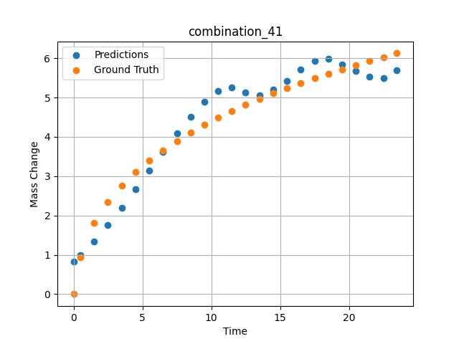
1200 | 0 | 0 | 22.5 | 22.5 | 22.5 | 10 | 22.5 | 0 | 7.5009 | 3.89334 | 4.0833477974
1200 | 0 | 0 | 22.5 | 22.5 | 22.5 | 10 | 22.5 | 0 | 8.50305 | 4.1108 | 4.5134902
1200 | 0 | 0 | 22.5 | 22.5 | 22.5 | 10 | 22.5 | 0 | 9.50535 | 4.30411 | 4.8856377602
1200 | 0 | 0 | 22.5 | 22.5 | 22.5 | 10 | 22.5 | 0 | 10.50762 | 4.49008 | 5.1570224762
1200 | 0 | 0 | 22.5 | 22.5 | 22.5 | 10 | 22.5 | 0 | 11.50027 | 4.65508 | 5.2593750954
1200 | 0 | 0 | 22.5 | 22.5 | 22.5 | 10 | 22.5 | 0 | 12.49321 | 4.81291 | 5.1274518967
1200 | 0 | 0 | 22.5 | 22.5 | 22.5 | 10 | 22.5 | 0 | 13.49592 | 4.96201 | 5.0515985489
1200 | 0 | 0 | 22.5 | 22.5 | 22.5 | 10 | 22.5 | 0 | 14.49884 | 5.10866 | 5.1977014542
1200 | 0 | 0 | 22.5 | 22.5 | 22.5 | 10 | 22.5 | 0 | 15.50195 | 5.23656 | 5.4145555496
1200 | 0 | 0 | 22.5 | 22.5 | 22.5 | 10 | 22.5 | 0 | 16.50521 | 5.36197 | 5.7141265869
1200 | 0 | 0 | 22.5 | 22.5 | 22.5 | 10 | 22.5 | 0 | 17.49902 | 5.48679 | 5.9324765205
1200 | 0 | 0 | 22.5 | 22.5 | 22.5 | 10 | 22.5 | 0 | 18.49286 | 5.60206 | 5.9776706696
1200 | 0 | 0 | 22.5 | 22.5 | 22.5 | 10 | 22.5 | 0 | 19.49643 | 5.71574 | 5.8406567574
1200 | 0 | 0 | 22.5 | 22.5 | 22.5 | 10 | 22.5 | 0 | 20.5002 | 5.81992 | 5.6653542519
1200 | 0 | 0 | 22.5 | 22.5 | 22.5 | 10 | 22.5 | 0 | 21.50421 | 5.92516 | 5.5232815742
1200 | 0 | 0 | 22.5 | 22.5 | 22.5 | 10 | 22.5 | 0 | 22.49865 | 6.02044 | 5.491528511
1200 | 0 | 0 | 22.5 | 22.5 | 22.5 | 10 | 22.5 | 0 | 23.48348 | 6.12261 | 5.700928688

combination_42
1200.0, 0.0, 0.0, 20.0, 0.0, 80.0, 0.0, 0.0
Temperature [C] | Zr [at%] | Nb [at%] | Mo [at%] | Cr [at%] | Al [at%] | Ti [at%] | Ta [at%] | W [at%] | Time [h] | Mass Change [mg.cm2] | Mass change - predictions
1200 | 0 | 0 | 0 | 80 | 0 | 0 | 20 | 0 | 0 | 0 | 2.3494076729
1200 | 0 | 0 | 0 | 80 | 0 | 0 | 20 | 0 | 0.49084 | 2.2487 | 2.7215213776
1200 | 0 | 0 | 0 | 80 | 0 | 0 | 20 | 0 | 1.49185 | 4.5778 | 3.5086262226
1200 | 0 | 0 | 0 | 80 | 0 | 0 | 20 | 0 | 2.49311 | 5.99216 | 4.3167462349
1200 | 0 | 0 | 0 | 80 | 0 | 0 | 20 | 0 | 3.49454 | 7.03755 | 5.1346378326
1200 | 0 | 0 | 0 | 80 | 0 | 0 | 20 | 0 | 4.49611 | 8.01046 | 5.9571003914
1200 | 0 | 0 | 0 | 80 | 0 | 0 | 20 | 0 | 5.49754 | 8.89891 | 6.7816171646
1200 | 0 | 0 | 0 | 80 | 0 | 0 | 20 | 0 | 6.49911 | 9.62852 | 7.6075105667
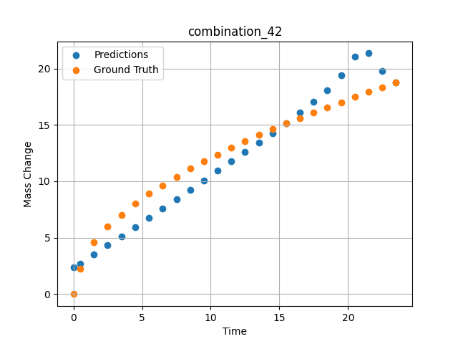
1200 | 0 | 0 | 0 | 80 | 0 | 0 | 20 | 0 | 7.50098 | 10.37488 | 8.4345970154
1200 | 0 | 0 | 0 | 80 | 0 | 0 | 20 | 0 | 8.50294 | 11.1106 | 9.2627382278
1200 | 0 | 0 | 0 | 80 | 0 | 0 | 20 | 0 | 9.50507 | 11.76175 | 10.092267036
1200 | 0 | 0 | 0 | 80 | 0 | 0 | 20 | 0 | 10.50727 | 12.37848 | 10.923635483
1200 | 0 | 0 | 0 | 80 | 0 | 0 | 20 | 0 | 11.49987 | 12.98514 | 11.749678612
1200 | 0 | 0 | 0 | 80 | 0 | 0 | 20 | 0 | 12.49278 | 13.55574 | 12.58008194
1200 | 0 | 0 | 0 | 80 | 0 | 0 | 20 | 0 | 13.49537 | 14.11738 | 13.425292969
1200 | 0 | 0 | 0 | 80 | 0 | 0 | 20 | 0 | 14.4982 | 14.61774 | 14.281947136
1200 | 0 | 0 | 0 | 80 | 0 | 0 | 20 | 0 | 15.50122 | 15.11307 | 15.157970428
1200 | 0 | 0 | 0 | 80 | 0 | 0 | 20 | 0 | 16.50458 | 15.61266 | 16.067834854
1200 | 0 | 0 | 0 | 80 | 0 | 0 | 20 | 0 | 17.49836 | 16.1203 | 17.027843475
1200 | 0 | 0 | 0 | 80 | 0 | 0 | 20 | 0 | 18.49225 | 16.55858 | 18.094154358
1200 | 0 | 0 | 0 | 80 | 0 | 0 | 20 | 0 | 19.49582 | 17.00085 | 19.371444702
1200 | 0 | 0 | 0 | 80 | 0 | 0 | 20 | 0 | 20.49954 | 17.48111 | 21.038272858
1200 | 0 | 0 | 0 | 80 | 0 | 0 | 20 | 0 | 21.50356 | 17.92626 | 21.342504501
1200 | 0 | 0 | 0 | 80 | 0 | 0 | 20 | 0 | 22.49791 | 18.33595 | 19.794281006
1200 | 0 | 0 | 0 | 80 | 0 | 0 | 20 | 0 | 23.49244 | 18.74801 | 18.739803314

combination_43
1200.0, 0.0, 0.0, 33.3, 33.4, 33.3, 0.0, 0.0
Temperature [C] | Zr [at%] | Nb [at%] | Mo [at%] | Cr [at%] | Al [at%] | Ti [at%] | Ta [at%] | W [at%] | Time [h] | Mass Change [mg.cm2] | Mass change - predictions
1200 | 0 | 0 | 0 | 33.3 | 0 | 33.4 | 33.3 | 0 | 0 | 0 | 1.2324045897
1200 | 0 | 0 | 0 | 33.3 | 0 | 33.4 | 33.3 | 0 | 0.50589 | 1.2245 | 1.7030001879
1200 | 0 | 0 | 0 | 33.3 | 0 | 33.4 | 33.3 | 0 | 1.50743 | 3.21145 | 2.7951924801
1200 | 0 | 0 | 0 | 33.3 | 0 | 33.4 | 33.3 | 0 | 2.50834 | 4.82823 | 4.1746826172
1200 | 0 | 0 | 0 | 33.3 | 0 | 33.4 | 33.3 | 0 | 3.49984 | 6.40464 | 5.786960125
1200 | 0 | 0 | 0 | 33.3 | 0 | 33.4 | 33.3 | 0 | 4.49165 | 8.24746 | 7.5934004784
1200 | 0 | 0 | 0 | 33.3 | 0 | 33.4 | 33.3 | 0 | 5.49326 | 10.12588 | 9.5203704834
1200 | 0 | 0 | 0 | 33.3 | 0 | 33.4 | 33.3 | 0 | 6.49512 | 11.74551 | 11.39119339
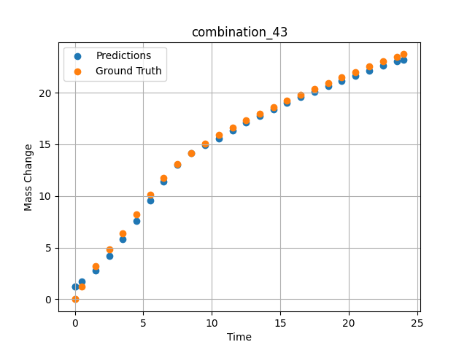
1200 | 0 | 0 | 0 | 33.3 | 0 | 33.4 | 33.3 | 0 | 7.49717 | 13.06387 | 13.000242233
1200 | 0 | 0 | 0 | 33.3 | 0 | 33.4 | 33.3 | 0 | 8.49935 | 14.15469 | 14.175982475
1200 | 0 | 0 | 0 | 33.3 | 0 | 33.4 | 33.3 | 0 | 9.50168 | 15.07769 | 14.911108017
1200 | 0 | 0 | 0 | 33.3 | 0 | 33.4 | 33.3 | 0 | 10.50396 | 15.89904 | 15.566030502
1200 | 0 | 0 | 0 | 33.3 | 0 | 33.4 | 33.3 | 0 | 11.50641 | 16.636 | 16.305786133
1200 | 0 | 0 | 0 | 33.3 | 0 | 33.4 | 33.3 | 0 | 12.4993 | 17.32067 | 17.096185684
1200 | 0 | 0 | 0 | 33.3 | 0 | 33.4 | 33.3 | 0 | 13.49252 | 17.97297 | 17.769134521
1200 | 0 | 0 | 0 | 33.3 | 0 | 33.4 | 33.3 | 0 | 14.49558 | 18.60484 | 18.390359879
1200 | 0 | 0 | 0 | 33.3 | 0 | 33.4 | 33.3 | 0 | 15.49869 | 19.21742 | 18.983123779
1200 | 0 | 0 | 0 | 33.3 | 0 | 33.4 | 33.3 | 0 | 16.50197 | 19.80993 | 19.553310394
1200 | 0 | 0 | 0 | 33.3 | 0 | 33.4 | 33.3 | 0 | 17.50542 | 20.38414 | 20.101774216
1200 | 0 | 0 | 0 | 33.3 | 0 | 33.4 | 33.3 | 0 | 18.4994 | 20.93636 | 20.625385284
1200 | 0 | 0 | 0 | 33.3 | 0 | 33.4 | 33.3 | 0 | 19.49338 | 21.47763 | 21.132898331
1200 | 0 | 0 | 0 | 33.3 | 0 | 33.4 | 33.3 | 0 | 20.49715 | 22.00213 | 21.633481979
1200 | 0 | 0 | 0 | 33.3 | 0 | 33.4 | 33.3 | 0 | 21.5012 | 22.51318 | 22.125736237
1200 | 0 | 0 | 0 | 33.3 | 0 | 33.4 | 33.3 | 0 | 22.50542 | 23.00472 | 22.600793839
1200 | 0 | 0 | 0 | 33.3 | 0 | 33.4 | 33.3 | 0 | 23.50015 | 23.48187 | 23.000591278
1200 | 0 | 0 | 0 | 33.3 | 0 | 33.4 | 33.3 | 0 | 24.02167 | 23.71265 | 23.180866241
1200 | 0 | 0 | 0 | 33.3 | 0 | 33.4 | 33.3 | 0 | 0 | 0 | 1.2324045897

combination_44
1200.0, 0.0, 33.7, 0.0, 33.9, 32.4, 0.0, 0.0
Temperature [C] | Zr [at%] | Nb [at%] | Mo [at%] | Cr [at%] | Al [at%] | Ti [at%] | Ta [at%] | W [at%] | Time [h] | Mass Change [mg.cm2] | Mass change - predictions
1200 | 0 | 33.7 | 0 | 32.4 | 0 | 33.9 | 0 | 0 | 0 | 0 | 2.1061198711
1200 | 0 | 33.7 | 0 | 32.4 | 0 | 33.9 | 0 | 0 | 0.49249 | 2.56412 | 2.7203681469
1200 | 0 | 33.7 | 0 | 32.4 | 0 | 33.9 | 0 | 0 | 1.48984 | 5.41937 | 4.7850146294
1200 | 0 | 33.7 | 0 | 32.4 | 0 | 33.9 | 0 | 0 | 2.4985 | 7.32912 | 7.2343277931
1200 | 0 | 33.7 | 0 | 32.4 | 0 | 33.9 | 0 | 0 | 3.4955 | 8.74014 | 8.765335083
1200 | 0 | 33.7 | 0 | 32.4 | 0 | 33.9 | 0 | 0 | 4.5045 | 9.88382 | 9.7173871994
1200 | 0 | 33.7 | 0 | 32.4 | 0 | 33.9 | 0 | 0 | 5.5015 | 10.82642 | 10.434457779
1200 | 0 | 33.7 | 0 | 32.4 | 0 | 33.9 | 0 | 0 | 6.4985 | 11.63515 | 11.064479828
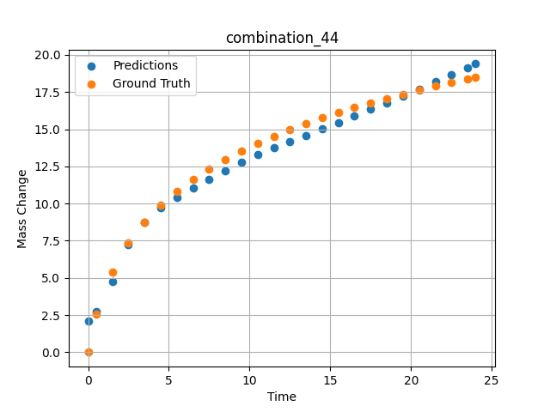
1200 | 0 | 33.7 | 0 | 32.4 | 0 | 33.9 | 0 | 0 | 7.4955 | 12.34412 | 11.65557766
1200 | 0 | 33.7 | 0 | 32.4 | 0 | 33.9 | 0 | 0 | 8.49249 | 12.97471 | 12.222281456
1200 | 0 | 33.7 | 0 | 32.4 | 0 | 33.9 | 0 | 0 | 9.5015 | 13.54942 | 12.771174431
1200 | 0 | 33.7 | 0 | 32.4 | 0 | 33.9 | 0 | 0 | 10.4985 | 14.0659 | 13.28162384
1200 | 0 | 33.7 | 0 | 32.4 | 0 | 33.9 | 0 | 0 | 11.4955 | 14.53953 | 13.746980667
1200 | 0 | 33.7 | 0 | 32.4 | 0 | 33.9 | 0 | 0 | 12.5045 | 14.98218 | 14.166344643
1200 | 0 | 33.7 | 0 | 32.4 | 0 | 33.9 | 0 | 0 | 13.5015 | 15.38843 | 14.582722664
1200 | 0 | 33.7 | 0 | 32.4 | 0 | 33.9 | 0 | 0 | 14.4985 | 15.76772 | 15.008012772
1200 | 0 | 33.7 | 0 | 32.4 | 0 | 33.9 | 0 | 0 | 15.4955 | 16.12357 | 15.441122055
1200 | 0 | 33.7 | 0 | 32.4 | 0 | 33.9 | 0 | 0 | 16.49249 | 16.45856 | 15.881284714
1200 | 0 | 33.7 | 0 | 32.4 | 0 | 33.9 | 0 | 0 | 17.5015 | 16.77881 | 16.3334198
1200 | 0 | 33.7 | 0 | 32.4 | 0 | 33.9 | 0 | 0 | 18.4985 | 17.07865 | 16.78644371
1200 | 0 | 33.7 | 0 | 32.4 | 0 | 33.9 | 0 | 0 | 19.4955 | 17.36354 | 17.245555878
1200 | 0 | 33.7 | 0 | 32.4 | 0 | 33.9 | 0 | 0 | 20.5045 | 17.63817 | 17.716358185
1200 | 0 | 33.7 | 0 | 32.4 | 0 | 33.9 | 0 | 0 | 21.5015 | 17.89723 | 18.187755585
1200 | 0 | 33.7 | 0 | 32.4 | 0 | 33.9 | 0 | 0 | 22.4985 | 18.14506 | 18.665489197
1200 | 0 | 33.7 | 0 | 32.4 | 0 | 33.9 | 0 | 0 | 23.48348 | 18.37988 | 19.143918991
1200 | 0 | 33.7 | 0 | 32.4 | 0 | 33.9 | 0 | 0 | 24 | 18.49961 | 19.398384094

combination_45
1000.0, 20.0, 0.0, 0.0, 20.0, 20.0, 20.0, 20.0
Temperature [C] | Zr [at%] | Nb [at%] | Mo [at%] | Cr [at%] | Al [at%] | Ti [at%] | Ta [at%] | W [at%] | Time [h] | Mass Change [mg.cm2] | Mass change - predictions
1000 | 0 | 0 | 20 | 20 | 20 | 20 | 0 | 20 | 0 | 0 | 1.7666653395
1000 | 0 | 0 | 20 | 20 | 20 | 20 | 0 | 20 | 0.48048 | 0.84398 | 1.9209719896
1000 | 0 | 0 | 20 | 20 | 20 | 20 | 0 | 20 | 1.48148 | 1.95113 | 2.2516560555
1000 | 0 | 0 | 20 | 20 | 20 | 20 | 0 | 20 | 2.48248 | 2.67199 | 2.589789629
1000 | 0 | 0 | 20 | 20 | 20 | 20 | 0 | 20 | 3.48348 | 3.20863 | 2.9300239086
1000 | 0 | 0 | 20 | 20 | 20 | 20 | 0 | 20 | 4.48448 | 3.63657 | 3.2676837444
1000 | 0 | 0 | 20 | 20 | 20 | 20 | 0 | 20 | 5.46681 | 3.98634 | 3.5924520493
1000 | 0 | 0 | 20 | 20 | 20 | 20 | 0 | 20 | 6.48649 | 4.29749 | 3.9185142517
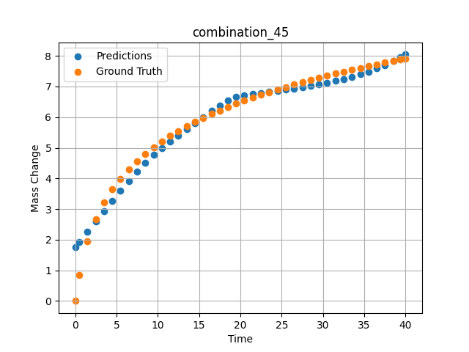
1000 | 0 | 0 | 20 | 20 | 20 | 20 | 0 | 20 | 7.48749 | 4.56411 | 4.2234802246
1000 | 0 | 0 | 20 | 20 | 20 | 20 | 0 | 20 | 8.48849 | 4.80102 | 4.5089607239
1000 | 0 | 0 | 20 | 20 | 20 | 20 | 0 | 20 | 9.48949 | 5.01418 | 4.7699170113
1000 | 0 | 0 | 20 | 20 | 20 | 20 | 0 | 20 | 10.47163 | 5.20439 | 4.9964270592
1000 | 0 | 0 | 20 | 20 | 20 | 20 | 0 | 20 | 11.49149 | 5.38551 | 5.2023248672
1000 | 0 | 0 | 20 | 20 | 20 | 20 | 0 | 20 | 12.49249 | 5.54942 | 5.4026112556
1000 | 0 | 0 | 20 | 20 | 20 | 20 | 0 | 20 | 13.49349 | 5.70161 | 5.6036539078
1000 | 0 | 0 | 20 | 20 | 20 | 20 | 0 | 20 | 14.49449 | 5.84365 | 5.8046498299
1000 | 0 | 0 | 20 | 20 | 20 | 20 | 0 | 20 | 15.47644 | 5.97432 | 6.0001263618
1000 | 0 | 0 | 20 | 20 | 20 | 20 | 0 | 20 | 16.4965 | 6.10212 | 6.1981334686
1000 | 0 | 0 | 20 | 20 | 20 | 20 | 0 | 20 | 17.4975 | 6.22048 | 6.3813691139
1000 | 0 | 0 | 20 | 20 | 20 | 20 | 0 | 20 | 18.4985 | 6.3326 | 6.5428214073
1000 | 0 | 0 | 20 | 20 | 20 | 20 | 0 | 20 | 19.4995 | 6.43912 | 6.6641373634
1000 | 0 | 0 | 20 | 20 | 20 | 20 | 0 | 20 | 20.48125 | 6.53864 | 6.7195839882
1000 | 0 | 0 | 20 | 20 | 20 | 20 | 0 | 20 | 21.5015 | 6.63739 | 6.753991127
1000 | 0 | 0 | 20 | 20 | 20 | 20 | 0 | 20 | 22.5025 | 6.73001 | 6.7880444527
1000 | 0 | 0 | 20 | 20 | 20 | 20 | 0 | 20 | 23.5035 | 6.81877 | 6.822810173
1000 | 0 | 0 | 20 | 20 | 20 | 20 | 0 | 20 | 24.5045 | 6.90398 | 6.858707428
1000 | 0 | 0 | 20 | 20 | 20 | 20 | 0 | 20 | 25.48606 | 6.98435 | 6.8954472542
1000 | 0 | 0 | 20 | 20 | 20 | 20 | 0 | 20 | 26.50651 | 7.06482 | 6.9357504845
1000 | 0 | 0 | 20 | 20 | 20 | 20 | 0 | 20 | 27.50751 | 7.1409 | 6.9779291153
1000 | 0 | 0 | 20 | 20 | 20 | 20 | 0 | 20 | 28.50851 | 7.21436 | 7.023293972
1000 | 0 | 0 | 20 | 20 | 20 | 20 | 0 | 20 | 29.50951 | 7.28536 | 7.0724906921
1000 | 0 | 0 | 20 | 20 | 20 | 20 | 0 | 20 | 30.49088 | 7.35275 | 7.1251091957
1000 | 0 | 0 | 20 | 20 | 20 | 20 | 0 | 20 | 31.51151 | 7.42066 | 7.1852173805
1000 | 0 | 0 | 20 | 20 | 20 | 20 | 0 | 20 | 32.51251 | 7.48521 | 7.2503423691
1000 | 0 | 0 | 20 | 20 | 20 | 20 | 0 | 20 | 33.51351 | 7.54787 | 7.3225178719
1000 | 0 | 0 | 20 | 20 | 20 | 20 | 0 | 20 | 34.51451 | 7.60873 | 7.402780056
1000 | 0 | 0 | 20 | 20 | 20 | 20 | 0 | 20 | 35.49569 | 7.66674 | 7.4903850555
1000 | 0 | 0 | 20 | 20 | 20 | 20 | 0 | 20 | 36.51652 | 7.72548 | 7.592236042
1000 | 0 | 0 | 20 | 20 | 20 | 20 | 0 | 20 | 37.51752 | 7.78154 | 7.7041163445
1000 | 0 | 0 | 20 | 20 | 20 | 20 | 0 | 20 | 38.51852 | 7.83617 | 7.8294711113
1000 | 0 | 0 | 20 | 20 | 20 | 20 | 0 | 20 | 39.35936 | 7.88102 | 7.9464473724
1000 | 0 | 0 | 20 | 20 | 20 | 20 | 0 | 20 | 40 | 7.91458 | 8.0434885025

combination_46
800.0, 0.0, 40.0, 10.0, 40.0, 10.0, 0.0, 0.0
Temperature [C] | Zr [at%] | Nb [at%] | Mo [at%] | Cr [at%] | Al [at%] | Ti [at%] | Ta [at%] | W [at%] | Time [h] | Mass Change [mg.cm2] | Mass change - predictions
800 | 0 | 40 | 0 | 10 | 0 | 40 | 10 | 0 | 0 | 0 | 0.92543303967
800 | 0 | 40 | 0 | 10 | 0 | 40 | 10 | 0 | 1 | 0.92 | 1.0860763788
800 | 0 | 40 | 0 | 10 | 0 | 40 | 10 | 0 | 2 | 1.33 | 1.2608369589
800 | 0 | 40 | 0 | 10 | 0 | 40 | 10 | 0 | 5 | 2.31 | 1.8550158739
800 | 0 | 40 | 0 | 10 | 0 | 40 | 10 | 0 | 10 | 3.1 | 2.9738132954
800 | 0 | 40 | 0 | 10 | 0 | 40 | 10 | 0 | 15 | 3.75 | 3.7142062187
800 | 0 | 40 | 0 | 10 | 0 | 40 | 10 | 0 | 20 | 4.56 | 4.043776989
800 | 0 | 40 | 0 | 10 | 0 | 40 | 10 | 0 | 0 | 0 | 0.92543303967
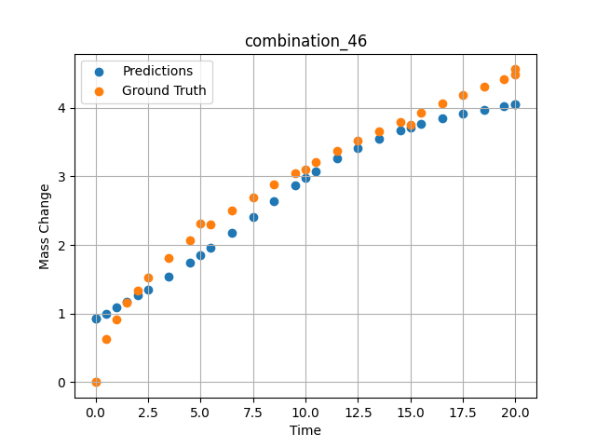
800 | 0 | 40 | 0 | 10 | 0 | 40 | 10 | 0 | 0.49049 | 0.6285 | 1.0023851395
800 | 0 | 40 | 0 | 10 | 0 | 40 | 10 | 0 | 1.48185 | 1.15858 | 1.1686030626
800 | 0 | 40 | 0 | 10 | 0 | 40 | 10 | 0 | 2.48284 | 1.51874 | 1.3498665094
800 | 0 | 40 | 0 | 10 | 0 | 40 | 10 | 0 | 3.49349 | 1.81437 | 1.545039773
800 | 0 | 40 | 0 | 10 | 0 | 40 | 10 | 0 | 4.49449 | 2.0681 | 1.7487366199
800 | 0 | 40 | 0 | 10 | 0 | 40 | 10 | 0 | 5.48578 | 2.29345 | 1.9590221643
800 | 0 | 40 | 0 | 10 | 0 | 40 | 10 | 0 | 6.4965 | 2.50375 | 2.1806263924
800 | 0 | 40 | 0 | 10 | 0 | 40 | 10 | 0 | 7.4975 | 2.69691 | 2.405796051
800 | 0 | 40 | 0 | 10 | 0 | 40 | 10 | 0 | 8.4985 | 2.87796 | 2.6353347301
800 | 0 | 40 | 0 | 10 | 0 | 40 | 10 | 0 | 9.4995 | 3.04898 | 2.8660988808
800 | 0 | 40 | 0 | 10 | 0 | 40 | 10 | 0 | 10.49069 | 3.20993 | 3.0725572109
800 | 0 | 40 | 0 | 10 | 0 | 40 | 10 | 0 | 11.5015 | 3.3667 | 3.2558450699
800 | 0 | 40 | 0 | 10 | 0 | 40 | 10 | 0 | 12.5025 | 3.51551 | 3.4127633572
800 | 0 | 40 | 0 | 10 | 0 | 40 | 10 | 0 | 13.5035 | 3.65868 | 3.5478253365
800 | 0 | 40 | 0 | 10 | 0 | 40 | 10 | 0 | 14.5045 | 3.79682 | 3.6634583473
800 | 0 | 40 | 0 | 10 | 0 | 40 | 10 | 0 | 15.49559 | 3.92912 | 3.7610373497
800 | 0 | 40 | 0 | 10 | 0 | 40 | 10 | 0 | 16.50651 | 4.05994 | 3.845328331
800 | 0 | 40 | 0 | 10 | 0 | 40 | 10 | 0 | 17.50751 | 4.18572 | 3.9155373573
800 | 0 | 40 | 0 | 10 | 0 | 40 | 10 | 0 | 18.50851 | 4.30808 | 3.9742820263
800 | 0 | 40 | 0 | 10 | 0 | 40 | 10 | 0 | 19.44945 | 4.42025 | 4.0204071999
800 | 0 | 40 | 0 | 10 | 0 | 40 | 10 | 0 | 20 | 4.48474 | 4.043776989

combination_47
800.0, 0.0, 45.0, 15.0, 30.0, 0.0, 10.0, 0.0
Temperature [C] | Zr [at%] | Nb [at%] | Mo [at%] | Cr [at%] | Al [at%] | Ti [at%] | Ta [at%] | W [at%] | Time [h] | Mass Change [mg.cm2] | Mass change - predictions
800 | 0 | 45 | 0 | 0 | 10 | 30 | 15 | 0 | 0 | 0 | 1.3825548887
800 | 0 | 45 | 0 | 0 | 10 | 30 | 15 | 0 | 1 | 1.56 | 1.8399348259
800 | 0 | 45 | 0 | 0 | 10 | 30 | 15 | 0 | 2 | 2.18 | 2.295781374
800 | 0 | 45 | 0 | 0 | 10 | 30 | 15 | 0 | 5 | 4.27 | 3.6358730793
800 | 0 | 45 | 0 | 0 | 10 | 30 | 15 | 0 | 10 | 5.54 | 5.2683515549
800 | 0 | 45 | 0 | 0 | 10 | 30 | 15 | 0 | 15 | 6.64 | 6.5753116608
800 | 0 | 45 | 0 | 0 | 10 | 30 | 15 | 0 | 20 | 7.17 | 7.8960800171
800 | 0 | 45 | 0 | 0 | 10 | 30 | 15 | 0 | 0 | 0 | 1.3825562
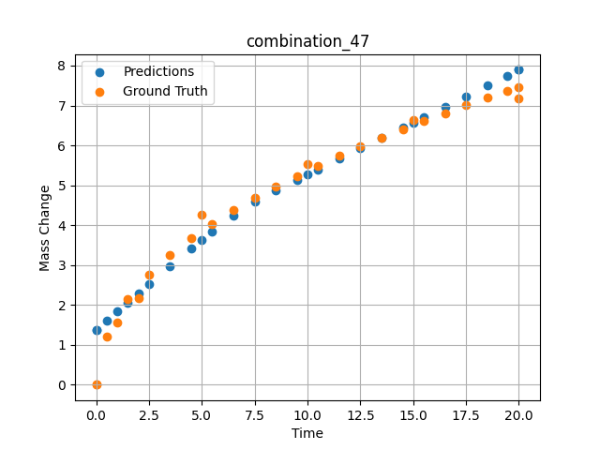
800 | 0 | 45 | 0 | 0 | 10 | 30 | 15 | 0 | 0.49049 | 1.19868 | 1.60734272
800 | 0 | 45 | 0 | 0 | 10 | 30 | 15 | 0 | 1.48185 | 2.15425 | 2.0596439838
800 | 0 | 45 | 0 | 0 | 10 | 30 | 15 | 0 | 2.48284 | 2.76229 | 2.5155086517
800 | 0 | 45 | 0 | 0 | 10 | 30 | 15 | 0 | 3.49349 | 3.25213 | 2.9726424217
800 | 0 | 45 | 0 | 0 | 10 | 30 | 15 | 0 | 4.49449 | 3.66718 | 3.4170963764
800 | 0 | 45 | 0 | 0 | 10 | 30 | 15 | 0 | 5.48578 | 4.03226 | 3.8407242298
800 | 0 | 45 | 0 | 0 | 10 | 30 | 15 | 0 | 6.4965 | 4.37028 | 4.2419967651
800 | 0 | 45 | 0 | 0 | 10 | 30 | 15 | 0 | 7.4975 | 4.67867 | 4.5878696442
800 | 0 | 45 | 0 | 0 | 10 | 30 | 15 | 0 | 8.4985 | 4.96607 | 4.8684625626
800 | 0 | 45 | 0 | 0 | 10 | 30 | 15 | 0 | 9.4995 | 5.23618 | 5.1359777451
800 | 0 | 45 | 0 | 0 | 10 | 30 | 15 | 0 | 10.49069 | 5.48924 | 5.397521019
800 | 0 | 45 | 0 | 0 | 10 | 30 | 15 | 0 | 11.5015 | 5.73472 | 5.6623253822
800 | 0 | 45 | 0 | 0 | 10 | 30 | 15 | 0 | 12.5025 | 5.96687 | 5.9236040115
800 | 0 | 45 | 0 | 0 | 10 | 30 | 15 | 0 | 13.5035 | 6.18945 | 6.1846160889
800 | 0 | 45 | 0 | 0 | 10 | 30 | 15 | 0 | 14.5045 | 6.40352 | 6.4458265305
800 | 0 | 45 | 0 | 0 | 10 | 30 | 15 | 0 | 15.49559 | 6.60795 | 6.7049870491
800 | 0 | 45 | 0 | 0 | 10 | 30 | 15 | 0 | 16.50651 | 6.80953 | 6.9701299667
800 | 0 | 45 | 0 | 0 | 10 | 30 | 15 | 0 | 17.50751 | 7.00284 | 7.2337164879
800 | 0 | 45 | 0 | 0 | 10 | 30 | 15 | 0 | 18.50851 | 7.19043 | 7.4985494614
800 | 0 | 45 | 0 | 0 | 10 | 30 | 15 | 0 | 19.44945 | 7.36201 | 7.7488865852
800 | 0 | 45 | 0 | 0 | 10 | 30 | 15 | 0 | 20 | 7.46051 | 7.8960800171

