Table 1
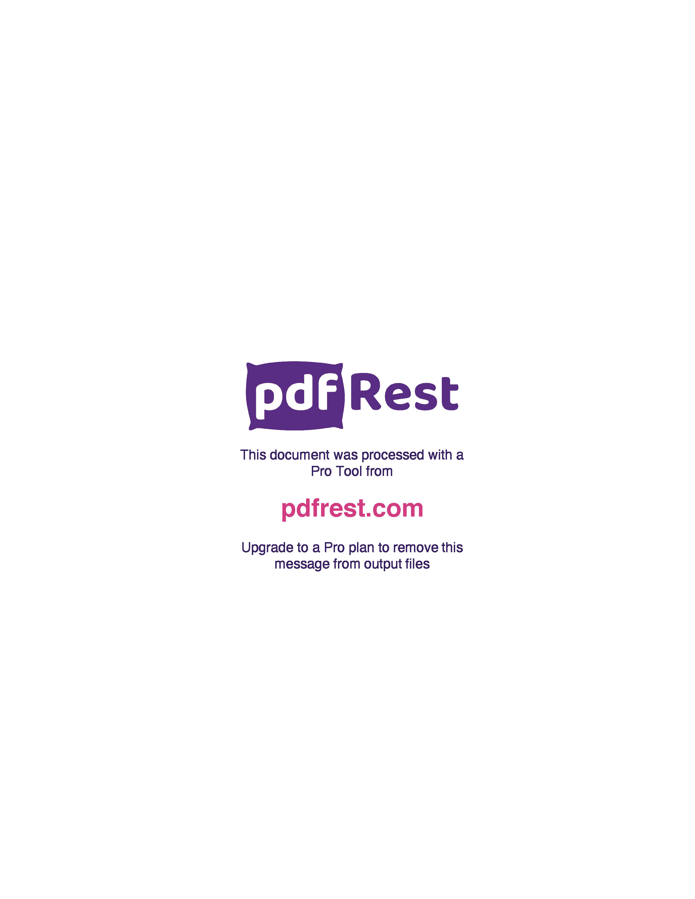
Generated by TallPDF.NET Evaluation |  |  |  |  | Tax Invoice/Credit Report |  |  |  |  |  |  |  |  |  |  |  | Page 2 of 3
Line |  | Code | Product |  | Ordered |  | Inv/Cred |  | Price/Unit(exc GST) |  | Price Extend(exc GST) |  | GST | Gross Price Gross Extended Price GST |  |  | Credit Reason

 | 47 | 182362 |  | Rosuzet Co Pk Tab 10 20mg 60 |  | 1 |  | 1 |  | 11.29 |  | 11.29 | 1.13 |  | 12.60 | 1.15
 | 48 | 282049 |  | Lyrica Cap 300mg 56 |  | 1 |  | 1 |  | 14.16 |  | 14.16 | 1.42 |  | 15.58 | 1.42
 | 49 | 396265 |  | Sildenafil Tab 100mg 12 SNZ |  | 12 |  | 12 |  | 4.83 |  | 57.96 | 5.80 |  | 63.76 | 5.80
 | 51 | 288500 |  | Desvenlafaxine Tab 50mg Blst 28 SNZ |  | 6 |  | 6 |  | 7.84 |  | 47.04 | 4.70 |  | 51.74 | 4.70
 | 52 | 415014 |  | Lyrica Cap 25mg 56 |  | 1 |  | 1 |  | 4.08 |  | 4.08 | 0.40 |  | 4.55 | 0.41
 | 55 | 264903 |  | Valaciclovir Tab 500mg 42 SNZ |  | 1 |  | 1 |  | 17.80 |  | 17.80 | 1.78 |  | 19.87 | 1.81
 | 56 | 465356 |  | Moclobemide Tab 300mg Blst 60 SNZ |  | 2 |  | 2 |  | 11.39 |  | 22.78 | 2.28 |  | 25.06 | 2.28
 | 58 | 483915 |  | Enalapril Tab 20mg Blst 30 SNZ |  | 1 |  | 1 |  | 3.92 |  | 3.92 | 0.39 |  | 4.31 | 0.39
 | 59 | 485209 |  | Medicianz Mupirocin Oint 2% 15g |  | 7 |  | 7 |  | 7.75 |  | 54.25 | 5.42 |  | 63.14 | 5.74
 | 60 | 215708 |  | Atozet FDC Tab 10 20mg 30 |  | 2 |  | 2 |  | 10.07 |  | 20.14 | 2.01 |  | 22.46 | 2.04
 | 61 | 33626 |  | Simvastatin Tab 80mg Blst 30 SNZ |  | 1 |  | 1 |  | 3.76 |  | 3.76 | 0.38 |  | 4.14 | 0.38
 | 62 | 496693 |  | Venlafaxine XR Cap 150mg Blst28 SNZ |  | 5 |  | 5 |  | 4.34 |  | 21.70 | 2.17 |  | 24.26 | 2.21
 | 67 | 379042 |  | Palexia SR Tab 100mg Blst 28 |  | 5 |  | 5 |  | 18.06 |  | 90.30 | 9.03 |  | 100.76 | 9.16
 | 70 | 490709 |  | Rexulti Tab 2mg Blst 30 |  | 1 |  | 1 |  | 122.87 |  | 122.87 | 12.28 |  | 137.19 | 12.47
 | 71 | 178632 |  | APO Zopiclone Tab 7.5mg Blst 30 |  | 4 |  | 4 |  | 9.53 |  | 38.12 | 3.81 |  | 41.93 | 3.81
 | 72 | 375667 |  | Irbesartan FC Tab 75mg Blst 30 SNZ |  | 11 |  | 11 |  | 2.71 |  | 29.81 | 2.98 |  | 32.79 | 2.98
 | 73 | 515620 |  | Dolased Tab Blst 40 S4 |  | 1 |  | 1 |  | 4.05 |  | 4.05 | 0.41 |  | 4.71 | 0.43
 | 74 | 482846 |  | Lipitor Sml Tab 20mg 30 |  | 4 |  | 4 |  | 2.81 |  | 11.24 | 1.12 |  | 12.36 | 1.12
 | 75 | 587435 |  | SalplusF MDI 250 25mcg 120Dose SNZ |  | 5 |  | 5 |  | 32.70 |  | 163.50 | 16.35 |  | 179.85 | 16.35
 | 76 | 753025 |  | BTC Candesartan Tab 16mg Blst 30 |  | 2 |  | 2 |  | 4.13 |  | 8.26 | 0.83 |  | 9.09 | 0.83
 | 77 | 753955 |  | BTC Atenolol Tab 50mg Blst 30 |  | 16 |  | 16 |  | 2.71 |  | 43.36 | 4.34 |  | 47.70 | 4.34
 | 78 | 762709 |  | BTC Cefalexin Cap 500mg Blst 20 |  | 36 |  | 36 |  | 2.71 |  | 97.56 | 9.76 |  | 107.32 | 9.76
 | 79 | 765619 |  | BTC Amoxicillin Cap 500mg Blst 20 |  | 24 |  | 24 |  | 2.71 |  | 65.04 | 6.50 |  | 71.54 | 6.50
 | 80 | 924261 |  | Ezetast Tab 10 80mg Blst 30 |  | 6 |  | 6 |  | 9.70 |  | 58.20 | 5.82 |  | 64.02 | 5.82
 | 81 | 736597 |  | Phentermine Cap 30mg Blst 30 SNZ |  | 1 |  | 1 |  | 60.01 |  | 60.01 | 6.00 |  | 66.01 | 6.00
 | 82 | 931330 |  | Esopreze Tab 20mg Blst 30 SNZ |  | 43 |  | 43 |  | 4.30 |  | 184.90 | 18.49 |  | 203.39 | 18.49
 | 83 | 749931 |  | Blooms Amlodipine Tab 10mg Blst 30 |  | 5 |  | 5 |  | 2.71 |  | 13.55 | 1.36 |  | 14.91 | 1.36
 | 84 | 944521 |  | Ikervis EDrps 1mg ml Amp 0.3mL x30 |  | 1 |  | 1 |  | 68.86 |  | 68.86 | 6.89 |  | 76.88 | 6.99
 | 85 | 753033 |  | BTC Tamsulosin SR Tab 400mcg Blst30 |  | 5 |  | 5 |  | 20.00 |  | 100.00 | 10.00 |  | 110.00 | 10.00
 | 87 | 694320 |  | Tadalafil Tab 5mg Blst 28 SNZ |  | 6 |  | 6 |  | 15.60 |  | 93.60 | 9.36 |  | 102.96 | 9.36
 | 88 | 768294 |  | BTC Pregabalin Cap 25mg Blst 56 |  | 5 |  | 5 |  | 4.08 |  | 20.40 | 2.04 |  | 22.77 | 2.07
 | 90 | 722804 |  | Sitagliptin Metformin 50 1000 56SNZ |  | 1 |  | 1 |  | 22.28 |  | 22.28 | 2.23 |  | 24.51 | 2.23
 | 92 | 939390 |  | APX Amitriptyline Tab 50mg Blst 50 |  | 9 |  | 9 |  | 3.73 |  | 33.57 | 3.36 |  | 37.52 | 3.41
 | 93 | 939404 |  | APX Amitriptyline Tab 10mg Blst 50 |  | 15 |  | 15 |  | 3.19 |  | 47.85 | 4.78 |  | 53.46 | 4.86
 | 94 | 750506 |  | BTC Ezetimibe Tab 10mg Blst 30 |  | 13 |  | 13 |  | 5.36 |  | 69.68 | 6.97 |  | 76.65 | 6.97
 | 96 | 692999 |  | Ryaltris NSpry 240D |  | 1 |  | 1 |  | 35.57 |  | 35.57 | 3.55 |  | 41.39 | 3.76
 | 98 | 923419 |  | Hyrimoz P F Pen 40mg 0.8ml x2 SNZ |  | 1 |  | 1 |  | 630.81 |  | 630.81 | 63.08 |  | 693.89 | 63.08

Click here to unlock TallPDF.NET

