Table 1
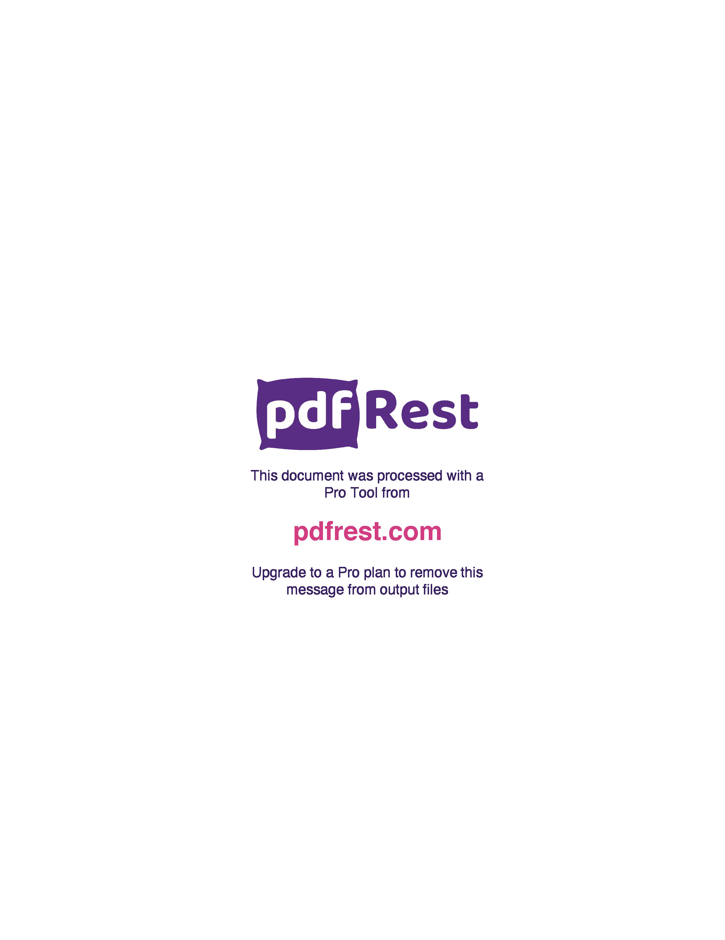
Generated by TallPDF.NET Evaluation |  |  |  | Tax Invoice/Credit Report |  |  |  |  |  |  |  |  |  | Page 1 of 7
Customer |  |  |  | Blooms The Chemist Tweed City Transit OtcInvoice/Credit # |  |  |  |  |  |  | I203215273
Account |  |  |  | 4114051 |  | Credit for Invoice
Customer Reference |  |  |  | 95012699 |  | Type |  |  |  |  | I
Invoice / Credit Date |  |  |  | 15 Mar 24 |  | Gross Value(inc GST) |  |  |  |  | 5149.87
Order # |  |  |  | O194368104 |  | Gross GST |  |  |  |  | 396.67
Warehouse |  |  |  | BNE |  | Total Value(inc GST) |  |  |  |  | 4982.06
 |  |  |  |  |  | GST |  |  |  |  | 382.91

 | Line Code |  | Product |  | Ordered Inv/Cred |  |  | Price/Unit(exc GST) |  | Price Extend(exc GST) |  | GST Gross Price Gross Extended Price GST |  |  |  | Credit Reason
 | 2 | 5924 | Betadine Antis Oint 25g |  | 1 |  | 1 |  | 8.76 | 8.76 |  | 0.88 | 9.64 |  | 0.88
 | 4 | 81930 | Cerumol Ear Drps 10ml |  | 1 |  | 1 |  | 6.58 | 6.58 |  | 0.66 | 7.24 |  | 0.66
 | 5 | 273783 | Poly Tears 15ml |  | 3 |  | 3 |  | 3.85 | 11.55 |  | 1.15 | 12.90 |  | 1.17
 | 6 | 255351 | Glycerol Suppos Adt Petrus Pk12 |  | 1 |  | 1 |  | 5.69 | 5.69 |  | 0.00 | 6.63 |  | 0.00
 | 7 | 132772 | Lucas Papaw Oint 75g |  | 1 |  | 1 |  | 11.35 | 11.35 |  | 1.13 | 14.54 |  | 1.32
 | 9 | 129798 | Savlon Crm 75g |  | 1 |  | 1 |  | 5.96 | 5.96 |  | 0.59 | 7.63 |  | 0.69
 | 16 | 161233 | Dulcolax SP Drps 30ml |  | 1 |  | 1 |  | 6.70 | 6.70 |  | 0.67 | 7.37 |  | 0.67
 | 18 | 235660 | Polident Frsh Actv 36 |  | 2 |  | 2 |  | 4.22 | 8.44 |  | 0.84 | 9.28 |  | 0.84
 | 20 | 143324 | Zovirax Cold Sore Crm Tube 2g |  | 2 |  | 2 |  | 12.46 | 24.92 |  | 2.49 | 27.41 |  | 2.49
 | 24 | 72524 | Nivea Deod ROn Pearl+Beauty 50ml |  | 3 |  | 3 |  | 2.81 | 8.43 |  | 0.84 | 9.27 |  | 0.84
 | 25 | 767115 | Floradix Floravital Liq Iron+ 250ml |  | 3 |  | 3 |  | 17.79 | 53.37 |  | 5.34 | 68.61 |  | 6.24
 | 26 | 424153 | Polaramine CF Tab 2MG 20s AU NZ S3 |  | 2 |  | 2 |  | 6.87 | 13.74 |  | 1.37 | 15.11 |  | 1.37
 | 27 | 92959 | Nexcare WProof Asstd 30 |  | 1 |  | 1 |  | 6.56 | 6.56 |  | 0.66 | 7.22 |  | 0.66
 | 28 | 189987 | BTC Cold Sore Crm Tube 5g |  | 2 |  | 2 |  | 3.63 | 7.26 |  | 0.73 | 9.31 |  | 0.85
 | 31 | 412457 | Buscopan Forte Tab 20mg 10 |  | 5 |  | 5 |  | 9.02 | 45.10 |  | 4.51 | 49.61 |  | 4.51
 | 32 | 429090 | Ural Sach 4g Ps Pk 8 |  | 2 |  | 2 |  | 3.38 | 6.76 |  | 0.68 | 7.44 |  | 0.68
 | 33 | 432105 | Strepsils Loz HnyLem 16 |  | 1 |  | 1 |  | 4.16 | 4.16 |  | 0.42 | 4.58 |  | 0.42
 | 36 | 400688 | Mag Sup Tab 500mg 100 |  | 1 |  | 1 |  | 12.39 | 12.39 |  | 1.23 | 15.88 |  | 1.44
 | 37 | 295825 | Polident Wht Clns 36 |  | 1 |  | 1 |  | 4.22 | 4.22 |  | 0.42 | 4.64 |  | 0.42
 | 38 | 17434 | Nurofen Chld 5-12 Strawb 200ml |  | 2 |  | 2 |  | 23.75 | 47.50 |  | 4.75 | 52.25 |  | 4.75
 | 39 | 527394 | BTC Fexofenadine Tab 180mg Blst 10 |  | 13 |  | 13 |  | 3.89 | 50.57 |  | 5.06 | 64.78 |  | 5.89
 | 43 | 188433 | BTC Cetirizine Tab 10mg 30 |  | 1 |  | 1 |  | 3.81 | 3.81 |  | 0.38 | 4.88 |  | 0.44
 | 44 | 709115 | Rocktape Tape Bl 5cmx5m |  | 1 |  | 1 |  | 13.65 | 13.65 |  | 1.37 | 15.02 |  | 1.37
 | 47 | 274763 | Pediasure Choc RPB 200ml |  | 12 |  | 12 |  | 2.65 | 31.80 |  | 0.00 | 31.80 |  | 0.00
 | 49 | 192589 | APH AFung Crm 50g |  | 13 |  | 13 |  | 2.91 | 37.83 |  | 3.78 | 48.33 |  | 4.39
 | 51 | 370207 | BTC Paracetamol Tab 500mg Blst 20 |  | 1 |  | 1 |  | 0.68 | 0.68 |  | 0.07 | 0.87 |  | 0.08
 | 52 | 208752 | PAIN Mate TENS Dev |  | 1 |  | 1 |  | 41.30 | 41.30 |  | 0.00 | 48.13 |  | 0.00
 | 57 | 231479 | Nexium 24Hr 20mg Tab 7 |  | 1 |  | 1 |  | 7.89 | 7.89 |  | 0.79 | 8.68 |  | 0.79
 | 58 | 246182 | BTC Ibuprofen Cplt 200mg Blst 96 |  | 4 |  | 4 |  | 3.94 | 15.76 |  | 1.58 | 20.20 |  | 1.84
 | 60 | 249777 | Gaviscon Tab Dual Actn PMint 48 |  | 1 |  | 1 |  | 10.48 | 10.48 |  | 1.05 | 11.53 |  | 1.05
Click here to unlock TallPDF.NET

