Table 1
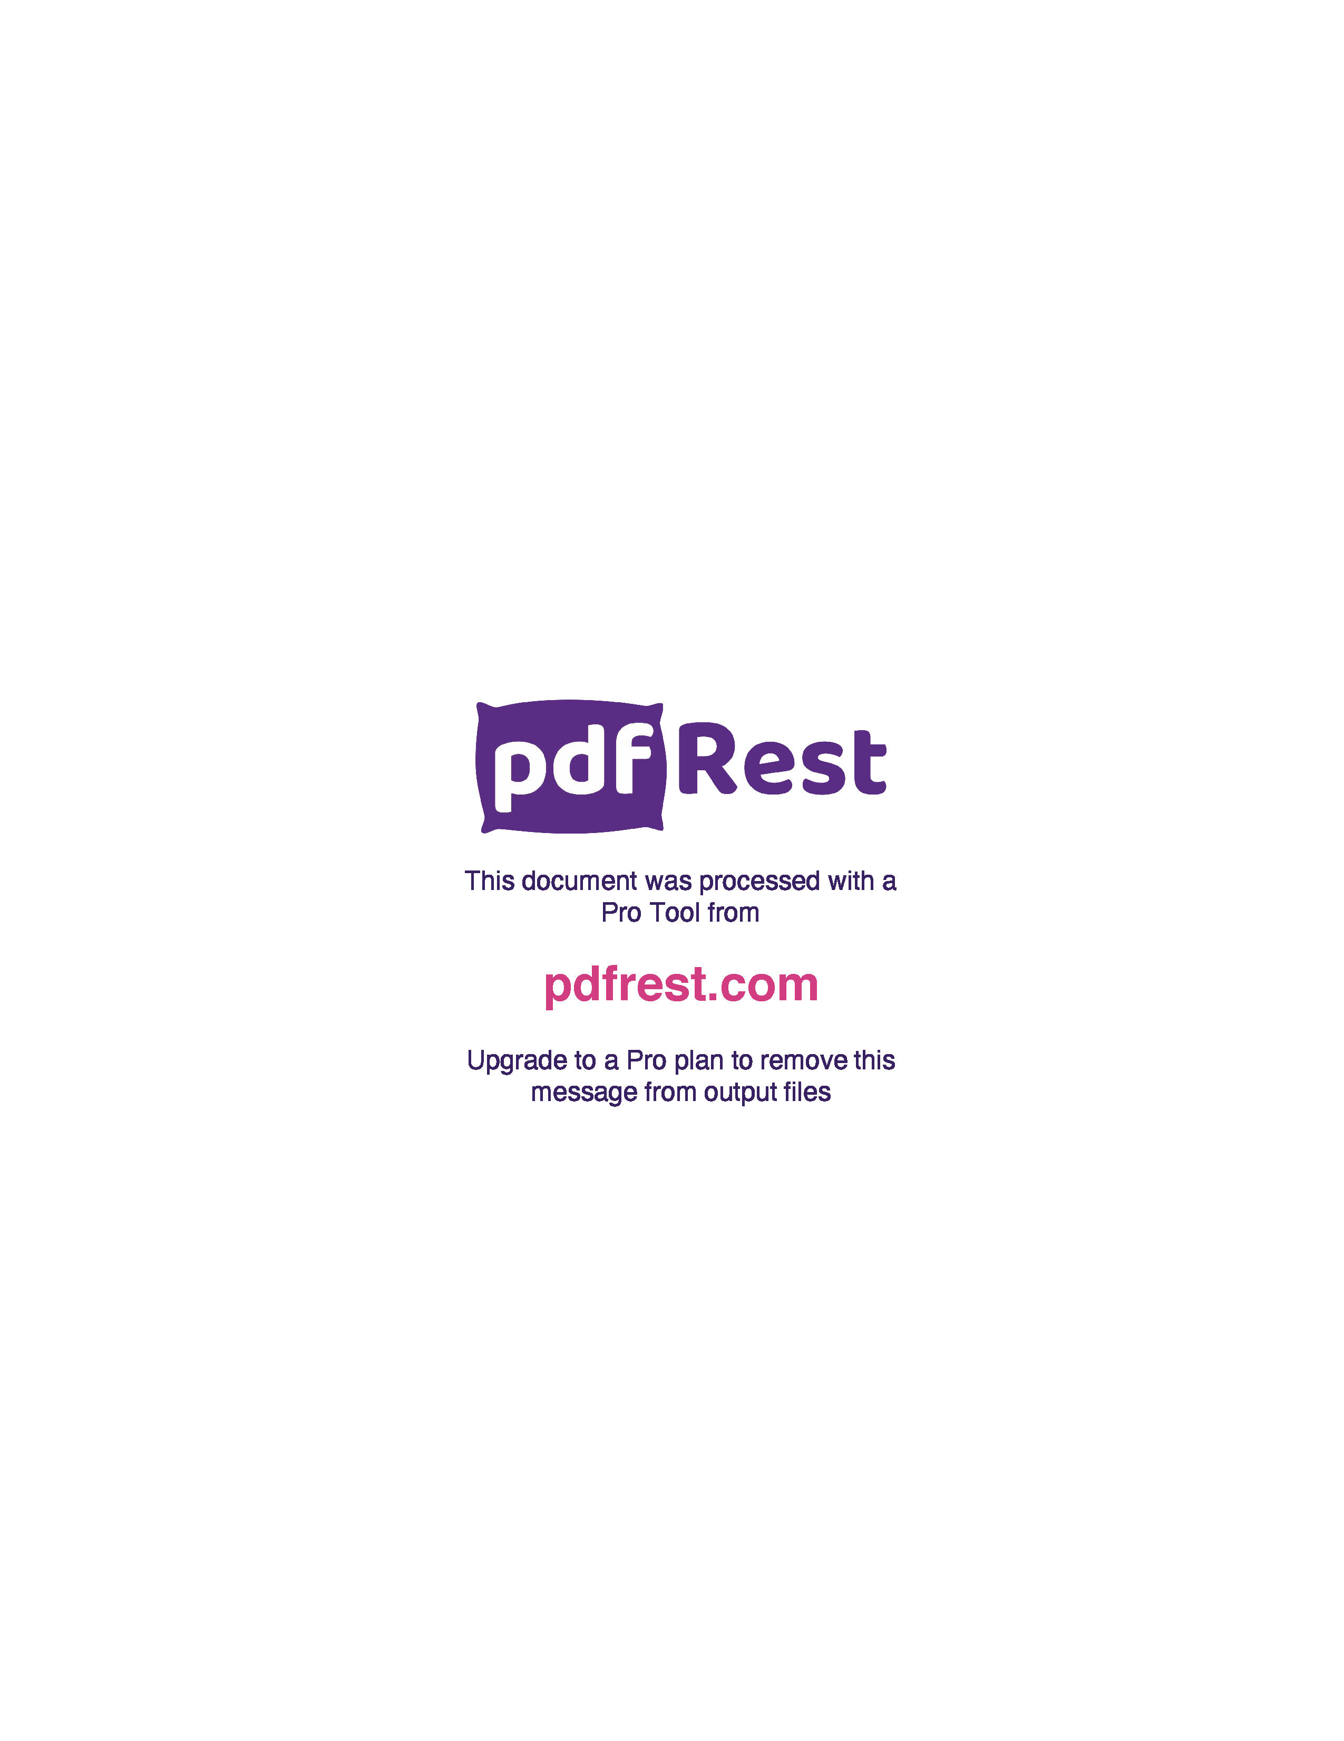
Generated by TallPDF.NET Evaluation |  |  |  |  | Tax Invoice/Credit Report |  |  |  |  |  |  |  |  |  |  |  | Page 2 of 7
Line |  | Code | Product |  | Ordered |  | Inv/Cred |  | Price/Unit(exc GST) |  | Price Extend(exc GST) |  | GST | Gross Price Gross Extended Price GST |  |  | Credit Reason

 | 61 | 246468 |  | Primatape Elas Tape 2.5cm x2.5m |  | 1 |  | 1 |  | 5.04 |  | 5.04 | 0.50 |  | 5.54 | 0.50
 | 62 | 391301 |  | APH Ibuprofen SGCap 200mg 100 |  | 1 |  | 1 |  | 10.97 |  | 10.97 | 1.10 |  | 14.06 | 1.28
 | 63 | 506923 |  | BTC AInflam Tab 25mg Blst 30 |  | 4 |  | 4 |  | 3.71 |  | 14.84 | 1.49 |  | 19.01 | 1.73
 | 64 | 510866 |  | APH C+F Day+Nght PSE Tab 24 |  | 3 |  | 3 |  | 3.76 |  | 11.28 | 1.12 |  | 14.45 | 1.31
 | 65 | 510335 |  | Prunelax XStre Lax Tab 40 |  | 1 |  | 1 |  | 4.00 |  | 4.00 | 0.40 |  | 4.40 | 0.40
 | 68 | 586633 |  | BTC Famciclovir Once Tab 500mg 3 |  | 8 |  | 8 |  | 5.75 |  | 46.00 | 4.60 |  | 58.96 | 5.36
 | 69 | 621943 |  | Sudafed NSpry 20ml TwnPk |  | 1 |  | 1 |  | 14.70 |  | 14.70 | 1.47 |  | 16.17 | 1.47
 | 71 | 632236 |  | APH Pantoprazole Tab 20mg Blst 14 |  | 2 |  | 2 |  | 5.24 |  | 10.48 | 1.05 |  | 13.42 | 1.22
 | 75 | 664626 |  | APH Haemorrhoid Oint Tube 30g |  | 3 |  | 3 |  | 9.76 |  | 29.28 | 2.93 |  | 37.52 | 3.41
 | 77 | 697540 |  | Ventolin Inhl DOSEC 100mcgMDI 200D |  | 23 |  | 23 |  | 7.89 |  | 181.47 | 18.15 |  | 199.62 | 18.15
 | 80 | 942669 |  | Glucerna Van Pwdr 850g |  | 1 |  | 1 |  | 33.17 |  | 33.17 | 0.00 |  | 33.17 | 0.00
 | 82 | 70386 |  | APH Sensease Nspry Alrgy Relf 18g |  | 3 |  | 3 |  | 11.22 |  | 33.66 | 3.36 |  | 43.13 | 3.92
 | 92 | 773581 |  | Sensodyne TPaste Dly Care 100g |  | 2 |  | 2 |  | 6.30 |  | 12.60 | 1.26 |  | 13.86 | 1.26
 | 93 | 244724 |  | Systane Lub EDrps 15ml |  | 9 |  | 9 |  | 2.68 |  | 24.12 | 2.41 |  | 26.93 | 2.45
 | 94 | 593621 |  | Telfast Skn Rash Tab 180mg 30 |  | 1 |  | 1 |  | 25.02 |  | 25.02 | 2.50 |  | 27.52 | 2.50
 | 95 | 581593 |  | Ego QV Wash 1Ltr |  | 2 |  | 2 |  | 16.88 |  | 33.76 | 3.38 |  | 37.14 | 3.38
 | 96 | 573485 |  | Nurofen Chld 3Mnths-5YrsStrawb100ml |  | 2 |  | 2 |  | 10.27 |  | 20.54 | 2.05 |  | 22.59 | 2.05
 | 97 | 81566 |  | Ego Dermaid Crm Sft 1.0% 30g |  | 1 |  | 1 |  | 4.96 |  | 4.96 | 0.50 |  | 5.46 | 0.50
 | 98 | 164402 |  | Otrivin Adt MD NSpry Menth 10ml |  | 1 |  | 1 |  | 8.47 |  | 8.47 | 0.85 |  | 9.32 | 0.85
 | 99 | 378429 |  | Systane Gel Drps Lub Eye Gel 10ml |  | 1 |  | 1 |  | 12.82 |  | 12.82 | 1.28 |  | 14.10 | 1.28
 | 100 | 188441 |  | BTC Cetirizine Tab 10mg 60 |  | 1 |  | 1 |  | 5.78 |  | 5.78 | 0.57 |  | 7.40 | 0.67
 | 101 | 333131 |  | Hydralyte Eff LemLim Tab 20 |  | 2 |  | 2 |  | 9.32 |  | 18.64 | 1.86 |  | 20.50 | 1.86
 | 104 | 246174 |  | BTC Ibuprofen Cplt 200mg Blst 24 |  | 5 |  | 5 |  | 1.51 |  | 7.55 | 0.76 |  | 9.63 | 0.88
 | 105 | 473820 |  | Hydralyte Eff Strawb Kiwi Tab 20 |  | 1 |  | 1 |  | 9.32 |  | 9.32 | 0.93 |  | 10.25 | 0.93
 | 106 | 573299 |  | Panadol Rapid Cplt 80 |  | 3 |  | 3 |  | 13.80 |  | 41.40 | 4.14 |  | 45.54 | 4.14
 | 107 | 922048 |  | Nurofen Chld 3Mths+ 4% Strawb 50ml |  | 1 |  | 1 |  | 11.37 |  | 11.37 | 1.14 |  | 12.51 | 1.14
 | 109 | 9482 |  | Betadine Antis Liq Spry 75ml |  | 2 |  | 2 |  | 14.47 |  | 28.94 | 2.89 |  | 31.83 | 2.89
 | 110 | 226319 |  | Coloxyl Tab 50mg 100 |  | 1 |  | 1 |  | 6.15 |  | 6.15 | 0.62 |  | 6.77 | 0.62
 | 111 | 684791 |  | Daktarin Crm 2% Tube 30g |  | 1 |  | 1 |  | 5.49 |  | 5.49 | 0.55 |  | 6.13 | 0.56
 | 112 | 357766 |  | Dencorub Arthritis Crm 100g 0119 |  | 1 |  | 1 |  | 5.25 |  | 5.25 | 0.53 |  | 5.78 | 0.53
 | 114 | 343501 |  | Ego QV Naked Deod ROn A P FFr 80g |  | 1 |  | 1 |  | 6.33 |  | 6.33 | 0.63 |  | 6.96 | 0.63
 | 115 | 221368 |  | Gaviscon Tab Rlf PMint 48 |  | 1 |  | 1 |  | 7.29 |  | 7.29 | 0.73 |  | 8.02 | 0.73
 | 116 | 85197 |  | Kenalog In Orabase 5g |  | 1 |  | 1 |  | 9.98 |  | 9.98 | 1.00 |  | 10.98 | 1.00
 | 117 | 82082 |  | Nurofen Tab 96 |  | 3 |  | 3 |  | 17.27 |  | 51.81 | 5.18 |  | 56.99 | 5.18
 | 119 | 197106 |  | Panadol Chld 1Mth-1Yr Dose Dev20ml |  | 3 |  | 3 |  | 6.67 |  | 20.01 | 2.00 |  | 22.01 | 2.00
 | 120 | 164399 |  | Otrivin Adt MD NSpry 10ml |  | 7 |  | 7 |  | 8.86 |  | 62.02 | 6.20 |  | 68.22 | 6.20
 | 123 | 290106 |  | Chlorsig EDrps 0.5% 10ml |  | 5 |  | 5 |  | 4.05 |  | 20.25 | 2.03 |  | 22.61 | 2.06

Click here to unlock TallPDF.NET

