Table 1
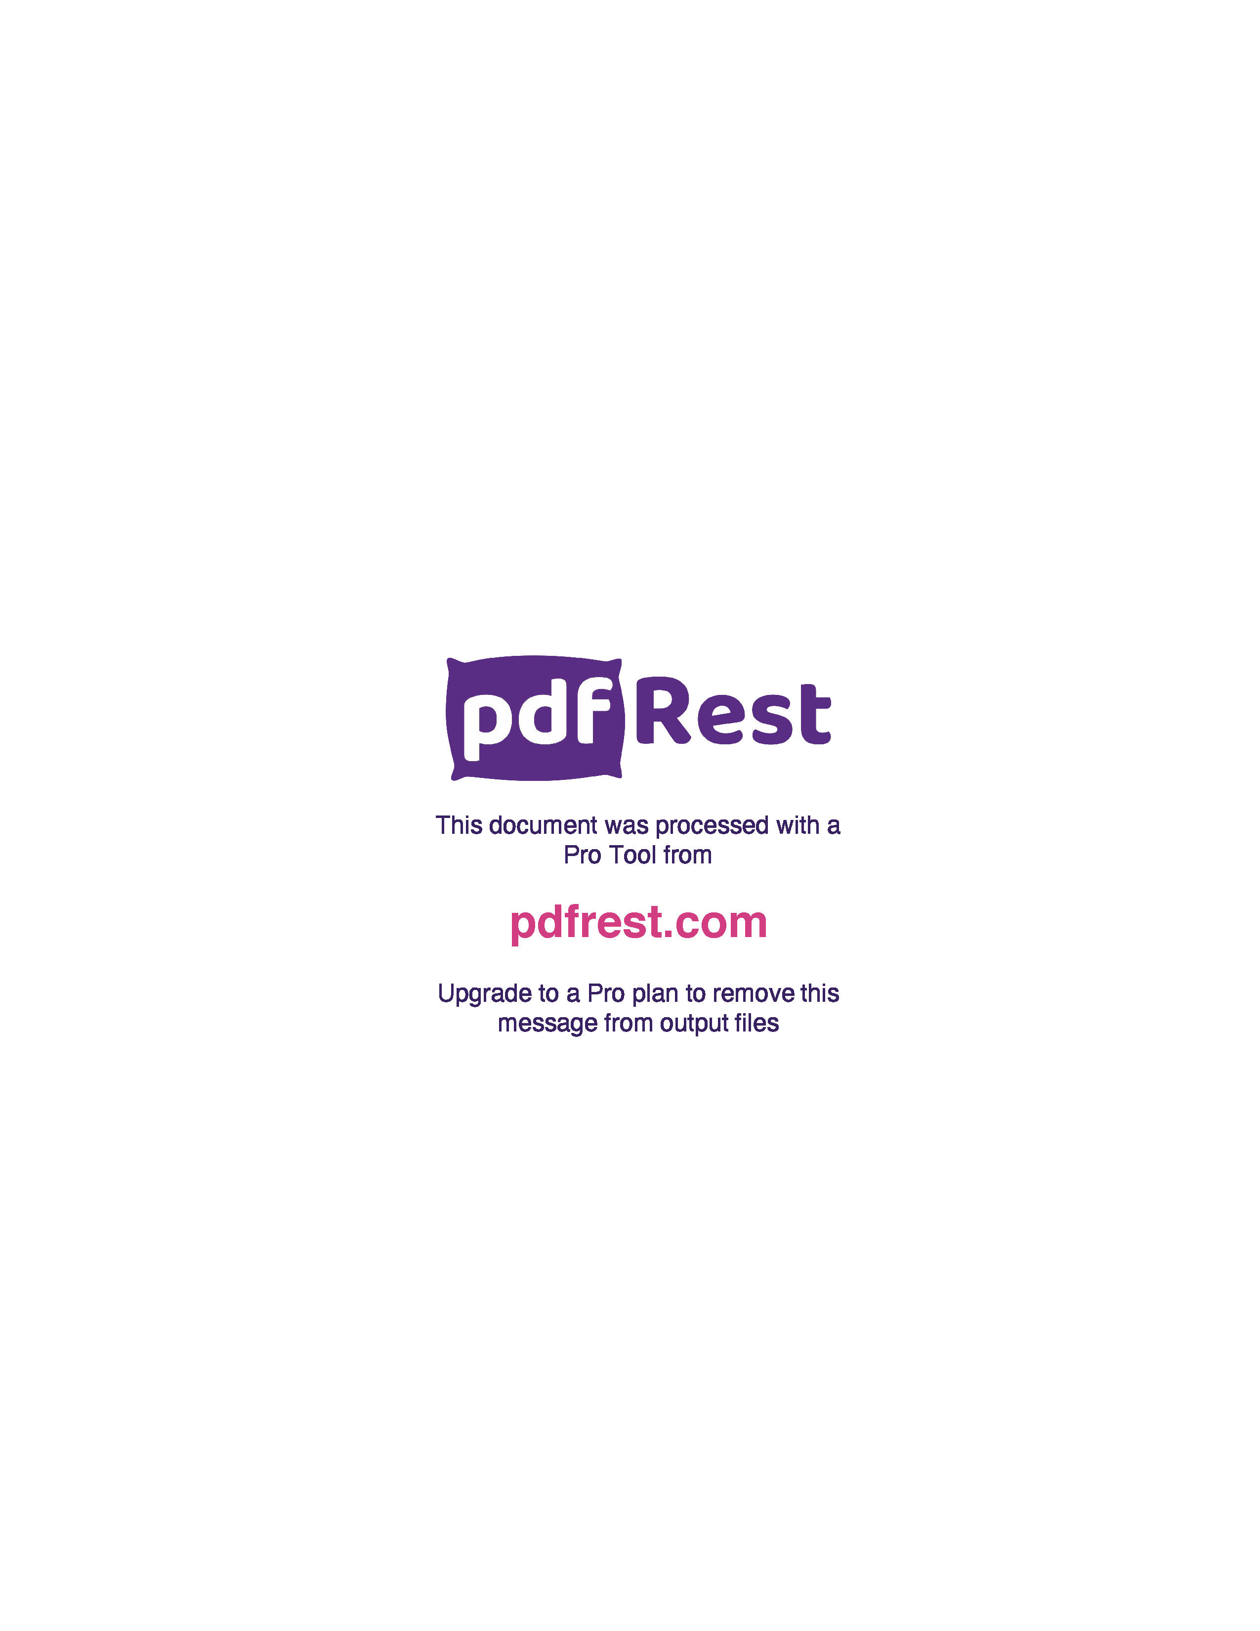
Generated by TallPDF.NET Evaluation |  |  |  |  | Tax Invoice/Credit Report |  |  |  |  |  |  |  |  |  |  |  | Page 3 of 7
Line |  | Code | Product |  | Ordered |  | Inv/Cred |  | Price/Unit(exc GST) |  | Price Extend(exc GST) |  | GST | Gross Price Gross Extended Price GST |  |  | Credit Reason

 | 124 | 104590 |  | Solosite Sthng + Heal Gel 50g |  | 2 |  | 2 |  | 8.20 |  | 16.40 | 0.00 |  | 16.40 | 0.00
 | 125 | 89613 |  | Combantrin 1 Choc Squares 4 |  | 3 |  | 3 |  | 11.94 |  | 35.82 | 3.58 |  | 39.40 | 3.58
 | 126 | 665126 |  | Deep Heat Crm Arthritis Ex 100g |  | 1 |  | 1 |  | 6.95 |  | 6.95 | 0.70 |  | 7.65 | 0.70
 | 127 | 129771 |  | Savlon Crm 50g |  | 4 |  | 4 |  | 4.49 |  | 17.96 | 1.79 |  | 23.01 | 2.09
 | 129 | 410802 |  | Nurofen Zavance Cap 24 |  | 2 |  | 2 |  | 5.93 |  | 11.86 | 1.19 |  | 13.05 | 1.19
 | 130 | 177709 |  | Strepsils Loz HnyLem 36 |  | 1 |  | 1 |  | 7.65 |  | 7.65 | 0.77 |  | 8.42 | 0.77
 | 132 | 188387 |  | BTC Loratadine Tab 10mg 50 |  | 1 |  | 1 |  | 9.12 |  | 9.12 | 0.91 |  | 11.68 | 1.06
 | 133 | 403490 |  | Claratyne Tab 10mg 10 |  | 1 |  | 1 |  | 8.14 |  | 8.14 | 0.81 |  | 8.95 | 0.81
 | 135 | 120030 |  | Nurofen Zavance Tab 96 |  | 1 |  | 1 |  | 19.28 |  | 19.28 | 1.93 |  | 21.21 | 1.93
 | 136 | 189863 |  | Gaviscon Liq Dual Actn PMint 600ml |  | 2 |  | 2 |  | 12.07 |  | 24.14 | 2.41 |  | 26.55 | 2.41
 | 138 | 246433 |  | Primatape Tape 1.25cm x5m |  | 2 |  | 2 |  | 3.09 |  | 6.18 | 0.62 |  | 6.80 | 0.62
 | 140 | 467391 |  | Sustagen Hosp Frmla Actv Choc840gAU |  | 1 |  | 1 |  | 24.78 |  | 24.78 | 0.00 |  | 24.78 | 0.00
 | 141 | 651907 |  | The Man Shk Choc 840g |  | 4 |  | 4 |  | 33.35 |  | 133.40 | 13.34 |  | 173.01 | 15.73
 | 142 | 626201 |  | Tena Pant Men Actv Fit Pls Lge 8 x2 |  | 1 |  | 1 |  | 22.13 |  | 22.13 | 0.00 |  | 22.13 | 0.00
 | 143 | 629294 |  | Ego Pinetarsol Clns Gel 100g |  | 1 |  | 1 |  | 6.97 |  | 6.97 | 0.70 |  | 7.67 | 0.70
 | 144 | 710865 |  | BTC Plantar Fascia Sleeve S M |  | 1 |  | 1 |  | 7.36 |  | 7.36 | 0.74 |  | 9.43 | 0.86
 | 150 | 663212 |  | APH Melatonin Slp Aid MR Tab 30 |  | 1 |  | 1 |  | 13.86 |  | 13.86 | 1.39 |  | 15.25 | 1.39
 | 151 | 730203 |  | Relpax Migraine Tab 40mg Blst 2 S3 |  | 1 |  | 1 |  | 6.98 |  | 6.98 | 0.70 |  | 7.68 | 0.70
 | 152 | 735027 |  | Dermal Thrpy ONgt Lip Rep 10ml |  | 2 |  | 2 |  | 6.95 |  | 13.90 | 1.39 |  | 15.29 | 1.39
 | 153 | 752819 |  | Dymista Allergy NSpry 125 50 17mlS2 |  | 1 |  | 1 |  | 25.35 |  | 25.35 | 2.54 |  | 27.89 | 2.54
 | 154 | 774448 |  | 2San Covid Influenza A B Test x5 |  | 1 |  | 1 |  | 16.04 |  | 16.04 | 1.60 |  | 17.64 | 1.60
 | 155 | 162744 |  | De Gas Cap 100mg 24 |  | 1 |  | 1 |  | 5.91 |  | 5.91 | 0.59 |  | 6.50 | 0.59
 | 156 | 459178 |  | Rikodeine Oral Liq 200ml S3 |  | 1 |  | 1 |  | 18.03 |  | 18.03 | 1.80 |  | 19.83 | 1.80
 | 158 | 354252 |  | Dettol 500ml |  | 1 |  | 1 |  | 7.64 |  | 7.64 | 0.76 |  | 9.79 | 0.89
 | 159 | 380059 |  | Imodium Cap 2mg 20 |  | 1 |  | 1 |  | 15.35 |  | 15.35 | 1.54 |  | 19.67 | 1.79
 | 161 | 296317 |  | Nasonex Alrgy 140 MD Spry |  | 1 |  | 1 |  | 18.12 |  | 18.12 | 1.81 |  | 19.93 | 1.81
 | 162 | 203068 |  | Panadol Mini Cap 96 |  | 3 |  | 3 |  | 14.52 |  | 43.56 | 4.36 |  | 47.92 | 4.36
 | 163 | 377023 |  | Postella-1 Levonorgestrel Tab 1.5mg |  | 7 |  | 7 |  | 3.38 |  | 23.66 | 2.37 |  | 26.03 | 2.37
 | 166 | 426687 |  | Cartia Tab 100mg 28 |  | 4 |  | 4 |  | 2.49 |  | 9.96 | 1.00 |  | 10.96 | 1.00
 | 168 | 407046 |  | Zyrtec Tab 10mg 10 |  | 1 |  | 1 |  | 8.61 |  | 8.61 | 0.86 |  | 9.47 | 0.86
 | 169 | 299510 |  | Vagisil Crm 25g |  | 1 |  | 1 |  | 7.25 |  | 7.25 | 0.73 |  | 7.98 | 0.73
 | 170 | 326763 |  | Gastro Stop Loperamide Cap 12 |  | 6 |  | 6 |  | 3.53 |  | 21.18 | 2.12 |  | 23.30 | 2.12
 | 171 | 582662 |  | Telfast Skn Rash Tab 180mg 10 |  | 3 |  | 3 |  | 9.67 |  | 29.01 | 2.90 |  | 31.91 | 2.90
 | 172 | 268070 |  | Advil Liq Cap 90 |  | 2 |  | 2 |  | 15.40 |  | 30.80 | 3.08 |  | 33.88 | 3.08
 | 173 | 74403 |  | Lucas Papaw Oint Tube 25g |  | 2 |  | 2 |  | 5.23 |  | 10.46 | 1.05 |  | 13.40 | 1.22
 | 174 | 266000 |  | Voltaren Rapid Tab 25mg 20 |  | 3 |  | 3 |  | 7.93 |  | 23.79 | 2.38 |  | 26.17 | 2.38
 | 175 | 589616 |  | Travacalm Tab 10 |  | 2 |  | 2 |  | 5.43 |  | 10.86 | 1.09 |  | 11.95 | 1.09

Click here to unlock TallPDF.NET

