Table 1
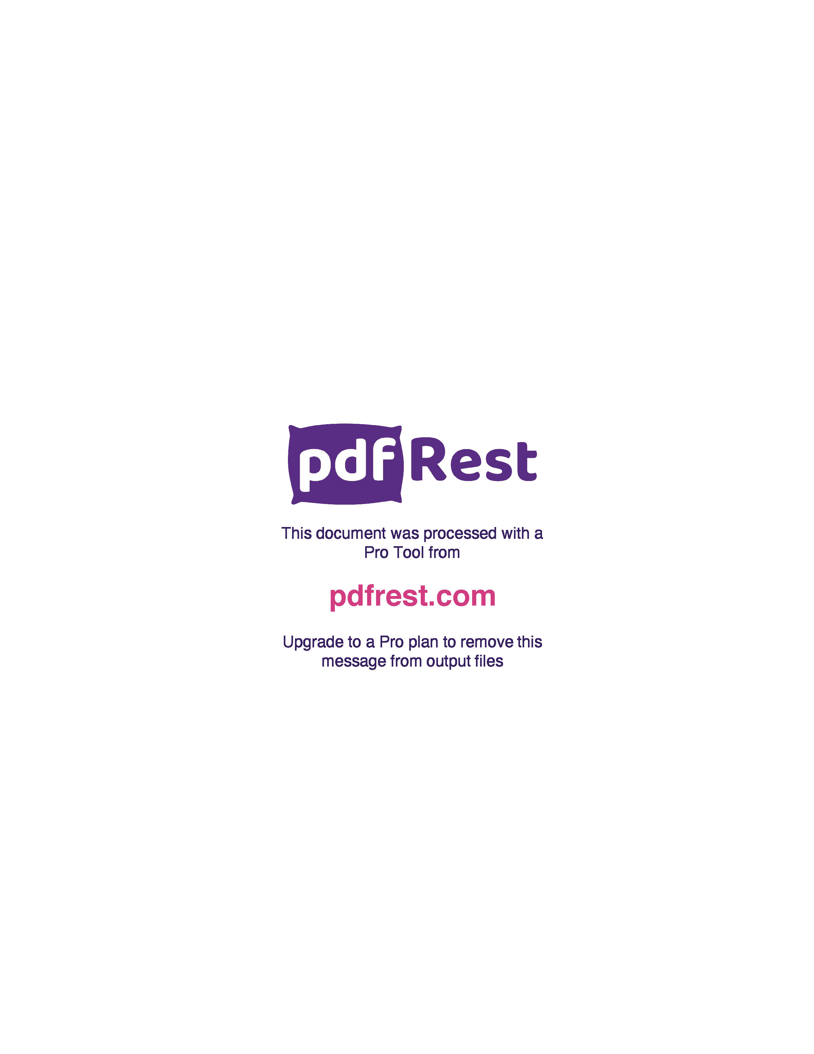
Generated by TallPDF.NET Evaluation |  |  |  |  | Tax Invoice/Credit Report |  |  |  |  |  |  |  |  |  |  |  | Page 5 of 7
Line |  | Code | Product |  | Ordered |  | Inv/Cred |  | Price/Unit(exc GST) |  | Price Extend(exc GST) |  | GST | Gross Price Gross Extended Price GST |  |  | Credit Reason

 | 227 | 86657 |  | Panadol Tab 100 |  | 3 |  | 3 |  | 11.57 |  | 34.71 | 3.47 |  | 38.18 | 3.47
 | 228 | 66737 |  | Codral PE N T Tab 24 |  | 1 |  | 1 |  | 9.91 |  | 9.91 | 0.99 |  | 10.90 | 0.99
 | 229 | 418072 |  | Gaviscon Tab Dual Actn PMint 16 |  | 1 |  | 1 |  | 4.35 |  | 4.35 | 0.44 |  | 4.79 | 0.44
 | 230 | 326550 |  | E Plast Sprt Adj Knee Supp OneSize |  | 1 |  | 1 |  | 11.26 |  | 11.26 | 1.13 |  | 12.39 | 1.13
 | 231 | 593281 |  | Microlet Lancets Bx 100 |  | 2 |  | 2 |  | 8.58 |  | 17.16 | 0.00 |  | 20.00 | 0.00
 | 232 | 692158 |  | E Plast Wproof Dress XXL 8x10cm 5 |  | 1 |  | 1 |  | 8.99 |  | 8.99 | 0.90 |  | 9.89 | 0.90
 | 233 | 444170 |  | Poly Gel Eye Gel 0.5g 30 |  | 1 |  | 1 |  | 5.43 |  | 5.43 | 0.54 |  | 5.97 | 0.54
 | 234 | 569135 |  | De Gas Cap 100mg 48 |  | 1 |  | 1 |  | 8.38 |  | 8.38 | 0.84 |  | 9.22 | 0.84
 | 236 | 245186 |  | Cellufresh EDrps 0.4ml 30 |  | 3 |  | 3 |  | 4.56 |  | 13.68 | 1.37 |  | 15.05 | 1.37
 | 237 | 276022 |  | Ostelin Vit D Cap 250 |  | 3 |  | 3 |  | 21.52 |  | 64.56 | 6.46 |  | 71.02 | 6.46
 | 238 | 286710 |  | No Doz 100mg Tab 100 Btle |  | 1 |  | 1 |  | 14.00 |  | 14.00 | 1.40 |  | 15.40 | 1.40
 | 239 | 343528 |  | Ego QV Naked Deod ROn FFr+Alum 80g |  | 2 |  | 2 |  | 6.33 |  | 12.66 | 1.27 |  | 13.93 | 1.27
 | 240 | 70912 |  | DUIT Tough Hnds 150g |  | 1 |  | 1 |  | 8.27 |  | 8.27 | 0.83 |  | 9.10 | 0.83
 | 241 | 157988 |  | Piksters Size 1 Prpl 40Pk |  | 1 |  | 1 |  | 12.36 |  | 12.36 | 1.24 |  | 13.60 | 1.24
 | 243 | 301000 |  | E Plast 11471 WProof Strps 40 |  | 1 |  | 1 |  | 3.40 |  | 3.40 | 0.34 |  | 3.74 | 0.34
 | 245 | 301515 |  | E Plast 48445 Ext Wide Plst Strp 20 |  | 2 |  | 2 |  | 3.27 |  | 6.54 | 0.65 |  | 7.19 | 0.65
 | 246 | 624594 |  | Nexcare Self Stk Wrap 25mm x2m |  | 1 |  | 1 |  | 2.20 |  | 2.20 | 0.22 |  | 2.42 | 0.22
 | 247 | 663018 |  | Dermal Thrpy Fungistop AfungCrm 15g |  | 1 |  | 1 |  | 7.73 |  | 7.73 | 0.77 |  | 8.50 | 0.77
 | 248 | 756288 |  | Ostelin Cal-DK2 Tab 60 |  | 1 |  | 1 |  | 22.58 |  | 22.58 | 2.26 |  | 24.84 | 2.26
 | 249 | 862061 |  | Nicorette Quick MistSpry 150 13.2ml |  | 1 |  | 1 |  | 27.81 |  | 27.81 | 0.00 |  | 27.81 | 0.00
 | 250 | 404268 |  | Paracetamol Osteo SR Tab665mgBtle96 |  | 2 |  | 2 |  | 4.28 |  | 8.56 | 0.86 |  | 9.42 | 0.86
 | 251 | 503819 |  | Cepacaine Oral Soln 200ml |  | 1 |  | 1 |  | 16.73 |  | 16.73 | 1.67 |  | 18.40 | 1.67
 | 252 | 15148 |  | Ego Aqium H Sanit 1Ltr |  | 1 |  | 1 |  | 11.11 |  | 11.11 | 1.11 |  | 12.22 | 1.11
 | 253 | 195758 |  | Ostelin Vit D Cap 130 |  | 2 |  | 2 |  | 12.69 |  | 25.38 | 2.54 |  | 27.92 | 2.54
 | 254 | 579564 |  | Phenergan Elix S Fr 100ml |  | 1 |  | 1 |  | 9.27 |  | 9.27 | 0.93 |  | 10.20 | 0.93
 | 255 | 222488 |  | Optrex Refr EDrps 10ml |  | 1 |  | 1 |  | 4.63 |  | 4.63 | 0.46 |  | 5.09 | 0.46
 | 256 | 440701 |  | Sea Bond Denture Lower 30 |  | 1 |  | 1 |  | 11.03 |  | 11.03 | 1.10 |  | 12.13 | 1.10
 | 257 | 730211 |  | Nurofen Dbl Str Zavance Tab512mg 12 |  | 1 |  | 1 |  | 4.42 |  | 4.42 | 0.44 |  | 4.86 | 0.44
 | 258 | 28894 |  | Bepanthen Antis Crm 50g |  | 2 |  | 2 |  | 8.12 |  | 16.24 | 1.62 |  | 17.86 | 1.62
 | 259 | 418080 |  | Gaviscon Liq Dual Actn PMint 300ml |  | 2 |  | 2 |  | 7.22 |  | 14.44 | 1.44 |  | 15.88 | 1.44
 | 260 | 473839 |  | Hydralyte Strawb Kiwi Ice Block 16 |  | 1 |  | 1 |  | 9.89 |  | 9.89 | 0.99 |  | 10.88 | 0.99
 | 261 | 606987 |  | PainAway Forte+ Heat Spry 100ml |  | 2 |  | 2 |  | 12.77 |  | 25.54 | 2.55 |  | 28.09 | 2.55
 | 262 | 752886 |  | Ego QV Face Moist DayCrm SPF30 125g |  | 1 |  | 1 |  | 14.16 |  | 14.16 | 1.42 |  | 15.58 | 1.42
 | 263 | 266639 |  | Brauer Baby+Chld Teeth 100ml |  | 1 |  | 1 |  | 11.69 |  | 11.69 | 1.17 |  | 12.86 | 1.17
 | 265 | 482080 |  | Codral PE C+F Tab 24 |  | 1 |  | 1 |  | 9.76 |  | 9.76 | 0.98 |  | 10.74 | 0.98
 | 266 | 403695 |  | NeilMed Sinus Rinse Kit Adt 60 |  | 1 |  | 1 |  | 10.86 |  | 10.86 | 1.09 |  | 11.95 | 1.09
 | 267 | 135607 |  | Aspro Clr Tab XStre 500mg 16 |  | 6 |  | 6 |  | 4.73 |  | 28.38 | 2.84 |  | 31.22 | 2.84

Click here to unlock TallPDF.NET

