Table 1
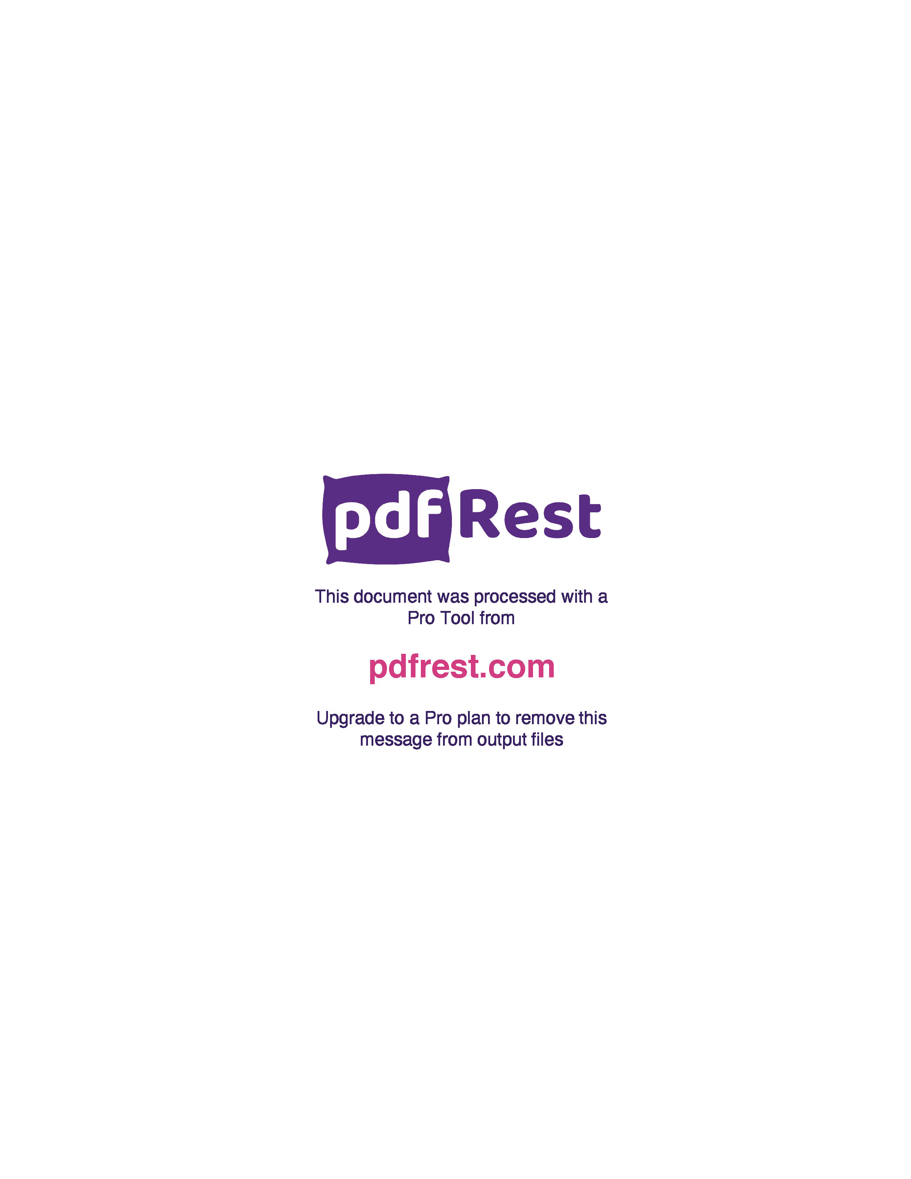
Generated by TallPDF.NET Evaluation |  |  |  |  | Tax Invoice/Credit Report |  |  |  |  |  |  |  |  |  |  |  | Page 6 of 7
Line |  | Code | Product |  | Ordered |  | Inv/Cred |  | Price/Unit(exc GST) |  | Price Extend(exc GST) |  | GST | Gross Price Gross Extended Price GST |  |  | Credit Reason

 | 268 | 44873 |  | Spren Tab 100mg 112 |  | 11 |  | 11 |  | 1.98 |  | 21.78 | 2.18 |  | 24.32 | 2.21
 | 270 | 615285 |  | Nurofen Quickzorb Cplt 48 |  | 1 |  | 1 |  | 11.40 |  | 11.40 | 1.14 |  | 12.54 | 1.14
 | 273 | 208302 |  | Ego Resolve Plus 0.5% 30g |  | 1 |  | 1 |  | 7.07 |  | 7.07 | 0.71 |  | 7.78 | 0.71
 | 274 | 15121 |  | Ego Aqium H Sanit 375ml |  | 1 |  | 1 |  | 4.98 |  | 4.98 | 0.50 |  | 5.48 | 0.50
 | 275 | 115762 |  | Lomotil Tab 2.5mg 8 |  | 1 |  | 1 |  | 6.44 |  | 6.44 | 0.64 |  | 8.25 | 0.75
 | 276 | 490415 |  | Nicotinell Patch 21mg 28Pk |  | 1 |  | 1 |  | 37.33 |  | 37.33 | 0.00 |  | 37.88 | 0.00
 | 277 | 505013 |  | Telfast Kids Oral Elix Liq 60ml |  | 1 |  | 1 |  | 7.88 |  | 7.88 | 0.79 |  | 8.67 | 0.79
 | 278 | 596841 |  | Canesten Vaginal pH Self Test |  | 1 |  | 1 |  | 9.61 |  | 9.61 | 0.96 |  | 10.57 | 0.96
 | 279 | 668524 |  | Hydralyte Eff LemLim Tab 40 |  | 1 |  | 1 |  | 15.90 |  | 15.90 | 1.59 |  | 17.49 | 1.59
 | 280 | 710962 |  | Zatamil 0.1% Oint 15g (S3) |  | 2 |  | 2 |  | 3.76 |  | 7.52 | 0.75 |  | 8.27 | 0.75
 | 281 | 762806 |  | Bonjela Teeth Gel 15g S2 |  | 3 |  | 3 |  | 8.56 |  | 25.68 | 2.57 |  | 32.90 | 2.99
 | 282 | 212075 |  | Prunelax XStre Lax Tab 120 |  | 1 |  | 1 |  | 11.28 |  | 11.28 | 1.13 |  | 12.41 | 1.13
 | 283 | 359793 |  | Mersynofen Tab 12 |  | 5 |  | 5 |  | 4.42 |  | 22.10 | 2.21 |  | 24.31 | 2.21
 | 285 | 923567 |  | Bricanyl Turb 500mcg 120 Doses |  | 3 |  | 3 |  | 7.24 |  | 21.72 | 2.17 |  | 23.89 | 2.17
 | 286 | 205001 |  | Bio Oil 60ml |  | 2 |  | 2 |  | 8.89 |  | 17.78 | 1.78 |  | 19.56 | 1.78
 | 287 | 761222 |  | Proctosedyl Witch Hazel Oint 30g |  | 2 |  | 2 |  | 14.72 |  | 29.44 | 2.94 |  | 32.38 | 2.94
 | 290 | 125083 |  | Sudocrem 125g |  | 3 |  | 3 |  | 8.49 |  | 25.47 | 2.55 |  | 28.02 | 2.55
 | 291 | 170739 |  | Pigeon Btle Slim Neck 2 x240ml PP |  | 1 |  | 1 |  | 13.02 |  | 13.02 | 1.30 |  | 14.32 | 1.30
 | 292 | 518212 |  | Voltaren Emulgel No Mess 1.16% 75g |  | 1 |  | 1 |  | 16.12 |  | 16.12 | 1.61 |  | 20.66 | 1.88
 | 293 | 75019 |  | Ear Clear Ear Ache Rlf Drps |  | 1 |  | 1 |  | 7.91 |  | 7.91 | 0.79 |  | 8.70 | 0.79
 | 294 | 3735 |  | Betaglucare Oat Hearts Sach 25g 28 |  | 1 |  | 1 |  | 29.21 |  | 29.21 | 0.00 |  | 29.21 | 0.00
 | 295 | 591181 |  | Vermox Tab 100mg 6 |  | 1 |  | 1 |  | 8.93 |  | 8.93 | 0.89 |  | 9.82 | 0.89
 | 296 | 121290 |  | Mylanta 2Go Orig Chew Tab 100 |  | 1 |  | 1 |  | 11.65 |  | 11.65 | 1.17 |  | 14.93 | 1.36
 | 297 | 42560 |  | Astrix Tab 100mg 112 |  | 1 |  | 1 |  | 3.76 |  | 3.76 | 0.38 |  | 4.82 | 0.44
 | 298 | 196428 |  | Tena Pant Plus Lge 8 x2 |  | 1 |  | 1 |  | 38.86 |  | 38.86 | 0.00 |  | 38.86 | 0.00
 | 299 | 919780 |  | Codral Dry C+C 200ml |  | 1 |  | 1 |  | 10.10 |  | 10.10 | 1.01 |  | 11.11 | 1.01
 | 300 | 121282 |  | Mylanta 2Go Orig Chew Tab 48 |  | 1 |  | 1 |  | 6.89 |  | 6.89 | 0.69 |  | 8.82 | 0.80
 | 301 | 426466 |  | Fut Ankle Supp Wrap Around Sml |  | 1 |  | 1 |  | 16.12 |  | 16.12 | 1.61 |  | 17.73 | 1.61
 | 302 | 32808 |  | E Plast 48602Fabric HDty WPrf10x6 8 |  | 1 |  | 1 |  | 4.52 |  | 4.52 | 0.45 |  | 4.97 | 0.45
 | 303 | 454877 |  | Nivea Lip Care+Protect 4.8g SPF30+ |  | 1 |  | 1 |  | 2.63 |  | 2.63 | 0.26 |  | 2.89 | 0.26
 | 304 | 255602 |  | Bio Oil 125ml |  | 1 |  | 1 |  | 14.85 |  | 14.85 | 1.49 |  | 16.34 | 1.49
 | 305 | 555193 |  | Steradent Actv Plus Tab 48 |  | 1 |  | 1 |  | 4.93 |  | 4.93 | 0.49 |  | 5.42 | 0.49
 | 306 | 146706 |  | Refresh Contacts EDrps 15ml |  | 1 |  | 1 |  | 2.95 |  | 2.95 | 0.29 |  | 3.77 | 0.34
 | 307 | 929743 |  | Nutren Diabetes Van Btle 200ml |  | 24 |  | 24 |  | 3.29 |  | 78.96 | 0.00 |  | 78.96 | 0.00
 | 308 | 423602 |  | Telfast Chld Elix 150ml |  | 1 |  | 1 |  | 10.18 |  | 10.18 | 1.02 |  | 11.20 | 1.02
 | 309 | 684821 |  | Daktarin Tinct 2% 30ml Btle+Brush |  | 1 |  | 1 |  | 8.36 |  | 8.36 | 0.84 |  | 9.32 | 0.85
 | 310 | 480657 |  | Brauer Baby+Chld Sleep 100ml |  | 1 |  | 1 |  | 11.69 |  | 11.69 | 1.17 |  | 12.86 | 1.17

Click here to unlock TallPDF.NET

