Table 1
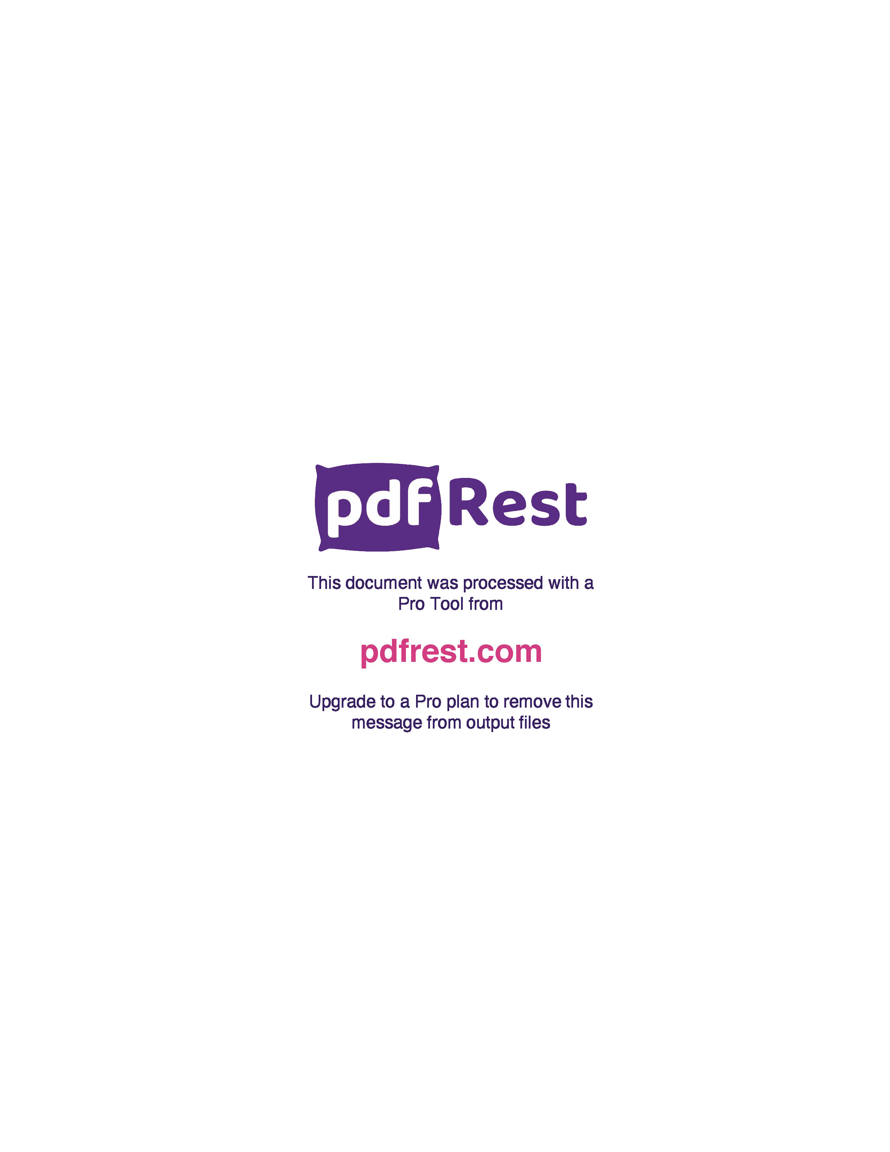
Generated by TallPDF.NET Evaluation |  |  |  |  | Tax Invoice/Credit Report |  |  |  |  |  |  |  |  |  |  |  | Page 7 of 7
Line |  | Code | Product |  | Ordered |  | Inv/Cred |  | Price/Unit(exc GST) |  | Price Extend(exc GST) |  | GST | Gross Price Gross Extended Price GST |  |  | Credit Reason

 | 311 | 576263 |  | Fut Arm Sling Pouch Adt |  | 1 |  | 1 |  | 11.42 |  | 11.42 | 1.14 |  | 12.56 | 1.14
 | 312 | 214442 |  | APH Chesty Mucus Rlf Forte 200ml |  | 1 |  | 1 |  | 4.74 |  | 4.74 | 0.47 |  | 6.07 | 0.55
 | 313 | 736384 |  | Dermal Thrpy Sweat Ctrl Ltn 60ml |  | 1 |  | 1 |  | 9.88 |  | 9.88 | 0.99 |  | 10.87 | 0.99
 | 314 | 212369 |  | Ego Moov HLice Soln 200ml |  | 1 |  | 1 |  | 12.86 |  | 12.86 | 1.29 |  | 14.15 | 1.29
 | 315 | 427829 |  | Tena Pant Discreet Wmn Med 8 x3 |  | 1 |  | 1 |  | 29.84 |  | 29.84 | 0.00 |  | 29.84 | 0.00
 | 316 | 630187 |  | T Skin Dyn Comp Ankle Sleeve LgeXL |  | 1 |  | 1 |  | 12.36 |  | 12.36 | 1.24 |  | 13.60 | 1.24
 | 317 | 104523 |  | Melolin 5cmx5cm Pk5 36361357 |  | 1 |  | 1 |  | 4.83 |  | 4.83 | 0.48 |  | 5.31 | 0.48
 | 318 | 385727 |  | SFI Hlth Redormin Forte Tab 30 |  | 1 |  | 1 |  | 21.14 |  | 21.14 | 2.11 |  | 23.25 | 2.11
 | 320 | 624748 |  | FlightSafe Adt Pres Reg Ear Plugs |  | 1 |  | 1 |  | 10.68 |  | 10.68 | 1.06 |  | 13.68 | 1.24
 | 321 | 928488 |  | Dermal Thrpy Lip Balm Paw Paw 10g |  | 1 |  | 1 |  | 4.05 |  | 4.05 | 0.41 |  | 4.46 | 0.41
 | 322 | 294594 |  | Optifast VLCD Shk Van 53g 18Pk |  | 1 |  | 1 |  | 48.32 |  | 48.32 | 4.83 |  | 53.15 | 4.83
 | 323 | 195596 |  | Refresh Liquigel |  | 1 |  | 1 |  | 3.10 |  | 3.10 | 0.31 |  | 3.47 | 0.32
 | 324 | 745642 |  | N Own OLess FOil 1000mg Cap 200 |  | 1 |  | 1 |  | 16.94 |  | 16.94 | 1.69 |  | 18.63 | 1.69
 | 325 | 231916 |  | E Plast 47311 Plst Strps 40 |  | 1 |  | 1 |  | 2.21 |  | 2.21 | 0.22 |  | 2.43 | 0.22
 | 326 | 72486 |  | Nivea Deod Spry Pearl+Beauty 150ml |  | 1 |  | 1 |  | 3.67 |  | 3.67 | 0.37 |  | 4.04 | 0.37
 | 327 | 459100 |  | Neutrogena Acne Wash OFr 175ml |  | 1 |  | 1 |  | 11.58 |  | 11.58 | 1.16 |  | 14.84 | 1.35
 | 328 | 267546 |  | Omron Pad Rep Lng Life Tens LLPAD |  | 1 |  | 1 |  | 34.02 |  | 34.02 | 0.00 |  | 39.65 | 0.00
 | 329 | 421332 |  | Swisse UBst HSN Tab 60 |  | 1 |  | 1 |  | 11.51 |  | 11.51 | 1.15 |  | 12.66 | 1.15
 | 330 | 43303 |  | Ego QV Intnsv Clns 1kg |  | 1 |  | 1 |  | 23.40 |  | 23.40 | 2.34 |  | 25.74 | 2.34
 | 331 | 362891 |  | DermaScar Sil Scar Reduction Gel15g |  | 1 |  | 1 |  | 8.08 |  | 8.08 | 0.81 |  | 8.89 | 0.81
 | 332 | 383538 |  | Dermal Thrpy A Itch Sooth Crm 85g |  | 1 |  | 1 |  | 8.71 |  | 8.71 | 0.87 |  | 9.58 | 0.87
 | 333 | 124176 |  | Nicorette CDrps Loz 2mg 80 |  | 1 |  | 1 |  | 27.19 |  | 27.19 | 0.00 |  | 27.19 | 0.00
 | 336 | 416290 |  | Durex Thn Feel Condom 10+2pk |  | 1 |  | 1 |  | 3.72 |  | 3.72 | 0.00 |  | 3.72 | 0.00
 | 337 | 541559 |  | APH Hydrocortisone 1% Crm Tube 30g |  | 10 |  | 10 |  | 3.13 |  | 31.30 | 3.13 |  | 40.04 | 3.64
 | 338 | 583537 |  | BodiSure Weight Scale BWS100 |  | 1 |  | 1 |  | 21.91 |  | 21.91 | 2.19 |  | 24.10 | 2.19
 | 340 | 697273 |  | Dermal Thrpy Eczema + Derm Crm 60g |  | 2 |  | 2 |  | 11.72 |  | 23.44 | 2.34 |  | 25.78 | 2.34
 | 341 | 921394 |  | Nivea Hnd A A 100mL |  | 1 |  | 1 |  | 5.29 |  | 5.29 | 0.53 |  | 5.82 | 0.53
 | 342 | 75493 |  | Ego QV Face Day Cream SPF30 75g |  | 1 |  | 1 |  | 10.39 |  | 10.39 | 1.04 |  | 11.43 | 1.04
 | 343 | 730009 |  | Melatonin SDZ SlpAid 2mg Blst30 S3 |  | 2 |  | 2 |  | 16.51 |  | 33.02 | 3.30 |  | 36.32 | 3.30
 | 344 | 752851 |  | Ego QV Face Rvt Eye Crm 30g |  | 1 |  | 1 |  | 10.01 |  | 10.01 | 1.00 |  | 11.01 | 1.00
 | 345 | 760250 |  | Synxplus Flight + Rcvry Socks Med |  | 1 |  | 1 |  | 29.86 |  | 29.86 | 2.99 |  | 32.85 | 2.99
 | 346 | 51233 |  | Murine Clr Eye 15ml |  | 5 |  | 5 |  | 7.76 |  | 38.80 | 3.88 |  | 42.68 | 3.88

Click here to unlock TallPDF.NET

