Table 1
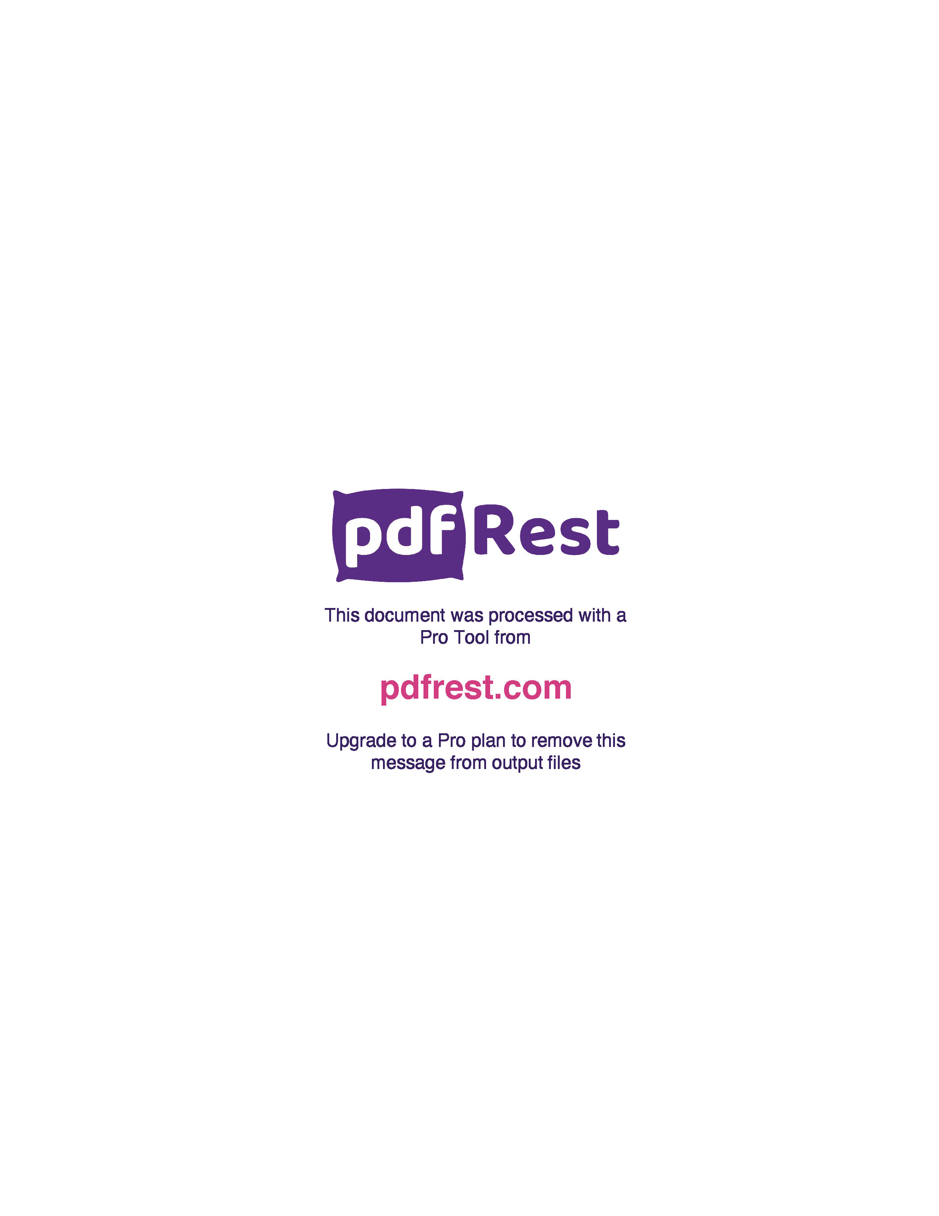
Generated by TallPDF.NET Evaluation |  |  |  | Tax Invoice/Credit Report |  |  |  |  |  |  |  |  |  | Page 1 of 3
Customer |  |  |  | Blooms The Chemist Tweed City Central EthInvoice/Credit # |  |  |  |  |  |  | I203186302
Account |  |  |  | 4114027 |  | Credit for Invoice
Customer Reference |  |  |  | 7804 |  | Type |  |  |  |  | I
Invoice / Credit Date |  |  |  | 14 Mar 24 |  | Gross Value(inc GST) |  |  |  |  | 3814.28
Order # |  |  |  | O194360212 |  | Gross GST |  |  |  |  | 346.77
Warehouse |  |  |  | BNE |  | Total Value(inc GST) |  |  |  |  | 3779.68
 |  |  |  |  |  | GST |  |  |  |  | 343.60

 | Line Code |  | Product |  | Ordered Inv/Cred |  |  | Price/Unit(exc GST) |  | Price Extend(exc GST) |  | GST Gross Price Gross Extended Price GST |  |  | Credit Reason
 | 2 | 417971 | Amoxycillin Susp Pwdr 250mg 5ml SNZ |  | 6 |  | 6 |  | 2.87 | 17.22 |  | 1.73 | 19.21 | 1.75
 | 3 | 492418 | Risperidone Tab 2mg Blst 60 SNZ |  | 2 |  | 2 |  | 10.97 | 21.94 |  | 2.19 | 24.13 | 2.19
 | 5 | 415324 | Diovan Tab 80mg 28 |  | 3 |  | 3 |  | 6.17 | 18.51 |  | 1.85 | 20.66 | 1.88
 | 6 | 345938 | Ovestin Ovula Vaginal Tab 15 |  | 2 |  | 2 |  | 12.62 | 25.24 |  | 2.52 | 28.18 | 2.56
 | 8 | 378968 | Endep 10 Tab 10mg 50 |  | 1 |  | 1 |  | 4.98 | 4.98 |  | 0.50 | 5.57 | 0.51
 | 9 | 84921 | Fungilin Loz 10mg 20 |  | 1 |  | 1 |  | 4.30 | 4.30 |  | 0.43 | 4.81 | 0.44
 | 10 | 590940 | Metrogyl Tab 200mg 21 |  | 1 |  | 1 |  | 2.87 | 2.87 |  | 0.29 | 3.20 | 0.29
 | 12 | 494569 | Ramipril Tab 2.5mg Blst 30 SNZ |  | 4 |  | 4 |  | 2.71 | 10.84 |  | 1.08 | 11.92 | 1.08
 | 13 | 428035 | Curam Syp Duo 400mg 60ml SNZ |  | 2 |  | 2 |  | 2.87 | 5.74 |  | 0.57 | 6.40 | 0.58
 | 15 | 235210 | Ritalin Tab 10mg 100 |  | 5 |  | 5 |  | 12.72 | 63.60 |  | 6.36 | 70.95 | 6.45
 | 17 | 292346 | Norspan Patch 5mcg x2 |  | 4 |  | 4 |  | 9.10 | 36.40 |  | 3.64 | 40.61 | 3.69
 | 18 | 496782 | Paxam Tab 0.5mg 100 |  | 2 |  | 2 |  | 6.68 | 13.36 |  | 1.33 | 14.89 | 1.35
 | 19 | 603481 | Rocaltrol Cap 0.25mcg 100 |  | 1 |  | 1 |  | 18.14 | 18.14 |  | 1.81 | 20.25 | 1.84
 | 20 | 402524 | Noten Tab 50mg Blst 30 |  | 5 |  | 5 |  | 2.71 | 13.55 |  | 1.36 | 14.91 | 1.36
 | 21 | 49395 | Lithicarb Tab 250mg 200 |  | 1 |  | 1 |  | 35.57 | 35.57 |  | 3.56 | 39.72 | 3.61
 | 22 | 543047 | Norgesic Tab 35 450mg Blst 24 |  | 1 |  | 1 |  | 12.89 | 12.89 |  | 1.28 | 15.00 | 1.36
 | 24 | 453579 | Nebilet Tab 5mg 28 |  | 2 |  | 2 |  | 31.12 | 62.24 |  | 6.23 | 69.48 | 6.32
 | 25 | 68837 | Micardis Tab 80mg 28 |  | 2 |  | 2 |  | 8.66 | 17.32 |  | 1.74 | 19.32 | 1.76
 | 28 | 71129 | Coversyl Tab 10mg 30 |  | 2 |  | 2 |  | 14.10 | 28.20 |  | 2.82 | 31.46 | 2.86
 | 30 | 578061 | Femoston 2 10 Tab 28 |  | 1 |  | 1 |  | 10.58 | 10.58 |  | 1.05 | 11.80 | 1.07
 | 32 | 94986 | Hydrozole Crm 1% 50g |  | 1 |  | 1 |  | 16.16 | 16.16 |  | 1.62 | 17.78 | 1.62
 | 34 | 104248 | Marevan Tab 5mg 50 |  | 1 |  | 1 |  | 5.33 | 5.33 |  | 0.53 | 5.95 | 0.54
 | 35 | 411639 | Somac Tab 20mg Blst 30 |  | 3 |  | 3 |  | 2.87 | 8.61 |  | 0.86 | 9.60 | 0.87
 | 37 | 462853 | Diclofenac Tab 50mg Blst 50 SNZ |  | 5 |  | 5 |  | 2.87 | 14.35 |  | 1.44 | 16.01 | 1.46
 | 39 | 506788 | Sitagliptin Tab 50mg Blst 28 SNZPh |  | 1 |  | 1 |  | 20.79 | 20.79 |  | 2.08 | 22.87 | 2.08
 | 40 | 536830 | EzetimibeSimvastatin 10 80mg 30 SNZ |  | 1 |  | 1 |  | 11.62 | 11.62 |  | 1.16 | 12.78 | 1.16
 | 41 | 141860 | Ultibro Breezhaler Cap 110 50mcg 30 |  | 2 |  | 2 |  | 74.65 | 149.30 |  | 14.93 | 166.69 | 15.15
 | 43 | 623946 | Tibolone Tab 2.5mg Blst 28 SNZ |  | 1 |  | 1 |  | 21.92 | 21.92 |  | 2.19 | 24.11 | 2.19
 | 45 | 247553 | Entresto Tab 49 51mg Blst 56 |  | 1 |  | 1 |  | 172.73 | 172.73 |  | 17.27 | 192.87 | 17.53
 | 46 | 257672 | Palexia IR Tab 50mg Blst 20 |  | 9 |  | 9 |  | 15.07 | 135.63 |  | 13.57 | 157.81 | 14.35
Click here to unlock TallPDF.NET

