Dec-2023
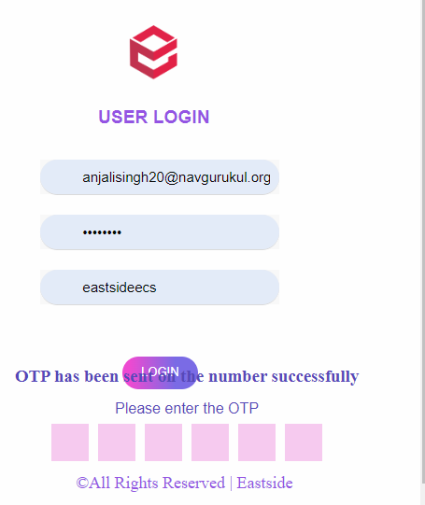
S NO. | Module | Test Scenario | Testing environment | status (28-10-2023) |  |  |  |  | Status (02-12-2023)Tested by Saumya

1 | Login page | user name passward account name | working or not | working | content is not fixed according to the page. |  |  | OTP has been sent on your registered no. | working

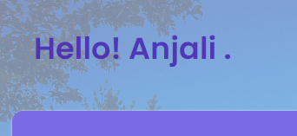
2 | Dashboard | Total leads |  | working |  |  |  |  | working
 |  | pending |  | working |  |  |  |  | working
 |  | Assigned leads |  | working |  |  |  |  | working
 |  | Hot |  | working |  |  |  | name should be in next line | working
 |  | Warm |  | working |  |  |  |  | working
 |  | Cold |  | working |  |  |  |  | working
 |  | converted |  | working |  |  |  |  | working
 |  | Todays Follow -ups |  | working |  |  |  |  | working
 |  | ID |  | working |  |  |  |  | working
 |  | Client Name |  | working |  |  |  |  | working
 |  | Client Number |  | working |  |  |  |  | working
 |  | Status |  | working |  |  |  |  | working
 |  | Location |  | working |  |  |  |  | working
 |  | Assignee |  | working |  |  |  |  | working
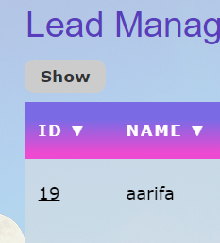
 |  | Date |  | working |  |  |  |  | working

3 | Dialer | Phone |  | working |  |  |  |  | working
 |  | Recent |  | working |  |  |  |  | working
 |  | Contact |  | working |  |  |  |  | working
 |  | Settings |  | working |  |  |  |  | working
 |  | Voicemails |  | working |  |  |  |  | working

4 | Lead Mangement | Show |  | working |  |  |  |  | working
 |  | search bar |  | working |  |  | drop down coming for show is not in proper postion |  | working
 |  | New Leads |  | working |  |  |  |  | working
 |  | previous |  | working |  |  |  |  | working
 |  | Next |  | working |  |  |  |  | working
 |  | ID |  | working |  |  |  |  | working
 |  | Source |  | working |  |  |  |  | working
 |  | Location |  | working |  |  |  |  | working
 |  | Number |  | working |  | text allignment is not proper |  |  | working
 |  | Status |  | working |  |  |  |  | working
 |  | Assignee |  | working |  |  |  |  | working
 |  | Follow-up |  | working |  |  |  |  | working
 |  | options |  | working |  |  |  |  | working

5 | Address book | Search bar |  | working |  |  |  |  | working
 |  | Add customer |  | working |  |  |  |  | working
 |  | Add campaign |  | working |  |  |  |  | working
 |  | Customer Name |  | working |  |  |  |  | working
 |  | CustomerNumber |  | working |  |  |  |  | working
 |  | E-mail |  | working |  |  |  |  | working
 |  | Option |  | working |  |  |  |  | working
 |  | Actions |  | working |  |  |  |  | working

6 | Support | search keywords |  | working |  |  |  |  | working

7 | Logout button | logout |  | working |  |  |  |  | working

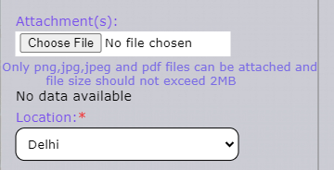
suggestion | give little bit of space between them.

Dashboard | Details are not updated in dashboard page.

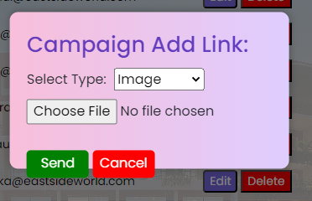
Clint Addressbook | set content properly

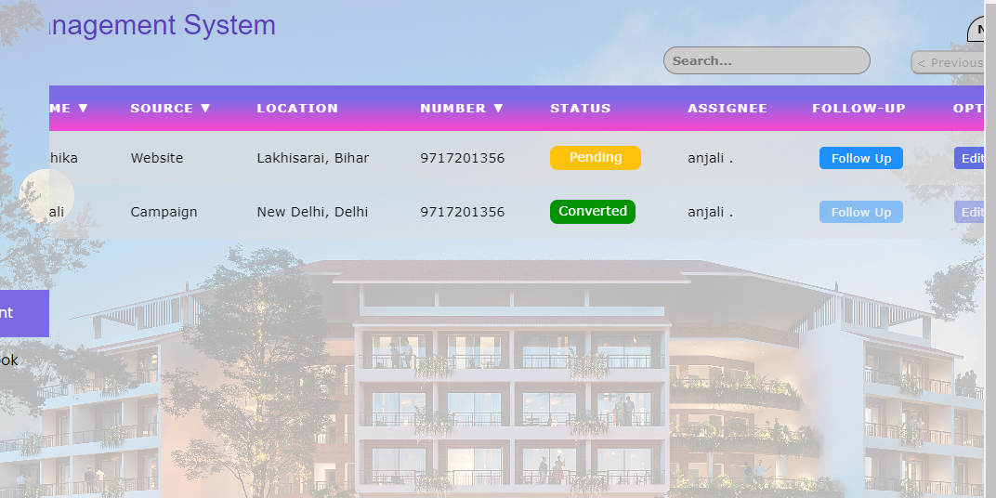

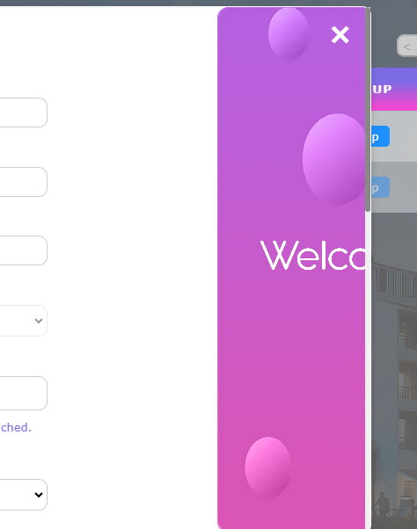
screen | according to my screen it's not coming properly I changed Resolution

