Sheet1
 | Name | Example | Done | Done
 | Recursion | i/p = 5 & o/p = [0,1,1,2,3] sum = 7
1 | Fibonacci | i/p = 5 & o/p = 120
2 | Factorial | i/p = & o/p =
3 | Sum of Digits | i/p = [1,4] & o/p = 5
4 | Reverse Of String | i/p = Hello & o/p = olleH
5 | GCD of the Number | gcd (b,a%b) till we get zero remainder [i/p =[2,4] & o/p = 2 ]
6 | Decimal to Binary | i/p = 5 & o/p = 101
7 | First Upper Case in String | i/p = heLlo & o/p = L
8 | Palindrome of String and Number
9 | Merge 2 Sorted Linked List
10 | Happy Number | (Sum of Square of Digits can be broken to 1) → Eg : 7 → 72 = 49 (42 + 92) → 16+81 = 97 (92 + 72) → 81 + 49 = 130 (12 + 32 + 02) → 10 (12 + 02) = 1. Hence Happy Number
11 | Sum of all the numbers till that number. (Recursive Range) | i/p = 5 & o/p = 15
12 | Product Of Digits in Array.

 | Math
13 | Plus One | Input: digits = [1,2,3] Output: [1,2,4] Explanation: The array represents the integer 123. Incrementing by one gives 123 + 1 = 124. Thus, the result should be [1,2,4]. Input: digits = [9] Output: [1,0] Explanation: The array represents the integer 9. Incrementing by one gives 9 + 1 = 10. Thus, the result should be [1,0].
14 | Prime No | i/p = 5 and 4 & o/p = true and false

 | 1-D Arrays:
15 | Reverse Array Without Using New Array | i/p = [1,2,3,4,5] & o/p = [5,4,3,2,1]
16 | Pair Each Element in Array | i/p = [1,2,3] & o/p = [[1,2,3],[1,3,2],[2,1,3],[2,3,1],[3,1,2],[3,2,1]]
17 | Missing Number In Array | i/p = [1,2,3,4,5,0,7,8,6] & o/p = 9
18 | Find Second largest and largest number in array | i/p = [12,35,1,10,34,1] & o/p = 35, 34
19 | Check 2 Arrays are identical | i/p = [1,2,3,65,44,3,2] , [1,2,3,56,2,3] & o/p = false
20 | Array is Unique | i/p = [1,2,5,6,7,8,9] & o/p = true
21 | Move Zeros at the end of the array | i/p = [0,1,3,0,0,0,9,2,5,0] & o/p = [1,3,9,2,5,0,0,0,0,0]
22 | Find the Pair of Sum to the target sum | i/p = [1,2,3,4,5,8,3] , 13 & o/p = [5,8]
23 | Find the Triplet of Sum to the target Sum. | i/p = [12,3,4,1,6,9] , 24. & o/p = [12,9,3]
24 | Remove Duplicates from sorted Array | i/p = [1,1,3,3,4,5,6,6] & o/p = [1,3,4,5,6]
25 | Buy and Sell to max profit | Input: prices[] = {7, 1, 5, 3, 6, 4} Output: 5 Explanation: The lowest price of the stock is on the 2nd day, i.e. price = 1. Starting from the 2nd day, the highest price of the stock is witnessed on the 5th day, i.e. price = 6. Therefore, maximum possible profit = 6 – 1 = 5. Input: prices[] = {7, 6, 4, 3, 1} Output: 0 Explanation: Since the array is in decreasing order, no possible way exists to solve the problem.
26 | Pascal's Traingle | 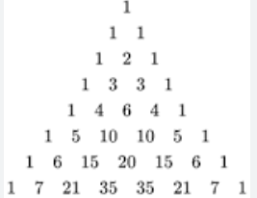
27 | Knapsack Problem | Input: N = 3, W = 4, profit[] = {1, 2, 3}, weight[] = {4, 5, 1} Output: 3 Explanation: There are two items which have weight less than or equal to 4. If we select the item with weight 4, the possible profit is 1. And if we select the item with weight 1, the possible profit is 3. So the maximum possible profit is 3. Note that we cannot put both the items with weight 4 and 1 together as the capacity of the bag is 4. Input: N = 3, W = 3, profit[] = {1, 2, 3}, weight[] = {4, 5, 6} Output: 0
28 | Container With MostWater I/O: {1,8,6,2,5,4,8,3,7} o/p: 49 | 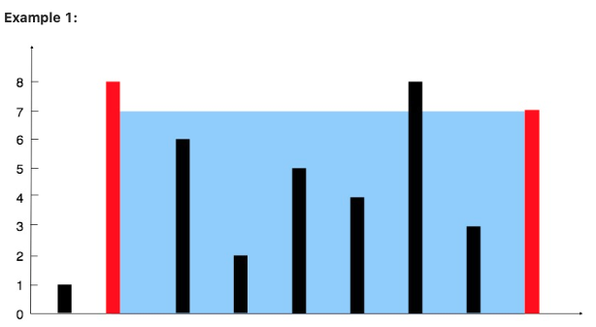
29 | Buy and Sell to max profit | Input: prices = [7,1,5,3,6,4] Output: 7 Explanation: Buy on day 2 (price = 1) and sell on day 3 (price = 5), profit = 5-1 = 4. Then buy on day 4 (price = 3) and sell on day 5 (price = 6), profit = 6-3 = 3. Total profit is 4 + 3 = 7. Input: prices = [1,2,3,4,5] Output: 4 Explanation: Buy on day 1 (price = 1) and sell on day 5 (price = 5), profit = 5-1 = 4. Total profit is 4. Input: prices = [7,6,4,3,1] Output: 0 Explanation: There is no way to make a positive profit, so we never buy the stock to achieve the maximum profit of 0.
30 | Jump Game (Reach end of index by steps) | Input: nums = [2,3,1,1,4] Output: true Explanation: Jump 1 step from index 0 to 1, then 3 steps to the last index.
31 | Jump Game (Reach end of index by steps) in Min Steps | Input: nums = [2,3,1,1,4] Output: 2 Explanation: The minimum number of jumps to reach the last index is 2. Jump 1 step from index 0 to 1, then 3 steps to the last index.
32 | Arrays each product except itself with O(n) | Input: arr[] = {10, 3, 5, 6, 2} Output: prod[] = {180, 600, 360, 300, 900} 3 * 5 * 6 * 2 product of other array elements except 10 is 180 10 * 5 * 6 * 2 product of other array elements except 3 is 600 10 * 3 * 6 * 2 product of other array elements except 5 is 360 10 * 3 * 5 * 2 product of other array elements except 6 is 300 10 * 3 * 6 * 5 product of other array elements except 2 is 900
33 | Tapping Rain Water
34 | Rotate Array | Input: arr[] = {1, 2, 3, 4, 5, 6, 7}, d = 2 Output: 3 4 5 6 7 1 2

 | Sliding Window
35 | Find the longest Subarray for the Target sum | Input: arr[] = { 10, 5, 2, 7, 1, 9 }, k = 15 Output: {5, 2, 7, 1}.
36 | Longest Pallendromic String | Input: = “forgeeksskeegfor” Output: “geeksskeeg” Explanation: There are several possible palindromic substrings like “kssk”, “ss”, “eeksskee” etc. But the substring “geeksskeeg” is the longest among all.
37 | Min SubArray With Target Sum | Input: target = 7, nums = [2,3,1,2,4,3] Output: [4,3]

 | Matrix
38 | Spiral Form Matrix (1234812161514139671110) | 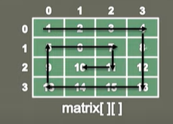
39 | Set Matrix to Zero | 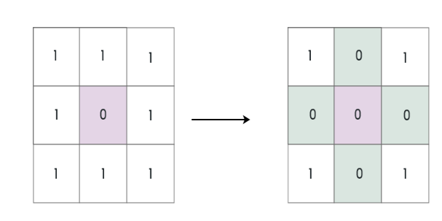
40 | Rotate Matrix by 90
41 | Valid Soduku
42 | Merge Intervals | Input: {{1,3},{2,6},{8,10},{15,18}}); Output: [[1,6],[8,10],[15,18]] Explanation: Since intervals [1,3] and [2,6] overlap, merge them into [1,6].

 | Sorting
43 | Selection Sorting | i/p = [9,0,5,7,3,7,2,1] & o/p = [0,1,2,3,5,7,7,9]
44 | Bubble Sorting | i/p = [9,0,5,7,3,7,2,1] & o/p = [0,1,2,3,5,7,7,9]
45 | Insertion Sort | i/p = [9,0,5,7,3,7,2,1] & o/p = [0,1,2,3,5,7,7,9]
46 | Merge Sort | i/p = [9,0,5,7,3,7,2,1] & o/p = [0,1,2,3,5,7,7,9]
47 | Quick Sort | i/p = [9,0,5,7,3,7,2,1] & o/p = [0,1,2,3,5,7,7,9]

48 | Rearrange Sorted Array In Min Max Form | OrignalArray(Input)= [8, 9, 4, 0, 3, 2, 5, 1, 7, 21] Sorted Array: [0, 1, 2, 3, 4, 5, 7, 8, 9, 21] Modified Array: [462, 1, 200, 25, 180, 49, 161, 74, 119, 109] Output: [21, 0, 9, 1, 8, 2, 7, 3, 5, 4]
49 | Sort Arrays in 0’s, 1’s and 2’s order (Dutch National Flag Problem) | i/p = [0,2,1,0,2,1,1,2,0] & o/p = [0,0,0,1,1,1,2,2,2]
50 | Square of Sorted array. | I/p = [-4,-2,-1,0,4,5,9] & o/p=[0,1,4,16,16,25,81]
51 | Merge Sorted Array | I/p = [1,2,4,5,6,7,8,15] , [0,2,3,8,9,11,12] & o/p=[,0,1,22,3,4,5,6,7,8,8,9,11,12,15]

 | String Manipulation
52 | Reverse of String | I/p = Hello & o/p= olleH
53 | Remove Special Characters from String | I/p = Hello&(%KJ* & o/p= HelloKJ
54 | Remove White Spaces in String | I/p = K USH A L. & o/p= KUSHAL
55 | Remove Duplicate from the String | I/p = Good & o/p= God
56 | Reverse word by word in String | I/p = Good Morning & o/p= Morning Good
57 | Anagram test | I/p = [eat,ate] , [att,ate] & o/p= true , false
58 | First occurrence of NonRepeating Character | I/p = Hello & o/p= 2
59 | Last Occurence of Non Repeating Character | I/p = Hello & o/p= 3
60 | Sorting String | I/p = Hello & o/p= eHllo
61 | Reverse Sentence Word By Word | I/p = Good Morning & o/p= gninroM dooG
62 | Occurrence of Each Character in String | I/p = Hello & o/p= e -> 1, H -> 1, l-> 2, o-> 1
63 | Replace and Remove the Duplicate String | I/p = & o/p=
64 | Non Repeatable Character in String | I/p = & o/p=
65 | Group Anagram | I/p = {eat,ate,eta,listen,silent,gram,arm} & o/p= [[eat,ate,eta],[listen,silent],[gram,[arm]]]
66 | Longest Prefix in String Array | Input: {"flower","flow","flight"} Output: "fl"
67 | Zig Zag Pattern of String | Input: s = "PAYPALISHIRING", numRows = 4 Output: "PINALSIGYAHRPI" Explanation: P I N A L S I G Y A H R P I
68 | Isomorphic Strings | Two strings s and t are isomorphic if the characters in s can be replaced to get t. All occurrences of a character must be replaced with another character while preserving the order of characters. No two characters may map to the same character, but a character may map to itself. Example 1: Input: s = "egg", t = "add" Output: true Example 2: Input: s = "foo", t = "bar" Output: false

 | Searching
69 | Binary Searching | i/p = [1,3,5,7,9,11,15,19] , 19 & o/p= index = 7
70 | Selection Search | i/p = [1,2,3,54,5,7] , 54 & o/p= index =3
71 | Search The Insert Position in Sorted Array | i/p = [1,3,,4,5,89] , 2 & o/p= index =1
72 | Search Element in Sorted Rotated Array. | [4,5,6,7,1,2,3] → Array is sorted just rotated
73 | Find First and Last Position of Element in Sorted Array | Input: nums = [5,7,7,8,8,10], target = 8 Output: [3,4]
74 | Find Minimum in Rotated Sorted Array | Input: nums = [3,4,5,1,2] Output: 1 Explanation: The original array was [1,2,3,4,5] rotated 3 times.

 | Stack
75 | Create Stack (Push & Pop & Peek) | Array: size =5 i/p =[push(1),push(4),peek(),pop(),push(8),peek(),push(10),pop()] o/p = [null,null,4,4,null,8,null,10]
 |  | List: i/p = [push(1),push(4),peek(),pop(),push(8),peek(),push(10),pop()] o/p = [null,null,4,4,null,8,null,10]

76 | Valid Parentheses | i/p = "()(){()}[][()]" o/p = true
77 | Reverse String | i/p = "Hello" o/p = "olleH"
78 | Min Stack | i/p = [push(-2),push(0),push(-3),getMin(),pop(),top(),getMin()] o/p= [null,null,null,-3,0,-2]
79 | Stack Using 2 Queue
80 | Simplify Path | Input: path = "/home/" Output: "/home" Explanation: Note that there is no trailing slash after the last directory name. Input: path = "/../" Output: "/" Explanation: Going one level up from the root directory is a no-op, as the root level is the highest level you can go. Input: path = "/home//foo/" Output: "/home/foo" Explanation: In the canonical path, multiple consecutive slashes are replaced by a single one.

 | Queue
81 | Create (Offer & Poll & Peek) | Array size (5) i/p = [offer(5),offer(8),peek(),poll(),peek(),offer(11),poll(),peek()] o/p = [null,null,5,5,8,null,8,11]

82 | Binary Number Using Queue | i/p = 2 o/p = 10
83 | Queue Using 2 Stacks

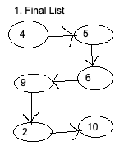
 | Linked List
 | Singly Linked List
84 |  | Create (Refer 1) (create(5))
85 |  | insert At FIRST, MID , END (Refer 1) [insertAtFirst(4),insertAtLast(10),insertAtMid(2),insertAtMid(9)]
86 |  | Traversal = [4 -> 5 -> 6 -> 9 -> 2 -> 10 ]
87 |  | Delete at FIRST, END o/p = [ (5 -> 6 -> 9 -> 2 -> 10) , (5 -> 6 -> 2)]
88 |  | Deletion At Specific Location i/p = 2 o/p = [5 -> 6 -> 2]
89 |  | Deletion Specific Element i/p = "2" o/p = [5 -> 6]
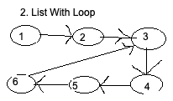
90 |  | Removes Duplicates i/p =[1 -> 2 -> 2 -> 2 -> 3 -> 4 -> 4 -> 5 -> 5] o/p = [1 -> 2 -> 3 -> 4 -> 5]
91 |  | Insert In Sorted Linked List i/p = [1 - > 2 -> 3 -> 4 -> 8] & 6 o/p = [1 -> 2 -> 3 -> 4 -> 6 -> 8]
92 |  | Detect Loop (Floyd’s Cycle) (Refer 2 ) o/p = true
93 |  | Remove Loop
94 |  | reverse (Refer 2 without Loop) o/p = [1 -> 2 -> 3 -> 4 -> 5 -> 6]
 | Circular Singly Linked List
95 |  | Create
96 |  | insert At FIRST, MID , END
97 |  | Traversal
98 |  | Reverse

99 | Common and UnCommon Elements | i/p = [2,4,6,8,10,12,14] & [3,6,9,12,15,18]
100 | Exchange the Node in Singly Linked List. Return the head of the linked list after swapping the values of the kth node from the beginning and the kth node from the end (the list is 1-indexed). | Input: head = [1,2,3,4,5], k = 2 Output: [1,4,3,2,5] Input: head = [7,9,6,6,7,8,3,0,9,5], k = 5 Output: [7,9,6,6,8,7,3,0,9,5]
101 | Intersection of 2 List
102 | Swap Elements | Partition a linked list around a value x, such that all nodes less than x come before all nodes greater than or equal to x. Example Input: 3 -> 5 -> 8 -> 5 -> 10 -> 2 -> 1 [x=5] Output: 3 -> 2 -> 1 -> 5 -> 5 -> 8 -> 10
103 | DeepCopy. Create a new LinkedList with same as input.
104 | ReverseLinkedList in given Group. | Input: head = [1,2,3,4,5], left = 2, right = 4 Output: [1,4,3,2,5]
105 | Remove kth from End | I/p = [1 -> 1 -> 2 -> 4 -> 5 -> 8 -> 10] & k =4 o/p = [1 -> 1 -> 2 -> 5 -> 8 -> 10]
106 | Remove Duplicates | Input: head = [1,2,3,3,4,4,5] Output: [1,2,5] Input: head = [1,1,1,2,3] Output: [2,3]
107 | 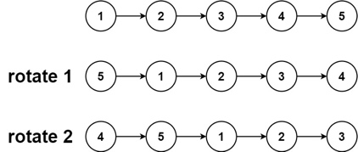 | Input: head = [1,2,3,4,5], k = 2 Output: [4,5,1,2,3]
108 | Sort List (Using Merge Sort Technique)

 | Heap
109 | Find K Pairs with Smallest Sums | Input: nums1 = [1,7,11], nums2 = [2,4,6], k = 3 Output: [[1,2],[1,4],[1,6]] Explanation: The first 3 pairs are returned from the sequence: [1,2],[1,4],[1,6],[7,2],[7,4],[11,2],[7,6],[11,4],[11,6]
110 | Kth Largest Element in an Array | Note that it is the kth largest element in the sorted order, not the kth distinct element. Input: nums = [3,2,1,5,6,4], k = 2 Output: 5
111 | Find Median from Data Stream | Input ["MedianFinder", "addNum", "addNum", "findMedian", "addNum", "findMedian"] [[], [1], [2], [], [3], []] Output: [null, null, null, 1.5, null, 2.0] Explanation MedianFinder medianFinder = new MedianFinder(); medianFinder.addNum(1); // arr = [1] medianFinder.addNum(2); // arr = [1, 2] medianFinder.findMedian(); // return 1.5 (i.e., (1 + 2) / 2) medianFinder.addNum(3); // arr[1, 2, 3] medianFinder.findMedian(); // return 2.0

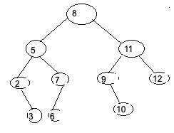
 | Tree
 | Binary Search Tree
112 |  | CREATE & INSERT
113 |  | PRE [8,5,2,3,7,6,11,9,10,12] , POST [3,2,6,7,5,10,9,12,11,8], IN [2,3,5,6,7,8,9,10,11,12] Order
114 |  | Level order [[8] [5,11],[2,7,9,12],[3,6,10]]
115 |  | Height of tree O/P = 4
116 |  | Sum of elements O/P = 73
117 |  | Leaf nodes o/p = [3,6,10,12]
118 |  | Search Element i/p = 8 o/p = true
119 |  | Search Using Level Order
120 |  | Parent of the Given Node i/p = 6 o/p = 7
121 |  | Sibling Node i/p = 3 & 2 o/p = No Sibling & 7
122 |  | Kth smallest Element i/p = 4 o/p= 6
123 |  | Kth Largest Element i/p = 4 o/p = 9
124 |  | Sorted Tree = [2,3,5,6,7,8,9,10,11,12]
125 |  | Delete Node i/p = 5 o/p = [[8],[6,11],[2,7,9,12],[3,10]]
126 |  | Max Width Of Tree o/p = 4

 | AVL Tree
127 |  | Insert & Traversal Create [insert(10),insert(20),insert(30),insert(40),insert(50),insert(25),insert(5)]
128 |  | Level Order [30,20,40,10,25,50,5]
129 |  | Delete Node i/p = 25 o/p = [30,10,40,5,20,50]

130 | Invert Binary Tree | 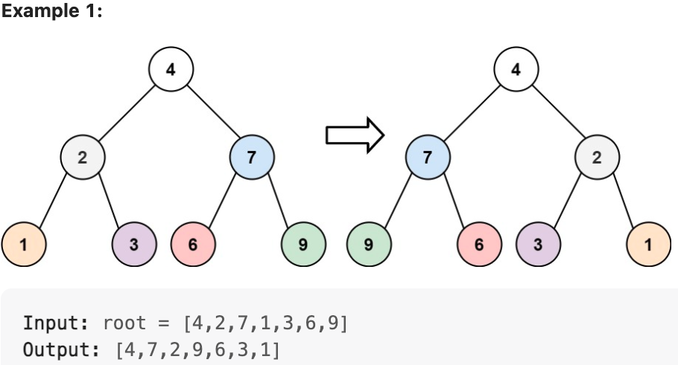
131 | Populate the NextPointer | 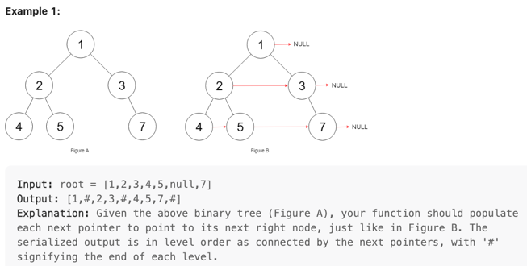
132 | 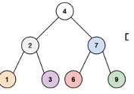 Sum of node till Leaf Node | Path To Leaf Node are: 4->2->1 & 4->2->3 & 4->7->6 & 4->7->9 Sum = 421+423+476+479 SUM = 1799
133 | Tree from PreOrder and In Order | i/p : pre = [8,5,2,3,7,6,11,9,10,12] in= [2,3,5,6,7,8,9,10,11,12] o/p (Level Order) = [[8],[5,11],[2,7,9,12],[3,6,10]]
134 | Tree from InOrder and PostOrder | i/p : in= [2,3,5,6,7,8,9,10,11,12] post= [3,2,6,7,5,10,9,12,11,8] o/p (Level Order) = [[8],[5,11],[2,7,9,12],[3,6,10]]
135 | Flatten Tree (Morris Traversal ) | Level Order o/p = [[4],[2],[1],[3],[7],[6],[9]]
136 | Lowest Common Ancestor | Explanation : The LCA of node 3 & 6 is 2, since a node descanbt of itself accoring to LCA defination
137 | Right Side View of Tree | O/p = 8,11,12,10
138 | Average of each level for Level Order Traversal | O/p = 8.0 , 8.0 , 7.5 , 6.3333
139 | Valid BST | TRUE
140 | Minimum Absolute difference | Min Absolute Difference -> 1 [It is the difference between the node val of node and next node value tree in inOrder]
141 | Max Path Sum | Max Path Sum = 38 (Max Sum of the node value from root to lead Node

 | Hasing
142 | Direct Chaining
 | Open Addressing
143 |  | Linear Probing
144 |  | Quadratic Probing
145 |  | Double Hashing

 | Graphs
146 | Adjacency List | 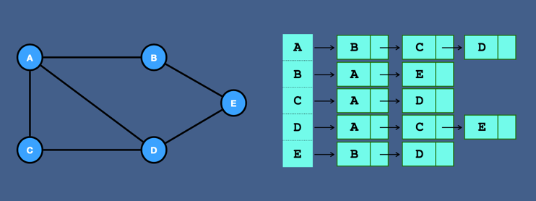
147 |  | Create
148 |  | BFS --> o/p = A B C D E
149 |  | DFS --> A D E C B
150 |  | 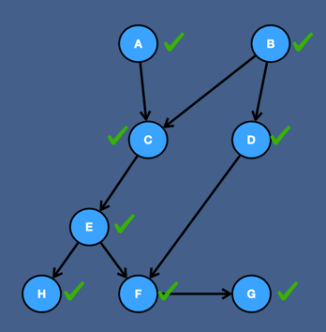 Topological Sort o/p = B D A C E H F G
151 | Adjacency Matrix | 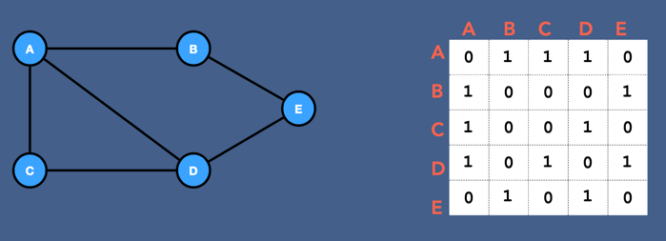
152 |  | Create
153 |  | BFS
154 |  | DFS
155 |  | Topological Sort
 | SSSPP (Single Source Shortest Path Problem)
156 |  | 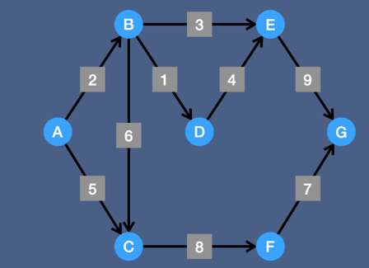 Dijsktra
157 |  | 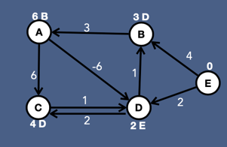 Bellman Ford
158 |  | BFS (using Adjacency List)
159 |  | BFS (using Adjacency Matrix)

 | Dynamic Problems
160 | Largest Next Number | input: { '5','3','4','9','7','6' }; output: [5, 3, 6, 4, 7, 9]
161 | LRU Cache | Example 1: Input ["LRUCache", "put", "put", "get", "put", "get", "put", "get", "get", "get"] [[2], [1, 1], [2, 2], [1], [3, 3], [2], [4, 4], [1], [3], [4]] Output [null, null, null, 1, null, -1, null, -1, 3, 4] Explanation LRUCache lRUCache = new LRUCache(2); lRUCache.put(1, 1); // cache is {1=1} lRUCache.put(2, 2); // cache is {1=1, 2=2} lRUCache.get(1); // return 1 lRUCache.put(3, 3); // LRU key was 2, evicts key 2, cache is {1=1, 3=3} lRUCache.get(2); // returns -1 (not found) lRUCache.put(4, 4); // LRU key was 1, evicts key 1, cache is {4=4, 3=3} lRUCache.get(1); // return -1 (not found) lRUCache.get(3); // return 3 lRUCache.get(4); // return 4
162 | Interval Ranges. | Input: nums = [0,1,2,4,5,7] Output: ["0->2","4->5","7"] Explanation: The ranges are: [0,2] --> "0->2" [4,5] --> "4->5" [7,7] --> "7"
163 | Letter Combinations Input: digits = "23" Output: ["ad","ae","af","bd","be","bf","cd","ce","cf"] | 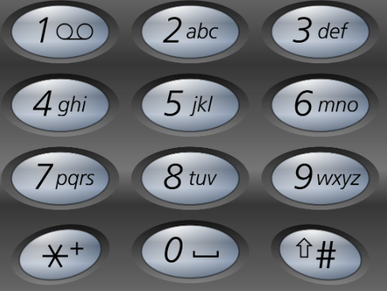
164 | Combinations: | Input: n = 4, k = 2 Output: [[1,2],[1,3],[1,4],[2,3],[2,4],[3,4]] Explanation: There are 4 choose 2 = 6 total combinations. Note that combinations are unordered, i.e., [1,2] and [2,1] are considered to be the same combination.
165 | Permutation of String | i/o: abc o/p: abc,acb,bac,cab,cba
166 | Permutations: | Input: nums = [1,2,3] Output: [[1,2,3],[1,3,2],[2,1,3],[2,3,1],[3,1,2],[3,2,1]]
167 | Combination Sums | Input: candidates = [2,3,6,7], target = 7 Output: [[2,2,3],[7]] Explanation: 2 and 3 are candidates, and 2 + 2 + 3 = 7. Note that 2 can be used multiple times. 7 is a candidate, and 7 = 7. These are the only two combinations.
168 | Generate Parenthesis: | Input: n = 3 Output: ["((()))","(()())","(())()","()(())","()()()"]
169 | WordSearch: Input: board = [["A","B","C","E"],["S","F","C","S"],["A","D","E","E"]], word = "ABCCED" Output: true | 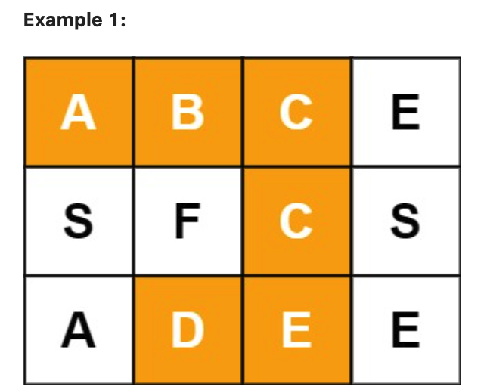
170 | Search In 2D matrix | 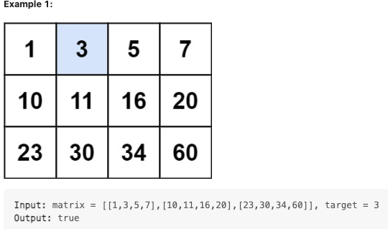
171 | Coin Change: | Input: coins = [1,2,5], amount = 11 Output: 3 Explanation: 11 = 5 + 5 + 1 Example 2: Input: coins = [2], amount = 3 Output: -1 Example 3: Input: coins = [1], amount = 0 Output: 0
172 | WordBreak | Input: s = "leetcode", wordDict = ["leet","code"] Output: true Explanation: Return true because "leetcode" can be segmented as "leet code". Input: s = "applepenapple", wordDict = ["apple","pen"] Output: true Explanation: Return true because "applepenapple" can be segmented as "apple pen apple". Note that you are allowed to reuse a dictionary word. Input: s = "catsandog", wordDict = ["cats","dog","sand","and","cat"] Output: false
173 | Traingle: | Input: triangle = [[2],[3,4],[6,5,7],[4,1,8,3]] Output: 11 Explanation: The triangle looks like: 2 3 4 6 5 7 4 1 8 3 The minimum path sum from top to bottom is 2 + 3 + 5 + 1 = 11 (underlined above).
174 | MinPath Sum Input: grid = [[1,3,1],[1,5,1],[4,2,1]] Output: 7 Explanation: Because the path 1 → 3 → 1 → 1 → 1 minimizes the sum. | 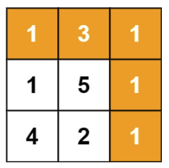
175 | Climb Stairs | Input: n = 2 Output: 2 Explanation: There are two ways to climb to the top. 1. 1 step + 1 step 2. 2 steps Input: n = 3 Output: 3 Explanation: There are three ways to climb to the top. 1. 1 step + 1 step + 1 step 2. 1 step + 2 steps 3. 2 steps + 1 step
176 | House Robber (You cannot rob in adjacent house) Max Amount in Rob | I/p: {1,2,3,1}. o/p: 4 (Rob in 1 and 3) I/p: {2,7,9,3,1}. o/p: 12 (Rob in 1, 3, 5)

 | Bit Manipulation
177 | Reverse Bits

