BOM
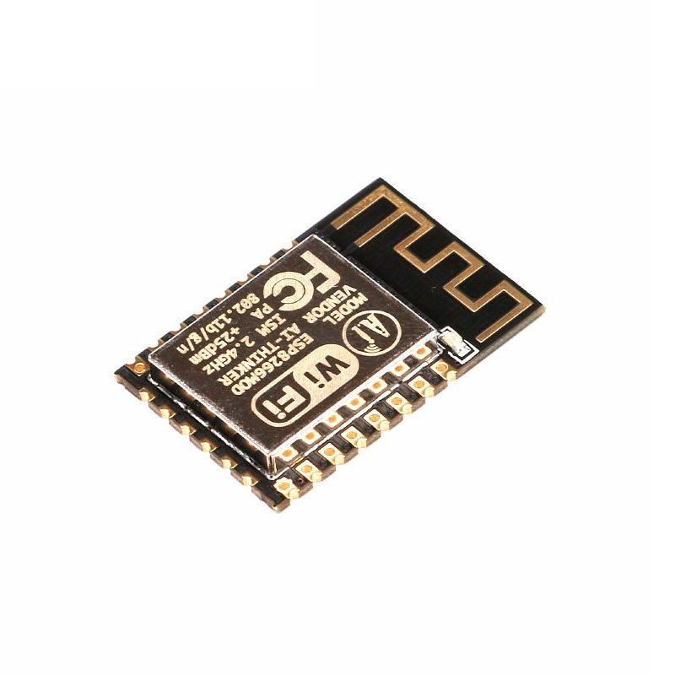
Category | Quantity | References | Value | PCB Package
Capacitors | 2 | C1,C2 | 10nF | 0805_CAP
Capacitors | 2 | C3,C5 | 0.1uF | 0805_CAP
Capacitors | 1 | C4 | 10u | CAPMP3528X210
Capacitors | 1 | C6 | 0.1uF | 0805_CAP
Resistors | 9 | R1,R2,R16,R17,R5,R6,R7,R8,R15 | 10k | 0805_RES
Resistors | 4 | R3,R4,R9,R10 | 470R | 0805_RES
Resistors | 8 | R11,R12,R13,R14,R22,R23,R24,R25 | 100R | 0805_RES
Integrated Circuits | 1 | U1 | CH340G | SO16
Integrated Circuits | 1 | U2 | KF33BD-TR | SO8
Integrated Circuits | 1 | U5 | PCF8574A | SO16W | USB B micro
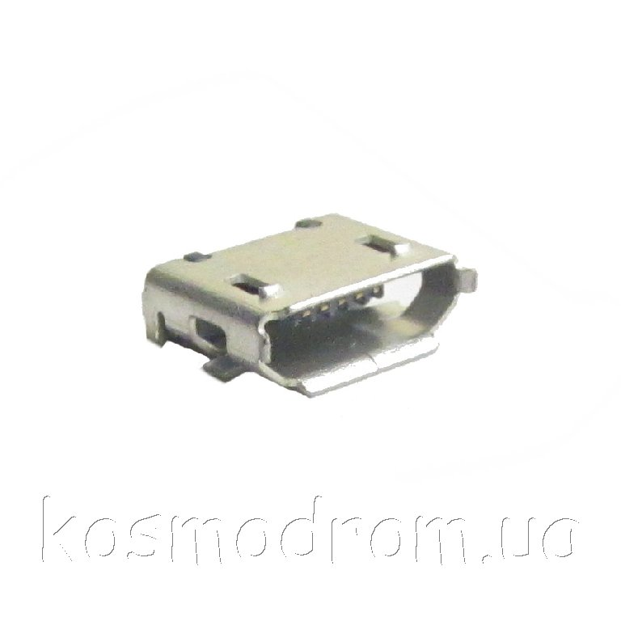
Integrated Circuits | 1 | U6 | ESP-12 | ESP-12-S
Transistors | 2 | Q1,Q2 | BC817-40 | SOT95P230X109-3
Diodes | 1 | D26 | SM11 | DIOM5336X240
Miscellaneous | 1 | J7 | USB B micro | USB B micro
Miscellaneous | 1 | Y1 | CSTCE12M0G55-R0 | CSTCE

ESP-12

