Price Sensitivity
BOND PRICE SENSITIVITY
Each row recomputes the short dirty bond value and then the package. Current reporting FX and all non-price components remain fixed.

Bond price / 100 | Short dirty bond USD | Closing package MTM | Reported package YTD | YTD + known TRS COF | Change vs current | Price-only USD / point
107.5758 | (77,361,723.75) | 734,766.61 | 942,360.63 | 621,954.61 | 710,826.79 | (710,826.78)
107.8258 | (77,539,430.45) | 557,059.91 | 764,653.93 | 444,247.91 | 533,120.09 | (710,826.78)
108.0758 | (77,717,137.15) | 379,353.21 | 586,947.23 | 266,541.21 | 355,413.39 | (710,826.78)
108.3258 | (77,894,843.84) | 201,646.52 | 409,240.54 | 88,834.52 | 177,706.70 | (710,826.78)
108.5758 | (78,072,550.54) | 23,939.82 | 231,533.84 | (88,872.18) | - | (710,826.78)
108.8258 | (78,250,257.23) | (153,766.87) | 53,827.15 | (266,578.87) | (177,706.69) | (710,826.78)
109.0758 | (78,427,963.93) | (331,473.57) | (123,879.55) | (444,285.57) | (355,413.39) | (710,826.78)
109.3258 | (78,605,670.62) | (509,180.26) | (301,586.24) | (621,992.26) | (533,120.08) | (710,826.78)
109.5758 | (78,783,377.32) | (686,886.96) | (479,292.94) | (799,698.96) | (710,826.78) | (710,826.78)

Higher bond price lowers package MTM (USD)

The CNY bond position is negative, so a higher bond price reduces package value. Column G calculates the USD sensitivity per 1.00 price point from the signed nominal and reporting FX. The scenario table recomputes each bond value; cent rounding may affect very small changes.

Original Images
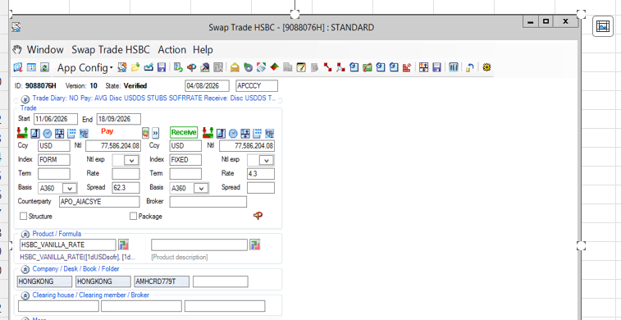
ORIGINAL SCREENSHOTS | ALL 19 IMAGES
I01–I19 refer to the image order below. Original picture names skip Picture 6; no image was omitted. Images are retained at their original pixel dimensions.

I01 | Picture 1 | TRS product, direction and currency | source Sheet1 row 1

I02 | Picture 2 | TRS status, trade dates and spread | source Sheet1 row 6

I03 | Picture 3 | TRS native NPV, accrual and notionals | source Sheet1 row 11

I04 | Picture 4 | TRS clean mark and funding components | source Sheet1 row 16

I05 | Picture 5 | P&L report: trades, accruals and notionals | source Sheet1 row 21

I06 | Picture 7 | P&L report: identifiers and dates | source Sheet1 row 28

I07 | Picture 8 | P&L report: local balances and cash | source Sheet1 row 35

I08 | Picture 9 | P&L report: daily and MTD P&L | source Sheet1 row 43

I09 | Picture 10 | P&L report: YTD and USD balances | source Sheet1 row 50

I10 | Picture 11 | Opening and closing MTM | source Sheet1 row 57

I11 | Picture 12 | CR, IR, FX and carry attribution | source Sheet1 row 64

I12 | Picture 13 | Daily accounting P&L | source Sheet1 row 71

I13 | Picture 14 | Daily COF and alternate YTD | source Sheet1 row 78

I14 | Picture 15 | Residual and component changes | source Sheet1 row 86

I15 | Picture 16 | MTM components and settlement cash | source Sheet1 row 93

I16 | Picture 17 | Current / prior prices and MTD COF | source Sheet1 row 100

I17 | Picture 18 | YTD COF and valuation date | source Sheet1 row 108

I18 | Picture 19 | Bond ISIN and EOD / BVAL prices | source Sheet1 row 115

I19 | Picture 20 | Summit swap ticket | source Sheet1 row 121

