CS50P- OOP
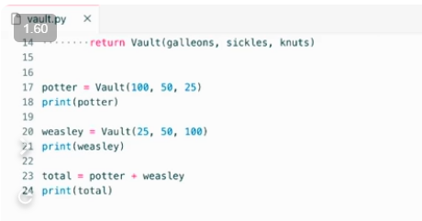
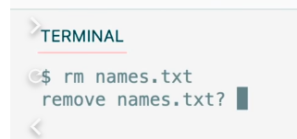
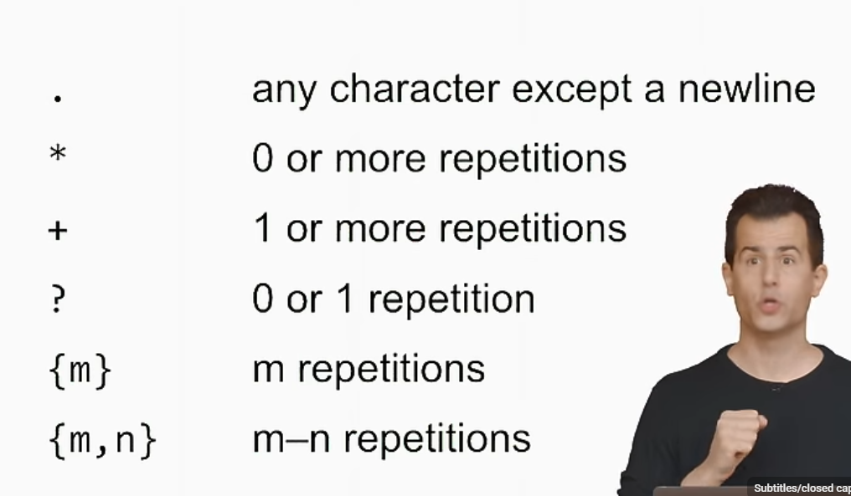
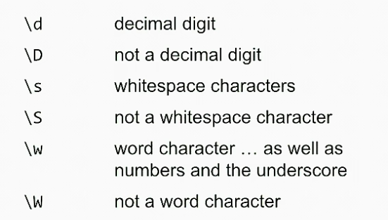

add new line
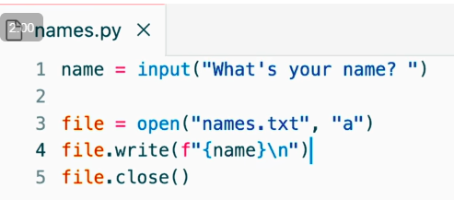
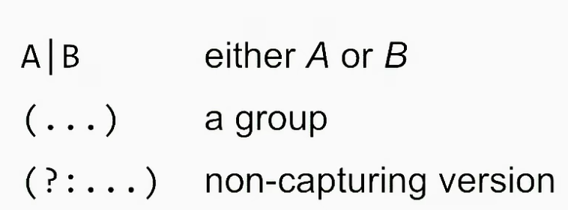

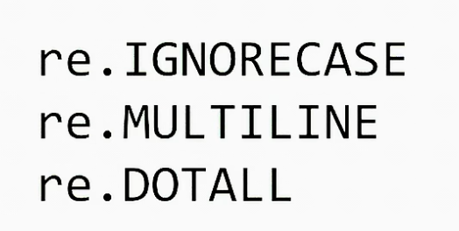

 |  |  | it both allows you to assign a value as I'm doing from right to left
 |  |  | ask a Boolean question about it
 |  |  | Walrus

self give you access to the current object just created
when you create a object/instance, Python will just automatically call this __init__ method for you and assign the object/in stance as self
self.name = name instance variable
functiuon is called method inside Class
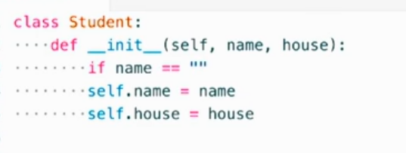

make house optional

anytime you want to convert a object to string => __str__str will antomatically call. Print = treat it as string
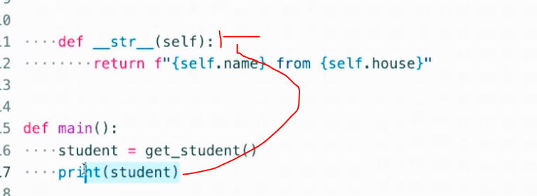

property is really just an attribute
that has even more defense mechanisms/control power put into place
@property is a function in python
new @ syntax that allows you to decorate functions & @ mean decorator which are functions that modify the behavior of other functions,

a getter is a function for a class that gets some attributes. In order to access an attirbute, you go through some function. So that we can add control through function when someone try to access the attribute. To prevent user circumvent the init method becos user can change the value of attribute if you dont have setter
A setter is a function in some class that sets some value. In order to set some attribute, you go through some function
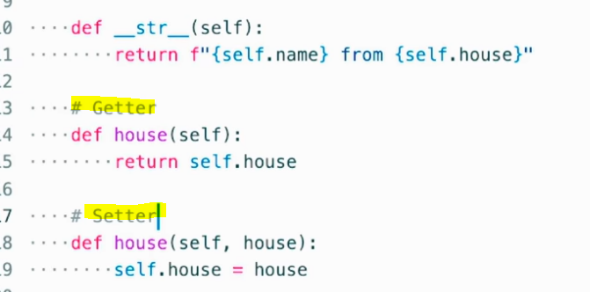

We have things like variables for data, and we have functions for actions.
variable and function inside class for object is called instance variable and instance method

student.house => equal sign mean assignment and python is not allowed you to access the attribute directly and use setter instead. And then assignment will call setter directly
sudent.house is now defined as properties and you have to go through setter function

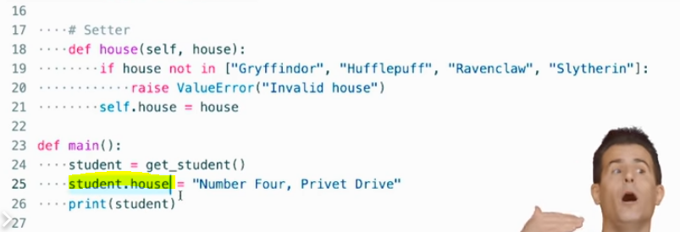
 |  |  |  | below assignment under __init__ will call setter as well
 |  |  |  | .house + equal sign will tell python to call the setter

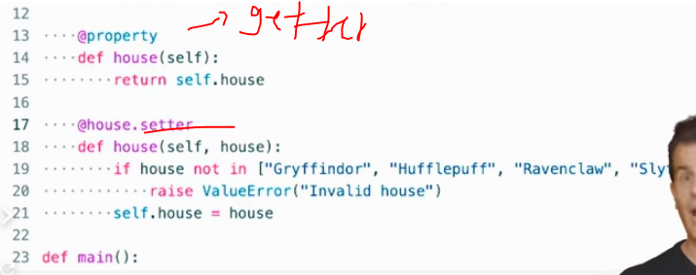

a property is a instance variable that somehow protected
self.house = instance variable & def house = function. Function & instant variable cant use the same name so we change instance variable = _house |  |  |  |  | ****
after changing the attribute to self._house in setter, the instance variable/underlying attribute is called _house while the property is still house without underscore |  |  |  |  | the programmer deliberately did not use _house ((with underscore) in init so that self.house will call the setter/properties. If we use self._house, python wont recognize to call the setter
the underlying attribute implemented as an instance variable |  |  |  |  | I want Python to automatically call the setter even when I'm passing in the house via the init method.
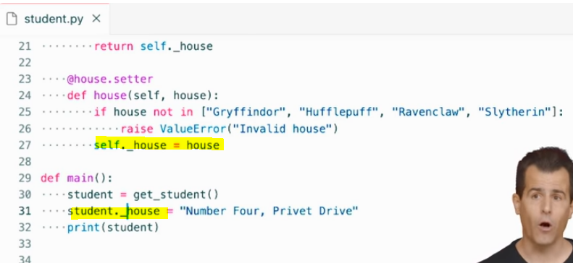

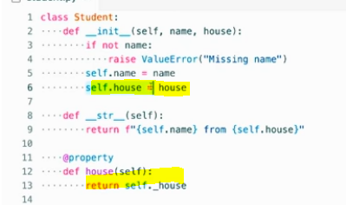

variable and function inside class for object is called instance variable and instance method

writing functions inside of classes that are automatically passed a reference
If I don't care to parameterize hat and I just want to, for instance sort values => no need __init__
if I'm not going to instantiate multiple houses, I don't really need this init method because that's really meant to initialize specific objects from that blueprint, that template, the mold
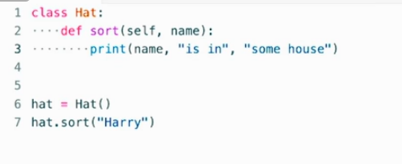
 |  | <=still work with no init

define the list (self.houses) in the object itself) and no need to tuck it away into any function as different functon can reference the same list

import random

in real world, I just need one sorting hat so we don’t need to instantiate hat 1 , hat 2 & hat 3
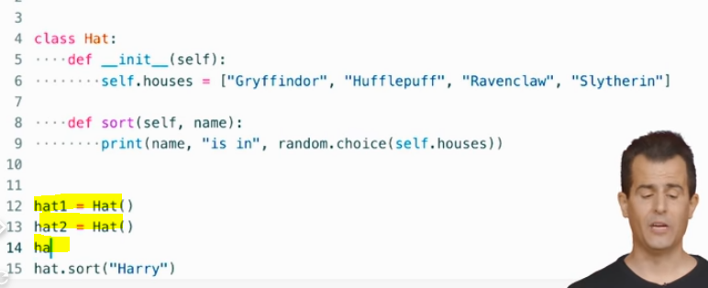

An instance, or an object of a class, is a very specific incarnation, they may have own specific features called instance method. Class method is methold for class that apply to all object under the class (no differnece)
instance methods - writing functions inside of classes that are automatically passed a reference to self, the current object.
Sometimes it suffices to just know what the class is and assume that there might not even be any objects of that class. So in this sense, you can use a class really as a container for data and/or functionality that is just somehow conceptually related to sorting hat

Class variable - class variables exist within the class itself. There's just one copy of that variable for all of the objects thereof. They all share, if you will, the same variable-- be it an int or str or, in this case, a list.

houses is class variable

with sort, it also doesn't really make sense to sort within a specific sorting hat because I only want there to be one.
So I can actually specify that this is class method by saying @classmethod.
for class method itself, dont pass in self and pass in class (cls) which is a reference to the class itself becoz it don’t need to create instance
We can call this method without instantiating an object
house now is not a instance variable accessible via self.house. It is now a class variable, accessible via class.houses,

 | change to below
Python is going to automatically pass in some variable (like cls) via which you can refer to that class in that function that you've implemented inside of that class
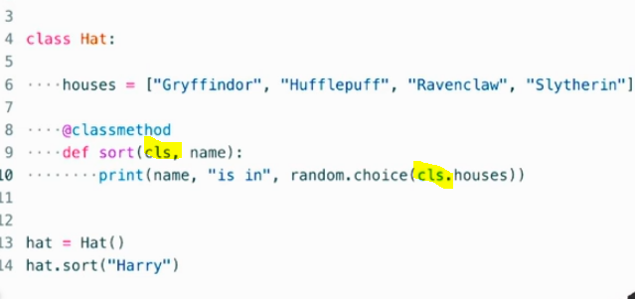

no need to instantiate any object any more and I am just accessing a class method inside of the hat class
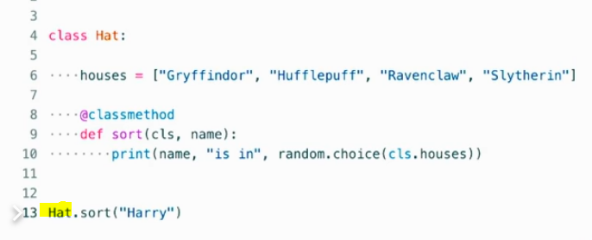

Class name. method name
Normal case: A method is just automatically a so-called "instant method" when you define it without any decorator.
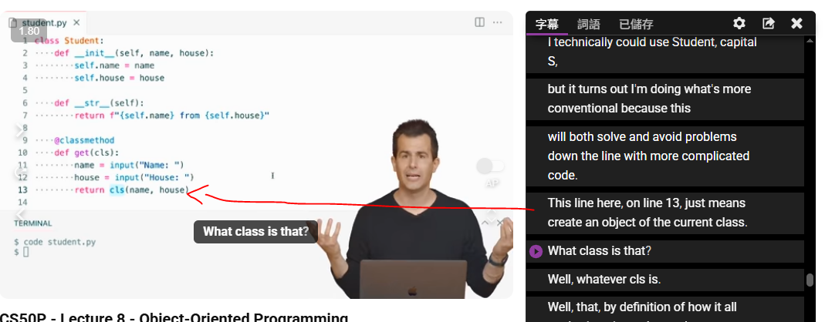

inheritance

a hierarchical fashion, whereby you can have one class inherit from or borrow attributes-- that is, methods or variables from another class

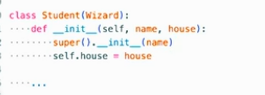

So super() will have the effect of accessing the superclass (Wizard is super class in this case)
And then I'm going to go ahead and explicitly call its init method
I'm going to pass to the Wizard's init method the name that the student's init method was passed.
Wizard as a class is taking care of all of the assignment of a wizard's name

ValueError has a parent, class, or superclass, called exception
And the exception class, meanwhile, has a parent class called base exception
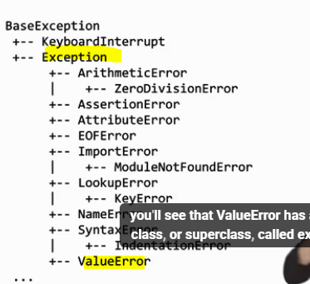

you can take very common symbols, like plus or minus or other such syntax on the keyboard, and you can implement your own interpretation thereof. Plus does not have to equal addition.
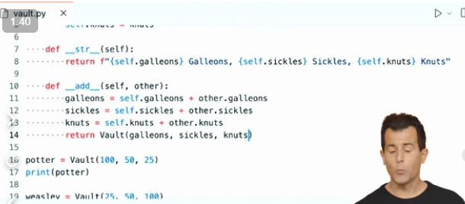
default value =0 so that user can pass in anynumber or none

 |  |  |  |  |  | self, in effect, is going to be referring to whatever object is on the left of a plus sign.
 |  |  |  |  |  | other is going to be referring to whatever is on the right-hand side of a plus sign,
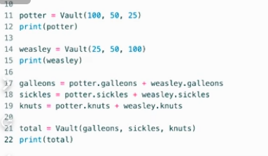
 |  |  |  |  |  | if we ultimately want to assign that bigger vault to a variable like total here, on the left, we'd better return a value from this add method.

CS50P - Et Cetera
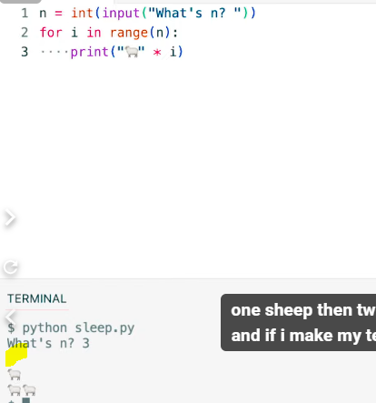
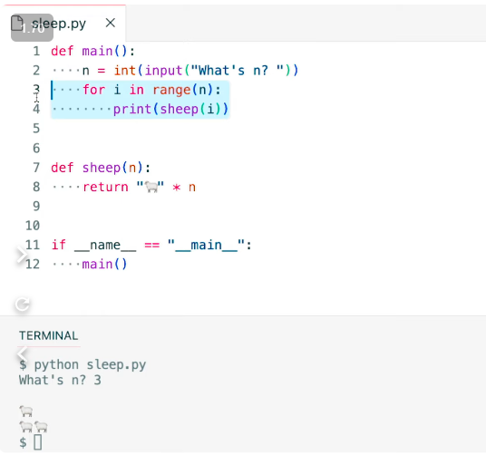
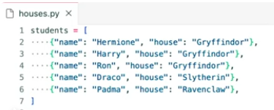
Set
In mathematics, a set is typically a collection of values wherein there are no duplicates.
 |  |  |  |  |  | set use add
 |  |  |  |  |  | list use append
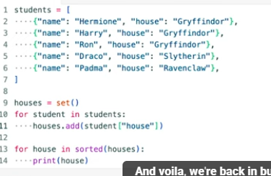

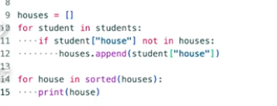

Global
global variables, whereby you can define a variable that's either local to a function, as we've seen many times or if you put a variable outside of all of your functions
if you put a variable outside of all of your functions perhaps near the top of your file, that would generallybe considered a global variable

 |  |  |  |  |  | balance +=n or balance = balance + n
you can read but you cant write the global variable thruogh function
 |  |  |  |  |  |  |  |  |  |  | Work
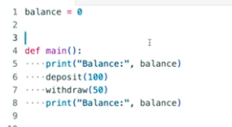
Error |  |  |  |  | Error | function deposit cant access local variable balance

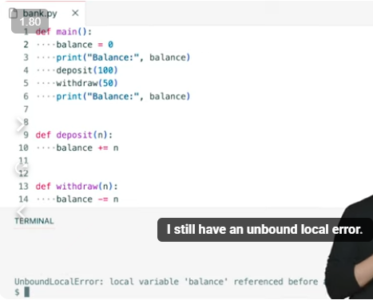
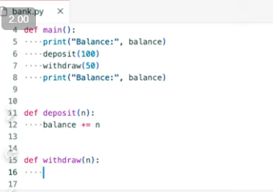

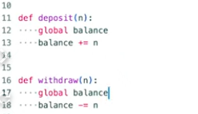

Using class
instance variable called balance initialized for this account to zero

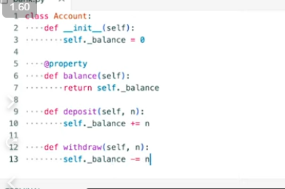

 |  |  |  |  | intance variable to accesseble by all function under the same Class because we're accessing them all by way of that special parameter self.

 |  |  |  |  | a property is a instance variable that somehow protected
 |  |  |  |  | It allows me to control it can be read and written.
 |  |  |  |  | In this case, I only have what's generally called a getter.

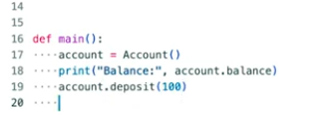

That is, once you have set a value to them,you cannot change the value of that variable.

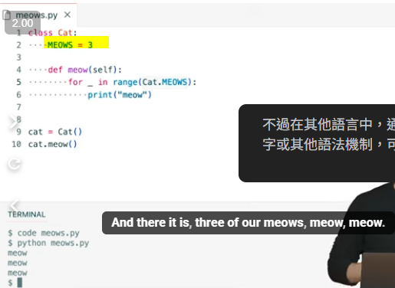
 |  | all capital letters

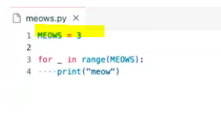
 |  |  | but python allow you to change it by setting tp 4

 |  |  |  |  |  |  |  |  |  | mypy is used by programmer not users
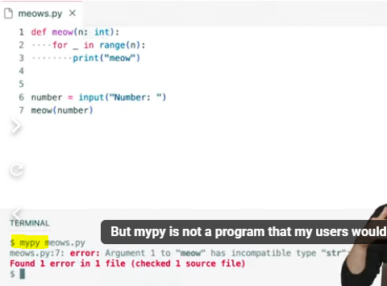
where you can provide hints to Python itself as to what type a variable should be.
 |  |  |  |  | type hints but still error as input is returning str
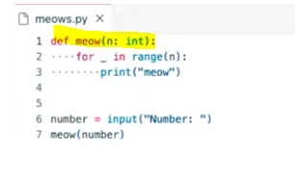
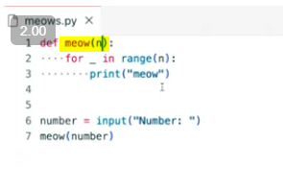

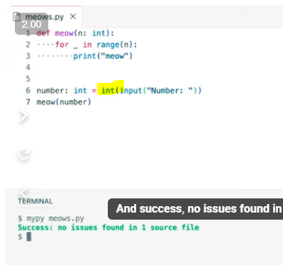

type hints

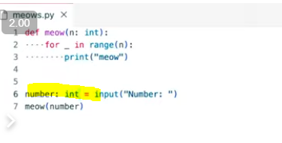

By default then, when a function in Python does not explicitly return a value, its implicit return value as None

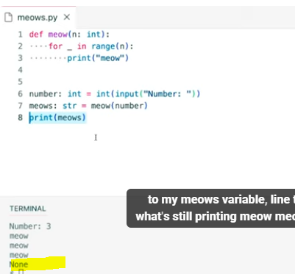
 |  |  |  |  | line 8 assigning a return value of meow (function) which is none to variable meows
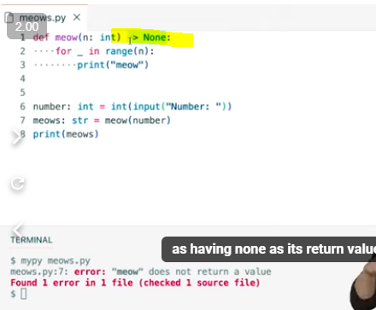

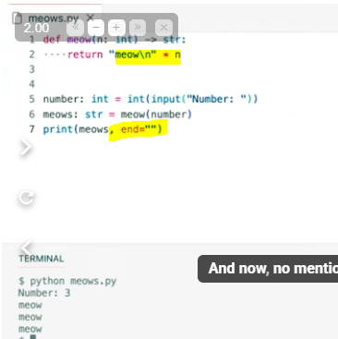

 |  |  |  |  | end="" => going to avoid outputting an extra new line at the end of those three

 | standardizes how you should document your functions

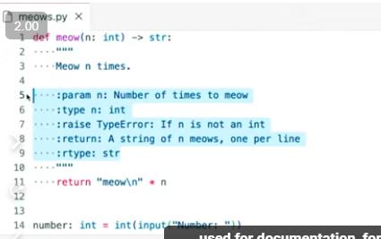
similar to comment but " " " instead #
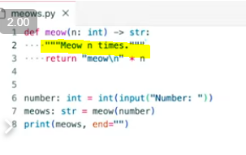

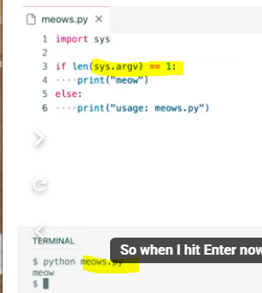
meows.py count len =1 by sys.argv
 |  |  |  |  | -n mean number of time (just a user convention)
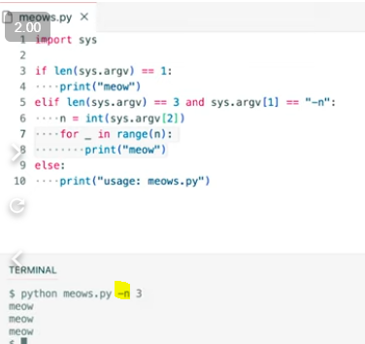

 |  | argparse is a library that per its documentation just handles all of this parsing so to speak, this analysis of command line
 |  | Argparse stands for argument parser. To parse something means to read it, kind of pick it apart to analyze it.

 |  |  |  |  |  |  |  |  | help function
object constructor for a class called argument parser that comes with Python itself
And by default, parse_args is going to automatically look at sys.argv for me.
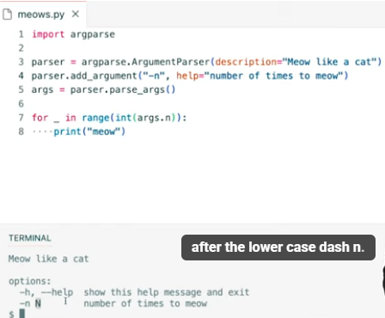

 |  |  |  |  |  |  | args.n contains the integer that the human typed after a space after dash n.

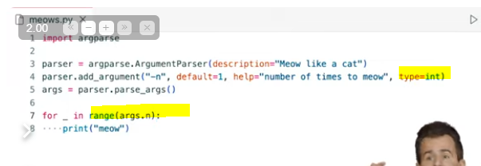

Then, let me go ahead and just split a little naively on a single space.

 |  |  |  |  |  | if we dont use variable called last, use underscore instead by python convention

List |  |  |  |  |  |  | Dict


Below wont work becoz they pass a list to galleons only. No default value for sickles & knuts |  |  |  |  |  |  | total function does not expect a dictionary so you cannot just do



to unpack using * |  |  |  |  |  |  | When unpacking a dictionary, it passes in the keys and the values separated conceptually with equal signs (e.g. galleons =100)
 |  |  |  |  |  |  | And what this syntax has the effect of doing is passing in three values with names. It has the effect of passing in galleons equals 100 comma, sickles equals 50 comma, knuts equals 25.



star args, which indicates that this function is indeed variadic. |  |  |  | kwargs for keyword argument, that is , named parameters that can be called optionally and individually by their own name.
It takes some variable number of positional arguments.
 |  |  |  | return dictionaires





 |  |  |  |  |  |  |  |  | unpack
 |  |  |  |  |  |  |  |  | I've now unpacked, this is CS50 as three separate arguments to print.



 |  |  |  |  |  |  |  |  |  |  |  | or

map, whose purpose in life is to allow you to map, that is, apply some function to every element of some sequence like a list.

can use variable.name or str.name based on python documentaton |  |  |  |  |  | no parentheses is required as we are not calling the upper function .we just pass the upper function to map function









Filters
that are a bit unnecessarily verbose. I don't need to have a conditional if I'm already asking a Boolean question up here.
 |  |  |  |  |  |  |  |  | return true or false



map returns one value for each element in the sequence. That's how we forced all of the words to uppercase. |  |  |  |  |  |  |  |  |  |  |  |  | ***sorted function
if I want to conditionally include a student in my resulting Gryffindors, we can use filter instead |  |  |  |  |  |  |  |  |  |  |  |  | List : sorted (variable)
Filter expects its first function to be not something like str.upper, but a function that returns true or false. |  |  |  |  |  |  |  |  |  |  |  |  | Dict: add lambda
Tell me whether or not I should include or not include the current student from the final list.

Black

 |  |  |  |  |  |  |  | Black help to change the formatting to new line


lambda function passing in augment



with a dictionary comprehension we have the ability to create on the fly a dictionary with keys and some values without having to do it sort of old school by creating an empty dictionary and creating a for loop and iterating over that loop and inserting more and more keys and values into the dictionary


 |  |  |  |  |  |  |  |  | list comprehension

 |  |  |  |  |  |  |  |  | return a list as below



{student = what do I want every key to be (i.e student name)
after collon is the value of the key


 |  |  |  |  |  |  | To start from 1




ability to generate values in python from functions this is not a problem that we've necessarily encountered

if you're writing a function that reads or generates lots of data your function your program your computer might very well run out of memory and your program might not be able to run any further

first one is 0

