📋 All Teams
KXPFL 2026 SUMMER — ALL TEAMS
# | Team Name | Primary Color | Secondary Color | Players | Captain
1 | All Madden | Pink | Black | 21 | Humza Ahmad
2 | Darkside | Purple | Red | 17 | Hakeem Madani
3 | Desert Lions | Sky Blue | White | 17 | Imran Sabir
4 | Falestine Falcons | Dark Green | Black | 15 | Adam Jaber
5 | G-MOB | Black | Green | 24 | Izek Aburish
6 | K2 | Bright Red | White | 19 | Basel Abdallah
7 | LOB | White | Navy Blue | 20 | Adam Elmosa
8 | PAK LIONS | Light Green | White | 24 | Alex Are
9 | WarBred | Black & Gold | Gold | 20 | Malik Kurdi
10 | Warriors | Maroon/Red | Red | 26 | Shaham Mumtaz
11 | Pali Gliders | Dark Gray | Pink | 16 | Yehia Ayesh
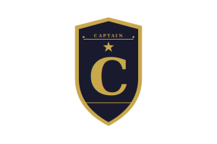
12 | Good Guys | Brown | Orange | 16 | Shafiq

 |  |  | please put the captain patch on the center of the jersey below the neckline for ONLY 1 PLAYER PER SHEET (the player that is highlighted on every page and has a star next to their name, there should be 1 per sheet)

