GrvlUpgrd
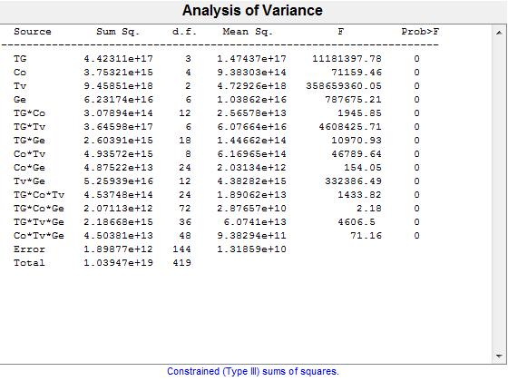
Source | Sum Sq. | d.f. | S.I | Singular? | Mean Sq. | F | Prob>F
TG | 4.4231118037E+17 | 3 | 4% | 0 | 1.4743706012E+17 | 11181397.775 | 0
Co | 3.7532129224E+15 | 4 | 0% | 0 | 938303230601216 | 71159.460493 | 3.4699276901E-236
Tv | 9.4585100531E+18 | 2 | 91% | 0 | 4.7292550265E+18 | 358659360.05 | 0
Ge | 6.2317352439E+16 | 6 | 1% | 0 | 1.0386225407E+16 | 787675.21243 | 0
TG*Co | 307893790480384 | 12 | 0% | 0 | 2.5657815873E+13 | 1945.8489275 | 9.4519414741E-153
TG*Tv | 3.6459810425E+17 | 6 | 4% | 0 | 6.0766350709E+16 | 4608425.7109 | 0
TG*Ge | 2.6039143535E+15 | 18 | 0% | 0 | 1.4466190853E+14 | 10970.934586 | 3.646349494E-216
Co*Tv | 4.9357167043E+15 | 8 | 0% | 0 | 616964588034816 | 46789.63665 | 8.826475197E-242
Co*Ge | 48752159668224 | 24 | 0% | 0 | 2031339986176 | 154.05367133 | 2.2271130779E-90
Tv*Ge | 5.2593875876E+16 | 12 | 1% | 0 | 4.3828229897E+15 | 332386.49214 | 0
TG*Co*Tv | 453748251549696 | 24 | 0% | 0 | 18906177147904 | 1433.8151271 | 6.562706915E-159
TG*Co*Ge | 2071127543808 | 72 | 0% | 0 | 28765660331 | 2.1815430269 | 3.7755915115E-05
TG*Tv*Ge | 2.1866755743E+15 | 36 | 0% | 0 | 6.0740988174E+13 | 4606.5022556 | 2.7024317307E-203
Co*Tv*Ge | 45038090469376 | 48 | 0% | 0 | 9.3829355145E+11 | 71.158726441 | 1.2852135417E-79
Error | 1898773041152 | 144 | 0% | 0 | 13185923897
Total | 1.0394669488E+19 | 419 | 100% | 0

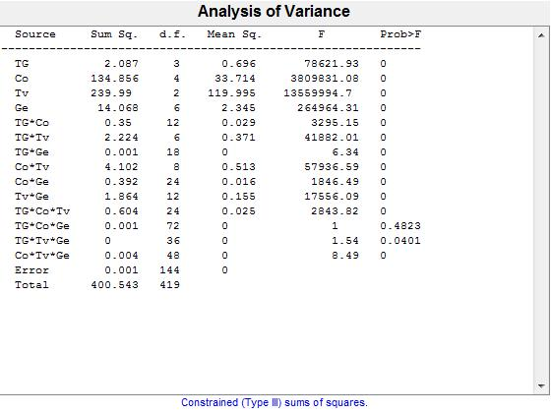
Source | Sum Sq. | d.f. | S.I | Singular? | Mean Sq. | F | Prob>F
TG | 2.0872198201 | 3 | 1% | 0 | 0.69573994003 | 78621.932163 | 3.4227830045E-231
Co | 134.85558405 | 4 | 34% | 0 | 33.713896013 | 3809831.0773 | 0
Tv | 239.98977487 | 2 | 60% | 0 | 119.99488743 | 13559994.701 | 0
Ge | 14.068307554 | 6 | 4% | 0 | 2.3447179257 | 264964.31079 | 2.1593984838E-288
TG*Co | 0.34991317854 | 12 | 0% | 0 | 0.029159431545 | 3295.154866 | 3.8750483588E-169
TG*Tv | 2.2237296623 | 6 | 1% | 0 | 0.37062161039 | 41882.009978 | 1.0054228364E-230
TG*Ge | 0.0010099830719 | 18 | 0% | 0 | 5.6110170662E-05 | 6.3407169514 | 2.7498233706E-11
Co*Tv | 4.1015324285 | 8 | 1% | 0 | 0.51269155356 | 57936.591283 | 1.8465487241E-248
Co*Ge | 0.39215815841 | 24 | 0% | 0 | 0.016339923267 | 1846.4892767 | 8.7326723642E-167
Tv*Ge | 1.8642848065 | 12 | 0% | 0 | 0.15535706721 | 17556.089706 | 2.3722382902E-221
TG*Co*Tv | 0.60397230475 | 24 | 0% | 0 | 0.025165512698 | 2843.8229838 | 3.0062488643E-180
TG*Co*Ge | 0.00063998735675 | 72 | 0% | 0 | 8.8887132882E-06 | 1.0044670041 | 0.48225245647
TG*Tv*Ge | 0.00049000980397 | 36 | 0% | 0 | 1.3611383444E-05 | 1.5381512605 | 0.04009709503
Co*Tv*Ge | 0.0036076176505 | 48 | 0% | 0 | 7.5158701051E-05 | 8.493291754 | 6.9940666378E-24
Error | 0.0012742824885 | 144 | 0% | 0 | 8.8491839476E-06
Total | 400.54349871 | 419 | 100% | 0

GrvlRegrvl
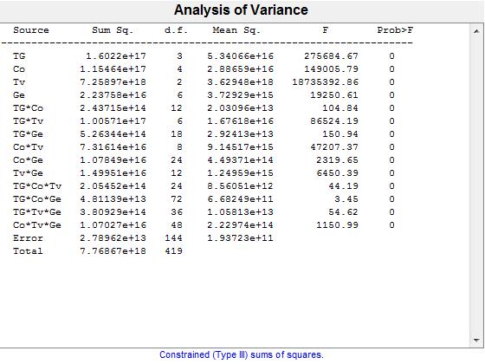
Source | Sum Sq. | d.f. | S.I | Singular? | Mean Sq. | F | Prob>F
TG | 1.6021968272E+17 | 3 | 2% | 0 | 5.3406560906E+16 | 275684.66788 | 2.0775553111E-270
Co | 1.1546361279E+17 | 4 | 1% | 0 | 2.8865903198E+16 | 149005.79257 | 2.7467474914E-259
Tv | 7.2589666135E+18 | 2 | 93% | 0 | 3.6294833068E+18 | 18735392.863 | 0
Ge | 2.2375759736E+16 | 6 | 0% | 0 | 3.7292932894E+15 | 19250.611994 | 1.9350858008E-206
TG*Co | 243714980255744 | 12 | 0% | 0 | 2.0309581688E+13 | 104.83806086 | 7.9213982743E-65
TG*Tv | 1.0057054724E+17 | 6 | 1% | 0 | 1.6761757874E+16 | 86524.194298 | 2.1082376901E-253
TG*Ge | 526343696457728 | 18 | 0% | 0 | 2.924131647E+13 | 150.94367588 | 6.5807795626E-84
Co*Tv | 7.3161357347E+16 | 8 | 1% | 0 | 9.1451696684E+15 | 47207.365912 | 4.6555521913E-242
Co*Ge | 1.0784910896E+16 | 24 | 0% | 0 | 4.4937128733E+14 | 2319.6545893 | 6.7829132937E-174
Tv*Ge | 1.4995093676E+16 | 12 | 0% | 0 | 1.2495911397E+15 | 6450.3894743 | 4.4106517547E-190
TG*Co*Tv | 205452226570240 | 24 | 0% | 0 | 8.5605094404E+12 | 44.18934981 | 1.5543001609E-54
TG*Co*Ge | 48113929975808 | 72 | 0% | 0 | 6.6824902744E+11 | 3.4495014858 | 1.3546006978E-10
TG*Tv*Ge | 380928591005696 | 36 | 0% | 0 | 1.058134975E+13 | 54.620927507 | 2.5931310618E-67
Co*Tv*Ge | 1.0702736349E+16 | 48 | 0% | 0 | 2.2297367393E+14 | 1150.9901069 | 4.6040992416E-165
Error | 27896164228096 | 144 | 0% | 0 | 1.937233627E+11
Total | 7.7686727639E+18 | 419 | 100% | 0

Source | Sum Sq. | d.f. | S.I | Singular? | Mean Sq. | F | Prob>F
TG | 18.439004897 | 3 | 3% | 0 | 6.1463349658 | 5866.6102616 | 2.8334482487E-150
Co | 12.270373763 | 4 | 2% | 0 | 3.0675934407 | 2927.9847678 | 8.6456817726E-137
Tv | 479.27412092 | 2 | 88% | 0 | 239.63706046 | 228730.9829 | 7.0258461527E-253
Ge | 8.5826254836 | 6 | 2% | 0 | 1.4304375806 | 1365.3372027 | 3.2333727199E-124
TG*Co | 0.0041085537177 | 12 | 0% | 0 | 0.00034237947648 | 0.32679750799 | 0.98339822709
TG*Tv | 12.915753069 | 6 | 2% | 0 | 2.1526255115 | 2054.6577734 | 8.249173268E-137
TG*Ge | 0.15582374255 | 18 | 0% | 0 | 0.0086568745862 | 8.2628931816 | 9.4151931257E-15
Co*Tv | 0.3667019121 | 8 | 0% | 0 | 0.045837739013 | 43.751626223 | 6.9310614553E-35
Co*Ge | 6.3679484333 | 24 | 1% | 0 | 0.26533118472 | 253.25574667 | 2.1681613802E-105
Tv*Ge | 3.7482942499 | 12 | 1% | 0 | 0.31235785416 | 298.14219412 | 3.3106877908E-95
TG*Co*Tv | 0.010717191517 | 24 | 0% | 0 | 0.00044654964654 | 0.42622680887 | 0.99146025896
TG*Co*Ge | 0.07608834396 | 72 | 0% | 0 | 0.001056782555 | 1.0086875213 | 0.47408418034
TG*Tv*Ge | 0.25281418518 | 36 | 0% | 0 | 0.007022616255 | 6.7030112765 | 5.1606080869E-17
Co*Tv*Ge | 1.951594295 | 48 | 0% | 0 | 0.040658214479 | 38.807826064 | 5.0548293741E-62
Error | 0.15086603603 | 144 | 0% | 0 | 0.0010476808057
Total | 544.56683508 | 419 | 100% | 0

SDoverlay
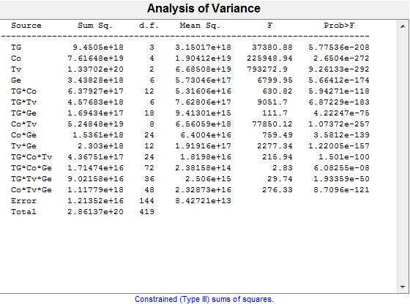
Source | Sum Sq. | d.f. | S.I | Singular? | Mean Sq. | F | Prob>F
TG | 9.4504961666E+18 | 3 | 3% | 0 | 3.1501653889E+18 | 37380.875711 | 5.775356452E-208
Co | 7.6164778695E+19 | 4 | 27% | 0 | 1.9041194674E+19 | 225948.94033 | 2.6503960107E-272
Tv | 1.3370156696E+20 | 2 | 47% | 0 | 6.6850783481E+19 | 793272.89841 | 9.2613296104E-292
Ge | 3.4382772721E+18 | 6 | 1% | 0 | 5.7304621201E+17 | 6799.9506641 | 5.6641208585E-174
TG*Co | 6.379267218E+17 | 12 | 0% | 0 | 5.316056015E+16 | 630.8203051 | 5.9427143271E-118
TG*Tv | 4.5768344956E+18 | 6 | 2% | 0 | 7.6280574926E+17 | 9051.6983666 | 6.8722938219E-183
TG*Ge | 1.6943420732E+17 | 18 | 0% | 0 | 9.413011518E+15 | 111.69782224 | 4.2224703495E-75
Co*Tv | 5.2484751385E+19 | 8 | 18% | 0 | 6.5605939231E+18 | 77850.117616 | 1.0737203694E-257
Co*Ge | 1.5360965298E+18 | 24 | 1% | 0 | 6.4004022073E+16 | 759.49231193 | 3.5811984431E-139
Tv*Ge | 2.3029961649E+18 | 12 | 1% | 0 | 1.9191634708E+17 | 2277.3411017 | 1.220047926E-157
TG*Co*Tv | 4.3675096823E+17 | 24 | 0% | 0 | 1.819795701E+16 | 215.942811 | 1.501000625E-100
TG*Co*Ge | 1.7147409158E+16 | 72 | 0% | 0 | 2.3815846052E+14 | 2.8260648929 | 6.0825486904E-08
TG*Tv*Ge | 9.02158274E+16 | 36 | 0% | 0 | 2.5059952055E+15 | 29.736945128 | 1.9335865378E-50
Co*Tv*Ge | 1.1177900937E+18 | 48 | 0% | 0 | 2.3287293618E+16 | 276.3345161 | 8.7095966963E-121
Error | 1.2135184299E+16 | 144 | 0% | 0 | 8.4272113184E+13
Total | 2.8613719808E+20 | 419 | 100% | 0

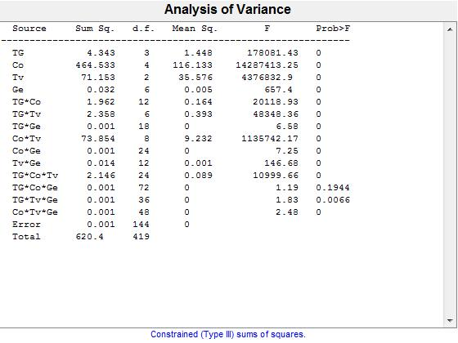
Source | Sum Sq. | d.f. | S.I | Singular? | Mean Sq. | F | Prob>F
TG | 4.3425295646 | 3 | 1% | 0 | 1.4475098549 | 178081.42687 | 9.5436813469E-257
Co | 464.53292401 | 4 | 75% | 0 | 116.133231 | 14287413.253 | 0
Tv | 71.152942449 | 2 | 11% | 0 | 35.576471224 | 4376832.9019 | 0
Ge | 0.032061399879 | 6 | 0% | 0 | 0.0053435666465 | 657.39792359 | 5.9042589193E-102
TG*Co | 1.9624065088 | 12 | 0% | 0 | 0.16353387574 | 20118.927574 | 1.3101437788E-225
TG*Tv | 2.3579573262 | 6 | 0% | 0 | 0.3929928877 | 48348.364576 | 3.2756838579E-235
TG*Ge | 0.00096332377768 | 18 | 0% | 0 | 5.3517987649E-05 | 6.5841068865 | 9.6162194645E-12
Co*Tv | 73.853765246 | 8 | 12% | 0 | 9.2317206558 | 1135742.1722 | 0
Co*Ge | 0.0014147619125 | 24 | 0% | 0 | 5.8948413023E-05 | 7.2521906966 | 4.0464813802E-15
Tv*Ge | 0.014307145429 | 12 | 0% | 0 | 0.0011922621191 | 146.67930492 | 2.4604133554E-74
TG*Co*Tv | 2.1458201972 | 24 | 0% | 0 | 0.089409174882 | 10999.658057 | 1.7215537036E-222
TG*Co*Ge | 0.00069381414505 | 72 | 0% | 0 | 9.6363075702E-06 | 1.1855169041 | 0.19438429719
TG*Tv*Ge | 0.00053666033557 | 36 | 0% | 0 | 1.4907231544E-05 | 1.8339778862 | 0.0065664683931
Co*Tv*Ge | 0.00096667073103 | 48 | 0% | 0 | 2.0138973563E-05 | 2.4776184672 | 1.8378197343E-05
Error | 0.0011704837656 | 144 | 0% | 0 | 8.1283594832E-06
Total | 620.40045957 | 419 | 100% | 0

SDreseal
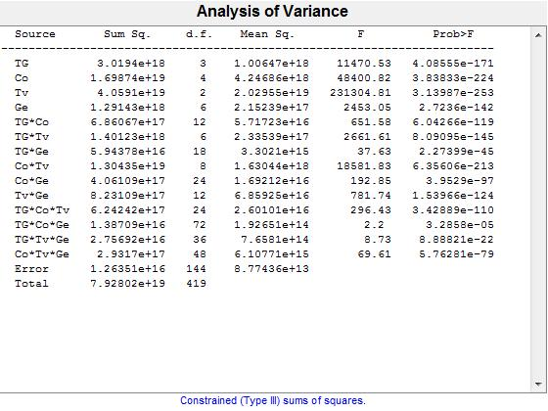
Source | Sum Sq. | d.f. | S.I | Singular? | Mean Sq. | F | Prob>F
TG | 3.0193967101E+18 | 3 | 4% | 0 | 1.00646557E+18 | 11470.533215 | 4.085551653E-171
Co | 1.6987442376E+19 | 4 | 21% | 0 | 4.2468605941E+18 | 48400.816634 | 3.8383251592E-224
Tv | 4.0591020856E+19 | 2 | 51% | 0 | 2.0295510428E+19 | 231304.80904 | 3.1398736652E-253
Ge | 1.291433998E+18 | 6 | 2% | 0 | 2.1523899967E+17 | 2453.0457557 | 2.7236014615E-142
TG*Co | 6.8606715735E+17 | 12 | 1% | 0 | 5.7172263113E+16 | 651.58348436 | 6.0426608332E-119
TG*Tv | 1.4012328984E+18 | 6 | 2% | 0 | 2.335388164E+17 | 2661.6059509 | 8.0909458184E-145
TG*Ge | 5.9437759906E+16 | 18 | 0% | 0 | 3.3020977725E+15 | 37.633500148 | 2.2739886809E-45
Co*Tv | 1.3043492073E+19 | 8 | 16% | 0 | 1.6304365091E+18 | 18581.833984 | 6.3560585078E-213
Co*Ge | 4.0610910177E+17 | 24 | 1% | 0 | 1.6921212574E+16 | 192.84845567 | 3.9529044731E-97
Tv*Ge | 8.2310943594E+17 | 12 | 1% | 0 | 6.8592452995E+16 | 781.73763097 | 1.5396561429E-124
TG*Co*Tv | 6.2424188777E+17 | 24 | 1% | 0 | 2.6010078657E+16 | 296.43286372 | 3.428890838E-110
TG*Co*Ge | 1.3870858266E+16 | 72 | 0% | 0 | 192650809253888 | 2.1956116257 | 3.2858028143E-05
TG*Tv*Ge | 2.7569173878E+16 | 36 | 0% | 0 | 765810385506304 | 8.7278231118 | 8.8882060382E-22
Co*Tv*Ge | 2.9317013826E+17 | 48 | 0% | 0 | 6.1077112138E+15 | 69.608644777 | 5.7628075473E-79
Error | 1.2635074531E+16 | 144 | 0% | 0 | 8.7743573134E+13
Total | 7.92802295E+19 | 419 | 100% | 0

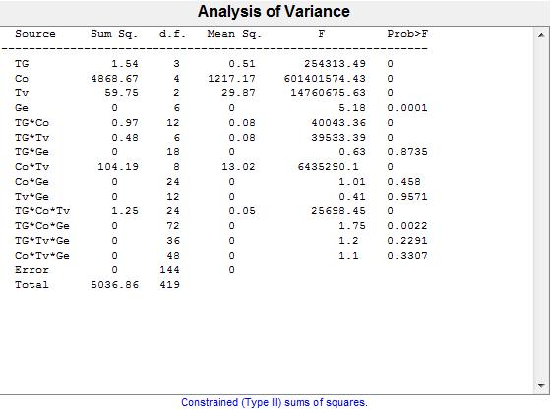
Source | Sum Sq. | d.f. | S.I | Singular? | Mean Sq. | F | Prob>F
TG | 1.5441032981 | 3 | 0% | 0 | 0.51470109938 | 254313.48405 | 6.9215649649E-268
Co | 4868.6690877 | 4 | 97% | 0 | 1217.1672719 | 601401570.67 | 0
Tv | 59.747802644 | 2 | 1% | 0 | 29.873901322 | 14760675.539 | 0
Ge | 6.2858614911E-05 | 6 | 0% | 0 | 1.0476435818E-05 | 5.1764002381 | 7.5410716984E-05
TG*Co | 0.97251752188 | 12 | 0% | 0 | 0.081043126823 | 40043.357136 | 4.0233064097E-247
TG*Tv | 0.48006603414 | 6 | 0% | 0 | 0.08001100569 | 39533.386744 | 6.3948055959E-229
TG*Ge | 2.2857238946E-05 | 18 | 0% | 0 | 1.2698466081E-06 | 0.62743039699 | 0.87352986673
Co*Tv | 104.19426663 | 8 | 2% | 0 | 13.024283329 | 6435290.0637 | 0
Co*Ge | 4.904832349E-05 | 24 | 0% | 0 | 2.0436801454E-06 | 1.0097810529 | 0.45796176714
Tv*Ge | 1.0000637303E-05 | 12 | 0% | 0 | 8.3338644193E-07 | 0.411775708 | 0.95712792892
TG*Co*Tv | 1.2482566385 | 24 | 0% | 0 | 0.05201069327 | 25698.450284 | 5.1658771633E-249
TG*Co*Ge | 0.00025571902188 | 72 | 0% | 0 | 3.5516530817E-06 | 1.7548695163 | 0.0022423418567
TG*Tv*Ge | 8.7145497673E-05 | 36 | 0% | 0 | 2.4207082687E-06 | 1.1960704075 | 0.22907257444
Co*Tv*Ge | 0.0001066699042 | 48 | 0% | 0 | 2.2222896708E-06 | 1.0980319052 | 0.33069646249
Error | 0.00029143935717 | 144 | 0% | 0 | 2.0238844248E-06
Total | 5036.8569862 | 419 | 100% | 0

SDminmaint
 |  |  | S.I
 |  |  | #DIV/0!
 |  |  | #DIV/0!
 |  |  | #DIV/0!
 |  |  | #DIV/0!
 |  |  | #DIV/0!
 |  |  | #DIV/0!
 |  |  | #DIV/0!
 |  |  | #DIV/0!
 |  |  | #DIV/0!
 |  |  | #DIV/0!
 |  |  | #DIV/0!
 |  |  | #DIV/0!
 |  |  | #DIV/0!
 |  |  | #DIV/0!
 |  |  | #DIV/0!
 |  |  | #DIV/0!

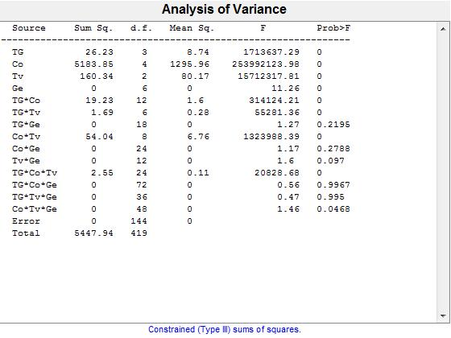
Source | Sum Sq. | d.f. | S.I | Singular? | Mean Sq. | F | Prob>F
TG | 26.230839629 | 3 | 0% | 0 | 8.7436132097 | 1713637.2917 | 0
Co | 5183.8481835 | 4 | 95% | 0 | 1295.9620459 | 253992123.98 | 0
Tv | 160.3401493 | 2 | 3% | 0 | 80.170074651 | 15712317.815 | 0
Ge | 0.00034475564462 | 6 | 0% | 0 | 5.7459274103E-05 | 11.261288954 | 2.7238259365E-10
TG*Co | 19.233339129 | 12 | 0% | 0 | 1.6027782608 | 314124.21068 | 0
TG*Tv | 1.692395922 | 6 | 0% | 0 | 0.28206598701 | 55281.35594 | 2.1238524284E-239
TG*Ge | 0.00011618713961 | 18 | 0% | 0 | 6.4548410895E-06 | 1.2650669852 | 0.21945810159
Co*Tv | 54.043839676 | 8 | 1% | 0 | 6.7554799596 | 1323988.3906 | 0
Co*Ge | 0.00014333143281 | 24 | 0% | 0 | 5.9721430337E-06 | 1.1704642884 | 0.27876286857
Tv*Ge | 9.8096778856E-05 | 12 | 0% | 0 | 8.1747315714E-06 | 1.6021437058 | 0.097035624721
TG*Co*Tv | 2.5506155779 | 24 | 0% | 0 | 0.10627564908 | 20828.679299 | 1.9091277048E-242
TG*Co*Ge | 0.00020523931289 | 72 | 0% | 0 | 2.8505460124E-06 | 0.55867086424 | 0.99671534128
TG*Tv*Ge | 8.6665768322E-05 | 36 | 0% | 0 | 2.4073824534E-06 | 0.47181642743 | 0.99497291732
Co*Tv*Ge | 0.00035666114218 | 48 | 0% | 0 | 7.430440462E-06 | 1.4562720884 | 0.046795714503
Error | 0.000734741423 | 144 | 0% | 0 | 5.1023709931E-06
Total | 5447.9414484 | 419 | 100% | 0

SDreconst
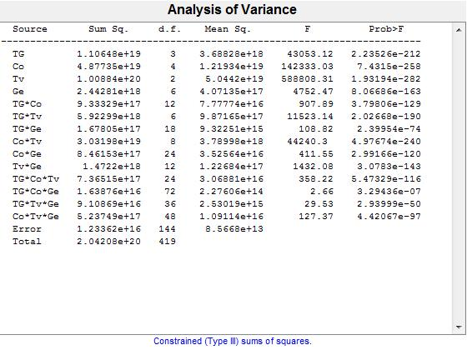
Source | Sum Sq. | d.f. | S.I | Singular? | Mean Sq. | F | Prob>F
TG | 1.1064825082E+19 | 3 | 5% | 0 | 3.6882750273E+18 | 43053.119288 | 2.2352587117E-212
Co | 4.8773549555E+19 | 4 | 24% | 0 | 1.2193387389E+19 | 142333.03045 | 7.4315022211E-258
Tv | 1.0088407146E+20 | 2 | 49% | 0 | 5.0442035728E+19 | 588808.30884 | 1.9319389736E-282
Ge | 2.4428083818E+18 | 6 | 1% | 0 | 4.071347303E+17 | 4752.4710007 | 8.0668553304E-163
TG*Co | 9.3332924533E+17 | 12 | 0% | 0 | 7.7777437111E+16 | 907.89359608 | 3.7980599165E-129
TG*Tv | 5.9229883612E+18 | 6 | 3% | 0 | 9.8716472687E+17 | 11523.143049 | 2.0266757546E-190
TG*Ge | 1.6780518943E+17 | 18 | 0% | 0 | 9.3225105241E+15 | 108.82137441 | 2.3995413983E-74
Co*Tv | 3.0319824351E+19 | 8 | 15% | 0 | 3.7899780438E+18 | 44240.295426 | 4.9767407984E-240
Co*Ge | 8.4615262511E+17 | 24 | 0% | 0 | 3.525635938E+16 | 411.54638274 | 2.9916616641E-120
Tv*Ge | 1.4722030938E+18 | 12 | 1% | 0 | 1.2268359115E+17 | 1432.0817307 | 3.0782959712E-143
TG*Co*Tv | 7.3651535172E+17 | 24 | 0% | 0 | 3.0688139655E+16 | 358.22169647 | 5.4732917874E-116
TG*Co*Ge | 1.6387635354E+16 | 72 | 0% | 0 | 2.2760604659E+14 | 2.6568382786 | 3.2943618107E-07
TG*Tv*Ge | 9.1086911332E+16 | 36 | 0% | 0 | 2.5301919815E+15 | 29.534852036 | 2.9399906417E-50
Co*Tv*Ge | 5.2374934922E+17 | 48 | 0% | 0 | 1.0911444775E+16 | 127.36895433 | 4.4206701698E-97
Error | 1.2336193352E+16 | 144 | 0% | 0 | 8.5668009386E+13
Total | 2.0420763278E+20 | 419 | 100% | 0

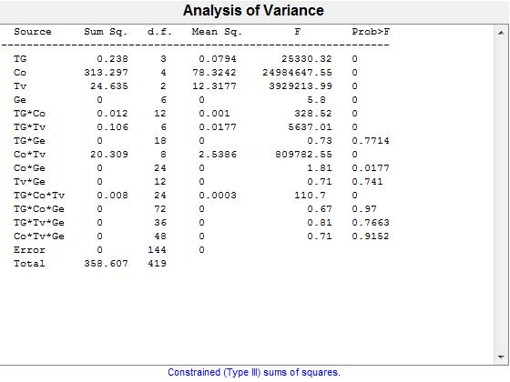
Source | Sum Sq. | d.f. | S.I | Singular? | Mean Sq. | F | Prob>F
TG | 0.23822345947 | 3 | 0% | 0 | 0.079407819823 | 25330.321576 | 8.1471919624E-196
Co | 313.29667653 | 4 | 87% | 0 | 78.324169133 | 24984647.554 | 0
Tv | 24.635322206 | 2 | 7% | 0 | 12.317661103 | 3929213.9929 | 0
Ge | 0.00010904691237 | 6 | 0% | 0 | 1.8174485395E-05 | 5.7974839324 | 1.9635810829E-05
TG*Co | 0.012358607748 | 12 | 0% | 0 | 0.001029883979 | 328.5229645 | 4.0311726094E-98
TG*Tv | 0.10602858506 | 6 | 0% | 0 | 0.017671430844 | 5637.0144272 | 3.9328517292E-168
TG*Ge | 4.1429084831E-05 | 18 | 0% | 0 | 2.301615824E-06 | 0.73419304414 | 0.77140054089
Co*Tv | 20.30864602 | 8 | 6% | 0 | 2.5385807526 | 809782.54977 | 0
Co*Ge | 0.00013619009161 | 24 | 0% | 0 | 5.6745871504E-06 | 1.8101380651 | 0.01767976418
Tv*Ge | 2.6666433428E-05 | 12 | 0% | 0 | 2.2222027856E-06 | 0.70886105791 | 0.7409824933
TG*Co*Tv | 0.0083285463189 | 24 | 0% | 0 | 0.00034702276329 | 110.6968836 | 1.4387078595E-80
TG*Co*Ge | 0.00015142877186 | 72 | 0% | 0 | 2.1031773869E-06 | 0.6708931143 | 0.96997390267
TG*Tv*Ge | 9.142821591E-05 | 36 | 0% | 0 | 2.5396726642E-06 | 0.81013085895 | 0.76626499914
Co*Tv*Ge | 0.00010666556693 | 48 | 0% | 0 | 2.2221993111E-06 | 0.70885994957 | 0.91516307647
Error | 0.00045142443298 | 144 | 0% | 0 | 3.1348918957E-06
Total | 358.60669824 | 419 | 100% | 0

ACoverlay
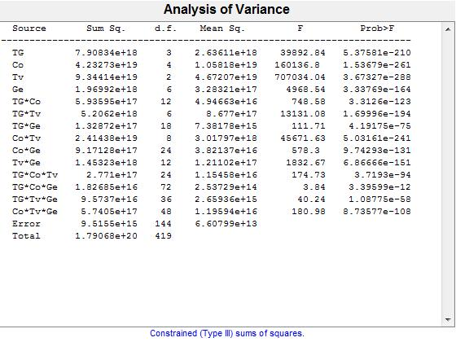
Source | Sum Sq. | d.f. | S.I | Singular? | Mean Sq. | F | Prob>F
TG | 7.9083402024E+18 | 3 | 4% | 0 | 2.6361134008E+18 | 39892.843047 | 5.3758112806E-210
Co | 4.2327267493E+19 | 4 | 24% | 0 | 1.0581816873E+19 | 160136.79819 | 1.5367942163E-261
Tv | 9.3441417302E+19 | 2 | 52% | 0 | 4.6720708651E+19 | 707034.03605 | 3.6732673455E-288
Ge | 1.9699230025E+18 | 6 | 1% | 0 | 3.2832050041E+17 | 4968.5412577 | 3.33769184E-164
TG*Co | 5.935952318E+17 | 12 | 0% | 0 | 4.9466269317E+16 | 748.58316693 | 3.3126021395E-123
TG*Tv | 5.206199377E+18 | 6 | 3% | 0 | 8.6769989617E+17 | 13131.07993 | 1.6999583343E-194
TG*Ge | 1.3287212509E+17 | 18 | 0% | 0 | 7.3817847269E+15 | 111.71005748 | 4.1917518347E-75
Co*Tv | 2.4143799874E+19 | 8 | 13% | 0 | 3.0179749842E+18 | 45671.632459 | 5.0316075895E-241
Co*Ge | 9.1712783002E+17 | 24 | 1% | 0 | 3.8213659584E+16 | 578.29512325 | 9.7429312016E-131
Tv*Ge | 1.4532271663E+18 | 12 | 1% | 0 | 1.2110226386E+17 | 1832.6653183 | 6.866657285E-151
TG*Co*Tv | 2.7709951844E+17 | 24 | 0% | 0 | 1.1545813268E+16 | 174.72515273 | 3.7192970135E-94
TG*Co*Ge | 1.8268478331E+16 | 72 | 0% | 0 | 2.5372886571E+14 | 3.8397307996 | 3.3959897714E-12
TG*Tv*Ge | 9.5736996956E+16 | 36 | 0% | 0 | 2.6593610265E+15 | 40.24465412 | 1.0877499453E-58
Co*Tv*Ge | 5.7404975336E+17 | 48 | 0% | 0 | 1.1959369862E+16 | 180.9835892 | 8.7357687632E-108
Error | 9.5154995414E+15 | 144 | 0% | 0 | 6.6079857927E+13
Total | 1.7906843985E+20 | 419 | 100% | 0

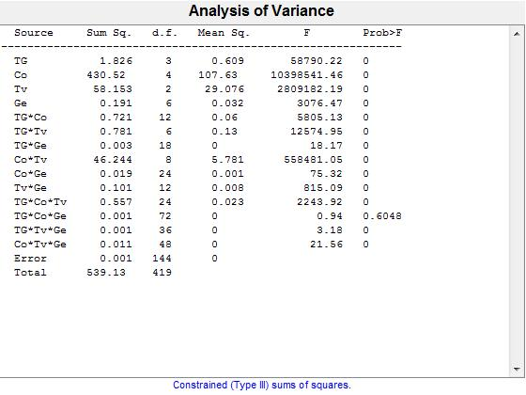
Source | Sum Sq. | d.f. | S.I | Singular? | Mean Sq. | F | Prob>F
TG | 1.8255221027 | 3 | 0% | 0 | 0.60850736757 | 58790.215794 | 4.1407929793E-222
Co | 430.51987532 | 4 | 80% | 0 | 107.62996883 | 10398541.465 | 0
Tv | 58.152807727 | 2 | 11% | 0 | 29.076403863 | 2809182.187 | 0
Ge | 0.19105804283 | 6 | 0% | 0 | 0.031843007139 | 3076.474273 | 2.6136751856E-149
TG*Co | 0.72103118588 | 12 | 0% | 0 | 0.060085932156 | 5805.1308923 | 8.5768897791E-187
TG*Tv | 0.78094101892 | 6 | 0% | 0 | 0.13015683649 | 12574.947999 | 3.8109400651E-193
TG*Ge | 0.0033856962012 | 18 | 0% | 0 | 0.0001880942334 | 18.172500714 | 1.4246701807E-28
Co*Tv | 46.244407236 | 8 | 9% | 0 | 5.7805509045 | 558481.05249 | 0
Co*Ge | 0.018710946276 | 24 | 0% | 0 | 0.00077962276148 | 75.322326119 | 2.1818714514E-69
Tv*Ge | 0.10123901404 | 12 | 0% | 0 | 0.0084365845033 | 815.09058057 | 7.9738727225E-126
TG*Co*Tv | 0.55741636223 | 24 | 0% | 0 | 0.02322568176 | 2243.9216276 | 7.3486785508E-173
TG*Co*Ge | 0.00070237439752 | 72 | 0% | 0 | 9.7551999656E-06 | 0.94248704561 | 0.6048005813
TG*Tv*Ge | 0.0011857062342 | 36 | 0% | 0 | 3.2936284283E-05 | 3.1820999443 | 5.167207512E-07
Co*Tv*Ge | 0.010713316222 | 48 | 0% | 0 | 0.00022319408797 | 21.563631428 | 6.0892532309E-46
Error | 0.001490470136 | 144 | 0% | 0 | 1.0350487055E-05
Total | 539.13048652 | 419 | 100% | 0

ACreseal
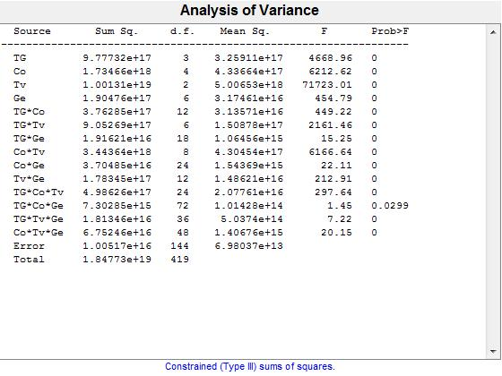
Source | Sum Sq. | d.f. | S.I | Singular? | Mean Sq. | F | Prob>F
TG | 9.7773163295E+17 | 3 | 5% | 0 | 3.2591054432E+17 | 4668.9590309 | 3.3641858994E-143
Co | 1.7346563367E+18 | 4 | 9% | 0 | 4.3366408417E+17 | 6212.6245298 | 4.1509657587E-160
Tv | 1.0013060441E+19 | 2 | 54% | 0 | 5.0065302206E+18 | 71723.007722 | 1.2278745315E-216
Ge | 1.9047638469E+17 | 6 | 1% | 0 | 3.1746064115E+16 | 454.79066367 | 6.1973375261E-91
TG*Co | 3.7628470189E+17 | 12 | 2% | 0 | 3.1357058491E+16 | 449.21781137 | 1.3775300013E-107
TG*Tv | 9.0526875026E+17 | 6 | 5% | 0 | 1.5087812504E+17 | 2161.4636187 | 2.2394272273E-138
TG*Ge | 1.9162122525E+16 | 18 | 0% | 0 | 1.0645623625E+15 | 15.250804685 | 4.5865786362E-25
Co*Tv | 3.4436352604E+18 | 8 | 19% | 0 | 4.3045440755E+17 | 6166.6430514 | 1.7009264923E-178
Co*Ge | 3.7048464705E+16 | 24 | 0% | 0 | 1.5436860294E+15 | 22.114678256 | 6.0663703777E-37
Tv*Ge | 1.783447121E+17 | 12 | 1% | 0 | 1.4862059342E+16 | 212.9122466 | 3.4234285257E-85
TG*Co*Tv | 4.9862626172E+17 | 24 | 3% | 0 | 2.0776094238E+16 | 297.63606766 | 2.5785546062E-110
TG*Co*Ge | 7.3028478961E+15 | 72 | 0% | 0 | 101428443000832 | 1.453052849 | 0.029887868377
TG*Tv*Ge | 1.8134623928E+16 | 36 | 0% | 0 | 5.0373955356E+14 | 7.216518087 | 2.763819646E-18
Co*Tv*Ge | 6.7524625469E+16 | 48 | 0% | 0 | 1.4067630306E+15 | 20.153134259 | 3.5488880776E-44
Error | 1.0051730604E+16 | 144 | 0% | 0 | 6.9803684753E+13
Total | 1.8477308897E+19 | 419 | 100% | 0

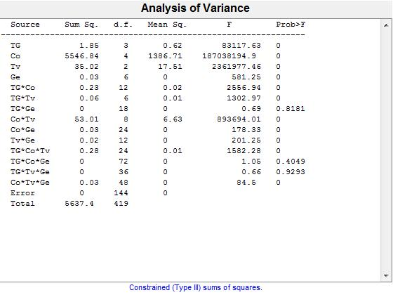
Source | Sum Sq. | d.f. | S.I | Singular? | Mean Sq. | F | Prob>F
TG | 1.8487151698 | 3 | 0% | 0 | 0.61623838992 | 83117.625752 | 6.2612406286E-233
Co | 5546.8435166 | 4 | 98% | 0 | 1386.7108792 | 187038194.58 | 0
Tv | 35.023646864 | 2 | 1% | 0 | 17.511823432 | 2361977.4588 | 0
Ge | 0.025856666461 | 6 | 0% | 0 | 0.0043094444101 | 581.25360824 | 2.9688615457E-98
TG*Co | 0.22748756418 | 12 | 0% | 0 | 0.018957297015 | 2556.9415089 | 3.0511079346E-161
TG*Tv | 0.057961549333 | 6 | 0% | 0 | 0.0096602582221 | 1302.9660935 | 8.8143899308E-123
TG*Ge | 9.1907338174E-05 | 18 | 0% | 0 | 5.1059632319E-06 | 0.68868728069 | 0.81812020708
Co*Tv | 53.007150259 | 8 | 1% | 0 | 6.6258937823 | 893694.01304 | 0
Co*Ge | 0.031731414306 | 24 | 0% | 0 | 0.0013221422627 | 178.32924333 | 9.040150626E-95
Tv*Ge | 0.01790479488 | 12 | 0% | 0 | 0.00149206624 | 201.24842165 | 1.5596181536E-83
TG*Co*Tv | 0.28154580172 | 24 | 0% | 0 | 0.011731075072 | 1582.2758261 | 5.627864079E-162
TG*Co*Ge | 0.00055810361482 | 72 | 0% | 0 | 7.7514390947E-06 | 1.0455064538 | 0.40488446357
TG*Tv*Ge | 0.00017523947463 | 36 | 0% | 0 | 4.8677631841E-06 | 0.65655909338 | 0.9293477947
Co*Tv*Ge | 0.030071449462 | 48 | 0% | 0 | 0.00062648853047 | 84.500154592 | 9.979442781E-85
Error | 0.0010676234715 | 144 | 0% | 0 | 7.4140518854E-06
Total | 5637.397481 | 419 | 100% | 0

ACminmaint
 |  |  | S.I
 |  |  | #DIV/0!
 |  |  | #DIV/0!
 |  |  | #DIV/0!
 |  |  | #DIV/0!
 |  |  | #DIV/0!
 |  |  | #DIV/0!
 |  |  | #DIV/0!
 |  |  | #DIV/0!
 |  |  | #DIV/0!
 |  |  | #DIV/0!
 |  |  | #DIV/0!
 |  |  | #DIV/0!
 |  |  | #DIV/0!
 |  |  | #DIV/0!
 |  |  | #DIV/0!
 |  |  | #DIV/0!

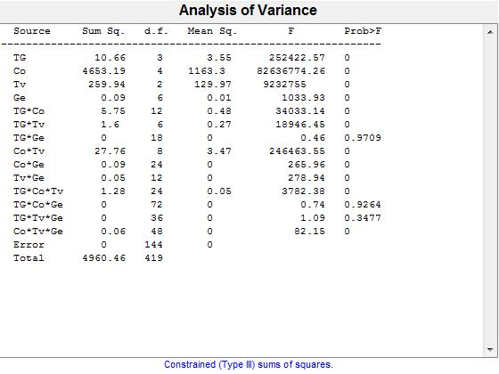
Source | Sum Sq. | d.f. | S.I | Singular? | Mean Sq. | F | Prob>F
TG | 10.660229596 | 3 | 0% | 0 | 3.5534098652 | 252422.56741 | 1.1844773778E-267
Co | 4653.1866377 | 4 | 94% | 0 | 1163.2966594 | 82636774.412 | 0
Tv | 259.94318246 | 2 | 5% | 0 | 129.97159123 | 9232755.0134 | 0
Ge | 0.087329489646 | 6 | 0% | 0 | 0.014554914941 | 1033.933359 | 1.0618916694E-115
TG*Co | 5.7491070609 | 12 | 0% | 0 | 0.47909225507 | 34033.140459 | 4.876005856E-242
TG*Tv | 1.6002808091 | 6 | 0% | 0 | 0.26671346818 | 18946.448891 | 6.0822146811E-206
TG*Ge | 0.00011619041197 | 18 | 0% | 0 | 6.4550228874E-06 | 0.45854362759 | 0.97088336156
Co*Tv | 27.756187702 | 8 | 1% | 0 | 3.4695234628 | 246463.55286 | 1.0011813966E-293
Co*Ge | 0.089856329169 | 24 | 0% | 0 | 0.0037440137154 | 265.96243898 | 7.0000937227E-107
Tv*Ge | 0.047120545642 | 12 | 0% | 0 | 0.0039267121369 | 278.94073486 | 3.2559684002E-93
TG*Co*Tv | 1.2778898531 | 24 | 0% | 0 | 0.053245410547 | 3782.379107 | 3.7907716788E-189
TG*Co*Ge | 0.0007457153888 | 72 | 0% | 0 | 1.0357158178E-05 | 0.73573850398 | 0.92639686907
TG*Tv*Ge | 0.00055383337804 | 36 | 0% | 0 | 1.5384260501E-05 | 1.092847344 | 0.34769740389
Co*Tv*Ge | 0.055508026161 | 48 | 0% | 0 | 0.0011564172117 | 82.148081037 | 6.9420976207E-84
Error | 0.0020271207359 | 144 | 0% | 0 | 1.4077227332E-05
Total | 4960.4567724 | 419 | 100% | 0

ACreconst
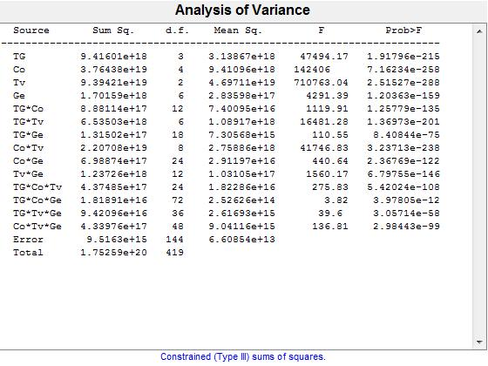
Source | Sum Sq. | d.f. | S.I | Singular? | Mean Sq. | F | Prob>F
TG | 9.4160140512E+18 | 3 | 5% | 0 | 3.1386713504E+18 | 47494.1673 | 1.917958994E-215
Co | 3.7643832891E+19 | 4 | 21% | 0 | 9.4109582229E+18 | 142405.99744 | 7.1623357917E-258
Tv | 9.3942128539E+19 | 2 | 54% | 0 | 4.6971064269E+19 | 710763.03812 | 2.5152677454E-288
Ge | 1.7015905499E+18 | 6 | 1% | 0 | 2.8359842499E+17 | 4291.3926113 | 1.2036322587E-159
TG*Co | 8.8811360457E+17 | 12 | 1% | 0 | 7.4009467048E+16 | 1119.9063608 | 1.2577880219E-135
TG*Tv | 6.535033543E+18 | 6 | 4% | 0 | 1.0891722572E+18 | 16481.282564 | 1.3697269872E-201
TG*Ge | 1.3150232531E+17 | 18 | 0% | 0 | 7.3056847396E+15 | 110.54913832 | 8.4084368686E-75
Co*Tv | 2.2070849285E+19 | 8 | 13% | 0 | 2.7588561606E+18 | 41746.828967 | 3.2371296233E-238
Co*Ge | 6.9887357322E+17 | 24 | 0% | 0 | 2.9119732218E+16 | 440.6378621 | 2.367692893E-122
Tv*Ge | 1.2372561168E+18 | 12 | 1% | 0 | 1.031046764E+17 | 1560.1731445 | 6.7975543358E-146
TG*Co*Tv | 4.3748536683E+17 | 24 | 0% | 0 | 1.8228556951E+16 | 275.83331825 | 5.4202424954E-108
TG*Co*Ge | 1.8189058769E+16 | 72 | 0% | 0 | 2.5262581623E+14 | 3.822717144 | 3.9780465733E-12
TG*Tv*Ge | 9.4209565414E+16 | 36 | 0% | 0 | 2.6169323726E+15 | 39.599247593 | 3.0571433535E-58
Co*Tv*Ge | 4.3397586471E+17 | 48 | 0% | 0 | 9.0411638482E+15 | 136.81029342 | 2.9844340921E-99
Error | 9.5162985299E+15 | 144 | 0% | 0 | 6.6085406458E+13
Total | 1.7525857063E+20 | 419 | 100% | 0

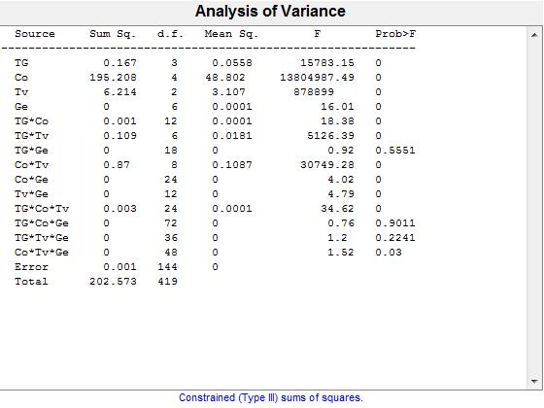
Source | Sum Sq. | d.f. | S.I | Singular? | Mean Sq. | F | Prob>F
TG | 0.16738495506 | 3 | 0% | 0 | 0.05579498502 | 15783.151138 | 4.647206206E-181
Co | 195.20793123 | 4 | 96% | 0 | 48.801982808 | 13804987.495 | 0
Tv | 6.2139881121 | 2 | 3% | 0 | 3.1069940561 | 878899.00414 | 5.7779295492E-295
Ge | 0.00033952657853 | 6 | 0% | 0 | 5.6587763088E-05 | 16.00741029 | 4.7294802263E-14
TG*Co | 0.00077952762925 | 12 | 0% | 0 | 6.4960635771E-05 | 18.375908372 | 1.5238951747E-23
TG*Tv | 0.10873379009 | 6 | 0% | 0 | 0.018122298348 | 5126.3921603 | 3.5500238513E-165
TG*Ge | 5.85722143E-05 | 18 | 0% | 0 | 3.2540119056E-06 | 0.92048705973 | 0.55514437025
Co*Tv | 0.86961373336 | 8 | 0% | 0 | 0.10870171667 | 30749.28011 | 1.1639045311E-228
Co*Ge | 0.00034143096764 | 24 | 0% | 0 | 1.4226290318E-05 | 4.0242987813 | 8.0536078406E-08
Tv*Ge | 0.00020333334416 | 12 | 0% | 0 | 1.6944445347E-05 | 4.7932039367 | 1.3892714047E-06
TG*Co*Tv | 0.0029376041055 | 24 | 0% | 0 | 0.00012240017106 | 34.624265935 | 4.4698167186E-48
TG*Co*Ge | 0.0001938104281 | 72 | 0% | 0 | 2.6918115014E-06 | 0.76145316188 | 0.90105185512
TG*Tv*Ge | 0.00015285948976 | 36 | 0% | 0 | 4.2460969378E-06 | 1.201125687 | 0.22409846194
Co*Tv*Ge | 0.00025857223955 | 48 | 0% | 0 | 5.3869216572E-06 | 1.5238394392 | 0.030032783696
Error | 0.00050905410288 | 144 | 0% | 0 | 3.5350979367E-06
Total | 202.57342611 | 419 | 100% | 0

