MCP pos
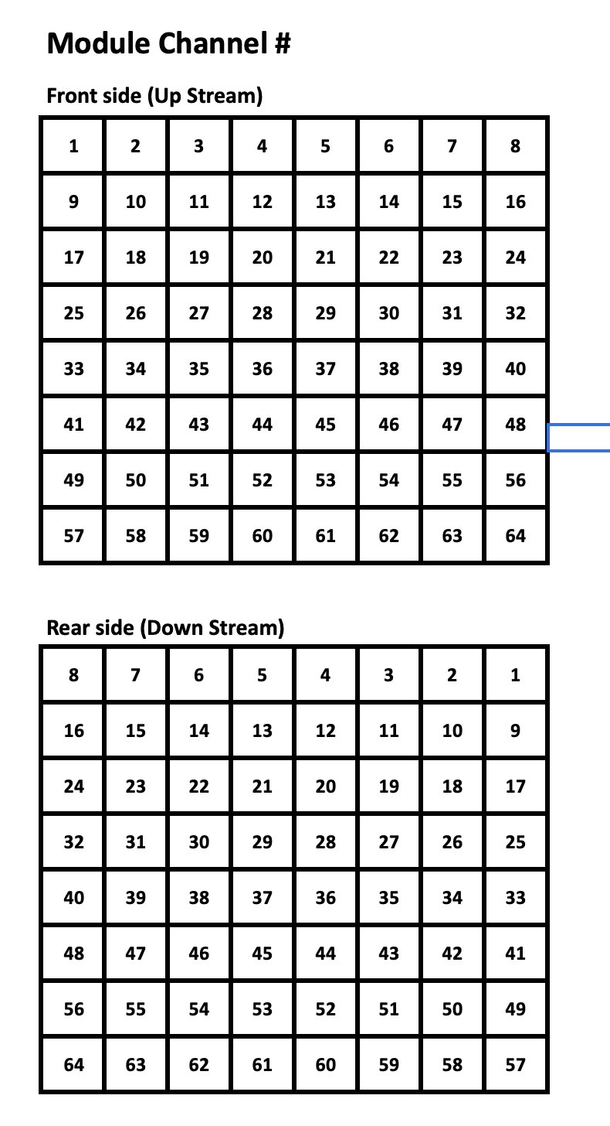

 |  | CH | row | col
S1 | C1 | 1 | 8 | 1
S2 | C2 | 2 | 8 | 2
S3 | C3 | 3 | 8 | 3
S4 | C4 | 4 | 8 | 4
S5 | C5 | 5 | 8 | 5
S6 | C6 | 6 | 8 | 6
S7 | C7 | 7 | 8 | 7
S8 | C8 | 8 | 8 | 8
S9 | C9 | 9 | 7 | 1
S10 | C10 | 10 | 7 | 2
S11 | C11 | 11 | 7 | 3
S12 | C12 | 12 | 7 | 4
S13 | C13 | 13 | 7 | 5
S14 | C14 | 14 | 7 | 6
S15 | C15 | 15 | 7 | 7
S16 | C16 | 16 | 7 | 8
S17 | C17 | 17 | 6 | 1
S18 | C18 | 18 | 6 | 2
S19 | C19 | 19 | 6 | 3
S20 | C20 | 20 | 6 | 4
S21 | C21 | 21 | 6 | 5
S22 | C22 | 22 | 6 | 6
S23 | C23 | 23 | 6 | 7
S24 | C24 | 24 | 6 | 8
S25 | C25 | 25 | 5 | 1
S26 | C26 | 26 | 5 | 2
S27 | C27 | 27 | 5 | 3
S28 | C28 | 28 | 5 | 4
S29 | C29 | 29 | 5 | 5
S30 | C30 | 30 | 5 | 6
S31 | C31 | 31 | 5 | 7
S32 | C32 | 32 | 5 | 8
S33 | C33 | 33 | 4 | 1
S34 | C34 | 34 | 4 | 2
S35 | C35 | 35 | 4 | 3
S36 | C36 | 36 | 4 | 4
S37 | C37 | 37 | 4 | 5
S38 | C38 | 38 | 4 | 6
S39 | C39 | 39 | 4 | 7
S40 | C40 | 40 | 4 | 8
S41 | C41 | 41 | 3 | 1
S42 | C42 | 42 | 3 | 2
S43 | C43 | 43 | 3 | 3
S44 | C44 | 44 | 3 | 4
S45 | C45 | 45 | 3 | 5
S46 | C46 | 46 | 3 | 6
S47 | C47 | 47 | 3 | 7
S48 | C48 | 48 | 3 | 8
S49 | C49 | 49 | 2 | 1
S50 | C50 | 50 | 2 | 2
S51 | C51 | 51 | 2 | 3
S52 | C52 | 52 | 2 | 4
S53 | C53 | 53 | 2 | 5
S54 | C54 | 54 | 2 | 6
S55 | C55 | 55 | 2 | 7
S56 | C56 | 56 | 2 | 8
S57 | C57 | 57 | 1 | 1
S58 | C58 | 58 | 1 | 2
S59 | C59 | 59 | 1 | 3
S60 | C60 | 60 | 1 | 4
S61 | C61 | 61 | 1 | 5
S62 | C62 | 62 | 1 | 6
S63 | C63 | 63 | 1 | 7
S64 | C64 | 64 | 1 | 8

