SiPM map
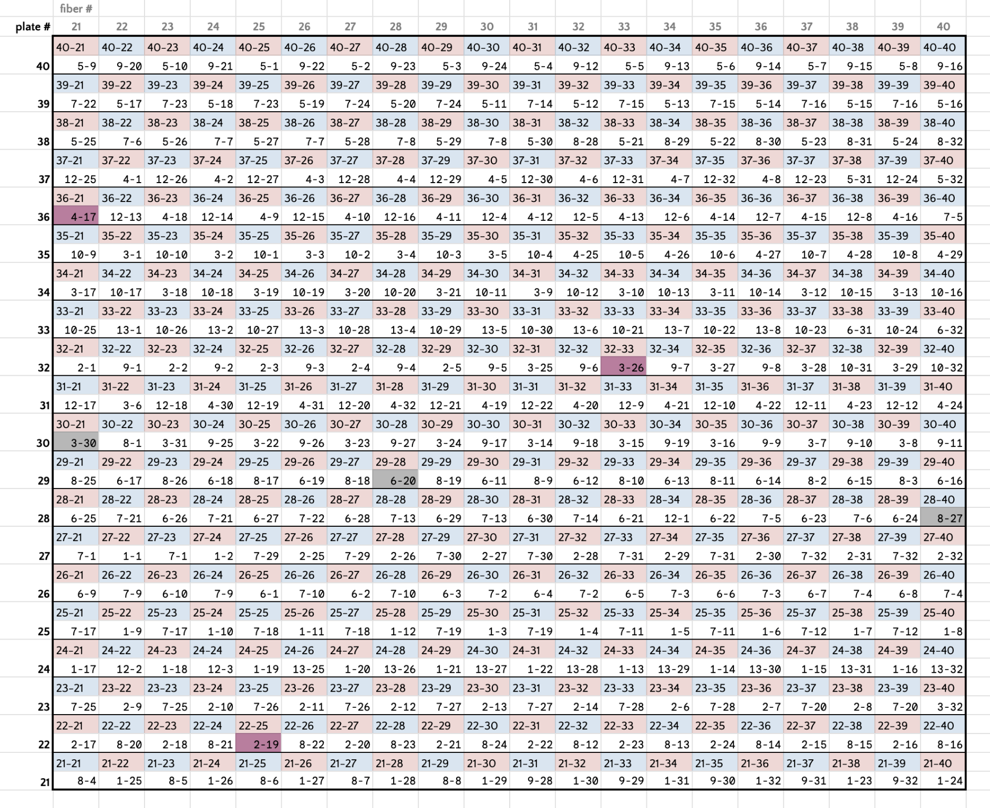
MID | ch | name | yBin | xBin | row | col
1 | 1 | 27-22 | 27 | 22 | 2 | 7
1 | 2 | 27-24 | 27 | 24 | 4 | 7
1 | 3 | 25-30 | 25 | 30 | 10 | 5
1 | 4 | 25-32 | 25 | 32 | 12 | 5
1 | 5 | 25-34 | 25 | 34 | 14 | 5
1 | 6 | 25-36 | 25 | 36 | 16 | 5
1 | 7 | 25-38 | 25 | 38 | 18 | 5
1 | 8 | 25-40 | 25 | 40 | 20 | 5
1 | 9 | 25-22 | 25 | 22 | 2 | 5
1 | 10 | 25-24 | 25 | 24 | 4 | 5
1 | 11 | 25-26 | 25 | 26 | 6 | 5
1 | 12 | 25-28 | 25 | 28 | 8 | 5
1 | 13 | 24-33 | 24 | 33 | 13 | 4
1 | 14 | 24-35 | 24 | 35 | 15 | 4
1 | 15 | 24-37 | 24 | 37 | 17 | 4
1 | 16 | 24-39 | 24 | 39 | 19 | 4
1 | 17 | 24-21 | 24 | 21 | 1 | 4
1 | 18 | 24-23 | 24 | 23 | 3 | 4
1 | 19 | 24-25 | 24 | 25 | 5 | 4
1 | 20 | 24-27 | 24 | 27 | 7 | 4
1 | 21 | 24-29 | 24 | 29 | 9 | 4
1 | 22 | 24-31 | 24 | 31 | 11 | 4
1 | 23 | 21-38 | 21 | 38 | 18 | 1
1 | 24 | 21-40 | 21 | 40 | 20 | 1
1 | 25 | 21-22 | 21 | 22 | 2 | 1
1 | 26 | 21-24 | 21 | 24 | 4 | 1
1 | 27 | 21-26 | 21 | 26 | 6 | 1
1 | 28 | 21-28 | 21 | 28 | 8 | 1
1 | 29 | 21-30 | 21 | 30 | 10 | 1
1 | 30 | 21-32 | 21 | 32 | 12 | 1
1 | 31 | 21-34 | 21 | 34 | 14 | 1
1 | 32 | 21-36 | 21 | 36 | 16 | 1
2 | 1 | 32-21 | 32 | 21 | 1 | 12
2 | 2 | 32-23 | 32 | 23 | 3 | 12
2 | 3 | 32-25 | 32 | 25 | 5 | 12
2 | 4 | 32-27 | 32 | 27 | 7 | 12
2 | 5 | 32-29 | 32 | 29 | 9 | 12
2 | 6 | 23-34 | 23 | 34 | 14 | 3
2 | 7 | 23-36 | 23 | 36 | 16 | 3
2 | 8 | 23-38 | 23 | 38 | 18 | 3
2 | 9 | 23-22 | 23 | 22 | 2 | 3
2 | 10 | 23-24 | 23 | 24 | 4 | 3
2 | 11 | 23-26 | 23 | 26 | 6 | 3
2 | 12 | 23-28 | 23 | 28 | 8 | 3
2 | 13 | 23-30 | 23 | 30 | 10 | 3
2 | 14 | 23-32 | 23 | 32 | 12 | 3
2 | 15 | 22-37 | 22 | 37 | 17 | 2
2 | 16 | 22-39 | 22 | 39 | 19 | 2
2 | 17 | 22-21 | 22 | 21 | 1 | 2
2 | 18 | 22-23 | 22 | 23 | 3 | 2
2 | 19 | 22-25 | 22 | 25 | 5 | 2
2 | 20 | 22-27 | 22 | 27 | 7 | 2
2 | 21 | 22-29 | 22 | 29 | 9 | 2
2 | 22 | 22-31 | 22 | 31 | 11 | 2
2 | 23 | 22-33 | 22 | 33 | 13 | 2
2 | 24 | 22-35 | 22 | 35 | 15 | 2
2 | 25 | 27-26 | 27 | 26 | 6 | 7
2 | 26 | 27-28 | 27 | 28 | 8 | 7
2 | 27 | 27-30 | 27 | 30 | 10 | 7
2 | 28 | 27-32 | 27 | 32 | 12 | 7
2 | 29 | 27-34 | 27 | 34 | 14 | 7
2 | 30 | 27-36 | 27 | 36 | 16 | 7
2 | 31 | 27-38 | 27 | 38 | 18 | 7
2 | 32 | 27-40 | 27 | 40 | 20 | 7
3 | 1 | 35-22 | 35 | 22 | 2 | 15
3 | 2 | 35-24 | 35 | 24 | 4 | 15
3 | 3 | 35-26 | 35 | 26 | 6 | 15
3 | 4 | 35-28 | 35 | 28 | 8 | 15
3 | 5 | 35-30 | 35 | 30 | 10 | 15
3 | 6 | 31-22 | 31 | 22 | 2 | 11
3 | 7 | 30-37 | 30 | 37 | 17 | 10
3 | 8 | 30-39 | 30 | 39 | 19 | 10
3 | 9 | 34-31 | 34 | 31 | 11 | 14
3 | 10 | 34-33 | 34 | 33 | 13 | 14
3 | 11 | 34-35 | 34 | 35 | 15 | 14
3 | 12 | 34-37 | 34 | 37 | 17 | 14
3 | 13 | 34-39 | 34 | 39 | 19 | 14
3 | 14 | 30-31 | 30 | 31 | 11 | 10
3 | 15 | 30-33 | 30 | 33 | 13 | 10
3 | 16 | 30-35 | 30 | 35 | 15 | 10
3 | 17 | 34-21 | 34 | 21 | 1 | 14
3 | 18 | 34-23 | 34 | 23 | 3 | 14
3 | 19 | 34-25 | 34 | 25 | 5 | 14
3 | 20 | 34-27 | 34 | 27 | 7 | 14
3 | 21 | 34-29 | 34 | 29 | 9 | 14
3 | 22 | 30-25 | 30 | 25 | 5 | 10
3 | 23 | 30-27 | 30 | 27 | 7 | 10
3 | 24 | 30-29 | 30 | 29 | 9 | 10
3 | 25 | 32-31 | 32 | 31 | 11 | 12
3 | 26 | 32-33 | 32 | 33 | 13 | 12
3 | 27 | 32-35 | 32 | 35 | 15 | 12
3 | 28 | 32-37 | 32 | 37 | 17 | 12
3 | 29 | 32-39 | 32 | 39 | 19 | 12
3 | 30 | 30-21 | 30 | 21 | 1 | 10
3 | 31 | 30-23 | 30 | 23 | 3 | 10
3 | 32 | 23-40 | 23 | 40 | 20 | 3
4 | 1 | 37-22 | 37 | 22 | 2 | 17
4 | 2 | 37-24 | 37 | 24 | 4 | 17
4 | 3 | 37-26 | 37 | 26 | 6 | 17
4 | 4 | 37-28 | 37 | 28 | 8 | 17
4 | 5 | 37-30 | 37 | 30 | 10 | 17
4 | 6 | 37-32 | 37 | 32 | 12 | 17
4 | 7 | 37-34 | 37 | 34 | 14 | 17
4 | 8 | 37-36 | 37 | 36 | 16 | 17
4 | 9 | 36-25 | 36 | 25 | 5 | 16
4 | 10 | 36-27 | 36 | 27 | 7 | 16
4 | 11 | 36-29 | 36 | 29 | 9 | 16
4 | 12 | 36-31 | 36 | 31 | 11 | 16
4 | 13 | 36-33 | 36 | 33 | 13 | 16
4 | 14 | 36-35 | 36 | 35 | 15 | 16
4 | 15 | 36-37 | 36 | 37 | 17 | 16
4 | 16 | 36-39 | 36 | 39 | 19 | 16
4 | 17 | 36-21 | 36 | 21 | 1 | 16
4 | 18 | 36-23 | 36 | 23 | 3 | 16
4 | 19 | 31-30 | 31 | 30 | 10 | 11
4 | 20 | 31-32 | 31 | 32 | 12 | 11
4 | 21 | 31-34 | 31 | 34 | 14 | 11
4 | 22 | 31-36 | 31 | 36 | 16 | 11
4 | 23 | 31-38 | 31 | 38 | 18 | 11
4 | 24 | 31-40 | 31 | 40 | 20 | 11
4 | 25 | 35-32 | 35 | 32 | 12 | 15
4 | 26 | 35-34 | 35 | 34 | 14 | 15
4 | 27 | 35-36 | 35 | 36 | 16 | 15
4 | 28 | 35-38 | 35 | 38 | 18 | 15
4 | 29 | 35-40 | 35 | 40 | 20 | 15
4 | 30 | 31-24 | 31 | 24 | 4 | 11
4 | 31 | 31-26 | 31 | 26 | 6 | 11
4 | 32 | 31-28 | 31 | 28 | 8 | 11
5 | 1 | 40-25 | 40 | 25 | 5 | 20
5 | 2 | 40-27 | 40 | 27 | 7 | 20
5 | 3 | 40-29 | 40 | 29 | 9 | 20
5 | 4 | 40-31 | 40 | 31 | 11 | 20
5 | 5 | 40-33 | 40 | 33 | 13 | 20
5 | 6 | 40-35 | 40 | 35 | 15 | 20
5 | 7 | 40-37 | 40 | 37 | 17 | 20
5 | 8 | 40-39 | 40 | 39 | 19 | 20
5 | 9 | 40-21 | 40 | 21 | 1 | 20
5 | 10 | 40-23 | 40 | 23 | 3 | 20
5 | 11 | 39-30 | 39 | 30 | 10 | 19
5 | 12 | 39-32 | 39 | 32 | 12 | 19
5 | 13 | 39-34 | 39 | 34 | 14 | 19
5 | 14 | 39-36 | 39 | 36 | 16 | 19
5 | 15 | 39-38 | 39 | 38 | 18 | 19
5 | 16 | 39-40 | 39 | 40 | 20 | 19
5 | 17 | 39-22 | 39 | 22 | 2 | 19
5 | 18 | 39-24 | 39 | 24 | 4 | 19
5 | 19 | 39-26 | 39 | 26 | 6 | 19
5 | 20 | 39-28 | 39 | 28 | 8 | 19
5 | 21 | 38-33 | 38 | 33 | 13 | 18
5 | 22 | 38-35 | 38 | 35 | 15 | 18
5 | 23 | 38-37 | 38 | 37 | 17 | 18
5 | 24 | 38-39 | 38 | 39 | 19 | 18
5 | 25 | 38-21 | 38 | 21 | 1 | 18
5 | 26 | 38-23 | 38 | 23 | 3 | 18
5 | 27 | 38-25 | 38 | 25 | 5 | 18
5 | 28 | 38-27 | 38 | 27 | 7 | 18
5 | 29 | 38-29 | 38 | 29 | 9 | 18
5 | 30 | 38-31 | 38 | 31 | 11 | 18
5 | 31 | 37-38 | 37 | 38 | 18 | 17
5 | 32 | 37-40 | 37 | 40 | 20 | 17
6 | 1 | 26-25 | 26 | 25 | 5 | 6
6 | 2 | 26-27 | 26 | 27 | 7 | 6
6 | 3 | 26-29 | 26 | 29 | 9 | 6
6 | 4 | 26-31 | 26 | 31 | 11 | 6
6 | 5 | 26-33 | 26 | 33 | 13 | 6
6 | 6 | 26-35 | 26 | 35 | 15 | 6
6 | 7 | 26-37 | 26 | 37 | 17 | 6
6 | 8 | 26-39 | 26 | 39 | 19 | 6
6 | 9 | 26-21 | 26 | 21 | 1 | 6
6 | 10 | 26-23 | 26 | 23 | 3 | 6
6 | 11 | 29-30 | 29 | 30 | 10 | 9
6 | 12 | 29-32 | 29 | 32 | 12 | 9
6 | 13 | 29-34 | 29 | 34 | 14 | 9
6 | 14 | 29-36 | 29 | 36 | 16 | 9
6 | 15 | 29-38 | 29 | 38 | 18 | 9
6 | 16 | 29-40 | 29 | 40 | 20 | 9
6 | 17 | 29-22 | 29 | 22 | 2 | 9
6 | 18 | 29-24 | 29 | 24 | 4 | 9
6 | 19 | 29-26 | 29 | 26 | 6 | 9
6 | 20 | 29-28 | 29 | 28 | 8 | 9
6 | 21 | 28-33 | 28 | 33 | 13 | 8
6 | 22 | 28-35 | 28 | 35 | 15 | 8
6 | 23 | 28-37 | 28 | 37 | 17 | 8
6 | 24 | 28-39 | 28 | 39 | 19 | 8
6 | 25 | 28-21 | 28 | 21 | 1 | 8
6 | 26 | 28-23 | 28 | 23 | 3 | 8
6 | 27 | 28-25 | 28 | 25 | 5 | 8
6 | 28 | 28-27 | 28 | 27 | 7 | 8
6 | 29 | 28-29 | 28 | 29 | 9 | 8
6 | 30 | 28-31 | 28 | 31 | 11 | 8
6 | 31 | 33-38 | 33 | 38 | 18 | 13
6 | 32 | 33-40 | 33 | 40 | 20 | 13
7 | 1 | 27-21 | 27 | 21 | 1 | 7
7 | 2 | 26-30 | 26 | 30 | 10 | 6
7 | 3 | 26-34 | 26 | 34 | 14 | 6
7 | 4 | 26-38 | 26 | 38 | 18 | 6
7 | 5 | 36-40 | 36 | 40 | 20 | 16
7 | 6 | 28-38 | 28 | 38 | 18 | 8
7 | 7 | 38-24 | 38 | 24 | 4 | 18
7 | 8 | 38-28 | 38 | 28 | 8 | 18
7 | 9 | 26-22 | 26 | 22 | 2 | 6
7 | 10 | 26-26 | 26 | 26 | 6 | 6
7 | 11 | 25-33 | 25 | 33 | 13 | 5
7 | 12 | 25-37 | 25 | 37 | 17 | 5
7 | 13 | 28-28 | 28 | 28 | 8 | 8
7 | 14 | 28-32 | 28 | 32 | 12 | 8
7 | 15 | 39-33 | 39 | 33 | 13 | 19
7 | 16 | 39-37 | 39 | 37 | 17 | 19
7 | 17 | 25-21 | 25 | 21 | 1 | 5
7 | 18 | 25-25 | 25 | 25 | 5 | 5
7 | 19 | 25-29 | 25 | 29 | 9 | 5
7 | 20 | 23-37 | 23 | 37 | 17 | 3
7 | 21 | 28-22 | 28 | 22 | 2 | 8
7 | 22 | 28-26 | 28 | 26 | 6 | 8
7 | 23 | 39-23 | 39 | 23 | 3 | 19
7 | 24 | 39-27 | 39 | 27 | 7 | 19
7 | 25 | 23-21 | 23 | 21 | 1 | 3
7 | 26 | 23-25 | 23 | 25 | 5 | 3
7 | 27 | 23-29 | 23 | 29 | 9 | 3
7 | 28 | 23-33 | 23 | 33 | 13 | 3
7 | 29 | 27-25 | 27 | 25 | 5 | 7
7 | 30 | 27-29 | 27 | 29 | 9 | 7
7 | 31 | 27-33 | 27 | 33 | 13 | 7
7 | 32 | 27-37 | 27 | 37 | 17 | 7
8 | 1 | 30-22 | 30 | 22 | 2 | 10
8 | 2 | 29-37 | 29 | 37 | 17 | 9
8 | 3 | 29-39 | 29 | 39 | 19 | 9
8 | 4 | 21-21 | 21 | 21 | 1 | 1
8 | 5 | 21-23 | 21 | 23 | 3 | 1
8 | 6 | 21-25 | 21 | 25 | 5 | 1
8 | 7 | 21-27 | 21 | 27 | 7 | 1
8 | 8 | 21-29 | 21 | 29 | 9 | 1
8 | 9 | 29-31 | 29 | 31 | 11 | 9
8 | 10 | 29-33 | 29 | 33 | 13 | 9
8 | 11 | 29-35 | 29 | 35 | 15 | 9
8 | 12 | 22-32 | 22 | 32 | 12 | 2
8 | 13 | 22-34 | 22 | 34 | 14 | 2
8 | 14 | 22-36 | 22 | 36 | 16 | 2
8 | 15 | 22-38 | 22 | 38 | 18 | 2
8 | 16 | 22-40 | 22 | 40 | 20 | 2
8 | 17 | 29-25 | 29 | 25 | 5 | 9
8 | 18 | 29-27 | 29 | 27 | 7 | 9
8 | 19 | 29-29 | 29 | 29 | 9 | 9
8 | 20 | 22-22 | 22 | 22 | 2 | 2
8 | 21 | 22-24 | 22 | 24 | 4 | 2
8 | 22 | 22-26 | 22 | 26 | 6 | 2
8 | 23 | 22-28 | 22 | 28 | 8 | 2
8 | 24 | 22-30 | 22 | 30 | 10 | 2
8 | 25 | 29-21 | 29 | 21 | 1 | 9
8 | 26 | 29-23 | 29 | 23 | 3 | 9
8 | 27 | 28-40 | 28 | 40 | 20 | 8
8 | 28 | 38-32 | 38 | 32 | 12 | 18
8 | 29 | 38-34 | 38 | 34 | 14 | 18
8 | 30 | 38-36 | 38 | 36 | 16 | 18
8 | 31 | 38-38 | 38 | 38 | 18 | 18
8 | 32 | 38-40 | 38 | 40 | 20 | 18
9 | 1 | 32-22 | 32 | 22 | 2 | 12
9 | 2 | 32-24 | 32 | 24 | 4 | 12
9 | 3 | 32-26 | 32 | 26 | 6 | 12
9 | 4 | 32-28 | 32 | 28 | 8 | 12
9 | 5 | 32-30 | 32 | 30 | 10 | 12
9 | 6 | 32-32 | 32 | 32 | 12 | 12
9 | 7 | 32-34 | 32 | 34 | 14 | 12
9 | 8 | 32-36 | 32 | 36 | 16 | 12
9 | 9 | 30-36 | 30 | 36 | 16 | 10
9 | 10 | 30-38 | 30 | 38 | 18 | 10
9 | 11 | 30-40 | 30 | 40 | 20 | 10
9 | 12 | 40-32 | 40 | 32 | 12 | 20
9 | 13 | 40-34 | 40 | 34 | 14 | 20
9 | 14 | 40-36 | 40 | 36 | 16 | 20
9 | 15 | 40-38 | 40 | 38 | 18 | 20
9 | 16 | 40-40 | 40 | 40 | 20 | 20
9 | 17 | 30-30 | 30 | 30 | 10 | 10
9 | 18 | 30-32 | 30 | 32 | 12 | 10
9 | 19 | 30-34 | 30 | 34 | 14 | 10
9 | 20 | 40-22 | 40 | 22 | 2 | 20
9 | 21 | 40-24 | 40 | 24 | 4 | 20
9 | 22 | 40-26 | 40 | 26 | 6 | 20
9 | 23 | 40-28 | 40 | 28 | 8 | 20
9 | 24 | 40-30 | 40 | 30 | 10 | 20
9 | 25 | 30-24 | 30 | 24 | 4 | 10
9 | 26 | 30-26 | 30 | 26 | 6 | 10
9 | 27 | 30-28 | 30 | 28 | 8 | 10
9 | 28 | 21-31 | 21 | 31 | 11 | 1
9 | 29 | 21-33 | 21 | 33 | 13 | 1
9 | 30 | 21-35 | 21 | 35 | 15 | 1
9 | 31 | 21-37 | 21 | 37 | 17 | 1
9 | 32 | 21-39 | 21 | 39 | 19 | 1
10 | 1 | 35-25 | 35 | 25 | 5 | 15
10 | 2 | 35-27 | 35 | 27 | 7 | 15
10 | 3 | 35-29 | 35 | 29 | 9 | 15
10 | 4 | 35-31 | 35 | 31 | 11 | 15
10 | 5 | 35-33 | 35 | 33 | 13 | 15
10 | 6 | 35-35 | 35 | 35 | 15 | 15
10 | 7 | 35-37 | 35 | 37 | 17 | 15
10 | 8 | 35-39 | 35 | 39 | 19 | 15
10 | 9 | 35-21 | 35 | 21 | 1 | 15
10 | 10 | 35-23 | 35 | 23 | 3 | 15
10 | 11 | 34-30 | 34 | 30 | 10 | 14
10 | 12 | 34-32 | 34 | 32 | 12 | 14
10 | 13 | 34-34 | 34 | 34 | 14 | 14
10 | 14 | 34-36 | 34 | 36 | 16 | 14
10 | 15 | 34-38 | 34 | 38 | 18 | 14
10 | 16 | 34-40 | 34 | 40 | 20 | 14
10 | 17 | 34-22 | 34 | 22 | 2 | 14
10 | 18 | 34-24 | 34 | 24 | 4 | 14
10 | 19 | 34-26 | 34 | 26 | 6 | 14
10 | 20 | 34-28 | 34 | 28 | 8 | 14
10 | 21 | 33-33 | 33 | 33 | 13 | 13
10 | 22 | 33-35 | 33 | 35 | 15 | 13
10 | 23 | 33-37 | 33 | 37 | 17 | 13
10 | 24 | 33-39 | 33 | 39 | 19 | 13
10 | 25 | 33-21 | 33 | 21 | 1 | 13
10 | 26 | 33-23 | 33 | 23 | 3 | 13
10 | 27 | 33-25 | 33 | 25 | 5 | 13
10 | 28 | 33-27 | 33 | 27 | 7 | 13
10 | 29 | 33-29 | 33 | 29 | 9 | 13
10 | 30 | 33-31 | 33 | 31 | 11 | 13
10 | 31 | 32-38 | 32 | 38 | 18 | 12
10 | 32 | 32-40 | 32 | 40 | 20 | 12

12 | 1 | 28-34 | 28 | 34 | 14 | 8
12 | 2 | 24-22 | 24 | 22 | 2 | 4
12 | 3 | 24-24 | 24 | 24 | 4 | 4
12 | 4 | 36-30 | 36 | 30 | 10 | 16
12 | 5 | 36-32 | 36 | 32 | 12 | 16
12 | 6 | 36-34 | 36 | 34 | 14 | 16
12 | 7 | 36-36 | 36 | 36 | 16 | 16
12 | 8 | 36-38 | 36 | 38 | 18 | 16
12 | 9 | 31-33 | 31 | 33 | 13 | 11
12 | 10 | 31-35 | 31 | 35 | 15 | 11
12 | 11 | 31-37 | 31 | 37 | 17 | 11
12 | 12 | 31-39 | 31 | 39 | 19 | 11
12 | 13 | 36-22 | 36 | 22 | 2 | 16
12 | 14 | 36-24 | 36 | 24 | 4 | 16
12 | 15 | 36-26 | 36 | 26 | 6 | 16
12 | 16 | 36-28 | 36 | 28 | 8 | 16
12 | 17 | 31-21 | 31 | 21 | 1 | 11
12 | 18 | 31-23 | 31 | 23 | 3 | 11
12 | 19 | 31-25 | 31 | 25 | 5 | 11
12 | 20 | 31-27 | 31 | 27 | 7 | 11
12 | 21 | 31-29 | 31 | 29 | 9 | 11
12 | 22 | 31-31 | 31 | 31 | 11 | 11
12 | 23 | 37-37 | 37 | 37 | 17 | 17
12 | 24 | 37-39 | 37 | 39 | 19 | 17
12 | 25 | 37-21 | 37 | 21 | 1 | 17
12 | 26 | 37-23 | 37 | 23 | 3 | 17
12 | 27 | 37-25 | 37 | 25 | 5 | 17
12 | 28 | 37-27 | 37 | 27 | 7 | 17
12 | 29 | 37-29 | 37 | 29 | 9 | 17
12 | 30 | 37-31 | 37 | 31 | 11 | 17
12 | 31 | 37-33 | 37 | 33 | 13 | 17
12 | 32 | 37-35 | 37 | 35 | 15 | 17
13 | 1 | 33-22 | 33 | 22 | 2 | 13
13 | 2 | 33-24 | 33 | 24 | 4 | 13
13 | 3 | 33-26 | 33 | 26 | 6 | 13
13 | 4 | 33-28 | 33 | 28 | 8 | 13
13 | 5 | 33-30 | 33 | 30 | 10 | 13
13 | 6 | 33-32 | 33 | 32 | 12 | 13
13 | 7 | 33-34 | 33 | 34 | 14 | 13
13 | 8 | 33-36 | 33 | 36 | 16 | 13

13 | 25 | 24-26 | 24 | 26 | 6 | 4
13 | 26 | 24-28 | 24 | 28 | 8 | 4
13 | 27 | 24-30 | 24 | 30 | 10 | 4
13 | 28 | 24-32 | 24 | 32 | 12 | 4
13 | 29 | 24-34 | 24 | 34 | 14 | 4
13 | 30 | 24-36 | 24 | 36 | 16 | 4
13 | 31 | 24-38 | 24 | 38 | 18 | 4
13 | 32 | 24-40 | 24 | 40 | 20 | 4

7 | 1 | 27-23 | 27 | 23 | 3 | 7
7 | 2 | 26-32 | 26 | 32 | 12 | 6
7 | 3 | 26-36 | 26 | 36 | 16 | 6
7 | 4 | 26-40 | 26 | 40 | 20 | 6
7 | 5 | 28-36 | 28 | 36 | 16 | 8
7 | 6 | 38-22 | 38 | 22 | 2 | 18
7 | 7 | 38-26 | 38 | 26 | 6 | 18
7 | 8 | 38-30 | 38 | 30 | 10 | 18
7 | 9 | 26-24 | 26 | 24 | 4 | 6
7 | 10 | 26-28 | 26 | 28 | 8 | 6
7 | 11 | 25-35 | 25 | 35 | 15 | 5
7 | 12 | 25-39 | 25 | 39 | 19 | 5
7 | 13 | 28-30 | 28 | 30 | 10 | 8
7 | 14 | 39-31 | 39 | 31 | 11 | 19
7 | 15 | 39-35 | 39 | 35 | 15 | 19
7 | 16 | 39-39 | 39 | 39 | 19 | 19
7 | 17 | 25-23 | 25 | 23 | 3 | 5
7 | 18 | 25-27 | 25 | 27 | 7 | 5
7 | 19 | 25-31 | 25 | 31 | 11 | 5
7 | 20 | 23-39 | 23 | 39 | 19 | 3
7 | 21 | 28-24 | 28 | 24 | 4 | 8
7 | 22 | 39-21 | 39 | 21 | 1 | 19
7 | 23 | 39-25 | 39 | 25 | 5 | 19
7 | 24 | 39-29 | 39 | 29 | 9 | 19
7 | 25 | 23-23 | 23 | 23 | 3 | 3
7 | 26 | 23-27 | 23 | 27 | 7 | 3
7 | 27 | 23-31 | 23 | 31 | 11 | 3
7 | 28 | 23-35 | 23 | 35 | 15 | 3
7 | 29 | 27-27 | 27 | 27 | 7 | 7
7 | 30 | 27-31 | 27 | 31 | 11 | 7
7 | 31 | 27-35 | 27 | 35 | 15 | 7
7 | 32 | 27-39 | 27 | 39 | 19 | 7

MCP map
MID | ch | name | S=0/C=1 | name | row | col
14 | 1 | C16 | 1 | 16 | 8 | 7
14 | 2 | C8 | 1 | 8 | 8 | 8
14 | 3 | C15 | 1 | 15 | 7 | 7
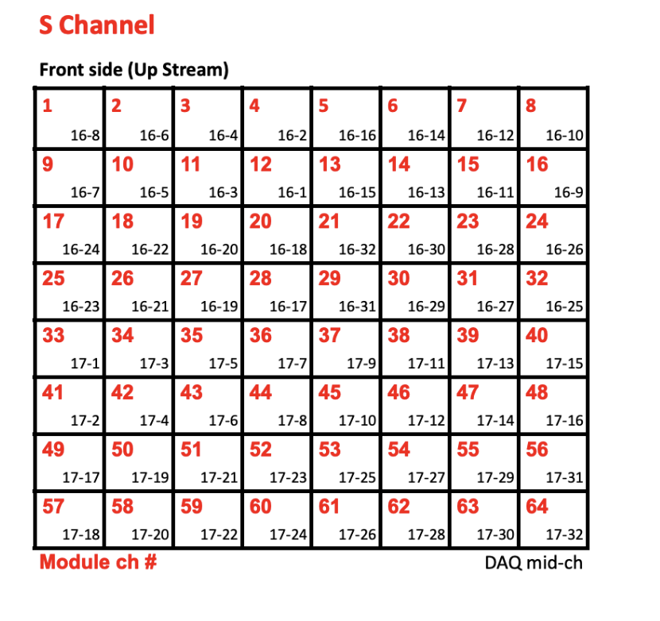
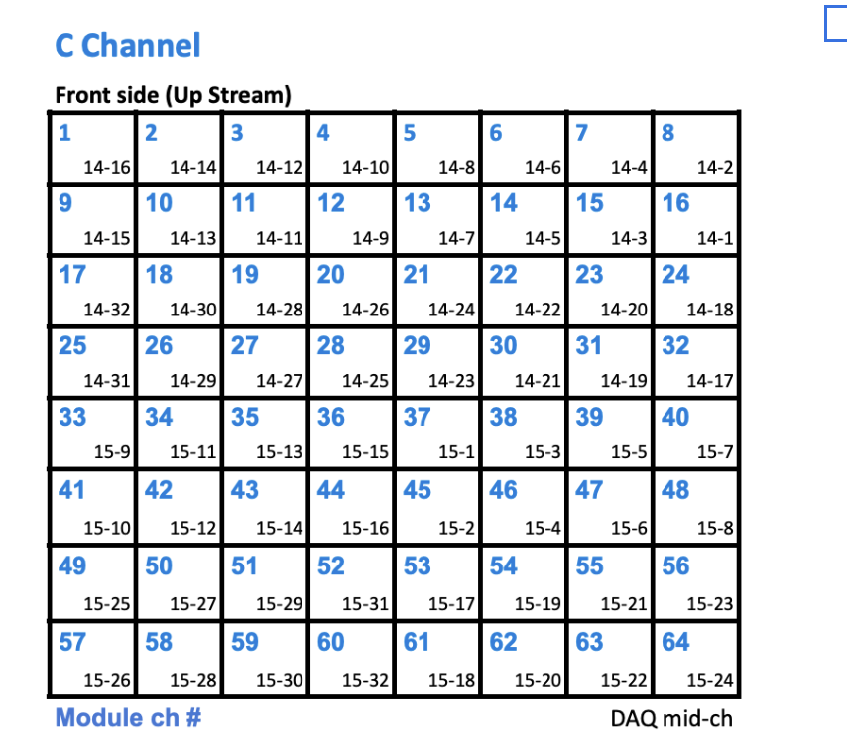
14 | 4 | C7 | 1 | 7 | 7 | 8
14 | 5 | C14 | 1 | 14 | 6 | 7
14 | 6 | C6 | 1 | 6 | 6 | 8
14 | 7 | C13 | 1 | 13 | 5 | 7
14 | 8 | C5 | 1 | 5 | 5 | 8
14 | 9 | C12 | 1 | 12 | 4 | 7
14 | 10 | C4 | 1 | 4 | 4 | 8
14 | 11 | C11 | 1 | 11 | 3 | 7
14 | 12 | C3 | 1 | 3 | 3 | 8
14 | 13 | C10 | 1 | 10 | 2 | 7
14 | 14 | C2 | 1 | 2 | 2 | 8
14 | 15 | C9 | 1 | 9 | 1 | 7
14 | 16 | C1 | 1 | 1 | 1 | 8
14 | 17 | C32 | 1 | 32 | 8 | 5
14 | 18 | C24 | 1 | 24 | 8 | 6
14 | 19 | C31 | 1 | 31 | 7 | 5
14 | 20 | C23 | 1 | 23 | 7 | 6
14 | 21 | C30 | 1 | 30 | 6 | 5
14 | 22 | C22 | 1 | 22 | 6 | 6
14 | 23 | C29 | 1 | 29 | 5 | 5
14 | 24 | C21 | 1 | 21 | 5 | 6
14 | 25 | C28 | 1 | 28 | 4 | 5
14 | 26 | C20 | 1 | 20 | 4 | 6
14 | 27 | C27 | 1 | 27 | 3 | 5
14 | 28 | C19 | 1 | 19 | 3 | 6
14 | 29 | C26 | 1 | 26 | 2 | 5 |  | row | col
14 | 30 | C18 | 1 | 18 | 2 | 6 | 1 | 1 | 8
14 | 31 | C25 | 1 | 25 | 1 | 5 | 2 | 2 | 8
14 | 32 | C17 | 1 | 17 | 1 | 6 | 3 | 3 | 8
15 | 1 | C37 | 1 | 37 | 5 | 4 | 4 | 4 | 8
15 | 2 | C45 | 1 | 45 | 5 | 3 | 5 | 5 | 8
15 | 3 | C38 | 1 | 38 | 6 | 4 | 6 | 6 | 8
15 | 4 | C46 | 1 | 46 | 6 | 3 | 7 | 7 | 8
15 | 5 | C39 | 1 | 39 | 7 | 4 | 8 | 8 | 8
15 | 6 | C47 | 1 | 47 | 7 | 3 | 9 | 1 | 7
15 | 7 | C40 | 1 | 40 | 8 | 4 | 10 | 2 | 7
15 | 8 | C48 | 1 | 48 | 8 | 3 | 11 | 3 | 7
15 | 9 | C33 | 1 | 33 | 1 | 4 | 12 | 4 | 7
15 | 10 | C41 | 1 | 41 | 1 | 3 | 13 | 5 | 7
15 | 11 | C34 | 1 | 34 | 2 | 4 | 14 | 6 | 7
15 | 12 | C42 | 1 | 42 | 2 | 3 | 15 | 7 | 7
15 | 13 | C35 | 1 | 35 | 3 | 4 | 16 | 8 | 7
15 | 14 | C43 | 1 | 43 | 3 | 3 | 17 | 1 | 6
15 | 15 | C36 | 1 | 36 | 4 | 4 | 18 | 2 | 6
15 | 16 | C44 | 1 | 44 | 4 | 3 | 19 | 3 | 6
15 | 17 | C53 | 1 | 53 | 5 | 2 | 20 | 4 | 6
15 | 18 | C61 | 1 | 61 | 5 | 1 | 21 | 5 | 6
15 | 19 | C54 | 1 | 54 | 6 | 2 | 22 | 6 | 6
15 | 20 | C62 | 1 | 62 | 6 | 1 | 23 | 7 | 6
15 | 21 | C55 | 1 | 55 | 7 | 2 | 24 | 8 | 6
15 | 22 | C63 | 1 | 63 | 7 | 1 | 25 | 1 | 5
15 | 23 | C56 | 1 | 56 | 8 | 2 | 26 | 2 | 5
15 | 24 | C64 | 1 | 64 | 8 | 1 | 27 | 3 | 5
15 | 25 | C49 | 1 | 49 | 1 | 2 | 28 | 4 | 5
15 | 26 | C57 | 1 | 57 | 1 | 1 | 29 | 5 | 5
15 | 27 | C50 | 1 | 50 | 2 | 2 | 30 | 6 | 5
15 | 28 | C58 | 1 | 58 | 2 | 1 | 31 | 7 | 5
15 | 29 | C51 | 1 | 51 | 3 | 2 | 32 | 8 | 5
15 | 30 | C59 | 1 | 59 | 3 | 1 | 33 | 1 | 4
15 | 31 | C52 | 1 | 52 | 4 | 2 | 34 | 2 | 4
15 | 32 | C60 | 1 | 60 | 4 | 1 | 35 | 3 | 4
16 | 1 | S12 | 0 | 12 | 4 | 7 | 36 | 4 | 4
16 | 2 | S4 | 0 | 4 | 4 | 8 | 37 | 5 | 4
16 | 3 | S11 | 0 | 11 | 3 | 7 | 38 | 6 | 4
16 | 4 | S3 | 0 | 3 | 3 | 8 | 39 | 7 | 4
16 | 5 | S10 | 0 | 10 | 2 | 7 | 40 | 8 | 4
16 | 6 | S2 | 0 | 2 | 2 | 8 | 41 | 1 | 3
16 | 7 | S9 | 0 | 9 | 1 | 7 | 42 | 2 | 3
16 | 8 | S1 | 0 | 1 | 1 | 8 | 43 | 3 | 3
16 | 9 | S16 | 0 | 16 | 8 | 7 | 44 | 4 | 3
16 | 10 | S8 | 0 | 8 | 8 | 8 | 45 | 5 | 3
16 | 11 | S15 | 0 | 15 | 7 | 7 | 46 | 6 | 3
16 | 12 | S7 | 0 | 7 | 7 | 8 | 47 | 7 | 3
16 | 13 | S14 | 0 | 14 | 6 | 7 | 48 | 8 | 3
16 | 14 | S6 | 0 | 6 | 6 | 8 | 49 | 1 | 2
16 | 15 | S13 | 0 | 13 | 5 | 7 | 50 | 2 | 2
16 | 16 | S5 | 0 | 5 | 5 | 8 | 51 | 3 | 2
16 | 17 | S28 | 0 | 28 | 4 | 5 | 52 | 4 | 2
16 | 18 | S20 | 0 | 20 | 4 | 6 | 53 | 5 | 2
16 | 19 | S27 | 0 | 27 | 3 | 5 | 54 | 6 | 2
16 | 20 | S19 | 0 | 19 | 3 | 6 | 55 | 7 | 2
16 | 21 | S26 | 0 | 26 | 2 | 5 | 56 | 8 | 2
16 | 22 | S18 | 0 | 18 | 2 | 6 | 57 | 1 | 1
16 | 23 | S25 | 0 | 25 | 1 | 5 | 58 | 2 | 1
16 | 24 | S17 | 0 | 17 | 1 | 6 | 59 | 3 | 1
16 | 25 | S32 | 0 | 32 | 8 | 5 | 60 | 4 | 1
16 | 26 | S24 | 0 | 24 | 8 | 6 | 61 | 5 | 1
16 | 27 | S31 | 0 | 31 | 7 | 5 | 62 | 6 | 1
16 | 28 | S23 | 0 | 23 | 7 | 6 | 63 | 7 | 1
16 | 29 | S30 | 0 | 30 | 6 | 5 | 64 | 8 | 1
16 | 30 | S22 | 0 | 22 | 6 | 6
16 | 31 | S29 | 0 | 29 | 5 | 5
16 | 32 | S21 | 0 | 21 | 5 | 6
17 | 1 | S33 | 0 | 33 | 1 | 4
17 | 2 | S41 | 0 | 41 | 1 | 3
17 | 3 | S34 | 0 | 34 | 2 | 4
17 | 4 | S42 | 0 | 42 | 2 | 3
17 | 5 | S35 | 0 | 35 | 3 | 4
17 | 6 | S43 | 0 | 43 | 3 | 3
17 | 7 | S36 | 0 | 36 | 4 | 4
17 | 8 | S44 | 0 | 44 | 4 | 3
17 | 9 | S37 | 0 | 37 | 5 | 4
17 | 10 | S45 | 0 | 45 | 5 | 3
17 | 11 | S38 | 0 | 38 | 6 | 4
17 | 12 | S46 | 0 | 46 | 6 | 3
17 | 13 | S39 | 0 | 39 | 7 | 4
17 | 14 | S47 | 0 | 47 | 7 | 3
17 | 15 | S40 | 0 | 40 | 8 | 4
17 | 16 | S48 | 0 | 48 | 8 | 3
17 | 17 | S49 | 0 | 49 | 1 | 2
17 | 18 | S57 | 0 | 57 | 1 | 1
17 | 19 | S50 | 0 | 50 | 2 | 2
17 | 20 | S58 | 0 | 58 | 2 | 1
17 | 21 | S51 | 0 | 51 | 3 | 2
17 | 22 | S59 | 0 | 59 | 3 | 1
17 | 23 | S52 | 0 | 52 | 4 | 2
17 | 24 | S60 | 0 | 60 | 4 | 1
17 | 25 | S53 | 0 | 53 | 5 | 2
17 | 26 | S61 | 0 | 61 | 5 | 1
17 | 27 | S54 | 0 | 54 | 6 | 2
17 | 28 | S62 | 0 | 62 | 6 | 1
17 | 29 | S55 | 0 | 55 | 7 | 2
17 | 30 | S63 | 0 | 63 | 7 | 1
17 | 31 | S56 | 0 | 56 | 8 | 2
17 | 32 | S64 | 0 | 64 | 8 | 1

MCP pos
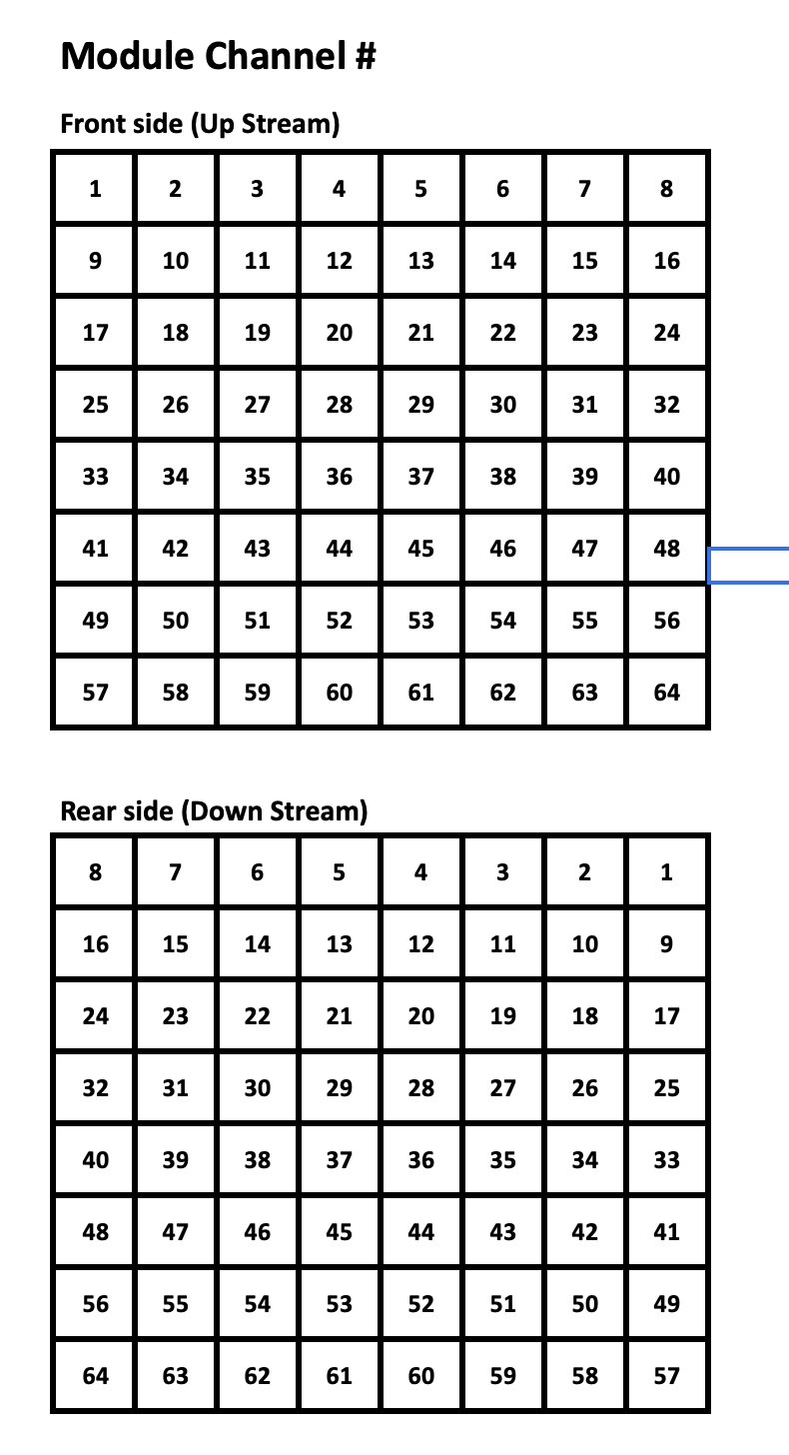

 |  | CH | row | col
S1 | C1 | 1 | 8 | 1
S2 | C2 | 2 | 8 | 2
S3 | C3 | 3 | 8 | 3
S4 | C4 | 4 | 8 | 4
S5 | C5 | 5 | 8 | 5
S6 | C6 | 6 | 8 | 6
S7 | C7 | 7 | 8 | 7
S8 | C8 | 8 | 8 | 8
S9 | C9 | 9 | 7 | 1
S10 | C10 | 10 | 7 | 2
S11 | C11 | 11 | 7 | 3
S12 | C12 | 12 | 7 | 4
S13 | C13 | 13 | 7 | 5
S14 | C14 | 14 | 7 | 6
S15 | C15 | 15 | 7 | 7
S16 | C16 | 16 | 7 | 8
S17 | C17 | 17 | 6 | 1
S18 | C18 | 18 | 6 | 2
S19 | C19 | 19 | 6 | 3
S20 | C20 | 20 | 6 | 4
S21 | C21 | 21 | 6 | 5
S22 | C22 | 22 | 6 | 6
S23 | C23 | 23 | 6 | 7
S24 | C24 | 24 | 6 | 8
S25 | C25 | 25 | 5 | 1
S26 | C26 | 26 | 5 | 2
S27 | C27 | 27 | 5 | 3
S28 | C28 | 28 | 5 | 4
S29 | C29 | 29 | 5 | 5
S30 | C30 | 30 | 5 | 6
S31 | C31 | 31 | 5 | 7
S32 | C32 | 32 | 5 | 8
S33 | C33 | 33 | 4 | 1
S34 | C34 | 34 | 4 | 2
S35 | C35 | 35 | 4 | 3
S36 | C36 | 36 | 4 | 4
S37 | C37 | 37 | 4 | 5
S38 | C38 | 38 | 4 | 6
S39 | C39 | 39 | 4 | 7
S40 | C40 | 40 | 4 | 8
S41 | C41 | 41 | 3 | 1
S42 | C42 | 42 | 3 | 2
S43 | C43 | 43 | 3 | 3
S44 | C44 | 44 | 3 | 4
S45 | C45 | 45 | 3 | 5
S46 | C46 | 46 | 3 | 6
S47 | C47 | 47 | 3 | 7
S48 | C48 | 48 | 3 | 8
S49 | C49 | 49 | 2 | 1
S50 | C50 | 50 | 2 | 2
S51 | C51 | 51 | 2 | 3
S52 | C52 | 52 | 2 | 4
S53 | C53 | 53 | 2 | 5
S54 | C54 | 54 | 2 | 6
S55 | C55 | 55 | 2 | 7
S56 | C56 | 56 | 2 | 8
S57 | C57 | 57 | 1 | 1
S58 | C58 | 58 | 1 | 2
S59 | C59 | 59 | 1 | 3
S60 | C60 | 60 | 1 | 4
S61 | C61 | 61 | 1 | 5
S62 | C62 | 62 | 1 | 6
S63 | C63 | 63 | 1 | 7
S64 | C64 | 64 | 1 | 8

