Q1-2022
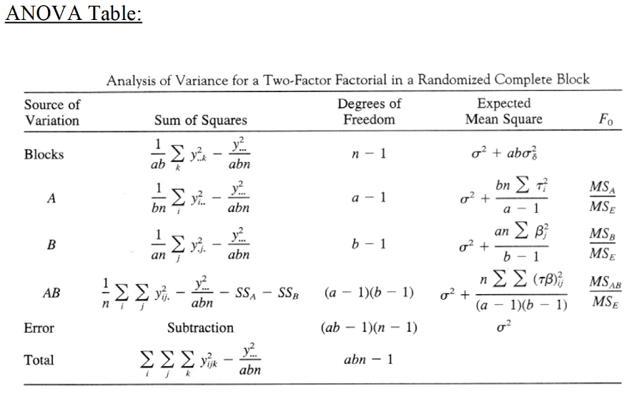
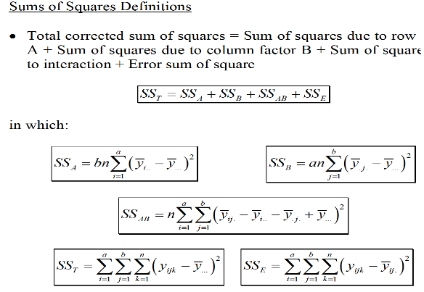
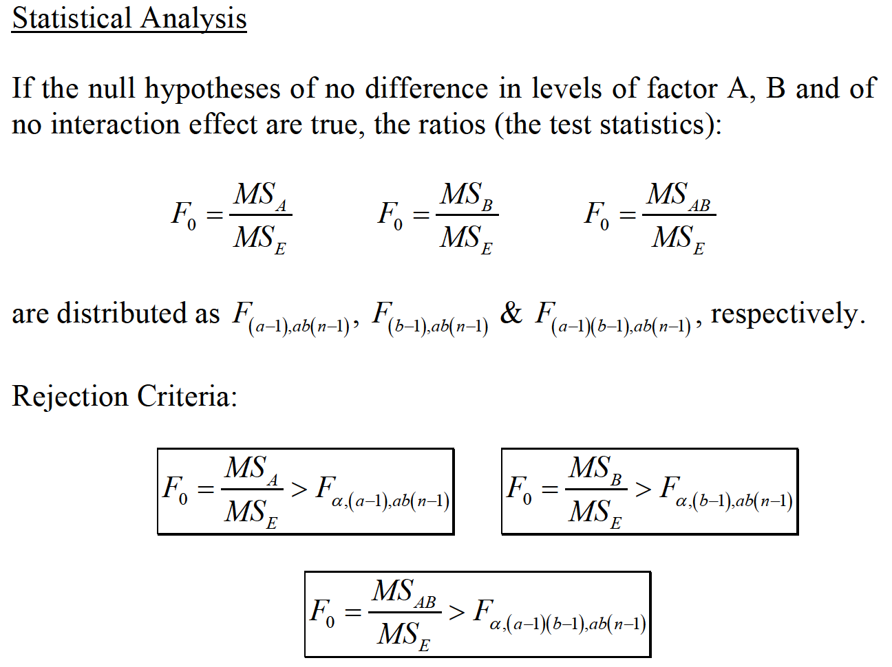
Temperature (0C) | Day 1 |  |  | Day 2
 | Copper content (%) |  |  | Copper content (%) |  |  | Yij. |  |  | Yi.. | Yi..(bar) | Yi..(bar) - Y…(bar)
 | 40 | 60 | 80 | 40 | 60 | 80 | 40 | 60 | 80
50 | 17 | 16 | 24 | 20 | 21 | 22 | 37 | 37 | 46 | 120.00 | 20.00 | 2.44
70 | 12 | 18 | 17 | 9 | 13 | 12 | 21 | 31 | 29 | 81.00 | 13.50 | -4.06
75 | 16 | 18 | 25 | 12 | 21 | 23 | 28 | 39 | 48 | 115.00 | 19.17 | 1.61
Y.jk | 45.00 | 52.00 | 66.00 | 41.00 | 55.00 | 57.00
Y.j. |  |  |  |  |  |  | 86.00 | 107.00 | 123.00
Y.j.(bar) |  |  |  |  |  |  | 14.33 | 17.83 | 20.50
Y.j.(bar) - Y…(bar) |  |  |  |  |  |  | -3.22 | 0.28 | 2.94
Y..k |  |  | 163 |  |  | 153 |  |  |  | 316.00 | 17.56

treatment count (Block) (k) | n | 2
treatment level (Factor A) (i) | a | 3
treatment level (Factor B) (j) | b | 3
 | abn | 18
 | alpha | 0.05

Yij^2 | Day 1 |  |  | Day 2
 | Copper content (%) |  |  | Copper content (%) |  |  | Yij. |  |  | Yi.. |  | Yi..(bar) - Y…(bar)
 | 40 | 60 | 80 | 40 | 60 | 80 | 40 | 60 | 80
50 | 289 | 256 | 576 | 400 | 441 | 484 | 1369 | 1369 | 2116 | 14400.00 |  | 5.98
70 | 144 | 324 | 289 | 81 | 169 | 144 | 441 | 961 | 841 | 6561.00 |  | 16.45
75 | 256 | 324 | 625 | 144 | 441 | 529 | 784 | 1521 | 2304 | 13225.00 |  | 2.60
Y.jk | 2025.00 | 2704.00 | 4356.00 | 1681.00 | 3025.00 | 3249.00 |  |  |  | 115
Y.j. |  |  |  |  |  |  | 7396.00 | 11449.00 | 15129.00
Y.j.(bar)
Y.j.(bar) - Y…(bar) |  |  |  |  |  |  | 10.38 | 0.08 | 8.67
Y..k |  |  | 26569 |  |  | 23409 |  |  |  | 99856.00

 | SSA | 150.11
 | SSB | 114.78
 | SSTotal | 368.44

Source of Variation | Sum of Squares | Degrees of Freedom | Expected Mean Square | F0 | Critical F
Blocks | 5.556 | 1 | 5.556 | 0.774 | 5.318
Factor(A) | 150.111 | 2 | 75.056 | 10.453 | 4.459
Factor(B) | 114.778 | 2 | 57.389 | 7.992 | 4.459
Iteration(AB) | 40.556 | 4 | 10.139 | 1.412 | 3.838
Error (SSError) | 57.444 | 8 | 7.181
Total (SSTotal) | 368.444 | 17

Treatment Average:
Row average (A) | 20.00 | 13.50 | 19.17
Row average (B) | 14.33 | 17.83 | 20.50

Q2-2022
 | Treatment | Block
 |  | 1 | 2 | 3 | 4
 | 1 | 35 | 39 | 37 | 43
 | 2 | 43 | -- | 33 | 57
 | 3 | 39 | 51 | 35 | 59
 | 4 | 23 | 37 | 27 | 37

 | Treatment (T) | Block (B) |  |  |  |  |  | Yij^2 | Block (B)
 |  | 1 | 2 | 3 | 4 |  |  |  | 1 | 2 | 3 | 4
 | 1 | 35 | 39 | 37 | 43 | 154 |  | 1 | 1225 | 1521 | 1369 | 1849
 | 2 | 43 |  | 33 | 57 | 133 |  | 2 | 1849 | 0 | 1089 | 3249
 | 3 | 39 | 51 | 35 | 59 | 184 |  | 3 | 1521 | 2601 | 1225 | 3481
 | 4 | 23 | 37 | 27 | 37 | 124 |  | 4 | 529 | 1369 | 729 | 1369
 |  | 140 | 127 | 132 | 196 | 595 |  |  |  |  |  |  | 24975
 | Total observation | 15

Least Square Normal Equation
 | µ | T1 | T2 | T3 | T4 | B1 | B2 | B3 | B4
µ | 15 | 4 | 3 | 4 | 4 | 4 | 3 | 4 | 4 | 595
T1 | 4 | 4 |  |  |  | 1 | 1 | 1 | 1 | 154
T2 | 3 |  | 3 |  |  | 1 | 0 | 1 | 1 | 133
T3 | 4 |  |  | 4 |  | 1 | 1 | 1 | 1 | 184
T4 | 4 |  |  |  | 4 | 1 | 1 | 1 | 1 | 124
B1 | 4 | 1 | 1 | 1 | 1 | 4 |  |  |  | 140
B2 | 3 | 1 | 0 | 1 | 1 |  | 3 |  |  | 127
B3 | 4 | 1 | 1 | 1 | 1 |  |  | 4 |  | 132
B4 | 4 | 1 | 1 | 1 | 1 |  |  |  | 4 | 196
Add | 0 | 1 | 1 | 1 | 1 | 0 | 0 | 0 | 0 | 0
Add | 0 | 0 | 0 | 0 | 0 | 1 | 1 | 1 | 1 | 0

µ | 15µ | 4T1 | 3T2 | 4T3 | 4T4 | 4B1 | 3B2 | 4B3 | 4B4 |  | 15µ+4T1+3T2+4T3+4T4+4B1+3B2+4B3+4B4
T1 | 4µ | 4T1 |  |  |  | 1B1 | 1B2 | 1B3 | 1B4 |  | 4µ+4T1+1B1+1B2+1B3+1B4
T2 | 3µ |  | 3T2 |  |  | 1B1 |  | 1B3 | 1B4 |  | 3µ+3T2+1B1+1B3+1B4
T3 | 4µ |  |  | 4T3 |  | 1B1 | 1B2 | 1B3 | 1B4 |  | 4µ+4T3+1B1+1B2+1B3+1B4
T4 | 4µ |  |  |  | 4T4 | 1B1 | 1B2 | 1B3 | 1B4 |  | 4µ+4T4+1B1+1B2+1B3+1B4
B1 | 4µ | 1T1 | 1T2 | 1T3 | 1T4 | 4B1 |  |  |  |  | 4µ+1T1+1T2+1T3+1T4+4B1
B2 | 3µ | 1T1 |  | 1T3 | 1T4 |  | 3B2 |  |  |  | 3µ+1T1+1T3+1T4+3B2
B3 | 4µ | 1T1 | 1T2 | 1T3 | 1T4 |  |  | 4B3 |  |  | 4µ+1T1+1T2+1T3+1T4+4B3
B4 | 4µ | 1T1 | 1T2 | 1T3 | 1T4 |  |  |  | 4B4 |  | 4µ+1T1+1T2+1T3+1T4+4B4

µ : 15µ+4T1+3T2+4T3+4T4+4B1+3B2+4B3+4B4 = 595
T1 : 4µ+4T1+1B1+1B2+1B3+1B4 = 154
T2 : 3µ+3T2+1B1+1B3+1B4 = 133
T3 : 4µ+4T3+1B1+1B2+1B3+1B4 = 184
T4 : 4µ+4T4+1B1+1B2+1B3+1B4 = 124
B1 : 4µ+1T1+1T2+1T3+1T4+4B1 = 140
B2 : 3µ+1T1+1T3+1T4+3B2 = 127
B3 : 4µ+1T1+1T2+1T3+1T4+4B3 = 132
B4 : 4µ+1T1+1T2+1T3+1T4+4B4 = 196

Reduce two redundant equations
 | µ | T1 | T2 | T3 | T4 | B1 | B2 | B3 | B4
T1 | 4 | 4 | 0 | 0 | 0 | 1 | 1 | 1 | 1 | 154
T2 | 3 | 0 | 3 | 0 | 0 | 1 | 0 | 1 | 1 | 133
T3 | 4 | 0 | 0 | 4 | 0 | 1 | 1 | 1 | 1 | 184
T4 | 4 | 0 | 0 | 0 | 4 | 1 | 1 | 1 | 1 | 124
B1 | 4 | 1 | 1 | 1 | 1 | 4 | 0 | 0 | 0 | 140
B2 | 3 | 1 | 0 | 1 | 1 | 0 | 3 | 0 | 0 | 127
B3 | 4 | 1 | 1 | 1 | 1 | 0 | 0 | 4 | 0 | 132
Add | 0 | 1 | 1 | 1 | 1 | 0 | 0 | 0 | 0 | 0
Add | 0 | 0 | 0 | 0 | 0 | 1 | 1 | 1 | 1 | 0

A-1 | T1 | T2 | T3 | T4 | B1 | B2 | B3 | Add | Add
µ | 0.056 | 0.083 | 0.056 | 0.056 | 0.000 | 0.028 | 0.000 | -0.250 | -0.250
T1 | 0.194 | -0.083 | -0.056 | -0.056 | 0.000 | -0.028 | 0.000 | 0.250 | 0.000
T2 | -0.083 | 0.250 | -0.083 | -0.083 | 0.000 | 0.083 | 0.000 | 0.250 | 0.000
T3 | -0.056 | -0.083 | 0.194 | -0.056 | 0.000 | -0.028 | 0.000 | 0.250 | 0.000
T4 | -0.056 | -0.083 | -0.056 | 0.194 | 0.000 | -0.028 | 0.000 | 0.250 | 0.000
B1 | -0.056 | -0.083 | -0.056 | -0.056 | 0.250 | -0.028 | 0.000 | 0.000 | 0.250
B2 | -0.083 | 0.000 | -0.083 | -0.083 | 0.000 | 0.333 | 0.000 | 0.000 | 0.250
B3 | -0.056 | -0.083 | -0.056 | -0.056 | 0.000 | -0.028 | 0.250 | 0.000 | 0.250
B4 | 0.194 | 0.167 | 0.194 | 0.194 | -0.250 | -0.278 | -0.250 | 0.000 | 0.250

Solution | µ | T1 | T2 | T3 | T4 | B1 | B2 | B3 | B4
X = A-1*B | 40.277777778 | -1.7777777778 | 5.3333333333 | 5.7222222222 | -9.2777777778 | -5.2777777778 | 3.8333333333 | -7.2777777778 | 8.7222222222

µ, T, B | 595 | 154 | 133 | 184 | 124 | 140 | 127 | 132 | 196

 | 23965.277778 | -273.77777778 | 709.33333333 | 1052.8888889 | -1150.4444444 | -738.88888889 | 486.83333333 | -960.66666667 | 1709.5555556

a | 4
b | 4
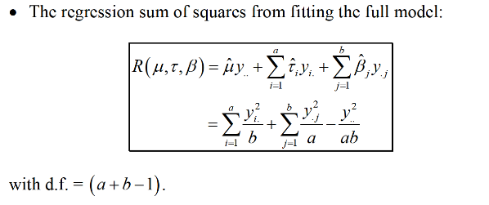
R(µ, T, B) | 24800.111111
df_R(µ, T, B) | 7 | (a+b-1(for total))-2(1 for each factor. We have two factors, so it is 2)
SSE | 174.88888889
DF_E | 8 | Total observation - df_R
MSE | 21.86111

With Reduce Model

 | µ | B1 | B2 | B3 | B4
µ | 15 | 4 | 3 | 4 | 4 | 595
B1 | 4 | 4 | 0 | 0 | 0 | 140
B2 | 3 | 0 | 3 | 0 | 0 | 127
B3 | 4 | 0 | 0 | 4 | 0 | 132
B4 | 4 | 0 | 0 | 0 | 4 | 196
Add | 0 | 1 | 1 | 1 | 1 | 0

A-1
 | 0.0625 | 0.083333333333 | 0.0625 | 0.0625 | -0.25
 | 0.1875 | -0.083333333333 | -0.0625 | -0.0625 | 0.25
 | -0.0625 | 0.25 | -0.0625 | -0.0625 | 0.25
 | -0.0625 | -0.083333333333 | 0.1875 | -0.0625 | 0.25
 | -0.0625 | -0.083333333333 | -0.0625 | 0.1875 | 0.25

Solution | µ | B1 | B2 | B3 | B4
X = A-1*B | 39.833333333 | -4.8333333333 | 2.5 | -6.8333333333 | 9.1666666667

µ, B | 595 | 140 | 127 | 132 | 196

 | 23700.833333 | -676.66666667 | 317.5 | -902 | 1796.6666667

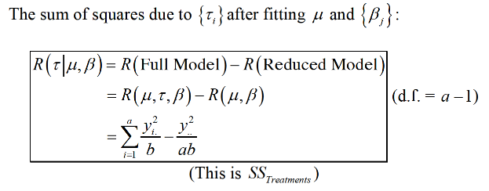
R(µ, B) | 24236.333333
df_R(µ, B) | 4
SSTreatment | 563.77777778
DF_T | 3
MS_Treatment | 187.92592593

Q3-2022
 | Treatment Combination | -1 | a | b | ab | c | ac | bc | abc
 | Replicate I | 196.6 | 197.5 | 197.7 | 195.6 | 198.4 | 197.6 | 199.6 | 197
 | Replicate II | 196 | 196.6 | 196 | 196.2 | 198.6 | 198.4 | 200.4 | 197.8

 | Treatment Combination | Replicate I | Replicate II | Total | A | B | C | AB | AC | BC | ABC |  | Treatment (K) | 3 | (a, b, c)
 | -1 | 196.6 | 196 | 392.6 | -1 | -1 | -1 | 1 | 1 | 1 | -1 |  | Total Treatment | 8
 | a | 197.5 | 196.6 | 394.1 | 1 | -1 | -1 | -1 | -1 | 1 | 1 |  | Replica | 2
 | b | 197.7 | 196 | 393.7 | -1 | 1 | -1 | -1 | 1 | -1 | 1 |  | Total | 16
 | ab | 195.6 | 196.2 | 391.8 | 1 | 1 | -1 | 1 | -1 | -1 | -1 |  | Estimation Division | 8 | 2^k-1*no of replica
 | c | 198.4 | 198.6 | 397 | -1 | -1 | 1 | 1 | -1 | -1 | 1 |  | SS Division | 16 | 2^k*no of replica
 | ac | 197.6 | 198.4 | 396 | 1 | -1 | 1 | -1 | 1 | -1 | -1
 | bc | 199.6 | 200.4 | 400 | -1 | 1 | 1 | -1 | -1 | 1 | -1
 | abc | 197 | 197.8 | 394.8 | 1 | 1 | 1 | 1 | 1 | 1 | 1
 |  |  | Y…= | 3160
 |  |  | Y…=^2 | 9985600

 | Yijk^2 | 38651.56 | 38416
 |  | 39006.25 | 38651.56
 |  | 39085.29 | 38416
 |  | 38259.36 | 38494.44
 |  | 39362.56 | 39441.96
 |  | 39045.76 | 39362.56
 |  | 39840.16 | 40160.16
 |  | 38809 | 39124.84
 | Total | 312059.94 | 312067.52 | 624127.46
 | SSTotal |  |  | 27.46

 | Calculation Result
 | Source of Variation | Contrast | Estimate | SS
 | A | -6.6 | -0.825 | 2.7225
 | B | 0.6 | 0.075 | 0.0225
 | C | 15.6 | 1.95 | 15.21
 | AB | -7.6 | -0.95 | 3.61
 | AC | -5.8 | -0.725 | 2.1025
 | BC | 3 | 0.375 | 0.5625
 | ABC | -0.8 | -0.1 | 0.04

 | ANOVA
 | Source of Variation | SS | DF | Mean Square | F0
 | A | 2.7225 | 1 | 2.7225 | 6.828
 | B | 0.0225 | 1 | 0.0225 | 0.056
 | C | 15.21 | 1 | 15.21 | 38.144
 | AB | 3.61 | 1 | 3.61 | 9.053
 | AC | 2.1025 | 1 | 2.1025 | 5.273
 | BC | 0.5625 | 1 | 0.5625 | 1.411
 | ABC | 0.04 | 1 | 0.04 | 0.100
 | Error | 3.19 | 8 | 0.39875
 | Total | 27.46 | 15

Effect Plot |  | -1 | 1 |  |  | -1 | 1 |  |  | -1 | 1
 | A | 197.9125 | 197.0875 |  | B | 197.4625 | 197.5375 |  | C | 196.525 | 198.475
Effect A

B |  | -1 | 1 |  | C |  | -1 | 1 |  | C |  | -1 | 1
A | A=-1 | 197 | 198 |  | A | A=-1 | 196.575 | 199.250 |  | B | B=-1 | 196.675 | 198.25
 | A=1 | 198 | 197 |  |  | A=1 | 196.475 | 197.700 |  |  | B=1 | 196.375 | 198.7

Q3-2021
 | Treatment Combination | -1 | a | b | ab | c | ac | bc | abc
 | Replicate I | 8.561 | 16.867 | 13.876 | 19.824 | 11.846 | 6.125 | 11.19 | 15.653
 | Replicate II | 8.951 | 17.052 | 13.658 | 19.639 | 12.337 | 5.904 | 10.935 | 15.053

 | Treatment Combination | Replicate I | Replicate II | Total | A | B | C | AB | AC | BC | ABC |  | Treatment (K) | 3 | (a, b, c)
 | -1 | 8.561 | 8.951 | 17.512 | -1 | -1 | -1 | 1 | 1 | 1 | -1 |  | Total Treatment | 8
 | a | 16.867 | 17.052 | 33.919 | 1 | -1 | -1 | -1 | -1 | 1 | 1 |  | Replica | 2
 | b | 13.876 | 13.658 | 27.534 | -1 | 1 | -1 | -1 | 1 | -1 | 1 |  | Total | 16
 | ab | 19.824 | 19.639 | 39.463 | 1 | 1 | -1 | 1 | -1 | -1 | -1 |  | Estimation Division | 8 | 2^k-1*no of replica
 | c | 11.846 | 12.337 | 24.183 | -1 | -1 | 1 | 1 | -1 | -1 | 1 |  | SS Division | 16 | 2^k*no of replica
 | ac | 6.125 | 5.904 | 12.029 | 1 | -1 | 1 | -1 | 1 | -1 | -1
 | bc | 11.19 | 10.935 | 22.125 | -1 | 1 | 1 | -1 | -1 | 1 | -1
 | abc | 15.653 | 15.053 | 30.706 | 1 | 1 | 1 | 1 | 1 | 1 | 1
 |  |  | Y…= | 207.471
 |  |  | Y…=^2 | 43044.215841

 | Yijk^2 | 73.290721 | 80.120401
 |  | 284.495689 | 290.770704
 |  | 192.543376 | 186.540964
 |  | 392.990976 | 385.690321
 |  | 140.327716 | 152.201569
 |  | 37.515625 | 34.857216
 |  | 125.2161 | 119.574225
 |  | 245.016409 | 226.592809
 | Total | 1491.396612 | 1476.348209 | 2967.744821
 | SSTotal |  |  | 277.48133094

 | Calculation Result
 | Source of Variation | Contrast | Estimate | SS
 | A | 24.763 | 3.095 | 38.325
 | B | 32.185 | 4.023 | 64.742
 | C | -29.385 | -3.673 | 53.967
 | AB | 16.257 | 2.032 | 16.518
 | AC | -31.909 | -3.989 | 63.637
 | BC | 1.053 | 0.132 | 0.069
 | ABC | 25.213 | 3.152 | 39.731

 | ANOVA
 | Source of Variation | SS | DF | Mean Square | F0
 | A | 38.325385563 | 1 | 38.325385563 | 623.798
 | B | 64.742139063 | 1 | 64.742139063 | 1053.766
 | C | 53.967389062 | 1 | 53.967389062 | 878.392
 | AB | 16.518128062 | 1 | 16.518128062 | 268.855
 | AC | 63.636517562 | 1 | 63.636517562 | 1035.771
 | BC | 0.0693005625 | 1 | 0.0693005625 | 1.128
 | ABC | 39.730960563 | 1 | 39.730960563 | 646.675
 | Error | 0.4915105 | 8 | 0.0614388125
 | Total | 277.48133094 | 15

Effect Plot |  | -1 | 1 |  |  | -1 | 1 |  |  | -1 | 1
 | A | 11.41925 | 14.514625 |  | B | 10.955375 | 14.9785 |  | C | 14.8035 | 11.130375
Effect A

B |  | -1 | 1 |  | C |  | -1 | 1 |  | C |  | -1 | 1
A | A=-1 | 10 | 12 |  | A | A=-1 | 11.262 | 11.577 |  | B | B=-1 | 12.85775 | 9.053
 | A=1 | 11 | 18 |  |  | A=1 | 18.346 | 10.684 |  |  | B=1 | 16.74925 | 13.20775

Q3-2020
 | Treatment Combination | -1 | a | b | ab | c | ac | bc | abc
 | Replicate I | 7.037 | 14.707 | 11.635 | 17.273 | 10.403 | 4.368 | 9.36 | 13.44
 | Replicate II | 6.376 | 15.219 | 12.089 | 17.815 | 10.151 | 4.098 | 9.253 | 12.923

 | Treatment Combination | Replicate I | Replicate II | Total | A | B | C | AB | AC | BC | ABC |  | Treatment (K) | 3 | (a, b, c)
 | -1 | 7.037 | 6.376 | 13.413 | -1 | -1 | -1 | 1 | 1 | 1 | -1 |  | Total Treatment | 8
 | a | 14.707 | 15.219 | 29.926 | 1 | -1 | -1 | -1 | -1 | 1 | 1 |  | Replica | 2
 | b | 11.635 | 12.089 | 23.724 | -1 | 1 | -1 | -1 | 1 | -1 | 1 |  | Total | 16
 | ab | 17.273 | 17.815 | 35.088 | 1 | 1 | -1 | 1 | -1 | -1 | -1 |  | Estimation Division | 8 | 2^k-1*no of replica
 | c | 10.403 | 10.151 | 20.554 | -1 | -1 | 1 | 1 | -1 | -1 | 1 |  | SS Division | 16 | 2^k*no of replica
 | ac | 4.368 | 4.098 | 8.466 | 1 | -1 | 1 | -1 | 1 | -1 | -1
 | bc | 9.36 | 9.253 | 18.613 | -1 | 1 | 1 | -1 | -1 | 1 | -1
 | abc | 13.44 | 12.923 | 26.363 | 1 | 1 | 1 | 1 | 1 | 1 | 1
 |  |  | Y…= | 176.147
 |  |  | Y…=^2 | 31027.765609

 | Yijk^2 | 49.519369 | 40.653376
 |  | 216.295849 | 231.617961
 |  | 135.373225 | 146.143921
 |  | 298.356529 | 317.374225
 |  | 108.222409 | 103.042801
 |  | 19.079424 | 16.793604
 |  | 87.6096 | 85.618009
 |  | 180.6336 | 167.003929
 | Total | 1095.090005 | 1108.247826 | 2203.337831
 | SSTotal |  |  | 264.10248044

 | Calculation Result
 | Source of Variation | Contrast | Estimate | SS
 | A | 23.539 | 2.942 | 34.630
 | B | 31.429 | 3.929 | 61.736
 | C | -28.155 | -3.519 | 49.544
 | AB | 14.689 | 1.836 | 13.485
 | AC | -32.215 | -4.027 | 64.863
 | BC | 0.483 | 0.060 | 0.015
 | ABC | 24.987 | 3.123 | 39.022

 | ANOVA
 | Source of Variation | SS | DF | Mean Square | F0
 | A | 34.630282563 | 1 | 34.630282563 | 343.280
 | B | 61.736377562 | 1 | 61.736377562 | 611.976
 | C | 49.544001563 | 1 | 49.544001563 | 491.116
 | AB | 13.485420062 | 1 | 13.485420062 | 133.677
 | AC | 64.862889063 | 1 | 64.862889063 | 642.968
 | BC | 0.0145805625 | 1 | 0.0145805625 | 0.145
 | ABC | 39.021885563 | 1 | 39.021885563 | 386.813
 | Error | 0.8070435 | 8 | 0.1008804375
 | Total | 264.10248044 | 15

Effect Plot |  | -1 | 1 |  |  | -1 | 1 |  |  | -1 | 1
 | A | 9.538 | 12.480375 |  | B | 9.044875 | 12.9735 |  | C | 12.768875 | 9.2495
Effect A

B |  | -1 | 1 |  | C |  | -1 | 1 |  | C |  | -1 | 1
A | A=-1 | 8 | 11 |  | A | A=-1 | 9.284 | 9.792 |  | B | B=-1 | 10.83475 | 7.255
 | A=1 | 10 | 15 |  |  | A=1 | 16.254 | 8.707 |  |  | B=1 | 14.703 | 11.244

Q4-2020
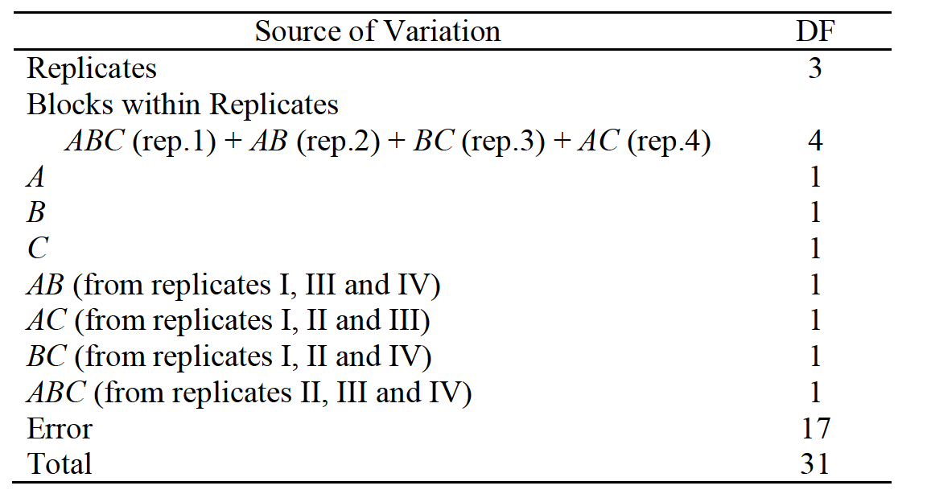
Replicate I |  |  |  | Replicate II
ABC confounded |  |  |  | AC confounded
-1 | 12 | a | 18 | -1 | 10 | a | 25
ab | 16 | b | 13 | b | 13 | c | 19
ac | 15 | c | 17 | ac | 21 | ab | 24
bc | 20 | abc | 15 | abc | 23 | bc | 17

Treatment Combination | -1 | a | b | ab | c | ac | bc | abc | Total
Replicate I | 12 | 18 | 13 | 16 | 17 | 15 | 20 | 15 | 126 | ABC confounded
Replicate II | 10 | 25 | 13 | 24 | 19 | 21 | 17 | 23 | 152 | AC confounded

Treatment Combination | Replicate I | Replicate II | Total | A | B | C | AB | AC | BC | ABC |  | Treatment (K) | 3 | (a, b, c)
-1 | 12 | 10 | 22 | -1 | -1 | -1 | 1 | 1 | 1 | -1 |  | Total Treatment (2^k) | 8
a | 18 | 25 | 43 | 1 | -1 | -1 | -1 | -1 | 1 | 1 |  | Replica | 2
b | 13 | 13 | 26 | -1 | 1 | -1 | -1 | 1 | -1 | 1 |  | Total (N) | 16
ab | 16 | 24 | 40 | 1 | 1 | -1 | 1 | -1 | -1 | -1 |  | Estimation Division | 8 | 2^k-1*no of replica
c | 17 | 19 | 36 | -1 | -1 | 1 | 1 | -1 | -1 | 1 |  | SS Division | 16 | 2^k*no of replica
ac | 15 | 21 | 36 | 1 | -1 | 1 | -1 | 1 | -1 | -1 |  | 𝛼 | 0.05
bc | 20 | 17 | 37 | -1 | 1 | 1 | -1 | -1 | 1 | -1
abc | 15 | 23 | 38 | 1 | 1 | 1 | 1 | 1 | 1 | 1
 |  | Y…= | 278
 |  | Y…=^2 | 77284

Yijk^2 | 144 | 100
 | 324 | 625
 | 169 | 169
 | 256 | 576
 | 289 | 361
 | 225 | 441
 | 400 | 289
 | 225 | 529
Total | 2032 | 3090 | 5122
SSTotal |  |  | 291.75
 |  |  |  |  |  |  |  |  |  |  | Block | Block
 |  |  |  | A | B | C | AB | AC-Rep-1 | BC | ABC-Rep-2 | AC-Block-2 | ABC-Block-1
 |  |  | Contrast | 36 | 4 | 16 | -6 | -16 | 2 | 8 | -18 | 0
 |  |  | Estimate | 4.5 | 0.5 | 2 | -0.75 | -4 | 0.25 | 2 | -4.5 | 0
 |  |  | SS | 81 | 1 | 16 | 2.25 | 32 | 0.25 | 8 | 40.5 | 0

Calculation Result
Source of Variation | Contrast | Estimate | SS
A | 36.000 | 4.500 | 81.000
B | 4.000 | 0.500 | 1.000
C | 16.000 | 2.000 | 16.000
AB | -6.000 | -0.750 | 2.250
AC-Rep-1 | -16.000 | -4.000 | 32.000
BC | 2.000 | 0.250 | 0.250
ABC-Rep-2 | 8.000 | 2.000 | 8.000
AC-Block-2 | -18.000 | -4.500 | 40.500
ABC-Block-1 | 0.000 | 0.000 | 0.000

ANOVA
Source of Variation | SS | DF | Mean Square | F0 | Critical F
Replicates | 42.25 | 1 | 42.25
Blocks within Replicates ABC-Rep-1+AC-Rep-2 | 40.5 | 2 | 20.25
A | 81 | 1 | 81 | 5.912 | 6.608
B | 1 | 1 | 1 | 0.073 | 6.608
C | 16 | 1 | 16 | 1.168 | 6.608
AB | 2.25 | 1 | 2.25 | 0.164 | 6.608
AC-Rep-1 | 32 | 1 | 32 | 2.336 | 6.608
BC | 0.25 | 1 | 0.25 | 0.018 | 6.608
ABC-Rep-2 | 8 | 1 | 8 | 0.584 | 6.608
Error | 68.5 | 5 | 13.7
Total | 291.75 | 15

At alpha=0.05, all effects are not significant (However, if we use a higher value of α we can conclude that A is significant).

Sheet2
$\sum_{i=1}^{4}{τi= \sum_{j=1}^{4}{β}j }$=0

