2016 Q1
 |  |  |  |  |  |  |  |  | Square

Operator | Machine |  |  |  | Machine |  |  |  | Operator | Machine |  |  |  | Machine
 | 1 | 2 | 3 | 4 | 1 | 2 | 3 | 4 |  | 1 | 2 | 3 | 4 | 1 | 2 | 3 | 4
1 | 17.9 | 17.8 | 18.1 | 17.8 | 18.1 | 17.8 | 18.2 | 17.9 | 1 | 320.41 | 316.84 | 327.61 | 316.84 | 327.61 | 316.84 | 331.24 | 320.41
2 | 18.2 | 18 | 18.4 | 18.1 | 18 | 18.3 | 18.1 | 18.5 | 2 | 331.24 | 324 | 338.56 | 327.61 | 324 | 334.89 | 327.61 | 342.25
3 | 18 | 17.8 | 18.1 | 18.1 | 17.8 | 18 | 18.3 | 17.9 | 3 | 324 | 316.84 | 327.61 | 327.61 | 316.84 | 324 | 334.89 | 320.41

Operator | Yij. |  |  |  | Yi.. | Yi..(bar) |  | Yi..(bar) - Y … (bar) | Operator | Yij. |  |  |  | Yi.. | Yi..(bar) |  | Yi..(bar) - Y … (bar)
 | 1 | 2 | 3 | 4 |  |  |  |  |  | 1 | 2 | 3 | 4
1 | 36 | 35.6 | 36.3 | 35.7 | 143.6 | 17.95 |  | -0.1 | 1 | 1296 | 1267.36 | 1317.69 | 1274.49 | 20620.96 | 322.2025 |  | 0.01
2 | 36.2 | 36.3 | 36.5 | 36.6 | 145.6 | 18.2 |  | 0.15 | 2 | 1310.44 | 1317.69 | 1332.25 | 1339.56 | 21199.36 | 331.24 |  | 0.0225
3 | 35.8 | 35.8 | 36.4 | 36 | 144 | 18 |  | -0.05 | 3 | 1281.64 | 1281.64 | 1324.96 | 1296 | 20736 | 324 |  | 0.0025

 |  |  |  |  | Y… | Y…(bar) |  |  |  |  |  |  |  | Y… | Y…(bar)
 |  |  |  |  | 433.2 | 18.05 |  |  |  |  |  |  |  | 187662.24 | 325.8025

 | Machine |  |  |  | Machine |  |  |  |  | Machine |  |  |  | Machine
 | 1 | 2 | 3 | 4 | 1 | 2 | 3 | 4 |  | 1 | 2 | 3 | 4 | 1 | 2 | 3 | 4
Y.jk | 54.1 | 53.6 | 54.6 | 54 | 53.9 | 54.1 | 54.6 | 54.3 | Y.jk | 2926.81 | 2872.96 | 2981.16 | 2916 | 2905.21 | 2926.81 | 2981.16 | 2948.49
Y..k | 216.3 |  |  |  | 216.9 |  |  |  | Y..k | 46785.69 |  |  |  | 47045.61

 | 1 | 2 | 3 | 4 |  |  |  |  |  | 1 | 2 | 3 | 4
Y.j. | 108 | 107.7 | 109.2 | 108.3 |  |  |  |  | Y.j. | 11664 | 11599.29 | 11924.64 | 11728.89
Y.j.(bar) | 18 | 17.95 | 18.2 | 18.05 |  |  |  |  | Y.j.(bar) | 324 | 322.2025 | 331.24 | 325.8025
Y.j.(bar) - Y … (bar) | -0.05 | -0.1 | 0.15 | 0 |  |  |  |  | Y.j.(bar) - Y … (bar) | 0.0025 | 0.01 | 0.0225 | 0

Treatment count (k) [Block] | n | 2
Treatment level (i) [Factor A] | a | 3
Treatment level (j) [Factor B] | b | 4
 | abn | 24
 | Alpha | 0.05

SSA | 0.28
SSB | 0.21
SSTotal | 0.9

Source of Variation | Sum of Squares | Degrees of Freedom | Expected Mean Square | F0 | Critical F | p value
Factor ( A ) | 0.28 | 2 | 0.14 | 5.5999999998 | 3.8852938347 | 0.019149593835
Factor ( B ) | 0.21 | 3 | 0.069999999998 | 2.7999999999 | 3.4902948195 | 0.085334562583
Iteration ( AB ) | 0.11 | 6 | 0.018333333333 | 0.7333333333 | 2.9961203775 | 0.63250586014
Error ( SS_Error ) | 0.30000000001 | 12 | 0.025
Total ( SS_Total ) | 0.9 | 23 | 0.039130434782

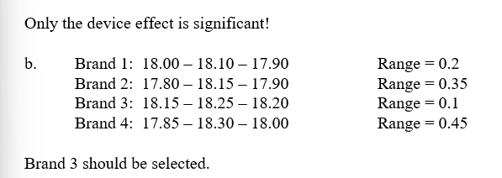
 | A | B | C |  | Max | Min |  | Range
Brand 1: | 18 | 18.1 | 17.9 |  | 18.1 | 17.9 |  | 0.2
Brand 2: | 17.8 | 18.15 | 17.9 |  | 18.15 | 17.8 |  | 0.35
Brand 3: | 18.15 | 18.25 | 18.2 |  | 18.25 | 18.15 |  | 0.1
Brand 4: | 17.85 | 18.3 | 18 |  | 18.3 | 17.85 |  | 0.45

2019 Q1
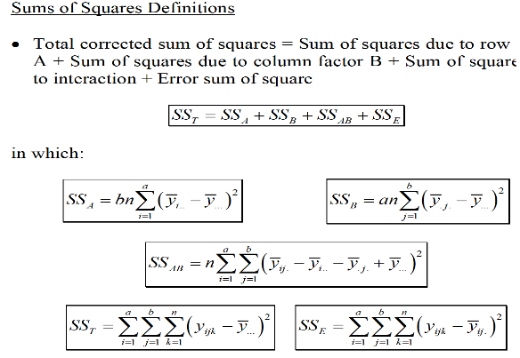
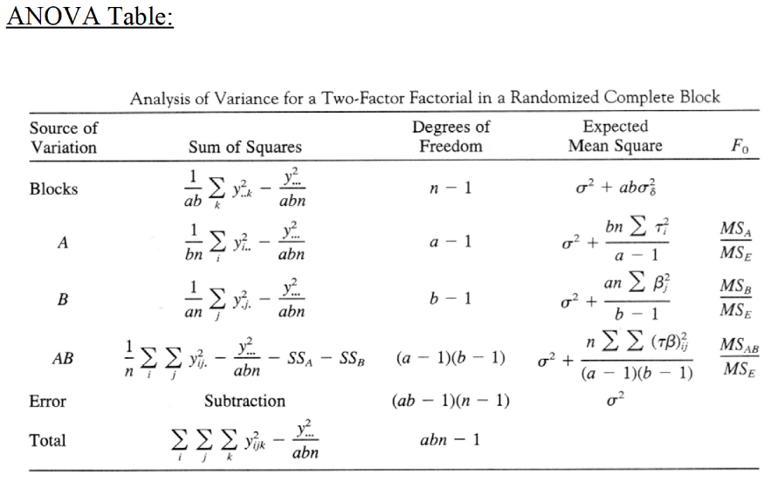
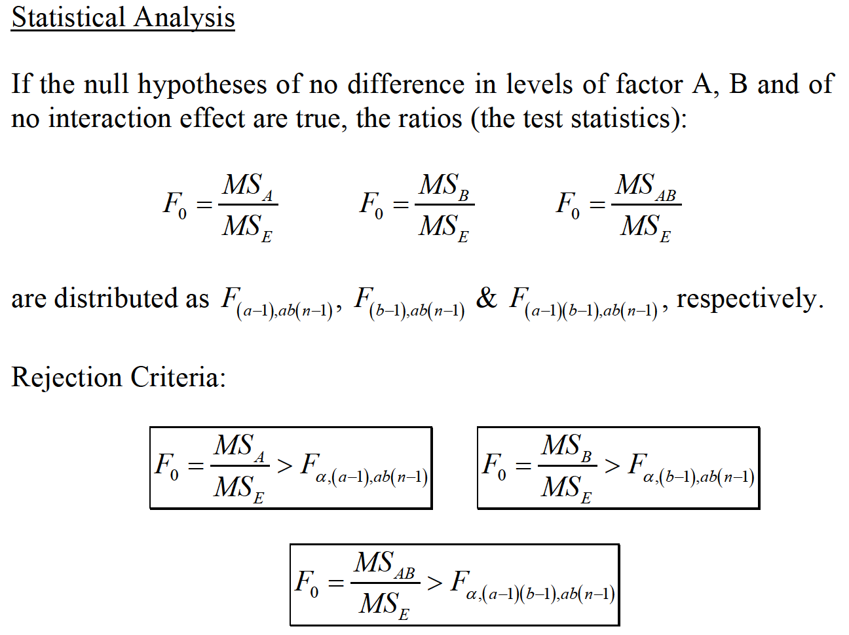
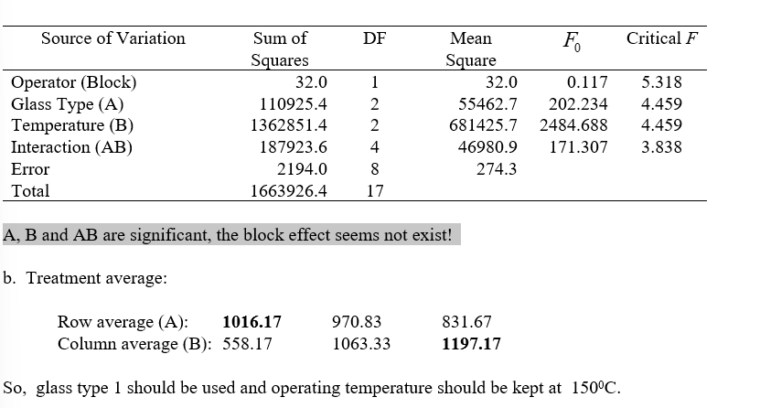
 |  |  |  |  |  |  |  | Square

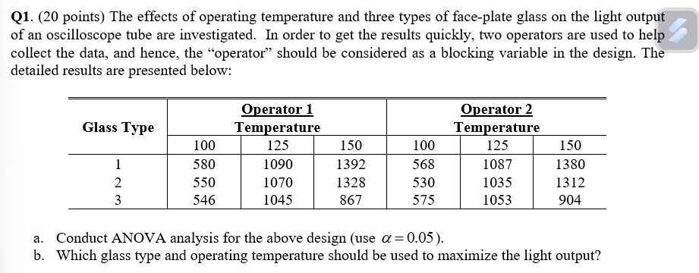
Glass Type | Operator1 |  |  | Operator2 |  |  |  | Glass Type | Operator1 |  |  | Operator2
 | Temperature |  |  | Tempurature |  |  |  |  | Temperature |  |  | Tempurature
 | 100 | 25 | 150 | 100 | 25 | 150 |  |  | 100 | 25 | 150 | 100 | 25 | 150
1 | 580 | 1090 | 1392 | 568 | 1087 | 1380 |  | 1 | 336400 | 1188100 | 1937664 | 322624 | 1181569 | 1904400
2 | 550 | 1070 | 1328 | 530 | 1035 | 1312 |  | 2 | 302500 | 1144900 | 1763584 | 280900 | 1071225 | 1721344
3 | 546 | 1045 | 867 | 575 | 1053 | 904 |  | 3 | 298116 | 1092025 | 751689 | 330625 | 1108809 | 817216

Glass Type | Yij. |  |  | Yi.. | Yi..(bar) |  |  | Glass Type | Yij. |  |  | Yi.. | Yi..(bar)
 | 100 | 25 | 150 |  |  |  | Yi..(bar) - Y … (bar) |  | 100 | 25 | 150 |  |  |  | Yi..(bar) - Y … (bar)
1 | 1148 | 2177 | 2772 | 6097 | 1016.1666667 |  | 76.611111111 | 1 | 1317904 | 4739329 | 7683984 | 37173409 | 1032594.6944 |  | 5869.2623457
2 | 1080 | 2105 | 2640 | 5825 | 970.83333333 |  | 31.277777778 | 2 | 1166400 | 4431025 | 6969600 | 33930625 | 942517.36111 |  | 978.29938272
3 | 1121 | 2098 | 1771 | 4990 | 831.66666667 |  | -107.88888889 | 3 | 1256641 | 4401604 | 3136441 | 24900100 | 691669.44444 |  | 11640.012346
 |  |  |  | 16912 | 939.55555556 |  |  |  |  |  |  | 286015744 | 882764.64198
 |  |  |  |  | Y… (bar) |  |  |  |  |  |  |  | Yi … (bar)

 | Operator 1 |  |  | Operator 2 |  |  |  |  | Operator 1 |  |  | Operator 2
 | Temperature |  |  | Temperature |  |  |  |  | Temperature |  |  | Temperature
 | 100 | 25 | 150 | 100 | 25 | 150 |  |  | 100 | 25 | 150 | 100 | 25 | 150
Y.jk | 1676 | 3205 | 3587 | 1673 | 3175 | 3596 |  | Y.jk | 2808976 | 10272025 | 12866569 | 2798929 | 10080625 | 12931216
Y..k | 8468 |  |  | 8444 |  |  | 16912 | Y..k | 71707024 |  |  | 71301136 |  |  | 143008160

 | 100 | 25 | 150 |  |  |  |  |  | 100 | 25 | 150
Y.j. | 3349 | 6380 | 7183 |  |  |  |  | Y.j. | 11215801 | 40704400 | 51595489
Y.j.(bar) | 558.16666667 | 1063.3333333 | 1197.1666667 |  |  |  |  | Y.j.(bar) | 311550.02778 | 1130677.7778 | 1433208.0278
Y.j.(bar) - Y … (bar) | -381.38888889 | 123.77777778 | 257.61111111 |  |  |  |  | Y.j.(bar) - Y … (bar) | 145457.48457 | 15320.938272 | 66363.484568

Treatment count (k) [Block] | n | 2
Treatment level (i) [Factor A] | a | 3
Treatment level (j) [Factor B] | b | 3
 | abn | 18
 | Alpha | 0.05

SSA | 110925.44444
SSB | 1362851.4444
SSTotal | 1663926.4444

Source of Variation | Sum of Squares | Degrees of Freedom | Expected Mean Square | F0 | Critical F
Operator ( Block ) | 32 | 1 | 32 | 0.11668185962 | 5.3176550716
Glass Type ( A ) | 110925.44444 | 2 | 55462.722222 | 202.23417401 | 4.4589701075
Temperature ( B ) | 1362851.4444 | 2 | 681425.72222 | 2484.6881394 | 4.4589701075
Iteraction ( AB ) | 187923.55556 | 4 | 46980.888889 | 171.30679631 | 3.8378533546
Error ( SS_Error ) | 2194 | 8 | 274.25
Total ( SS_Total ) | 1663926.4444 | 17

A, B and AB are significant, the block effect seems not exist!

Treatment Average
Row Average ( A ) | 1016.1666667 | 970.83333333 | 831.66666667
Row Average ( B ) | 558.16666667 | 1063.3333333 | 1197.1666667

So, glass type 1 should be used and operating temperature should be kept at 1500C.

