Round 1
 | Position | Player | Team | Points |  |  | Notes
Ben | Forward 1 | Nathan MacKinnon | Avalanche | 9 |  |  | Goalie points - 2 ponts per win + 2 for shutout
 | Forward 2 | Brad Marchand | Bruins | 8
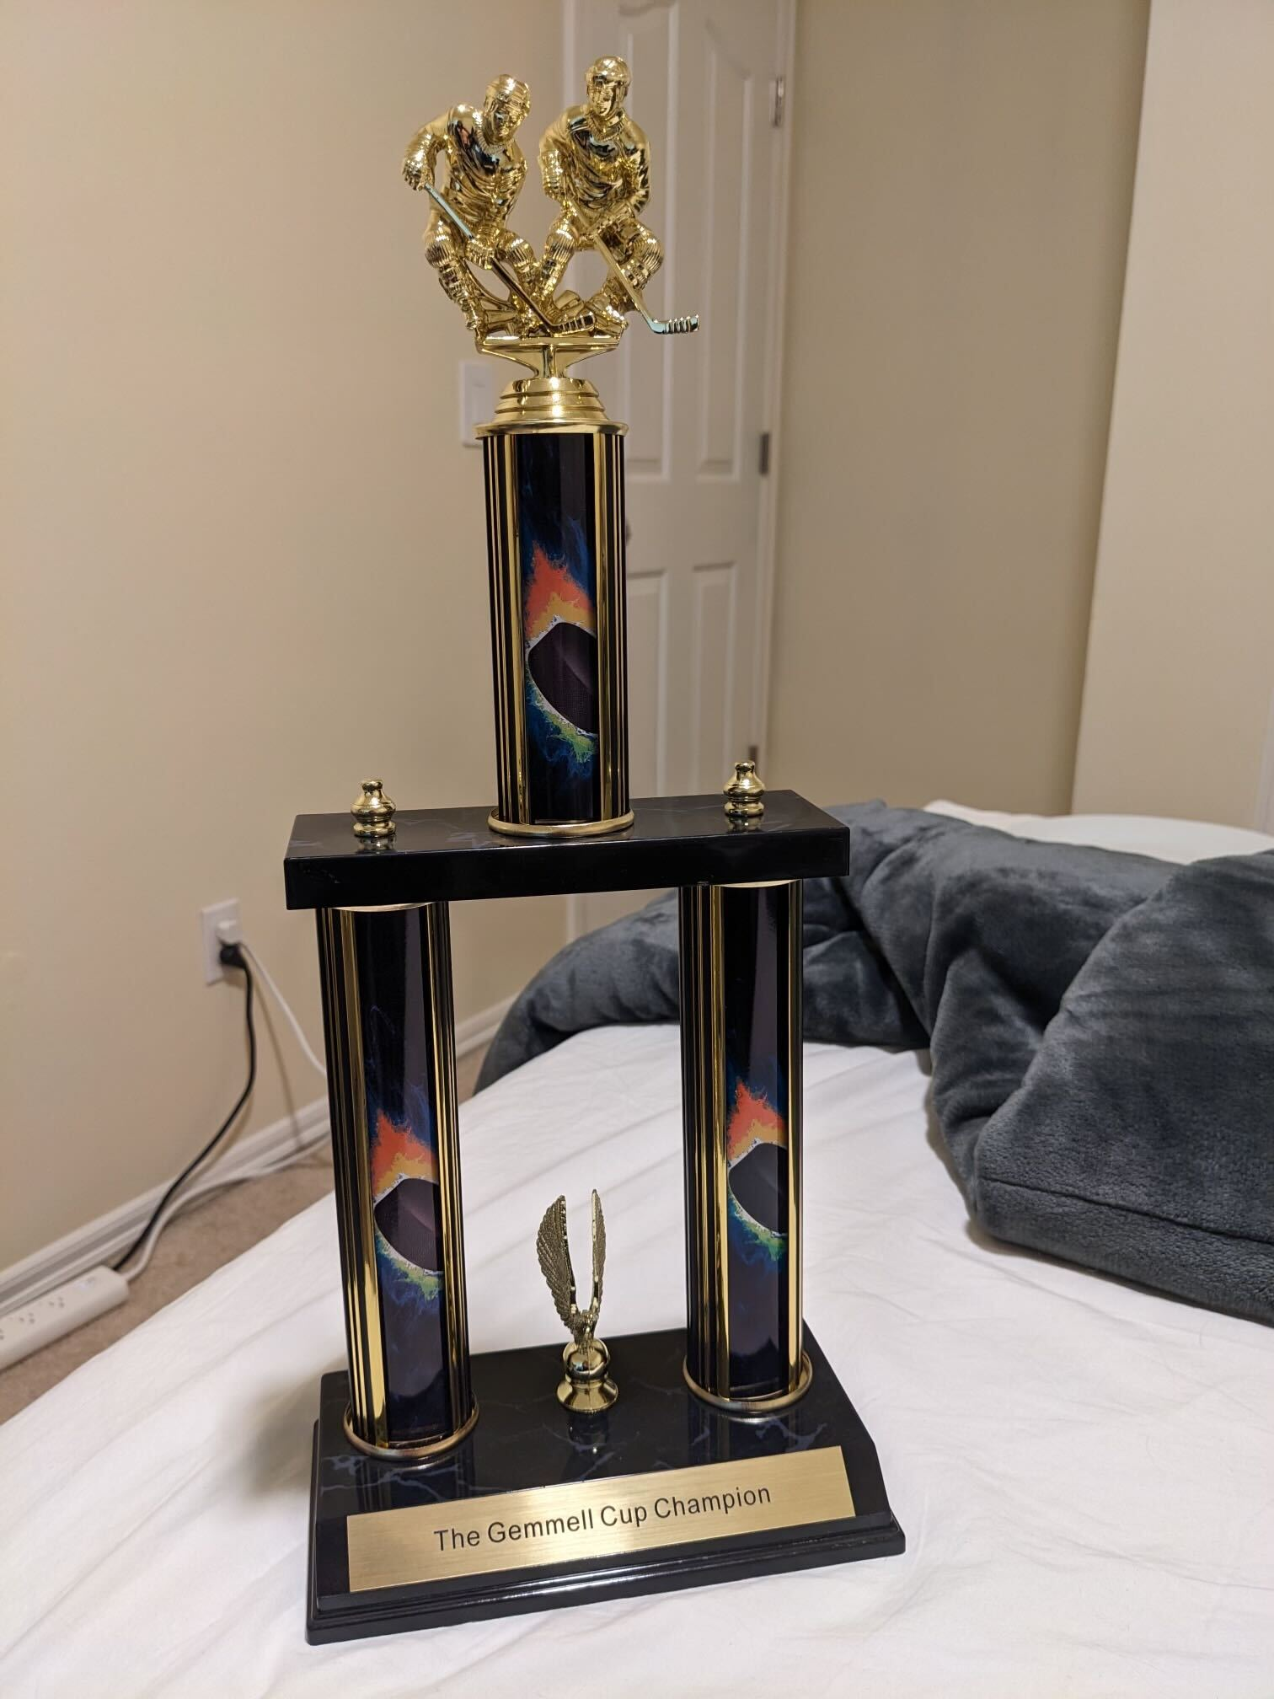
 | Forward 3 | Alex Ovechkin | Capitals | 0
 | Forward 4 | Elias Petterson | Canucks | 3
 | Forward 5 | Ross Colton | Avalanche | 3
 | Defense 1 | Noah Dobson | Islanders | 1
 | Defense 2 | Shea Theodore | Knights | 0
 | Defense 3 | Charlie McAvoy | Bruins | 4 |  | Order
 | Goalie 1 | Panthers Goalie (Sergei Bobrovsky) | Panthers | 8 |  | Levi
 | Total |  |  | 36 |  | Ben
Judah | Forward 1 | Leon Draisaitl | Oilers | 10 |  | Kyle
 | Forward 2 | JT Miller | Canucks | 6 |  | Judah
 | Forward 3 | Matthew Tkachuk | Panthers | 9
 | Forward 4 | Jonathan Marchessault | Knights | 4 |  | Last Updated
 | Forward 5 | Corey Perry | Oilers | 0 |  | 2024-05-05
 | Defense 1 | Quinn Hughes | Canucks | 5
 | Defense 2 | Victor Hedman | Lightning | 7 |  | Current Max
 | Defense 3 | Drew Doughty | Kings | 3 |  | 53
 | Goalie 1 | Rangers (Igor Shesterkin) | Rangers | 8
 | Total |  |  | 52 |  | Current Winner
Kyle | Forward 1 | Nikita Kucherov | Lightning | 7 |  | Kyle
 | Forward 2 | David Pastrnak | Bruins | 5
 | Forward 3 | Mikko Rantanen | Avalanche | 9 | Points when drafted | Current Points
 | Forward 4 | Zach Hyman | Oilers | 3 | 5 | 8
 | Forward 5 | Jake DeBrusk | Bruins | 5
 | Defense 1 | Evan Bouchard | Oilers | 9 |  |  | Statistics
 | Defense 2 | Adam Fox | Rangers | 2
 | Defense 3 | Morgan Rielly | Leafs | 3
 | Goalie 1 | Canucks Goalie (Thatcher Demko) | Canucks | 10
 | Total |  |  | 53 |  |  | Scoring
Levi | Forward 1 | Connor McDavid | Oilers | 12 |  |  | Points = goals + assists.
 | Forward 2 | Auston Matthews | Leafs | 4 |  |  | goalie is 2 points/win + 2 for shutouts
 | Forward 3 | Artemi Panarin | Rangers | 3
 | Forward 4 | Mitch Marner | Leafs | 3
 | Forward 5 | Pierre-Luc Dubois | Kings | 1 |  |  | Teams Scored
 | Defense 1 | Cale Makar | Avalanche | 9
 | Defense 2 | Roman Josi | Predators | 3
 | Defense 3 | Josh Morrissey | Jets | 4 |  |  | Round 1 Point Potential per Series
 | Goalie 1 | Hurricanes Goalie (Pyotr Kochetkov) | Hurricanes | 8 |  |  | 23.5
 | Total |  |  | 47

