Sheet1
Minutes | Weight | (x-) | (y-) | (x-)*(y-) | (x-)^2 | (y-)^2
90 | 180 | 26.875 | 1.75 | 47.03125 | 722.265625 | 3.0625 |  | Coeff, r = |  | Sy | Sx | Sy / Sx | b=r*(Sy/Sx)
50 | 178 | -13.125 | -0.25 | 3.28125 | 172.265625 | 0.0625 |  | 0.34996667442 |  | 1.4880476183 | 12.275847367 | 0.12121750734 | 0.04242208792511
60 | 179 | -3.125 | 0.75 | -2.34375 | 9.765625 | 0.5625
70 | 177 | 6.875 | -1.25 | -8.59375 | 47.265625 | 1.5625 |  |  = | 178.25 |  | a = (- b *)
62 | 180 | -1.125 | 1.75 | -1.96875 | 1.265625 | 3.0625 |  |  = | 63.125 |  | 175.5721057
55 | 179 | -8.125 | 0.75 | -6.09375 | 66.015625 | 0.5625 |  | b = | 0.042422087925
58 | 177 | -5.125 | -1.25 | 6.40625 | 26.265625 | 1.5625
60 | 176 | -3.125 | -2.25 | 7.03125 | 9.765625 | 5.0625 |  | Predicted y variable mean
63.125 | 178.25 |  |  | 44.75 | 1054.875 | 15.5 |  | 178.11743098

 |  |  |  |  |  | median= | 60

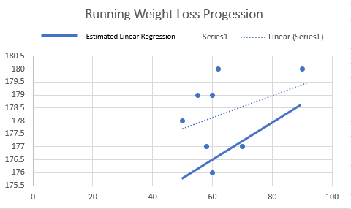
 |  |  |  |  |  |  |  |  | Explanation:
 |  |  |  |  |  |  |  |  | To start off, I found the mean of the Minutes and Weight column, which is found in cells G10 and H10 respectively.
 |  |  |  |  |  |  |  |  | Then for each X variable (Minutes), I subtracted the mean in column I.
 |  |  |  |  |  |  |  |  | Eventually moving on to do the same for the Y variable (Weight), in column J.
 |  |  |  |  |  |  |  |  | After this was done I multiplied column I by column J located in column K, and included the sum of these values in cell K10.
 |  |  |  |  |  |  |  |  | Next I took column I, and squared each cell and was placed in column L, with the sum of these values in cell L10.
 |  |  |  |  |  |  |  |  | I did the same process as the previous step in column M, for the values in column J, with the sum of these values in M10.
 |  |  |  |  |  |  |  |  | The next step was to find the correlation coefficient, r and did so in cell O3 with the forumla r = (44.75)/√(1054.875*15.5), and found
 |  |  |  |  |  |  |  |  | the value of r = 0.34996674. This means there is a moderate correlation between minutes ran and weight lost.
 |  |  |  |  |  |  |  |  | Next up was to find b, the slope of the regression line. I first found values Sy and Sx in cells Q3 and R3 respectively.
 |  |  |  |  |  |  |  |  | Sy was found by the formula √(15.5/7) and Sx was found by the forumla √(1054.875/7). Meaning Sy = 1.488048 and Sx = 12.2758474.
 |  |  |  |  |  |  |  |  | Next, I divided Sy from Sx in cell S3, for the value of 0.121218. Now I am able to find the value of b.
 |  |  |  |  |  |  |  |  | b = r*(Sy/Sx), so the equation was b = O3*S3 or b = 0.349966674 * 0.121218, => b = 0.0424220879 in cell T3.
 |  |  |  |  |  |  |  |  | Next up was to find the y intercept (a) of the regression line. This was done in cell R6.
 |  |  |  |  |  |  |  |  | This formula was a =  - b, or a = 178.25 - (0.042422*63.125), which turned out to be => a = 175.572106.
 |  |  |  |  |  |  |  |  | The last step was to find the predicted y variable mean. This was done in cell O10 with the formula y = a + bx, while utilizing
 |  |  |  |  |  |  |  |  | the estimated median of 60. So, y = 175.572106 + (0.0424220879 * 60) => y = 178.117431 which is our new predicted mean value of
 |  |  |  |  |  |  |  |  | weight loss progression.
 |  |  |  |  |  |  |  |  | In my scatter plot to side, the dotted line labeled Linear (Series1) is the actual linear regression trendline calculated through excel,
 |  |  |  |  |  |  |  |  | while the Estimated Linear Regression Line (which is what I calculated above) is the solid line.

