Sheet1
Charger Design

Charger Design Specifications |  |  | Component Values

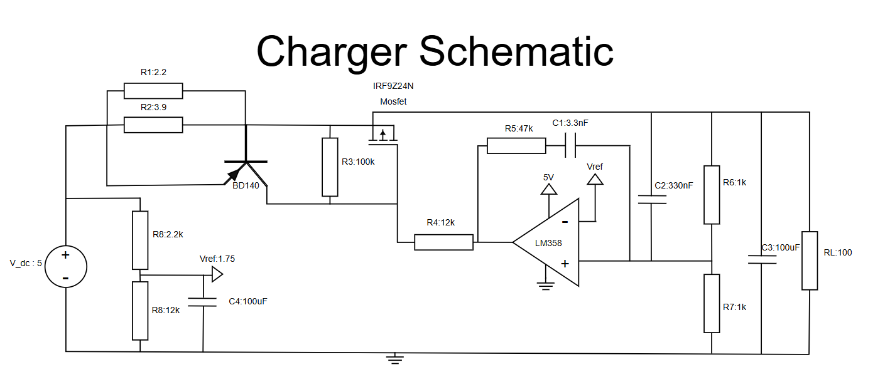
Parameter | Value | Unit
Vin | 5.00 | V
Min Vout(avg) | 0.00 | V
Max Vout(avg) | 3.50 | V
Max Current(avg) | 0.50 | A
Max Pout(avg) | 1.75 | W
Min Pout(avg) | 0.00 | W
Voltage Regulation | 5.00 | %

Evaluating Key Mosfet Parameters (Theoretical)

Parameter | Value | Unit (eq)
Selected Mosfet | IRF9Z24N
Max Source Voltage | 5.00 | V
Source Voltage @ Max ID | 4.30 | V
Stead State Gate Voltage | 3.50 | V
Expected Drain Voltage(min) | 2.50 | V
Expected Drain Voltage(max) | 3.50 | V
Max ID | 0.50 | A
Power Dissipation @ 2.5Vout | 0.90 | W
Power Dissipation @ 3.5Vout | 0.40 | W

Evaluating Key Opamp Parameters (Theoretical)

Parameter | Value | Unit (eq)
Selected Opamp | LM358
Supply Voltage | 5.00 | V
Vref | 1.75 | V
Steady State Output Voltage | 3.50 | V |  | Evaluating Steady-State Operating Conditions (Theoretical) |  |  |  |  |  |  |  |  |  |  | Evaluating Steady-State Operating Conditions (Simulation)
Feedback Voltage @ 2.5 Vout | 1.25 | V
Feedback Voltage @ 3.5 Vout | 1.75 | V |  | Parameter | Value | Unit (eq) | Value | Unit (eq) | Value | Unit (eq) | Value | Unit (eq) | Value | Unit (eq) | Parameter | Value | Unit (eq) | Value | Unit (eq) | Value | Unit (eq) | Value | Unit (eq) | Value | Unit (eq)
 |  |  | Vin = 5 V | Vin | 5.00 | V | 5.00 | V | 5.00 | V | 5.00 | V | 5.00 | V | Vin
 |  |  | Vout = Iout × Rload | Vout | 3.50 | V | 3.50 | V | 3.50 | V | 1.50 | V | 0.50 | V | Vout
 |  |  | Iout = MIN(3.5/Rload, Ilimit) | Iout | 0.035 | A | 0.35 | A | 0.50 | A | 0.50 | A | 0.50 | A | Iout
 |  |  | Selected test value | Rload | 100.00 | Ω | 10.00 | Ω | 7.00 | Ω | 3.00 | Ω | 1.00 | Ω | Rload
 |  |  | Vref = Vout(target) × R7/(R6+R7) | Vref | 1.75 | V | 1.75 | V | 1.75 | V | 1.75 | V | 1.75 | V | Vref
Evaluating Key BJT Parameters (Theoretical) |  |  | Vfb = Vout × R7/(R6+R7) | Vfb | 1.75 | V | 1.75 | V | 1.75 | V | 0.75 | V | 0.25 | V | Vfb
 |  |  | Vopamp = Vgate (assumed 3.5 V) | Vopamp | 3.50 | V | 3.50 | V | 3.50 | V | 3.50 | V | 3.50 | V | Vopamp
Parameter | Value | Unit (eq) | Vsource = Vin - (Iout × Rsense) | Vsource | 4.95 | V | 4.51 | V | 4.30 | V | 4.30 | V | 4.30 | V | Vsource
Selected BJT | BD140 |  | Vdrain = Vout | Vdrain | 3.50 | V | 3.50 | V | 3.50 | V | 1.50 | V | 0.50 | V | Vdrain
Emitter Voltage | 5.00 | V | VGS = Vgate - Vsource | VGS | -1.45 | V | -1.01 | V | -0.80 | V | -0.80 | V | -0.80 | V | VGS
VEB Turn on voltage | 0.71 | V | VDS = Vdrain - Vsource | VDS | -1.45 | V | -1.01 | V | -0.80 | V | -2.80 | V | -3.80 | V | VDS
Base Voltage @ Current Limit | 4.30 | V | Pmos = ABS(VDS) × ID | Mpower | 0.05 | W | 0.35 | W | 0.40 | W | 1.40 | W | 1.90 | W | Mpower
Sense Resitance | 1.41 | Ω | Vrsense = Iout × Rsense | Vrsense | 0.05 | V | 0.49 | V | 0.70 | V | 0.70 | V | 0.70 | V | Vrsense
Current Limit | 0.50 | A | Vbase = Vin - Vrsense | Vbjt,base | 4.95 | V | 4.51 | V | 4.30 | V | 4.30 | V | 4.30 | V | Vbjt,base

