gmres & ilu('nofill')
Residual
10 | 0.47
50 | 0.075
100 | 0.0085
250 | 0.0000052
434 | 1.7E-12
Time
 | gmres | Standard Method
10 | 1.88 | 967
50 | 10.29 | 967
100 | 26.05 | 967
250 | 138.87 | 967
434 | 382.23 | 967
Residual
10 | 0.47
50 | 0.075
100 | 0.0085
250 | 0.0000052
434 | 1.7E-12
Time
 | gmres |  | Standard Method
10 | 1.88 | 10 | 967
50 | 10.29 | 100 | 967
100 | 26.05 | 250 | 967
250 | 138.87 | 500 | 967
434 | 382.23 | 750 | 967
 |  | 1000 | 967
No Preconditioner
Iterations | Residual | Time (s) | Time (min)
10 | 0.47 | 1.88 | 0.03
50 | 0.075 | 10.29 | 0.17
100 | 0.0085 | 26.05 | 0.43
250 | 5.20E-06 | 138.87 | 2.31
434 | 1.70E-12 | 382.23 | 6.37

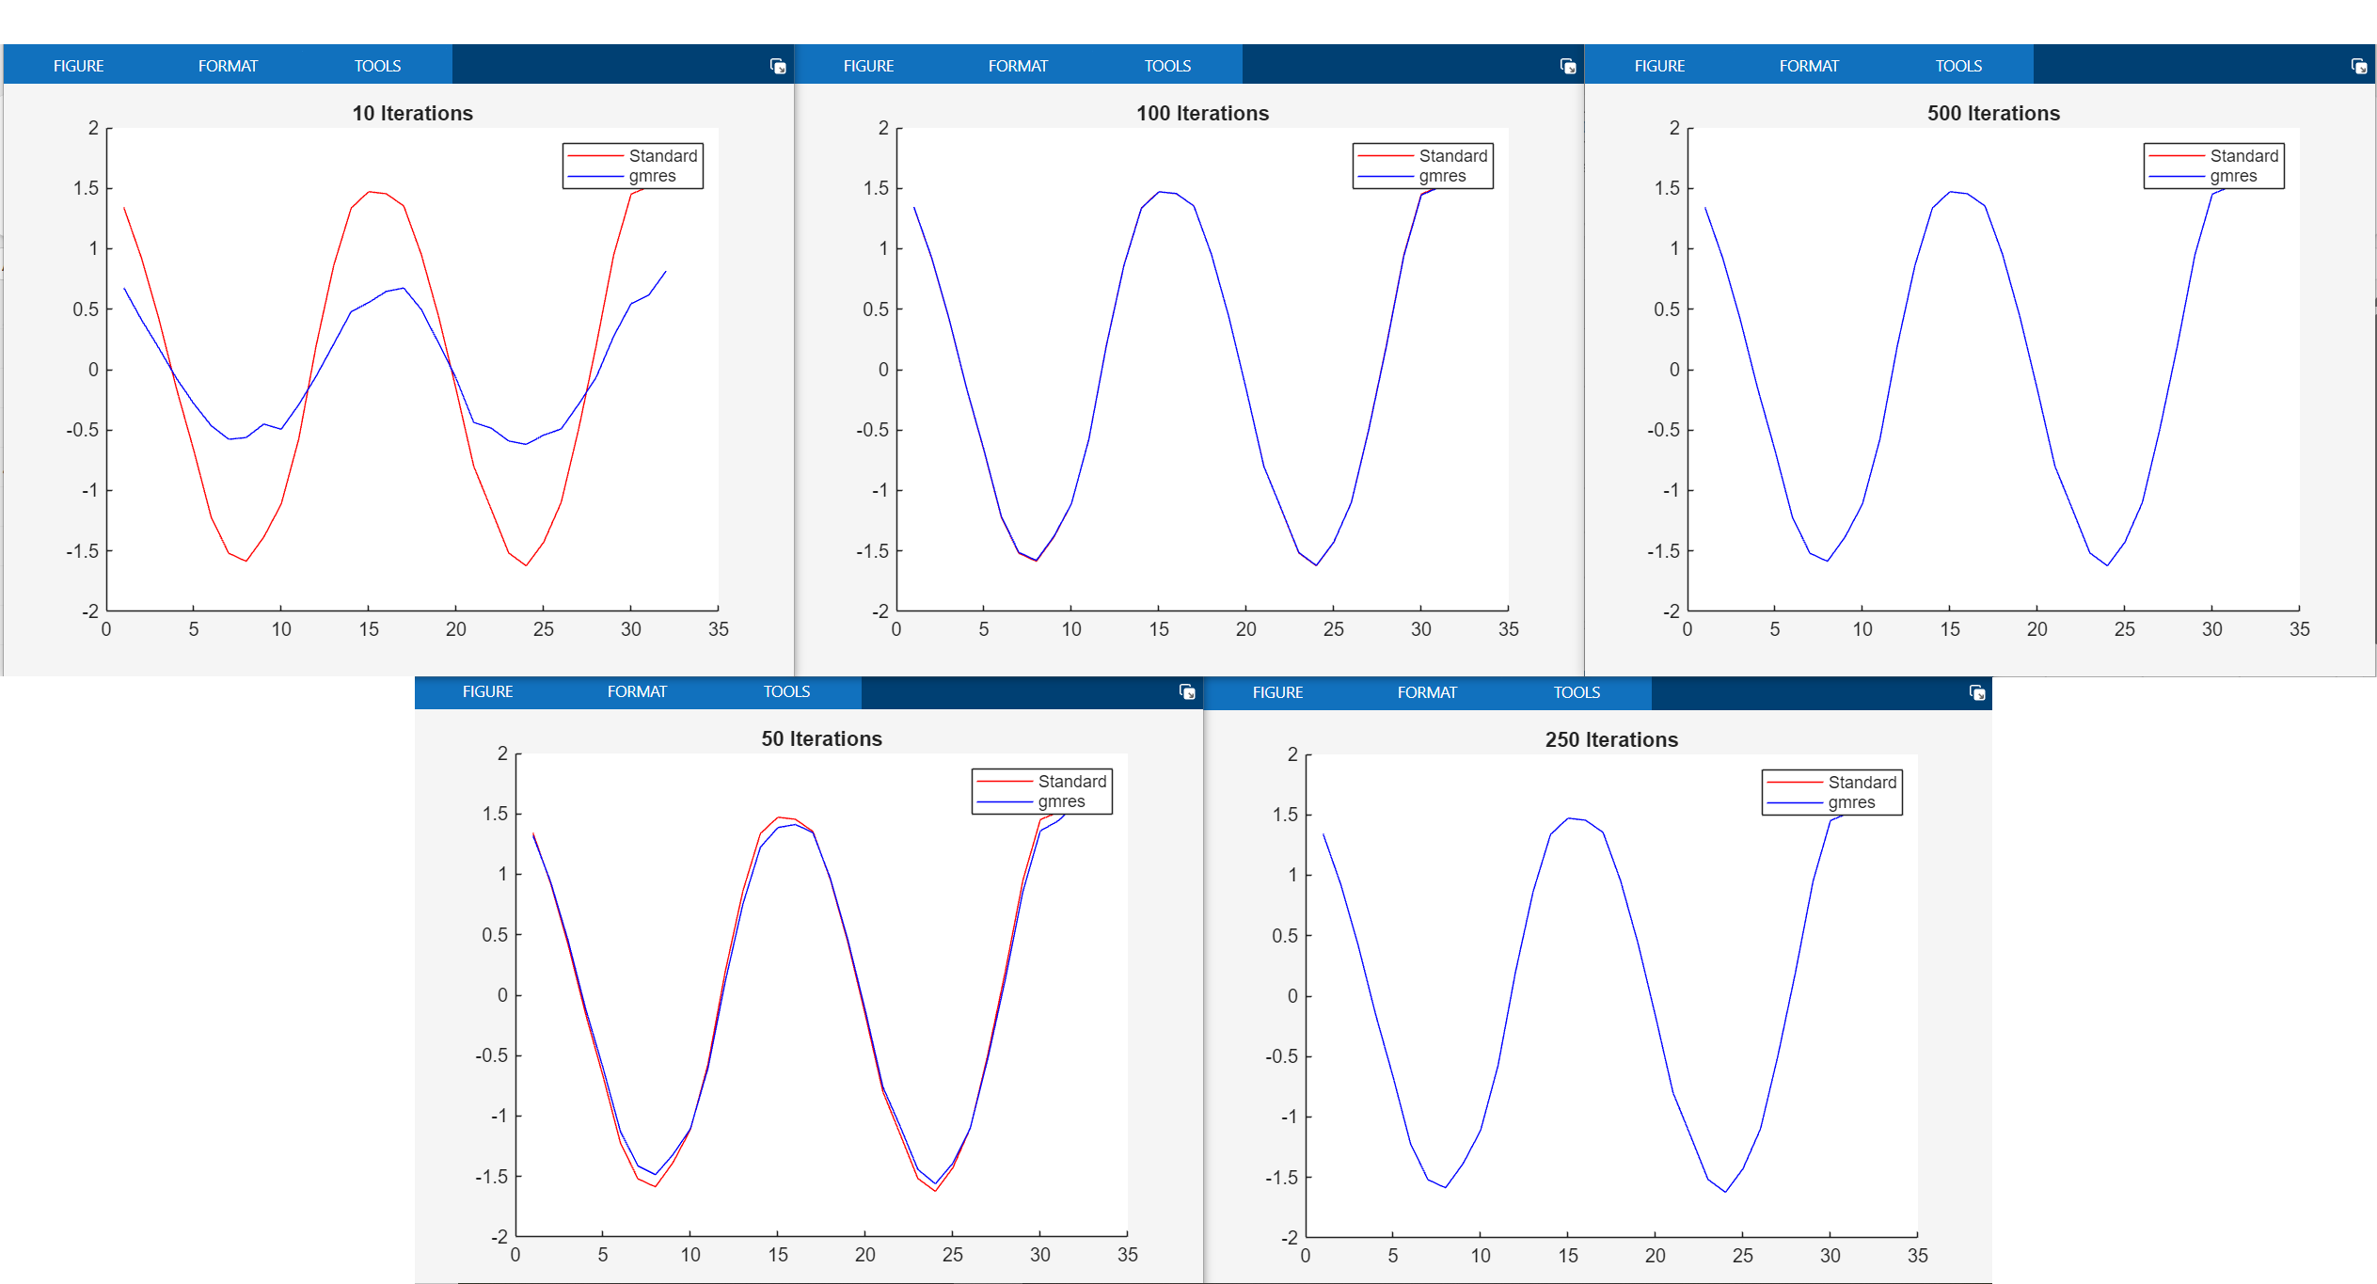
 |  | A\b control method
 |  | 967 | 16.12

gmres
Residual
Time
 | gmres | Standard Method
10 | 3.01 | 967
100 | 21.12 | 967
250 | 106.57 | 967
500 | 424.11 | 967
750 | 919.34 | 967
1000 | 1575.94 | 967
Residual
Time
 | gmres | Standard Method
10 | 3.01 | 967
100 | 21.12 | 967
250 | 106.57 | 967
500 | 424.11 | 967
750 | 919.34 | 967
1000 | 1575.94 | 967
No Preconditioner
Iterations | Residual | Time (s) | Time (min)
10 | 0.11 | 3.01 | 0.05
100 | 0.016 | 21.12 | 0.35
250 | 0.0057 | 106.57 | 1.78
500 | 0.0022 | 424.11 | 7.07
750 | 0.001 | 919.34 | 15.32
1000 | 0.00043 | 1575.94 | 26.27

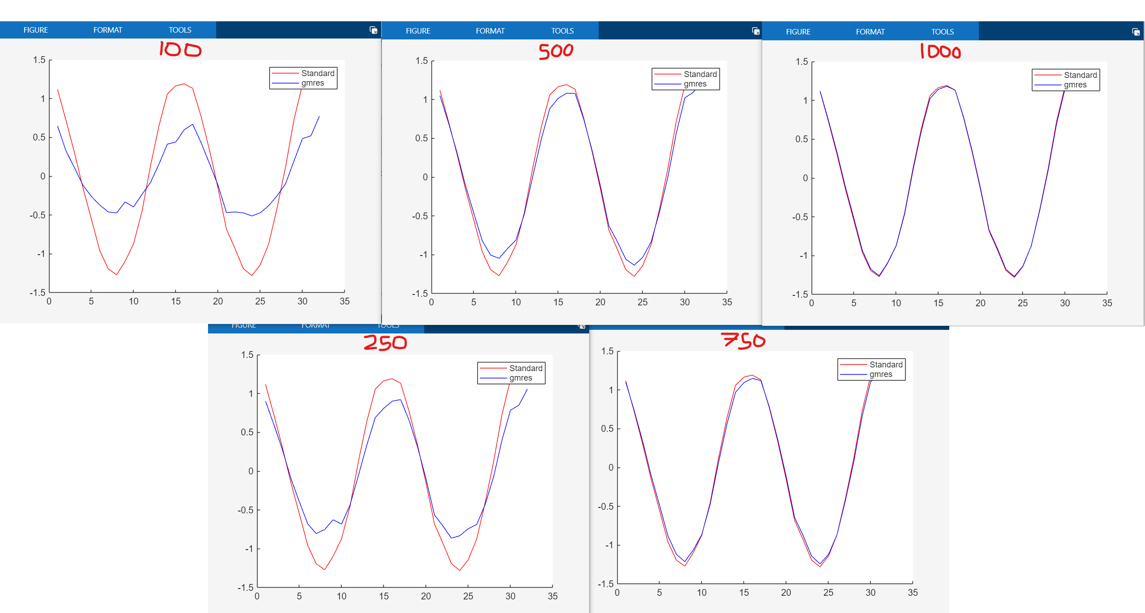
 |  | A\b control method
 |  | 967 | 16.12

lsqr
Residual
Time
 | lsqr | Standard Method
10 | 0.57 | 967
100 | 3.90 | 967
250 | 9.79 | 967
500 | 19.57 | 967
750 | 28.58 | 976
1000 | 40.90 | 967
2500 | 101.91 | 967
5000 | 211.93 | 967
7500 | 349.68 | 967
10000 | 437.97 | 967
50000 | 2110.70 | 967
Iterations | Residual | Time (s) | Time (min)
10 | 0.13 | 0.57 | 0.01
100 | 0.1 | 3.90 | 0.07
250 | 0.087 | 9.79 | 0.16
500 | 0.07 | 19.57 | 0.33
750 | 0.061 | 28.58 | 0.48
1000 | 0.055 | 40.90 | 0.68
2500 | 0.037 | 101.91 | 1.70
5000 | 0.027 | 211.93 | 3.53
7500 | 0.022 | 349.68 | 5.83
10000 | 0.02 | 437.97 | 7.30
50000 | 0.0096 | 2110.70 | 35.18

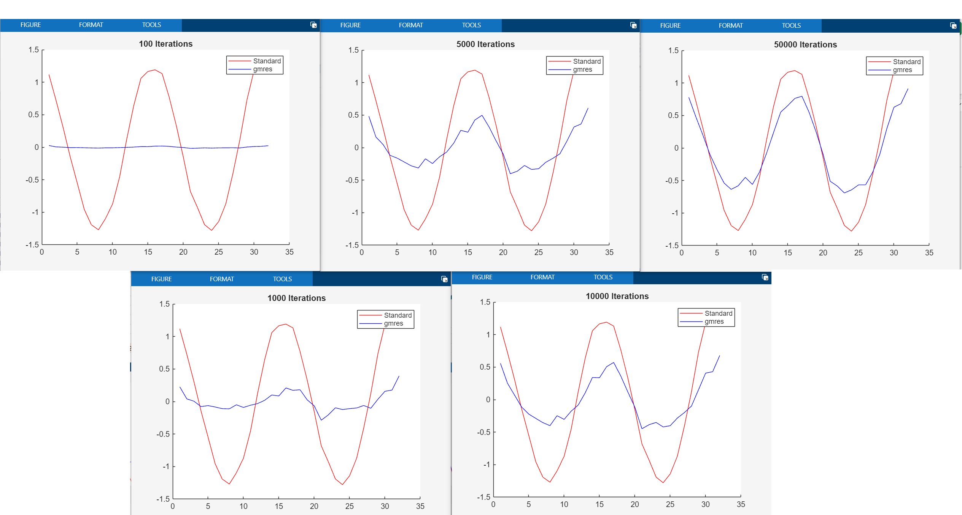
 |  | A\b control method
 |  | 967 | 16.12

