Sheet1
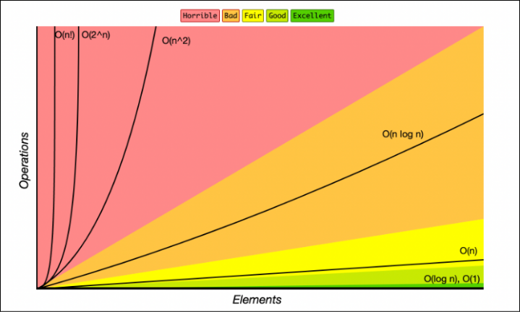
Subj | Nodes | Elements | Intialization (min) | Per Solve (min) | Total (hrs) | O(n) | O(ln(n)) | O(n^2) | O(m^n) | Color Range
R1053 | 339,309 | 1,964,543 | 11 | 0.13 | 0.48 | 0.35 | -0.72 | 0.35 | 0.75 | 0.5
case101819 | 379,059 | 2,197,031 | 15.33 | 0.82 | 0.69 | 0.55 | -0.22 | 0.55 | 0.80
R1043 | 593,824 | 3,433,923 | 32.96 | 1.60 | 1.34 | 1.60 | 1.82 | 1.60 | 1.18
R1035 | 633,257 | 3,671,704 | 38.92 | 1.71 | 1.50 | 1.80 | 2.12 | 1.80 | 1.27
R1002 | 757,737 | 4,395,559 | 64.19 | 2.91 | 2.60 | 2.42 | 2.94 | 2.42 | 1.60
case101819 + bones | 1,447,969 | 8,388,766 | 206.63 | 5.11 | 6.10 | 5.80 | 5.88 | 5.80 | 5.54
R1035 Cyl | 1,720,765 | 10,023,369 | 264.95 | 4.95 | 7.00 | 7.19 | 6.69 | 7.18 | 9.23

 | Elements vs Hours
1,964,543 | 0.48
2,197,031 | 0.69
3,433,923 | 1.34
3,671,704 | 1.50
4,395,559 | 2.60
8,388,766 | 6.10
10,023,369 | 7.00

