How to
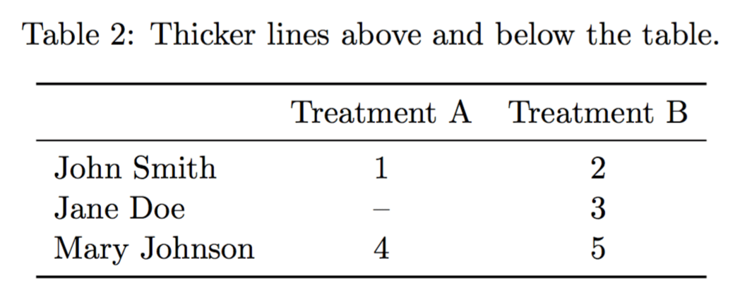

Generate table
https://texblog.org/2017/02/06/proper-tables-with-latex/

 |  |  | \begin{table}[ht]
 |  |  | \centering
Table 1: | A table name |  | \caption{A table name.}
 |  |  | \begin{tabular}[t]{lcc}
 |  |  | \toprule
 | Treatment A | Treatment B | &Treatment A&Treatment B\\ % Table header
 |  |  | \midrule
John Smith | 1 | 2 | John Smith&1&2\\ % Table header
Jane Doe | -- | 3 | Jane Doe&--&3\\
Mary Johnson | 4 | 5 | Mary Johnson&4&5\\
 |  |  | \bottomrule
 |  |  | \end{tabular}
 |  |  | \end{table}

 |  |  | \begin{table}[ht]
 |  |  | \centering
Table 1: | A table without vertical lines. |  | \caption{A table without vertical lines.}
 |  |  | \begin{tabular}[t]{lcc}
 |  |  | \toprule
 | Treatment A | Treatment B | &Treatment A&Treatment B\\
 |  |  | \midrule
John Smith | 1 | 2 | John Smith&1&2\\
Jane Doe | -- | 3 | Jane Doe&--&3\\
Mary Johnson | 4 | 5 | Mary Johnson&4&5\\
 |  |  | \bottomrule
 |  |  | \end{tabular}
 |  |  | \end{table}

