Burndown
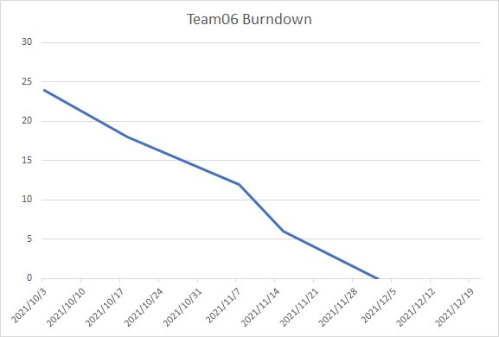
Date | Remaining Stories | Story Velocity | LOC | Min | Code Velocity
2021-10-03 | 24 |  | 0
2021-10-18 | 18 | 6 | 250 | 100 | 150.0
2021-11-07 | 12 | 6 | 150 | 90 | 180
2021-11-15 | 6 | 6 | 180 | 100 | 160
2021-12-02 | 0 | 6 | 200 | 120 | 180

