Head
Step4Tech

ERD
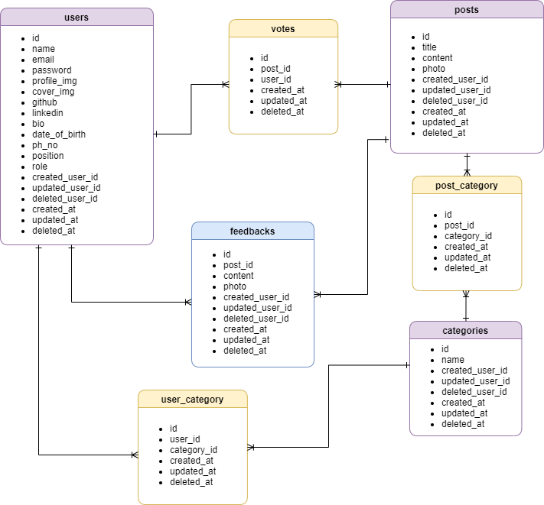

Transtion
Post Uploaded User Profile

Post List View
Interested Post List View
Search
Post Detail
Post Detail
Post Detail

Comment Uploaded User Profile

Post uploaded User Profile
HOME
user
Login

Comment uploaded User Profile

Post uploaded User Profile

Post List Viewt
Post Detail
Comment uploaded User Profile

User Mangement

Search
Post Detail

Admin

Post management

Home (Before Login)
■ Home (Before Login)
10
2
11
3
4
1

5
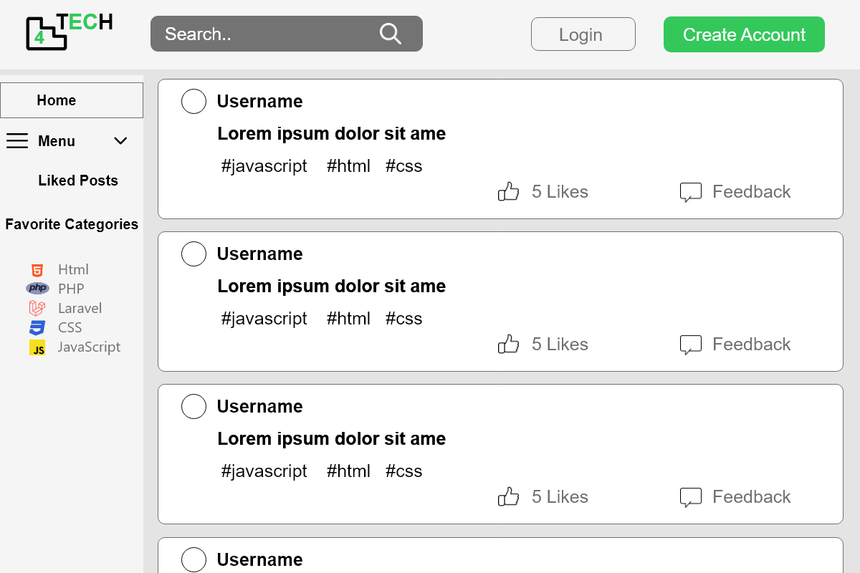

12

6

7
13

8

9
15

14

No. | Name | Type | TabIdx | I/O | Single item check |  |  | Role Restriction | Sort | Initail Value | DB (CRUD) |  | Remark
 |  |  |  |  | Required | Digits
 |  |  |  |  |  |  | Max |  |  |  | Table | Column
1 | Logo | Link |  |  |  |  |  |  |  |  |  |  | Go to home page
2 | Search | Button |  | I
3 | Login | Link |  |  |  |  |  |  |  |  |  |  | Go to login page
4 | Create Account | Link |  |  |  |  |  |  |  |  |  |  | Go to profile create page
5 | Home | Link |  |  |  |  |  |  |  |  |  |  | Go to user home page
6 | Menu | Button
7 | Liked Posts | Link |  |  |  |  |  |  |  |  |  |  | Go to liked posts page
8 | Favourite Categories | Label
9 | Favourite Category | Link |  | O |  |  |  |  |  |  | category | name | Go to favourite categories postspage
10 | Profile | File |  | O |  |  |  |  |  |  | users | profile_img
11 | Username | Link |  | O |  |  |  |  |  |  | users | name | Go to profile page
12 | Content |  |  | O |  |  |  |  |  |  | posts | content
13 | #category |  |  | O |  |  |  |  |  |  | category | name
14 | Like | Button |  | O |  |  |  |  |  |  | posts | liked_count
15 | Feedback | Link |  |  |  |  |  |  |  |  |  |  | Go to post details page

Home (After Login)
■ Home (After Login)
2
1
3
9

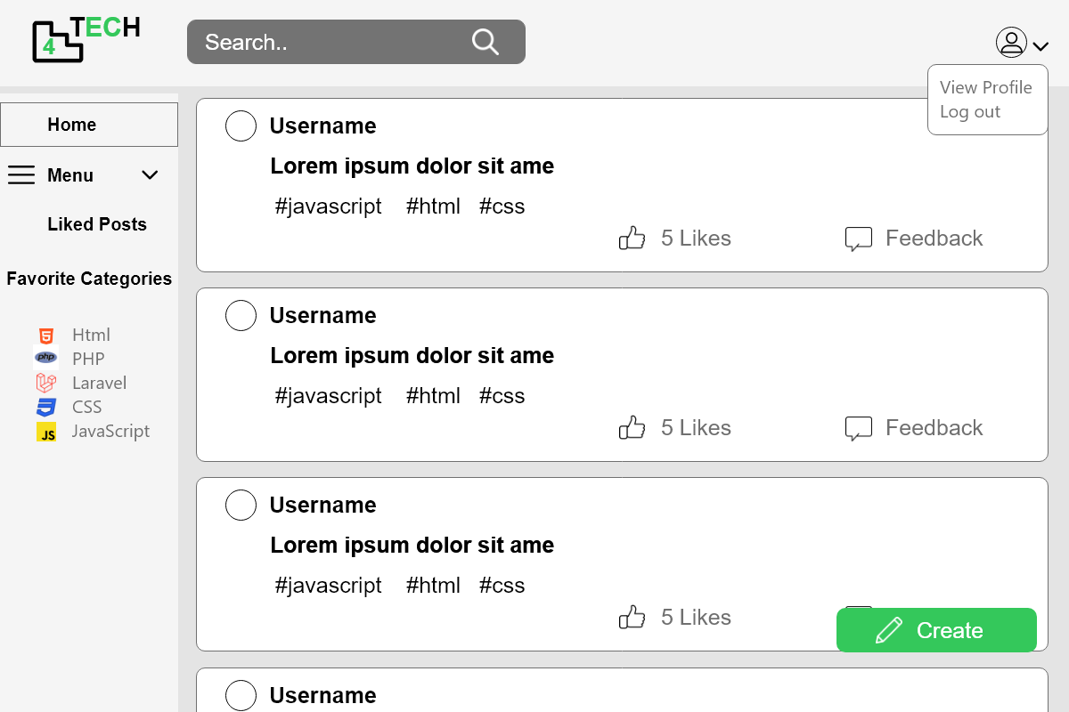

5
4

6
10

7

11
13

8

14

15

12

No. | Name | Type | TabIdx | I/O | Single item check |  |  | Role Restriction | Sort | Initail Value | DB (CRUD) |  | Remark
 |  |  |  |  | Required | Digits
 |  |  |  |  |  |  | Max |  |  |  | Table | Column
1 | Logo | Link |  |  |  |  |  |  |  |  |  |  | Go to home page
2 | Search | Button |  | I
3 | View Profile | Link |  |  |  |  |  |  |  |  |  |  | Go to user profile page
4 | Logout | Link |  |  |  |  |  |  |  |  |  |  | Go to home page (before login)
5 | Home | Link |  |  |  |  |  |  |  |  |  |  | Go to user home page
6 | Menu | Button
7 | Liked Posts | Link |  |  |  |  |  |  |  |  |  |  | Go to liked posts page
8 | Favourite Categories | Label
9 | Username | Link |  |  |  |  |  |  |  |  | users | name | Go to user profile page
10 | Content |  |  |  |  |  |  |  |  |  | posts | content
11 | #category |  |  |  |  |  |  |  |  |  | category | name
12 | Like | Button |  |  |  |  |  |  |  |  | posts | liked_count
13 | Feedback | Link |  |  |  |  |  |  |  |  |  |  | Go to post details page
14 | Create | Link |  |  |  |  |  |  |  |  |  |  | Go to post create page
15 | Favourite Category | Link |  |  |  |  |  |  |  |  | category | name | Go to favourite categories postspage

Liked Posts
1
■ Liked Posts
10
11
12
13
2
3

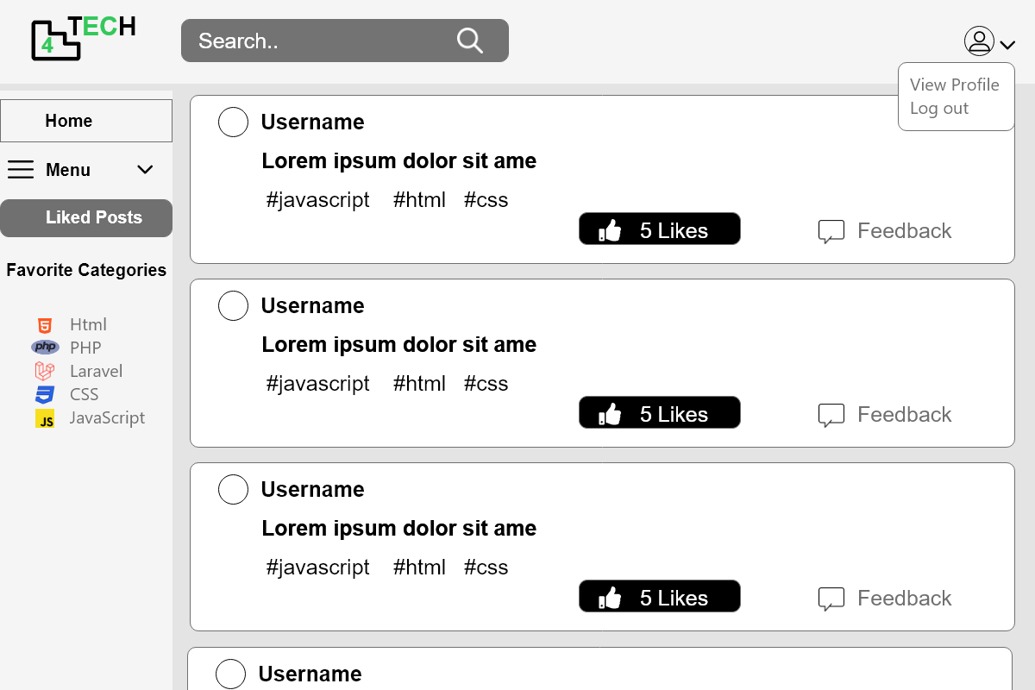

5
6
7
8
9
4

14

15

No. | Name | Type | TabIdx | I/O | Single item check |  |  | Role Restriction | Sort | Initail Value | DB (CRUD) |  | Remark
 |  |  |  |  | Required | Digits
 |  |  |  |  |  |  | Max |  |  |  | Table | Column
1 | Logo | Link |  |  |  |  |  |  |  |  |  |  | Go to home page
2 | Search | Button |  | I
3 | View Profile | Link |  |  |  |  |  |  |  |  |  |  | Go to user profile page
4 | Logout | Link |  |  |  |  |  |  |  |  |  |  | Go to home page (before login)
5 | Home | Link |  |  |  |  |  |  |  |  |  |  | Go to user home page
6 | Menu | Button
7 | Liked Posts | Link |  |  |  |  |  |  |  |  |  |  | Go to liked posts page
8 | Favourite Categories | Label
9 | Favourite Category | Link |  | O |  |  |  |  |  |  | category | name | Go to favourite categories postspage
10 | Profile | File |  | O |  |  |  |  |  |  | users | name
11 | Username | Link |  | O |  |  |  |  |  |  | users | name | Go to user profile page
12 | Content |  |  | O |  |  |  |  |  |  | posts | content
13 | #category |  |  | O |  |  |  |  |  |  | category | name
14 | Like | Button |  | O |  |  |  |  |  |  | posts | liked_count
15 | Feedback | Link |  |  |  |  |  |  |  |  |  |  | Go to post details page

Favourite Category
■ Favourite Category
3
6
7
9
8
1
2

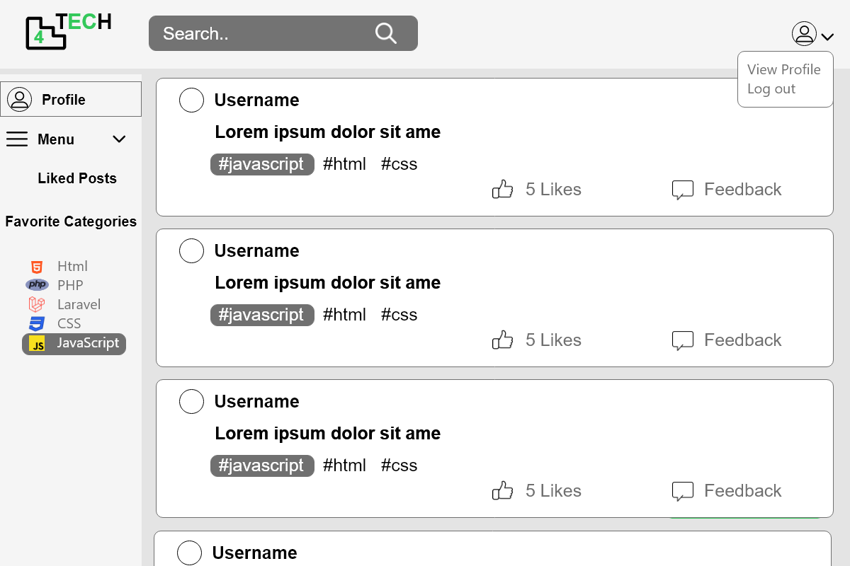
5
15
11
12
10

4

13

14

No. | Name | Type | TabIdx | I/O | Single item check |  |  | Role Restriction | Sort | Initail Value | DB (CRUD) |  | Remark
 |  |  |  |  | Required | Digits
 |  |  |  |  |  |  | Max |  |  |  | Table | Column
1 | Logo | Link |  |  |  |  |  |  |  |  |  |  | Go to home page
2 | Search | Button |  | I
3 | View Profile | Link |  |  |  |  |  |  |  |  |  |  | Go to user profile page
4 | Logout | Link |  |  |  |  |  |  |  |  |  |  | Go to home page (before login)
5 | Home | Link |  |  |  |  |  |  |  |  |  |  | Go to user home page
6 | Menu | Button
7 | Liked Posts | Link |  |  |  |  |  |  |  |  |  |  | Go to liked posts page
8 | Favourite Categories | Label
9 | Profile | File |  | O |  |  |  |  |  |  | users | profile_img
10 | Content |  |  | O |  |  |  |  |  |  | posts | content
11 | #category |  |  | O |  |  |  |  |  |  | category | name
12 | Like | Button |  | O |  |  |  |  |  |  | posts | liked_count
13 | Feedback | Link |  |  |  |  |  |  |  |  |  |  | Go to post details page
14 | Favourite Category | Link |  |  |  |  |  |  |  |  | category | name | Go to favourite categories postspage
15 | Username | Link |  | O |  |  |  |  |  |  | users | name | Go to user profile page

Profile
■Profile

2
6
1
3

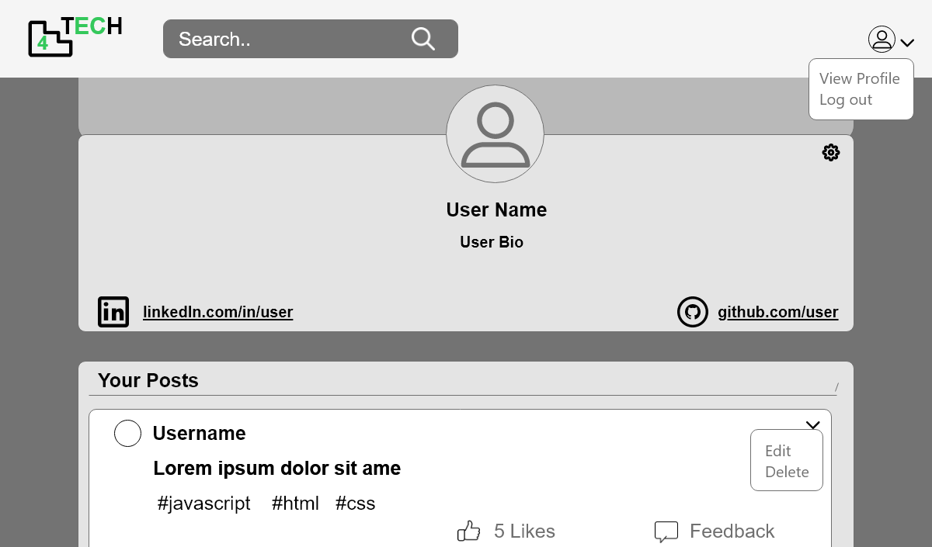
4

5

7
10
8

9
11

14

12
15
19

13

20
16
18
17

No. | Name | Type | TabIdx | I/O | Single item check |  |  | Role Restriction | Sort | Initail Value | DB (CRUD) |  | Remark
 |  |  |  |  | Required | Digits
 |  |  |  |  |  |  | Max |  |  |  | Table | Column
1 | Logo | Link |  |  |  |  |  |  |  |  |  |  | Go to home page
2 | Search | Button |  | I
3 | View Profile | Link |  |  |  |  |  |  |  |  |  |  | Go to profile page
4 | Logout | Link |  |  |  |  |  |  |  |  |  |  | Go to home page (before login)
5 | Cover Image | File |  | O |  |  |  |  |  |  | users | cover_img
6 | Profile Image | File |  | O |  |  |  |  |  |  | users | profile_img
7 | Setting | Link |  |  |  |  |  |  |  |  |  |  | Go to profile update page
8 | Username | Label |  | O |  |  |  |  |  |  | users | name
9 | User bio | Label |  | O
10 | LinkedIn | Link |  | O |  |  |  |  |  |  | users | linkedin | Go to linkedIn account
11 | GitHub | Link |  | O |  |  |  |  |  |  | users | github | Go to GitHub account
12 | Your Posts | Label
13 | Profile Image | File |  | O |  |  |  |  |  |  | users | profile_img
14 | Username | Link |  | O |  |  |  |  |  |  | users | name | Go to profile page
15 | Content |  |  | O |  |  |  |  |  |  | posts | content
16 | #category |  |  | O |  |  |  |  |  |  | category | name
17 | Like | Button |  | O |  |  |  |  |  |  | posts | liked_count
18 | Feedback | Link |  |  |  |  |  |  |  |  |  |  | Go to post details page
19 | Edit | Link |  |  |  |  |  |  |  |  |  |  | Go to post update page
20 | Delete | Button |  |  |  |  |  |  |  |  |  |  | To delete post

Profile Create
■Profile Create
1

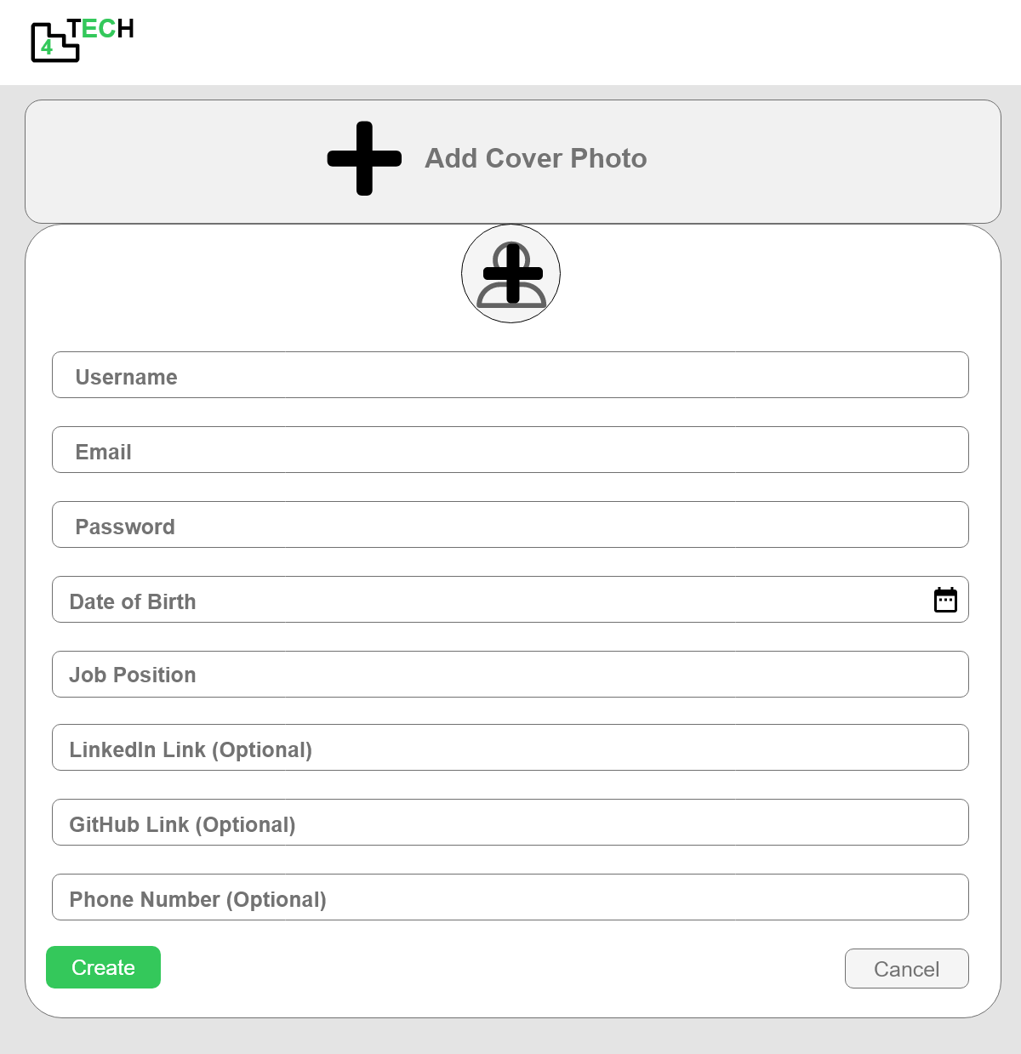
2

3

4

5

6
7

8
9

10
11

12
13

No. | Name | Type | TabIdx | I/O | Single item check |  |  | Role Restriction | Sort | Initail Value | DB (CRUD) |  | Remark
 |  |  |  |  | Required | Digits
 |  |  |  |  |  |  | Max |  |  |  | Table | Column
1 | Logo | Link |  |  |  |  |  |  |  |  |  |  | Go to home page
2 | Add Cover Image | File |  | I |  |  |  |  |  |  | users | cover_img
3 | Add Profile Image | File |  | I |  |  |  |  |  |  | users | profile_img
4 | Username | Textbox |  | I |  |  |  |  |  |  | users | name
5 | Email | Textbox |  | I |  |  |  |  |  |  | users | email
6 | Password | Textbox |  | I |  |  |  |  |  |  | users | password
7 | DOB | Textbox |  | I |  |  |  |  |  |  | users | dob
8 | Job Postition | Textbox |  | I |  |  |  |  |  |  | users | postition
9 | LinkedIn | Textbox |  | I |  |  |  |  |  |  | users | linkedin
10 | GitHub | Textbox |  | I |  |  |  |  |  |  | users | github
11 | Phone Number | Textbox
12 | Create | Button |  |  |  |  |  |  |  |  |  |  | Go to profile page
13 | Cancel | Button |  |  |  |  |  |  |  |  |  |  | Go to profile page

Profile Update
■Profile Update

1

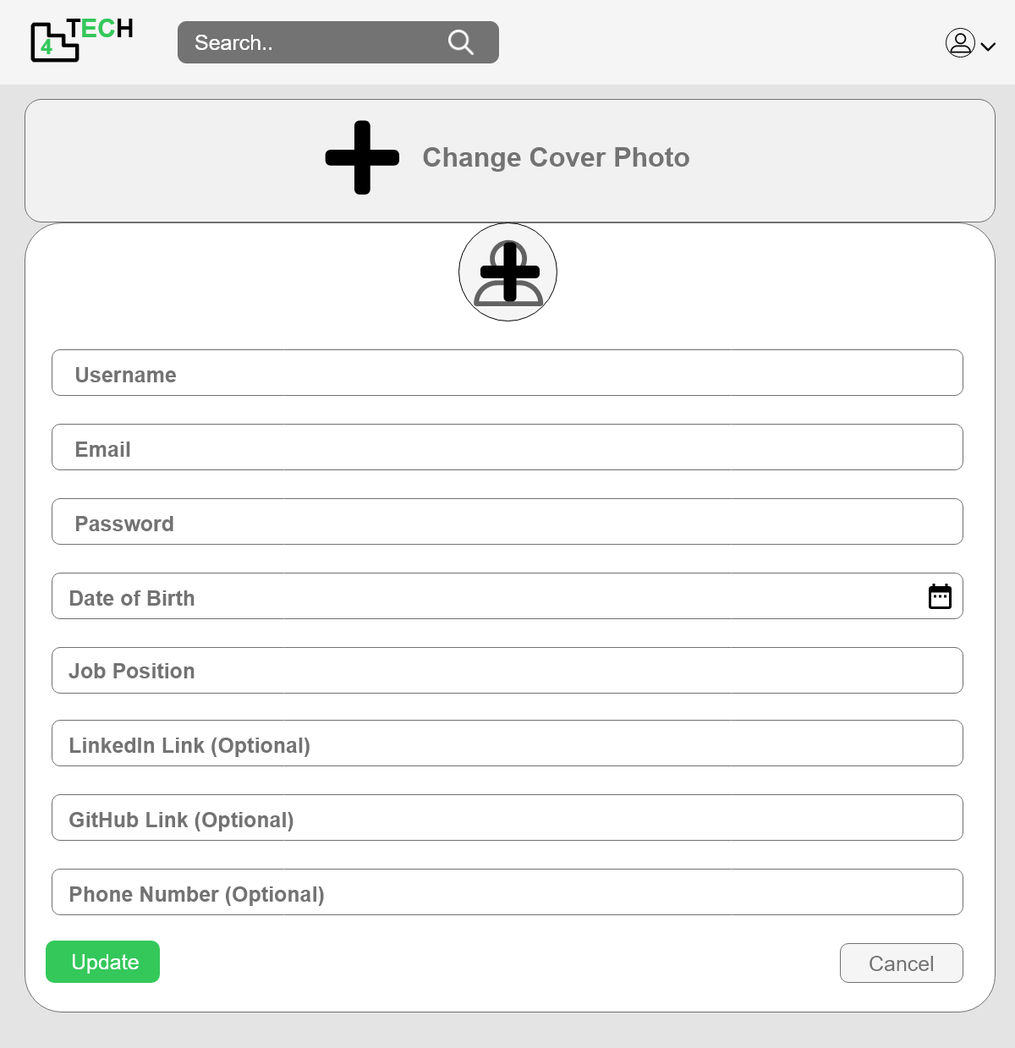
2

3

4

5

7
6

8
9

10
11

12
13

No. | Name | Type | TabIdx | I/O | Single item check |  |  | Role Restriction | Sort | Initail Value | DB (CRUD) |  | Remark
 |  |  |  |  | Required | Digits
 |  |  |  |  |  |  | Max |  |  |  | Table | Column
1 | Logo | Link |  |  |  |  |  |  |  |  |  |  | Go to home page
2 | Add Cover Image | File |  | I |  |  |  |  |  |  | users | cover_img
3 | Add Profile Image | File |  | I |  |  |  |  |  |  | users | profile_img
4 | Username | Textbox |  | I |  |  |  |  |  |  | users | name
5 | Email | Textbox |  | I |  |  |  |  |  |  | users | email
6 | Password | Textbox |  | I |  |  |  |  |  |  | users | password
7 | DOB | Textbox |  | I |  |  |  |  |  |  | users | dob
8 | Job Postition | Textbox |  | I |  |  |  |  |  |  | users | postition
9 | LinkedIn | Textbox |  | I |  |  |  |  |  |  | users | linkedin
10 | GitHub | Textbox |  | I |  |  |  |  |  |  | users | github
11 | Phone Number | Textbox
12 | Update | Button |  |  |  |  |  |  |  |  |  |  | Go to profile page
13 | Cancel | Button |  |  |  |  |  |  |  |  |  |  | Go to profile page

Admin Dashboard
■Admin Dashboard

1
2
3

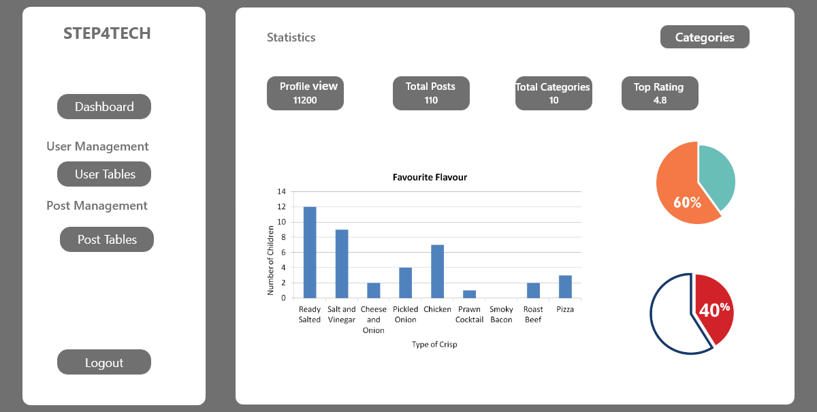

10

4
5
6
7
8
9

12

11

No. | Name | Type | TabIdx | I/O | Single item check |  |  | Role Restriction | Sort | Initail Value | DB (CRUD) |  | Remark
 |  |  |  |  | Required | Digits
 |  |  |  |  |  |  | Max |  |  |  | Table | Column
1 | Logo | Link |  |  |  |  |  |  |  |  |  |  | Go to home page
2 | Statistics | Label
3 | Categories | Button
4 | Dashboard | Label
5 | User Management | Label
6 | User Tables | Button |  |  |  |  |  |  |  |  |  |  | Go to user management page
7 | Post Mangement | Label
8 | Post Tables | Button |  |  |  |  |  |  |  |  |  |  | Go to post management page
9 | Logout | Button |  |  |  |  |  |  |  |  |  |  | Go to home page
10 | Data Show | Label |  | O
11 | Chart | Chart |  | O
12 | Pie Chart | Chart |  | O

Admin Dashboard(User Table)
■Admin Dashboard (user management)

1
2
9
10

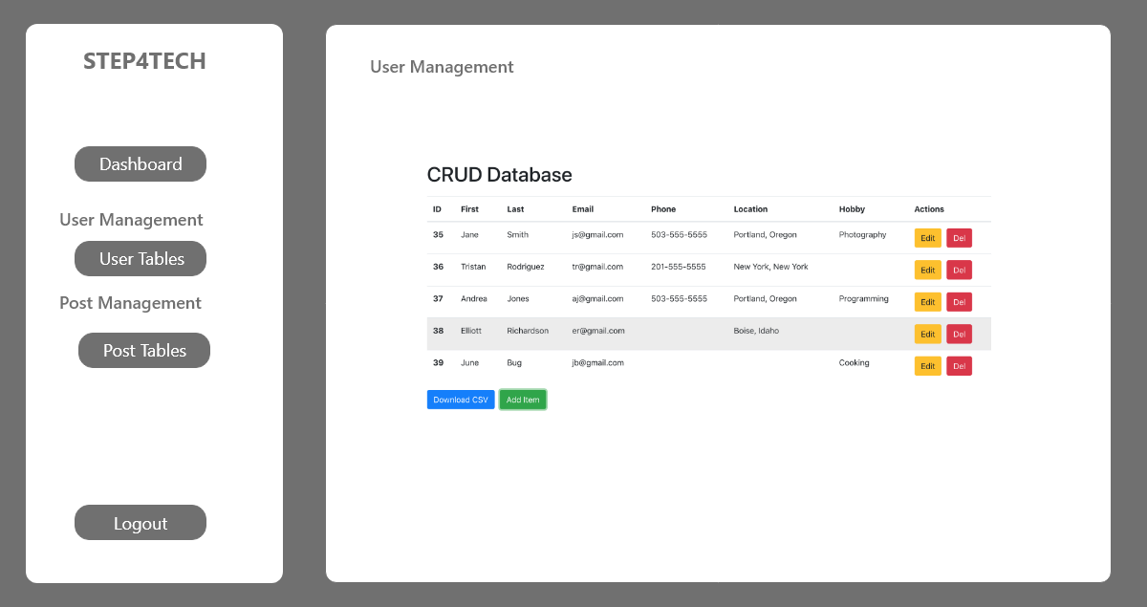

11

4
6
7
8
3
5

12
13

No. | Name | Type | TabIdx | I/O | Single item check |  |  | Role Restriction | Sort | Initail Value | DB (CRUD) |  | Remark
 |  |  |  |  | Required | Digits
 |  |  |  |  |  |  | Max |  |  |  | Table | Column
1 | Logo | Link |  |  |  |  |  |  |  |  |  |  | Go to home page
2 | Statistics | Label
3 | Dashboard | Button
4 | User Management | Label
5 | User Tables | Label
6 | Post Mangement | Label
7 | Post Tables | Label
8 | Logout | Button |  |  |  |  |  |  |  |  |  |  | Go to home page
9 | Table columns | Label |  |  |  |  |  |  |  |  | users
10 | Edit | Link |  |  |  |  |  |  |  |  |  |  | Go to user profile page
11 | Delete | Button |  |  |  |  |  |  |  |  |  |  | To delete user
12 | Download CSV
13 | Add Form

Admin Dashboard(Post Table)
■Admin Dashboard (post management)

10
1
2
9


11

4
6
7
8
3
5

12
13

No. | Name | Type | TabIdx | I/O | Single item check |  |  | Role Restriction | Sort | Initail Value | DB (CRUD) |  | Remark
 |  |  |  |  | Required | Digits
 |  |  |  |  |  |  | Max |  |  |  | Table | Column
1 | Logo | Link |  |  |  |  |  |  |  |  |  |  | Go to home page
2 | Statistics | Label
3 | Dashboard | Button
4 | User Management | Label
5 | User Tables | Label
6 | Post Mangement | Label
7 | Post Tables | Label
8 | Logout | Button |  |  |  |  |  |  |  |  |  |  | Go to home page
9 | Table columns | Label |  |  |  |  |  |  |  |  | posts
10 | Edit | Link |  |  |  |  |  |  |  |  |  |  | Go to post detail page
11 | Delete | Button |  |  |  |  |  |  |  |  |  |  | To delete post
12 | Download CSV
13 | Add Form

Post_detail(Before Login)
■ Post Detail(Before Login)

1
8
14
2
3

4
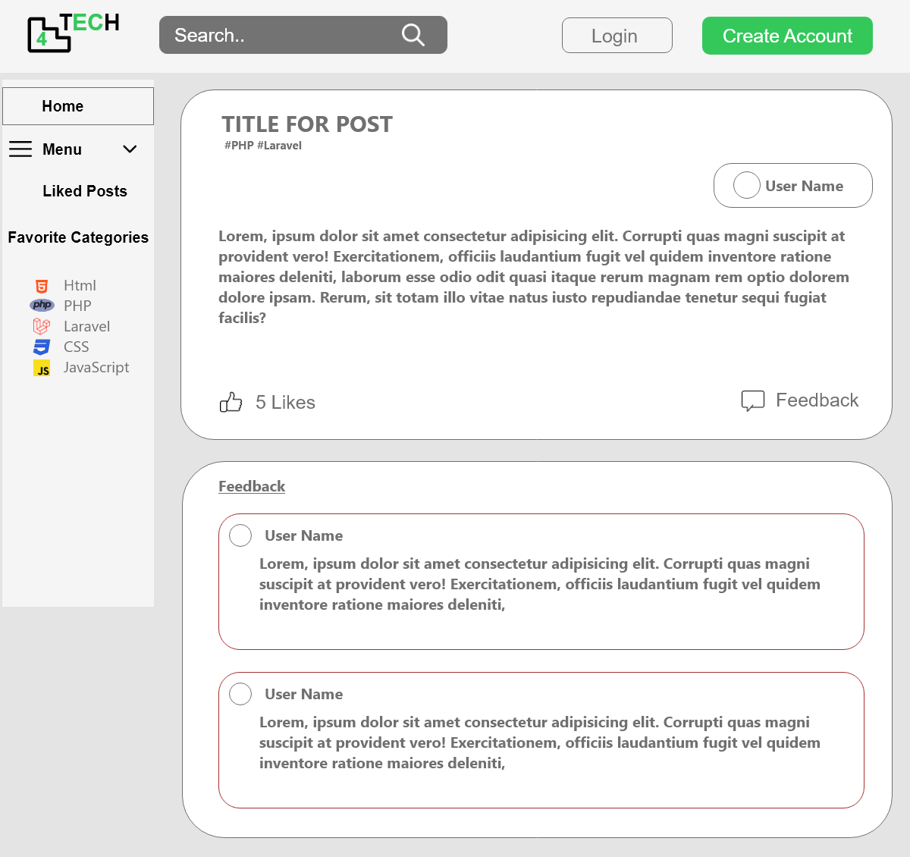

5
9
6

7
15

10

11

12

13

No. | Name | Type | TabIdx | I/O | Single item check |  |  | Role Restriction | Sort | Initail Value | DB (CRUD) |  | Remark
 |  |  |  |  | Required | Digits
 |  |  |  |  |  | Min | Max |  |  |  | Table | Column
1 | Logo | Link |  |  |  |  |  |  |  |  |  |  | Go to Home Page
2 | Login | Link |  | I |  |  |  |  |  |  |  |  | Go to Login Page
3 | Create Account | Link |  | I |  |  |  |  |  |  |  |  | Go to Create Account Page
4 | Home | Link |  | I |  |  |  |  |  |  |  |  | Go to Home Page
5 | Menu | Button |  | O
6 | Liked Post | Link |  | I
7 | Favourite Categories | Button |  | O |  |  |  |  |  |  | categories | name
8 | Post Title | Label |  | I |  |  |  |  |  |  | posts | title
9 | Post Uploaded User Profile | Link |  | I |  |  |  |  |  |  | users | name | Go to User Profile Page
10 | Like | Button |  | O |  |  |  |  |  |  | posts | like_count
11 | Feedback | Link
12 | Feedback Uploaded User Profile | Link |  | I |  |  |  |  |  |  | users | name | Go to User Profile
13 | Feedback Content | Label |  | O |  |  |  |  |  |  | feedback | content
14 | Search | Textbox |  | O
15 | Post Content | Label |  | I |  |  |  |  |  |  | posts | content

Post_detail(After Login)
■ Post Detail(After Login)
8
1
14
2

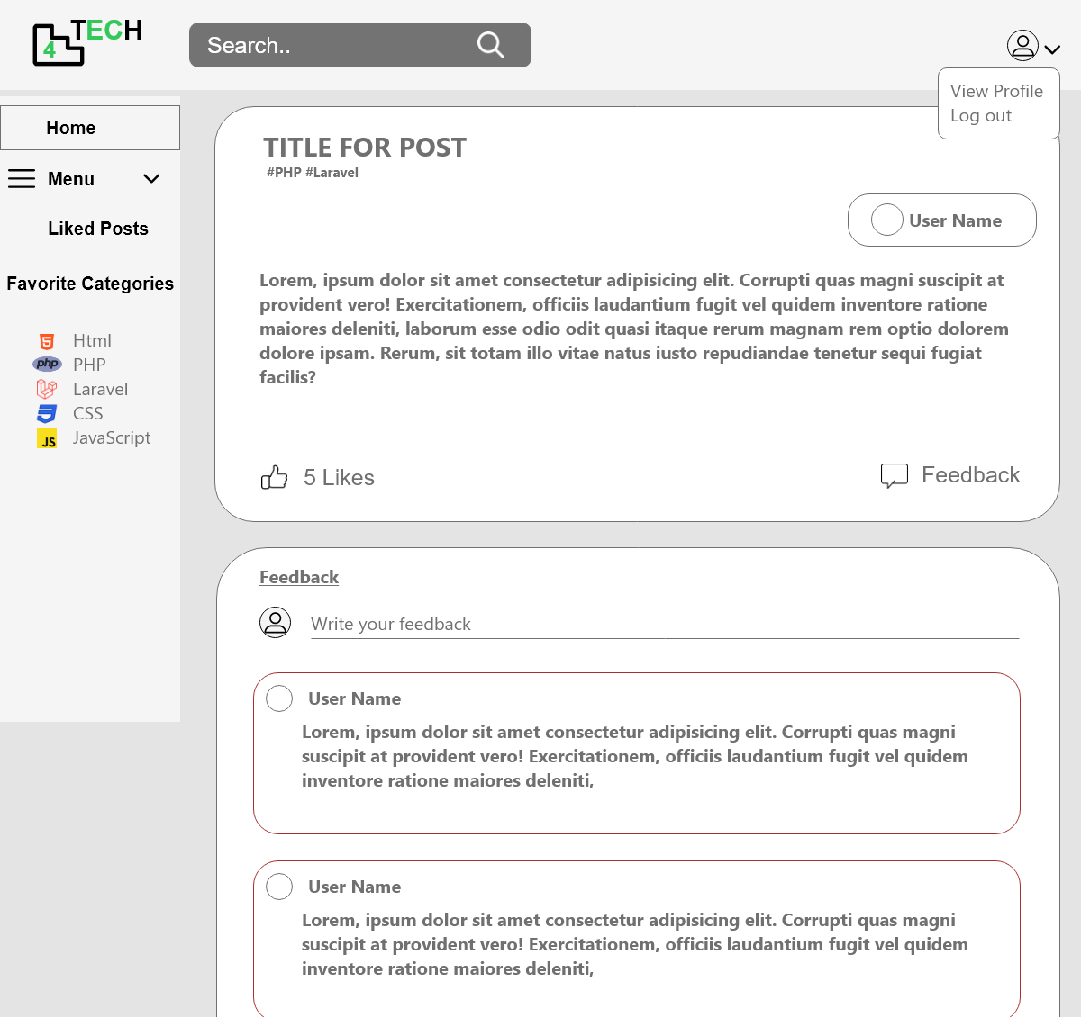
3
4

15
5
9

6

7
11

10
16

12
13

No. | Name | Type | TabIdx | I/O | Single item check |  |  | Role Restriction | Sort | Initail Value | DB (CRUD) |  | Remark
 |  |  |  |  | Required | Digits
 |  |  |  |  |  | Min | Max |  |  |  | Table | Column
1 | Logo | Link |  |  |  |  |  |  |  |  |  |  | Go to Home Page
2 | View Profile | Link |  | I |  |  |  |  |  |  |  |  | Go to Profile Page
3 | Log Out | Link |  | I
4 | Home | Link |  | I |  |  |  |  |  |  |  |  | Go to Home Page
5 | Menu | Button |  | O
6 | Liked Post | Link |  | I
7 | Favourite Categories | Button |  | O |  |  |  |  |  |  | categories | name
8 | Post Title | Label |  | I |  |  |  |  |  |  | posts | title
9 | Post Uploaded User Profile | Link |  | I |  |  |  |  |  |  | users | name | Go to User Profile Page
10 | Like | Button |  | O |  |  |  |  |  |  | posts | like_count
11 | Feedback | Link |  | O |  |  |  |  |  |  | feedback
12 | Feedback Uploaded User Profile | Link |  | I |  |  |  |  |  |  | users | name | Go to User Profile
13 | Feedback Content | Label |  | O |  |  |  |  |  |  | feedback | content
14 | Search | Textbox |  | O
15 | Post Content | Label |  | I |  |  |  |  |  |  | posts | content
16 | Feedback Textfield | Textbox |  | O |  |  |  |  |  |  | feedback

Post Create
■ Post Create
3
9
1

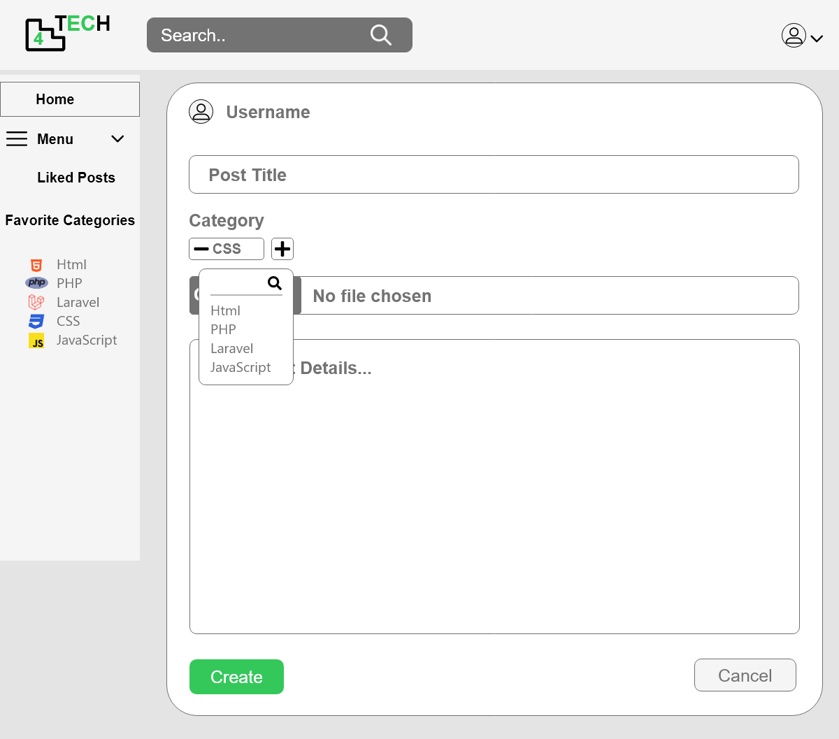
4
2

5
8

6

7
10

11

12
13

No. | Name | Type | TabIdx | I/O | Single item check |  |  | Role Restriction | Sort | Initail Value | DB (CRUD) |  | Remark
 |  |  |  |  | Required | Digits
 |  |  |  |  |  | Min | Max |  |  |  | Table | Column
1 | Logo | Link |  |  |  |  |  |  |  |  |  |  | Go to Home Page
2 | Profile | Link |  | I |  |  |  |  |  |  |  |  | Go to Profile Page
3 | Search | Textbox |  | O
4 | Home | Link |  | I |  |  |  |  |  |  |  |  | Go to Home Page
5 | Menu | Button |  | O
6 | Liked Post | Link |  | I
7 | Favourite Categories | Button |  | O |  |  |  |  |  |  | categories | name
8 | Post Title | Textbox |  | O |  |  |  |  |  |  | posts | title
9 | Post Category | Button |  | O |  |  |  |  |  |  | post_category | category_id
10 | Image File | Button |  | O |  |  |  |  |  |  | posts | photo
11 | Post content | Textbox |  | O |  |  |  |  |  |  | posts | content
12 | Create | Button |  | O |  |  |  |  |  |  | posts |  | Go to Previous Page
13 | Cancel | Label |  | O |  |  |  |  |  |  |  |  | Go to Previous Page

Post Update
1
■ Post Update
3
2

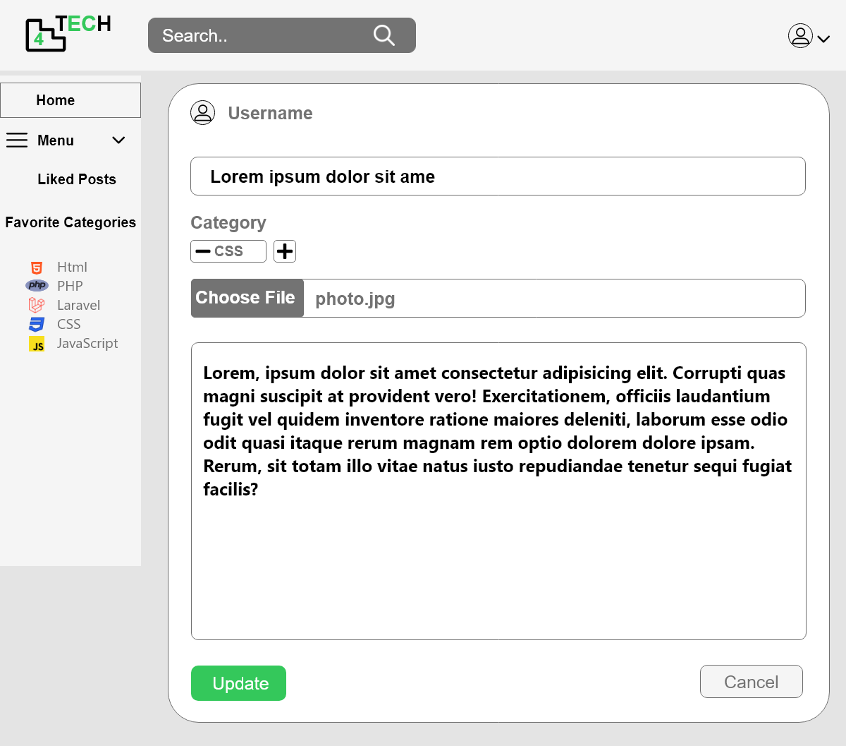
4

8
5

6
9
10

7

11

12
13

No. | Name | Type | TabIdx | I/O | Single item check |  |  | Role Restriction | Sort | Initail Value | DB (CRUD) |  | Remark
 |  |  |  |  | Required | Digits
 |  |  |  |  |  | Min | Max |  |  |  | Table | Column
1 | Logo | Link |  |  |  |  |  |  |  |  |  |  | Go to Home Page
2 | Profile | Link |  | I |  |  |  |  |  |  |  |  | Go to Profile Page
3 | Search | Textbox |  | O
4 | Home | Link |  | I |  |  |  |  |  |  |  |  | Go to Home Page
5 | Menu | Button |  | O
6 | Liked Post | Link |  | I
7 | Favourite Categories | Button |  | O |  |  |  |  |  |  | categories | name
8 | Post Title | Textbox |  | O |  |  |  |  |  |  | posts | title
9 | Post Category | Button |  | O |  |  |  |  |  |  | post_category | category_id
10 | Image File | Button |  | O |  |  |  |  |  |  | posts | photo
11 | Post content | Textbox |  | O |  |  |  |  |  |  | posts | content
12 | Create | Button |  | O |  |  |  |  |  |  | posts |  | Go to Previous Page
13 | Cancel | Label |  | O |  |  |  |  |  |  |  |  | Go to Previous Page

Sign In
■ Sign In

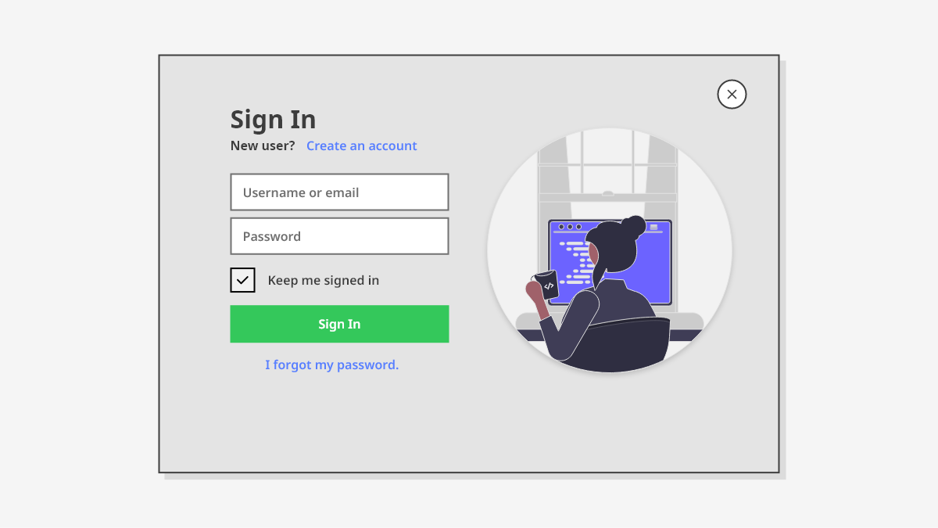
7

1

2

3

4

5

6

No. | Name | Type | TabIdx | I/O | Single item check |  |  | Role Restriction | Sort | Initail Value | DB (CRUD) |  | Remark
 |  |  |  |  | Required | Digits
 |  |  |  |  |  | Min | Max |  |  |  | Table | Column
1 | Create account | Link |  |  |  |  |  |  |  |  |  |  | Go to Create Account Page
2 | Username or Email | Textbox |  | O |  |  |  |  |  |  | users | name , email
3 | Password | Textbox |  | O |  |  |  |  |  |  | users | password
4 | Keep Sign In | Button |  | I
5 | Sign In | Button |  | O |  |  |  |  |  |  |  |  | Go To Home Page
6 | Forget Pasword | Link |  | O |  |  |  |  |  |  |  |  | Go To forget password Page
7 | Cancel | Button |  | O |  |  |  |  |  |  |  |  | Go To previous page

Forget Password
■ Forget Password

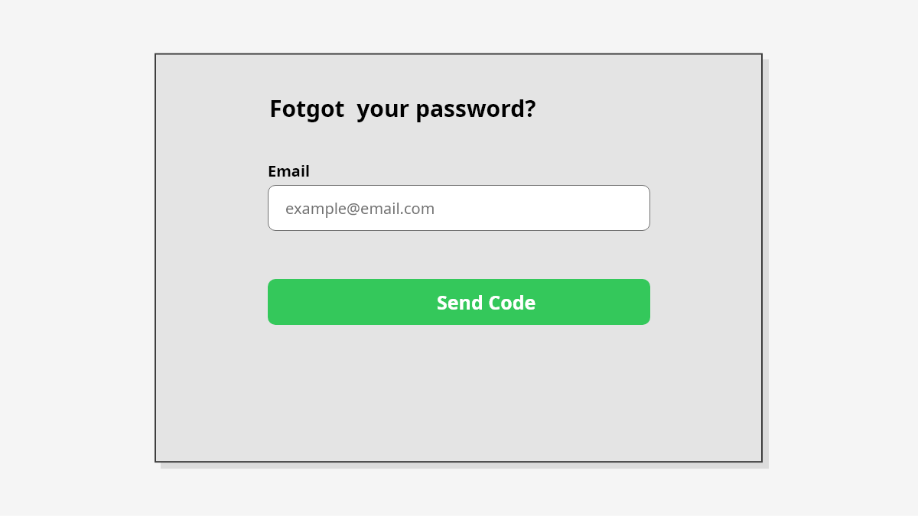
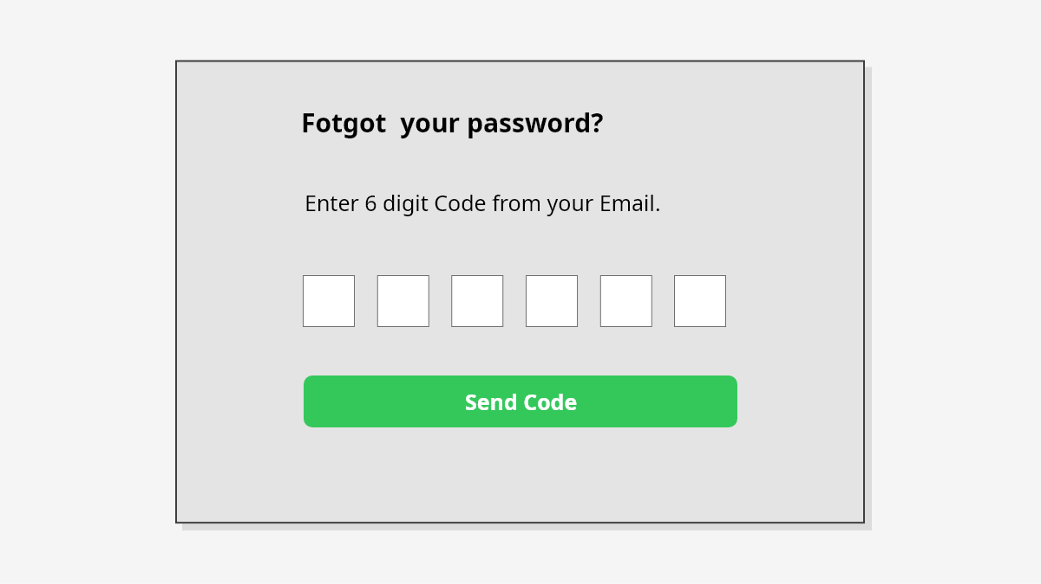
1

3

2
2

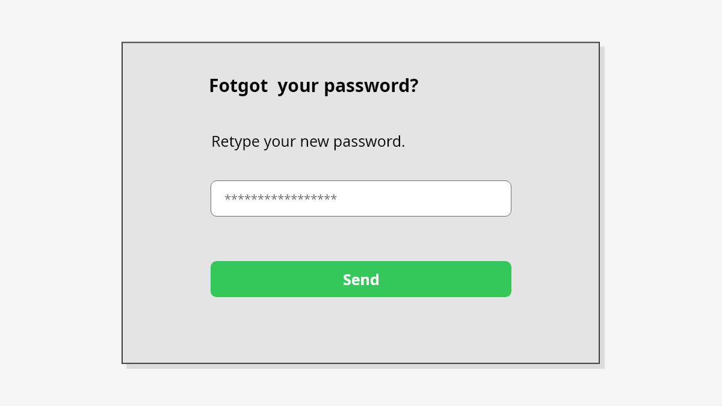
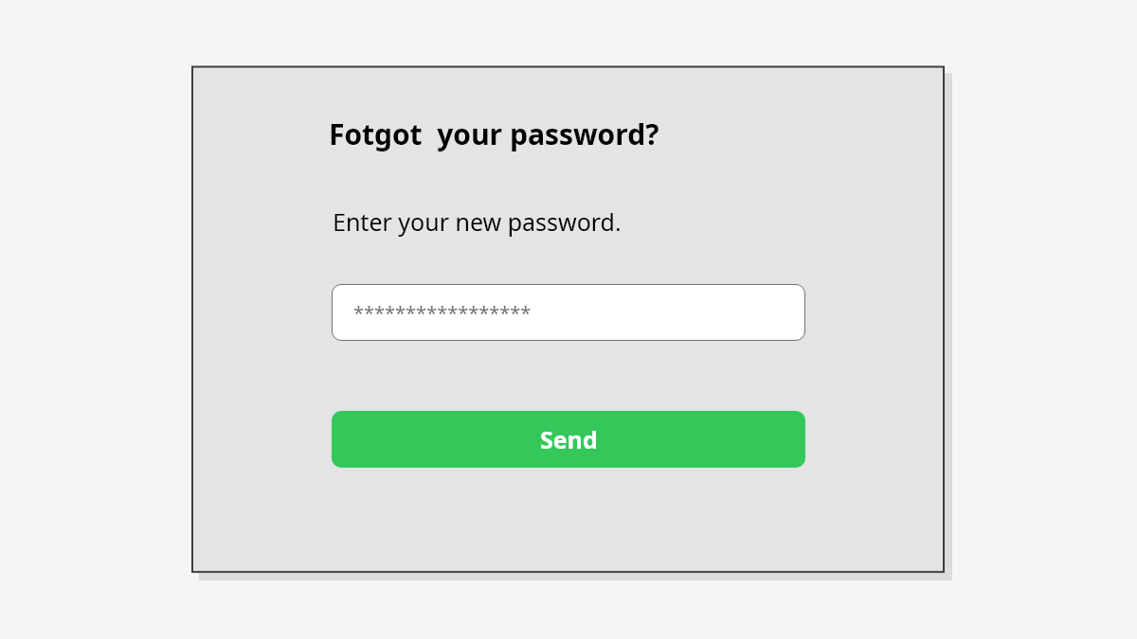

4
6

5

5

No. | Name | Type | TabIdx | I/O | Single item check |  |  | Role Restriction | Sort | Initail Value | DB (CRUD) |  | Remark
 |  |  |  |  | Required | Digits
 |  |  |  |  |  | Min | Max |  |  |  | Table | Column
1 | Email | Textbox |  | O |  |  |  |  |  |  | users | name
2 | Send Code | Link |  | I
3 | OTP | Textbox |  | I
4 | New Password | Textbox |  | O |  |  |  |  |  |  | users | password
5 | Send | Button |  | I
6 | Confirm Password | Link |  | O |  |  |  |  |  |  | users | password | Go To Home Page

