Head
Step4Tech

ERD
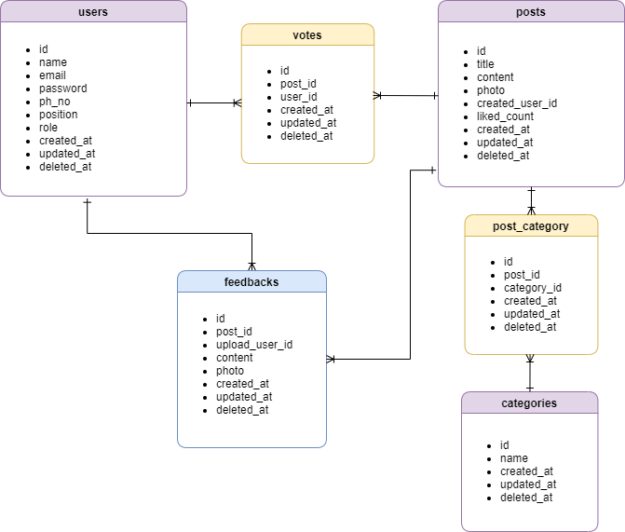

Transtion
Dashboard

user

post

Advertiser List
■ Advertiser List

Ads Engine
A

Advertiser
1
8
Profile
Advertiser
2
4
5
No.
Company
3
Phone
Website
Logout
Publisher
6
1
Seattle Consulting Myanmar
09xxxxxxx
http://seattleconsultingmyanmar.com/
2
CGM
09xxxxxxx
http://cgm.com/

3
BIB
09xxxxxxx
http://bib.com/

<
1
2
3
4
>
7

No. | Name | Type | TabIdx | I/O | Single item check |  |  | Role Restriction | Sort | Initail Value | DB (CRUD) |  | Remark
 |  |  |  |  | Required | Digits
 |  |  |  |  |  | Min | Max |  |  |  | Table | Column
1 | Advertiser | Label
2 | No | Label |  | O |  |  |  |  |  |  |  |  | Autoincresement Number based on data count.
3 | Company | Label |  | O |  |  |  |  |  |  | advertiser | company_name
4 | Phone | Label |  | O |  |  |  |  |  |  | advertiser | company_phone
5 | Website | Label |  | O |  |  |  |  |  |  | advertiser | target_link
6 | Row | Link |  | O |  |  |  |  |  |  |  |  | Go to Advertiser Detail Page
7 | Pagination | Link |  | O
8 | Plus Icon | Button |  | O |  |  |  |  |  |  |  |  | Go to Advertiser Create Page

